pre1
Use File, Preference to set Report Heading
Long Form Torque vs. Position Report - Knee Extension/Flexion
Name: |  |  |  | TR030FP3006, | ID: |  | Right/Left: | 16.09.2021 16.09.2021
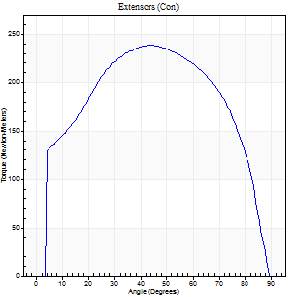
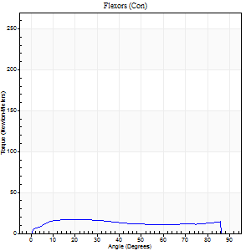
Right Side Curves Left Side Curves
Isokinetic Con/Con |  |  |  | Extensors (Con) |  | Flexors (Con)
Speed 60/60 d/s 3 Reps |  |  |  | Value | Cof Var | %BW | Value | Cof Var | %BW | Ratio

TORQUE PARAMETERS
Peak Torque (Newton-Meters - Best Repetition)
Right |  |  |  | 239 | 0.06 | 313 | 16 | 0.07 | 21 | 7
Left |  |  |  | 0 | 0 | 0 | 0 | 0 | 0 | 0
Deficit |  |  |  | 0 |  |  | 0
Work per Repetition (Newton-Meters - Best Repetition)
Right |  |  |  | 277 | 0.04 | 364 | 19 | 0.26 | 24 | 7
Left |  |  |  | 0 | 0 | 0 | 0 | 0 | 0 | 0
Deficit |  |  |  | 0 |  |  | 0
Average Power per Repetition (Watts - Best Repetition)
Right |  |  |  | 177 | 0.04 | 233 | 12 | 0.22 | 15 | 7
Left |  |  |  | 0 | 0 | 0 | 0 | 0 | 0 | 0
Deficit |  |  |  | 0 |  |  | 0
POSITION PARAMETERS
Joint Angle at Peak Torque (Degrees)
Right |  |  |  | 42 | 0.05 |  | 16 | 0.17
Left |  |  |  | 0 | 0 |  | 0 | 0
Range of Motion (Degrees)
Right |  |  |  | 0 | 0 |  | 90 | 0
Left |  |  |  | 0 | 0 |  | 0 | 0
TIME PARAMETERS
Time to Peak Torque (Seconds)
Right |  |  |  | 0.8 | 0.05 |  | 0.31 | 0.16
Left |  |  |  | 0 | 0 |  | 0 | 0
Time Peak Torque Held (Seconds)
Right |  |  |  | 0.07 | 0.31 |  | 0.02 | 1.73
Left |  |  |  | 0 | 0 |  | 0 | 0
Force Decay Time (Seconds)
Right |  |  |  | 0.69 | 0.04 |  | 1.19 | 0.12
Left |  |  |  | 0 | 0 |  | 0 | 0
Reciprocal Delay (Seconds)
Right |  |  |  | 0.16 | 0.05 |  | 0.34 | 0.07
Left |  |  |  | 0 | 0 |  | 0 | 0
Delay Time (Seconds)
Right |  |  |  | 0.01 | 0 |  | 0.03 | 0.46
Left |  |  |  | 0 | 0 |  | 0 | 0
HUMAC2015® Version: 15.000.0074 © Computer Sports Medicine, Inc. www.csmisolutions.com

Use File, Preference to set Report Heading
Long Form Torque vs. Position Report - Knee Extension/Flexion
Name: |  |  |  | TR030FP3006, | ID: |  | Right/Left: | 16.09.2021 16.09.2021
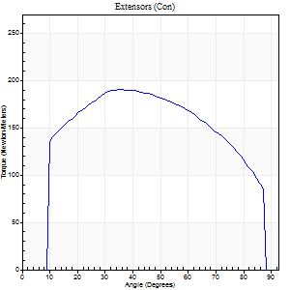
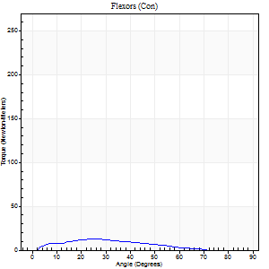
Right Side Curves Left Side Curves
Isokinetic Con/Con |  |  |  | Extensors (Con) |  | Flexors (Con)
Speed 120/120 d/s 3 Reps |  |  |  | Value | Cof Var | %BW | Value | Cof Var | %BW | Ratio

TORQUE PARAMETERS
Peak Torque (Newton-Meters - Best Repetition)
Right |  |  |  | 190 | 0.05 | 250 | 12 | 0.4 | 15 | 6
Left |  |  |  | 0 | 0 | 0 | 0 | 0 | 0 | 0
Deficit |  |  |  | 0 |  |  | 0
Work per Repetition (Newton-Meters - Best Repetition)
Right |  |  |  | 220 | 0.07 | 289 | 9 | 0.61 | 12 | 4
Left |  |  |  | 0 | 0 | 0 | 0 | 0 | 0 | 0
Deficit |  |  |  | 0 |  |  | 0
Average Power per Repetition (Watts - Best Repetition)
Right |  |  |  | 268 | 0.08 | 352 | 11 | 0.85 | 15 | 4
Left |  |  |  | 0 | 0 | 0 | 0 | 0 | 0 | 0
Deficit |  |  |  | 0 |  |  | 0
POSITION PARAMETERS
Joint Angle at Peak Torque (Degrees)
Right |  |  |  | 37 | 0.02 |  | 62 | 0.53
Left |  |  |  | 0 | 0 |  | 0 | 0
Range of Motion (Degrees)
Right |  |  |  | 0 | 1.41 |  | 89 | 0.01
Left |  |  |  | 0 | 0 |  | 0 | 0
TIME PARAMETERS
Time to Peak Torque (Seconds)
Right |  |  |  | 0.46 | 0 |  | 0.79 | 0.62
Left |  |  |  | 0 | 0 |  | 0 | 0
Time Peak Torque Held (Seconds)
Right |  |  |  | 0.03 | 0 |  | 0 | 0
Left |  |  |  | 0 | 0 |  | 0 | 0
Force Decay Time (Seconds)
Right |  |  |  | 0.33 | 0.06 |  | 0.28 | 0.92
Left |  |  |  | 0 | 0 |  | 0 | 0
Reciprocal Delay (Seconds)
Right |  |  |  | 0.12 | 0.12 |  | 0.12 | 0.05
Left |  |  |  | 0 | 0 |  | 0 | 0
Delay Time (Seconds)
Right |  |  |  | 0 | 1.41 |  | 0.1 | 0.39
Left |  |  |  | 0 | 0 |  | 0 | 0
HUMAC2015® Version: 15.000.0074 © Computer Sports Medicine, Inc. www.csmisolutions.com

Use File, Preference to set Report Heading
Long Form Torque vs. Position Report - Knee Extension/Flexion
Name: |  |  |  | TR030FP3006, | ID: |  | Right/Left: | 16.09.2021 16.09.2021
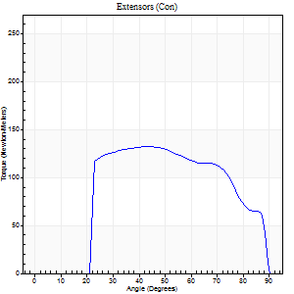
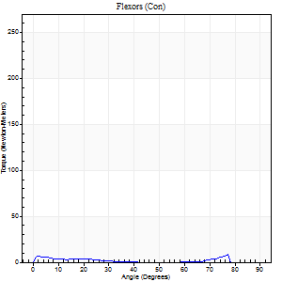
Right Side Curves Left Side Curves
Isokinetic Con/Con |  |  |  | Extensors (Con) |  | Flexors (Con)
Speed 240/240 d/s 3 Reps |  |  |  | Value | Cof Var | %BW | Value | Cof Var | %BW | Ratio

TORQUE PARAMETERS
Peak Torque (Newton-Meters - Best Repetition)
Right |  |  |  | 133 | 0.03 | 176 | 8 | 0.18 | 12 | 6
Left |  |  |  | 0 | 0 | 0 | 0 | 0 | 0 | 0
Deficit |  |  |  | 0 |  |  | 0
Work per Repetition (Newton-Meters - Best Repetition)
Right |  |  |  | 132 | 0.06 | 173 | 5 | 0.43 | 6 | 4
Left |  |  |  | 0 | 0 | 0 | 0 | 0 | 0 | 0
Deficit |  |  |  | 0 |  |  | 0
Average Power per Repetition (Watts - Best Repetition)
Right |  |  |  | 234 | 0.01 | 308 | 8 | 0.66 | 11 | 3
Left |  |  |  | 0 | 0 | 0 | 0 | 0 | 0 | 0
Deficit |  |  |  | 0 |  |  | 0
POSITION PARAMETERS
Joint Angle at Peak Torque (Degrees)
Right |  |  |  | 41 | 0.08 |  | 29 | 1.43
Left |  |  |  | 0 | 0 |  | 0 | 0
Range of Motion (Degrees)
Right |  |  |  | 0 | 0 |  | 89 | 0
Left |  |  |  | 0 | 0 |  | 0 | 0
TIME PARAMETERS
Time to Peak Torque (Seconds)
Right |  |  |  | 0.25 | 0.06 |  | 0.35 | 1.19
Left |  |  |  | 0 | 0 |  | 0 | 0
Time Peak Torque Held (Seconds)
Right |  |  |  | 0.02 | 0 |  | 0.02 | 1.73
Left |  |  |  | 0 | 0 |  | 0 | 0
Force Decay Time (Seconds)
Right |  |  |  | 0.24 | 0.06 |  | 0.46 | 0.72
Left |  |  |  | 0 | 0 |  | 0 | 0
Reciprocal Delay (Seconds)
Right |  |  |  | 0.05 | 0.28 |  | 0.15 | 0.14
Left |  |  |  | 0 | 0 |  | 0 | 0
Delay Time (Seconds)
Right |  |  |  | 0 | 0 |  | -0.01 | -2.41
Left |  |  |  | 0 | 0 |  | 0 | 0
HUMAC2015® Version: 15.000.0074 © Computer Sports Medicine, Inc. www.csmisolutions.com

Use File, Preference to set Report Heading
Isometric - Knee Extension/Flexion
Name: |  |  |  | TR030FP3006, | ID: |  | Right/Left: | 16.09.2021 16.09.2021

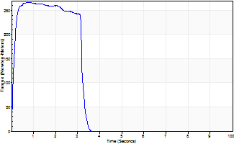
Isometric Extensors (Con) Angle 60 Time 10 Repetition 2 (Best Repetition)
 | Value | Cof Var | %BW
Peak Torque (Newton-Meters)
Right | 267 | 0.01 | 352
Left | 0 | 0 | 0
Deficit | 0
Average Torque (Newton-Meters)
Right | 81 | 0.01 | 107
Left | 0 | 0 | 0
Deficit | 0
Peak Torque Slope (Newton-Meters/Seconds)
Right | 351 | 0.18 | 462
Left | 0 | 0 | 0 |  | Right Side Curves Left Side Curves
Deficit | 0
Time to Half Peak Torque (Seconds)
Right | 0.1 | 0
Left | 0 | 0
Time to Peak Torque (Seconds)
Right | 0.85 | 0.17
Left | 0 | 0
HUMAC2015® Version: 15.000.0074 © Computer Sports Medicine, Inc. www.csmisolutions.com

pre2
Use File, Preference to set Report Heading
Long Form Torque vs. Position Report - Knee Extension/Flexion
Name: |  |  |  | TR030FP3006, | ID: |  | Right/Left: | 21.09.2021 21.09.2021
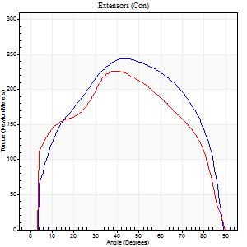
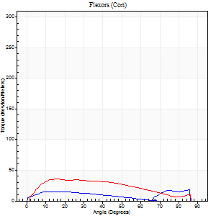
Right Side Curves Left Side Curves
Isokinetic Con/Con |  |  |  | Extensors (Con) |  | Flexors (Con)
Speed 60/60 d/s 3 Reps |  |  |  | Value | Cof Var | %BW | Value | Cof Var | %BW | Ratio

TORQUE PARAMETERS
Peak Torque (Newton-Meters - Best Repetition)
Right |  |  |  | 244 | 0.06 | 322 | 18 | 0.11 | 24 | 7
Left |  |  |  | 226 | 0.09 | 298 | 35 | 0.34 | 48 | 16
Deficit |  |  |  | 7 |  |  | 50
Work per Repetition (Newton-Meters - Best Repetition)
Right |  |  |  | 274 | 0.03 | 361 | 16 | 0.24 | 21 | 6
Left |  |  |  | 248 | 0.04 | 328 | 38 | 0.45 | 51 | 15
Deficit |  |  |  | 9 |  |  | 57
Average Power per Repetition (Watts - Best Repetition)
Right |  |  |  | 174 | 0.03 | 229 | 7 | 0.06 | 9 | 4
Left |  |  |  | 161 | 0.05 | 211 | 26 | 0.43 | 35 | 16
Deficit |  |  |  | 7 |  |  | 73
POSITION PARAMETERS
Joint Angle at Peak Torque (Degrees)
Right |  |  |  | 43 | 0.05 |  | 38 | 1.11
Left |  |  |  | 39 | 0.01 |  | 26 | 0.46
Range of Motion (Degrees)
Right |  |  |  | 0 | -0.16 |  | 90 | 0
Left |  |  |  | 0 | -0.85 |  | 90 | 0
TIME PARAMETERS
Time to Peak Torque (Seconds)
Right |  |  |  | 0.76 | 0.07 |  | 0.91 | 1.3
Left |  |  |  | 0.85 | 0.02 |  | 0.42 | 0.46
Time Peak Torque Held (Seconds)
Right |  |  |  | 0.06 | 0.33 |  | 0.03 | 0.88
Left |  |  |  | 0.05 | 0.22 |  | 0.02 | 1.73
Force Decay Time (Seconds)
Right |  |  |  | 0.72 | 0.05 |  | 0.81 | 0.79
Left |  |  |  | 0.63 | 0.01 |  | 1.03 | 0.23
Reciprocal Delay (Seconds)
Right |  |  |  | 0.12 | 0.28 |  | 0.45 | 0.75
Left |  |  |  | 0.14 | 0.1 |  | 0.17 | 0.17
Delay Time (Seconds)
Right |  |  |  | 0.02 | 0 |  | 0.04 | 1.18
Left |  |  |  | 0.01 | 1.41 |  | 0.05 | 0.53
HUMAC2015® Version: 15.000.0074 © Computer Sports Medicine, Inc. www.csmisolutions.com

Use File, Preference to set Report Heading
Long Form Torque vs. Position Report - Knee Extension/Flexion
Name: |  |  |  | TR030FP3006, | ID: |  | Right/Left: | 21.09.2021 21.09.2021
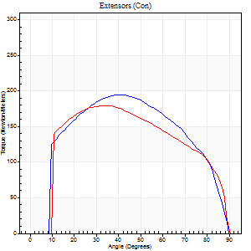
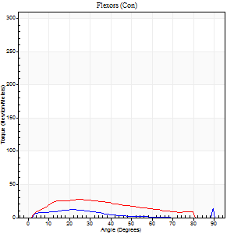
Right Side Curves Left Side Curves
Isokinetic Con/Con |  |  |  | Extensors (Con) |  | Flexors (Con)
Speed 120/120 d/s 3 Reps |  |  |  | Value | Cof Var | %BW | Value | Cof Var | %BW | Ratio

TORQUE PARAMETERS
Peak Torque (Newton-Meters - Best Repetition)
Right |  |  |  | 194 | 0.03 | 256 | 15 | 0.46 | 21 | 8
Left |  |  |  | 179 | 0.06 | 235 | 27 | 0.28 | 36 | 15
Deficit |  |  |  | 8 |  |  | 45
Work per Repetition (Newton-Meters - Best Repetition)
Right |  |  |  | 213 | 0.03 | 280 | 7 | 0.4 | 9 | 3
Left |  |  |  | 199 | 0.06 | 262 | 24 | 0.36 | 33 | 12
Deficit |  |  |  | 6 |  |  | 72
Average Power per Repetition (Watts - Best Repetition)
Right |  |  |  | 259 | 0.04 | 341 | 7 | 0.38 | 9 | 3
Left |  |  |  | 224 | 0.02 | 295 | 30 | 0.39 | 40 | 13
Deficit |  |  |  | 14 |  |  | 77
POSITION PARAMETERS
Joint Angle at Peak Torque (Degrees)
Right |  |  |  | 39 | 0.04 |  | 44 | 0.9
Left |  |  |  | 34 | 0.07 |  | 19 | 0.25
Range of Motion (Degrees)
Right |  |  |  | 1 | 0.59 |  | 90 | 0
Left |  |  |  | 0 | 1.41 |  | 89 | 0.01
TIME PARAMETERS
Time to Peak Torque (Seconds)
Right |  |  |  | 0.45 | 0.05 |  | 0.49 | 0.88
Left |  |  |  | 0.49 | 0.03 |  | 0.21 | 0.07
Time Peak Torque Held (Seconds)
Right |  |  |  | 0.03 | 0.22 |  | 0.01 | 0.87
Left |  |  |  | 0.05 | 0.11 |  | 0 | 0
Force Decay Time (Seconds)
Right |  |  |  | 0.35 | 0.12 |  | 0.45 | 0.97
Left |  |  |  | 0.3 | 0.08 |  | 0.61 | 0.07
Reciprocal Delay (Seconds)
Right |  |  |  | 0.09 | 0.22 |  | 0.15 | 0.29
Left |  |  |  | 0.05 | 0.13 |  | 0.15 | 0.16
Delay Time (Seconds)
Right |  |  |  | 0 | 0 |  | 0.04 | 1.39
Left |  |  |  | 0 | -1.41 |  | 0.02 | 1.32
HUMAC2015® Version: 15.000.0074 © Computer Sports Medicine, Inc. www.csmisolutions.com

Use File, Preference to set Report Heading
Long Form Torque vs. Position Report - Knee Extension/Flexion
Name: |  |  |  | TR030FP3006, | ID: |  | Right/Left: | 21.09.2021 21.09.2021
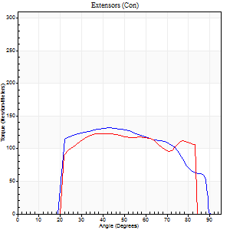
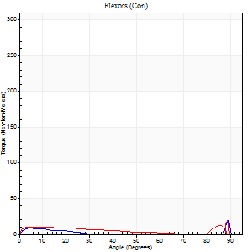
Right Side Curves Left Side Curves
Isokinetic Con/Con |  |  |  | Extensors (Con) |  | Flexors (Con)
Speed 240/240 d/s 3 Reps |  |  |  | Value | Cof Var | %BW | Value | Cof Var | %BW | Ratio

TORQUE PARAMETERS
Peak Torque (Newton-Meters - Best Repetition)
Right |  |  |  | 132 | 0.03 | 173 | 24 | 0.53 | 33 | 19
Left |  |  |  | 123 | 0.07 | 161 | 23 | 0.44 | 30 | 19
Deficit |  |  |  | 6 |  |  | 6
Work per Repetition (Newton-Meters - Best Repetition)
Right |  |  |  | 134 | 0.05 | 176 | 4 | 0.18 | 6 | 3
Left |  |  |  | 117 | 0.07 | 152 | 8 | 0.16 | 12 | 7
Deficit |  |  |  | 13 |  |  | 50
Average Power per Repetition (Watts - Best Repetition)
Right |  |  |  | 258 | 0.04 | 338 | 5 | 0.23 | 7 | 2
Left |  |  |  | 258 | 0.14 | 338 | 13 | 0.13 | 18 | 5
Deficit |  |  |  | 0 |  |  | 62
POSITION PARAMETERS
Joint Angle at Peak Torque (Degrees)
Right |  |  |  | 42 | 0.02 |  | 61 | 0.81
Left |  |  |  | 40 | 0.03 |  | 62 | 0.71
Range of Motion (Degrees)
Right |  |  |  | 1 | 0.42 |  | 90 | 0
Left |  |  |  | 0 | 1.41 |  | 87 | 0.04
TIME PARAMETERS
Time to Peak Torque (Seconds)
Right |  |  |  | 0.25 | 0.03 |  | 0.61 | 0.75
Left |  |  |  | 0.27 | 0.05 |  | 0.53 | 0.54
Time Peak Torque Held (Seconds)
Right |  |  |  | 0.01 | 0 |  | 0 | 0
Left |  |  |  | 0.01 | 0 |  | 0 | 0
Force Decay Time (Seconds)
Right |  |  |  | 0.24 | 0.04 |  | 0.23 | 1.78
Left |  |  |  | 0.25 | 0.06 |  | 0.16 | 1.43
Reciprocal Delay (Seconds)
Right |  |  |  | 0.09 | 0.25 |  | 0.14 | 0.26
Left |  |  |  | 0.06 | 0.24 |  | 0.21 | 0.42
Delay Time (Seconds)
Right |  |  |  | -0.01 | 0 |  | -0.02 | 0
Left |  |  |  | -0.02 | -0.71 |  | -0.04 | -0.16
HUMAC2015® Version: 15.000.0074 © Computer Sports Medicine, Inc. www.csmisolutions.com

Use File, Preference to set Report Heading
Isometric - Knee Extension/Flexion
Name: |  |  |  | TR030FP3006, | ID: |  | Right/Left: | 21.09.2021 21.09.2021

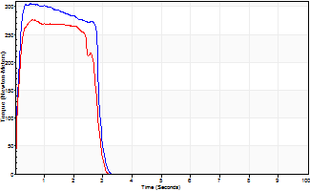
Isometric Extensors (Con) Angle 60 Time 10 Repetition 2 (Best Repetition)
 | Value | Cof Var | %BW
Peak Torque (Newton-Meters)
Right | 305 | 0.01 | 402
Left | 277 | 0.08 | 364
Deficit | 9
Average Torque (Newton-Meters)
Right | 81 | 0.1 | 107
Left | 71 | 0.06 | 92
Deficit | 13
Peak Torque Slope (Newton-Meters/Seconds)
Right | 576 | 0.01 | 758
Left | 461 | 0.43 | 606 |  | Right Side Curves Left Side Curves
Deficit | 20
Time to Half Peak Torque (Seconds)
Right | 0.11 | 0.07
Left | 0.09 | 0.07
Time to Peak Torque (Seconds)
Right | 0.52 | 0
Left | 0.79 | 0.36
HUMAC2015® Version: 15.000.0074 © Computer Sports Medicine, Inc. www.csmisolutions.com

mid1
Use File, Preference to set Report Heading
Long Form Torque vs. Position Report - Knee Extension/Flexion
Name: |  |  |  | TR030FP3006, | ID: |  | Right/Left: | 08.11.2021 08.11.2021
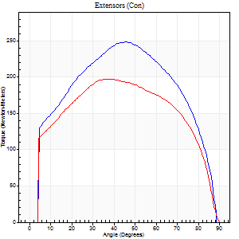
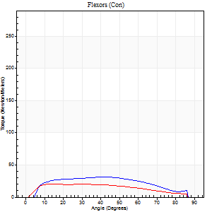
Right Side Curves Left Side Curves
Isokinetic Con/Con |  |  |  | Extensors (Con) |  | Flexors (Con)
Speed 60/60 d/s 3 Reps |  |  |  | Value | Cof Var | %BW | Value | Cof Var | %BW | Ratio

TORQUE PARAMETERS
Peak Torque (Newton-Meters - Best Repetition)
Right |  |  |  | 248 | 0.01 | 328 | 31 | 0.3 | 42 | 13
Left |  |  |  | 197 | 0.04 | 259 | 20 | 0.01 | 27 | 10
Deficit |  |  |  | 21 |  |  | 35
Work per Repetition (Newton-Meters - Best Repetition)
Right |  |  |  | 279 | 0.03 | 367 | 34 | 0.37 | 45 | 12
Left |  |  |  | 231 | 0.02 | 304 | 22 | 0.14 | 30 | 9
Deficit |  |  |  | 17 |  |  | 36
Average Power per Repetition (Watts - Best Repetition)
Right |  |  |  | 181 | 0.03 | 237 | 23 | 0.37 | 31 | 13
Left |  |  |  | 147 | 0.01 | 193 | 15 | 0.16 | 20 | 10
Deficit |  |  |  | 19 |  |  | 35
POSITION PARAMETERS
Joint Angle at Peak Torque (Degrees)
Right |  |  |  | 43 | 0.06 |  | 27 | 0.52
Left |  |  |  | 39 | 0.09 |  | 19 | 0.48
Range of Motion (Degrees)
Right |  |  |  | 0 | -2.83 |  | 90 | 0.01
Left |  |  |  | 0 | -0.85 |  | 89 | 0.01
TIME PARAMETERS
Time to Peak Torque (Seconds)
Right |  |  |  | 0.76 | 0.07 |  | 0.4 | 0.54
Left |  |  |  | 0.89 | 0.04 |  | 0.32 | 0.42
Time Peak Torque Held (Seconds)
Right |  |  |  | 0.05 | 0.45 |  | 0.08 | 0.22
Left |  |  |  | 0.06 | 0.18 |  | 0.05 | 1.08
Force Decay Time (Seconds)
Right |  |  |  | 0.72 | 0.02 |  | 0.97 | 0.24
Left |  |  |  | 0.63 | 0.11 |  | 1.14 | 0.18
Reciprocal Delay (Seconds)
Right |  |  |  | 0.09 | 0.47 |  | 0.15 | 0.41
Left |  |  |  | 0.08 | 0.09 |  | 0.23 | 0.27
Delay Time (Seconds)
Right |  |  |  | 0.01 | 0.47 |  | 0.09 | 0.27
Left |  |  |  | -0.01 | -2.36 |  | 0.03 | 0.46
HUMAC2015® Version: 15.000.0074 © Computer Sports Medicine, Inc. www.csmisolutions.com

Use File, Preference to set Report Heading
Long Form Torque vs. Position Report - Knee Extension/Flexion
Name: |  |  |  | TR030FP3006, | ID: |  | Right/Left: | 08.11.2021 08.11.2021
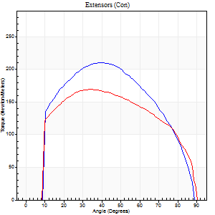
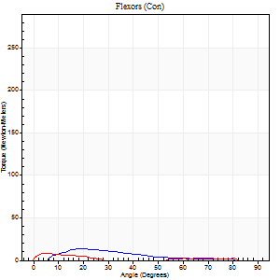
Right Side Curves Left Side Curves
Isokinetic Con/Con |  |  |  | Extensors (Con) |  | Flexors (Con)
Speed 120/120 d/s 3 Reps |  |  |  | Value | Cof Var | %BW | Value | Cof Var | %BW | Ratio

TORQUE PARAMETERS
Peak Torque (Newton-Meters - Best Repetition)
Right |  |  |  | 210 | 0.02 | 277 | 14 | 0.13 | 18 | 6
Left |  |  |  | 170 | 0.03 | 224 | 8 | 0.22 | 12 | 5
Deficit |  |  |  | 19 |  |  | 40
Work per Repetition (Newton-Meters - Best Repetition)
Right |  |  |  | 225 | 0.03 | 295 | 8 | 0.25 | 12 | 4
Left |  |  |  | 194 | 0.05 | 256 | 4 | 0.32 | 6 | 2
Deficit |  |  |  | 14 |  |  | 50
Average Power per Repetition (Watts - Best Repetition)
Right |  |  |  | 281 | 0.04 | 369 | 11 | 0.34 | 15 | 4
Left |  |  |  | 216 | 0.02 | 284 | 3 | 0.33 | 4 | 1
Deficit |  |  |  | 23 |  |  | 73
POSITION PARAMETERS
Joint Angle at Peak Torque (Degrees)
Right |  |  |  | 41 | 0.08 |  | 19 | 0.14
Left |  |  |  | 35 | 0.06 |  | 5 | 0.27
Range of Motion (Degrees)
Right |  |  |  | 1 | 0.66 |  | 89 | 0.01
Left |  |  |  | 0 | 0.28 |  | 90 | 0.01
TIME PARAMETERS
Time to Peak Torque (Seconds)
Right |  |  |  | 0.44 | 0 |  | 0.19 | 0.46
Left |  |  |  | 0.46 | 0.06 |  | 0.14 | 0.15
Time Peak Torque Held (Seconds)
Right |  |  |  | 0.03 | 0 |  | 0.02 | 0.69
Left |  |  |  | 0.04 | 0.13 |  | 0.04 | 0.75
Force Decay Time (Seconds)
Right |  |  |  | 0.34 | 0.06 |  | 0.64 | 0.11
Left |  |  |  | 0.33 | 0.08 |  | 1.02 | 0.19
Reciprocal Delay (Seconds)
Right |  |  |  | 0.06 | 0.24 |  | 0.1 | 0.73
Left |  |  |  | 0.07 | 0.4 |  | 0.23 | 0.22
Delay Time (Seconds)
Right |  |  |  | 0 | 0 |  | 0.04 | 1.29
Left |  |  |  | 0.01 | 1.41 |  | -0.02 | -0.65
HUMAC2015® Version: 15.000.0074 © Computer Sports Medicine, Inc. www.csmisolutions.com

Use File, Preference to set Report Heading
Long Form Torque vs. Position Report - Knee Extension/Flexion
Name: |  |  |  | TR030FP3006, | ID: |  | Right/Left: | 08.11.2021 08.11.2021
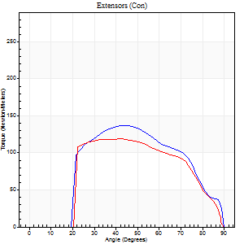
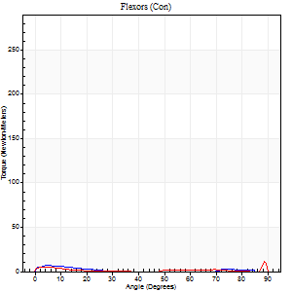
Right Side Curves Left Side Curves
Isokinetic Con/Con |  |  |  | Extensors (Con) |  | Flexors (Con)
Speed 240/240 d/s 3 Reps |  |  |  | Value | Cof Var | %BW | Value | Cof Var | %BW | Ratio

TORQUE PARAMETERS
Peak Torque (Newton-Meters - Best Repetition)
Right |  |  |  | 137 | 0.06 | 179 | 7 | 0.25 | 9 | 5
Left |  |  |  | 119 | 0.05 | 158 | 11 | 0.31 | 15 | 9
Deficit |  |  |  | 13 |  |  | 38
Work per Repetition (Newton-Meters - Best Repetition)
Right |  |  |  | 126 | 0.05 | 167 | 3 | 0.19 | 3 | 2
Left |  |  |  | 117 | 0.07 | 152 | 3 | 0.81 | 3 | 2
Deficit |  |  |  | 8 |  |  | 0
Average Power per Repetition (Watts - Best Repetition)
Right |  |  |  | 230 | 0.09 | 303 | 2 | 0.25 | 2 | 1
Left |  |  |  | 211 | 0.08 | 277 | 3 | 0.16 | 4 | 1
Deficit |  |  |  | 8 |  |  | 33
POSITION PARAMETERS
Joint Angle at Peak Torque (Degrees)
Right |  |  |  | 44 | 0.05 |  | 4 | 0.25
Left |  |  |  | 43 | 0.17 |  | 34 | 1.37
Range of Motion (Degrees)
Right |  |  |  | 0 | 0.35 |  | 90 | 0
Left |  |  |  | 0 | 0.47 |  | 90 | 0
TIME PARAMETERS
Time to Peak Torque (Seconds)
Right |  |  |  | 0.25 | 0.08 |  | 0.16 | 0.17
Left |  |  |  | 0.29 | 0 |  | 0.18 | 0.58
Time Peak Torque Held (Seconds)
Right |  |  |  | 0.01 | 0 |  | 0.05 | 0.89
Left |  |  |  | 0.02 | 0.87 |  | 0 | 0
Force Decay Time (Seconds)
Right |  |  |  | 0.28 | 0.07 |  | 0.97 | 0.13
Left |  |  |  | 0.26 | 0.15 |  | 0.62 | 0.84
Reciprocal Delay (Seconds)
Right |  |  |  | 0.09 | 0.31 |  | 0.22 | 0.3
Left |  |  |  | 0.11 | 0.07 |  | 0.29 | 0.12
Delay Time (Seconds)
Right |  |  |  | -0.02 | 0 |  | -0.06 | -0.24
Left |  |  |  | -0.02 | 0 |  | 0.29 | 2.21
HUMAC2015® Version: 15.000.0074 © Computer Sports Medicine, Inc. www.csmisolutions.com

Use File, Preference to set Report Heading
Isometric - Knee Extension/Flexion
Name: |  |  |  | TR030FP3006, | ID: |  | Right/Left: | 08.11.2021 08.11.2021

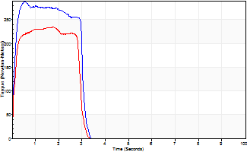
Isometric Extensors (Con) Angle 60 Time 10 Repetition 2 (Best Repetition)
 | Value | Cof Var | %BW
Peak Torque (Newton-Meters)
Right | 287 | 0.03 | 378
Left | 235 | 0.02 | 310
Deficit | 18
Average Torque (Newton-Meters)
Right | 80 | 0.04 | 104
Left | 64 | 0.04 | 83
Deficit | 20
Peak Torque Slope (Newton-Meters/Seconds)
Right | 564 | 0.78 | 743
Left | 451 | 0.76 | 593 |  | Right Side Curves Left Side Curves
Deficit | 20
Time to Half Peak Torque (Seconds)
Right | 0.11 | 0.07
Left | 0.11 | 0.13
Time to Peak Torque (Seconds)
Right | 1.09 | 0.77
Left | 1.12 | 0.78
HUMAC2015® Version: 15.000.0074 © Computer Sports Medicine, Inc. www.csmisolutions.com

post1
Use File, Preference to set Report Heading
Long Form Torque vs. Position Report - Knee Extension/Flexion
Name: |  |  |  | TR030FP3006, | ID: |  | Right/Left: | 01.12.2021 01.12.2021
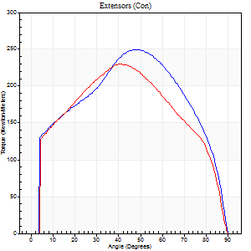
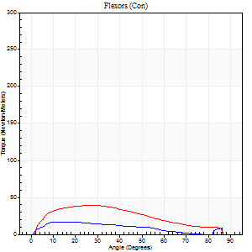
Right Side Curves Left Side Curves
Isokinetic Con/Con |  |  |  | Extensors (Con) |  | Flexors (Con)
Speed 60/60 d/s 3 Reps |  |  |  | Value | Cof Var | %BW | Value | Cof Var | %BW | Ratio

TORQUE PARAMETERS
Peak Torque (Newton-Meters - Best Repetition)
Right |  |  |  | 250 | 0.04 | 328 | 16 | 0.13 | 21 | 7
Left |  |  |  | 229 | 0.04 | 301 | 39 | 0.28 | 51 | 17
Deficit |  |  |  | 8 |  |  | 59
Work per Repetition (Newton-Meters - Best Repetition)
Right |  |  |  | 277 | 0.04 | 364 | 14 | 0.15 | 18 | 5
Left |  |  |  | 254 | 0.02 | 334 | 37 | 0.27 | 48 | 14
Deficit |  |  |  | 8 |  |  | 63
Average Power per Repetition (Watts - Best Repetition)
Right |  |  |  | 175 | 0.03 | 231 | 7 | 0.03 | 9 | 4
Left |  |  |  | 161 | 0.02 | 211 | 25 | 0.27 | 33 | 16
Deficit |  |  |  | 8 |  |  | 72
POSITION PARAMETERS
Joint Angle at Peak Torque (Degrees)
Right |  |  |  | 49 | 0.01 |  | 16 | 0.52
Left |  |  |  | 43 | 0.06 |  | 25 | 0.3
Range of Motion (Degrees)
Right |  |  |  | 0 | -0.35 |  | 90 | 0
Left |  |  |  | 0 | 0 |  | 90 | 0
TIME PARAMETERS
Time to Peak Torque (Seconds)
Right |  |  |  | 0.67 | 0 |  | 0.29 | 0.43
Left |  |  |  | 0.78 | 0.08 |  | 0.42 | 0.32
Time Peak Torque Held (Seconds)
Right |  |  |  | 0.07 | 0.09 |  | 0 | 0
Left |  |  |  | 0.05 | 0.2 |  | 0.07 | 0.57
Force Decay Time (Seconds)
Right |  |  |  | 0.81 | 0.01 |  | 1.36 | 0.24
Left |  |  |  | 0.73 | 0.05 |  | 1.01 | 0.15
Reciprocal Delay (Seconds)
Right |  |  |  | 0.08 | 0.18 |  | 0.28 | 0.21
Left |  |  |  | 0.12 | 0.59 |  | 0.24 | 0.19
Delay Time (Seconds)
Right |  |  |  | 0.01 | 0.47 |  | 0.07 | 0.75
Left |  |  |  | 0 | 4.24 |  | 0.04 | 0.42
HUMAC2015® Version: 15.000.0074 © Computer Sports Medicine, Inc. www.csmisolutions.com

Use File, Preference to set Report Heading
Long Form Torque vs. Position Report - Knee Extension/Flexion
Name: |  |  |  | TR030FP3006, | ID: |  | Right/Left: | 01.12.2021 01.12.2021
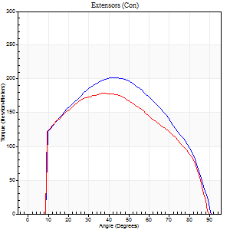
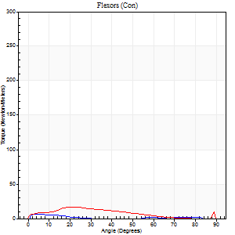
Right Side Curves Left Side Curves
Isokinetic Con/Con |  |  |  | Extensors (Con) |  | Flexors (Con)
Speed 120/120 d/s 3 Reps |  |  |  | Value | Cof Var | %BW | Value | Cof Var | %BW | Ratio

TORQUE PARAMETERS
Peak Torque (Newton-Meters - Best Repetition)
Right |  |  |  | 202 | 0.02 | 265 | 7 | 0.29 | 9 | 3
Left |  |  |  | 179 | 0.02 | 235 | 16 | 0.66 | 21 | 9
Deficit |  |  |  | 11 |  |  | 58
Work per Repetition (Newton-Meters - Best Repetition)
Right |  |  |  | 216 | 0.02 | 283 | 3 | 0.2 | 3 | 1
Left |  |  |  | 201 | 0.02 | 265 | 12 | 0.95 | 15 | 6
Deficit |  |  |  | 7 |  |  | 78
Average Power per Repetition (Watts - Best Repetition)
Right |  |  |  | 246 | 0.02 | 323 | 3 | 0.22 | 4 | 1
Left |  |  |  | 228 | 0.01 | 301 | 13 | 1.02 | 18 | 6
Deficit |  |  |  | 7 |  |  | 77
POSITION PARAMETERS
Joint Angle at Peak Torque (Degrees)
Right |  |  |  | 38 | 0.09 |  | 7 | 0.85
Left |  |  |  | 37 | 0.02 |  | 10 | 1.08
Range of Motion (Degrees)
Right |  |  |  | 0 | 0.61 |  | 90 | 0.01
Left |  |  |  | 0 | 7.07 |  | 89 | 0
TIME PARAMETERS
Time to Peak Torque (Seconds)
Right |  |  |  | 0.47 | 0.01 |  | 0.16 | 0.95
Left |  |  |  | 0.47 | 0.02 |  | 0.18 | 0.66
Time Peak Torque Held (Seconds)
Right |  |  |  | 0.03 | 0.33 |  | 0.01 | 1
Left |  |  |  | 0.04 | 0.79 |  | 0.05 | 1.25
Force Decay Time (Seconds)
Right |  |  |  | 0.37 | 0.13 |  | 0.87 | 0.2
Left |  |  |  | 0.35 | 0.12 |  | 0.77 | 0.18
Reciprocal Delay (Seconds)
Right |  |  |  | 0.05 | 0.39 |  | 0.21 | 0.43
Left |  |  |  | 0.05 | 0.28 |  | 0.29 | 0.25
Delay Time (Seconds)
Right |  |  |  | 0 | -1.41 |  | 0 | 0
Left |  |  |  | 0 | -1.41 |  | -0.03 | -0.22
HUMAC2015® Version: 15.000.0074 © Computer Sports Medicine, Inc. www.csmisolutions.com

Use File, Preference to set Report Heading
Long Form Torque vs. Position Report - Knee Extension/Flexion
Name: |  |  |  | TR030FP3006, | ID: |  | Right/Left: | 01.12.2021 01.12.2021
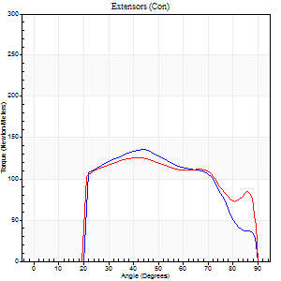
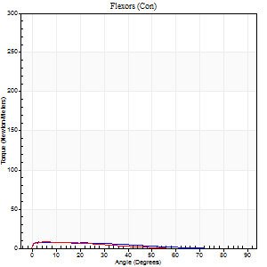
Right Side Curves Left Side Curves
Isokinetic Con/Con |  |  |  | Extensors (Con) |  | Flexors (Con)
Speed 240/240 d/s 3 Reps |  |  |  | Value | Cof Var | %BW | Value | Cof Var | %BW | Ratio

TORQUE PARAMETERS
Peak Torque (Newton-Meters - Best Repetition)
Right |  |  |  | 136 | 0.01 | 179 | 8 | 0.31 | 12 | 6
Left |  |  |  | 126 | 0.04 | 167 | 8 | 0.14 | 12 | 6
Deficit |  |  |  | 7 |  |  | 0
Work per Repetition (Newton-Meters - Best Repetition)
Right |  |  |  | 125 | 0.01 | 164 | 5 | 0.56 | 6 | 4
Left |  |  |  | 130 | 0.07 | 170 | 4 | 0.41 | 6 | 3
Deficit |  |  |  | 4 |  |  | 25
Average Power per Repetition (Watts - Best Repetition)
Right |  |  |  | 240 | 0.16 | 316 | 8 | 0.83 | 11 | 3
Left |  |  |  | 229 | 0.06 | 301 | 7 | 0.7 | 9 | 3
Deficit |  |  |  | 5 |  |  | 13
POSITION PARAMETERS
Joint Angle at Peak Torque (Degrees)
Right |  |  |  | 44 | 0.02 |  | 27 | 1.56
Left |  |  |  | 41 | 0.05 |  | 4 | 0.2
Range of Motion (Degrees)
Right |  |  |  | 0 | 0.47 |  | 90 | 0.01
Left |  |  |  | 0 | -1.41 |  | 89 | 0
TIME PARAMETERS
Time to Peak Torque (Seconds)
Right |  |  |  | 0.23 | 0.03 |  | 0.39 | 1.24
Left |  |  |  | 0.26 | 0.05 |  | 0.17 | 0.03
Time Peak Torque Held (Seconds)
Right |  |  |  | 0.01 | 0.87 |  | 0.01 | 1.73
Left |  |  |  | 0.01 | 1.73 |  | 0.04 | 1.03
Force Decay Time (Seconds)
Right |  |  |  | 0.34 | 0.27 |  | 0.55 | 0.82
Left |  |  |  | 0.28 | 0.04 |  | 0.76 | 0.35
Reciprocal Delay (Seconds)
Right |  |  |  | 0.05 | 0.28 |  | 0.26 | 0.39
Left |  |  |  | 0.06 | 0.33 |  | 0.41 | 0.13
Delay Time (Seconds)
Right |  |  |  | -0.01 | 0 |  | -0.04 | -0.58
Left |  |  |  | -0.02 | -0.71 |  | -0.06 | -0.18
HUMAC2015® Version: 15.000.0074 © Computer Sports Medicine, Inc. www.csmisolutions.com

Use File, Preference to set Report Heading
Isometric - Knee Extension/Flexion
Name: |  |  |  | TR030FP3006, | ID: |  | Right/Left: | 01.12.2021 01.12.2021

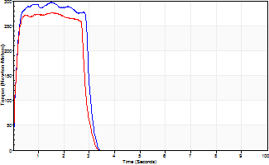
Isometric Extensors (Con) Angle 60 Time 10 Repetition 2 (Best Repetition)
 | Value | Cof Var | %BW
Peak Torque (Newton-Meters)
Right | 297 | 0.05 | 390
Left | 277 | 0.02 | 364
Deficit | 7
Average Torque (Newton-Meters)
Right | 84 | 0 | 110
Left | 79 | 0.04 | 104
Deficit | 6
Peak Torque Slope (Newton-Meters/Seconds)
Right | 497 | 0.61 | 654
Left | 456 | 0.62 | 600 |  | Right Side Curves Left Side Curves
Deficit | 8
Time to Half Peak Torque (Seconds)
Right | 0.11 | 0.13
Left | 0.11 | 0
Time to Peak Torque (Seconds)
Right | 1.02 | 0.65
Left | 1.05 | 0.64
HUMAC2015® Version: 15.000.0074 © Computer Sports Medicine, Inc. www.csmisolutions.com

post2
Use File, Preference to set Report Heading
Long Form Torque vs. Position Report - Knee Extension/Flexion
Name: |  |  |  | TR030FP3006, | ID: |  | Right/Left: | 03.12.2021 03.12.2021
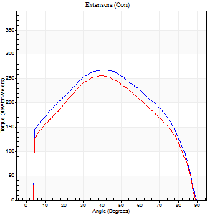
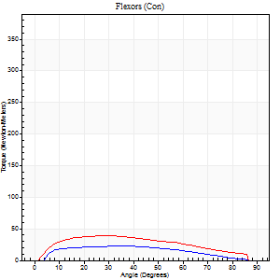
Right Side Curves Left Side Curves
Isokinetic Con/Con |  |  |  | Extensors (Con) |  | Flexors (Con)
Speed 60/60 d/s 3 Reps |  |  |  | Value | Cof Var | %BW | Value | Cof Var | %BW | Ratio

TORQUE PARAMETERS
Peak Torque (Newton-Meters - Best Repetition)
Right |  |  |  | 268 | 0.02 | 355 | 23 | 0.21 | 30 | 9
Left |  |  |  | 256 | 0.05 | 337 | 39 | 0.25 | 51 | 15
Deficit |  |  |  | 5 |  |  | 41
Work per Repetition (Newton-Meters - Best Repetition)
Right |  |  |  | 301 | 0.03 | 396 | 23 | 0.35 | 30 | 8
Left |  |  |  | 279 | 0.04 | 367 | 41 | 0.28 | 54 | 15
Deficit |  |  |  | 7 |  |  | 43
Average Power per Repetition (Watts - Best Repetition)
Right |  |  |  | 193 | 0.04 | 255 | 15 | 0.33 | 20 | 8
Left |  |  |  | 181 | 0.03 | 237 | 27 | 0.29 | 35 | 15
Deficit |  |  |  | 6 |  |  | 44
POSITION PARAMETERS
Joint Angle at Peak Torque (Degrees)
Right |  |  |  | 42 | 0.03 |  | 21 | 0.54
Left |  |  |  | 42 | 0.07 |  | 27 | 0.04
Range of Motion (Degrees)
Right |  |  |  | 0 | 0 |  | 90 | 0
Left |  |  |  | 0 | -1.41 |  | 89 | 0
TIME PARAMETERS
Time to Peak Torque (Seconds)
Right |  |  |  | 0.82 | 0 |  | 0.27 | 0.75
Left |  |  |  | 0.82 | 0.01 |  | 0.44 | 0.03
Time Peak Torque Held (Seconds)
Right |  |  |  | 0.06 | 0.17 |  | 0.03 | 1.42
Left |  |  |  | 0.05 | 0.11 |  | 0.05 | 0.76
Force Decay Time (Seconds)
Right |  |  |  | 0.68 | 0.05 |  | 1.12 | 0.18
Left |  |  |  | 0.69 | 0.07 |  | 0.99 | 0.04
Reciprocal Delay (Seconds)
Right |  |  |  | 0.09 | 0.16 |  | 0.12 | 0.08
Left |  |  |  | 0.05 | 0.39 |  | 0.21 | 0.14
Delay Time (Seconds)
Right |  |  |  | -0.01 | 0 |  | 0.14 | 0
Left |  |  |  | 0 | -4.24 |  | 0.02 | 0.65
HUMAC2015® Version: 15.000.0074 © Computer Sports Medicine, Inc. www.csmisolutions.com

Use File, Preference to set Report Heading
Long Form Torque vs. Position Report - Knee Extension/Flexion
Name: |  |  |  | TR030FP3006, | ID: |  | Right/Left: | 03.12.2021 03.12.2021
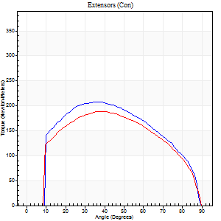
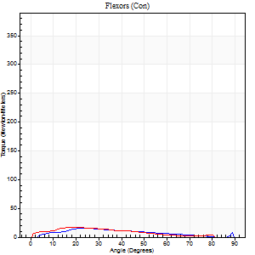
Right Side Curves Left Side Curves
Isokinetic Con/Con |  |  |  | Extensors (Con) |  | Flexors (Con)
Speed 120/120 d/s 3 Reps |  |  |  | Value | Cof Var | %BW | Value | Cof Var | %BW | Ratio

TORQUE PARAMETERS
Peak Torque (Newton-Meters - Best Repetition)
Right |  |  |  | 207 | 0.01 | 274 | 16 | 0.44 | 21 | 8
Left |  |  |  | 188 | 0.02 | 247 | 18 | 0.06 | 24 | 9
Deficit |  |  |  | 9 |  |  | 8
Work per Repetition (Newton-Meters - Best Repetition)
Right |  |  |  | 225 | 0 | 295 | 12 | 0.51 | 15 | 5
Left |  |  |  | 206 | 0.02 | 271 | 14 | 0.13 | 18 | 7
Deficit |  |  |  | 8 |  |  | 10
Average Power per Repetition (Watts - Best Repetition)
Right |  |  |  | 261 | 0.02 | 343 | 15 | 0.55 | 20 | 6
Left |  |  |  | 237 | 0.02 | 312 | 15 | 0.19 | 20 | 6
Deficit |  |  |  | 9 |  |  | 0
POSITION PARAMETERS
Joint Angle at Peak Torque (Degrees)
Right |  |  |  | 39 | 0.1 |  | 16 | 0.6
Left |  |  |  | 36 | 0.03 |  | 20 | 0.09
Range of Motion (Degrees)
Right |  |  |  | 0 | 0 |  | 89 | 0.01
Left |  |  |  | 0 | 0.28 |  | 90 | 0
TIME PARAMETERS
Time to Peak Torque (Seconds)
Right |  |  |  | 0.47 | 0 |  | 0.2 | 0.35
Left |  |  |  | 0.47 | 0 |  | 0.27 | 0.16
Time Peak Torque Held (Seconds)
Right |  |  |  | 0.03 | 0.17 |  | 0 | 1.73
Left |  |  |  | 0.03 | 0.33 |  | 0.01 | 1
Force Decay Time (Seconds)
Right |  |  |  | 0.36 | 0.06 |  | 0.66 | 0.21
Left |  |  |  | 0.35 | 0.06 |  | 0.63 | 0.05
Reciprocal Delay (Seconds)
Right |  |  |  | 0.04 | 0 |  | 0.16 | 0.27
Left |  |  |  | 0.06 | 0.11 |  | 0.21 | 0.36
Delay Time (Seconds)
Right |  |  |  | -0.01 | 0 |  | 0.03 | 2.38
Left |  |  |  | 0 | 1.41 |  | -0.01 | -1.15
HUMAC2015® Version: 15.000.0074 © Computer Sports Medicine, Inc. www.csmisolutions.com

Use File, Preference to set Report Heading
Long Form Torque vs. Position Report - Knee Extension/Flexion
Name: |  |  |  | TR030FP3006, | ID: |  | Right/Left: | 03.12.2021 03.12.2021
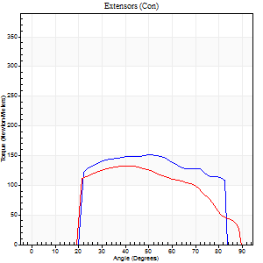
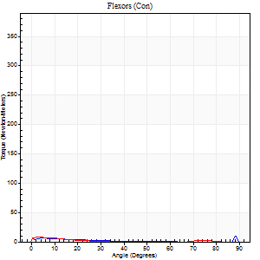
Right Side Curves Left Side Curves
Isokinetic Con/Con |  |  |  | Extensors (Con) |  | Flexors (Con)
Speed 240/240 d/s 3 Reps |  |  |  | Value | Cof Var | %BW | Value | Cof Var | %BW | Ratio

TORQUE PARAMETERS
Peak Torque (Newton-Meters - Best Repetition)
Right |  |  |  | 151 | 0.05 | 197 | 9 | 0.2 | 12 | 6
Left |  |  |  | 133 | 0.02 | 176 | 8 | 0.08 | 12 | 6
Deficit |  |  |  | 12 |  |  | 14
Work per Repetition (Newton-Meters - Best Repetition)
Right |  |  |  | 149 | 0.07 | 197 | 4 | 0.13 | 6 | 3
Left |  |  |  | 125 | 0.07 | 164 | 4 | 0.2 | 6 | 3
Deficit |  |  |  | 16 |  |  | 0
Average Power per Repetition (Watts - Best Repetition)
Right |  |  |  | 281 | 0.09 | 369 | 5 | 0.19 | 7 | 2
Left |  |  |  | 244 | 0.06 | 321 | 4 | 0.25 | 4 | 2
Deficit |  |  |  | 13 |  |  | 20
POSITION PARAMETERS
Joint Angle at Peak Torque (Degrees)
Right |  |  |  | 46 | 0.09 |  | 31 | 1.59
Left |  |  |  | 47 | 0.21 |  | 5 | 0.5
Range of Motion (Degrees)
Right |  |  |  | 0 | -0.47 |  | 87 | 0.04
Left |  |  |  | 0 | 0 |  | 88 | 0.03
TIME PARAMETERS
Time to Peak Torque (Seconds)
Right |  |  |  | 0.25 | 0.03 |  | 0.37 | 1.23
Left |  |  |  | 0.25 | 0 |  | 0.15 | 0.2
Time Peak Torque Held (Seconds)
Right |  |  |  | 0.01 | 1 |  | 0 | 0
Left |  |  |  | 0.01 | 0 |  | 0.03 | 0.78
Force Decay Time (Seconds)
Right |  |  |  | 0.3 | 0.1 |  | 0.46 | 0.86
Left |  |  |  | 0.3 | 0.16 |  | 0.74 | 0.09
Reciprocal Delay (Seconds)
Right |  |  |  | 0.05 | 0.16 |  | 0.57 | 0.33
Left |  |  |  | 0.06 | 0.33 |  | 0.3 | 0.35
Delay Time (Seconds)
Right |  |  |  | -0.02 | 0 |  | -0.05 | 0
Left |  |  |  | -0.01 | -0.47 |  | -0.04 | -0.35
HUMAC2015® Version: 15.000.0074 © Computer Sports Medicine, Inc. www.csmisolutions.com

Use File, Preference to set Report Heading
Isometric - Knee Extension/Flexion
Name: |  |  |  | TR030FP3006, | ID: |  | Right/Left: | 03.12.2021 03.12.2021

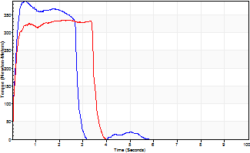
Isometric Extensors (Con) Angle 60 Time 10 Repetition 2 (Best Repetition)
 | Value | Cof Var | %BW
Peak Torque (Newton-Meters)
Right | 389 | 0.02 | 513
Left | 335 | 0.02 | 441
Deficit | 14
Average Torque (Newton-Meters)
Right | 136 | 0.22 | 179
Left | 111 | 0.12 | 146
Deficit | 18
Peak Torque Slope (Newton-Meters/Seconds)
Right | 659 | 0.78 | 868
Left | 169 | 0.04 | 222 |  | Right Side Curves Left Side Curves
Deficit | 74
Time to Half Peak Torque (Seconds)
Right | 0.12 | 0.06
Left | 0.11 | 0.06
Time to Peak Torque (Seconds)
Right | 1.28 | 0.78
Left | 2 | 0.06
HUMAC2015® Version: 15.000.0074 © Computer Sports Medicine, Inc. www.csmisolutions.com

