pre1
Use File, Preference to set Report Heading
Long Form Torque vs. Position Report - Knee Extension/Flexion
Name: |  |  |  | TR030FP3007, | ID: |  | Right/Left: | 17.09.2021 17.09.2021
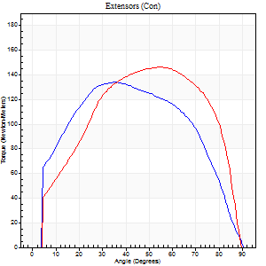
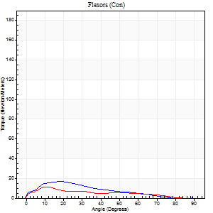
Right Side Curves Left Side Curves
Isokinetic Con/Con |  |  |  | Extensors (Con) |  | Flexors (Con)
Speed 60/60 d/s 3 Reps |  |  |  | Value | Cof Var | %BW | Value | Cof Var | %BW | Ratio

TORQUE PARAMETERS
Peak Torque (Newton-Meters - Best Repetition)
Right |  |  |  | 134 | 0.03 | 167 | 16 | 0.56 | 21 | 12
Left |  |  |  | 146 | 0.05 | 182 | 11 | 0.26 | 15 | 7
Deficit |  |  |  | 8 |  |  | 33
Work per Repetition (Newton-Meters - Best Repetition)
Right |  |  |  | 160 | 0.03 | 200 | 12 | 0.59 | 15 | 8
Left |  |  |  | 163 | 0.06 | 203 | 9 | 0.25 | 12 | 6
Deficit |  |  |  | 2 |  |  | 22
Average Power per Repetition (Watts - Best Repetition)
Right |  |  |  | 101 | 0.04 | 125 | 6 | 0.57 | 7 | 6
Left |  |  |  | 104 | 0.09 | 130 | 6 | 0.27 | 7 | 6
Deficit |  |  |  | 3 |  |  | 0
POSITION PARAMETERS
Joint Angle at Peak Torque (Degrees)
Right |  |  |  | 41 | 0.19 |  | 20 | 0.53
Left |  |  |  | 55 | 0.01 |  | 38 | 0.67
Range of Motion (Degrees)
Right |  |  |  | 0 | 0 |  | 90 | 0
Left |  |  |  | 0 | 1.41 |  | 90 | 0
TIME PARAMETERS
Time to Peak Torque (Seconds)
Right |  |  |  | 0.81 | 0.22 |  | 0.43 | 0.46
Left |  |  |  | 0.67 | 0.11 |  | 0.76 | 0.61
Time Peak Torque Held (Seconds)
Right |  |  |  | 0.08 | 0.15 |  | 0.01 | 1.73
Left |  |  |  | 0.08 | 0.22 |  | 0.02 | 1.73
Force Decay Time (Seconds)
Right |  |  |  | 0.66 | 0.2 |  | 1.48 | 0.2
Left |  |  |  | 0.87 | 0.03 |  | 0.86 | 0.53
Reciprocal Delay (Seconds)
Right |  |  |  | 0.64 | 0.65 |  | 0.95 | 0.23
Left |  |  |  | 0.14 | 0.16 |  | 0.32 | 0.09
Delay Time (Seconds)
Right |  |  |  | -0.01 | -1.41 |  | -0.04 | -0.25
Left |  |  |  | -0.06 | -0.76 |  | -0.04 | -0.27
HUMAC2015® Version: 15.000.0074 © Computer Sports Medicine, Inc. www.csmisolutions.com

Use File, Preference to set Report Heading
Long Form Torque vs. Position Report - Knee Extension/Flexion
Name: |  |  |  | TR030FP3007, | ID: |  | Right/Left: | 17.09.2021 17.09.2021
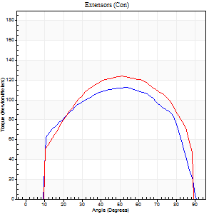
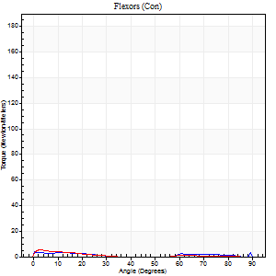
Right Side Curves Left Side Curves
Isokinetic Con/Con |  |  |  | Extensors (Con) |  | Flexors (Con)
Speed 120/120 d/s 3 Reps |  |  |  | Value | Cof Var | %BW | Value | Cof Var | %BW | Ratio

TORQUE PARAMETERS
Peak Torque (Newton-Meters - Best Repetition)
Right |  |  |  | 113 | 0.02 | 140 | 4 | 0.06 | 6 | 4
Left |  |  |  | 123 | 0.07 | 155 | 5 | 0.32 | 6 | 4
Deficit |  |  |  | 9 |  |  | 25
Work per Repetition (Newton-Meters - Best Repetition)
Right |  |  |  | 130 | 0.03 | 164 | 3 | 0.86 | 3 | 2
Left |  |  |  | 140 | 0.09 | 176 | 1 | 0.13 | 3 | 1
Deficit |  |  |  | 7 |  |  | 50
Average Power per Repetition (Watts - Best Repetition)
Right |  |  |  | 150 | 0.06 | 187 | 2 | 0.74 | 2 | 1
Left |  |  |  | 168 | 0.13 | 209 | 2 | 0.19 | 2 | 1
Deficit |  |  |  | 11 |  |  | 0
POSITION PARAMETERS
Joint Angle at Peak Torque (Degrees)
Right |  |  |  | 53 | 0.01 |  | 31 | 1.63
Left |  |  |  | 50 | 0.04 |  | 16 | 1
Range of Motion (Degrees)
Right |  |  |  | 0 | 0 |  | 90 | 0
Left |  |  |  | 1 | 1.27 |  | 89 | 0.01
TIME PARAMETERS
Time to Peak Torque (Seconds)
Right |  |  |  | 0.35 | 0 |  | 0.11 | 0.4
Left |  |  |  | 0.41 | 0.14 |  | 0.36 | 0.81
Time Peak Torque Held (Seconds)
Right |  |  |  | 0.03 | 0.35 |  | 0 | 0
Left |  |  |  | 0.03 | 0.33 |  | 0.02 | 1.25
Force Decay Time (Seconds)
Right |  |  |  | 0.51 | 0.07 |  | 0.92 | 0.93
Left |  |  |  | 0.44 | 0.09 |  | 0.91 | 0.15
Reciprocal Delay (Seconds)
Right |  |  |  | 0.09 | 0.47 |  | 0.52 | 0.22
Left |  |  |  | 0.12 | 0.12 |  | 0.15 | 0.85
Delay Time (Seconds)
Right |  |  |  | -0.01 | 0 |  | 0.45 | 2.04
Left |  |  |  | -0.04 | -1.01 |  | -0.02 | -0.99
HUMAC2015® Version: 15.000.0074 © Computer Sports Medicine, Inc. www.csmisolutions.com

Use File, Preference to set Report Heading
Long Form Torque vs. Position Report - Knee Extension/Flexion
Name: |  |  |  | TR030FP3007, | ID: |  | Right/Left: | 17.09.2021 17.09.2021
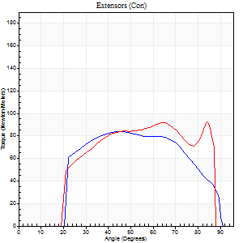
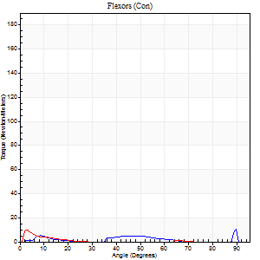
Right Side Curves Left Side Curves
Isokinetic Con/Con |  |  |  | Extensors (Con) |  | Flexors (Con)
Speed 240/240 d/s 3 Reps |  |  |  | Value | Cof Var | %BW | Value | Cof Var | %BW | Ratio

TORQUE PARAMETERS
Peak Torque (Newton-Meters - Best Repetition)
Right |  |  |  | 84 | 0.04 | 104 | 11 | 0.58 | 15 | 13
Left |  |  |  | 92 | 0.09 | 116 | 9 | 0.4 | 12 | 10
Deficit |  |  |  | 9 |  |  | 13
Work per Repetition (Newton-Meters - Best Repetition)
Right |  |  |  | 84 | 0.04 | 104 | 3 | 0.44 | 3 | 3
Left |  |  |  | 94 | 0.1 | 116 | 1 | 0.12 | 3 | 1
Deficit |  |  |  | 10 |  |  | 50
Average Power per Repetition (Watts - Best Repetition)
Right |  |  |  | 168 | 0.04 | 209 | 2 | 0.66 | 2 | 1
Left |  |  |  | 176 | 0.05 | 220 | 2 | 0.31 | 2 | 1
Deficit |  |  |  | 5 |  |  | 0
POSITION PARAMETERS
Joint Angle at Peak Torque (Degrees)
Right |  |  |  | 46 | 0.04 |  | 38 | 1.19
Left |  |  |  | 59 | 0.37 |  | 6 | 0.53
Range of Motion (Degrees)
Right |  |  |  | 2 | 0.05 |  | 90 | 0
Left |  |  |  | 2 | 0.11 |  | 89 | 0.01
TIME PARAMETERS
Time to Peak Torque (Seconds)
Right |  |  |  | 0.25 | 0.03 |  | 0.65 | 0.97
Left |  |  |  | 0.23 | 0.03 |  | 0.11 | 0.6
Time Peak Torque Held (Seconds)
Right |  |  |  | 0 | 1.73 |  | 0.01 | 1.15
Left |  |  |  | 0.05 | 1.38 |  | 0 | 0
Force Decay Time (Seconds)
Right |  |  |  | 0.23 | 0.02 |  | 1.02 | 1.01
Left |  |  |  | 0.26 | 0.19 |  | 1.16 | 0.25
Reciprocal Delay (Seconds)
Right |  |  |  | 0.09 | 0.16 |  | 0.09 | 0.77
Left |  |  |  | 0.05 | 0.16 |  | 0.05 | 0.22
Delay Time (Seconds)
Right |  |  |  | -0.02 | -0.71 |  | 0 | 1.73
Left |  |  |  | -0.01 | -0.47 |  | -0.03 | -0.33
HUMAC2015® Version: 15.000.0074 © Computer Sports Medicine, Inc. www.csmisolutions.com

Use File, Preference to set Report Heading
Isometric - Knee Extension/Flexion
Name: |  |  |  | TR030FP3007, | ID: |  | Right/Left: | 17.09.2021 17.09.2021

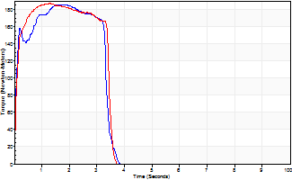
Isometric Extensors (Con) Angle 60 Time 10 Repetition 2 (Best Repetition)
 | Value | Cof Var | %BW
Peak Torque (Newton-Meters)
Right | 186 | 0.01 | 232
Left | 187 | 0.01 | 232
Deficit | 1
Average Torque (Newton-Meters)
Right | 57 | 0.01 | 72
Left | 62 | 0.04 | 77
Deficit | 9
Peak Torque Slope (Newton-Meters/Seconds)
Right | 154 | 0.16 | 192
Left | 145 | 0.47 | 181 |  | Right Side Curves Left Side Curves
Deficit | 6
Time to Half Peak Torque (Seconds)
Right | 0.08 | 0.09
Left | 0.09 | 0.08
Time to Peak Torque (Seconds)
Right | 1.34 | 0.17
Left | 1.91 | 0.47
HUMAC2015® Version: 15.000.0074 © Computer Sports Medicine, Inc. www.csmisolutions.com

pre2
Use File, Preference to set Report Heading
Long Form Torque vs. Position Report - Knee Extension/Flexion
Name: |  |  |  | TR030FP3007, | ID: |  | Right/Left: | 23.09.2021 23.09.2021
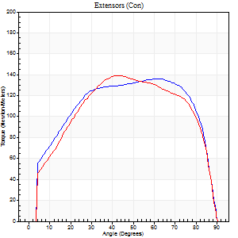
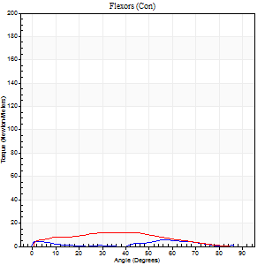
Right Side Curves Left Side Curves
Isokinetic Con/Con |  |  |  | Extensors (Con) |  | Flexors (Con)
Speed 60/60 d/s 3 Reps |  |  |  | Value | Cof Var | %BW | Value | Cof Var | %BW | Ratio

TORQUE PARAMETERS
Peak Torque (Newton-Meters - Best Repetition)
Right |  |  |  | 136 | 0.04 | 170 | 5 | 0.17 | 6 | 4
Left |  |  |  | 140 | 0.04 | 176 | 12 | 0.47 | 15 | 9
Deficit |  |  |  | 3 |  |  | 56
Work per Repetition (Newton-Meters - Best Repetition)
Right |  |  |  | 167 | 0.03 | 209 | 3 | 0.15 | 3 | 2
Left |  |  |  | 161 | 0.06 | 203 | 11 | 0.73 | 15 | 7
Deficit |  |  |  | 3 |  |  | 75
Average Power per Repetition (Watts - Best Repetition)
Right |  |  |  | 105 | 0.07 | 132 | 2 | 0.23 | 2 | 2
Left |  |  |  | 101 | 0.04 | 125 | 7 | 0.76 | 9 | 7
Deficit |  |  |  | 4 |  |  | 71
POSITION PARAMETERS
Joint Angle at Peak Torque (Degrees)
Right |  |  |  | 51 | 0.24 |  | 55 | 0.02
Left |  |  |  | 50 | 0.15 |  | 36 | 0.86
Range of Motion (Degrees)
Right |  |  |  | 0 | 0 |  | 90 | 0
Left |  |  |  | 0 | 1.41 |  | 90 | 0
TIME PARAMETERS
Time to Peak Torque (Seconds)
Right |  |  |  | 0.82 | 0.33 |  | 1.22 | 0.04
Left |  |  |  | 0.6 | 0.11 |  | 0.67 | 0.77
Time Peak Torque Held (Seconds)
Right |  |  |  | 0.08 | 0.22 |  | 0.02 | 1.38
Left |  |  |  | 0.05 | 0.29 |  | 0.03 | 0.94
Force Decay Time (Seconds)
Right |  |  |  | 0.82 | 0.23 |  | 0.74 | 0.29
Left |  |  |  | 0.82 | 0.13 |  | 0.93 | 0.68
Reciprocal Delay (Seconds)
Right |  |  |  | 0.17 | 0.53 |  | 0.76 | 0.04
Left |  |  |  | 0.09 | 0.22 |  | 0.31 | 0.68
Delay Time (Seconds)
Right |  |  |  | -0.08 | -1.41 |  | -0.06 | -0.09
Left |  |  |  | 0.01 | 0.47 |  | -0.01 | -1.73
HUMAC2015® Version: 15.000.0074 © Computer Sports Medicine, Inc. www.csmisolutions.com

Use File, Preference to set Report Heading
Long Form Torque vs. Position Report - Knee Extension/Flexion
Name: |  |  |  | TR030FP3007, | ID: |  | Right/Left: | 23.09.2021 23.09.2021
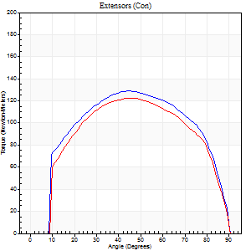
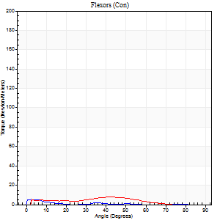
Right Side Curves Left Side Curves
Isokinetic Con/Con |  |  |  | Extensors (Con) |  | Flexors (Con)
Speed 120/120 d/s 3 Reps |  |  |  | Value | Cof Var | %BW | Value | Cof Var | %BW | Ratio

TORQUE PARAMETERS
Peak Torque (Newton-Meters - Best Repetition)
Right |  |  |  | 129 | 0.03 | 161 | 5 | 0.19 | 6 | 4
Left |  |  |  | 122 | 0.03 | 152 | 8 | 0.13 | 9 | 7
Deficit |  |  |  | 5 |  |  | 33
Work per Repetition (Newton-Meters - Best Repetition)
Right |  |  |  | 146 | 0.03 | 182 | 3 | 0.25 | 3 | 2
Left |  |  |  | 137 | 0.06 | 170 | 5 | 0.43 | 6 | 4
Deficit |  |  |  | 6 |  |  | 50
Average Power per Repetition (Watts - Best Repetition)
Right |  |  |  | 163 | 0.04 | 204 | 2 | 0.4 | 2 | 1
Left |  |  |  | 150 | 0.03 | 187 | 6 | 0.6 | 7 | 4
Deficit |  |  |  | 8 |  |  | 67
POSITION PARAMETERS
Joint Angle at Peak Torque (Degrees)
Right |  |  |  | 47 | 0.04 |  | 29 | 1.64
Left |  |  |  | 45 | 0.02 |  | 22 | 0.98
Range of Motion (Degrees)
Right |  |  |  | 0 | 1.41 |  | 90 | 0
Left |  |  |  | 1 | 1.08 |  | 90 | 0
TIME PARAMETERS
Time to Peak Torque (Seconds)
Right |  |  |  | 0.39 | 0 |  | 0.44 | 1.42
Left |  |  |  | 0.42 | 0 |  | 0.31 | 0.73
Time Peak Torque Held (Seconds)
Right |  |  |  | 0.04 | 0.83 |  | 0.03 | 1.2
Left |  |  |  | 0.03 | 0.22 |  | 0.01 | 1.73
Force Decay Time (Seconds)
Right |  |  |  | 0.44 | 0.1 |  | 1.03 | 0.84
Left |  |  |  | 0.42 | 0.12 |  | 0.8 | 0.5
Reciprocal Delay (Seconds)
Right |  |  |  | 0.05 | 0.13 |  | 0.42 | 0.22
Left |  |  |  | 0.13 | 0.44 |  | 0.31 | 0.58
Delay Time (Seconds)
Right |  |  |  | 0 | -4.24 |  | -0.03 | -0.62
Left |  |  |  | -0.01 | -0.47 |  | -0.01 | -7.81
HUMAC2015® Version: 15.000.0074 © Computer Sports Medicine, Inc. www.csmisolutions.com

Use File, Preference to set Report Heading
Long Form Torque vs. Position Report - Knee Extension/Flexion
Name: |  |  |  | TR030FP3007, | ID: |  | Right/Left: | 23.09.2021 23.09.2021
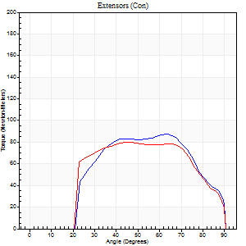
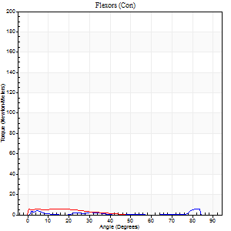
Right Side Curves Left Side Curves
Isokinetic Con/Con |  |  |  | Extensors (Con) |  | Flexors (Con)
Speed 240/240 d/s 3 Reps |  |  |  | Value | Cof Var | %BW | Value | Cof Var | %BW | Ratio

TORQUE PARAMETERS
Peak Torque (Newton-Meters - Best Repetition)
Right |  |  |  | 87 | 0.03 | 107 | 5 | 0.14 | 6 | 6
Left |  |  |  | 80 | 0.03 | 101 | 5 | 0.14 | 6 | 7
Deficit |  |  |  | 8 |  |  | 0
Work per Repetition (Newton-Meters - Best Repetition)
Right |  |  |  | 87 | 0.02 | 107 | 3 | 0.16 | 3 | 3
Left |  |  |  | 81 | 0.04 | 101 | 3 | 0.25 | 3 | 3
Deficit |  |  |  | 6 |  |  | 0
Average Power per Repetition (Watts - Best Repetition)
Right |  |  |  | 166 | 0.07 | 207 | 2 | 0.42 | 2 | 1
Left |  |  |  | 142 | 0.03 | 178 | 4 | 0.47 | 4 | 3
Deficit |  |  |  | 14 |  |  | 50
POSITION PARAMETERS
Joint Angle at Peak Torque (Degrees)
Right |  |  |  | 49 | 0.26 |  | 31 | 1.45
Left |  |  |  | 49 | 0.2 |  | 12 | 0.26
Range of Motion (Degrees)
Right |  |  |  | 0 | 0.54 |  | 90 | 0.01
Left |  |  |  | 0 | 0.16 |  | 90 | 0
TIME PARAMETERS
Time to Peak Torque (Seconds)
Right |  |  |  | 0.26 | 0.08 |  | 0.63 | 1.38
Left |  |  |  | 0.23 | 0.31 |  | 0.31 | 0.14
Time Peak Torque Held (Seconds)
Right |  |  |  | 0.01 | 0.87 |  | 0 | 0
Left |  |  |  | 0.03 | 1.48 |  | 0 | 0
Force Decay Time (Seconds)
Right |  |  |  | 0.28 | 0.09 |  | 0.83 | 0.81
Left |  |  |  | 0.28 | 0.04 |  | 0.86 | 0.3
Reciprocal Delay (Seconds)
Right |  |  |  | 0.1 | 0.71 |  | 0.17 | 0.39
Left |  |  |  | 0.11 | 0.64 |  | 0.19 | 0.32
Delay Time (Seconds)
Right |  |  |  | -0.02 | 0 |  | -0.03 | -1.25
Left |  |  |  | -0.02 | -0.71 |  | -0.07 | -0.43
HUMAC2015® Version: 15.000.0074 © Computer Sports Medicine, Inc. www.csmisolutions.com

Use File, Preference to set Report Heading
Isometric - Knee Extension/Flexion
Name: |  |  |  | TR030FP3007, | ID: |  | Right/Left: | 23.09.2021 23.09.2021

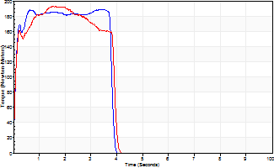
Isometric Extensors (Con) Angle 60 Time 10 Repetition 2 (Best Repetition)
 | Value | Cof Var | %BW
Peak Torque (Newton-Meters)
Right | 188 | 0.01 | 235
Left | 193 | 0.01 | 241
Deficit | 2
Average Torque (Newton-Meters)
Right | 73 | 0.06 | 92
Left | 68 | 0.09 | 83
Deficit | 7
Peak Torque Slope (Newton-Meters/Seconds)
Right | 54 | 0.04 | 67
Left | 231 | 0.41 | 288 |  | Right Side Curves Left Side Curves
Deficit | 77
Time to Half Peak Torque (Seconds)
Right | 0.09 | 0.08
Left | 0.08 | 0
Time to Peak Torque (Seconds)
Right | 3.59 | 0.03
Left | 1.16 | 0.43
HUMAC2015® Version: 15.000.0074 © Computer Sports Medicine, Inc. www.csmisolutions.com

mid1
Use File, Preference to set Report Heading
Long Form Torque vs. Position Report - Knee Extension/Flexion
Name: |  |  |  | TR030FP3007, | ID: |  | Right/Left: | 04.11.2021 04.11.2021
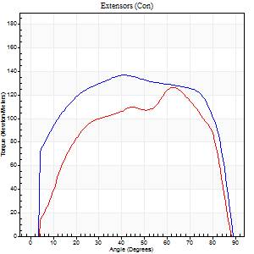
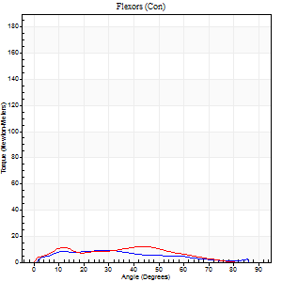
Right Side Curves Left Side Curves
Isokinetic Con/Con |  |  |  | Extensors (Con) |  | Flexors (Con)
Speed 60/60 d/s 3 Reps |  |  |  | Value | Cof Var | %BW | Value | Cof Var | %BW | Ratio

TORQUE PARAMETERS
Peak Torque (Newton-Meters - Best Repetition)
Right |  |  |  | 137 | 0.81 | 170 | 9 | 0.35 | 12 | 7
Left |  |  |  | 126 | 0.05 | 158 | 12 | 0.35 | 15 | 10
Deficit |  |  |  | 8 |  |  | 22
Work per Repetition (Newton-Meters - Best Repetition)
Right |  |  |  | 172 | 0.86 | 215 | 8 | 0.91 | 9 | 5
Left |  |  |  | 133 | 0.05 | 167 | 11 | 0.39 | 15 | 8
Deficit |  |  |  | 23 |  |  | 25
Average Power per Repetition (Watts - Best Repetition)
Right |  |  |  | 109 | 0.83 | 136 | 5 | 0.63 | 7 | 5
Left |  |  |  | 87 | 0.23 | 108 | 6 | 0.38 | 7 | 7
Deficit |  |  |  | 20 |  |  | 17
POSITION PARAMETERS
Joint Angle at Peak Torque (Degrees)
Right |  |  |  | 54 | 0.43 |  | 41 | 0.74
Left |  |  |  | 62 | 0.05 |  | 36 | 0.53
Range of Motion (Degrees)
Right |  |  |  | 0 | 1.41 |  | 88 | 0.02
Left |  |  |  | 1 | 0.52 |  | 89 | 0.01
TIME PARAMETERS
Time to Peak Torque (Seconds)
Right |  |  |  | 0.85 | 0.03 |  | 0.34 | 0.67
Left |  |  |  | 0.46 | 0 |  | 0.69 | 0.51
Time Peak Torque Held (Seconds)
Right |  |  |  | 0.06 | 0.75 |  | 0.04 | 0.96
Left |  |  |  | 0.04 | 0.42 |  | 0.03 | 0.87
Force Decay Time (Seconds)
Right |  |  |  | 0.46 | 0.63 |  | 1.04 | 0.81
Left |  |  |  | 1.01 | 0.05 |  | 0.9 | 0.39
Reciprocal Delay (Seconds)
Right |  |  |  | 0.12 | 0.82 |  | 0.23 | 0.58
Left |  |  |  | 0.09 | 0.67 |  | 0.13 | 0.2
Delay Time (Seconds)
Right |  |  |  | -0.02 | -0.28 |  | 0 | -89675120
Left |  |  |  | -0.03 | 0 |  | -0.02 | -0.65
HUMAC2015® Version: 15.000.0074 © Computer Sports Medicine, Inc. www.csmisolutions.com

Use File, Preference to set Report Heading
Long Form Torque vs. Position Report - Knee Extension/Flexion
Name: |  |  |  | TR030FP3007, | ID: |  | Right/Left: | 04.11.2021 04.11.2021
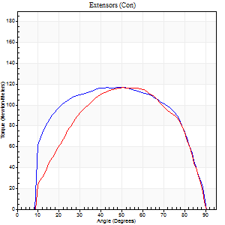
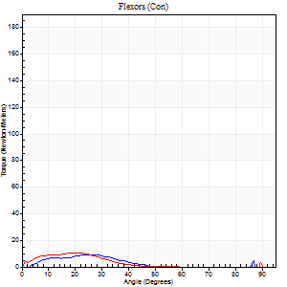
Right Side Curves Left Side Curves
Isokinetic Con/Con |  |  |  | Extensors (Con) |  | Flexors (Con)
Speed 120/120 d/s 3 Reps |  |  |  | Value | Cof Var | %BW | Value | Cof Var | %BW | Ratio

TORQUE PARAMETERS
Peak Torque (Newton-Meters - Best Repetition)
Right |  |  |  | 117 | 0.01 | 146 | 9 | 0.28 | 12 | 8
Left |  |  |  | 117 | 0.04 | 146 | 11 | 0.24 | 15 | 9
Deficit |  |  |  | 0 |  |  | 13
Work per Repetition (Newton-Meters - Best Repetition)
Right |  |  |  | 137 | 0.01 | 170 | 4 | 0.71 | 6 | 3
Left |  |  |  | 121 | 0.03 | 152 | 7 | 0.54 | 9 | 6
Deficit |  |  |  | 12 |  |  | 40
Average Power per Repetition (Watts - Best Repetition)
Right |  |  |  | 162 | 0.01 | 202 | 4 | 0.81 | 4 | 2
Left |  |  |  | 144 | 0.04 | 180 | 7 | 0.66 | 9 | 5
Deficit |  |  |  | 11 |  |  | 43
POSITION PARAMETERS
Joint Angle at Peak Torque (Degrees)
Right |  |  |  | 43 | 0.14 |  | 38 | 1.08
Left |  |  |  | 50 | 0.02 |  | 14 | 0.71
Range of Motion (Degrees)
Right |  |  |  | 1 | 0.28 |  | 90 | 0
Left |  |  |  | 1 | 0.15 |  | 90 | 0
TIME PARAMETERS
Time to Peak Torque (Seconds)
Right |  |  |  | 0.45 | 0.06 |  | 0.51 | 1.08
Left |  |  |  | 0.38 | 0.02 |  | 0.21 | 0.68
Time Peak Torque Held (Seconds)
Right |  |  |  | 0.05 | 0.75 |  | 0.01 | 1.15
Left |  |  |  | 0.02 | 0.35 |  | 0.01 | 0.43
Force Decay Time (Seconds)
Right |  |  |  | 0.34 | 0.11 |  | 0.79 | 0.78
Left |  |  |  | 0.43 | 0.01 |  | 0.84 | 0.41
Reciprocal Delay (Seconds)
Right |  |  |  | 0.16 | 0.32 |  | 0.11 | 0.59
Left |  |  |  | 0.23 | 0.18 |  | 0.08 | 0.33
Delay Time (Seconds)
Right |  |  |  | 0 | -1.41 |  | 0.02 | 2.42
Left |  |  |  | -0.03 | -0.47 |  | -0.04 | -0.42
HUMAC2015® Version: 15.000.0074 © Computer Sports Medicine, Inc. www.csmisolutions.com

Use File, Preference to set Report Heading
Long Form Torque vs. Position Report - Knee Extension/Flexion
Name: |  |  |  | TR030FP3007, | ID: |  | Right/Left: | 04.11.2021 04.11.2021
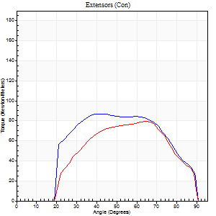
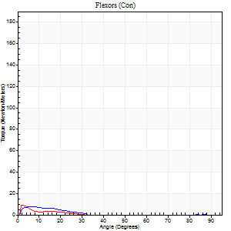
Right Side Curves Left Side Curves
Isokinetic Con/Con |  |  |  | Extensors (Con) |  | Flexors (Con)
Speed 240/240 d/s 3 Reps |  |  |  | Value | Cof Var | %BW | Value | Cof Var | %BW | Ratio

TORQUE PARAMETERS
Peak Torque (Newton-Meters - Best Repetition)
Right |  |  |  | 87 | 0.03 | 107 | 8 | 0.27 | 9 | 9
Left |  |  |  | 80 | 0.01 | 101 | 9 | 0.21 | 12 | 12
Deficit |  |  |  | 8 |  |  | 14
Work per Repetition (Newton-Meters - Best Repetition)
Right |  |  |  | 87 | 0.07 | 107 | 3 | 0.37 | 3 | 3
Left |  |  |  | 73 | 0.01 | 92 | 3 | 0.13 | 3 | 4
Deficit |  |  |  | 16 |  |  | 0
Average Power per Repetition (Watts - Best Repetition)
Right |  |  |  | 171 | 0.08 | 213 | 2 | 0.52 | 2 | 1
Left |  |  |  | 140 | 0.01 | 176 | 2 | 0.14 | 2 | 1
Deficit |  |  |  | 18 |  |  | 0
POSITION PARAMETERS
Joint Angle at Peak Torque (Degrees)
Right |  |  |  | 50 | 0.21 |  | 8 | 0.13
Left |  |  |  | 65 | 0.01 |  | 4 | 0.93
Range of Motion (Degrees)
Right |  |  |  | 2 | 0.18 |  | 90 | 0
Left |  |  |  | 1 | 0.18 |  | 90 | 0
TIME PARAMETERS
Time to Peak Torque (Seconds)
Right |  |  |  | 0.26 | 0.03 |  | 0.16 | 0.47
Left |  |  |  | 0.18 | 0 |  | 0.09 | 0.93
Time Peak Torque Held (Seconds)
Right |  |  |  | 0.01 | 0.43 |  | 0 | 1.73
Left |  |  |  | 0 | 1.73 |  | 0 | 1.73
Force Decay Time (Seconds)
Right |  |  |  | 0.24 | 0.14 |  | 1.14 | 0.23
Left |  |  |  | 0.32 | 0.02 |  | 1.05 | 0.02
Reciprocal Delay (Seconds)
Right |  |  |  | 0.16 | 0.09 |  | 0.06 | 0.36
Left |  |  |  | 0.27 | 0.31 |  | 0.06 | 0.17
Delay Time (Seconds)
Right |  |  |  | -0.02 | 0 |  | 0.06 | 2.31
Left |  |  |  | -0.02 | 0 |  | -0.03 | 0
HUMAC2015® Version: 15.000.0074 © Computer Sports Medicine, Inc. www.csmisolutions.com

Use File, Preference to set Report Heading
Isometric - Knee Extension/Flexion
Name: |  |  |  | TR030FP3007, | ID: |  | Right/Left: | 04.11.2021 04.11.2021

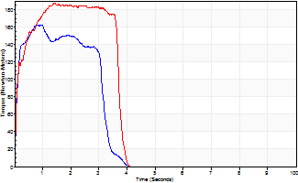
Isometric Extensors (Con) Angle 60 Time 10 Repetition 2 (Best Repetition)
 | Value | Cof Var | %BW
Peak Torque (Newton-Meters)
Right | 163 | 0.12 | 203
Left | 187 | 0.08 | 232
Deficit | 13
Average Torque (Newton-Meters)
Right | 46 | 0.19 | 57
Left | 64 | 0.07 | 80
Deficit | 28
Peak Torque Slope (Newton-Meters/Seconds)
Right | 573 | 0.68 | 715
Left | 130 | 0.5 | 163 |  | Right Side Curves Left Side Curves
Deficit | 77
Time to Half Peak Torque (Seconds)
Right | 0.08 | 0.09
Left | 0.09 | 0.25
Time to Peak Torque (Seconds)
Right | 0.51 | 0.78
Left | 2.06 | 0.43
HUMAC2015® Version: 15.000.0074 © Computer Sports Medicine, Inc. www.csmisolutions.com

post1
Use File, Preference to set Report Heading
Long Form Torque vs. Position Report - Knee Extension/Flexion
Name: |  |  |  | TR030FP3007, | ID: |  | Right/Left: | 30.11.2021 30.11.2021
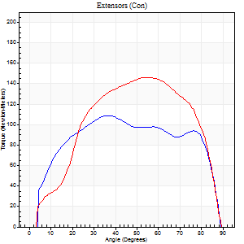
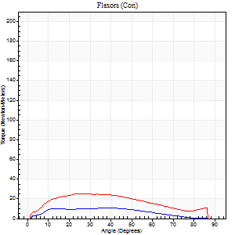
Right Side Curves Left Side Curves
Isokinetic Con/Con |  |  |  | Extensors (Con) |  | Flexors (Con)
Speed 60/60 d/s 3 Reps |  |  |  | Value | Cof Var | %BW | Value | Cof Var | %BW | Ratio

TORQUE PARAMETERS
Peak Torque (Newton-Meters - Best Repetition)
Right |  |  |  | 108 | 0.05 | 134 | 11 | 0.48 | 15 | 10
Left |  |  |  | 146 | 0.04 | 182 | 26 | 0.33 | 33 | 18
Deficit |  |  |  | 26 |  |  | 58
Work per Repetition (Newton-Meters - Best Repetition)
Right |  |  |  | 129 | 0.02 | 161 | 9 | 0.59 | 12 | 7
Left |  |  |  | 161 | 0.05 | 203 | 26 | 0.42 | 33 | 16
Deficit |  |  |  | 20 |  |  | 63
Average Power per Repetition (Watts - Best Repetition)
Right |  |  |  | 84 | 0.01 | 105 | 6 | 0.62 | 7 | 7
Left |  |  |  | 106 | 0.06 | 132 | 17 | 0.44 | 22 | 16
Deficit |  |  |  | 21 |  |  | 65
POSITION PARAMETERS
Joint Angle at Peak Torque (Degrees)
Right |  |  |  | 35 | 0.04 |  | 59 | 0.41
Left |  |  |  | 51 | 0.14 |  | 36 | 0.35
Range of Motion (Degrees)
Right |  |  |  | 0 | 0.71 |  | 90 | 0
Left |  |  |  | 0 | 0.79 |  | 90 | 0
TIME PARAMETERS
Time to Peak Torque (Seconds)
Right |  |  |  | 0.91 | 0.04 |  | 1.08 | 0.36
Left |  |  |  | 0.58 | 0.09 |  | 0.69 | 0.33
Time Peak Torque Held (Seconds)
Right |  |  |  | 0.06 | 0.4 |  | 0.06 | 0.91
Left |  |  |  | 0.05 | 0.11 |  | 0.04 | 1.18
Force Decay Time (Seconds)
Right |  |  |  | 0.53 | 0.12 |  | 0.47 | 0.78
Left |  |  |  | 0.82 | 0.16 |  | 0.86 | 0.29
Reciprocal Delay (Seconds)
Right |  |  |  | 0.09 | 0.22 |  | 0.15 | 0.55
Left |  |  |  | 0.11 | 0.2 |  | 0.17 | 0.83
Delay Time (Seconds)
Right |  |  |  | 0.01 | 0 |  | 0.03 | 0.67
Left |  |  |  | 0.01 | 0.47 |  | -0.03 | -1.48
HUMAC2015® Version: 15.000.0074 © Computer Sports Medicine, Inc. www.csmisolutions.com

Use File, Preference to set Report Heading
Long Form Torque vs. Position Report - Knee Extension/Flexion
Name: |  |  |  | TR030FP3007, | ID: |  | Right/Left: | 30.11.2021 30.11.2021
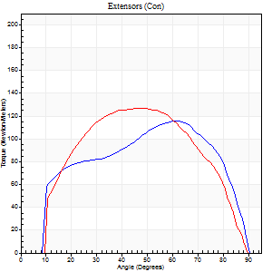
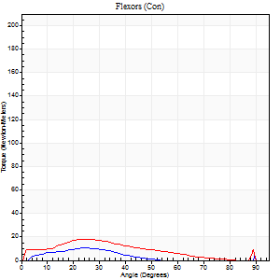
Right Side Curves Left Side Curves
Isokinetic Con/Con |  |  |  | Extensors (Con) |  | Flexors (Con)
Speed 120/120 d/s 3 Reps |  |  |  | Value | Cof Var | %BW | Value | Cof Var | %BW | Ratio

TORQUE PARAMETERS
Peak Torque (Newton-Meters - Best Repetition)
Right |  |  |  | 115 | 0.1 | 143 | 11 | 0.43 | 15 | 9
Left |  |  |  | 127 | 0.03 | 158 | 18 | 0.43 | 21 | 14
Deficit |  |  |  | 10 |  |  | 38
Work per Repetition (Newton-Meters - Best Repetition)
Right |  |  |  | 126 | 0.05 | 158 | 5 | 0.49 | 6 | 4
Left |  |  |  | 132 | 0.01 | 164 | 16 | 0.46 | 21 | 12
Deficit |  |  |  | 4 |  |  | 67
Average Power per Repetition (Watts - Best Repetition)
Right |  |  |  | 148 | 0.05 | 185 | 6 | 0.6 | 7 | 4
Left |  |  |  | 156 | 0.45 | 196 | 18 | 0.51 | 22 | 12
Deficit |  |  |  | 5 |  |  | 67
POSITION PARAMETERS
Joint Angle at Peak Torque (Degrees)
Right |  |  |  | 52 | 0.26 |  | 38 | 1.19
Left |  |  |  | 47 | 0.17 |  | 30 | 0.33
Range of Motion (Degrees)
Right |  |  |  | 1 | 0.28 |  | 90 | 0
Left |  |  |  | 1 | 0.17 |  | 90 | 0.01
TIME PARAMETERS
Time to Peak Torque (Seconds)
Right |  |  |  | 0.29 | 0.05 |  | 0.42 | 1.14
Left |  |  |  | 0.36 | 0.1 |  | 0.37 | 0.46
Time Peak Torque Held (Seconds)
Right |  |  |  | 0.02 | 0.25 |  | 0.01 | 1.73
Left |  |  |  | 0.05 | 0.45 |  | 0 | 0
Force Decay Time (Seconds)
Right |  |  |  | 0.44 | 0.28 |  | 0.69 | 0.99
Left |  |  |  | 0.38 | 0.17 |  | 0.52 | 0.17
Reciprocal Delay (Seconds)
Right |  |  |  | 0.09 | 0.07 |  | 0.17 | 0.47
Left |  |  |  | 0.08 | 0.35 |  | 0.14 | 0.51
Delay Time (Seconds)
Right |  |  |  | -0.02 | 0 |  | -0.01 | -2.84
Left |  |  |  | -0.01 | 0 |  | -0.02 | -1.38
HUMAC2015® Version: 15.000.0074 © Computer Sports Medicine, Inc. www.csmisolutions.com

Use File, Preference to set Report Heading
Long Form Torque vs. Position Report - Knee Extension/Flexion
Name: |  |  |  | TR030FP3007, | ID: |  | Right/Left: | 30.11.2021 30.11.2021
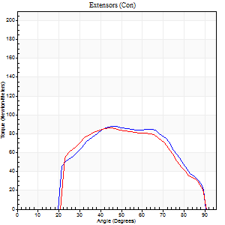
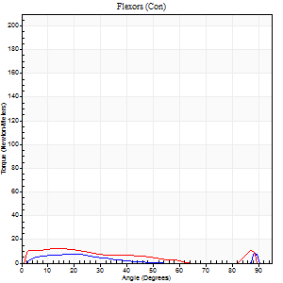
Right Side Curves Left Side Curves
Isokinetic Con/Con |  |  |  | Extensors (Con) |  | Flexors (Con)
Speed 240/240 d/s 3 Reps |  |  |  | Value | Cof Var | %BW | Value | Cof Var | %BW | Ratio

TORQUE PARAMETERS
Peak Torque (Newton-Meters - Best Repetition)
Right |  |  |  | 88 | 0.02 | 110 | 11 | 0.49 | 15 | 12
Left |  |  |  | 85 | 0.02 | 107 | 12 | 0.4 | 15 | 14
Deficit |  |  |  | 3 |  |  | 11
Work per Repetition (Newton-Meters - Best Repetition)
Right |  |  |  | 87 | 0.06 | 107 | 4 | 0.5 | 6 | 5
Left |  |  |  | 81 | 0.02 | 101 | 9 | 0.91 | 12 | 12
Deficit |  |  |  | 6 |  |  | 57
Average Power per Repetition (Watts - Best Repetition)
Right |  |  |  | 164 | 0.05 | 204 | 5 | 0.69 | 7 | 3
Left |  |  |  | 156 | 0.03 | 196 | 16 | 1.19 | 20 | 10
Deficit |  |  |  | 5 |  |  | 69
POSITION PARAMETERS
Joint Angle at Peak Torque (Degrees)
Right |  |  |  | 51 | 0.23 |  | 60 | 0.86
Left |  |  |  | 45 | 0.11 |  | 35 | 1.33
Range of Motion (Degrees)
Right |  |  |  | 1 | 1.07 |  | 90 | 0
Left |  |  |  | 1 | 0.69 |  | 90 | 0.01
TIME PARAMETERS
Time to Peak Torque (Seconds)
Right |  |  |  | 0.26 | 0.03 |  | 0.54 | 0.79
Left |  |  |  | 0.28 | 0.18 |  | 0.36 | 1.09
Time Peak Torque Held (Seconds)
Right |  |  |  | 0.01 | 0.87 |  | 0.01 | 1.15
Left |  |  |  | 0.01 | 0.87 |  | 0.01 | 1.73
Force Decay Time (Seconds)
Right |  |  |  | 0.27 | 0.13 |  | 0.54 | 1.73
Left |  |  |  | 0.24 | 0.18 |  | 0.46 | 1.09
Reciprocal Delay (Seconds)
Right |  |  |  | 0.1 | 0.28 |  | 0.19 | 0.79
Left |  |  |  | 0.06 | 0.24 |  | 0.07 | 0.67
Delay Time (Seconds)
Right |  |  |  | -0.03 | 0 |  | -0.03 | -1.32
Left |  |  |  | -0.02 | 0 |  | -0.03 | -0.58
HUMAC2015® Version: 15.000.0074 © Computer Sports Medicine, Inc. www.csmisolutions.com

Use File, Preference to set Report Heading
Isometric - Knee Extension/Flexion
Name: |  |  |  | TR030FP3007, | ID: |  | Right/Left: | 30.11.2021 30.11.2021

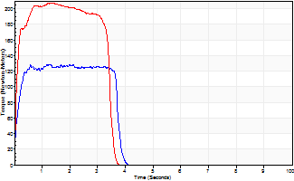
Isometric Extensors (Con) Angle 60 Time 10 Repetition 2 (Best Repetition)
 | Value | Cof Var | %BW
Peak Torque (Newton-Meters)
Right | 129 | 0.03 | 161
Left | 207 | 0 | 259
Deficit | 38
Average Torque (Newton-Meters)
Right | 45 | 0.02 | 57
Left | 66 | 0.01 | 83
Deficit | 33
Peak Torque Slope (Newton-Meters/Seconds)
Right | 101 | 0.4 | 126
Left | 146 | 0.2 | 182 |  | Right Side Curves Left Side Curves
Deficit | 31
Time to Half Peak Torque (Seconds)
Right | 0.1 | 0.14
Left | 0.09 | 0.16
Time to Peak Torque (Seconds)
Right | 1.72 | 0.38
Left | 1.64 | 0.2
HUMAC2015® Version: 15.000.0074 © Computer Sports Medicine, Inc. www.csmisolutions.com

post2
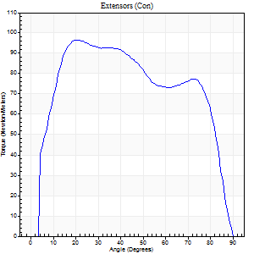
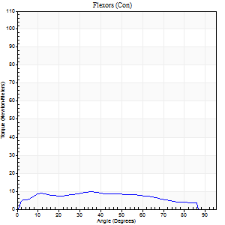
Use File, Preference to set Report Heading |  |  |  |  |  |  |  |  |  |  |  | R
Long Form Torque vs. Position Report - Knee Extension/Flexion
Name: |  |  |  | TR030FP3007, | ID: |  | Right/Left: | 02.12.2021 02.12.2021

Right Side Curves Left Side Curves
Isokinetic Con/Con |  |  |  | Extensors (Con) |  | Flexors (Con)
Speed 60/60 d/s 3 Reps |  |  |  | Value | Cof Var | %BW | Value | Cof Var | %BW | Ratio

TORQUE PARAMETERS
Peak Torque (Newton-Meters - Best Repetition)
Right |  |  |  | 96 | 0.1 | 119 | 9 | 0.28 | 12 | 10
Left |  |  |  | 153 | 0.09 | 191 | 20 | 0.44 | 27 | 13
Deficit |  |  |  | 0 |  |  | 0
Work per Repetition (Newton-Meters - Best Repetition)
Right |  |  |  | 115 | 0.06 | 143 | 11 | 0.44 | 15 | 9
Left |  |  |  | 165 | 0.04 | 206 | 23 | 0.62 | 30 | 14 |  | L
Deficit |  |  |  | 0 |  |  | 0
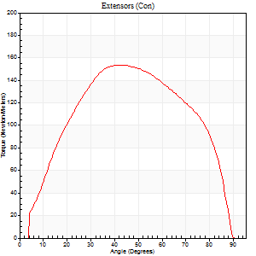
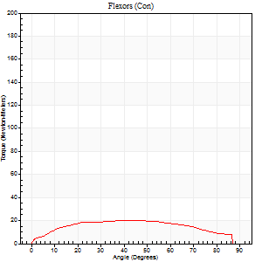
Average Power per Repetition (Watts - Best Repetition)
Right |  |  |  | 74 | 0.07 | 92 | 7 | 0.49 | 9 | 9
Left |  |  |  | 104 | 0.39 | 130 | 14 | 0.61 | 18 | 13
Deficit |  |  |  | 0 |  |  | 0
POSITION PARAMETERS
Joint Angle at Peak Torque (Degrees)
Right |  |  |  | 44 | 0.67 |  | 19 | 0.69
Left |  |  |  | 48 | 0.1 |  | 43 | 0.03
Range of Motion (Degrees)
Right |  |  |  | 0 | 1.73 |  | 90 | 0
Left |  |  |  | 0 | 0.28 |  | 90 | 0
TIME PARAMETERS
Time to Peak Torque (Seconds)
Right |  |  |  | 0.61 | 0.81 |  | 0.42 | 0.46
Left |  |  |  | 0.67 | 0.01 |  | 0.77 | 0.08
Time Peak Torque Held (Seconds)
Right |  |  |  | 0.03 | 0.75 |  | 0.05 | 0.89
Left |  |  |  | 0.09 | 0.48 |  | 0.03 | 1.73
Force Decay Time (Seconds)
Right |  |  |  | 0.73 | 0.66 |  | 1.22 | 0.21
Left |  |  |  | 0.73 | 0.11 |  | 0.78 | 0.09
Reciprocal Delay (Seconds)
Right |  |  |  | 0.18 | 0.2 |  | 0.35 | 0.31
Left |  |  |  | 0.16 | 0.35 |  | 0.19 | 0.51
Delay Time (Seconds)
Right |  |  |  | -0.01 | -0.47 |  | -0.03 | -1.08
Left |  |  |  | 0.01 | 0 |  | -0.01 | -1.56
HUMAC2015® Version: 15.000.0074 © Computer Sports Medicine, Inc. www.csmisolutions.com

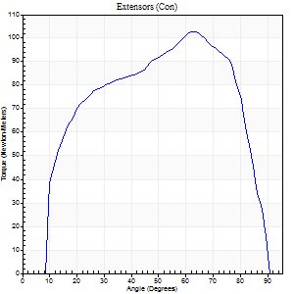
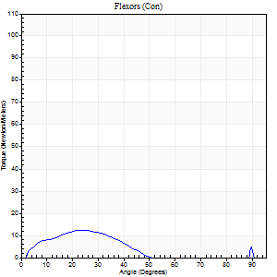
Use File, Preference to set Report Heading |  |  |  |  |  |  |  |  |  |  | R
Long Form Torque vs. Position Report - Knee Extension/Flexion
Name: |  |  |  | TR030FP3007, | ID: |  | Right/Left: | 02.12.2021 02.12.2021

Right Side Curves Left Side Curves
Isokinetic Con/Con |  |  |  | Extensors (Con) |  | Flexors (Con)
Speed 120/120 d/s 3 Reps |  |  |  | Value | Cof Var | %BW | Value | Cof Var | %BW | Ratio

TORQUE PARAMETERS
Peak Torque (Newton-Meters - Best Repetition)
Right |  |  |  | 103 | 0.07 | 128 | 12 | 0.67 | 15 | 12
Left |  |  |  | 123 | 0.04 | 155 | 7 | 0.23 | 9 | 5
Deficit |  |  |  | 0 |  |  | 0
Work per Repetition (Newton-Meters - Best Repetition)
Right |  |  |  | 111 | 0.02 | 140 | 7 | 0.94 | 9 | 6
Left |  |  |  | 133 | 0.03 | 167 | 4 | 0.25 | 6 | 3 | L
Deficit |  |  |  | 0 |  |  | 0
Average Power per Repetition (Watts - Best Repetition)
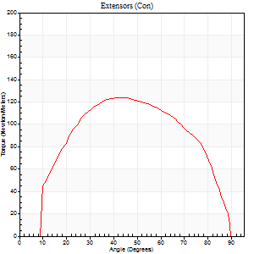
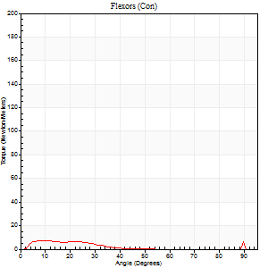
Right |  |  |  | 131 | 0.03 | 163 | 7 | 1.07 | 9 | 5
Left |  |  |  | 162 | 0.09 | 202 | 3 | 0.28 | 4 | 2
Deficit |  |  |  | 0 |  |  | 0
POSITION PARAMETERS
Joint Angle at Peak Torque (Degrees)
Right |  |  |  | 53 | 0.27 |  | 16 | 0.46
Left |  |  |  | 44 | 0.02 |  | 6 | 0.65
Range of Motion (Degrees)
Right |  |  |  | 1 | 0 |  | 90 | 0
Left |  |  |  | 1 | 0.85 |  | 90 | 0
TIME PARAMETERS
Time to Peak Torque (Seconds)
Right |  |  |  | 0.31 | 0.02 |  | 0.19 | 0.35
Left |  |  |  | 0.44 | 0.05 |  | 0.16 | 0.32
Time Peak Torque Held (Seconds)
Right |  |  |  | 0.01 | 0.43 |  | 0.01 | 1.15
Left |  |  |  | 0.03 | 0.33 |  | 0.07 | 1.73
Force Decay Time (Seconds)
Right |  |  |  | 0.45 | 0.25 |  | 0.98 | 0.25
Left |  |  |  | 0.41 | 0.13 |  | 0.86 | 0.14
Reciprocal Delay (Seconds)
Right |  |  |  | 0.17 | 0.33 |  | 0.08 | 0.15
Left |  |  |  | 0.12 | 0.24 |  | 0.16 | 0.42
Delay Time (Seconds)
Right |  |  |  | -0.03 | -0.47 |  | 0.03 | 0.22
Left |  |  |  | -0.02 | -1.41 |  | -0.03 | -0.88
HUMAC2015® Version: 15.000.0074 © Computer Sports Medicine, Inc. www.csmisolutions.com

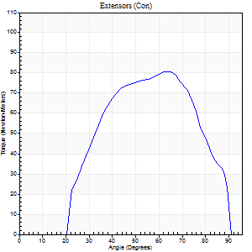
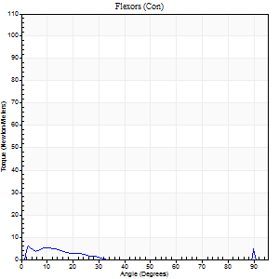
Use File, Preference to set Report Heading |  |  |  |  |  |  |  |  |  |  | R
Long Form Torque vs. Position Report - Knee Extension/Flexion
Name: |  |  |  | TR030FP3007, | ID: |  | Right/Left: | 02.12.2021 02.12.2021

Right Side Curves Left Side Curves
Isokinetic Con/Con |  |  |  | Extensors (Con) |  | Flexors (Con)
Speed 240/240 d/s 3 Reps |  |  |  | Value | Cof Var | %BW | Value | Cof Var | %BW | Ratio

TORQUE PARAMETERS
Peak Torque (Newton-Meters - Best Repetition)
Right |  |  |  | 80 | 0.04 | 101 | 9 | 0.48 | 12 | 12
Left |  |  |  | 83 | 0.05 | 104 | 11 | 0.32 | 15 | 13
Deficit |  |  |  | 0 |  |  | 0
Work per Repetition (Newton-Meters - Best Repetition)
Right |  |  |  | 77 | 0.04 | 95 | 1 | 0.16 | 3 | 2
Left |  |  |  | 81 | 0.04 | 101 | 1 | 0.78 | 3 | 2
Deficit |  |  |  | 0 |  |  | 0 |  |  |  | L
Average Power per Repetition (Watts - Best Repetition)
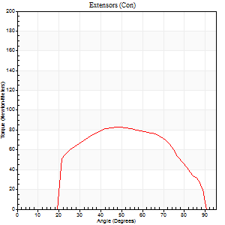
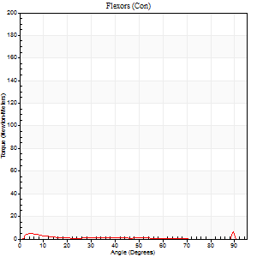
Right |  |  |  | 145 | 0.05 | 180 | 2 | 0.32 | 2 | 1
Left |  |  |  | 159 | 0.07 | 198 | 1 | 0.4 | 2 | 1
Deficit |  |  |  | 0 |  |  | 0
POSITION PARAMETERS
Joint Angle at Peak Torque (Degrees)
Right |  |  |  | 59 | 0.13 |  | 38 | 1.22
Left |  |  |  | 48 | 0.04 |  | 60 | 0.84
Range of Motion (Degrees)
Right |  |  |  | 2 | 0.1 |  | 90 | 0
Left |  |  |  | 1 | 0.44 |  | 90 | 0
TIME PARAMETERS
Time to Peak Torque (Seconds)
Right |  |  |  | 0.22 | 0.26 |  | 0.56 | 0.92
Left |  |  |  | 0.25 | 0.06 |  | 0.49 | 1.25
Time Peak Torque Held (Seconds)
Right |  |  |  | 0.01 | 0 |  | 0 | 1.73
Left |  |  |  | 0.02 | 0.35 |  | 0 | 0
Force Decay Time (Seconds)
Right |  |  |  | 0.28 | 0.09 |  | 0.63 | 0.99
Left |  |  |  | 0.25 | 0.05 |  | 0.43 | 1.89
Reciprocal Delay (Seconds)
Right |  |  |  | 0.19 | 0.04 |  | 0.07 | 0.52
Left |  |  |  | 0.14 | 0.68 |  | 0.09 | 0.25
Delay Time (Seconds)
Right |  |  |  | -0.03 | -0.47 |  | 0 | 12.12
Left |  |  |  | -0.02 | 0 |  | 0.31 | 1.98
HUMAC2015® Version: 15.000.0074 © Computer Sports Medicine, Inc. www.csmisolutions.com

Use File, Preference to set Report Heading
Isometric - Knee Extension/Flexion
Name: |  |  |  | TR030FP3007, | ID: |  | Right/Left: | 02.12.2021 02.12.2021

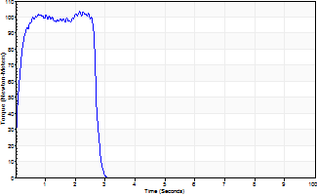
Isometric Extensors (Con) Angle 60 Time 10 Repetition 2 (Best Repetition)
 | Value | Cof Var | %BW
Peak Torque (Newton-Meters)
Right | 103 | 0.08 | 128
Left | 197 | 0.04 | 244
Deficit | 0
Average Torque (Newton-Meters)
Right | 28 | 0.06 | 36
Left | 61 | 0.05 | 77
Deficit | 0
Peak Torque Slope (Newton-Meters/Seconds)
Right | 48 | 0.36 | 60
Left | 114 | 0.27 | 142 |  | Right Side Curves Left Side Curves
Deficit | 0
Time to Half Peak Torque (Seconds)
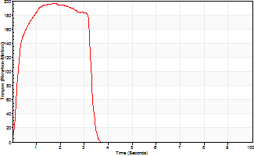
Right | 0.12 | 0.31
Left | 0.17 | 0.56
Time to Peak Torque (Seconds)
Right | 2.68 | 0.28
Left | 2.06 | 0.24
HUMAC2015® Version: 15.000.0074 © Computer Sports Medicine, Inc. www.csmisolutions.com

