pre1
Use File, Preference to set Report Heading
Long Form Torque vs. Position Report - Knee Extension/Flexion
Name: |  |  |  | TR0303009, | ID: | TR0303009 | Right/Left: | 07.09.2021 07.09.2021
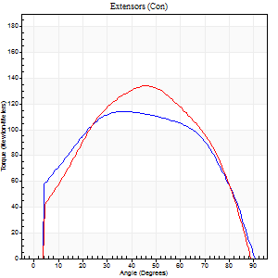
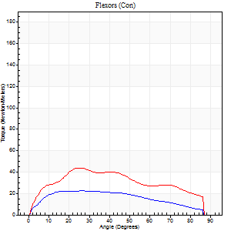
Right Side Curves Left Side Curves
Isokinetic Con/Con |  |  |  | Extensors (Con) |  | Flexors (Con)
Speed 60/60 d/s 3 Reps |  |  |  | Value | Cof Var | %BW | Value | Cof Var | %BW | Ratio

TORQUE PARAMETERS
Peak Torque (Newton-Meters - Best Repetition)
Right |  |  |  | 114 | 0.45 | 143 | 22 | 0.41 | 27 | 19
Left |  |  |  | 134 | 0.03 | 167 | 43 | 0.6 | 54 | 32
Deficit |  |  |  | 15 |  |  | 50
Work per Repetition (Newton-Meters - Best Repetition)
Right |  |  |  | 134 | 0.6 | 167 | 24 | 0.5 | 30 | 18
Left |  |  |  | 141 | 0.04 | 176 | 46 | 0.64 | 57 | 33
Deficit |  |  |  | 5 |  |  | 47
Average Power per Repetition (Watts - Best Repetition)
Right |  |  |  | 83 | 0.62 | 103 | 15 | 0.49 | 20 | 18
Left |  |  |  | 91 | 0.06 | 114 | 29 | 0.64 | 35 | 32
Deficit |  |  |  | 9 |  |  | 48
POSITION PARAMETERS
Joint Angle at Peak Torque (Degrees)
Right |  |  |  | 35 | 0.43 |  | 24 | 0.6
Left |  |  |  | 46 | 0.01 |  | 42 | 0.44
Range of Motion (Degrees)
Right |  |  |  | 0 | -4.24 |  | 90 | 0
Left |  |  |  | 0 | -1.41 |  | 90 | 0
TIME PARAMETERS
Time to Peak Torque (Seconds)
Right |  |  |  | 0.85 | 0.13 |  | 0.45 | 0.49
Left |  |  |  | 0.73 | 0.02 |  | 0.72 | 0.42
Time Peak Torque Held (Seconds)
Right |  |  |  | 0.05 | 0.87 |  | 0.01 | 1.73
Left |  |  |  | 0.06 | 0.27 |  | 0.04 | 1
Force Decay Time (Seconds)
Right |  |  |  | 0.59 | 0.36 |  | 1.1 | 0.16
Left |  |  |  | 0.76 | 0.03 |  | 0.79 | 0.41
Reciprocal Delay (Seconds)
Right |  |  |  | 0.38 | 0.4 |  | 0.43 | 0.28
Left |  |  |  | 0.21 | 0 |  | 0.26 | 0.1
Delay Time (Seconds)
Right |  |  |  | -0.04 | -0.35 |  | 0 | 0
Left |  |  |  | 0.02 | 0.28 |  | 0.01 | 1
HUMAC2015® Version: 15.000.0074 © Computer Sports Medicine, Inc. www.csmisolutions.com

Use File, Preference to set Report Heading
Long Form Torque vs. Position Report - Knee Extension/Flexion
Name: |  |  |  | TR0303009, | ID: | TR0303009 | Right/Left: | 07.09.2021 07.09.2021
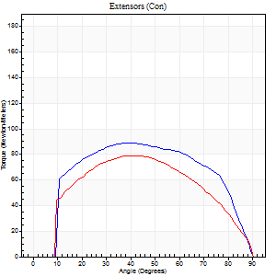
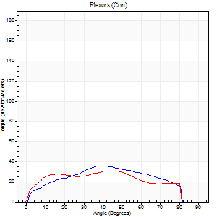
Right Side Curves Left Side Curves
Isokinetic Con/Con |  |  |  | Extensors (Con) |  | Flexors (Con)
Speed 120/120 d/s 3 Reps |  |  |  | Value | Cof Var | %BW | Value | Cof Var | %BW | Ratio

TORQUE PARAMETERS
Peak Torque (Newton-Meters - Best Repetition)
Right |  |  |  | 89 | 0.15 | 113 | 35 | 0.35 | 45 | 39
Left |  |  |  | 79 | 0.1 | 98 | 31 | 0.44 | 39 | 40
Deficit |  |  |  | 12 |  |  | 12
Work per Repetition (Newton-Meters - Best Repetition)
Right |  |  |  | 100 | 0.16 | 125 | 35 | 0.38 | 45 | 35
Left |  |  |  | 84 | 0.07 | 104 | 34 | 0.48 | 42 | 40
Deficit |  |  |  | 16 |  |  | 4
Average Power per Repetition (Watts - Best Repetition)
Right |  |  |  | 114 | 0.16 | 143 | 42 | 0.36 | 53 | 37
Left |  |  |  | 92 | 0.07 | 114 | 39 | 0.48 | 48 | 42
Deficit |  |  |  | 19 |  |  | 7
POSITION PARAMETERS
Joint Angle at Peak Torque (Degrees)
Right |  |  |  | 42 | 0.1 |  | 32 | 0.27
Left |  |  |  | 41 | 0.13 |  | 33 | 0.29
Range of Motion (Degrees)
Right |  |  |  | 0 | 0.71 |  | 90 | 0
Left |  |  |  | 0 | 0 |  | 90 | 0
TIME PARAMETERS
Time to Peak Torque (Seconds)
Right |  |  |  | 0.44 | 0.1 |  | 0.32 | 0.21
Left |  |  |  | 0.46 | 0.12 |  | 0.35 | 0.18
Time Peak Torque Held (Seconds)
Right |  |  |  | 0.04 | 0 |  | 0.04 | 1.1
Left |  |  |  | 0.03 | 0.88 |  | 0.01 | 0.43
Force Decay Time (Seconds)
Right |  |  |  | 0.38 | 0.09 |  | 0.48 | 0.04
Left |  |  |  | 0.39 | 0.04 |  | 0.49 | 0.14
Reciprocal Delay (Seconds)
Right |  |  |  | 0.11 | 0.26 |  | 0.18 | 0.1
Left |  |  |  | 0.17 | 0.12 |  | 0.17 | 0.06
Delay Time (Seconds)
Right |  |  |  | -0.01 | 0 |  | 0.03 | 0.43
Left |  |  |  | -0.03 | 0 |  | -0.01 | -0.43
HUMAC2015® Version: 15.000.0074 © Computer Sports Medicine, Inc. www.csmisolutions.com

Use File, Preference to set Report Heading
Long Form Torque vs. Position Report - Knee Extension/Flexion
Name: |  |  |  | TR0303009, | ID: | TR0303009 | Right/Left: | 07.09.2021 07.09.2021
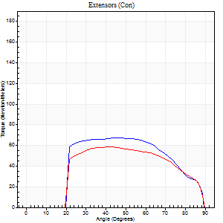
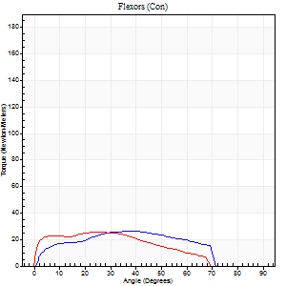
Right Side Curves Left Side Curves
Isokinetic Con/Con |  |  |  | Extensors (Con) |  | Flexors (Con)
Speed 240/240 d/s 3 Reps |  |  |  | Value | Cof Var | %BW | Value | Cof Var | %BW | Ratio

TORQUE PARAMETERS
Peak Torque (Newton-Meters - Best Repetition)
Right |  |  |  | 68 | 0.29 | 83 | 26 | 0.38 | 33 | 38
Left |  |  |  | 58 | 0.13 | 72 | 26 | 0.57 | 33 | 44
Deficit |  |  |  | 14 |  |  | 0
Work per Repetition (Newton-Meters - Best Repetition)
Right |  |  |  | 66 | 0.36 | 83 | 24 | 0.37 | 30 | 37
Left |  |  |  | 58 | 0.15 | 72 | 23 | 0.63 | 30 | 40
Deficit |  |  |  | 12 |  |  | 6
Average Power per Repetition (Watts - Best Repetition)
Right |  |  |  | 130 | 0.44 | 163 | 46 | 0.38 | 57 | 35
Left |  |  |  | 102 | 0.18 | 127 | 41 | 0.71 | 51 | 40
Deficit |  |  |  | 22 |  |  | 11
POSITION PARAMETERS
Joint Angle at Peak Torque (Degrees)
Right |  |  |  | 47 | 0.16 |  | 30 | 0.53
Left |  |  |  | 41 | 0.03 |  | 23 | 0.84
Range of Motion (Degrees)
Right |  |  |  | 1 | 0.09 |  | 89 | 0.01
Left |  |  |  | 0 | 0.16 |  | 89 | 0.01
TIME PARAMETERS
Time to Peak Torque (Seconds)
Right |  |  |  | 0.25 | 0.03 |  | 0.23 | 0.33
Left |  |  |  | 0.29 | 0 |  | 0.21 | 0.55
Time Peak Torque Held (Seconds)
Right |  |  |  | 0.01 | 0.87 |  | 0.05 | 1.73
Left |  |  |  | 0.01 | 0.43 |  | 0.01 | 1.15
Force Decay Time (Seconds)
Right |  |  |  | 0.25 | 0.14 |  | 0.27 | 0.02
Left |  |  |  | 0.25 | 0.02 |  | 0.38 | 0.42
Reciprocal Delay (Seconds)
Right |  |  |  | 0.06 | 0.33 |  | 0.09 | 0.07
Left |  |  |  | 0.11 | 0.07 |  | 0.11 | 0.18
Delay Time (Seconds)
Right |  |  |  | -0.02 | -0.28 |  | -0.01 | -0.87
Left |  |  |  | -0.01 | -1.41 |  | -0.03 | -0.33
HUMAC2015® Version: 15.000.0074 © Computer Sports Medicine, Inc. www.csmisolutions.com

Use File, Preference to set Report Heading
Isometric - Knee Extension/Flexion
Name: |  |  |  | TR0303009, | ID: | TR0303009 | Right/Left: | 07.09.2021 07.09.2021

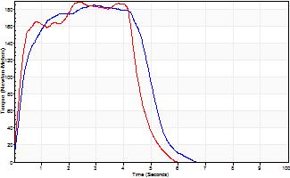
Isometric Extensors (Con) Angle 60 Time 10 Repetition 2 (Best Repetition)
 | Value | Cof Var | %BW
Peak Torque (Newton-Meters)
Right | 184 | 0.03 | 229
Left | 188 | 0.05 | 235
Deficit | 2
Average Torque (Newton-Meters)
Right | 83 | 0.13 | 104
Left | 81 | 0.03 | 101
Deficit | 2
Peak Torque Slope (Newton-Meters/Seconds)
Right | 64 | 0.19 | 79
Left | 80 | 0.39 | 99 |  | Right Side Curves Left Side Curves
Deficit | 20
Time to Half Peak Torque (Seconds)
Right | 0.34 | 0.14
Left | 0.25 | 0.17
Time to Peak Torque (Seconds)
Right | 3.28 | 0.16
Left | 3.11 | 0.34
HUMAC2015® Version: 15.000.0074 © Computer Sports Medicine, Inc. www.csmisolutions.com

pre2
Use File, Preference to set Report Heading
Long Form Torque vs. Position Report - Knee Extension/Flexion
Name: |  |  |  | TR0303009, | ID: | TR0303009 | Right/Left: | 01.10.2021 01.10.2021
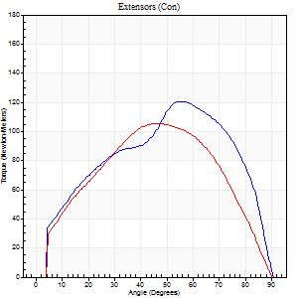
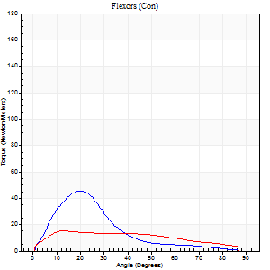
Right Side Curves Left Side Curves
Isokinetic Con/Con |  |  |  | Extensors (Con) |  | Flexors (Con)
Speed 60/60 d/s 3 Reps |  |  |  | Value | Cof Var | %BW | Value | Cof Var | %BW | Ratio

TORQUE PARAMETERS
Peak Torque (Newton-Meters - Best Repetition)
Right |  |  |  | 121 | 0.02 | 152 | 45 | 1.2 | 57 | 37
Left |  |  |  | 106 | 0.22 | 131 | 15 | 0.55 | 18 | 14
Deficit |  |  |  | 12 |  |  | 67
Work per Repetition (Newton-Meters - Best Repetition)
Right |  |  |  | 125 | 0.02 | 155 | 23 | 1 | 30 | 18
Left |  |  |  | 108 | 0.3 | 134 | 16 | 0.63 | 21 | 15
Deficit |  |  |  | 13 |  |  | 29
Average Power per Repetition (Watts - Best Repetition)
Right |  |  |  | 77 | 0.02 | 97 | 15 | 1.04 | 20 | 19
Left |  |  |  | 68 | 0.32 | 86 | 10 | 0.67 | 13 | 15
Deficit |  |  |  | 12 |  |  | 33
POSITION PARAMETERS
Joint Angle at Peak Torque (Degrees)
Right |  |  |  | 58 | 0.06 |  | 11 | 0.72
Left |  |  |  | 45 | 0.12 |  | 20 | 0.31
Range of Motion (Degrees)
Right |  |  |  | 0 | 1.41 |  | 90 | 0
Left |  |  |  | 0 | 1.01 |  | 90 | 0
TIME PARAMETERS
Time to Peak Torque (Seconds)
Right |  |  |  | 0.54 | 0.04 |  | 0.28 | 0.25
Left |  |  |  | 0.75 | 0.05 |  | 0.45 | 0.37
Time Peak Torque Held (Seconds)
Right |  |  |  | 0.03 | 0.22 |  | 0 | 1.73
Left |  |  |  | 0.09 | 0.52 |  | 0.15 | 1.07
Force Decay Time (Seconds)
Right |  |  |  | 0.99 | 0.04 |  | 1.45 | 0.2
Left |  |  |  | 0.7 | 0.13 |  | 1.07 | 0.25
Reciprocal Delay (Seconds)
Right |  |  |  | 0.27 | 0.16 |  | 0.39 | 0.39
Left |  |  |  | 0.28 | 0.02 |  | 0.28 | 0.25
Delay Time (Seconds)
Right |  |  |  | -0.03 | 0 |  | -0.03 | -1.51
Left |  |  |  | -0.03 | 0 |  | -0.03 | -0.87
HUMAC2015® Version: 15.000.0074 © Computer Sports Medicine, Inc. www.csmisolutions.com

Use File, Preference to set Report Heading
Long Form Torque vs. Position Report - Knee Extension/Flexion
Name: |  |  |  | TR0303009, | ID: | TR0303009 | Right/Left: | 01.10.2021 01.10.2021
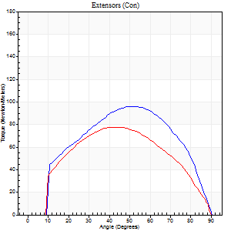
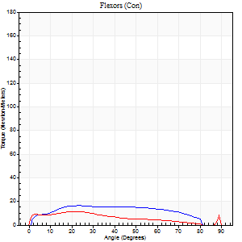
Right Side Curves Left Side Curves
Isokinetic Con/Con |  |  |  | Extensors (Con) |  | Flexors (Con)
Speed 120/120 d/s 3 Reps |  |  |  | Value | Cof Var | %BW | Value | Cof Var | %BW | Ratio

TORQUE PARAMETERS
Peak Torque (Newton-Meters - Best Repetition)
Right |  |  |  | 96 | 0.27 | 119 | 16 | 0.58 | 21 | 17
Left |  |  |  | 77 | 0.08 | 95 | 11 | 0.36 | 15 | 14
Deficit |  |  |  | 20 |  |  | 33
Work per Repetition (Newton-Meters - Best Repetition)
Right |  |  |  | 99 | 0.3 | 122 | 18 | 0.86 | 21 | 18
Left |  |  |  | 80 | 0.11 | 101 | 9 | 0.8 | 12 | 12
Deficit |  |  |  | 19 |  |  | 46
Average Power per Repetition (Watts - Best Repetition)
Right |  |  |  | 105 | 0.33 | 132 | 20 | 0.92 | 24 | 19
Left |  |  |  | 85 | 0.17 | 105 | 11 | 0.89 | 13 | 13
Deficit |  |  |  | 19 |  |  | 45
POSITION PARAMETERS
Joint Angle at Peak Torque (Degrees)
Right |  |  |  | 46 | 0.19 |  | 18 | 0.74
Left |  |  |  | 43 | 0.01 |  | 37 | 1.26
Range of Motion (Degrees)
Right |  |  |  | 0 | 0.71 |  | 90 | 0
Left |  |  |  | 0 | 0 |  | 90 | 0
TIME PARAMETERS
Time to Peak Torque (Seconds)
Right |  |  |  | 0.44 | 0.02 |  | 0.26 | 0.31
Left |  |  |  | 0.51 | 0.06 |  | 0.44 | 1.11
Time Peak Torque Held (Seconds)
Right |  |  |  | 0.03 | 0.62 |  | 0.02 | 1.73
Left |  |  |  | 0.04 | 0.16 |  | 0 | 0
Force Decay Time (Seconds)
Right |  |  |  | 0.41 | 0.22 |  | 0.74 | 0.38
Left |  |  |  | 0.41 | 0.03 |  | 0.56 | 0.98
Reciprocal Delay (Seconds)
Right |  |  |  | 0.16 | 0.04 |  | 0.28 | 0.48
Left |  |  |  | 0.24 | 0.24 |  | 0.18 | 0.09
Delay Time (Seconds)
Right |  |  |  | -0.06 | -0.11 |  | -0.02 | -1.78
Left |  |  |  | -0.05 | 0 |  | -0.03 | -0.33
HUMAC2015® Version: 15.000.0074 © Computer Sports Medicine, Inc. www.csmisolutions.com

Use File, Preference to set Report Heading
Long Form Torque vs. Position Report - Knee Extension/Flexion
Name: |  |  |  | TR0303009, | ID: | TR0303009 | Right/Left: | 01.10.2021 01.10.2021
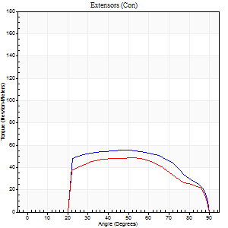
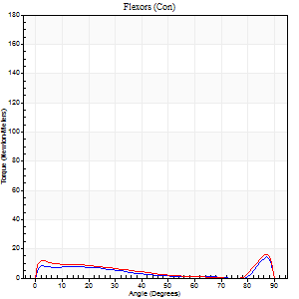
Right Side Curves Left Side Curves
Isokinetic Con/Con |  |  |  | Extensors (Con) |  | Flexors (Con)
Speed 240/240 d/s 3 Reps |  |  |  | Value | Cof Var | %BW | Value | Cof Var | %BW | Ratio

TORQUE PARAMETERS
Peak Torque (Newton-Meters - Best Repetition)
Right |  |  |  | 56 | 0.22 | 69 | 15 | 0.51 | 18 | 27
Left |  |  |  | 49 | 0.27 | 60 | 16 | 0.46 | 21 | 33
Deficit |  |  |  | 12 |  |  | 8
Work per Repetition (Newton-Meters - Best Repetition)
Right |  |  |  | 56 | 0.26 | 69 | 12 | 1.11 | 15 | 22
Left |  |  |  | 47 | 0.35 | 60 | 8 | 0.55 | 9 | 17
Deficit |  |  |  | 15 |  |  | 33
Average Power per Repetition (Watts - Best Repetition)
Right |  |  |  | 96 | 0.34 | 121 | 18 | 0.78 | 22 | 19
Left |  |  |  | 77 | 0.46 | 97 | 13 | 0.68 | 15 | 17
Deficit |  |  |  | 20 |  |  | 28
POSITION PARAMETERS
Joint Angle at Peak Torque (Degrees)
Right |  |  |  | 46 | 0.04 |  | 42 | 1.02
Left |  |  |  | 44 | 0.17 |  | 58 | 0.85
Range of Motion (Degrees)
Right |  |  |  | 0 | 0.28 |  | 90 | 0
Left |  |  |  | 0 | 0.94 |  | 90 | 0.01
TIME PARAMETERS
Time to Peak Torque (Seconds)
Right |  |  |  | 0.28 | 0.02 |  | 0.16 | 1.01
Left |  |  |  | 0.39 | 0.44 |  | 0.44 | 0.76
Time Peak Torque Held (Seconds)
Right |  |  |  | 0.01 | 1 |  | 0 | 1.73
Left |  |  |  | 0.03 | 0.43 |  | 0 | 1.73
Force Decay Time (Seconds)
Right |  |  |  | 0.28 | 0.04 |  | 0.43 | 1.04
Left |  |  |  | 0.26 | 0.12 |  | 0.31 | 1.51
Reciprocal Delay (Seconds)
Right |  |  |  | 0.09 | 0.37 |  | 0.15 | 0.14
Left |  |  |  | 0.18 | 0.63 |  | 0.15 | 0.26
Delay Time (Seconds)
Right |  |  |  | -0.04 | 0 |  | 0.16 | 2
Left |  |  |  | -0.04 | -0.2 |  | -0.04 | -0.13
HUMAC2015® Version: 15.000.0074 © Computer Sports Medicine, Inc. www.csmisolutions.com

Use File, Preference to set Report Heading
Isometric - Knee Extension/Flexion
Name: |  |  |  | TR0303009, | ID: | TR0303009 | Right/Left: | 01.10.2021 01.10.2021

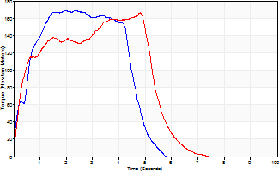
Isometric Extensors (Con) Angle 60 Time 10 Repetition 2 (Best Repetition)
 | Value | Cof Var | %BW
Peak Torque (Newton-Meters)
Right | 170 | 0.04 | 212
Left | 165 | 0.06 | 206
Deficit | 2
Average Torque (Newton-Meters)
Right | 77 | 0.09 | 95
Left | 76 | 0.04 | 95
Deficit | 2
Peak Torque Slope (Newton-Meters/Seconds)
Right | 84 | 0.46 | 105
Left | 137 | 0.84 | 171 |  | Right Side Curves Left Side Curves
Deficit | 38
Time to Half Peak Torque (Seconds)
Right | 0.38 | 0.46
Left | 0.27 | 0.21
Time to Peak Torque (Seconds)
Right | 2.84 | 0.42
Left | 2.94 | 0.89
HUMAC2015® Version: 15.000.0074 © Computer Sports Medicine, Inc. www.csmisolutions.com

mid1
Use File, Preference to set Report Heading
Long Form Torque vs. Position Report - Knee Extension/Flexion
Name: |  |  |  | TR0303009, | ID: | TR0303009 | Right/Left: | 12.11.2021 12.11.2021
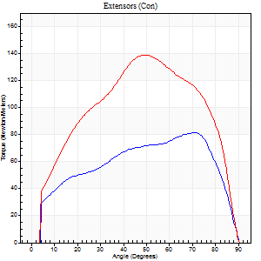
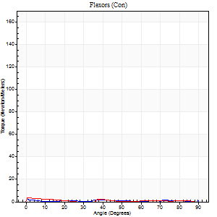
Right Side Curves Left Side Curves
Isokinetic Con/Con |  |  |  | Extensors (Con) |  | Flexors (Con)
Speed 60/60 d/s 3 Reps |  |  |  | Value | Cof Var | %BW | Value | Cof Var | %BW | Ratio

TORQUE PARAMETERS
Peak Torque (Newton-Meters - Best Repetition)
Right |  |  |  | 81 | 0.06 | 101 | 9 | 1.02 | 12 | 12
Left |  |  |  | 138 | 0.08 | 173 | 11 | 0.75 | 15 | 8
Deficit |  |  |  | 41 |  |  | 13
Work per Repetition (Newton-Meters - Best Repetition)
Right |  |  |  | 89 | 0.06 | 113 | 1 | 0.03 | 3 | 2
Left |  |  |  | 151 | 0.07 | 188 | 1 | 0.26 | 3 | 1
Deficit |  |  |  | 41 |  |  | 0
Average Power per Repetition (Watts - Best Repetition)
Right |  |  |  | 54 | 0.08 | 68 | 0 | 0.25 | 0 | 0
Left |  |  |  | 94 | 0.07 | 116 | 1 | 0.43 | 2 | 1
Deficit |  |  |  | 43 |  |  | 0
POSITION PARAMETERS
Joint Angle at Peak Torque (Degrees)
Right |  |  |  | 66 | 0.1 |  | 30 | 1.71
Left |  |  |  | 50 | 0.07 |  | 31 | 1.63
Range of Motion (Degrees)
Right |  |  |  | 0 | 1.41 |  | 90 | 0
Left |  |  |  | 0 | 0 |  | 90 | 0
TIME PARAMETERS
Time to Peak Torque (Seconds)
Right |  |  |  | 0.38 | 0.04 |  | 1.3 | 1.61
Left |  |  |  | 0.68 | 0.06 |  | 1.11 | 1.37
Time Peak Torque Held (Seconds)
Right |  |  |  | 0.05 | 0.2 |  | 0.01 | 1.73
Left |  |  |  | 0.06 | 0.24 |  | 0.01 | 1.73
Force Decay Time (Seconds)
Right |  |  |  | 1.14 | 0.11 |  | 3.37 | 0.94
Left |  |  |  | 0.82 | 0.05 |  | 1.8 | 1.12
Reciprocal Delay (Seconds)
Right |  |  |  | 0.49 | 0.04 |  | 0.77 | 0.15
Left |  |  |  | 0.62 | 0.19 |  | 1 | 0.57
Delay Time (Seconds)
Right |  |  |  | -0.03 | 0 |  | -0.1 | -0.15
Left |  |  |  | -0.03 | 0 |  | -0.12 | -0.43
HUMAC2015® Version: 15.000.0074 © Computer Sports Medicine, Inc. www.csmisolutions.com

Use File, Preference to set Report Heading
Long Form Torque vs. Position Report - Knee Extension/Flexion
Name: |  |  |  | TR0303009, | ID: | TR0303009 | Right/Left: | 12.11.2021 12.11.2021
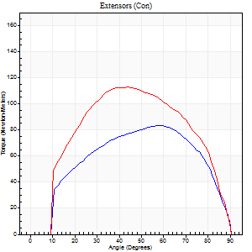
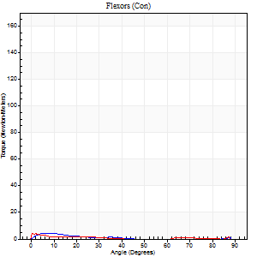
Right Side Curves Left Side Curves
Isokinetic Con/Con |  |  |  | Extensors (Con) |  | Flexors (Con)
Speed 120/120 d/s 3 Reps |  |  |  | Value | Cof Var | %BW | Value | Cof Var | %BW | Ratio

TORQUE PARAMETERS
Peak Torque (Newton-Meters - Best Repetition)
Right |  |  |  | 84 | 0.19 | 104 | 4 | 0.2 | 6 | 5
Left |  |  |  | 113 | 0.13 | 140 | 4 | 0.14 | 6 | 4
Deficit |  |  |  | 25 |  |  | 0
Work per Repetition (Newton-Meters - Best Repetition)
Right |  |  |  | 88 | 0.2 | 110 | 1 | 0.19 | 3 | 2
Left |  |  |  | 121 | 0.14 | 152 | 1 | 0.13 | 3 | 1
Deficit |  |  |  | 27 |  |  | 0
Average Power per Repetition (Watts - Best Repetition)
Right |  |  |  | 94 | 0.22 | 116 | 1 | 0.48 | 2 | 1
Left |  |  |  | 133 | 0.14 | 167 | 1 | 0.15 | 2 | 1
Deficit |  |  |  | 29 |  |  | 0
POSITION PARAMETERS
Joint Angle at Peak Torque (Degrees)
Right |  |  |  | 54 | 0.11 |  | 5 | 0.11
Left |  |  |  | 49 | 0.1 |  | 2 | 0.58
Range of Motion (Degrees)
Right |  |  |  | 0 | 0 |  | 90 | 0
Left |  |  |  | 0 | 0 |  | 90 | 0
TIME PARAMETERS
Time to Peak Torque (Seconds)
Right |  |  |  | 0.35 | 0 |  | 0.23 | 0.16
Left |  |  |  | 0.43 | 0.07 |  | 0.17 | 0.61
Time Peak Torque Held (Seconds)
Right |  |  |  | 0.04 | 0.66 |  | 0.01 | 1.73
Left |  |  |  | 0.04 | 0.35 |  | 0.01 | 1.73
Force Decay Time (Seconds)
Right |  |  |  | 0.54 | 0.06 |  | 1.79 | 0.47
Left |  |  |  | 0.45 | 0.08 |  | 1.48 | 0.13
Reciprocal Delay (Seconds)
Right |  |  |  | 0.38 | 0.39 |  | 0.22 | 0.53
Left |  |  |  | 0.34 | 0.11 |  | 0.51 | 0.02
Delay Time (Seconds)
Right |  |  |  | -0.05 | -0.16 |  | 0.04 | 3.31
Left |  |  |  | -0.03 | 0 |  | -0.11 | -0.57
HUMAC2015® Version: 15.000.0074 © Computer Sports Medicine, Inc. www.csmisolutions.com

Use File, Preference to set Report Heading
Long Form Torque vs. Position Report - Knee Extension/Flexion
Name: |  |  |  | TR0303009, | ID: | TR0303009 | Right/Left: | 12.11.2021 12.11.2021
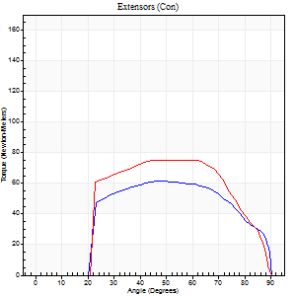
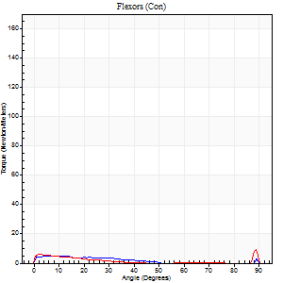
Right Side Curves Left Side Curves
Isokinetic Con/Con |  |  |  | Extensors (Con) |  | Flexors (Con)
Speed 240/240 d/s 3 Reps |  |  |  | Value | Cof Var | %BW | Value | Cof Var | %BW | Ratio

TORQUE PARAMETERS
Peak Torque (Newton-Meters - Best Repetition)
Right |  |  |  | 61 | 0.16 | 77 | 5 | 0.24 | 6 | 9
Left |  |  |  | 76 | 0.24 | 95 | 9 | 0.32 | 12 | 12
Deficit |  |  |  | 20 |  |  | 43
Work per Repetition (Newton-Meters - Best Repetition)
Right |  |  |  | 62 | 0.17 | 77 | 3 | 0.36 | 3 | 4
Left |  |  |  | 73 | 0.28 | 92 | 3 | 0.14 | 3 | 4
Deficit |  |  |  | 15 |  |  | 0
Average Power per Repetition (Watts - Best Repetition)
Right |  |  |  | 102 | 0.19 | 127 | 3 | 0.63 | 4 | 3
Left |  |  |  | 116 | 0.3 | 145 | 2 | 0.23 | 2 | 2
Deficit |  |  |  | 12 |  |  | 33
POSITION PARAMETERS
Joint Angle at Peak Torque (Degrees)
Right |  |  |  | 44 | 0.05 |  | 5 | 1.01
Left |  |  |  | 45 | 0.11 |  | 60 | 0.84
Range of Motion (Degrees)
Right |  |  |  | 0 | 0.47 |  | 90 | 0
Left |  |  |  | 0 | 4.24 |  | 90 | 0
TIME PARAMETERS
Time to Peak Torque (Seconds)
Right |  |  |  | 0.31 | 0.05 |  | 0.17 | 0.67
Left |  |  |  | 0.31 | 0.09 |  | 0.76 | 0.7
Time Peak Torque Held (Seconds)
Right |  |  |  | 0.01 | 1 |  | 0.07 | 1.27
Left |  |  |  | 0.02 | 0.69 |  | 0.01 | 1.15
Force Decay Time (Seconds)
Right |  |  |  | 0.27 | 0.04 |  | 1.07 | 0.32
Left |  |  |  | 0.28 | 0.04 |  | 0.34 | 1.66
Reciprocal Delay (Seconds)
Right |  |  |  | 0.41 | 0.31 |  | 0.39 | 0.16
Left |  |  |  | 0.28 | 0.33 |  | 0.37 | 0.25
Delay Time (Seconds)
Right |  |  |  | -0.06 | 0 |  | -0.07 | -0.23
Left |  |  |  | -0.06 | -0.33 |  | -0.07 | -0.16
HUMAC2015® Version: 15.000.0074 © Computer Sports Medicine, Inc. www.csmisolutions.com

Use File, Preference to set Report Heading
Isometric - Knee Extension/Flexion
Name: |  |  |  | TR0303009, | ID: | TR0303009 | Right/Left: | 12.11.2021 12.11.2021

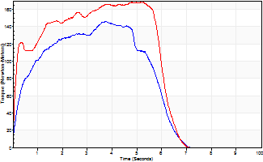
Isometric Extensors (Con) Angle 60 Time 10 Repetition 2 (Best Repetition)
 | Value | Cof Var | %BW
Peak Torque (Newton-Meters)
Right | 146 | 0.08 | 182
Left | 168 | 0.11 | 209
Deficit | 13
Average Torque (Newton-Meters)
Right | 72 | 0.09 | 89
Left | 91 | 0.09 | 113
Deficit | 21
Peak Torque Slope (Newton-Meters/Seconds)
Right | 39 | 0.15 | 49
Left | 33 | 0.08 | 41 |  | Right Side Curves Left Side Curves
Deficit | 16
Time to Half Peak Torque (Seconds)
Right | 0.29 | 0.49
Left | 0.15 | 0.19
Time to Peak Torque (Seconds)
Right | 3.89 | 0.06
Left | 5.07 | 0.02
HUMAC2015® Version: 15.000.0074 © Computer Sports Medicine, Inc. www.csmisolutions.com

mid2
Use File, Preference to set Report Heading
Long Form Torque vs. Position Report - Knee Extension/Flexion
Name: |  |  |  | TR0303009, | ID: | TR0303009 | Right/Left: | 16.11.2021 16.11.2021
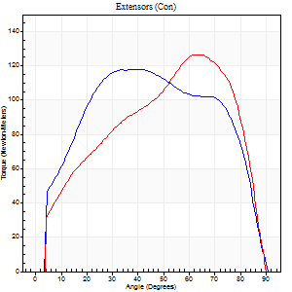
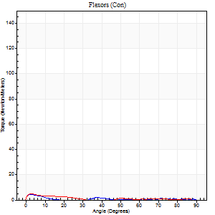
Right Side Curves Left Side Curves
Isokinetic Con/Con |  |  |  | Extensors (Con) |  | Flexors (Con)
Speed 60/60 d/s 3 Reps |  |  |  | Value | Cof Var | %BW | Value | Cof Var | %BW | Ratio

TORQUE PARAMETERS
Peak Torque (Newton-Meters - Best Repetition)
Right |  |  |  | 118 | 0.11 | 146 | 4 | 0.33 | 6 | 3
Left |  |  |  | 126 | 0.04 | 158 | 5 | 0.35 | 6 | 4
Deficit |  |  |  | 6 |  |  | 25
Work per Repetition (Newton-Meters - Best Repetition)
Right |  |  |  | 138 | 0.09 | 173 | 1 | 0.11 | 3 | 1
Left |  |  |  | 132 | 0.03 | 164 | 3 | 0.3 | 3 | 2
Deficit |  |  |  | 5 |  |  | 50
Average Power per Repetition (Watts - Best Repetition)
Right |  |  |  | 85 | 0.09 | 105 | 1 | 0.19 | 2 | 1
Left |  |  |  | 84 | 0.03 | 105 | 1 | 0.36 | 2 | 1
Deficit |  |  |  | 1 |  |  | 0
POSITION PARAMETERS
Joint Angle at Peak Torque (Degrees)
Right |  |  |  | 43 | 0.09 |  | 31 | 1.59
Left |  |  |  | 59 | 0.09 |  | 2 | 0.12
Range of Motion (Degrees)
Right |  |  |  | 0 | 0 |  | 90 | 0
Left |  |  |  | 0 | -1.41 |  | 90 | 0
TIME PARAMETERS
Time to Peak Torque (Seconds)
Right |  |  |  | 0.87 | 0.07 |  | 0.98 | 1.34
Left |  |  |  | 0.5 | 0.11 |  | 0.17 | 0.12
Time Peak Torque Held (Seconds)
Right |  |  |  | 0.07 | 0.48 |  | 0 | 1.73
Left |  |  |  | 0.06 | 0.17 |  | 0.02 | 1.73
Force Decay Time (Seconds)
Right |  |  |  | 0.71 | 0.13 |  | 2.09 | 0.88
Left |  |  |  | 0.96 | 0.1 |  | 1.86 | 0.15
Reciprocal Delay (Seconds)
Right |  |  |  | 0.5 | 0.3 |  | 0.87 | 0.02
Left |  |  |  | 0.31 | 0.07 |  | 0.58 | 0.28
Delay Time (Seconds)
Right |  |  |  | -0.04 | -0.2 |  | -0.12 | -0.41
Left |  |  |  | 0 | 0 |  | -0.07 | -0.23
HUMAC2015® Version: 15.000.0074 © Computer Sports Medicine, Inc. www.csmisolutions.com

Use File, Preference to set Report Heading
Long Form Torque vs. Position Report - Knee Extension/Flexion
Name: |  |  |  | TR0303009, | ID: | TR0303009 | Right/Left: | 16.11.2021 16.11.2021
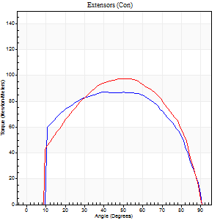
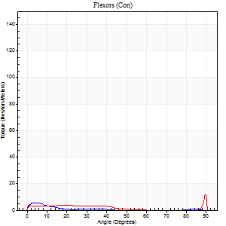
Right Side Curves Left Side Curves
Isokinetic Con/Con |  |  |  | Extensors (Con) |  | Flexors (Con)
Speed 120/120 d/s 3 Reps |  |  |  | Value | Cof Var | %BW | Value | Cof Var | %BW | Ratio

TORQUE PARAMETERS
Peak Torque (Newton-Meters - Best Repetition)
Right |  |  |  | 87 | 0.12 | 107 | 5 | 0.25 | 6 | 6
Left |  |  |  | 98 | 0.17 | 122 | 12 | 0.67 | 15 | 12
Deficit |  |  |  | 11 |  |  | 56
Work per Repetition (Newton-Meters - Best Repetition)
Right |  |  |  | 100 | 0.14 | 125 | 1 | 0.1 | 3 | 1
Left |  |  |  | 106 | 0.21 | 131 | 3 | 0.29 | 3 | 3
Deficit |  |  |  | 5 |  |  | 50
Average Power per Repetition (Watts - Best Repetition)
Right |  |  |  | 106 | 0.15 | 132 | 1 | 0.23 | 2 | 1
Left |  |  |  | 117 | 0.22 | 145 | 3 | 0.41 | 4 | 3
Deficit |  |  |  | 9 |  |  | 67
POSITION PARAMETERS
Joint Angle at Peak Torque (Degrees)
Right |  |  |  | 50 | 0.17 |  | 2 | 0.14
Left |  |  |  | 50 | 0.06 |  | 32 | 1.55
Range of Motion (Degrees)
Right |  |  |  | 0 | 0.47 |  | 90 | 0
Left |  |  |  | 0 | 0.47 |  | 90 | 0
TIME PARAMETERS
Time to Peak Torque (Seconds)
Right |  |  |  | 0.44 | 0.17 |  | 0.17 | 0.09
Left |  |  |  | 0.39 | 0.07 |  | 0.57 | 0.99
Time Peak Torque Held (Seconds)
Right |  |  |  | 0.03 | 0.22 |  | 0.01 | 1.73
Left |  |  |  | 0.03 | 0.46 |  | 0.01 | 1.73
Force Decay Time (Seconds)
Right |  |  |  | 0.49 | 0.11 |  | 1.48 | 0.17
Left |  |  |  | 0.47 | 0.03 |  | 0.75 | 0.99
Reciprocal Delay (Seconds)
Right |  |  |  | 0.28 | 0.15 |  | 0.49 | 0.1
Left |  |  |  | 0.19 | 0.19 |  | 0.42 | 0.37
Delay Time (Seconds)
Right |  |  |  | -0.05 | -0.16 |  | -0.08 | -0.12
Left |  |  |  | -0.02 | 0 |  | -0.1 | -0.42
HUMAC2015® Version: 15.000.0074 © Computer Sports Medicine, Inc. www.csmisolutions.com

Use File, Preference to set Report Heading
Long Form Torque vs. Position Report - Knee Extension/Flexion
Name: |  |  |  | TR0303009, | ID: | TR0303009 | Right/Left: | 16.11.2021 16.11.2021
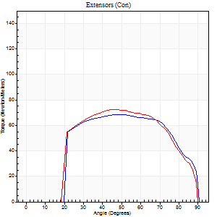
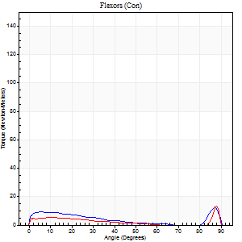
Right Side Curves Left Side Curves
Isokinetic Con/Con |  |  |  | Extensors (Con) |  | Flexors (Con)
Speed 240/240 d/s 3 Reps |  |  |  | Value | Cof Var | %BW | Value | Cof Var | %BW | Ratio

TORQUE PARAMETERS
Peak Torque (Newton-Meters - Best Repetition)
Right |  |  |  | 68 | 0.36 | 83 | 12 | 0.47 | 15 | 18
Left |  |  |  | 72 | 0.09 | 89 | 14 | 0.48 | 18 | 19
Deficit |  |  |  | 6 |  |  | 10
Work per Repetition (Newton-Meters - Best Repetition)
Right |  |  |  | 72 | 0.43 | 89 | 7 | 0.67 | 9 | 9
Left |  |  |  | 73 | 0.12 | 92 | 4 | 0.35 | 6 | 6
Deficit |  |  |  | 2 |  |  | 40
Average Power per Repetition (Watts - Best Repetition)
Right |  |  |  | 121 | 0.52 | 152 | 8 | 0.85 | 11 | 7
Left |  |  |  | 125 | 0.44 | 156 | 4 | 0.46 | 4 | 3
Deficit |  |  |  | 3 |  |  | 50
POSITION PARAMETERS
Joint Angle at Peak Torque (Degrees)
Right |  |  |  | 47 | 0.03 |  | 59 | 0.84
Left |  |  |  | 46 | 0.04 |  | 60 | 0.8
Range of Motion (Degrees)
Right |  |  |  | 0 | 1.06 |  | 90 | 0
Left |  |  |  | 0 | 0 |  | 90 | 0
TIME PARAMETERS
Time to Peak Torque (Seconds)
Right |  |  |  | 0.28 | 0.03 |  | 0.58 | 0.65
Left |  |  |  | 0.3 | 0.07 |  | 0.7 | 0.45
Time Peak Torque Held (Seconds)
Right |  |  |  | 0.01 | 0.43 |  | 0 | 0
Left |  |  |  | 0.01 | 1 |  | 0.01 | 1.73
Force Decay Time (Seconds)
Right |  |  |  | 0.29 | 0.09 |  | 0.43 | 1.43
Left |  |  |  | 0.29 | 0.02 |  | 0.31 | 1.59
Reciprocal Delay (Seconds)
Right |  |  |  | 0.19 | 0.18 |  | 0.39 | 0.28
Left |  |  |  | 0.19 | 0.22 |  | 0.25 | 0.16
Delay Time (Seconds)
Right |  |  |  | -0.04 | -0.2 |  | -0.07 | -0.31
Left |  |  |  | -0.05 | 0 |  | -0.08 | -0.38
HUMAC2015® Version: 15.000.0074 © Computer Sports Medicine, Inc. www.csmisolutions.com

Use File, Preference to set Report Heading
Isometric - Knee Extension/Flexion
Name: |  |  |  | TR0303009, | ID: | TR0303009 | Right/Left: | 16.11.2021 16.11.2021

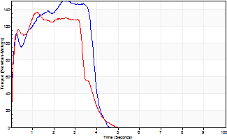
Isometric Extensors (Con) Angle 60 Time 10 Repetition 2 (Best Repetition)
 | Value | Cof Var | %BW
Peak Torque (Newton-Meters)
Right | 149 | 0.06 | 185
Left | 137 | 0 | 170
Deficit | 8
Average Torque (Newton-Meters)
Right | 61 | 0.12 | 77
Left | 47 | 0.05 | 60
Deficit | 22
Peak Torque Slope (Newton-Meters/Seconds)
Right | 57 | 0.23 | 71
Left | 114 | 0 | 143 |  | Right Side Curves Left Side Curves
Deficit | 50
Time to Half Peak Torque (Seconds)
Right | 0.15 | 0.57
Left | 0.13 | 0.44
Time to Peak Torque (Seconds)
Right | 3 | 0.17
Left | 1.18 | 0.01
HUMAC2015® Version: 15.000.0074 © Computer Sports Medicine, Inc. www.csmisolutions.com

post1
Use File, Preference to set Report Heading
Long Form Torque vs. Position Report - Knee Extension/Flexion
Name: |  |  |  | TR0303009, | ID: | TR0303009 | Right/Left: | 07.12.2021 07.12.2021
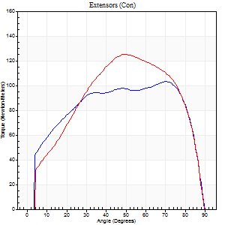
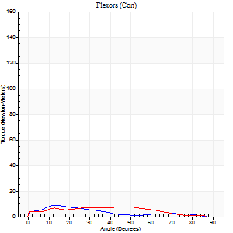
Right Side Curves Left Side Curves
Isokinetic Con/Con |  |  |  | Extensors (Con) |  | Flexors (Con)
Speed 60/60 d/s 3 Reps |  |  |  | Value | Cof Var | %BW | Value | Cof Var | %BW | Ratio

TORQUE PARAMETERS
Peak Torque (Newton-Meters - Best Repetition)
Right |  |  |  | 103 | 0.03 | 128 | 9 | 0.59 | 12 | 9
Left |  |  |  | 125 | 0.11 | 155 | 8 | 0.55 | 9 | 7
Deficit |  |  |  | 17 |  |  | 14
Work per Repetition (Newton-Meters - Best Repetition)
Right |  |  |  | 125 | 0.05 | 155 | 5 | 0.89 | 6 | 4
Left |  |  |  | 134 | 0.1 | 167 | 8 | 1.03 | 9 | 6
Deficit |  |  |  | 7 |  |  | 33
Average Power per Repetition (Watts - Best Repetition)
Right |  |  |  | 79 | 0.11 | 99 | 3 | 1 | 4 | 4
Left |  |  |  | 86 | 0.11 | 108 | 4 | 1.16 | 4 | 5
Deficit |  |  |  | 8 |  |  | 25
POSITION PARAMETERS
Joint Angle at Peak Torque (Degrees)
Right |  |  |  | 63 | 0.21 |  | 5 | 1.41
Left |  |  |  | 56 | 0.1 |  | 16 | 1.66
Range of Motion (Degrees)
Right |  |  |  | 0 | 0 |  | 90 | 0
Left |  |  |  | 0 | 0 |  | 90 | 0
TIME PARAMETERS
Time to Peak Torque (Seconds)
Right |  |  |  | 0.33 | 0.06 |  | 0.17 | 0.95
Left |  |  |  | 0.62 | 0.16 |  | 0.4 | 1.19
Time Peak Torque Held (Seconds)
Right |  |  |  | 0.04 | 0.31 |  | 0 | 0
Left |  |  |  | 0.04 | 0.31 |  | 0.03 | 0.88
Force Decay Time (Seconds)
Right |  |  |  | 1.07 | 0.22 |  | 1.76 | 0.22
Left |  |  |  | 0.94 | 0.09 |  | 1.83 | 0.65
Reciprocal Delay (Seconds)
Right |  |  |  | 0.31 | 0.18 |  | 0.45 | 0.07
Left |  |  |  | 0.72 | 0.78 |  | 0.58 | 0.2
Delay Time (Seconds)
Right |  |  |  | 0 | -1.41 |  | -0.03 | -0.17
Left |  |  |  | 0 | -4.24 |  | -0.09 | -0.34
HUMAC2015® Version: 15.000.0074 © Computer Sports Medicine, Inc. www.csmisolutions.com

Use File, Preference to set Report Heading
Long Form Torque vs. Position Report - Knee Extension/Flexion
Name: |  |  |  | TR0303009, | ID: | TR0303009 | Right/Left: | 07.12.2021 07.12.2021
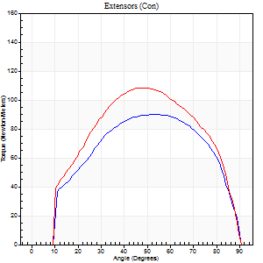
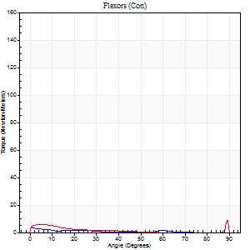
Right Side Curves Left Side Curves
Isokinetic Con/Con |  |  |  | Extensors (Con) |  | Flexors (Con)
Speed 120/120 d/s 3 Reps |  |  |  | Value | Cof Var | %BW | Value | Cof Var | %BW | Ratio

TORQUE PARAMETERS
Peak Torque (Newton-Meters - Best Repetition)
Right |  |  |  | 89 | 0.08 | 113 | 4 | 0.11 | 6 | 5
Left |  |  |  | 108 | 0.12 | 134 | 8 | 0.52 | 9 | 8
Deficit |  |  |  | 18 |  |  | 50
Work per Repetition (Newton-Meters - Best Repetition)
Right |  |  |  | 96 | 0.06 | 119 | 1 | 0.11 | 3 | 1
Left |  |  |  | 114 | 0.18 | 143 | 1 | 0.75 | 3 | 1
Deficit |  |  |  | 15 |  |  | 0
Average Power per Repetition (Watts - Best Repetition)
Right |  |  |  | 104 | 0.07 | 130 | 1 | 0.15 | 2 | 1
Left |  |  |  | 125 | 0.19 | 156 | 1 | 0.19 | 2 | 1
Deficit |  |  |  | 17 |  |  | 0
POSITION PARAMETERS
Joint Angle at Peak Torque (Degrees)
Right |  |  |  | 55 | 0.07 |  | 2 | 1.24
Left |  |  |  | 49 | 0.09 |  | 35 | 1.35
Range of Motion (Degrees)
Right |  |  |  | 0 | 0.71 |  | 90 | 0
Left |  |  |  | 0 | -1.41 |  | 90 | 0
TIME PARAMETERS
Time to Peak Torque (Seconds)
Right |  |  |  | 0.34 | 0.08 |  | 0.11 | 0.67
Left |  |  |  | 0.42 | 0.03 |  | 0.25 | 0.65
Time Peak Torque Held (Seconds)
Right |  |  |  | 0.05 | 0.6 |  | 0.02 | 0.89
Left |  |  |  | 0.03 | 0.43 |  | 0.03 | 1.15
Force Decay Time (Seconds)
Right |  |  |  | 0.51 | 0.12 |  | 1.4 | 0.1
Left |  |  |  | 0.48 | 0.1 |  | 0.81 | 0.86
Reciprocal Delay (Seconds)
Right |  |  |  | 0.24 | 0.12 |  | 0.46 | 0.44
Left |  |  |  | 0.28 | 0.23 |  | 0.42 | 0.42
Delay Time (Seconds)
Right |  |  |  | -0.02 | -0.28 |  | -0.06 | -0.4
Left |  |  |  | -0.02 | -0.28 |  | 0.24 | 2.42
HUMAC2015® Version: 15.000.0074 © Computer Sports Medicine, Inc. www.csmisolutions.com

Use File, Preference to set Report Heading
Long Form Torque vs. Position Report - Knee Extension/Flexion
Name: |  |  |  | TR0303009, | ID: | TR0303009 | Right/Left: | 07.12.2021 07.12.2021
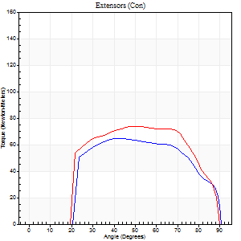
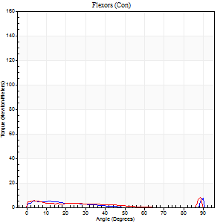
Right Side Curves Left Side Curves
Isokinetic Con/Con |  |  |  | Extensors (Con) |  | Flexors (Con)
Speed 240/240 d/s 3 Reps |  |  |  | Value | Cof Var | %BW | Value | Cof Var | %BW | Ratio

TORQUE PARAMETERS
Peak Torque (Newton-Meters - Best Repetition)
Right |  |  |  | 65 | 0.18 | 80 | 12 | 0.46 | 15 | 19
Left |  |  |  | 75 | 0.22 | 92 | 8 | 0.17 | 9 | 11
Deficit |  |  |  | 13 |  |  | 33
Work per Repetition (Newton-Meters - Best Repetition)
Right |  |  |  | 65 | 0.19 | 80 | 3 | 0.16 | 3 | 4
Left |  |  |  | 76 | 0.25 | 95 | 3 | 0.26 | 3 | 4
Deficit |  |  |  | 14 |  |  | 0
Average Power per Repetition (Watts - Best Repetition)
Right |  |  |  | 111 | 0.21 | 138 | 3 | 0.2 | 4 | 3
Left |  |  |  | 126 | 0.5 | 158 | 3 | 0.3 | 4 | 2
Deficit |  |  |  | 12 |  |  | 0
POSITION PARAMETERS
Joint Angle at Peak Torque (Degrees)
Right |  |  |  | 43 | 0.03 |  | 61 | 0.82
Left |  |  |  | 47 | 0.08 |  | 30 | 1.71
Range of Motion (Degrees)
Right |  |  |  | 0 | 0.35 |  | 90 | 0
Left |  |  |  | 0 | 1.41 |  | 90 | 0
TIME PARAMETERS
Time to Peak Torque (Seconds)
Right |  |  |  | 0.28 | 0.02 |  | 0.76 | 0.64
Left |  |  |  | 0.27 | 0.05 |  | 0.37 | 1.43
Time Peak Torque Held (Seconds)
Right |  |  |  | 0.01 | 0.43 |  | 0 | 0
Left |  |  |  | 0.01 | 0.87 |  | 0 | 1.73
Force Decay Time (Seconds)
Right |  |  |  | 0.27 | 0.02 |  | 0.26 | 1.99
Left |  |  |  | 0.3 | 0.05 |  | 0.67 | 0.84
Reciprocal Delay (Seconds)
Right |  |  |  | 0.21 | 0.27 |  | 0.24 | 0.53
Left |  |  |  | 0.25 | 0.4 |  | 0.32 | 0.28
Delay Time (Seconds)
Right |  |  |  | -0.03 | -0.47 |  | -0.06 | -0.44
Left |  |  |  | -0.04 | 0 |  | -0.09 | -0.34
HUMAC2015® Version: 15.000.0074 © Computer Sports Medicine, Inc. www.csmisolutions.com

Use File, Preference to set Report Heading
Isometric - Knee Extension/Flexion
Name: |  |  |  | TR0303009, | ID: | TR0303009 | Right/Left: | 07.12.2021 07.12.2021

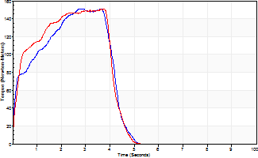
Isometric Extensors (Con) Angle 60 Time 10 Repetition 2 (Best Repetition)
 | Value | Cof Var | %BW
Peak Torque (Newton-Meters)
Right | 151 | 0.1 | 188
Left | 151 | 0.27 | 188
Deficit | 0
Average Torque (Newton-Meters)
Right | 53 | 0.15 | 66
Left | 54 | 0.31 | 69
Deficit | 2
Peak Torque Slope (Newton-Meters/Seconds)
Right | 53 | 0.18 | 66
Left | 41 | 0.23 | 51 |  | Right Side Curves Left Side Curves
Deficit | 23
Time to Half Peak Torque (Seconds)
Right | 0.17 | 0.53
Left | 0.17 | 0.67
Time to Peak Torque (Seconds)
Right | 3.05 | 0.09
Left | 3.6 | 0.04
HUMAC2015® Version: 15.000.0074 © Computer Sports Medicine, Inc. www.csmisolutions.com

post2
Use File, Preference to set Report Heading
Long Form Torque vs. Position Report - Knee Extension/Flexion
Name: |  |  |  | TR0303009, | ID: | TR0303009 | Right/Left: | 13.12.2021 13.12.2021
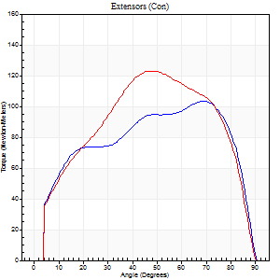
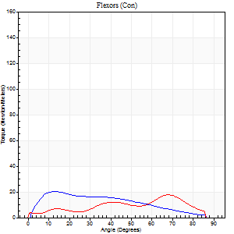
Right Side Curves Left Side Curves
Isokinetic Con/Con |  |  |  | Extensors (Con) |  | Flexors (Con)
Speed 60/60 d/s 3 Reps |  |  |  | Value | Cof Var | %BW | Value | Cof Var | %BW | Ratio

TORQUE PARAMETERS
Peak Torque (Newton-Meters - Best Repetition)
Right |  |  |  | 103 | 0.03 | 128 | 20 | 0.78 | 27 | 20
Left |  |  |  | 123 | 0.06 | 155 | 18 | 0.7 | 21 | 14
Deficit |  |  |  | 16 |  |  | 13
Work per Repetition (Newton-Meters - Best Repetition)
Right |  |  |  | 118 | 0.03 | 146 | 18 | 0.85 | 21 | 15
Left |  |  |  | 133 | 0.06 | 167 | 14 | 0.84 | 18 | 10
Deficit |  |  |  | 11 |  |  | 23
Average Power per Repetition (Watts - Best Repetition)
Right |  |  |  | 75 | 0.03 | 95 | 12 | 0.89 | 15 | 16
Left |  |  |  | 84 | 0.07 | 105 | 8 | 0.86 | 11 | 10
Deficit |  |  |  | 11 |  |  | 33
POSITION PARAMETERS
Joint Angle at Peak Torque (Degrees)
Right |  |  |  | 60 | 0.25 |  | 21 | 0.59
Left |  |  |  | 56 | 0.14 |  | 31 | 1.07
Range of Motion (Degrees)
Right |  |  |  | 0 | 0.47 |  | 90 | 0
Left |  |  |  | 0 | -1.41 |  | 90 | 0
TIME PARAMETERS
Time to Peak Torque (Seconds)
Right |  |  |  | 0.4 | 0.05 |  | 0.43 | 0.5
Left |  |  |  | 0.57 | 0.32 |  | 0.69 | 0.79
Time Peak Torque Held (Seconds)
Right |  |  |  | 0.05 | 0.43 |  | 0.02 | 1
Left |  |  |  | 0.07 | 0.25 |  | 0.03 | 0.92
Force Decay Time (Seconds)
Right |  |  |  | 0.97 | 0.28 |  | 1.19 | 0.19
Left |  |  |  | 0.91 | 0.14 |  | 1.07 | 0.65
Reciprocal Delay (Seconds)
Right |  |  |  | 0.2 | 0.21 |  | 0.36 | 0.37
Left |  |  |  | 0.26 | 0.11 |  | 0.44 | 0.41
Delay Time (Seconds)
Right |  |  |  | -0.02 | -0.28 |  | -0.02 | -2
Left |  |  |  | 0 | -1.41 |  | -0.09 | -0.77
HUMAC2015® Version: 15.000.0074 © Computer Sports Medicine, Inc. www.csmisolutions.com

Use File, Preference to set Report Heading
Long Form Torque vs. Position Report - Knee Extension/Flexion
Name: |  |  |  | TR0303009, | ID: | TR0303009 | Right/Left: | 13.12.2021 13.12.2021
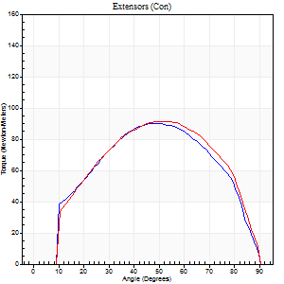
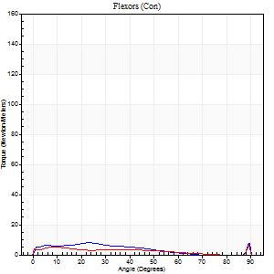
Right Side Curves Left Side Curves
Isokinetic Con/Con |  |  |  | Extensors (Con) |  | Flexors (Con)
Speed 120/120 d/s 3 Reps |  |  |  | Value | Cof Var | %BW | Value | Cof Var | %BW | Ratio

TORQUE PARAMETERS
Peak Torque (Newton-Meters - Best Repetition)
Right |  |  |  | 91 | 0.13 | 113 | 8 | 0.39 | 9 | 9
Left |  |  |  | 91 | 0.11 | 113 | 7 | 0.33 | 9 | 7
Deficit |  |  |  | 0 |  |  | 17
Work per Repetition (Newton-Meters - Best Repetition)
Right |  |  |  | 94 | 0.11 | 116 | 5 | 0.55 | 6 | 6
Left |  |  |  | 96 | 0.15 | 119 | 4 | 0.36 | 6 | 4
Deficit |  |  |  | 3 |  |  | 25
Average Power per Repetition (Watts - Best Repetition)
Right |  |  |  | 98 | 0.11 | 123 | 6 | 0.62 | 7 | 6
Left |  |  |  | 105 | 0.17 | 132 | 4 | 0.41 | 4 | 4
Deficit |  |  |  | 7 |  |  | 33
POSITION PARAMETERS
Joint Angle at Peak Torque (Degrees)
Right |  |  |  | 48 | 0.06 |  | 19 | 0.6
Left |  |  |  | 50 | 0.06 |  | 63 | 0.71
Range of Motion (Degrees)
Right |  |  |  | 0 | 0.16 |  | 90 | 0
Left |  |  |  | 0 | 0.28 |  | 90 | 0
TIME PARAMETERS
Time to Peak Torque (Seconds)
Right |  |  |  | 0.43 | 0.03 |  | 0.28 | 0.36
Left |  |  |  | 0.41 | 0.12 |  | 0.88 | 0.48
Time Peak Torque Held (Seconds)
Right |  |  |  | 0.04 | 0.31 |  | 0.22 | 1.58
Left |  |  |  | 0.03 | 0.46 |  | 0.01 | 1.73
Force Decay Time (Seconds)
Right |  |  |  | 0.48 | 0.08 |  | 0.54 | 0.95
Left |  |  |  | 0.48 | 0.07 |  | 0.24 | 1.88
Reciprocal Delay (Seconds)
Right |  |  |  | 0.14 | 0.37 |  | 0.14 | 0.04
Left |  |  |  | 0.21 | 0.27 |  | 0.27 | 0.19
Delay Time (Seconds)
Right |  |  |  | -0.05 | -0.64 |  | 0 | -1.73
Left |  |  |  | -0.04 | -0.2 |  | -0.09 | -0.18
HUMAC2015® Version: 15.000.0074 © Computer Sports Medicine, Inc. www.csmisolutions.com

Use File, Preference to set Report Heading
Long Form Torque vs. Position Report - Knee Extension/Flexion
Name: |  |  |  | TR0303009, | ID: | TR0303009 | Right/Left: | 13.12.2021 13.12.2021
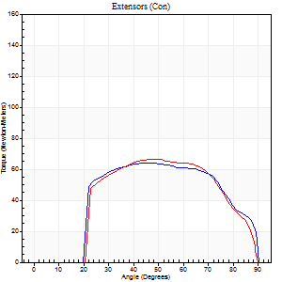
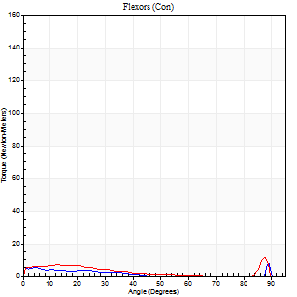
Right Side Curves Left Side Curves
Isokinetic Con/Con |  |  |  | Extensors (Con) |  | Flexors (Con)
Speed 240/240 d/s 3 Reps |  |  |  | Value | Cof Var | %BW | Value | Cof Var | %BW | Ratio

TORQUE PARAMETERS
Peak Torque (Newton-Meters - Best Repetition)
Right |  |  |  | 64 | 0.25 | 80 | 8 | 0.45 | 9 | 13
Left |  |  |  | 66 | 0.31 | 83 | 11 | 0.36 | 15 | 16
Deficit |  |  |  | 4 |  |  | 25
Work per Repetition (Newton-Meters - Best Repetition)
Right |  |  |  | 65 | 0.3 | 80 | 3 | 0.43 | 3 | 4
Left |  |  |  | 64 | 0.33 | 80 | 4 | 0.8 | 6 | 6
Deficit |  |  |  | 2 |  |  | 33
Average Power per Repetition (Watts - Best Repetition)
Right |  |  |  | 112 | 0.35 | 141 | 3 | 0.62 | 4 | 3
Left |  |  |  | 109 | 0.34 | 136 | 5 | 0.59 | 7 | 5
Deficit |  |  |  | 3 |  |  | 40
POSITION PARAMETERS
Joint Angle at Peak Torque (Degrees)
Right |  |  |  | 45 | 0.02 |  | 31 | 1.59
Left |  |  |  | 47 | 0.03 |  | 61 | 0.77
Range of Motion (Degrees)
Right |  |  |  | 1 | 0.58 |  | 90 | 0
Left |  |  |  | 0 | 0.76 |  | 89 | 0
TIME PARAMETERS
Time to Peak Torque (Seconds)
Right |  |  |  | 0.28 | 0.05 |  | 0.38 | 1.42
Left |  |  |  | 0.29 | 0.05 |  | 0.41 | 0.73
Time Peak Torque Held (Seconds)
Right |  |  |  | 0.01 | 1 |  | 0 | 0
Left |  |  |  | 0.02 | 0.5 |  | 0.01 | 1.15
Force Decay Time (Seconds)
Right |  |  |  | 0.26 | 0.08 |  | 0.87 | 0.99
Left |  |  |  | 0.26 | 0.14 |  | 0.24 | 1.52
Reciprocal Delay (Seconds)
Right |  |  |  | 0.19 | 0.73 |  | 0.15 | 0.08
Left |  |  |  | 0.12 | 0.12 |  | 0.14 | 0.38
Delay Time (Seconds)
Right |  |  |  | -0.04 | -0.2 |  | -0.04 | -0.42
Left |  |  |  | -0.04 | -0.2 |  | 0.11 | 2.92
HUMAC2015® Version: 15.000.0074 © Computer Sports Medicine, Inc. www.csmisolutions.com

Use File, Preference to set Report Heading
Isometric - Knee Extension/Flexion
Name: |  |  |  | TR0303009, | ID: | TR0303009 | Right/Left: | 13.12.2021 13.12.2021

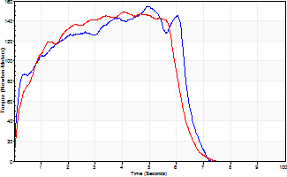
Isometric Extensors (Con) Angle 60 Time 10 Repetition 2 (Best Repetition)
 | Value | Cof Var | %BW
Peak Torque (Newton-Meters)
Right | 155 | 0.07 | 194
Left | 149 | 0.07 | 185
Deficit | 4
Average Torque (Newton-Meters)
Right | 81 | 0.08 | 101
Left | 79 | 0.03 | 98
Deficit | 3
Peak Torque Slope (Newton-Meters/Seconds)
Right | 31 | 0.15 | 39
Left | 37 | 0.39 | 46 |  | Right Side Curves Left Side Curves
Deficit | 16
Time to Half Peak Torque (Seconds)
Right | 0.22 | 0.03
Left | 0.5 | 0.1
Time to Peak Torque (Seconds)
Right | 5.26 | 0.08
Left | 5.23 | 0.32
HUMAC2015® Version: 15.000.0074 © Computer Sports Medicine, Inc. www.csmisolutions.com

