pre1
Use File, Preference to set Report Heading
Long Form Torque vs. Position Report - Knee Extension/Flexion
Name: |  |  |  | FP3011, | ID: |  | Right/Left: | 13.09.2021 13.09.2021
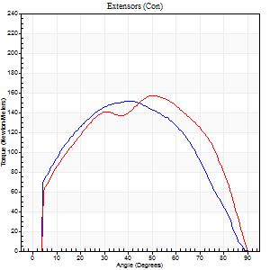
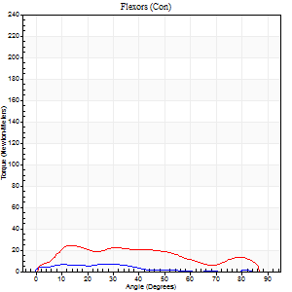
Right Side Curves Left Side Curves
Isokinetic Con/Con |  |  |  | Extensors (Con) |  | Flexors (Con)
Speed 60/60 d/s 3 Reps |  |  |  | Value | Cof Var | %BW | Value | Cof Var | %BW | Ratio

TORQUE PARAMETERS
Peak Torque (Newton-Meters - Best Repetition)
Right |  |  |  | 151 | 0.66 | 18 | 7 | 0.25 | 0 | 5
Left |  |  |  | 157 | 0 | 21 | 24 | 0.73 | 3 | 16
Deficit |  |  |  | 4 |  |  | 72
Work per Repetition (Newton-Meters - Best Repetition)
Right |  |  |  | 161 | 0.72 | 21 | 4 | 0.58 | 0 | 3
Left |  |  |  | 175 | 0.03 | 21 | 23 | 0.9 | 3 | 13
Deficit |  |  |  | 8 |  |  | 82
Average Power per Repetition (Watts - Best Repetition)
Right |  |  |  | 86 | 0.77 | 11 | 2 | 0.71 | 0 | 2
Left |  |  |  | 111 | 0.03 | 13 | 15 | 0.99 | 2 | 14
Deficit |  |  |  | 23 |  |  | 87
POSITION PARAMETERS
Joint Angle at Peak Torque (Degrees)
Right |  |  |  | 24 | 0.76 |  | 10 | 1.45
Left |  |  |  | 47 | 0.13 |  | 9 | 0.77
Range of Motion (Degrees)
Right |  |  |  | 0 | -0.47 |  | 88 | 0.04
Left |  |  |  | 0 | -0.47 |  | 90 | 0
TIME PARAMETERS
Time to Peak Torque (Seconds)
Right |  |  |  | 1.12 | 0.03 |  | 0.26 | 1.13
Left |  |  |  | 0.67 | 0.02 |  | 0.23 | 0.47
Time Peak Torque Held (Seconds)
Right |  |  |  | 0.03 | 0.92 |  | 0.01 | 1.73
Left |  |  |  | 0.05 | 0.45 |  | 0.03 | 0.33
Force Decay Time (Seconds)
Right |  |  |  | 0.42 | 0.67 |  | 2.01 | 0.41
Left |  |  |  | 0.79 | 0.17 |  | 3.14 | 1.03
Reciprocal Delay (Seconds)
Right |  |  |  | 0.13 | 0.11 |  | 0.93 | 0.57
Left |  |  |  | 0.2 | 0.49 |  | 0.45 | 0.74
Delay Time (Seconds)
Right |  |  |  | -0.01 | -4.24 |  | -0.02 | -0.87
Left |  |  |  | 0.01 | 4.24 |  | -0.02 | -2.27
HUMAC2015® Version: 15.000.0074 © Computer Sports Medicine, Inc. www.csmisolutions.com

Use File, Preference to set Report Heading
Long Form Torque vs. Position Report - Knee Extension/Flexion
Name: |  |  |  | FP3011, | ID: |  | Right/Left: | 13.09.2021 13.09.2021
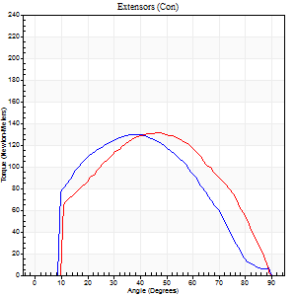
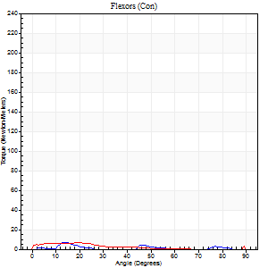
Right Side Curves Left Side Curves
Isokinetic Con/Con |  |  |  | Extensors (Con) |  | Flexors (Con)
Speed 120/120 d/s 3 Reps |  |  |  | Value | Cof Var | %BW | Value | Cof Var | %BW | Ratio

TORQUE PARAMETERS
Peak Torque (Newton-Meters - Best Repetition)
Right |  |  |  | 130 | 0.18 | 15 | 7 | 0.05 | 0 | 5
Left |  |  |  | 132 | 0.08 | 18 | 7 | 0.22 | 0 | 5
Deficit |  |  |  | 1 |  |  | 0
Work per Repetition (Newton-Meters - Best Repetition)
Right |  |  |  | 126 | 0.11 | 15 | 3 | 0.24 | 0 | 2
Left |  |  |  | 133 | 0.08 | 18 | 4 | 0.52 | 0 | 3
Deficit |  |  |  | 5 |  |  | 33
Average Power per Repetition (Watts - Best Repetition)
Right |  |  |  | 144 | 0.39 | 18 | 3 | 0.39 | 0 | 2
Left |  |  |  | 145 | 0.05 | 18 | 4 | 0.71 | 0 | 3
Deficit |  |  |  | 1 |  |  | 25
POSITION PARAMETERS
Joint Angle at Peak Torque (Degrees)
Right |  |  |  | 43 | 0.15 |  | 9 | 0.43
Left |  |  |  | 48 | 0.09 |  | 14 | 0.36
Range of Motion (Degrees)
Right |  |  |  | 0 | 0.11 |  | 88 | 0.03
Left |  |  |  | 0 | 0 |  | 90 | 0
TIME PARAMETERS
Time to Peak Torque (Seconds)
Right |  |  |  | 0.46 | 0 |  | 0.21 | 0.24
Left |  |  |  | 0.43 | 0.07 |  | 0.4 | 0.5
Time Peak Torque Held (Seconds)
Right |  |  |  | 0.03 | 0 |  | 0.01 | 1.73
Left |  |  |  | 0.03 | 0.33 |  | 0.01 | 1.73
Force Decay Time (Seconds)
Right |  |  |  | 0.39 | 0.15 |  | 1.06 | 0.13
Left |  |  |  | 0.45 | 0.02 |  | 0.94 | 0.34
Reciprocal Delay (Seconds)
Right |  |  |  | 0.11 | 0.13 |  | 0.2 | 0.33
Left |  |  |  | 0.19 | 0.45 |  | 0.23 | 0.52
Delay Time (Seconds)
Right |  |  |  | 0 | 0 |  | 0.01 | 3.77
Left |  |  |  | -0.02 | -0.85 |  | -0.09 | -1.18
HUMAC2015® Version: 15.000.0074 © Computer Sports Medicine, Inc. www.csmisolutions.com

Use File, Preference to set Report Heading
Long Form Torque vs. Position Report - Knee Extension/Flexion
Name: |  |  |  | FP3011, | ID: |  | Right/Left: | 13.09.2021 13.09.2021
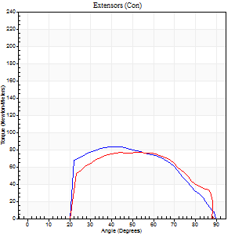
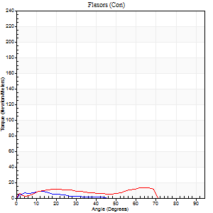
Right Side Curves Left Side Curves
Isokinetic Con/Con |  |  |  | Extensors (Con) |  | Flexors (Con)
Speed 240/240 d/s 3 Reps |  |  |  | Value | Cof Var | %BW | Value | Cof Var | %BW | Ratio

TORQUE PARAMETERS
Peak Torque (Newton-Meters - Best Repetition)
Right |  |  |  | 84 | 0.1 | 12 | 8 | 0.19 | 0 | 10
Left |  |  |  | 76 | 0.16 | 9 | 14 | 0.38 | 3 | 18
Deficit |  |  |  | 10 |  |  | 40
Work per Repetition (Newton-Meters - Best Repetition)
Right |  |  |  | 76 | 0.12 | 9 | 3 | 0.36 | 0 | 4
Left |  |  |  | 75 | 0.19 | 9 | 11 | 0.71 | 0 | 15
Deficit |  |  |  | 2 |  |  | 75
Average Power per Repetition (Watts - Best Repetition)
Right |  |  |  | 129 | 0.48 | 15 | 4 | 0.71 | 0 | 3
Left |  |  |  | 90 | 0.09 | 11 | 14 | 0.78 | 2 | 16
Deficit |  |  |  | 30 |  |  | 71
POSITION PARAMETERS
Joint Angle at Peak Torque (Degrees)
Right |  |  |  | 43 | 0.04 |  | 8 | 0.61
Left |  |  |  | 53 | 0.06 |  | 28 | 1.13
Range of Motion (Degrees)
Right |  |  |  | 1 | 0.47 |  | 88 | 0.02
Left |  |  |  | 0 | 0.47 |  | 89 | 0.01
TIME PARAMETERS
Time to Peak Torque (Seconds)
Right |  |  |  | 0.32 | 0 |  | 0.19 | 0.65
Left |  |  |  | 0.45 | 0.16 |  | 0.3 | 0.83
Time Peak Torque Held (Seconds)
Right |  |  |  | 0.01 | 1.73 |  | 0.01 | 1.73
Left |  |  |  | 0.03 | 0.57 |  | 0 | 0
Force Decay Time (Seconds)
Right |  |  |  | 0.25 | 0.05 |  | 1.33 | 0.8
Left |  |  |  | 0.3 | 0.07 |  | 0.58 | 0.95
Reciprocal Delay (Seconds)
Right |  |  |  | 0.09 | 0.25 |  | 0.11 | 0.33
Left |  |  |  | 0.06 | 0 |  | 0.12 | 0.17
Delay Time (Seconds)
Right |  |  |  | -0.05 | -0.28 |  | 0.01 | 6.24
Left |  |  |  | -0.03 | 0 |  | -0.04 | -0.31
HUMAC2015® Version: 15.000.0074 © Computer Sports Medicine, Inc. www.csmisolutions.com

Use File, Preference to set Report Heading
Isometric - Knee Extension/Flexion
Name: |  |  |  | FP3011, | ID: |  | Right/Left: | 13.09.2021 13.09.2021

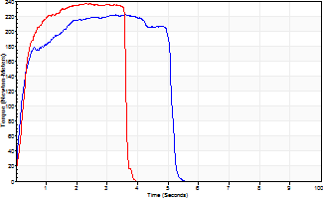
Isometric Extensors (Con) Angle 60 Time 10 Repetition 2 (Best Repetition)
 | Value | Cof Var | %BW
Peak Torque (Newton-Meters)
Right | 221 | 0.02 | 27
Left | 237 | 0 | 30
Deficit | 7
Average Torque (Newton-Meters)
Right | 102 | 0.13 | 12
Left | 76 | 0.12 | 9
Deficit | 25
Peak Torque Slope (Newton-Meters/Seconds)
Right | 100 | 0.34 | 13
Left | 115 | 0.07 | 14 |  | Right Side Curves Left Side Curves
Deficit | 13
Time to Half Peak Torque (Seconds)
Right | 0.18 | 0.24
Left | 0.23 | 0.27
Time to Peak Torque (Seconds)
Right | 2.87 | 0.36
Left | 2.16 | 0.08
HUMAC2015® Version: 15.000.0074 © Computer Sports Medicine, Inc. www.csmisolutions.com

pre2
Use File, Preference to set Report Heading
Long Form Torque vs. Position Report - Knee Extension/Flexion
Name: |  |  |  | FP3011, | ID: |  | Right/Left: | 21.09.2021 21.09.2021
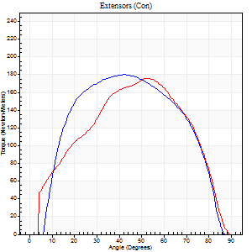
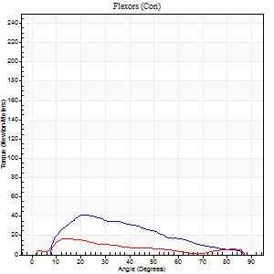
Right Side Curves Left Side Curves
Isokinetic Con/Con |  |  |  | Extensors (Con) |  | Flexors (Con)
Speed 60/60 d/s 3 Reps |  |  |  | Value | Cof Var | %BW | Value | Cof Var | %BW | Ratio

TORQUE PARAMETERS
Peak Torque (Newton-Meters - Best Repetition)
Right |  |  |  | 180 | 0.05 | 24 | 42 | 0.77 | 6 | 23
Left |  |  |  | 176 | 0.03 | 21 | 16 | 0.37 | 3 | 9
Deficit |  |  |  | 2 |  |  | 61
Work per Repetition (Newton-Meters - Best Repetition)
Right |  |  |  | 190 | 0.03 | 24 | 31 | 0.91 | 3 | 16
Left |  |  |  | 176 | 0.02 | 21 | 11 | 0.41 | 0 | 6
Deficit |  |  |  | 7 |  |  | 65
Average Power per Repetition (Watts - Best Repetition)
Right |  |  |  | 124 | 0.21 | 15 | 22 | 0.94 | 2 | 18
Left |  |  |  | 114 | 0.05 | 13 | 7 | 0.43 | 0 | 6
Deficit |  |  |  | 8 |  |  | 68
POSITION PARAMETERS
Joint Angle at Peak Torque (Degrees)
Right |  |  |  | 44 | 0.05 |  | 21 | 0.04
Left |  |  |  | 50 | 0.05 |  | 22 | 0.71
Range of Motion (Degrees)
Right |  |  |  | 1 | 0.75 |  | 88 | 0.01
Left |  |  |  | 0 | 1.01 |  | 89 | 0
TIME PARAMETERS
Time to Peak Torque (Seconds)
Right |  |  |  | 0.79 | 0.02 |  | 0.3 | 0.18
Left |  |  |  | 0.66 | 0.02 |  | 0.41 | 0.66
Time Peak Torque Held (Seconds)
Right |  |  |  | 0.07 | 0.09 |  | 0.01 | 1
Left |  |  |  | 0.03 | 0.43 |  | 0.01 | 1.73
Force Decay Time (Seconds)
Right |  |  |  | 0.64 | 0.15 |  | 1.14 | 0.02
Left |  |  |  | 0.83 | 0.08 |  | 1.14 | 0.22
Reciprocal Delay (Seconds)
Right |  |  |  | 0.08 | 0 |  | 0.1 | 0.66
Left |  |  |  | 0.12 | 0.12 |  | 0.17 | 0.4
Delay Time (Seconds)
Right |  |  |  | -0.05 | -0.16 |  | 0.03 | 0.46
Left |  |  |  | 0.01 | 0 |  | 0 | 9.17
HUMAC2015® Version: 15.000.0074 © Computer Sports Medicine, Inc. www.csmisolutions.com

Use File, Preference to set Report Heading
Long Form Torque vs. Position Report - Knee Extension/Flexion
Name: |  |  |  | FP3011, | ID: |  | Right/Left: | 21.09.2021 21.09.2021
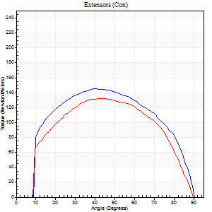
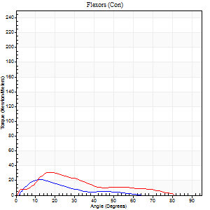
Right Side Curves Left Side Curves
Isokinetic Con/Con |  |  |  | Extensors (Con) |  | Flexors (Con)
Speed 120/120 d/s 3 Reps |  |  |  | Value | Cof Var | %BW | Value | Cof Var | %BW | Ratio

TORQUE PARAMETERS
Peak Torque (Newton-Meters - Best Repetition)
Right |  |  |  | 145 | 0.01 | 18 | 22 | 0.68 | 3 | 15
Left |  |  |  | 132 | 0.03 | 18 | 31 | 0.41 | 3 | 24
Deficit |  |  |  | 9 |  |  | 30
Work per Repetition (Newton-Meters - Best Repetition)
Right |  |  |  | 161 | 0.05 | 21 | 9 | 0.82 | 0 | 6
Left |  |  |  | 141 | 0.06 | 18 | 20 | 0.34 | 3 | 14
Deficit |  |  |  | 13 |  |  | 53
Average Power per Repetition (Watts - Best Repetition)
Right |  |  |  | 190 | 0.3 | 24 | 10 | 0.76 | 2 | 5
Left |  |  |  | 173 | 0.33 | 22 | 24 | 0.33 | 2 | 14
Deficit |  |  |  | 9 |  |  | 58
POSITION PARAMETERS
Joint Angle at Peak Torque (Degrees)
Right |  |  |  | 40 | 0.03 |  | 8 | 0.62
Left |  |  |  | 45 | 0.05 |  | 21 | 0.36
Range of Motion (Degrees)
Right |  |  |  | 1 | 0.13 |  | 89 | 0.01
Left |  |  |  | 1 | 0.04 |  | 90 | 0
TIME PARAMETERS
Time to Peak Torque (Seconds)
Right |  |  |  | 0.5 | 0.07 |  | 0.09 | 0.53
Left |  |  |  | 0.43 | 0.02 |  | 0.22 | 0.3
Time Peak Torque Held (Seconds)
Right |  |  |  | 0.03 | 0 |  | 0.01 | 1
Left |  |  |  | 0.04 | 0.5 |  | 0 | 1.73
Force Decay Time (Seconds)
Right |  |  |  | 0.33 | 0.05 |  | 0.84 | 0.03
Left |  |  |  | 0.35 | 0.09 |  | 0.6 | 0.15
Reciprocal Delay (Seconds)
Right |  |  |  | 0.1 | 0.28 |  | 0.12 | 0.51
Left |  |  |  | 0.09 | 0.07 |  | 0.07 | 0.08
Delay Time (Seconds)
Right |  |  |  | -0.04 | 0 |  | 0.03 | 1.83
Left |  |  |  | -0.01 | 0 |  | 0 | -1.73
HUMAC2015® Version: 15.000.0074 © Computer Sports Medicine, Inc. www.csmisolutions.com

Use File, Preference to set Report Heading
Long Form Torque vs. Position Report - Knee Extension/Flexion
Name: |  |  |  | FP3011, | ID: |  | Right/Left: | 21.09.2021 21.09.2021
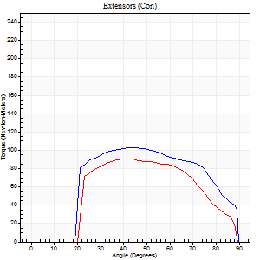
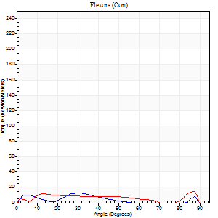
Right Side Curves Left Side Curves
Isokinetic Con/Con |  |  |  | Extensors (Con) |  | Flexors (Con)
Speed 240/240 d/s 3 Reps |  |  |  | Value | Cof Var | %BW | Value | Cof Var | %BW | Ratio

TORQUE PARAMETERS
Peak Torque (Newton-Meters - Best Repetition)
Right |  |  |  | 103 | 0.05 | 12 | 12 | 0.31 | 3 | 12
Left |  |  |  | 91 | 0.08 | 12 | 15 | 0.24 | 3 | 16
Deficit |  |  |  | 12 |  |  | 18
Work per Repetition (Newton-Meters - Best Repetition)
Right |  |  |  | 104 | 0.08 | 12 | 11 | 0.48 | 0 | 10
Left |  |  |  | 85 | 0.05 | 12 | 9 | 0.88 | 0 | 11
Deficit |  |  |  | 18 |  |  | 13
Average Power per Repetition (Watts - Best Repetition)
Right |  |  |  | 190 | 0.08 | 24 | 19 | 0.59 | 2 | 10
Left |  |  |  | 150 | 0.04 | 20 | 16 | 0.6 | 2 | 11
Deficit |  |  |  | 21 |  |  | 16
POSITION PARAMETERS
Joint Angle at Peak Torque (Degrees)
Right |  |  |  | 43 | 0.06 |  | 31 | 0.64
Left |  |  |  | 41 | 0.04 |  | 30 | 1.66
Range of Motion (Degrees)
Right |  |  |  | 0 | 0.2 |  | 89 | 0.01
Left |  |  |  | 0 | 0.94 |  | 89 | 0.01
TIME PARAMETERS
Time to Peak Torque (Seconds)
Right |  |  |  | 0.26 | 0.05 |  | 0.26 | 0.35
Left |  |  |  | 0.28 | 0.1 |  | 0.06 | 0.29
Time Peak Torque Held (Seconds)
Right |  |  |  | 0.02 | 0.35 |  | 0 | 0
Left |  |  |  | 0.01 | 0.87 |  | 0 | 1.73
Force Decay Time (Seconds)
Right |  |  |  | 0.24 | 0.1 |  | 0.36 | 0.47
Left |  |  |  | 0.26 | 0.1 |  | 0.46 | 0.85
Reciprocal Delay (Seconds)
Right |  |  |  | 0.05 | 0.39 |  | 0.09 | 0.18
Left |  |  |  | 0.05 | 0.28 |  | 0.15 | 0.53
Delay Time (Seconds)
Right |  |  |  | -0.03 | -0.47 |  | 0 | -1.73
Left |  |  |  | -0.02 | -0.28 |  | 0.15 | 2.07
HUMAC2015® Version: 15.000.0074 © Computer Sports Medicine, Inc. www.csmisolutions.com

Use File, Preference to set Report Heading
Isometric - Knee Extension/Flexion
Name: |  |  |  | FP3011, | ID: |  | Right/Left: | 21.09.2021 21.09.2021

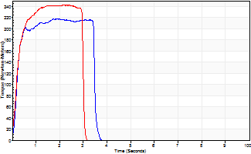
Isometric Extensors (Con) Angle 60 Time 10 Repetition 2 (Best Repetition)
 | Value | Cof Var | %BW
Peak Torque (Newton-Meters)
Right | 218 | 0.01 | 27
Left | 243 | 0.01 | 30
Deficit | 10
Average Torque (Newton-Meters)
Right | 69 | 0.07 | 9
Left | 68 | 0.03 | 9
Deficit | 2
Peak Torque Slope (Newton-Meters/Seconds)
Right | 138 | 0.14 | 17
Left | 117 | 0.03 | 15 |  | Right Side Curves Left Side Curves
Deficit | 15
Time to Half Peak Torque (Seconds)
Right | 0.19 | 0.19
Left | 0.21 | 0
Time to Peak Torque (Seconds)
Right | 1.73 | 0.14
Left | 2.09 | 0.05
HUMAC2015® Version: 15.000.0074 © Computer Sports Medicine, Inc. www.csmisolutions.com

mid1
Use File, Preference to set Report Heading
Long Form Torque vs. Position Report - Knee Extension/Flexion
Name: |  |  |  | FP3011, | ID: |  | Right/Left: | 08.11.2021 08.11.2021
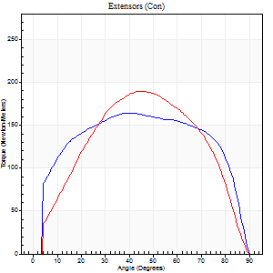
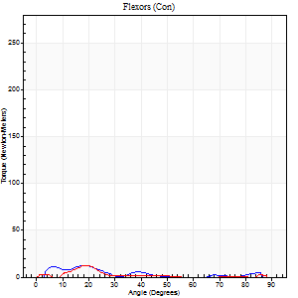
Right Side Curves Left Side Curves
Isokinetic Con/Con |  |  |  | Extensors (Con) |  | Flexors (Con)
Speed 60/60 d/s 3 Reps |  |  |  | Value | Cof Var | %BW | Value | Cof Var | %BW | Ratio

TORQUE PARAMETERS
Peak Torque (Newton-Meters - Best Repetition)
Right |  |  |  | 164 | 0.02 | 21 | 12 | 0.42 | 3 | 7
Left |  |  |  | 190 | 0.01 | 24 | 12 | 0.69 | 3 | 6
Deficit |  |  |  | 14 |  |  | 0
Work per Repetition (Newton-Meters - Best Repetition)
Right |  |  |  | 202 | 0.24 | 24 | 5 | 0.65 | 0 | 3
Left |  |  |  | 195 | 0.02 | 24 | 4 | 1.03 | 0 | 2
Deficit |  |  |  | 3 |  |  | 25
Average Power per Repetition (Watts - Best Repetition)
Right |  |  |  | 127 | 0.19 | 15 | 3 | 0.64 | 0 | 2
Left |  |  |  | 125 | 0.02 | 15 | 2 | 0.83 | 0 | 2
Deficit |  |  |  | 2 |  |  | 33
POSITION PARAMETERS
Joint Angle at Peak Torque (Degrees)
Right |  |  |  | 39 | 0.15 |  | 14 | 0.31
Left |  |  |  | 46 | 0.01 |  | 37 | 1.28
Range of Motion (Degrees)
Right |  |  |  | 0 | 1.73 |  | 90 | 0
Left |  |  |  | 0 | 0.47 |  | 90 | 0
TIME PARAMETERS
Time to Peak Torque (Seconds)
Right |  |  |  | 0.81 | 0.03 |  | 0.24 | 0.21
Left |  |  |  | 0.75 | 0 |  | 0.54 | 0.87
Time Peak Torque Held (Seconds)
Right |  |  |  | 0.05 | 0.76 |  | 0 | 1.73
Left |  |  |  | 0.06 | 0.1 |  | 0 | 0
Force Decay Time (Seconds)
Right |  |  |  | 0.64 | 0.11 |  | 1.57 | 0.05
Left |  |  |  | 0.74 | 0.01 |  | 1.42 | 0.98
Reciprocal Delay (Seconds)
Right |  |  |  | 0.16 | 0.21 |  | 0.14 | 0.37
Left |  |  |  | 0.27 | 0.31 |  | 0.19 | 0.28
Delay Time (Seconds)
Right |  |  |  | -0.01 | -0.47 |  | 0.15 | 0.66
Left |  |  |  | 0 | 0 |  | 0.52 | 1.77
HUMAC2015® Version: 15.000.0074 © Computer Sports Medicine, Inc. www.csmisolutions.com

Use File, Preference to set Report Heading
Long Form Torque vs. Position Report - Knee Extension/Flexion
Name: |  |  |  | FP3011, | ID: |  | Right/Left: | 08.11.2021 08.11.2021
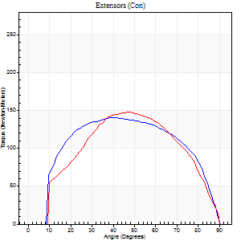
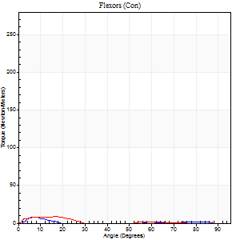
Right Side Curves Left Side Curves
Isokinetic Con/Con |  |  |  | Extensors (Con) |  | Flexors (Con)
Speed 120/120 d/s 3 Reps |  |  |  | Value | Cof Var | %BW | Value | Cof Var | %BW | Ratio

TORQUE PARAMETERS
Peak Torque (Newton-Meters - Best Repetition)
Right |  |  |  | 141 | 0.01 | 18 | 8 | 0.31 | 0 | 6
Left |  |  |  | 148 | 0.03 | 18 | 8 | 0.13 | 0 | 6
Deficit |  |  |  | 5 |  |  | 0
Work per Repetition (Newton-Meters - Best Repetition)
Right |  |  |  | 160 | 0.02 | 21 | 3 | 0.38 | 0 | 2
Left |  |  |  | 153 | 0.03 | 18 | 4 | 0.27 | 0 | 3
Deficit |  |  |  | 4 |  |  | 33
Average Power per Repetition (Watts - Best Repetition)
Right |  |  |  | 190 | 0.01 | 24 | 2 | 0.53 | 0 | 1
Left |  |  |  | 178 | 0.04 | 22 | 3 | 0.65 | 0 | 2
Deficit |  |  |  | 6 |  |  | 33
POSITION PARAMETERS
Joint Angle at Peak Torque (Degrees)
Right |  |  |  | 40 | 0.01 |  | 5 | 0.27
Left |  |  |  | 47 | 0.05 |  | 38 | 1.22
Range of Motion (Degrees)
Right |  |  |  | 1 | 0.05 |  | 90 | 0
Left |  |  |  | 0 | 0.28 |  | 90 | 0
TIME PARAMETERS
Time to Peak Torque (Seconds)
Right |  |  |  | 0.46 | 0.05 |  | 0.17 | 0.5
Left |  |  |  | 0.41 | 0.07 |  | 0.58 | 0.94
Time Peak Torque Held (Seconds)
Right |  |  |  | 0.02 | 0.25 |  | 0.01 | 1
Left |  |  |  | 0.03 | 0.17 |  | 0.02 | 1.73
Force Decay Time (Seconds)
Right |  |  |  | 0.34 | 0.02 |  | 1.47 | 0.17
Left |  |  |  | 0.41 | 0.05 |  | 1.72 | 1.23
Reciprocal Delay (Seconds)
Right |  |  |  | 0.11 | 0.61 |  | 0.14 | 0.47
Left |  |  |  | 0.19 | 0.52 |  | 0.22 | 0.17
Delay Time (Seconds)
Right |  |  |  | -0.02 | -0.71 |  | -0.02 | -1.83
Left |  |  |  | -0.01 | -1.41 |  | -0.04 | -0.66
HUMAC2015® Version: 15.000.0074 © Computer Sports Medicine, Inc. www.csmisolutions.com

Use File, Preference to set Report Heading
Long Form Torque vs. Position Report - Knee Extension/Flexion
Name: |  |  |  | FP3011, | ID: |  | Right/Left: | 08.11.2021 08.11.2021
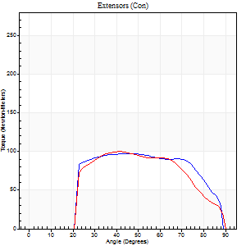
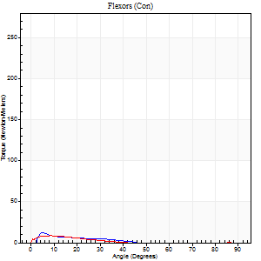
Right Side Curves Left Side Curves
Isokinetic Con/Con |  |  |  | Extensors (Con) |  | Flexors (Con)
Speed 240/240 d/s 3 Reps |  |  |  | Value | Cof Var | %BW | Value | Cof Var | %BW | Ratio

TORQUE PARAMETERS
Peak Torque (Newton-Meters - Best Repetition)
Right |  |  |  | 98 | 0.02 | 12 | 12 | 0.3 | 3 | 12
Left |  |  |  | 100 | 0.08 | 12 | 8 | 0.27 | 0 | 8
Deficit |  |  |  | 3 |  |  | 33
Work per Repetition (Newton-Meters - Best Repetition)
Right |  |  |  | 99 | 0.06 | 12 | 4 | 0.26 | 0 | 4
Left |  |  |  | 94 | 0.09 | 12 | 4 | 0.39 | 0 | 4
Deficit |  |  |  | 5 |  |  | 0
Average Power per Repetition (Watts - Best Repetition)
Right |  |  |  | 191 | 0.1 | 24 | 6 | 0.77 | 0 | 3
Left |  |  |  | 160 | 0.1 | 20 | 3 | 0.51 | 0 | 2
Deficit |  |  |  | 16 |  |  | 50
POSITION PARAMETERS
Joint Angle at Peak Torque (Degrees)
Right |  |  |  | 51 | 0.26 |  | 4 | 0.41
Left |  |  |  | 47 | 0.13 |  | 10 | 0.2
Range of Motion (Degrees)
Right |  |  |  | 0 | 0.11 |  | 89 | 0.01
Left |  |  |  | 0 | 0 |  | 90 | 0
TIME PARAMETERS
Time to Peak Torque (Seconds)
Right |  |  |  | 0.26 | 0.13 |  | 0.09 | 0.53
Left |  |  |  | 0.26 | 0.08 |  | 0.27 | 0.21
Time Peak Torque Held (Seconds)
Right |  |  |  | 0.01 | 0.87 |  | 0 | 0
Left |  |  |  | 0.01 | 0.87 |  | 0 | 0
Force Decay Time (Seconds)
Right |  |  |  | 0.28 | 0.14 |  | 2.08 | 1.16
Left |  |  |  | 0.3 | 0.07 |  | 0.91 | 0.22
Reciprocal Delay (Seconds)
Right |  |  |  | 0.05 | 0.57 |  | 0.15 | 0.52
Left |  |  |  | 0.17 | 0.17 |  | 0.17 | 0.09
Delay Time (Seconds)
Right |  |  |  | -0.02 | -0.28 |  | 0.03 | 1.51
Left |  |  |  | -0.02 | 0 |  | -0.06 | -0.17
HUMAC2015® Version: 15.000.0074 © Computer Sports Medicine, Inc. www.csmisolutions.com

Use File, Preference to set Report Heading
Isometric - Knee Extension/Flexion
Name: |  |  |  | FP3011, | ID: |  | Right/Left: | 08.11.2021 08.11.2021

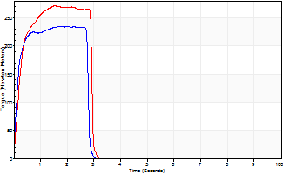
Isometric Extensors (Con) Angle 60 Time 10 Repetition 2 (Best Repetition)
 | Value | Cof Var | %BW
Peak Torque (Newton-Meters)
Right | 235 | 0.01 | 30
Left | 271 | 0.01 | 33
Deficit | 14
Average Torque (Newton-Meters)
Right | 61 | 0.08 | 9
Left | 71 | 0.02 | 9
Deficit | 13
Peak Torque Slope (Newton-Meters/Seconds)
Right | 140 | 0.03 | 18
Left | 174 | 0.12 | 22 |  | Right Side Curves Left Side Curves
Deficit | 19
Time to Half Peak Torque (Seconds)
Right | 0.12 | 0.06
Left | 0.18 | 0.24
Time to Peak Torque (Seconds)
Right | 1.69 | 0.03
Left | 1.68 | 0.11
HUMAC2015® Version: 15.000.0074 © Computer Sports Medicine, Inc. www.csmisolutions.com

mid2
Use File, Preference to set Report Heading
Long Form Torque vs. Position Report - Knee Extension/Flexion
Name: |  |  |  | FP3011, | ID: |  | Right/Left: | 10.11.2021 10.11.2021
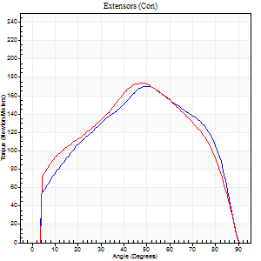
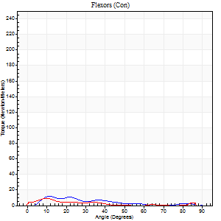
Right Side Curves Left Side Curves
Isokinetic Con/Con |  |  |  | Extensors (Con) |  | Flexors (Con)
Speed 60/60 d/s 3 Reps |  |  |  | Value | Cof Var | %BW | Value | Cof Var | %BW | Ratio

TORQUE PARAMETERS
Peak Torque (Newton-Meters - Best Repetition)
Right |  |  |  | 171 | 0.04 | 21 | 12 | 0.53 | 3 | 7
Left |  |  |  | 174 | 0.01 | 21 | 9 | 0.65 | 0 | 5
Deficit |  |  |  | 2 |  |  | 22
Work per Repetition (Newton-Meters - Best Repetition)
Right |  |  |  | 202 | 0.06 | 24 | 7 | 0.64 | 0 | 3
Left |  |  |  | 191 | 0.02 | 24 | 4 | 0.61 | 0 | 2
Deficit |  |  |  | 5 |  |  | 40
Average Power per Repetition (Watts - Best Repetition)
Right |  |  |  | 129 | 0.18 | 15 | 4 | 0.7 | 0 | 3
Left |  |  |  | 120 | 0.02 | 15 | 2 | 0.93 | 0 | 2
Deficit |  |  |  | 7 |  |  | 50
POSITION PARAMETERS
Joint Angle at Peak Torque (Degrees)
Right |  |  |  | 43 | 0.14 |  | 9 | 0.35
Left |  |  |  | 46 | 0.04 |  | 4 | 1.5
Range of Motion (Degrees)
Right |  |  |  | 0 | -4.24 |  | 90 | 0
Left |  |  |  | 0 | -0.28 |  | 90 | 0
TIME PARAMETERS
Time to Peak Torque (Seconds)
Right |  |  |  | 0.98 | 0.16 |  | 0.19 | 0.33
Left |  |  |  | 0.78 | 0.02 |  | 0.18 | 0.58
Time Peak Torque Held (Seconds)
Right |  |  |  | 0.06 | 0.41 |  | 0 | 1.73
Left |  |  |  | 0.05 | 0.35 |  | 0.01 | 0.87
Force Decay Time (Seconds)
Right |  |  |  | 0.7 | 0.17 |  | 1.7 | 0.16
Left |  |  |  | 0.78 | 0.05 |  | 3.19 | 0.52
Reciprocal Delay (Seconds)
Right |  |  |  | 0.45 | 0.85 |  | 0.19 | 0.12
Left |  |  |  | 0.76 | 0.13 |  | 1.46 | 0.33
Delay Time (Seconds)
Right |  |  |  | -0.12 | -1.18 |  | 0.1 | 0.39
Left |  |  |  | -0.02 | -0.28 |  | -0.08 | -0.79
HUMAC2015® Version: 15.000.0074 © Computer Sports Medicine, Inc. www.csmisolutions.com

Use File, Preference to set Report Heading
Long Form Torque vs. Position Report - Knee Extension/Flexion
Name: |  |  |  | FP3011, | ID: |  | Right/Left: | 10.11.2021 10.11.2021
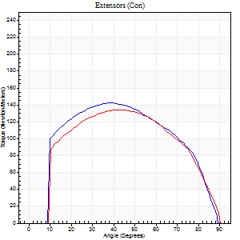
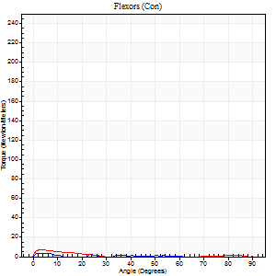
Right Side Curves Left Side Curves
Isokinetic Con/Con |  |  |  | Extensors (Con) |  | Flexors (Con)
Speed 120/120 d/s 3 Reps |  |  |  | Value | Cof Var | %BW | Value | Cof Var | %BW | Ratio

TORQUE PARAMETERS
Peak Torque (Newton-Meters - Best Repetition)
Right |  |  |  | 142 | 0.04 | 18 | 4 | 0.11 | 0 | 3
Left |  |  |  | 134 | 0.02 | 18 | 7 | 0.05 | 0 | 5
Deficit |  |  |  | 6 |  |  | 40
Work per Repetition (Newton-Meters - Best Repetition)
Right |  |  |  | 157 | 0.03 | 21 | 1 | 0.1 | 0 | 1
Left |  |  |  | 148 | 0.05 | 18 | 3 | 0.03 | 0 | 2
Deficit |  |  |  | 6 |  |  | 50
Average Power per Repetition (Watts - Best Repetition)
Right |  |  |  | 173 | 0.01 | 22 | 1 | 0.23 | 0 | 1
Left |  |  |  | 160 | 0.04 | 20 | 1 | 0.47 | 0 | 1
Deficit |  |  |  | 8 |  |  | 0
POSITION PARAMETERS
Joint Angle at Peak Torque (Degrees)
Right |  |  |  | 40 | 0.02 |  | 7 | 0.43
Left |  |  |  | 46 | 0.07 |  | 4 | 0.76
Range of Motion (Degrees)
Right |  |  |  | 0 | 0 |  | 89 | 0.02
Left |  |  |  | 0 | 1.41 |  | 90 | 0
TIME PARAMETERS
Time to Peak Torque (Seconds)
Right |  |  |  | 0.46 | 0.05 |  | 0.22 | 0.14
Left |  |  |  | 0.44 | 0.08 |  | 0.18 | 0.48
Time Peak Torque Held (Seconds)
Right |  |  |  | 0.03 | 0.17 |  | 0.01 | 1.73
Left |  |  |  | 0.02 | 0.25 |  | 0.01 | 1
Force Decay Time (Seconds)
Right |  |  |  | 0.37 | 0.11 |  | 2.23 | 0.23
Left |  |  |  | 0.45 | 0.04 |  | 2.56 | 0.67
Reciprocal Delay (Seconds)
Right |  |  |  | 0.15 | 0.54 |  | 0.22 | 0.57
Left |  |  |  | 0.44 | 0.33 |  | 0.37 | 0.23
Delay Time (Seconds)
Right |  |  |  | -0.04 | -0.2 |  | 0.05 | 1.7
Left |  |  |  | -0.04 | -0.2 |  | -0.06 | -0.24
HUMAC2015® Version: 15.000.0074 © Computer Sports Medicine, Inc. www.csmisolutions.com

Use File, Preference to set Report Heading
Long Form Torque vs. Position Report - Knee Extension/Flexion
Name: |  |  |  | FP3011, | ID: |  | Right/Left: | 10.11.2021 10.11.2021
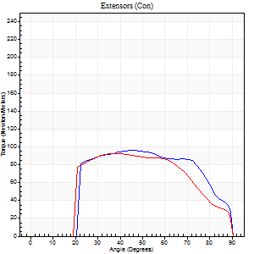
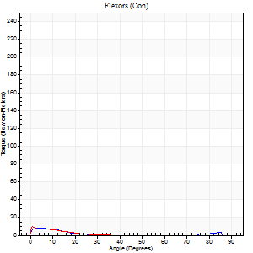
Right Side Curves Left Side Curves
Isokinetic Con/Con |  |  |  | Extensors (Con) |  | Flexors (Con)
Speed 240/240 d/s 3 Reps |  |  |  | Value | Cof Var | %BW | Value | Cof Var | %BW | Ratio

TORQUE PARAMETERS
Peak Torque (Newton-Meters - Best Repetition)
Right |  |  |  | 96 | 0.01 | 12 | 8 | 0.17 | 0 | 8
Left |  |  |  | 92 | 0.1 | 12 | 9 | 0.17 | 0 | 10
Deficit |  |  |  | 4 |  |  | 14
Work per Repetition (Newton-Meters - Best Repetition)
Right |  |  |  | 98 | 0.03 | 12 | 3 | 0.3 | 0 | 3
Left |  |  |  | 91 | 0.11 | 12 | 3 | 0.05 | 0 | 3
Deficit |  |  |  | 7 |  |  | 0
Average Power per Repetition (Watts - Best Repetition)
Right |  |  |  | 174 | 0.03 | 22 | 2 | 0.66 | 0 | 1
Left |  |  |  | 153 | 0.24 | 20 | 2 | 0.2 | 0 | 1
Deficit |  |  |  | 12 |  |  | 0
POSITION PARAMETERS
Joint Angle at Peak Torque (Degrees)
Right |  |  |  | 44 | 0.03 |  | 3 | 0.33
Left |  |  |  | 40 | 0.05 |  | 3 | 1.13
Range of Motion (Degrees)
Right |  |  |  | 0 | 1.41 |  | 90 | 0
Left |  |  |  | 0 | 1.41 |  | 90 | 0
TIME PARAMETERS
Time to Peak Torque (Seconds)
Right |  |  |  | 0.26 | 0.03 |  | 0.09 | 0.56
Left |  |  |  | 0.3 | 0.02 |  | 0.11 | 0.85
Time Peak Torque Held (Seconds)
Right |  |  |  | 0.01 | 0 |  | 0 | 1.73
Left |  |  |  | 0.01 | 0 |  | 0.01 | 1
Force Decay Time (Seconds)
Right |  |  |  | 0.26 | 0.06 |  | 2.17 | 0.85
Left |  |  |  | 0.27 | 0.06 |  | 1.11 | 0.18
Reciprocal Delay (Seconds)
Right |  |  |  | 0.17 | 0.12 |  | 0.2 | 0.74
Left |  |  |  | 0.29 | 0.41 |  | 0.23 | 0.4
Delay Time (Seconds)
Right |  |  |  | -0.02 | -0.28 |  | 0.06 | 2.2
Left |  |  |  | -0.03 | 0 |  | -0.04 | -0.48
HUMAC2015® Version: 15.000.0074 © Computer Sports Medicine, Inc. www.csmisolutions.com

Use File, Preference to set Report Heading
Isometric - Knee Extension/Flexion
Name: |  |  |  | FP3011, | ID: |  | Right/Left: | 10.11.2021 10.11.2021

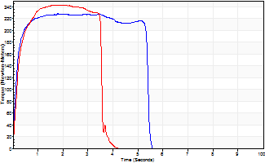
Isometric Extensors (Con) Angle 60 Time 10 Repetition 2 (Best Repetition)
 | Value | Cof Var | %BW
Peak Torque (Newton-Meters)
Right | 228 | 0.02 | 30
Left | 243 | 0.01 | 30
Deficit | 6
Average Torque (Newton-Meters)
Right | 115 | 0.3 | 15
Left | 79 | 0.08 | 9
Deficit | 32
Peak Torque Slope (Newton-Meters/Seconds)
Right | 127 | 0.32 | 16
Left | 158 | 0.08 | 20 |  | Right Side Curves Left Side Curves
Deficit | 20
Time to Half Peak Torque (Seconds)
Right | 0.45 | 1.01
Left | 0.17 | 0.13
Time to Peak Torque (Seconds)
Right | 2.26 | 0.3
Left | 1.62 | 0.1
HUMAC2015® Version: 15.000.0074 © Computer Sports Medicine, Inc. www.csmisolutions.com

post1
Use File, Preference to set Report Heading
Long Form Torque vs. Position Report - Knee Extension/Flexion
Name: |  |  |  | FP3011, | ID: |  | Right/Left: | 03.12.2021 03.12.2021
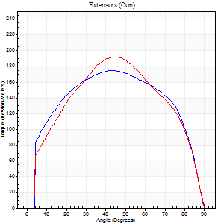
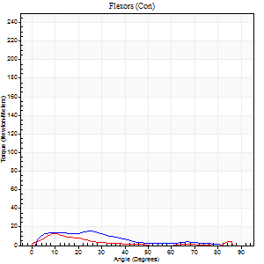
Right Side Curves Left Side Curves
Isokinetic Con/Con |  |  |  | Extensors (Con) |  | Flexors (Con)
Speed 60/60 d/s 3 Reps |  |  |  | Value | Cof Var | %BW | Value | Cof Var | %BW | Ratio

TORQUE PARAMETERS
Peak Torque (Newton-Meters - Best Repetition)
Right |  |  |  | 175 | 0.01 | 21 | 15 | 0.63 | 3 | 9
Left |  |  |  | 193 | 0.03 | 24 | 12 | 0.61 | 3 | 6
Deficit |  |  |  | 9 |  |  | 18
Work per Repetition (Newton-Meters - Best Repetition)
Right |  |  |  | 206 | 0.01 | 27 | 11 | 0.84 | 0 | 5
Left |  |  |  | 206 | 0.02 | 27 | 5 | 0.51 | 0 | 3
Deficit |  |  |  | 0 |  |  | 50
Average Power per Repetition (Watts - Best Repetition)
Right |  |  |  | 131 | 0.01 | 15 | 6 | 0.88 | 0 | 5
Left |  |  |  | 130 | 0.01 | 15 | 2 | 0.48 | 0 | 2
Deficit |  |  |  | 1 |  |  | 67
POSITION PARAMETERS
Joint Angle at Peak Torque (Degrees)
Right |  |  |  | 44 | 0 |  | 17 | 0.49
Left |  |  |  | 43 | 0.04 |  | 15 | 0.55
Range of Motion (Degrees)
Right |  |  |  | 0 | 7.07 |  | 90 | 0
Left |  |  |  | 0 | 1.41 |  | 90 | 0
TIME PARAMETERS
Time to Peak Torque (Seconds)
Right |  |  |  | 0.81 | 0.01 |  | 0.32 | 0.55
Left |  |  |  | 0.81 | 0.05 |  | 0.45 | 0.53
Time Peak Torque Held (Seconds)
Right |  |  |  | 0.08 | 0.08 |  | 0.02 | 1.73
Left |  |  |  | 0.06 | 0.27 |  | 0.01 | 1.73
Force Decay Time (Seconds)
Right |  |  |  | 0.69 | 0.02 |  | 1.31 | 0.11
Left |  |  |  | 0.7 | 0.07 |  | 1.53 | 0.22
Reciprocal Delay (Seconds)
Right |  |  |  | 0.21 | 0.13 |  | 0.19 | 0.05
Left |  |  |  | 0.23 | 0.06 |  | 0.37 | 0.16
Delay Time (Seconds)
Right |  |  |  | -0.02 | -0.71 |  | 0.1 | 0.61
Left |  |  |  | -0.01 | -1.41 |  | -0.06 | -0.73
HUMAC2015® Version: 15.000.0074 © Computer Sports Medicine, Inc. www.csmisolutions.com

Use File, Preference to set Report Heading
Long Form Torque vs. Position Report - Knee Extension/Flexion
Name: |  |  |  | FP3011, | ID: |  | Right/Left: | 03.12.2021 03.12.2021
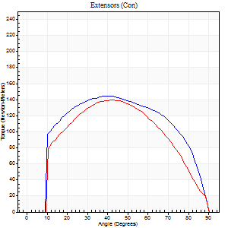
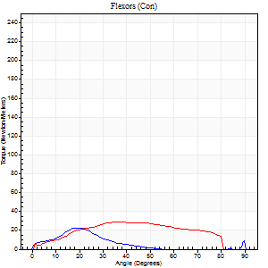
Right Side Curves Left Side Curves
Isokinetic Con/Con |  |  |  | Extensors (Con) |  | Flexors (Con)
Speed 120/120 d/s 3 Reps |  |  |  | Value | Cof Var | %BW | Value | Cof Var | %BW | Ratio

TORQUE PARAMETERS
Peak Torque (Newton-Meters - Best Repetition)
Right |  |  |  | 145 | 0.01 | 18 | 23 | 1.05 | 3 | 16
Left |  |  |  | 140 | 0.02 | 18 | 28 | 0.57 | 3 | 20
Deficit |  |  |  | 4 |  |  | 19
Work per Repetition (Newton-Meters - Best Repetition)
Right |  |  |  | 164 | 0 | 21 | 9 | 1.05 | 0 | 6
Left |  |  |  | 144 | 0.02 | 18 | 28 | 0.83 | 3 | 20
Deficit |  |  |  | 12 |  |  | 67
Average Power per Repetition (Watts - Best Repetition)
Right |  |  |  | 192 | 0.05 | 24 | 9 | 1.37 | 2 | 5
Left |  |  |  | 163 | 0.03 | 20 | 34 | 0.9 | 4 | 21
Deficit |  |  |  | 15 |  |  | 74
POSITION PARAMETERS
Joint Angle at Peak Torque (Degrees)
Right |  |  |  | 42 | 0.01 |  | 35 | 1.16
Left |  |  |  | 43 | 0.04 |  | 31 | 0.23
Range of Motion (Degrees)
Right |  |  |  | 0 | 1.06 |  | 90 | 0
Left |  |  |  | 0 | 0.28 |  | 89 | 0
TIME PARAMETERS
Time to Peak Torque (Seconds)
Right |  |  |  | 0.44 | 0.02 |  | 2.2 | 1.58
Left |  |  |  | 0.43 | 0.1 |  | 0.39 | 0.09
Time Peak Torque Held (Seconds)
Right |  |  |  | 0.03 | 0.58 |  | 0 | 1.73
Left |  |  |  | 0.04 | 0.25 |  | 0 | 0
Force Decay Time (Seconds)
Right |  |  |  | 0.42 | 0.14 |  | 0.67 | 0.87
Left |  |  |  | 0.41 | 0.05 |  | 0.54 | 0.18
Reciprocal Delay (Seconds)
Right |  |  |  | 0.12 | 0.28 |  | 0.14 | 0.04
Left |  |  |  | 0.09 | 0.08 |  | 0.16 | 0.13
Delay Time (Seconds)
Right |  |  |  | -0.01 | 0 |  | 0.01 | 10.21
Left |  |  |  | 0.02 | 2.12 |  | -0.01 | -0.87
HUMAC2015® Version: 15.000.0074 © Computer Sports Medicine, Inc. www.csmisolutions.com

Use File, Preference to set Report Heading
Long Form Torque vs. Position Report - Knee Extension/Flexion
Name: |  |  |  | FP3011, | ID: |  | Right/Left: | 03.12.2021 03.12.2021
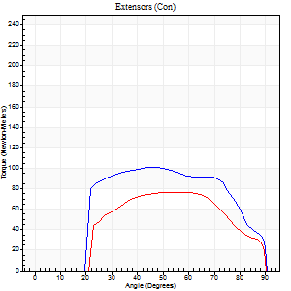
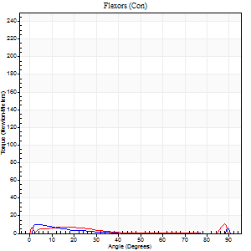
Right Side Curves Left Side Curves
Isokinetic Con/Con |  |  |  | Extensors (Con) |  | Flexors (Con)
Speed 240/240 d/s 3 Reps |  |  |  | Value | Cof Var | %BW | Value | Cof Var | %BW | Ratio

TORQUE PARAMETERS
Peak Torque (Newton-Meters - Best Repetition)
Right |  |  |  | 102 | 0.04 | 12 | 11 | 0.22 | 0 | 11
Left |  |  |  | 76 | 0.18 | 9 | 11 | 0.15 | 0 | 14
Deficit |  |  |  | 25 |  |  | 0
Work per Repetition (Newton-Meters - Best Repetition)
Right |  |  |  | 103 | 0.05 | 12 | 4 | 0.24 | 0 | 4
Left |  |  |  | 73 | 0.19 | 9 | 5 | 0.84 | 0 | 7
Deficit |  |  |  | 29 |  |  | 25
Average Power per Repetition (Watts - Best Repetition)
Right |  |  |  | 187 | 0.06 | 24 | 4 | 0.75 | 0 | 2
Left |  |  |  | 123 | 0.23 | 15 | 9 | 0.48 | 2 | 7
Deficit |  |  |  | 34 |  |  | 56
POSITION PARAMETERS
Joint Angle at Peak Torque (Degrees)
Right |  |  |  | 45 | 0.03 |  | 81 | 0.1
Left |  |  |  | 51 | 0.13 |  | 34 | 1.36
Range of Motion (Degrees)
Right |  |  |  | 0 | 0.16 |  | 90 | 0.01
Left |  |  |  | 0 | 0 |  | 89 | 0.01
TIME PARAMETERS
Time to Peak Torque (Seconds)
Right |  |  |  | 0.26 | 0 |  | 2.44 | 1.15
Left |  |  |  | 0.29 | 0.15 |  | 0.17 | 0.62
Time Peak Torque Held (Seconds)
Right |  |  |  | 0.02 | 0.5 |  | 0.01 | 1.73
Left |  |  |  | 0.02 | 1.08 |  | 0.01 | 1.73
Force Decay Time (Seconds)
Right |  |  |  | 0.25 | 0.06 |  | 0.05 | 2.17
Left |  |  |  | 0.3 | 0.02 |  | 0.35 | 0.82
Reciprocal Delay (Seconds)
Right |  |  |  | 0.12 | 0.68 |  | 0.11 | 0.11
Left |  |  |  | 0.05 | 0.13 |  | 0.21 | 0.39
Delay Time (Seconds)
Right |  |  |  | -0.02 | -0.28 |  | 0.04 | 1.09
Left |  |  |  | -0.03 | 0 |  | 0.2 | 2.13
HUMAC2015® Version: 15.000.0074 © Computer Sports Medicine, Inc. www.csmisolutions.com

Use File, Preference to set Report Heading
Isometric - Knee Extension/Flexion
Name: |  |  |  | FP3011, | ID: |  | Right/Left: | 03.12.2021 03.12.2021

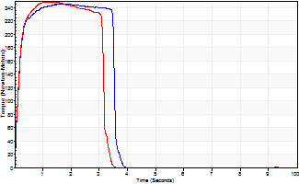
Isometric Extensors (Con) Angle 60 Time 10 Repetition 2 (Best Repetition)
 | Value | Cof Var | %BW
Peak Torque (Newton-Meters)
Right | 245 | 0.01 | 30
Left | 248 | 0 | 30
Deficit | 1
Average Torque (Newton-Meters)
Right | 83 | 0.01 | 9
Left | 73 | 0 | 9
Deficit | 11
Peak Torque Slope (Newton-Meters/Seconds)
Right | 141 | 0.03 | 18
Left | 207 | 0.22 | 26 |  | Right Side Curves Left Side Curves
Deficit | 32
Time to Half Peak Torque (Seconds)
Right | 0.13 | 0.05
Left | 0.15 | 0.09
Time to Peak Torque (Seconds)
Right | 1.77 | 0.04
Left | 1.41 | 0.22
HUMAC2015® Version: 15.000.0074 © Computer Sports Medicine, Inc. www.csmisolutions.com

post2
Use File, Preference to set Report Heading
Long Form Torque vs. Position Report - Knee Extension/Flexion
Name: |  |  |  | FP3011, | ID: |  | Right/Left: | 08.12.2021 08.12.2021
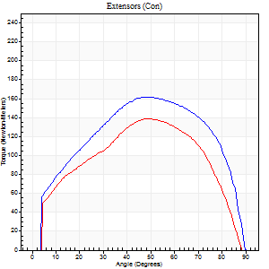
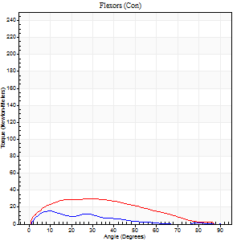
Right Side Curves Left Side Curves
Isokinetic Con/Con |  |  |  | Extensors (Con) |  | Flexors (Con)
Speed 60/60 d/s 3 Reps |  |  |  | Value | Cof Var | %BW | Value | Cof Var | %BW | Ratio

TORQUE PARAMETERS
Peak Torque (Newton-Meters - Best Repetition)
Right |  |  |  | 161 | 0.01 | 21 | 15 | 0.14 | 3 | 9
Left |  |  |  | 138 | 0.06 | 18 | 30 | 0.52 | 3 | 22
Deficit |  |  |  | 14 |  |  | 50
Work per Repetition (Newton-Meters - Best Repetition)
Right |  |  |  | 188 | 0.02 | 24 | 8 | 0.3 | 0 | 4
Left |  |  |  | 146 | 0.05 | 18 | 30 | 0.58 | 3 | 20
Deficit |  |  |  | 22 |  |  | 73
Average Power per Repetition (Watts - Best Repetition)
Right |  |  |  | 120 | 0.03 | 15 | 5 | 0.27 | 0 | 4
Left |  |  |  | 94 | 0.35 | 11 | 19 | 0.62 | 2 | 20
Deficit |  |  |  | 22 |  |  | 74
POSITION PARAMETERS
Joint Angle at Peak Torque (Degrees)
Right |  |  |  | 49 | 0.09 |  | 10 | 0.1
Left |  |  |  | 53 | 0.08 |  | 41 | 0.25
Range of Motion (Degrees)
Right |  |  |  | 0 | 0.47 |  | 90 | 0
Left |  |  |  | 0 | 0 |  | 90 | 0
TIME PARAMETERS
Time to Peak Torque (Seconds)
Right |  |  |  | 0.67 | 0.08 |  | 0.16 | 0.06
Left |  |  |  | 0.66 | 0.09 |  | 0.71 | 0.26
Time Peak Torque Held (Seconds)
Right |  |  |  | 0.04 | 0 |  | 0 | 1.73
Left |  |  |  | 0.05 | 0.2 |  | 0.04 | 0.79
Force Decay Time (Seconds)
Right |  |  |  | 0.8 | 0.1 |  | 1.47 | 0.07
Left |  |  |  | 0.86 | 0.06 |  | 0.87 | 0.17
Reciprocal Delay (Seconds)
Right |  |  |  | 0.21 | 0.2 |  | 0.18 | 0.11
Left |  |  |  | 0.13 | 0.05 |  | 0.2 | 0.26
Delay Time (Seconds)
Right |  |  |  | 0 | -1.41 |  | 0.04 | 0.43
Left |  |  |  | 0.05 | 0.28 |  | 0 | -1.73
HUMAC2015® Version: 15.000.0074 © Computer Sports Medicine, Inc. www.csmisolutions.com

Use File, Preference to set Report Heading
Long Form Torque vs. Position Report - Knee Extension/Flexion
Name: |  |  |  | FP3011, | ID: |  | Right/Left: | 08.12.2021 08.12.2021
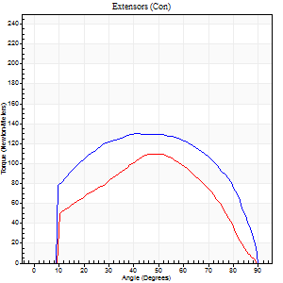
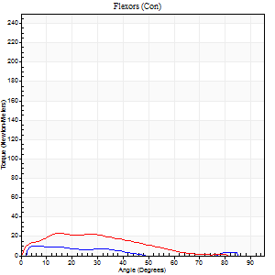
Right Side Curves Left Side Curves
Isokinetic Con/Con |  |  |  | Extensors (Con) |  | Flexors (Con)
Speed 120/120 d/s 3 Reps |  |  |  | Value | Cof Var | %BW | Value | Cof Var | %BW | Ratio

TORQUE PARAMETERS
Peak Torque (Newton-Meters - Best Repetition)
Right |  |  |  | 130 | 0 | 15 | 9 | 0.36 | 0 | 7
Left |  |  |  | 110 | 0.07 | 15 | 23 | 0.59 | 3 | 21
Deficit |  |  |  | 16 |  |  | 59
Work per Repetition (Newton-Meters - Best Repetition)
Right |  |  |  | 148 | 0.05 | 18 | 5 | 0.39 | 0 | 4
Left |  |  |  | 107 | 0.08 | 12 | 18 | 0.77 | 3 | 16
Deficit |  |  |  | 28 |  |  | 69
Average Power per Repetition (Watts - Best Repetition)
Right |  |  |  | 180 | 0.05 | 22 | 5 | 0.39 | 0 | 3
Left |  |  |  | 123 | 0.08 | 15 | 21 | 0.86 | 2 | 17
Deficit |  |  |  | 32 |  |  | 76
POSITION PARAMETERS
Joint Angle at Peak Torque (Degrees)
Right |  |  |  | 46 | 0.11 |  | 17 | 1.01
Left |  |  |  | 50 | 0.01 |  | 11 | 0.66
Range of Motion (Degrees)
Right |  |  |  | 1 | 0.31 |  | 90 | 0
Left |  |  |  | 0 | 0.94 |  | 89 | 0
TIME PARAMETERS
Time to Peak Torque (Seconds)
Right |  |  |  | 0.43 | 0.05 |  | 0.21 | 0.73
Left |  |  |  | 0.4 | 0.05 |  | 0.18 | 0.03
Time Peak Torque Held (Seconds)
Right |  |  |  | 0.03 | 0.58 |  | 0 | 1.73
Left |  |  |  | 0.03 | 0.46 |  | 0.04 | 1.52
Force Decay Time (Seconds)
Right |  |  |  | 0.39 | 0.1 |  | 0.84 | 0.3
Left |  |  |  | 0.44 | 0.1 |  | 1.4 | 1
Reciprocal Delay (Seconds)
Right |  |  |  | 0.13 | 0.11 |  | 0.14 | 0.11
Left |  |  |  | 0.09 | 0.08 |  | 0.18 | 0.29
Delay Time (Seconds)
Right |  |  |  | -0.01 | -1.41 |  | 0.03 | 1.42
Left |  |  |  | -0.02 | 0 |  | -0.04 | -1.09
HUMAC2015® Version: 15.000.0074 © Computer Sports Medicine, Inc. www.csmisolutions.com

Use File, Preference to set Report Heading
Long Form Torque vs. Position Report - Knee Extension/Flexion
Name: |  |  |  | FP3011, | ID: |  | Right/Left: | 08.12.2021 08.12.2021
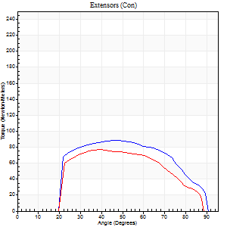
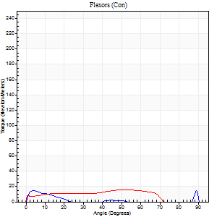
Right Side Curves Left Side Curves
Isokinetic Con/Con |  |  |  | Extensors (Con) |  | Flexors (Con)
Speed 240/240 d/s 3 Reps |  |  |  | Value | Cof Var | %BW | Value | Cof Var | %BW | Ratio

TORQUE PARAMETERS
Peak Torque (Newton-Meters - Best Repetition)
Right |  |  |  | 88 | 0.03 | 12 | 15 | 0.31 | 3 | 17
Left |  |  |  | 77 | 0.24 | 9 | 16 | 0.3 | 3 | 21
Deficit |  |  |  | 12 |  |  | 8
Work per Repetition (Newton-Meters - Best Repetition)
Right |  |  |  | 87 | 0.02 | 12 | 4 | 0.15 | 0 | 5
Left |  |  |  | 72 | 0.3 | 9 | 15 | 0.57 | 3 | 21
Deficit |  |  |  | 17 |  |  | 73
Average Power per Repetition (Watts - Best Repetition)
Right |  |  |  | 165 | 0.04 | 20 | 5 | 0.15 | 0 | 3
Left |  |  |  | 141 | 0.54 | 18 | 24 | 0.58 | 2 | 17
Deficit |  |  |  | 15 |  |  | 79
POSITION PARAMETERS
Joint Angle at Peak Torque (Degrees)
Right |  |  |  | 46 | 0.02 |  | 32 | 1.57
Left |  |  |  | 45 | 0.11 |  | 21 | 1.28
Range of Motion (Degrees)
Right |  |  |  | 1 | 0.51 |  | 90 | 0
Left |  |  |  | 1 | 0.82 |  | 89 | 0.01
TIME PARAMETERS
Time to Peak Torque (Seconds)
Right |  |  |  | 0.26 | 0 |  | 0.28 | 1.4
Left |  |  |  | 0.28 | 0.03 |  | 0.21 | 0.84
Time Peak Torque Held (Seconds)
Right |  |  |  | 0.01 | 0 |  | 0 | 0
Left |  |  |  | 0.01 | 0.87 |  | 0 | 0
Force Decay Time (Seconds)
Right |  |  |  | 0.26 | 0.04 |  | 0.46 | 0.81
Left |  |  |  | 0.26 | 0.16 |  | 0.41 | 0.48
Reciprocal Delay (Seconds)
Right |  |  |  | 0.14 | 0.3 |  | 0.11 | 0.13
Left |  |  |  | 0.05 | 0.16 |  | 0.1 | 0.24
Delay Time (Seconds)
Right |  |  |  | -0.03 | 0 |  | -0.01 | -1.73
Left |  |  |  | -0.02 | 0 |  | -0.03 | -0.22
HUMAC2015® Version: 15.000.0074 © Computer Sports Medicine, Inc. www.csmisolutions.com

Use File, Preference to set Report Heading
Isometric - Knee Extension/Flexion
Name: |  |  |  | FP3011, | ID: |  | Right/Left: | 08.12.2021 08.12.2021

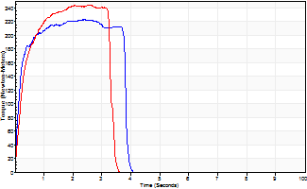
Isometric Extensors (Con) Angle 60 Time 10 Repetition 2 (Best Repetition)
 | Value | Cof Var | %BW
Peak Torque (Newton-Meters)
Right | 222 | 0.03 | 27
Left | 244 | 0.01 | 30
Deficit | 9
Average Torque (Newton-Meters)
Right | 77 | 0.08 | 9
Left | 75 | 0.03 | 9
Deficit | 4
Peak Torque Slope (Newton-Meters/Seconds)
Right | 124 | 0.21 | 16
Left | 118 | 0.26 | 15 |  | Right Side Curves Left Side Curves
Deficit | 5
Time to Half Peak Torque (Seconds)
Right | 0.16 | 0.21
Left | 0.25 | 0.03
Time to Peak Torque (Seconds)
Right | 2.06 | 0.24
Left | 2.51 | 0.25
HUMAC2015® Version: 15.000.0074 © Computer Sports Medicine, Inc. www.csmisolutions.com

