pre1
Use File, Preference to set Report Heading
Long Form Torque vs. Position Report - Knee Extension/Flexion
Name: |  |  |  | TR030FP3010, | ID: |  | Right/Left: | 16.09.2021 16.09.2021
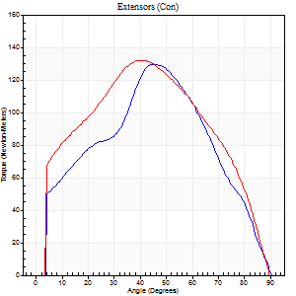
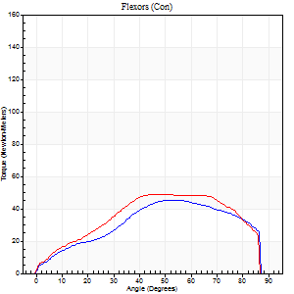
Right Side Curves Left Side Curves
Isokinetic Con/Con |  |  |  | Extensors (Con) |  | Flexors (Con)
Speed 60/60 d/s 3 Reps |  |  |  | Value | Cof Var | %BW | Value | Cof Var | %BW | Ratio

TORQUE PARAMETERS
Peak Torque (Newton-Meters - Best Repetition)
Right |  |  |  | 129 | 0.22 | 170 | 45 | 0.15 | 60 | 35
Left |  |  |  | 132 | 0.03 | 173 | 49 | 0.27 | 66 | 37
Deficit |  |  |  | 2 |  |  | 8
Work per Repetition (Newton-Meters - Best Repetition)
Right |  |  |  | 122 | 0.29 | 161 | 47 | 0.07 | 63 | 39
Left |  |  |  | 141 | 0.04 | 185 | 53 | 0.28 | 69 | 38
Deficit |  |  |  | 13 |  |  | 10
Average Power per Repetition (Watts - Best Repetition)
Right |  |  |  | 77 | 0.35 | 101 | 31 | 0.11 | 42 | 40
Left |  |  |  | 89 | 0.05 | 116 | 33 | 0.26 | 44 | 37
Deficit |  |  |  | 13 |  |  | 6
POSITION PARAMETERS
Joint Angle at Peak Torque (Degrees)
Right |  |  |  | 40 | 0.21 |  | 48 | 0.32
Left |  |  |  | 43 | 0.06 |  | 53 | 0.13
Range of Motion (Degrees)
Right |  |  |  | 0 | -0.47 |  | 90 | 0
Left |  |  |  | 0 | 0 |  | 90 | 0
TIME PARAMETERS
Time to Peak Torque (Seconds)
Right |  |  |  | 0.77 | 0.01 |  | 0.87 | 0.29
Left |  |  |  | 0.85 | 0.01 |  | 0.96 | 0.13
Time Peak Torque Held (Seconds)
Right |  |  |  | 0.02 | 0.25 |  | 0.04 | 1.32
Left |  |  |  | 0.06 | 0.48 |  | 0.11 | 1.43
Force Decay Time (Seconds)
Right |  |  |  | 0.7 | 0.2 |  | 0.66 | 0.53
Left |  |  |  | 0.7 | 0.02 |  | 0.52 | 0.21
Reciprocal Delay (Seconds)
Right |  |  |  | 0.34 | 0.31 |  | 0.61 | 0.5
Left |  |  |  | 0.35 | 0.38 |  | 0.55 | 0.26
Delay Time (Seconds)
Right |  |  |  | -0.01 | 0 |  | -0.02 | -0.35
Left |  |  |  | -0.03 | -1.41 |  | -0.02 | -0.25
HUMAC2015® Version: 15.000.0074 © Computer Sports Medicine, Inc. www.csmisolutions.com

Use File, Preference to set Report Heading
Long Form Torque vs. Position Report - Knee Extension/Flexion
Name: |  |  |  | TR030FP3010, | ID: |  | Right/Left: | 16.09.2021 16.09.2021
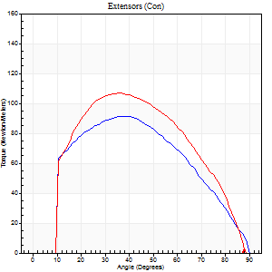
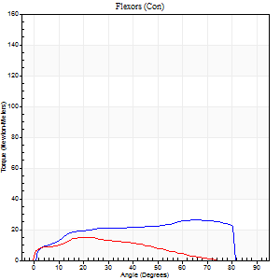
Right Side Curves Left Side Curves
Isokinetic Con/Con |  |  |  | Extensors (Con) |  | Flexors (Con)
Speed 120/120 d/s 3 Reps |  |  |  | Value | Cof Var | %BW | Value | Cof Var | %BW | Ratio

TORQUE PARAMETERS
Peak Torque (Newton-Meters - Best Repetition)
Right |  |  |  | 91 | 0.26 | 119 | 26 | 0.33 | 33 | 28
Left |  |  |  | 107 | 0.01 | 140 | 15 | 0.03 | 21 | 14
Deficit |  |  |  | 15 |  |  | 42
Work per Repetition (Newton-Meters - Best Repetition)
Right |  |  |  | 94 | 0.29 | 122 | 28 | 0.33 | 39 | 30
Left |  |  |  | 107 | 0.02 | 140 | 12 | 0.01 | 15 | 11
Deficit |  |  |  | 13 |  |  | 57
Average Power per Repetition (Watts - Best Repetition)
Right |  |  |  | 106 | 0.32 | 138 | 32 | 0.35 | 42 | 30
Left |  |  |  | 120 | 0.07 | 158 | 13 | 0.03 | 18 | 11
Deficit |  |  |  | 12 |  |  | 59
POSITION PARAMETERS
Joint Angle at Peak Torque (Degrees)
Right |  |  |  | 33 | 0.2 |  | 42 | 0.53
Left |  |  |  | 33 | 0.06 |  | 19 | 0.08
Range of Motion (Degrees)
Right |  |  |  | 0 | 1.41 |  | 90 | 0
Left |  |  |  | 0 | -0.47 |  | 89 | 0
TIME PARAMETERS
Time to Peak Torque (Seconds)
Right |  |  |  | 0.51 | 0 |  | 0.45 | 0.38
Left |  |  |  | 0.56 | 0.04 |  | 0.28 | 0.04
Time Peak Torque Held (Seconds)
Right |  |  |  | 0.03 | 0.17 |  | 0.03 | 0.87
Left |  |  |  | 0.03 | 0.57 |  | 0.01 | 0.87
Force Decay Time (Seconds)
Right |  |  |  | 0.32 | 0.16 |  | 0.4 | 0.43
Left |  |  |  | 0.33 | 0.09 |  | 0.61 | 0.03
Reciprocal Delay (Seconds)
Right |  |  |  | 0.12 | 0 |  | 0.31 | 0.26
Left |  |  |  | 0.36 | 0.98 |  | 0.47 | 0.1
Delay Time (Seconds)
Right |  |  |  | -0.02 | -0.28 |  | -0.01 | -1
Left |  |  |  | 0.19 | 1.71 |  | -0.03 | -0.17
HUMAC2015® Version: 15.000.0074 © Computer Sports Medicine, Inc. www.csmisolutions.com

Use File, Preference to set Report Heading
Long Form Torque vs. Position Report - Knee Extension/Flexion
Name: |  |  |  | TR030FP3010, | ID: |  | Right/Left: | 16.09.2021 16.09.2021
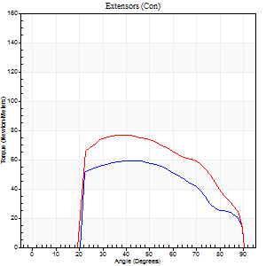
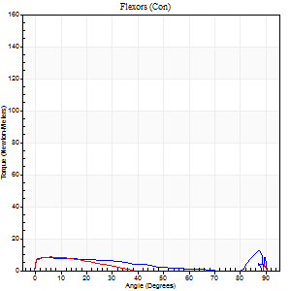
Right Side Curves Left Side Curves
Isokinetic Con/Con |  |  |  | Extensors (Con) |  | Flexors (Con)
Speed 240/240 d/s 3 Reps |  |  |  | Value | Cof Var | %BW | Value | Cof Var | %BW | Ratio

TORQUE PARAMETERS
Peak Torque (Newton-Meters - Best Repetition)
Right |  |  |  | 60 | 0.09 | 77 | 12 | 0.16 | 15 | 20
Left |  |  |  | 77 | 0.23 | 101 | 11 | 0.15 | 15 | 14
Deficit |  |  |  | 23 |  |  | 11
Work per Repetition (Newton-Meters - Best Repetition)
Right |  |  |  | 56 | 0.05 | 75 | 8 | 0.13 | 12 | 15
Left |  |  |  | 75 | 0.3 | 98 | 7 | 0.29 | 9 | 9
Deficit |  |  |  | 25 |  |  | 17
Average Power per Repetition (Watts - Best Repetition)
Right |  |  |  | 93 | 0.06 | 123 | 12 | 0.32 | 15 | 13
Left |  |  |  | 130 | 0.6 | 171 | 10 | 0.57 | 13 | 8
Deficit |  |  |  | 28 |  |  | 17
POSITION PARAMETERS
Joint Angle at Peak Torque (Degrees)
Right |  |  |  | 44 | 0.09 |  | 36 | 1.26
Left |  |  |  | 46 | 0.24 |  | 37 | 1.23
Range of Motion (Degrees)
Right |  |  |  | 0 | -0.47 |  | 90 | 0
Left |  |  |  | 0 | 0 |  | 90 | 0
TIME PARAMETERS
Time to Peak Torque (Seconds)
Right |  |  |  | 0.31 | 0.02 |  | 0.37 | 0.7
Left |  |  |  | 0.31 | 0.02 |  | 0.51 | 0.93
Time Peak Torque Held (Seconds)
Right |  |  |  | 0.01 | 0.43 |  | 0.02 | 1.73
Left |  |  |  | 0 | 1.73 |  | 0.01 | 1.73
Force Decay Time (Seconds)
Right |  |  |  | 0.28 | 0.04 |  | 0.43 | 0.27
Left |  |  |  | 0.3 | 0.18 |  | 0.4 | 1.33
Reciprocal Delay (Seconds)
Right |  |  |  | 0.39 | 0.3 |  | 0.5 | 0.2
Left |  |  |  | 0.34 | 0.14 |  | 0.53 | 0.12
Delay Time (Seconds)
Right |  |  |  | -0.04 | -0.2 |  | -0.06 | -0.2
Left |  |  |  | -0.04 | -0.2 |  | -0.05 | 0
HUMAC2015® Version: 15.000.0074 © Computer Sports Medicine, Inc. www.csmisolutions.com

Use File, Preference to set Report Heading
Isometric - Knee Extension/Flexion
Name: |  |  |  | TR030FP3010, | ID: |  | Right/Left: | 16.09.2021 16.09.2021

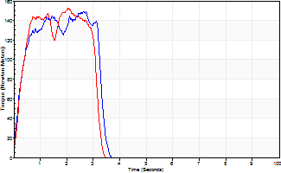
Isometric Extensors (Con) Angle 60 Time 10 Repetition 2 (Best Repetition)
 | Value | Cof Var | %BW
Peak Torque (Newton-Meters)
Right | 149 | 0.03 | 197
Left | 153 | 0.06 | 203
Deficit | 3
Average Torque (Newton-Meters)
Right | 42 | 0.14 | 57
Left | 49 | 0.12 | 66
Deficit | 14
Peak Torque Slope (Newton-Meters/Seconds)
Right | 68 | 0.15 | 89
Left | 74 | 0.3 | 98 |  | Right Side Curves Left Side Curves
Deficit | 9
Time to Half Peak Torque (Seconds)
Right | 0.33 | 0.34
Left | 0.68 | 0.87
Time to Peak Torque (Seconds)
Right | 2.41 | 0.18
Left | 2.47 | 0.25
HUMAC2015® Version: 15.000.0074 © Computer Sports Medicine, Inc. www.csmisolutions.com

pre2
Use File, Preference to set Report Heading
Long Form Torque vs. Position Report - Knee Extension/Flexion
Name: |  |  |  | TR030FP3010, | ID: |  | Right/Left: | 24.09.2021 24.09.2021
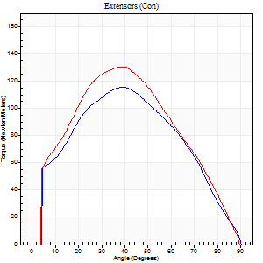
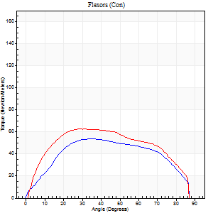
Right Side Curves Left Side Curves
Isokinetic Con/Con |  |  |  | Extensors (Con) |  | Flexors (Con)
Speed 60/60 d/s 3 Reps |  |  |  | Value | Cof Var | %BW | Value | Cof Var | %BW | Ratio

TORQUE PARAMETERS
Peak Torque (Newton-Meters - Best Repetition)
Right |  |  |  | 115 | 0.1 | 152 | 53 | 0.31 | 69 | 46
Left |  |  |  | 130 | 0.07 | 170 | 62 | 0.32 | 83 | 48
Deficit |  |  |  | 11 |  |  | 15
Work per Repetition (Newton-Meters - Best Repetition)
Right |  |  |  | 117 | 0.03 | 152 | 60 | 0.38 | 77 | 51
Left |  |  |  | 130 | 0.16 | 170 | 72 | 0.36 | 95 | 55
Deficit |  |  |  | 10 |  |  | 17
Average Power per Repetition (Watts - Best Repetition)
Right |  |  |  | 73 | 0.51 | 97 | 37 | 0.37 | 48 | 51
Left |  |  |  | 83 | 0.19 | 110 | 47 | 0.36 | 62 | 57
Deficit |  |  |  | 12 |  |  | 21
POSITION PARAMETERS
Joint Angle at Peak Torque (Degrees)
Right |  |  |  | 37 | 0.14 |  | 47 | 0.2
Left |  |  |  | 35 | 0.11 |  | 47 | 0.34
Range of Motion (Degrees)
Right |  |  |  | 0 | 0 |  | 90 | 0
Left |  |  |  | 0 | -0.47 |  | 90 | 0
TIME PARAMETERS
Time to Peak Torque (Seconds)
Right |  |  |  | 0.88 | 0.02 |  | 0.85 | 0.19
Left |  |  |  | 0.93 | 0.1 |  | 0.82 | 0.37
Time Peak Torque Held (Seconds)
Right |  |  |  | 0.03 | 0.46 |  | 0.04 | 0.96
Left |  |  |  | 0.04 | 0.35 |  | 0.08 | 1.21
Force Decay Time (Seconds)
Right |  |  |  | 0.64 | 0.12 |  | 0.69 | 0.31
Left |  |  |  | 0.59 | 0.09 |  | 0.64 | 0.33
Reciprocal Delay (Seconds)
Right |  |  |  | 0.33 | 0.32 |  | 0.49 | 0.19
Left |  |  |  | 0.23 | 0.31 |  | 0.34 | 0.53
Delay Time (Seconds)
Right |  |  |  | -0.02 | -0.28 |  | -0.02 | -0.35
Left |  |  |  | 0 | 0 |  | 0 | 0
HUMAC2015® Version: 15.000.0074 © Computer Sports Medicine, Inc. www.csmisolutions.com

Use File, Preference to set Report Heading
Long Form Torque vs. Position Report - Knee Extension/Flexion
Name: |  |  |  | TR030FP3010, | ID: |  | Right/Left: | 24.09.2021 24.09.2021
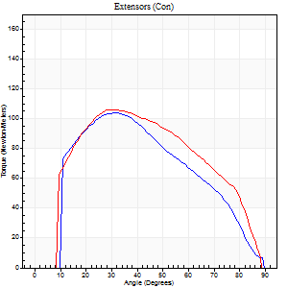
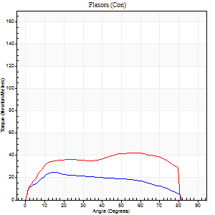
Right Side Curves Left Side Curves
Isokinetic Con/Con |  |  |  | Extensors (Con) |  | Flexors (Con)
Speed 120/120 d/s 3 Reps |  |  |  | Value | Cof Var | %BW | Value | Cof Var | %BW | Ratio

TORQUE PARAMETERS
Peak Torque (Newton-Meters - Best Repetition)
Right |  |  |  | 103 | 0.08 | 137 | 24 | 0.17 | 33 | 24
Left |  |  |  | 106 | 0.2 | 140 | 42 | 0.24 | 57 | 40
Deficit |  |  |  | 3 |  |  | 42
Work per Repetition (Newton-Meters - Best Repetition)
Right |  |  |  | 99 | 0.04 | 131 | 24 | 0.27 | 33 | 25
Left |  |  |  | 110 | 0.24 | 146 | 49 | 0.32 | 66 | 44
Deficit |  |  |  | 10 |  |  | 50
Average Power per Repetition (Watts - Best Repetition)
Right |  |  |  | 112 | 0.06 | 147 | 29 | 0.29 | 37 | 26
Left |  |  |  | 128 | 0.34 | 169 | 59 | 0.38 | 77 | 46
Deficit |  |  |  | 13 |  |  | 51
POSITION PARAMETERS
Joint Angle at Peak Torque (Degrees)
Right |  |  |  | 35 | 0.07 |  | 26 | 0.68
Left |  |  |  | 37 | 0.17 |  | 36 | 0.57
Range of Motion (Degrees)
Right |  |  |  | 0 | 0.79 |  | 90 | 0
Left |  |  |  | 0 | 1.41 |  | 89 | 0.01
TIME PARAMETERS
Time to Peak Torque (Seconds)
Right |  |  |  | 0.54 | 0.09 |  | 0.29 | 0.6
Left |  |  |  | 0.5 | 0.06 |  | 0.41 | 0.41
Time Peak Torque Held (Seconds)
Right |  |  |  | 0.03 | 0.35 |  | 0 | 0
Left |  |  |  | 0.02 | 1.08 |  | 0.01 | 1.15
Force Decay Time (Seconds)
Right |  |  |  | 0.33 | 0.09 |  | 0.58 | 0.33
Left |  |  |  | 0.35 | 0.11 |  | 0.46 | 0.38
Reciprocal Delay (Seconds)
Right |  |  |  | 0.23 | 0.85 |  | 0.31 | 0.44
Left |  |  |  | 0.08 | 0.18 |  | 0.31 | 0.88
Delay Time (Seconds)
Right |  |  |  | -0.03 | -0.47 |  | -0.02 | -1.51
Left |  |  |  | 0 | 1.41 |  | -0.06 | -1.13
HUMAC2015® Version: 15.000.0074 © Computer Sports Medicine, Inc. www.csmisolutions.com

Use File, Preference to set Report Heading
Long Form Torque vs. Position Report - Knee Extension/Flexion
Name: |  |  |  | TR030FP3010, | ID: |  | Right/Left: | 24.09.2021 24.09.2021
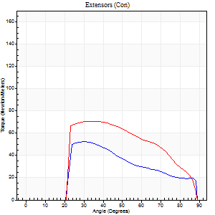
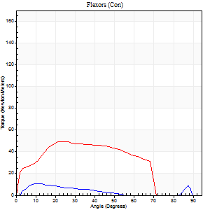
Right Side Curves Left Side Curves
Isokinetic Con/Con |  |  |  | Extensors (Con) |  | Flexors (Con)
Speed 240/240 d/s 3 Reps |  |  |  | Value | Cof Var | %BW | Value | Cof Var | %BW | Ratio

TORQUE PARAMETERS
Peak Torque (Newton-Meters - Best Repetition)
Right |  |  |  | 52 | 0.1 | 69 | 11 | 0.18 | 15 | 21
Left |  |  |  | 71 | 0.27 | 92 | 50 | 0.22 | 66 | 71
Deficit |  |  |  | 27 |  |  | 78
Work per Repetition (Newton-Meters - Best Repetition)
Right |  |  |  | 41 | 0.05 | 54 | 7 | 0.1 | 9 | 17
Left |  |  |  | 64 | 0.3 | 83 | 49 | 0.31 | 66 | 77
Deficit |  |  |  | 36 |  |  | 86
Average Power per Repetition (Watts - Best Repetition)
Right |  |  |  | 75 | 0.32 | 99 | 11 | 0.12 | 15 | 15
Left |  |  |  | 125 | 0.36 | 165 | 96 | 0.34 | 125 | 77
Deficit |  |  |  | 40 |  |  | 89
POSITION PARAMETERS
Joint Angle at Peak Torque (Degrees)
Right |  |  |  | 43 | 0.3 |  | 10 | 0.2
Left |  |  |  | 40 | 0.21 |  | 26 | 0.11
Range of Motion (Degrees)
Right |  |  |  | 1 | 1.52 |  | 89 | 0.01
Left |  |  |  | 0 | 0.66 |  | 89 | 0.01
TIME PARAMETERS
Time to Peak Torque (Seconds)
Right |  |  |  | 0.31 | 0.07 |  | 0.16 | 0.11
Left |  |  |  | 0.28 | 0.1 |  | 0.21 | 0.15
Time Peak Torque Held (Seconds)
Right |  |  |  | 0 | 1.73 |  | 0 | 1.73
Left |  |  |  | 0.02 | 0.35 |  | 0.01 | 0.87
Force Decay Time (Seconds)
Right |  |  |  | 0.25 | 0.08 |  | 0.45 | 0.03
Left |  |  |  | 0.22 | 0.05 |  | 0.3 | 0.06
Reciprocal Delay (Seconds)
Right |  |  |  | 0.06 | 0.33 |  | 0.16 | 1.15
Left |  |  |  | 0.04 | 0.35 |  | 0.09 | 0.63
Delay Time (Seconds)
Right |  |  |  | -0.04 | -0.2 |  | -0.01 | -2
Left |  |  |  | -0.02 | 0 |  | -0.03 | -0.22
HUMAC2015® Version: 15.000.0074 © Computer Sports Medicine, Inc. www.csmisolutions.com

Use File, Preference to set Report Heading
Isometric - Knee Extension/Flexion
Name: |  |  |  | TR030FP3010, | ID: |  | Right/Left: | 24.09.2021 24.09.2021

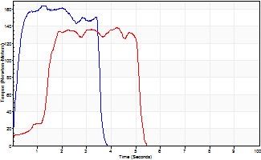
Isometric Extensors (Con) Angle 60 Time 10 Repetition 2 (Best Repetition)
 | Value | Cof Var | %BW
Peak Torque (Newton-Meters)
Right | 164 | 0.01 | 215
Left | 138 | 0.02 | 182
Deficit | 16
Average Torque (Newton-Meters)
Right | 52 | 0 | 69
Left | 52 | 0.17 | 69
Deficit | 0
Peak Torque Slope (Newton-Meters/Seconds)
Right | 144 | 0.03 | 189
Left | 60 | 0.41 | 78 |  | Right Side Curves Left Side Curves
Deficit | 59
Time to Half Peak Torque (Seconds)
Right | 0.22 | 0.19
Left | 1.39 | 0.01
Time to Peak Torque (Seconds)
Right | 1.15 | 0.04
Left | 3.24 | 0.43
HUMAC2015® Version: 15.000.0074 © Computer Sports Medicine, Inc. www.csmisolutions.com

