pre1
Use File, Preference to set Report Heading
Long Form Torque vs. Position Report - Knee Extension/Flexion
Name: |  |  |  | TR030FP3015, | ID: |  | Right/Left: | 17.09.2021 17.09.2021
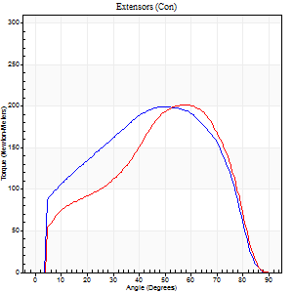
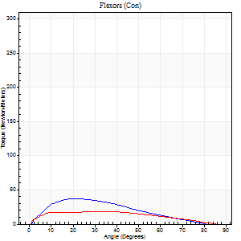
Right Side Curves Left Side Curves
Isokinetic Con/Con |  |  |  | Extensors (Con) |  | Flexors (Con)
Speed 60/60 d/s 3 Reps |  |  |  | Value | Cof Var | %BW | Value | Cof Var | %BW | Ratio

TORQUE PARAMETERS
Peak Torque (Newton-Meters - Best Repetition)
Right |  |  |  | 199 | 0.03 | 250 | 37 | 0.48 | 45 | 18
Left |  |  |  | 202 | 0.06 | 253 | 19 | 0.04 | 24 | 9
Deficit |  |  |  | 1 |  |  | 48
Work per Repetition (Newton-Meters - Best Repetition)
Right |  |  |  | 212 | 0.01 | 265 | 30 | 0.47 | 36 | 14
Left |  |  |  | 188 | 0.03 | 235 | 19 | 0.06 | 24 | 10
Deficit |  |  |  | 11 |  |  | 36
Average Power per Repetition (Watts - Best Repetition)
Right |  |  |  | 132 | 0.03 | 165 | 19 | 0.52 | 24 | 14
Left |  |  |  | 117 | 0.01 | 145 | 13 | 0.09 | 15 | 11
Deficit |  |  |  | 11 |  |  | 32
POSITION PARAMETERS
Joint Angle at Peak Torque (Degrees)
Right |  |  |  | 51 | 0.08 |  | 15 | 0.34
Left |  |  |  | 60 | 0.02 |  | 25 | 0.48
Range of Motion (Degrees)
Right |  |  |  | 0 | -1.41 |  | 89 | 0.02
Left |  |  |  | 0 | 0 |  | 90 | 0
TIME PARAMETERS
Time to Peak Torque (Seconds)
Right |  |  |  | 0.75 | 0.09 |  | 0.26 | 0.33
Left |  |  |  | 0.56 | 0.04 |  | 0.44 | 0.45
Time Peak Torque Held (Seconds)
Right |  |  |  | 0.08 | 0.28 |  | 0.04 | 1
Left |  |  |  | 0.05 | 0.49 |  | 0.07 | 1.39
Force Decay Time (Seconds)
Right |  |  |  | 0.81 | 0.06 |  | 1.36 | 0.11
Left |  |  |  | 0.99 | 0.03 |  | 1.03 | 0.26
Reciprocal Delay (Seconds)
Right |  |  |  | 0.18 | 0.2 |  | 0.25 | 0.26
Left |  |  |  | 0.17 | 0.12 |  | 0.2 | 0.35
Delay Time (Seconds)
Right |  |  |  | -0.02 | -3.3 |  | 0.05 | 0.99
Left |  |  |  | 0.03 | 3.84 |  | 0.01 | 0.43
HUMAC2015® Version: 15.000.0074 © Computer Sports Medicine, Inc. www.csmisolutions.com

Use File, Preference to set Report Heading
Long Form Torque vs. Position Report - Knee Extension/Flexion
Name: |  |  |  | TR030FP3015, | ID: |  | Right/Left: | 17.09.2021 17.09.2021
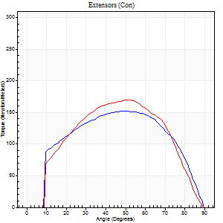
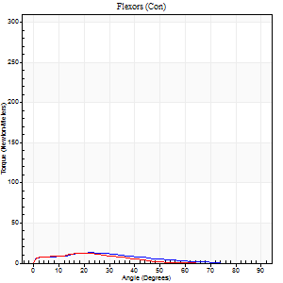
Right Side Curves Left Side Curves
Isokinetic Con/Con |  |  |  | Extensors (Con) |  | Flexors (Con)
Speed 120/120 d/s 3 Reps |  |  |  | Value | Cof Var | %BW | Value | Cof Var | %BW | Ratio

TORQUE PARAMETERS
Peak Torque (Newton-Meters - Best Repetition)
Right |  |  |  | 152 | 0.05 | 191 | 14 | 0.41 | 18 | 9
Left |  |  |  | 170 | 0.05 | 212 | 12 | 0.26 | 15 | 7
Deficit |  |  |  | 10 |  |  | 10
Work per Repetition (Newton-Meters - Best Repetition)
Right |  |  |  | 168 | 0.07 | 209 | 9 | 0.57 | 12 | 6
Left |  |  |  | 171 | 0.05 | 215 | 7 | 0.56 | 9 | 4
Deficit |  |  |  | 2 |  |  | 29
Average Power per Repetition (Watts - Best Repetition)
Right |  |  |  | 197 | 0.13 | 246 | 10 | 0.63 | 13 | 5
Left |  |  |  | 183 | 0.1 | 229 | 8 | 0.82 | 11 | 4
Deficit |  |  |  | 7 |  |  | 20
POSITION PARAMETERS
Joint Angle at Peak Torque (Degrees)
Right |  |  |  | 46 | 0.06 |  | 17 | 0.68
Left |  |  |  | 53 | 0.04 |  | 9 | 0.98
Range of Motion (Degrees)
Right |  |  |  | 0 | 0.94 |  | 89 | 0.02
Left |  |  |  | 0 | 0.35 |  | 90 | 0
TIME PARAMETERS
Time to Peak Torque (Seconds)
Right |  |  |  | 0.41 | 0.02 |  | 0.24 | 0.65
Left |  |  |  | 0.5 | 0.21 |  | 0.17 | 0.58
Time Peak Torque Held (Seconds)
Right |  |  |  | 0.03 | 0.35 |  | 0.03 | 0.94
Left |  |  |  | 0.02 | 0.69 |  | 0.01 | 0.87
Force Decay Time (Seconds)
Right |  |  |  | 0.42 | 0.04 |  | 0.72 | 0.39
Left |  |  |  | 0.48 | 0.03 |  | 1.05 | 0.35
Reciprocal Delay (Seconds)
Right |  |  |  | 0.06 | 0.24 |  | 0.27 | 0.39
Left |  |  |  | 0.19 | 0.45 |  | 0.15 | 0.31
Delay Time (Seconds)
Right |  |  |  | -0.03 | -0.47 |  | 0 | -10.54
Left |  |  |  | -0.1 | -0.85 |  | -0.03 | -0.57
HUMAC2015® Version: 15.000.0074 © Computer Sports Medicine, Inc. www.csmisolutions.com

Use File, Preference to set Report Heading
Long Form Torque vs. Position Report - Knee Extension/Flexion
Name: |  |  |  | TR030FP3015, | ID: |  | Right/Left: | 17.09.2021 17.09.2021
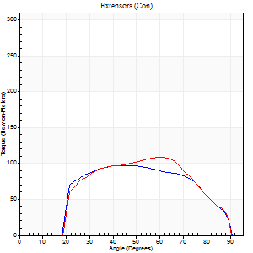
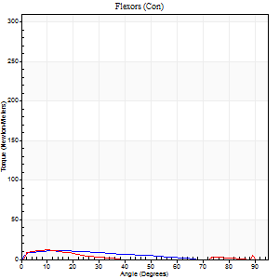
Right Side Curves Left Side Curves
Isokinetic Con/Con |  |  |  | Extensors (Con) |  | Flexors (Con)
Speed 240/240 d/s 3 Reps |  |  |  | Value | Cof Var | %BW | Value | Cof Var | %BW | Ratio

TORQUE PARAMETERS
Peak Torque (Newton-Meters - Best Repetition)
Right |  |  |  | 98 | 0.1 | 122 | 11 | 0.4 | 15 | 11
Left |  |  |  | 108 | 0.06 | 134 | 12 | 0.08 | 15 | 11
Deficit |  |  |  | 10 |  |  | 11
Work per Repetition (Newton-Meters - Best Repetition)
Right |  |  |  | 99 | 0.15 | 122 | 8 | 0.81 | 9 | 8
Left |  |  |  | 103 | 0.11 | 128 | 5 | 0.28 | 6 | 5
Deficit |  |  |  | 4 |  |  | 33
Average Power per Repetition (Watts - Best Repetition)
Right |  |  |  | 183 | 0.22 | 229 | 14 | 1.26 | 18 | 8
Left |  |  |  | 194 | 0.26 | 242 | 5 | 0.37 | 7 | 3
Deficit |  |  |  | 6 |  |  | 64
POSITION PARAMETERS
Joint Angle at Peak Torque (Degrees)
Right |  |  |  | 49 | 0.08 |  | 6 | 0.84
Left |  |  |  | 59 | 0.02 |  | 6 | 0.63
Range of Motion (Degrees)
Right |  |  |  | 1 | 0.63 |  | 90 | 0
Left |  |  |  | 1 | 0.23 |  | 90 | 0
TIME PARAMETERS
Time to Peak Torque (Seconds)
Right |  |  |  | 0.28 | 0.03 |  | 0.15 | 0.16
Left |  |  |  | 0.39 | 0.57 |  | 0.09 | 0.48
Time Peak Torque Held (Seconds)
Right |  |  |  | 0.01 | 1 |  | 0.03 | 1
Left |  |  |  | 0.01 | 0.43 |  | 0.01 | 0
Force Decay Time (Seconds)
Right |  |  |  | 0.28 | 0.16 |  | 1.02 | 0.57
Left |  |  |  | 0.29 | 0.04 |  | 0.92 | 0.36
Reciprocal Delay (Seconds)
Right |  |  |  | 0.2 | 0.03 |  | 0.23 | 0.54
Left |  |  |  | 0.93 | 0.05 |  | 0.06 | 0.29
Delay Time (Seconds)
Right |  |  |  | -0.05 | -0.16 |  | -0.05 | -0.33
Left |  |  |  | -0.17 | -0.93 |  | -0.02 | -0.5
HUMAC2015® Version: 15.000.0074 © Computer Sports Medicine, Inc. www.csmisolutions.com

Use File, Preference to set Report Heading
Isometric - Knee Extension/Flexion
Name: |  |  |  | TR030FP3015, | ID: |  | Right/Left: | 17.09.2021 17.09.2021

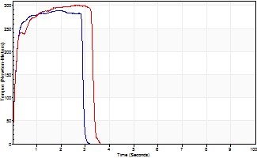
Isometric Extensors (Con) Angle 60 Time 10 Repetition 2 (Best Repetition)
 | Value | Cof Var | %BW
Peak Torque (Newton-Meters)
Right | 289 | 0.03 | 361
Left | 301 | 0.01 | 376
Deficit | 4
Average Torque (Newton-Meters)
Right | 84 | 0.06 | 104
Left | 91 | 0.11 | 113
Deficit | 7
Peak Torque Slope (Newton-Meters/Seconds)
Right | 147 | 0.03 | 183
Left | 113 | 0.06 | 141 |  | Right Side Curves Left Side Curves
Deficit | 23
Time to Half Peak Torque (Seconds)
Right | 0.12 | 0
Left | 0.12 | 0
Time to Peak Torque (Seconds)
Right | 1.96 | 0
Left | 2.74 | 0.05
HUMAC2015® Version: 15.000.0074 © Computer Sports Medicine, Inc. www.csmisolutions.com

pre2
Use File, Preference to set Report Heading
Long Form Torque vs. Position Report - Knee Extension/Flexion
Name: |  |  |  | TR030FP3015, | ID: |  | Right/Left: | 23.09.2021 23.09.2021
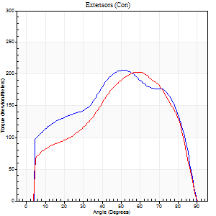
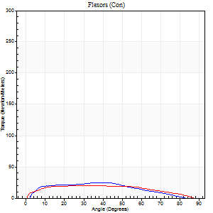
Right Side Curves Left Side Curves
Isokinetic Con/Con |  |  |  | Extensors (Con) |  | Flexors (Con)
Speed 60/60 d/s 3 Reps |  |  |  | Value | Cof Var | %BW | Value | Cof Var | %BW | Ratio

TORQUE PARAMETERS
Peak Torque (Newton-Meters - Best Repetition)
Right |  |  |  | 206 | 0.03 | 256 | 24 | 0.07 | 30 | 12
Left |  |  |  | 203 | 0.01 | 253 | 20 | 0.11 | 27 | 10
Deficit |  |  |  | 1 |  |  | 17
Work per Repetition (Newton-Meters - Best Repetition)
Right |  |  |  | 233 | 0.02 | 292 | 23 | 0.01 | 30 | 10
Left |  |  |  | 213 | 0.02 | 265 | 23 | 0.2 | 30 | 11
Deficit |  |  |  | 9 |  |  | 0
Average Power per Repetition (Watts - Best Repetition)
Right |  |  |  | 148 | 0.01 | 185 | 16 | 0.05 | 20 | 11
Left |  |  |  | 134 | 0.04 | 167 | 15 | 0.24 | 20 | 11
Deficit |  |  |  | 9 |  |  | 6
POSITION PARAMETERS
Joint Angle at Peak Torque (Degrees)
Right |  |  |  | 51 | 0.04 |  | 41 | 0.13
Left |  |  |  | 57 | 0.04 |  | 20 | 0.6
Range of Motion (Degrees)
Right |  |  |  | 0 | -0.28 |  | 90 | 0
Left |  |  |  | 0 | 2.83 |  | 90 | 0
TIME PARAMETERS
Time to Peak Torque (Seconds)
Right |  |  |  | 0.68 | 0.06 |  | 0.69 | 0.13
Left |  |  |  | 0.67 | 0.13 |  | 0.37 | 0.53
Time Peak Torque Held (Seconds)
Right |  |  |  | 0.06 | 0.37 |  | 0.05 | 1.73
Left |  |  |  | 0.06 | 0.1 |  | 0.11 | 0.63
Force Decay Time (Seconds)
Right |  |  |  | 0.84 | 0.03 |  | 0.81 | 0.05
Left |  |  |  | 0.93 | 0.04 |  | 1.07 | 0.23
Reciprocal Delay (Seconds)
Right |  |  |  | 0.29 | 0.2 |  | 0.3 | 0.2
Left |  |  |  | 0.41 | 0.7 |  | 0.26 | 0.23
Delay Time (Seconds)
Right |  |  |  | -0.01 | 0 |  | 0.03 | 1.2
Left |  |  |  | -0.09 | -0.92 |  | 0 | 0
HUMAC2015® Version: 15.000.0074 © Computer Sports Medicine, Inc. www.csmisolutions.com

Use File, Preference to set Report Heading
Long Form Torque vs. Position Report - Knee Extension/Flexion
Name: |  |  |  | TR030FP3015, | ID: |  | Right/Left: | 23.09.2021 23.09.2021
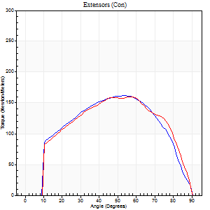
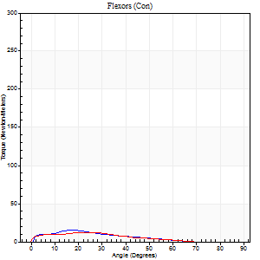
Right Side Curves Left Side Curves
Isokinetic Con/Con |  |  |  | Extensors (Con) |  | Flexors (Con)
Speed 120/120 d/s 3 Reps |  |  |  | Value | Cof Var | %BW | Value | Cof Var | %BW | Ratio

TORQUE PARAMETERS
Peak Torque (Newton-Meters - Best Repetition)
Right |  |  |  | 161 | 0.04 | 203 | 15 | 0.17 | 18 | 9
Left |  |  |  | 160 | 0.02 | 200 | 12 | 0.26 | 15 | 8
Deficit |  |  |  | 1 |  |  | 18
Work per Repetition (Newton-Meters - Best Repetition)
Right |  |  |  | 174 | 0.01 | 218 | 9 | 0.36 | 12 | 5
Left |  |  |  | 172 | 0.02 | 215 | 8 | 0.45 | 9 | 5
Deficit |  |  |  | 1 |  |  | 14
Average Power per Repetition (Watts - Best Repetition)
Right |  |  |  | 199 | 0.02 | 248 | 11 | 0.57 | 13 | 6
Left |  |  |  | 192 | 0.02 | 240 | 10 | 0.65 | 13 | 5
Deficit |  |  |  | 4 |  |  | 9
POSITION PARAMETERS
Joint Angle at Peak Torque (Degrees)
Right |  |  |  | 54 | 0.07 |  | 42 | 0.99
Left |  |  |  | 57 | 0 |  | 68 | 0.56
Range of Motion (Degrees)
Right |  |  |  | 0 | 0.16 |  | 90 | 0
Left |  |  |  | 0 | 0.28 |  | 90 | 0
TIME PARAMETERS
Time to Peak Torque (Seconds)
Right |  |  |  | 0.34 | 0.18 |  | 0.68 | 1.18
Left |  |  |  | 0.33 | 0.04 |  | 1.01 | 0.62
Time Peak Torque Held (Seconds)
Right |  |  |  | 0.04 | 0.25 |  | 0.34 | 1.73
Left |  |  |  | 0.05 | 0.81 |  | 0.01 | 1.73
Force Decay Time (Seconds)
Right |  |  |  | 0.48 | 0.08 |  | 0.07 | 7.61
Left |  |  |  | 0.51 | 0.08 |  | 0.06 | 7.5
Reciprocal Delay (Seconds)
Right |  |  |  | 0.46 | 0.49 |  | 0.19 | 0.13
Left |  |  |  | 0.52 | 0.41 |  | 0.19 | 0.14
Delay Time (Seconds)
Right |  |  |  | -0.02 | -0.71 |  | 0 | -6.24
Left |  |  |  | -0.02 | -0.71 |  | -0.03 | -0.57
HUMAC2015® Version: 15.000.0074 © Computer Sports Medicine, Inc. www.csmisolutions.com

Use File, Preference to set Report Heading
Long Form Torque vs. Position Report - Knee Extension/Flexion
Name: |  |  |  | TR030FP3015, | ID: |  | Right/Left: | 23.09.2021 23.09.2021
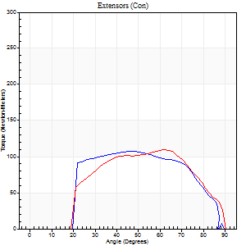
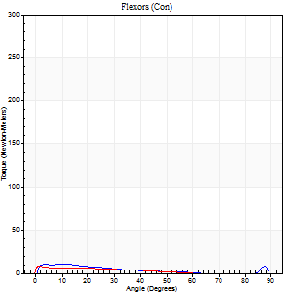
Right Side Curves Left Side Curves
Isokinetic Con/Con |  |  |  | Extensors (Con) |  | Flexors (Con)
Speed 240/240 d/s 3 Reps |  |  |  | Value | Cof Var | %BW | Value | Cof Var | %BW | Ratio

TORQUE PARAMETERS
Peak Torque (Newton-Meters - Best Repetition)
Right |  |  |  | 107 | 0.05 | 134 | 11 | 0.09 | 15 | 10
Left |  |  |  | 110 | 0.04 | 137 | 8 | 0.04 | 9 | 7
Deficit |  |  |  | 2 |  |  | 25
Work per Repetition (Newton-Meters - Best Repetition)
Right |  |  |  | 106 | 0.04 | 131 | 7 | 0.27 | 9 | 6
Left |  |  |  | 104 | 0.03 | 131 | 4 | 0.39 | 6 | 4
Deficit |  |  |  | 1 |  |  | 40
Average Power per Repetition (Watts - Best Repetition)
Right |  |  |  | 194 | 0.18 | 242 | 11 | 0.41 | 13 | 6
Left |  |  |  | 176 | 0.54 | 220 | 7 | 0.63 | 9 | 4
Deficit |  |  |  | 9 |  |  | 36
POSITION PARAMETERS
Joint Angle at Peak Torque (Degrees)
Right |  |  |  | 49 | 0.07 |  | 35 | 1.33
Left |  |  |  | 62 | 0.03 |  | 2 | 0.84
Range of Motion (Degrees)
Right |  |  |  | 0 | 1.41 |  | 90 | 0.01
Left |  |  |  | 0 | 0 |  | 90 | 0
TIME PARAMETERS
Time to Peak Torque (Seconds)
Right |  |  |  | 0.36 | 0.47 |  | 0.41 | 1.08
Left |  |  |  | 0.19 | 0.04 |  | 0.1 | 0.59
Time Peak Torque Held (Seconds)
Right |  |  |  | 0.01 | 0 |  | 0.01 | 0.87
Left |  |  |  | 0.01 | 0 |  | 0.34 | 1.71
Force Decay Time (Seconds)
Right |  |  |  | 0.29 | 0.04 |  | 0.28 | 1.32
Left |  |  |  | 0.37 | 0.03 |  | 0.5 | 1.26
Reciprocal Delay (Seconds)
Right |  |  |  | 0.2 | 0.98 |  | 0.21 | 0.47
Left |  |  |  | 0.33 | 0.17 |  | 0.34 | 0.18
Delay Time (Seconds)
Right |  |  |  | 0.01 | 4.24 |  | -0.01 | -1.73
Left |  |  |  | -0.04 | -0.2 |  | -0.04 | -0.35
HUMAC2015® Version: 15.000.0074 © Computer Sports Medicine, Inc. www.csmisolutions.com

Use File, Preference to set Report Heading
Isometric - Knee Extension/Flexion
Name: |  |  |  | TR030FP3015, | ID: |  | Right/Left: | 23.09.2021 23.09.2021

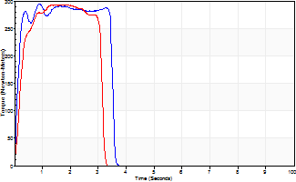
Isometric Extensors (Con) Angle 60 Time 10 Repetition 2 (Best Repetition)
 | Value | Cof Var | %BW
Peak Torque (Newton-Meters)
Right | 294 | 0.02 | 367
Left | 293 | 0.02 | 367
Deficit | 0
Average Torque (Newton-Meters)
Right | 96 | 0.1 | 119
Left | 81 | 0 | 101
Deficit | 15
Peak Torque Slope (Newton-Meters/Seconds)
Right | 334 | 0.56 | 418
Left | 152 | 0.06 | 189 |  | Right Side Curves Left Side Curves
Deficit | 55
Time to Half Peak Torque (Seconds)
Right | 0.12 | 0.06
Left | 0.16 | 0.39
Time to Peak Torque (Seconds)
Right | 1.42 | 0.55
Left | 1.97 | 0.04
HUMAC2015® Version: 15.000.0074 © Computer Sports Medicine, Inc. www.csmisolutions.com

mid1
Use File, Preference to set Report Heading
Long Form Torque vs. Position Report - Knee Extension/Flexion
Name: |  |  |  | TR030FP3015, | ID: |  | Right/Left: | 04.11.2021 04.11.2021
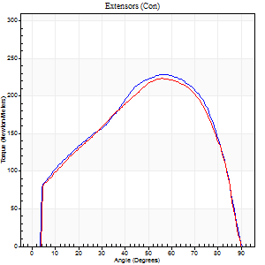
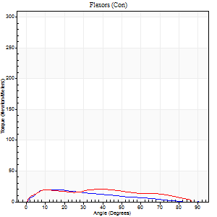
Right Side Curves Left Side Curves
Isokinetic Con/Con |  |  |  | Extensors (Con) |  | Flexors (Con)
Speed 60/60 d/s 3 Reps |  |  |  | Value | Cof Var | %BW | Value | Cof Var | %BW | Ratio

TORQUE PARAMETERS
Peak Torque (Newton-Meters - Best Repetition)
Right |  |  |  | 228 | 0.06 | 283 | 20 | 0.2 | 27 | 9
Left |  |  |  | 224 | 0.01 | 280 | 20 | 0.15 | 27 | 9
Deficit |  |  |  | 2 |  |  | 0
Work per Repetition (Newton-Meters - Best Repetition)
Right |  |  |  | 247 | 0.02 | 307 | 15 | 0.15 | 18 | 6
Left |  |  |  | 240 | 0.02 | 301 | 22 | 0.22 | 27 | 9
Deficit |  |  |  | 3 |  |  | 31
Average Power per Repetition (Watts - Best Repetition)
Right |  |  |  | 156 | 0.02 | 196 | 10 | 0.16 | 13 | 6
Left |  |  |  | 153 | 0.02 | 191 | 14 | 0.21 | 18 | 9
Deficit |  |  |  | 2 |  |  | 29
POSITION PARAMETERS
Joint Angle at Peak Torque (Degrees)
Right |  |  |  | 55 | 0.02 |  | 11 | 0.12
Left |  |  |  | 56 | 0.02 |  | 22 | 0.7
Range of Motion (Degrees)
Right |  |  |  | 0 | -1.41 |  | 90 | 0
Left |  |  |  | 0 | -0.47 |  | 90 | 0
TIME PARAMETERS
Time to Peak Torque (Seconds)
Right |  |  |  | 0.62 | 0.05 |  | 0.19 | 0.19
Left |  |  |  | 0.59 | 0.02 |  | 0.39 | 0.63
Time Peak Torque Held (Seconds)
Right |  |  |  | 0.06 | 0.51 |  | 0.06 | 1
Left |  |  |  | 0.05 | 0.2 |  | 0.09 | 1.04
Force Decay Time (Seconds)
Right |  |  |  | 0.9 | 0.05 |  | 1.3 | 0.04
Left |  |  |  | 0.94 | 0.03 |  | 1.09 | 0.25
Reciprocal Delay (Seconds)
Right |  |  |  | 0.18 | 0.39 |  | 0.26 | 0.14
Left |  |  |  | 0.5 | 0.01 |  | 0.29 | 0.07
Delay Time (Seconds)
Right |  |  |  | -0.02 | -1.41 |  | 0.04 | 0.63
Left |  |  |  | -0.01 | -1.41 |  | 0 | 1.73
HUMAC2015® Version: 15.000.0074 © Computer Sports Medicine, Inc. www.csmisolutions.com

Use File, Preference to set Report Heading
Long Form Torque vs. Position Report - Knee Extension/Flexion
Name: |  |  |  | TR030FP3015, | ID: |  | Right/Left: | 04.11.2021 04.11.2021
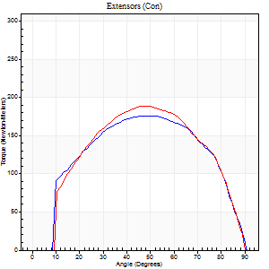
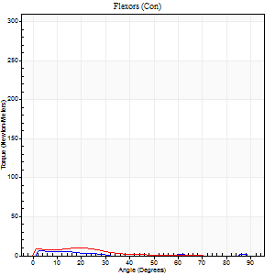
Right Side Curves Left Side Curves
Isokinetic Con/Con |  |  |  | Extensors (Con) |  | Flexors (Con)
Speed 120/120 d/s 3 Reps |  |  |  | Value | Cof Var | %BW | Value | Cof Var | %BW | Ratio

TORQUE PARAMETERS
Peak Torque (Newton-Meters - Best Repetition)
Right |  |  |  | 176 | 0.06 | 221 | 7 | 0.09 | 9 | 4
Left |  |  |  | 188 | 0.02 | 235 | 9 | 0.16 | 12 | 5
Deficit |  |  |  | 6 |  |  | 29
Work per Repetition (Newton-Meters - Best Repetition)
Right |  |  |  | 194 | 0.04 | 241 | 3 | 0.05 | 3 | 1
Left |  |  |  | 199 | 0.01 | 250 | 5 | 0.34 | 6 | 3
Deficit |  |  |  | 3 |  |  | 50
Average Power per Repetition (Watts - Best Repetition)
Right |  |  |  | 220 | 0.02 | 275 | 2 | 0.19 | 2 | 1
Left |  |  |  | 230 | 0.02 | 288 | 6 | 0.55 | 7 | 3
Deficit |  |  |  | 4 |  |  | 67
POSITION PARAMETERS
Joint Angle at Peak Torque (Degrees)
Right |  |  |  | 51 | 0.02 |  | 5 | 0.48
Left |  |  |  | 48 | 0.02 |  | 37 | 1.27
Range of Motion (Degrees)
Right |  |  |  | 0 | 0.11 |  | 90 | 0
Left |  |  |  | 0 | 0.2 |  | 90 | 0
TIME PARAMETERS
Time to Peak Torque (Seconds)
Right |  |  |  | 0.37 | 0.02 |  | 0.12 | 0.55
Left |  |  |  | 0.41 | 0.02 |  | 0.61 | 1.27
Time Peak Torque Held (Seconds)
Right |  |  |  | 0.04 | 0.57 |  | 0.04 | 1.32
Left |  |  |  | 0.03 | 0.22 |  | 0 | 1.73
Force Decay Time (Seconds)
Right |  |  |  | 0.45 | 0.05 |  | 1.23 | 0.22
Left |  |  |  | 0.44 | 0.02 |  | 0.49 | 1.5
Reciprocal Delay (Seconds)
Right |  |  |  | 0.31 | 0.09 |  | 0.23 | 0.26
Left |  |  |  | 0.64 | 0.18 |  | 0.17 | 0.03
Delay Time (Seconds)
Right |  |  |  | -0.02 | 0 |  | 0.01 | 3
Left |  |  |  | -0.02 | 0 |  | -0.03 | -0.43
HUMAC2015® Version: 15.000.0074 © Computer Sports Medicine, Inc. www.csmisolutions.com

Use File, Preference to set Report Heading
Long Form Torque vs. Position Report - Knee Extension/Flexion
Name: |  |  |  | TR030FP3015, | ID: |  | Right/Left: | 04.11.2021 04.11.2021
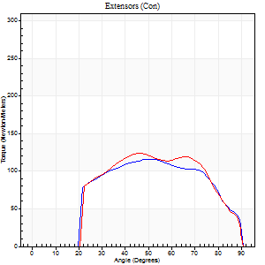
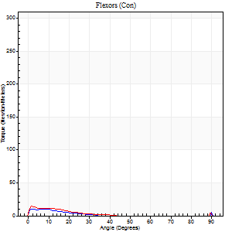
Right Side Curves Left Side Curves
Isokinetic Con/Con |  |  |  | Extensors (Con) |  | Flexors (Con)
Speed 240/240 d/s 3 Reps |  |  |  | Value | Cof Var | %BW | Value | Cof Var | %BW | Ratio

TORQUE PARAMETERS
Peak Torque (Newton-Meters - Best Repetition)
Right |  |  |  | 115 | 0.02 | 143 | 11 | 0.08 | 15 | 9
Left |  |  |  | 123 | 0.01 | 155 | 14 | 0.24 | 18 | 11
Deficit |  |  |  | 7 |  |  | 20
Work per Repetition (Newton-Meters - Best Repetition)
Right |  |  |  | 119 | 0.02 | 149 | 4 | 0.16 | 6 | 3
Left |  |  |  | 123 | 0.02 | 155 | 5 | 0.33 | 6 | 4
Deficit |  |  |  | 3 |  |  | 25
Average Power per Repetition (Watts - Best Repetition)
Right |  |  |  | 209 | 0.01 | 262 | 4 | 0.3 | 4 | 2
Left |  |  |  | 217 | 0.35 | 270 | 6 | 0.39 | 7 | 3
Deficit |  |  |  | 4 |  |  | 33
POSITION PARAMETERS
Joint Angle at Peak Torque (Degrees)
Right |  |  |  | 49 | 0.01 |  | 32 | 1.55
Left |  |  |  | 58 | 0.17 |  | 2 | 0.3
Range of Motion (Degrees)
Right |  |  |  | 0 | 0 |  | 90 | 0
Left |  |  |  | 0 | -0.47 |  | 90 | 0
TIME PARAMETERS
Time to Peak Torque (Seconds)
Right |  |  |  | 0.24 | 0.06 |  | 0.54 | 1.43
Left |  |  |  | 0.23 | 0.28 |  | 0.09 | 0.22
Time Peak Torque Held (Seconds)
Right |  |  |  | 0.01 | 0 |  | 0.01 | 0
Left |  |  |  | 0.01 | 0.87 |  | 0 | 1.73
Force Decay Time (Seconds)
Right |  |  |  | 0.3 | 0.02 |  | 0.53 | 1.1
Left |  |  |  | 0.35 | 0.12 |  | 0.78 | 0.05
Reciprocal Delay (Seconds)
Right |  |  |  | 0.42 | 0.37 |  | 0.31 | 0.07
Left |  |  |  | 0.63 | 0.13 |  | 0.35 | 0.1
Delay Time (Seconds)
Right |  |  |  | -0.02 | -0.85 |  | -0.02 | -0.92
Left |  |  |  | -0.04 | -0.2 |  | -0.03 | -0.33
HUMAC2015® Version: 15.000.0074 © Computer Sports Medicine, Inc. www.csmisolutions.com

Use File, Preference to set Report Heading
Isometric - Knee Extension/Flexion
Name: |  |  |  | TR030FP3015, | ID: |  | Right/Left: | 04.11.2021 04.11.2021

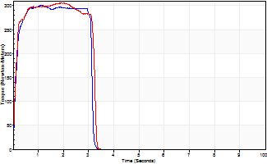
Isometric Extensors (Con) Angle 60 Time 10 Repetition 2 (Best Repetition)
 | Value | Cof Var | %BW
Peak Torque (Newton-Meters)
Right | 301 | 0.02 | 376
Left | 305 | 0.04 | 381
Deficit | 1
Average Torque (Newton-Meters)
Right | 88 | 0.09 | 110
Left | 92 | 0.05 | 116
Deficit | 4
Peak Torque Slope (Newton-Meters/Seconds)
Right | 283 | 0.07 | 353
Left | 176 | 0.07 | 219 |  | Right Side Curves Left Side Curves
Deficit | 38
Time to Half Peak Torque (Seconds)
Right | 0.11 | 0.06
Left | 0.11 | 0.07
Time to Peak Torque (Seconds)
Right | 1.1 | 0.08
Left | 1.77 | 0.12
HUMAC2015® Version: 15.000.0074 © Computer Sports Medicine, Inc. www.csmisolutions.com

mid2
Use File, Preference to set Report Heading
Long Form Torque vs. Position Report - Knee Extension/Flexion
Name: |  |  |  | TR030FP3015, | ID: |  | Right/Left: | 09.11.2021 09.11.2021
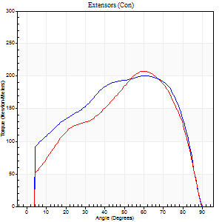
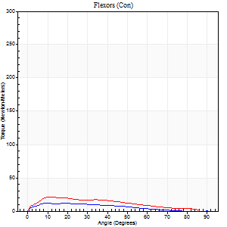
Right Side Curves Left Side Curves
Isokinetic Con/Con |  |  |  | Extensors (Con) |  | Flexors (Con)
Speed 60/60 d/s 3 Reps |  |  |  | Value | Cof Var | %BW | Value | Cof Var | %BW | Ratio

TORQUE PARAMETERS
Peak Torque (Newton-Meters - Best Repetition)
Right |  |  |  | 201 | 0.03 | 250 | 12 | 0.12 | 15 | 6
Left |  |  |  | 207 | 0.04 | 259 | 22 | 0.27 | 27 | 10
Deficit |  |  |  | 3 |  |  | 44
Work per Repetition (Newton-Meters - Best Repetition)
Right |  |  |  | 231 | 0.01 | 289 | 9 | 0.11 | 12 | 4
Left |  |  |  | 231 | 0.05 | 289 | 18 | 0.22 | 21 | 8
Deficit |  |  |  | 0 |  |  | 46
Average Power per Repetition (Watts - Best Repetition)
Right |  |  |  | 147 | 0.01 | 185 | 6 | 0.18 | 7 | 4
Left |  |  |  | 146 | 0.06 | 182 | 11 | 0.2 | 13 | 8
Deficit |  |  |  | 1 |  |  | 45
POSITION PARAMETERS
Joint Angle at Peak Torque (Degrees)
Right |  |  |  | 54 | 0.11 |  | 10 | 0.04
Left |  |  |  | 54 | 0.09 |  | 12 | 0.06
Range of Motion (Degrees)
Right |  |  |  | 0 | -1.41 |  | 90 | 0
Left |  |  |  | 0 | -1.41 |  | 90 | 0
TIME PARAMETERS
Time to Peak Torque (Seconds)
Right |  |  |  | 0.67 | 0.08 |  | 0.19 | 0.14
Left |  |  |  | 0.66 | 0.03 |  | 0.25 | 0.05
Time Peak Torque Held (Seconds)
Right |  |  |  | 0.08 | 0.42 |  | 0.06 | 1.73
Left |  |  |  | 0.04 | 0.13 |  | 0.01 | 1.73
Force Decay Time (Seconds)
Right |  |  |  | 0.86 | 0.15 |  | 1.42 | 0.09
Left |  |  |  | 0.9 | 0.09 |  | 1.34 | 0.02
Reciprocal Delay (Seconds)
Right |  |  |  | 0.44 | 0.45 |  | 0.31 | 0.18
Left |  |  |  | 0.45 | 0.19 |  | 0.33 | 0.14
Delay Time (Seconds)
Right |  |  |  | 0 | 1.41 |  | 0.03 | 1.15
Left |  |  |  | 0 | 0 |  | -0.01 | 0
HUMAC2015® Version: 15.000.0074 © Computer Sports Medicine, Inc. www.csmisolutions.com

Use File, Preference to set Report Heading
Long Form Torque vs. Position Report - Knee Extension/Flexion
Name: |  |  |  | TR030FP3015, | ID: |  | Right/Left: | 09.11.2021 09.11.2021
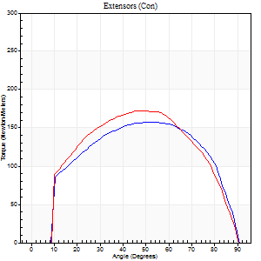

Right Side Curves Left Side Curves
Isokinetic Con/Con |  |  |  | Extensors (Con) |  | Flexors (Con)
Speed 120/120 d/s 3 Reps |  |  |  | Value | Cof Var | %BW | Value | Cof Var | %BW | Ratio

TORQUE PARAMETERS
Peak Torque (Newton-Meters - Best Repetition)
Right |  |  |  | 157 | 0.04 | 197 | 8 | 0.38 | 9 | 5
Left |  |  |  | 172 | 0.06 | 215 | 18 | 0.65 | 21 | 10
Deficit |  |  |  | 9 |  |  | 54
Work per Repetition (Newton-Meters - Best Repetition)
Right |  |  |  | 178 | 0.02 | 221 | 4 | 0.52 | 6 | 2
Left |  |  |  | 186 | 0.06 | 232 | 8 | 0.73 | 9 | 4
Deficit |  |  |  | 4 |  |  | 50
Average Power per Repetition (Watts - Best Repetition)
Right |  |  |  | 204 | 0.02 | 255 | 3 | 0.67 | 4 | 1
Left |  |  |  | 206 | 0.04 | 257 | 7 | 0.84 | 9 | 3
Deficit |  |  |  | 1 |  |  | 57
POSITION PARAMETERS
Joint Angle at Peak Torque (Degrees)
Right |  |  |  | 53 | 0.06 |  | 39 | 1.17
Left |  |  |  | 49 | 0.11 |  | 35 | 1.34
Range of Motion (Degrees)
Right |  |  |  | 0 | 0.28 |  | 90 | 0
Left |  |  |  | 0 | 0 |  | 90 | 0
TIME PARAMETERS
Time to Peak Torque (Seconds)
Right |  |  |  | 0.34 | 0.12 |  | 0.68 | 1.12
Left |  |  |  | 0.42 | 0 |  | 0.59 | 1.29
Time Peak Torque Held (Seconds)
Right |  |  |  | 0.03 | 0.35 |  | 0.02 | 0.5
Left |  |  |  | 0.02 | 0.5 |  | 0 | 1.73
Force Decay Time (Seconds)
Right |  |  |  | 0.48 | 0.05 |  | 0.66 | 1.23
Left |  |  |  | 0.46 | 0.07 |  | 0.56 | 1.09
Reciprocal Delay (Seconds)
Right |  |  |  | 0.33 | 0.09 |  | 0.33 | 0.13
Left |  |  |  | 0.62 | 0.51 |  | 0.19 | 0.28
Delay Time (Seconds)
Right |  |  |  | -0.01 | -1.41 |  | -0.03 | -0.22
Left |  |  |  | -0.03 | 0 |  | -0.02 | -0.49
HUMAC2015® Version: 15.000.0074 © Computer Sports Medicine, Inc. www.csmisolutions.com

Use File, Preference to set Report Heading
Long Form Torque vs. Position Report - Knee Extension/Flexion
Name: |  |  |  | TR030FP3015, | ID: |  | Right/Left: | 09.11.2021 09.11.2021
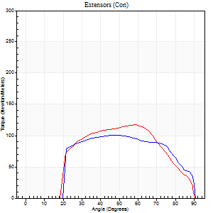
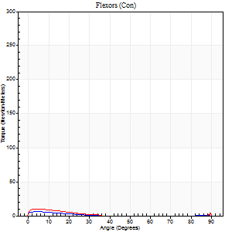
Right Side Curves Left Side Curves
Isokinetic Con/Con |  |  |  | Extensors (Con) |  | Flexors (Con)
Speed 240/240 d/s 3 Reps |  |  |  | Value | Cof Var | %BW | Value | Cof Var | %BW | Ratio

TORQUE PARAMETERS
Peak Torque (Newton-Meters - Best Repetition)
Right |  |  |  | 100 | 0.02 | 125 | 7 | 0.1 | 9 | 7
Left |  |  |  | 117 | 0.02 | 146 | 9 | 0.18 | 12 | 8
Deficit |  |  |  | 14 |  |  | 29
Work per Repetition (Newton-Meters - Best Repetition)
Right |  |  |  | 104 | 0.01 | 131 | 3 | 0.08 | 3 | 3
Left |  |  |  | 111 | 0.01 | 140 | 4 | 0.37 | 6 | 4
Deficit |  |  |  | 6 |  |  | 33
Average Power per Repetition (Watts - Best Repetition)
Right |  |  |  | 186 | 0.02 | 233 | 2 | 0.11 | 2 | 1
Left |  |  |  | 189 | 0.02 | 235 | 3 | 0.43 | 4 | 2
Deficit |  |  |  | 2 |  |  | 33
POSITION PARAMETERS
Joint Angle at Peak Torque (Degrees)
Right |  |  |  | 46 | 0.04 |  | 4 | 0.31
Left |  |  |  | 60 | 0.02 |  | 32 | 1.6
Range of Motion (Degrees)
Right |  |  |  | 0 | 0 |  | 90 | 0
Left |  |  |  | 0 | -0.47 |  | 90 | 0
TIME PARAMETERS
Time to Peak Torque (Seconds)
Right |  |  |  | 0.25 | 0 |  | 0.17 | 0.12
Left |  |  |  | 0.2 | 0.07 |  | 0.55 | 1.42
Time Peak Torque Held (Seconds)
Right |  |  |  | 0.01 | 1 |  | 0.01 | 1.73
Left |  |  |  | 0.01 | 0.87 |  | 0 | 0
Force Decay Time (Seconds)
Right |  |  |  | 0.29 | 0.04 |  | 1.21 | 0.15
Left |  |  |  | 0.37 | 0.03 |  | 0.58 | 1.14
Reciprocal Delay (Seconds)
Right |  |  |  | 0.44 | 0.21 |  | 0.5 | 0.22
Left |  |  |  | 0.46 | 0.37 |  | 0.41 | 0.07
Delay Time (Seconds)
Right |  |  |  | -0.02 | 0 |  | -0.05 | -0.35
Left |  |  |  | -0.03 | -0.47 |  | -0.05 | -0.25
HUMAC2015® Version: 15.000.0074 © Computer Sports Medicine, Inc. www.csmisolutions.com

Use File, Preference to set Report Heading
Isometric - Knee Extension/Flexion
Name: |  |  |  | TR030FP3015, | ID: |  | Right/Left: | 09.11.2021 09.11.2021

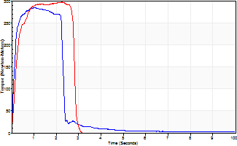
Isometric Extensors (Con) Angle 60 Time 10 Repetition 2 (Best Repetition)
 | Value | Cof Var | %BW
Peak Torque (Newton-Meters)
Right | 285 | 1.22 | 355
Left | 297 | 0.03 | 370
Deficit | 4
Average Torque (Newton-Meters)
Right | 65 | 1.29 | 80
Left | 91 | 0.14 | 113
Deficit | 28
Peak Torque Slope (Newton-Meters/Seconds)
Right | 268 | 1.24 | 335
Left | 217 | 0.34 | 271 |  | Right Side Curves Left Side Curves
Deficit | 19
Time to Half Peak Torque (Seconds)
Right | 0.07 | 0.85
Left | 0.17 | 0.28
Time to Peak Torque (Seconds)
Right | 1.12 | 0.08
Left | 1.77 | 0.38
HUMAC2015® Version: 15.000.0074 © Computer Sports Medicine, Inc. www.csmisolutions.com

post1
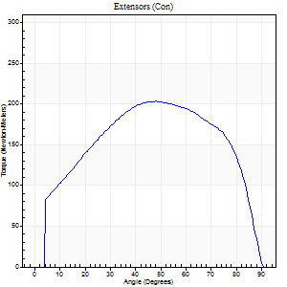
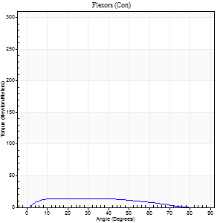
Use File, Preference to set Report Heading
Long Form Torque vs. Position Report - Knee Extension/Flexion
Name: |  |  |  | TR030FP3015, | ID: |  | Right/Left: | 02.12.2021 02.12.2021

Right Side Curves Left Side Curves
Isokinetic Con/Con |  |  |  | Extensors (Con) |  | Flexors (Con)
Speed 60/60 d/s 3 Reps |  |  |  | Value | Cof Var | %BW | Value | Cof Var | %BW | Ratio

TORQUE PARAMETERS
Peak Torque (Newton-Meters - Best Repetition)
Right |  |  |  | 203 | 0.05 | 253 | 14 | 0.16 | 18 | 7
Left |  |  |  | 222 | 0.25 | 277 | 23 | 0.15 | 30 | 10
Deficit |  |  |  | 0 |  |  | 0
Work per Repetition (Newton-Meters - Best Repetition)
Right |  |  |  | 235 | 0.05 | 292 | 14 | 0.26 | 18 | 6
Left |  |  |  | 226 | 0.28 | 283 | 28 | 0.24 | 36 | 13
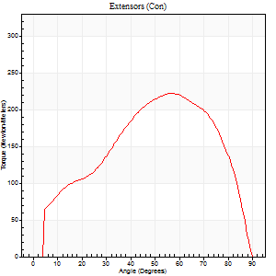
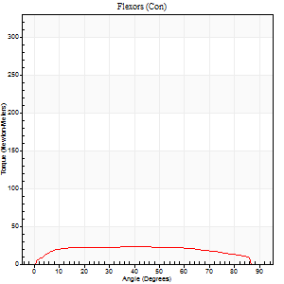
Deficit |  |  |  | 0 |  |  | 0
Average Power per Repetition (Watts - Best Repetition)
Right |  |  |  | 147 | 0.06 | 185 | 9 | 0.35 | 11 | 6
Left |  |  |  | 144 | 0.71 | 180 | 18 | 0.24 | 22 | 12
Deficit |  |  |  | 0 |  |  | 0
POSITION PARAMETERS
Joint Angle at Peak Torque (Degrees)
Right |  |  |  | 51 | 0.06 |  | 13 | 0.17
Left |  |  |  | 56 | 0.08 |  | 34 | 0.29
Range of Motion (Degrees)
Right |  |  |  | 0 | -1.41 |  | 90 | 0
Left |  |  |  | 0 | 0.71 |  | 90 | 0
TIME PARAMETERS
Time to Peak Torque (Seconds)
Right |  |  |  | 0.68 | 0.12 |  | 0.21 | 0.12
Left |  |  |  | 0.54 | 0.08 |  | 0.6 | 0.27
Time Peak Torque Held (Seconds)
Right |  |  |  | 0.07 | 0.08 |  | 0.01 | 1.73
Left |  |  |  | 0.05 | 0.4 |  | 0.09 | 0.8
Force Decay Time (Seconds)
Right |  |  |  | 0.82 | 0.05 |  | 1.45 | 0.12
Left |  |  |  | 0.93 | 0.08 |  | 0.87 | 0.23
Reciprocal Delay (Seconds)
Right |  |  |  | 0.53 | 0.19 |  | 0.26 | 0.18
Left |  |  |  | 0.31 | 0.3 |  | 0.21 | 0.15
Delay Time (Seconds)
Right |  |  |  | -0.01 | -0.47 |  | 0.07 | 0.52
Left |  |  |  | -0.01 | -0.47 |  | -0.01 | -1.73
HUMAC2015® Version: 15.000.0074 © Computer Sports Medicine, Inc. www.csmisolutions.com

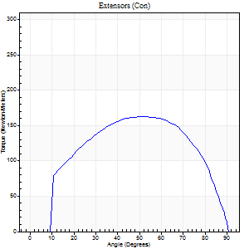
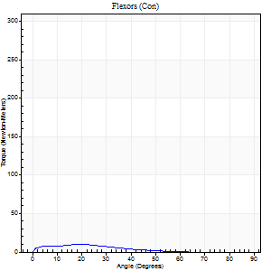
Use File, Preference to set Report Heading
Long Form Torque vs. Position Report - Knee Extension/Flexion
Name: |  |  |  | TR030FP3015, | ID: |  | Right/Left: | 02.12.2021 02.12.2021

Right Side Curves Left Side Curves
Isokinetic Con/Con |  |  |  | Extensors (Con) |  | Flexors (Con)
Speed 120/120 d/s 3 Reps |  |  |  | Value | Cof Var | %BW | Value | Cof Var | %BW | Ratio

TORQUE PARAMETERS
Peak Torque (Newton-Meters - Best Repetition)
Right |  |  |  | 163 | 0.02 | 203 | 9 | 0.39 | 12 | 6
Left |  |  |  | 183 | 0.01 | 229 | 11 | 0.28 | 15 | 6
Deficit |  |  |  | 0 |  |  | 0
Work per Repetition (Newton-Meters - Best Repetition)
Right |  |  |  | 178 | 0.01 | 221 | 5 | 0.6 | 6 | 3
Left |  |  |  | 186 | 0.02 | 232 | 5 | 0.52 | 6 | 3
Deficit |  |  |  | 0 |  |  | 0
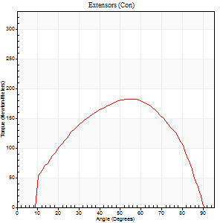
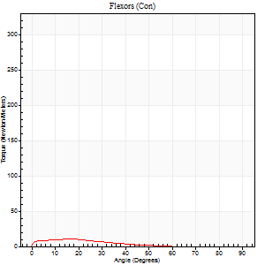
Average Power per Repetition (Watts - Best Repetition)
Right |  |  |  | 200 | 0.01 | 251 | 6 | 0.77 | 7 | 3
Left |  |  |  | 216 | 0.04 | 270 | 6 | 0.56 | 7 | 3
Deficit |  |  |  | 0 |  |  | 0
POSITION PARAMETERS
Joint Angle at Peak Torque (Degrees)
Right |  |  |  | 52 | 0.02 |  | 39 | 1.17
Left |  |  |  | 57 | 0.04 |  | 8 | 1.02
Range of Motion (Degrees)
Right |  |  |  | 0 | 1.41 |  | 90 | 0
Left |  |  |  | 0 | 0.61 |  | 90 | 0
TIME PARAMETERS
Time to Peak Torque (Seconds)
Right |  |  |  | 0.37 | 0.04 |  | 0.61 | 1.13
Left |  |  |  | 0.32 | 0.07 |  | 0.15 | 0.57
Time Peak Torque Held (Seconds)
Right |  |  |  | 0.05 | 0.12 |  | 0.01 | 1
Left |  |  |  | 0.03 | 0.35 |  | 0.01 | 1.73
Force Decay Time (Seconds)
Right |  |  |  | 0.46 | 0.01 |  | 0.5 | 1.15
Left |  |  |  | 0.51 | 0.05 |  | 0.89 | 0.14
Reciprocal Delay (Seconds)
Right |  |  |  | 0.3 | 0.07 |  | 0.31 | 0.07
Left |  |  |  | 0.43 | 0.15 |  | 0.14 | 0
Delay Time (Seconds)
Right |  |  |  | -0.02 | -0.28 |  | -0.01 | -1.15
Left |  |  |  | -0.02 | -0.28 |  | -0.03 | -0.33
HUMAC2015® Version: 15.000.0074 © Computer Sports Medicine, Inc. www.csmisolutions.com

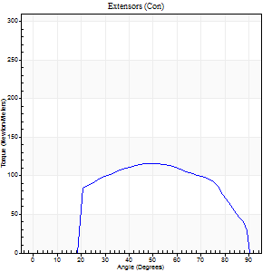
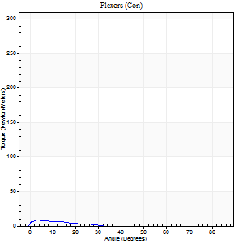
Use File, Preference to set Report Heading
Long Form Torque vs. Position Report - Knee Extension/Flexion
Name: |  |  |  | TR030FP3015, | ID: |  | Right/Left: | 02.12.2021 02.12.2021

Right Side Curves Left Side Curves
Isokinetic Con/Con |  |  |  | Extensors (Con) |  | Flexors (Con)
Speed 240/240 d/s 3 Reps |  |  |  | Value | Cof Var | %BW | Value | Cof Var | %BW | Ratio

TORQUE PARAMETERS
Peak Torque (Newton-Meters - Best Repetition)
Right |  |  |  | 115 | 0.03 | 143 | 8 | 0.15 | 9 | 7
Left |  |  |  | 123 | 0.03 | 155 | 15 | 0.28 | 18 | 12
Deficit |  |  |  | 0 |  |  | 0
Work per Repetition (Newton-Meters - Best Repetition)
Right |  |  |  | 118 | 0.02 | 146 | 3 | 0.14 | 3 | 2
Left |  |  |  | 118 | 0.05 | 146 | 5 | 0.26 | 6 | 5
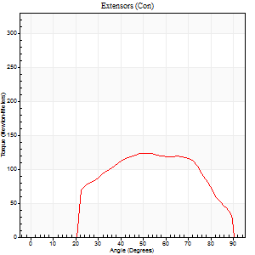
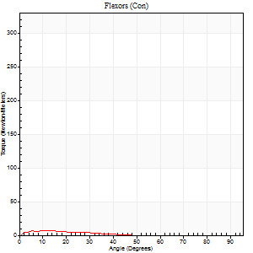
Deficit |  |  |  | 0 |  |  | 0
Average Power per Repetition (Watts - Best Repetition)
Right |  |  |  | 211 | 0.03 | 264 | 3 | 0.28 | 4 | 1
Left |  |  |  | 214 | 0.04 | 268 | 6 | 0.35 | 7 | 3
Deficit |  |  |  | 0 |  |  | 0
POSITION PARAMETERS
Joint Angle at Peak Torque (Degrees)
Right |  |  |  | 48 | 0.03 |  | 5 | 0.24
Left |  |  |  | 56 | 0.15 |  | 33 | 1.48
Range of Motion (Degrees)
Right |  |  |  | 0 | -0.28 |  | 90 | 0
Left |  |  |  | 0 | 1.41 |  | 90 | 0
TIME PARAMETERS
Time to Peak Torque (Seconds)
Right |  |  |  | 0.25 | 0.06 |  | 0.15 | 0.08
Left |  |  |  | 0.19 | 0.25 |  | 0.54 | 1.25
Time Peak Torque Held (Seconds)
Right |  |  |  | 0.01 | 0.43 |  | 0 | 1.73
Left |  |  |  | 0.03 | 1.08 |  | 0 | 0
Force Decay Time (Seconds)
Right |  |  |  | 0.29 | 0.02 |  | 0.94 | 0.21
Left |  |  |  | 0.3 | 0.1 |  | 0.34 | 1.88
Reciprocal Delay (Seconds)
Right |  |  |  | 0.27 | 0.19 |  | 0.41 | 0.09
Left |  |  |  | 0.65 | 0 |  | 0.21 | 0.46
Delay Time (Seconds)
Right |  |  |  | -0.04 | -0.2 |  | -0.02 | -0.89
Left |  |  |  | -0.02 | -0.28 |  | -0.05 | -0.12
HUMAC2015® Version: 15.000.0074 © Computer Sports Medicine, Inc. www.csmisolutions.com

Use File, Preference to set Report Heading
Isometric - Knee Extension/Flexion
Name: |  |  |  | TR030FP3015, | ID: |  | Right/Left: | 02.12.2021 02.12.2021

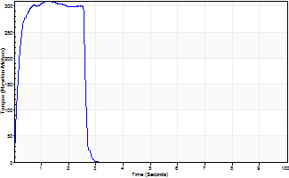
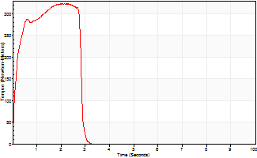
Isometric Extensors (Con) Angle 60 Time 10 Repetition 2 (Best Repetition)
 | Value | Cof Var | %BW
Peak Torque (Newton-Meters)
Right | 309 | 0.05 | 387
Left | 323 | 0.04 | 402
Deficit | 0
Average Torque (Newton-Meters)
Right | 75 | 0.01 | 92
Left | 81 | 0.12 | 101
Deficit | 0
Peak Torque Slope (Newton-Meters/Seconds)
Right | 242 | 0.38 | 302
Left | 212 | 0.21 | 265 |  | Right Side Curves Left Side Curves
Deficit | 0
Time to Half Peak Torque (Seconds)
Right | 0.12 | 0.17
Left | 0.14 | 0.1
Time to Peak Torque (Seconds)
Right | 1.66 | 0.33
Left | 1.73 | 0.26
HUMAC2015® Version: 15.000.0074 © Computer Sports Medicine, Inc. www.csmisolutions.com

