pre1
Use File, Preference to set Report Heading
Long Form Torque vs. Position Report - Knee Extension/Flexion
Name: |  |  |  | TR030FP3016, | ID: |  | Right/Left: | 17.09.2021 17.09.2021
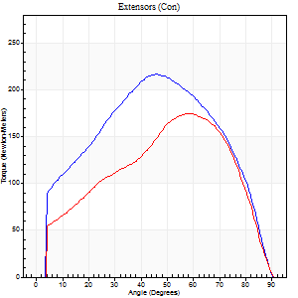
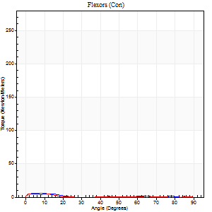
Right Side Curves Left Side Curves
Isokinetic Con/Con |  |  |  | Extensors (Con) |  | Flexors (Con)
Speed 60/60 d/s 3 Reps |  |  |  | Value | Cof Var | %BW | Value | Cof Var | %BW | Ratio

TORQUE PARAMETERS
Peak Torque (Newton-Meters - Best Repetition)
Right |  |  |  | 217 | 0.01 | 271 | 5 | 0.16 | 6 | 2
Left |  |  |  | 174 | 0.02 | 218 | 5 | 0.19 | 6 | 3
Deficit |  |  |  | 20 |  |  | 0
Work per Repetition (Newton-Meters - Best Repetition)
Right |  |  |  | 231 | 0.06 | 289 | 3 | 0.2 | 3 | 1
Left |  |  |  | 184 | 0.06 | 229 | 1 | 0.17 | 3 | 1
Deficit |  |  |  | 20 |  |  | 50
Average Power per Repetition (Watts - Best Repetition)
Right |  |  |  | 146 | 0.43 | 182 | 1 | 0.15 | 2 | 1
Left |  |  |  | 117 | 0.08 | 145 | 1 | 0.12 | 2 | 1
Deficit |  |  |  | 20 |  |  | 0
POSITION PARAMETERS
Joint Angle at Peak Torque (Degrees)
Right |  |  |  | 47 | 0.04 |  | 6 | 0.99
Left |  |  |  | 61 | 0.04 |  | 7 | 0.43
Range of Motion (Degrees)
Right |  |  |  | 0 | 0 |  | 89 | 0.02
Left |  |  |  | 0 | 0 |  | 90 | 0
TIME PARAMETERS
Time to Peak Torque (Seconds)
Right |  |  |  | 0.76 | 0.03 |  | 0.23 | 0.62
Left |  |  |  | 0.53 | 0.07 |  | 0.23 | 0.23
Time Peak Torque Held (Seconds)
Right |  |  |  | 0.05 | 0.43 |  | 0.07 | 1.36
Left |  |  |  | 0.03 | 0.17 |  | 0.03 | 0.92
Force Decay Time (Seconds)
Right |  |  |  | 0.79 | 0.01 |  | 3.51 | 0.13
Left |  |  |  | 1.02 | 0.04 |  | 2.43 | 0.07
Reciprocal Delay (Seconds)
Right |  |  |  | 0.39 | 0.2 |  | 0.58 | 0.1
Left |  |  |  | 0.27 | 0.19 |  | 0.44 | 0.12
Delay Time (Seconds)
Right |  |  |  | -0.02 | -0.85 |  | -0.05 | -0.22
Left |  |  |  | -0.01 | -1.41 |  | -0.04 | -0.25
HUMAC2015® Version: 15.000.0074 © Computer Sports Medicine, Inc. www.csmisolutions.com

Use File, Preference to set Report Heading
Long Form Torque vs. Position Report - Knee Extension/Flexion
Name: |  |  |  | TR030FP3016, | ID: |  | Right/Left: | 17.09.2021 17.09.2021
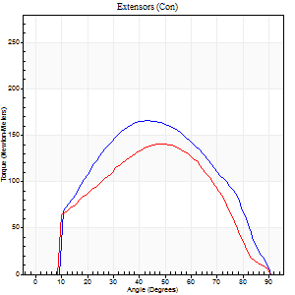
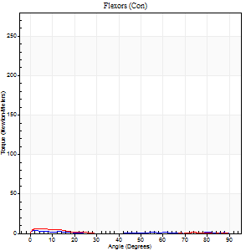
Right Side Curves Left Side Curves
Isokinetic Con/Con |  |  |  | Extensors (Con) |  | Flexors (Con)
Speed 120/120 d/s 3 Reps |  |  |  | Value | Cof Var | %BW | Value | Cof Var | %BW | Ratio

TORQUE PARAMETERS
Peak Torque (Newton-Meters - Best Repetition)
Right |  |  |  | 165 | 0.08 | 206 | 4 | 0.02 | 6 | 2
Left |  |  |  | 141 | 0.04 | 176 | 7 | 0.34 | 9 | 5
Deficit |  |  |  | 15 |  |  | 40
Work per Repetition (Newton-Meters - Best Repetition)
Right |  |  |  | 165 | 0.12 | 206 | 1 | 0.05 | 3 | 1
Left |  |  |  | 151 | 0.06 | 188 | 1 | 0.34 | 3 | 1
Deficit |  |  |  | 9 |  |  | 0
Average Power per Repetition (Watts - Best Repetition)
Right |  |  |  | 174 | 0.17 | 218 | 0 | 0.14 | 0 | 0
Left |  |  |  | 170 | 0.1 | 213 | 1 | 0.33 | 2 | 1
Deficit |  |  |  | 2 |  |  | 0
POSITION PARAMETERS
Joint Angle at Peak Torque (Degrees)
Right |  |  |  | 42 | 0.06 |  | 1 | 0.97
Left |  |  |  | 52 | 0.09 |  | 3 | 0.42
Range of Motion (Degrees)
Right |  |  |  | 0 | -1.41 |  | 90 | 0
Left |  |  |  | 0 | 0 |  | 90 | 0
TIME PARAMETERS
Time to Peak Torque (Seconds)
Right |  |  |  | 0.48 | 0.06 |  | 0.09 | 0.43
Left |  |  |  | 0.41 | 0.21 |  | 0.15 | 0.1
Time Peak Torque Held (Seconds)
Right |  |  |  | 0.04 | 0.5 |  | 0.02 | 0.5
Left |  |  |  | 0.03 | 0.35 |  | 0.01 | 1.73
Force Decay Time (Seconds)
Right |  |  |  | 0.41 | 0.06 |  | 2.99 | 0.14
Left |  |  |  | 0.49 | 0.05 |  | 2.11 | 0.08
Reciprocal Delay (Seconds)
Right |  |  |  | 0.43 | 0.18 |  | 0.48 | 0.11
Left |  |  |  | 0.35 | 0.2 |  | 0.39 | 0.17
Delay Time (Seconds)
Right |  |  |  | -0.04 | -0.35 |  | -0.06 | -0.33
Left |  |  |  | -0.03 | -1.41 |  | -0.04 | -0.13
HUMAC2015® Version: 15.000.0074 © Computer Sports Medicine, Inc. www.csmisolutions.com

Use File, Preference to set Report Heading
Long Form Torque vs. Position Report - Knee Extension/Flexion
Name: |  |  |  | TR030FP3016, | ID: |  | Right/Left: | 17.09.2021 17.09.2021
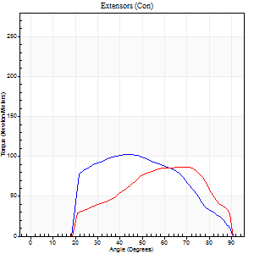
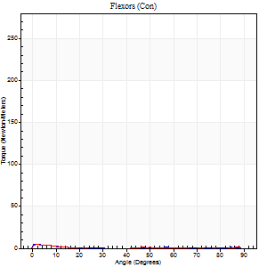
Right Side Curves Left Side Curves
Isokinetic Con/Con |  |  |  | Extensors (Con) |  | Flexors (Con)
Speed 240/240 d/s 3 Reps |  |  |  | Value | Cof Var | %BW | Value | Cof Var | %BW | Ratio

TORQUE PARAMETERS
Peak Torque (Newton-Meters - Best Repetition)
Right |  |  |  | 103 | 0.06 | 128 | 5 | 0.27 | 6 | 5
Left |  |  |  | 87 | 0.13 | 107 | 4 | 0.19 | 6 | 5
Deficit |  |  |  | 16 |  |  | 25
Work per Repetition (Newton-Meters - Best Repetition)
Right |  |  |  | 94 | 0.09 | 116 | 1 | 0.04 | 3 | 1
Left |  |  |  | 76 | 0.09 | 95 | 1 | 0.05 | 3 | 2
Deficit |  |  |  | 19 |  |  | 0
Average Power per Repetition (Watts - Best Repetition)
Right |  |  |  | 156 | 0.11 | 196 | 0 | 0.14 | 0 | 0
Left |  |  |  | 136 | 0.1 | 169 | 1 | 0.09 | 2 | 1
Deficit |  |  |  | 13 |  |  | 0
POSITION PARAMETERS
Joint Angle at Peak Torque (Degrees)
Right |  |  |  | 48 | 0.1 |  | 2 | 0.77
Left |  |  |  | 63 | 0.18 |  | 2 | 0.03
Range of Motion (Degrees)
Right |  |  |  | 0 | -0.47 |  | 90 | 0
Left |  |  |  | 0 | -1.41 |  | 90 | 0
TIME PARAMETERS
Time to Peak Torque (Seconds)
Right |  |  |  | 0.32 | 0.07 |  | 0.17 | 0.33
Left |  |  |  | 0.15 | 0.05 |  | 0.17 | 0.18
Time Peak Torque Held (Seconds)
Right |  |  |  | 0.01 | 1 |  | 0.05 | 1.38
Left |  |  |  | 0.01 | 1 |  | 0 | 0
Force Decay Time (Seconds)
Right |  |  |  | 0.3 | 0.1 |  | 3.02 | 0.14
Left |  |  |  | 0.37 | 0.13 |  | 1.87 | 0.1
Reciprocal Delay (Seconds)
Right |  |  |  | 0.31 | 0.18 |  | 0.59 | 0.28
Left |  |  |  | 0.36 | 0.6 |  | 0.48 | 0.24
Delay Time (Seconds)
Right |  |  |  | -0.05 | 0 |  | -0.09 | -0.48
Left |  |  |  | -0.01 | 0 |  | -0.08 | -0.25
HUMAC2015® Version: 15.000.0074 © Computer Sports Medicine, Inc. www.csmisolutions.com

Use File, Preference to set Report Heading
Isometric - Knee Extension/Flexion
Name: |  |  |  | TR030FP3016, | ID: |  | Right/Left: | 17.09.2021 17.09.2021

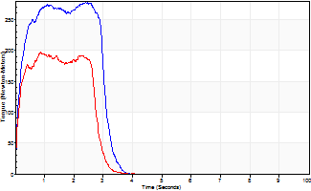
Isometric Extensors (Con) Angle 60 Time 10 Repetition 2 (Best Repetition)
 | Value | Cof Var | %BW
Peak Torque (Newton-Meters)
Right | 277 | 0.04 | 346
Left | 197 | 0.01 | 244
Deficit | 29
Average Torque (Newton-Meters)
Right | 84 | 0.06 | 104
Left | 54 | 0.07 | 69
Deficit | 35
Peak Torque Slope (Newton-Meters/Seconds)
Right | 187 | 0.33 | 233
Left | 226 | 0.74 | 282 |  | Right Side Curves Left Side Curves
Deficit | 17
Time to Half Peak Torque (Seconds)
Right | 0.15 | 0.05
Left | 0.11 | 0.2
Time to Peak Torque (Seconds)
Right | 1.89 | 0.37
Left | 1.79 | 0.73
HUMAC2015® Version: 15.000.0074 © Computer Sports Medicine, Inc. www.csmisolutions.com

pre2
Use File, Preference to set Report Heading
Long Form Torque vs. Position Report - Knee Extension/Flexion
Name: |  |  |  | TR030FP3016, | ID: |  | Right/Left: | 21.09.2021 21.09.2021
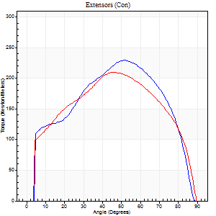
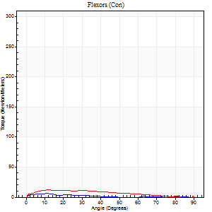
Right Side Curves Left Side Curves
Isokinetic Con/Con |  |  |  | Extensors (Con) |  | Flexors (Con)
Speed 60/60 d/s 3 Reps |  |  |  | Value | Cof Var | %BW | Value | Cof Var | %BW | Ratio

TORQUE PARAMETERS
Peak Torque (Newton-Meters - Best Repetition)
Right |  |  |  | 229 | 0.04 | 286 | 5 | 0.1 | 6 | 2
Left |  |  |  | 209 | 0.01 | 262 | 12 | 0.13 | 15 | 6
Deficit |  |  |  | 9 |  |  | 56
Work per Repetition (Newton-Meters - Best Repetition)
Right |  |  |  | 255 | 0.03 | 319 | 3 | 0.22 | 3 | 1
Left |  |  |  | 236 | 0.03 | 295 | 11 | 0.08 | 15 | 5
Deficit |  |  |  | 7 |  |  | 75
Average Power per Repetition (Watts - Best Repetition)
Right |  |  |  | 162 | 0.03 | 202 | 1 | 0.29 | 2 | 1
Left |  |  |  | 151 | 0.03 | 189 | 6 | 0.05 | 7 | 4
Deficit |  |  |  | 7 |  |  | 83
POSITION PARAMETERS
Joint Angle at Peak Torque (Degrees)
Right |  |  |  | 50 | 0.05 |  | 11 | 0.03
Left |  |  |  | 47 | 0.11 |  | 37 | 1.25
Range of Motion (Degrees)
Right |  |  |  | 0 | -0.28 |  | 89 | 0.01
Left |  |  |  | 0 | 0 |  | 90 | 0
TIME PARAMETERS
Time to Peak Torque (Seconds)
Right |  |  |  | 0.68 | 0.06 |  | 0.28 | 0.09
Left |  |  |  | 0.77 | 0.06 |  | 0.79 | 1.13
Time Peak Torque Held (Seconds)
Right |  |  |  | 0.06 | 0.27 |  | 0 | 1.73
Left |  |  |  | 0.05 | 0.29 |  | 0 | 0
Force Decay Time (Seconds)
Right |  |  |  | 0.84 | 0.06 |  | 2.57 | 0.08
Left |  |  |  | 0.78 | 0.12 |  | 0.87 | 1.02
Reciprocal Delay (Seconds)
Right |  |  |  | 0.28 | 0.47 |  | 0.43 | 0.09
Left |  |  |  | 0.26 | 0.24 |  | 0.44 | 0.1
Delay Time (Seconds)
Right |  |  |  | 0 | 1.41 |  | 0.02 | 0.92
Left |  |  |  | 0.01 | 0 |  | -0.02 | -1.39
HUMAC2015® Version: 15.000.0074 © Computer Sports Medicine, Inc. www.csmisolutions.com

Use File, Preference to set Report Heading
Long Form Torque vs. Position Report - Knee Extension/Flexion
Name: |  |  |  | TR030FP3016, | ID: |  | Right/Left: | 21.09.2021 21.09.2021
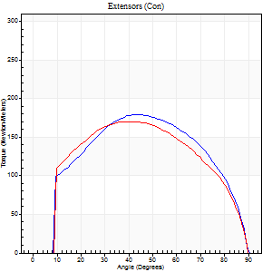
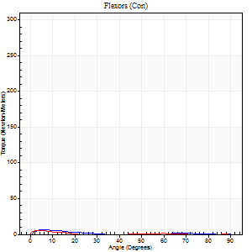
Right Side Curves Left Side Curves
Isokinetic Con/Con |  |  |  | Extensors (Con) |  | Flexors (Con)
Speed 120/120 d/s 3 Reps |  |  |  | Value | Cof Var | %BW | Value | Cof Var | %BW | Ratio

TORQUE PARAMETERS
Peak Torque (Newton-Meters - Best Repetition)
Right |  |  |  | 179 | 0.01 | 224 | 11 | 0.52 | 15 | 6
Left |  |  |  | 170 | 0.02 | 212 | 5 | 0.09 | 6 | 3
Deficit |  |  |  | 5 |  |  | 50
Work per Repetition (Newton-Meters - Best Repetition)
Right |  |  |  | 195 | 0.01 | 244 | 3 | 0.26 | 3 | 1
Left |  |  |  | 188 | 0.03 | 235 | 1 | 0.15 | 3 | 1
Deficit |  |  |  | 3 |  |  | 50
Average Power per Repetition (Watts - Best Repetition)
Right |  |  |  | 224 | 0.01 | 279 | 1 | 0.31 | 2 | 0
Left |  |  |  | 216 | 0.34 | 270 | 1 | 0.25 | 2 | 0
Deficit |  |  |  | 4 |  |  | 0
POSITION PARAMETERS
Joint Angle at Peak Torque (Degrees)
Right |  |  |  | 44 | 0.02 |  | 32 | 1.55
Left |  |  |  | 43 | 0.07 |  | 4 | 0.52
Range of Motion (Degrees)
Right |  |  |  | 0 | 1.41 |  | 90 | 0
Left |  |  |  | 0 | -0.47 |  | 90 | 0
TIME PARAMETERS
Time to Peak Torque (Seconds)
Right |  |  |  | 0.41 | 0.03 |  | 0.72 | 1.42
Left |  |  |  | 0.44 | 0.02 |  | 0.19 | 0.3
Time Peak Torque Held (Seconds)
Right |  |  |  | 0.04 | 0 |  | 0 | 0
Left |  |  |  | 0.04 | 0.16 |  | 0.02 | 0.89
Force Decay Time (Seconds)
Right |  |  |  | 0.41 | 0.04 |  | 1.14 | 0.97
Left |  |  |  | 0.4 | 0.05 |  | 1.62 | 0.17
Reciprocal Delay (Seconds)
Right |  |  |  | 0.45 | 0.05 |  | 0.34 | 0.26
Left |  |  |  | 0.28 | 0.23 |  | 0.43 | 0.15
Delay Time (Seconds)
Right |  |  |  | 0 | 0 |  | 0 | -8.66
Left |  |  |  | 0 | 0 |  | -0.05 | -0.29
HUMAC2015® Version: 15.000.0074 © Computer Sports Medicine, Inc. www.csmisolutions.com

Use File, Preference to set Report Heading
Long Form Torque vs. Position Report - Knee Extension/Flexion
Name: |  |  |  | TR030FP3016, | ID: |  | Right/Left: | 21.09.2021 21.09.2021
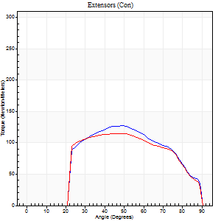
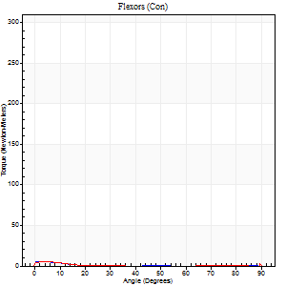
Right Side Curves Left Side Curves
Isokinetic Con/Con |  |  |  | Extensors (Con) |  | Flexors (Con)
Speed 240/240 d/s 3 Reps |  |  |  | Value | Cof Var | %BW | Value | Cof Var | %BW | Ratio

TORQUE PARAMETERS
Peak Torque (Newton-Meters - Best Repetition)
Right |  |  |  | 127 | 0.01 | 158 | 5 | 0.04 | 6 | 4
Left |  |  |  | 115 | 0.04 | 143 | 11 | 0.45 | 15 | 9
Deficit |  |  |  | 10 |  |  | 50
Work per Repetition (Newton-Meters - Best Repetition)
Right |  |  |  | 122 | 0.01 | 152 | 1 | 0.09 | 3 | 1
Left |  |  |  | 113 | 0.04 | 140 | 1 | 0.78 | 3 | 1
Deficit |  |  |  | 8 |  |  | 0
Average Power per Repetition (Watts - Best Repetition)
Right |  |  |  | 222 | 0.03 | 277 | 1 | 0.21 | 2 | 0
Left |  |  |  | 201 | 0.03 | 251 | 1 | 0.73 | 2 | 0
Deficit |  |  |  | 9 |  |  | 0
POSITION PARAMETERS
Joint Angle at Peak Torque (Degrees)
Right |  |  |  | 49 | 0.02 |  | 3 | 0.41
Left |  |  |  | 46 | 0.04 |  | 33 | 1.53
Range of Motion (Degrees)
Right |  |  |  | 0 | 0 |  | 90 | 0
Left |  |  |  | 0 | 0 |  | 90 | 0
TIME PARAMETERS
Time to Peak Torque (Seconds)
Right |  |  |  | 0.23 | 0 |  | 0.14 | 0.21
Left |  |  |  | 0.24 | 0.06 |  | 0.53 | 1.15
Time Peak Torque Held (Seconds)
Right |  |  |  | 0.02 | 0.35 |  | 0.01 | 0.87
Left |  |  |  | 0.02 | 0.35 |  | 0.01 | 1
Force Decay Time (Seconds)
Right |  |  |  | 0.29 | 0 |  | 1.59 | 0.15
Left |  |  |  | 0.28 | 0 |  | 0.93 | 1.05
Reciprocal Delay (Seconds)
Right |  |  |  | 0.22 | 0.09 |  | 0.51 | 0.05
Left |  |  |  | 0.31 | 0.07 |  | 0.35 | 0.12
Delay Time (Seconds)
Right |  |  |  | -0.01 | -0.47 |  | -0.05 | -0.12
Left |  |  |  | 0 | -1.41 |  | 0.14 | 2.43
HUMAC2015® Version: 15.000.0074 © Computer Sports Medicine, Inc. www.csmisolutions.com

Use File, Preference to set Report Heading
Isometric - Knee Extension/Flexion
Name: |  |  |  | TR030FP3016, | ID: |  | Right/Left: | 21.09.2021 21.09.2021

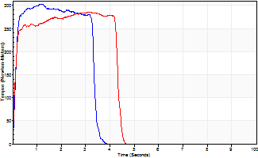
Isometric Extensors (Con) Angle 60 Time 10 Repetition 2 (Best Repetition)
 | Value | Cof Var | %BW
Peak Torque (Newton-Meters)
Right | 302 | 0.01 | 378
Left | 286 | 0.04 | 358
Deficit | 5
Average Torque (Newton-Meters)
Right | 98 | 0.03 | 122
Left | 115 | 0.22 | 143
Deficit | 15
Peak Torque Slope (Newton-Meters/Seconds)
Right | 248 | 0.28 | 310
Left | 184 | 0.48 | 230 |  | Right Side Curves Left Side Curves
Deficit | 26
Time to Half Peak Torque (Seconds)
Right | 0.11 | 0.06
Left | 0.11 | 0.07
Time to Peak Torque (Seconds)
Right | 1.51 | 0.28
Left | 2.29 | 0.52
HUMAC2015® Version: 15.000.0074 © Computer Sports Medicine, Inc. www.csmisolutions.com

mid1
Use File, Preference to set Report Heading
Long Form Torque vs. Position Report - Knee Extension/Flexion
Name: |  |  |  | TR030FP3016, | ID: |  | Right/Left: | 15.11.2021 15.11.2021
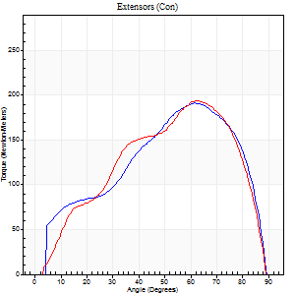
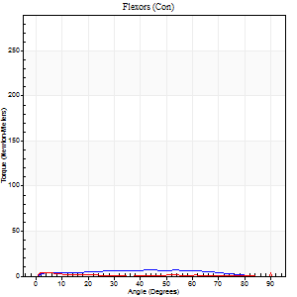
Right Side Curves Left Side Curves
Isokinetic Con/Con |  |  |  | Extensors (Con) |  | Flexors (Con)
Speed 60/60 d/s 3 Reps |  |  |  | Value | Cof Var | %BW | Value | Cof Var | %BW | Ratio

TORQUE PARAMETERS
Peak Torque (Newton-Meters - Best Repetition)
Right |  |  |  | 191 | 0.02 | 238 | 14 | 0.42 | 18 | 7
Left |  |  |  | 194 | 0.03 | 241 | 15 | 0.33 | 18 | 8
Deficit |  |  |  | 1 |  |  | 9
Work per Repetition (Newton-Meters - Best Repetition)
Right |  |  |  | 194 | 0.04 | 241 | 12 | 0.55 | 15 | 6
Left |  |  |  | 199 | 0.04 | 250 | 4 | 1.06 | 6 | 2
Deficit |  |  |  | 3 |  |  | 67
Average Power per Repetition (Watts - Best Repetition)
Right |  |  |  | 126 | 0.05 | 158 | 7 | 0.6 | 9 | 6
Left |  |  |  | 128 | 0.03 | 160 | 2 | 1.12 | 2 | 2
Deficit |  |  |  | 2 |  |  | 71
POSITION PARAMETERS
Joint Angle at Peak Torque (Degrees)
Right |  |  |  | 62 | 0.04 |  | 38 | 1.21
Left |  |  |  | 62 | 0.01 |  | 63 | 0.74
Range of Motion (Degrees)
Right |  |  |  | 0 | 0.2 |  | 90 | 0
Left |  |  |  | 0 | 0 |  | 90 | 0
TIME PARAMETERS
Time to Peak Torque (Seconds)
Right |  |  |  | 0.49 | 0.01 |  | 0.73 | 1.23
Left |  |  |  | 0.47 | 0.03 |  | 0.92 | 0.97
Time Peak Torque Held (Seconds)
Right |  |  |  | 0.04 | 0.43 |  | 0 | 1.73
Left |  |  |  | 0.05 | 0.35 |  | 0 | 0
Force Decay Time (Seconds)
Right |  |  |  | 1.04 | 0.03 |  | 0.92 | 0.99
Left |  |  |  | 1.02 | 0.01 |  | 0.32 | 2.72
Reciprocal Delay (Seconds)
Right |  |  |  | 0.17 | 0.28 |  | 0.26 | 0.14
Left |  |  |  | 0.26 | 0.44 |  | 0.19 | 0.57
Delay Time (Seconds)
Right |  |  |  | 0.01 | 0.47 |  | 0.03 | 0.43
Left |  |  |  | 0.02 | 0 |  | 0.51 | 1.75
HUMAC2015® Version: 15.000.0074 © Computer Sports Medicine, Inc. www.csmisolutions.com

Use File, Preference to set Report Heading
Long Form Torque vs. Position Report - Knee Extension/Flexion
Name: |  |  |  | TR030FP3016, | ID: |  | Right/Left: | 15.11.2021 15.11.2021
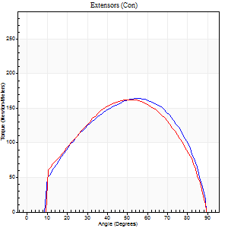
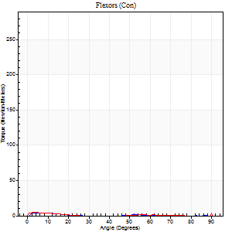
Right Side Curves Left Side Curves
Isokinetic Con/Con |  |  |  | Extensors (Con) |  | Flexors (Con)
Speed 120/120 d/s 3 Reps |  |  |  | Value | Cof Var | %BW | Value | Cof Var | %BW | Ratio

TORQUE PARAMETERS
Peak Torque (Newton-Meters - Best Repetition)
Right |  |  |  | 164 | 0.06 | 206 | 4 | 0.2 | 6 | 2
Left |  |  |  | 163 | 0.01 | 203 | 18 | 0.38 | 21 | 11
Deficit |  |  |  | 1 |  |  | 77
Work per Repetition (Newton-Meters - Best Repetition)
Right |  |  |  | 171 | 0.09 | 215 | 1 | 0.08 | 3 | 1
Left |  |  |  | 167 | 0.04 | 209 | 1 | 0.28 | 3 | 1
Deficit |  |  |  | 2 |  |  | 0
Average Power per Repetition (Watts - Best Repetition)
Right |  |  |  | 210 | 0.09 | 262 | 1 | 0.08 | 2 | 0
Left |  |  |  | 194 | 0.02 | 242 | 1 | 0.24 | 2 | 1
Deficit |  |  |  | 8 |  |  | 0
POSITION PARAMETERS
Joint Angle at Peak Torque (Degrees)
Right |  |  |  | 57 | 0.03 |  | 4 | 0.58
Left |  |  |  | 54 | 0.07 |  | 60 | 0.86
Range of Motion (Degrees)
Right |  |  |  | 1 | 0.21 |  | 90 | 0
Left |  |  |  | 0 | 0.2 |  | 90 | 0
TIME PARAMETERS
Time to Peak Torque (Seconds)
Right |  |  |  | 0.31 | 0.02 |  | 0.13 | 0.58
Left |  |  |  | 0.34 | 0.04 |  | 1.27 | 0.76
Time Peak Torque Held (Seconds)
Right |  |  |  | 0.04 | 0 |  | 0 | 0
Left |  |  |  | 0.03 | 0.22 |  | 0.01 | 0.87
Force Decay Time (Seconds)
Right |  |  |  | 0.46 | 0.03 |  | 1.59 | 0.13
Left |  |  |  | 0.48 | 0.03 |  | 0.44 | 2.37
Reciprocal Delay (Seconds)
Right |  |  |  | 0.17 | 0.5 |  | 0.21 | 0.58
Left |  |  |  | 0.25 | 0.32 |  | 0.2 | 0.54
Delay Time (Seconds)
Right |  |  |  | 0.01 | 0 |  | 0 | 0
Left |  |  |  | 0.01 | 1.41 |  | -0.05 | -2.8
HUMAC2015® Version: 15.000.0074 © Computer Sports Medicine, Inc. www.csmisolutions.com

Use File, Preference to set Report Heading
Long Form Torque vs. Position Report - Knee Extension/Flexion
Name: |  |  |  | TR030FP3016, | ID: |  | Right/Left: | 15.11.2021 15.11.2021
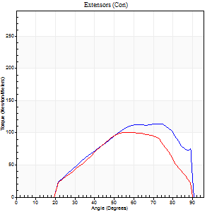
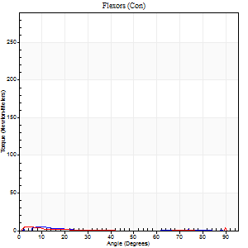
Right Side Curves Left Side Curves
Isokinetic Con/Con |  |  |  | Extensors (Con) |  | Flexors (Con)
Speed 240/240 d/s 3 Reps |  |  |  | Value | Cof Var | %BW | Value | Cof Var | %BW | Ratio

TORQUE PARAMETERS
Peak Torque (Newton-Meters - Best Repetition)
Right |  |  |  | 114 | 0.12 | 143 | 5 | 0.05 | 6 | 5
Left |  |  |  | 100 | 0.07 | 125 | 22 | 0.5 | 27 | 22
Deficit |  |  |  | 12 |  |  | 75
Work per Repetition (Newton-Meters - Best Repetition)
Right |  |  |  | 103 | 0.17 | 128 | 1 | 0.09 | 3 | 1
Left |  |  |  | 85 | 0.1 | 107 | 1 | 1.69 | 3 | 2
Deficit |  |  |  | 17 |  |  | 0
Average Power per Repetition (Watts - Best Repetition)
Right |  |  |  | 198 | 0.14 | 246 | 1 | 0.24 | 2 | 1
Left |  |  |  | 174 | 0.09 | 218 | 1 | 1.51 | 2 | 1
Deficit |  |  |  | 12 |  |  | 0
POSITION PARAMETERS
Joint Angle at Peak Torque (Degrees)
Right |  |  |  | 64 | 0.13 |  | 7 | 0.63
Left |  |  |  | 63 | 0.1 |  | 62 | 0.81
Range of Motion (Degrees)
Right |  |  |  | 2 | 0.1 |  | 90 | 0
Left |  |  |  | 2 | 0.03 |  | 90 | 0
TIME PARAMETERS
Time to Peak Torque (Seconds)
Right |  |  |  | 0.17 | 0.12 |  | 0.2 | 0.98
Left |  |  |  | 0.17 | 0.12 |  | 0.47 | 0.25
Time Peak Torque Held (Seconds)
Right |  |  |  | 0.01 | 0.87 |  | 0 | 1.73
Left |  |  |  | 0.02 | 0.65 |  | 0.02 | 1.73
Force Decay Time (Seconds)
Right |  |  |  | 0.31 | 0.09 |  | 1.46 | 0.18
Left |  |  |  | 0.29 | 0.03 |  | 0.29 | 2.96
Reciprocal Delay (Seconds)
Right |  |  |  | 0.31 | 0.34 |  | 0.05 | 0.11
Left |  |  |  | 0.31 | 0.39 |  | 0.17 | 0.9
Delay Time (Seconds)
Right |  |  |  | -0.01 | -0.47 |  | 0.09 | 1.93
Left |  |  |  | 0 | 0 |  | 0.9 | 0.91
HUMAC2015® Version: 15.000.0074 © Computer Sports Medicine, Inc. www.csmisolutions.com

Use File, Preference to set Report Heading
Isometric - Knee Extension/Flexion
Name: |  |  |  | TR030FP3016, | ID: |  | Right/Left: | 15.11.2021 15.11.2021

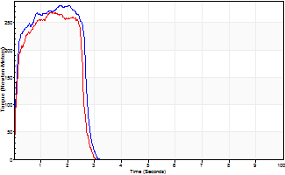
Isometric Extensors (Con) Angle 60 Time 10 Repetition 2 (Best Repetition)
 | Value | Cof Var | %BW
Peak Torque (Newton-Meters)
Right | 282 | 0.18 | 352
Left | 268 | 0 | 334
Deficit | 5
Average Torque (Newton-Meters)
Right | 69 | 0.19 | 86
Left | 75 | 0.12 | 92
Deficit | 7
Peak Torque Slope (Newton-Meters/Seconds)
Right | 161 | 0.37 | 201
Left | 186 | 0.32 | 232 |  | Right Side Curves Left Side Curves
Deficit | 13
Time to Half Peak Torque (Seconds)
Right | 0.09 | 0.16
Left | 0.12 | 0.06
Time to Peak Torque (Seconds)
Right | 2.02 | 0.2
Left | 1.85 | 0.31
HUMAC2015® Version: 15.000.0074 © Computer Sports Medicine, Inc. www.csmisolutions.com

mid2
Use File, Preference to set Report Heading
Long Form Torque vs. Position Report - Knee Extension/Flexion
Name: |  |  |  | TR030FP3016, | ID: |  | Right/Left: | 17.11.2021 17.11.2021
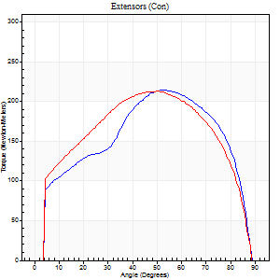
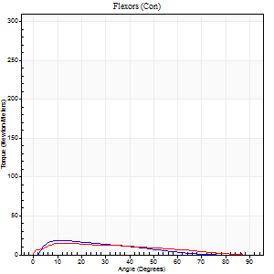
Right Side Curves Left Side Curves
Isokinetic Con/Con |  |  |  | Extensors (Con) |  | Flexors (Con)
Speed 60/60 d/s 3 Reps |  |  |  | Value | Cof Var | %BW | Value | Cof Var | %BW | Ratio

TORQUE PARAMETERS
Peak Torque (Newton-Meters - Best Repetition)
Right |  |  |  | 214 | 0.02 | 268 | 19 | 0.34 | 24 | 9
Left |  |  |  | 213 | 0.02 | 265 | 15 | 0.3 | 18 | 7
Deficit |  |  |  | 1 |  |  | 21
Work per Repetition (Newton-Meters - Best Repetition)
Right |  |  |  | 232 | 0.05 | 289 | 14 | 0.33 | 18 | 6
Left |  |  |  | 243 | 0.06 | 304 | 14 | 0.27 | 18 | 6
Deficit |  |  |  | 4 |  |  | 0
Average Power per Repetition (Watts - Best Repetition)
Right |  |  |  | 149 | 0.05 | 187 | 8 | 0.36 | 11 | 5
Left |  |  |  | 158 | 0.07 | 198 | 8 | 0.25 | 11 | 5
Deficit |  |  |  | 6 |  |  | 0
POSITION PARAMETERS
Joint Angle at Peak Torque (Degrees)
Right |  |  |  | 55 | 0.04 |  | 17 | 0.38
Left |  |  |  | 51 | 0.09 |  | 37 | 1.23
Range of Motion (Degrees)
Right |  |  |  | 0 | 1.41 |  | 90 | 0
Left |  |  |  | 0 | -0.47 |  | 90 | 0
TIME PARAMETERS
Time to Peak Torque (Seconds)
Right |  |  |  | 0.6 | 0.06 |  | 0.27 | 0.4
Left |  |  |  | 0.67 | 0.07 |  | 0.78 | 1.15
Time Peak Torque Held (Seconds)
Right |  |  |  | 0.07 | 0.28 |  | 0.02 | 1.08
Left |  |  |  | 0.06 | 0.44 |  | 0.03 | 1.73
Force Decay Time (Seconds)
Right |  |  |  | 0.88 | 0.01 |  | 1.33 | 0.04
Left |  |  |  | 0.85 | 0.08 |  | 0.8 | 1.02
Reciprocal Delay (Seconds)
Right |  |  |  | 0.12 | 0.47 |  | 0.16 | 0.17
Left |  |  |  | 0.25 | 0.06 |  | 0.4 | 0.11
Delay Time (Seconds)
Right |  |  |  | 0.01 | 0 |  | 0.07 | 0.85
Left |  |  |  | 0.03 | 0.47 |  | -0.03 | -0.22
HUMAC2015® Version: 15.000.0074 © Computer Sports Medicine, Inc. www.csmisolutions.com

Use File, Preference to set Report Heading
Long Form Torque vs. Position Report - Knee Extension/Flexion
Name: |  |  |  | TR030FP3016, | ID: |  | Right/Left: | 17.11.2021 17.11.2021
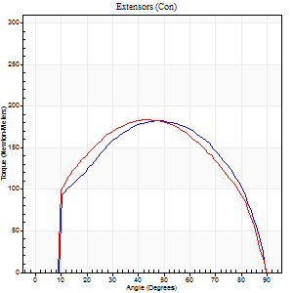

Right Side Curves Left Side Curves
Isokinetic Con/Con |  |  |  | Extensors (Con) |  | Flexors (Con)
Speed 120/120 d/s 3 Reps |  |  |  | Value | Cof Var | %BW | Value | Cof Var | %BW | Ratio

TORQUE PARAMETERS
Peak Torque (Newton-Meters - Best Repetition)
Right |  |  |  | 183 | 0.09 | 229 | 7 | 0.16 | 9 | 4
Left |  |  |  | 183 | 0.05 | 229 | 18 | 0.51 | 21 | 10
Deficit |  |  |  | 0 |  |  | 62
Work per Repetition (Newton-Meters - Best Repetition)
Right |  |  |  | 197 | 0.11 | 244 | 3 | 0.22 | 3 | 1
Left |  |  |  | 199 | 0.08 | 250 | 1 | 0.01 | 3 | 1
Deficit |  |  |  | 1 |  |  | 50
Average Power per Repetition (Watts - Best Repetition)
Right |  |  |  | 231 | 0.12 | 288 | 2 | 0.24 | 2 | 1
Left |  |  |  | 234 | 0.09 | 292 | 1 | 0.02 | 2 | 0
Deficit |  |  |  | 1 |  |  | 50
POSITION PARAMETERS
Joint Angle at Peak Torque (Degrees)
Right |  |  |  | 52 | 0.1 |  | 5 | 0.04
Left |  |  |  | 44 | 0.11 |  | 62 | 0.81
Range of Motion (Degrees)
Right |  |  |  | 0 | 0.2 |  | 90 | 0
Left |  |  |  | 0 | 1.41 |  | 90 | 0
TIME PARAMETERS
Time to Peak Torque (Seconds)
Right |  |  |  | 0.37 | 0.02 |  | 0.14 | 0.22
Left |  |  |  | 0.42 | 0.03 |  | 1.13 | 0.74
Time Peak Torque Held (Seconds)
Right |  |  |  | 0.03 | 0.17 |  | 0.03 | 1.2
Left |  |  |  | 0.02 | 0.25 |  | 0.02 | 1.73
Force Decay Time (Seconds)
Right |  |  |  | 0.48 | 0.08 |  | 1.05 | 0.03
Left |  |  |  | 0.42 | 0.12 |  | 0.29 | 2.72
Reciprocal Delay (Seconds)
Right |  |  |  | 0.18 | 0.31 |  | 0.21 | 0.38
Left |  |  |  | 0.32 | 0.13 |  | 0.36 | 0.09
Delay Time (Seconds)
Right |  |  |  | 0 | 0 |  | -0.02 | -1.51
Left |  |  |  | 0.01 | 0.47 |  | -0.06 | -0.29
HUMAC2015® Version: 15.000.0074 © Computer Sports Medicine, Inc. www.csmisolutions.com

Use File, Preference to set Report Heading
Long Form Torque vs. Position Report - Knee Extension/Flexion
Name: |  |  |  | TR030FP3016, | ID: |  | Right/Left: | 17.11.2021 17.11.2021
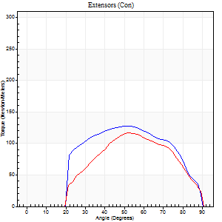
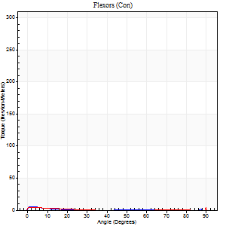
Right Side Curves Left Side Curves
Isokinetic Con/Con |  |  |  | Extensors (Con) |  | Flexors (Con)
Speed 240/240 d/s 3 Reps |  |  |  | Value | Cof Var | %BW | Value | Cof Var | %BW | Ratio

TORQUE PARAMETERS
Peak Torque (Newton-Meters - Best Repetition)
Right |  |  |  | 127 | 0.05 | 158 | 5 | 0.21 | 6 | 4
Left |  |  |  | 117 | 0.01 | 146 | 20 | 0.61 | 27 | 17
Deficit |  |  |  | 9 |  |  | 73
Work per Repetition (Newton-Meters - Best Repetition)
Right |  |  |  | 122 | 0.1 | 152 | 1 | 0.02 | 3 | 1
Left |  |  |  | 106 | 0.03 | 131 | 1 | 0.13 | 3 | 1
Deficit |  |  |  | 13 |  |  | 0
Average Power per Repetition (Watts - Best Repetition)
Right |  |  |  | 222 | 0.12 | 277 | 1 | 0.06 | 2 | 0
Left |  |  |  | 188 | 0.03 | 235 | 1 | 0.14 | 2 | 1
Deficit |  |  |  | 15 |  |  | 0
POSITION PARAMETERS
Joint Angle at Peak Torque (Degrees)
Right |  |  |  | 52 | 0.06 |  | 1 | 0.41
Left |  |  |  | 52 | 0.01 |  | 61 | 0.83
Range of Motion (Degrees)
Right |  |  |  | 0 | 0.47 |  | 90 | 0
Left |  |  |  | 0 | 0 |  | 90 | 0
TIME PARAMETERS
Time to Peak Torque (Seconds)
Right |  |  |  | 0.22 | 0.03 |  | 0.06 | 0.18
Left |  |  |  | 0.21 | 0 |  | 1.27 | 0.74
Time Peak Torque Held (Seconds)
Right |  |  |  | 0.01 | 0 |  | 0.13 | 0.36
Left |  |  |  | 0 | 1.73 |  | 0 | 0
Force Decay Time (Seconds)
Right |  |  |  | 0.32 | 0.05 |  | 1.38 | 0.04
Left |  |  |  | 0.33 | 0 |  | 0.33 | 2.94
Reciprocal Delay (Seconds)
Right |  |  |  | 0.12 | 0.12 |  | 0.28 | 0.17
Left |  |  |  | 0.34 | 0.27 |  | 0.39 | 0.2
Delay Time (Seconds)
Right |  |  |  | -0.01 | 0 |  | -0.05 | -0.33
Left |  |  |  | 0 | -1.41 |  | -0.08 | -0.18
HUMAC2015® Version: 15.000.0074 © Computer Sports Medicine, Inc. www.csmisolutions.com

Use File, Preference to set Report Heading
Isometric - Knee Extension/Flexion
Name: |  |  |  | TR030FP3016, | ID: |  | Right/Left: | 17.11.2021 17.11.2021

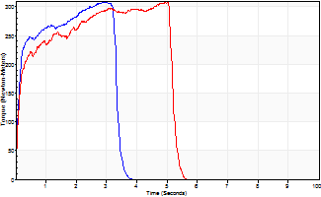
Isometric Extensors (Con) Angle 60 Time 10 Repetition 2 (Best Repetition)
 | Value | Cof Var | %BW
Peak Torque (Newton-Meters)
Right | 308 | 0.03 | 384
Left | 308 | 0.03 | 384
Deficit | 0
Average Torque (Newton-Meters)
Right | 117 | 0.18 | 146
Left | 138 | 0.16 | 173
Deficit | 16
Peak Torque Slope (Newton-Meters/Seconds)
Right | 109 | 0.04 | 136
Left | 92 | 0.28 | 114 |  | Right Side Curves Left Side Curves
Deficit | 16
Time to Half Peak Torque (Seconds)
Right | 0.11 | 0.07
Left | 0.13 | 0.11
Time to Peak Torque (Seconds)
Right | 2.85 | 0.07
Left | 4.11 | 0.31
HUMAC2015® Version: 15.000.0074 © Computer Sports Medicine, Inc. www.csmisolutions.com

post1
Use File, Preference to set Report Heading
Long Form Torque vs. Position Report - Knee Extension/Flexion
Name: |  |  |  | TR030FP3016, | ID: |  | Right/Left: | 08.12.2021 08.12.2021
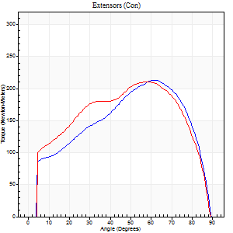
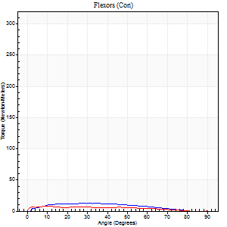
Right Side Curves Left Side Curves
Isokinetic Con/Con |  |  |  | Extensors (Con) |  | Flexors (Con)
Speed 60/60 d/s 3 Reps |  |  |  | Value | Cof Var | %BW | Value | Cof Var | %BW | Ratio

TORQUE PARAMETERS
Peak Torque (Newton-Meters - Best Repetition)
Right |  |  |  | 213 | 0 | 265 | 18 | 0.31 | 21 | 8
Left |  |  |  | 210 | 0.03 | 262 | 24 | 0.6 | 30 | 12
Deficit |  |  |  | 1 |  |  | 28
Work per Repetition (Newton-Meters - Best Repetition)
Right |  |  |  | 235 | 0.03 | 292 | 12 | 0.16 | 15 | 5
Left |  |  |  | 236 | 0.05 | 295 | 7 | 0.28 | 9 | 3
Deficit |  |  |  | 1 |  |  | 44
Average Power per Repetition (Watts - Best Repetition)
Right |  |  |  | 152 | 0.03 | 189 | 7 | 0.13 | 9 | 5
Left |  |  |  | 151 | 0.06 | 189 | 4 | 0.28 | 4 | 3
Deficit |  |  |  | 1 |  |  | 43
POSITION PARAMETERS
Joint Angle at Peak Torque (Degrees)
Right |  |  |  | 59 | 0.04 |  | 66 | 0.64
Left |  |  |  | 59 | 0.02 |  | 75 | 0.34
Range of Motion (Degrees)
Right |  |  |  | 0 | 0 |  | 90 | 0
Left |  |  |  | 0 | -1.41 |  | 90 | 0
TIME PARAMETERS
Time to Peak Torque (Seconds)
Right |  |  |  | 0.52 | 0.04 |  | 1.29 | 0.66
Left |  |  |  | 0.52 | 0 |  | 1.66 | 0.41
Time Peak Torque Held (Seconds)
Right |  |  |  | 0.04 | 0.13 |  | 0 | 0
Left |  |  |  | 0.06 | 0.27 |  | 0 | 0
Force Decay Time (Seconds)
Right |  |  |  | 0.98 | 0.04 |  | 0.29 | 2.74
Left |  |  |  | 0.97 | 0.03 |  | 0.01 | 45.25
Reciprocal Delay (Seconds)
Right |  |  |  | 0.32 | 0.75 |  | 0.23 | 0.16
Left |  |  |  | 0.5 | 0.01 |  | 0.35 | 0.11
Delay Time (Seconds)
Right |  |  |  | 0.02 | 0 |  | 0.05 | 0.45
Left |  |  |  | 0.03 | 0 |  | -0.02 | -0.5
HUMAC2015® Version: 15.000.0074 © Computer Sports Medicine, Inc. www.csmisolutions.com

Use File, Preference to set Report Heading
Long Form Torque vs. Position Report - Knee Extension/Flexion
Name: |  |  |  | TR030FP3016, | ID: |  | Right/Left: | 08.12.2021 08.12.2021
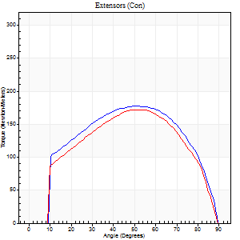
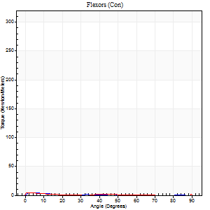
Right Side Curves Left Side Curves
Isokinetic Con/Con |  |  |  | Extensors (Con) |  | Flexors (Con)
Speed 120/120 d/s 3 Reps |  |  |  | Value | Cof Var | %BW | Value | Cof Var | %BW | Ratio

TORQUE PARAMETERS
Peak Torque (Newton-Meters - Best Repetition)
Right |  |  |  | 178 | 0.03 | 221 | 4 | 0.12 | 6 | 2
Left |  |  |  | 172 | 0.02 | 215 | 27 | 0.66 | 33 | 16
Deficit |  |  |  | 3 |  |  | 85
Work per Repetition (Newton-Meters - Best Repetition)
Right |  |  |  | 194 | 0.08 | 241 | 1 | 0.08 | 3 | 1
Left |  |  |  | 180 | 0.05 | 226 | 1 | 0.43 | 3 | 1
Deficit |  |  |  | 7 |  |  | 0
Average Power per Repetition (Watts - Best Repetition)
Right |  |  |  | 223 | 0.11 | 279 | 1 | 0.09 | 2 | 0
Left |  |  |  | 210 | 0.06 | 262 | 1 | 0.36 | 2 | 0
Deficit |  |  |  | 6 |  |  | 0
POSITION PARAMETERS
Joint Angle at Peak Torque (Degrees)
Right |  |  |  | 55 | 0.07 |  | 5 | 0.13
Left |  |  |  | 54 | 0.03 |  | 61 | 0.83
Range of Motion (Degrees)
Right |  |  |  | 0 | 0.71 |  | 90 | 0
Left |  |  |  | 0 | 1.41 |  | 90 | 0
TIME PARAMETERS
Time to Peak Torque (Seconds)
Right |  |  |  | 0.32 | 0.11 |  | 0.16 | 0.13
Left |  |  |  | 0.33 | 0.04 |  | 1.18 | 0.8
Time Peak Torque Held (Seconds)
Right |  |  |  | 0.03 | 0 |  | 0.03 | 1.05
Left |  |  |  | 0.03 | 0.46 |  | 0 | 1.73
Force Decay Time (Seconds)
Right |  |  |  | 0.52 | 0.1 |  | 1.42 | 0.05
Left |  |  |  | 0.5 | 0.06 |  | 0.3 | 3.85
Reciprocal Delay (Seconds)
Right |  |  |  | 0.38 | 0.04 |  | 0.24 | 0.34
Left |  |  |  | 0.51 | 0.11 |  | 0.35 | 0.15
Delay Time (Seconds)
Right |  |  |  | 0.01 | 0 |  | -0.01 | -3.77
Left |  |  |  | 0.01 | 0 |  | 0.14 | 2.3
HUMAC2015® Version: 15.000.0074 © Computer Sports Medicine, Inc. www.csmisolutions.com

Use File, Preference to set Report Heading
Long Form Torque vs. Position Report - Knee Extension/Flexion
Name: |  |  |  | TR030FP3016, | ID: |  | Right/Left: | 08.12.2021 08.12.2021
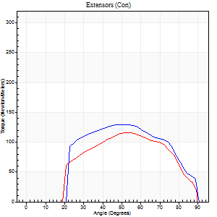
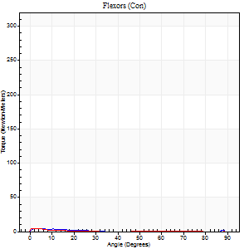
Right Side Curves Left Side Curves
Isokinetic Con/Con |  |  |  | Extensors (Con) |  | Flexors (Con)
Speed 240/240 d/s 3 Reps |  |  |  | Value | Cof Var | %BW | Value | Cof Var | %BW | Ratio

TORQUE PARAMETERS
Peak Torque (Newton-Meters - Best Repetition)
Right |  |  |  | 130 | 0.13 | 164 | 4 | 0.11 | 6 | 3
Left |  |  |  | 115 | 0.08 | 143 | 4 | 0.05 | 6 | 4
Deficit |  |  |  | 11 |  |  | 0
Work per Repetition (Newton-Meters - Best Repetition)
Right |  |  |  | 125 | 0.19 | 155 | 1 | 0.17 | 3 | 1
Left |  |  |  | 107 | 0.14 | 134 | 1 | 0.04 | 3 | 1
Deficit |  |  |  | 14 |  |  | 0
Average Power per Repetition (Watts - Best Repetition)
Right |  |  |  | 226 | 0.19 | 281 | 1 | 0.23 | 2 | 0
Left |  |  |  | 199 | 0.14 | 248 | 1 | 0.09 | 2 | 1
Deficit |  |  |  | 12 |  |  | 0
POSITION PARAMETERS
Joint Angle at Peak Torque (Degrees)
Right |  |  |  | 54 | 0.06 |  | 3 | 0.75
Left |  |  |  | 56 | 0.03 |  | 1 | 0.57
Range of Motion (Degrees)
Right |  |  |  | 0 | 2.83 |  | 90 | 0
Left |  |  |  | 0 | 4.24 |  | 90 | 0
TIME PARAMETERS
Time to Peak Torque (Seconds)
Right |  |  |  | 0.21 | 0.07 |  | 0.13 | 0.34
Left |  |  |  | 0.2 | 0 |  | 0.13 | 0.32
Time Peak Torque Held (Seconds)
Right |  |  |  | 0.01 | 0.87 |  | 0.02 | 1.73
Left |  |  |  | 0.01 | 0 |  | 0 | 0
Force Decay Time (Seconds)
Right |  |  |  | 0.31 | 0.07 |  | 1.52 | 0.08
Left |  |  |  | 0.33 | 0.03 |  | 1.66 | 0.12
Reciprocal Delay (Seconds)
Right |  |  |  | 0.45 | 0.06 |  | 0.31 | 0.25
Left |  |  |  | 0.44 | 0.19 |  | 0.38 | 0.09
Delay Time (Seconds)
Right |  |  |  | -0.01 | 0 |  | -0.05 | -0.29
Left |  |  |  | 0 | 0 |  | -0.08 | 0
HUMAC2015® Version: 15.000.0074 © Computer Sports Medicine, Inc. www.csmisolutions.com

Use File, Preference to set Report Heading
Isometric - Knee Extension/Flexion
Name: |  |  |  | TR030FP3016, | ID: |  | Right/Left: | 08.12.2021 08.12.2021

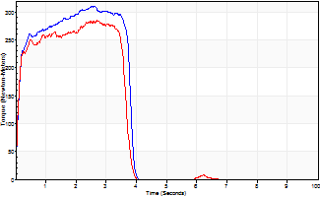
Isometric Extensors (Con) Angle 60 Time 10 Repetition 2 (Best Repetition)
 | Value | Cof Var | %BW
Peak Torque (Newton-Meters)
Right | 311 | 0.04 | 387
Left | 285 | 0.11 | 355
Deficit | 8
Average Torque (Newton-Meters)
Right | 106 | 0.12 | 131
Left | 95 | 0.19 | 119
Deficit | 10
Peak Torque Slope (Newton-Meters/Seconds)
Right | 123 | 0.19 | 153
Left | 193 | 0.41 | 241 |  | Right Side Curves Left Side Curves
Deficit | 36
Time to Half Peak Torque (Seconds)
Right | 0.11 | 0.06
Left | 0.09 | 0.07
Time to Peak Torque (Seconds)
Right | 2.82 | 0.15
Left | 1.97 | 0.51
HUMAC2015® Version: 15.000.0074 © Computer Sports Medicine, Inc. www.csmisolutions.com

post2
Use File, Preference to set Report Heading
Long Form Torque vs. Position Report - Knee Extension/Flexion
Name: |  |  |  | TR030FP3016, | ID: |  | Right/Left: | 10.12.2021 10.12.2021
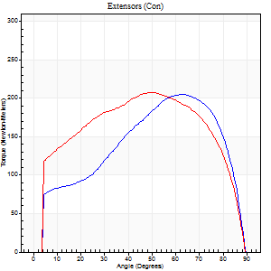
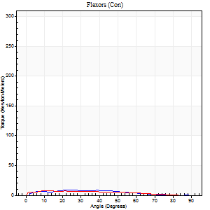
Right Side Curves Left Side Curves
Isokinetic Con/Con |  |  |  | Extensors (Con) |  | Flexors (Con)
Speed 60/60 d/s 3 Reps |  |  |  | Value | Cof Var | %BW | Value | Cof Var | %BW | Ratio

TORQUE PARAMETERS
Peak Torque (Newton-Meters - Best Repetition)
Right |  |  |  | 205 | 0.01 | 256 | 8 | 0.31 | 9 | 4
Left |  |  |  | 207 | 0.04 | 259 | 8 | 0.14 | 9 | 4
Deficit |  |  |  | 1 |  |  | 0
Work per Repetition (Newton-Meters - Best Repetition)
Right |  |  |  | 210 | 0.03 | 262 | 7 | 0.31 | 9 | 3
Left |  |  |  | 244 | 0.08 | 304 | 7 | 0.19 | 9 | 3
Deficit |  |  |  | 14 |  |  | 0
Average Power per Repetition (Watts - Best Repetition)
Right |  |  |  | 135 | 0.02 | 169 | 4 | 0.33 | 4 | 3
Left |  |  |  | 156 | 0.08 | 196 | 5 | 0.23 | 7 | 3
Deficit |  |  |  | 13 |  |  | 20
POSITION PARAMETERS
Joint Angle at Peak Torque (Degrees)
Right |  |  |  | 64 | 0 |  | 23 | 0.48
Left |  |  |  | 53 | 0.06 |  | 21 | 0.88
Range of Motion (Degrees)
Right |  |  |  | 0 | 0.47 |  | 90 | 0
Left |  |  |  | 0 | -0.71 |  | 90 | 0
TIME PARAMETERS
Time to Peak Torque (Seconds)
Right |  |  |  | 0.43 | 0 |  | 0.41 | 0.51
Left |  |  |  | 0.64 | 0.04 |  | 0.42 | 0.81
Time Peak Torque Held (Seconds)
Right |  |  |  | 0.06 | 0.09 |  | 0 | 0
Left |  |  |  | 0.06 | 0.1 |  | 0.02 | 1.25
Force Decay Time (Seconds)
Right |  |  |  | 1.03 | 0.01 |  | 1.34 | 0.15
Left |  |  |  | 0.88 | 0.06 |  | 1.2 | 0.24
Reciprocal Delay (Seconds)
Right |  |  |  | 0.46 | 0.14 |  | 0.16 | 0.27
Left |  |  |  | 0.39 | 0.38 |  | 0.29 | 0.07
Delay Time (Seconds)
Right |  |  |  | 0.02 | 0 |  | 0.12 | 0.32
Left |  |  |  | 0 | 1.41 |  | 0 | -9.64
HUMAC2015® Version: 15.000.0074 © Computer Sports Medicine, Inc. www.csmisolutions.com

Use File, Preference to set Report Heading
Long Form Torque vs. Position Report - Knee Extension/Flexion
Name: |  |  |  | TR030FP3016, | ID: |  | Right/Left: | 10.12.2021 10.12.2021
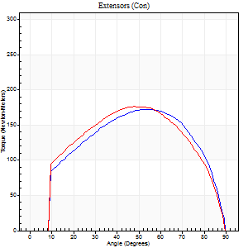
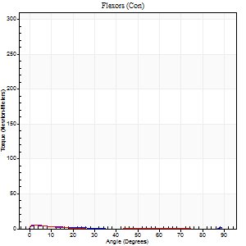
Right Side Curves Left Side Curves
Isokinetic Con/Con |  |  |  | Extensors (Con) |  | Flexors (Con)
Speed 120/120 d/s 3 Reps |  |  |  | Value | Cof Var | %BW | Value | Cof Var | %BW | Ratio

TORQUE PARAMETERS
Peak Torque (Newton-Meters - Best Repetition)
Right |  |  |  | 172 | 0 | 215 | 5 | 0.29 | 6 | 3
Left |  |  |  | 176 | 0.07 | 221 | 5 | 0.05 | 6 | 3
Deficit |  |  |  | 2 |  |  | 0
Work per Repetition (Newton-Meters - Best Repetition)
Right |  |  |  | 187 | 0.01 | 232 | 1 | 0.16 | 3 | 1
Left |  |  |  | 190 | 0.08 | 238 | 1 | 0.07 | 3 | 1
Deficit |  |  |  | 1 |  |  | 0
Average Power per Repetition (Watts - Best Repetition)
Right |  |  |  | 214 | 0.02 | 268 | 1 | 0.16 | 2 | 0
Left |  |  |  | 219 | 0.08 | 273 | 1 | 0.06 | 2 | 0
Deficit |  |  |  | 2 |  |  | 0
POSITION PARAMETERS
Joint Angle at Peak Torque (Degrees)
Right |  |  |  | 55 | 0.06 |  | 4 | 0.52
Left |  |  |  | 52 | 0.08 |  | 2 | 0.7
Range of Motion (Degrees)
Right |  |  |  | 0 | 0 |  | 90 | 0
Left |  |  |  | 0 | 1.41 |  | 90 | 0
TIME PARAMETERS
Time to Peak Torque (Seconds)
Right |  |  |  | 0.32 | 0.07 |  | 0.15 | 0.42
Left |  |  |  | 0.36 | 0.04 |  | 0.11 | 0.27
Time Peak Torque Held (Seconds)
Right |  |  |  | 0.03 | 0.58 |  | 0 | 1.73
Left |  |  |  | 0.03 | 0 |  | 0.03 | 1.2
Force Decay Time (Seconds)
Right |  |  |  | 0.52 | 0.05 |  | 1.4 | 0.02
Left |  |  |  | 0.49 | 0.06 |  | 1.43 | 0.07
Reciprocal Delay (Seconds)
Right |  |  |  | 0.35 | 0.24 |  | 0.2 | 0.08
Left |  |  |  | 0.33 | 0.13 |  | 0.31 | 0.15
Delay Time (Seconds)
Right |  |  |  | 0.01 | 0 |  | -0.01 | -1.15
Left |  |  |  | 0 | 0 |  | -0.05 | -0.4
HUMAC2015® Version: 15.000.0074 © Computer Sports Medicine, Inc. www.csmisolutions.com

Use File, Preference to set Report Heading
Long Form Torque vs. Position Report - Knee Extension/Flexion
Name: |  |  |  | TR030FP3016, | ID: |  | Right/Left: | 10.12.2021 10.12.2021
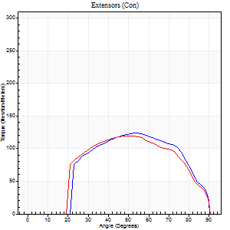
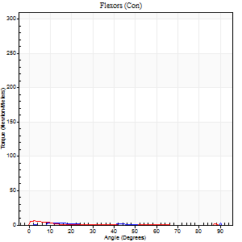
Right Side Curves Left Side Curves
Isokinetic Con/Con |  |  |  | Extensors (Con) |  | Flexors (Con)
Speed 240/240 d/s 3 Reps |  |  |  | Value | Cof Var | %BW | Value | Cof Var | %BW | Ratio

TORQUE PARAMETERS
Peak Torque (Newton-Meters - Best Repetition)
Right |  |  |  | 123 | 0.09 | 155 | 33 | 1.33 | 42 | 26
Left |  |  |  | 119 | 0.01 | 149 | 5 | 0.08 | 6 | 5
Deficit |  |  |  | 3 |  |  | 83
Work per Repetition (Newton-Meters - Best Repetition)
Right |  |  |  | 117 | 0.17 | 146 | 1 | 0.86 | 3 | 1
Left |  |  |  | 115 | 0.05 | 143 | 1 | 0.13 | 3 | 1
Deficit |  |  |  | 1 |  |  | 0
Average Power per Repetition (Watts - Best Repetition)
Right |  |  |  | 230 | 0.14 | 288 | 1 | 0.65 | 2 | 0
Left |  |  |  | 211 | 0.05 | 264 | 1 | 0.17 | 2 | 0
Deficit |  |  |  | 8 |  |  | 0
POSITION PARAMETERS
Joint Angle at Peak Torque (Degrees)
Right |  |  |  | 57 | 0.06 |  | 36 | 1.32
Left |  |  |  | 52 | 0.01 |  | 1 | 0.6
Range of Motion (Degrees)
Right |  |  |  | 1 | 0.66 |  | 90 | 0
Left |  |  |  | 0 | 0 |  | 90 | 0
TIME PARAMETERS
Time to Peak Torque (Seconds)
Right |  |  |  | 0.19 | 0.04 |  | 0.34 | 0.54
Left |  |  |  | 0.21 | 0 |  | 0.11 | 0.38
Time Peak Torque Held (Seconds)
Right |  |  |  | 0.01 | 0 |  | 0 | 0
Left |  |  |  | 0.01 | 0.87 |  | 0.02 | 1.08
Force Decay Time (Seconds)
Right |  |  |  | 0.28 | 0.04 |  | 0.78 | 1.33
Left |  |  |  | 0.31 | 0.02 |  | 1.51 | 0.04
Reciprocal Delay (Seconds)
Right |  |  |  | 0.49 | 0.06 |  | 0.09 | 0.53
Left |  |  |  | 0.45 | 0.14 |  | 0.31 | 0.19
Delay Time (Seconds)
Right |  |  |  | 0 | -1.41 |  | 0.5 | 1.92
Left |  |  |  | -0.01 | 0 |  | -0.06 | -0.09
HUMAC2015® Version: 15.000.0074 © Computer Sports Medicine, Inc. www.csmisolutions.com

Use File, Preference to set Report Heading
Isometric - Knee Extension/Flexion
Name: |  |  |  | TR030FP3016, | ID: |  | Right/Left: | 10.12.2021 10.12.2021

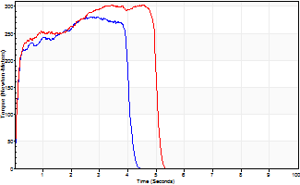
Isometric Extensors (Con) Angle 60 Time 10 Repetition 2 (Best Repetition)
 | Value | Cof Var | %BW
Peak Torque (Newton-Meters)
Right | 281 | 0.07 | 352
Left | 302 | 0.05 | 378
Deficit | 7
Average Torque (Newton-Meters)
Right | 102 | 0.33 | 128
Left | 136 | 0.14 | 170
Deficit | 25
Peak Torque Slope (Newton-Meters/Seconds)
Right | 205 | 0.46 | 256
Left | 87 | 0.03 | 109 |  | Right Side Curves Left Side Curves
Deficit | 57
Time to Half Peak Torque (Seconds)
Right | 0.1 | 0.14
Left | 0.12 | 0
Time to Peak Torque (Seconds)
Right | 1.95 | 0.52
Left | 3.4 | 0.02
HUMAC2015® Version: 15.000.0074 © Computer Sports Medicine, Inc. www.csmisolutions.com

