pre1
Use File, Preference to set Report Heading
Long Form Torque vs. Position Report - Knee Extension/Flexion
Name: |  |  |  | 3017 | ID: | 3017 | Right/Left: | 20.09.2021 20.09.2021
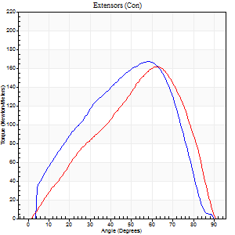
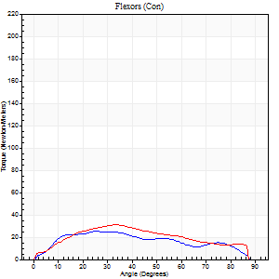
Right Side Curves Left Side Curves
Isokinetic Con/Con |  |  |  | Extensors (Con) |  | Flexors (Con)
Speed 60/60 d/s 3 Reps |  |  |  | Value | Cof Var | %BW | Value | Cof Var | %BW | Ratio

TORQUE PARAMETERS
Peak Torque (Newton-Meters - Best Repetition)
Right |  |  |  | 167 | 0.06 | 209 | 26 | 0.51 | 33 | 15
Left |  |  |  | 161 | 0.29 | 203 | 31 | 0.74 | 39 | 19
Deficit |  |  |  | 3 |  |  | 17
Work per Repetition (Newton-Meters - Best Repetition)
Right |  |  |  | 163 | 0.09 | 203 | 26 | 0.61 | 33 | 16
Left |  |  |  | 141 | 0.18 | 176 | 30 | 0.78 | 36 | 21
Deficit |  |  |  | 13 |  |  | 14
Average Power per Repetition (Watts - Best Repetition)
Right |  |  |  | 97 | 0.13 | 121 | 16 | 0.61 | 20 | 16
Left |  |  |  | 90 | 0.17 | 112 | 19 | 0.8 | 24 | 21
Deficit |  |  |  | 7 |  |  | 16
POSITION PARAMETERS
Joint Angle at Peak Torque (Degrees)
Right |  |  |  | 57 | 0.02 |  | 33 | 0.23
Left |  |  |  | 67 | 0.08 |  | 25 | 0.46
Range of Motion (Degrees)
Right |  |  |  | 0 | 0.47 |  | 89 | 0
Left |  |  |  | 0 | 0.35 |  | 90 | 0
TIME PARAMETERS
Time to Peak Torque (Seconds)
Right |  |  |  | 0.62 | 0.03 |  | 0.65 | 0.26
Left |  |  |  | 0.34 | 0.23 |  | 0.52 | 0.3
Time Peak Torque Held (Seconds)
Right |  |  |  | 0.05 | 0.12 |  | 0.03 | 0.75
Left |  |  |  | 0.03 | 0.58 |  | 0.03 | 0.87
Force Decay Time (Seconds)
Right |  |  |  | 0.94 | 0.02 |  | 0.89 | 0.23
Left |  |  |  | 1.11 | 0.1 |  | 1.13 | 0.29
Reciprocal Delay (Seconds)
Right |  |  |  | 0.11 | 0.07 |  | 0.43 | 0.32
Left |  |  |  | 0.11 | 0.06 |  | 0.18 | 0.48
Delay Time (Seconds)
Right |  |  |  | -0.06 | -0.11 |  | -0.04 | -1.09
Left |  |  |  | 0.01 | 0 |  | -0.06 | -0.37
HUMAC2015® Version: 15.000.0074 © Computer Sports Medicine, Inc. www.csmisolutions.com

Use File, Preference to set Report Heading
Long Form Torque vs. Position Report - Knee Extension/Flexion
Name: |  |  |  | 3017 | ID: | 3017 | Right/Left: | 20.09.2021 20.09.2021
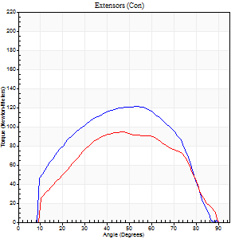
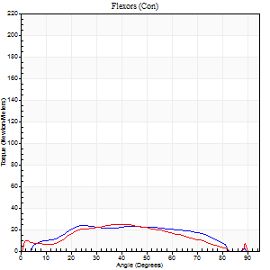
Right Side Curves Left Side Curves
Isokinetic Con/Con |  |  |  | Extensors (Con) |  | Flexors (Con)
Speed 120/120 d/s 3 Reps |  |  |  | Value | Cof Var | %BW | Value | Cof Var | %BW | Ratio

TORQUE PARAMETERS
Peak Torque (Newton-Meters - Best Repetition)
Right |  |  |  | 121 | 0.16 | 152 | 24 | 0.47 | 30 | 20
Left |  |  |  | 95 | 0.09 | 119 | 24 | 0.65 | 30 | 26
Deficit |  |  |  | 21 |  |  | 0
Work per Repetition (Newton-Meters - Best Repetition)
Right |  |  |  | 122 | 0.15 | 152 | 24 | 0.64 | 30 | 20
Left |  |  |  | 94 | 0.07 | 116 | 23 | 0.69 | 30 | 25
Deficit |  |  |  | 23 |  |  | 6
Average Power per Repetition (Watts - Best Repetition)
Right |  |  |  | 142 | 0.29 | 178 | 28 | 0.67 | 35 | 20
Left |  |  |  | 113 | 0.12 | 141 | 29 | 0.72 | 35 | 26
Deficit |  |  |  | 20 |  |  | 3
POSITION PARAMETERS
Joint Angle at Peak Torque (Degrees)
Right |  |  |  | 55 | 0.05 |  | 29 | 0.12
Left |  |  |  | 55 | 0.14 |  | 35 | 0.35
Range of Motion (Degrees)
Right |  |  |  | 1 | 0.04 |  | 89 | 0
Left |  |  |  | 1 | 0.05 |  | 90 | 0.01
TIME PARAMETERS
Time to Peak Torque (Seconds)
Right |  |  |  | 0.34 | 0.12 |  | 0.34 | 0.17
Left |  |  |  | 0.36 | 0.22 |  | 0.35 | 0.51
Time Peak Torque Held (Seconds)
Right |  |  |  | 0.03 | 0.78 |  | 0 | 1.73
Left |  |  |  | 0.08 | 0.57 |  | 0 | 0
Force Decay Time (Seconds)
Right |  |  |  | 0.45 | 0.08 |  | 0.54 | 0.07
Left |  |  |  | 0.4 | 0.05 |  | 0.49 | 0.2
Reciprocal Delay (Seconds)
Right |  |  |  | 0.07 | 0.2 |  | 0.07 | 0.14
Left |  |  |  | 0.06 | 0 |  | 0.07 | 0.14
Delay Time (Seconds)
Right |  |  |  | -0.04 | -0.2 |  | 0.16 | 0.13
Left |  |  |  | 0 | -1.41 |  | 0.04 | 1.94
HUMAC2015® Version: 15.000.0074 © Computer Sports Medicine, Inc. www.csmisolutions.com

Use File, Preference to set Report Heading
Long Form Torque vs. Position Report - Knee Extension/Flexion
Name: |  |  |  | 3017 | ID: | 3017 | Right/Left: | 20.09.2021 20.09.2021
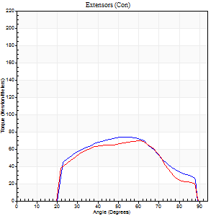
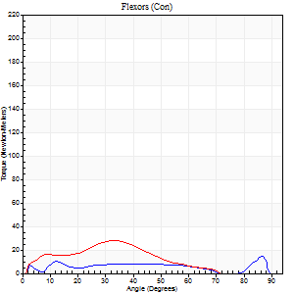
Right Side Curves Left Side Curves
Isokinetic Con/Con |  |  |  | Extensors (Con) |  | Flexors (Con)
Speed 240/240 d/s 3 Reps |  |  |  | Value | Cof Var | %BW | Value | Cof Var | %BW | Ratio

TORQUE PARAMETERS
Peak Torque (Newton-Meters - Best Repetition)
Right |  |  |  | 75 | 0.03 | 92 | 15 | 0.29 | 18 | 20
Left |  |  |  | 69 | 0.03 | 86 | 28 | 0.51 | 36 | 41
Deficit |  |  |  | 7 |  |  | 48
Work per Repetition (Newton-Meters - Best Repetition)
Right |  |  |  | 66 | 0.12 | 83 | 8 | 0.94 | 9 | 12
Left |  |  |  | 62 | 0.03 | 77 | 19 | 0.62 | 24 | 30
Deficit |  |  |  | 6 |  |  | 57
Average Power per Repetition (Watts - Best Repetition)
Right |  |  |  | 143 | 0.29 | 178 | 17 | 0.59 | 22 | 12
Left |  |  |  | 129 | 0.07 | 160 | 37 | 0.68 | 46 | 29
Deficit |  |  |  | 10 |  |  | 54
POSITION PARAMETERS
Joint Angle at Peak Torque (Degrees)
Right |  |  |  | 56 | 0.06 |  | 37 | 1.16
Left |  |  |  | 61 | 0.01 |  | 26 | 0.49
Range of Motion (Degrees)
Right |  |  |  | 2 | 0.02 |  | 89 | 0
Left |  |  |  | 2 | 0.16 |  | 89 | 0.01
TIME PARAMETERS
Time to Peak Torque (Seconds)
Right |  |  |  | 0.22 | 0.1 |  | 0.1 | 0.44
Left |  |  |  | 0.18 | 0.04 |  | 0.2 | 0.25
Time Peak Torque Held (Seconds)
Right |  |  |  | 0.01 | 1.73 |  | 0.01 | 1
Left |  |  |  | 0.01 | 0.87 |  | 0 | 0
Force Decay Time (Seconds)
Right |  |  |  | 0.27 | 0.08 |  | 0.31 | 0.85
Left |  |  |  | 0.29 | 0.02 |  | 0.36 | 0.41
Reciprocal Delay (Seconds)
Right |  |  |  | 0.04 | 0.2 |  | 0.04 | 0
Left |  |  |  | 0.04 | 0 |  | 0.05 | 0.25
Delay Time (Seconds)
Right |  |  |  | -0.01 | -0.47 |  | 0.15 | 1.73
Left |  |  |  | -0.01 | -0.47 |  | -0.01 | -1.73
HUMAC2015® Version: 15.000.0074 © Computer Sports Medicine, Inc. www.csmisolutions.com

Use File, Preference to set Report Heading
Isometric - Knee Extension/Flexion
Name: |  |  |  | 3017 | ID: | 3017 | Right/Left: | 20.09.2021 20.09.2021

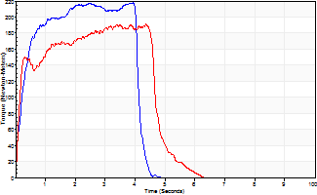
Isometric Extensors (Con) Angle 60 Time 10 Repetition 2 (Best Repetition)
 | Value | Cof Var | %BW
Peak Torque (Newton-Meters)
Right | 218 | 0.01 | 271
Left | 191 | 0.11 | 238
Deficit | 12
Average Torque (Newton-Meters)
Right | 80 | 0.13 | 101
Left | 81 | 0.1 | 101
Deficit | 2
Peak Torque Slope (Newton-Meters/Seconds)
Right | 94 | 0.37 | 118
Left | 49 | 0.08 | 61 |  | Right Side Curves Left Side Curves
Deficit | 48
Time to Half Peak Torque (Seconds)
Right | 0.16 | 0.64
Left | 0.15 | 0.09
Time to Peak Torque (Seconds)
Right | 3.11 | 0.38
Left | 3.84 | 0.19
HUMAC2015® Version: 15.000.0074 © Computer Sports Medicine, Inc. www.csmisolutions.com

pre2
Use File, Preference to set Report Heading
Long Form Torque vs. Position Report - Knee Extension/Flexion
Name: |  |  |  | 3017 | ID: | 3017 | Right/Left: | 23.09.2021 23.09.2021
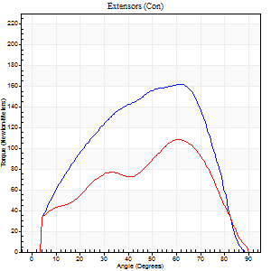
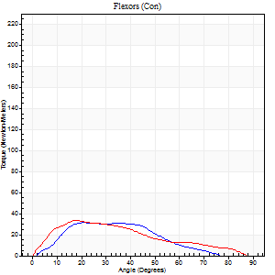
Right Side Curves Left Side Curves
Isokinetic Con/Con |  |  |  | Extensors (Con) |  | Flexors (Con)
Speed 60/60 d/s 3 Reps |  |  |  | Value | Cof Var | %BW | Value | Cof Var | %BW | Ratio

TORQUE PARAMETERS
Peak Torque (Newton-Meters - Best Repetition)
Right |  |  |  | 161 | 0.04 | 203 | 31 | 0.94 | 39 | 19
Left |  |  |  | 108 | 0.03 | 134 | 34 | 0.87 | 42 | 31
Deficit |  |  |  | 33 |  |  | 8
Work per Repetition (Newton-Meters - Best Repetition)
Right |  |  |  | 163 | 0.09 | 203 | 24 | 0.97 | 30 | 15
Left |  |  |  | 103 | 0.04 | 128 | 28 | 0.87 | 36 | 28
Deficit |  |  |  | 37 |  |  | 14
Average Power per Repetition (Watts - Best Repetition)
Right |  |  |  | 97 | 0.09 | 121 | 17 | 1 | 22 | 18
Left |  |  |  | 63 | 0.03 | 79 | 18 | 0.9 | 22 | 29
Deficit |  |  |  | 35 |  |  | 6
POSITION PARAMETERS
Joint Angle at Peak Torque (Degrees)
Right |  |  |  | 59 | 0.04 |  | 17 | 0.57
Left |  |  |  | 64 | 0.09 |  | 23 | 1.06
Range of Motion (Degrees)
Right |  |  |  | 0 | 0.28 |  | 86 | 0.03
Left |  |  |  | 0 | 0 |  | 90 | 0
TIME PARAMETERS
Time to Peak Torque (Seconds)
Right |  |  |  | 0.54 | 0.13 |  | 0.37 | 0.27
Left |  |  |  | 0.47 | 0.27 |  | 0.41 | 0.98
Time Peak Torque Held (Seconds)
Right |  |  |  | 0.06 | 0.29 |  | 0.54 | 1.32
Left |  |  |  | 0.04 | 0.79 |  | 0.14 | 1.42
Force Decay Time (Seconds)
Right |  |  |  | 0.95 | 0.01 |  | 0.82 | 0.34
Left |  |  |  | 1.05 | 0.11 |  | 1.46 | 0.86
Reciprocal Delay (Seconds)
Right |  |  |  | 0.17 | 0.53 |  | 0.25 | 0.48
Left |  |  |  | 0.1 | 0.14 |  | 0.2 | 0.13
Delay Time (Seconds)
Right |  |  |  | -0.06 | -0.24 |  | 0.02 | 2.6
Left |  |  |  | -0.05 | -0.16 |  | 0 | -1.73
HUMAC2015® Version: 15.000.0074 © Computer Sports Medicine, Inc. www.csmisolutions.com

Use File, Preference to set Report Heading
Long Form Torque vs. Position Report - Knee Extension/Flexion
Name: |  |  |  | 3017 | ID: | 3017 | Right/Left: | 23.09.2021 23.09.2021
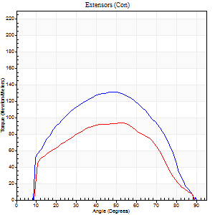
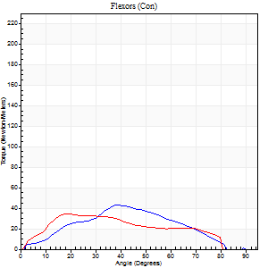
Right Side Curves Left Side Curves
Isokinetic Con/Con |  |  |  | Extensors (Con) |  | Flexors (Con)
Speed 120/120 d/s 3 Reps |  |  |  | Value | Cof Var | %BW | Value | Cof Var | %BW | Ratio

TORQUE PARAMETERS
Peak Torque (Newton-Meters - Best Repetition)
Right |  |  |  | 132 | 0.04 | 164 | 43 | 0.57 | 54 | 33
Left |  |  |  | 94 | 0.43 | 116 | 34 | 0.63 | 42 | 36
Deficit |  |  |  | 29 |  |  | 22
Work per Repetition (Newton-Meters - Best Repetition)
Right |  |  |  | 136 | 0.04 | 170 | 35 | 0.54 | 45 | 26
Left |  |  |  | 92 | 0.54 | 116 | 33 | 0.83 | 42 | 35
Deficit |  |  |  | 32 |  |  | 8
Average Power per Repetition (Watts - Best Repetition)
Right |  |  |  | 161 | 0.04 | 200 | 41 | 0.53 | 51 | 25
Left |  |  |  | 111 | 0.61 | 138 | 38 | 0.83 | 48 | 34
Deficit |  |  |  | 31 |  |  | 7
POSITION PARAMETERS
Joint Angle at Peak Torque (Degrees)
Right |  |  |  | 53 | 0.08 |  | 38 | 0.16
Left |  |  |  | 46 | 0.47 |  | 14 | 0.71
Range of Motion (Degrees)
Right |  |  |  | 1 | 0.04 |  | 90 | 0
Left |  |  |  | 1 | 0.04 |  | 89 | 0
TIME PARAMETERS
Time to Peak Torque (Seconds)
Right |  |  |  | 0.35 | 0.06 |  | 0.35 | 0.12
Left |  |  |  | 0.31 | 0.23 |  | 0.15 | 0.7
Time Peak Torque Held (Seconds)
Right |  |  |  | 0.03 | 0.33 |  | 0.01 | 1.73
Left |  |  |  | 0.02 | 0.25 |  | 0 | 1.73
Force Decay Time (Seconds)
Right |  |  |  | 0.44 | 0.1 |  | 0.47 | 0.12
Left |  |  |  | 0.38 | 0.47 |  | 0.73 | 0.28
Reciprocal Delay (Seconds)
Right |  |  |  | 0.06 | 0.11 |  | 0.07 | 0.09
Left |  |  |  | 0.07 | 0 |  | 0.08 | 0.15
Delay Time (Seconds)
Right |  |  |  | -0.04 | -0.2 |  | 0.07 | 0.77
Left |  |  |  | 0 | -1.41 |  | 0 | -1.73
HUMAC2015® Version: 15.000.0074 © Computer Sports Medicine, Inc. www.csmisolutions.com

Use File, Preference to set Report Heading
Long Form Torque vs. Position Report - Knee Extension/Flexion
Name: |  |  |  | 3017 | ID: | 3017 | Right/Left: | 23.09.2021 23.09.2021
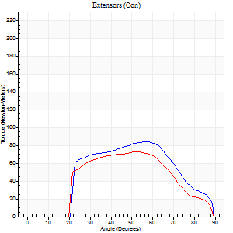
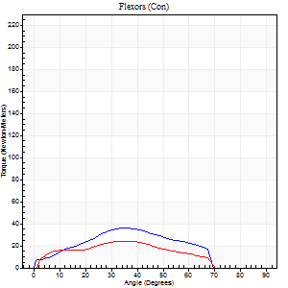
Right Side Curves Left Side Curves
Isokinetic Con/Con |  |  |  | Extensors (Con) |  | Flexors (Con)
Speed 240/240 d/s 3 Reps |  |  |  | Value | Cof Var | %BW | Value | Cof Var | %BW | Ratio

TORQUE PARAMETERS
Peak Torque (Newton-Meters - Best Repetition)
Right |  |  |  | 84 | 0.06 | 104 | 37 | 0.96 | 45 | 44
Left |  |  |  | 73 | 0.35 | 92 | 24 | 0.39 | 30 | 33
Deficit |  |  |  | 13 |  |  | 33
Work per Repetition (Newton-Meters - Best Repetition)
Right |  |  |  | 76 | 0.14 | 95 | 30 | 1.24 | 36 | 39
Left |  |  |  | 64 | 0.36 | 80 | 20 | 0.67 | 27 | 32
Deficit |  |  |  | 16 |  |  | 32
Average Power per Repetition (Watts - Best Repetition)
Right |  |  |  | 146 | 0.24 | 182 | 51 | 1.35 | 64 | 35
Left |  |  |  | 128 | 0.41 | 160 | 39 | 0.7 | 48 | 30
Deficit |  |  |  | 12 |  |  | 24
POSITION PARAMETERS
Joint Angle at Peak Torque (Degrees)
Right |  |  |  | 56 | 0.01 |  | 43 | 0.96
Left |  |  |  | 57 | 0.06 |  | 29 | 0.71
Range of Motion (Degrees)
Right |  |  |  | 1 | 0.59 |  | 89 | 0.01
Left |  |  |  | 2 | 0.08 |  | 89 | 0.01
TIME PARAMETERS
Time to Peak Torque (Seconds)
Right |  |  |  | 0.2 | 0.03 |  | 0.37 | 0.68
Left |  |  |  | 0.22 | 0.03 |  | 0.2 | 0.55
Time Peak Torque Held (Seconds)
Right |  |  |  | 0.01 | 0.87 |  | 0 | 0
Left |  |  |  | 0 | 0 |  | 0.03 | 0.96
Force Decay Time (Seconds)
Right |  |  |  | 0.33 | 0.06 |  | 0.4 | 1.13
Left |  |  |  | 0.28 | 0.04 |  | 0.32 | 0.59
Reciprocal Delay (Seconds)
Right |  |  |  | 0.04 | 0.35 |  | 0.12 | 0.22
Left |  |  |  | 0.05 | 0.16 |  | 0.04 | 0.13
Delay Time (Seconds)
Right |  |  |  | -0.01 | -0.47 |  | -0.02 | -1.5
Left |  |  |  | -0.01 | -0.47 |  | -0.02 | -0.35
HUMAC2015® Version: 15.000.0074 © Computer Sports Medicine, Inc. www.csmisolutions.com

Use File, Preference to set Report Heading
Isometric - Knee Extension/Flexion
Name: |  |  |  | 3017 | ID: | 3017 | Right/Left: | 23.09.2021 23.09.2021

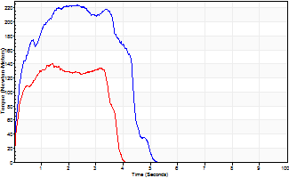
Isometric Extensors (Con) Angle 60 Time 10 Repetition 2 (Best Repetition)
 | Value | Cof Var | %BW
Peak Torque (Newton-Meters)
Right | 224 | 0.04 | 280
Left | 140 | 0.06 | 176
Deficit | 38
Average Torque (Newton-Meters)
Right | 85 | 0.01 | 107
Left | 50 | 0.07 | 63
Deficit | 41
Peak Torque Slope (Newton-Meters/Seconds)
Right | 96 | 0.35 | 120
Left | 100 | 0.35 | 125 |  | Right Side Curves Left Side Curves
Deficit | 4
Time to Half Peak Torque (Seconds)
Right | 0.18 | 0.2
Left | 0.16 | 0.04
Time to Peak Torque (Seconds)
Right | 2.98 | 0.31
Left | 1.76 | 0.3
HUMAC2015® Version: 15.000.0074 © Computer Sports Medicine, Inc. www.csmisolutions.com

mid1
Use File, Preference to set Report Heading
Long Form Torque vs. Position Report - Knee Extension/Flexion
Name: |  |  |  | 3017 | ID: | 3017 | Right/Left: | 09.11.2021 09.11.2021
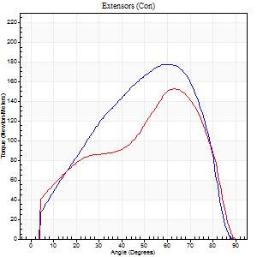
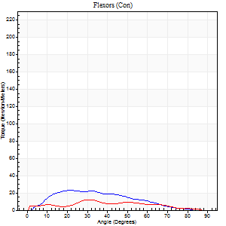
Right Side Curves Left Side Curves
Isokinetic Con/Con |  |  |  | Extensors (Con) |  | Flexors (Con)
Speed 60/60 d/s 3 Reps |  |  |  | Value | Cof Var | %BW | Value | Cof Var | %BW | Ratio

TORQUE PARAMETERS
Peak Torque (Newton-Meters - Best Repetition)
Right |  |  |  | 178 | 0.05 | 221 | 23 | 0.87 | 30 | 13
Left |  |  |  | 152 | 0.11 | 191 | 12 | 0.57 | 15 | 8
Deficit |  |  |  | 15 |  |  | 47
Work per Repetition (Newton-Meters - Best Repetition)
Right |  |  |  | 171 | 0.06 | 215 | 19 | 0.84 | 24 | 11
Left |  |  |  | 141 | 0.11 | 176 | 9 | 0.93 | 12 | 7
Deficit |  |  |  | 17 |  |  | 50
Average Power per Repetition (Watts - Best Repetition)
Right |  |  |  | 98 | 0.01 | 123 | 12 | 0.89 | 15 | 12
Left |  |  |  | 74 | 0.2 | 92 | 6 | 1.02 | 7 | 8
Deficit |  |  |  | 24 |  |  | 50
POSITION PARAMETERS
Joint Angle at Peak Torque (Degrees)
Right |  |  |  | 60 | 0.02 |  | 25 | 0.24
Left |  |  |  | 66 | 0.07 |  | 14 | 1.14
Range of Motion (Degrees)
Right |  |  |  | 0 | 0.39 |  | 89 | 0.01
Left |  |  |  | 0 | 0 |  | 90 | 0
TIME PARAMETERS
Time to Peak Torque (Seconds)
Right |  |  |  | 0.54 | 0.06 |  | 0.67 | 0.68
Left |  |  |  | 0.48 | 0.22 |  | 0.31 | 0.73
Time Peak Torque Held (Seconds)
Right |  |  |  | 0.05 | 0.2 |  | 0.04 | 0.96
Left |  |  |  | 0.03 | 0.46 |  | 0.02 | 0.92
Force Decay Time (Seconds)
Right |  |  |  | 0.96 | 0.02 |  | 1.1 | 0.06
Left |  |  |  | 1.11 | 0.08 |  | 1.7 | 0.53
Reciprocal Delay (Seconds)
Right |  |  |  | 0.11 | 0.07 |  | 0.29 | 0.57
Left |  |  |  | 0.12 | 0.12 |  | 0.4 | 0.56
Delay Time (Seconds)
Right |  |  |  | -0.04 | -1.01 |  | -0.01 | -13.94
Left |  |  |  | -0.06 | 0 |  | -0.04 | -1.54
HUMAC2015® Version: 15.000.0074 © Computer Sports Medicine, Inc. www.csmisolutions.com

Use File, Preference to set Report Heading
Long Form Torque vs. Position Report - Knee Extension/Flexion
Name: |  |  |  | 3017 | ID: | 3017 | Right/Left: | 09.11.2021 09.11.2021
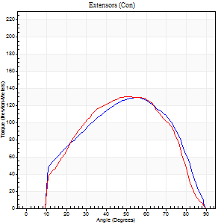
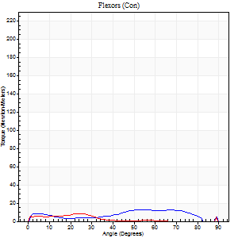
Right Side Curves Left Side Curves
Isokinetic Con/Con |  |  |  | Extensors (Con) |  | Flexors (Con)
Speed 120/120 d/s 3 Reps |  |  |  | Value | Cof Var | %BW | Value | Cof Var | %BW | Ratio

TORQUE PARAMETERS
Peak Torque (Newton-Meters - Best Repetition)
Right |  |  |  | 129 | 0.01 | 161 | 12 | 0.44 | 15 | 9
Left |  |  |  | 130 | 0.12 | 164 | 8 | 0.42 | 9 | 6
Deficit |  |  |  | 1 |  |  | 33
Work per Repetition (Newton-Meters - Best Repetition)
Right |  |  |  | 127 | 0.03 | 158 | 11 | 0.65 | 15 | 9
Left |  |  |  | 126 | 0.15 | 158 | 4 | 0.6 | 6 | 3
Deficit |  |  |  | 1 |  |  | 63
Average Power per Repetition (Watts - Best Repetition)
Right |  |  |  | 154 | 0.25 | 193 | 13 | 0.73 | 15 | 8
Left |  |  |  | 134 | 0.36 | 167 | 4 | 0.74 | 4 | 3
Deficit |  |  |  | 13 |  |  | 69
POSITION PARAMETERS
Joint Angle at Peak Torque (Degrees)
Right |  |  |  | 52 | 0.07 |  | 27 | 0.9
Left |  |  |  | 58 | 0.11 |  | 10 | 1.27
Range of Motion (Degrees)
Right |  |  |  | 1 | 0 |  | 89 | 0.01
Left |  |  |  | 0 | 0 |  | 89 | 0
TIME PARAMETERS
Time to Peak Torque (Seconds)
Right |  |  |  | 0.39 | 0.2 |  | 0.34 | 0.54
Left |  |  |  | 0.34 | 0.27 |  | 0.2 | 0.75
Time Peak Torque Held (Seconds)
Right |  |  |  | 0.02 | 0.25 |  | 0.01 | 1.73
Left |  |  |  | 0.02 | 0.65 |  | 0 | 0
Force Decay Time (Seconds)
Right |  |  |  | 0.43 | 0.09 |  | 0.69 | 0.59
Left |  |  |  | 0.56 | 0.12 |  | 0.97 | 0.37
Reciprocal Delay (Seconds)
Right |  |  |  | 0.07 | 0.2 |  | 0.18 | 0.44
Left |  |  |  | 0.1 | 0.14 |  | 0.18 | 0.11
Delay Time (Seconds)
Right |  |  |  | -0.03 | 0 |  | 0.03 | 3.46
Left |  |  |  | -0.01 | -0.47 |  | -0.04 | -0.25
HUMAC2015® Version: 15.000.0074 © Computer Sports Medicine, Inc. www.csmisolutions.com

Use File, Preference to set Report Heading
Long Form Torque vs. Position Report - Knee Extension/Flexion
Name: |  |  |  | 3017 | ID: | 3017 | Right/Left: | 09.11.2021 09.11.2021
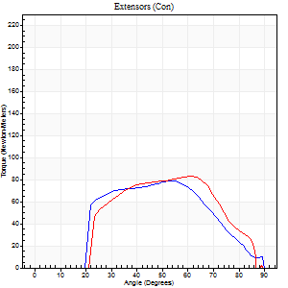
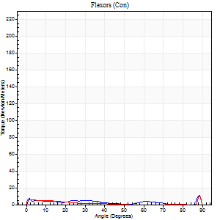
Right Side Curves Left Side Curves
Isokinetic Con/Con |  |  |  | Extensors (Con) |  | Flexors (Con)
Speed 240/240 d/s 3 Reps |  |  |  | Value | Cof Var | %BW | Value | Cof Var | %BW | Ratio

TORQUE PARAMETERS
Peak Torque (Newton-Meters - Best Repetition)
Right |  |  |  | 79 | 0.01 | 98 | 11 | 0.33 | 15 | 14
Left |  |  |  | 83 | 0.04 | 104 | 11 | 0.37 | 15 | 13
Deficit |  |  |  | 5 |  |  | 0
Work per Repetition (Newton-Meters - Best Repetition)
Right |  |  |  | 73 | 0.05 | 92 | 4 | 0.92 | 6 | 6
Left |  |  |  | 76 | 0.06 | 95 | 3 | 0.37 | 3 | 4
Deficit |  |  |  | 4 |  |  | 33
Average Power per Repetition (Watts - Best Repetition)
Right |  |  |  | 128 | 0.5 | 160 | 6 | 0.73 | 7 | 5
Left |  |  |  | 122 | 0.53 | 152 | 3 | 0.52 | 4 | 2
Deficit |  |  |  | 5 |  |  | 50
POSITION PARAMETERS
Joint Angle at Peak Torque (Degrees)
Right |  |  |  | 56 | 0.06 |  | 35 | 1.36
Left |  |  |  | 61 | 0.01 |  | 60 | 0.82
Range of Motion (Degrees)
Right |  |  |  | 0 | 0.28 |  | 89 | 0.01
Left |  |  |  | 0 | 0.47 |  | 89 | 0
TIME PARAMETERS
Time to Peak Torque (Seconds)
Right |  |  |  | 0.23 | 0.25 |  | 0.16 | 0.72
Left |  |  |  | 0.35 | 0.48 |  | 0.72 | 0.64
Time Peak Torque Held (Seconds)
Right |  |  |  | 0.01 | 1.73 |  | 0.03 | 1.25
Left |  |  |  | 0.01 | 0.87 |  | 0 | 0
Force Decay Time (Seconds)
Right |  |  |  | 0.37 | 0.09 |  | 0.52 | 1.08
Left |  |  |  | 0.38 | 0.06 |  | 0.46 | 1.69
Reciprocal Delay (Seconds)
Right |  |  |  | 0.05 | 0.16 |  | 0.21 | 0.81
Left |  |  |  | 0.09 | 0.07 |  | 0.28 | 0.04
Delay Time (Seconds)
Right |  |  |  | -0.02 | 0 |  | 0.22 | 1.73
Left |  |  |  | -0.03 | 0 |  | -0.08 | -0.15
HUMAC2015® Version: 15.000.0074 © Computer Sports Medicine, Inc. www.csmisolutions.com

Use File, Preference to set Report Heading
Isometric - Knee Extension/Flexion
Name: |  |  |  | 3017 | ID: | 3017 | Right/Left: | 09.11.2021 09.11.2021

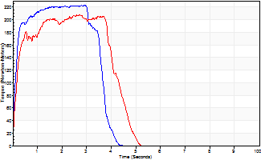
Isometric Extensors (Con) Angle 60 Time 10 Repetition 2 (Best Repetition)
 | Value | Cof Var | %BW
Peak Torque (Newton-Meters)
Right | 224 | 0.01 | 280
Left | 207 | 0.03 | 259
Deficit | 7
Average Torque (Newton-Meters)
Right | 85 | 0.09 | 107
Left | 81 | 0.02 | 101
Deficit | 5
Peak Torque Slope (Newton-Meters/Seconds)
Right | 84 | 0.07 | 105
Left | 80 | 0.04 | 100 |  | Right Side Curves Left Side Curves
Deficit | 5
Time to Half Peak Torque (Seconds)
Right | 0.14 | 0.16
Left | 0.19 | 0.18
Time to Peak Torque (Seconds)
Right | 2.76 | 0.08
Left | 2.6 | 0.07
HUMAC2015® Version: 15.000.0074 © Computer Sports Medicine, Inc. www.csmisolutions.com

post1
Use File, Preference to set Report Heading
Long Form Torque vs. Position Report - Knee Extension/Flexion
Name: |  |  |  | 3017 | ID: | 3017 | Right/Left: | 02.12.2021 02.12.2021
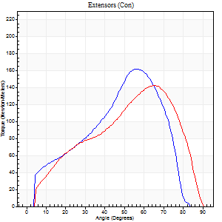
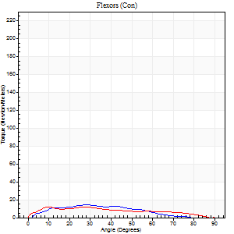
Right Side Curves Left Side Curves
Isokinetic Con/Con |  |  |  | Extensors (Con) |  | Flexors (Con)
Speed 60/60 d/s 3 Reps |  |  |  | Value | Cof Var | %BW | Value | Cof Var | %BW | Ratio

TORQUE PARAMETERS
Peak Torque (Newton-Meters - Best Repetition)
Right |  |  |  | 161 | 0.03 | 203 | 14 | 0.63 | 18 | 8
Left |  |  |  | 142 | 0.13 | 179 | 12 | 0.56 | 15 | 9
Deficit |  |  |  | 12 |  |  | 10
Work per Repetition (Newton-Meters - Best Repetition)
Right |  |  |  | 140 | 0.04 | 176 | 11 | 0.73 | 15 | 8
Left |  |  |  | 130 | 0.14 | 164 | 12 | 0.82 | 15 | 9
Deficit |  |  |  | 7 |  |  | 11
Average Power per Repetition (Watts - Best Repetition)
Right |  |  |  | 87 | 0.18 | 108 | 8 | 0.75 | 11 | 9
Left |  |  |  | 78 | 0.1 | 97 | 7 | 0.87 | 9 | 9
Deficit |  |  |  | 10 |  |  | 13
POSITION PARAMETERS
Joint Angle at Peak Torque (Degrees)
Right |  |  |  | 56 | 0.13 |  | 26 | 0.09
Left |  |  |  | 68 | 0.05 |  | 38 | 1.07
Range of Motion (Degrees)
Right |  |  |  | 0 | 0 |  | 86 | 0.04
Left |  |  |  | 0 | 0 |  | 90 | 0
TIME PARAMETERS
Time to Peak Torque (Seconds)
Right |  |  |  | 0.49 | 0.2 |  | 0.5 | 0.04
Left |  |  |  | 0.38 | 0.09 |  | 0.75 | 0.92
Time Peak Torque Held (Seconds)
Right |  |  |  | 0.03 | 0.17 |  | 0.02 | 1.73
Left |  |  |  | 0.03 | 0.46 |  | 0.03 | 0.75
Force Decay Time (Seconds)
Right |  |  |  | 0.93 | 0.12 |  | 1.01 | 0.08
Left |  |  |  | 1.14 | 0.06 |  | 1.01 | 0.88
Reciprocal Delay (Seconds)
Right |  |  |  | 0.11 | 0.13 |  | 0.24 | 0.26
Left |  |  |  | 0.17 | 0.61 |  | 0.29 | 0.21
Delay Time (Seconds)
Right |  |  |  | -0.06 | -0.11 |  | 0.05 | 1.08
Left |  |  |  | -0.01 | -2.36 |  | -0.05 | -0.12
HUMAC2015® Version: 15.000.0074 © Computer Sports Medicine, Inc. www.csmisolutions.com

Use File, Preference to set Report Heading
Long Form Torque vs. Position Report - Knee Extension/Flexion
Name: |  |  |  | 3017 | ID: | 3017 | Right/Left: | 02.12.2021 02.12.2021
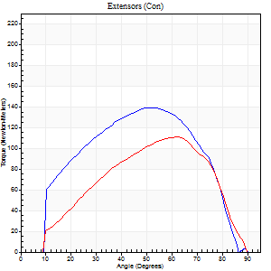
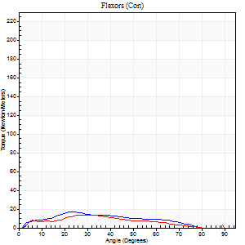
Right Side Curves Left Side Curves
Isokinetic Con/Con |  |  |  | Extensors (Con) |  | Flexors (Con)
Speed 120/120 d/s 3 Reps |  |  |  | Value | Cof Var | %BW | Value | Cof Var | %BW | Ratio

TORQUE PARAMETERS
Peak Torque (Newton-Meters - Best Repetition)
Right |  |  |  | 140 | 0.25 | 176 | 16 | 0.65 | 21 | 12
Left |  |  |  | 111 | 0.06 | 140 | 14 | 0.38 | 18 | 12
Deficit |  |  |  | 20 |  |  | 17
Work per Repetition (Newton-Meters - Best Repetition)
Right |  |  |  | 138 | 0.2 | 173 | 14 | 0.76 | 18 | 10
Left |  |  |  | 103 | 0.07 | 128 | 11 | 0.75 | 15 | 11
Deficit |  |  |  | 25 |  |  | 20
Average Power per Repetition (Watts - Best Repetition)
Right |  |  |  | 135 | 0.15 | 169 | 15 | 0.81 | 20 | 11
Left |  |  |  | 122 | 0.39 | 152 | 12 | 0.83 | 15 | 10
Deficit |  |  |  | 10 |  |  | 20
POSITION PARAMETERS
Joint Angle at Peak Torque (Degrees)
Right |  |  |  | 58 | 0.09 |  | 18 | 0.64
Left |  |  |  | 58 | 0.07 |  | 24 | 0.7
Range of Motion (Degrees)
Right |  |  |  | 1 | 0 |  | 89 | 0.01
Left |  |  |  | 1 | 0 |  | 90 | 0
TIME PARAMETERS
Time to Peak Torque (Seconds)
Right |  |  |  | 0.3 | 0.07 |  | 0.25 | 0.41
Left |  |  |  | 0.32 | 0.2 |  | 0.32 | 0.54
Time Peak Torque Held (Seconds)
Right |  |  |  | 0.04 | 0.16 |  | 0.01 | 1.73
Left |  |  |  | 0.02 | 0.35 |  | 0.02 | 1.25
Force Decay Time (Seconds)
Right |  |  |  | 0.47 | 0.09 |  | 0.81 | 0.52
Left |  |  |  | 0.5 | 0.07 |  | 0.66 | 0.37
Reciprocal Delay (Seconds)
Right |  |  |  | 0.06 | 0 |  | 0.15 | 0.73
Left |  |  |  | 0.08 | 0.09 |  | 0.08 | 0.08
Delay Time (Seconds)
Right |  |  |  | -0.03 | 0 |  | 0.06 | 1.59
Left |  |  |  | -0.03 | -0.47 |  | 0 | -1.73
HUMAC2015® Version: 15.000.0074 © Computer Sports Medicine, Inc. www.csmisolutions.com

Use File, Preference to set Report Heading
Long Form Torque vs. Position Report - Knee Extension/Flexion
Name: |  |  |  | 3017 | ID: | 3017 | Right/Left: | 02.12.2021 02.12.2021
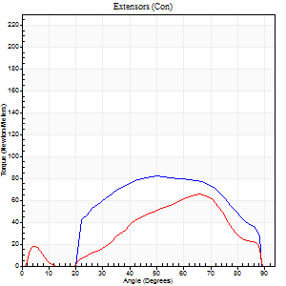
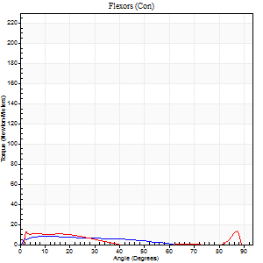
Right Side Curves Left Side Curves
Isokinetic Con/Con |  |  |  | Extensors (Con) |  | Flexors (Con)
Speed 240/240 d/s 3 Reps |  |  |  | Value | Cof Var | %BW | Value | Cof Var | %BW | Ratio

TORQUE PARAMETERS
Peak Torque (Newton-Meters - Best Repetition)
Right |  |  |  | 81 | 0.12 | 101 | 8 | 0.27 | 9 | 10
Left |  |  |  | 65 | 0.18 | 80 | 14 | 0.24 | 18 | 21
Deficit |  |  |  | 20 |  |  | 40
Work per Repetition (Newton-Meters - Best Repetition)
Right |  |  |  | 79 | 0.22 | 98 | 5 | 0.53 | 6 | 7
Left |  |  |  | 49 | 0.22 | 60 | 4 | 0.68 | 6 | 8
Deficit |  |  |  | 38 |  |  | 25
Average Power per Repetition (Watts - Best Repetition)
Right |  |  |  | 154 | 0.32 | 193 | 9 | 0.66 | 11 | 6
Left |  |  |  | 99 | 0.38 | 123 | 6 | 0.33 | 7 | 6
Deficit |  |  |  | 36 |  |  | 33
POSITION PARAMETERS
Joint Angle at Peak Torque (Degrees)
Right |  |  |  | 52 | 0.17 |  | 10 | 0.56
Left |  |  |  | 66 | 0.01 |  | 33 | 1.39
Range of Motion (Degrees)
Right |  |  |  | 1 | 0.92 |  | 89 | 0.01
Left |  |  |  | 2 | 0.19 |  | 89 | 0.01
TIME PARAMETERS
Time to Peak Torque (Seconds)
Right |  |  |  | 0.23 | 0.09 |  | 0.16 | 0.25
Left |  |  |  | 0.16 | 0 |  | 0.13 | 0.41
Time Peak Torque Held (Seconds)
Right |  |  |  | 0.01 | 0 |  | 0.01 | 1.73
Left |  |  |  | 0.01 | 0.87 |  | 0 | 0
Force Decay Time (Seconds)
Right |  |  |  | 0.28 | 0.04 |  | 0.6 | 0.43
Left |  |  |  | 0.31 | 0.05 |  | 0.44 | 0.83
Reciprocal Delay (Seconds)
Right |  |  |  | 0.03 | 0 |  | 0.11 | 0.39
Left |  |  |  | 0.05 | 0.16 |  | 0.05 | 0.2
Delay Time (Seconds)
Right |  |  |  | -0.02 | 0 |  | 0.01 | 8.26
Left |  |  |  | -0.02 | 0 |  | 0.1 | 2.36
HUMAC2015® Version: 15.000.0074 © Computer Sports Medicine, Inc. www.csmisolutions.com

Use File, Preference to set Report Heading
Isometric - Knee Extension/Flexion
Name: |  |  |  | 3017 | ID: | 3017 | Right/Left: | 02.12.2021 02.12.2021

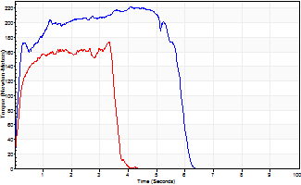
Isometric Extensors (Con) Angle 60 Time 10 Repetition 2 (Best Repetition)
 | Value | Cof Var | %BW
Peak Torque (Newton-Meters)
Right | 221 | 0.02 | 277
Left | 174 | 0.03 | 218
Deficit | 21
Average Torque (Newton-Meters)
Right | 115 | 0.09 | 143
Left | 56 | 0.02 | 69
Deficit | 52
Peak Torque Slope (Newton-Meters/Seconds)
Right | 55 | 0.01 | 69
Left | 52 | 0.04 | 65 |  | Right Side Curves Left Side Curves
Deficit | 5
Time to Half Peak Torque (Seconds)
Right | 0.17 | 0.28
Left | 0.19 | 0.15
Time to Peak Torque (Seconds)
Right | 4.01 | 0.02
Left | 3.34 | 0.01
HUMAC2015® Version: 15.000.0074 © Computer Sports Medicine, Inc. www.csmisolutions.com

