pre1
Use File, Preference to set Report Heading
Long Form Torque vs. Position Report - Knee Extension/Flexion
Name: |  |  |  | , | ID: | 3018 | Right/Left: | 14.09.2021 14.09.2021
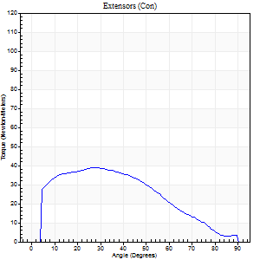
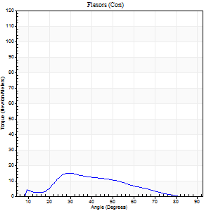
Right Side Curves Left Side Curves
Isokinetic Con/Con |  |  |  | Extensors (Con) |  | Flexors (Con)
Speed 60/60 d/s 3 Reps |  |  |  | Value | Cof Var | %BW | Value | Cof Var | %BW | Ratio

TORQUE PARAMETERS
Peak Torque (Newton-Meters - Best Repetition)
Right |  |  |  | 39 | 0.86 | 24 | 15 | 0.86 | 9 | 38
Left |  |  |  | 0 | 0 | 0 | 0 | 0 | 0 | 0
Deficit |  |  |  | 0 |  |  | 0
Work per Repetition (Newton-Meters - Best Repetition)
Right |  |  |  | 38 | 1.03 | 24 | 9 | 0.84 | 6 | 25
Left |  |  |  | 0 | 0 | 0 | 0 | 0 | 0 | 0
Deficit |  |  |  | 0 |  |  | 0
Average Power per Repetition (Watts - Best Repetition)
Right |  |  |  | 22 | 0.88 | 13 | 7 | 0.92 | 4 | 32
Left |  |  |  | 0 | 0 | 0 | 0 | 0 | 0 | 0
Deficit |  |  |  | 0 |  |  | 0
POSITION PARAMETERS
Joint Angle at Peak Torque (Degrees)
Right |  |  |  | 42 | 0.36 |  | 23 | 0.29
Left |  |  |  | 0 | 0 |  | 0 | 0
Range of Motion (Degrees)
Right |  |  |  | 17 | 0.69 |  | 86 | 0.06
Left |  |  |  | 0 | 0 |  | 0 | 0
TIME PARAMETERS
Time to Peak Torque (Seconds)
Right |  |  |  | 0.56 | 0.5 |  | 0.28 | 0.93
Left |  |  |  | 0 | 0 |  | 0 | 0
Time Peak Torque Held (Seconds)
Right |  |  |  | 0.03 | 0.94 |  | 0.22 | 1.26
Left |  |  |  | 0 | 0 |  | 0 | 0
Force Decay Time (Seconds)
Right |  |  |  | 0.57 | 0.17 |  | 0.96 | 0.33
Left |  |  |  | 0 | 0 |  | 0 | 0
Reciprocal Delay (Seconds)
Right |  |  |  | 0.12 | 0.12 |  | 0.33 | 0.96
Left |  |  |  | 0 | 0 |  | 0 | 0
Delay Time (Seconds)
Right |  |  |  | 0.08 | 2.47 |  | -0.03 | -5.78
Left |  |  |  | 0 | 0 |  | 0 | 0
HUMAC2015® Version: 15.000.0074 © Computer Sports Medicine, Inc. www.csmisolutions.com

Use File, Preference to set Report Heading
Long Form Torque vs. Position Report - Knee Extension/Flexion
Name: |  |  |  | , | ID: | 3018 | Right/Left: | 14.09.2021 14.09.2021
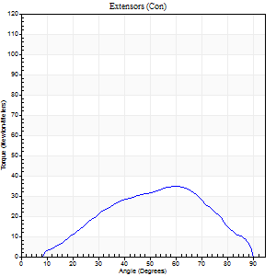
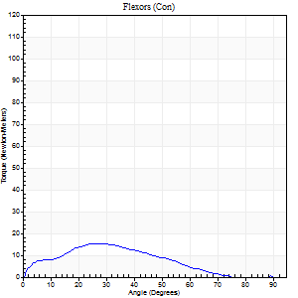
Right Side Curves Left Side Curves
Isokinetic Con/Con |  |  |  | Extensors (Con) |  | Flexors (Con)
Speed 120/120 d/s 3 Reps |  |  |  | Value | Cof Var | %BW | Value | Cof Var | %BW | Ratio

TORQUE PARAMETERS
Peak Torque (Newton-Meters - Best Repetition)
Right |  |  |  | 35 | 0.37 | 21 | 15 | 0.41 | 9 | 42
Left |  |  |  | 0 | 0 | 0 | 0 | 0 | 0 | 0
Deficit |  |  |  | 0 |  |  | 0
Work per Repetition (Newton-Meters - Best Repetition)
Right |  |  |  | 31 | 0.35 | 21 | 12 | 0.57 | 9 | 39
Left |  |  |  | 0 | 0 | 0 | 0 | 0 | 0 | 0
Deficit |  |  |  | 0 |  |  | 0
Average Power per Repetition (Watts - Best Repetition)
Right |  |  |  | 35 | 0.41 | 22 | 13 | 0.6 | 9 | 37
Left |  |  |  | 0 | 0 | 0 | 0 | 0 | 0 | 0
Deficit |  |  |  | 0 |  |  | 0
POSITION PARAMETERS
Joint Angle at Peak Torque (Degrees)
Right |  |  |  | 52 | 0.26 |  | 25 | 0.74
Left |  |  |  | 0 | 0 |  | 0 | 0
Range of Motion (Degrees)
Right |  |  |  | 1 | 0.1 |  | 89 | 0
Left |  |  |  | 0 | 0 |  | 0 | 0
TIME PARAMETERS
Time to Peak Torque (Seconds)
Right |  |  |  | 0.34 | 0.02 |  | 0.3 | 0.58
Left |  |  |  | 0 | 0 |  | 0 | 0
Time Peak Torque Held (Seconds)
Right |  |  |  | 0.02 | 1.38 |  | 0.02 | 1.73
Left |  |  |  | 0 | 0 |  | 0 | 0
Force Decay Time (Seconds)
Right |  |  |  | 0.44 | 0.33 |  | 0.62 | 0.33
Left |  |  |  | 0 | 0 |  | 0 | 0
Reciprocal Delay (Seconds)
Right |  |  |  | 0.09 | 0.07 |  | 0.14 | 0.11
Left |  |  |  | 0 | 0 |  | 0 | 0
Delay Time (Seconds)
Right |  |  |  | -0.04 | 0 |  | -0.01 | -1.73
Left |  |  |  | 0 | 0 |  | 0 | 0
HUMAC2015® Version: 15.000.0074 © Computer Sports Medicine, Inc. www.csmisolutions.com

Use File, Preference to set Report Heading
Long Form Torque vs. Position Report - Knee Extension/Flexion
Name: |  |  |  | , | ID: | 3018 | Right/Left: | 14.09.2021 14.09.2021
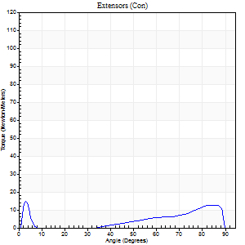
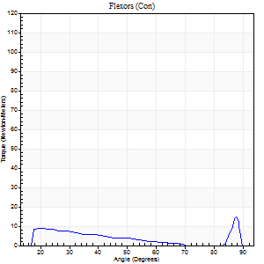
Right Side Curves Left Side Curves
Isokinetic Con/Con |  |  |  | Extensors (Con) |  | Flexors (Con)
Speed 240/240 d/s 3 Reps |  |  |  | Value | Cof Var | %BW | Value | Cof Var | %BW | Ratio

TORQUE PARAMETERS
Peak Torque (Newton-Meters - Best Repetition)
Right |  |  |  | 15 | 0.41 | 9 | 15 | 0.28 | 9 | 100
Left |  |  |  | 0 | 0 | 0 | 0 | 0 | 0 | 0
Deficit |  |  |  | 0 |  |  | 0
Work per Repetition (Newton-Meters - Best Repetition)
Right |  |  |  | 3 | 0.93 | 3 | 4 | 0.68 | 3 | 150
Left |  |  |  | 0 | 0 | 0 | 0 | 0 | 0 | 0
Deficit |  |  |  | 0 |  |  | 0
Average Power per Repetition (Watts - Best Repetition)
Right |  |  |  | 3 | 0.08 | 2 | 6 | 0.22 | 4 | 200
Left |  |  |  | 0 | 0 | 0 | 0 | 0 | 0 | 0
Deficit |  |  |  | 0 |  |  | 0
POSITION PARAMETERS
Joint Angle at Peak Torque (Degrees)
Right |  |  |  | 29 | 1.56 |  | 60 | 0.8
Left |  |  |  | 0 | 0 |  | 0 | 0
Range of Motion (Degrees)
Right |  |  |  | 2 | 0.06 |  | 89 | 0
Left |  |  |  | 0 | 0 |  | 0 | 0
TIME PARAMETERS
Time to Peak Torque (Seconds)
Right |  |  |  | 0.18 | 0 |  | 0.29 | 1.13
Left |  |  |  | 0 | 0 |  | 0 | 0
Time Peak Torque Held (Seconds)
Right |  |  |  | 0 | 0 |  | 0 | 0
Left |  |  |  | 0 | 0 |  | 0 | 0
Force Decay Time (Seconds)
Right |  |  |  | 0.21 | 1.53 |  | 0.21 | 1.44
Left |  |  |  | 0 | 0 |  | 0 | 0
Reciprocal Delay (Seconds)
Right |  |  |  | 0.09 | 0.07 |  | 0.07 | 0.17
Left |  |  |  | 0 | 0 |  | 0 | 0
Delay Time (Seconds)
Right |  |  |  | 0.38 | 0.06 |  | 0.13 | 2.01
Left |  |  |  | 0 | 0 |  | 0 | 0
HUMAC2015® Version: 15.000.0074 © Computer Sports Medicine, Inc. www.csmisolutions.com

Use File, Preference to set Report Heading
Isometric - Knee Extension/Flexion
Name: |  |  |  | , | ID: | 3018 | Right/Left: | 14.09.2021 14.09.2021

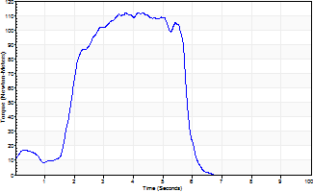
Isometric Extensors (Con) Angle 60 Time 10 Repetition 2 (Best Repetition)
 | Value | Cof Var | %BW
Peak Torque (Newton-Meters)
Right | 113 | 0 | 72
Left | 0 | 0 | 0
Deficit | 0
Average Torque (Newton-Meters)
Right | 43 | 0.14 | 27
Left | 0 | 0 | 0
Deficit | 0
Peak Torque Slope (Newton-Meters/Seconds)
Right | 49 | 0.43 | 30
Left | 0 | 0 | 0 |  | Right Side Curves Left Side Curves
Deficit | 0
Time to Half Peak Torque (Seconds)
Right | 1.09 | 1.09
Left | 0 | 0
Time to Peak Torque (Seconds)
Right | 3.3 | 0.44
Left | 0 | 0
HUMAC2015® Version: 15.000.0074 © Computer Sports Medicine, Inc. www.csmisolutions.com

pre2
Use File, Preference to set Report Heading
Long Form Torque vs. Position Report - Knee Extension/Flexion
Name: |  |  |  | , | ID: | 3018 | Right/Left: | 30.09.2021 30.09.2021
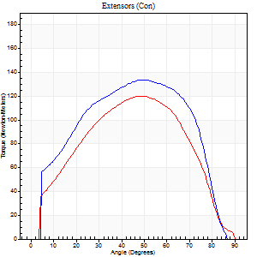
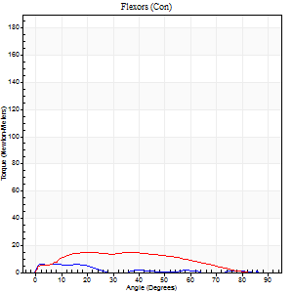
Right Side Curves Left Side Curves
Isokinetic Con/Con |  |  |  | Extensors (Con) |  | Flexors (Con)
Speed 60/60 d/s 3 Reps |  |  |  | Value | Cof Var | %BW | Value | Cof Var | %BW | Ratio

TORQUE PARAMETERS
Peak Torque (Newton-Meters - Best Repetition)
Right |  |  |  | 134 | 0 | 83 | 7 | 0.16 | 3 | 5
Left |  |  |  | 119 | 0.03 | 75 | 15 | 0.41 | 9 | 12
Deficit |  |  |  | 11 |  |  | 55
Work per Repetition (Newton-Meters - Best Repetition)
Right |  |  |  | 146 | 0.01 | 92 | 3 | 0.2 | 3 | 2
Left |  |  |  | 129 | 0.04 | 80 | 15 | 0.65 | 9 | 12
Deficit |  |  |  | 12 |  |  | 82
Average Power per Repetition (Watts - Best Repetition)
Right |  |  |  | 94 | 0.02 | 59 | 2 | 0.44 | 2 | 2
Left |  |  |  | 81 | 0.05 | 51 | 8 | 1.03 | 4 | 10
Deficit |  |  |  | 14 |  |  | 75
POSITION PARAMETERS
Joint Angle at Peak Torque (Degrees)
Right |  |  |  | 49 | 0.04 |  | 14 | 1.21
Left |  |  |  | 55 | 0.09 |  | 31 | 0.37
Range of Motion (Degrees)
Right |  |  |  | 0 | 0 |  | 87 | 0.01
Left |  |  |  | 0 | 0 |  | 90 | 0
TIME PARAMETERS
Time to Peak Torque (Seconds)
Right |  |  |  | 0.69 | 0.01 |  | 0.37 | 0.93
Left |  |  |  | 0.67 | 0.14 |  | 0.72 | 0.37
Time Peak Torque Held (Seconds)
Right |  |  |  | 0.1 | 0.62 |  | 0 | 1.73
Left |  |  |  | 0.08 | 0.08 |  | 0.04 | 0.83
Force Decay Time (Seconds)
Right |  |  |  | 0.77 | 0.12 |  | 1.94 | 0.5
Left |  |  |  | 0.89 | 0.1 |  | 2.31 | 0.94
Reciprocal Delay (Seconds)
Right |  |  |  | 0.16 | 0.18 |  | 0.64 | 0.15
Left |  |  |  | 0.59 | 0.11 |  | 0.52 | 0.35
Delay Time (Seconds)
Right |  |  |  | -0.04 | -0.35 |  | -0.05 | -0.35
Left |  |  |  | -0.02 | -0.28 |  | -0.07 | -0.61
HUMAC2015® Version: 15.000.0074 © Computer Sports Medicine, Inc. www.csmisolutions.com

Use File, Preference to set Report Heading
Long Form Torque vs. Position Report - Knee Extension/Flexion
Name: |  |  |  | , | ID: | 3018 | Right/Left: | 30.09.2021 30.09.2021
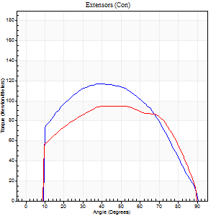
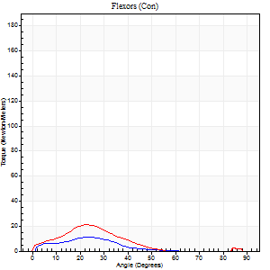
Right Side Curves Left Side Curves
Isokinetic Con/Con |  |  |  | Extensors (Con) |  | Flexors (Con)
Speed 120/120 d/s 3 Reps |  |  |  | Value | Cof Var | %BW | Value | Cof Var | %BW | Ratio

TORQUE PARAMETERS
Peak Torque (Newton-Meters - Best Repetition)
Right |  |  |  | 117 | 0.1 | 72 | 11 | 0.58 | 6 | 9
Left |  |  |  | 95 | 0.01 | 60 | 20 | 0.56 | 12 | 21
Deficit |  |  |  | 19 |  |  | 47
Work per Repetition (Newton-Meters - Best Repetition)
Right |  |  |  | 125 | 0.11 | 77 | 5 | 0.78 | 3 | 4
Left |  |  |  | 108 | 0.02 | 69 | 12 | 0.69 | 9 | 11
Deficit |  |  |  | 13 |  |  | 56
Average Power per Repetition (Watts - Best Repetition)
Right |  |  |  | 135 | 0.11 | 84 | 5 | 0.9 | 2 | 4
Left |  |  |  | 125 | 0.05 | 79 | 12 | 0.88 | 7 | 10
Deficit |  |  |  | 7 |  |  | 58
POSITION PARAMETERS
Joint Angle at Peak Torque (Degrees)
Right |  |  |  | 47 | 0.14 |  | 12 | 0.81
Left |  |  |  | 49 | 0.16 |  | 16 | 0.77
Range of Motion (Degrees)
Right |  |  |  | 0 | 0.54 |  | 89 | 0.01
Left |  |  |  | 0 | 0.28 |  | 90 | 0
TIME PARAMETERS
Time to Peak Torque (Seconds)
Right |  |  |  | 0.46 | 0.12 |  | 0.22 | 0.34
Left |  |  |  | 0.44 | 0.03 |  | 0.25 | 0.55
Time Peak Torque Held (Seconds)
Right |  |  |  | 0.05 | 0.81 |  | 0 | 0
Left |  |  |  | 0.03 | 0.35 |  | 0.02 | 1.32
Force Decay Time (Seconds)
Right |  |  |  | 0.42 | 0.15 |  | 0.97 | 0.24
Left |  |  |  | 0.45 | 0.13 |  | 1.91 | 0.95
Reciprocal Delay (Seconds)
Right |  |  |  | 0.43 | 0.03 |  | 0.26 | 0.45
Left |  |  |  | 0.28 | 0.03 |  | 0.24 | 0.25
Delay Time (Seconds)
Right |  |  |  | -0.04 | 0 |  | -0.01 | -3.77
Left |  |  |  | -0.03 | -1.41 |  | -0.03 | -0.33
HUMAC2015® Version: 15.000.0074 © Computer Sports Medicine, Inc. www.csmisolutions.com

Use File, Preference to set Report Heading
Long Form Torque vs. Position Report - Knee Extension/Flexion
Name: |  |  |  | , | ID: | 3018 | Right/Left: | 30.09.2021 30.09.2021
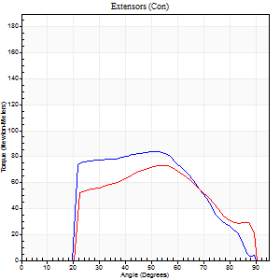
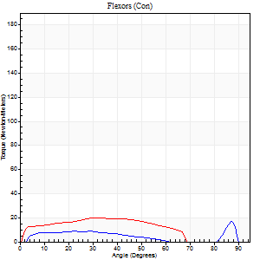
Right Side Curves Left Side Curves
Isokinetic Con/Con |  |  |  | Extensors (Con) |  | Flexors (Con)
Speed 240/240 d/s 3 Reps |  |  |  | Value | Cof Var | %BW | Value | Cof Var | %BW | Ratio

TORQUE PARAMETERS
Peak Torque (Newton-Meters - Best Repetition)
Right |  |  |  | 84 | 0.28 | 54 | 16 | 0.66 | 9 | 19
Left |  |  |  | 73 | 0.14 | 45 | 20 | 0.55 | 12 | 28
Deficit |  |  |  | 13 |  |  | 20
Work per Repetition (Newton-Meters - Best Repetition)
Right |  |  |  | 79 | 0.33 | 48 | 8 | 0.56 | 6 | 10
Left |  |  |  | 66 | 0.13 | 42 | 19 | 0.87 | 12 | 29
Deficit |  |  |  | 16 |  |  | 57
Average Power per Repetition (Watts - Best Repetition)
Right |  |  |  | 155 | 0.43 | 97 | 12 | 0.72 | 7 | 8
Left |  |  |  | 122 | 0.17 | 77 | 33 | 1.01 | 20 | 27
Deficit |  |  |  | 21 |  |  | 64
POSITION PARAMETERS
Joint Angle at Peak Torque (Degrees)
Right |  |  |  | 48 | 0.03 |  | 61 | 0.8
Left |  |  |  | 52 | 0.06 |  | 16 | 0.89
Range of Motion (Degrees)
Right |  |  |  | 2 | 0.06 |  | 90 | 0
Left |  |  |  | 1 | 0.27 |  | 90 | 0
TIME PARAMETERS
Time to Peak Torque (Seconds)
Right |  |  |  | 0.32 | 0.27 |  | 0.57 | 0.96
Left |  |  |  | 0.25 | 0.03 |  | 0.19 | 0.25
Time Peak Torque Held (Seconds)
Right |  |  |  | 0.01 | 0.43 |  | 0.02 | 1.73
Left |  |  |  | 0 | 0 |  | 0.01 | 1.15
Force Decay Time (Seconds)
Right |  |  |  | 0.25 | 0.08 |  | 0.16 | 1.89
Left |  |  |  | 0.3 | 0.12 |  | 0.49 | 0.37
Reciprocal Delay (Seconds)
Right |  |  |  | 0.2 | 0.57 |  | 0.09 | 0.33
Left |  |  |  | 0.09 | 0.31 |  | 0.12 | 0.36
Delay Time (Seconds)
Right |  |  |  | -0.05 | -0.57 |  | 0.04 | 0.5
Left |  |  |  | -0.03 | -0.47 |  | -0.02 | -0.25
HUMAC2015® Version: 15.000.0074 © Computer Sports Medicine, Inc. www.csmisolutions.com

Use File, Preference to set Report Heading
Isometric - Knee Extension/Flexion
Name: |  |  |  | , | ID: | 3018 | Right/Left: | 30.09.2021 30.09.2021

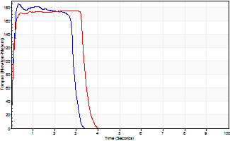
Isometric Extensors (Con) Angle 60 Time 10 Repetition 2 (Best Repetition)
 | Value | Cof Var | %BW
Peak Torque (Newton-Meters)
Right | 186 | 0.02 | 116
Left | 175 | 0.03 | 110
Deficit | 6
Average Torque (Newton-Meters)
Right | 53 | 0.05 | 33
Left | 57 | 0.29 | 36
Deficit | 7
Peak Torque Slope (Newton-Meters/Seconds)
Right | 545 | 0.91 | 340
Left | 241 | 0.83 | 150 |  | Right Side Curves Left Side Curves
Deficit | 56
Time to Half Peak Torque (Seconds)
Right | 0.11 | 0.26
Left | 0.14 | 0.51
Time to Peak Torque (Seconds)
Right | 0.94 | 0.92
Left | 1.75 | 0.86
HUMAC2015® Version: 15.000.0074 © Computer Sports Medicine, Inc. www.csmisolutions.com

mid1
Use File, Preference to set Report Heading
Long Form Torque vs. Position Report - Knee Extension/Flexion
Name: |  |  |  | , | ID: | 3018 | Right/Left: | 18.11.2021 18.11.2021
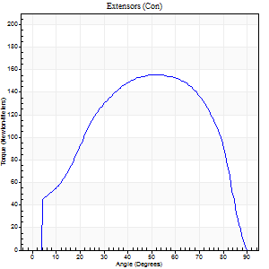
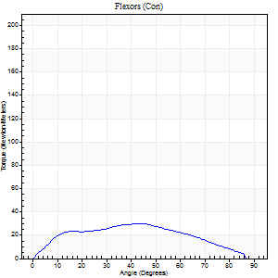
Right Side Curves Left Side Curves
Isokinetic Con/Con |  |  |  | Extensors (Con) |  | Flexors (Con)
Speed 60/60 d/s 3 Reps |  |  |  | Value | Cof Var | %BW | Value | Cof Var | %BW | Ratio

TORQUE PARAMETERS
Peak Torque (Newton-Meters - Best Repetition)
Right |  |  |  | 156 | 0.07 | 98 | 30 | 0.48 | 18 | 19
Left |  |  |  | 141 | 0.02 | 89 | 38 | 0.36 | 24 | 27
Deficit |  |  |  | 0 |  |  | 0
Work per Repetition (Newton-Meters - Best Repetition)
Right |  |  |  | 170 | 0.04 | 107 | 30 | 0.55 | 18 | 18
Left |  |  |  | 142 | 0.08 | 89 | 33 | 0.45 | 21 | 23
Deficit |  |  |  | 0 |  |  | 0
Average Power per Repetition (Watts - Best Repetition)
Right |  |  |  | 106 | 0.03 | 66 | 19 | 0.61 | 11 | 18
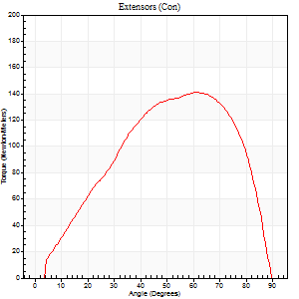
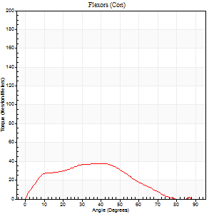
Left |  |  |  | 93 | 0.09 | 57 | 20 | 0.45 | 13 | 22
Deficit |  |  |  | 0 |  |  | 0
POSITION PARAMETERS
Joint Angle at Peak Torque (Degrees)
Right |  |  |  | 51 | 0.04 |  | 32 | 0.3
Left |  |  |  | 58 | 0.11 |  | 25 | 0.55
Range of Motion (Degrees)
Right |  |  |  | 0 | 0.47 |  | 90 | 0
Left |  |  |  | 0 | 0.54 |  | 90 | 0
TIME PARAMETERS
Time to Peak Torque (Seconds)
Right |  |  |  | 0.69 | 0.03 |  | 0.6 | 0.24
Left |  |  |  | 0.49 | 0.01 |  | 0.45 | 0.5
Time Peak Torque Held (Seconds)
Right |  |  |  | 0.07 | 0.52 |  | 0.03 | 1
Left |  |  |  | 0.05 | 0.69 |  | 0.03 | 0.67
Force Decay Time (Seconds)
Right |  |  |  | 0.83 | 0.02 |  | 1.08 | 0.32
Left |  |  |  | 0.94 | 0.15 |  | 1.13 | 0.19
Reciprocal Delay (Seconds)
Right |  |  |  | 0.17 | 0.58 |  | 0.31 | 0.3
Left |  |  |  | 0.2 | 0.24 |  | 0.15 | 0.3
Delay Time (Seconds)
Right |  |  |  | -0.01 | -1.41 |  | -0.01 | -1.89
Left |  |  |  | 0 | 0 |  | -0.01 | -0.87
HUMAC2015® Version: 15.000.0074 © Computer Sports Medicine, Inc. www.csmisolutions.com

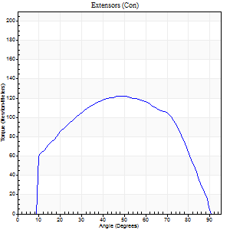
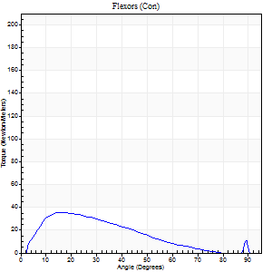
Use File, Preference to set Report Heading
Long Form Torque vs. Position Report - Knee Extension/Flexion
Name: |  |  |  | , | ID: | 3018 | Right/Left: | 18.11.2021 18.11.2021

Right Side Curves Left Side Curves
Isokinetic Con/Con |  |  |  | Extensors (Con) |  | Flexors (Con)
Speed 120/120 d/s 3 Reps |  |  |  | Value | Cof Var | %BW | Value | Cof Var | %BW | Ratio

TORQUE PARAMETERS
Peak Torque (Newton-Meters - Best Repetition)
Right |  |  |  | 122 | 0.02 | 77 | 35 | 0.18 | 21 | 29
Left |  |  |  | 115 | 0.04 | 72 | 20 | 0.18 | 12 | 18
Deficit |  |  |  | 0 |  |  | 0
Work per Repetition (Newton-Meters - Best Repetition)
Right |  |  |  | 133 | 0.02 | 83 | 31 | 0.2 | 21 | 23
Left |  |  |  | 123 | 0.05 | 77 | 12 | 0.07 | 9 | 10
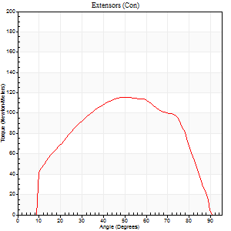
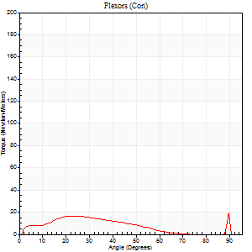
Deficit |  |  |  | 0 |  |  | 0
Average Power per Repetition (Watts - Best Repetition)
Right |  |  |  | 159 | 0.01 | 99 | 38 | 0.18 | 24 | 24
Left |  |  |  | 150 | 0.08 | 95 | 13 | 0.13 | 9 | 9
Deficit |  |  |  | 0 |  |  | 0
POSITION PARAMETERS
Joint Angle at Peak Torque (Degrees)
Right |  |  |  | 49 | 0.04 |  | 25 | 0.47
Left |  |  |  | 50 | 0.08 |  | 46 | 0.82
Range of Motion (Degrees)
Right |  |  |  | 1 | 0.04 |  | 90 | 0
Left |  |  |  | 1 | 1.12 |  | 90 | 0
TIME PARAMETERS
Time to Peak Torque (Seconds)
Right |  |  |  | 0.39 | 0.02 |  | 0.22 | 0.43
Left |  |  |  | 0.39 | 0.04 |  | 0.54 | 0.65
Time Peak Torque Held (Seconds)
Right |  |  |  | 0.03 | 0.43 |  | 0.02 | 0.25
Left |  |  |  | 0.03 | 0.58 |  | 0 | 0
Force Decay Time (Seconds)
Right |  |  |  | 0.39 | 0.01 |  | 0.55 | 0.18
Left |  |  |  | 0.44 | 0.07 |  | 0.44 | 0.93
Reciprocal Delay (Seconds)
Right |  |  |  | 0.09 | 0.07 |  | 0.08 | 0.38
Left |  |  |  | 0.12 | 0.31 |  | 0.15 | 0.44
Delay Time (Seconds)
Right |  |  |  | -0.01 | -0.47 |  | 0.03 | 0.75
Left |  |  |  | 0 | -1.41 |  | -0.03 | -0.57
HUMAC2015® Version: 15.000.0074 © Computer Sports Medicine, Inc. www.csmisolutions.com
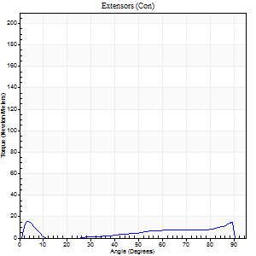
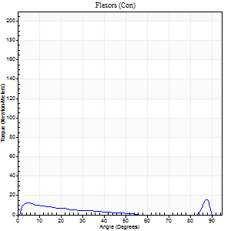
Use File, Preference to set Report Heading
Long Form Torque vs. Position Report - Knee Extension/Flexion
Name: |  |  |  | , | ID: | 3018 | Right/Left: | 18.11.2021 18.11.2021

Right Side Curves Left Side Curves
Isokinetic Con/Con |  |  |  | Extensors (Con) |  | Flexors (Con)
Speed 240/240 d/s 3 Reps |  |  |  | Value | Cof Var | %BW | Value | Cof Var | %BW | Ratio

TORQUE PARAMETERS
Peak Torque (Newton-Meters - Best Repetition)
Right |  |  |  | 16 | 0.25 | 9 | 16 | 0.34 | 9 | 100
Left |  |  |  | 77 | 0.03 | 48 | 24 | 0.6 | 15 | 32
Deficit |  |  |  | 0 |  |  | 0
Work per Repetition (Newton-Meters - Best Repetition)
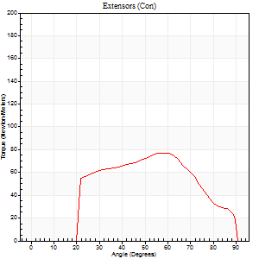
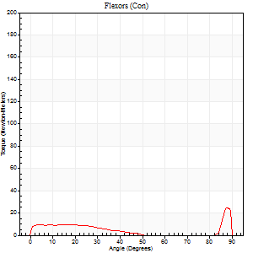
Right |  |  |  | 9 | 0.81 | 6 | 3 | 0.88 | 3 | 29
Left |  |  |  | 71 | 0.04 | 45 | 7 | 0.3 | 3 | 10
Deficit |  |  |  | 0 |  |  | 0
Average Power per Repetition (Watts - Best Repetition)
Right |  |  |  | 13 | 0.41 | 9 | 9 | 0.3 | 7 | 69
Left |  |  |  | 125 | 0.08 | 79 | 11 | 0.33 | 7 | 9
Deficit |  |  |  | 0 |  |  | 0
POSITION PARAMETERS
Joint Angle at Peak Torque (Degrees)
Right |  |  |  | 58 | 0.82 |  | 60 | 0.81
Left |  |  |  | 58 | 0.03 |  | 65 | 0.61
Range of Motion (Degrees)
Right |  |  |  | 2 | 0.03 |  | 90 | 0
Left |  |  |  | 0 | 0.98 |  | 90 | 0
TIME PARAMETERS
Time to Peak Torque (Seconds)
Right |  |  |  | 0.02 | 0.71 |  | 0.05 | 0.35
Left |  |  |  | 0.21 | 0 |  | 0.56 | 0.4
Time Peak Torque Held (Seconds)
Right |  |  |  | 0.01 | 1.73 |  | 0.01 | 0.87
Left |  |  |  | 0.01 | 1.73 |  | 0.03 | 1.2
Force Decay Time (Seconds)
Right |  |  |  | 0.36 | 0.83 |  | 0.23 | 1.4
Left |  |  |  | 0.34 | 0.03 |  | 0.14 | 1.74
Reciprocal Delay (Seconds)
Right |  |  |  | 0.1 | 0.34 |  | 0.05 | 0.11
Left |  |  |  | 0.13 | 0.54 |  | 0.17 | 0.27
Delay Time (Seconds)
Right |  |  |  | 0.25 | 1.75 |  | 0.34 | 0.92
Left |  |  |  | -0.02 | -0.28 |  | -0.05 | -0.25
HUMAC2015® Version: 15.000.0074 © Computer Sports Medicine, Inc. www.csmisolutions.com

Use File, Preference to set Report Heading
Isometric - Knee Extension/Flexion
Name: |  |  |  | , | ID: | 3018 | Right/Left: | 18.11.2021 18.11.2021

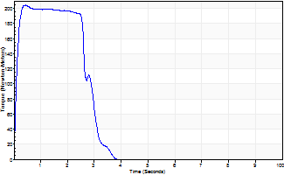
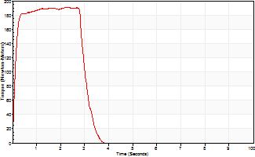
Isometric Extensors (Con) Angle 60 Time 10 Repetition 2 (Best Repetition)
 | Value | Cof Var | %BW
Peak Torque (Newton-Meters)
Right | 205 | 0.01 | 128
Left | 190 | 0.01 | 119
Deficit | 0
Average Torque (Newton-Meters)
Right | 61 | 0.07 | 39
Left | 56 | 0.2 | 36
Deficit | 0
Peak Torque Slope (Newton-Meters/Seconds)
Right | 454 | 0.77 | 283
Left | 138 | 0.34 | 86 |  | Right Side Curves Left Side Curves
Deficit | 0
Time to Half Peak Torque (Seconds)
Right | 0.09 | 0
Left | 0.11 | 0.07
Time to Peak Torque (Seconds)
Right | 0.96 | 0.77
Left | 1.8 | 0.35
HUMAC2015® Version: 15.000.0074 © Computer Sports Medicine, Inc. www.csmisolutions.com

mid2
Use File, Preference to set Report Heading
Long Form Torque vs. Position Report - Knee Extension/Flexion
Name: |  |  |  | , | ID: | 3018 | Right/Left: | 20.11.2021 20.11.2021
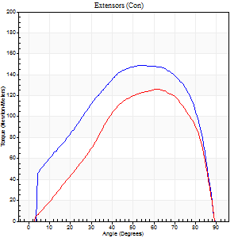
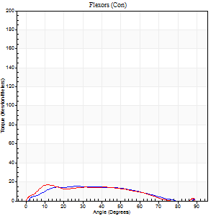
Right Side Curves Left Side Curves
Isokinetic Con/Con |  |  |  | Extensors (Con) |  | Flexors (Con)
Speed 60/60 d/s 3 Reps |  |  |  | Value | Cof Var | %BW | Value | Cof Var | %BW | Ratio

TORQUE PARAMETERS
Peak Torque (Newton-Meters - Best Repetition)
Right |  |  |  | 149 | 0.01 | 92 | 15 | 0.13 | 9 | 10
Left |  |  |  | 126 | 0.03 | 77 | 16 | 0.38 | 9 | 13
Deficit |  |  |  | 15 |  |  | 8
Work per Repetition (Newton-Meters - Best Repetition)
Right |  |  |  | 167 | 0.02 | 104 | 15 | 0.21 | 9 | 9
Left |  |  |  | 122 | 0.03 | 77 | 15 | 0.48 | 9 | 12
Deficit |  |  |  | 27 |  |  | 0
Average Power per Repetition (Watts - Best Repetition)
Right |  |  |  | 108 | 0.03 | 68 | 9 | 0.35 | 7 | 8
Left |  |  |  | 80 | 0.03 | 51 | 8 | 0.41 | 4 | 10
Deficit |  |  |  | 26 |  |  | 11
POSITION PARAMETERS
Joint Angle at Peak Torque (Degrees)
Right |  |  |  | 54 | 0.01 |  | 30 | 0.24
Left |  |  |  | 61 | 0.01 |  | 16 | 0.24
Range of Motion (Degrees)
Right |  |  |  | 0 | 0.47 |  | 90 | 0
Left |  |  |  | 1 | 0.26 |  | 90 | 0
TIME PARAMETERS
Time to Peak Torque (Seconds)
Right |  |  |  | 0.61 | 0.02 |  | 0.55 | 0.25
Left |  |  |  | 0.49 | 0.01 |  | 0.31 | 0.2
Time Peak Torque Held (Seconds)
Right |  |  |  | 0.07 | 0.14 |  | 0.02 | 1.73
Left |  |  |  | 0.03 | 0.46 |  | 0 | 0
Force Decay Time (Seconds)
Right |  |  |  | 0.87 | 0.01 |  | 1.33 | 0.16
Left |  |  |  | 1 | 0 |  | 1.45 | 0.16
Reciprocal Delay (Seconds)
Right |  |  |  | 0.3 | 0.33 |  | 0.29 | 0.21
Left |  |  |  | 0.28 | 0.22 |  | 0.11 | 0.31
Delay Time (Seconds)
Right |  |  |  | 0.01 | 0.47 |  | 0.02 | 1.78
Left |  |  |  | 0.01 | 1.41 |  | -0.02 | -0.87
HUMAC2015® Version: 15.000.0074 © Computer Sports Medicine, Inc. www.csmisolutions.com

Use File, Preference to set Report Heading
Long Form Torque vs. Position Report - Knee Extension/Flexion
Name: |  |  |  | , | ID: | 3018 | Right/Left: | 20.11.2021 20.11.2021
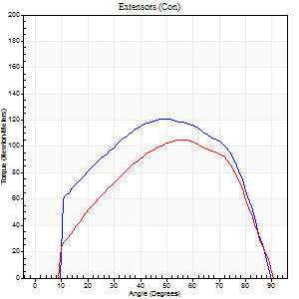
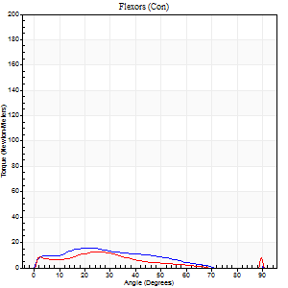
Right Side Curves Left Side Curves
Isokinetic Con/Con |  |  |  | Extensors (Con) |  | Flexors (Con)
Speed 120/120 d/s 3 Reps |  |  |  | Value | Cof Var | %BW | Value | Cof Var | %BW | Ratio

TORQUE PARAMETERS
Peak Torque (Newton-Meters - Best Repetition)
Right |  |  |  | 121 | 0 | 75 | 24 | 0.66 | 15 | 20
Left |  |  |  | 106 | 0.06 | 66 | 12 | 0.38 | 9 | 12
Deficit |  |  |  | 12 |  |  | 50
Work per Repetition (Newton-Meters - Best Repetition)
Right |  |  |  | 133 | 0.02 | 83 | 12 | 0.63 | 9 | 9
Left |  |  |  | 106 | 0.09 | 66 | 8 | 0.62 | 6 | 8
Deficit |  |  |  | 20 |  |  | 33
Average Power per Repetition (Watts - Best Repetition)
Right |  |  |  | 151 | 0.02 | 95 | 11 | 0.62 | 7 | 7
Left |  |  |  | 125 | 0.08 | 79 | 8 | 0.69 | 4 | 6
Deficit |  |  |  | 17 |  |  | 27
POSITION PARAMETERS
Joint Angle at Peak Torque (Degrees)
Right |  |  |  | 50 | 0.01 |  | 41 | 1.03
Left |  |  |  | 56 | 0.05 |  | 46 | 0.82
Range of Motion (Degrees)
Right |  |  |  | 0 | 0.16 |  | 90 | 0
Left |  |  |  | 1 | 0.16 |  | 90 | 0
TIME PARAMETERS
Time to Peak Torque (Seconds)
Right |  |  |  | 0.38 | 0.02 |  | 0.56 | 0.97
Left |  |  |  | 0.34 | 0.02 |  | 0.57 | 0.79
Time Peak Torque Held (Seconds)
Right |  |  |  | 0.03 | 0.33 |  | 0 | 0
Left |  |  |  | 0.03 | 0.33 |  | 0 | 0
Force Decay Time (Seconds)
Right |  |  |  | 0.48 | 0.03 |  | 0.48 | 1.15
Left |  |  |  | 0.47 | 0.05 |  | 0.43 | 0.99
Reciprocal Delay (Seconds)
Right |  |  |  | 0.38 | 0.25 |  | 0.15 | 0.21
Left |  |  |  | 0.18 | 0.08 |  | 0.08 | 0.18
Delay Time (Seconds)
Right |  |  |  | 0 | 0 |  | 0.01 | 3.77
Left |  |  |  | -0.01 | -0.47 |  | -0.02 | 0
HUMAC2015® Version: 15.000.0074 © Computer Sports Medicine, Inc. www.csmisolutions.com

Use File, Preference to set Report Heading
Long Form Torque vs. Position Report - Knee Extension/Flexion
Name: |  |  |  | , | ID: | 3018 | Right/Left: | 20.11.2021 20.11.2021
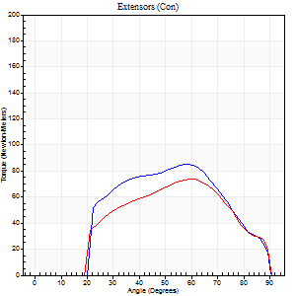
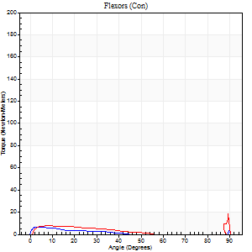
Right Side Curves Left Side Curves
Isokinetic Con/Con |  |  |  | Extensors (Con) |  | Flexors (Con)
Speed 240/240 d/s 3 Reps |  |  |  | Value | Cof Var | %BW | Value | Cof Var | %BW | Ratio

TORQUE PARAMETERS
Peak Torque (Newton-Meters - Best Repetition)
Right |  |  |  | 85 | 0.02 | 54 | 19 | 0.51 | 12 | 22
Left |  |  |  | 75 | 0.07 | 48 | 20 | 0.56 | 12 | 27
Deficit |  |  |  | 13 |  |  | 7
Work per Repetition (Newton-Meters - Best Repetition)
Right |  |  |  | 81 | 0.03 | 51 | 5 | 0.45 | 3 | 7
Left |  |  |  | 66 | 0.16 | 42 | 5 | 1 | 3 | 8
Deficit |  |  |  | 18 |  |  | 0
Average Power per Repetition (Watts - Best Repetition)
Right |  |  |  | 146 | 0.02 | 90 | 6 | 0.98 | 4 | 4
Left |  |  |  | 128 | 0.14 | 79 | 5 | 1.5 | 2 | 4
Deficit |  |  |  | 12 |  |  | 17
POSITION PARAMETERS
Joint Angle at Peak Torque (Degrees)
Right |  |  |  | 53 | 0.16 |  | 64 | 0.71
Left |  |  |  | 60 | 0.02 |  | 64 | 0.68
Range of Motion (Degrees)
Right |  |  |  | 0 | 0.47 |  | 90 | 0
Left |  |  |  | 1 | 1.05 |  | 90 | 0
TIME PARAMETERS
Time to Peak Torque (Seconds)
Right |  |  |  | 0.24 | 0.18 |  | 0.97 | 0.53
Left |  |  |  | 0.2 | 0.03 |  | 0.63 | 0.49
Time Peak Torque Held (Seconds)
Right |  |  |  | 0.01 | 0 |  | 0 | 0
Left |  |  |  | 0.01 | 1.73 |  | 0.01 | 1.73
Force Decay Time (Seconds)
Right |  |  |  | 0.31 | 0.09 |  | 2.85 | 1.92
Left |  |  |  | 0.32 | 0.08 |  | 1.54 | 1.83
Reciprocal Delay (Seconds)
Right |  |  |  | 0.59 | 0.53 |  | 0.24 | 0.39
Left |  |  |  | 0.21 | 0.74 |  | 0.12 | 0.85
Delay Time (Seconds)
Right |  |  |  | -0.02 | 0 |  | 0 | -13.86
Left |  |  |  | -0.01 | -0.47 |  | 0.1 | 2.61
HUMAC2015® Version: 15.000.0074 © Computer Sports Medicine, Inc. www.csmisolutions.com

Use File, Preference to set Report Heading
Isometric - Knee Extension/Flexion
Name: |  |  |  | , | ID: | 3018 | Right/Left: | 20.11.2021 20.11.2021

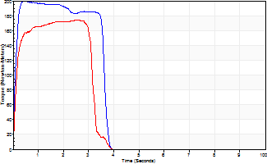
Isometric Extensors (Con) Angle 60 Time 10 Repetition 2 (Best Repetition)
 | Value | Cof Var | %BW
Peak Torque (Newton-Meters)
Right | 199 | 0.01 | 125
Left | 174 | 0.03 | 107
Deficit | 13
Average Torque (Newton-Meters)
Right | 80 | 0.11 | 51
Left | 56 | 0.06 | 36
Deficit | 31
Peak Torque Slope (Newton-Meters/Seconds)
Right | 499 | 0.46 | 311
Left | 121 | 0.39 | 75 |  | Right Side Curves Left Side Curves
Deficit | 76
Time to Half Peak Torque (Seconds)
Right | 0.11 | 0.2
Left | 0.11 | 0.13
Time to Peak Torque (Seconds)
Right | 0.58 | 0.46
Left | 1.94 | 0.42
HUMAC2015® Version: 15.000.0074 © Computer Sports Medicine, Inc. www.csmisolutions.com

post1
Use File, Preference to set Report Heading
Long Form Torque vs. Position Report - Knee Extension/Flexion
Name: |  |  |  | , | ID: | 3018 | Right/Left: | 07.12.2021 07.12.2021
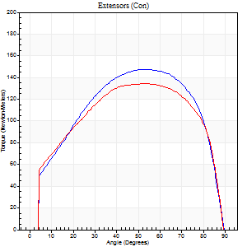
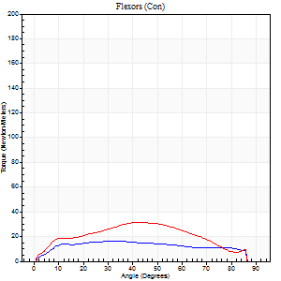
Right Side Curves Left Side Curves
Isokinetic Con/Con |  |  |  | Extensors (Con) |  | Flexors (Con)
Speed 60/60 d/s 3 Reps |  |  |  | Value | Cof Var | %BW | Value | Cof Var | %BW | Ratio

TORQUE PARAMETERS
Peak Torque (Newton-Meters - Best Repetition)
Right |  |  |  | 148 | 0.04 | 92 | 16 | 0.3 | 9 | 11
Left |  |  |  | 134 | 0.02 | 83 | 31 | 0.6 | 21 | 23
Deficit |  |  |  | 9 |  |  | 48
Work per Repetition (Newton-Meters - Best Repetition)
Right |  |  |  | 168 | 0.01 | 104 | 19 | 0.44 | 12 | 11
Left |  |  |  | 159 | 0.05 | 98 | 31 | 0.69 | 21 | 20
Deficit |  |  |  | 6 |  |  | 39
Average Power per Repetition (Watts - Best Repetition)
Right |  |  |  | 108 | 0.01 | 68 | 12 | 0.44 | 7 | 11
Left |  |  |  | 102 | 0.01 | 64 | 20 | 0.83 | 13 | 20
Deficit |  |  |  | 6 |  |  | 40
POSITION PARAMETERS
Joint Angle at Peak Torque (Degrees)
Right |  |  |  | 55 | 0 |  | 41 | 0.21
Left |  |  |  | 48 | 0.1 |  | 30 | 0.38
Range of Motion (Degrees)
Right |  |  |  | 0 | 0 |  | 90 | 0
Left |  |  |  | 0 | 4.24 |  | 90 | 0
TIME PARAMETERS
Time to Peak Torque (Seconds)
Right |  |  |  | 0.6 | 0.01 |  | 0.76 | 0.2
Left |  |  |  | 0.69 | 0.15 |  | 0.53 | 0.34
Time Peak Torque Held (Seconds)
Right |  |  |  | 0.12 | 0.3 |  | 0.06 | 0.79
Left |  |  |  | 0.07 | 0.38 |  | 0.04 | 1.73
Force Decay Time (Seconds)
Right |  |  |  | 0.83 | 0.05 |  | 0.78 | 0.2
Left |  |  |  | 0.74 | 0.13 |  | 3.11 | 1.23
Reciprocal Delay (Seconds)
Right |  |  |  | 0.38 | 0.24 |  | 0.32 | 0.13
Left |  |  |  | 0.2 | 0.14 |  | 0.2 | 0.57
Delay Time (Seconds)
Right |  |  |  | 0.01 | 0 |  | 0.02 | 2
Left |  |  |  | 0.02 | 0 |  | -0.01 | -2.29
HUMAC2015® Version: 15.000.0074 © Computer Sports Medicine, Inc. www.csmisolutions.com

Use File, Preference to set Report Heading
Long Form Torque vs. Position Report - Knee Extension/Flexion
Name: |  |  |  | , | ID: | 3018 | Right/Left: | 07.12.2021 07.12.2021
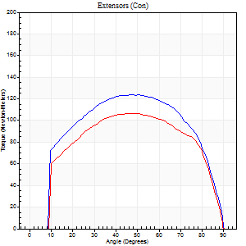
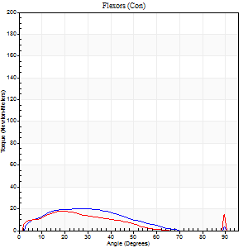
Right Side Curves Left Side Curves
Isokinetic Con/Con |  |  |  | Extensors (Con) |  | Flexors (Con)
Speed 120/120 d/s 3 Reps |  |  |  | Value | Cof Var | %BW | Value | Cof Var | %BW | Ratio

TORQUE PARAMETERS
Peak Torque (Newton-Meters - Best Repetition)
Right |  |  |  | 123 | 0.02 | 77 | 22 | 0.33 | 15 | 18
Left |  |  |  | 107 | 0.05 | 66 | 18 | 0.47 | 12 | 16
Deficit |  |  |  | 13 |  |  | 19
Work per Repetition (Newton-Meters - Best Repetition)
Right |  |  |  | 141 | 0.07 | 89 | 15 | 0.24 | 9 | 11
Left |  |  |  | 121 | 0.07 | 75 | 11 | 0.48 | 6 | 9
Deficit |  |  |  | 14 |  |  | 27
Average Power per Repetition (Watts - Best Repetition)
Right |  |  |  | 171 | 0.08 | 108 | 16 | 0.21 | 11 | 9
Left |  |  |  | 145 | 0.05 | 90 | 12 | 0.56 | 7 | 8
Deficit |  |  |  | 15 |  |  | 25
POSITION PARAMETERS
Joint Angle at Peak Torque (Degrees)
Right |  |  |  | 49 | 0.06 |  | 46 | 0.84
Left |  |  |  | 49 | 0.06 |  | 39 | 1.14
Range of Motion (Degrees)
Right |  |  |  | 1 | 0.79 |  | 90 | 0
Left |  |  |  | 1 | 1.01 |  | 90 | 0
TIME PARAMETERS
Time to Peak Torque (Seconds)
Right |  |  |  | 0.39 | 0.02 |  | 0.54 | 0.81
Left |  |  |  | 0.38 | 0.06 |  | 0.5 | 1.07
Time Peak Torque Held (Seconds)
Right |  |  |  | 0.04 | 0.16 |  | 0 | 1.73
Left |  |  |  | 0.03 | 0.96 |  | 0.06 | 1.73
Force Decay Time (Seconds)
Right |  |  |  | 0.41 | 0.07 |  | 0.37 | 1.19
Left |  |  |  | 0.41 | 0.07 |  | 0.43 | 1.15
Reciprocal Delay (Seconds)
Right |  |  |  | 0.22 | 0.36 |  | 0.16 | 0.39
Left |  |  |  | 0.24 | 0.21 |  | 0.12 | 0.69
Delay Time (Seconds)
Right |  |  |  | 0 | 0 |  | 0 | -8.66
Left |  |  |  | 0 | 0 |  | -0.01 | -2.29
HUMAC2015® Version: 15.000.0074 © Computer Sports Medicine, Inc. www.csmisolutions.com

Use File, Preference to set Report Heading
Long Form Torque vs. Position Report - Knee Extension/Flexion
Name: |  |  |  | , | ID: | 3018 | Right/Left: | 07.12.2021 07.12.2021
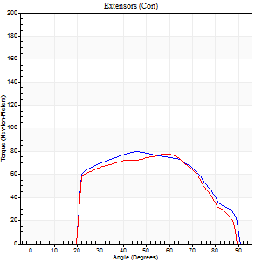
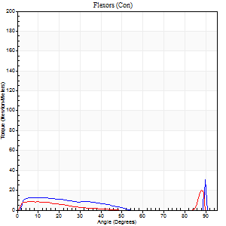
Right Side Curves Left Side Curves
Isokinetic Con/Con |  |  |  | Extensors (Con) |  | Flexors (Con)
Speed 240/240 d/s 3 Reps |  |  |  | Value | Cof Var | %BW | Value | Cof Var | %BW | Ratio

TORQUE PARAMETERS
Peak Torque (Newton-Meters - Best Repetition)
Right |  |  |  | 80 | 0.02 | 51 | 34 | 0.69 | 21 | 42
Left |  |  |  | 77 | 0.05 | 48 | 20 | 0.61 | 12 | 26
Deficit |  |  |  | 3 |  |  | 40
Work per Repetition (Newton-Meters - Best Repetition)
Right |  |  |  | 79 | 0.03 | 48 | 14 | 0.58 | 9 | 17
Left |  |  |  | 76 | 0.07 | 48 | 7 | 0.53 | 3 | 9
Deficit |  |  |  | 3 |  |  | 50
Average Power per Repetition (Watts - Best Repetition)
Right |  |  |  | 156 | 0.03 | 97 | 25 | 0.69 | 15 | 16
Left |  |  |  | 141 | 0.05 | 88 | 10 | 0.73 | 7 | 7
Deficit |  |  |  | 10 |  |  | 60
POSITION PARAMETERS
Joint Angle at Peak Torque (Degrees)
Right |  |  |  | 47 | 0.06 |  | 62 | 0.8
Left |  |  |  | 60 | 0 |  | 59 | 0.83
Range of Motion (Degrees)
Right |  |  |  | 2 | 0.02 |  | 90 | 0
Left |  |  |  | 1 | 0.99 |  | 90 | 0.01
TIME PARAMETERS
Time to Peak Torque (Seconds)
Right |  |  |  | 0.26 | 0.03 |  | 0.47 | 0.81
Left |  |  |  | 0.21 | 0 |  | 0.45 | 0.66
Time Peak Torque Held (Seconds)
Right |  |  |  | 0.01 | 1 |  | 0 | 0
Left |  |  |  | 0.01 | 0.87 |  | 0 | 0
Force Decay Time (Seconds)
Right |  |  |  | 0.23 | 0.03 |  | 0.16 | 2.11
Left |  |  |  | 0.32 | 0.04 |  | 0.43 | 1.59
Reciprocal Delay (Seconds)
Right |  |  |  | 0.15 | 0.28 |  | 0.05 | 0.2
Left |  |  |  | 0.11 | 0.07 |  | 0.1 | 0.64
Delay Time (Seconds)
Right |  |  |  | -0.01 | -0.47 |  | 0 | 0
Left |  |  |  | -0.03 | 0 |  | -0.02 | -0.65
HUMAC2015® Version: 15.000.0074 © Computer Sports Medicine, Inc. www.csmisolutions.com

Use File, Preference to set Report Heading
Isometric - Knee Extension/Flexion
Name: |  |  |  | , | ID: | 3018 | Right/Left: | 07.12.2021 07.12.2021

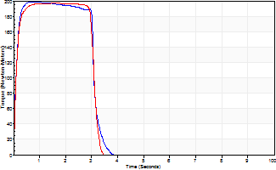
Isometric Extensors (Con) Angle 60 Time 10 Repetition 2 (Best Repetition)
 | Value | Cof Var | %BW
Peak Torque (Newton-Meters)
Right | 199 | 0 | 125
Left | 197 | 0.01 | 122
Deficit | 1
Average Torque (Newton-Meters)
Right | 64 | 0.05 | 39
Left | 66 | 0.09 | 42
Deficit | 4
Peak Torque Slope (Newton-Meters/Seconds)
Right | 341 | 0.32 | 213
Left | 121 | 0.02 | 75 |  | Right Side Curves Left Side Curves
Deficit | 65
Time to Half Peak Torque (Seconds)
Right | 0.11 | 0.18
Left | 0.1 | 0
Time to Peak Torque (Seconds)
Right | 0.75 | 0.33
Left | 1.63 | 0.03
HUMAC2015® Version: 15.000.0074 © Computer Sports Medicine, Inc. www.csmisolutions.com

post2
Use File, Preference to set Report Heading
Long Form Torque vs. Position Report - Knee Extension/Flexion
Name: |  |  |  | , | ID: | 3018 | Right/Left: | 09.12.2021 09.12.2021
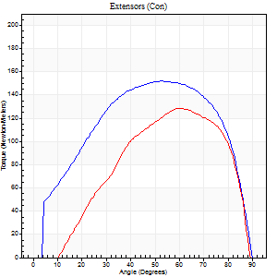
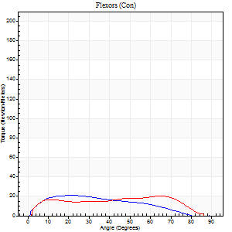
Right Side Curves Left Side Curves
Isokinetic Con/Con |  |  |  | Extensors (Con) |  | Flexors (Con)
Speed 60/60 d/s 3 Reps |  |  |  | Value | Cof Var | %BW | Value | Cof Var | %BW | Ratio

TORQUE PARAMETERS
Peak Torque (Newton-Meters - Best Repetition)
Right |  |  |  | 152 | 0.04 | 95 | 20 | 0.18 | 12 | 13
Left |  |  |  | 129 | 0.03 | 80 | 20 | 0.25 | 12 | 16
Deficit |  |  |  | 15 |  |  | 0
Work per Repetition (Newton-Meters - Best Repetition)
Right |  |  |  | 172 | 0.03 | 107 | 19 | 0.25 | 12 | 11
Left |  |  |  | 127 | 0.04 | 80 | 22 | 0.48 | 15 | 17
Deficit |  |  |  | 26 |  |  | 13
Average Power per Repetition (Watts - Best Repetition)
Right |  |  |  | 110 | 0.02 | 68 | 11 | 0.2 | 7 | 10
Left |  |  |  | 84 | 0.01 | 53 | 14 | 0.46 | 9 | 17
Deficit |  |  |  | 24 |  |  | 21
POSITION PARAMETERS
Joint Angle at Peak Torque (Degrees)
Right |  |  |  | 53 | 0.01 |  | 25 | 0.57
Left |  |  |  | 60 | 0.01 |  | 33 | 0.83
Range of Motion (Degrees)
Right |  |  |  | 0 | 0 |  | 90 | 0
Left |  |  |  | 1 | 0.91 |  | 90 | 0
TIME PARAMETERS
Time to Peak Torque (Seconds)
Right |  |  |  | 0.63 | 0 |  | 0.47 | 0.61
Left |  |  |  | 0.5 | 0.03 |  | 0.56 | 0.85
Time Peak Torque Held (Seconds)
Right |  |  |  | 0.11 | 0.2 |  | 0.09 | 1.18
Left |  |  |  | 0.05 | 0.12 |  | 0.01 | 1.73
Force Decay Time (Seconds)
Right |  |  |  | 0.81 | 0.03 |  | 1.09 | 0.22
Left |  |  |  | 0.92 | 0.07 |  | 0.94 | 0.5
Reciprocal Delay (Seconds)
Right |  |  |  | 0.48 | 0.62 |  | 0.36 | 0.36
Left |  |  |  | 0.15 | 0.05 |  | 0.1 | 0.48
Delay Time (Seconds)
Right |  |  |  | 0.01 | 0 |  | 0 | -12.49
Left |  |  |  | 0 | 1.41 |  | -0.03 | -0.33
HUMAC2015® Version: 15.000.0074 © Computer Sports Medicine, Inc. www.csmisolutions.com

Use File, Preference to set Report Heading
Long Form Torque vs. Position Report - Knee Extension/Flexion
Name: |  |  |  | , | ID: | 3018 | Right/Left: | 09.12.2021 09.12.2021
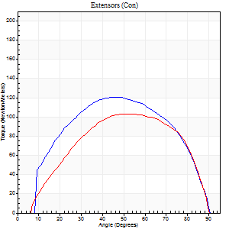
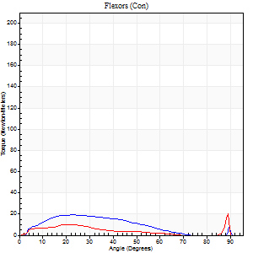
Right Side Curves Left Side Curves
Isokinetic Con/Con |  |  |  | Extensors (Con) |  | Flexors (Con)
Speed 120/120 d/s 3 Reps |  |  |  | Value | Cof Var | %BW | Value | Cof Var | %BW | Ratio

TORQUE PARAMETERS
Peak Torque (Newton-Meters - Best Repetition)
Right |  |  |  | 121 | 0.01 | 75 | 19 | 0.27 | 12 | 16
Left |  |  |  | 103 | 0.03 | 66 | 20 | 0.25 | 12 | 20
Deficit |  |  |  | 15 |  |  | 7
Work per Repetition (Newton-Meters - Best Repetition)
Right |  |  |  | 134 | 0.02 | 83 | 15 | 0.43 | 9 | 11
Left |  |  |  | 108 | 0.06 | 69 | 11 | 0.33 | 6 | 10
Deficit |  |  |  | 19 |  |  | 27
Average Power per Repetition (Watts - Best Repetition)
Right |  |  |  | 166 | 0.06 | 103 | 17 | 0.52 | 11 | 10
Left |  |  |  | 134 | 0.06 | 84 | 13 | 0.33 | 9 | 10
Deficit |  |  |  | 19 |  |  | 24
POSITION PARAMETERS
Joint Angle at Peak Torque (Degrees)
Right |  |  |  | 48 | 0.03 |  | 18 | 0.24
Left |  |  |  | 54 | 0.05 |  | 43 | 0.93
Range of Motion (Degrees)
Right |  |  |  | 1 | 0.76 |  | 90 | 0
Left |  |  |  | 1 | 0.07 |  | 90 | 0
TIME PARAMETERS
Time to Peak Torque (Seconds)
Right |  |  |  | 0.38 | 0.06 |  | 0.18 | 0.11
Left |  |  |  | 0.34 | 0.02 |  | 0.46 | 0.9
Time Peak Torque Held (Seconds)
Right |  |  |  | 0.05 | 0.12 |  | 0.01 | 0.87
Left |  |  |  | 0.04 | 0.13 |  | 0.02 | 1
Force Decay Time (Seconds)
Right |  |  |  | 0.39 | 0.09 |  | 0.75 | 0.15
Left |  |  |  | 0.43 | 0.07 |  | 0.37 | 0.87
Reciprocal Delay (Seconds)
Right |  |  |  | 0.13 | 0.05 |  | 0.09 | 0.59
Left |  |  |  | 0.1 | 0.14 |  | 0.06 | 0.24
Delay Time (Seconds)
Right |  |  |  | -0.01 | -1.41 |  | 0.02 | 0.69
Left |  |  |  | -0.01 | 0 |  | -0.01 | -2.29
HUMAC2015® Version: 15.000.0074 © Computer Sports Medicine, Inc. www.csmisolutions.com

Use File, Preference to set Report Heading
Long Form Torque vs. Position Report - Knee Extension/Flexion
Name: |  |  |  | , | ID: | 3018 | Right/Left: | 09.12.2021 09.12.2021
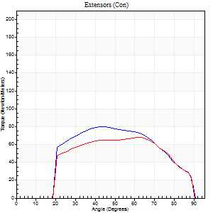
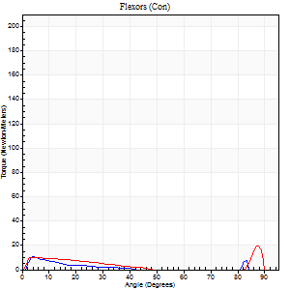
Right Side Curves Left Side Curves
Isokinetic Con/Con |  |  |  | Extensors (Con) |  | Flexors (Con)
Speed 240/240 d/s 3 Reps |  |  |  | Value | Cof Var | %BW | Value | Cof Var | %BW | Ratio

TORQUE PARAMETERS
Peak Torque (Newton-Meters - Best Repetition)
Right |  |  |  | 80 | 0.02 | 51 | 11 | 0.42 | 6 | 14
Left |  |  |  | 68 | 0.05 | 42 | 19 | 0.55 | 12 | 28
Deficit |  |  |  | 15 |  |  | 43
Work per Repetition (Newton-Meters - Best Repetition)
Right |  |  |  | 79 | 0.04 | 48 | 3 | 0.05 | 3 | 3
Left |  |  |  | 69 | 0.13 | 42 | 7 | 0.53 | 3 | 10
Deficit |  |  |  | 12 |  |  | 60
Average Power per Repetition (Watts - Best Repetition)
Right |  |  |  | 156 | 0.03 | 97 | 4 | 0.1 | 2 | 3
Left |  |  |  | 141 | 0.14 | 88 | 10 | 0.86 | 7 | 7
Deficit |  |  |  | 10 |  |  | 60
POSITION PARAMETERS
Joint Angle at Peak Torque (Degrees)
Right |  |  |  | 48 | 0.15 |  | 13 | 1.14
Left |  |  |  | 60 | 0.01 |  | 32 | 1.51
Range of Motion (Degrees)
Right |  |  |  | 2 | 0.08 |  | 90 | 0
Left |  |  |  | 1 | 0.03 |  | 90 | 0
TIME PARAMETERS
Time to Peak Torque (Seconds)
Right |  |  |  | 0.26 | 0 |  | 0.2 | 1.22
Left |  |  |  | 0.19 | 0.11 |  | 0.25 | 1.14
Time Peak Torque Held (Seconds)
Right |  |  |  | 0.01 | 0.87 |  | 0 | 1.73
Left |  |  |  | 0.01 | 0.87 |  | 0 | 1.73
Force Decay Time (Seconds)
Right |  |  |  | 0.24 | 0.14 |  | 0.63 | 0.31
Left |  |  |  | 0.29 | 0.02 |  | 0.81 | 0.99
Reciprocal Delay (Seconds)
Right |  |  |  | 0.11 | 0.07 |  | 0.06 | 0.44
Left |  |  |  | 0.09 | 0.07 |  | 0.06 | 0.1
Delay Time (Seconds)
Right |  |  |  | -0.01 | 0 |  | -0.01 | -2.29
Left |  |  |  | -0.02 | -0.71 |  | -0.03 | -0.33
HUMAC2015® Version: 15.000.0074 © Computer Sports Medicine, Inc. www.csmisolutions.com

Use File, Preference to set Report Heading
Isometric - Knee Extension/Flexion
Name: |  |  |  | , | ID: | 3018 | Right/Left: | 09.12.2021 09.12.2021

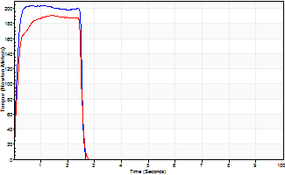
Isometric Extensors (Con) Angle 60 Time 10 Repetition 2 (Best Repetition)
 | Value | Cof Var | %BW
Peak Torque (Newton-Meters)
Right | 203 | 0.01 | 128
Left | 191 | 0.07 | 119
Deficit | 6
Average Torque (Newton-Meters)
Right | 52 | 0.05 | 33
Left | 45 | 0.02 | 27
Deficit | 13
Peak Torque Slope (Newton-Meters/Seconds)
Right | 318 | 0.44 | 199
Left | 136 | 0.19 | 85 |  | Right Side Curves Left Side Curves
Deficit | 57
Time to Half Peak Torque (Seconds)
Right | 0.11 | 0.13
Left | 0.1 | 0.28
Time to Peak Torque (Seconds)
Right | 0.91 | 0.44
Left | 1.52 | 0.12
HUMAC2015® Version: 15.000.0074 © Computer Sports Medicine, Inc. www.csmisolutions.com

