pre1
Use File, Preference to set Report Heading
Long Form Torque vs. Position Report - Knee Extension/Flexion
Name: |  |  |  | TR030FP3019, | ID: |  | Right/Left: | 10.09.2021 10.09.2021
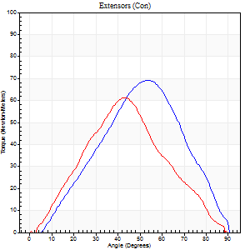
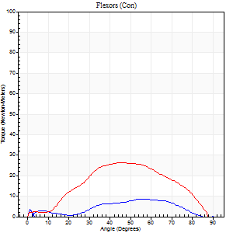
Right Side Curves Left Side Curves
Isokinetic Con/Con |  |  |  | Extensors (Con) |  | Flexors (Con)
Speed 60/60 d/s 3 Reps |  |  |  | Value | Cof Var | %BW | Value | Cof Var | %BW | Ratio

TORQUE PARAMETERS
Peak Torque (Newton-Meters - Best Repetition)
Right |  |  |  | 69 | 0.75 | 86 | 8 | 0.06 | 9 | 12
Left |  |  |  | 61 | 0.07 | 77 | 26 | 0.6 | 33 | 42
Deficit |  |  |  | 12 |  |  | 68
Work per Repetition (Newton-Meters - Best Repetition)
Right |  |  |  | 57 | 0.73 | 72 | 8 | 0.23 | 9 | 14
Left |  |  |  | 50 | 0.1 | 63 | 24 | 0.78 | 30 | 49
Deficit |  |  |  | 12 |  |  | 67
Average Power per Repetition (Watts - Best Repetition)
Right |  |  |  | 34 | 0.88 | 42 | 5 | 0.31 | 7 | 15
Left |  |  |  | 22 | 0.08 | 26 | 13 | 0.71 | 15 | 59
Deficit |  |  |  | 35 |  |  | 62
POSITION PARAMETERS
Joint Angle at Peak Torque (Degrees)
Right |  |  |  | 54 | 0.01 |  | 53 | 0.11
Left |  |  |  | 46 | 0.13 |  | 53 | 0.17
Range of Motion (Degrees)
Right |  |  |  | 1 | 0.85 |  | 89 | 0.01
Left |  |  |  | 0 | 0.71 |  | 90 | 0
TIME PARAMETERS
Time to Peak Torque (Seconds)
Right |  |  |  | 0.8 | 0.12 |  | 1.23 | 0.12
Left |  |  |  | 1.38 | 0.01 |  | 1.07 | 0.07
Time Peak Torque Held (Seconds)
Right |  |  |  | 0.02 | 1.25 |  | 0.05 | 0.94
Left |  |  |  | 0.04 | 0.42 |  | 0 | 0
Force Decay Time (Seconds)
Right |  |  |  | 1.05 | 0.25 |  | 0.61 | 0.2
Left |  |  |  | 0.75 | 0.1 |  | 0.59 | 0.25
Reciprocal Delay (Seconds)
Right |  |  |  | 0.98 | 0.12 |  | 0.31 | 1.1
Left |  |  |  | 0.14 | 0.1 |  | 0.22 | 0.84
Delay Time (Seconds)
Right |  |  |  | -0.14 | -0.51 |  | 0.48 | 0.08
Left |  |  |  | -0.05 | -0.79 |  | 0.18 | 1.72
HUMAC2015® Version: 15.000.0074 © Computer Sports Medicine, Inc. www.csmisolutions.com

Use File, Preference to set Report Heading
Long Form Torque vs. Position Report - Knee Extension/Flexion
Name: |  |  |  | TR030FP3019, | ID: |  | Right/Left: | 10.09.2021 10.09.2021
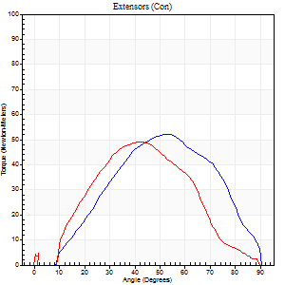
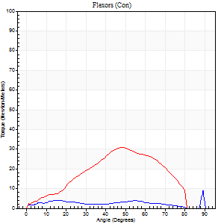
Right Side Curves Left Side Curves
Isokinetic Con/Con |  |  |  | Extensors (Con) |  | Flexors (Con)
Speed 120/120 d/s 3 Reps |  |  |  | Value | Cof Var | %BW | Value | Cof Var | %BW | Ratio

TORQUE PARAMETERS
Peak Torque (Newton-Meters - Best Repetition)
Right |  |  |  | 53 | 0.12 | 66 | 9 | 0.33 | 12 | 18
Left |  |  |  | 49 | 0.07 | 60 | 31 | 0.7 | 39 | 64
Deficit |  |  |  | 8 |  |  | 70
Work per Repetition (Newton-Meters - Best Repetition)
Right |  |  |  | 47 | 0.14 | 60 | 4 | 0.82 | 6 | 9
Left |  |  |  | 41 | 0.05 | 51 | 26 | 0.74 | 33 | 63
Deficit |  |  |  | 14 |  |  | 84
Average Power per Repetition (Watts - Best Repetition)
Right |  |  |  | 50 | 0.35 | 62 | 3 | 0.61 | 4 | 6
Left |  |  |  | 40 | 0.28 | 51 | 25 | 0.77 | 31 | 62
Deficit |  |  |  | 20 |  |  | 88
POSITION PARAMETERS
Joint Angle at Peak Torque (Degrees)
Right |  |  |  | 51 | 0.02 |  | 62 | 0.77
Left |  |  |  | 43 | 0.05 |  | 32 | 0.86
Range of Motion (Degrees)
Right |  |  |  | 1 | 0.52 |  | 90 | 0
Left |  |  |  | 0 | 0 |  | 89 | 0
TIME PARAMETERS
Time to Peak Torque (Seconds)
Right |  |  |  | 0.48 | 0.06 |  | 0.59 | 1.08
Left |  |  |  | 0.83 | 0.53 |  | 0.47 | 0.72
Time Peak Torque Held (Seconds)
Right |  |  |  | 0.01 | 0.43 |  | 0 | 1.73
Left |  |  |  | 0.03 | 0.22 |  | 0 | 1.73
Force Decay Time (Seconds)
Right |  |  |  | 0.59 | 0.37 |  | 0.27 | 1.54
Left |  |  |  | 0.49 | 0.19 |  | 0.65 | 0.75
Reciprocal Delay (Seconds)
Right |  |  |  | 0.81 | 0.11 |  | 0.39 | 0.71
Left |  |  |  | 0.65 | 0.03 |  | 0.52 | 0.09
Delay Time (Seconds)
Right |  |  |  | -0.1 | -0.14 |  | 0.52 | 1.22
Left |  |  |  | -0.19 | -2.72 |  | -0.1 | -0.06
HUMAC2015® Version: 15.000.0074 © Computer Sports Medicine, Inc. www.csmisolutions.com

Use File, Preference to set Report Heading
Long Form Torque vs. Position Report - Knee Extension/Flexion
Name: |  |  |  | TR030FP3019, | ID: |  | Right/Left: | 10.09.2021 10.09.2021
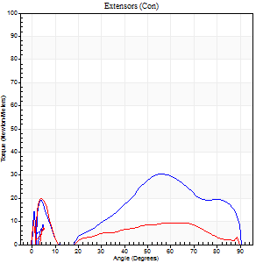
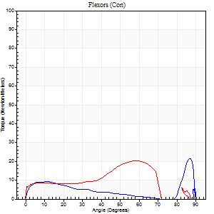
Right Side Curves Left Side Curves
Isokinetic Con/Con |  |  |  | Extensors (Con) |  | Flexors (Con)
Speed 240/240 d/s 3 Reps |  |  |  | Value | Cof Var | %BW | Value | Cof Var | %BW | Ratio

TORQUE PARAMETERS
Peak Torque (Newton-Meters - Best Repetition)
Right |  |  |  | 31 | 0.16 | 39 | 22 | 0.61 | 27 | 70
Left |  |  |  | 20 | 0.02 | 27 | 20 | 0.59 | 27 | 100
Deficit |  |  |  | 35 |  |  | 6
Work per Repetition (Newton-Meters - Best Repetition)
Right |  |  |  | 26 | 0.15 | 33 | 8 | 0.77 | 9 | 32
Left |  |  |  | 3 | 0.05 | 3 | 16 | 0.79 | 21 | 600
Deficit |  |  |  | 89 |  |  | 50
Average Power per Repetition (Watts - Best Repetition)
Right |  |  |  | 28 | 0.17 | 35 | 8 | 0.58 | 11 | 29
Left |  |  |  | 5 | 0.08 | 7 | 13 | 0.79 | 15 | 260
Deficit |  |  |  | 82 |  |  | 38
POSITION PARAMETERS
Joint Angle at Peak Torque (Degrees)
Right |  |  |  | 53 | 0.06 |  | 63 | 0.66
Left |  |  |  | 3 | 0.55 |  | 40 | 0.86
Range of Motion (Degrees)
Right |  |  |  | 0 | 0.28 |  | 90 | 0
Left |  |  |  | 0 | -1.41 |  | 89 | 0
TIME PARAMETERS
Time to Peak Torque (Seconds)
Right |  |  |  | 0.34 | 0.11 |  | 0.43 | 0.6
Left |  |  |  | 0.08 | 0.09 |  | 0.37 | 0.68
Time Peak Torque Held (Seconds)
Right |  |  |  | 0 | 1.73 |  | 0 | 0
Left |  |  |  | 0.12 | 1.73 |  | 0.01 | 0.43
Force Decay Time (Seconds)
Right |  |  |  | 0.62 | 0.03 |  | 0.41 | 0.34
Left |  |  |  | 0.18 | 1.34 |  | 0.84 | 0.37
Reciprocal Delay (Seconds)
Right |  |  |  | 0.39 | 0.15 |  | 0.29 | 0.62
Left |  |  |  | 0.15 | 0 |  | 0.56 | 0.14
Delay Time (Seconds)
Right |  |  |  | -0.08 | -0.09 |  | 0.11 | 2.73
Left |  |  |  | 0.64 | 0.08 |  | -0.09 | -0.18
HUMAC2015® Version: 15.000.0074 © Computer Sports Medicine, Inc. www.csmisolutions.com

Use File, Preference to set Report Heading
Isometric - Knee Extension/Flexion
Name: |  |  |  | TR030FP3019, | ID: |  | Right/Left: | 10.09.2021 10.09.2021

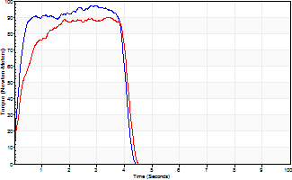
Isometric Extensors (Con) Angle 60 Time 10 Repetition 2 (Best Repetition)
 | Value | Cof Var | %BW
Peak Torque (Newton-Meters)
Right | 98 | 0.03 | 122
Left | 89 | 0.04 | 113
Deficit | 8
Average Torque (Newton-Meters)
Right | 35 | 0.08 | 45
Left | 33 | 0 | 42
Deficit | 8
Peak Torque Slope (Newton-Meters/Seconds)
Right | 114 | 0.75 | 142
Left | 33 | 0.14 | 41 |  | Right Side Curves Left Side Curves
Deficit | 71
Time to Half Peak Torque (Seconds)
Right | 0.17 | 0
Left | 0.23 | 0.12
Time to Peak Torque (Seconds)
Right | 1.79 | 0.78
Left | 2.96 | 0.18
HUMAC2015® Version: 15.000.0074 © Computer Sports Medicine, Inc. www.csmisolutions.com

pre2
Use File, Preference to set Report Heading
Long Form Torque vs. Position Report - Knee Extension/Flexion
Name: |  |  |  | TR030FP3019, | ID: |  | Right/Left: | 22.09.2021 22.09.2021
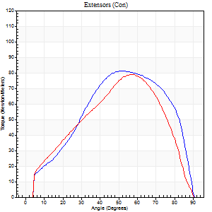
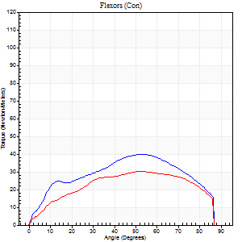
Right Side Curves Left Side Curves
Isokinetic Con/Con |  |  |  | Extensors (Con) |  | Flexors (Con)
Speed 60/60 d/s 3 Reps |  |  |  | Value | Cof Var | %BW | Value | Cof Var | %BW | Ratio

TORQUE PARAMETERS
Peak Torque (Newton-Meters - Best Repetition)
Right |  |  |  | 81 | 0.04 | 101 | 39 | 0.44 | 48 | 48
Left |  |  |  | 79 | 0.06 | 98 | 30 | 0.88 | 36 | 38
Deficit |  |  |  | 3 |  |  | 24
Work per Repetition (Newton-Meters - Best Repetition)
Right |  |  |  | 83 | 0.04 | 104 | 43 | 0.52 | 54 | 52
Left |  |  |  | 75 | 0.06 | 92 | 34 | 1.06 | 42 | 45
Deficit |  |  |  | 10 |  |  | 22
Average Power per Repetition (Watts - Best Repetition)
Right |  |  |  | 52 | 0.04 | 66 | 27 | 0.53 | 33 | 52
Left |  |  |  | 46 | 0.07 | 57 | 19 | 1.23 | 24 | 41
Deficit |  |  |  | 12 |  |  | 30
POSITION PARAMETERS
Joint Angle at Peak Torque (Degrees)
Right |  |  |  | 49 | 0.05 |  | 40 | 0.33
Left |  |  |  | 54 | 0.07 |  | 39 | 0.65
Range of Motion (Degrees)
Right |  |  |  | 0 | 0.28 |  | 90 | 0
Left |  |  |  | 0 | 0 |  | 90 | 0
TIME PARAMETERS
Time to Peak Torque (Seconds)
Right |  |  |  | 0.75 | 0.01 |  | 0.73 | 0.26
Left |  |  |  | 0.66 | 0.09 |  | 1.22 | 0.49
Time Peak Torque Held (Seconds)
Right |  |  |  | 0.06 | 0.54 |  | 0 | 0
Left |  |  |  | 0.04 | 0.71 |  | 0.23 | 1.54
Force Decay Time (Seconds)
Right |  |  |  | 0.79 | 0.07 |  | 0.87 | 0.24
Left |  |  |  | 0.91 | 0.1 |  | 1.59 | 1.08
Reciprocal Delay (Seconds)
Right |  |  |  | 0.23 | 0.25 |  | 0.38 | 0.24
Left |  |  |  | 0.26 | 0.49 |  | 0.99 | 0.39
Delay Time (Seconds)
Right |  |  |  | -0.02 | -0.28 |  | -0.03 | -1.08
Left |  |  |  | -0.03 | -1.41 |  | -0.27 | -0.91
HUMAC2015® Version: 15.000.0074 © Computer Sports Medicine, Inc. www.csmisolutions.com

Use File, Preference to set Report Heading
Long Form Torque vs. Position Report - Knee Extension/Flexion
Name: |  |  |  | TR030FP3019, | ID: |  | Right/Left: | 22.09.2021 22.09.2021
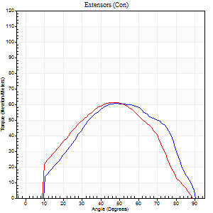
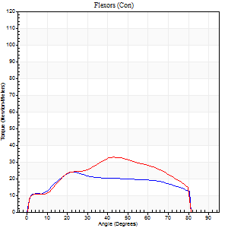
Right Side Curves Left Side Curves
Isokinetic Con/Con |  |  |  | Extensors (Con) |  | Flexors (Con)
Speed 120/120 d/s 3 Reps |  |  |  | Value | Cof Var | %BW | Value | Cof Var | %BW | Ratio

TORQUE PARAMETERS
Peak Torque (Newton-Meters - Best Repetition)
Right |  |  |  | 61 | 0.07 | 77 | 24 | 0.28 | 30 | 40
Left |  |  |  | 61 | 0.06 | 77 | 33 | 0.68 | 42 | 53
Deficit |  |  |  | 0 |  |  | 25
Work per Repetition (Newton-Meters - Best Repetition)
Right |  |  |  | 60 | 0.11 | 75 | 26 | 0.42 | 33 | 43
Left |  |  |  | 57 | 0.05 | 72 | 33 | 0.76 | 42 | 57
Deficit |  |  |  | 5 |  |  | 21
Average Power per Repetition (Watts - Best Repetition)
Right |  |  |  | 56 | 0.18 | 70 | 29 | 0.45 | 35 | 52
Left |  |  |  | 60 | 0.01 | 75 | 37 | 0.79 | 46 | 62
Deficit |  |  |  | 7 |  |  | 22
POSITION PARAMETERS
Joint Angle at Peak Torque (Degrees)
Right |  |  |  | 50 | 0.05 |  | 26 | 0.25
Left |  |  |  | 51 | 0.11 |  | 26 | 0.8
Range of Motion (Degrees)
Right |  |  |  | 0 | 0.13 |  | 90 | 0
Left |  |  |  | 0 | 1.21 |  | 90 | 0
TIME PARAMETERS
Time to Peak Torque (Seconds)
Right |  |  |  | 0.44 | 0.05 |  | 0.33 | 0.39
Left |  |  |  | 0.43 | 0.07 |  | 0.34 | 0.4
Time Peak Torque Held (Seconds)
Right |  |  |  | 0.02 | 0.99 |  | 0.01 | 1
Left |  |  |  | 0.02 | 0.49 |  | 0.08 | 1.42
Force Decay Time (Seconds)
Right |  |  |  | 0.58 | 0.05 |  | 0.57 | 0.17
Left |  |  |  | 0.48 | 0.15 |  | 0.52 | 0.57
Reciprocal Delay (Seconds)
Right |  |  |  | 0.13 | 0.05 |  | 0.12 | 0.05
Left |  |  |  | 0.11 | 0.13 |  | 0.35 | 0.72
Delay Time (Seconds)
Right |  |  |  | -0.04 | 0 |  | -0.03 | -0.78
Left |  |  |  | 0.01 | 0.47 |  | -0.06 | -0.73
HUMAC2015® Version: 15.000.0074 © Computer Sports Medicine, Inc. www.csmisolutions.com

Use File, Preference to set Report Heading
Long Form Torque vs. Position Report - Knee Extension/Flexion
Name: |  |  |  | TR030FP3019, | ID: |  | Right/Left: | 22.09.2021 22.09.2021
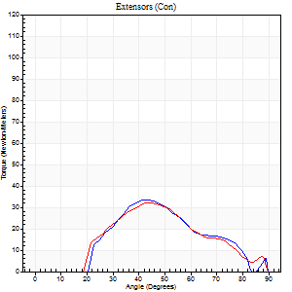
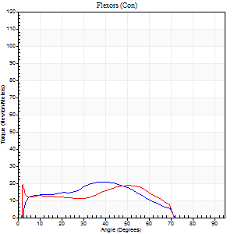
Right Side Curves Left Side Curves
Isokinetic Con/Con |  |  |  | Extensors (Con) |  | Flexors (Con)
Speed 240/240 d/s 3 Reps |  |  |  | Value | Cof Var | %BW | Value | Cof Var | %BW | Ratio

TORQUE PARAMETERS
Peak Torque (Newton-Meters - Best Repetition)
Right |  |  |  | 34 | 0.13 | 42 | 20 | 0.52 | 27 | 60
Left |  |  |  | 33 | 0.43 | 42 | 19 | 0.74 | 24 | 58
Deficit |  |  |  | 4 |  |  | 7
Work per Repetition (Newton-Meters - Best Repetition)
Right |  |  |  | 24 | 0.03 | 30 | 18 | 0.57 | 21 | 72
Left |  |  |  | 24 | 0.34 | 30 | 16 | 0.85 | 21 | 67
Deficit |  |  |  | 0 |  |  | 8
Average Power per Repetition (Watts - Best Repetition)
Right |  |  |  | 41 | 0.16 | 51 | 24 | 0.55 | 31 | 59
Left |  |  |  | 33 | 0.29 | 42 | 21 | 0.87 | 26 | 64
Deficit |  |  |  | 20 |  |  | 13
POSITION PARAMETERS
Joint Angle at Peak Torque (Degrees)
Right |  |  |  | 48 | 0.14 |  | 17 | 1.07
Left |  |  |  | 53 | 0.21 |  | 12 | 1.17
Range of Motion (Degrees)
Right |  |  |  | 2 | 0 |  | 90 | 0.01
Left |  |  |  | 1 | 1.27 |  | 89 | 0.01
TIME PARAMETERS
Time to Peak Torque (Seconds)
Right |  |  |  | 0.47 | 0.1 |  | 0.24 | 0.82
Left |  |  |  | 0.31 | 0.16 |  | 0.29 | 0.3
Time Peak Torque Held (Seconds)
Right |  |  |  | 0.01 | 0.87 |  | 0.01 | 1.73
Left |  |  |  | 0 | 1.73 |  | 0.13 | 1.73
Force Decay Time (Seconds)
Right |  |  |  | 0.24 | 0.1 |  | 0.45 | 0.42
Left |  |  |  | 0.33 | 0.19 |  | 0.44 | 0.67
Reciprocal Delay (Seconds)
Right |  |  |  | 0.09 | 0.31 |  | 0.15 | 0.67
Left |  |  |  | 0.05 | 0.13 |  | 0.25 | 1.1
Delay Time (Seconds)
Right |  |  |  | -0.04 | -0.47 |  | 0.05 | 2.03
Left |  |  |  | 0 | 0 |  | -0.04 | -3.44
HUMAC2015® Version: 15.000.0074 © Computer Sports Medicine, Inc. www.csmisolutions.com

Use File, Preference to set Report Heading
Isometric - Knee Extension/Flexion
Name: |  |  |  | TR030FP3019, | ID: |  | Right/Left: | 22.09.2021 22.09.2021

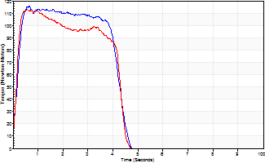
Isometric Extensors (Con) Angle 60 Time 10 Repetition 2 (Best Repetition)
 | Value | Cof Var | %BW
Peak Torque (Newton-Meters)
Right | 115 | 0.02 | 143
Left | 113 | 0.01 | 140
Deficit | 2
Average Torque (Newton-Meters)
Right | 45 | 0.06 | 57
Left | 43 | 0.03 | 54
Deficit | 3
Peak Torque Slope (Newton-Meters/Seconds)
Right | 178 | 0.16 | 222
Left | 195 | 0.27 | 243 |  | Right Side Curves Left Side Curves
Deficit | 9
Time to Half Peak Torque (Seconds)
Right | 0.13 | 0.58
Left | 0.15 | 0.05
Time to Peak Torque (Seconds)
Right | 0.71 | 0.14
Left | 0.7 | 0.27
HUMAC2015® Version: 15.000.0074 © Computer Sports Medicine, Inc. www.csmisolutions.com

mid1
Use File, Preference to set Report Heading
Isometric - Knee Extension/Flexion
Name: |  |  |  | TR030FP3019, | ID: |  | Right/Left: | 08.11.2021 08.11.2021

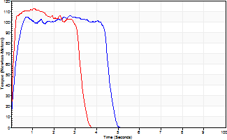
Isometric Extensors (Con) Angle 60 Time 10 Repetition 2 (Best Repetition)
 | Value | Cof Var | %BW
Peak Torque (Newton-Meters)
Right | 106 | 0.01 | 131
Left | 113 | 0.05 | 140
Deficit | 6
Average Torque (Newton-Meters)
Right | 45 | 0.04 | 57
Left | 42 | 0.17 | 54
Deficit | 6
Peak Torque Slope (Newton-Meters/Seconds)
Right | 45 | 0.11 | 56
Left | 107 | 0.06 | 134 |  | Right Side Curves Left Side Curves
Deficit | 58
Time to Half Peak Torque (Seconds)
Right | 0.14 | 0.4
Left | 0.09 | 0.07
Time to Peak Torque (Seconds)
Right | 2.53 | 0.13
Left | 1.05 | 0.01
HUMAC2015® Version: 15.000.0074 © Computer Sports Medicine, Inc. www.csmisolutions.com

Use File, Preference to set Report Heading
Long Form Torque vs. Position Report - Knee Extension/Flexion
Name: |  |  |  | TR030FP3019, | ID: |  | Right/Left: | 08.11.2021 08.11.2021
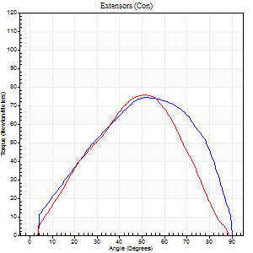
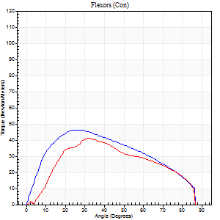
Right Side Curves Left Side Curves
Isokinetic Con/Con |  |  |  | Extensors (Con) |  | Flexors (Con)
Speed 60/60 d/s 3 Reps |  |  |  | Value | Cof Var | %BW | Value | Cof Var | %BW | Ratio

TORQUE PARAMETERS
Peak Torque (Newton-Meters - Best Repetition)
Right |  |  |  | 75 | 0.04 | 92 | 46 | 0.45 | 57 | 62
Left |  |  |  | 76 | 0.1 | 95 | 41 | 0.17 | 51 | 54
Deficit |  |  |  | 2 |  |  | 12
Work per Repetition (Newton-Meters - Best Repetition)
Right |  |  |  | 76 | 0.09 | 95 | 49 | 0.56 | 60 | 64
Left |  |  |  | 66 | 0.1 | 83 | 39 | 0.17 | 48 | 59
Deficit |  |  |  | 13 |  |  | 19
Average Power per Repetition (Watts - Best Repetition)
Right |  |  |  | 47 | 0.08 | 59 | 31 | 0.55 | 40 | 66
Left |  |  |  | 43 | 0.11 | 53 | 25 | 0.17 | 31 | 58
Deficit |  |  |  | 9 |  |  | 19
POSITION PARAMETERS
Joint Angle at Peak Torque (Degrees)
Right |  |  |  | 50 | 0.05 |  | 29 | 0.13
Left |  |  |  | 51 | 0.08 |  | 39 | 0.15
Range of Motion (Degrees)
Right |  |  |  | 0 | 0.2 |  | 90 | 0
Left |  |  |  | 1 | 0.12 |  | 89 | 0.01
TIME PARAMETERS
Time to Peak Torque (Seconds)
Right |  |  |  | 0.76 | 0.05 |  | 0.54 | 0.13
Left |  |  |  | 0.69 | 0.1 |  | 0.73 | 0.1
Time Peak Torque Held (Seconds)
Right |  |  |  | 0.03 | 0.46 |  | 0.05 | 0.89
Left |  |  |  | 0.02 | 0.69 |  | 0.06 | 0.76
Force Decay Time (Seconds)
Right |  |  |  | 0.82 | 0.05 |  | 0.94 | 0.08
Left |  |  |  | 0.83 | 0.08 |  | 0.79 | 0.13
Reciprocal Delay (Seconds)
Right |  |  |  | 0.2 | 0.14 |  | 0.23 | 0.24
Left |  |  |  | 0.11 | 0.07 |  | 0.09 | 0.06
Delay Time (Seconds)
Right |  |  |  | -0.06 | -0.33 |  | 0 | 9.64
Left |  |  |  | 0.02 | 0.28 |  | -0.02 | -0.87
HUMAC2015® Version: 15.000.0074 © Computer Sports Medicine, Inc. www.csmisolutions.com

Use File, Preference to set Report Heading
Long Form Torque vs. Position Report - Knee Extension/Flexion
Name: |  |  |  | TR030FP3019, | ID: |  | Right/Left: | 08.11.2021 08.11.2021
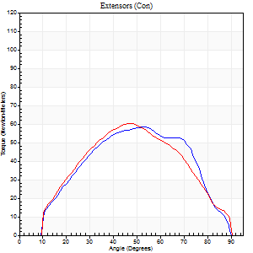
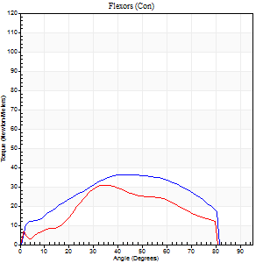
Right Side Curves Left Side Curves
Isokinetic Con/Con |  |  |  | Extensors (Con) |  | Flexors (Con)
Speed 120/120 d/s 3 Reps |  |  |  | Value | Cof Var | %BW | Value | Cof Var | %BW | Ratio

TORQUE PARAMETERS
Peak Torque (Newton-Meters - Best Repetition)
Right |  |  |  | 58 | 0.02 | 72 | 37 | 0.06 | 45 | 63
Left |  |  |  | 60 | 0.14 | 75 | 31 | 0.06 | 39 | 52
Deficit |  |  |  | 2 |  |  | 15
Work per Repetition (Newton-Meters - Best Repetition)
Right |  |  |  | 58 | 0.02 | 72 | 38 | 0.08 | 48 | 65
Left |  |  |  | 56 | 0.12 | 69 | 31 | 0.08 | 39 | 56
Deficit |  |  |  | 5 |  |  | 18
Average Power per Repetition (Watts - Best Repetition)
Right |  |  |  | 70 | 0.04 | 88 | 45 | 0.08 | 57 | 64
Left |  |  |  | 62 | 0.11 | 77 | 38 | 0.14 | 48 | 61
Deficit |  |  |  | 11 |  |  | 16
POSITION PARAMETERS
Joint Angle at Peak Torque (Degrees)
Right |  |  |  | 54 | 0.03 |  | 41 | 0.01
Left |  |  |  | 48 | 0.09 |  | 49 | 0.26
Range of Motion (Degrees)
Right |  |  |  | 1 | 0.04 |  | 90 | 0
Left |  |  |  | 1 | 0.05 |  | 90 | 0
TIME PARAMETERS
Time to Peak Torque (Seconds)
Right |  |  |  | 0.37 | 0.08 |  | 0.4 | 0.03
Left |  |  |  | 0.46 | 0.03 |  | 0.5 | 0.17
Time Peak Torque Held (Seconds)
Right |  |  |  | 0.05 | 0.53 |  | 0.03 | 0.88
Left |  |  |  | 0.03 | 0.33 |  | 0.01 | 1.15
Force Decay Time (Seconds)
Right |  |  |  | 0.43 | 0.08 |  | 0.39 | 0.17
Left |  |  |  | 0.4 | 0.07 |  | 0.35 | 0.34
Reciprocal Delay (Seconds)
Right |  |  |  | 0.09 | 0.22 |  | 0.06 | 0.24
Left |  |  |  | 0.11 | 0.47 |  | 0.06 | 0.18
Delay Time (Seconds)
Right |  |  |  | -0.01 | -0.47 |  | 0 | 0
Left |  |  |  | -0.02 | -1.98 |  | -0.02 | 0
HUMAC2015® Version: 15.000.0074 © Computer Sports Medicine, Inc. www.csmisolutions.com

Use File, Preference to set Report Heading
Long Form Torque vs. Position Report - Knee Extension/Flexion
Name: |  |  |  | TR030FP3019, | ID: |  | Right/Left: | 08.11.2021 08.11.2021
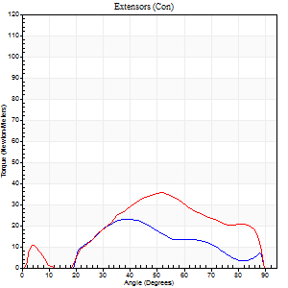
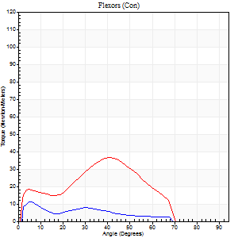
Right Side Curves Left Side Curves
Isokinetic Con/Con |  |  |  | Extensors (Con) |  | Flexors (Con)
Speed 240/240 d/s 3 Reps |  |  |  | Value | Cof Var | %BW | Value | Cof Var | %BW | Ratio

TORQUE PARAMETERS
Peak Torque (Newton-Meters - Best Repetition)
Right |  |  |  | 23 | 0.19 | 30 | 11 | 0.03 | 15 | 47
Left |  |  |  | 35 | 0.12 | 45 | 37 | 0.35 | 45 | 104
Deficit |  |  |  | 35 |  |  | 70
Work per Repetition (Newton-Meters - Best Repetition)
Right |  |  |  | 16 | 0.07 | 21 | 9 | 0.21 | 12 | 58
Left |  |  |  | 30 | 0.09 | 36 | 28 | 0.39 | 36 | 95
Deficit |  |  |  | 45 |  |  | 67
Average Power per Repetition (Watts - Best Repetition)
Right |  |  |  | 28 | 0.31 | 35 | 17 | 0.22 | 22 | 61
Left |  |  |  | 61 | 0.17 | 77 | 54 | 0.28 | 68 | 89
Deficit |  |  |  | 54 |  |  | 69
POSITION PARAMETERS
Joint Angle at Peak Torque (Degrees)
Right |  |  |  | 42 | 0.22 |  | 13 | 0.9
Left |  |  |  | 49 | 0.06 |  | 44 | 0.07
Range of Motion (Degrees)
Right |  |  |  | 2 | 0.02 |  | 89 | 0.01
Left |  |  |  | 2 | 0.03 |  | 89 | 0
TIME PARAMETERS
Time to Peak Torque (Seconds)
Right |  |  |  | 0.61 | 0.39 |  | 0.14 | 0.78
Left |  |  |  | 0.24 | 0.06 |  | 0.24 | 0.29
Time Peak Torque Held (Seconds)
Right |  |  |  | 0 | 1.73 |  | 0 | 0
Left |  |  |  | 0.01 | 0.87 |  | 0.01 | 1.73
Force Decay Time (Seconds)
Right |  |  |  | 0.22 | 0.22 |  | 0.41 | 0.2
Left |  |  |  | 0.24 | 0.07 |  | 0.24 | 0.1
Reciprocal Delay (Seconds)
Right |  |  |  | 0.08 | 0.18 |  | 0.05 | 0.12
Left |  |  |  | 0.05 | 0 |  | 0.05 | 0.11
Delay Time (Seconds)
Right |  |  |  | -0.05 | -0.16 |  | -0.02 | -0.5
Left |  |  |  | -0.01 | -0.47 |  | 0.02 | 3.96
HUMAC2015® Version: 15.000.0074 © Computer Sports Medicine, Inc. www.csmisolutions.com

mid2
Use File, Preference to set Report Heading
Long Form Torque vs. Position Report - Knee Extension/Flexion
Name: |  |  |  | TR030FP3019, | ID: |  | Right/Left: | 10.11.2021 10.11.2021
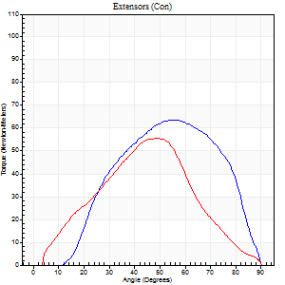
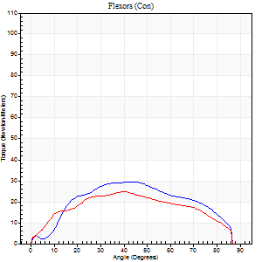
Right Side Curves Left Side Curves
Isokinetic Con/Con |  |  |  | Extensors (Con) |  | Flexors (Con)
Speed 60/60 d/s 3 Reps |  |  |  | Value | Cof Var | %BW | Value | Cof Var | %BW | Ratio

TORQUE PARAMETERS
Peak Torque (Newton-Meters - Best Repetition)
Right |  |  |  | 64 | 0.4 | 80 | 30 | 0.36 | 36 | 47
Left |  |  |  | 56 | 0.08 | 69 | 24 | 0.55 | 30 | 44
Deficit |  |  |  | 13 |  |  | 18
Work per Repetition (Newton-Meters - Best Repetition)
Right |  |  |  | 57 | 0.42 | 72 | 31 | 0.45 | 39 | 55
Left |  |  |  | 50 | 0.12 | 63 | 26 | 0.68 | 33 | 51
Deficit |  |  |  | 12 |  |  | 17
Average Power per Repetition (Watts - Best Repetition)
Right |  |  |  | 37 | 0.46 | 46 | 21 | 0.44 | 26 | 57
Left |  |  |  | 32 | 0.15 | 40 | 16 | 0.67 | 20 | 50
Deficit |  |  |  | 14 |  |  | 24
POSITION PARAMETERS
Joint Angle at Peak Torque (Degrees)
Right |  |  |  | 48 | 0.29 |  | 35 | 0.27
Left |  |  |  | 44 | 0.11 |  | 44 | 0.14
Range of Motion (Degrees)
Right |  |  |  | 6 | 0.05 |  | 90 | 0
Left |  |  |  | 0 | 0.35 |  | 90 | 0
TIME PARAMETERS
Time to Peak Torque (Seconds)
Right |  |  |  | 0.62 | 0.03 |  | 0.63 | 0.3
Left |  |  |  | 0.88 | 0.06 |  | 0.85 | 0.15
Time Peak Torque Held (Seconds)
Right |  |  |  | 0.05 | 0.53 |  | 0.02 | 0.92
Left |  |  |  | 0.04 | 0.58 |  | 0.02 | 0.89
Force Decay Time (Seconds)
Right |  |  |  | 0.74 | 0.26 |  | 0.9 | 0.17
Left |  |  |  | 0.7 | 0.09 |  | 0.7 | 0.28
Reciprocal Delay (Seconds)
Right |  |  |  | 0.15 | 0 |  | 0.13 | 0.4
Left |  |  |  | 0.13 | 0.11 |  | 0.13 | 0.15
Delay Time (Seconds)
Right |  |  |  | -0.02 | -0.28 |  | 0.05 | 3.19
Left |  |  |  | 0 | 0 |  | -0.04 | -0.31
HUMAC2015® Version: 15.000.0074 © Computer Sports Medicine, Inc. www.csmisolutions.com

Use File, Preference to set Report Heading
Long Form Torque vs. Position Report - Knee Extension/Flexion
Name: |  |  |  | TR030FP3019, | ID: |  | Right/Left: | 10.11.2021 10.11.2021
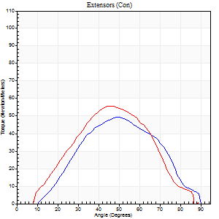
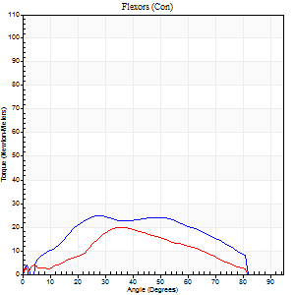
Right Side Curves Left Side Curves
Isokinetic Con/Con |  |  |  | Extensors (Con) |  | Flexors (Con)
Speed 120/120 d/s 3 Reps |  |  |  | Value | Cof Var | %BW | Value | Cof Var | %BW | Ratio

TORQUE PARAMETERS
Peak Torque (Newton-Meters - Best Repetition)
Right |  |  |  | 49 | 0.28 | 60 | 24 | 0.23 | 30 | 50
Left |  |  |  | 56 | 0.21 | 69 | 20 | 0.53 | 27 | 37
Deficit |  |  |  | 12 |  |  | 17
Work per Repetition (Newton-Meters - Best Repetition)
Right |  |  |  | 42 | 0.23 | 54 | 26 | 0.32 | 33 | 61
Left |  |  |  | 50 | 0.25 | 63 | 15 | 0.73 | 18 | 30
Deficit |  |  |  | 16 |  |  | 42
Average Power per Repetition (Watts - Best Repetition)
Right |  |  |  | 46 | 0.24 | 57 | 28 | 0.27 | 35 | 61
Left |  |  |  | 54 | 0.29 | 68 | 14 | 0.76 | 18 | 26
Deficit |  |  |  | 15 |  |  | 50
POSITION PARAMETERS
Joint Angle at Peak Torque (Degrees)
Right |  |  |  | 54 | 0.09 |  | 28 | 0.01
Left |  |  |  | 45 | 0.07 |  | 29 | 0.59
Range of Motion (Degrees)
Right |  |  |  | 1 | 0.09 |  | 90 | 0
Left |  |  |  | 1 | 0.06 |  | 90 | 0
TIME PARAMETERS
Time to Peak Torque (Seconds)
Right |  |  |  | 0.44 | 0.06 |  | 0.3 | 0.07
Left |  |  |  | 0.61 | 0.27 |  | 0.54 | 0.07
Time Peak Torque Held (Seconds)
Right |  |  |  | 0.03 | 0.43 |  | 0.01 | 1.73
Left |  |  |  | 0.02 | 0 |  | 0.01 | 1
Force Decay Time (Seconds)
Right |  |  |  | 0.46 | 0.07 |  | 0.54 | 0.07
Left |  |  |  | 0.39 | 0.05 |  | 0.63 | 0.48
Reciprocal Delay (Seconds)
Right |  |  |  | 0.12 | 0.06 |  | 0.08 | 0.08
Left |  |  |  | 0.25 | 0.96 |  | 0.1 | 0.1
Delay Time (Seconds)
Right |  |  |  | -0.04 | 0 |  | 0.13 | 0.51
Left |  |  |  | -0.03 | -1.41 |  | -0.04 | -0.31
HUMAC2015® Version: 15.000.0074 © Computer Sports Medicine, Inc. www.csmisolutions.com

Use File, Preference to set Report Heading
Long Form Torque vs. Position Report - Knee Extension/Flexion
Name: |  |  |  | TR030FP3019, | ID: |  | Right/Left: | 10.11.2021 10.11.2021
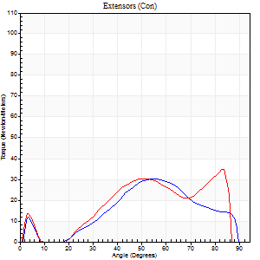
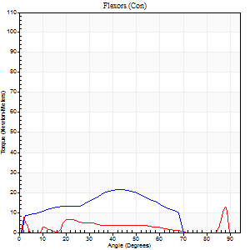
Right Side Curves Left Side Curves
Isokinetic Con/Con |  |  |  | Extensors (Con) |  | Flexors (Con)
Speed 240/240 d/s 3 Reps |  |  |  | Value | Cof Var | %BW | Value | Cof Var | %BW | Ratio

TORQUE PARAMETERS
Peak Torque (Newton-Meters - Best Repetition)
Right |  |  |  | 30 | 0.48 | 36 | 22 | 0.24 | 27 | 73
Left |  |  |  | 35 | 0.42 | 45 | 12 | 0.17 | 15 | 35
Deficit |  |  |  | 15 |  |  | 44
Work per Repetition (Newton-Meters - Best Repetition)
Right |  |  |  | 23 | 0.44 | 30 | 18 | 0.18 | 21 | 76
Left |  |  |  | 27 | 0.92 | 33 | 4 | 0.38 | 6 | 15
Deficit |  |  |  | 15 |  |  | 77
Average Power per Repetition (Watts - Best Repetition)
Right |  |  |  | 43 | 0.52 | 53 | 34 | 0.22 | 42 | 79
Left |  |  |  | 53 | 0.82 | 66 | 5 | 0.55 | 7 | 9
Deficit |  |  |  | 19 |  |  | 85
POSITION PARAMETERS
Joint Angle at Peak Torque (Degrees)
Right |  |  |  | 62 | 0.22 |  | 32 | 0.74
Left |  |  |  | 41 | 0.97 |  | 60 | 0.84
Range of Motion (Degrees)
Right |  |  |  | 2 | 0.02 |  | 89 | 0.01
Left |  |  |  | 1 | 0.03 |  | 88 | 0.02
TIME PARAMETERS
Time to Peak Torque (Seconds)
Right |  |  |  | 0.27 | 0.05 |  | 0.23 | 0.61
Left |  |  |  | 0.29 | 1.03 |  | 0.51 | 0.82
Time Peak Torque Held (Seconds)
Right |  |  |  | 0 | 0 |  | 0.02 | 0.92
Left |  |  |  | 0 | 1.73 |  | 0 | 1.73
Force Decay Time (Seconds)
Right |  |  |  | 0.31 | 0.27 |  | 0.29 | 0.43
Left |  |  |  | 0.23 | 0.91 |  | 0.44 | 1.67
Reciprocal Delay (Seconds)
Right |  |  |  | 0.07 | 0 |  | 0.04 | 0
Left |  |  |  | 0.07 | 0 |  | 0.06 | 0.27
Delay Time (Seconds)
Right |  |  |  | -0.04 | -0.2 |  | -0.02 | 0
Left |  |  |  | 0.31 | 1.55 |  | 0.09 | 1.43
HUMAC2015® Version: 15.000.0074 © Computer Sports Medicine, Inc. www.csmisolutions.com

Use File, Preference to set Report Heading
Isometric - Knee Extension/Flexion
Name: |  |  |  | TR030FP3019, | ID: |  | Right/Left: | 10.11.2021 10.11.2021

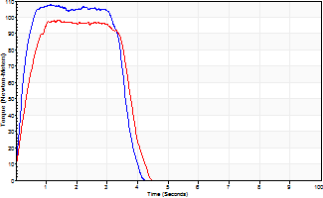
Isometric Extensors (Con) Angle 60 Time 10 Repetition 2 (Best Repetition)
 | Value | Cof Var | %BW
Peak Torque (Newton-Meters)
Right | 107 | 0.01 | 134
Left | 98 | 0.03 | 122
Deficit | 9
Average Torque (Newton-Meters)
Right | 38 | 0.05 | 48
Left | 33 | 0.03 | 42
Deficit | 14
Peak Torque Slope (Newton-Meters/Seconds)
Right | 94 | 0.31 | 117
Left | 71 | 0.17 | 88 |  | Right Side Curves Left Side Curves
Deficit | 25
Time to Half Peak Torque (Seconds)
Right | 0.32 | 0.49
Left | 0.42 | 0.3
Time to Peak Torque (Seconds)
Right | 1.45 | 0.3
Left | 1.53 | 0.14
HUMAC2015® Version: 15.000.0074 © Computer Sports Medicine, Inc. www.csmisolutions.com

