pre1
Use File, Preference to set Report Heading
Long Form Torque vs. Position Report - Knee Extension/Flexion
Name: |  |  |  | TR030FP3020, | ID: |  | Right/Left: | 10.09.2021 10.09.2021
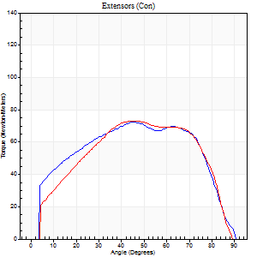
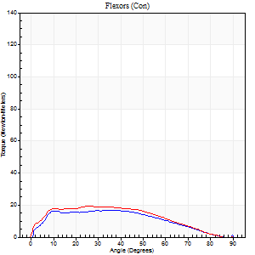
Right Side Curves Left Side Curves
Isokinetic Con/Con |  |  |  | Extensors (Con) |  | Flexors (Con)
Speed 60/60 d/s 3 Reps |  |  |  | Value | Cof Var | %BW | Value | Cof Var | %BW | Ratio

TORQUE PARAMETERS
Peak Torque (Newton-Meters - Best Repetition)
Right |  |  |  | 72 | 0.15 | 89 | 16 | 0.13 | 21 | 23
Left |  |  |  | 73 | 0.24 | 92 | 19 | 0.2 | 24 | 26
Deficit |  |  |  | 2 |  |  | 14
Work per Repetition (Newton-Meters - Best Repetition)
Right |  |  |  | 84 | 0.34 | 104 | 18 | 0.22 | 21 | 21
Left |  |  |  | 80 | 0.32 | 101 | 19 | 0.21 | 24 | 24
Deficit |  |  |  | 5 |  |  | 7
Average Power per Repetition (Watts - Best Repetition)
Right |  |  |  | 50 | 0.37 | 62 | 11 | 0.22 | 13 | 22
Left |  |  |  | 51 | 0.33 | 64 | 12 | 0.22 | 15 | 24
Deficit |  |  |  | 2 |  |  | 8
POSITION PARAMETERS
Joint Angle at Peak Torque (Degrees)
Right |  |  |  | 39 | 0.15 |  | 30 | 0.19
Left |  |  |  | 36 | 0.28 |  | 21 | 0.46
Range of Motion (Degrees)
Right |  |  |  | 0 | 0.47 |  | 90 | 0
Left |  |  |  | 0 | 0.28 |  | 90 | 0
TIME PARAMETERS
Time to Peak Torque (Seconds)
Right |  |  |  | 0.9 | 0.08 |  | 0.56 | 0.14
Left |  |  |  | 0.85 | 0.13 |  | 0.41 | 0.38
Time Peak Torque Held (Seconds)
Right |  |  |  | 0.06 | 0.33 |  | 0.01 | 1.73
Left |  |  |  | 0.04 | 0.25 |  | 0.01 | 1
Force Decay Time (Seconds)
Right |  |  |  | 0.63 | 0.19 |  | 1.02 | 0.07
Left |  |  |  | 0.59 | 0.3 |  | 1.16 | 0.14
Reciprocal Delay (Seconds)
Right |  |  |  | 0.31 | 0.07 |  | 0.35 | 0.06
Left |  |  |  | 0.13 | 0 |  | 0.24 | 0.13
Delay Time (Seconds)
Right |  |  |  | -0.05 | -0.39 |  | 0 | 4.58
Left |  |  |  | 0.01 | 2.83 |  | -0.03 | -0.22
HUMAC2015® Version: 15.000.0074 © Computer Sports Medicine, Inc. www.csmisolutions.com

Use File, Preference to set Report Heading
Long Form Torque vs. Position Report - Knee Extension/Flexion
Name: |  |  |  | TR030FP3020, | ID: |  | Right/Left: | 10.09.2021 10.09.2021
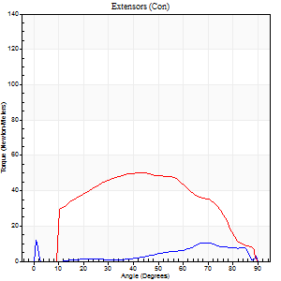
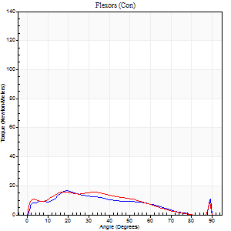
Right Side Curves Left Side Curves
Isokinetic Con/Con |  |  |  | Extensors (Con) |  | Flexors (Con)
Speed 120/120 d/s 3 Reps |  |  |  | Value | Cof Var | %BW | Value | Cof Var | %BW | Ratio

TORQUE PARAMETERS
Peak Torque (Newton-Meters - Best Repetition)
Right |  |  |  | 12 | 0.23 | 15 | 16 | 0.09 | 21 | 133
Left |  |  |  | 50 | 0.13 | 63 | 16 | 0.26 | 21 | 32
Deficit |  |  |  | 76 |  |  | 0
Work per Repetition (Newton-Meters - Best Repetition)
Right |  |  |  | 7 | 0.87 | 9 | 12 | 0.15 | 15 | 180
Left |  |  |  | 52 | 0.14 | 66 | 14 | 0.36 | 18 | 26
Deficit |  |  |  | 87 |  |  | 10
Average Power per Repetition (Watts - Best Repetition)
Right |  |  |  | 7 | 0.7 | 9 | 14 | 0.14 | 18 | 200
Left |  |  |  | 57 | 0.18 | 70 | 16 | 0.42 | 20 | 28
Deficit |  |  |  | 88 |  |  | 13
POSITION PARAMETERS
Joint Angle at Peak Torque (Degrees)
Right |  |  |  | 16 | 0.82 |  | 19 | 0.03
Left |  |  |  | 42 | 0.09 |  | 22 | 0.18
Range of Motion (Degrees)
Right |  |  |  | 0 | 0.28 |  | 90 | 0
Left |  |  |  | 0 | 0 |  | 90 | 0.01
TIME PARAMETERS
Time to Peak Torque (Seconds)
Right |  |  |  | 0.41 | 0.94 |  | 0.25 | 0.04
Left |  |  |  | 0.44 | 0.03 |  | 0.29 | 0.23
Time Peak Torque Held (Seconds)
Right |  |  |  | 0.01 | 1 |  | 0.01 | 1.73
Left |  |  |  | 0.02 | 0.92 |  | 0.01 | 1.73
Force Decay Time (Seconds)
Right |  |  |  | 0.17 | 0.94 |  | 0.61 | 0.04
Left |  |  |  | 0.42 | 0.06 |  | 0.62 | 0.02
Reciprocal Delay (Seconds)
Right |  |  |  | 0.09 | 0.16 |  | 0.18 | 0.33
Left |  |  |  | 0.07 | 0.2 |  | 0.14 | 0.11
Delay Time (Seconds)
Right |  |  |  | 0.44 | 1.16 |  | -0.02 | 0
Left |  |  |  | -0.01 | 0 |  | -0.02 | 0
HUMAC2015® Version: 15.000.0074 © Computer Sports Medicine, Inc. www.csmisolutions.com

Use File, Preference to set Report Heading
Long Form Torque vs. Position Report - Knee Extension/Flexion
Name: |  |  |  | TR030FP3020, | ID: |  | Right/Left: | 10.09.2021 10.09.2021
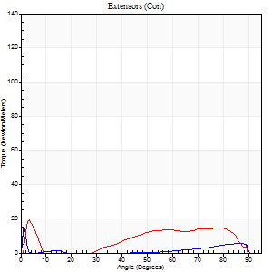
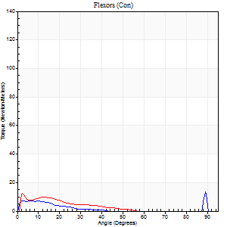
Right Side Curves Left Side Curves
Isokinetic Con/Con |  |  |  | Extensors (Con) |  | Flexors (Con)
Speed 240/240 d/s 3 Reps |  |  |  | Value | Cof Var | %BW | Value | Cof Var | %BW | Ratio

TORQUE PARAMETERS
Peak Torque (Newton-Meters - Best Repetition)
Right |  |  |  | 15 | 0.09 | 18 | 14 | 0.35 | 18 | 91
Left |  |  |  | 19 | 0.12 | 24 | 12 | 0.05 | 15 | 64
Deficit |  |  |  | 21 |  |  | 10
Work per Repetition (Newton-Meters - Best Repetition)
Right |  |  |  | 0 | 0.38 | 0 | 3 | 0.06 | 3 | 0
Left |  |  |  | 1 | 0.44 | 3 | 5 | 1.45 | 6 | 400
Deficit |  |  |  | 0 |  |  | 50
Average Power per Repetition (Watts - Best Repetition)
Right |  |  |  | 2 | 0.72 | 2 | 4 | 0.06 | 4 | 200
Left |  |  |  | 7 | 0.53 | 9 | 9 | 0.69 | 11 | 129
Deficit |  |  |  | 71 |  |  | 56
POSITION PARAMETERS
Joint Angle at Peak Torque (Degrees)
Right |  |  |  | 1 | 0.13 |  | 31 | 1.59
Left |  |  |  | 3 | 0.31 |  | 59 | 0.83
Range of Motion (Degrees)
Right |  |  |  | 0 | 0 |  | 90 | 0
Left |  |  |  | 1 | 0.06 |  | 89 | 0.01
TIME PARAMETERS
Time to Peak Torque (Seconds)
Right |  |  |  | 0.35 | 0.58 |  | 0.35 | 1.34
Left |  |  |  | 0.13 | 0.05 |  | 0.08 | 0.98
Time Peak Torque Held (Seconds)
Right |  |  |  | 0 | 0 |  | 0 | 0
Left |  |  |  | 0 | 0 |  | 0 | 0
Force Decay Time (Seconds)
Right |  |  |  | 0.01 | 0.43 |  | 0.53 | 0.86
Left |  |  |  | 0.03 | 0 |  | 0.19 | 1.55
Reciprocal Delay (Seconds)
Right |  |  |  | 0.28 | 0.28 |  | 0.17 | 0.16
Left |  |  |  | 0.06 | 0.11 |  | 0.07 | 0.55
Delay Time (Seconds)
Right |  |  |  | 0.62 | 0.39 |  | -0.02 | -1.83
Left |  |  |  | 0.39 | 0.04 |  | 0.34 | 0.99
HUMAC2015® Version: 15.000.0074 © Computer Sports Medicine, Inc. www.csmisolutions.com

Use File, Preference to set Report Heading
Isometric - Knee Extension/Flexion
Name: |  |  |  | TR030FP3020, | ID: |  | Right/Left: | 10.09.2021 10.09.2021

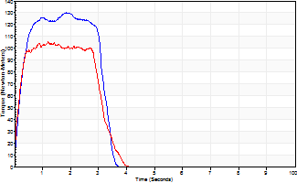
Isometric Extensors (Con) Angle 60 Time 10 Repetition 2 (Best Repetition)
 | Value | Cof Var | %BW
Peak Torque (Newton-Meters)
Right | 130 | 0.04 | 164
Left | 106 | 0.01 | 131
Deficit | 19
Average Torque (Newton-Meters)
Right | 37 | 0.08 | 45
Left | 31 | 0.13 | 39
Deficit | 15
Peak Torque Slope (Newton-Meters/Seconds)
Right | 118 | 0.36 | 147
Left | 87 | 0.15 | 109 |  | Right Side Curves Left Side Curves
Deficit | 26
Time to Half Peak Torque (Seconds)
Right | 0.22 | 0.03
Left | 0.17 | 0.17
Time to Peak Torque (Seconds)
Right | 1.44 | 0.39
Left | 1.33 | 0.14
HUMAC2015® Version: 15.000.0074 © Computer Sports Medicine, Inc. www.csmisolutions.com

pre2
Use File, Preference to set Report Heading
Long Form Torque vs. Position Report - Knee Extension/Flexion
Name: |  |  |  | TR030FP3020, | ID: |  | Right/Left: | 24.09.2021 24.09.2021
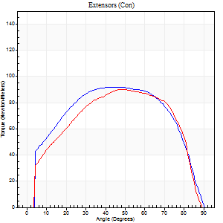
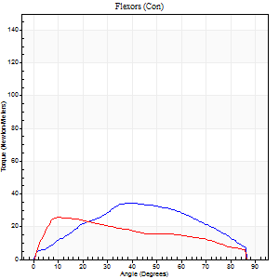
Right Side Curves Left Side Curves
Isokinetic Con/Con |  |  |  | Extensors (Con) |  | Flexors (Con)
Speed 60/60 d/s 3 Reps |  |  |  | Value | Cof Var | %BW | Value | Cof Var | %BW | Ratio

TORQUE PARAMETERS
Peak Torque (Newton-Meters - Best Repetition)
Right |  |  |  | 92 | 0.01 | 116 | 34 | 0.41 | 42 | 37
Left |  |  |  | 89 | 0.03 | 113 | 26 | 0.37 | 33 | 29
Deficit |  |  |  | 3 |  |  | 24
Work per Repetition (Newton-Meters - Best Repetition)
Right |  |  |  | 111 | 0.01 | 140 | 34 | 0.36 | 42 | 30
Left |  |  |  | 100 | 0.06 | 125 | 27 | 0.4 | 33 | 27
Deficit |  |  |  | 10 |  |  | 20
Average Power per Repetition (Watts - Best Repetition)
Right |  |  |  | 71 | 0.03 | 88 | 21 | 0.34 | 26 | 30
Left |  |  |  | 65 | 0.08 | 81 | 17 | 0.39 | 22 | 26
Deficit |  |  |  | 8 |  |  | 19
POSITION PARAMETERS
Joint Angle at Peak Torque (Degrees)
Right |  |  |  | 49 | 0.18 |  | 40 | 0.01
Left |  |  |  | 47 | 0.04 |  | 17 | 0.59
Range of Motion (Degrees)
Right |  |  |  | 0 | 0.94 |  | 90 | 0
Left |  |  |  | 0 | 0.28 |  | 90 | 0
TIME PARAMETERS
Time to Peak Torque (Seconds)
Right |  |  |  | 0.71 | 0.29 |  | 0.7 | 0.04
Left |  |  |  | 0.73 | 0.07 |  | 0.3 | 0.56
Time Peak Torque Held (Seconds)
Right |  |  |  | 0.07 | 0.29 |  | 0.04 | 1.73
Left |  |  |  | 0.06 | 0.33 |  | 0.11 | 0.51
Force Decay Time (Seconds)
Right |  |  |  | 0.79 | 0.15 |  | 0.8 | 0.12
Left |  |  |  | 0.76 | 0.02 |  | 1.12 | 0.13
Reciprocal Delay (Seconds)
Right |  |  |  | 0.15 | 0 |  | 0.32 | 0.26
Left |  |  |  | 0.16 | 0.41 |  | 0.2 | 0.09
Delay Time (Seconds)
Right |  |  |  | -0.02 | -0.28 |  | 0.01 | 2
Left |  |  |  | 0 | -4.24 |  | 0 | -1.73
HUMAC2015® Version: 15.000.0074 © Computer Sports Medicine, Inc. www.csmisolutions.com

Use File, Preference to set Report Heading
Long Form Torque vs. Position Report - Knee Extension/Flexion
Name: |  |  |  | TR030FP3020, | ID: |  | Right/Left: | 24.09.2021 24.09.2021
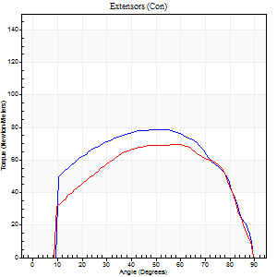
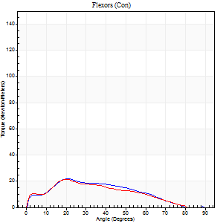
Right Side Curves Left Side Curves
Isokinetic Con/Con |  |  |  | Extensors (Con) |  | Flexors (Con)
Speed 120/120 d/s 3 Reps |  |  |  | Value | Cof Var | %BW | Value | Cof Var | %BW | Ratio

TORQUE PARAMETERS
Peak Torque (Newton-Meters - Best Repetition)
Right |  |  |  | 79 | 0.02 | 98 | 22 | 0.26 | 27 | 28
Left |  |  |  | 69 | 0.03 | 86 | 22 | 0.28 | 27 | 31
Deficit |  |  |  | 12 |  |  | 0
Work per Repetition (Newton-Meters - Best Repetition)
Right |  |  |  | 88 | 0.02 | 110 | 18 | 0.31 | 21 | 20
Left |  |  |  | 76 | 0.04 | 95 | 18 | 0.27 | 21 | 23
Deficit |  |  |  | 14 |  |  | 0
Average Power per Repetition (Watts - Best Repetition)
Right |  |  |  | 102 | 0.05 | 127 | 21 | 0.27 | 26 | 21
Left |  |  |  | 89 | 0.04 | 112 | 20 | 0.27 | 24 | 22
Deficit |  |  |  | 13 |  |  | 5
POSITION PARAMETERS
Joint Angle at Peak Torque (Degrees)
Right |  |  |  | 50 | 0.05 |  | 23 | 0.1
Left |  |  |  | 55 | 0.1 |  | 22 | 0.11
Range of Motion (Degrees)
Right |  |  |  | 0 | 0.71 |  | 90 | 0
Left |  |  |  | 0 | 0.47 |  | 90 | 0
TIME PARAMETERS
Time to Peak Torque (Seconds)
Right |  |  |  | 0.38 | 0.09 |  | 0.25 | 0.14
Left |  |  |  | 0.3 | 0.02 |  | 0.27 | 0.13
Time Peak Torque Held (Seconds)
Right |  |  |  | 0.07 | 0.28 |  | 0.02 | 0.35
Left |  |  |  | 0.04 | 1.52 |  | 0.01 | 1.73
Force Decay Time (Seconds)
Right |  |  |  | 0.42 | 0.09 |  | 0.55 | 0.1
Left |  |  |  | 0.48 | 0.16 |  | 0.59 | 0.05
Reciprocal Delay (Seconds)
Right |  |  |  | 0.06 | 0.11 |  | 0.13 | 0.3
Left |  |  |  | 0.06 | 0.11 |  | 0.13 | 0.13
Delay Time (Seconds)
Right |  |  |  | -0.02 | -0.71 |  | 0.04 | 1.4
Left |  |  |  | 0 | -1.41 |  | -0.02 | 0
HUMAC2015® Version: 15.000.0074 © Computer Sports Medicine, Inc. www.csmisolutions.com

Use File, Preference to set Report Heading
Long Form Torque vs. Position Report - Knee Extension/Flexion
Name: |  |  |  | TR030FP3020, | ID: |  | Right/Left: | 24.09.2021 24.09.2021
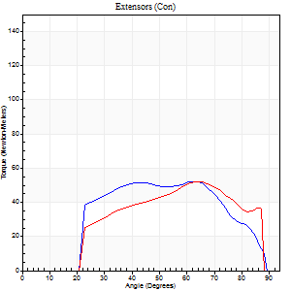
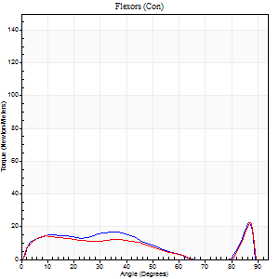
Right Side Curves Left Side Curves
Isokinetic Con/Con |  |  |  | Extensors (Con) |  | Flexors (Con)
Speed 240/240 d/s 3 Reps |  |  |  | Value | Cof Var | %BW | Value | Cof Var | %BW | Ratio

TORQUE PARAMETERS
Peak Torque (Newton-Meters - Best Repetition)
Right |  |  |  | 53 | 0.02 | 66 | 23 | 0.47 | 30 | 44
Left |  |  |  | 52 | 0.12 | 66 | 22 | 0.46 | 27 | 42
Deficit |  |  |  | 3 |  |  | 6
Work per Repetition (Newton-Meters - Best Repetition)
Right |  |  |  | 52 | 0.02 | 66 | 15 | 0.38 | 18 | 29
Left |  |  |  | 47 | 0.14 | 60 | 12 | 0.3 | 15 | 26
Deficit |  |  |  | 8 |  |  | 18
Average Power per Repetition (Watts - Best Repetition)
Right |  |  |  | 98 | 0.08 | 123 | 26 | 0.41 | 33 | 27
Left |  |  |  | 94 | 0.22 | 116 | 22 | 0.29 | 26 | 23
Deficit |  |  |  | 4 |  |  | 15
POSITION PARAMETERS
Joint Angle at Peak Torque (Degrees)
Right |  |  |  | 57 | 0.18 |  | 36 | 1.24
Left |  |  |  | 58 | 0.09 |  | 36 | 1.22
Range of Motion (Degrees)
Right |  |  |  | 1 | 0.51 |  | 89 | 0.01
Left |  |  |  | 1 | 0.25 |  | 89 | 0.01
TIME PARAMETERS
Time to Peak Torque (Seconds)
Right |  |  |  | 0.22 | 0.13 |  | 0.28 | 0.73
Left |  |  |  | 0.18 | 0.24 |  | 0.28 | 0.82
Time Peak Torque Held (Seconds)
Right |  |  |  | 0.01 | 0.87 |  | 0 | 0
Left |  |  |  | 0 | 0 |  | 0.03 | 1.25
Force Decay Time (Seconds)
Right |  |  |  | 0.3 | 0.11 |  | 0.28 | 0.78
Left |  |  |  | 0.3 | 0.11 |  | 0.25 | 0.76
Reciprocal Delay (Seconds)
Right |  |  |  | 0.05 | 0.16 |  | 0.11 | 0.29
Left |  |  |  | 0.03 | 0.47 |  | 0.08 | 0.15
Delay Time (Seconds)
Right |  |  |  | -0.02 | -0.28 |  | -0.02 | -0.87
Left |  |  |  | -0.01 | -0.47 |  | -0.03 | 0
HUMAC2015® Version: 15.000.0074 © Computer Sports Medicine, Inc. www.csmisolutions.com

Use File, Preference to set Report Heading
Isometric - Knee Extension/Flexion
Name: |  |  |  | TR030FP3020, | ID: |  | Right/Left: | 24.09.2021 24.09.2021

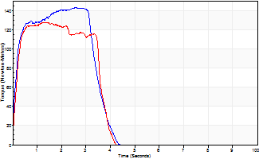
Isometric Extensors (Con) Angle 60 Time 10 Repetition 2 (Best Repetition)
 | Value | Cof Var | %BW
Peak Torque (Newton-Meters)
Right | 142 | 0.06 | 179
Left | 127 | 0.03 | 158
Deficit | 10
Average Torque (Newton-Meters)
Right | 46 | 0.08 | 57
Left | 46 | 0.06 | 57
Deficit | 0
Peak Torque Slope (Newton-Meters/Seconds)
Right | 68 | 0.15 | 85
Left | 99 | 0.67 | 123 |  | Right Side Curves Left Side Curves
Deficit | 31
Time to Half Peak Torque (Seconds)
Right | 0.12 | 0.31
Left | 0.17 | 0.17
Time to Peak Torque (Seconds)
Right | 2.26 | 0.21
Left | 2.37 | 0.65
HUMAC2015® Version: 15.000.0074 © Computer Sports Medicine, Inc. www.csmisolutions.com

mid1
Use File, Preference to set Report Heading
Long Form Torque vs. Position Report - Knee Extension/Flexion
Name: |  |  |  | TR030FP3020, | ID: |  | Right/Left: | 08.11.2021 08.11.2021
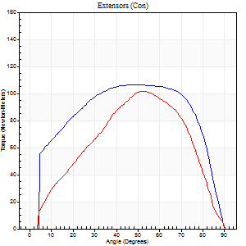
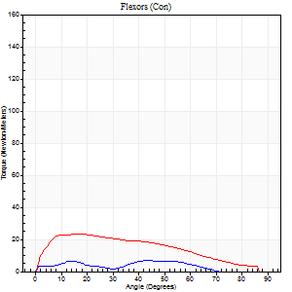
Right Side Curves Left Side Curves
Isokinetic Con/Con |  |  |  | Extensors (Con) |  | Flexors (Con)
Speed 60/60 d/s 3 Reps |  |  |  | Value | Cof Var | %BW | Value | Cof Var | %BW | Ratio

TORQUE PARAMETERS
Peak Torque (Newton-Meters - Best Repetition)
Right |  |  |  | 107 | 0.03 | 134 | 7 | 0.35 | 9 | 6
Left |  |  |  | 102 | 0.05 | 128 | 23 | 0.42 | 30 | 23
Deficit |  |  |  | 5 |  |  | 71
Work per Repetition (Newton-Meters - Best Repetition)
Right |  |  |  | 129 | 0.06 | 161 | 5 | 0.61 | 6 | 4
Left |  |  |  | 110 | 0.06 | 137 | 23 | 0.5 | 30 | 21
Deficit |  |  |  | 15 |  |  | 76
Average Power per Repetition (Watts - Best Repetition)
Right |  |  |  | 79 | 0.04 | 99 | 3 | 0.79 | 4 | 4
Left |  |  |  | 70 | 0.08 | 88 | 15 | 0.51 | 20 | 21
Deficit |  |  |  | 11 |  |  | 80
POSITION PARAMETERS
Joint Angle at Peak Torque (Degrees)
Right |  |  |  | 53 | 0.07 |  | 42 | 0.95
Left |  |  |  | 49 | 0.05 |  | 19 | 0.51
Range of Motion (Degrees)
Right |  |  |  | 0 | 4.24 |  | 90 | 0
Left |  |  |  | 0 | 1.13 |  | 90 | 0
TIME PARAMETERS
Time to Peak Torque (Seconds)
Right |  |  |  | 0.63 | 0.13 |  | 0.99 | 0.83
Left |  |  |  | 0.71 | 0.04 |  | 0.36 | 0.45
Time Peak Torque Held (Seconds)
Right |  |  |  | 0.19 | 0.48 |  | 0.07 | 1.29
Left |  |  |  | 0.05 | 0.39 |  | 0.01 | 1.73
Force Decay Time (Seconds)
Right |  |  |  | 0.75 | 0.04 |  | 0.83 | 1.07
Left |  |  |  | 0.8 | 0.1 |  | 1.18 | 0.14
Reciprocal Delay (Seconds)
Right |  |  |  | 0.08 | 0.18 |  | 0.81 | 0.39
Left |  |  |  | 0.12 | 0.12 |  | 0.2 | 0.43
Delay Time (Seconds)
Right |  |  |  | -0.02 | -0.85 |  | -0.09 | -1.01
Left |  |  |  | 0.03 | 1.41 |  | 0 | -1.73
HUMAC2015® Version: 15.000.0074 © Computer Sports Medicine, Inc. www.csmisolutions.com

Use File, Preference to set Report Heading
Long Form Torque vs. Position Report - Knee Extension/Flexion
Name: |  |  |  | TR030FP3020, | ID: |  | Right/Left: | 08.11.2021 08.11.2021
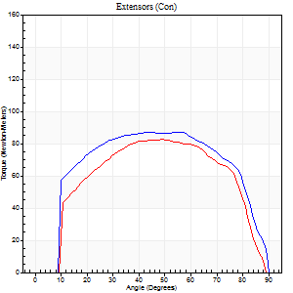
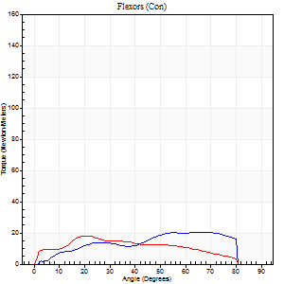
Right Side Curves Left Side Curves
Isokinetic Con/Con |  |  |  | Extensors (Con) |  | Flexors (Con)
Speed 120/120 d/s 3 Reps |  |  |  | Value | Cof Var | %BW | Value | Cof Var | %BW | Ratio

TORQUE PARAMETERS
Peak Torque (Newton-Meters - Best Repetition)
Right |  |  |  | 87 | 0.03 | 107 | 20 | 0.54 | 27 | 23
Left |  |  |  | 83 | 0.04 | 104 | 18 | 0.4 | 21 | 21
Deficit |  |  |  | 5 |  |  | 13
Work per Repetition (Newton-Meters - Best Repetition)
Right |  |  |  | 102 | 0.03 | 128 | 19 | 0.6 | 24 | 19
Left |  |  |  | 89 | 0.04 | 113 | 18 | 0.35 | 21 | 20
Deficit |  |  |  | 12 |  |  | 7
Average Power per Repetition (Watts - Best Repetition)
Right |  |  |  | 110 | 0.01 | 136 | 22 | 0.64 | 26 | 20
Left |  |  |  | 105 | 0.06 | 132 | 20 | 0.37 | 24 | 19
Deficit |  |  |  | 5 |  |  | 9
POSITION PARAMETERS
Joint Angle at Peak Torque (Degrees)
Right |  |  |  | 53 | 0.06 |  | 53 | 0.22
Left |  |  |  | 44 | 0.11 |  | 14 | 0.76
Range of Motion (Degrees)
Right |  |  |  | 0 | 0.35 |  | 89 | 0
Left |  |  |  | 0 | 0.54 |  | 90 | 0.01
TIME PARAMETERS
Time to Peak Torque (Seconds)
Right |  |  |  | 0.35 | 0.12 |  | 0.61 | 0.07
Left |  |  |  | 0.39 | 0.05 |  | 0.18 | 0.58
Time Peak Torque Held (Seconds)
Right |  |  |  | 0.07 | 0.8 |  | 0.04 | 1.73
Left |  |  |  | 0.03 | 0.43 |  | 0.09 | 1.64
Force Decay Time (Seconds)
Right |  |  |  | 0.47 | 0.08 |  | 0.3 | 0.4
Left |  |  |  | 0.4 | 0.11 |  | 0.58 | 0.05
Reciprocal Delay (Seconds)
Right |  |  |  | 0.14 | 0.2 |  | 0.12 | 0.05
Left |  |  |  | 0.08 | 0.28 |  | 0.15 | 0.21
Delay Time (Seconds)
Right |  |  |  | -0.01 | -1.41 |  | 0.08 | 0.78
Left |  |  |  | 0 | 1.41 |  | -0.02 | -0.35
HUMAC2015® Version: 15.000.0074 © Computer Sports Medicine, Inc. www.csmisolutions.com

Use File, Preference to set Report Heading
Long Form Torque vs. Position Report - Knee Extension/Flexion
Name: |  |  |  | TR030FP3020, | ID: |  | Right/Left: | 08.11.2021 08.11.2021
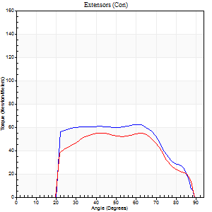
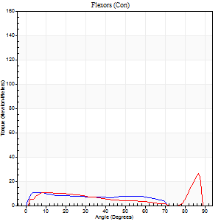
Right Side Curves Left Side Curves
Isokinetic Con/Con |  |  |  | Extensors (Con) |  | Flexors (Con)
Speed 240/240 d/s 3 Reps |  |  |  | Value | Cof Var | %BW | Value | Cof Var | %BW | Ratio

TORQUE PARAMETERS
Peak Torque (Newton-Meters - Best Repetition)
Right |  |  |  | 62 | 0.03 | 77 | 11 | 0.15 | 15 | 17
Left |  |  |  | 56 | 0.04 | 69 | 26 | 0.46 | 33 | 46
Deficit |  |  |  | 11 |  |  | 58
Work per Repetition (Newton-Meters - Best Repetition)
Right |  |  |  | 62 | 0.03 | 77 | 9 | 0.3 | 12 | 15
Left |  |  |  | 53 | 0.09 | 66 | 5 | 0.7 | 6 | 10
Deficit |  |  |  | 15 |  |  | 43
Average Power per Repetition (Watts - Best Repetition)
Right |  |  |  | 118 | 0.07 | 147 | 16 | 0.34 | 20 | 14
Left |  |  |  | 105 | 0.12 | 132 | 20 | 0.39 | 24 | 19
Deficit |  |  |  | 11 |  |  | 20
POSITION PARAMETERS
Joint Angle at Peak Torque (Degrees)
Right |  |  |  | 54 | 0.29 |  | 4 | 0.14
Left |  |  |  | 54 | 0.22 |  | 60 | 0.75
Range of Motion (Degrees)
Right |  |  |  | 1 | 0.22 |  | 89 | 0.01
Left |  |  |  | 1 | 0.74 |  | 88 | 0
TIME PARAMETERS
Time to Peak Torque (Seconds)
Right |  |  |  | 0.25 | 0.23 |  | 0.08 | 0.15
Left |  |  |  | 0.22 | 0.26 |  | 0.11 | 0.52
Time Peak Torque Held (Seconds)
Right |  |  |  | 0.01 | 0.43 |  | 0.03 | 0.88
Left |  |  |  | 0 | 0 |  | 0.01 | 1.73
Force Decay Time (Seconds)
Right |  |  |  | 0.3 | 0.26 |  | 0.48 | 0.13
Left |  |  |  | 0.3 | 0.22 |  | 0.16 | 1.51
Reciprocal Delay (Seconds)
Right |  |  |  | 0.05 | 0.28 |  | 0.1 | 0
Left |  |  |  | 0.04 | 0 |  | 0.07 | 0.38
Delay Time (Seconds)
Right |  |  |  | -0.02 | -0.28 |  | -0.01 | -0.87
Left |  |  |  | -0.01 | -0.47 |  | 0.27 | 0.99
HUMAC2015® Version: 15.000.0074 © Computer Sports Medicine, Inc. www.csmisolutions.com

Use File, Preference to set Report Heading
Isometric - Knee Extension/Flexion
Name: |  |  |  | TR030FP3020, | ID: |  | Right/Left: | 08.11.2021 08.11.2021

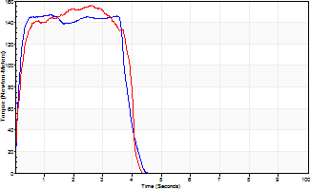
Isometric Extensors (Con) Angle 60 Time 10 Repetition 2 (Best Repetition)
 | Value | Cof Var | %BW
Peak Torque (Newton-Meters)
Right | 146 | 0.01 | 182
Left | 156 | 0.05 | 194
Deficit | 6
Average Torque (Newton-Meters)
Right | 54 | 0.12 | 69
Left | 56 | 0.05 | 69
Deficit | 2
Peak Torque Slope (Newton-Meters/Seconds)
Right | 133 | 0.07 | 166
Left | 59 | 0.08 | 74 |  | Right Side Curves Left Side Curves
Deficit | 55
Time to Half Peak Torque (Seconds)
Right | 0.11 | 0.13
Left | 0.16 | 0.04
Time to Peak Torque (Seconds)
Right | 1.15 | 0.09
Left | 2.66 | 0.02
HUMAC2015® Version: 15.000.0074 © Computer Sports Medicine, Inc. www.csmisolutions.com

mid2
Use File, Preference to set Report Heading
Long Form Torque vs. Position Report - Knee Extension/Flexion
Name: |  |  |  | TR030FP3020, | ID: |  | Right/Left: | 10.11.2021 10.11.2021
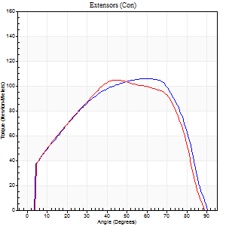
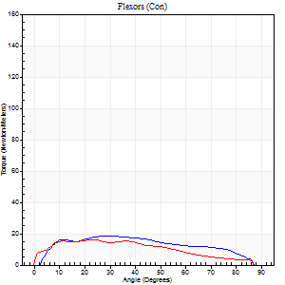
Right Side Curves Left Side Curves
Isokinetic Con/Con |  |  |  | Extensors (Con) |  | Flexors (Con)
Speed 60/60 d/s 3 Reps |  |  |  | Value | Cof Var | %BW | Value | Cof Var | %BW | Ratio

TORQUE PARAMETERS
Peak Torque (Newton-Meters - Best Repetition)
Right |  |  |  | 106 | 0.02 | 131 | 19 | 0.16 | 24 | 18
Left |  |  |  | 104 | 0.04 | 131 | 16 | 0.44 | 21 | 16
Deficit |  |  |  | 1 |  |  | 14
Work per Repetition (Newton-Meters - Best Repetition)
Right |  |  |  | 119 | 0.03 | 149 | 20 | 0.27 | 27 | 17
Left |  |  |  | 115 | 0.21 | 143 | 16 | 0.67 | 21 | 14
Deficit |  |  |  | 3 |  |  | 20
Average Power per Repetition (Watts - Best Repetition)
Right |  |  |  | 72 | 0.04 | 90 | 13 | 0.29 | 15 | 18
Left |  |  |  | 74 | 0.26 | 92 | 10 | 0.71 | 13 | 14
Deficit |  |  |  | 3 |  |  | 23
POSITION PARAMETERS
Joint Angle at Peak Torque (Degrees)
Right |  |  |  | 61 | 0.04 |  | 23 | 0.33
Left |  |  |  | 46 | 0.26 |  | 19 | 0.6
Range of Motion (Degrees)
Right |  |  |  | 0 | 0 |  | 90 | 0
Left |  |  |  | 0 | 1.41 |  | 89 | 0
TIME PARAMETERS
Time to Peak Torque (Seconds)
Right |  |  |  | 0.56 | 0.15 |  | 0.39 | 0.29
Left |  |  |  | 0.65 | 0.27 |  | 0.44 | 0.32
Time Peak Torque Held (Seconds)
Right |  |  |  | 0.08 | 0.54 |  | 0.05 | 0.45
Left |  |  |  | 0.11 | 1.2 |  | 0.02 | 0.89
Force Decay Time (Seconds)
Right |  |  |  | 1.02 | 0.1 |  | 1.08 | 0.19
Left |  |  |  | 0.68 | 0.09 |  | 1.21 | 0.28
Reciprocal Delay (Seconds)
Right |  |  |  | 0.19 | 0.52 |  | 0.13 | 0.08
Left |  |  |  | 0.08 | 0 |  | 0.22 | 0.49
Delay Time (Seconds)
Right |  |  |  | -0.03 | -0.94 |  | 0.09 | 0.9
Left |  |  |  | 0 | 0 |  | 0 | 27.87
HUMAC2015® Version: 15.000.0074 © Computer Sports Medicine, Inc. www.csmisolutions.com

Use File, Preference to set Report Heading
Long Form Torque vs. Position Report - Knee Extension/Flexion
Name: |  |  |  | TR030FP3020, | ID: |  | Right/Left: | 10.11.2021 10.11.2021
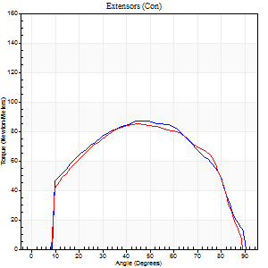
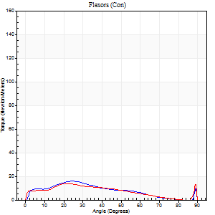
Right Side Curves Left Side Curves
Isokinetic Con/Con |  |  |  | Extensors (Con) |  | Flexors (Con)
Speed 120/120 d/s 3 Reps |  |  |  | Value | Cof Var | %BW | Value | Cof Var | %BW | Ratio

TORQUE PARAMETERS
Peak Torque (Newton-Meters - Best Repetition)
Right |  |  |  | 87 | 0.02 | 107 | 16 | 0.15 | 21 | 19
Left |  |  |  | 85 | 0.07 | 107 | 14 | 0.33 | 18 | 16
Deficit |  |  |  | 2 |  |  | 17
Work per Repetition (Newton-Meters - Best Repetition)
Right |  |  |  | 96 | 0.02 | 119 | 12 | 0.15 | 15 | 13
Left |  |  |  | 94 | 0.12 | 116 | 11 | 0.37 | 15 | 12
Deficit |  |  |  | 3 |  |  | 11
Average Power per Repetition (Watts - Best Repetition)
Right |  |  |  | 114 | 0.09 | 143 | 14 | 0.13 | 18 | 12
Left |  |  |  | 106 | 0.17 | 132 | 12 | 0.38 | 15 | 11
Deficit |  |  |  | 7 |  |  | 14
POSITION PARAMETERS
Joint Angle at Peak Torque (Degrees)
Right |  |  |  | 49 | 0.04 |  | 25 | 0.11
Left |  |  |  | 44 | 0.05 |  | 15 | 0.76
Range of Motion (Degrees)
Right |  |  |  | 1 | 0.82 |  | 90 | 0
Left |  |  |  | 0 | 0.61 |  | 89 | 0
TIME PARAMETERS
Time to Peak Torque (Seconds)
Right |  |  |  | 0.39 | 0.02 |  | 0.29 | 0.02
Left |  |  |  | 0.42 | 0.05 |  | 0.22 | 0.59
Time Peak Torque Held (Seconds)
Right |  |  |  | 0.05 | 0.66 |  | 0.01 | 1
Left |  |  |  | 0.02 | 0.65 |  | 0 | 0
Force Decay Time (Seconds)
Right |  |  |  | 0.44 | 0.15 |  | 0.57 | 0.06
Left |  |  |  | 0.42 | 0.09 |  | 0.68 | 0.21
Reciprocal Delay (Seconds)
Right |  |  |  | 0.08 | 0.09 |  | 0.14 | 0.4
Left |  |  |  | 0.08 | 0.09 |  | 0.17 | 0.07
Delay Time (Seconds)
Right |  |  |  | 0 | -1.41 |  | -0.01 | -1.73
Left |  |  |  | 0 | 0 |  | -0.03 | 0
HUMAC2015® Version: 15.000.0074 © Computer Sports Medicine, Inc. www.csmisolutions.com

Use File, Preference to set Report Heading
Long Form Torque vs. Position Report - Knee Extension/Flexion
Name: |  |  |  | TR030FP3020, | ID: |  | Right/Left: | 10.11.2021 10.11.2021
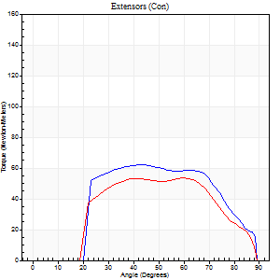
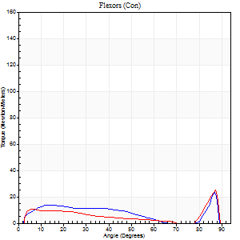
Right Side Curves Left Side Curves
Isokinetic Con/Con |  |  |  | Extensors (Con) |  | Flexors (Con)
Speed 240/240 d/s 3 Reps |  |  |  | Value | Cof Var | %BW | Value | Cof Var | %BW | Ratio

TORQUE PARAMETERS
Peak Torque (Newton-Meters - Best Repetition)
Right |  |  |  | 62 | 0.14 | 77 | 23 | 0.48 | 30 | 37
Left |  |  |  | 53 | 0.15 | 66 | 24 | 0.51 | 30 | 46
Deficit |  |  |  | 15 |  |  | 6
Work per Repetition (Newton-Meters - Best Repetition)
Right |  |  |  | 61 | 0.19 | 77 | 12 | 0.55 | 15 | 20
Left |  |  |  | 52 | 0.24 | 66 | 7 | 0.54 | 9 | 13
Deficit |  |  |  | 16 |  |  | 44
Average Power per Repetition (Watts - Best Repetition)
Right |  |  |  | 113 | 0.23 | 141 | 23 | 0.68 | 29 | 20
Left |  |  |  | 100 | 0.28 | 125 | 16 | 0.4 | 20 | 16
Deficit |  |  |  | 12 |  |  | 30
POSITION PARAMETERS
Joint Angle at Peak Torque (Degrees)
Right |  |  |  | 48 | 0.22 |  | 59 | 0.83
Left |  |  |  | 58 | 0.05 |  | 59 | 0.83
Range of Motion (Degrees)
Right |  |  |  | 1 | 0.78 |  | 89 | 0.01
Left |  |  |  | 1 | 0.3 |  | 89 | 0
TIME PARAMETERS
Time to Peak Torque (Seconds)
Right |  |  |  | 0.28 | 0.05 |  | 0.38 | 0.71
Left |  |  |  | 0.19 | 0.04 |  | 0.26 | 1.14
Time Peak Torque Held (Seconds)
Right |  |  |  | 0.01 | 0.87 |  | 0.01 | 1.73
Left |  |  |  | 0 | 1.73 |  | 0 | 0
Force Decay Time (Seconds)
Right |  |  |  | 0.26 | 0.16 |  | 0.21 | 1.57
Left |  |  |  | 0.31 | 0.06 |  | 0.21 | 1.52
Reciprocal Delay (Seconds)
Right |  |  |  | 0.05 | 0.13 |  | 0.08 | 0.33
Left |  |  |  | 0.05 | 0.13 |  | 0.09 | 0.16
Delay Time (Seconds)
Right |  |  |  | -0.02 | -0.28 |  | 0 | -6.93
Left |  |  |  | -0.02 | 0 |  | 0.14 | 2.16
HUMAC2015® Version: 15.000.0074 © Computer Sports Medicine, Inc. www.csmisolutions.com

Use File, Preference to set Report Heading
Isometric - Knee Extension/Flexion
Name: |  |  |  | TR030FP3020, | ID: |  | Right/Left: | 10.11.2021 10.11.2021

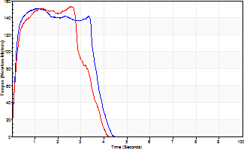
Isometric Extensors (Con) Angle 60 Time 10 Repetition 2 (Best Repetition)
 | Value | Cof Var | %BW
Peak Torque (Newton-Meters)
Right | 151 | 0.04 | 188
Left | 153 | 0.04 | 191
Deficit | 2
Average Torque (Newton-Meters)
Right | 52 | 0.03 | 66
Left | 49 | 0.04 | 60
Deficit | 5
Peak Torque Slope (Newton-Meters/Seconds)
Right | 126 | 0.68 | 157
Left | 60 | 0.17 | 75 |  | Right Side Curves Left Side Curves
Deficit | 52
Time to Half Peak Torque (Seconds)
Right | 0.14 | 0
Left | 0.14 | 0.15
Time to Peak Torque (Seconds)
Right | 2.2 | 0.65
Left | 2.8 | 0.13
HUMAC2015® Version: 15.000.0074 © Computer Sports Medicine, Inc. www.csmisolutions.com

post1
Use File, Preference to set Report Heading
Long Form Torque vs. Position Report - Knee Extension/Flexion
Name: |  |  |  | TR030FP3020, | ID: |  | Right/Left: | 03.12.2021 03.12.2021
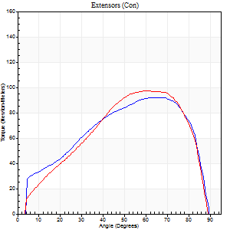
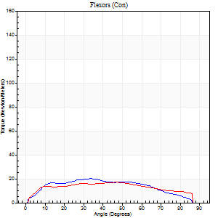
Right Side Curves Left Side Curves
Isokinetic Con/Con |  |  |  | Extensors (Con) |  | Flexors (Con)
Speed 60/60 d/s 3 Reps |  |  |  | Value | Cof Var | %BW | Value | Cof Var | %BW | Ratio

TORQUE PARAMETERS
Peak Torque (Newton-Meters - Best Repetition)
Right |  |  |  | 92 | 0.02 | 116 | 20 | 0.29 | 27 | 22
Left |  |  |  | 98 | 0.11 | 122 | 18 | 0.12 | 21 | 18
Deficit |  |  |  | 6 |  |  | 13
Work per Repetition (Newton-Meters - Best Repetition)
Right |  |  |  | 98 | 0.02 | 122 | 20 | 0.39 | 27 | 21
Left |  |  |  | 96 | 0.14 | 119 | 19 | 0.24 | 24 | 20
Deficit |  |  |  | 1 |  |  | 7
Average Power per Repetition (Watts - Best Repetition)
Right |  |  |  | 64 | 0.03 | 79 | 13 | 0.37 | 15 | 20
Left |  |  |  | 64 | 0.16 | 79 | 13 | 0.26 | 15 | 20
Deficit |  |  |  | 0 |  |  | 0
POSITION PARAMETERS
Joint Angle at Peak Torque (Degrees)
Right |  |  |  | 62 | 0.08 |  | 28 | 0.34
Left |  |  |  | 55 | 0.16 |  | 38 | 0.2
Range of Motion (Degrees)
Right |  |  |  | 1 | 0.58 |  | 90 | 0
Left |  |  |  | 0 | 0.35 |  | 90 | 0
TIME PARAMETERS
Time to Peak Torque (Seconds)
Right |  |  |  | 0.46 | 0.17 |  | 0.52 | 0.35
Left |  |  |  | 0.5 | 0.04 |  | 0.68 | 0.16
Time Peak Torque Held (Seconds)
Right |  |  |  | 0.07 | 0.38 |  | 0.01 | 1.73
Left |  |  |  | 0.05 | 0.53 |  | 0.08 | 1.63
Force Decay Time (Seconds)
Right |  |  |  | 0.97 | 0.05 |  | 1.02 | 0.19
Left |  |  |  | 0.88 | 0.15 |  | 0.8 | 0.18
Reciprocal Delay (Seconds)
Right |  |  |  | 0.2 | 0.03 |  | 0.26 | 0.19
Left |  |  |  | 0.13 | 0.22 |  | 0.18 | 0.44
Delay Time (Seconds)
Right |  |  |  | -0.01 | -1.41 |  | -0.01 | -1.73
Left |  |  |  | 0.02 | 0.71 |  | -0.02 | -1.25
HUMAC2015® Version: 15.000.0074 © Computer Sports Medicine, Inc. www.csmisolutions.com

Use File, Preference to set Report Heading
Long Form Torque vs. Position Report - Knee Extension/Flexion
Name: |  |  |  | TR030FP3020, | ID: |  | Right/Left: | 03.12.2021 03.12.2021
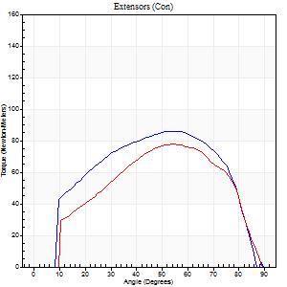
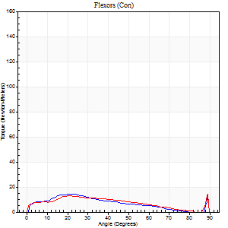
Right Side Curves Left Side Curves
Isokinetic Con/Con |  |  |  | Extensors (Con) |  | Flexors (Con)
Speed 120/120 d/s 3 Reps |  |  |  | Value | Cof Var | %BW | Value | Cof Var | %BW | Ratio

TORQUE PARAMETERS
Peak Torque (Newton-Meters - Best Repetition)
Right |  |  |  | 85 | 0.07 | 107 | 15 | 0.3 | 18 | 17
Left |  |  |  | 77 | 0.1 | 95 | 15 | 0.1 | 18 | 19
Deficit |  |  |  | 10 |  |  | 0
Work per Repetition (Newton-Meters - Best Repetition)
Right |  |  |  | 91 | 0.06 | 113 | 11 | 0.28 | 15 | 12
Left |  |  |  | 77 | 0.12 | 95 | 11 | 0.84 | 15 | 14
Deficit |  |  |  | 15 |  |  | 0
Average Power per Repetition (Watts - Best Repetition)
Right |  |  |  | 102 | 0.09 | 127 | 12 | 0.28 | 15 | 12
Left |  |  |  | 86 | 0.15 | 108 | 13 | 0.63 | 15 | 15
Deficit |  |  |  | 16 |  |  | 8
POSITION PARAMETERS
Joint Angle at Peak Torque (Degrees)
Right |  |  |  | 52 | 0.04 |  | 24 | 0.05
Left |  |  |  | 55 | 0.01 |  | 38 | 1.22
Range of Motion (Degrees)
Right |  |  |  | 0 | 0 |  | 90 | 0.01
Left |  |  |  | 0 | 0 |  | 90 | 0
TIME PARAMETERS
Time to Peak Torque (Seconds)
Right |  |  |  | 0.38 | 0.11 |  | 0.27 | 0.04
Left |  |  |  | 0.34 | 0 |  | 0.15 | 0.91
Time Peak Torque Held (Seconds)
Right |  |  |  | 0.02 | 0.65 |  | 0.01 | 1.73
Left |  |  |  | 0.02 | 0.49 |  | 0.14 | 0.95
Force Decay Time (Seconds)
Right |  |  |  | 0.52 | 0.04 |  | 0.58 | 0.03
Left |  |  |  | 0.5 | 0.07 |  | 0.35 | 0.93
Reciprocal Delay (Seconds)
Right |  |  |  | 0.07 | 0.2 |  | 0.12 | 0.14
Left |  |  |  | 0.12 | 0.4 |  | 0.16 | 0.41
Delay Time (Seconds)
Right |  |  |  | 0.02 | 2.12 |  | 0.02 | 1.73
Left |  |  |  | -0.01 | -0.47 |  | 0.23 | 2.2
HUMAC2015® Version: 15.000.0074 © Computer Sports Medicine, Inc. www.csmisolutions.com

Use File, Preference to set Report Heading
Long Form Torque vs. Position Report - Knee Extension/Flexion
Name: |  |  |  | TR030FP3020, | ID: |  | Right/Left: | 03.12.2021 03.12.2021
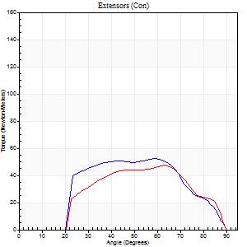
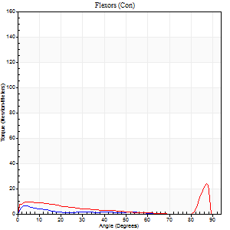
Right Side Curves Left Side Curves
Isokinetic Con/Con |  |  |  | Extensors (Con) |  | Flexors (Con)
Speed 240/240 d/s 3 Reps |  |  |  | Value | Cof Var | %BW | Value | Cof Var | %BW | Ratio

TORQUE PARAMETERS
Peak Torque (Newton-Meters - Best Repetition)
Right |  |  |  | 52 | 0 | 66 | 7 | 0.28 | 9 | 13
Left |  |  |  | 47 | 0.26 | 60 | 24 | 0.51 | 30 | 51
Deficit |  |  |  | 8 |  |  | 72
Work per Repetition (Newton-Meters - Best Repetition)
Right |  |  |  | 53 | 0.05 | 66 | 3 | 0.13 | 3 | 5
Left |  |  |  | 42 | 0.33 | 54 | 7 | 0.8 | 9 | 16
Deficit |  |  |  | 21 |  |  | 60
Average Power per Repetition (Watts - Best Repetition)
Right |  |  |  | 95 | 0.14 | 119 | 2 | 0.49 | 2 | 2
Left |  |  |  | 76 | 0.37 | 95 | 10 | 0.69 | 13 | 13
Deficit |  |  |  | 20 |  |  | 80
POSITION PARAMETERS
Joint Angle at Peak Torque (Degrees)
Right |  |  |  | 56 | 0.15 |  | 4 | 0.16
Left |  |  |  | 60 | 0.07 |  | 60 | 0.81
Range of Motion (Degrees)
Right |  |  |  | 1 | 0.16 |  | 90 | 0
Left |  |  |  | 0 | 0.54 |  | 89 | 0.01
TIME PARAMETERS
Time to Peak Torque (Seconds)
Right |  |  |  | 0.3 | 0.07 |  | 0.11 | 0.55
Left |  |  |  | 0.19 | 0.04 |  | 0.35 | 0.74
Time Peak Torque Held (Seconds)
Right |  |  |  | 0.01 | 1.73 |  | 0.01 | 0.87
Left |  |  |  | 0 | 0 |  | 0 | 0
Force Decay Time (Seconds)
Right |  |  |  | 0.31 | 0.19 |  | 1.23 | 0.42
Left |  |  |  | 0.33 | 0.11 |  | 0.21 | 1.57
Reciprocal Delay (Seconds)
Right |  |  |  | 0.8 | 0.11 |  | 0.23 | 0.82
Left |  |  |  | 0.06 | 0.24 |  | 0.1 | 0.36
Delay Time (Seconds)
Right |  |  |  | -0.04 | -0.2 |  | -0.02 | -1.51
Left |  |  |  | -0.01 | -0.47 |  | 0.09 | 2.69
HUMAC2015® Version: 15.000.0074 © Computer Sports Medicine, Inc. www.csmisolutions.com

Use File, Preference to set Report Heading
Isometric - Knee Extension/Flexion
Name: |  |  |  | TR030FP3020, | ID: |  | Right/Left: | 03.12.2021 03.12.2021

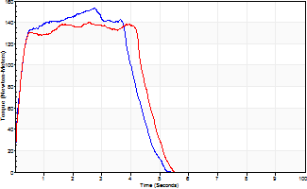
Isometric Extensors (Con) Angle 60 Time 10 Repetition 2 (Best Repetition)
 | Value | Cof Var | %BW
Peak Torque (Newton-Meters)
Right | 153 | 0 | 191
Left | 140 | 0.1 | 176
Deficit | 9
Average Torque (Newton-Meters)
Right | 60 | 0.02 | 75
Left | 61 | 0.15 | 77
Deficit | 2
Peak Torque Slope (Newton-Meters/Seconds)
Right | 88 | 0.32 | 110
Left | 54 | 0.11 | 68 |  | Right Side Curves Left Side Curves
Deficit | 38
Time to Half Peak Torque (Seconds)
Right | 0.14 | 0.37
Left | 0.15 | 0
Time to Peak Torque (Seconds)
Right | 2.23 | 0.32
Left | 2.58 | 0.01
HUMAC2015® Version: 15.000.0074 © Computer Sports Medicine, Inc. www.csmisolutions.com

