pre1
Use File, Preference to set Report Heading
Long Form Torque vs. Position Report - Knee Extension/Flexion
Name: |  |  |  | TR030FP3021, | ID: |  | Right/Left: | 10.09.2021 10.09.2021
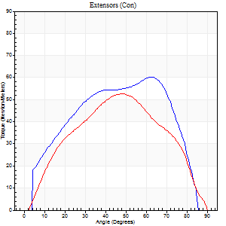
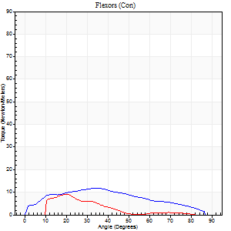
Right Side Curves Left Side Curves
Isokinetic Con/Con |  |  |  | Extensors (Con) |  | Flexors (Con)
Speed 60/60 d/s 3 Reps |  |  |  | Value | Cof Var | %BW | Value | Cof Var | %BW | Ratio

TORQUE PARAMETERS
Peak Torque (Newton-Meters - Best Repetition)
Right |  |  |  | 60 | 0.08 | 77 | 12 | 0.17 | 15 | 20
Left |  |  |  | 53 | 0.12 | 69 | 9 | 0.07 | 12 | 18
Deficit |  |  |  | 11 |  |  | 22
Work per Repetition (Newton-Meters - Best Repetition)
Right |  |  |  | 62 | 0.06 | 83 | 11 | 0.12 | 15 | 17
Left |  |  |  | 52 | 0.12 | 69 | 5 | 0.27 | 6 | 11
Deficit |  |  |  | 17 |  |  | 50
Average Power per Repetition (Watts - Best Repetition)
Right |  |  |  | 42 | 0.11 | 55 | 7 | 0.1 | 9 | 17
Left |  |  |  | 32 | 0.13 | 42 | 3 | 0.24 | 4 | 9
Deficit |  |  |  | 24 |  |  | 57
POSITION PARAMETERS
Joint Angle at Peak Torque (Degrees)
Right |  |  |  | 60 | 0.15 |  | 37 | 0.05
Left |  |  |  | 46 | 0.14 |  | 17 | 0.18
Range of Motion (Degrees)
Right |  |  |  | 0 | 0.57 |  | 88 | 0.03
Left |  |  |  | 5 | 1.24 |  | 90 | 0
TIME PARAMETERS
Time to Peak Torque (Seconds)
Right |  |  |  | 0.41 | 0.02 |  | 0.69 | 0.05
Left |  |  |  | 0.88 | 0.14 |  | 0.27 | 0.25
Time Peak Torque Held (Seconds)
Right |  |  |  | 0.05 | 0.39 |  | 0.01 | 1.73
Left |  |  |  | 0.05 | 0.22 |  | 0.01 | 0.87
Force Decay Time (Seconds)
Right |  |  |  | 0.97 | 0.16 |  | 0.87 | 0.06
Left |  |  |  | 0.65 | 0.27 |  | 1.31 | 0.03
Reciprocal Delay (Seconds)
Right |  |  |  | 0.08 | 0.35 |  | 0.3 | 0.28
Left |  |  |  | 0.14 | 0 |  | 0.09 | 0.12
Delay Time (Seconds)
Right |  |  |  | -0.02 | -0.71 |  | -0.02 | -0.5
Left |  |  |  | -0.04 | -0.35 |  | -0.06 | -0.1
HUMAC2015® Version: 15.000.0074 © Computer Sports Medicine, Inc. www.csmisolutions.com

Use File, Preference to set Report Heading
Long Form Torque vs. Position Report - Knee Extension/Flexion
Name: |  |  |  | TR030FP3021, | ID: |  | Right/Left: | 10.09.2021 10.09.2021
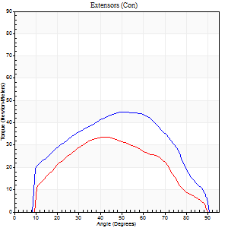
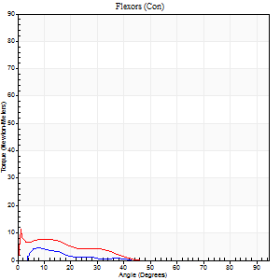
Right Side Curves Left Side Curves
Isokinetic Con/Con |  |  |  | Extensors (Con) |  | Flexors (Con)
Speed 120/120 d/s 3 Reps |  |  |  | Value | Cof Var | %BW | Value | Cof Var | %BW | Ratio

TORQUE PARAMETERS
Peak Torque (Newton-Meters - Best Repetition)
Right |  |  |  | 45 | 0.78 | 60 | 4 | 0.08 | 6 | 9
Left |  |  |  | 34 | 0.08 | 45 | 15 | 0.63 | 21 | 44
Deficit |  |  |  | 24 |  |  | 73
Work per Repetition (Newton-Meters - Best Repetition)
Right |  |  |  | 46 | 0.88 | 60 | 1 | 0.33 | 3 | 3
Left |  |  |  | 31 | 0.09 | 42 | 4 | 0.53 | 6 | 13
Deficit |  |  |  | 32 |  |  | 67
Average Power per Repetition (Watts - Best Repetition)
Right |  |  |  | 46 | 0.85 | 62 | 1 | 0.28 | 2 | 2
Left |  |  |  | 33 | 0.44 | 44 | 3 | 0.66 | 4 | 9
Deficit |  |  |  | 28 |  |  | 67
POSITION PARAMETERS
Joint Angle at Peak Torque (Degrees)
Right |  |  |  | 57 | 0.24 |  | 23 | 1.38
Left |  |  |  | 40 | 0.09 |  | 3 | 0.87
Range of Motion (Degrees)
Right |  |  |  | 30 | 1.41 |  | 80 | 0.11
Left |  |  |  | 1 | 0.06 |  | 90 | 0
TIME PARAMETERS
Time to Peak Torque (Seconds)
Right |  |  |  | 0.23 | 0.61 |  | 0.15 | 0.87
Left |  |  |  | 0.57 | 0.04 |  | 0.1 | 0.57
Time Peak Torque Held (Seconds)
Right |  |  |  | 0.01 | 1.15 |  | 0.01 | 1.73
Left |  |  |  | 0.01 | 0.87 |  | 0 | 0
Force Decay Time (Seconds)
Right |  |  |  | 0.43 | 0.2 |  | 0.91 | 0.53
Left |  |  |  | 0.36 | 0.07 |  | 1.21 | 0.17
Reciprocal Delay (Seconds)
Right |  |  |  | 0.14 | 0.68 |  | 0.15 | 0.51
Left |  |  |  | 0.11 | 0.06 |  | 0.12 | 0.34
Delay Time (Seconds)
Right |  |  |  | -0.07 | -0.61 |  | 0.11 | 2.57
Left |  |  |  | -0.04 | -0.47 |  | -0.06 | -0.97
HUMAC2015® Version: 15.000.0074 © Computer Sports Medicine, Inc. www.csmisolutions.com

Use File, Preference to set Report Heading
Long Form Torque vs. Position Report - Knee Extension/Flexion
Name: |  |  |  | TR030FP3021, | ID: |  | Right/Left: | 10.09.2021 10.09.2021
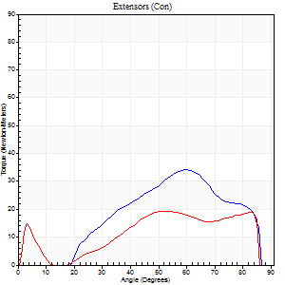
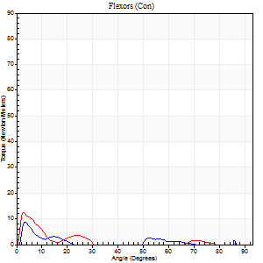
Right Side Curves Left Side Curves
Isokinetic Con/Con |  |  |  | Extensors (Con) |  | Flexors (Con)
Speed 240/240 d/s 3 Reps |  |  |  | Value | Cof Var | %BW | Value | Cof Var | %BW | Ratio

TORQUE PARAMETERS
Peak Torque (Newton-Meters - Best Repetition)
Right |  |  |  | 34 | 0.12 | 45 | 8 | 0.29 | 12 | 24
Left |  |  |  | 19 | 0.2 | 24 | 12 | 0.1 | 15 | 64
Deficit |  |  |  | 44 |  |  | 33
Work per Repetition (Newton-Meters - Best Repetition)
Right |  |  |  | 27 | 0.09 | 36 | 1 | 0.1 | 3 | 5
Left |  |  |  | 18 | 0.77 | 24 | 4 | 0.26 | 6 | 23
Deficit |  |  |  | 35 |  |  | 67
Average Power per Repetition (Watts - Best Repetition)
Right |  |  |  | 52 | 0.36 | 68 | 1 | 0.37 | 2 | 2
Left |  |  |  | 33 | 0.53 | 44 | 4 | 0.31 | 4 | 12
Deficit |  |  |  | 37 |  |  | 75
POSITION PARAMETERS
Joint Angle at Peak Torque (Degrees)
Right |  |  |  | 57 | 0.03 |  | 4 | 0.18
Left |  |  |  | 33 | 0.79 |  | 3 | 0.07
Range of Motion (Degrees)
Right |  |  |  | 1 | 1.09 |  | 86 | 0.02
Left |  |  |  | 1 | 0.03 |  | 87 | 0.03
TIME PARAMETERS
Time to Peak Torque (Seconds)
Right |  |  |  | 0.23 | 0.03 |  | 0.09 | 0.66
Left |  |  |  | 0.16 | 0.71 |  | 0.06 | 0.1
Time Peak Torque Held (Seconds)
Right |  |  |  | 0.01 | 0.87 |  | 0.03 | 1.73
Left |  |  |  | 0 | 0 |  | 0 | 0
Force Decay Time (Seconds)
Right |  |  |  | 0.36 | 0.45 |  | 1.63 | 0.48
Left |  |  |  | 0.18 | 0.69 |  | 0.95 | 0.06
Reciprocal Delay (Seconds)
Right |  |  |  | 0.09 | 0.08 |  | 0.11 | 0.57
Left |  |  |  | 0.06 | 0.24 |  | 0.06 | 0.17
Delay Time (Seconds)
Right |  |  |  | -0.05 | 0 |  | 0.02 | 2.27
Left |  |  |  | 0.18 | 1.65 |  | -0.03 | -0.17
HUMAC2015® Version: 15.000.0074 © Computer Sports Medicine, Inc. www.csmisolutions.com

Use File, Preference to set Report Heading
Isometric - Knee Extension/Flexion
Name: |  |  |  | TR030FP3021, | ID: |  | Right/Left: | 10.09.2021 10.09.2021

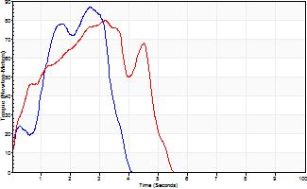
Isometric Extensors (Con) Angle 60 Time 10 Repetition 2 (Best Repetition)
 | Value | Cof Var | %BW
Peak Torque (Newton-Meters)
Right | 87 | 0.08 | 113
Left | 80 | 0.09 | 104
Deficit | 8
Average Torque (Newton-Meters)
Right | 22 | 0.01 | 30
Left | 30 | 0.4 | 39
Deficit | 27
Peak Torque Slope (Newton-Meters/Seconds)
Right | 33 | 0.17 | 43
Left | 26 | 0.02 | 34 |  | Right Side Curves Left Side Curves
Deficit | 21
Time to Half Peak Torque (Seconds)
Right | 1 | 0.04
Left | 0.74 | 0.49
Time to Peak Torque (Seconds)
Right | 2.85 | 0.09
Left | 2.94 | 0.12
HUMAC2015® Version: 15.000.0074 © Computer Sports Medicine, Inc. www.csmisolutions.com

pre2
Use File, Preference to set Report Heading
Long Form Torque vs. Position Report - Knee Extension/Flexion
Name: |  |  |  | TR030FP3021, | ID: |  | Right/Left: | 21.09.2021 21.09.2021
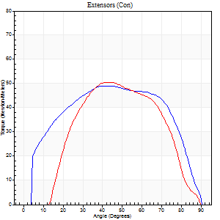
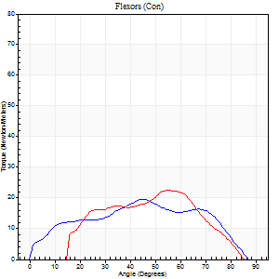
Right Side Curves Left Side Curves
Isokinetic Con/Con |  |  |  | Extensors (Con) |  | Flexors (Con)
Speed 60/60 d/s 3 Reps |  |  |  | Value | Cof Var | %BW | Value | Cof Var | %BW | Ratio

TORQUE PARAMETERS
Peak Torque (Newton-Meters - Best Repetition)
Right |  |  |  | 49 | 0.16 | 66 | 19 | 0.5 | 24 | 39
Left |  |  |  | 50 | 0.23 | 66 | 23 | 0.19 | 30 | 46
Deficit |  |  |  | 3 |  |  | 18
Work per Repetition (Newton-Meters - Best Repetition)
Right |  |  |  | 57 | 0.2 | 75 | 20 | 0.57 | 27 | 36
Left |  |  |  | 46 | 0.27 | 60 | 19 | 0.26 | 24 | 41
Deficit |  |  |  | 19 |  |  | 7
Average Power per Repetition (Watts - Best Repetition)
Right |  |  |  | 33 | 0.18 | 44 | 13 | 0.53 | 18 | 39
Left |  |  |  | 32 | 0.52 | 42 | 14 | 0.28 | 18 | 44
Deficit |  |  |  | 3 |  |  | 7
POSITION PARAMETERS
Joint Angle at Peak Torque (Degrees)
Right |  |  |  | 46 | 0.45 |  | 43 | 0.27
Left |  |  |  | 47 | 0.11 |  | 40 | 0.4
Range of Motion (Degrees)
Right |  |  |  | 1 | 0.25 |  | 90 | 0
Left |  |  |  | 13 | 0.11 |  | 89 | 0.01
TIME PARAMETERS
Time to Peak Torque (Seconds)
Right |  |  |  | 0.79 | 0.64 |  | 0.75 | 0.28
Left |  |  |  | 0.75 | 0.17 |  | 0.51 | 0.45
Time Peak Torque Held (Seconds)
Right |  |  |  | 0.06 | 0.6 |  | 0 | 0
Left |  |  |  | 0.06 | 0.57 |  | 0.02 | 0.92
Force Decay Time (Seconds)
Right |  |  |  | 0.72 | 0.52 |  | 0.75 | 0.19
Left |  |  |  | 0.53 | 0.22 |  | 0.83 | 0.33
Reciprocal Delay (Seconds)
Right |  |  |  | 0.13 | 0 |  | 0.17 | 0.54
Left |  |  |  | 0.12 | 0.31 |  | 0.08 | 0.07
Delay Time (Seconds)
Right |  |  |  | -0.06 | 0 |  | 0.01 | 2.65
Left |  |  |  | -0.05 | -0.16 |  | -0.05 | -0.11
HUMAC2015® Version: 15.000.0074 © Computer Sports Medicine, Inc. www.csmisolutions.com

Use File, Preference to set Report Heading
Long Form Torque vs. Position Report - Knee Extension/Flexion
Name: |  |  |  | TR030FP3021, | ID: |  | Right/Left: | 21.09.2021 21.09.2021
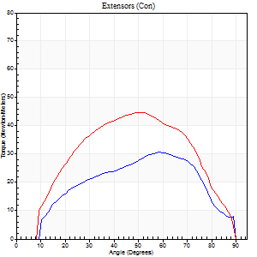
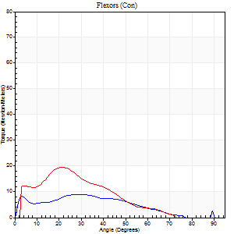
Right Side Curves Left Side Curves
Isokinetic Con/Con |  |  |  | Extensors (Con) |  | Flexors (Con)
Speed 120/120 d/s 3 Reps |  |  |  | Value | Cof Var | %BW | Value | Cof Var | %BW | Ratio

TORQUE PARAMETERS
Peak Torque (Newton-Meters - Best Repetition)
Right |  |  |  | 31 | 0.3 | 42 | 9 | 0.22 | 12 | 30
Left |  |  |  | 45 | 0.23 | 60 | 19 | 0.29 | 24 | 42
Deficit |  |  |  | 30 |  |  | 50
Work per Repetition (Newton-Meters - Best Repetition)
Right |  |  |  | 30 | 0.39 | 39 | 8 | 0.39 | 12 | 27
Left |  |  |  | 45 | 0.27 | 60 | 12 | 0.29 | 15 | 27
Deficit |  |  |  | 33 |  |  | 33
Average Power per Repetition (Watts - Best Repetition)
Right |  |  |  | 33 | 0.41 | 44 | 8 | 0.43 | 11 | 24
Left |  |  |  | 53 | 0.62 | 70 | 15 | 0.32 | 20 | 28
Deficit |  |  |  | 38 |  |  | 47
POSITION PARAMETERS
Joint Angle at Peak Torque (Degrees)
Right |  |  |  | 52 | 0.11 |  | 27 | 0.17
Left |  |  |  | 52 | 0.02 |  | 15 | 0.8
Range of Motion (Degrees)
Right |  |  |  | 1 | 0.08 |  | 89 | 0
Left |  |  |  | 1 | 0.28 |  | 89 | 0
TIME PARAMETERS
Time to Peak Torque (Seconds)
Right |  |  |  | 0.44 | 0.18 |  | 0.3 | 0.2
Left |  |  |  | 0.39 | 0.07 |  | 0.17 | 0.67
Time Peak Torque Held (Seconds)
Right |  |  |  | 0 | 1.73 |  | 0.01 | 1.73
Left |  |  |  | 0.05 | 0.25 |  | 0 | 0
Force Decay Time (Seconds)
Right |  |  |  | 0.46 | 0.09 |  | 0.64 | 0.18
Left |  |  |  | 0.42 | 0.02 |  | 0.72 | 0.18
Reciprocal Delay (Seconds)
Right |  |  |  | 0.12 | 0.31 |  | 0.07 | 0.09
Left |  |  |  | 0.06 | 0.11 |  | 0.07 | 0.21
Delay Time (Seconds)
Right |  |  |  | -0.05 | -0.13 |  | -0.01 | -1.73
Left |  |  |  | -0.04 | -0.2 |  | -0.03 | -0.57
HUMAC2015® Version: 15.000.0074 © Computer Sports Medicine, Inc. www.csmisolutions.com

Use File, Preference to set Report Heading
Long Form Torque vs. Position Report - Knee Extension/Flexion
Name: |  |  |  | TR030FP3021, | ID: |  | Right/Left: | 21.09.2021 21.09.2021
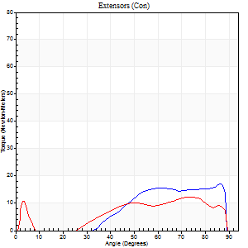
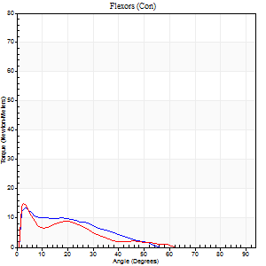
Right Side Curves Left Side Curves
Isokinetic Con/Con |  |  |  | Extensors (Con) |  | Flexors (Con)
Speed 240/240 d/s 3 Reps |  |  |  | Value | Cof Var | %BW | Value | Cof Var | %BW | Ratio

TORQUE PARAMETERS
Peak Torque (Newton-Meters - Best Repetition)
Right |  |  |  | 18 | 0.19 | 24 | 14 | 0.25 | 18 | 77
Left |  |  |  | 12 | 0.11 | 15 | 15 | 0.1 | 21 | 122
Deficit |  |  |  | 31 |  |  | 9
Work per Repetition (Newton-Meters - Best Repetition)
Right |  |  |  | 12 | 0.33 | 15 | 7 | 0.38 | 9 | 56
Left |  |  |  | 11 | 0.85 | 15 | 5 | 0.03 | 6 | 50
Deficit |  |  |  | 11 |  |  | 20
Average Power per Repetition (Watts - Best Repetition)
Right |  |  |  | 22 | 0.49 | 29 | 12 | 0.5 | 15 | 55
Left |  |  |  | 17 | 0.78 | 22 | 10 | 0.07 | 13 | 59
Deficit |  |  |  | 23 |  |  | 17
POSITION PARAMETERS
Joint Angle at Peak Torque (Degrees)
Right |  |  |  | 56 | 0.82 |  | 3 | 0.06
Left |  |  |  | 27 | 1.52 |  | 3 | 0.08
Range of Motion (Degrees)
Right |  |  |  | 1 | 0.06 |  | 88 | 0.01
Left |  |  |  | 1 | 0.09 |  | 89 | 0.01
TIME PARAMETERS
Time to Peak Torque (Seconds)
Right |  |  |  | 0.12 | 0.68 |  | 0.06 | 0.17
Left |  |  |  | 0.15 | 0.47 |  | 0.05 | 0.11
Time Peak Torque Held (Seconds)
Right |  |  |  | 0.01 | 0.87 |  | 0.01 | 0
Left |  |  |  | 0 | 1.73 |  | 0 | 1.73
Force Decay Time (Seconds)
Right |  |  |  | 0.3 | 0.79 |  | 0.57 | 0.17
Left |  |  |  | 0.15 | 1.38 |  | 0.55 | 0.08
Reciprocal Delay (Seconds)
Right |  |  |  | 0.06 | 0.24 |  | 0.05 | 0
Left |  |  |  | 0.06 | 0.24 |  | 0.05 | 0.11
Delay Time (Seconds)
Right |  |  |  | -0.03 | 0 |  | -0.03 | 0
Left |  |  |  | 0.17 | 1.74 |  | -0.03 | 0
HUMAC2015® Version: 15.000.0074 © Computer Sports Medicine, Inc. www.csmisolutions.com

Use File, Preference to set Report Heading
Isometric - Knee Extension/Flexion
Name: |  |  |  | TR030FP3021, | ID: |  | Right/Left: | 21.09.2021 21.09.2021

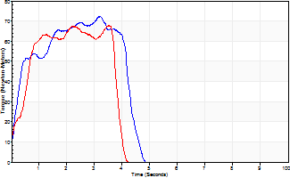
Isometric Extensors (Con) Angle 60 Time 10 Repetition 2 (Best Repetition)
 | Value | Cof Var | %BW
Peak Torque (Newton-Meters)
Right | 72 | 0.03 | 95
Left | 68 | 0.2 | 89
Deficit | 6
Average Torque (Newton-Meters)
Right | 26 | 0.05 | 33
Left | 22 | 0.23 | 30
Deficit | 16
Peak Torque Slope (Newton-Meters/Seconds)
Right | 29 | 0.17 | 38
Left | 19 | 0.07 | 25 |  | Right Side Curves Left Side Curves
Deficit | 33
Time to Half Peak Torque (Seconds)
Right | 0.26 | 0.05
Left | 0.35 | 0.61
Time to Peak Torque (Seconds)
Right | 2.8 | 0.2
Left | 3.21 | 0.13
HUMAC2015® Version: 15.000.0074 © Computer Sports Medicine, Inc. www.csmisolutions.com

mid1
Use File, Preference to set Report Heading
Long Form Torque vs. Position Report - Knee Extension/Flexion
Name: |  |  |  | TR030FP3021, | ID: |  | Right/Left: | 02.11.2021 02.11.2021
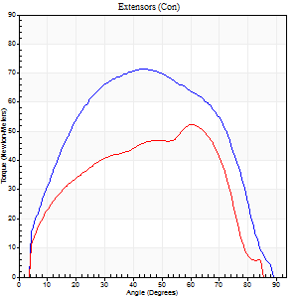
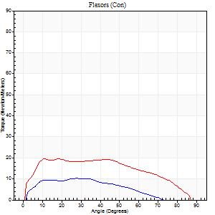
Right Side Curves Left Side Curves
Isokinetic Con/Con |  |  |  | Extensors (Con) |  | Flexors (Con)
Speed 60/60 d/s 3 Reps |  |  |  | Value | Cof Var | %BW | Value | Cof Var | %BW | Ratio

TORQUE PARAMETERS
Peak Torque (Newton-Meters - Best Repetition)
Right |  |  |  | 72 | 0.04 | 95 | 11 | 0.12 | 15 | 15
Left |  |  |  | 53 | 0.15 | 69 | 19 | 0.18 | 24 | 36
Deficit |  |  |  | 26 |  |  | 43
Work per Repetition (Newton-Meters - Best Repetition)
Right |  |  |  | 81 | 0.1 | 107 | 9 | 0.18 | 12 | 12
Left |  |  |  | 50 | 0.12 | 66 | 22 | 0.35 | 30 | 43
Deficit |  |  |  | 38 |  |  | 56
Average Power per Repetition (Watts - Best Repetition)
Right |  |  |  | 51 | 0.16 | 68 | 6 | 0.18 | 9 | 12
Left |  |  |  | 34 | 0.2 | 44 | 14 | 0.35 | 18 | 41
Deficit |  |  |  | 33 |  |  | 57
POSITION PARAMETERS
Joint Angle at Peak Torque (Degrees)
Right |  |  |  | 44 | 0.05 |  | 27 | 0.05
Left |  |  |  | 53 | 0.26 |  | 18 | 0.81
Range of Motion (Degrees)
Right |  |  |  | 0 | 0.98 |  | 89 | 0.01
Left |  |  |  | 1 | 0.92 |  | 88 | 0.03
TIME PARAMETERS
Time to Peak Torque (Seconds)
Right |  |  |  | 0.81 | 0.07 |  | 0.47 | 0.1
Left |  |  |  | 0.54 | 0.12 |  | 0.35 | 0.74
Time Peak Torque Held (Seconds)
Right |  |  |  | 0.03 | 1.2 |  | 0.05 | 1.55
Left |  |  |  | 0.04 | 0.83 |  | 0.04 | 0.88
Force Decay Time (Seconds)
Right |  |  |  | 0.72 | 0.13 |  | 1.01 | 0.05
Left |  |  |  | 0.85 | 0.31 |  | 1.16 | 0.26
Reciprocal Delay (Seconds)
Right |  |  |  | 0.1 | 0.42 |  | 0.13 | 0.47
Left |  |  |  | 0.11 | 0.07 |  | 0.12 | 0.61
Delay Time (Seconds)
Right |  |  |  | -0.05 | -0.39 |  | 0.07 | 0.71
Left |  |  |  | -0.03 | -1.41 |  | -0.03 | -0.78
HUMAC2015® Version: 15.000.0074 © Computer Sports Medicine, Inc. www.csmisolutions.com

Use File, Preference to set Report Heading
Long Form Torque vs. Position Report - Knee Extension/Flexion
Name: |  |  |  | TR030FP3021, | ID: |  | Right/Left: | 02.11.2021 02.11.2021
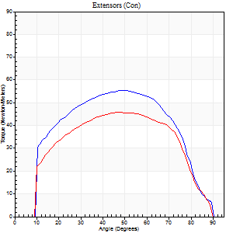
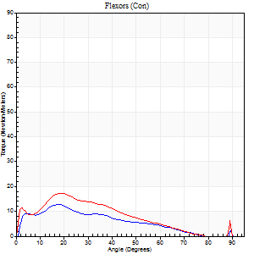
Right Side Curves Left Side Curves
Isokinetic Con/Con |  |  |  | Extensors (Con) |  | Flexors (Con)
Speed 120/120 d/s 3 Reps |  |  |  | Value | Cof Var | %BW | Value | Cof Var | %BW | Ratio

TORQUE PARAMETERS
Peak Torque (Newton-Meters - Best Repetition)
Right |  |  |  | 56 | 0.29 | 75 | 12 | 0.22 | 15 | 22
Left |  |  |  | 46 | 0.29 | 60 | 18 | 0.33 | 24 | 38
Deficit |  |  |  | 17 |  |  | 31
Work per Repetition (Newton-Meters - Best Repetition)
Right |  |  |  | 60 | 0.38 | 77 | 9 | 0.42 | 12 | 16
Left |  |  |  | 49 | 0.36 | 66 | 12 | 0.47 | 15 | 25
Deficit |  |  |  | 18 |  |  | 22
Average Power per Repetition (Watts - Best Repetition)
Right |  |  |  | 68 | 0.51 | 90 | 11 | 0.43 | 15 | 16
Left |  |  |  | 58 | 0.46 | 77 | 15 | 0.48 | 20 | 26
Deficit |  |  |  | 15 |  |  | 27
POSITION PARAMETERS
Joint Angle at Peak Torque (Degrees)
Right |  |  |  | 44 | 0.26 |  | 18 | 0.04
Left |  |  |  | 46 | 0.08 |  | 19 | 0.04
Range of Motion (Degrees)
Right |  |  |  | 1 | 0.03 |  | 89 | 0.01
Left |  |  |  | 1 | 0.05 |  | 90 | 0
TIME PARAMETERS
Time to Peak Torque (Seconds)
Right |  |  |  | 0.43 | 0.07 |  | 0.18 | 0.03
Left |  |  |  | 0.43 | 0.03 |  | 0.23 | 0.08
Time Peak Torque Held (Seconds)
Right |  |  |  | 0.05 | 0.62 |  | 0.01 | 1.73
Left |  |  |  | 0.04 | 0.66 |  | 0.01 | 0.87
Force Decay Time (Seconds)
Right |  |  |  | 0.33 | 0.25 |  | 0.65 | 0.01
Left |  |  |  | 0.36 | 0.09 |  | 0.62 | 0.01
Reciprocal Delay (Seconds)
Right |  |  |  | 0.08 | 0.09 |  | 0.06 | 0
Left |  |  |  | 0.09 | 0.08 |  | 0.07 | 0
Delay Time (Seconds)
Right |  |  |  | -0.05 | -0.16 |  | 0.01 | 2.29
Left |  |  |  | -0.02 | 0 |  | -0.01 | -0.43
HUMAC2015® Version: 15.000.0074 © Computer Sports Medicine, Inc. www.csmisolutions.com

Use File, Preference to set Report Heading
Long Form Torque vs. Position Report - Knee Extension/Flexion
Name: |  |  |  | TR030FP3021, | ID: |  | Right/Left: | 02.11.2021 02.11.2021
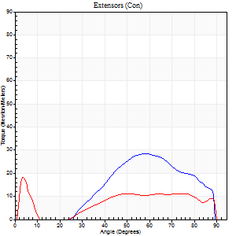
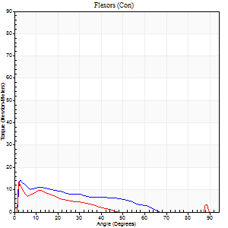
Right Side Curves Left Side Curves
Isokinetic Con/Con |  |  |  | Extensors (Con) |  | Flexors (Con)
Speed 240/240 d/s 3 Reps |  |  |  | Value | Cof Var | %BW | Value | Cof Var | %BW | Ratio

TORQUE PARAMETERS
Peak Torque (Newton-Meters - Best Repetition)
Right |  |  |  | 28 | 0.22 | 39 | 14 | 0.37 | 18 | 48
Left |  |  |  | 19 | 0.19 | 24 | 14 | 0.15 | 18 | 71
Deficit |  |  |  | 33 |  |  | 0
Work per Repetition (Newton-Meters - Best Repetition)
Right |  |  |  | 22 | 0.19 | 30 | 8 | 0.4 | 12 | 38
Left |  |  |  | 12 | 1.22 | 15 | 5 | 0.14 | 6 | 44
Deficit |  |  |  | 44 |  |  | 33
Average Power per Repetition (Watts - Best Repetition)
Right |  |  |  | 41 | 0.26 | 55 | 16 | 0.51 | 22 | 39
Left |  |  |  | 21 | 0.45 | 29 | 8 | 0.17 | 11 | 38
Deficit |  |  |  | 49 |  |  | 50
POSITION PARAMETERS
Joint Angle at Peak Torque (Degrees)
Right |  |  |  | 53 | 0.08 |  | 3 | 0.25
Left |  |  |  | 19 | 1.41 |  | 2 | 0.05
Range of Motion (Degrees)
Right |  |  |  | 2 | 0.02 |  | 89 | 0
Left |  |  |  | 2 | 0.03 |  | 89 | 0.01
TIME PARAMETERS
Time to Peak Torque (Seconds)
Right |  |  |  | 0.25 | 0.14 |  | 0.04 | 0.35
Left |  |  |  | 0.22 | 0.62 |  | 0.03 | 0.17
Time Peak Torque Held (Seconds)
Right |  |  |  | 0.01 | 0.87 |  | 0.01 | 0.87
Left |  |  |  | 0 | 0 |  | 0 | 1.73
Force Decay Time (Seconds)
Right |  |  |  | 0.26 | 0.04 |  | 0.54 | 0.2
Left |  |  |  | 0.11 | 1.18 |  | 0.61 | 0.04
Reciprocal Delay (Seconds)
Right |  |  |  | 0.05 | 0.16 |  | 0.05 | 0
Left |  |  |  | 0.05 | 0.13 |  | 0.05 | 0
Delay Time (Seconds)
Right |  |  |  | -0.02 | -0.28 |  | -0.03 | -0.22
Left |  |  |  | 0.19 | 1.64 |  | -0.03 | 0
HUMAC2015® Version: 15.000.0074 © Computer Sports Medicine, Inc. www.csmisolutions.com

Use File, Preference to set Report Heading
Isometric - Knee Extension/Flexion
Name: |  |  |  | TR030FP3021, | ID: |  | Right/Left: | 02.11.2021 02.11.2021

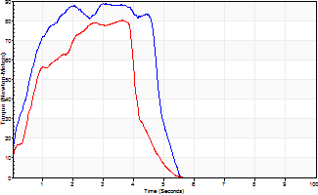
Isometric Extensors (Con) Angle 60 Time 10 Repetition 2 (Best Repetition)
 | Value | Cof Var | %BW
Peak Torque (Newton-Meters)
Right | 88 | 0.03 | 116
Left | 80 | 0.13 | 104
Deficit | 9
Average Torque (Newton-Meters)
Right | 38 | 0.1 | 51
Left | 27 | 0.09 | 36
Deficit | 29
Peak Torque Slope (Newton-Meters/Seconds)
Right | 30 | 0.02 | 39
Left | 32 | 0.27 | 43 |  | Right Side Curves Left Side Curves
Deficit | 8
Time to Half Peak Torque (Seconds)
Right | 0.5 | 0.03
Left | 0.66 | 0
Time to Peak Torque (Seconds)
Right | 2.94 | 0.06
Left | 2.82 | 0.39
HUMAC2015® Version: 15.000.0074 © Computer Sports Medicine, Inc. www.csmisolutions.com

mid2
Use File, Preference to set Report Heading
Long Form Torque vs. Position Report - Knee Extension/Flexion
Name: |  |  |  | TR030FP3021, | ID: |  | Right/Left: | 04.11.2021 04.11.2021
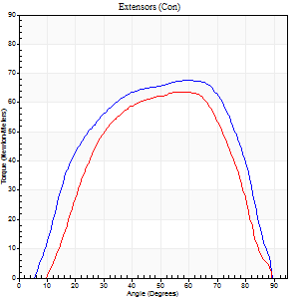
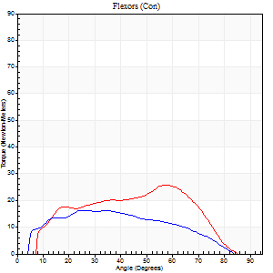
Right Side Curves Left Side Curves
Isokinetic Con/Con |  |  |  | Extensors (Con) |  | Flexors (Con)
Speed 60/60 d/s 3 Reps |  |  |  | Value | Cof Var | %BW | Value | Cof Var | %BW | Ratio

TORQUE PARAMETERS
Peak Torque (Newton-Meters - Best Repetition)
Right |  |  |  | 68 | 0.05 | 89 | 16 | 0.16 | 21 | 24
Left |  |  |  | 64 | 0.08 | 83 | 26 | 0.39 | 33 | 40
Deficit |  |  |  | 6 |  |  | 37
Work per Repetition (Newton-Meters - Best Repetition)
Right |  |  |  | 73 | 0.17 | 95 | 16 | 0.21 | 21 | 22
Left |  |  |  | 66 | 0.12 | 86 | 23 | 0.44 | 30 | 35
Deficit |  |  |  | 9 |  |  | 29
Average Power per Repetition (Watts - Best Repetition)
Right |  |  |  | 48 | 0.2 | 64 | 11 | 0.2 | 15 | 23
Left |  |  |  | 42 | 0.09 | 55 | 16 | 0.45 | 22 | 38
Deficit |  |  |  | 13 |  |  | 31
POSITION PARAMETERS
Joint Angle at Peak Torque (Degrees)
Right |  |  |  | 53 | 0.1 |  | 20 | 0.45
Left |  |  |  | 55 | 0.08 |  | 44 | 0.28
Range of Motion (Degrees)
Right |  |  |  | 2 | 0.94 |  | 89 | 0.02
Left |  |  |  | 4 | 1.13 |  | 90 | 0
TIME PARAMETERS
Time to Peak Torque (Seconds)
Right |  |  |  | 0.62 | 0.15 |  | 0.34 | 0.36
Left |  |  |  | 0.61 | 0.13 |  | 0.68 | 0.33
Time Peak Torque Held (Seconds)
Right |  |  |  | 0.07 | 0.09 |  | 0.2 | 0.97
Left |  |  |  | 0.08 | 1 |  | 0.02 | 1.32
Force Decay Time (Seconds)
Right |  |  |  | 0.79 | 0.1 |  | 0.96 | 0.11
Left |  |  |  | 0.75 | 0.08 |  | 0.76 | 0.27
Reciprocal Delay (Seconds)
Right |  |  |  | 0.09 | 0.25 |  | 0.09 | 0.07
Left |  |  |  | 0.14 | 0.37 |  | 0.08 | 0.08
Delay Time (Seconds)
Right |  |  |  | -0.05 | -0.28 |  | -0.05 | -0.12
Left |  |  |  | -0.04 | -1.41 |  | -0.03 | -0.88
HUMAC2015® Version: 15.000.0074 © Computer Sports Medicine, Inc. www.csmisolutions.com

Use File, Preference to set Report Heading
Long Form Torque vs. Position Report - Knee Extension/Flexion
Name: |  |  |  | TR030FP3021, | ID: |  | Right/Left: | 04.11.2021 04.11.2021
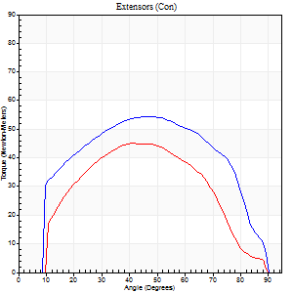
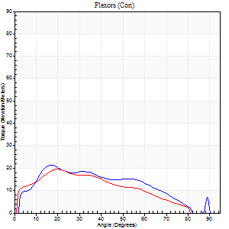
Right Side Curves Left Side Curves
Isokinetic Con/Con |  |  |  | Extensors (Con) |  | Flexors (Con)
Speed 120/120 d/s 3 Reps |  |  |  | Value | Cof Var | %BW | Value | Cof Var | %BW | Ratio

TORQUE PARAMETERS
Peak Torque (Newton-Meters - Best Repetition)
Right |  |  |  | 54 | 0.07 | 72 | 22 | 0.67 | 30 | 40
Left |  |  |  | 45 | 0.13 | 60 | 19 | 0.34 | 24 | 42
Deficit |  |  |  | 18 |  |  | 13
Work per Repetition (Newton-Meters - Best Repetition)
Right |  |  |  | 60 | 0.14 | 77 | 19 | 0.86 | 24 | 32
Left |  |  |  | 43 | 0.17 | 57 | 18 | 0.58 | 24 | 41
Deficit |  |  |  | 27 |  |  | 7
Average Power per Repetition (Watts - Best Repetition)
Right |  |  |  | 70 | 0.19 | 92 | 24 | 0.88 | 31 | 34
Left |  |  |  | 49 | 0.2 | 64 | 20 | 0.6 | 26 | 41
Deficit |  |  |  | 30 |  |  | 17
POSITION PARAMETERS
Joint Angle at Peak Torque (Degrees)
Right |  |  |  | 46 | 0.2 |  | 16 | 0.3
Left |  |  |  | 45 | 0.09 |  | 21 | 0.07
Range of Motion (Degrees)
Right |  |  |  | 1 | 0.04 |  | 88 | 0.02
Left |  |  |  | 1 | 0 |  | 90 | 0
TIME PARAMETERS
Time to Peak Torque (Seconds)
Right |  |  |  | 0.39 | 0.18 |  | 0.18 | 0.21
Left |  |  |  | 0.49 | 0.04 |  | 0.23 | 0.04
Time Peak Torque Held (Seconds)
Right |  |  |  | 0.05 | 1 |  | 0.01 | 1.15
Left |  |  |  | 0.02 | 0.89 |  | 0 | 0
Force Decay Time (Seconds)
Right |  |  |  | 0.35 | 0.09 |  | 0.75 | 0.31
Left |  |  |  | 0.38 | 0.13 |  | 0.63 | 0.03
Reciprocal Delay (Seconds)
Right |  |  |  | 0.07 | 0.4 |  | 0.07 | 0.21
Left |  |  |  | 0.1 | 0 |  | 0.06 | 0.09
Delay Time (Seconds)
Right |  |  |  | -0.04 | -0.2 |  | 0.04 | 0.9
Left |  |  |  | -0.01 | -0.47 |  | -0.01 | -1.15
HUMAC2015® Version: 15.000.0074 © Computer Sports Medicine, Inc. www.csmisolutions.com

Use File, Preference to set Report Heading
Long Form Torque vs. Position Report - Knee Extension/Flexion
Name: |  |  |  | TR030FP3021, | ID: |  | Right/Left: | 04.11.2021 04.11.2021
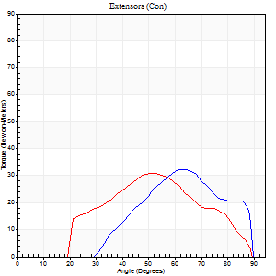
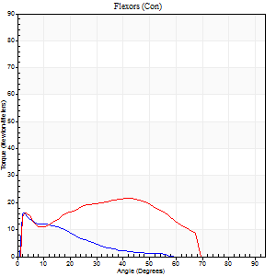
Right Side Curves Left Side Curves
Isokinetic Con/Con |  |  |  | Extensors (Con) |  | Flexors (Con)
Speed 240/240 d/s 3 Reps |  |  |  | Value | Cof Var | %BW | Value | Cof Var | %BW | Ratio

TORQUE PARAMETERS
Peak Torque (Newton-Meters - Best Repetition)
Right |  |  |  | 33 | 0.54 | 42 | 16 | 0.25 | 21 | 50
Left |  |  |  | 31 | 0.21 | 42 | 22 | 0.45 | 30 | 70
Deficit |  |  |  | 4 |  |  | 25
Work per Repetition (Newton-Meters - Best Repetition)
Right |  |  |  | 22 | 0.81 | 30 | 7 | 0.61 | 9 | 31
Left |  |  |  | 24 | 0.15 | 33 | 19 | 0.58 | 24 | 78
Deficit |  |  |  | 11 |  |  | 64
Average Power per Repetition (Watts - Best Repetition)
Right |  |  |  | 41 | 0.85 | 55 | 11 | 0.49 | 15 | 27
Left |  |  |  | 46 | 0.23 | 62 | 37 | 0.62 | 48 | 80
Deficit |  |  |  | 11 |  |  | 70
POSITION PARAMETERS
Joint Angle at Peak Torque (Degrees)
Right |  |  |  | 68 | 0.28 |  | 24 | 1.55
Left |  |  |  | 53 | 0.01 |  | 26 | 0.8
Range of Motion (Degrees)
Right |  |  |  | 34 | 1.35 |  | 89 | 0
Left |  |  |  | 1 | 0 |  | 89 | 0.01
TIME PARAMETERS
Time to Peak Torque (Seconds)
Right |  |  |  | 0.12 | 1.05 |  | 0.03 | 0.58
Left |  |  |  | 0.25 | 0.03 |  | 0.19 | 0.69
Time Peak Torque Held (Seconds)
Right |  |  |  | 0.01 | 0.87 |  | 0.01 | 0.87
Left |  |  |  | 0.01 | 0.87 |  | 0.06 | 1.32
Force Decay Time (Seconds)
Right |  |  |  | 0.31 | 0.19 |  | 0.45 | 0.21
Left |  |  |  | 0.26 | 0.02 |  | 0.3 | 0.31
Reciprocal Delay (Seconds)
Right |  |  |  | 0.05 | 0.13 |  | 0.06 | 0.2
Left |  |  |  | 0.05 | 0 |  | 0.05 | 0
Delay Time (Seconds)
Right |  |  |  | -0.03 | 0 |  | -0.03 | -0.17
Left |  |  |  | -0.01 | -0.47 |  | -0.02 | -0.25
HUMAC2015® Version: 15.000.0074 © Computer Sports Medicine, Inc. www.csmisolutions.com

Use File, Preference to set Report Heading
Isometric - Knee Extension/Flexion
Name: |  |  |  | TR030FP3021, | ID: |  | Right/Left: | 04.11.2021 04.11.2021

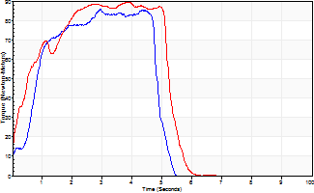
Isometric Extensors (Con) Angle 60 Time 10 Repetition 2 (Best Repetition)
 | Value | Cof Var | %BW
Peak Torque (Newton-Meters)
Right | 85 | 0.02 | 113
Left | 89 | 0.04 | 119
Deficit | 5
Average Torque (Newton-Meters)
Right | 34 | 0.01 | 45
Left | 41 | 0.12 | 54
Deficit | 17
Peak Torque Slope (Newton-Meters/Seconds)
Right | 29 | 0.14 | 38
Left | 28 | 0.15 | 37 |  | Right Side Curves Left Side Curves
Deficit | 2
Time to Half Peak Torque (Seconds)
Right | 0.69 | 0.11
Left | 0.39 | 0.2
Time to Peak Torque (Seconds)
Right | 3.2 | 0.12
Left | 3.41 | 0.19
HUMAC2015® Version: 15.000.0074 © Computer Sports Medicine, Inc. www.csmisolutions.com

post1
Use File, Preference to set Report Heading
Long Form Torque vs. Position Report - Knee Extension/Flexion
Name: |  |  |  | TR030FP3021, | ID: |  | Right/Left: | 27.11.2021 27.11.2021
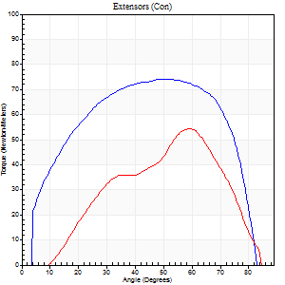
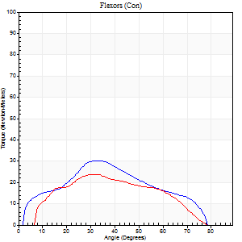
Right Side Curves Left Side Curves
Isokinetic Con/Con |  |  |  | Extensors (Con) |  | Flexors (Con)
Speed 60/60 d/s 3 Reps |  |  |  | Value | Cof Var | %BW | Value | Cof Var | %BW | Ratio

TORQUE PARAMETERS
Peak Torque (Newton-Meters - Best Repetition)
Right |  |  |  | 75 | 0.03 | 98 | 30 | 0.38 | 39 | 40
Left |  |  |  | 54 | 0.21 | 72 | 24 | 0.07 | 33 | 45
Deficit |  |  |  | 27 |  |  | 18
Work per Repetition (Newton-Meters - Best Repetition)
Right |  |  |  | 81 | 0.1 | 107 | 26 | 0.33 | 33 | 32
Left |  |  |  | 41 | 0.11 | 54 | 22 | 0.11 | 30 | 53
Deficit |  |  |  | 50 |  |  | 16
Average Power per Repetition (Watts - Best Repetition)
Right |  |  |  | 57 | 0.3 | 75 | 19 | 0.37 | 24 | 33
Left |  |  |  | 29 | 0.37 | 37 | 14 | 0.15 | 18 | 48
Deficit |  |  |  | 49 |  |  | 26
POSITION PARAMETERS
Joint Angle at Peak Torque (Degrees)
Right |  |  |  | 46 | 0.1 |  | 27 | 0.2
Left |  |  |  | 47 | 0.26 |  | 32 | 0.4
Range of Motion (Degrees)
Right |  |  |  | 0 | 1.2 |  | 84 | 0.06
Left |  |  |  | 3 | 1.08 |  | 88 | 0.04
TIME PARAMETERS
Time to Peak Torque (Seconds)
Right |  |  |  | 0.58 | 0.05 |  | 0.43 | 0.28
Left |  |  |  | 0.63 | 0.31 |  | 0.53 | 0.36
Time Peak Torque Held (Seconds)
Right |  |  |  | 0.04 | 0.48 |  | 0.06 | 1.34
Left |  |  |  | 0.02 | 0.89 |  | 0.04 | 1.33
Force Decay Time (Seconds)
Right |  |  |  | 0.7 | 0.24 |  | 0.9 | 0.11
Left |  |  |  | 0.71 | 0.32 |  | 0.92 | 0.29
Reciprocal Delay (Seconds)
Right |  |  |  | 0.05 | 0.13 |  | 0.17 | 1.02
Left |  |  |  | 0.11 | 0.07 |  | 0.08 | 0.07
Delay Time (Seconds)
Right |  |  |  | -0.02 | -0.28 |  | -0.01 | -3
Left |  |  |  | -0.04 | -0.35 |  | -0.05 | -0.25
HUMAC2015® Version: 15.000.0074 © Computer Sports Medicine, Inc. www.csmisolutions.com

Use File, Preference to set Report Heading
Long Form Torque vs. Position Report - Knee Extension/Flexion
Name: |  |  |  | TR030FP3021, | ID: |  | Right/Left: | 27.11.2021 27.11.2021
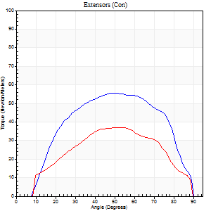
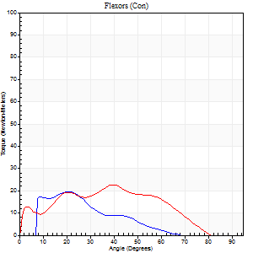
Right Side Curves Left Side Curves
Isokinetic Con/Con |  |  |  | Extensors (Con) |  | Flexors (Con)
Speed 120/120 d/s 3 Reps |  |  |  | Value | Cof Var | %BW | Value | Cof Var | %BW | Ratio

TORQUE PARAMETERS
Peak Torque (Newton-Meters - Best Repetition)
Right |  |  |  | 56 | 0.11 | 75 | 19 | 0.07 | 24 | 34
Left |  |  |  | 37 | 0.24 | 48 | 23 | 0.34 | 30 | 63
Deficit |  |  |  | 34 |  |  | 18
Work per Repetition (Newton-Meters - Best Repetition)
Right |  |  |  | 61 | 0.23 | 80 | 12 | 0.11 | 15 | 20
Left |  |  |  | 37 | 0.25 | 48 | 20 | 0.57 | 27 | 56
Deficit |  |  |  | 40 |  |  | 40
Average Power per Repetition (Watts - Best Repetition)
Right |  |  |  | 74 | 0.25 | 97 | 15 | 0.08 | 20 | 20
Left |  |  |  | 43 | 0.35 | 57 | 24 | 0.56 | 31 | 56
Deficit |  |  |  | 42 |  |  | 38
POSITION PARAMETERS
Joint Angle at Peak Torque (Degrees)
Right |  |  |  | 46 | 0.14 |  | 16 | 0.36
Left |  |  |  | 49 | 0.24 |  | 26 | 0.46
Range of Motion (Degrees)
Right |  |  |  | 2 | 0.34 |  | 89 | 0.02
Left |  |  |  | 1 | 0.05 |  | 89 | 0.01
TIME PARAMETERS
Time to Peak Torque (Seconds)
Right |  |  |  | 0.4 | 0.05 |  | 0.12 | 0.34
Left |  |  |  | 0.36 | 0.1 |  | 0.27 | 0.43
Time Peak Torque Held (Seconds)
Right |  |  |  | 0.03 | 0.22 |  | 0.01 | 0.87
Left |  |  |  | 0.01 | 1.73 |  | 0 | 0
Force Decay Time (Seconds)
Right |  |  |  | 0.36 | 0.24 |  | 0.66 | 0.05
Left |  |  |  | 0.43 | 0.25 |  | 0.56 | 0.19
Reciprocal Delay (Seconds)
Right |  |  |  | 0.06 | 0.24 |  | 0.05 | 0
Left |  |  |  | 0.06 | 0.11 |  | 0.06 | 0.09
Delay Time (Seconds)
Right |  |  |  | -0.03 | -0.47 |  | 0.02 | 3.04
Left |  |  |  | -0.04 | -0.2 |  | -0.01 | -1.73
HUMAC2015® Version: 15.000.0074 © Computer Sports Medicine, Inc. www.csmisolutions.com

Use File, Preference to set Report Heading
Long Form Torque vs. Position Report - Knee Extension/Flexion
Name: |  |  |  | TR030FP3021, | ID: |  | Right/Left: | 27.11.2021 27.11.2021
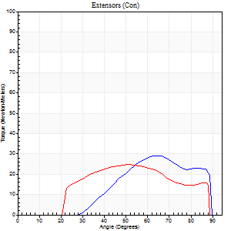
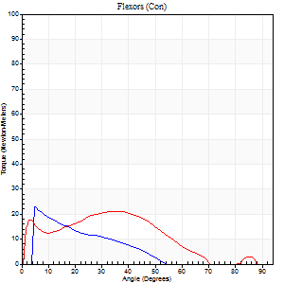
Right Side Curves Left Side Curves
Isokinetic Con/Con |  |  |  | Extensors (Con) |  | Flexors (Con)
Speed 240/240 d/s 3 Reps |  |  |  | Value | Cof Var | %BW | Value | Cof Var | %BW | Ratio

TORQUE PARAMETERS
Peak Torque (Newton-Meters - Best Repetition)
Right |  |  |  | 28 | 0.57 | 39 | 23 | 0.62 | 30 | 81
Left |  |  |  | 24 | 0.48 | 33 | 22 | 0.11 | 30 | 89
Deficit |  |  |  | 14 |  |  | 6
Work per Repetition (Newton-Meters - Best Repetition)
Right |  |  |  | 22 | 0.84 | 30 | 9 | 0.83 | 12 | 44
Left |  |  |  | 23 | 0.87 | 30 | 18 | 0.13 | 24 | 76
Deficit |  |  |  | 6 |  |  | 46
Average Power per Repetition (Watts - Best Repetition)
Right |  |  |  | 41 | 0.86 | 55 | 18 | 0.8 | 24 | 44
Left |  |  |  | 45 | 0.83 | 59 | 34 | 0.09 | 44 | 76
Deficit |  |  |  | 9 |  |  | 47
POSITION PARAMETERS
Joint Angle at Peak Torque (Degrees)
Right |  |  |  | 68 | 0.29 |  | 28 | 1.45
Left |  |  |  | 36 | 0.79 |  | 24 | 0.72
Range of Motion (Degrees)
Right |  |  |  | 39 | 1.26 |  | 88 | 0.02
Left |  |  |  | 2 | 0.03 |  | 89 | 0.01
TIME PARAMETERS
Time to Peak Torque (Seconds)
Right |  |  |  | 0.12 | 0.94 |  | 0.03 | 0.67
Left |  |  |  | 0.25 | 0.03 |  | 0.18 | 0.62
Time Peak Torque Held (Seconds)
Right |  |  |  | 0 | 1.73 |  | 0.01 | 1
Left |  |  |  | 0 | 0 |  | 0.01 | 1.73
Force Decay Time (Seconds)
Right |  |  |  | 0.31 | 0.23 |  | 0.44 | 0.2
Left |  |  |  | 0.18 | 0.73 |  | 0.32 | 0.28
Reciprocal Delay (Seconds)
Right |  |  |  | 0.06 | 0.24 |  | 0.07 | 0.57
Left |  |  |  | 0.04 | 0 |  | 0.05 | 0.12
Delay Time (Seconds)
Right |  |  |  | -0.04 | -0.2 |  | -0.03 | -0.46
Left |  |  |  | -0.02 | -0.28 |  | -0.02 | -0.25
HUMAC2015® Version: 15.000.0074 © Computer Sports Medicine, Inc. www.csmisolutions.com

Use File, Preference to set Report Heading
Isometric - Knee Extension/Flexion
Name: |  |  |  | TR030FP3021, | ID: |  | Right/Left: | 27.11.2021 27.11.2021

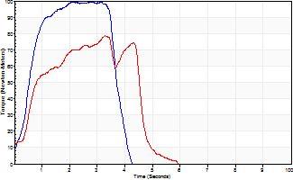
Isometric Extensors (Con) Angle 60 Time 10 Repetition 2 (Best Repetition)
 | Value | Cof Var | %BW
Peak Torque (Newton-Meters)
Right | 99 | 0.02 | 131
Left | 79 | 0.05 | 104
Deficit | 21
Average Torque (Newton-Meters)
Right | 31 | 0.11 | 42
Left | 28 | 0.05 | 39
Deficit | 9
Peak Torque Slope (Newton-Meters/Seconds)
Right | 56 | 0.13 | 73
Left | 24 | 0.17 | 32 |  | Right Side Curves Left Side Curves
Deficit | 57
Time to Half Peak Torque (Seconds)
Right | 0.4 | 0.44
Left | 0.5 | 0.34
Time to Peak Torque (Seconds)
Right | 1.92 | 0.15
Left | 3.57 | 0.12
HUMAC2015® Version: 15.000.0074 © Computer Sports Medicine, Inc. www.csmisolutions.com

post2
Use File, Preference to set Report Heading
Long Form Torque vs. Position Report - Knee Extension/Flexion
Name: |  |  |  | TR030FP3021, | ID: |  | Right/Left: | 30.11.2021 30.11.2021
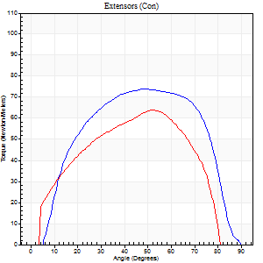
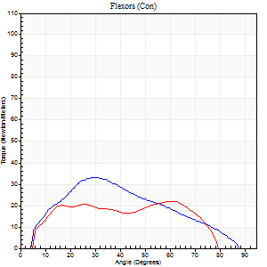
Right Side Curves Left Side Curves
Isokinetic Con/Con |  |  |  | Extensors (Con) |  | Flexors (Con)
Speed 60/60 d/s 3 Reps |  |  |  | Value | Cof Var | %BW | Value | Cof Var | %BW | Ratio

TORQUE PARAMETERS
Peak Torque (Newton-Meters - Best Repetition)
Right |  |  |  | 75 | 0.01 | 98 | 33 | 0.56 | 42 | 44
Left |  |  |  | 64 | 0.12 | 83 | 22 | 0.23 | 30 | 34
Deficit |  |  |  | 15 |  |  | 33
Work per Repetition (Newton-Meters - Best Repetition)
Right |  |  |  | 87 | 0.06 | 113 | 28 | 0.55 | 39 | 33
Left |  |  |  | 62 | 0.11 | 83 | 23 | 0.4 | 30 | 37
Deficit |  |  |  | 28 |  |  | 19
Average Power per Repetition (Watts - Best Repetition)
Right |  |  |  | 55 | 0.07 | 73 | 19 | 0.55 | 24 | 35
Left |  |  |  | 44 | 0.13 | 57 | 17 | 0.49 | 22 | 39
Deficit |  |  |  | 20 |  |  | 11
POSITION PARAMETERS
Joint Angle at Peak Torque (Degrees)
Right |  |  |  | 49 | 0.01 |  | 31 | 0.55
Left |  |  |  | 54 | 0.06 |  | 37 | 0.57
Range of Motion (Degrees)
Right |  |  |  | 2 | 1.37 |  | 89 | 0
Left |  |  |  | 3 | 1.23 |  | 87 | 0.06
TIME PARAMETERS
Time to Peak Torque (Seconds)
Right |  |  |  | 0.74 | 0.04 |  | 0.53 | 0.45
Left |  |  |  | 0.6 | 0.15 |  | 0.64 | 0.56
Time Peak Torque Held (Seconds)
Right |  |  |  | 0.09 | 0.29 |  | 0 | 0
Left |  |  |  | 0.04 | 0 |  | 0.02 | 1.25
Force Decay Time (Seconds)
Right |  |  |  | 0.71 | 0.12 |  | 0.97 | 0.26
Left |  |  |  | 0.8 | 0.05 |  | 0.81 | 0.52
Reciprocal Delay (Seconds)
Right |  |  |  | 0.09 | 0.37 |  | 0.18 | 1.07
Left |  |  |  | 0.08 | 0.35 |  | 0.11 | 0.36
Delay Time (Seconds)
Right |  |  |  | -0.04 | -0.2 |  | -0.03 | -0.58
Left |  |  |  | -0.02 | -0.85 |  | -0.04 | -0.43
HUMAC2015® Version: 15.000.0074 © Computer Sports Medicine, Inc. www.csmisolutions.com

Use File, Preference to set Report Heading
Long Form Torque vs. Position Report - Knee Extension/Flexion
Name: |  |  |  | TR030FP3021, | ID: |  | Right/Left: | 30.11.2021 30.11.2021
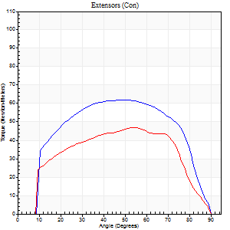
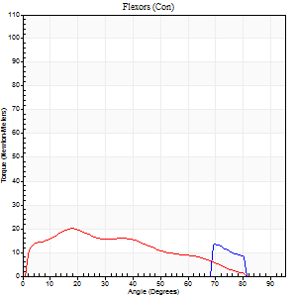
Right Side Curves Left Side Curves
Isokinetic Con/Con |  |  |  | Extensors (Con) |  | Flexors (Con)
Speed 120/120 d/s 3 Reps |  |  |  | Value | Cof Var | %BW | Value | Cof Var | %BW | Ratio

TORQUE PARAMETERS
Peak Torque (Newton-Meters - Best Repetition)
Right |  |  |  | 62 | 0.76 | 83 | 14 | 0.31 | 18 | 22
Left |  |  |  | 47 | 0.07 | 63 | 20 | 0.75 | 27 | 43
Deficit |  |  |  | 24 |  |  | 33
Work per Repetition (Newton-Meters - Best Repetition)
Right |  |  |  | 69 | 0.86 | 92 | 4 | 0.27 | 6 | 6
Left |  |  |  | 50 | 0.07 | 66 | 16 | 0.97 | 21 | 32
Deficit |  |  |  | 27 |  |  | 75
Average Power per Repetition (Watts - Best Repetition)
Right |  |  |  | 81 | 0.83 | 108 | 8 | 0.4 | 11 | 10
Left |  |  |  | 55 | 0.06 | 73 | 18 | 1.02 | 24 | 33
Deficit |  |  |  | 32 |  |  | 56
POSITION PARAMETERS
Joint Angle at Peak Torque (Degrees)
Right |  |  |  | 58 | 0.31 |  | 34 | 0.88
Left |  |  |  | 48 | 0.11 |  | 17 | 0.62
Range of Motion (Degrees)
Right |  |  |  | 35 | 1.37 |  | 89 | 0.02
Left |  |  |  | 1 | 0.16 |  | 90 | 0.01
TIME PARAMETERS
Time to Peak Torque (Seconds)
Right |  |  |  | 0.26 | 0.77 |  | 0.14 | 0.62
Left |  |  |  | 0.45 | 0.2 |  | 0.29 | 0.35
Time Peak Torque Held (Seconds)
Right |  |  |  | 0.02 | 0.25 |  | 0.01 | 1.73
Left |  |  |  | 0.04 | 0.66 |  | 0 | 1.73
Force Decay Time (Seconds)
Right |  |  |  | 0.31 | 0.45 |  | 0.55 | 0.54
Left |  |  |  | 0.39 | 0.24 |  | 0.84 | 0.45
Reciprocal Delay (Seconds)
Right |  |  |  | 0.1 | 0.14 |  | 0.07 | 0.29
Left |  |  |  | 0.18 | 0.63 |  | 0.15 | 0.7
Delay Time (Seconds)
Right |  |  |  | 0.11 | 1.68 |  | 0 | 0
Left |  |  |  | -0.04 | -0.71 |  | -0.04 | -0.42
HUMAC2015® Version: 15.000.0074 © Computer Sports Medicine, Inc. www.csmisolutions.com

Use File, Preference to set Report Heading
Long Form Torque vs. Position Report - Knee Extension/Flexion
Name: |  |  |  | TR030FP3021, | ID: |  | Right/Left: | 30.11.2021 30.11.2021
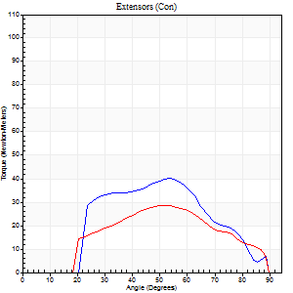
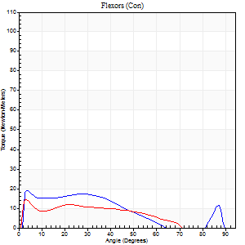
Right Side Curves Left Side Curves
Isokinetic Con/Con |  |  |  | Extensors (Con) |  | Flexors (Con)
Speed 240/240 d/s 3 Reps |  |  |  | Value | Cof Var | %BW | Value | Cof Var | %BW | Ratio

TORQUE PARAMETERS
Peak Torque (Newton-Meters - Best Repetition)
Right |  |  |  | 41 | 0.22 | 54 | 19 | 0.22 | 24 | 47
Left |  |  |  | 28 | 0.13 | 39 | 15 | 0.03 | 21 | 52
Deficit |  |  |  | 30 |  |  | 21
Work per Repetition (Newton-Meters - Best Repetition)
Right |  |  |  | 37 | 0.24 | 48 | 15 | 0.4 | 21 | 41
Left |  |  |  | 24 | 0.1 | 33 | 11 | 0.27 | 15 | 44
Deficit |  |  |  | 33 |  |  | 27
Average Power per Repetition (Watts - Best Repetition)
Right |  |  |  | 70 | 0.46 | 92 | 28 | 0.43 | 37 | 40
Left |  |  |  | 45 | 0.12 | 59 | 21 | 0.24 | 29 | 47
Deficit |  |  |  | 36 |  |  | 25
POSITION PARAMETERS
Joint Angle at Peak Torque (Degrees)
Right |  |  |  | 55 | 0.04 |  | 17 | 0.93
Left |  |  |  | 52 | 0.06 |  | 3 | 0.06
Range of Motion (Degrees)
Right |  |  |  | 2 | 0 |  | 89 | 0.01
Left |  |  |  | 1 | 0.03 |  | 89 | 0.01
TIME PARAMETERS
Time to Peak Torque (Seconds)
Right |  |  |  | 0.22 | 0.06 |  | 0.13 | 0.66
Left |  |  |  | 0.27 | 0 |  | 0.05 | 0.2
Time Peak Torque Held (Seconds)
Right |  |  |  | 0 | 0 |  | 0.01 | 0
Left |  |  |  | 0.01 | 1 |  | 0.01 | 0.87
Force Decay Time (Seconds)
Right |  |  |  | 0.27 | 0.04 |  | 0.39 | 0.25
Left |  |  |  | 0.26 | 0.04 |  | 0.47 | 0.03
Reciprocal Delay (Seconds)
Right |  |  |  | 0.05 | 0.28 |  | 0.04 | 0
Left |  |  |  | 0.05 | 0.13 |  | 0.05 | 0.11
Delay Time (Seconds)
Right |  |  |  | 0.03 | 2.55 |  | -0.02 | -0.69
Left |  |  |  | -0.02 | -0.28 |  | -0.02 | -0.25
HUMAC2015® Version: 15.000.0074 © Computer Sports Medicine, Inc. www.csmisolutions.com

Use File, Preference to set Report Heading
Isometric - Knee Extension/Flexion
Name: |  |  |  | TR030FP3021, | ID: |  | Right/Left: | 30.11.2021 30.11.2021

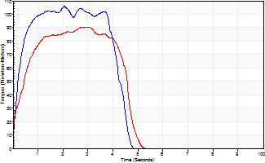
Isometric Extensors (Con) Angle 60 Time 10 Repetition 2 (Best Repetition)
 | Value | Cof Var | %BW
Peak Torque (Newton-Meters)
Right | 106 | 0.02 | 140
Left | 91 | 0.07 | 119
Deficit | 14
Average Torque (Newton-Meters)
Right | 41 | 0.05 | 54
Left | 35 | 0.17 | 48
Deficit | 13
Peak Torque Slope (Newton-Meters/Seconds)
Right | 52 | 0.2 | 68
Left | 30 | 0.25 | 40 |  | Right Side Curves Left Side Curves
Deficit | 42
Time to Half Peak Torque (Seconds)
Right | 0.28 | 0.28
Left | 0.32 | 0.33
Time to Peak Torque (Seconds)
Right | 2.34 | 0.18
Left | 3.42 | 0.18
HUMAC2015® Version: 15.000.0074 © Computer Sports Medicine, Inc. www.csmisolutions.com

