pre1
Use File, Preference to set Report Heading
Long Form Torque vs. Position Report - Knee Extension/Flexion
Name: |  |  |  | TR030FP3022, | ID: |  | Right/Left: | 10.09.2021 10.09.2021
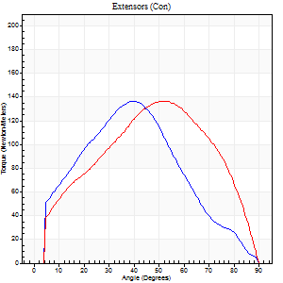
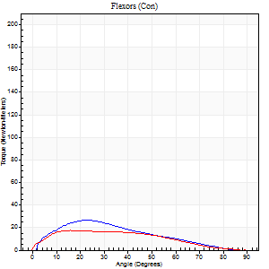
Right Side Curves Left Side Curves
Isokinetic Con/Con |  |  |  | Extensors (Con) |  | Flexors (Con)
Speed 60/60 d/s 3 Reps |  |  |  | Value | Cof Var | %BW | Value | Cof Var | %BW | Ratio

TORQUE PARAMETERS
Peak Torque (Newton-Meters - Best Repetition)
Right |  |  |  | 137 | 0.06 | 197 | 27 | 0.17 | 39 | 20
Left |  |  |  | 137 | 0.03 | 197 | 18 | 0.09 | 24 | 13
Deficit |  |  |  | 0 |  |  | 35
Work per Repetition (Newton-Meters - Best Repetition)
Right |  |  |  | 144 | 0.14 | 206 | 22 | 0.08 | 30 | 15
Left |  |  |  | 138 | 0.01 | 197 | 16 | 0.07 | 24 | 12
Deficit |  |  |  | 4 |  |  | 25
Average Power per Repetition (Watts - Best Repetition)
Right |  |  |  | 81 | 0.12 | 116 | 14 | 0.07 | 20 | 17
Left |  |  |  | 88 | 0.02 | 125 | 11 | 0.06 | 15 | 12
Deficit |  |  |  | 8 |  |  | 21
POSITION PARAMETERS
Joint Angle at Peak Torque (Degrees)
Right |  |  |  | 42 | 0.14 |  | 24 | 0.27
Left |  |  |  | 51 | 0.04 |  | 26 | 0.39
Range of Motion (Degrees)
Right |  |  |  | 0 | 1.41 |  | 90 | 0
Left |  |  |  | 0 | -1.41 |  | 90 | 0
TIME PARAMETERS
Time to Peak Torque (Seconds)
Right |  |  |  | 0.9 | 0.02 |  | 0.39 | 0.25
Left |  |  |  | 0.69 | 0.02 |  | 0.49 | 0.33
Time Peak Torque Held (Seconds)
Right |  |  |  | 0.06 | 0.33 |  | 0.12 | 1.52
Left |  |  |  | 0.05 | 0.33 |  | 0.08 | 0.87
Force Decay Time (Seconds)
Right |  |  |  | 0.7 | 0.11 |  | 1.01 | 0.14
Left |  |  |  | 0.86 | 0.03 |  | 0.99 | 0.13
Reciprocal Delay (Seconds)
Right |  |  |  | 0.33 | 0.3 |  | 0.29 | 0.09
Left |  |  |  | 0.13 | 0 |  | 0.34 | 0.44
Delay Time (Seconds)
Right |  |  |  | -0.11 | -0.9 |  | 0.04 | 0.42
Left |  |  |  | 0 | -1.41 |  | -0.02 | -1
HUMAC2015® Version: 15.000.0074 © Computer Sports Medicine, Inc. www.csmisolutions.com

Use File, Preference to set Report Heading
Long Form Torque vs. Position Report - Knee Extension/Flexion
Name: |  |  |  | TR030FP3022, | ID: |  | Right/Left: | 10.09.2021 10.09.2021
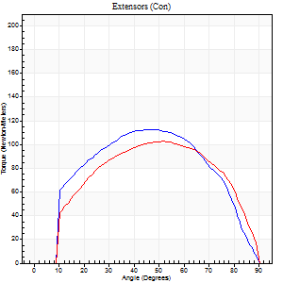
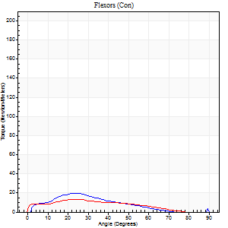
Right Side Curves Left Side Curves
Isokinetic Con/Con |  |  |  | Extensors (Con) |  | Flexors (Con)
Speed 120/120 d/s 3 Reps |  |  |  | Value | Cof Var | %BW | Value | Cof Var | %BW | Ratio

TORQUE PARAMETERS
Peak Torque (Newton-Meters - Best Repetition)
Right |  |  |  | 113 | 0.03 | 161 | 20 | 0.14 | 30 | 18
Left |  |  |  | 103 | 0.03 | 146 | 14 | 0.22 | 18 | 13
Deficit |  |  |  | 8 |  |  | 33
Work per Repetition (Newton-Meters - Best Repetition)
Right |  |  |  | 122 | 0.06 | 173 | 14 | 0.1 | 18 | 11
Left |  |  |  | 111 | 0.04 | 158 | 11 | 0.33 | 15 | 10
Deficit |  |  |  | 9 |  |  | 20
Average Power per Repetition (Watts - Best Repetition)
Right |  |  |  | 134 | 0.14 | 191 | 15 | 0.08 | 22 | 11
Left |  |  |  | 132 | 0.09 | 189 | 13 | 0.4 | 18 | 10
Deficit |  |  |  | 1 |  |  | 13
POSITION PARAMETERS
Joint Angle at Peak Torque (Degrees)
Right |  |  |  | 44 | 0.06 |  | 24 | 0.02
Left |  |  |  | 50 | 0.07 |  | 26 | 0.1
Range of Motion (Degrees)
Right |  |  |  | 0 | 0 |  | 90 | 0
Left |  |  |  | 0 | 1.41 |  | 90 | 0
TIME PARAMETERS
Time to Peak Torque (Seconds)
Right |  |  |  | 0.55 | 0.35 |  | 0.27 | 0.08
Left |  |  |  | 0.44 | 0.15 |  | 0.36 | 0.13
Time Peak Torque Held (Seconds)
Right |  |  |  | 0.03 | 0.22 |  | 0 | 0
Left |  |  |  | 0.04 | 0.25 |  | 0.01 | 0.87
Force Decay Time (Seconds)
Right |  |  |  | 0.44 | 0.06 |  | 0.6 | 0.05
Left |  |  |  | 0.45 | 0.08 |  | 0.56 | 0.05
Reciprocal Delay (Seconds)
Right |  |  |  | 0.24 | 0.53 |  | 0.26 | 0.31
Left |  |  |  | 0.17 | 0.28 |  | 0.25 | 0.13
Delay Time (Seconds)
Right |  |  |  | -0.08 | -3.3 |  | 0.02 | 1.32
Left |  |  |  | -0.05 | -0.57 |  | -0.03 | -0.46
HUMAC2015® Version: 15.000.0074 © Computer Sports Medicine, Inc. www.csmisolutions.com

Use File, Preference to set Report Heading
Long Form Torque vs. Position Report - Knee Extension/Flexion
Name: |  |  |  | TR030FP3022, | ID: |  | Right/Left: | 10.09.2021 10.09.2021
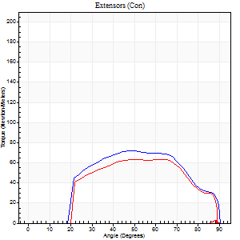
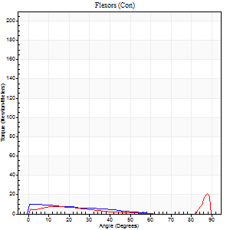
Right Side Curves Left Side Curves
Isokinetic Con/Con |  |  |  | Extensors (Con) |  | Flexors (Con)
Speed 240/240 d/s 3 Reps |  |  |  | Value | Cof Var | %BW | Value | Cof Var | %BW | Ratio

TORQUE PARAMETERS
Peak Torque (Newton-Meters - Best Repetition)
Right |  |  |  | 72 | 0.01 | 101 | 11 | 0.11 | 15 | 15
Left |  |  |  | 64 | 0.04 | 92 | 20 | 0.48 | 30 | 32
Deficit |  |  |  | 11 |  |  | 47
Work per Repetition (Newton-Meters - Best Repetition)
Right |  |  |  | 71 | 0.06 | 101 | 7 | 0.25 | 9 | 10
Left |  |  |  | 62 | 0.05 | 89 | 5 | 0.06 | 9 | 9
Deficit |  |  |  | 12 |  |  | 20
Average Power per Repetition (Watts - Best Repetition)
Right |  |  |  | 122 | 0.09 | 174 | 10 | 0.36 | 13 | 8
Left |  |  |  | 106 | 0.39 | 152 | 7 | 0.01 | 11 | 7
Deficit |  |  |  | 13 |  |  | 30
POSITION PARAMETERS
Joint Angle at Peak Torque (Degrees)
Right |  |  |  | 53 | 0.09 |  | 60 | 0.8
Left |  |  |  | 48 | 0.07 |  | 59 | 0.85
Range of Motion (Degrees)
Right |  |  |  | 0 | -1.41 |  | 90 | 0
Left |  |  |  | 0 | 2.12 |  | 89 | 0.01
TIME PARAMETERS
Time to Peak Torque (Seconds)
Right |  |  |  | 0.25 | 0.19 |  | 0.5 | 0.66
Left |  |  |  | 0.25 | 0.03 |  | 0.5 | 0.78
Time Peak Torque Held (Seconds)
Right |  |  |  | 0.02 | 1.32 |  | 0 | 0
Left |  |  |  | 0.01 | 0 |  | 0 | 0
Force Decay Time (Seconds)
Right |  |  |  | 0.31 | 0.06 |  | 0.18 | 1.4
Left |  |  |  | 0.29 | 0.1 |  | 0.23 | 1.54
Reciprocal Delay (Seconds)
Right |  |  |  | 0.12 | 0.06 |  | 0.3 | 0.6
Left |  |  |  | 0.06 | 0.11 |  | 0.21 | 0.77
Delay Time (Seconds)
Right |  |  |  | 0.01 | 11.31 |  | -0.01 | -0.43
Left |  |  |  | -0.02 | 0 |  | -0.03 | -0.35
HUMAC2015® Version: 15.000.0074 © Computer Sports Medicine, Inc. www.csmisolutions.com

Use File, Preference to set Report Heading
Isometric - Knee Extension/Flexion
Name: |  |  |  | TR030FP3022, | ID: |  | Right/Left: | 10.09.2021 10.09.2021

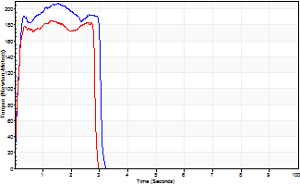
Isometric Extensors (Con) Angle 60 Time 10 Repetition 2 (Best Repetition)
 | Value | Cof Var | %BW
Peak Torque (Newton-Meters)
Right | 206 | 0.01 | 295
Left | 186 | 0.01 | 265
Deficit | 10
Average Torque (Newton-Meters)
Right | 65 | 0.09 | 92
Left | 56 | 0.09 | 80
Deficit | 15
Peak Torque Slope (Newton-Meters/Seconds)
Right | 171 | 0.16 | 245
Left | 140 | 0.38 | 200 |  | Right Side Curves Left Side Curves
Deficit | 18
Time to Half Peak Torque (Seconds)
Right | 0.11 | 0.13
Left | 0.11 | 0.07
Time to Peak Torque (Seconds)
Right | 1.35 | 0.17
Left | 1.78 | 0.37
HUMAC2015® Version: 15.000.0074 © Computer Sports Medicine, Inc. www.csmisolutions.com

pre2
Use File, Preference to set Report Heading
Long Form Torque vs. Position Report - Knee Extension/Flexion
Name: |  |  |  | TR030FP3022, | ID: |  | Right/Left: | 28.09.2021 28.09.2021
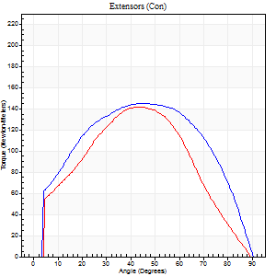
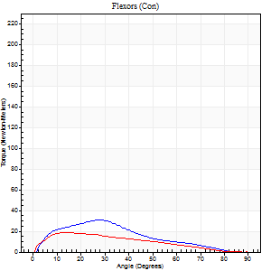
Right Side Curves Left Side Curves
Isokinetic Con/Con |  |  |  | Extensors (Con) |  | Flexors (Con)
Speed 60/60 d/s 3 Reps |  |  |  | Value | Cof Var | %BW | Value | Cof Var | %BW | Ratio

TORQUE PARAMETERS
Peak Torque (Newton-Meters - Best Repetition)
Right |  |  |  | 145 | 0.02 | 206 | 31 | 0.4 | 45 | 21
Left |  |  |  | 141 | 0.07 | 203 | 19 | 0.09 | 27 | 13
Deficit |  |  |  | 3 |  |  | 39
Work per Repetition (Newton-Meters - Best Repetition)
Right |  |  |  | 165 | 0.04 | 235 | 23 | 0.24 | 33 | 14
Left |  |  |  | 152 | 0.06 | 218 | 18 | 0.07 | 24 | 12
Deficit |  |  |  | 8 |  |  | 24
Average Power per Repetition (Watts - Best Repetition)
Right |  |  |  | 102 | 0.09 | 145 | 15 | 0.25 | 22 | 15
Left |  |  |  | 96 | 0.05 | 136 | 11 | 0.09 | 15 | 11
Deficit |  |  |  | 6 |  |  | 27
POSITION PARAMETERS
Joint Angle at Peak Torque (Degrees)
Right |  |  |  | 44 | 0.08 |  | 17 | 0.54
Left |  |  |  | 46 | 0.08 |  | 15 | 0.31
Range of Motion (Degrees)
Right |  |  |  | 0 | 0 |  | 90 | 0
Left |  |  |  | 0 | -1.41 |  | 90 | 0
TIME PARAMETERS
Time to Peak Torque (Seconds)
Right |  |  |  | 0.95 | 0.04 |  | 0.31 | 0.43
Left |  |  |  | 0.75 | 0.05 |  | 0.28 | 0.31
Time Peak Torque Held (Seconds)
Right |  |  |  | 0.06 | 0.33 |  | 0.04 | 0.42
Left |  |  |  | 0.08 | 0.25 |  | 0.07 | 0.75
Force Decay Time (Seconds)
Right |  |  |  | 0.73 | 0.07 |  | 1.22 | 0.12
Left |  |  |  | 0.74 | 0.05 |  | 1.19 | 0.14
Reciprocal Delay (Seconds)
Right |  |  |  | 0.16 | 0.14 |  | 0.3 | 0.31
Left |  |  |  | 0.26 | 0 |  | 0.27 | 0.11
Delay Time (Seconds)
Right |  |  |  | -0.07 | 0 |  | 0.03 | 0.62
Left |  |  |  | -0.02 | -0.85 |  | 0.01 | 0.87
HUMAC2015® Version: 15.000.0074 © Computer Sports Medicine, Inc. www.csmisolutions.com

Use File, Preference to set Report Heading
Long Form Torque vs. Position Report - Knee Extension/Flexion
Name: |  |  |  | TR030FP3022, | ID: |  | Right/Left: | 28.09.2021 28.09.2021
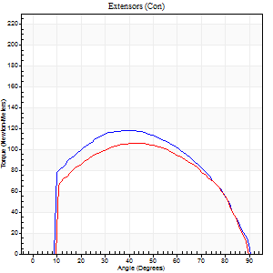
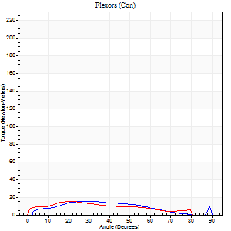
Right Side Curves Left Side Curves
Isokinetic Con/Con |  |  |  | Extensors (Con) |  | Flexors (Con)
Speed 120/120 d/s 3 Reps |  |  |  | Value | Cof Var | %BW | Value | Cof Var | %BW | Ratio

TORQUE PARAMETERS
Peak Torque (Newton-Meters - Best Repetition)
Right |  |  |  | 118 | 0.05 | 167 | 15 | 0.05 | 21 | 13
Left |  |  |  | 106 | 0.06 | 152 | 15 | 0.12 | 21 | 14
Deficit |  |  |  | 10 |  |  | 0
Work per Repetition (Newton-Meters - Best Repetition)
Right |  |  |  | 129 | 0.03 | 185 | 14 | 0.15 | 18 | 11
Left |  |  |  | 115 | 0.06 | 164 | 14 | 0.18 | 18 | 12
Deficit |  |  |  | 11 |  |  | 0
Average Power per Repetition (Watts - Best Repetition)
Right |  |  |  | 150 | 0.06 | 213 | 15 | 0.16 | 22 | 10
Left |  |  |  | 133 | 0.05 | 189 | 15 | 0.18 | 22 | 11
Deficit |  |  |  | 11 |  |  | 0
POSITION PARAMETERS
Joint Angle at Peak Torque (Degrees)
Right |  |  |  | 42 | 0.06 |  | 26 | 0.14
Left |  |  |  | 49 | 0.12 |  | 22 | 0.05
Range of Motion (Degrees)
Right |  |  |  | 0 | 0.88 |  | 90 | 0
Left |  |  |  | 0 | 2.83 |  | 89 | 0.01
TIME PARAMETERS
Time to Peak Torque (Seconds)
Right |  |  |  | 0.45 | 0.02 |  | 0.28 | 0.08
Left |  |  |  | 0.34 | 0.21 |  | 0.27 | 0.04
Time Peak Torque Held (Seconds)
Right |  |  |  | 0.04 | 0 |  | 0 | 0
Left |  |  |  | 0.05 | 0.33 |  | 0.01 | 1.15
Force Decay Time (Seconds)
Right |  |  |  | 0.38 | 0.09 |  | 0.59 | 0.06
Left |  |  |  | 0.44 | 0.13 |  | 0.56 | 0.04
Reciprocal Delay (Seconds)
Right |  |  |  | 0.17 | 0.42 |  | 0.2 | 0.33
Left |  |  |  | 0.07 | 0.2 |  | 0.22 | 0.16
Delay Time (Seconds)
Right |  |  |  | -0.03 | -0.94 |  | 0.04 | 0.63
Left |  |  |  | 0 | 1.41 |  | -0.01 | -0.87
HUMAC2015® Version: 15.000.0074 © Computer Sports Medicine, Inc. www.csmisolutions.com

Use File, Preference to set Report Heading
Long Form Torque vs. Position Report - Knee Extension/Flexion
Name: |  |  |  | TR030FP3022, | ID: |  | Right/Left: | 28.09.2021 28.09.2021
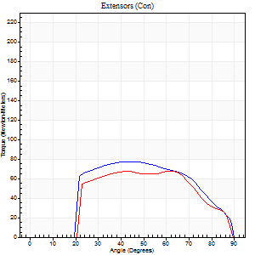
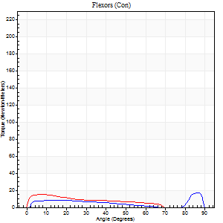
Right Side Curves Left Side Curves
Isokinetic Con/Con |  |  |  | Extensors (Con) |  | Flexors (Con)
Speed 240/240 d/s 3 Reps |  |  |  | Value | Cof Var | %BW | Value | Cof Var | %BW | Ratio

TORQUE PARAMETERS
Peak Torque (Newton-Meters - Best Repetition)
Right |  |  |  | 77 | 0.04 | 110 | 18 | 0.36 | 24 | 23
Left |  |  |  | 68 | 0.06 | 95 | 15 | 0.25 | 21 | 22
Deficit |  |  |  | 12 |  |  | 15
Work per Repetition (Newton-Meters - Best Repetition)
Right |  |  |  | 75 | 0.02 | 107 | 8 | 0.13 | 12 | 11
Left |  |  |  | 65 | 0.06 | 92 | 11 | 0.27 | 15 | 17
Deficit |  |  |  | 13 |  |  | 25
Average Power per Repetition (Watts - Best Repetition)
Right |  |  |  | 132 | 0.02 | 189 | 13 | 0.12 | 18 | 10
Left |  |  |  | 121 | 0.11 | 174 | 20 | 0.33 | 29 | 17
Deficit |  |  |  | 8 |  |  | 35
POSITION PARAMETERS
Joint Angle at Peak Torque (Degrees)
Right |  |  |  | 45 | 0.02 |  | 33 | 1.43
Left |  |  |  | 48 | 0.23 |  | 8 | 0.2
Range of Motion (Degrees)
Right |  |  |  | 0 | 2.12 |  | 89 | 0.01
Left |  |  |  | 0 | 0 |  | 89 | 0.01
TIME PARAMETERS
Time to Peak Torque (Seconds)
Right |  |  |  | 0.27 | 0.1 |  | 0.26 | 1.02
Left |  |  |  | 0.22 | 0.26 |  | 0.14 | 0.15
Time Peak Torque Held (Seconds)
Right |  |  |  | 0.02 | 0.35 |  | 0 | 0
Left |  |  |  | 0 | 1.73 |  | 0.02 | 1
Force Decay Time (Seconds)
Right |  |  |  | 0.26 | 0.09 |  | 0.34 | 0.74
Left |  |  |  | 0.29 | 0.17 |  | 0.42 | 0.06
Reciprocal Delay (Seconds)
Right |  |  |  | 0.05 | 0.39 |  | 0.17 | 0.54
Left |  |  |  | 0.05 | 0 |  | 0.13 | 0.04
Delay Time (Seconds)
Right |  |  |  | -0.03 | -0.47 |  | 0.02 | 1.32
Left |  |  |  | -0.01 | -0.47 |  | -0.02 | -0.35
HUMAC2015® Version: 15.000.0074 © Computer Sports Medicine, Inc. www.csmisolutions.com

Use File, Preference to set Report Heading
Isometric - Knee Extension/Flexion
Name: |  |  |  | TR030FP3022, | ID: |  | Right/Left: | 28.09.2021 28.09.2021

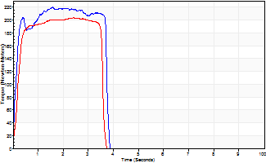
Isometric Extensors (Con) Angle 60 Time 10 Repetition 2 (Best Repetition)
 | Value | Cof Var | %BW
Peak Torque (Newton-Meters)
Right | 220 | 0.03 | 313
Left | 203 | 0.01 | 289
Deficit | 7
Average Torque (Newton-Meters)
Right | 80 | 0.04 | 113
Left | 66 | 0.02 | 95
Deficit | 17
Peak Torque Slope (Newton-Meters/Seconds)
Right | 138 | 0.4 | 197
Left | 145 | 0.38 | 207 |  | Right Side Curves Left Side Curves
Deficit | 5
Time to Half Peak Torque (Seconds)
Right | 0.12 | 0
Left | 0.17 | 0.25
Time to Peak Torque (Seconds)
Right | 2.14 | 0.37
Left | 1.89 | 0.38
HUMAC2015® Version: 15.000.0074 © Computer Sports Medicine, Inc. www.csmisolutions.com

mid1
Use File, Preference to set Report Heading
Long Form Torque vs. Position Report - Knee Extension/Flexion
Name: |  |  |  | TR030FP3022, | ID: |  | Right/Left: | 04.11.2021 04.11.2021
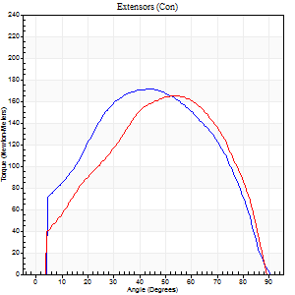
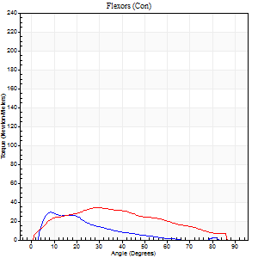
Right Side Curves Left Side Curves
Isokinetic Con/Con |  |  |  | Extensors (Con) |  | Flexors (Con)
Speed 60/60 d/s 3 Reps |  |  |  | Value | Cof Var | %BW | Value | Cof Var | %BW | Ratio

TORQUE PARAMETERS
Peak Torque (Newton-Meters - Best Repetition)
Right |  |  |  | 171 | 0.07 | 244 | 30 | 0.49 | 42 | 17
Left |  |  |  | 165 | 0.06 | 235 | 34 | 0.65 | 48 | 20
Deficit |  |  |  | 3 |  |  | 12
Work per Repetition (Newton-Meters - Best Repetition)
Right |  |  |  | 184 | 0.05 | 262 | 15 | 0.37 | 21 | 8
Left |  |  |  | 171 | 0.02 | 244 | 33 | 0.68 | 48 | 19
Deficit |  |  |  | 7 |  |  | 54
Average Power per Repetition (Watts - Best Repetition)
Right |  |  |  | 114 | 0.01 | 163 | 7 | 0.26 | 11 | 6
Left |  |  |  | 112 | 0.02 | 160 | 21 | 0.69 | 31 | 19
Deficit |  |  |  | 2 |  |  | 67
POSITION PARAMETERS
Joint Angle at Peak Torque (Degrees)
Right |  |  |  | 45 | 0.07 |  | 32 | 0.74
Left |  |  |  | 54 | 0 |  | 28 | 0.64
Range of Motion (Degrees)
Right |  |  |  | 0 | -2.83 |  | 87 | 0.05
Left |  |  |  | 0 | 0 |  | 90 | 0
TIME PARAMETERS
Time to Peak Torque (Seconds)
Right |  |  |  | 0.73 | 0.27 |  | 0.73 | 0.91
Left |  |  |  | 0.58 | 0.01 |  | 0.54 | 0.69
Time Peak Torque Held (Seconds)
Right |  |  |  | 0.09 | 0.16 |  | 0 | 0
Left |  |  |  | 0.11 | 0.33 |  | 0.02 | 1.38
Force Decay Time (Seconds)
Right |  |  |  | 0.71 | 0.08 |  | 1.12 | 0.62
Left |  |  |  | 0.84 | 0.04 |  | 1.03 | 0.32
Reciprocal Delay (Seconds)
Right |  |  |  | 0.14 | 0.81 |  | 0.34 | 0.51
Left |  |  |  | 0.23 | 0.12 |  | 0.28 | 0.56
Delay Time (Seconds)
Right |  |  |  | -0.05 | -0.57 |  | 0.02 | 2.36
Left |  |  |  | 0.03 | 0.47 |  | -0.01 | -2.65
HUMAC2015® Version: 15.000.0074 © Computer Sports Medicine, Inc. www.csmisolutions.com

Use File, Preference to set Report Heading
Long Form Torque vs. Position Report - Knee Extension/Flexion
Name: |  |  |  | TR030FP3022, | ID: |  | Right/Left: | 04.11.2021 04.11.2021
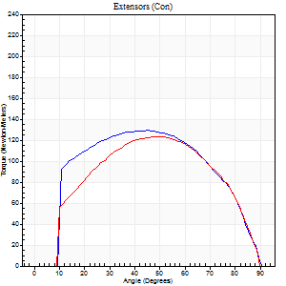
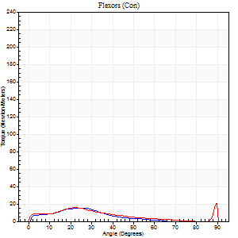
Right Side Curves Left Side Curves
Isokinetic Con/Con |  |  |  | Extensors (Con) |  | Flexors (Con)
Speed 120/120 d/s 3 Reps |  |  |  | Value | Cof Var | %BW | Value | Cof Var | %BW | Ratio

TORQUE PARAMETERS
Peak Torque (Newton-Meters - Best Repetition)
Right |  |  |  | 129 | 0.84 | 185 | 15 | 0.64 | 21 | 12
Left |  |  |  | 123 | 0.05 | 176 | 20 | 0.36 | 30 | 16
Deficit |  |  |  | 4 |  |  | 27
Work per Repetition (Newton-Meters - Best Repetition)
Right |  |  |  | 144 | 0.86 | 206 | 8 | 1.05 | 12 | 6
Left |  |  |  | 133 | 0.03 | 191 | 11 | 0.14 | 15 | 8
Deficit |  |  |  | 8 |  |  | 25
Average Power per Repetition (Watts - Best Repetition)
Right |  |  |  | 165 | 0.87 | 235 | 10 | 1.02 | 13 | 6
Left |  |  |  | 150 | 0.02 | 213 | 11 | 0.15 | 15 | 7
Deficit |  |  |  | 9 |  |  | 9
POSITION PARAMETERS
Joint Angle at Peak Torque (Degrees)
Right |  |  |  | 57 | 0.51 |  | 36 | 0.87
Left |  |  |  | 50 | 0.05 |  | 47 | 0.78
Range of Motion (Degrees)
Right |  |  |  | 0 | 0.11 |  | 90 | 0
Left |  |  |  | 0 | 0.71 |  | 90 | 0
TIME PARAMETERS
Time to Peak Torque (Seconds)
Right |  |  |  | 0.49 | 0.17 |  | 0.2 | 0.43
Left |  |  |  | 0.35 | 0.14 |  | 0.57 | 0.56
Time Peak Torque Held (Seconds)
Right |  |  |  | 0.03 | 0.87 |  | 0.01 | 1
Left |  |  |  | 0.04 | 0.43 |  | 0.01 | 1.15
Force Decay Time (Seconds)
Right |  |  |  | 0.54 | 0.56 |  | 0.59 | 0.54
Left |  |  |  | 0.46 | 0.02 |  | 0.34 | 0.95
Reciprocal Delay (Seconds)
Right |  |  |  | 0.2 | 0.71 |  | 0.13 | 0.05
Left |  |  |  | 0.1 | 0.57 |  | 0.25 | 0.4
Delay Time (Seconds)
Right |  |  |  | -0.04 | -0.61 |  | 0 | -22.52
Left |  |  |  | 0 | 4.24 |  | -0.03 | -0.46
HUMAC2015® Version: 15.000.0074 © Computer Sports Medicine, Inc. www.csmisolutions.com

Use File, Preference to set Report Heading
Long Form Torque vs. Position Report - Knee Extension/Flexion
Name: |  |  |  | TR030FP3022, | ID: |  | Right/Left: | 04.11.2021 04.11.2021
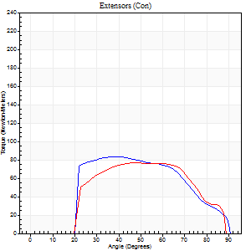
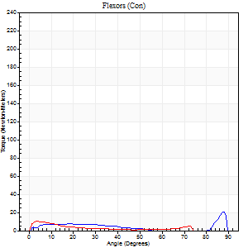
Right Side Curves Left Side Curves
Isokinetic Con/Con |  |  |  | Extensors (Con) |  | Flexors (Con)
Speed 240/240 d/s 3 Reps |  |  |  | Value | Cof Var | %BW | Value | Cof Var | %BW | Ratio

TORQUE PARAMETERS
Peak Torque (Newton-Meters - Best Repetition)
Right |  |  |  | 83 | 0.06 | 119 | 20 | 0.5 | 30 | 25
Left |  |  |  | 77 | 0.02 | 110 | 9 | 0.27 | 15 | 12
Deficit |  |  |  | 7 |  |  | 53
Work per Repetition (Newton-Meters - Best Repetition)
Right |  |  |  | 77 | 0.04 | 110 | 7 | 0.16 | 9 | 9
Left |  |  |  | 76 | 0.02 | 107 | 5 | 0.5 | 9 | 7
Deficit |  |  |  | 2 |  |  | 20
Average Power per Repetition (Watts - Best Repetition)
Right |  |  |  | 131 | 0.01 | 187 | 11 | 0.19 | 15 | 8
Left |  |  |  | 142 | 0.03 | 202 | 7 | 0.67 | 11 | 5
Deficit |  |  |  | 8 |  |  | 36
POSITION PARAMETERS
Joint Angle at Peak Torque (Degrees)
Right |  |  |  | 40 | 0.03 |  | 65 | 0.61
Left |  |  |  | 43 | 0.08 |  | 3 | 0.27
Range of Motion (Degrees)
Right |  |  |  | 0 | 0.24 |  | 90 | 0.01
Left |  |  |  | 0 | 0.47 |  | 90 | 0.01
TIME PARAMETERS
Time to Peak Torque (Seconds)
Right |  |  |  | 0.29 | 0.05 |  | 0.49 | 0.47
Left |  |  |  | 0.25 | 0.06 |  | 0.12 | 0.48
Time Peak Torque Held (Seconds)
Right |  |  |  | 0.01 | 1.15 |  | 0.01 | 1.73
Left |  |  |  | 0.01 | 0 |  | 0 | 1.73
Force Decay Time (Seconds)
Right |  |  |  | 0.25 | 0.06 |  | 0.15 | 1.33
Left |  |  |  | 0.27 | 0.06 |  | 0.79 | 0.41
Reciprocal Delay (Seconds)
Right |  |  |  | 0.06 | 0.33 |  | 0.16 | 0.47
Left |  |  |  | 0.08 | 0.53 |  | 0.19 | 0.48
Delay Time (Seconds)
Right |  |  |  | 0.02 | 3.3 |  | 0.02 | 1.32
Left |  |  |  | 0 | 0 |  | -0.06 | -0.51
HUMAC2015® Version: 15.000.0074 © Computer Sports Medicine, Inc. www.csmisolutions.com

Use File, Preference to set Report Heading
Isometric - Knee Extension/Flexion
Name: |  |  |  | TR030FP3022, | ID: |  | Right/Left: | 04.11.2021 04.11.2021

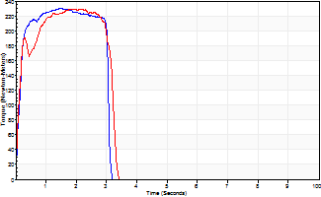
Isometric Extensors (Con) Angle 60 Time 10 Repetition 2 (Best Repetition)
 | Value | Cof Var | %BW
Peak Torque (Newton-Meters)
Right | 231 | 0.02 | 328
Left | 229 | 0.1 | 328
Deficit | 1
Average Torque (Newton-Meters)
Right | 65 | 0.21 | 92
Left | 66 | 0.33 | 95
Deficit | 2
Peak Torque Slope (Newton-Meters/Seconds)
Right | 211 | 0.23 | 301
Left | 189 | 0.32 | 269 |  | Right Side Curves Left Side Curves
Deficit | 11
Time to Half Peak Torque (Seconds)
Right | 0.13 | 0.05
Left | 0.12 | 0
Time to Peak Torque (Seconds)
Right | 1.27 | 0.25
Left | 1.48 | 0.42
HUMAC2015® Version: 15.000.0074 © Computer Sports Medicine, Inc. www.csmisolutions.com

mid2
Use File, Preference to set Report Heading
Long Form Torque vs. Position Report - Knee Extension/Flexion
Name: |  |  |  | TR030FP3022, | ID: |  | Right/Left: | 08.11.2021 08.11.2021
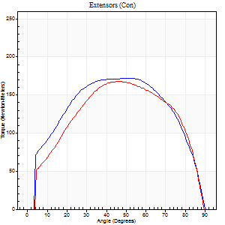
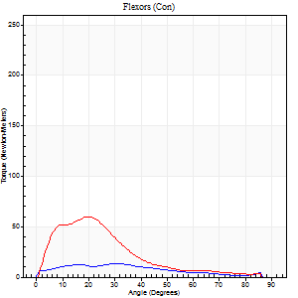
Right Side Curves Left Side Curves
Isokinetic Con/Con |  |  |  | Extensors (Con) |  | Flexors (Con)
Speed 60/60 d/s 3 Reps |  |  |  | Value | Cof Var | %BW | Value | Cof Var | %BW | Ratio

TORQUE PARAMETERS
Peak Torque (Newton-Meters - Best Repetition)
Right |  |  |  | 172 | 0.03 | 244 | 14 | 0.04 | 18 | 8
Left |  |  |  | 168 | 0.06 | 241 | 60 | 0.95 | 86 | 35
Deficit |  |  |  | 2 |  |  | 77
Work per Repetition (Newton-Meters - Best Repetition)
Right |  |  |  | 201 | 0.04 | 286 | 11 | 0.12 | 15 | 5
Left |  |  |  | 186 | 0.03 | 265 | 35 | 0.8 | 51 | 19
Deficit |  |  |  | 7 |  |  | 69
Average Power per Repetition (Watts - Best Repetition)
Right |  |  |  | 124 | 0.04 | 178 | 7 | 0.1 | 11 | 6
Left |  |  |  | 119 | 0.03 | 169 | 22 | 0.82 | 31 | 18
Deficit |  |  |  | 4 |  |  | 68
POSITION PARAMETERS
Joint Angle at Peak Torque (Degrees)
Right |  |  |  | 43 | 0.16 |  | 24 | 0.55
Left |  |  |  | 44 | 0.07 |  | 21 | 0.38
Range of Motion (Degrees)
Right |  |  |  | 0 | -0.71 |  | 90 | 0
Left |  |  |  | 0 | 0 |  | 90 | 0
TIME PARAMETERS
Time to Peak Torque (Seconds)
Right |  |  |  | 0.86 | 0.02 |  | 0.46 | 0.66
Left |  |  |  | 0.77 | 0.09 |  | 0.41 | 0.43
Time Peak Torque Held (Seconds)
Right |  |  |  | 0.1 | 0.87 |  | 0.02 | 1.73
Left |  |  |  | 0.09 | 0.59 |  | 0.02 | 0.92
Force Decay Time (Seconds)
Right |  |  |  | 0.69 | 0.04 |  | 1.1 | 0.29
Left |  |  |  | 0.7 | 0.07 |  | 1.18 | 0.14
Reciprocal Delay (Seconds)
Right |  |  |  | 0.19 | 0.11 |  | 0.51 | 0.5
Left |  |  |  | 0.19 | 0.3 |  | 0.37 | 0.32
Delay Time (Seconds)
Right |  |  |  | 0.12 | 1.29 |  | 0 | 105614900
Left |  |  |  | 0.02 | 0.71 |  | -0.02 | -1.5
HUMAC2015® Version: 15.000.0074 © Computer Sports Medicine, Inc. www.csmisolutions.com

Use File, Preference to set Report Heading
Long Form Torque vs. Position Report - Knee Extension/Flexion
Name: |  |  |  | TR030FP3022, | ID: |  | Right/Left: | 08.11.2021 08.11.2021
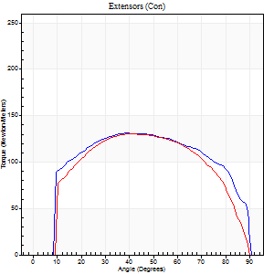
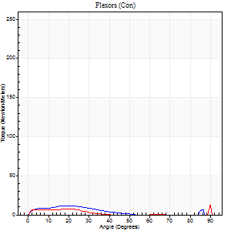
Right Side Curves Left Side Curves
Isokinetic Con/Con |  |  |  | Extensors (Con) |  | Flexors (Con)
Speed 120/120 d/s 3 Reps |  |  |  | Value | Cof Var | %BW | Value | Cof Var | %BW | Ratio

TORQUE PARAMETERS
Peak Torque (Newton-Meters - Best Repetition)
Right |  |  |  | 132 | 0.05 | 188 | 12 | 0.45 | 18 | 9
Left |  |  |  | 130 | 0.08 | 185 | 18 | 0.72 | 24 | 14
Deficit |  |  |  | 1 |  |  | 31
Work per Repetition (Newton-Meters - Best Repetition)
Right |  |  |  | 157 | 0.06 | 224 | 7 | 0.52 | 9 | 4
Left |  |  |  | 145 | 0.07 | 206 | 4 | 0.24 | 6 | 3
Deficit |  |  |  | 8 |  |  | 40
Average Power per Repetition (Watts - Best Repetition)
Right |  |  |  | 171 | 0.05 | 244 | 5 | 0.49 | 7 | 3
Left |  |  |  | 165 | 0.06 | 235 | 4 | 0.29 | 7 | 2
Deficit |  |  |  | 4 |  |  | 20
POSITION PARAMETERS
Joint Angle at Peak Torque (Degrees)
Right |  |  |  | 41 | 0.09 |  | 15 | 0.85
Left |  |  |  | 43 | 0.14 |  | 44 | 0.97
Range of Motion (Degrees)
Right |  |  |  | 0 | 1.41 |  | 90 | 0
Left |  |  |  | 0 | -0.47 |  | 90 | 0
TIME PARAMETERS
Time to Peak Torque (Seconds)
Right |  |  |  | 0.44 | 0.11 |  | 0.21 | 0.63
Left |  |  |  | 0.41 | 0.16 |  | 0.64 | 0.83
Time Peak Torque Held (Seconds)
Right |  |  |  | 0.03 | 0.17 |  | 0.01 | 1.15
Left |  |  |  | 0.03 | 0.96 |  | 0.01 | 1.73
Force Decay Time (Seconds)
Right |  |  |  | 0.39 | 0.04 |  | 1.01 | 0.08
Left |  |  |  | 0.41 | 0.05 |  | 0.4 | 1.34
Reciprocal Delay (Seconds)
Right |  |  |  | 0.25 | 0.26 |  | 0.35 | 0.45
Left |  |  |  | 0.23 | 0.37 |  | 0.31 | 0.29
Delay Time (Seconds)
Right |  |  |  | -0.01 | -1.41 |  | -0.01 | -4
Left |  |  |  | 0.01 | 0 |  | -0.02 | -1
HUMAC2015® Version: 15.000.0074 © Computer Sports Medicine, Inc. www.csmisolutions.com

Use File, Preference to set Report Heading
Long Form Torque vs. Position Report - Knee Extension/Flexion
Name: |  |  |  | TR030FP3022, | ID: |  | Right/Left: | 08.11.2021 08.11.2021
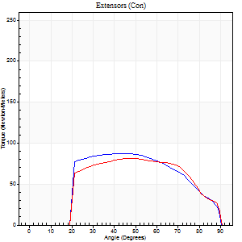
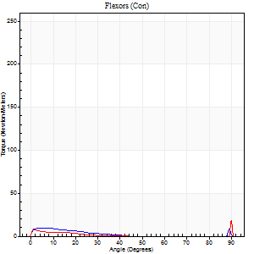
Right Side Curves Left Side Curves
Isokinetic Con/Con |  |  |  | Extensors (Con) |  | Flexors (Con)
Speed 240/240 d/s 3 Reps |  |  |  | Value | Cof Var | %BW | Value | Cof Var | %BW | Ratio

TORQUE PARAMETERS
Peak Torque (Newton-Meters - Best Repetition)
Right |  |  |  | 88 | 0.03 | 125 | 9 | 0.38 | 15 | 11
Left |  |  |  | 81 | 0.04 | 116 | 27 | 0.91 | 39 | 33
Deficit |  |  |  | 8 |  |  | 65
Work per Repetition (Newton-Meters - Best Repetition)
Right |  |  |  | 87 | 0.01 | 125 | 4 | 0.58 | 6 | 5
Left |  |  |  | 83 | 0.05 | 119 | 3 | 0.14 | 3 | 3
Deficit |  |  |  | 5 |  |  | 33
Average Power per Repetition (Watts - Best Repetition)
Right |  |  |  | 157 | 0.03 | 224 | 5 | 0.76 | 7 | 3
Left |  |  |  | 150 | 0.06 | 213 | 2 | 0.25 | 2 | 1
Deficit |  |  |  | 4 |  |  | 60
POSITION PARAMETERS
Joint Angle at Peak Torque (Degrees)
Right |  |  |  | 43 | 0.01 |  | 4 | 0.11
Left |  |  |  | 45 | 0.06 |  | 32 | 1.55
Range of Motion (Degrees)
Right |  |  |  | 0 | 2.83 |  | 90 | 0
Left |  |  |  | 0 | 0 |  | 90 | 0
TIME PARAMETERS
Time to Peak Torque (Seconds)
Right |  |  |  | 0.27 | 0.08 |  | 0.12 | 0.46
Left |  |  |  | 0.25 | 0.03 |  | 0.49 | 1.19
Time Peak Torque Held (Seconds)
Right |  |  |  | 0.02 | 0.25 |  | 0.01 | 1.73
Left |  |  |  | 0.01 | 0.43 |  | 0.01 | 1.73
Force Decay Time (Seconds)
Right |  |  |  | 0.25 | 0.04 |  | 0.89 | 0.19
Left |  |  |  | 0.28 | 0.06 |  | 0.72 | 1
Reciprocal Delay (Seconds)
Right |  |  |  | 0.12 | 0 |  | 0.31 | 0.62
Left |  |  |  | 0.19 | 0.34 |  | 0.27 | 0.38
Delay Time (Seconds)
Right |  |  |  | -0.02 | -0.71 |  | -0.02 | -2.65
Left |  |  |  | -0.01 | -0.47 |  | -0.04 | -0.66
HUMAC2015® Version: 15.000.0074 © Computer Sports Medicine, Inc. www.csmisolutions.com

Use File, Preference to set Report Heading
Isometric - Knee Extension/Flexion
Name: |  |  |  | TR030FP3022, | ID: |  | Right/Left: | 08.11.2021 08.11.2021

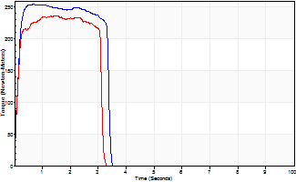
Isometric Extensors (Con) Angle 60 Time 10 Repetition 2 (Best Repetition)
 | Value | Cof Var | %BW
Peak Torque (Newton-Meters)
Right | 255 | 0 | 364
Left | 236 | 0.02 | 337
Deficit | 7
Average Torque (Newton-Meters)
Right | 80 | 0.02 | 113
Left | 76 | 0.07 | 107
Deficit | 5
Peak Torque Slope (Newton-Meters/Seconds)
Right | 380 | 0.36 | 543
Left | 162 | 0.03 | 231 |  | Right Side Curves Left Side Curves
Deficit | 57
Time to Half Peak Torque (Seconds)
Right | 0.12 | 0.06
Left | 0.12 | 0.12
Time to Peak Torque (Seconds)
Right | 0.88 | 0.36
Left | 1.46 | 0
HUMAC2015® Version: 15.000.0074 © Computer Sports Medicine, Inc. www.csmisolutions.com

post1
Use File, Preference to set Report Heading
Long Form Torque vs. Position Report - Knee Extension/Flexion
Name: |  |  |  | TR030FP3022, | ID: |  | Right/Left: | 07.12.2021 07.12.2021
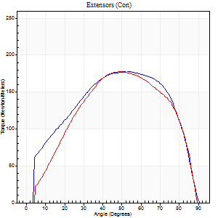
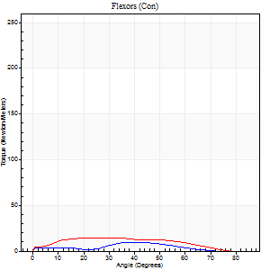
Right Side Curves Left Side Curves
Isokinetic Con/Con |  |  |  | Extensors (Con) |  | Flexors (Con)
Speed 60/60 d/s 3 Reps |  |  |  | Value | Cof Var | %BW | Value | Cof Var | %BW | Ratio

TORQUE PARAMETERS
Peak Torque (Newton-Meters - Best Repetition)
Right |  |  |  | 178 | 0.01 | 253 | 9 | 0.96 | 15 | 5
Left |  |  |  | 178 | 0.05 | 253 | 15 | 0.23 | 21 | 8
Deficit |  |  |  | 0 |  |  | 36
Work per Repetition (Newton-Meters - Best Repetition)
Right |  |  |  | 201 | 0.01 | 286 | 5 | 1.32 | 9 | 3
Left |  |  |  | 186 | 0.01 | 265 | 14 | 0.43 | 18 | 7
Deficit |  |  |  | 7 |  |  | 60
Average Power per Repetition (Watts - Best Repetition)
Right |  |  |  | 125 | 0.03 | 178 | 4 | 1.49 | 7 | 3
Left |  |  |  | 118 | 0.01 | 169 | 8 | 0.55 | 11 | 7
Deficit |  |  |  | 6 |  |  | 50
POSITION PARAMETERS
Joint Angle at Peak Torque (Degrees)
Right |  |  |  | 51 | 0.1 |  | 43 | 1.04
Left |  |  |  | 49 | 0 |  | 49 | 0.65
Range of Motion (Degrees)
Right |  |  |  | 0 | 0 |  | 90 | 0
Left |  |  |  | 0 | 0 |  | 90 | 0
TIME PARAMETERS
Time to Peak Torque (Seconds)
Right |  |  |  | 0.73 | 0.07 |  | 0.47 | 0.62
Left |  |  |  | 0.69 | 0.01 |  | 1.11 | 0.75
Time Peak Torque Held (Seconds)
Right |  |  |  | 0.1 | 0.22 |  | 0 | 1.73
Left |  |  |  | 0.07 | 0.23 |  | 0.09 | 0.87
Force Decay Time (Seconds)
Right |  |  |  | 0.81 | 0.09 |  | 1.12 | 1.53
Left |  |  |  | 0.8 | 0.02 |  | 0.65 | 0.72
Reciprocal Delay (Seconds)
Right |  |  |  | 0.74 | 0.69 |  | 0.76 | 0.37
Left |  |  |  | 0.31 | 0.14 |  | 0.4 | 0.06
Delay Time (Seconds)
Right |  |  |  | -0.04 | -1.41 |  | 0.82 | 1.97
Left |  |  |  | 0.02 | 0.71 |  | -0.05 | -0.39
HUMAC2015® Version: 15.000.0074 © Computer Sports Medicine, Inc. www.csmisolutions.com

Use File, Preference to set Report Heading
Long Form Torque vs. Position Report - Knee Extension/Flexion
Name: |  |  |  | TR030FP3022, | ID: |  | Right/Left: | 07.12.2021 07.12.2021
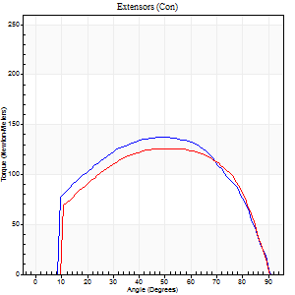
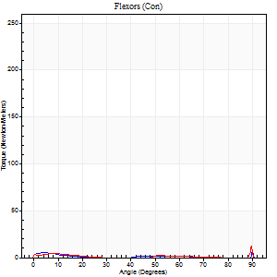
Right Side Curves Left Side Curves
Isokinetic Con/Con |  |  |  | Extensors (Con) |  | Flexors (Con)
Speed 120/120 d/s 3 Reps |  |  |  | Value | Cof Var | %BW | Value | Cof Var | %BW | Ratio

TORQUE PARAMETERS
Peak Torque (Newton-Meters - Best Repetition)
Right |  |  |  | 137 | 0.03 | 197 | 14 | 0.72 | 18 | 10
Left |  |  |  | 126 | 0.02 | 179 | 16 | 0.86 | 24 | 13
Deficit |  |  |  | 8 |  |  | 17
Work per Repetition (Newton-Meters - Best Repetition)
Right |  |  |  | 156 | 0.02 | 224 | 3 | 0.19 | 3 | 2
Left |  |  |  | 142 | 0.01 | 203 | 1 | 0.06 | 3 | 1
Deficit |  |  |  | 9 |  |  | 50
Average Power per Repetition (Watts - Best Repetition)
Right |  |  |  | 168 | 0.02 | 240 | 2 | 0.39 | 2 | 1
Left |  |  |  | 161 | 0.03 | 231 | 1 | 0.12 | 2 | 1
Deficit |  |  |  | 4 |  |  | 50
POSITION PARAMETERS
Joint Angle at Peak Torque (Degrees)
Right |  |  |  | 50 | 0.07 |  | 33 | 1.5
Left |  |  |  | 51 | 0.09 |  | 44 | 1.01
Range of Motion (Degrees)
Right |  |  |  | 0 | 0 |  | 90 | 0
Left |  |  |  | 0 | 0 |  | 90 | 0
TIME PARAMETERS
Time to Peak Torque (Seconds)
Right |  |  |  | 0.38 | 0.02 |  | 0.66 | 1.22
Left |  |  |  | 0.37 | 0.1 |  | 1.05 | 0.81
Time Peak Torque Held (Seconds)
Right |  |  |  | 0.04 | 0.16 |  | 0 | 0
Left |  |  |  | 0.04 | 0 |  | 0 | 1.73
Force Decay Time (Seconds)
Right |  |  |  | 0.49 | 0.07 |  | 0.65 | 1
Left |  |  |  | 0.47 | 0.09 |  | 0.74 | 1.28
Reciprocal Delay (Seconds)
Right |  |  |  | 0.47 | 0.71 |  | 0.45 | 0.03
Left |  |  |  | 0.26 | 0.05 |  | 0.49 | 0.12
Delay Time (Seconds)
Right |  |  |  | -0.02 | -0.71 |  | -0.06 | -0.1
Left |  |  |  | 0 | 0 |  | -0.08 | -0.43
HUMAC2015® Version: 15.000.0074 © Computer Sports Medicine, Inc. www.csmisolutions.com

Use File, Preference to set Report Heading
Long Form Torque vs. Position Report - Knee Extension/Flexion
Name: |  |  |  | TR030FP3022, | ID: |  | Right/Left: | 07.12.2021 07.12.2021
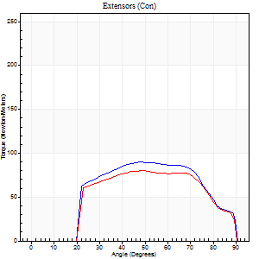
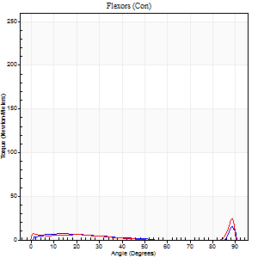
Right Side Curves Left Side Curves
Isokinetic Con/Con |  |  |  | Extensors (Con) |  | Flexors (Con)
Speed 240/240 d/s 3 Reps |  |  |  | Value | Cof Var | %BW | Value | Cof Var | %BW | Ratio

TORQUE PARAMETERS
Peak Torque (Newton-Meters - Best Repetition)
Right |  |  |  | 89 | 0.03 | 128 | 16 | 0.68 | 24 | 18
Left |  |  |  | 80 | 0.06 | 113 | 24 | 0.85 | 36 | 31
Deficit |  |  |  | 11 |  |  | 33
Work per Repetition (Newton-Meters - Best Repetition)
Right |  |  |  | 88 | 0.03 | 125 | 4 | 0.52 | 6 | 5
Left |  |  |  | 80 | 0.07 | 113 | 4 | 0.48 | 6 | 5
Deficit |  |  |  | 9 |  |  | 0
Average Power per Repetition (Watts - Best Repetition)
Right |  |  |  | 158 | 0.11 | 226 | 5 | 0.71 | 7 | 3
Left |  |  |  | 144 | 0.08 | 207 | 6 | 0.65 | 9 | 4
Deficit |  |  |  | 9 |  |  | 17
POSITION PARAMETERS
Joint Angle at Peak Torque (Degrees)
Right |  |  |  | 47 | 0.02 |  | 33 | 1.48
Left |  |  |  | 47 | 0.05 |  | 30 | 1.7
Range of Motion (Degrees)
Right |  |  |  | 0 | 0 |  | 90 | 0
Left |  |  |  | 0 | -0.47 |  | 90 | 0
TIME PARAMETERS
Time to Peak Torque (Seconds)
Right |  |  |  | 0.3 | 0.19 |  | 0.4 | 0.83
Left |  |  |  | 0.25 | 0.06 |  | 0.31 | 1.35
Time Peak Torque Held (Seconds)
Right |  |  |  | 0.01 | 0 |  | 0.01 | 1.73
Left |  |  |  | 0.01 | 0.43 |  | 0.01 | 1
Force Decay Time (Seconds)
Right |  |  |  | 0.29 | 0 |  | 0.71 | 0.83
Left |  |  |  | 0.29 | 0 |  | 0.69 | 0.83
Reciprocal Delay (Seconds)
Right |  |  |  | 0.19 | 0.11 |  | 0.36 | 0.41
Left |  |  |  | 0.13 | 0.44 |  | 0.36 | 0.54
Delay Time (Seconds)
Right |  |  |  | -0.05 | -0.85 |  | -0.02 | -4.92
Left |  |  |  | 0 | -1.41 |  | -0.05 | -0.6
HUMAC2015® Version: 15.000.0074 © Computer Sports Medicine, Inc. www.csmisolutions.com

Use File, Preference to set Report Heading
Isometric - Knee Extension/Flexion
Name: |  |  |  | TR030FP3022, | ID: |  | Right/Left: | 07.12.2021 07.12.2021

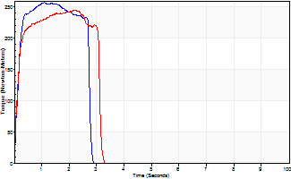
Isometric Extensors (Con) Angle 60 Time 10 Repetition 2 (Best Repetition)
 | Value | Cof Var | %BW
Peak Torque (Newton-Meters)
Right | 258 | 0.02 | 367
Left | 244 | 0.03 | 349
Deficit | 5
Average Torque (Newton-Meters)
Right | 69 | 0.05 | 98
Left | 69 | 0.06 | 98
Deficit | 0
Peak Torque Slope (Newton-Meters/Seconds)
Right | 236 | 0.14 | 337
Left | 126 | 0.07 | 179 |  | Right Side Curves Left Side Curves
Deficit | 47
Time to Half Peak Torque (Seconds)
Right | 0.14 | 0.1
Left | 0.12 | 0.06
Time to Peak Torque (Seconds)
Right | 1.19 | 0.13
Left | 2 | 0.11
HUMAC2015® Version: 15.000.0074 © Computer Sports Medicine, Inc. www.csmisolutions.com

