pre1
Use File, Preference to set Report Heading
Long Form Torque vs. Position Report - Knee Extension/Flexion
Name: |  |  |  | 3023 | ID: | 3023 | Right/Left: | 13.09.2021 13.09.2021
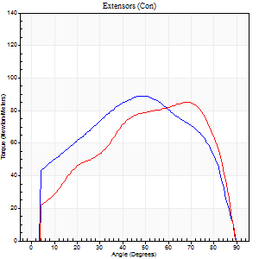
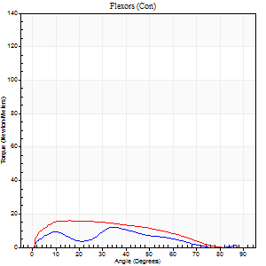
Right Side Curves Left Side Curves
Isokinetic Con/Con |  |  |  | Extensors (Con) |  | Flexors (Con)
Speed 60/60 d/s 3 Reps |  |  |  | Value | Cof Var | %BW | Value | Cof Var | %BW | Ratio

TORQUE PARAMETERS
Peak Torque (Newton-Meters - Best Repetition)
Right |  |  |  | 89 | 0.1 | 137 | 12 | 0.63 | 18 | 14
Left |  |  |  | 85 | 0.17 | 131 | 16 | 0.64 | 24 | 19
Deficit |  |  |  | 5 |  |  | 25
Work per Repetition (Newton-Meters - Best Repetition)
Right |  |  |  | 99 | 0.17 | 152 | 8 | 0.86 | 12 | 8
Left |  |  |  | 91 | 0.1 | 140 | 15 | 0.72 | 24 | 16
Deficit |  |  |  | 8 |  |  | 45
Average Power per Repetition (Watts - Best Repetition)
Right |  |  |  | 63 | 0.25 | 97 | 5 | 0.9 | 7 | 8
Left |  |  |  | 57 | 0.11 | 88 | 9 | 0.74 | 13 | 16
Deficit |  |  |  | 10 |  |  | 44
POSITION PARAMETERS
Joint Angle at Peak Torque (Degrees)
Right |  |  |  | 50 | 0.09 |  | 14 | 1.28
Left |  |  |  | 68 | 0.02 |  | 17 | 0.86
Range of Motion (Degrees)
Right |  |  |  | 0 | -0.47 |  | 90 | 0
Left |  |  |  | 0 | 0 |  | 90 | 0
TIME PARAMETERS
Time to Peak Torque (Seconds)
Right |  |  |  | 0.65 | 0.12 |  | 0.32 | 0.86
Left |  |  |  | 0.43 | 0.02 |  | 0.35 | 0.78
Time Peak Torque Held (Seconds)
Right |  |  |  | 0.04 | 0.27 |  | 0.01 | 1.73
Left |  |  |  | 0.15 | 1.13 |  | 0.16 | 1.41
Force Decay Time (Seconds)
Right |  |  |  | 0.84 | 0.09 |  | 1.49 | 0.34
Left |  |  |  | 1.02 | 0.17 |  | 1.15 | 0.11
Reciprocal Delay (Seconds)
Right |  |  |  | 0.44 | 0.11 |  | 0.38 | 0.25
Left |  |  |  | 0.26 | 0.13 |  | 0.3 | 0.31
Delay Time (Seconds)
Right |  |  |  | 0 | 1.41 |  | 0.04 | 2.07
Left |  |  |  | -0.03 | -0.94 |  | -0.01 | -1.89
HUMAC2015® Version: 15.000.0074 © Computer Sports Medicine, Inc. www.csmisolutions.com

Use File, Preference to set Report Heading
Long Form Torque vs. Position Report - Knee Extension/Flexion
Name: |  |  |  | 3023 | ID: | 3023 | Right/Left: | 13.09.2021 13.09.2021
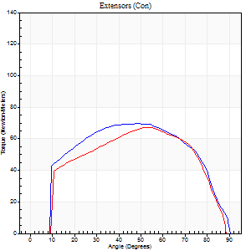
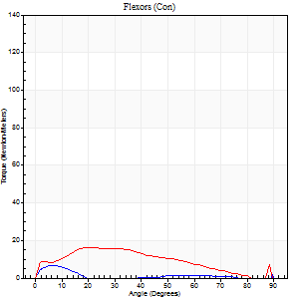
Right Side Curves Left Side Curves
Isokinetic Con/Con |  |  |  | Extensors (Con) |  | Flexors (Con)
Speed 120/120 d/s 3 Reps |  |  |  | Value | Cof Var | %BW | Value | Cof Var | %BW | Ratio

TORQUE PARAMETERS
Peak Torque (Newton-Meters - Best Repetition)
Right |  |  |  | 69 | 0.11 | 107 | 11 | 0.68 | 18 | 16
Left |  |  |  | 66 | 0.04 | 101 | 16 | 0.42 | 24 | 24
Deficit |  |  |  | 4 |  |  | 33
Work per Repetition (Newton-Meters - Best Repetition)
Right |  |  |  | 79 | 0.16 | 122 | 3 | 0.23 | 3 | 3
Left |  |  |  | 72 | 0.03 | 110 | 15 | 0.72 | 24 | 21
Deficit |  |  |  | 9 |  |  | 82
Average Power per Repetition (Watts - Best Repetition)
Right |  |  |  | 88 | 0.17 | 136 | 1 | 0.71 | 2 | 1
Left |  |  |  | 82 | 0.02 | 125 | 17 | 0.74 | 26 | 21
Deficit |  |  |  | 7 |  |  | 94
POSITION PARAMETERS
Joint Angle at Peak Torque (Degrees)
Right |  |  |  | 44 | 0.15 |  | 33 | 1.49
Left |  |  |  | 55 | 0.03 |  | 16 | 0.47
Range of Motion (Degrees)
Right |  |  |  | 0 | 0 |  | 90 | 0
Left |  |  |  | 0 | 0 |  | 89 | 0.01
TIME PARAMETERS
Time to Peak Torque (Seconds)
Right |  |  |  | 0.42 | 0.03 |  | 0.6 | 1.31
Left |  |  |  | 0.36 | 0.06 |  | 0.21 | 0.22
Time Peak Torque Held (Seconds)
Right |  |  |  | 0.03 | 0.96 |  | 0.01 | 1.73
Left |  |  |  | 0.03 | 0.43 |  | 0.04 | 1.29
Force Decay Time (Seconds)
Right |  |  |  | 0.41 | 0.11 |  | 2.42 | 1.38
Left |  |  |  | 0.5 | 0.04 |  | 0.63 | 0.2
Reciprocal Delay (Seconds)
Right |  |  |  | 0.26 | 0.27 |  | 0.28 | 0.04
Left |  |  |  | 0.12 | 0.17 |  | 0.15 | 0.21
Delay Time (Seconds)
Right |  |  |  | -0.02 | 0 |  | 0 | 0
Left |  |  |  | 0 | -1.41 |  | -0.01 | -0.87
HUMAC2015® Version: 15.000.0074 © Computer Sports Medicine, Inc. www.csmisolutions.com

Use File, Preference to set Report Heading
Long Form Torque vs. Position Report - Knee Extension/Flexion
Name: |  |  |  | 3023 | ID: | 3023 | Right/Left: | 13.09.2021 13.09.2021
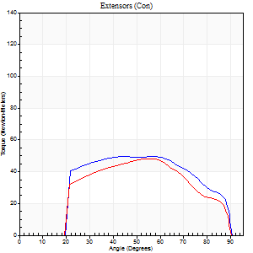
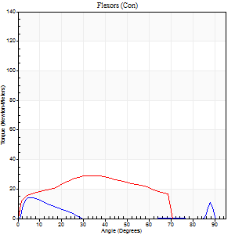
Right Side Curves Left Side Curves
Isokinetic Con/Con |  |  |  | Extensors (Con) |  | Flexors (Con)
Speed 240/240 d/s 3 Reps |  |  |  | Value | Cof Var | %BW | Value | Cof Var | %BW | Ratio

TORQUE PARAMETERS
Peak Torque (Newton-Meters - Best Repetition)
Right |  |  |  | 50 | 0.06 | 77 | 14 | 0.35 | 21 | 27
Left |  |  |  | 49 | 0.01 | 75 | 28 | 0.26 | 45 | 58
Deficit |  |  |  | 3 |  |  | 52
Work per Repetition (Newton-Meters - Best Repetition)
Right |  |  |  | 52 | 0.07 | 80 | 4 | 0.28 | 6 | 8
Left |  |  |  | 47 | 0.04 | 72 | 27 | 0.38 | 42 | 57
Deficit |  |  |  | 8 |  |  | 85
Average Power per Repetition (Watts - Best Repetition)
Right |  |  |  | 97 | 0.1 | 149 | 7 | 0.36 | 11 | 7
Left |  |  |  | 91 | 0.07 | 141 | 52 | 0.37 | 79 | 57
Deficit |  |  |  | 6 |  |  | 87
POSITION PARAMETERS
Joint Angle at Peak Torque (Degrees)
Right |  |  |  | 48 | 0.1 |  | 5 | 0.28
Left |  |  |  | 51 | 0.07 |  | 25 | 0.6
Range of Motion (Degrees)
Right |  |  |  | 1 | 0.22 |  | 90 | 0
Left |  |  |  | 1 | 0.07 |  | 89 | 0.01
TIME PARAMETERS
Time to Peak Torque (Seconds)
Right |  |  |  | 0.28 | 0 |  | 0.08 | 0.08
Left |  |  |  | 0.23 | 0.03 |  | 0.2 | 0.44
Time Peak Torque Held (Seconds)
Right |  |  |  | 0.01 | 0.87 |  | 0.01 | 1
Left |  |  |  | 0.02 | 1 |  | 0.03 | 1.73
Force Decay Time (Seconds)
Right |  |  |  | 0.25 | 0.1 |  | 0.62 | 0.15
Left |  |  |  | 0.26 | 0.1 |  | 0.29 | 0.07
Reciprocal Delay (Seconds)
Right |  |  |  | 0.17 | 0.17 |  | 0.09 | 0.11
Left |  |  |  | 0.05 | 0 |  | 0.08 | 0.08
Delay Time (Seconds)
Right |  |  |  | -0.05 | -0.28 |  | -0.01 | -2.29
Left |  |  |  | -0.02 | 0 |  | -0.02 | 0
HUMAC2015® Version: 15.000.0074 © Computer Sports Medicine, Inc. www.csmisolutions.com

Use File, Preference to set Report Heading
Isometric - Knee Extension/Flexion
Name: |  |  |  | 3023 | ID: | 3023 | Right/Left: | 13.09.2021 13.09.2021

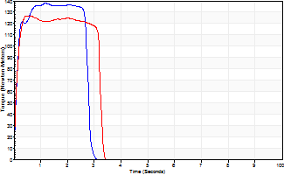
Isometric Extensors (Con) Angle 60 Time 10 Repetition 2 (Best Repetition)
 | Value | Cof Var | %BW
Peak Torque (Newton-Meters)
Right | 138 | 0.01 | 212
Left | 126 | 0.02 | 194
Deficit | 9
Average Torque (Newton-Meters)
Right | 47 | 0.2 | 72
Left | 38 | 0.13 | 60
Deficit | 20
Peak Torque Slope (Newton-Meters/Seconds)
Right | 118 | 0.49 | 181
Left | 264 | 0.06 | 406 |  | Right Side Curves Left Side Curves
Deficit | 55
Time to Half Peak Torque (Seconds)
Right | 0.11 | 0.07
Left | 0.09 | 0.08
Time to Peak Torque (Seconds)
Right | 1.76 | 0.48
Left | 0.49 | 0.04
HUMAC2015® Version: 15.000.0074 © Computer Sports Medicine, Inc. www.csmisolutions.com

pre2
Use File, Preference to set Report Heading
Long Form Torque vs. Position Report - Knee Extension/Flexion
Name: |  |  |  | 3023 | ID: | 3023 | Right/Left: | 21.09.2021 21.09.2021
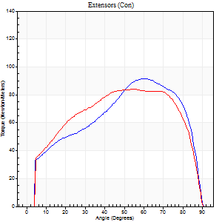
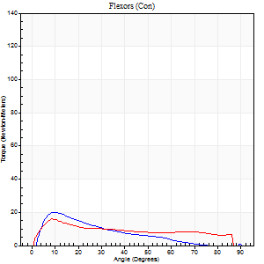
Right Side Curves Left Side Curves
Isokinetic Con/Con |  |  |  | Extensors (Con) |  | Flexors (Con)
Speed 60/60 d/s 3 Reps |  |  |  | Value | Cof Var | %BW | Value | Cof Var | %BW | Ratio

TORQUE PARAMETERS
Peak Torque (Newton-Meters - Best Repetition)
Right |  |  |  | 92 | 0.07 | 143 | 20 | 0.32 | 30 | 22
Left |  |  |  | 84 | 0.02 | 128 | 16 | 0.23 | 24 | 19
Deficit |  |  |  | 9 |  |  | 20
Work per Repetition (Newton-Meters - Best Repetition)
Right |  |  |  | 98 | 0.07 | 149 | 12 | 0.07 | 18 | 12
Left |  |  |  | 102 | 0.01 | 155 | 14 | 0.22 | 21 | 13
Deficit |  |  |  | 4 |  |  | 10
Average Power per Repetition (Watts - Best Repetition)
Right |  |  |  | 62 | 0.07 | 95 | 7 | 0.06 | 11 | 11
Left |  |  |  | 64 | 0.01 | 99 | 9 | 0.23 | 13 | 14
Deficit |  |  |  | 3 |  |  | 22
POSITION PARAMETERS
Joint Angle at Peak Torque (Degrees)
Right |  |  |  | 62 | 0.03 |  | 23 | 0.54
Left |  |  |  | 58 | 0.09 |  | 19 | 0.6
Range of Motion (Degrees)
Right |  |  |  | 0 | -0.47 |  | 90 | 0
Left |  |  |  | 0 | -1.41 |  | 90 | 0
TIME PARAMETERS
Time to Peak Torque (Seconds)
Right |  |  |  | 0.48 | 0.03 |  | 0.39 | 0.57
Left |  |  |  | 0.54 | 0.2 |  | 0.36 | 0.58
Time Peak Torque Held (Seconds)
Right |  |  |  | 0.05 | 0.33 |  | 0.06 | 0.76
Left |  |  |  | 0.16 | 0.62 |  | 0.01 | 0.87
Force Decay Time (Seconds)
Right |  |  |  | 1.03 | 0.04 |  | 1.28 | 0.34
Left |  |  |  | 0.85 | 0.17 |  | 1.2 | 0.16
Reciprocal Delay (Seconds)
Right |  |  |  | 0.36 | 0.16 |  | 0.24 | 0.24
Left |  |  |  | 0.24 | 0.29 |  | 0.33 | 0.49
Delay Time (Seconds)
Right |  |  |  | -0.01 | -1.41 |  | 0.04 | 0.93
Left |  |  |  | 0 | -1.41 |  | 0 | 0
HUMAC2015® Version: 15.000.0074 © Computer Sports Medicine, Inc. www.csmisolutions.com

Use File, Preference to set Report Heading
Long Form Torque vs. Position Report - Knee Extension/Flexion
Name: |  |  |  | 3023 | ID: | 3023 | Right/Left: | 21.09.2021 21.09.2021
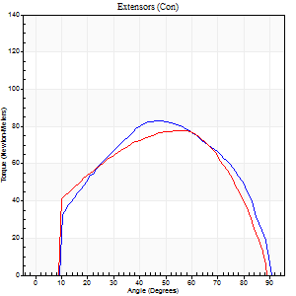
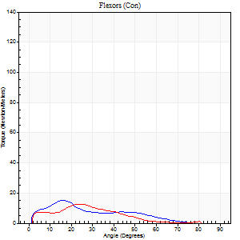
Right Side Curves Left Side Curves
Isokinetic Con/Con |  |  |  | Extensors (Con) |  | Flexors (Con)
Speed 120/120 d/s 3 Reps |  |  |  | Value | Cof Var | %BW | Value | Cof Var | %BW | Ratio

TORQUE PARAMETERS
Peak Torque (Newton-Meters - Best Repetition)
Right |  |  |  | 83 | 0.06 | 128 | 15 | 0.39 | 24 | 18
Left |  |  |  | 77 | 0.06 | 119 | 12 | 0.51 | 18 | 16
Deficit |  |  |  | 7 |  |  | 18
Work per Repetition (Newton-Meters - Best Repetition)
Right |  |  |  | 88 | 0.01 | 134 | 9 | 0.41 | 15 | 11
Left |  |  |  | 85 | 0.02 | 131 | 11 | 0.65 | 18 | 13
Deficit |  |  |  | 3 |  |  | 13
Average Power per Repetition (Watts - Best Repetition)
Right |  |  |  | 104 | 0.03 | 160 | 12 | 0.52 | 18 | 12
Left |  |  |  | 99 | 0.01 | 152 | 12 | 0.72 | 18 | 12
Deficit |  |  |  | 5 |  |  | 0
POSITION PARAMETERS
Joint Angle at Peak Torque (Degrees)
Right |  |  |  | 48 | 0.06 |  | 18 | 0.14
Left |  |  |  | 51 | 0.22 |  | 14 | 0.76
Range of Motion (Degrees)
Right |  |  |  | 0 | 0.71 |  | 90 | 0
Left |  |  |  | 0 | 0.85 |  | 90 | 0.01
TIME PARAMETERS
Time to Peak Torque (Seconds)
Right |  |  |  | 0.39 | 0.09 |  | 0.21 | 0.27
Left |  |  |  | 0.38 | 0.31 |  | 0.21 | 0.45
Time Peak Torque Held (Seconds)
Right |  |  |  | 0.04 | 0.31 |  | 0.02 | 0.92
Left |  |  |  | 0.04 | 0.71 |  | 0.01 | 1.73
Force Decay Time (Seconds)
Right |  |  |  | 0.41 | 0.08 |  | 0.71 | 0.17
Left |  |  |  | 0.44 | 0.13 |  | 0.74 | 0.29
Reciprocal Delay (Seconds)
Right |  |  |  | 0.15 | 0.34 |  | 0.12 | 0.36
Left |  |  |  | 0.09 | 0.08 |  | 0.18 | 0.36
Delay Time (Seconds)
Right |  |  |  | -0.01 | 0 |  | 0.02 | 0.65
Left |  |  |  | 0 | -1.41 |  | -0.01 | -2.29
HUMAC2015® Version: 15.000.0074 © Computer Sports Medicine, Inc. www.csmisolutions.com

Use File, Preference to set Report Heading
Long Form Torque vs. Position Report - Knee Extension/Flexion
Name: |  |  |  | 3023 | ID: | 3023 | Right/Left: | 21.09.2021 21.09.2021
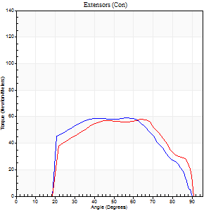
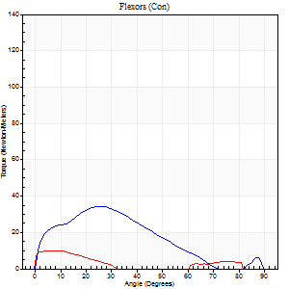
Right Side Curves Left Side Curves
Isokinetic Con/Con |  |  |  | Extensors (Con) |  | Flexors (Con)
Speed 240/240 d/s 3 Reps |  |  |  | Value | Cof Var | %BW | Value | Cof Var | %BW | Ratio

TORQUE PARAMETERS
Peak Torque (Newton-Meters - Best Repetition)
Right |  |  |  | 58 | 0.03 | 89 | 34 | 0.29 | 51 | 58
Left |  |  |  | 58 | 0.04 | 89 | 9 | 0.26 | 15 | 16
Deficit |  |  |  | 0 |  |  | 72
Work per Repetition (Newton-Meters - Best Repetition)
Right |  |  |  | 60 | 0.04 | 92 | 27 | 0.34 | 42 | 45
Left |  |  |  | 58 | 0.05 | 89 | 5 | 0.48 | 9 | 9
Deficit |  |  |  | 2 |  |  | 80
Average Power per Repetition (Watts - Best Repetition)
Right |  |  |  | 108 | 0.07 | 167 | 49 | 0.3 | 75 | 45
Left |  |  |  | 105 | 0.12 | 160 | 4 | 0.55 | 7 | 4
Deficit |  |  |  | 3 |  |  | 92
POSITION PARAMETERS
Joint Angle at Peak Torque (Degrees)
Right |  |  |  | 55 | 0.1 |  | 25 | 0.03
Left |  |  |  | 59 | 0.11 |  | 6 | 0.65
Range of Motion (Degrees)
Right |  |  |  | 1 | 0.22 |  | 90 | 0.01
Left |  |  |  | 0 | 1.2 |  | 90 | 0
TIME PARAMETERS
Time to Peak Torque (Seconds)
Right |  |  |  | 0.27 | 0.19 |  | 0.19 | 0.06
Left |  |  |  | 0.23 | 0.12 |  | 0.18 | 0.63
Time Peak Torque Held (Seconds)
Right |  |  |  | 0.01 | 1.73 |  | 0.01 | 0.43
Left |  |  |  | 0.01 | 1 |  | 0 | 0
Force Decay Time (Seconds)
Right |  |  |  | 0.29 | 0.1 |  | 0.31 | 0.09
Left |  |  |  | 0.35 | 0.02 |  | 1.06 | 0.14
Reciprocal Delay (Seconds)
Right |  |  |  | 0.08 | 0.18 |  | 0.08 | 0.12
Left |  |  |  | 0.19 | 0.15 |  | 0.21 | 0.44
Delay Time (Seconds)
Right |  |  |  | -0.05 | -0.28 |  | -0.01 | -1.15
Left |  |  |  | -0.05 | -0.28 |  | -0.04 | -0.25
HUMAC2015® Version: 15.000.0074 © Computer Sports Medicine, Inc. www.csmisolutions.com

Use File, Preference to set Report Heading
Isometric - Knee Extension/Flexion
Name: |  |  |  | 3023 | ID: | 3023 | Right/Left: | 21.09.2021 21.09.2021

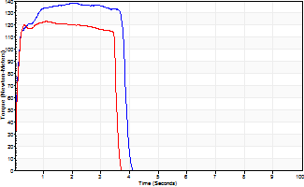
Isometric Extensors (Con) Angle 60 Time 10 Repetition 2 (Best Repetition)
 | Value | Cof Var | %BW
Peak Torque (Newton-Meters)
Right | 138 | 0.04 | 212
Left | 123 | 0.01 | 191
Deficit | 11
Average Torque (Newton-Meters)
Right | 50 | 0.12 | 77
Left | 42 | 0.01 | 66
Deficit | 16
Peak Torque Slope (Newton-Meters/Seconds)
Right | 68 | 0.34 | 105
Left | 135 | 0.13 | 208 |  | Right Side Curves Left Side Curves
Deficit | 50
Time to Half Peak Torque (Seconds)
Right | 0.09 | 0.08
Left | 0.08 | 0.09
Time to Peak Torque (Seconds)
Right | 2.57 | 0.3
Left | 0.99 | 0.14
HUMAC2015® Version: 15.000.0074 © Computer Sports Medicine, Inc. www.csmisolutions.com

mid1
Use File, Preference to set Report Heading
Long Form Torque vs. Position Report - Knee Extension/Flexion
Name: |  |  |  | 3023 | ID: | 3023 | Right/Left: | 02.11.2021 02.11.2021
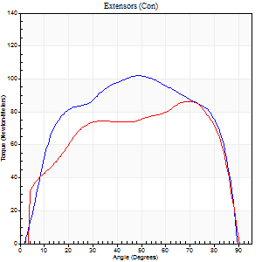
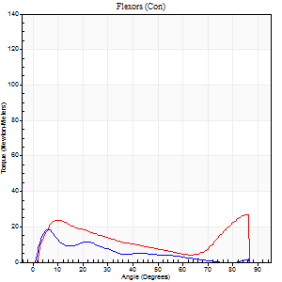
Right Side Curves Left Side Curves
Isokinetic Con/Con |  |  |  | Extensors (Con) |  | Flexors (Con)
Speed 60/60 d/s 3 Reps |  |  |  | Value | Cof Var | %BW | Value | Cof Var | %BW | Ratio

TORQUE PARAMETERS
Peak Torque (Newton-Meters - Best Repetition)
Right |  |  |  | 102 | 0.05 | 155 | 19 | 0.4 | 30 | 19
Left |  |  |  | 87 | 0.06 | 134 | 27 | 0.48 | 42 | 31
Deficit |  |  |  | 15 |  |  | 30
Work per Repetition (Newton-Meters - Best Repetition)
Right |  |  |  | 121 | 0.02 | 185 | 9 | 0.24 | 15 | 8
Left |  |  |  | 100 | 0.03 | 155 | 26 | 0.5 | 39 | 26
Deficit |  |  |  | 17 |  |  | 63
Average Power per Repetition (Watts - Best Repetition)
Right |  |  |  | 79 | 0.03 | 121 | 6 | 0.26 | 9 | 8
Left |  |  |  | 65 | 0.03 | 99 | 17 | 0.5 | 26 | 26
Deficit |  |  |  | 18 |  |  | 65
POSITION PARAMETERS
Joint Angle at Peak Torque (Degrees)
Right |  |  |  | 50 | 0.04 |  | 18 | 1
Left |  |  |  | 64 | 0.08 |  | 36 | 1.19
Range of Motion (Degrees)
Right |  |  |  | 0 | 4.24 |  | 90 | 0
Left |  |  |  | 0 | -1.41 |  | 90 | 0
TIME PARAMETERS
Time to Peak Torque (Seconds)
Right |  |  |  | 0.66 | 0.05 |  | 0.32 | 1.04
Left |  |  |  | 0.48 | 0.04 |  | 0.61 | 1.15
Time Peak Torque Held (Seconds)
Right |  |  |  | 0.07 | 0.48 |  | 0 | 1.73
Left |  |  |  | 0.03 | 0.43 |  | 0.2 | 1.44
Force Decay Time (Seconds)
Right |  |  |  | 0.78 | 0.06 |  | 1.26 | 0.25
Left |  |  |  | 1.07 | 0.06 |  | 0.73 | 0.8
Reciprocal Delay (Seconds)
Right |  |  |  | 0.23 | 0.06 |  | 0.16 | 0.48
Left |  |  |  | 0.19 | 0.22 |  | 0.16 | 0.49
Delay Time (Seconds)
Right |  |  |  | 0.01 | 0 |  | 0.06 | 1.36
Left |  |  |  | 0.02 | 0.28 |  | 0.03 | 0.33
HUMAC2015® Version: 15.000.0074 © Computer Sports Medicine, Inc. www.csmisolutions.com

Use File, Preference to set Report Heading
Long Form Torque vs. Position Report - Knee Extension/Flexion
Name: |  |  |  | 3023 | ID: | 3023 | Right/Left: | 02.11.2021 02.11.2021
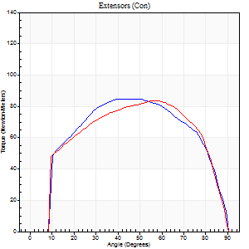
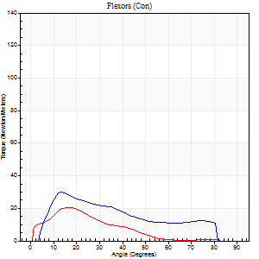
Right Side Curves Left Side Curves
Isokinetic Con/Con |  |  |  | Extensors (Con) |  | Flexors (Con)
Speed 120/120 d/s 3 Reps |  |  |  | Value | Cof Var | %BW | Value | Cof Var | %BW | Ratio

TORQUE PARAMETERS
Peak Torque (Newton-Meters - Best Repetition)
Right |  |  |  | 85 | 0.02 | 131 | 30 | 0.13 | 45 | 35
Left |  |  |  | 84 | 0.06 | 128 | 20 | 0.46 | 30 | 24
Deficit |  |  |  | 2 |  |  | 32
Work per Repetition (Newton-Meters - Best Repetition)
Right |  |  |  | 98 | 0.02 | 149 | 23 | 0.25 | 36 | 24
Left |  |  |  | 94 | 0.04 | 143 | 11 | 0.52 | 18 | 12
Deficit |  |  |  | 4 |  |  | 53
Average Power per Repetition (Watts - Best Repetition)
Right |  |  |  | 116 | 0.04 | 178 | 29 | 0.23 | 44 | 25
Left |  |  |  | 106 | 0.04 | 163 | 13 | 0.52 | 20 | 12
Deficit |  |  |  | 9 |  |  | 55
POSITION PARAMETERS
Joint Angle at Peak Torque (Degrees)
Right |  |  |  | 44 | 0.05 |  | 12 | 0.06
Left |  |  |  | 52 | 0.22 |  | 38 | 1.2
Range of Motion (Degrees)
Right |  |  |  | 0 | 0.33 |  | 90 | 0
Left |  |  |  | 0 | 0.28 |  | 90 | 0
TIME PARAMETERS
Time to Peak Torque (Seconds)
Right |  |  |  | 0.44 | 0.08 |  | 0.1 | 0.1
Left |  |  |  | 0.31 | 0.05 |  | 0.43 | 1.07
Time Peak Torque Held (Seconds)
Right |  |  |  | 0.04 | 0.35 |  | 0.01 | 0.87
Left |  |  |  | 0.02 | 0.5 |  | 0 | 1.73
Force Decay Time (Seconds)
Right |  |  |  | 0.36 | 0.11 |  | 0.68 | 0.07
Left |  |  |  | 0.48 | 0.2 |  | 0.45 | 0.94
Reciprocal Delay (Seconds)
Right |  |  |  | 0.13 | 0.22 |  | 0.09 | 0.37
Left |  |  |  | 0.18 | 0.16 |  | 0.15 | 0.18
Delay Time (Seconds)
Right |  |  |  | -0.02 | -0.71 |  | 0.04 | 0.42
Left |  |  |  | -0.01 | -0.47 |  | 0 | -4.58
HUMAC2015® Version: 15.000.0074 © Computer Sports Medicine, Inc. www.csmisolutions.com

Use File, Preference to set Report Heading
Long Form Torque vs. Position Report - Knee Extension/Flexion
Name: |  |  |  | 3023 | ID: | 3023 | Right/Left: | 02.11.2021 02.11.2021
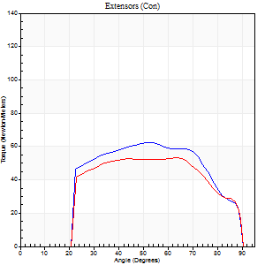
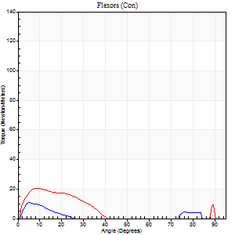
Right Side Curves Left Side Curves
Isokinetic Con/Con |  |  |  | Extensors (Con) |  | Flexors (Con)
Speed 240/240 d/s 3 Reps |  |  |  | Value | Cof Var | %BW | Value | Cof Var | %BW | Ratio

TORQUE PARAMETERS
Peak Torque (Newton-Meters - Best Repetition)
Right |  |  |  | 62 | 0.01 | 95 | 11 | 0.35 | 18 | 17
Left |  |  |  | 53 | 0.02 | 80 | 20 | 0.26 | 30 | 38
Deficit |  |  |  | 15 |  |  | 47
Work per Repetition (Newton-Meters - Best Repetition)
Right |  |  |  | 64 | 0.02 | 98 | 4 | 0.26 | 6 | 6
Left |  |  |  | 56 | 0.05 | 86 | 9 | 0.49 | 15 | 17
Deficit |  |  |  | 13 |  |  | 57
Average Power per Repetition (Watts - Best Repetition)
Right |  |  |  | 126 | 0.05 | 193 | 6 | 0.54 | 9 | 5
Left |  |  |  | 101 | 0.03 | 156 | 14 | 0.5 | 22 | 14
Deficit |  |  |  | 20 |  |  | 57
POSITION PARAMETERS
Joint Angle at Peak Torque (Degrees)
Right |  |  |  | 51 | 0.03 |  | 14 | 0.66
Left |  |  |  | 56 | 0.12 |  | 6 | 0.5
Range of Motion (Degrees)
Right |  |  |  | 1 | 0.06 |  | 90 | 0
Left |  |  |  | 1 | 0.44 |  | 90 | 0
TIME PARAMETERS
Time to Peak Torque (Seconds)
Right |  |  |  | 0.24 | 0.06 |  | 0.23 | 0.86
Left |  |  |  | 0.23 | 0.12 |  | 0.09 | 0.16
Time Peak Torque Held (Seconds)
Right |  |  |  | 0.01 | 0.43 |  | 0.04 | 1.03
Left |  |  |  | 0.05 | 0.87 |  | 0.02 | 0.69
Force Decay Time (Seconds)
Right |  |  |  | 0.25 | 0.02 |  | 0.72 | 0.37
Left |  |  |  | 0.25 | 0.08 |  | 0.58 | 0.07
Reciprocal Delay (Seconds)
Right |  |  |  | 0.13 | 0.33 |  | 0.07 | 0.09
Left |  |  |  | 0.33 | 0.09 |  | 0.09 | 0.29
Delay Time (Seconds)
Right |  |  |  | -0.02 | -0.28 |  | -0.01 | -2.29
Left |  |  |  | -0.04 | -0.2 |  | -0.02 | -0.25
HUMAC2015® Version: 15.000.0074 © Computer Sports Medicine, Inc. www.csmisolutions.com

Use File, Preference to set Report Heading
Isometric - Knee Extension/Flexion
Name: |  |  |  | 3023 | ID: | 3023 | Right/Left: | 02.11.2021 02.11.2021

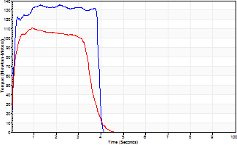
Isometric Extensors (Con) Angle 60 Time 10 Repetition 2 (Best Repetition)
 | Value | Cof Var | %BW
Peak Torque (Newton-Meters)
Right | 136 | 0.03 | 209
Left | 111 | 0.02 | 170
Deficit | 18
Average Torque (Newton-Meters)
Right | 50 | 0.05 | 77
Left | 39 | 0.05 | 60
Deficit | 22
Peak Torque Slope (Newton-Meters/Seconds)
Right | 96 | 0.29 | 147
Left | 121 | 0.31 | 185 |  | Right Side Curves Left Side Curves
Deficit | 21
Time to Half Peak Torque (Seconds)
Right | 0.09 | 0.07
Left | 0.09 | 0.08
Time to Peak Torque (Seconds)
Right | 1.75 | 0.33
Left | 1.15 | 0.3
HUMAC2015® Version: 15.000.0074 © Computer Sports Medicine, Inc. www.csmisolutions.com

mid2
Use File, Preference to set Report Heading
Long Form Torque vs. Position Report - Knee Extension/Flexion
Name: |  |  |  | 3023 | ID: | 3023 | Right/Left: | 04.11.2021 04.11.2021
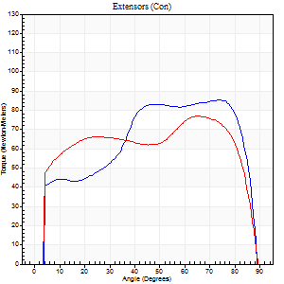
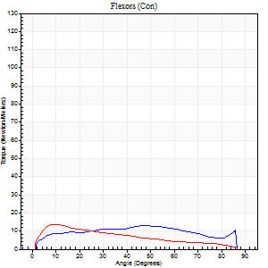
Right Side Curves Left Side Curves
Isokinetic Con/Con |  |  |  | Extensors (Con) |  | Flexors (Con)
Speed 60/60 d/s 3 Reps |  |  |  | Value | Cof Var | %BW | Value | Cof Var | %BW | Ratio

TORQUE PARAMETERS
Peak Torque (Newton-Meters - Best Repetition)
Right |  |  |  | 85 | 0.02 | 131 | 14 | 0.27 | 21 | 16
Left |  |  |  | 77 | 0.03 | 119 | 14 | 0.47 | 21 | 18
Deficit |  |  |  | 10 |  |  | 0
Work per Repetition (Newton-Meters - Best Repetition)
Right |  |  |  | 98 | 0.03 | 149 | 15 | 0.41 | 24 | 15
Left |  |  |  | 94 | 0.07 | 143 | 12 | 0.51 | 18 | 13
Deficit |  |  |  | 4 |  |  | 18
Average Power per Repetition (Watts - Best Repetition)
Right |  |  |  | 63 | 0.02 | 97 | 9 | 0.39 | 13 | 14
Left |  |  |  | 59 | 0.06 | 90 | 7 | 0.54 | 11 | 12
Deficit |  |  |  | 6 |  |  | 22
POSITION PARAMETERS
Joint Angle at Peak Torque (Degrees)
Right |  |  |  | 66 | 0.21 |  | 39 | 0.21
Left |  |  |  | 71 | 0.06 |  | 36 | 0.66
Range of Motion (Degrees)
Right |  |  |  | 0 | -1.41 |  | 90 | 0
Left |  |  |  | 0 | -0.47 |  | 90 | 0
TIME PARAMETERS
Time to Peak Torque (Seconds)
Right |  |  |  | 0.26 | 0.05 |  | 0.66 | 0.23
Left |  |  |  | 0.26 | 0.03 |  | 0.71 | 0.71
Time Peak Torque Held (Seconds)
Right |  |  |  | 0.06 | 0.2 |  | 0.09 | 0.95
Left |  |  |  | 0.03 | 0.33 |  | 0.07 | 0.44
Force Decay Time (Seconds)
Right |  |  |  | 1.09 | 0.22 |  | 0.76 | 0.06
Left |  |  |  | 1.2 | 0.06 |  | 0.87 | 0.47
Reciprocal Delay (Seconds)
Right |  |  |  | 0.19 | 0.25 |  | 0.25 | 0.18
Left |  |  |  | 0.25 | 0.06 |  | 0.26 | 0.29
Delay Time (Seconds)
Right |  |  |  | 0.02 | 0 |  | 0.05 | 0.45
Left |  |  |  | 0.02 | 0.28 |  | 0.01 | 4.82
HUMAC2015® Version: 15.000.0074 © Computer Sports Medicine, Inc. www.csmisolutions.com

Use File, Preference to set Report Heading
Long Form Torque vs. Position Report - Knee Extension/Flexion
Name: |  |  |  | 3023 | ID: | 3023 | Right/Left: | 04.11.2021 04.11.2021
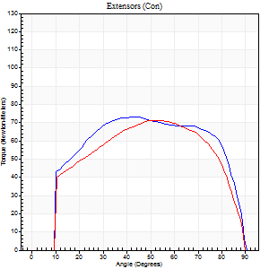
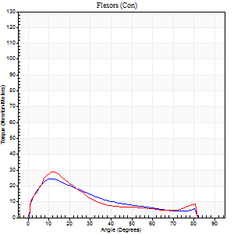
Right Side Curves Left Side Curves
Isokinetic Con/Con |  |  |  | Extensors (Con) |  | Flexors (Con)
Speed 120/120 d/s 3 Reps |  |  |  | Value | Cof Var | %BW | Value | Cof Var | %BW | Ratio

TORQUE PARAMETERS
Peak Torque (Newton-Meters - Best Repetition)
Right |  |  |  | 73 | 0.04 | 113 | 24 | 0.58 | 39 | 33
Left |  |  |  | 72 | 0.01 | 110 | 28 | 0.41 | 45 | 40
Deficit |  |  |  | 2 |  |  | 14
Work per Repetition (Newton-Meters - Best Repetition)
Right |  |  |  | 87 | 0.04 | 134 | 16 | 0.52 | 24 | 19
Left |  |  |  | 79 | 0.03 | 122 | 16 | 0.36 | 24 | 21
Deficit |  |  |  | 9 |  |  | 0
Average Power per Repetition (Watts - Best Repetition)
Right |  |  |  | 99 | 0.03 | 152 | 19 | 0.53 | 29 | 19
Left |  |  |  | 89 | 0.03 | 136 | 19 | 0.42 | 29 | 21
Deficit |  |  |  | 10 |  |  | 0
POSITION PARAMETERS
Joint Angle at Peak Torque (Degrees)
Right |  |  |  | 57 | 0.27 |  | 19 | 0.4
Left |  |  |  | 57 | 0.11 |  | 37 | 1.03
Range of Motion (Degrees)
Right |  |  |  | 0 | 0.47 |  | 90 | 0
Left |  |  |  | 0 | 0.71 |  | 90 | 0
TIME PARAMETERS
Time to Peak Torque (Seconds)
Right |  |  |  | 0.38 | 0.2 |  | 0.2 | 0.36
Left |  |  |  | 0.28 | 0 |  | 0.4 | 0.94
Time Peak Torque Held (Seconds)
Right |  |  |  | 0.04 | 0.96 |  | 0.01 | 1
Left |  |  |  | 0.01 | 0.87 |  | 0.01 | 0.87
Force Decay Time (Seconds)
Right |  |  |  | 0.48 | 0.26 |  | 0.63 | 0.08
Left |  |  |  | 0.54 | 0.07 |  | 0.47 | 0.6
Reciprocal Delay (Seconds)
Right |  |  |  | 0.14 | 0.2 |  | 0.1 | 0.26
Left |  |  |  | 0.14 | 0.2 |  | 0.15 | 0.24
Delay Time (Seconds)
Right |  |  |  | -0.01 | 0 |  | 0.03 | 0.88
Left |  |  |  | 0 | 1.41 |  | -0.02 | -0.87
HUMAC2015® Version: 15.000.0074 © Computer Sports Medicine, Inc. www.csmisolutions.com

Use File, Preference to set Report Heading
Long Form Torque vs. Position Report - Knee Extension/Flexion
Name: |  |  |  | 3023 | ID: | 3023 | Right/Left: | 04.11.2021 04.11.2021
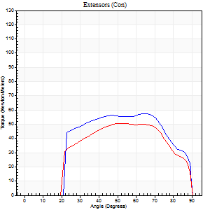
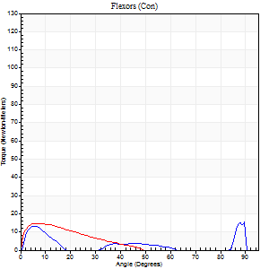
Right Side Curves Left Side Curves
Isokinetic Con/Con |  |  |  | Extensors (Con) |  | Flexors (Con)
Speed 240/240 d/s 3 Reps |  |  |  | Value | Cof Var | %BW | Value | Cof Var | %BW | Ratio

TORQUE PARAMETERS
Peak Torque (Newton-Meters - Best Repetition)
Right |  |  |  | 57 | 0.01 | 86 | 18 | 0.3 | 27 | 31
Left |  |  |  | 50 | 0.08 | 77 | 15 | 0.29 | 24 | 30
Deficit |  |  |  | 12 |  |  | 15
Work per Repetition (Newton-Meters - Best Repetition)
Right |  |  |  | 60 | 0.02 | 92 | 7 | 0.18 | 9 | 11
Left |  |  |  | 50 | 0.07 | 77 | 7 | 0.5 | 9 | 14
Deficit |  |  |  | 16 |  |  | 0
Average Power per Repetition (Watts - Best Repetition)
Right |  |  |  | 108 | 0.01 | 167 | 11 | 0.25 | 18 | 10
Left |  |  |  | 99 | 0.1 | 152 | 14 | 0.78 | 22 | 14
Deficit |  |  |  | 8 |  |  | 21
POSITION PARAMETERS
Joint Angle at Peak Torque (Degrees)
Right |  |  |  | 61 | 0.14 |  | 61 | 0.81
Left |  |  |  | 55 | 0.03 |  | 7 | 0.11
Range of Motion (Degrees)
Right |  |  |  | 0 | 0 |  | 90 | 0
Left |  |  |  | 1 | 0.3 |  | 89 | 0.01
TIME PARAMETERS
Time to Peak Torque (Seconds)
Right |  |  |  | 0.22 | 0.19 |  | 0.54 | 0.72
Left |  |  |  | 0.23 | 0 |  | 0.12 | 0.1
Time Peak Torque Held (Seconds)
Right |  |  |  | 0.01 | 1 |  | 0 | 0
Left |  |  |  | 0.02 | 1 |  | 0.01 | 1
Force Decay Time (Seconds)
Right |  |  |  | 0.31 | 0.11 |  | 0.1 | 3.7
Left |  |  |  | 0.27 | 0.1 |  | 0.62 | 0.35
Reciprocal Delay (Seconds)
Right |  |  |  | 0.24 | 0.21 |  | 0.08 | 0.2
Left |  |  |  | 0.09 | 0.07 |  | 0.07 | 0.21
Delay Time (Seconds)
Right |  |  |  | -0.03 | 0 |  | 0 | -6.24
Left |  |  |  | 0 | -1.41 |  | -0.03 | 0
HUMAC2015® Version: 15.000.0074 © Computer Sports Medicine, Inc. www.csmisolutions.com

Use File, Preference to set Report Heading
Isometric - Knee Extension/Flexion
Name: |  |  |  | 3023 | ID: | 3023 | Right/Left: | 04.11.2021 04.11.2021

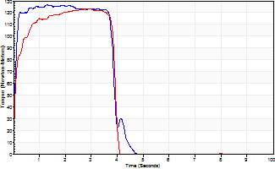
Isometric Extensors (Con) Angle 60 Time 10 Repetition 2 (Best Repetition)
 | Value | Cof Var | %BW
Peak Torque (Newton-Meters)
Right | 126 | 0.02 | 194
Left | 123 | 0.08 | 191
Deficit | 2
Average Torque (Newton-Meters)
Right | 49 | 0.02 | 75
Left | 45 | 0.01 | 69
Deficit | 8
Peak Torque Slope (Newton-Meters/Seconds)
Right | 98 | 0.45 | 151
Left | 63 | 0.28 | 96 |  | Right Side Curves Left Side Curves
Deficit | 36
Time to Half Peak Torque (Seconds)
Right | 0.08 | 0.09
Left | 0.12 | 0.4
Time to Peak Torque (Seconds)
Right | 1.84 | 0.43
Left | 2.33 | 0.35
HUMAC2015® Version: 15.000.0074 © Computer Sports Medicine, Inc. www.csmisolutions.com

post1
Use File, Preference to set Report Heading
Long Form Torque vs. Position Report - Knee Extension/Flexion
Name: |  |  |  | 3023 | ID: | 3023 | Right/Left: | 30.11.2021 30.11.2021
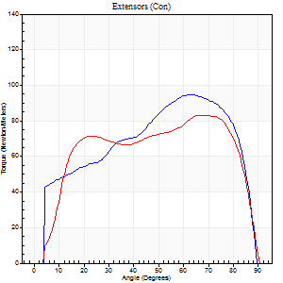
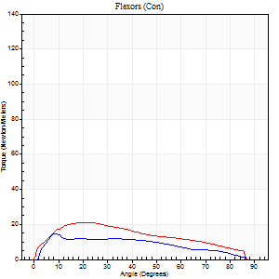
Right Side Curves Left Side Curves
Isokinetic Con/Con |  |  |  | Extensors (Con) |  | Flexors (Con)
Speed 60/60 d/s 3 Reps |  |  |  | Value | Cof Var | %BW | Value | Cof Var | %BW | Ratio

TORQUE PARAMETERS
Peak Torque (Newton-Meters - Best Repetition)
Right |  |  |  | 95 | 0.05 | 146 | 15 | 0.19 | 24 | 16
Left |  |  |  | 83 | 0.01 | 128 | 22 | 0.53 | 33 | 26
Deficit |  |  |  | 13 |  |  | 31
Work per Repetition (Newton-Meters - Best Repetition)
Right |  |  |  | 104 | 0.02 | 161 | 14 | 0.24 | 21 | 13
Left |  |  |  | 104 | 0.03 | 161 | 20 | 0.57 | 30 | 19
Deficit |  |  |  | 0 |  |  | 33
Average Power per Repetition (Watts - Best Repetition)
Right |  |  |  | 67 | 0.03 | 103 | 8 | 0.23 | 13 | 12
Left |  |  |  | 67 | 0.04 | 103 | 13 | 0.58 | 20 | 19
Deficit |  |  |  | 0 |  |  | 38
POSITION PARAMETERS
Joint Angle at Peak Torque (Degrees)
Right |  |  |  | 63 | 0.01 |  | 18 | 0.82
Left |  |  |  | 68 | 0.03 |  | 26 | 0.35
Range of Motion (Degrees)
Right |  |  |  | 0 | 0.71 |  | 90 | 0
Left |  |  |  | 0 | -0.47 |  | 90 | 0
TIME PARAMETERS
Time to Peak Torque (Seconds)
Right |  |  |  | 0.47 | 0.02 |  | 0.3 | 0.89
Left |  |  |  | 0.37 | 0.14 |  | 0.51 | 0.36
Time Peak Torque Held (Seconds)
Right |  |  |  | 0.05 | 0.33 |  | 0.01 | 1
Left |  |  |  | 0.05 | 0.29 |  | 0 | 0
Force Decay Time (Seconds)
Right |  |  |  | 1.05 | 0.01 |  | 1.23 | 0.2
Left |  |  |  | 1.12 | 0.04 |  | 1.09 | 0.19
Reciprocal Delay (Seconds)
Right |  |  |  | 0.25 | 0.14 |  | 0.25 | 0.26
Left |  |  |  | 0.2 | 0.03 |  | 0.31 | 0.28
Delay Time (Seconds)
Right |  |  |  | 0 | 1.41 |  | 0.06 | 0.29
Left |  |  |  | 0.02 | 0 |  | -0.02 | -0.5
HUMAC2015® Version: 15.000.0074 © Computer Sports Medicine, Inc. www.csmisolutions.com

Use File, Preference to set Report Heading
Long Form Torque vs. Position Report - Knee Extension/Flexion
Name: |  |  |  | 3023 | ID: | 3023 | Right/Left: | 30.11.2021 30.11.2021
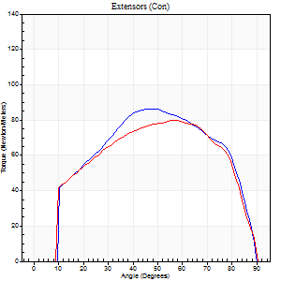
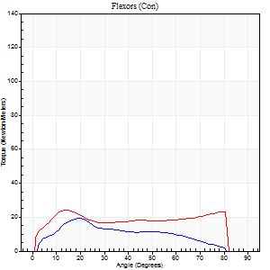
Right Side Curves Left Side Curves
Isokinetic Con/Con |  |  |  | Extensors (Con) |  | Flexors (Con)
Speed 120/120 d/s 3 Reps |  |  |  | Value | Cof Var | %BW | Value | Cof Var | %BW | Ratio

TORQUE PARAMETERS
Peak Torque (Newton-Meters - Best Repetition)
Right |  |  |  | 87 | 0.06 | 134 | 19 | 0.33 | 30 | 22
Left |  |  |  | 80 | 0.03 | 122 | 24 | 0.64 | 39 | 31
Deficit |  |  |  | 8 |  |  | 22
Work per Repetition (Newton-Meters - Best Repetition)
Right |  |  |  | 92 | 0.02 | 143 | 18 | 0.36 | 27 | 19
Left |  |  |  | 88 | 0.04 | 134 | 27 | 0.88 | 42 | 31
Deficit |  |  |  | 4 |  |  | 35
Average Power per Repetition (Watts - Best Repetition)
Right |  |  |  | 105 | 0.02 | 160 | 21 | 0.37 | 33 | 20
Left |  |  |  | 101 | 0.02 | 156 | 32 | 0.91 | 48 | 32
Deficit |  |  |  | 4 |  |  | 34
POSITION PARAMETERS
Joint Angle at Peak Torque (Degrees)
Right |  |  |  | 50 | 0.06 |  | 12 | 0.65
Left |  |  |  | 57 | 0 |  | 11 | 0.5
Range of Motion (Degrees)
Right |  |  |  | 0 | 0.39 |  | 90 | 0
Left |  |  |  | 0 | 0.28 |  | 90 | 0
TIME PARAMETERS
Time to Peak Torque (Seconds)
Right |  |  |  | 0.36 | 0 |  | 0.13 | 0.43
Left |  |  |  | 0.31 | 0.09 |  | 0.16 | 0.16
Time Peak Torque Held (Seconds)
Right |  |  |  | 0.02 | 0.5 |  | 0.01 | 1.73
Left |  |  |  | 0.02 | 0.35 |  | 0.02 | 0.49
Force Decay Time (Seconds)
Right |  |  |  | 0.47 | 0.03 |  | 0.69 | 0.13
Left |  |  |  | 0.53 | 0.02 |  | 0.69 | 0.08
Reciprocal Delay (Seconds)
Right |  |  |  | 0.15 | 0.05 |  | 0.11 | 0.1
Left |  |  |  | 0.1 | 0.28 |  | 0.15 | 0.14
Delay Time (Seconds)
Right |  |  |  | 0 | -1.41 |  | 0.01 | 1.73
Left |  |  |  | 0 | -4.24 |  | 0 | 1.73
HUMAC2015® Version: 15.000.0074 © Computer Sports Medicine, Inc. www.csmisolutions.com

Use File, Preference to set Report Heading
Long Form Torque vs. Position Report - Knee Extension/Flexion
Name: |  |  |  | 3023 | ID: | 3023 | Right/Left: | 30.11.2021 30.11.2021
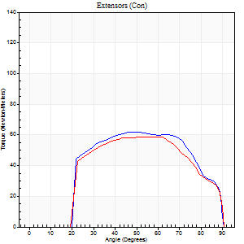
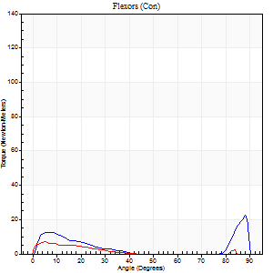
Right Side Curves Left Side Curves
Isokinetic Con/Con |  |  |  | Extensors (Con) |  | Flexors (Con)
Speed 240/240 d/s 3 Reps |  |  |  | Value | Cof Var | %BW | Value | Cof Var | %BW | Ratio

TORQUE PARAMETERS
Peak Torque (Newton-Meters - Best Repetition)
Right |  |  |  | 62 | 0.02 | 95 | 22 | 0.48 | 33 | 35
Left |  |  |  | 58 | 0.01 | 89 | 7 | 0.22 | 9 | 12
Deficit |  |  |  | 7 |  |  | 69
Work per Repetition (Newton-Meters - Best Repetition)
Right |  |  |  | 65 | 0.04 | 101 | 7 | 0.2 | 9 | 10
Left |  |  |  | 60 | 0.02 | 92 | 3 | 0.33 | 3 | 5
Deficit |  |  |  | 8 |  |  | 60
Average Power per Repetition (Watts - Best Repetition)
Right |  |  |  | 122 | 0.05 | 187 | 10 | 0.28 | 15 | 8
Left |  |  |  | 103 | 0.02 | 158 | 3 | 0.46 | 4 | 3
Deficit |  |  |  | 16 |  |  | 70
POSITION PARAMETERS
Joint Angle at Peak Torque (Degrees)
Right |  |  |  | 50 | 0.07 |  | 61 | 0.78
Left |  |  |  | 52 | 0.1 |  | 3 | 0.82
Range of Motion (Degrees)
Right |  |  |  | 1 | 0.07 |  | 90 | 0
Left |  |  |  | 0 | 0 |  | 90 | 0
TIME PARAMETERS
Time to Peak Torque (Seconds)
Right |  |  |  | 0.27 | 0 |  | 0.47 | 0.69
Left |  |  |  | 0.25 | 0 |  | 0.15 | 0.59
Time Peak Torque Held (Seconds)
Right |  |  |  | 0.01 | 1 |  | 0 | 0
Left |  |  |  | 0.04 | 0.57 |  | 0 | 1.73
Force Decay Time (Seconds)
Right |  |  |  | 0.25 | 0.06 |  | 0.19 | 1.33
Left |  |  |  | 0.29 | 0.02 |  | 0.98 | 0.32
Reciprocal Delay (Seconds)
Right |  |  |  | 0.13 | 0.33 |  | 0.08 | 0.27
Left |  |  |  | 0.11 | 0.2 |  | 0.3 | 0.35
Delay Time (Seconds)
Right |  |  |  | -0.05 | -0.39 |  | -0.01 | -0.43
Left |  |  |  | -0.02 | -0.28 |  | -0.08 | -0.46
HUMAC2015® Version: 15.000.0074 © Computer Sports Medicine, Inc. www.csmisolutions.com

Use File, Preference to set Report Heading
Isometric - Knee Extension/Flexion
Name: |  |  |  | 3023 | ID: | 3023 | Right/Left: | 30.11.2021 30.11.2021

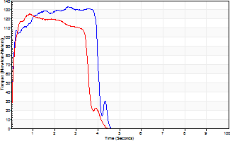
Isometric Extensors (Con) Angle 60 Time 10 Repetition 2 (Best Repetition)
 | Value | Cof Var | %BW
Peak Torque (Newton-Meters)
Right | 133 | 0.01 | 206
Left | 126 | 0.01 | 194
Deficit | 5
Average Torque (Newton-Meters)
Right | 57 | 0.09 | 86
Left | 42 | 0.01 | 66
Deficit | 26
Peak Torque Slope (Newton-Meters/Seconds)
Right | 66 | 0.19 | 102
Left | 148 | 0.62 | 227 |  | Right Side Curves Left Side Curves
Deficit | 55
Time to Half Peak Torque (Seconds)
Right | 0.09 | 0.07
Left | 0.09 | 0.16
Time to Peak Torque (Seconds)
Right | 2.29 | 0.19
Left | 1.49 | 0.62
HUMAC2015® Version: 15.000.0074 © Computer Sports Medicine, Inc. www.csmisolutions.com

