pre1
Use File, Preference to set Report Heading
Long Form Torque vs. Position Report - Knee Extension/Flexion
Name: |  |  |  | TR030FP3024, | ID: |  | Right/Left: | 17.09.2021 17.09.2021
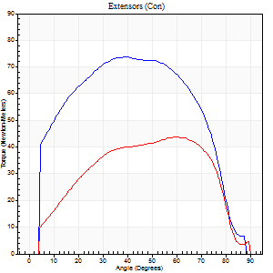
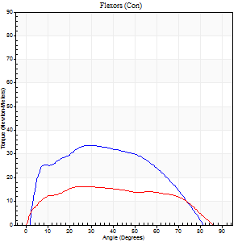
Right Side Curves Left Side Curves
Isokinetic Con/Con |  |  |  | Extensors (Con) |  | Flexors (Con)
Speed 60/60 d/s 3 Reps |  |  |  | Value | Cof Var | %BW | Value | Cof Var | %BW | Ratio

TORQUE PARAMETERS
Peak Torque (Newton-Meters - Best Repetition)
Right |  |  |  | 73 | 0.03 | 104 | 34 | 0.23 | 48 | 46
Left |  |  |  | 43 | 0.14 | 63 | 16 | 0.52 | 24 | 38
Deficit |  |  |  | 41 |  |  | 52
Work per Repetition (Newton-Meters - Best Repetition)
Right |  |  |  | 83 | 0.08 | 119 | 34 | 0.2 | 48 | 41
Left |  |  |  | 46 | 0.19 | 66 | 19 | 0.62 | 27 | 41
Deficit |  |  |  | 44 |  |  | 44
Average Power per Repetition (Watts - Best Repetition)
Right |  |  |  | 52 | 0.31 | 75 | 24 | 0.23 | 35 | 46
Left |  |  |  | 31 | 0.46 | 44 | 11 | 0.63 | 15 | 35
Deficit |  |  |  | 40 |  |  | 54
POSITION PARAMETERS
Joint Angle at Peak Torque (Degrees)
Right |  |  |  | 37 | 0.07 |  | 38 | 0.19
Left |  |  |  | 50 | 0.25 |  | 31 | 0.78
Range of Motion (Degrees)
Right |  |  |  | 0 | 0 |  | 86 | 0.02
Left |  |  |  | 0 | 0 |  | 89 | 0
TIME PARAMETERS
Time to Peak Torque (Seconds)
Right |  |  |  | 0.88 | 0.02 |  | 0.62 | 0.21
Left |  |  |  | 0.54 | 0.25 |  | 0.6 | 0.69
Time Peak Torque Held (Seconds)
Right |  |  |  | 0.08 | 0.45 |  | 0.05 | 1
Left |  |  |  | 0.06 | 0.5 |  | 0.06 | 1.73
Force Decay Time (Seconds)
Right |  |  |  | 0.57 | 0.09 |  | 0.79 | 0.1
Left |  |  |  | 0.79 | 0.24 |  | 0.95 | 0.39
Reciprocal Delay (Seconds)
Right |  |  |  | 0.09 | 0 |  | 0.18 | 0.13
Left |  |  |  | 0.16 | 0.35 |  | 0.18 | 0.15
Delay Time (Seconds)
Right |  |  |  | -0.05 | -0.28 |  | 0.05 | 0.35
Left |  |  |  | 0.12 | 0.28 |  | -0.03 | 0
HUMAC2015® Version: 15.000.0074 © Computer Sports Medicine, Inc. www.csmisolutions.com

Use File, Preference to set Report Heading
Long Form Torque vs. Position Report - Knee Extension/Flexion
Name: |  |  |  | TR030FP3024, | ID: |  | Right/Left: | 17.09.2021 17.09.2021
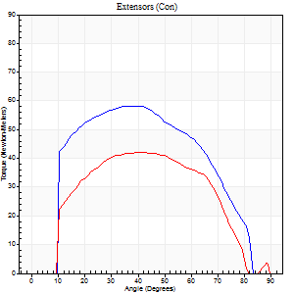
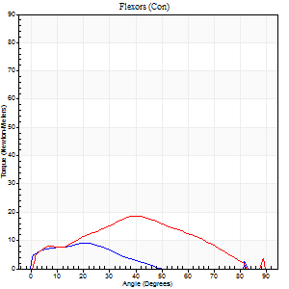
Right Side Curves Left Side Curves
Isokinetic Con/Con |  |  |  | Extensors (Con) |  | Flexors (Con)
Speed 120/120 d/s 3 Reps |  |  |  | Value | Cof Var | %BW | Value | Cof Var | %BW | Ratio

TORQUE PARAMETERS
Peak Torque (Newton-Meters - Best Repetition)
Right |  |  |  | 58 | 0.17 | 83 | 9 | 0.18 | 15 | 16
Left |  |  |  | 42 | 0.1 | 60 | 19 | 0.07 | 27 | 45
Deficit |  |  |  | 28 |  |  | 50
Work per Repetition (Newton-Meters - Best Repetition)
Right |  |  |  | 60 | 0.19 | 86 | 5 | 0.1 | 9 | 9
Left |  |  |  | 43 | 0.05 | 63 | 16 | 0.03 | 24 | 38
Deficit |  |  |  | 27 |  |  | 67
Average Power per Repetition (Watts - Best Repetition)
Right |  |  |  | 70 | 0.6 | 99 | 6 | 0.23 | 9 | 9
Left |  |  |  | 49 | 0.22 | 70 | 19 | 0.02 | 26 | 39
Deficit |  |  |  | 30 |  |  | 68
POSITION PARAMETERS
Joint Angle at Peak Torque (Degrees)
Right |  |  |  | 41 | 0.16 |  | 25 | 0.28
Left |  |  |  | 41 | 0 |  | 42 | 0.05
Range of Motion (Degrees)
Right |  |  |  | 0 | 0 |  | 86 | 0.04
Left |  |  |  | 0 | 0.71 |  | 89 | 0
TIME PARAMETERS
Time to Peak Torque (Seconds)
Right |  |  |  | 0.42 | 0.07 |  | 0.42 | 0.16
Left |  |  |  | 0.49 | 0.12 |  | 0.45 | 0.05
Time Peak Torque Held (Seconds)
Right |  |  |  | 0.04 | 0.42 |  | 0.04 | 0.57
Left |  |  |  | 0.02 | 1.38 |  | 0.03 | 0.22
Force Decay Time (Seconds)
Right |  |  |  | 0.38 | 0.17 |  | 0.69 | 0.39
Left |  |  |  | 0.37 | 0.12 |  | 0.4 | 0.07
Reciprocal Delay (Seconds)
Right |  |  |  | 0.08 | 0 |  | 0.43 | 0.33
Left |  |  |  | 0.09 | 0.07 |  | 0.11 | 0.38
Delay Time (Seconds)
Right |  |  |  | 0.06 | 2.07 |  | -0.05 | -0.66
Left |  |  |  | 0.11 | 0.07 |  | -0.02 | -0.25
HUMAC2015® Version: 15.000.0074 © Computer Sports Medicine, Inc. www.csmisolutions.com

Use File, Preference to set Report Heading
Long Form Torque vs. Position Report - Knee Extension/Flexion
Name: |  |  |  | TR030FP3024, | ID: |  | Right/Left: | 17.09.2021 17.09.2021
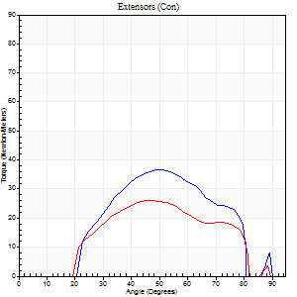
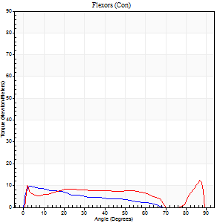
Right Side Curves Left Side Curves
Isokinetic Con/Con |  |  |  | Extensors (Con) |  | Flexors (Con)
Speed 240/240 d/s 3 Reps |  |  |  | Value | Cof Var | %BW | Value | Cof Var | %BW | Ratio

TORQUE PARAMETERS
Peak Torque (Newton-Meters - Best Repetition)
Right |  |  |  | 37 | 0.03 | 54 | 9 | 0.29 | 15 | 26
Left |  |  |  | 26 | 0.12 | 36 | 12 | 0.27 | 18 | 47
Deficit |  |  |  | 30 |  |  | 22
Work per Repetition (Newton-Meters - Best Repetition)
Right |  |  |  | 30 | 0.06 | 42 | 5 | 0.26 | 9 | 18
Left |  |  |  | 22 | 0.11 | 30 | 9 | 0.75 | 15 | 44
Deficit |  |  |  | 27 |  |  | 43
Average Power per Repetition (Watts - Best Repetition)
Right |  |  |  | 55 | 0.33 | 79 | 10 | 0.49 | 13 | 18
Left |  |  |  | 41 | 0.65 | 59 | 15 | 0.33 | 22 | 37
Deficit |  |  |  | 25 |  |  | 33
POSITION PARAMETERS
Joint Angle at Peak Torque (Degrees)
Right |  |  |  | 48 | 0.09 |  | 9 | 0.72
Left |  |  |  | 50 | 0.06 |  | 38 | 1.14
Range of Motion (Degrees)
Right |  |  |  | 1 | 0.82 |  | 89 | 0.01
Left |  |  |  | 1 | 0.33 |  | 89 | 0.01
TIME PARAMETERS
Time to Peak Torque (Seconds)
Right |  |  |  | 0.45 | 0.63 |  | 0.21 | 0.81
Left |  |  |  | 0.42 | 0.51 |  | 0.18 | 0.85
Time Peak Torque Held (Seconds)
Right |  |  |  | 0.01 | 1.73 |  | 0 | 0
Left |  |  |  | 0.01 | 1.73 |  | 0.1 | 1.73
Force Decay Time (Seconds)
Right |  |  |  | 0.27 | 0.08 |  | 0.54 | 0.09
Left |  |  |  | 0.26 | 0.06 |  | 0.2 | 0.89
Reciprocal Delay (Seconds)
Right |  |  |  | 0.08 | 0.09 |  | 0.12 | 0.33
Left |  |  |  | 0.06 | 0 |  | 0.07 | 0.38
Delay Time (Seconds)
Right |  |  |  | 0.3 | 0.9 |  | -0.03 | -0.43
Left |  |  |  | 0.11 | 1.8 |  | 0.14 | 2.24
HUMAC2015® Version: 15.000.0074 © Computer Sports Medicine, Inc. www.csmisolutions.com

Use File, Preference to set Report Heading
Isometric - Knee Extension/Flexion
Name: |  |  |  | TR030FP3024, | ID: |  | Right/Left: | 17.09.2021 17.09.2021

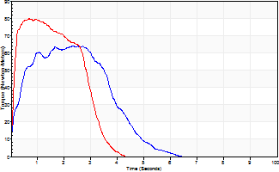
Isometric Extensors (Con) Angle 60 Time 10 Repetition 2 (Best Repetition)
 | Value | Cof Var | %BW
Peak Torque (Newton-Meters)
Right | 64 | 0.06 | 92
Left | 80 | 0.01 | 113
Deficit | 20
Average Torque (Newton-Meters)
Right | 24 | 0.03 | 36
Left | 27 | 0.16 | 39
Deficit | 10
Peak Torque Slope (Newton-Meters/Seconds)
Right | 53 | 0.54 | 76
Left | 119 | 0.21 | 170 |  | Right Side Curves Left Side Curves
Deficit | 55
Time to Half Peak Torque (Seconds)
Right | 0.23 | 0.33
Left | 0.09 | 0.16
Time to Peak Torque (Seconds)
Right | 1.89 | 0.59
Left | 0.77 | 0.2
HUMAC2015® Version: 15.000.0074 © Computer Sports Medicine, Inc. www.csmisolutions.com

pre2
Use File, Preference to set Report Heading
Long Form Torque vs. Position Report - Knee Extension/Flexion
Name: |  |  |  | TR030FP3024, | ID: |  | Right/Left: | 28.09.2021 28.09.2021
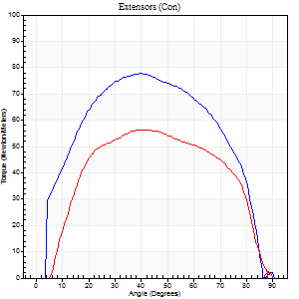
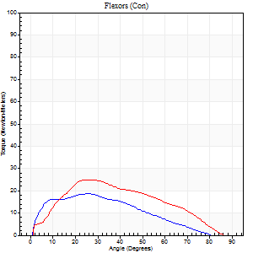
Right Side Curves Left Side Curves
Isokinetic Con/Con |  |  |  | Extensors (Con) |  | Flexors (Con)
Speed 60/60 d/s 3 Reps |  |  |  | Value | Cof Var | %BW | Value | Cof Var | %BW | Ratio

TORQUE PARAMETERS
Peak Torque (Newton-Meters - Best Repetition)
Right |  |  |  | 77 | 0.01 | 110 | 19 | 0.29 | 27 | 25
Left |  |  |  | 57 | 0.04 | 80 | 24 | 0.52 | 36 | 43
Deficit |  |  |  | 26 |  |  | 22
Work per Repetition (Newton-Meters - Best Repetition)
Right |  |  |  | 85 | 0.02 | 122 | 16 | 0.3 | 24 | 19
Left |  |  |  | 61 | 0.11 | 86 | 23 | 0.48 | 33 | 38
Deficit |  |  |  | 29 |  |  | 29
Average Power per Repetition (Watts - Best Repetition)
Right |  |  |  | 54 | 0.2 | 77 | 10 | 0.34 | 13 | 19
Left |  |  |  | 37 | 0.36 | 53 | 15 | 0.49 | 22 | 41
Deficit |  |  |  | 31 |  |  | 33
POSITION PARAMETERS
Joint Angle at Peak Torque (Degrees)
Right |  |  |  | 43 | 0.07 |  | 28 | 0.2
Left |  |  |  | 37 | 0.13 |  | 35 | 0.27
Range of Motion (Degrees)
Right |  |  |  | 0 | 0 |  | 89 | 0.02
Left |  |  |  | 1 | 0.94 |  | 90 | 0
TIME PARAMETERS
Time to Peak Torque (Seconds)
Right |  |  |  | 0.81 | 0.1 |  | 0.53 | 0.17
Left |  |  |  | 0.95 | 0.06 |  | 0.65 | 0.3
Time Peak Torque Held (Seconds)
Right |  |  |  | 0.07 | 0.21 |  | 0.02 | 0.89
Left |  |  |  | 0.05 | 0.75 |  | 0 | 0
Force Decay Time (Seconds)
Right |  |  |  | 0.68 | 0.09 |  | 1.02 | 0.07
Left |  |  |  | 0.6 | 0.2 |  | 0.93 | 0.19
Reciprocal Delay (Seconds)
Right |  |  |  | 0.12 | 0.12 |  | 0.31 | 0.66
Left |  |  |  | 0.12 | 0.12 |  | 0.16 | 0.31
Delay Time (Seconds)
Right |  |  |  | 0.15 | 0.09 |  | -0.01 | -6.08
Left |  |  |  | 0.48 | 0.13 |  | -0.03 | -1.05
HUMAC2015® Version: 15.000.0074 © Computer Sports Medicine, Inc. www.csmisolutions.com

Use File, Preference to set Report Heading
Long Form Torque vs. Position Report - Knee Extension/Flexion
Name: |  |  |  | TR030FP3024, | ID: |  | Right/Left: | 28.09.2021 28.09.2021
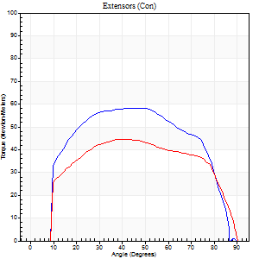
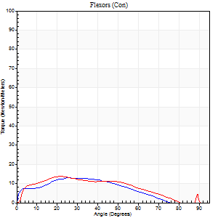
Right Side Curves Left Side Curves
Isokinetic Con/Con |  |  |  | Extensors (Con) |  | Flexors (Con)
Speed 120/120 d/s 3 Reps |  |  |  | Value | Cof Var | %BW | Value | Cof Var | %BW | Ratio

TORQUE PARAMETERS
Peak Torque (Newton-Meters - Best Repetition)
Right |  |  |  | 58 | 0.02 | 83 | 14 | 0.32 | 18 | 23
Left |  |  |  | 45 | 0.08 | 63 | 14 | 0.1 | 18 | 30
Deficit |  |  |  | 23 |  |  | 0
Work per Repetition (Newton-Meters - Best Repetition)
Right |  |  |  | 66 | 0.03 | 95 | 11 | 0.4 | 15 | 16
Left |  |  |  | 52 | 0.08 | 75 | 12 | 0.14 | 18 | 24
Deficit |  |  |  | 22 |  |  | 11
Average Power per Repetition (Watts - Best Repetition)
Right |  |  |  | 64 | 0.16 | 92 | 12 | 0.46 | 18 | 19
Left |  |  |  | 55 | 0.45 | 79 | 13 | 0.39 | 18 | 24
Deficit |  |  |  | 14 |  |  | 8
POSITION PARAMETERS
Joint Angle at Peak Torque (Degrees)
Right |  |  |  | 41 | 0.12 |  | 30 | 0.14
Left |  |  |  | 38 | 0.02 |  | 27 | 0.4
Range of Motion (Degrees)
Right |  |  |  | 0 | 0 |  | 90 | 0.01
Left |  |  |  | 0 | 0.71 |  | 90 | 0
TIME PARAMETERS
Time to Peak Torque (Seconds)
Right |  |  |  | 0.75 | 0.29 |  | 0.42 | 0.21
Left |  |  |  | 0.61 | 0.09 |  | 0.37 | 0.15
Time Peak Torque Held (Seconds)
Right |  |  |  | 0.02 | 1.73 |  | 0 | 0
Left |  |  |  | 0.03 | 0.96 |  | 0.03 | 0.88
Force Decay Time (Seconds)
Right |  |  |  | 0.38 | 0.03 |  | 0.54 | 0.08
Left |  |  |  | 0.32 | 0.17 |  | 0.79 | 0.51
Reciprocal Delay (Seconds)
Right |  |  |  | 0.11 | 0.07 |  | 0.17 | 0.12
Left |  |  |  | 0.41 | 0.16 |  | 0.13 | 0.48
Delay Time (Seconds)
Right |  |  |  | 0.22 | 0.76 |  | -0.01 | -1.73
Left |  |  |  | -0.06 | -0.24 |  | -0.02 | -1.08
HUMAC2015® Version: 15.000.0074 © Computer Sports Medicine, Inc. www.csmisolutions.com

Use File, Preference to set Report Heading
Long Form Torque vs. Position Report - Knee Extension/Flexion
Name: |  |  |  | TR030FP3024, | ID: |  | Right/Left: | 28.09.2021 28.09.2021
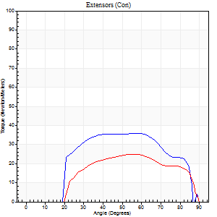
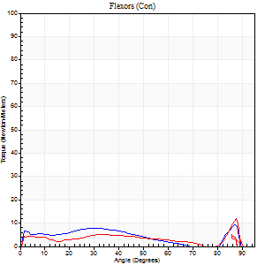
Right Side Curves Left Side Curves
Isokinetic Con/Con |  |  |  | Extensors (Con) |  | Flexors (Con)
Speed 240/240 d/s 3 Reps |  |  |  | Value | Cof Var | %BW | Value | Cof Var | %BW | Ratio

TORQUE PARAMETERS
Peak Torque (Newton-Meters - Best Repetition)
Right |  |  |  | 37 | 0.02 | 54 | 9 | 0.19 | 15 | 26
Left |  |  |  | 24 | 0.13 | 36 | 12 | 0.31 | 18 | 50
Deficit |  |  |  | 33 |  |  | 22
Work per Repetition (Newton-Meters - Best Repetition)
Right |  |  |  | 35 | 0.04 | 51 | 7 | 0.27 | 9 | 19
Left |  |  |  | 23 | 0.14 | 33 | 8 | 0.71 | 12 | 35
Deficit |  |  |  | 35 |  |  | 17
Average Power per Repetition (Watts - Best Repetition)
Right |  |  |  | 55 | 0.13 | 79 | 9 | 0.33 | 13 | 16
Left |  |  |  | 35 | 0.54 | 51 | 7 | 0.52 | 11 | 20
Deficit |  |  |  | 36 |  |  | 22
POSITION PARAMETERS
Joint Angle at Peak Torque (Degrees)
Right |  |  |  | 51 | 0.23 |  | 41 | 0.97
Left |  |  |  | 53 | 0.05 |  | 67 | 0.53
Range of Motion (Degrees)
Right |  |  |  | 0 | 0.28 |  | 89 | 0
Left |  |  |  | 1 | 0.04 |  | 90 | 0
TIME PARAMETERS
Time to Peak Torque (Seconds)
Right |  |  |  | 0.31 | 0.12 |  | 0.44 | 0.44
Left |  |  |  | 0.36 | 0.06 |  | 0.37 | 0.79
Time Peak Torque Held (Seconds)
Right |  |  |  | 0.01 | 0.87 |  | 0 | 1.73
Left |  |  |  | 0.01 | 1 |  | 0 | 0
Force Decay Time (Seconds)
Right |  |  |  | 0.33 | 0.3 |  | 0.31 | 0.79
Left |  |  |  | 0.27 | 0.06 |  | 0.43 | 0.19
Reciprocal Delay (Seconds)
Right |  |  |  | 0.08 | 0.09 |  | 0.26 | 0.55
Left |  |  |  | 0.2 | 0.76 |  | 0.08 | 0.07
Delay Time (Seconds)
Right |  |  |  | 0.5 | 0.39 |  | -0.05 | -0.29
Left |  |  |  | -0.04 | -0.35 |  | 0.2 | 2.13
HUMAC2015® Version: 15.000.0074 © Computer Sports Medicine, Inc. www.csmisolutions.com

Use File, Preference to set Report Heading
Isometric - Knee Extension/Flexion
Name: |  |  |  | TR030FP3024, | ID: |  | Right/Left: | 28.09.2021 28.09.2021

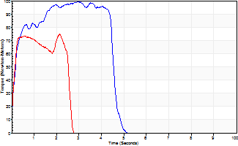
Isometric Extensors (Con) Angle 60 Time 10 Repetition 2 (Best Repetition)
 | Value | Cof Var | %BW
Peak Torque (Newton-Meters)
Right | 99 | 0.07 | 140
Left | 75 | 0.01 | 107
Deficit | 25
Average Torque (Newton-Meters)
Right | 41 | 0.16 | 57
Left | 22 | 0.18 | 30
Deficit | 47
Peak Torque Slope (Newton-Meters/Seconds)
Right | 34 | 0.2 | 48
Left | 109 | 0.73 | 156 |  | Right Side Curves Left Side Curves
Deficit | 69
Time to Half Peak Torque (Seconds)
Right | 0.2 | 0.21
Left | 0.12 | 0.28
Time to Peak Torque (Seconds)
Right | 3.26 | 0.14
Left | 1.4 | 0.75
HUMAC2015® Version: 15.000.0074 © Computer Sports Medicine, Inc. www.csmisolutions.com

mid1
Use File, Preference to set Report Heading
Long Form Torque vs. Position Report - Knee Extension/Flexion
Name: |  |  |  | TR030FP3024, | ID: |  | Right/Left: | 09.11.2021 09.11.2021
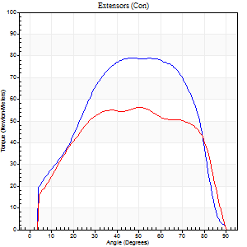
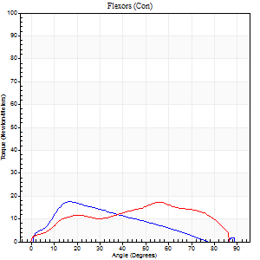
Right Side Curves Left Side Curves
Isokinetic Con/Con |  |  |  | Extensors (Con) |  | Flexors (Con)
Speed 60/60 d/s 3 Reps |  |  |  | Value | Cof Var | %BW | Value | Cof Var | %BW | Ratio

TORQUE PARAMETERS
Peak Torque (Newton-Meters - Best Repetition)
Right |  |  |  | 79 | 0.05 | 113 | 18 | 0.45 | 24 | 22
Left |  |  |  | 56 | 0.04 | 80 | 18 | 0.63 | 24 | 32
Deficit |  |  |  | 29 |  |  | 0
Work per Repetition (Newton-Meters - Best Repetition)
Right |  |  |  | 87 | 0.02 | 125 | 12 | 0.4 | 18 | 14
Left |  |  |  | 65 | 0.04 | 92 | 18 | 0.66 | 24 | 27
Deficit |  |  |  | 25 |  |  | 31
Average Power per Repetition (Watts - Best Repetition)
Right |  |  |  | 52 | 0.03 | 75 | 7 | 0.3 | 11 | 13
Left |  |  |  | 41 | 0.2 | 59 | 10 | 0.67 | 13 | 24
Deficit |  |  |  | 21 |  |  | 30
POSITION PARAMETERS
Joint Angle at Peak Torque (Degrees)
Right |  |  |  | 49 | 0.26 |  | 18 | 0.61
Left |  |  |  | 42 | 0.18 |  | 49 | 0.13
Range of Motion (Degrees)
Right |  |  |  | 0 | 0.47 |  | 90 | 0
Left |  |  |  | 0 | 0 |  | 90 | 0
TIME PARAMETERS
Time to Peak Torque (Seconds)
Right |  |  |  | 0.74 | 0.22 |  | 0.35 | 0.6
Left |  |  |  | 0.98 | 0.34 |  | 1 | 0.08
Time Peak Torque Held (Seconds)
Right |  |  |  | 0.19 | 1.1 |  | 0.13 | 1.27
Left |  |  |  | 0.02 | 1.38 |  | 0.03 | 1
Force Decay Time (Seconds)
Right |  |  |  | 0.67 | 0.11 |  | 1.18 | 0.31
Left |  |  |  | 0.71 | 0.19 |  | 0.63 | 0.13
Reciprocal Delay (Seconds)
Right |  |  |  | 0.39 | 0.2 |  | 0.22 | 0.07
Left |  |  |  | 0.34 | 0.87 |  | 0.31 | 0.39
Delay Time (Seconds)
Right |  |  |  | -0.1 | -0.57 |  | 0.01 | 0.43
Left |  |  |  | -0.01 | -2.36 |  | -0.08 | -0.7
HUMAC2015® Version: 15.000.0074 © Computer Sports Medicine, Inc. www.csmisolutions.com

Use File, Preference to set Report Heading
Long Form Torque vs. Position Report - Knee Extension/Flexion
Name: |  |  |  | TR030FP3024, | ID: |  | Right/Left: | 09.11.2021 09.11.2021
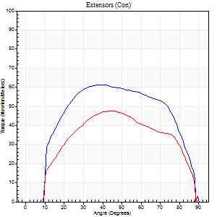
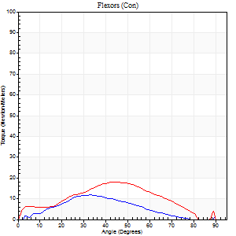
Right Side Curves Left Side Curves
Isokinetic Con/Con |  |  |  | Extensors (Con) |  | Flexors (Con)
Speed 120/120 d/s 3 Reps |  |  |  | Value | Cof Var | %BW | Value | Cof Var | %BW | Ratio

TORQUE PARAMETERS
Peak Torque (Newton-Meters - Best Repetition)
Right |  |  |  | 61 | 0.02 | 86 | 12 | 0.35 | 18 | 20
Left |  |  |  | 47 | 0.13 | 69 | 18 | 0.3 | 24 | 37
Deficit |  |  |  | 22 |  |  | 31
Work per Repetition (Newton-Meters - Best Repetition)
Right |  |  |  | 69 | 0.03 | 98 | 8 | 0.27 | 12 | 12
Left |  |  |  | 50 | 0.15 | 72 | 15 | 0.27 | 21 | 30
Deficit |  |  |  | 27 |  |  | 45
Average Power per Repetition (Watts - Best Repetition)
Right |  |  |  | 74 | 0.22 | 105 | 9 | 0.31 | 13 | 12
Left |  |  |  | 55 | 0.41 | 79 | 16 | 0.24 | 22 | 29
Deficit |  |  |  | 26 |  |  | 44
POSITION PARAMETERS
Joint Angle at Peak Torque (Degrees)
Right |  |  |  | 45 | 0.14 |  | 27 | 0.42
Left |  |  |  | 45 | 0.02 |  | 37 | 0.28
Range of Motion (Degrees)
Right |  |  |  | 0 | 0.61 |  | 90 | 0
Left |  |  |  | 1 | 0 |  | 89 | 0.01
TIME PARAMETERS
Time to Peak Torque (Seconds)
Right |  |  |  | 0.76 | 0.48 |  | 0.43 | 0.15
Left |  |  |  | 0.52 | 0.08 |  | 0.44 | 0.19
Time Peak Torque Held (Seconds)
Right |  |  |  | 0.03 | 0.67 |  | 0.01 | 1.73
Left |  |  |  | 0.03 | 0.87 |  | 0.01 | 1.73
Force Decay Time (Seconds)
Right |  |  |  | 0.39 | 0.1 |  | 0.54 | 0.24
Left |  |  |  | 0.38 | 0.04 |  | 0.45 | 0.19
Reciprocal Delay (Seconds)
Right |  |  |  | 0.13 | 0.22 |  | 0.16 | 0.49
Left |  |  |  | 0.35 | 1.05 |  | 0.12 | 0.36
Delay Time (Seconds)
Right |  |  |  | 0.37 | 1.07 |  | -0.01 | -3.46
Left |  |  |  | 0.13 | 2.67 |  | -0.02 | -2.29
HUMAC2015® Version: 15.000.0074 © Computer Sports Medicine, Inc. www.csmisolutions.com

Use File, Preference to set Report Heading
Long Form Torque vs. Position Report - Knee Extension/Flexion
Name: |  |  |  | TR030FP3024, | ID: |  | Right/Left: | 09.11.2021 09.11.2021
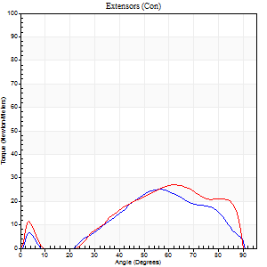
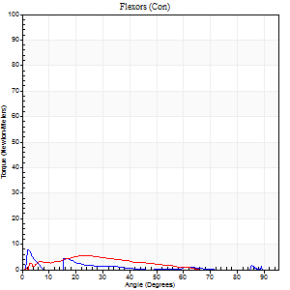
Right Side Curves Left Side Curves
Isokinetic Con/Con |  |  |  | Extensors (Con) |  | Flexors (Con)
Speed 240/240 d/s 3 Reps |  |  |  | Value | Cof Var | %BW | Value | Cof Var | %BW | Ratio

TORQUE PARAMETERS
Peak Torque (Newton-Meters - Best Repetition)
Right |  |  |  | 24 | 0.57 | 36 | 8 | 0.17 | 12 | 33
Left |  |  |  | 27 | 0.19 | 39 | 5 | 0.01 | 9 | 20
Deficit |  |  |  | 10 |  |  | 33
Work per Repetition (Newton-Meters - Best Repetition)
Right |  |  |  | 19 | 0.69 | 27 | 1 | 0.62 | 3 | 7
Left |  |  |  | 23 | 0.17 | 33 | 4 | 0.29 | 6 | 18
Deficit |  |  |  | 18 |  |  | 67
Average Power per Repetition (Watts - Best Repetition)
Right |  |  |  | 25 | 0.77 | 35 | 1 | 0.31 | 2 | 4
Left |  |  |  | 41 | 0.31 | 59 | 4 | 0.5 | 7 | 10
Deficit |  |  |  | 39 |  |  | 75
POSITION PARAMETERS
Joint Angle at Peak Torque (Degrees)
Right |  |  |  | 64 | 0.23 |  | 2 | 0.14
Left |  |  |  | 59 | 0.07 |  | 11 | 1.16
Range of Motion (Degrees)
Right |  |  |  | 2 | 0 |  | 90 | 0
Left |  |  |  | 1 | 0.18 |  | 90 | 0
TIME PARAMETERS
Time to Peak Torque (Seconds)
Right |  |  |  | 0.42 | 0.19 |  | 0.11 | 1.18
Left |  |  |  | 0.27 | 0.1 |  | 0.19 | 1.29
Time Peak Torque Held (Seconds)
Right |  |  |  | 0.02 | 1.32 |  | 0 | 1.73
Left |  |  |  | 0.01 | 0 |  | 0 | 0
Force Decay Time (Seconds)
Right |  |  |  | 0.43 | 0.63 |  | 1.28 | 0.77
Left |  |  |  | 0.3 | 0.08 |  | 1.01 | 0.48
Reciprocal Delay (Seconds)
Right |  |  |  | 0.57 | 0.22 |  | 0.19 | 1.28
Left |  |  |  | 0.49 | 0.07 |  | 0.08 | 0.27
Delay Time (Seconds)
Right |  |  |  | -0.12 | -0.43 |  | -0.08 | -1.05
Left |  |  |  | -0.07 | -0.4 |  | 0.02 | 3.08
HUMAC2015® Version: 15.000.0074 © Computer Sports Medicine, Inc. www.csmisolutions.com

Use File, Preference to set Report Heading
Isometric - Knee Extension/Flexion
Name: |  |  |  | TR030FP3024, | ID: |  | Right/Left: | 09.11.2021 09.11.2021

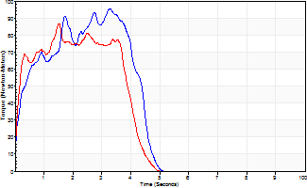
Isometric Extensors (Con) Angle 60 Time 10 Repetition 2 (Best Repetition)
 | Value | Cof Var | %BW
Peak Torque (Newton-Meters)
Right | 95 | 0.01 | 134
Left | 87 | 0 | 125
Deficit | 9
Average Torque (Newton-Meters)
Right | 34 | 0.02 | 48
Left | 30 | 0.01 | 42
Deficit | 12
Peak Torque Slope (Newton-Meters/Seconds)
Right | 29 | 0.01 | 42
Left | 57 | 0.05 | 81 |  | Right Side Curves Left Side Curves
Deficit | 49
Time to Half Peak Torque (Seconds)
Right | 0.24 | 0.21
Left | 0.13 | 0.11
Time to Peak Torque (Seconds)
Right | 3.28 | 0
Left | 1.56 | 0.05
HUMAC2015® Version: 15.000.0074 © Computer Sports Medicine, Inc. www.csmisolutions.com

post1
Use File, Preference to set Report Heading
Long Form Torque vs. Position Report - Knee Extension/Flexion
Name: |  |  |  | TR030FP3024, | ID: |  | Right/Left: | 02.12.2021 02.12.2021
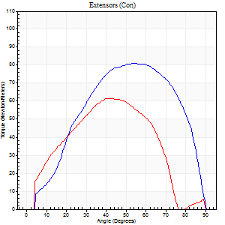
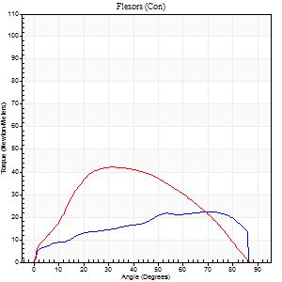
Right Side Curves Left Side Curves
Isokinetic Con/Con |  |  |  | Extensors (Con) |  | Flexors (Con)
Speed 60/60 d/s 3 Reps |  |  |  | Value | Cof Var | %BW | Value | Cof Var | %BW | Ratio

TORQUE PARAMETERS
Peak Torque (Newton-Meters - Best Repetition)
Right |  |  |  | 81 | 0 | 116 | 23 | 0.6 | 33 | 28
Left |  |  |  | 61 | 0.11 | 86 | 42 | 0.9 | 60 | 69
Deficit |  |  |  | 25 |  |  | 45
Work per Repetition (Newton-Meters - Best Repetition)
Right |  |  |  | 89 | 0.09 | 128 | 24 | 0.73 | 36 | 27
Left |  |  |  | 69 | 0.12 | 98 | 42 | 0.93 | 60 | 61
Deficit |  |  |  | 23 |  |  | 42
Average Power per Repetition (Watts - Best Repetition)
Right |  |  |  | 58 | 0.29 | 84 | 15 | 0.73 | 22 | 26
Left |  |  |  | 44 | 0.13 | 64 | 26 | 0.93 | 37 | 59
Deficit |  |  |  | 24 |  |  | 42
POSITION PARAMETERS
Joint Angle at Peak Torque (Degrees)
Right |  |  |  | 45 | 0.18 |  | 45 | 0.59
Left |  |  |  | 42 | 0.16 |  | 31 | 0.1
Range of Motion (Degrees)
Right |  |  |  | 0 | 0.66 |  | 90 | 0
Left |  |  |  | 0 | 0 |  | 90 | 0
TIME PARAMETERS
Time to Peak Torque (Seconds)
Right |  |  |  | 0.76 | 0.1 |  | 0.81 | 0.58
Left |  |  |  | 0.69 | 0.04 |  | 0.63 | 0.08
Time Peak Torque Held (Seconds)
Right |  |  |  | 0.05 | 0.53 |  | 0.02 | 1.08
Left |  |  |  | 0.06 | 0.1 |  | 0.1 | 0.94
Force Decay Time (Seconds)
Right |  |  |  | 0.71 | 0.24 |  | 0.74 | 0.63
Left |  |  |  | 0.67 | 0.18 |  | 0.87 | 0.09
Reciprocal Delay (Seconds)
Right |  |  |  | 0.27 | 0.37 |  | 0.15 | 0.38
Left |  |  |  | 0.19 | 0.69 |  | 0.26 | 0.37
Delay Time (Seconds)
Right |  |  |  | -0.05 | -1.13 |  | 0.04 | 1.15
Left |  |  |  | 0.1 | 1.84 |  | -0.04 | -1.26
HUMAC2015® Version: 15.000.0074 © Computer Sports Medicine, Inc. www.csmisolutions.com

Use File, Preference to set Report Heading
Long Form Torque vs. Position Report - Knee Extension/Flexion
Name: |  |  |  | TR030FP3024, | ID: |  | Right/Left: | 02.12.2021 02.12.2021

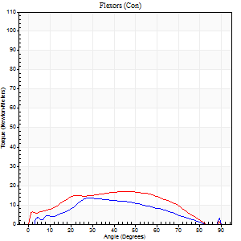
Right Side Curves Left Side Curves
Isokinetic Con/Con |  |  |  | Extensors (Con) |  | Flexors (Con)
Speed 120/120 d/s 3 Reps |  |  |  | Value | Cof Var | %BW | Value | Cof Var | %BW | Ratio

TORQUE PARAMETERS
Peak Torque (Newton-Meters - Best Repetition)
Right |  |  |  | 66 | 0.07 | 95 | 14 | 0.45 | 18 | 20
Left |  |  |  | 49 | 0.25 | 69 | 18 | 0.71 | 24 | 36
Deficit |  |  |  | 27 |  |  | 23
Work per Repetition (Newton-Meters - Best Repetition)
Right |  |  |  | 71 | 0.1 | 101 | 11 | 0.58 | 15 | 15
Left |  |  |  | 52 | 0.23 | 75 | 18 | 0.87 | 24 | 34
Deficit |  |  |  | 27 |  |  | 38
Average Power per Repetition (Watts - Best Repetition)
Right |  |  |  | 83 | 0.29 | 119 | 12 | 0.64 | 18 | 14
Left |  |  |  | 55 | 0.53 | 79 | 19 | 0.93 | 26 | 35
Deficit |  |  |  | 34 |  |  | 37
POSITION PARAMETERS
Joint Angle at Peak Torque (Degrees)
Right |  |  |  | 50 | 0.06 |  | 21 | 0.58
Left |  |  |  | 45 | 0.11 |  | 29 | 0.7
Range of Motion (Degrees)
Right |  |  |  | 1 | 0.85 |  | 89 | 0.02
Left |  |  |  | 1 | 0.24 |  | 90 | 0
TIME PARAMETERS
Time to Peak Torque (Seconds)
Right |  |  |  | 0.44 | 0.27 |  | 0.31 | 0.26
Left |  |  |  | 0.56 | 0.23 |  | 0.4 | 0.54
Time Peak Torque Held (Seconds)
Right |  |  |  | 0.03 | 0.67 |  | 0.02 | 0.89
Left |  |  |  | 0.02 | 0.5 |  | 0 | 0
Force Decay Time (Seconds)
Right |  |  |  | 0.43 | 0.07 |  | 0.66 | 0.32
Left |  |  |  | 0.39 | 0.07 |  | 0.58 | 0.34
Reciprocal Delay (Seconds)
Right |  |  |  | 0.11 | 0.26 |  | 0.14 | 0.4
Left |  |  |  | 0.34 | 0.99 |  | 0.14 | 0.42
Delay Time (Seconds)
Right |  |  |  | 0.04 | 4.65 |  | 0.03 | 1.25
Left |  |  |  | -0.05 | -0.39 |  | -0.02 | -0.65
HUMAC2015® Version: 15.000.0074 © Computer Sports Medicine, Inc. www.csmisolutions.com

Use File, Preference to set Report Heading
Long Form Torque vs. Position Report - Knee Extension/Flexion
Name: |  |  |  | TR030FP3024, | ID: |  | Right/Left: | 02.12.2021 02.12.2021
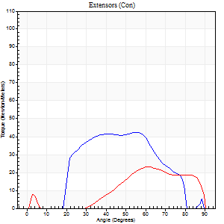
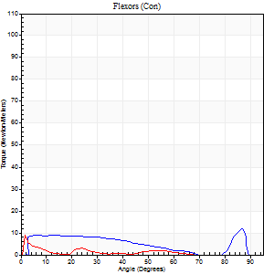
Right Side Curves Left Side Curves
Isokinetic Con/Con |  |  |  | Extensors (Con) |  | Flexors (Con)
Speed 240/240 d/s 3 Reps |  |  |  | Value | Cof Var | %BW | Value | Cof Var | %BW | Ratio

TORQUE PARAMETERS
Peak Torque (Newton-Meters - Best Repetition)
Right |  |  |  | 42 | 0.28 | 60 | 12 | 0.39 | 18 | 29
Left |  |  |  | 23 | 0.16 | 33 | 8 | 0.47 | 12 | 35
Deficit |  |  |  | 45 |  |  | 33
Work per Repetition (Newton-Meters - Best Repetition)
Right |  |  |  | 37 | 0.27 | 54 | 8 | 0.55 | 12 | 22
Left |  |  |  | 19 | 0.12 | 27 | 1 | 0.1 | 3 | 7
Deficit |  |  |  | 48 |  |  | 83
Average Power per Repetition (Watts - Best Repetition)
Right |  |  |  | 67 | 0.33 | 97 | 9 | 0.62 | 13 | 13
Left |  |  |  | 27 | 0.19 | 40 | 2 | 0.37 | 2 | 7
Deficit |  |  |  | 60 |  |  | 78
POSITION PARAMETERS
Joint Angle at Peak Torque (Degrees)
Right |  |  |  | 60 | 0.06 |  | 38 | 1.14
Left |  |  |  | 67 | 0.15 |  | 4 | 0.82
Range of Motion (Degrees)
Right |  |  |  | 1 | 1.41 |  | 89 | 0.01
Left |  |  |  | 1 | 0.03 |  | 90 | 0
TIME PARAMETERS
Time to Peak Torque (Seconds)
Right |  |  |  | 0.26 | 0.27 |  | 0.5 | 0.78
Left |  |  |  | 0.35 | 0 |  | 0.22 | 1.08
Time Peak Torque Held (Seconds)
Right |  |  |  | 0.03 | 1.42 |  | 0.02 | 1.73
Left |  |  |  | 0 | 1.73 |  | 0.02 | 1.73
Force Decay Time (Seconds)
Right |  |  |  | 0.31 | 0.08 |  | 0.43 | 1.02
Left |  |  |  | 0.34 | 0.15 |  | 1.28 | 0.25
Reciprocal Delay (Seconds)
Right |  |  |  | 0.06 | 0 |  | 0.21 | 1.15
Left |  |  |  | 0.64 | 0.11 |  | 0.07 | 0.14
Delay Time (Seconds)
Right |  |  |  | 0.26 | 0.93 |  | -0.01 | -4.88
Left |  |  |  | -0.13 | -0.11 |  | 0.06 | 3.12
HUMAC2015® Version: 15.000.0074 © Computer Sports Medicine, Inc. www.csmisolutions.com

Use File, Preference to set Report Heading
Isometric - Knee Extension/Flexion
Name: |  |  |  | TR030FP3024, | ID: |  | Right/Left: | 02.12.2021 02.12.2021

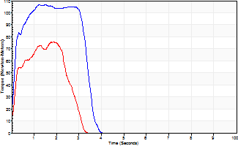
Isometric Extensors (Con) Angle 60 Time 10 Repetition 2 (Best Repetition)
 | Value | Cof Var | %BW
Peak Torque (Newton-Meters)
Right | 107 | 0.02 | 152
Left | 76 | 0.09 | 107
Deficit | 29
Average Torque (Newton-Meters)
Right | 34 | 0.03 | 48
Left | 18 | 0.01 | 24
Deficit | 48
Peak Torque Slope (Newton-Meters/Seconds)
Right | 85 | 0.37 | 122
Left | 54 | 0.2 | 77 |  | Right Side Curves Left Side Curves
Deficit | 37
Time to Half Peak Torque (Seconds)
Right | 0.14 | 0.15
Left | 0.19 | 0.15
Time to Peak Torque (Seconds)
Right | 1.65 | 0.35
Left | 1.54 | 0.29
HUMAC2015® Version: 15.000.0074 © Computer Sports Medicine, Inc. www.csmisolutions.com

