pre1
Use File, Preference to set Report Heading
Long Form Torque vs. Position Report - Knee Extension/Flexion
Name: |  |  |  | TR030FP3025, | ID: |  | Right/Left: | 10.09.2021 10.09.2021
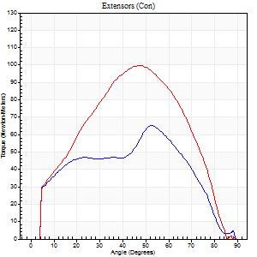
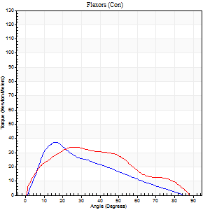
Right Side Curves Left Side Curves
Isokinetic Con/Con |  |  |  | Extensors (Con) |  | Flexors (Con)
Speed 60/60 d/s 3 Reps |  |  |  | Value | Cof Var | %BW | Value | Cof Var | %BW | Ratio

TORQUE PARAMETERS
Peak Torque (Newton-Meters - Best Repetition)
Right |  |  |  | 65 | 0.06 | 80 | 37 | 0.53 | 45 | 56
Left |  |  |  | 99 | 0.08 | 122 | 34 | 0.52 | 42 | 34
Deficit |  |  |  | 34 |  |  | 7
Work per Repetition (Newton-Meters - Best Repetition)
Right |  |  |  | 61 | 0.09 | 77 | 26 | 0.39 | 33 | 42
Left |  |  |  | 95 | 0.02 | 119 | 33 | 0.59 | 42 | 34
Deficit |  |  |  | 36 |  |  | 21
Average Power per Repetition (Watts - Best Repetition)
Right |  |  |  | 41 | 0.16 | 51 | 17 | 0.38 | 22 | 41
Left |  |  |  | 61 | 0.06 | 77 | 21 | 0.57 | 26 | 34
Deficit |  |  |  | 33 |  |  | 19
POSITION PARAMETERS
Joint Angle at Peak Torque (Degrees)
Right |  |  |  | 52 | 0.03 |  | 17 | 0.11
Left |  |  |  | 45 | 0.05 |  | 18 | 0.56
Range of Motion (Degrees)
Right |  |  |  | 0 | 1.41 |  | 89 | 0
Left |  |  |  | 0 | 0 |  | 89 | 0
TIME PARAMETERS
Time to Peak Torque (Seconds)
Right |  |  |  | 0.63 | 0.14 |  | 0.29 | 0.11
Left |  |  |  | 0.86 | 0.02 |  | 0.33 | 0.47
Time Peak Torque Held (Seconds)
Right |  |  |  | 0.01 | 1 |  | 0.02 | 1
Left |  |  |  | 0.07 | 0.48 |  | 0.02 | 1.73
Force Decay Time (Seconds)
Right |  |  |  | 0.89 | 0.01 |  | 1.2 | 0.04
Left |  |  |  | 0.73 | 0.06 |  | 1.16 | 0.12
Reciprocal Delay (Seconds)
Right |  |  |  | 0.12 | 0.12 |  | 0.2 | 0.05
Left |  |  |  | 0.11 | 0.07 |  | 0.24 | 0.11
Delay Time (Seconds)
Right |  |  |  | 0.01 | 11.31 |  | 0.03 | 0.35
Left |  |  |  | -0.05 | -0.13 |  | 0 | 0
HUMAC2015® Version: 15.000.0074 © Computer Sports Medicine, Inc. www.csmisolutions.com

Use File, Preference to set Report Heading
Long Form Torque vs. Position Report - Knee Extension/Flexion
Name: |  |  |  | TR030FP3025, | ID: |  | Right/Left: | 10.09.2021 10.09.2021
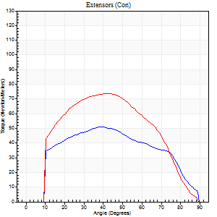
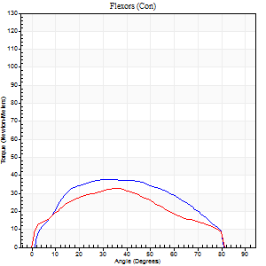
Right Side Curves Left Side Curves
Isokinetic Con/Con |  |  |  | Extensors (Con) |  | Flexors (Con)
Speed 120/120 d/s 3 Reps |  |  |  | Value | Cof Var | %BW | Value | Cof Var | %BW | Ratio

TORQUE PARAMETERS
Peak Torque (Newton-Meters - Best Repetition)
Right |  |  |  | 52 | 0.21 | 66 | 38 | 0.62 | 48 | 74
Left |  |  |  | 73 | 0.01 | 92 | 33 | 0.59 | 42 | 44
Deficit |  |  |  | 30 |  |  | 14
Work per Repetition (Newton-Meters - Best Repetition)
Right |  |  |  | 53 | 0.27 | 66 | 39 | 0.63 | 48 | 74
Left |  |  |  | 75 | 0.01 | 92 | 33 | 0.68 | 42 | 44
Deficit |  |  |  | 29 |  |  | 17
Average Power per Repetition (Watts - Best Repetition)
Right |  |  |  | 57 | 0.46 | 70 | 47 | 0.64 | 59 | 82
Left |  |  |  | 82 | 0.09 | 103 | 38 | 0.7 | 48 | 46
Deficit |  |  |  | 30 |  |  | 19
POSITION PARAMETERS
Joint Angle at Peak Torque (Degrees)
Right |  |  |  | 40 | 0.04 |  | 35 | 0.09
Left |  |  |  | 43 | 0.03 |  | 27 | 0.68
Range of Motion (Degrees)
Right |  |  |  | 0 | 0 |  | 89 | 0.01
Left |  |  |  | 1 | 0.25 |  | 89 | 0
TIME PARAMETERS
Time to Peak Torque (Seconds)
Right |  |  |  | 0.54 | 0.03 |  | 0.36 | 0.19
Left |  |  |  | 0.5 | 0.07 |  | 0.29 | 0.48
Time Peak Torque Held (Seconds)
Right |  |  |  | 0 | 1.73 |  | 0.03 | 0.87
Left |  |  |  | 0.03 | 0.57 |  | 0.02 | 0.89
Force Decay Time (Seconds)
Right |  |  |  | 0.4 | 0.04 |  | 0.44 | 0.11
Left |  |  |  | 0.39 | 0.06 |  | 0.55 | 0.31
Reciprocal Delay (Seconds)
Right |  |  |  | 0.09 | 0 |  | 0.14 | 0.04
Left |  |  |  | 0.09 | 0.07 |  | 0.15 | 0.07
Delay Time (Seconds)
Right |  |  |  | -0.05 | -0.13 |  | 0.01 | 1.73
Left |  |  |  | -0.04 | -0.2 |  | -0.02 | -0.5
HUMAC2015® Version: 15.000.0074 © Computer Sports Medicine, Inc. www.csmisolutions.com

Use File, Preference to set Report Heading
Long Form Torque vs. Position Report - Knee Extension/Flexion
Name: |  |  |  | TR030FP3025, | ID: |  | Right/Left: | 10.09.2021 10.09.2021
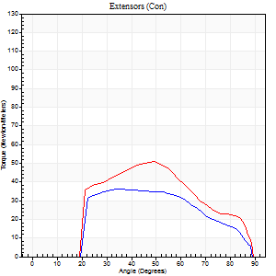
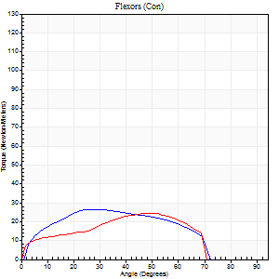
Right Side Curves Left Side Curves
Isokinetic Con/Con |  |  |  | Extensors (Con) |  | Flexors (Con)
Speed 240/240 d/s 3 Reps |  |  |  | Value | Cof Var | %BW | Value | Cof Var | %BW | Ratio

TORQUE PARAMETERS
Peak Torque (Newton-Meters - Best Repetition)
Right |  |  |  | 37 | 0.04 | 45 | 27 | 0.56 | 33 | 74
Left |  |  |  | 50 | 0.08 | 63 | 24 | 0.41 | 30 | 49
Deficit |  |  |  | 27 |  |  | 10
Work per Repetition (Newton-Meters - Best Repetition)
Right |  |  |  | 35 | 0.01 | 45 | 26 | 0.6 | 33 | 73
Left |  |  |  | 45 | 0.08 | 57 | 22 | 0.49 | 27 | 48
Deficit |  |  |  | 21 |  |  | 16
Average Power per Repetition (Watts - Best Repetition)
Right |  |  |  | 58 | 0.2 | 73 | 49 | 0.67 | 62 | 84
Left |  |  |  | 74 | 0.38 | 92 | 36 | 0.51 | 44 | 49
Deficit |  |  |  | 22 |  |  | 27
POSITION PARAMETERS
Joint Angle at Peak Torque (Degrees)
Right |  |  |  | 37 | 0.1 |  | 26 | 0.51
Left |  |  |  | 46 | 0.07 |  | 31 | 0.8
Range of Motion (Degrees)
Right |  |  |  | 1 | 1.41 |  | 88 | 0
Left |  |  |  | 1 | 0.63 |  | 89 | 0
TIME PARAMETERS
Time to Peak Torque (Seconds)
Right |  |  |  | 0.34 | 0.14 |  | 0.25 | 0.18
Left |  |  |  | 0.31 | 0.12 |  | 0.25 | 0.56
Time Peak Torque Held (Seconds)
Right |  |  |  | 0.01 | 1.73 |  | 0 | 1.73
Left |  |  |  | 0.01 | 1.73 |  | 0.01 | 0.87
Force Decay Time (Seconds)
Right |  |  |  | 0.22 | 0.24 |  | 0.33 | 0.27
Left |  |  |  | 0.28 | 0.11 |  | 0.33 | 0.49
Reciprocal Delay (Seconds)
Right |  |  |  | 0.07 | 0.2 |  | 0.23 | 1.27
Left |  |  |  | 0.06 | 0.11 |  | 0.16 | 0.49
Delay Time (Seconds)
Right |  |  |  | -0.05 | -0.16 |  | -0.03 | -1.15
Left |  |  |  | -0.04 | 0 |  | -0.03 | -0.22
HUMAC2015® Version: 15.000.0074 © Computer Sports Medicine, Inc. www.csmisolutions.com

Use File, Preference to set Report Heading
Isometric - Knee Extension/Flexion
Name: |  |  |  | TR030FP3025, | ID: |  | Right/Left: | 10.09.2021 10.09.2021

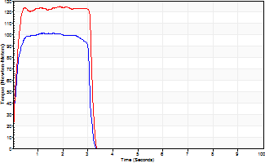
Isometric Extensors (Con) Angle 60 Time 10 Repetition 2 (Best Repetition)
 | Value | Cof Var | %BW
Peak Torque (Newton-Meters)
Right | 102 | 0.03 | 128
Left | 125 | 0.02 | 155
Deficit | 18
Average Torque (Newton-Meters)
Right | 30 | 0.03 | 36
Left | 38 | 0.07 | 48
Deficit | 21
Peak Torque Slope (Newton-Meters/Seconds)
Right | 83 | 0.42 | 104
Left | 66 | 0.27 | 83 |  | Right Side Curves Left Side Curves
Deficit | 20
Time to Half Peak Torque (Seconds)
Right | 0.14 | 0.16
Left | 0.12 | 0
Time to Peak Torque (Seconds)
Right | 1.67 | 0.39
Left | 2.27 | 0.25
HUMAC2015® Version: 15.000.0074 © Computer Sports Medicine, Inc. www.csmisolutions.com

pre2
Use File, Preference to set Report Heading
Long Form Torque vs. Position Report - Knee Extension/Flexion
Name: |  |  |  | TR030FP3025, | ID: |  | Right/Left: | 22.09.2021 22.09.2021
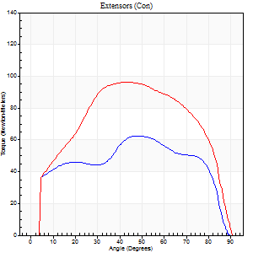
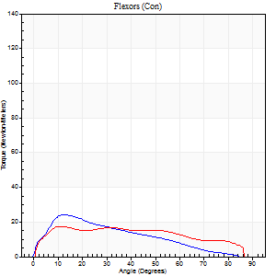
Right Side Curves Left Side Curves
Isokinetic Con/Con |  |  |  | Extensors (Con) |  | Flexors (Con)
Speed 60/60 d/s 3 Reps |  |  |  | Value | Cof Var | %BW | Value | Cof Var | %BW | Ratio

TORQUE PARAMETERS
Peak Torque (Newton-Meters - Best Repetition)
Right |  |  |  | 62 | 0.05 | 77 | 24 | 0.69 | 30 | 39
Left |  |  |  | 96 | 0.03 | 119 | 18 | 0.12 | 21 | 18
Deficit |  |  |  | 35 |  |  | 28
Work per Repetition (Newton-Meters - Best Repetition)
Right |  |  |  | 71 | 0.07 | 89 | 18 | 0.68 | 21 | 25
Left |  |  |  | 110 | 0.04 | 137 | 20 | 0.35 | 27 | 19
Deficit |  |  |  | 36 |  |  | 13
Average Power per Repetition (Watts - Best Repetition)
Right |  |  |  | 37 | 0.14 | 46 | 11 | 0.7 | 13 | 30
Left |  |  |  | 65 | 0.11 | 81 | 13 | 0.35 | 15 | 20
Deficit |  |  |  | 43 |  |  | 15
POSITION PARAMETERS
Joint Angle at Peak Torque (Degrees)
Right |  |  |  | 41 | 0.28 |  | 18 | 0.34
Left |  |  |  | 43 | 0.06 |  | 11 | 0.17
Range of Motion (Degrees)
Right |  |  |  | 0 | 1.41 |  | 90 | 0
Left |  |  |  | 0 | 0 |  | 90 | 0
TIME PARAMETERS
Time to Peak Torque (Seconds)
Right |  |  |  | 1.35 | 0.34 |  | 0.44 | 0.59
Left |  |  |  | 1.03 | 0.35 |  | 0.21 | 0.1
Time Peak Torque Held (Seconds)
Right |  |  |  | 0.03 | 0.87 |  | 0.01 | 1.73
Left |  |  |  | 0.07 | 0.42 |  | 0.03 | 0.35
Force Decay Time (Seconds)
Right |  |  |  | 0.7 | 0.3 |  | 1.21 | 0.08
Left |  |  |  | 0.69 | 0.07 |  | 1.27 | 0.06
Reciprocal Delay (Seconds)
Right |  |  |  | 0.15 | 0.19 |  | 0.44 | 0.88
Left |  |  |  | 0.44 | 0.24 |  | 0.24 | 0.14
Delay Time (Seconds)
Right |  |  |  | 0.46 | 1.35 |  | 0.03 | 1.83
Left |  |  |  | -0.24 | -1.24 |  | 0 | 0
HUMAC2015® Version: 15.000.0074 © Computer Sports Medicine, Inc. www.csmisolutions.com

Use File, Preference to set Report Heading
Long Form Torque vs. Position Report - Knee Extension/Flexion
Name: |  |  |  | TR030FP3025, | ID: |  | Right/Left: | 22.09.2021 22.09.2021
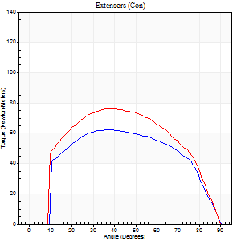
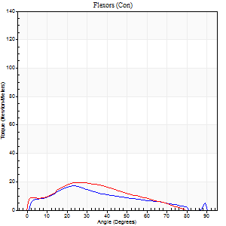
Right Side Curves Left Side Curves
Isokinetic Con/Con |  |  |  | Extensors (Con) |  | Flexors (Con)
Speed 120/120 d/s 3 Reps |  |  |  | Value | Cof Var | %BW | Value | Cof Var | %BW | Ratio

TORQUE PARAMETERS
Peak Torque (Newton-Meters - Best Repetition)
Right |  |  |  | 62 | 0.04 | 77 | 18 | 0.27 | 21 | 28
Left |  |  |  | 76 | 0.04 | 95 | 19 | 0.61 | 24 | 25
Deficit |  |  |  | 18 |  |  | 7
Work per Repetition (Newton-Meters - Best Repetition)
Right |  |  |  | 69 | 0.04 | 86 | 14 | 0.36 | 18 | 20
Left |  |  |  | 83 | 0.04 | 104 | 16 | 0.84 | 21 | 20
Deficit |  |  |  | 16 |  |  | 17
Average Power per Repetition (Watts - Best Repetition)
Right |  |  |  | 70 | 0.21 | 88 | 15 | 0.41 | 20 | 21
Left |  |  |  | 82 | 0.22 | 103 | 19 | 0.92 | 24 | 23
Deficit |  |  |  | 15 |  |  | 21
POSITION PARAMETERS
Joint Angle at Peak Torque (Degrees)
Right |  |  |  | 37 | 0.05 |  | 23 | 0.21
Left |  |  |  | 39 | 0.01 |  | 18 | 0.72
Range of Motion (Degrees)
Right |  |  |  | 0 | 0 |  | 89 | 0.01
Left |  |  |  | 0 | 0 |  | 90 | 0
TIME PARAMETERS
Time to Peak Torque (Seconds)
Right |  |  |  | 0.64 | 0.1 |  | 0.27 | 0.08
Left |  |  |  | 0.63 | 0.23 |  | 0.26 | 0.45
Time Peak Torque Held (Seconds)
Right |  |  |  | 0.04 | 0.35 |  | 0.01 | 1
Left |  |  |  | 0.02 | 0.87 |  | 0 | 0
Force Decay Time (Seconds)
Right |  |  |  | 0.33 | 0.07 |  | 0.59 | 0.13
Left |  |  |  | 0.38 | 0.03 |  | 0.71 | 0.36
Reciprocal Delay (Seconds)
Right |  |  |  | 0.26 | 0.45 |  | 0.26 | 0.83
Left |  |  |  | 0.11 | 0.07 |  | 0.38 | 0.78
Delay Time (Seconds)
Right |  |  |  | -0.1 | -0.14 |  | 0 | 11.36
Left |  |  |  | 0.41 | 0.07 |  | -0.03 | -0.43
HUMAC2015® Version: 15.000.0074 © Computer Sports Medicine, Inc. www.csmisolutions.com

Use File, Preference to set Report Heading
Long Form Torque vs. Position Report - Knee Extension/Flexion
Name: |  |  |  | TR030FP3025, | ID: |  | Right/Left: | 22.09.2021 22.09.2021
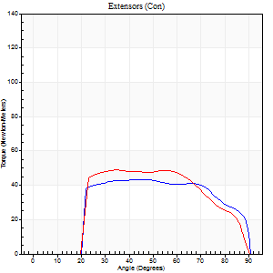
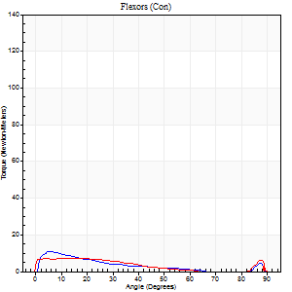
Right Side Curves Left Side Curves
Isokinetic Con/Con |  |  |  | Extensors (Con) |  | Flexors (Con)
Speed 240/240 d/s 3 Reps |  |  |  | Value | Cof Var | %BW | Value | Cof Var | %BW | Ratio

TORQUE PARAMETERS
Peak Torque (Newton-Meters - Best Repetition)
Right |  |  |  | 43 | 0.02 | 54 | 11 | 0.13 | 15 | 25
Left |  |  |  | 49 | 0.02 | 60 | 7 | 0.14 | 9 | 14
Deficit |  |  |  | 11 |  |  | 38
Work per Repetition (Newton-Meters - Best Repetition)
Right |  |  |  | 46 | 0.05 | 57 | 8 | 0.31 | 9 | 18
Left |  |  |  | 49 | 0.03 | 60 | 5 | 0.39 | 6 | 11
Deficit |  |  |  | 6 |  |  | 33
Average Power per Repetition (Watts - Best Repetition)
Right |  |  |  | 78 | 0.21 | 97 | 11 | 0.19 | 13 | 14
Left |  |  |  | 74 | 0.63 | 92 | 5 | 0.37 | 7 | 7
Deficit |  |  |  | 5 |  |  | 55
POSITION PARAMETERS
Joint Angle at Peak Torque (Degrees)
Right |  |  |  | 44 | 0.02 |  | 16 | 0.74
Left |  |  |  | 36 | 0.08 |  | 6 | 1.02
Range of Motion (Degrees)
Right |  |  |  | 1 | 0.08 |  | 90 | 0.01
Left |  |  |  | 0 | 0 |  | 90 | 0
TIME PARAMETERS
Time to Peak Torque (Seconds)
Right |  |  |  | 0.5 | 0.21 |  | 0.26 | 0.71
Left |  |  |  | 0.76 | 0.77 |  | 0.18 | 0.59
Time Peak Torque Held (Seconds)
Right |  |  |  | 0.02 | 0.35 |  | 0.03 | 1.73
Left |  |  |  | 0.01 | 0.87 |  | 0 | 0
Force Decay Time (Seconds)
Right |  |  |  | 0.23 | 0.04 |  | 0.41 | 0.37
Left |  |  |  | 0.26 | 0.04 |  | 0.78 | 0.02
Reciprocal Delay (Seconds)
Right |  |  |  | 0.25 | 0.97 |  | 0.1 | 0.1
Left |  |  |  | 0.6 | 0.82 |  | 0.84 | 0.15
Delay Time (Seconds)
Right |  |  |  | -0.02 | -7.07 |  | -0.02 | -0.5
Left |  |  |  | -0.1 | -10.89 |  | -0.05 | -0.2
HUMAC2015® Version: 15.000.0074 © Computer Sports Medicine, Inc. www.csmisolutions.com

Use File, Preference to set Report Heading
Isometric - Knee Extension/Flexion
Name: |  |  |  | TR030FP3025, | ID: |  | Right/Left: | 22.09.2021 22.09.2021

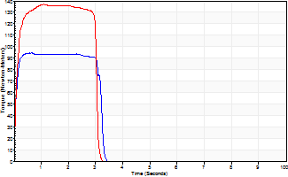
Isometric Extensors (Con) Angle 60 Time 10 Repetition 2 (Best Repetition)
 | Value | Cof Var | %BW
Peak Torque (Newton-Meters)
Right | 95 | 0.02 | 119
Left | 137 | 0.01 | 170
Deficit | 31
Average Torque (Newton-Meters)
Right | 28 | 0.11 | 36
Left | 39 | 0.03 | 48
Deficit | 28
Peak Torque Slope (Newton-Meters/Seconds)
Right | 248 | 0.37 | 310
Left | 126 | 0.01 | 157 |  | Right Side Curves Left Side Curves
Deficit | 49
Time to Half Peak Torque (Seconds)
Right | 0.05 | 0
Left | 0.09 | 0.08
Time to Peak Torque (Seconds)
Right | 0.5 | 0.4
Left | 1.08 | 0
HUMAC2015® Version: 15.000.0074 © Computer Sports Medicine, Inc. www.csmisolutions.com

mid1
Use File, Preference to set Report Heading
Long Form Torque vs. Position Report - Knee Extension/Flexion
Name: |  |  |  | TR030FP3025, | ID: |  | Right/Left: | 03.11.2021 03.11.2021
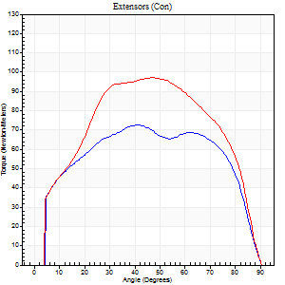
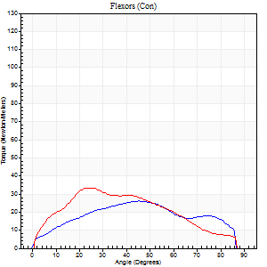
Right Side Curves Left Side Curves
Isokinetic Con/Con |  |  |  | Extensors (Con) |  | Flexors (Con)
Speed 60/60 d/s 3 Reps |  |  |  | Value | Cof Var | %BW | Value | Cof Var | %BW | Ratio

TORQUE PARAMETERS
Peak Torque (Newton-Meters - Best Repetition)
Right |  |  |  | 73 | 0.03 | 92 | 26 | 0.55 | 33 | 35
Left |  |  |  | 98 | 0.04 | 122 | 34 | 0.68 | 42 | 35
Deficit |  |  |  | 25 |  |  | 24
Work per Repetition (Newton-Meters - Best Repetition)
Right |  |  |  | 89 | 0.02 | 113 | 27 | 0.58 | 33 | 30
Left |  |  |  | 108 | 0.03 | 134 | 31 | 0.57 | 39 | 29
Deficit |  |  |  | 18 |  |  | 13
Average Power per Repetition (Watts - Best Repetition)
Right |  |  |  | 54 | 0.11 | 68 | 17 | 0.54 | 22 | 31
Left |  |  |  | 67 | 0.18 | 84 | 20 | 0.57 | 24 | 30
Deficit |  |  |  | 19 |  |  | 15
POSITION PARAMETERS
Joint Angle at Peak Torque (Degrees)
Right |  |  |  | 41 | 0 |  | 32 | 0.46
Left |  |  |  | 41 | 0.14 |  | 38 | 0.33
Range of Motion (Degrees)
Right |  |  |  | 0 | 0 |  | 90 | 0
Left |  |  |  | 0 | 4.24 |  | 90 | 0
TIME PARAMETERS
Time to Peak Torque (Seconds)
Right |  |  |  | 0.88 | 0.02 |  | 0.58 | 0.45
Left |  |  |  | 0.93 | 0.01 |  | 0.68 | 0.33
Time Peak Torque Held (Seconds)
Right |  |  |  | 0.04 | 1.35 |  | 0.01 | 1.73
Left |  |  |  | 0.09 | 0.22 |  | 0.07 | 0.63
Force Decay Time (Seconds)
Right |  |  |  | 0.68 | 0.09 |  | 0.93 | 0.18
Left |  |  |  | 0.63 | 0.15 |  | 0.82 | 0.33
Reciprocal Delay (Seconds)
Right |  |  |  | 0.26 | 0.11 |  | 0.24 | 0.29
Left |  |  |  | 0.34 | 0.23 |  | 0.23 | 0.14
Delay Time (Seconds)
Right |  |  |  | -0.05 | -0.16 |  | 0.01 | 3.46
Left |  |  |  | -0.03 | 0 |  | 0 | 6.24
HUMAC2015® Version: 15.000.0074 © Computer Sports Medicine, Inc. www.csmisolutions.com

Use File, Preference to set Report Heading
Long Form Torque vs. Position Report - Knee Extension/Flexion
Name: |  |  |  | TR030FP3025, | ID: |  | Right/Left: | 03.11.2021 03.11.2021
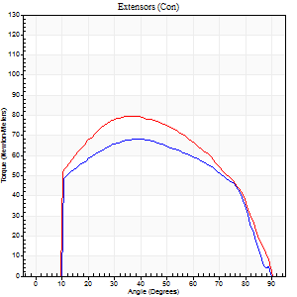
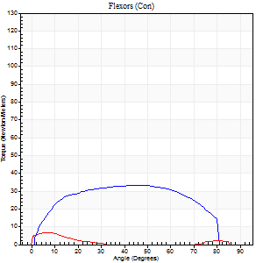
Right Side Curves Left Side Curves
Isokinetic Con/Con |  |  |  | Extensors (Con) |  | Flexors (Con)
Speed 120/120 d/s 3 Reps |  |  |  | Value | Cof Var | %BW | Value | Cof Var | %BW | Ratio

TORQUE PARAMETERS
Peak Torque (Newton-Meters - Best Repetition)
Right |  |  |  | 68 | 0.03 | 83 | 33 | 0.49 | 42 | 48
Left |  |  |  | 80 | 0.03 | 101 | 7 | 0.11 | 9 | 8
Deficit |  |  |  | 15 |  |  | 79
Work per Repetition (Newton-Meters - Best Repetition)
Right |  |  |  | 75 | 0.01 | 92 | 38 | 0.63 | 48 | 51
Left |  |  |  | 89 | 0.02 | 113 | 3 | 0.09 | 3 | 3
Deficit |  |  |  | 17 |  |  | 93
Average Power per Repetition (Watts - Best Repetition)
Right |  |  |  | 80 | 0.44 | 99 | 45 | 0.65 | 57 | 56
Left |  |  |  | 96 | 0.48 | 121 | 3 | 0.21 | 4 | 3
Deficit |  |  |  | 17 |  |  | 93
POSITION PARAMETERS
Joint Angle at Peak Torque (Degrees)
Right |  |  |  | 36 | 0.07 |  | 31 | 0.44
Left |  |  |  | 36 | 0.02 |  | 8 | 0.3
Range of Motion (Degrees)
Right |  |  |  | 0 | 0.13 |  | 90 | 0
Left |  |  |  | 0 | 0.47 |  | 90 | 0
TIME PARAMETERS
Time to Peak Torque (Seconds)
Right |  |  |  | 0.55 | 0.03 |  | 0.33 | 0.26
Left |  |  |  | 0.53 | 0 |  | 0.23 | 0.29
Time Peak Torque Held (Seconds)
Right |  |  |  | 0.03 | 0.33 |  | 0.01 | 1.73
Left |  |  |  | 0.03 | 0.33 |  | 0.02 | 1
Force Decay Time (Seconds)
Right |  |  |  | 0.33 | 0.05 |  | 0.51 | 0.19
Left |  |  |  | 0.35 | 0.08 |  | 0.91 | 0.21
Reciprocal Delay (Seconds)
Right |  |  |  | 0.09 | 0.07 |  | 0.16 | 0.06
Left |  |  |  | 0.35 | 0.06 |  | 0.31 | 0.32
Delay Time (Seconds)
Right |  |  |  | -0.04 | -0.35 |  | 0 | -6.24
Left |  |  |  | -0.04 | -0.2 |  | -0.05 | -0.57
HUMAC2015® Version: 15.000.0074 © Computer Sports Medicine, Inc. www.csmisolutions.com

Use File, Preference to set Report Heading
Long Form Torque vs. Position Report - Knee Extension/Flexion
Name: |  |  |  | TR030FP3025, | ID: |  | Right/Left: | 03.11.2021 03.11.2021
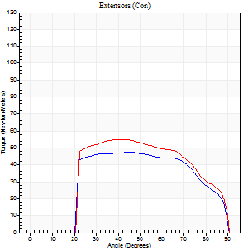
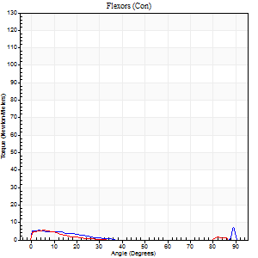
Right Side Curves Left Side Curves
Isokinetic Con/Con |  |  |  | Extensors (Con) |  | Flexors (Con)
Speed 240/240 d/s 3 Reps |  |  |  | Value | Cof Var | %BW | Value | Cof Var | %BW | Ratio

TORQUE PARAMETERS
Peak Torque (Newton-Meters - Best Repetition)
Right |  |  |  | 47 | 0.04 | 60 | 7 | 0.28 | 9 | 14
Left |  |  |  | 56 | 0.05 | 69 | 5 | 0.15 | 6 | 10
Deficit |  |  |  | 15 |  |  | 20
Work per Repetition (Newton-Meters - Best Repetition)
Right |  |  |  | 50 | 0.04 | 63 | 3 | 0.14 | 3 | 5
Left |  |  |  | 56 | 0.02 | 69 | 3 | 0.15 | 3 | 5
Deficit |  |  |  | 10 |  |  | 0
Average Power per Repetition (Watts - Best Repetition)
Right |  |  |  | 80 | 0.04 | 99 | 3 | 0.26 | 4 | 4
Left |  |  |  | 87 | 0.01 | 108 | 2 | 0.29 | 2 | 2
Deficit |  |  |  | 8 |  |  | 33
POSITION PARAMETERS
Joint Angle at Peak Torque (Degrees)
Right |  |  |  | 47 | 0.02 |  | 32 | 1.54
Left |  |  |  | 42 | 0.03 |  | 34 | 1.44
Range of Motion (Degrees)
Right |  |  |  | 0 | 0 |  | 90 | 0
Left |  |  |  | 0 | -0.47 |  | 90 | 0
TIME PARAMETERS
Time to Peak Torque (Seconds)
Right |  |  |  | 0.31 | 0 |  | 0.51 | 0.99
Left |  |  |  | 0.32 | 0.09 |  | 0.68 | 0.99
Time Peak Torque Held (Seconds)
Right |  |  |  | 0.02 | 0.5 |  | 0.14 | 1.73
Left |  |  |  | 0.01 | 1.15 |  | 0.03 | 0.92
Force Decay Time (Seconds)
Right |  |  |  | 0.28 | 0.04 |  | 0.49 | 0.81
Left |  |  |  | 0.28 | 0.04 |  | 0.61 | 1.06
Reciprocal Delay (Seconds)
Right |  |  |  | 0.46 | 0.12 |  | 0.71 | 0.14
Left |  |  |  | 0.64 | 0.38 |  | 0.88 | 0.17
Delay Time (Seconds)
Right |  |  |  | -0.06 | -0.11 |  | -0.1 | -0.12
Left |  |  |  | -0.05 | -0.39 |  | -0.1 | -0.3
HUMAC2015® Version: 15.000.0074 © Computer Sports Medicine, Inc. www.csmisolutions.com

Use File, Preference to set Report Heading
Isometric - Knee Extension/Flexion
Name: |  |  |  | TR030FP3025, | ID: |  | Right/Left: | 03.11.2021 03.11.2021

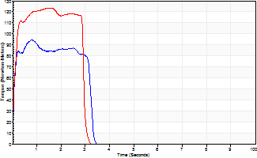
Isometric Extensors (Con) Angle 60 Time 10 Repetition 2 (Best Repetition)
 | Value | Cof Var | %BW
Peak Torque (Newton-Meters)
Right | 95 | 0.07 | 119
Left | 123 | 0 | 155
Deficit | 23
Average Torque (Newton-Meters)
Right | 27 | 0.1 | 33
Left | 34 | 0.05 | 42
Deficit | 20
Peak Torque Slope (Newton-Meters/Seconds)
Right | 131 | 0.06 | 164
Left | 89 | 0.01 | 111 |  | Right Side Curves Left Side Curves
Deficit | 32
Time to Half Peak Torque (Seconds)
Right | 0.05 | 0.13
Left | 0.11 | 0.2
Time to Peak Torque (Seconds)
Right | 0.7 | 0.13
Left | 1.38 | 0.01
HUMAC2015® Version: 15.000.0074 © Computer Sports Medicine, Inc. www.csmisolutions.com

mid2
Use File, Preference to set Report Heading
Long Form Torque vs. Position Report - Knee Extension/Flexion
Name: |  |  |  | TR030FP3025, | ID: |  | Right/Left: | 06.11.2021 06.11.2021
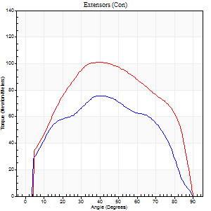
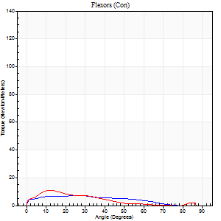
Right Side Curves Left Side Curves
Isokinetic Con/Con |  |  |  | Extensors (Con) |  | Flexors (Con)
Speed 60/60 d/s 3 Reps |  |  |  | Value | Cof Var | %BW | Value | Cof Var | %BW | Ratio

TORQUE PARAMETERS
Peak Torque (Newton-Meters - Best Repetition)
Right |  |  |  | 76 | 0.09 | 95 | 7 | 0.09 | 9 | 9
Left |  |  |  | 102 | 0.03 | 128 | 11 | 0.39 | 15 | 11
Deficit |  |  |  | 25 |  |  | 38
Work per Repetition (Newton-Meters - Best Repetition)
Right |  |  |  | 81 | 0.05 | 101 | 7 | 0.3 | 9 | 8
Left |  |  |  | 114 | 0.03 | 143 | 7 | 0.2 | 9 | 6
Deficit |  |  |  | 29 |  |  | 0
Average Power per Repetition (Watts - Best Repetition)
Right |  |  |  | 48 | 0.51 | 59 | 4 | 0.42 | 4 | 8
Left |  |  |  | 71 | 0.31 | 88 | 3 | 0.12 | 4 | 4
Deficit |  |  |  | 32 |  |  | 25
POSITION PARAMETERS
Joint Angle at Peak Torque (Degrees)
Right |  |  |  | 43 | 0.09 |  | 16 | 0.6
Left |  |  |  | 41 | 0.06 |  | 13 | 0.07
Range of Motion (Degrees)
Right |  |  |  | 0 | 1.41 |  | 89 | 0.01
Left |  |  |  | 0 | 1.41 |  | 90 | 0
TIME PARAMETERS
Time to Peak Torque (Seconds)
Right |  |  |  | 0.92 | 0.06 |  | 0.38 | 0.35
Left |  |  |  | 0.91 | 0.02 |  | 0.46 | 0.24
Time Peak Torque Held (Seconds)
Right |  |  |  | 0.05 | 0.4 |  | 0 | 1.73
Left |  |  |  | 0.08 | 0.38 |  | 0.02 | 1
Force Decay Time (Seconds)
Right |  |  |  | 0.71 | 0.11 |  | 1.43 | 0.26
Left |  |  |  | 0.66 | 0.05 |  | 1.34 | 0.12
Reciprocal Delay (Seconds)
Right |  |  |  | 0.46 | 0.2 |  | 0.49 | 0.54
Left |  |  |  | 0.52 | 0.04 |  | 0.46 | 0.33
Delay Time (Seconds)
Right |  |  |  | -0.13 | -0.11 |  | -0.04 | -0.48
Left |  |  |  | -0.05 | -0.57 |  | -0.11 | -0.71
HUMAC2015® Version: 15.000.0074 © Computer Sports Medicine, Inc. www.csmisolutions.com

Use File, Preference to set Report Heading
Long Form Torque vs. Position Report - Knee Extension/Flexion
Name: |  |  |  | TR030FP3025, | ID: |  | Right/Left: | 06.11.2021 06.11.2021
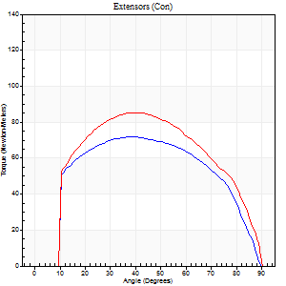
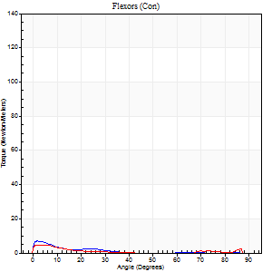
Right Side Curves Left Side Curves
Isokinetic Con/Con |  |  |  | Extensors (Con) |  | Flexors (Con)
Speed 120/120 d/s 3 Reps |  |  |  | Value | Cof Var | %BW | Value | Cof Var | %BW | Ratio

TORQUE PARAMETERS
Peak Torque (Newton-Meters - Best Repetition)
Right |  |  |  | 72 | 0.02 | 89 | 7 | 0.39 | 9 | 9
Left |  |  |  | 85 | 0.04 | 107 | 5 | 0.22 | 6 | 6
Deficit |  |  |  | 16 |  |  | 20
Work per Repetition (Newton-Meters - Best Repetition)
Right |  |  |  | 79 | 0.01 | 98 | 1 | 0.15 | 3 | 2
Left |  |  |  | 92 | 0.03 | 116 | 1 | 0.13 | 3 | 1
Deficit |  |  |  | 15 |  |  | 0
Average Power per Repetition (Watts - Best Repetition)
Right |  |  |  | 80 | 0.35 | 99 | 2 | 0.4 | 2 | 2
Left |  |  |  | 95 | 0.24 | 119 | 1 | 0.22 | 2 | 1
Deficit |  |  |  | 16 |  |  | 50
POSITION PARAMETERS
Joint Angle at Peak Torque (Degrees)
Right |  |  |  | 38 | 0.06 |  | 2 | 0.11
Left |  |  |  | 38 | 0.06 |  | 3 | 0.65
Range of Motion (Degrees)
Right |  |  |  | 0 | 0.47 |  | 90 | 0
Left |  |  |  | 0 | 0 |  | 90 | 0
TIME PARAMETERS
Time to Peak Torque (Seconds)
Right |  |  |  | 0.6 | 0.02 |  | 0.14 | 0.26
Left |  |  |  | 0.55 | 0.09 |  | 0.29 | 0.46
Time Peak Torque Held (Seconds)
Right |  |  |  | 0.05 | 0.25 |  | 0.05 | 0.89
Left |  |  |  | 0.03 | 0 |  | 0 | 0
Force Decay Time (Seconds)
Right |  |  |  | 0.34 | 0.03 |  | 1.33 | 0.34
Left |  |  |  | 0.37 | 0.04 |  | 1.51 | 0.12
Reciprocal Delay (Seconds)
Right |  |  |  | 0.5 | 0.37 |  | 0.57 | 0.3
Left |  |  |  | 0.72 | 0.22 |  | 0.97 | 0.35
Delay Time (Seconds)
Right |  |  |  | -0.11 | -0.2 |  | -0.08 | -0.3
Left |  |  |  | -0.06 | -0.54 |  | -0.19 | -0.48
HUMAC2015® Version: 15.000.0074 © Computer Sports Medicine, Inc. www.csmisolutions.com

Use File, Preference to set Report Heading
Long Form Torque vs. Position Report - Knee Extension/Flexion
Name: |  |  |  | TR030FP3025, | ID: |  | Right/Left: | 06.11.2021 06.11.2021
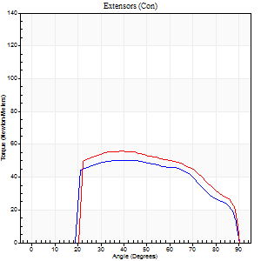
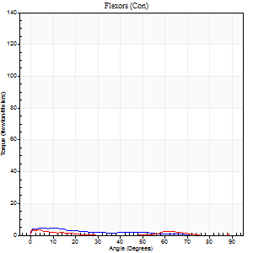
Right Side Curves Left Side Curves
Isokinetic Con/Con |  |  |  | Extensors (Con) |  | Flexors (Con)
Speed 240/240 d/s 3 Reps |  |  |  | Value | Cof Var | %BW | Value | Cof Var | %BW | Ratio

TORQUE PARAMETERS
Peak Torque (Newton-Meters - Best Repetition)
Right |  |  |  | 50 | 0.02 | 63 | 4 | 0.22 | 6 | 8
Left |  |  |  | 56 | 0.03 | 69 | 4 | 0.1 | 6 | 7
Deficit |  |  |  | 10 |  |  | 0
Work per Repetition (Newton-Meters - Best Repetition)
Right |  |  |  | 52 | 0.04 | 66 | 3 | 0.33 | 3 | 5
Left |  |  |  | 56 | 0.02 | 69 | 1 | 0.16 | 3 | 2
Deficit |  |  |  | 7 |  |  | 50
Average Power per Repetition (Watts - Best Repetition)
Right |  |  |  | 71 | 0.09 | 88 | 2 | 0.57 | 2 | 3
Left |  |  |  | 89 | 0.05 | 112 | 1 | 0.44 | 2 | 1
Deficit |  |  |  | 20 |  |  | 50
POSITION PARAMETERS
Joint Angle at Peak Torque (Degrees)
Right |  |  |  | 42 | 0.03 |  | 6 | 0.59
Left |  |  |  | 41 | 0.04 |  | 5 | 1.57
Range of Motion (Degrees)
Right |  |  |  | 0 | 0 |  | 90 | 0
Left |  |  |  | 0 | 0 |  | 90 | 0
TIME PARAMETERS
Time to Peak Torque (Seconds)
Right |  |  |  | 0.39 | 0.02 |  | 0.33 | 0.26
Left |  |  |  | 0.35 | 0.04 |  | 0.29 | 0.93
Time Peak Torque Held (Seconds)
Right |  |  |  | 0.02 | 1 |  | 0.02 | 1.73
Left |  |  |  | 0.02 | 0.5 |  | 0.05 | 1.73
Force Decay Time (Seconds)
Right |  |  |  | 0.26 | 0.07 |  | 1.11 | 0.6
Left |  |  |  | 0.28 | 0.04 |  | 1.67 | 0.45
Reciprocal Delay (Seconds)
Right |  |  |  | 0.5 | 0.42 |  | 1.18 | 0.17
Left |  |  |  | 0.71 | 0.09 |  | 1.28 | 0.18
Delay Time (Seconds)
Right |  |  |  | 0.12 | 2.55 |  | -0.13 | -0.2
Left |  |  |  | -0.08 | -0.18 |  | -0.12 | -0.17
HUMAC2015® Version: 15.000.0074 © Computer Sports Medicine, Inc. www.csmisolutions.com

Use File, Preference to set Report Heading
Isometric - Knee Extension/Flexion
Name: |  |  |  | TR030FP3025, | ID: |  | Right/Left: | 06.11.2021 06.11.2021

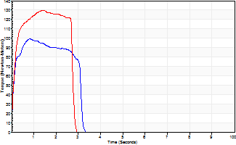
Isometric Extensors (Con) Angle 60 Time 10 Repetition 2 (Best Repetition)
 | Value | Cof Var | %BW
Peak Torque (Newton-Meters)
Right | 99 | 0.05 | 122
Left | 130 | 0.02 | 164
Deficit | 24
Average Torque (Newton-Meters)
Right | 27 | 0.08 | 33
Left | 34 | 0.02 | 42
Deficit | 20
Peak Torque Slope (Newton-Meters/Seconds)
Right | 120 | 0.44 | 149
Left | 106 | 0.1 | 132 |  | Right Side Curves Left Side Curves
Deficit | 12
Time to Half Peak Torque (Seconds)
Right | 0.09 | 0.07
Left | 0.12 | 0.12
Time to Peak Torque (Seconds)
Right | 1.14 | 0.4
Left | 1.3 | 0.11
HUMAC2015® Version: 15.000.0074 © Computer Sports Medicine, Inc. www.csmisolutions.com

post1
Use File, Preference to set Report Heading
Long Form Torque vs. Position Report - Knee Extension/Flexion
Name: |  |  |  | TR030FP3025, | ID: |  | Right/Left: | 01.12.2021 01.12.2021
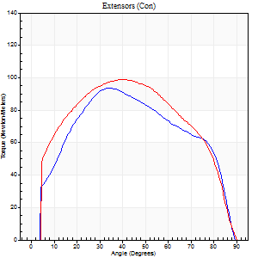
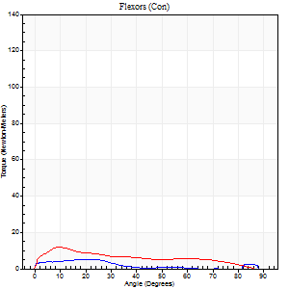
Right Side Curves Left Side Curves
Isokinetic Con/Con |  |  |  | Extensors (Con) |  | Flexors (Con)
Speed 60/60 d/s 3 Reps |  |  |  | Value | Cof Var | %BW | Value | Cof Var | %BW | Ratio

TORQUE PARAMETERS
Peak Torque (Newton-Meters - Best Repetition)
Right |  |  |  | 94 | 0.14 | 116 | 5 | 0.4 | 6 | 6
Left |  |  |  | 99 | 0.04 | 122 | 12 | 0.18 | 15 | 12
Deficit |  |  |  | 5 |  |  | 56
Work per Repetition (Newton-Meters - Best Repetition)
Right |  |  |  | 102 | 0.13 | 128 | 3 | 0.31 | 3 | 3
Left |  |  |  | 113 | 0.05 | 140 | 9 | 0.17 | 12 | 8
Deficit |  |  |  | 10 |  |  | 71
Average Power per Repetition (Watts - Best Repetition)
Right |  |  |  | 53 | 0.05 | 66 | 1 | 0.17 | 2 | 2
Left |  |  |  | 67 | 0.28 | 84 | 6 | 0.19 | 7 | 9
Deficit |  |  |  | 21 |  |  | 83
POSITION PARAMETERS
Joint Angle at Peak Torque (Degrees)
Right |  |  |  | 47 | 0.24 |  | 22 | 0.18
Left |  |  |  | 38 | 0.07 |  | 26 | 1.04
Range of Motion (Degrees)
Right |  |  |  | 0 | 1.41 |  | 90 | 0.01
Left |  |  |  | 0 | 0.71 |  | 90 | 0
TIME PARAMETERS
Time to Peak Torque (Seconds)
Right |  |  |  | 0.77 | 0.13 |  | 0.62 | 0.21
Left |  |  |  | 1 | 0.05 |  | 0.54 | 1
Time Peak Torque Held (Seconds)
Right |  |  |  | 0.03 | 0.17 |  | 0.05 | 1.22
Left |  |  |  | 0.06 | 0.27 |  | 0.01 | 0.87
Force Decay Time (Seconds)
Right |  |  |  | 0.78 | 0.23 |  | 1.31 | 0.26
Left |  |  |  | 0.62 | 0.1 |  | 1.08 | 0.35
Reciprocal Delay (Seconds)
Right |  |  |  | 0.48 | 0.09 |  | 0.36 | 0.54
Left |  |  |  | 0.54 | 0.1 |  | 0.29 | 0.31
Delay Time (Seconds)
Right |  |  |  | -0.12 | -0.24 |  | -0.02 | -3.28
Left |  |  |  | -0.11 | 0 |  | -0.03 | -0.96
HUMAC2015® Version: 15.000.0074 © Computer Sports Medicine, Inc. www.csmisolutions.com

Use File, Preference to set Report Heading
Long Form Torque vs. Position Report - Knee Extension/Flexion
Name: |  |  |  | TR030FP3025, | ID: |  | Right/Left: | 01.12.2021 01.12.2021
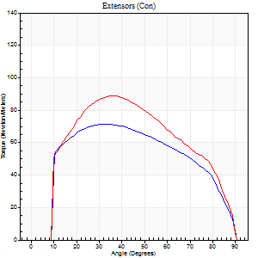
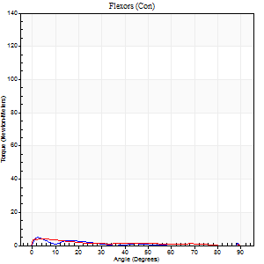
Right Side Curves Left Side Curves
Isokinetic Con/Con |  |  |  | Extensors (Con) |  | Flexors (Con)
Speed 120/120 d/s 3 Reps |  |  |  | Value | Cof Var | %BW | Value | Cof Var | %BW | Ratio

TORQUE PARAMETERS
Peak Torque (Newton-Meters - Best Repetition)
Right |  |  |  | 72 | 0.08 | 89 | 5 | 0.08 | 6 | 8
Left |  |  |  | 89 | 0.05 | 113 | 4 | 0.15 | 6 | 5
Deficit |  |  |  | 20 |  |  | 25
Work per Repetition (Newton-Meters - Best Repetition)
Right |  |  |  | 80 | 0.11 | 101 | 3 | 0.2 | 3 | 3
Left |  |  |  | 94 | 0.05 | 116 | 4 | 0.46 | 6 | 4
Deficit |  |  |  | 14 |  |  | 33
Average Power per Repetition (Watts - Best Repetition)
Right |  |  |  | 82 | 0.34 | 103 | 2 | 0.47 | 2 | 2
Left |  |  |  | 98 | 0.06 | 123 | 3 | 0.59 | 4 | 3
Deficit |  |  |  | 16 |  |  | 33
POSITION PARAMETERS
Joint Angle at Peak Torque (Degrees)
Right |  |  |  | 33 | 0.05 |  | 4 | 0.55
Left |  |  |  | 35 | 0.06 |  | 15 | 1.47
Range of Motion (Degrees)
Right |  |  |  | 0 | 1.21 |  | 90 | 0
Left |  |  |  | 0 | 0 |  | 90 | 0
TIME PARAMETERS
Time to Peak Torque (Seconds)
Right |  |  |  | 0.65 | 0.01 |  | 0.23 | 0.2
Left |  |  |  | 0.6 | 0 |  | 0.36 | 0.9
Time Peak Torque Held (Seconds)
Right |  |  |  | 0.03 | 0.67 |  | 0 | 1.73
Left |  |  |  | 0.02 | 0.25 |  | 0.01 | 1.73
Force Decay Time (Seconds)
Right |  |  |  | 0.31 | 0.07 |  | 1.19 | 0.27
Left |  |  |  | 0.36 | 0.06 |  | 0.99 | 0.63
Reciprocal Delay (Seconds)
Right |  |  |  | 0.62 | 0.02 |  | 0.53 | 0.36
Left |  |  |  | 0.7 | 0.12 |  | 1.29 | 0.21
Delay Time (Seconds)
Right |  |  |  | -0.11 | -0.06 |  | -0.11 | -0.6
Left |  |  |  | -0.07 | -0.61 |  | -0.11 | -0.09
HUMAC2015® Version: 15.000.0074 © Computer Sports Medicine, Inc. www.csmisolutions.com

Use File, Preference to set Report Heading
Long Form Torque vs. Position Report - Knee Extension/Flexion
Name: |  |  |  | TR030FP3025, | ID: |  | Right/Left: | 01.12.2021 01.12.2021
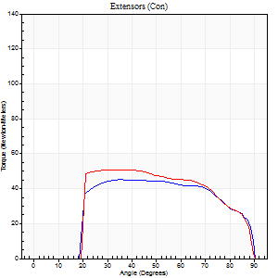
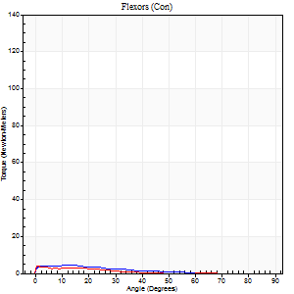
Right Side Curves Left Side Curves
Isokinetic Con/Con |  |  |  | Extensors (Con) |  | Flexors (Con)
Speed 240/240 d/s 3 Reps |  |  |  | Value | Cof Var | %BW | Value | Cof Var | %BW | Ratio

TORQUE PARAMETERS
Peak Torque (Newton-Meters - Best Repetition)
Right |  |  |  | 45 | 0.03 | 57 | 4 | 0.24 | 6 | 9
Left |  |  |  | 50 | 0.03 | 63 | 4 | 0.02 | 6 | 8
Deficit |  |  |  | 11 |  |  | 0
Work per Repetition (Newton-Meters - Best Repetition)
Right |  |  |  | 49 | 0.05 | 60 | 3 | 0.45 | 3 | 6
Left |  |  |  | 52 | 0.03 | 66 | 1 | 0.05 | 3 | 3
Deficit |  |  |  | 5 |  |  | 50
Average Power per Repetition (Watts - Best Repetition)
Right |  |  |  | 65 | 0.08 | 81 | 3 | 0.82 | 4 | 5
Left |  |  |  | 73 | 0.03 | 90 | 1 | 0.09 | 2 | 1
Deficit |  |  |  | 11 |  |  | 67
POSITION PARAMETERS
Joint Angle at Peak Torque (Degrees)
Right |  |  |  | 44 | 0.17 |  | 5 | 1.06
Left |  |  |  | 35 | 0.15 |  | 3 | 1.31
Range of Motion (Degrees)
Right |  |  |  | 0 | -1.41 |  | 90 | 0
Left |  |  |  | 0 | 0 |  | 90 | 0
TIME PARAMETERS
Time to Peak Torque (Seconds)
Right |  |  |  | 0.44 | 0.08 |  | 0.29 | 0.26
Left |  |  |  | 0.44 | 0 |  | 0.22 | 0.79
Time Peak Torque Held (Seconds)
Right |  |  |  | 0.03 | 0.94 |  | 0 | 1.73
Left |  |  |  | 0 | 1.73 |  | 0.03 | 1.73
Force Decay Time (Seconds)
Right |  |  |  | 0.27 | 0.04 |  | 1.3 | 0.46
Left |  |  |  | 0.26 | 0.06 |  | 1.04 | 0.09
Reciprocal Delay (Seconds)
Right |  |  |  | 0.76 | 0.05 |  | 0.85 | 0.13
Left |  |  |  | 0.82 | 0.26 |  | 1.06 | 0.21
Delay Time (Seconds)
Right |  |  |  | -0.18 | -0.24 |  | -0.13 | -0.16
Left |  |  |  | -0.09 | -0.37 |  | -0.11 | -0.11
HUMAC2015® Version: 15.000.0074 © Computer Sports Medicine, Inc. www.csmisolutions.com

Use File, Preference to set Report Heading
Isometric - Knee Extension/Flexion
Name: |  |  |  | TR030FP3025, | ID: |  | Right/Left: | 01.12.2021 01.12.2021

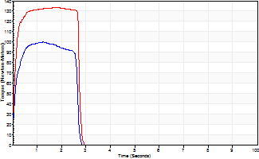
Isometric Extensors (Con) Angle 60 Time 10 Repetition 2 (Best Repetition)
 | Value | Cof Var | %BW
Peak Torque (Newton-Meters)
Right | 100 | 0.03 | 125
Left | 133 | 0 | 167
Deficit | 24
Average Torque (Newton-Meters)
Right | 24 | 0.05 | 30
Left | 34 | 0.02 | 42
Deficit | 28
Peak Torque Slope (Newton-Meters/Seconds)
Right | 80 | 0.04 | 100
Left | 99 | 0.23 | 124 |  | Right Side Curves Left Side Curves
Deficit | 20
Time to Half Peak Torque (Seconds)
Right | 0.09 | 0.07
Left | 0.09 | 0
Time to Peak Torque (Seconds)
Right | 1.25 | 0.01
Left | 1.59 | 0.23
HUMAC2015® Version: 15.000.0074 © Computer Sports Medicine, Inc. www.csmisolutions.com

post2
Use File, Preference to set Report Heading
Long Form Torque vs. Position Report - Knee Extension/Flexion
Name: |  |  |  | TR030FP3025, | ID: |  | Right/Left: | 03.12.2021 03.12.2021
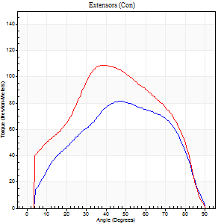
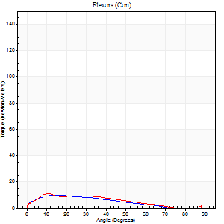
Right Side Curves Left Side Curves
Isokinetic Con/Con |  |  |  | Extensors (Con) |  | Flexors (Con)
Speed 60/60 d/s 3 Reps |  |  |  | Value | Cof Var | %BW | Value | Cof Var | %BW | Ratio

TORQUE PARAMETERS
Peak Torque (Newton-Meters - Best Repetition)
Right |  |  |  | 81 | 0.15 | 101 | 9 | 0.64 | 12 | 12
Left |  |  |  | 108 | 0.11 | 134 | 11 | 0.24 | 15 | 10
Deficit |  |  |  | 25 |  |  | 13
Work per Repetition (Newton-Meters - Best Repetition)
Right |  |  |  | 84 | 0.1 | 104 | 8 | 0.79 | 9 | 10
Left |  |  |  | 113 | 0.11 | 140 | 8 | 0.17 | 9 | 7
Deficit |  |  |  | 25 |  |  | 0
Average Power per Repetition (Watts - Best Repetition)
Right |  |  |  | 49 | 0.33 | 62 | 5 | 0.99 | 7 | 10
Left |  |  |  | 67 | 0.09 | 84 | 5 | 0.15 | 7 | 7
Deficit |  |  |  | 27 |  |  | 0
POSITION PARAMETERS
Joint Angle at Peak Torque (Degrees)
Right |  |  |  | 46 | 0.07 |  | 20 | 0.93
Left |  |  |  | 51 | 0.24 |  | 11 | 0.12
Range of Motion (Degrees)
Right |  |  |  | 0 | 0.81 |  | 90 | 0
Left |  |  |  | 0 | 0.47 |  | 90 | 0
TIME PARAMETERS
Time to Peak Torque (Seconds)
Right |  |  |  | 0.91 | 0.07 |  | 0.51 | 0.93
Left |  |  |  | 0.85 | 0.24 |  | 0.31 | 0.24
Time Peak Torque Held (Seconds)
Right |  |  |  | 0.02 | 0.65 |  | 0.02 | 1
Left |  |  |  | 0.04 | 0.75 |  | 0.05 | 1
Force Decay Time (Seconds)
Right |  |  |  | 0.77 | 0.07 |  | 1.37 | 0.15
Left |  |  |  | 0.84 | 0.26 |  | 1.3 | 0.1
Reciprocal Delay (Seconds)
Right |  |  |  | 0.64 | 0.11 |  | 0.3 | 0.33
Left |  |  |  | 0.58 | 0.06 |  | 0.36 | 0.49
Delay Time (Seconds)
Right |  |  |  | -0.17 | -0.28 |  | -0.04 | -0.74
Left |  |  |  | -0.05 | -0.85 |  | -0.07 | -1.03
HUMAC2015® Version: 15.000.0074 © Computer Sports Medicine, Inc. www.csmisolutions.com

Use File, Preference to set Report Heading
Long Form Torque vs. Position Report - Knee Extension/Flexion
Name: |  |  |  | TR030FP3025, | ID: |  | Right/Left: | 03.12.2021 03.12.2021
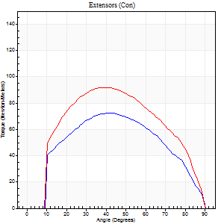
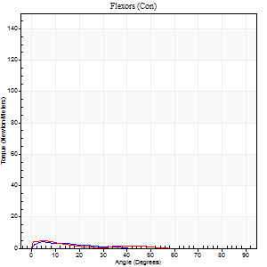
Right Side Curves Left Side Curves
Isokinetic Con/Con |  |  |  | Extensors (Con) |  | Flexors (Con)
Speed 120/120 d/s 3 Reps |  |  |  | Value | Cof Var | %BW | Value | Cof Var | %BW | Ratio

TORQUE PARAMETERS
Peak Torque (Newton-Meters - Best Repetition)
Right |  |  |  | 72 | 0.15 | 89 | 4 | 0.15 | 6 | 6
Left |  |  |  | 92 | 0.04 | 116 | 5 | 0.12 | 6 | 6
Deficit |  |  |  | 22 |  |  | 25
Work per Repetition (Newton-Meters - Best Repetition)
Right |  |  |  | 75 | 0.13 | 92 | 1 | 0.04 | 3 | 2
Left |  |  |  | 98 | 0.04 | 122 | 1 | 0.11 | 3 | 1
Deficit |  |  |  | 24 |  |  | 0
Average Power per Repetition (Watts - Best Repetition)
Right |  |  |  | 74 | 0.1 | 92 | 1 | 0.21 | 2 | 1
Left |  |  |  | 102 | 0.04 | 127 | 2 | 0.23 | 2 | 2
Deficit |  |  |  | 27 |  |  | 50
POSITION PARAMETERS
Joint Angle at Peak Torque (Degrees)
Right |  |  |  | 44 | 0.05 |  | 5 | 0.11
Left |  |  |  | 37 | 0.01 |  | 33 | 1.47
Range of Motion (Degrees)
Right |  |  |  | 0 | 0.2 |  | 90 | 0
Left |  |  |  | 0 | 0 |  | 90 | 0
TIME PARAMETERS
Time to Peak Torque (Seconds)
Right |  |  |  | 0.51 | 0.01 |  | 0.25 | 0.24
Left |  |  |  | 0.56 | 0.05 |  | 0.64 | 1.19
Time Peak Torque Held (Seconds)
Right |  |  |  | 0.02 | 1 |  | 0.05 | 0.94
Left |  |  |  | 0.03 | 0.22 |  | 0.05 | 0.72
Force Decay Time (Seconds)
Right |  |  |  | 0.41 | 0.07 |  | 1.17 | 0.19
Left |  |  |  | 0.36 | 0.03 |  | 0.63 | 0.93
Reciprocal Delay (Seconds)
Right |  |  |  | 0.56 | 0.04 |  | 0.36 | 0.46
Left |  |  |  | 1.09 | 0.24 |  | 0.39 | 0.79
Delay Time (Seconds)
Right |  |  |  | -0.09 | 0 |  | -0.08 | -0.54
Left |  |  |  | -0.08 | -0.47 |  | -0.1 | -0.69
HUMAC2015® Version: 15.000.0074 © Computer Sports Medicine, Inc. www.csmisolutions.com

Use File, Preference to set Report Heading
Long Form Torque vs. Position Report - Knee Extension/Flexion
Name: |  |  |  | TR030FP3025, | ID: |  | Right/Left: | 03.12.2021 03.12.2021
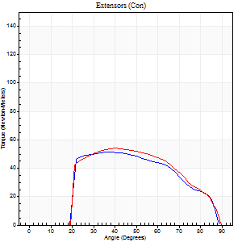

Right Side Curves Left Side Curves
Isokinetic Con/Con |  |  |  | Extensors (Con) |  | Flexors (Con)
Speed 240/240 d/s 3 Reps |  |  |  | Value | Cof Var | %BW | Value | Cof Var | %BW | Ratio

TORQUE PARAMETERS
Peak Torque (Newton-Meters - Best Repetition)
Right |  |  |  | 52 | 0.19 | 66 | 5 | 0.37 | 6 | 11
Left |  |  |  | 54 | 0.24 | 69 | 5 | 0.08 | 6 | 10
Deficit |  |  |  | 5 |  |  | 0
Work per Repetition (Newton-Meters - Best Repetition)
Right |  |  |  | 49 | 0.14 | 60 | 3 | 0.31 | 3 | 6
Left |  |  |  | 50 | 0.23 | 63 | 3 | 0.34 | 3 | 5
Deficit |  |  |  | 3 |  |  | 0
Average Power per Repetition (Watts - Best Repetition)
Right |  |  |  | 75 | 0.54 | 95 | 2 | 0.45 | 2 | 3
Left |  |  |  | 72 | 0.21 | 90 | 3 | 0.36 | 4 | 4
Deficit |  |  |  | 4 |  |  | 33
POSITION PARAMETERS
Joint Angle at Peak Torque (Degrees)
Right |  |  |  | 47 | 0.35 |  | 2 | 0.72
Left |  |  |  | 47 | 0.25 |  | 3 | 0.06
Range of Motion (Degrees)
Right |  |  |  | 0 | -1.41 |  | 90 | 0
Left |  |  |  | 0 | 1.41 |  | 90 | 0
TIME PARAMETERS
Time to Peak Torque (Seconds)
Right |  |  |  | 0.7 | 0.63 |  | 0.21 | 0.36
Left |  |  |  | 0.45 | 0.09 |  | 0.19 | 0.17
Time Peak Torque Held (Seconds)
Right |  |  |  | 0.06 | 1.05 |  | 0.09 | 0.67
Left |  |  |  | 0.02 | 0.35 |  | 0.32 | 1.73
Force Decay Time (Seconds)
Right |  |  |  | 0.24 | 0.07 |  | 1.17 | 0.26
Left |  |  |  | 0.3 | 0.17 |  | 0.67 | 0.67
Reciprocal Delay (Seconds)
Right |  |  |  | 0.64 | 0.27 |  | 0.87 | 0.32
Left |  |  |  | 0.57 | 0.45 |  | 0.69 | 0.24
Delay Time (Seconds)
Right |  |  |  | -0.32 | -1.1 |  | -0.12 | -0.61
Left |  |  |  | -0.13 | -0.54 |  | -0.09 | -0.31
HUMAC2015® Version: 15.000.0074 © Computer Sports Medicine, Inc. www.csmisolutions.com

Use File, Preference to set Report Heading
Isometric - Knee Extension/Flexion
Name: |  |  |  | TR030FP3025, | ID: |  | Right/Left: | 03.12.2021 03.12.2021

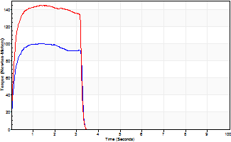
Isometric Extensors (Con) Angle 60 Time 10 Repetition 2 (Best Repetition)
 | Value | Cof Var | %BW
Peak Torque (Newton-Meters)
Right | 100 | 0 | 125
Left | 144 | 0.02 | 179
Deficit | 30
Average Torque (Newton-Meters)
Right | 30 | 0.1 | 36
Left | 43 | 0.07 | 54
Deficit | 31
Peak Torque Slope (Newton-Meters/Seconds)
Right | 77 | 0.06 | 96
Left | 105 | 0.15 | 131 |  | Right Side Curves Left Side Curves
Deficit | 27
Time to Half Peak Torque (Seconds)
Right | 0.11 | 0.07
Left | 0.11 | 0.06
Time to Peak Torque (Seconds)
Right | 1.35 | 0.06
Left | 1.51 | 0.13
HUMAC2015® Version: 15.000.0074 © Computer Sports Medicine, Inc. www.csmisolutions.com

