pre1
Use File, Preference to set Report Heading
Long Form Torque vs. Position Report - Knee Extension/Flexion
Name: |  |  |  | TR030FP3026, | ID: |  | Right/Left: | 10.09.2021 10.09.2021
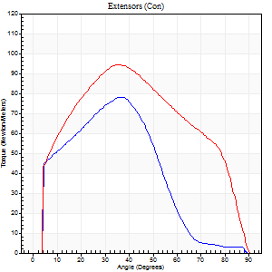
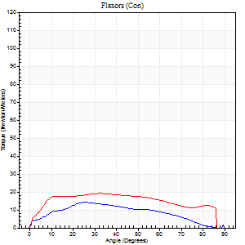
Right Side Curves Left Side Curves
Isokinetic Con/Con |  |  |  | Extensors (Con) |  | Flexors (Con)
Speed 60/60 d/s 3 Reps |  |  |  | Value | Cof Var | %BW | Value | Cof Var | %BW | Ratio

TORQUE PARAMETERS
Peak Torque (Newton-Meters - Best Repetition)
Right |  |  |  | 79 | 0.08 | 116 | 14 | 0.09 | 21 | 17
Left |  |  |  | 94 | 0.04 | 140 | 19 | 0.29 | 30 | 20
Deficit |  |  |  | 16 |  |  | 29
Work per Repetition (Newton-Meters - Best Repetition)
Right |  |  |  | 80 | 0.13 | 119 | 14 | 0.06 | 21 | 17
Left |  |  |  | 102 | 0.03 | 152 | 23 | 0.33 | 36 | 23
Deficit |  |  |  | 21 |  |  | 41
Average Power per Repetition (Watts - Best Repetition)
Right |  |  |  | 49 | 0.16 | 73 | 8 | 0.04 | 11 | 16
Left |  |  |  | 65 | 0.35 | 97 | 15 | 0.33 | 22 | 23
Deficit |  |  |  | 25 |  |  | 47
POSITION PARAMETERS
Joint Angle at Peak Torque (Degrees)
Right |  |  |  | 49 | 0.22 |  | 32 | 0.37
Left |  |  |  | 36 | 0.02 |  | 34 | 0.16
Range of Motion (Degrees)
Right |  |  |  | 0 | -0.47 |  | 90 | 0
Left |  |  |  | 0 | -1.41 |  | 90 | 0
TIME PARAMETERS
Time to Peak Torque (Seconds)
Right |  |  |  | 0.65 | 0.08 |  | 0.63 | 0.32
Left |  |  |  | 0.94 | 0 |  | 0.65 | 0.15
Time Peak Torque Held (Seconds)
Right |  |  |  | 0.04 | 0.43 |  | 0.03 | 1.73
Left |  |  |  | 0.05 | 0.11 |  | 0.21 | 0.79
Force Decay Time (Seconds)
Right |  |  |  | 0.82 | 0.23 |  | 0.94 | 0.18
Left |  |  |  | 0.59 | 0.02 |  | 0.72 | 0.2
Reciprocal Delay (Seconds)
Right |  |  |  | 0.32 | 0.33 |  | 0.56 | 0.24
Left |  |  |  | 0.22 | 0.09 |  | 0.32 | 0.22
Delay Time (Seconds)
Right |  |  |  | -0.04 | 0 |  | -0.03 | -0.22
Left |  |  |  | -0.02 | -0.85 |  | -0.02 | -0.69
HUMAC2015® Version: 15.000.0074 © Computer Sports Medicine, Inc. www.csmisolutions.com

Use File, Preference to set Report Heading
Long Form Torque vs. Position Report - Knee Extension/Flexion
Name: |  |  |  | TR030FP3026, | ID: |  | Right/Left: | 10.09.2021 10.09.2021
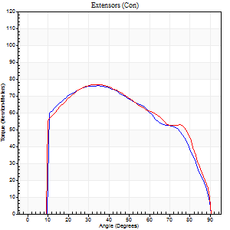
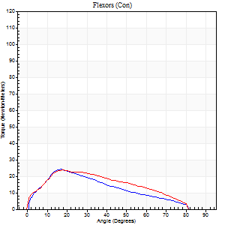
Right Side Curves Left Side Curves
Isokinetic Con/Con |  |  |  | Extensors (Con) |  | Flexors (Con)
Speed 120/120 d/s 3 Reps |  |  |  | Value | Cof Var | %BW | Value | Cof Var | %BW | Ratio

TORQUE PARAMETERS
Peak Torque (Newton-Meters - Best Repetition)
Right |  |  |  | 76 | 0.03 | 113 | 24 | 0.38 | 36 | 32
Left |  |  |  | 77 | 0.05 | 116 | 23 | 0.23 | 36 | 30
Deficit |  |  |  | 2 |  |  | 6
Work per Repetition (Newton-Meters - Best Repetition)
Right |  |  |  | 83 | 0.03 | 122 | 19 | 0.36 | 30 | 23
Left |  |  |  | 85 | 0.06 | 128 | 22 | 0.26 | 33 | 25
Deficit |  |  |  | 3 |  |  | 13
Average Power per Repetition (Watts - Best Repetition)
Right |  |  |  | 90 | 0.04 | 134 | 21 | 0.32 | 31 | 23
Left |  |  |  | 93 | 0.06 | 138 | 25 | 0.25 | 37 | 27
Deficit |  |  |  | 3 |  |  | 16
POSITION PARAMETERS
Joint Angle at Peak Torque (Degrees)
Right |  |  |  | 34 | 0.01 |  | 20 | 0.12
Left |  |  |  | 35 | 0.02 |  | 34 | 0.79
Range of Motion (Degrees)
Right |  |  |  | 0 | 0.11 |  | 90 | 0
Left |  |  |  | 0 | 0 |  | 90 | 0
TIME PARAMETERS
Time to Peak Torque (Seconds)
Right |  |  |  | 0.59 | 0.04 |  | 0.24 | 0.06
Left |  |  |  | 0.53 | 0.05 |  | 0.37 | 0.54
Time Peak Torque Held (Seconds)
Right |  |  |  | 0.04 | 0.13 |  | 0.01 | 0.43
Left |  |  |  | 0.03 | 0.35 |  | 0.02 | 0.92
Force Decay Time (Seconds)
Right |  |  |  | 0.3 | 0.05 |  | 0.62 | 0.08
Left |  |  |  | 0.33 | 0.05 |  | 0.48 | 0.44
Reciprocal Delay (Seconds)
Right |  |  |  | 0.15 | 0.09 |  | 0.19 | 0.34
Left |  |  |  | 0.16 | 0.05 |  | 0.19 | 0.33
Delay Time (Seconds)
Right |  |  |  | -0.05 | -0.16 |  | 0.05 | 0.87
Left |  |  |  | -0.03 | -0.47 |  | -0.01 | -0.87
HUMAC2015® Version: 15.000.0074 © Computer Sports Medicine, Inc. www.csmisolutions.com

Use File, Preference to set Report Heading
Long Form Torque vs. Position Report - Knee Extension/Flexion
Name: |  |  |  | TR030FP3026, | ID: |  | Right/Left: | 10.09.2021 10.09.2021
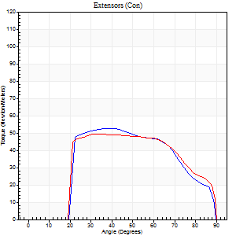
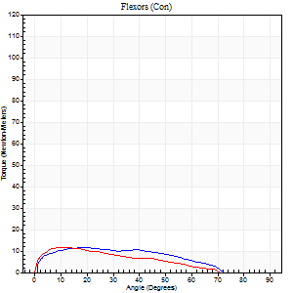
Right Side Curves Left Side Curves
Isokinetic Con/Con |  |  |  | Extensors (Con) |  | Flexors (Con)
Speed 240/240 d/s 3 Reps |  |  |  | Value | Cof Var | %BW | Value | Cof Var | %BW | Ratio

TORQUE PARAMETERS
Peak Torque (Newton-Meters - Best Repetition)
Right |  |  |  | 53 | 0.02 | 80 | 12 | 0.25 | 18 | 23
Left |  |  |  | 49 | 0.03 | 72 | 12 | 0.43 | 18 | 25
Deficit |  |  |  | 8 |  |  | 0
Work per Repetition (Newton-Meters - Best Repetition)
Right |  |  |  | 52 | 0.04 | 77 | 11 | 0.3 | 15 | 21
Left |  |  |  | 52 | 0.06 | 77 | 8 | 0.55 | 12 | 16
Deficit |  |  |  | 0 |  |  | 25
Average Power per Repetition (Watts - Best Repetition)
Right |  |  |  | 88 | 0.01 | 132 | 17 | 0.33 | 26 | 19
Left |  |  |  | 84 | 0.56 | 125 | 13 | 0.65 | 20 | 15
Deficit |  |  |  | 5 |  |  | 24
POSITION PARAMETERS
Joint Angle at Peak Torque (Degrees)
Right |  |  |  | 37 | 0.06 |  | 15 | 0.24
Left |  |  |  | 34 | 0.03 |  | 9 | 0.47
Range of Motion (Degrees)
Right |  |  |  | 0 | 0.47 |  | 89 | 0
Left |  |  |  | 1 | 0.25 |  | 89 | 0
TIME PARAMETERS
Time to Peak Torque (Seconds)
Right |  |  |  | 0.32 | 0 |  | 0.22 | 0.05
Left |  |  |  | 0.31 | 0.02 |  | 0.2 | 0.25
Time Peak Torque Held (Seconds)
Right |  |  |  | 0.01 | 1.73 |  | 0 | 1.73
Left |  |  |  | 0.01 | 1 |  | 0.03 | 1.48
Force Decay Time (Seconds)
Right |  |  |  | 0.23 | 0.03 |  | 0.41 | 0.09
Left |  |  |  | 0.22 | 0.07 |  | 0.52 | 0.44
Reciprocal Delay (Seconds)
Right |  |  |  | 0.07 | 0 |  | 0.17 | 0.17
Left |  |  |  | 0.05 | 0.13 |  | 0.17 | 0.19
Delay Time (Seconds)
Right |  |  |  | -0.03 | 0 |  | -0.02 | -1.51
Left |  |  |  | -0.02 | 0 |  | -0.06 | -0.1
HUMAC2015® Version: 15.000.0074 © Computer Sports Medicine, Inc. www.csmisolutions.com

Use File, Preference to set Report Heading
Isometric - Knee Extension/Flexion
Name: |  |  |  | TR030FP3026, | ID: |  | Right/Left: | 10.09.2021 10.09.2021

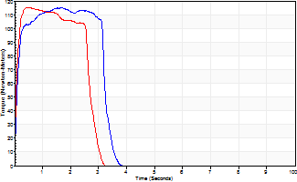
Isometric Extensors (Con) Angle 60 Time 10 Repetition 2 (Best Repetition)
 | Value | Cof Var | %BW
Peak Torque (Newton-Meters)
Right | 115 | 0.05 | 173
Left | 115 | 0.08 | 173
Deficit | 0
Average Torque (Newton-Meters)
Right | 35 | 0.29 | 54
Left | 31 | 0.05 | 48
Deficit | 12
Peak Torque Slope (Newton-Meters/Seconds)
Right | 70 | 0.21 | 104
Left | 226 | 0.6 | 337 |  | Right Side Curves Left Side Curves
Deficit | 69
Time to Half Peak Torque (Seconds)
Right | 0.09 | 0.16
Left | 0.06 | 0.11
Time to Peak Torque (Seconds)
Right | 1.85 | 0.16
Left | 0.81 | 0.54
HUMAC2015® Version: 15.000.0074 © Computer Sports Medicine, Inc. www.csmisolutions.com

pre2
Use File, Preference to set Report Heading
Long Form Torque vs. Position Report - Knee Extension/Flexion
Name: |  |  |  | TR030FP3026, | ID: |  | Right/Left: | 22.09.2021 22.09.2021
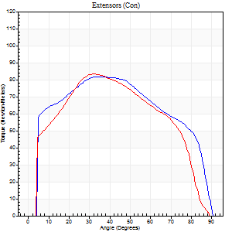
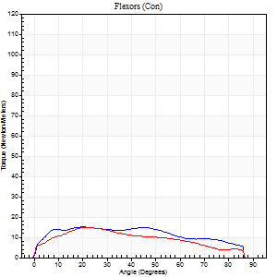
Right Side Curves Left Side Curves
Isokinetic Con/Con |  |  |  | Extensors (Con) |  | Flexors (Con)
Speed 60/60 d/s 3 Reps |  |  |  | Value | Cof Var | %BW | Value | Cof Var | %BW | Ratio

TORQUE PARAMETERS
Peak Torque (Newton-Meters - Best Repetition)
Right |  |  |  | 81 | 0.04 | 122 | 15 | 0.17 | 21 | 18
Left |  |  |  | 83 | 0.11 | 122 | 15 | 0.55 | 21 | 18
Deficit |  |  |  | 2 |  |  | 0
Work per Repetition (Newton-Meters - Best Repetition)
Right |  |  |  | 98 | 0.07 | 146 | 18 | 0.27 | 27 | 18
Left |  |  |  | 91 | 0.05 | 137 | 14 | 0.71 | 21 | 15
Deficit |  |  |  | 7 |  |  | 23
Average Power per Repetition (Watts - Best Repetition)
Right |  |  |  | 59 | 0.2 | 88 | 11 | 0.26 | 15 | 19
Left |  |  |  | 54 | 0.27 | 81 | 9 | 0.73 | 13 | 17
Deficit |  |  |  | 8 |  |  | 18
POSITION PARAMETERS
Joint Angle at Peak Torque (Degrees)
Right |  |  |  | 44 | 0.17 |  | 21 | 0.18
Left |  |  |  | 35 | 0.09 |  | 15 | 0.69
Range of Motion (Degrees)
Right |  |  |  | 0 | 0 |  | 90 | 0
Left |  |  |  | 0 | 0 |  | 90 | 0
TIME PARAMETERS
Time to Peak Torque (Seconds)
Right |  |  |  | 0.75 | 0.03 |  | 0.42 | 0.22
Left |  |  |  | 1 | 0.09 |  | 0.36 | 0.38
Time Peak Torque Held (Seconds)
Right |  |  |  | 0.04 | 1 |  | 0.18 | 1.45
Left |  |  |  | 0.05 | 0.47 |  | 0.06 | 0.33
Force Decay Time (Seconds)
Right |  |  |  | 0.75 | 0.22 |  | 0.99 | 0.24
Left |  |  |  | 0.58 | 0.09 |  | 1.22 | 0.19
Reciprocal Delay (Seconds)
Right |  |  |  | 0.33 | 0.26 |  | 0.39 | 0.13
Left |  |  |  | 0.25 | 0.31 |  | 0.5 | 0.53
Delay Time (Seconds)
Right |  |  |  | -0.02 | -0.28 |  | -0.02 | -0.69
Left |  |  |  | -0.01 | -4.24 |  | -0.04 | -0.9
HUMAC2015® Version: 15.000.0074 © Computer Sports Medicine, Inc. www.csmisolutions.com

Use File, Preference to set Report Heading
Long Form Torque vs. Position Report - Knee Extension/Flexion
Name: |  |  |  | TR030FP3026, | ID: |  | Right/Left: | 22.09.2021 22.09.2021
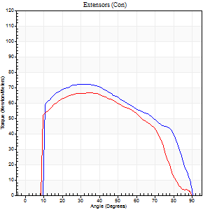
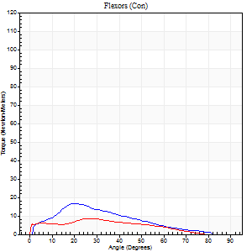
Right Side Curves Left Side Curves
Isokinetic Con/Con |  |  |  | Extensors (Con) |  | Flexors (Con)
Speed 120/120 d/s 3 Reps |  |  |  | Value | Cof Var | %BW | Value | Cof Var | %BW | Ratio

TORQUE PARAMETERS
Peak Torque (Newton-Meters - Best Repetition)
Right |  |  |  | 72 | 0.02 | 107 | 16 | 0.2 | 24 | 23
Left |  |  |  | 66 | 0.09 | 98 | 8 | 0.12 | 12 | 12
Deficit |  |  |  | 8 |  |  | 50
Work per Repetition (Newton-Meters - Best Repetition)
Right |  |  |  | 79 | 0.02 | 116 | 12 | 0.14 | 18 | 16
Left |  |  |  | 73 | 0.06 | 110 | 7 | 0.27 | 9 | 9
Deficit |  |  |  | 7 |  |  | 44
Average Power per Repetition (Watts - Best Repetition)
Right |  |  |  | 88 | 0.51 | 132 | 13 | 0.1 | 20 | 15
Left |  |  |  | 76 | 0.04 | 114 | 8 | 0.27 | 11 | 11
Deficit |  |  |  | 14 |  |  | 38
POSITION PARAMETERS
Joint Angle at Peak Torque (Degrees)
Right |  |  |  | 30 | 0.04 |  | 21 | 0.14
Left |  |  |  | 33 | 0.09 |  | 12 | 1.06
Range of Motion (Degrees)
Right |  |  |  | 0 | 0.28 |  | 90 | 0
Left |  |  |  | 0 | 0.28 |  | 90 | 0.01
TIME PARAMETERS
Time to Peak Torque (Seconds)
Right |  |  |  | 0.59 | 0.04 |  | 0.24 | 0.04
Left |  |  |  | 0.6 | 0.01 |  | 0.22 | 0.65
Time Peak Torque Held (Seconds)
Right |  |  |  | 0.04 | 0.16 |  | 0 | 0
Left |  |  |  | 0.05 | 0.29 |  | 0 | 0
Force Decay Time (Seconds)
Right |  |  |  | 0.27 | 0.06 |  | 0.61 | 0.11
Left |  |  |  | 0.3 | 0.07 |  | 0.69 | 0.21
Reciprocal Delay (Seconds)
Right |  |  |  | 0.12 | 0.31 |  | 0.14 | 0.28
Left |  |  |  | 0.09 | 0.08 |  | 0.21 | 0.22
Delay Time (Seconds)
Right |  |  |  | -0.04 | -0.47 |  | 0.03 | 1.15
Left |  |  |  | -0.04 | -0.2 |  | -0.03 | -0.46
HUMAC2015® Version: 15.000.0074 © Computer Sports Medicine, Inc. www.csmisolutions.com

Use File, Preference to set Report Heading
Long Form Torque vs. Position Report - Knee Extension/Flexion
Name: |  |  |  | TR030FP3026, | ID: |  | Right/Left: | 22.09.2021 22.09.2021
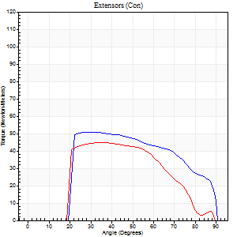
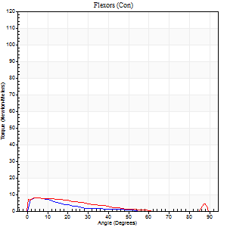
Right Side Curves Left Side Curves
Isokinetic Con/Con |  |  |  | Extensors (Con) |  | Flexors (Con)
Speed 240/240 d/s 3 Reps |  |  |  | Value | Cof Var | %BW | Value | Cof Var | %BW | Ratio

TORQUE PARAMETERS
Peak Torque (Newton-Meters - Best Repetition)
Right |  |  |  | 50 | 0.03 | 75 | 8 | 0.15 | 12 | 16
Left |  |  |  | 45 | 0.03 | 66 | 8 | 0.42 | 12 | 18
Deficit |  |  |  | 11 |  |  | 0
Work per Repetition (Newton-Meters - Best Repetition)
Right |  |  |  | 52 | 0.03 | 77 | 4 | 0.09 | 6 | 8
Left |  |  |  | 45 | 0.06 | 66 | 5 | 0.64 | 9 | 12
Deficit |  |  |  | 13 |  |  | 25
Average Power per Repetition (Watts - Best Repetition)
Right |  |  |  | 90 | 0.07 | 134 | 5 | 0.04 | 7 | 6
Left |  |  |  | 65 | 0.26 | 97 | 7 | 0.86 | 11 | 11
Deficit |  |  |  | 28 |  |  | 29
POSITION PARAMETERS
Joint Angle at Peak Torque (Degrees)
Right |  |  |  | 30 | 0.05 |  | 33 | 1.47
Left |  |  |  | 38 | 0.12 |  | 5 | 0.24
Range of Motion (Degrees)
Right |  |  |  | 1 | 0.06 |  | 90 | 0.01
Left |  |  |  | 1 | 0.05 |  | 89 | 0.01
TIME PARAMETERS
Time to Peak Torque (Seconds)
Right |  |  |  | 0.37 | 0.08 |  | 0.32 | 1.13
Left |  |  |  | 0.43 | 0.08 |  | 0.15 | 0.12
Time Peak Torque Held (Seconds)
Right |  |  |  | 0.03 | 0.22 |  | 0.04 | 1.35
Left |  |  |  | 0.01 | 0.43 |  | 0.04 | 0.87
Force Decay Time (Seconds)
Right |  |  |  | 0.17 | 0.03 |  | 0.39 | 0.78
Left |  |  |  | 0.22 | 0.16 |  | 0.76 | 0.32
Reciprocal Delay (Seconds)
Right |  |  |  | 0.08 | 0.18 |  | 0.11 | 0.31
Left |  |  |  | 0.08 | 0 |  | 0.14 | 0.53
Delay Time (Seconds)
Right |  |  |  | -0.05 | -0.16 |  | -0.01 | -0.87
Left |  |  |  | -0.05 | 0 |  | -0.04 | -0.42
HUMAC2015® Version: 15.000.0074 © Computer Sports Medicine, Inc. www.csmisolutions.com

Use File, Preference to set Report Heading
Isometric - Knee Extension/Flexion
Name: |  |  |  | TR030FP3026, | ID: |  | Right/Left: | 22.09.2021 22.09.2021

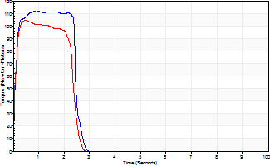
Isometric Extensors (Con) Angle 60 Time 10 Repetition 2 (Best Repetition)
 | Value | Cof Var | %BW
Peak Torque (Newton-Meters)
Right | 111 | 0.06 | 167
Left | 104 | 0.05 | 155
Deficit | 6
Average Torque (Newton-Meters)
Right | 35 | 0.21 | 54
Left | 23 | 0.02 | 36
Deficit | 35
Peak Torque Slope (Newton-Meters/Seconds)
Right | 112 | 0.42 | 167
Left | 205 | 0.05 | 306 |  | Right Side Curves Left Side Curves
Deficit | 45
Time to Half Peak Torque (Seconds)
Right | 0.09 | 0.22
Left | 0.06 | 0.11
Time to Peak Torque (Seconds)
Right | 1.34 | 0.37
Left | 0.5 | 0
HUMAC2015® Version: 15.000.0074 © Computer Sports Medicine, Inc. www.csmisolutions.com

mid1
Use File, Preference to set Report Heading
Long Form Torque vs. Position Report - Knee Extension/Flexion
Name: |  |  |  | TR030FP3026, | ID: |  | Right/Left: | 03.11.2021 03.11.2021
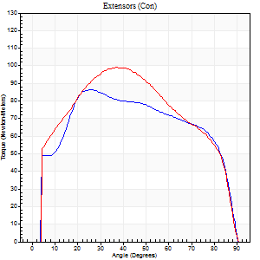
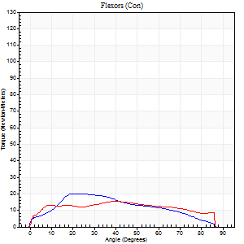
Right Side Curves Left Side Curves
Isokinetic Con/Con |  |  |  | Extensors (Con) |  | Flexors (Con)
Speed 60/60 d/s 3 Reps |  |  |  | Value | Cof Var | %BW | Value | Cof Var | %BW | Ratio

TORQUE PARAMETERS
Peak Torque (Newton-Meters - Best Repetition)
Right |  |  |  | 87 | 0.05 | 131 | 20 | 0.83 | 30 | 23
Left |  |  |  | 99 | 0.04 | 149 | 15 | 0.63 | 21 | 15
Deficit |  |  |  | 12 |  |  | 27
Work per Repetition (Newton-Meters - Best Repetition)
Right |  |  |  | 102 | 0.05 | 152 | 19 | 1.12 | 30 | 19
Left |  |  |  | 113 | 0.04 | 167 | 18 | 0.69 | 27 | 16
Deficit |  |  |  | 10 |  |  | 7
Average Power per Repetition (Watts - Best Repetition)
Right |  |  |  | 58 | 0.17 | 86 | 11 | 1.18 | 15 | 19
Left |  |  |  | 69 | 0.24 | 103 | 11 | 0.7 | 15 | 16
Deficit |  |  |  | 16 |  |  | 0
POSITION PARAMETERS
Joint Angle at Peak Torque (Degrees)
Right |  |  |  | 41 | 0.31 |  | 12 | 0.74
Left |  |  |  | 38 | 0.05 |  | 21 | 0.93
Range of Motion (Degrees)
Right |  |  |  | 0 | -0.47 |  | 90 | 0
Left |  |  |  | 0 | 0 |  | 90 | 0
TIME PARAMETERS
Time to Peak Torque (Seconds)
Right |  |  |  | 0.8 | 0.06 |  | 0.35 | 0.33
Left |  |  |  | 0.88 | 0.04 |  | 0.43 | 0.76
Time Peak Torque Held (Seconds)
Right |  |  |  | 0.07 | 0.65 |  | 0.03 | 1.73
Left |  |  |  | 0.04 | 0.13 |  | 0.2 | 1.73
Force Decay Time (Seconds)
Right |  |  |  | 0.65 | 0.26 |  | 1.61 | 0.39
Left |  |  |  | 0.65 | 0.04 |  | 1.01 | 0.54
Reciprocal Delay (Seconds)
Right |  |  |  | 0.37 | 0.08 |  | 0.53 | 0.11
Left |  |  |  | 0.28 | 0 |  | 0.39 | 0.08
Delay Time (Seconds)
Right |  |  |  | -0.08 | -0.66 |  | -0.07 | -0.29
Left |  |  |  | -0.01 | -0.47 |  | -0.03 | -0.46
HUMAC2015® Version: 15.000.0074 © Computer Sports Medicine, Inc. www.csmisolutions.com

Use File, Preference to set Report Heading
Long Form Torque vs. Position Report - Knee Extension/Flexion
Name: |  |  |  | TR030FP3026, | ID: |  | Right/Left: | 03.11.2021 03.11.2021
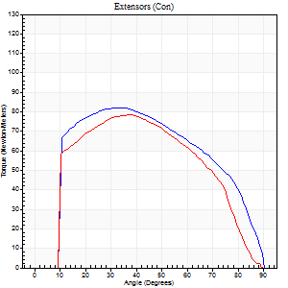
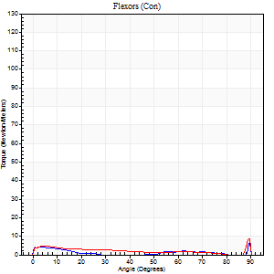
Right Side Curves Left Side Curves
Isokinetic Con/Con |  |  |  | Extensors (Con) |  | Flexors (Con)
Speed 120/120 d/s 3 Reps |  |  |  | Value | Cof Var | %BW | Value | Cof Var | %BW | Ratio

TORQUE PARAMETERS
Peak Torque (Newton-Meters - Best Repetition)
Right |  |  |  | 81 | 0.05 | 122 | 7 | 0.26 | 9 | 8
Left |  |  |  | 79 | 0.06 | 116 | 8 | 0.39 | 12 | 10
Deficit |  |  |  | 3 |  |  | 17
Work per Repetition (Newton-Meters - Best Repetition)
Right |  |  |  | 89 | 0.02 | 134 | 1 | 0.17 | 3 | 2
Left |  |  |  | 85 | 0.04 | 128 | 5 | 0.56 | 9 | 6
Deficit |  |  |  | 5 |  |  | 75
Average Power per Repetition (Watts - Best Repetition)
Right |  |  |  | 96 | 0.03 | 143 | 2 | 0.26 | 2 | 2
Left |  |  |  | 95 | 0.08 | 143 | 6 | 0.67 | 9 | 6
Deficit |  |  |  | 1 |  |  | 67
POSITION PARAMETERS
Joint Angle at Peak Torque (Degrees)
Right |  |  |  | 34 | 0.02 |  | 32 | 1.59
Left |  |  |  | 38 | 0.02 |  | 32 | 1.53
Range of Motion (Degrees)
Right |  |  |  | 0 | 0 |  | 90 | 0
Left |  |  |  | 0 | 0 |  | 90 | 0
TIME PARAMETERS
Time to Peak Torque (Seconds)
Right |  |  |  | 0.59 | 0.04 |  | 0.57 | 1.31
Left |  |  |  | 0.53 | 0.12 |  | 0.44 | 1.14
Time Peak Torque Held (Seconds)
Right |  |  |  | 0.05 | 0 |  | 0.02 | 1.73
Left |  |  |  | 0.05 | 0.53 |  | 0.06 | 1.23
Force Decay Time (Seconds)
Right |  |  |  | 0.3 | 0.04 |  | 0.77 | 0.86
Left |  |  |  | 0.34 | 0.1 |  | 0.58 | 0.92
Reciprocal Delay (Seconds)
Right |  |  |  | 0.28 | 0.15 |  | 0.5 | 0.32
Left |  |  |  | 0.12 | 0.06 |  | 0.3 | 0.06
Delay Time (Seconds)
Right |  |  |  | -0.06 | -0.33 |  | -0.07 | -0.61
Left |  |  |  | -0.01 | 0 |  | -0.05 | -0.35
HUMAC2015® Version: 15.000.0074 © Computer Sports Medicine, Inc. www.csmisolutions.com

Use File, Preference to set Report Heading
Long Form Torque vs. Position Report - Knee Extension/Flexion
Name: |  |  |  | TR030FP3026, | ID: |  | Right/Left: | 03.11.2021 03.11.2021
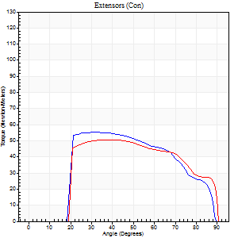
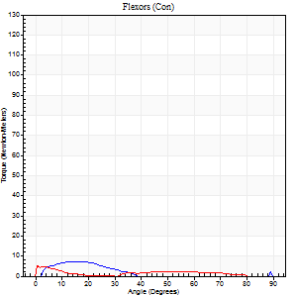
Right Side Curves Left Side Curves
Isokinetic Con/Con |  |  |  | Extensors (Con) |  | Flexors (Con)
Speed 240/240 d/s 3 Reps |  |  |  | Value | Cof Var | %BW | Value | Cof Var | %BW | Ratio

TORQUE PARAMETERS
Peak Torque (Newton-Meters - Best Repetition)
Right |  |  |  | 56 | 0.02 | 83 | 7 | 0.26 | 9 | 12
Left |  |  |  | 50 | 0.04 | 75 | 5 | 0.15 | 9 | 11
Deficit |  |  |  | 10 |  |  | 20
Work per Repetition (Newton-Meters - Best Repetition)
Right |  |  |  | 54 | 0.02 | 80 | 3 | 0.2 | 3 | 5
Left |  |  |  | 53 | 0.08 | 80 | 3 | 0.19 | 3 | 5
Deficit |  |  |  | 2 |  |  | 0
Average Power per Repetition (Watts - Best Repetition)
Right |  |  |  | 92 | 0.49 | 138 | 4 | 0.4 | 7 | 4
Left |  |  |  | 76 | 0.37 | 114 | 2 | 0.27 | 2 | 3
Deficit |  |  |  | 17 |  |  | 50
POSITION PARAMETERS
Joint Angle at Peak Torque (Degrees)
Right |  |  |  | 33 | 0.01 |  | 9 | 0.57
Left |  |  |  | 39 | 0.1 |  | 0 | 0.08
Range of Motion (Degrees)
Right |  |  |  | 1 | 0.3 |  | 90 | 0
Left |  |  |  | 0 | 0.2 |  | 90 | 0.01
TIME PARAMETERS
Time to Peak Torque (Seconds)
Right |  |  |  | 0.39 | 0.11 |  | 0.18 | 0.23
Left |  |  |  | 0.37 | 0.23 |  | 0.05 | 0.11
Time Peak Torque Held (Seconds)
Right |  |  |  | 0.03 | 0.22 |  | 0 | 0
Left |  |  |  | 0.02 | 1.25 |  | 0.05 | 0.87
Force Decay Time (Seconds)
Right |  |  |  | 0.18 | 0.07 |  | 0.8 | 0.34
Left |  |  |  | 0.25 | 0.12 |  | 1.08 | 0.13
Reciprocal Delay (Seconds)
Right |  |  |  | 0.17 | 0.13 |  | 0.14 | 0.66
Left |  |  |  | 0.09 | 0.07 |  | 0.25 | 0.11
Delay Time (Seconds)
Right |  |  |  | -0.06 | -0.24 |  | 0 | -12.12
Left |  |  |  | -0.04 | -0.61 |  | -0.07 | -0.17
HUMAC2015® Version: 15.000.0074 © Computer Sports Medicine, Inc. www.csmisolutions.com

Use File, Preference to set Report Heading
Isometric - Knee Extension/Flexion
Name: |  |  |  | TR030FP3026, | ID: |  | Right/Left: | 03.11.2021 03.11.2021

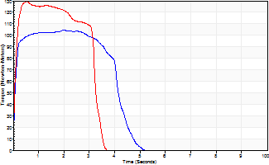
Isometric Extensors (Con) Angle 60 Time 10 Repetition 2 (Best Repetition)
 | Value | Cof Var | %BW
Peak Torque (Newton-Meters)
Right | 104 | 0 | 155
Left | 129 | 0.08 | 194
Deficit | 19
Average Torque (Newton-Meters)
Right | 41 | 0.05 | 60
Left | 38 | 0.05 | 57
Deficit | 7
Peak Torque Slope (Newton-Meters/Seconds)
Right | 52 | 0 | 78
Left | 287 | 0.13 | 429 |  | Right Side Curves Left Side Curves
Deficit | 82
Time to Half Peak Torque (Seconds)
Right | 0.07 | 0.2
Left | 0.08 | 0.09
Time to Peak Torque (Seconds)
Right | 1.99 | 0
Left | 0.46 | 0.22
HUMAC2015® Version: 15.000.0074 © Computer Sports Medicine, Inc. www.csmisolutions.com

mid2
Use File, Preference to set Report Heading
Long Form Torque vs. Position Report - Knee Extension/Flexion
Name: |  |  |  | TR030FP3026, | ID: |  | Right/Left: | 06.11.2021 06.11.2021
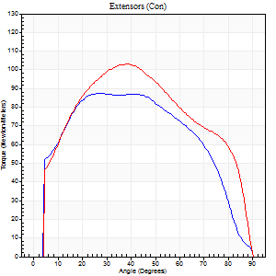
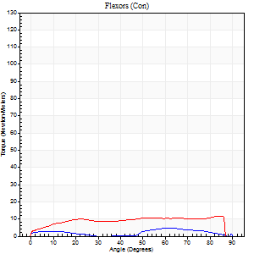
Right Side Curves Left Side Curves
Isokinetic Con/Con |  |  |  | Extensors (Con) |  | Flexors (Con)
Speed 60/60 d/s 3 Reps |  |  |  | Value | Cof Var | %BW | Value | Cof Var | %BW | Ratio

TORQUE PARAMETERS
Peak Torque (Newton-Meters - Best Repetition)
Right |  |  |  | 87 | 0.06 | 131 | 7 | 0.49 | 9 | 8
Left |  |  |  | 103 | 0.02 | 155 | 12 | 0.26 | 18 | 12
Deficit |  |  |  | 16 |  |  | 44
Work per Repetition (Newton-Meters - Best Repetition)
Right |  |  |  | 103 | 0.02 | 155 | 4 | 1.13 | 6 | 4
Left |  |  |  | 115 | 0.03 | 173 | 14 | 0.38 | 21 | 12
Deficit |  |  |  | 11 |  |  | 70
Average Power per Repetition (Watts - Best Repetition)
Right |  |  |  | 63 | 0.03 | 95 | 3 | 1.26 | 4 | 5
Left |  |  |  | 72 | 0.04 | 108 | 8 | 0.36 | 11 | 11
Deficit |  |  |  | 13 |  |  | 63
POSITION PARAMETERS
Joint Angle at Peak Torque (Degrees)
Right |  |  |  | 36 | 0.2 |  | 35 | 1.39
Left |  |  |  | 40 | 0.04 |  | 61 | 0.72
Range of Motion (Degrees)
Right |  |  |  | 0 | 0 |  | 90 | 0
Left |  |  |  | 0 | 0 |  | 90 | 0
TIME PARAMETERS
Time to Peak Torque (Seconds)
Right |  |  |  | 1.03 | 0.14 |  | 0.26 | 0.44
Left |  |  |  | 0.88 | 0.02 |  | 1.25 | 0.67
Time Peak Torque Held (Seconds)
Right |  |  |  | 0.05 | 0.87 |  | 0.23 | 1.69
Left |  |  |  | 0.05 | 0 |  | 0 | 0
Force Decay Time (Seconds)
Right |  |  |  | 0.6 | 0.27 |  | 0.97 | 1.1
Left |  |  |  | 0.65 | 0.04 |  | 0.43 | 1.78
Reciprocal Delay (Seconds)
Right |  |  |  | 0.56 | 0.29 |  | 0.48 | 0.16
Left |  |  |  | 0.45 | 0.23 |  | 0.62 | 0.35
Delay Time (Seconds)
Right |  |  |  | -0.05 | -0.13 |  | 0.56 | 1.93
Left |  |  |  | -0.04 | -0.2 |  | -0.07 | -0.28
HUMAC2015® Version: 15.000.0074 © Computer Sports Medicine, Inc. www.csmisolutions.com

Use File, Preference to set Report Heading
Long Form Torque vs. Position Report - Knee Extension/Flexion
Name: |  |  |  | TR030FP3026, | ID: |  | Right/Left: | 06.11.2021 06.11.2021
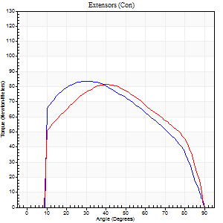
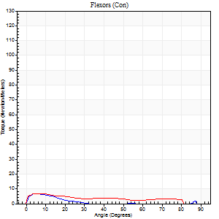
Right Side Curves Left Side Curves
Isokinetic Con/Con |  |  |  | Extensors (Con) |  | Flexors (Con)
Speed 120/120 d/s 3 Reps |  |  |  | Value | Cof Var | %BW | Value | Cof Var | %BW | Ratio

TORQUE PARAMETERS
Peak Torque (Newton-Meters - Best Repetition)
Right |  |  |  | 84 | 0.14 | 125 | 7 | 0.37 | 9 | 8
Left |  |  |  | 81 | 0.04 | 122 | 7 | 0.1 | 9 | 8
Deficit |  |  |  | 3 |  |  | 0
Work per Repetition (Newton-Meters - Best Repetition)
Right |  |  |  | 88 | 0.08 | 131 | 3 | 0.12 | 3 | 3
Left |  |  |  | 89 | 0.04 | 134 | 5 | 0.36 | 9 | 6
Deficit |  |  |  | 2 |  |  | 50
Average Power per Repetition (Watts - Best Repetition)
Right |  |  |  | 93 | 0.44 | 138 | 2 | 0.07 | 2 | 2
Left |  |  |  | 93 | 0.27 | 138 | 6 | 0.41 | 9 | 6
Deficit |  |  |  | 0 |  |  | 67
POSITION PARAMETERS
Joint Angle at Peak Torque (Degrees)
Right |  |  |  | 33 | 0.15 |  | 5 | 0.13
Left |  |  |  | 37 | 0.09 |  | 3 | 0.72
Range of Motion (Degrees)
Right |  |  |  | 0 | 0.47 |  | 90 | 0
Left |  |  |  | 0 | 0 |  | 89 | 0
TIME PARAMETERS
Time to Peak Torque (Seconds)
Right |  |  |  | 0.63 | 0.08 |  | 0.18 | 0.23
Left |  |  |  | 0.53 | 0.05 |  | 0.14 | 0.5
Time Peak Torque Held (Seconds)
Right |  |  |  | 0.06 | 1.12 |  | 0.01 | 1.73
Left |  |  |  | 0.04 | 0.35 |  | 0 | 0
Force Decay Time (Seconds)
Right |  |  |  | 0.29 | 0.1 |  | 1.03 | 0.05
Left |  |  |  | 0.34 | 0.1 |  | 0.85 | 0.16
Reciprocal Delay (Seconds)
Right |  |  |  | 0.25 | 0.06 |  | 0.33 | 0.26
Left |  |  |  | 0.13 | 0.05 |  | 0.32 | 0.08
Delay Time (Seconds)
Right |  |  |  | -0.09 | -0.42 |  | -0.03 | -0.75
Left |  |  |  | -0.02 | 0 |  | -0.06 | -0.2
HUMAC2015® Version: 15.000.0074 © Computer Sports Medicine, Inc. www.csmisolutions.com

Use File, Preference to set Report Heading
Long Form Torque vs. Position Report - Knee Extension/Flexion
Name: |  |  |  | TR030FP3026, | ID: |  | Right/Left: | 06.11.2021 06.11.2021
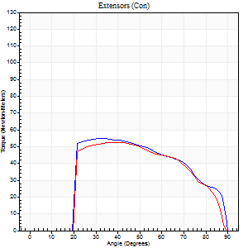
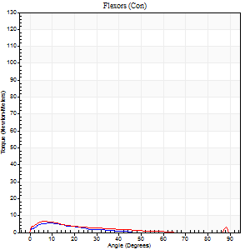
Right Side Curves Left Side Curves
Isokinetic Con/Con |  |  |  | Extensors (Con) |  | Flexors (Con)
Speed 240/240 d/s 3 Reps |  |  |  | Value | Cof Var | %BW | Value | Cof Var | %BW | Ratio

TORQUE PARAMETERS
Peak Torque (Newton-Meters - Best Repetition)
Right |  |  |  | 54 | 0.04 | 80 | 5 | 0.22 | 9 | 10
Left |  |  |  | 53 | 0.03 | 80 | 7 | 0.16 | 9 | 13
Deficit |  |  |  | 2 |  |  | 20
Work per Repetition (Newton-Meters - Best Repetition)
Right |  |  |  | 53 | 0.03 | 80 | 3 | 0.23 | 3 | 5
Left |  |  |  | 52 | 0.03 | 77 | 4 | 0.3 | 6 | 8
Deficit |  |  |  | 3 |  |  | 33
Average Power per Repetition (Watts - Best Repetition)
Right |  |  |  | 93 | 0.51 | 138 | 2 | 0.33 | 2 | 2
Left |  |  |  | 83 | 0.04 | 123 | 4 | 0.36 | 7 | 5
Deficit |  |  |  | 11 |  |  | 50
POSITION PARAMETERS
Joint Angle at Peak Torque (Degrees)
Right |  |  |  | 33 | 0.03 |  | 8 | 0.34
Left |  |  |  | 39 | 0.07 |  | 8 | 0.65
Range of Motion (Degrees)
Right |  |  |  | 1 | 0.44 |  | 90 | 0
Left |  |  |  | 0 | 1.41 |  | 89 | 0.01
TIME PARAMETERS
Time to Peak Torque (Seconds)
Right |  |  |  | 0.36 | 0.06 |  | 0.24 | 0.5
Left |  |  |  | 0.34 | 0.08 |  | 0.28 | 0.33
Time Peak Torque Held (Seconds)
Right |  |  |  | 0.02 | 0.49 |  | 0.01 | 1
Left |  |  |  | 0.02 | 0.5 |  | 0.02 | 0.89
Force Decay Time (Seconds)
Right |  |  |  | 0.19 | 0.16 |  | 0.99 | 0.23
Left |  |  |  | 0.25 | 0.07 |  | 0.68 | 0.29
Reciprocal Delay (Seconds)
Right |  |  |  | 0.32 | 0.37 |  | 0.22 | 0.52
Left |  |  |  | 0.09 | 0.25 |  | 0.35 | 0.25
Delay Time (Seconds)
Right |  |  |  | -0.05 | -0.28 |  | -0.04 | -1.27
Left |  |  |  | -0.04 | -0.47 |  | -0.09 | -0.18
HUMAC2015® Version: 15.000.0074 © Computer Sports Medicine, Inc. www.csmisolutions.com

Use File, Preference to set Report Heading
Isometric - Knee Extension/Flexion
Name: |  |  |  | TR030FP3026, | ID: |  | Right/Left: | 06.11.2021 06.11.2021

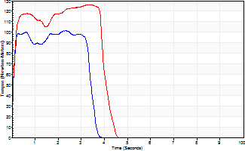
Isometric Extensors (Con) Angle 60 Time 10 Repetition 2 (Best Repetition)
 | Value | Cof Var | %BW
Peak Torque (Newton-Meters)
Right | 102 | 0.02 | 152
Left | 126 | 0.01 | 188
Deficit | 19
Average Torque (Newton-Meters)
Right | 39 | 0.14 | 60
Left | 47 | 0.09 | 72
Deficit | 17
Peak Torque Slope (Newton-Meters/Seconds)
Right | 381 | 1.12 | 570
Left | 218 | 0.99 | 326 |  | Right Side Curves Left Side Curves
Deficit | 43
Time to Half Peak Torque (Seconds)
Right | 0.06 | 0
Left | 0.09 | 0
Time to Peak Torque (Seconds)
Right | 1.28 | 1.14
Left | 1.92 | 1
HUMAC2015® Version: 15.000.0074 © Computer Sports Medicine, Inc. www.csmisolutions.com

