pre1
Use File, Preference to set Report Heading
Long Form Torque vs. Position Report - Knee Extension/Flexion
Name: |  |  |  | TR030FP3027, | ID: |  | Right/Left: | 15.09.2021 15.09.2021
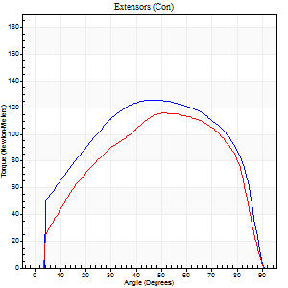
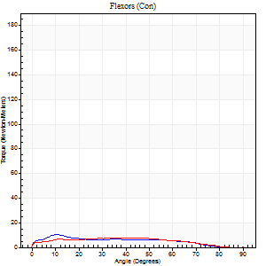
Right Side Curves Left Side Curves
Isokinetic Con/Con |  |  |  | Extensors (Con) |  | Flexors (Con)
Speed 60/60 d/s 3 Reps |  |  |  | Value | Cof Var | %BW | Value | Cof Var | %BW | Ratio

TORQUE PARAMETERS
Peak Torque (Newton-Meters - Best Repetition)
Right |  |  |  | 126 | 0.01 | 158 | 11 | 0.16 | 15 | 9
Left |  |  |  | 117 | 0.03 | 146 | 8 | 0.19 | 9 | 7
Deficit |  |  |  | 8 |  |  | 25
Work per Repetition (Newton-Meters - Best Repetition)
Right |  |  |  | 152 | 0.06 | 191 | 9 | 0.2 | 12 | 6
Left |  |  |  | 127 | 0.02 | 158 | 8 | 0.39 | 9 | 6
Deficit |  |  |  | 16 |  |  | 14
Average Power per Repetition (Watts - Best Repetition)
Right |  |  |  | 95 | 0.17 | 119 | 5 | 0.21 | 7 | 5
Left |  |  |  | 81 | 0.37 | 101 | 5 | 0.39 | 7 | 6
Deficit |  |  |  | 15 |  |  | 0
POSITION PARAMETERS
Joint Angle at Peak Torque (Degrees)
Right |  |  |  | 43 | 0.1 |  | 24 | 0.54
Left |  |  |  | 53 | 0.03 |  | 22 | 0.8
Range of Motion (Degrees)
Right |  |  |  | 0 | -0.47 |  | 90 | 0
Left |  |  |  | 0 | -1.41 |  | 90 | 0
TIME PARAMETERS
Time to Peak Torque (Seconds)
Right |  |  |  | 0.77 | 0.08 |  | 0.55 | 0.5
Left |  |  |  | 0.67 | 0.11 |  | 0.54 | 0.74
Time Peak Torque Held (Seconds)
Right |  |  |  | 0.07 | 0.48 |  | 0.02 | 0.87
Left |  |  |  | 0.05 | 0.11 |  | 0.26 | 1.34
Force Decay Time (Seconds)
Right |  |  |  | 0.69 | 0.06 |  | 1.14 | 0.23
Left |  |  |  | 0.87 | 0.03 |  | 0.92 | 0.02
Reciprocal Delay (Seconds)
Right |  |  |  | 0.68 | 0.21 |  | 0.68 | 0.14
Left |  |  |  | 0.44 | 0.35 |  | 0.54 | 0.06
Delay Time (Seconds)
Right |  |  |  | -0.01 | -0.47 |  | -0.06 | -0.51
Left |  |  |  | -0.03 | -0.94 |  | -0.06 | -0.58
HUMAC2015® Version: 15.000.0074 © Computer Sports Medicine, Inc. www.csmisolutions.com

Use File, Preference to set Report Heading
Long Form Torque vs. Position Report - Knee Extension/Flexion
Name: |  |  |  | TR030FP3027, | ID: |  | Right/Left: | 15.09.2021 15.09.2021
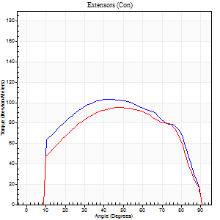
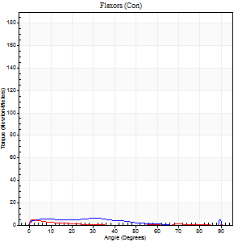
Right Side Curves Left Side Curves
Isokinetic Con/Con |  |  |  | Extensors (Con) |  | Flexors (Con)
Speed 120/120 d/s 3 Reps |  |  |  | Value | Cof Var | %BW | Value | Cof Var | %BW | Ratio

TORQUE PARAMETERS
Peak Torque (Newton-Meters - Best Repetition)
Right |  |  |  | 103 | 0.01 | 128 | 5 | 0.37 | 6 | 5
Left |  |  |  | 96 | 0.01 | 119 | 4 | 0.22 | 6 | 4
Deficit |  |  |  | 7 |  |  | 25
Work per Repetition (Newton-Meters - Best Repetition)
Right |  |  |  | 118 | 0.02 | 146 | 4 | 0.64 | 6 | 3
Left |  |  |  | 106 | 0.02 | 131 | 1 | 0.19 | 3 | 1
Deficit |  |  |  | 10 |  |  | 67
Average Power per Repetition (Watts - Best Repetition)
Right |  |  |  | 124 | 0 | 154 | 4 | 0.9 | 4 | 3
Left |  |  |  | 113 | 0.06 | 141 | 1 | 0.26 | 2 | 1
Deficit |  |  |  | 9 |  |  | 75
POSITION PARAMETERS
Joint Angle at Peak Torque (Degrees)
Right |  |  |  | 44 | 0.11 |  | 15 | 0.94
Left |  |  |  | 48 | 0.02 |  | 5 | 0.51
Range of Motion (Degrees)
Right |  |  |  | 0 | 4.24 |  | 90 | 0
Left |  |  |  | 0 | -0.47 |  | 90 | 0
TIME PARAMETERS
Time to Peak Torque (Seconds)
Right |  |  |  | 0.48 | 0 |  | 0.34 | 0.49
Left |  |  |  | 0.47 | 0.13 |  | 0.28 | 0.45
Time Peak Torque Held (Seconds)
Right |  |  |  | 0.04 | 0.74 |  | 0 | 0
Left |  |  |  | 0.03 | 0.57 |  | 0 | 0
Force Decay Time (Seconds)
Right |  |  |  | 0.43 | 0.07 |  | 1.12 | 0.49
Left |  |  |  | 0.48 | 0.02 |  | 1.51 | 0.08
Reciprocal Delay (Seconds)
Right |  |  |  | 0.86 | 0.17 |  | 0.51 | 0.11
Left |  |  |  | 0.63 | 0.28 |  | 0.7 | 0.2
Delay Time (Seconds)
Right |  |  |  | -0.04 | -0.2 |  | -0.04 | -0.25
Left |  |  |  | -0.09 | -0.79 |  | -0.11 | -0.35
HUMAC2015® Version: 15.000.0074 © Computer Sports Medicine, Inc. www.csmisolutions.com

Use File, Preference to set Report Heading
Long Form Torque vs. Position Report - Knee Extension/Flexion
Name: |  |  |  | TR030FP3027, | ID: |  | Right/Left: | 15.09.2021 15.09.2021
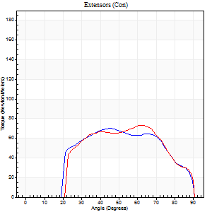
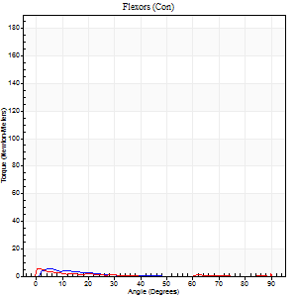
Right Side Curves Left Side Curves
Isokinetic Con/Con |  |  |  | Extensors (Con) |  | Flexors (Con)
Speed 240/240 d/s 3 Reps |  |  |  | Value | Cof Var | %BW | Value | Cof Var | %BW | Ratio

TORQUE PARAMETERS
Peak Torque (Newton-Meters - Best Repetition)
Right |  |  |  | 71 | 0.03 | 89 | 5 | 0.54 | 6 | 8
Left |  |  |  | 73 | 0.03 | 92 | 5 | 0.31 | 6 | 7
Deficit |  |  |  | 4 |  |  | 0
Work per Repetition (Newton-Meters - Best Repetition)
Right |  |  |  | 68 | 0.05 | 83 | 1 | 0.21 | 3 | 2
Left |  |  |  | 69 | 0.05 | 86 | 1 | 0.15 | 3 | 2
Deficit |  |  |  | 2 |  |  | 0
Average Power per Repetition (Watts - Best Repetition)
Right |  |  |  | 103 | 0.29 | 130 | 1 | 0.28 | 2 | 1
Left |  |  |  | 112 | 0.05 | 141 | 1 | 0.29 | 2 | 1
Deficit |  |  |  | 8 |  |  | 0
POSITION PARAMETERS
Joint Angle at Peak Torque (Degrees)
Right |  |  |  | 51 | 0.2 |  | 4 | 0.48
Left |  |  |  | 62 | 0.02 |  | 3 | 0.95
Range of Motion (Degrees)
Right |  |  |  | 0 | 0 |  | 90 | 0
Left |  |  |  | 0 | -0.71 |  | 90 | 0
TIME PARAMETERS
Time to Peak Torque (Seconds)
Right |  |  |  | 0.31 | 0.12 |  | 0.22 | 0.75
Left |  |  |  | 0.22 | 0 |  | 0.2 | 0.64
Time Peak Torque Held (Seconds)
Right |  |  |  | 0.01 | 0.87 |  | 0.01 | 1.73
Left |  |  |  | 0 | 1.73 |  | 0 | 1.73
Force Decay Time (Seconds)
Right |  |  |  | 0.35 | 0.13 |  | 1.46 | 0.12
Left |  |  |  | 0.37 | 0.02 |  | 1.76 | 0.12
Reciprocal Delay (Seconds)
Right |  |  |  | 0.67 | 0.18 |  | 0.23 | 0.49
Left |  |  |  | 0.43 | 0.12 |  | 0.45 | 0.58
Delay Time (Seconds)
Right |  |  |  | -0.06 | -0.47 |  | -0.06 | -1.98
Left |  |  |  | -0.05 | -0.16 |  | -0.01 | -8.95
HUMAC2015® Version: 15.000.0074 © Computer Sports Medicine, Inc. www.csmisolutions.com

Use File, Preference to set Report Heading
Isometric - Knee Extension/Flexion
Name: |  |  |  | TR030FP3027, | ID: |  | Right/Left: | 15.09.2021 15.09.2021

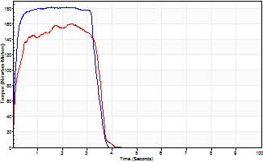
Isometric Extensors (Con) Angle 60 Time 10 Repetition 2 (Best Repetition)
 | Value | Cof Var | %BW
Peak Torque (Newton-Meters)
Right | 182 | 0.01 | 226
Left | 160 | 0.02 | 200
Deficit | 12
Average Torque (Newton-Meters)
Right | 60 | 0.01 | 75
Left | 50 | 0.03 | 63
Deficit | 16
Peak Torque Slope (Newton-Meters/Seconds)
Right | 118 | 0.06 | 147
Left | 66 | 0.15 | 83 |  | Right Side Curves Left Side Curves
Deficit | 44
Time to Half Peak Torque (Seconds)
Right | 0.16 | 0.73
Left | 0.14 | 0.24
Time to Peak Torque (Seconds)
Right | 1.59 | 0.05
Left | 2.65 | 0.13
HUMAC2015® Version: 15.000.0074 © Computer Sports Medicine, Inc. www.csmisolutions.com

pre2
Use File, Preference to set Report Heading
Long Form Torque vs. Position Report - Knee Extension/Flexion
Name: |  |  |  | TR030FP3027, | ID: |  | Right/Left: | 24.09.2021 24.09.2021
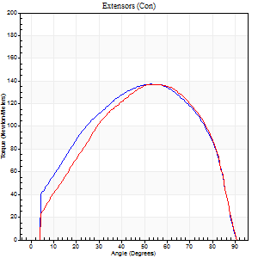
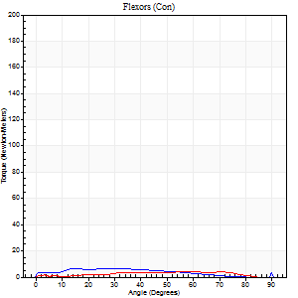
Right Side Curves Left Side Curves
Isokinetic Con/Con |  |  |  | Extensors (Con) |  | Flexors (Con)
Speed 60/60 d/s 3 Reps |  |  |  | Value | Cof Var | %BW | Value | Cof Var | %BW | Ratio

TORQUE PARAMETERS
Peak Torque (Newton-Meters - Best Repetition)
Right |  |  |  | 137 | 0.03 | 170 | 11 | 0.16 | 15 | 8
Left |  |  |  | 137 | 0.02 | 170 | 4 | 0.12 | 6 | 3
Deficit |  |  |  | 0 |  |  | 63
Work per Repetition (Newton-Meters - Best Repetition)
Right |  |  |  | 157 | 0.02 | 197 | 8 | 0.19 | 9 | 5
Left |  |  |  | 144 | 0.01 | 179 | 4 | 0.7 | 6 | 3
Deficit |  |  |  | 9 |  |  | 50
Average Power per Repetition (Watts - Best Repetition)
Right |  |  |  | 101 | 0.03 | 125 | 5 | 0.23 | 7 | 5
Left |  |  |  | 91 | 0.03 | 114 | 2 | 0.69 | 2 | 2
Deficit |  |  |  | 10 |  |  | 60
POSITION PARAMETERS
Joint Angle at Peak Torque (Degrees)
Right |  |  |  | 52 | 0.01 |  | 51 | 0.71
Left |  |  |  | 54 | 0.05 |  | 20 | 1.67
Range of Motion (Degrees)
Right |  |  |  | 0 | 0 |  | 90 | 0
Left |  |  |  | 0 | -1.41 |  | 90 | 0
TIME PARAMETERS
Time to Peak Torque (Seconds)
Right |  |  |  | 0.64 | 0.01 |  | 1.13 | 0.63
Left |  |  |  | 0.66 | 0.16 |  | 0.59 | 1.45
Time Peak Torque Held (Seconds)
Right |  |  |  | 0.08 | 0.5 |  | 0.07 | 0.94
Left |  |  |  | 0.05 | 0.53 |  | 0.01 | 1.73
Force Decay Time (Seconds)
Right |  |  |  | 0.83 | 0.05 |  | 0.59 | 1.06
Left |  |  |  | 0.88 | 0.07 |  | 1.57 | 0.57
Reciprocal Delay (Seconds)
Right |  |  |  | 0.86 | 0.32 |  | 0.72 | 0.12
Left |  |  |  | 0.76 | 0.6 |  | 0.44 | 0.66
Delay Time (Seconds)
Right |  |  |  | 0 | 0 |  | -0.06 | -0.24
Left |  |  |  | -0.05 | -0.9 |  | -0.09 | -0.48
HUMAC2015® Version: 15.000.0074 © Computer Sports Medicine, Inc. www.csmisolutions.com

Use File, Preference to set Report Heading
Long Form Torque vs. Position Report - Knee Extension/Flexion
Name: |  |  |  | TR030FP3027, | ID: |  | Right/Left: | 24.09.2021 24.09.2021
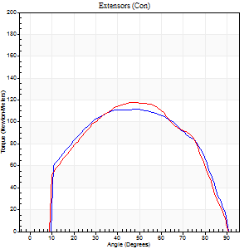
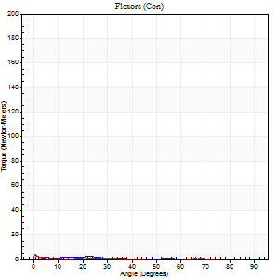
Right Side Curves Left Side Curves
Isokinetic Con/Con |  |  |  | Extensors (Con) |  | Flexors (Con)
Speed 120/120 d/s 3 Reps |  |  |  | Value | Cof Var | %BW | Value | Cof Var | %BW | Ratio

TORQUE PARAMETERS
Peak Torque (Newton-Meters - Best Repetition)
Right |  |  |  | 111 | 0.05 | 140 | 5 | 0.28 | 6 | 5
Left |  |  |  | 118 | 0.03 | 146 | 4 | 0.14 | 6 | 3
Deficit |  |  |  | 6 |  |  | 25
Work per Repetition (Newton-Meters - Best Repetition)
Right |  |  |  | 125 | 0.02 | 155 | 1 | 0.12 | 3 | 1
Left |  |  |  | 125 | 0.02 | 155 | 1 | 0.15 | 3 | 1
Deficit |  |  |  | 0 |  |  | 0
Average Power per Repetition (Watts - Best Repetition)
Right |  |  |  | 133 | 0.02 | 167 | 1 | 0.12 | 2 | 1
Left |  |  |  | 132 | 0.01 | 165 | 1 | 0.18 | 2 | 1
Deficit |  |  |  | 1 |  |  | 0
POSITION PARAMETERS
Joint Angle at Peak Torque (Degrees)
Right |  |  |  | 48 | 0.03 |  | 32 | 1.58
Left |  |  |  | 47 | 0.02 |  | 0 | 0.4
Range of Motion (Degrees)
Right |  |  |  | 0 | 0 |  | 90 | 0
Left |  |  |  | 0 | 0 |  | 90 | 0
TIME PARAMETERS
Time to Peak Torque (Seconds)
Right |  |  |  | 0.41 | 0.07 |  | 0.8 | 1.28
Left |  |  |  | 0.43 | 0 |  | 0.11 | 0.13
Time Peak Torque Held (Seconds)
Right |  |  |  | 0.06 | 0.57 |  | 0 | 1.73
Left |  |  |  | 0.03 | 0.43 |  | 0 | 1.73
Force Decay Time (Seconds)
Right |  |  |  | 0.46 | 0.04 |  | 0.79 | 1.26
Left |  |  |  | 0.47 | 0.08 |  | 1.98 | 0.05
Reciprocal Delay (Seconds)
Right |  |  |  | 0.53 | 0.65 |  | 0.47 | 0.55
Left |  |  |  | 0.53 | 0.27 |  | 0.67 | 0.14
Delay Time (Seconds)
Right |  |  |  | -0.02 | -0.71 |  | -0.06 | -0.71
Left |  |  |  | -0.04 | -0.2 |  | -0.13 | -0.16
HUMAC2015® Version: 15.000.0074 © Computer Sports Medicine, Inc. www.csmisolutions.com

Use File, Preference to set Report Heading
Long Form Torque vs. Position Report - Knee Extension/Flexion
Name: |  |  |  | TR030FP3027, | ID: |  | Right/Left: | 24.09.2021 24.09.2021
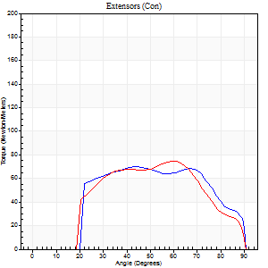

Right Side Curves Left Side Curves
Isokinetic Con/Con |  |  |  | Extensors (Con) |  | Flexors (Con)
Speed 240/240 d/s 3 Reps |  |  |  | Value | Cof Var | %BW | Value | Cof Var | %BW | Ratio

TORQUE PARAMETERS
Peak Torque (Newton-Meters - Best Repetition)
Right |  |  |  | 69 | 0.02 | 86 | 7 | 0.25 | 9 | 10
Left |  |  |  | 75 | 0.02 | 92 | 4 | 0.12 | 6 | 5
Deficit |  |  |  | 7 |  |  | 40
Work per Repetition (Newton-Meters - Best Repetition)
Right |  |  |  | 72 | 0.01 | 89 | 1 | 0.2 | 3 | 2
Left |  |  |  | 72 | 0.02 | 89 | 1 | 0.08 | 3 | 2
Deficit |  |  |  | 0 |  |  | 0
Average Power per Repetition (Watts - Best Repetition)
Right |  |  |  | 137 | 0.11 | 171 | 1 | 0.35 | 2 | 1
Left |  |  |  | 121 | 0.59 | 152 | 1 | 0.12 | 2 | 1
Deficit |  |  |  | 12 |  |  | 0
POSITION PARAMETERS
Joint Angle at Peak Torque (Degrees)
Right |  |  |  | 44 | 0.02 |  | 32 | 1.53
Left |  |  |  | 62 | 0.05 |  | 1 | 1.08
Range of Motion (Degrees)
Right |  |  |  | 0 | -1.41 |  | 90 | 0
Left |  |  |  | 0 | 2.12 |  | 90 | 0
TIME PARAMETERS
Time to Peak Torque (Seconds)
Right |  |  |  | 0.28 | 0.02 |  | 0.51 | 1.23
Left |  |  |  | 0.19 | 0 |  | 0.11 | 0.97
Time Peak Torque Held (Seconds)
Right |  |  |  | 0.01 | 0 |  | 0.01 | 1.73
Left |  |  |  | 0.01 | 0.87 |  | 0.01 | 1.73
Force Decay Time (Seconds)
Right |  |  |  | 0.28 | 0.19 |  | 0.95 | 0.87
Left |  |  |  | 0.36 | 0.12 |  | 1.94 | 0.02
Reciprocal Delay (Seconds)
Right |  |  |  | 0.51 | 0.31 |  | 0.36 | 0.65
Left |  |  |  | 0.64 | 0.05 |  | 0.38 | 0.77
Delay Time (Seconds)
Right |  |  |  | -0.04 | -0.2 |  | -0.05 | -1.01
Left |  |  |  | -0.03 | 0 |  | -0.12 | -0.95
HUMAC2015® Version: 15.000.0074 © Computer Sports Medicine, Inc. www.csmisolutions.com

Use File, Preference to set Report Heading
Isometric - Knee Extension/Flexion
Name: |  |  |  | TR030FP3027, | ID: |  | Right/Left: | 24.09.2021 24.09.2021

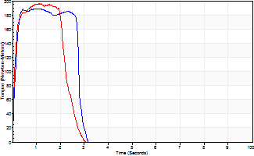
Isometric Extensors (Con) Angle 60 Time 10 Repetition 2 (Best Repetition)
 | Value | Cof Var | %BW
Peak Torque (Newton-Meters)
Right | 188 | 0 | 235
Left | 195 | 0.01 | 244
Deficit | 3
Average Torque (Newton-Meters)
Right | 49 | 0.12 | 60
Left | 49 | 0.11 | 60
Deficit | 0
Peak Torque Slope (Newton-Meters/Seconds)
Right | 290 | 0.3 | 362
Left | 178 | 0.3 | 222 |  | Right Side Curves Left Side Curves
Deficit | 39
Time to Half Peak Torque (Seconds)
Right | 0.12 | 0
Left | 0.13 | 0.44
Time to Peak Torque (Seconds)
Right | 0.81 | 0.3
Left | 1.37 | 0.29
HUMAC2015® Version: 15.000.0074 © Computer Sports Medicine, Inc. www.csmisolutions.com

mid1
Use File, Preference to set Report Heading
Long Form Torque vs. Position Report - Knee Extension/Flexion
Name: |  |  |  | TR030FP3027, | ID: |  | Right/Left: | 05.11.2021 05.11.2021
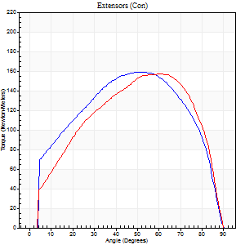
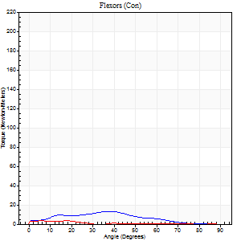
Right Side Curves Left Side Curves
Isokinetic Con/Con |  |  |  | Extensors (Con) |  | Flexors (Con)
Speed 60/60 d/s 3 Reps |  |  |  | Value | Cof Var | %BW | Value | Cof Var | %BW | Ratio

TORQUE PARAMETERS
Peak Torque (Newton-Meters - Best Repetition)
Right |  |  |  | 159 | 0.03 | 197 | 14 | 0.56 | 18 | 9
Left |  |  |  | 157 | 0.01 | 197 | 4 | 0.08 | 6 | 3
Deficit |  |  |  | 1 |  |  | 70
Work per Repetition (Newton-Meters - Best Repetition)
Right |  |  |  | 179 | 0.01 | 224 | 9 | 0.67 | 12 | 5
Left |  |  |  | 172 | 0.02 | 215 | 1 | 0.38 | 3 | 1
Deficit |  |  |  | 4 |  |  | 86
Average Power per Repetition (Watts - Best Repetition)
Right |  |  |  | 113 | 0.02 | 141 | 6 | 0.72 | 7 | 5
Left |  |  |  | 110 | 0.03 | 136 | 1 | 0.5 | 2 | 1
Deficit |  |  |  | 3 |  |  | 83
POSITION PARAMETERS
Joint Angle at Peak Torque (Degrees)
Right |  |  |  | 56 | 0.05 |  | 40 | 0.13
Left |  |  |  | 60 | 0.06 |  | 53 | 0.61
Range of Motion (Degrees)
Right |  |  |  | 0 | 0 |  | 90 | 0
Left |  |  |  | 0 | -1.41 |  | 90 | 0
TIME PARAMETERS
Time to Peak Torque (Seconds)
Right |  |  |  | 0.62 | 0.07 |  | 0.9 | 0.1
Left |  |  |  | 0.5 | 0 |  | 1.9 | 1.36
Time Peak Torque Held (Seconds)
Right |  |  |  | 0.11 | 0.14 |  | 0.01 | 1.73
Left |  |  |  | 0.09 | 0.4 |  | 0 | 1.73
Force Decay Time (Seconds)
Right |  |  |  | 0.87 | 0.07 |  | 1 | 0.36
Left |  |  |  | 0.95 | 0.08 |  | 0.8 | 0.89
Reciprocal Delay (Seconds)
Right |  |  |  | 0.4 | 0.34 |  | 0.94 | 0.19
Left |  |  |  | 0.22 | 0.22 |  | 0.68 | 0.28
Delay Time (Seconds)
Right |  |  |  | -0.02 | -0.71 |  | -0.09 | -0.22
Left |  |  |  | -0.01 | -1.41 |  | 0.22 | 2.94
HUMAC2015® Version: 15.000.0074 © Computer Sports Medicine, Inc. www.csmisolutions.com

Use File, Preference to set Report Heading
Long Form Torque vs. Position Report - Knee Extension/Flexion
Name: |  |  |  | TR030FP3027, | ID: |  | Right/Left: | 05.11.2021 05.11.2021
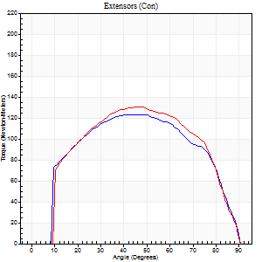
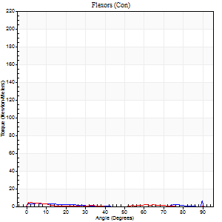
Right Side Curves Left Side Curves
Isokinetic Con/Con |  |  |  | Extensors (Con) |  | Flexors (Con)
Speed 120/120 d/s 3 Reps |  |  |  | Value | Cof Var | %BW | Value | Cof Var | %BW | Ratio

TORQUE PARAMETERS
Peak Torque (Newton-Meters - Best Repetition)
Right |  |  |  | 123 | 0.03 | 155 | 8 | 0.45 | 9 | 7
Left |  |  |  | 130 | 0.07 | 164 | 4 | 0.11 | 6 | 3
Deficit |  |  |  | 5 |  |  | 50
Work per Repetition (Newton-Meters - Best Repetition)
Right |  |  |  | 138 | 0.02 | 173 | 3 | 0.18 | 3 | 2
Left |  |  |  | 142 | 0.04 | 179 | 1 | 0.2 | 3 | 1
Deficit |  |  |  | 3 |  |  | 50
Average Power per Repetition (Watts - Best Repetition)
Right |  |  |  | 155 | 0.02 | 193 | 1 | 0.17 | 2 | 1
Left |  |  |  | 155 | 0.49 | 193 | 1 | 0.28 | 2 | 1
Deficit |  |  |  | 0 |  |  | 0
POSITION PARAMETERS
Joint Angle at Peak Torque (Degrees)
Right |  |  |  | 42 | 0.11 |  | 41 | 1.09
Left |  |  |  | 46 | 0 |  | 3 | 0.74
Range of Motion (Degrees)
Right |  |  |  | 0 | 0 |  | 90 | 0
Left |  |  |  | 0 | 0 |  | 90 | 0
TIME PARAMETERS
Time to Peak Torque (Seconds)
Right |  |  |  | 0.46 | 0.05 |  | 0.88 | 0.85
Left |  |  |  | 0.43 | 0 |  | 0.21 | 0.33
Time Peak Torque Held (Seconds)
Right |  |  |  | 0.02 | 0.25 |  | 0 | 0
Left |  |  |  | 0.03 | 0.22 |  | 0.03 | 1.15
Force Decay Time (Seconds)
Right |  |  |  | 0.42 | 0.12 |  | 0.63 | 1.15
Left |  |  |  | 0.46 | 0.01 |  | 1.75 | 0.14
Reciprocal Delay (Seconds)
Right |  |  |  | 0.3 | 0.42 |  | 0.58 | 0.19
Left |  |  |  | 0.39 | 0.51 |  | 0.63 | 0.21
Delay Time (Seconds)
Right |  |  |  | -0.02 | -0.71 |  | -0.06 | -0.64
Left |  |  |  | -0.03 | 0 |  | -0.08 | -0.25
HUMAC2015® Version: 15.000.0074 © Computer Sports Medicine, Inc. www.csmisolutions.com

Use File, Preference to set Report Heading
Long Form Torque vs. Position Report - Knee Extension/Flexion
Name: |  |  |  | TR030FP3027, | ID: |  | Right/Left: | 05.11.2021 05.11.2021
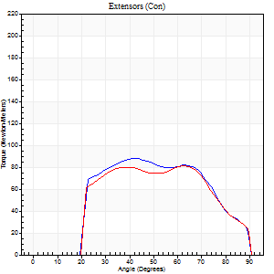
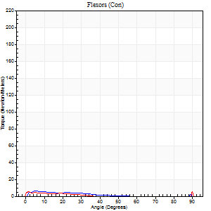
Right Side Curves Left Side Curves
Isokinetic Con/Con |  |  |  | Extensors (Con) |  | Flexors (Con)
Speed 240/240 d/s 3 Reps |  |  |  | Value | Cof Var | %BW | Value | Cof Var | %BW | Ratio

TORQUE PARAMETERS
Peak Torque (Newton-Meters - Best Repetition)
Right |  |  |  | 88 | 0.05 | 110 | 7 | 0.2 | 9 | 8
Left |  |  |  | 81 | 0.01 | 101 | 8 | 0.31 | 9 | 10
Deficit |  |  |  | 8 |  |  | 17
Work per Repetition (Newton-Meters - Best Repetition)
Right |  |  |  | 85 | 0.04 | 107 | 3 | 0.53 | 3 | 3
Left |  |  |  | 80 | 0.03 | 101 | 3 | 0.95 | 3 | 3
Deficit |  |  |  | 6 |  |  | 0
Average Power per Repetition (Watts - Best Repetition)
Right |  |  |  | 158 | 0.04 | 198 | 3 | 0.85 | 4 | 2
Left |  |  |  | 134 | 0.02 | 167 | 1 | 0.55 | 2 | 1
Deficit |  |  |  | 15 |  |  | 67
POSITION PARAMETERS
Joint Angle at Peak Torque (Degrees)
Right |  |  |  | 43 | 0.03 |  | 7 | 1.05
Left |  |  |  | 64 | 0.01 |  | 32 | 1.57
Range of Motion (Degrees)
Right |  |  |  | 1 | 1.13 |  | 90 | 0
Left |  |  |  | 0 | -0.47 |  | 90 | 0
TIME PARAMETERS
Time to Peak Torque (Seconds)
Right |  |  |  | 0.28 | 0 |  | 0.13 | 0.48
Left |  |  |  | 0.19 | 0.04 |  | 0.17 | 0.44
Time Peak Torque Held (Seconds)
Right |  |  |  | 0.01 | 0 |  | 0 | 1.73
Left |  |  |  | 0.01 | 0.87 |  | 0.01 | 1.73
Force Decay Time (Seconds)
Right |  |  |  | 0.24 | 0.11 |  | 1.29 | 0.47
Left |  |  |  | 0.38 | 0.02 |  | 0.81 | 0.97
Reciprocal Delay (Seconds)
Right |  |  |  | 0.11 | 0.77 |  | 0.27 | 0.81
Left |  |  |  | 0.27 | 0.35 |  | 0.43 | 0.35
Delay Time (Seconds)
Right |  |  |  | -0.03 | 0 |  | -0.05 | -0.87
Left |  |  |  | -0.03 | 0 |  | 0.35 | 2.12
HUMAC2015® Version: 15.000.0074 © Computer Sports Medicine, Inc. www.csmisolutions.com

Use File, Preference to set Report Heading
Isometric - Knee Extension/Flexion
Name: |  |  |  | TR030FP3027, | ID: |  | Right/Left: | 05.11.2021 05.11.2021

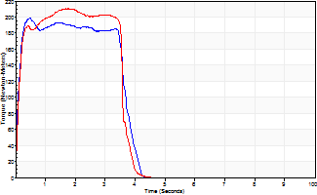
Isometric Extensors (Con) Angle 60 Time 10 Repetition 2 (Best Repetition)
 | Value | Cof Var | %BW
Peak Torque (Newton-Meters)
Right | 198 | 0.01 | 247
Left | 210 | 0.01 | 262
Deficit | 6
Average Torque (Newton-Meters)
Right | 69 | 0 | 86
Left | 85 | 0.13 | 107
Deficit | 19
Peak Torque Slope (Newton-Meters/Seconds)
Right | 405 | 0.89 | 506
Left | 120 | 0.03 | 149 |  | Right Side Curves Left Side Curves
Deficit | 70
Time to Half Peak Torque (Seconds)
Right | 0.09 | 0.08
Left | 0.11 | 0.07
Time to Peak Torque (Seconds)
Right | 1.29 | 0.89
Left | 1.77 | 0.02
HUMAC2015® Version: 15.000.0074 © Computer Sports Medicine, Inc. www.csmisolutions.com

mid2
Use File, Preference to set Report Heading
Long Form Torque vs. Position Report - Knee Extension/Flexion
Name: |  |  |  | TR030FP3027, | ID: |  | Right/Left: | 09.11.2021 09.11.2021
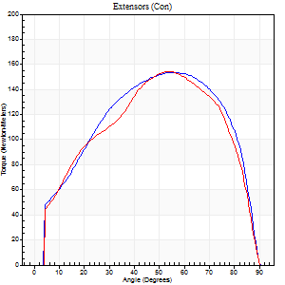
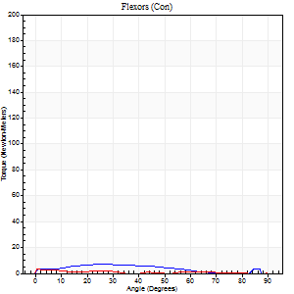
Right Side Curves Left Side Curves
Isokinetic Con/Con |  |  |  | Extensors (Con) |  | Flexors (Con)
Speed 60/60 d/s 3 Reps |  |  |  | Value | Cof Var | %BW | Value | Cof Var | %BW | Ratio

TORQUE PARAMETERS
Peak Torque (Newton-Meters - Best Repetition)
Right |  |  |  | 153 | 0.04 | 191 | 7 | 0.11 | 9 | 4
Left |  |  |  | 155 | 0.01 | 194 | 4 | 0.22 | 6 | 3
Deficit |  |  |  | 1 |  |  | 40
Work per Repetition (Newton-Meters - Best Repetition)
Right |  |  |  | 172 | 0.03 | 215 | 5 | 0.21 | 6 | 3
Left |  |  |  | 167 | 0.02 | 209 | 1 | 0.1 | 3 | 1
Deficit |  |  |  | 3 |  |  | 75
Average Power per Repetition (Watts - Best Repetition)
Right |  |  |  | 110 | 0.03 | 136 | 3 | 0.35 | 4 | 3
Left |  |  |  | 105 | 0.02 | 132 | 1 | 0.33 | 2 | 1
Deficit |  |  |  | 5 |  |  | 67
POSITION PARAMETERS
Joint Angle at Peak Torque (Degrees)
Right |  |  |  | 60 | 0.09 |  | 25 | 0.02
Left |  |  |  | 51 | 0.05 |  | 2 | 0.93
Range of Motion (Degrees)
Right |  |  |  | 0 | 0.47 |  | 90 | 0
Left |  |  |  | 0 | 0 |  | 90 | 0
TIME PARAMETERS
Time to Peak Torque (Seconds)
Right |  |  |  | 0.46 | 0.03 |  | 0.63 | 0.15
Left |  |  |  | 0.67 | 0.06 |  | 0.24 | 0.53
Time Peak Torque Held (Seconds)
Right |  |  |  | 0.15 | 0.71 |  | 0.01 | 1.73
Left |  |  |  | 0.06 | 0.24 |  | 1 | 1.1
Force Decay Time (Seconds)
Right |  |  |  | 0.9 | 0.1 |  | 1.48 | 0.22
Left |  |  |  | 0.84 | 0.06 |  | 0.86 | 1.33
Reciprocal Delay (Seconds)
Right |  |  |  | 0.3 | 0.09 |  | 0.69 | 0.29
Left |  |  |  | 0.37 | 0.27 |  | 0.65 | 0.35
Delay Time (Seconds)
Right |  |  |  | 0 | 0 |  | -0.07 | -0.57
Left |  |  |  | -0.03 | -0.47 |  | -0.13 | -0.28
HUMAC2015® Version: 15.000.0074 © Computer Sports Medicine, Inc. www.csmisolutions.com

Use File, Preference to set Report Heading
Long Form Torque vs. Position Report - Knee Extension/Flexion
Name: |  |  |  | TR030FP3027, | ID: |  | Right/Left: | 09.11.2021 09.11.2021
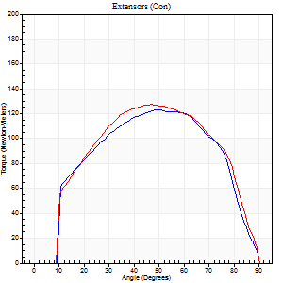
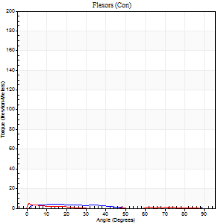
Right Side Curves Left Side Curves
Isokinetic Con/Con |  |  |  | Extensors (Con) |  | Flexors (Con)
Speed 120/120 d/s 3 Reps |  |  |  | Value | Cof Var | %BW | Value | Cof Var | %BW | Ratio

TORQUE PARAMETERS
Peak Torque (Newton-Meters - Best Repetition)
Right |  |  |  | 123 | 0.02 | 155 | 4 | 0.25 | 6 | 3
Left |  |  |  | 127 | 0.04 | 158 | 4 | 0.28 | 6 | 3
Deficit |  |  |  | 3 |  |  | 0
Work per Repetition (Newton-Meters - Best Repetition)
Right |  |  |  | 132 | 0 | 164 | 3 | 0.41 | 3 | 2
Left |  |  |  | 137 | 0.04 | 170 | 1 | 0.2 | 3 | 1
Deficit |  |  |  | 4 |  |  | 50
Average Power per Repetition (Watts - Best Repetition)
Right |  |  |  | 157 | 0.06 | 196 | 2 | 0.73 | 2 | 1
Left |  |  |  | 146 | 0.04 | 182 | 1 | 0.24 | 2 | 1
Deficit |  |  |  | 7 |  |  | 50
POSITION PARAMETERS
Joint Angle at Peak Torque (Degrees)
Right |  |  |  | 50 | 0.01 |  | 10 | 0.33
Left |  |  |  | 47 | 0.02 |  | 1 | 0.53
Range of Motion (Degrees)
Right |  |  |  | 0 | 1.41 |  | 90 | 0
Left |  |  |  | 0 | -1.41 |  | 90 | 0
TIME PARAMETERS
Time to Peak Torque (Seconds)
Right |  |  |  | 0.38 | 0.04 |  | 0.4 | 0.17
Left |  |  |  | 0.43 | 0.02 |  | 0.16 | 0.53
Time Peak Torque Held (Seconds)
Right |  |  |  | 0.02 | 0.35 |  | 0.05 | 1.25
Left |  |  |  | 0.03 | 0 |  | 0.04 | 1.73
Force Decay Time (Seconds)
Right |  |  |  | 0.48 | 0.11 |  | 1.95 | 0.72
Left |  |  |  | 0.48 | 0.01 |  | 1.69 | 0.1
Reciprocal Delay (Seconds)
Right |  |  |  | 0.16 | 0.47 |  | 0.52 | 0.3
Left |  |  |  | 0.59 | 0.31 |  | 0.73 | 0.18
Delay Time (Seconds)
Right |  |  |  | -0.01 | -0.47 |  | -0.1 | -0.24
Left |  |  |  | -0.05 | -0.16 |  | -0.14 | -0.45
HUMAC2015® Version: 15.000.0074 © Computer Sports Medicine, Inc. www.csmisolutions.com

Use File, Preference to set Report Heading
Long Form Torque vs. Position Report - Knee Extension/Flexion
Name: |  |  |  | TR030FP3027, | ID: |  | Right/Left: | 09.11.2021 09.11.2021
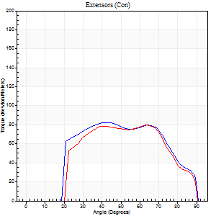
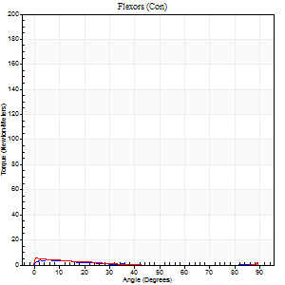
Right Side Curves Left Side Curves
Isokinetic Con/Con |  |  |  | Extensors (Con) |  | Flexors (Con)
Speed 240/240 d/s 3 Reps |  |  |  | Value | Cof Var | %BW | Value | Cof Var | %BW | Ratio

TORQUE PARAMETERS
Peak Torque (Newton-Meters - Best Repetition)
Right |  |  |  | 83 | 0.04 | 104 | 4 | 0.25 | 6 | 5
Left |  |  |  | 80 | 0.03 | 101 | 5 | 0.37 | 6 | 7
Deficit |  |  |  | 3 |  |  | 25
Work per Repetition (Newton-Meters - Best Repetition)
Right |  |  |  | 83 | 0.05 | 104 | 1 | 0.18 | 3 | 2
Left |  |  |  | 77 | 0.03 | 95 | 1 | 0.35 | 3 | 2
Deficit |  |  |  | 7 |  |  | 0
Average Power per Repetition (Watts - Best Repetition)
Right |  |  |  | 141 | 0.1 | 176 | 1 | 0.25 | 2 | 1
Left |  |  |  | 129 | 0.04 | 160 | 1 | 0.42 | 2 | 1
Deficit |  |  |  | 9 |  |  | 0
POSITION PARAMETERS
Joint Angle at Peak Torque (Degrees)
Right |  |  |  | 43 | 0.04 |  | 3 | 0.84
Left |  |  |  | 65 | 0.02 |  | 5 | 1.56
Range of Motion (Degrees)
Right |  |  |  | 0 | 0 |  | 90 | 0
Left |  |  |  | 0 | -1.41 |  | 90 | 0
TIME PARAMETERS
Time to Peak Torque (Seconds)
Right |  |  |  | 0.28 | 0.02 |  | 0.2 | 0.28
Left |  |  |  | 0.19 | 0.04 |  | 0.23 | 1.13
Time Peak Torque Held (Seconds)
Right |  |  |  | 0 | 0 |  | 0.03 | 1.2
Left |  |  |  | 0.04 | 1.52 |  | 0.01 | 1.73
Force Decay Time (Seconds)
Right |  |  |  | 0.33 | 0.12 |  | 1.52 | 0.11
Left |  |  |  | 0.36 | 0.17 |  | 1.41 | 0.05
Reciprocal Delay (Seconds)
Right |  |  |  | 0.52 | 0.76 |  | 0.5 | 0.38
Left |  |  |  | 0.44 | 0.35 |  | 0.48 | 0.21
Delay Time (Seconds)
Right |  |  |  | -0.02 | -0.28 |  | -0.09 | -0.29
Left |  |  |  | -0.04 | -0.2 |  | -0.09 | -0.29
HUMAC2015® Version: 15.000.0074 © Computer Sports Medicine, Inc. www.csmisolutions.com

Use File, Preference to set Report Heading
Isometric - Knee Extension/Flexion
Name: |  |  |  | TR030FP3027, | ID: |  | Right/Left: | 09.11.2021 09.11.2021

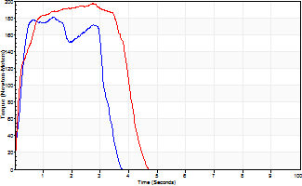
Isometric Extensors (Con) Angle 60 Time 10 Repetition 2 (Best Repetition)
 | Value | Cof Var | %BW
Peak Torque (Newton-Meters)
Right | 180 | 0.01 | 226
Left | 197 | 0.01 | 244
Deficit | 8
Average Torque (Newton-Meters)
Right | 54 | 0.03 | 69
Left | 72 | 0.05 | 89
Deficit | 25
Peak Torque Slope (Newton-Meters/Seconds)
Right | 188 | 0.25 | 235
Left | 104 | 0.26 | 130 |  | Right Side Curves Left Side Curves
Deficit | 45
Time to Half Peak Torque (Seconds)
Right | 0.19 | 0.19
Left | 0.13 | 0.44
Time to Peak Torque (Seconds)
Right | 1.15 | 0.27
Left | 2.29 | 0.27
HUMAC2015® Version: 15.000.0074 © Computer Sports Medicine, Inc. www.csmisolutions.com

post1
Use File, Preference to set Report Heading
Long Form Torque vs. Position Report - Knee Extension/Flexion
Name: |  |  |  | TR030FP3027, | ID: |  | Right/Left: | 03.12.2021 03.12.2021
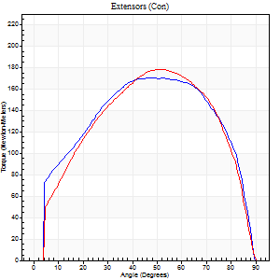
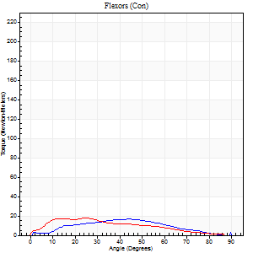
Right Side Curves Left Side Curves
Isokinetic Con/Con |  |  |  | Extensors (Con) |  | Flexors (Con)
Speed 60/60 d/s 3 Reps |  |  |  | Value | Cof Var | %BW | Value | Cof Var | %BW | Ratio

TORQUE PARAMETERS
Peak Torque (Newton-Meters - Best Repetition)
Right |  |  |  | 171 | 0.04 | 215 | 16 | 0.64 | 21 | 10
Left |  |  |  | 178 | 0.05 | 221 | 18 | 0.89 | 21 | 10
Deficit |  |  |  | 4 |  |  | 8
Work per Repetition (Newton-Meters - Best Repetition)
Right |  |  |  | 199 | 0.04 | 250 | 14 | 0.78 | 18 | 7
Left |  |  |  | 194 | 0.02 | 241 | 15 | 0.98 | 18 | 8
Deficit |  |  |  | 3 |  |  | 9
Average Power per Repetition (Watts - Best Repetition)
Right |  |  |  | 126 | 0.03 | 158 | 8 | 0.82 | 11 | 6
Left |  |  |  | 121 | 0.06 | 152 | 9 | 1.03 | 11 | 7
Deficit |  |  |  | 4 |  |  | 11
POSITION PARAMETERS
Joint Angle at Peak Torque (Degrees)
Right |  |  |  | 46 | 0.06 |  | 37 | 0.45
Left |  |  |  | 46 | 0.09 |  | 21 | 0.75
Range of Motion (Degrees)
Right |  |  |  | 0 | 0.47 |  | 90 | 0
Left |  |  |  | 0 | -1.41 |  | 90 | 0
TIME PARAMETERS
Time to Peak Torque (Seconds)
Right |  |  |  | 0.76 | 0.07 |  | 0.79 | 0.2
Left |  |  |  | 0.85 | 0.15 |  | 0.5 | 0.41
Time Peak Torque Held (Seconds)
Right |  |  |  | 0.07 | 0.52 |  | 0.02 | 1.25
Left |  |  |  | 0.07 | 0.42 |  | 0.01 | 1.73
Force Decay Time (Seconds)
Right |  |  |  | 0.74 | 0.02 |  | 1.01 | 0.22
Left |  |  |  | 0.76 | 0.11 |  | 1.36 | 0.4
Reciprocal Delay (Seconds)
Right |  |  |  | 0.74 | 0.07 |  | 0.6 | 0.23
Left |  |  |  | 0.17 | 0.33 |  | 0.59 | 0.1
Delay Time (Seconds)
Right |  |  |  | 0 | 1.41 |  | -0.04 | -1.18
Left |  |  |  | -0.08 | -1.41 |  | -0.08 | -0.6
HUMAC2015® Version: 15.000.0074 © Computer Sports Medicine, Inc. www.csmisolutions.com

Use File, Preference to set Report Heading
Long Form Torque vs. Position Report - Knee Extension/Flexion
Name: |  |  |  | TR030FP3027, | ID: |  | Right/Left: | 03.12.2021 03.12.2021
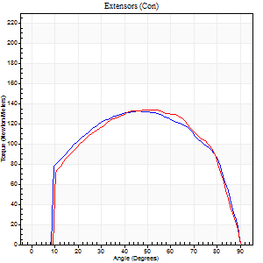
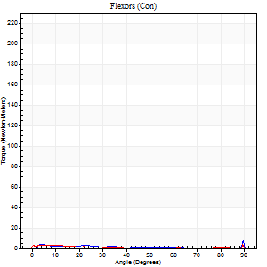
Right Side Curves Left Side Curves
Isokinetic Con/Con |  |  |  | Extensors (Con) |  | Flexors (Con)
Speed 120/120 d/s 3 Reps |  |  |  | Value | Cof Var | %BW | Value | Cof Var | %BW | Ratio

TORQUE PARAMETERS
Peak Torque (Newton-Meters - Best Repetition)
Right |  |  |  | 133 | 0.05 | 167 | 14 | 0.63 | 18 | 10
Left |  |  |  | 134 | 0.07 | 167 | 8 | 0.41 | 9 | 6
Deficit |  |  |  | 1 |  |  | 40
Work per Repetition (Newton-Meters - Best Repetition)
Right |  |  |  | 151 | 0.03 | 188 | 4 | 0.67 | 6 | 3
Left |  |  |  | 149 | 0.06 | 185 | 1 | 0.06 | 3 | 1
Deficit |  |  |  | 1 |  |  | 67
Average Power per Repetition (Watts - Best Repetition)
Right |  |  |  | 168 | 0.04 | 209 | 3 | 0.69 | 4 | 2
Left |  |  |  | 164 | 0.06 | 204 | 1 | 0.6 | 2 | 1
Deficit |  |  |  | 2 |  |  | 67
POSITION PARAMETERS
Joint Angle at Peak Torque (Degrees)
Right |  |  |  | 46 | 0.08 |  | 39 | 1.16
Left |  |  |  | 46 | 0.12 |  | 60 | 0.86
Range of Motion (Degrees)
Right |  |  |  | 0 | 2.83 |  | 90 | 0
Left |  |  |  | 0 | 0 |  | 90 | 0
TIME PARAMETERS
Time to Peak Torque (Seconds)
Right |  |  |  | 0.41 | 0.1 |  | 0.65 | 0.92
Left |  |  |  | 0.44 | 0.06 |  | 1.41 | 0.79
Time Peak Torque Held (Seconds)
Right |  |  |  | 0.05 | 0.54 |  | 0 | 1.73
Left |  |  |  | 0.05 | 0.4 |  | 0 | 0
Force Decay Time (Seconds)
Right |  |  |  | 0.44 | 0.03 |  | 0.75 | 1.07
Left |  |  |  | 0.44 | 0.1 |  | 2.09 | 2
Reciprocal Delay (Seconds)
Right |  |  |  | 0.28 | 0.32 |  | 0.38 | 0.67
Left |  |  |  | 0.51 | 0.1 |  | 0.55 | 0.14
Delay Time (Seconds)
Right |  |  |  | 0 | 0 |  | 0 | 40.95
Left |  |  |  | -0.01 | -0.47 |  | -0.11 | -0.29
HUMAC2015® Version: 15.000.0074 © Computer Sports Medicine, Inc. www.csmisolutions.com

Use File, Preference to set Report Heading
Long Form Torque vs. Position Report - Knee Extension/Flexion
Name: |  |  |  | TR030FP3027, | ID: |  | Right/Left: | 03.12.2021 03.12.2021
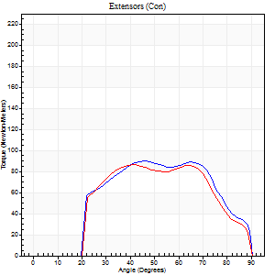
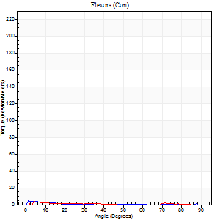
Right Side Curves Left Side Curves
Isokinetic Con/Con |  |  |  | Extensors (Con) |  | Flexors (Con)
Speed 240/240 d/s 3 Reps |  |  |  | Value | Cof Var | %BW | Value | Cof Var | %BW | Ratio

TORQUE PARAMETERS
Peak Torque (Newton-Meters - Best Repetition)
Right |  |  |  | 89 | 0.03 | 113 | 4 | 0.15 | 6 | 5
Left |  |  |  | 87 | 0.05 | 107 | 5 | 0.42 | 6 | 6
Deficit |  |  |  | 3 |  |  | 25
Work per Repetition (Newton-Meters - Best Repetition)
Right |  |  |  | 88 | 0.02 | 110 | 1 | 0.14 | 3 | 2
Left |  |  |  | 83 | 0.04 | 104 | 1 | 0.88 | 3 | 2
Deficit |  |  |  | 6 |  |  | 0
Average Power per Repetition (Watts - Best Repetition)
Right |  |  |  | 151 | 0.04 | 189 | 1 | 0.53 | 2 | 1
Left |  |  |  | 149 | 0.13 | 187 | 1 | 0.89 | 2 | 1
Deficit |  |  |  | 1 |  |  | 0
POSITION PARAMETERS
Joint Angle at Peak Torque (Degrees)
Right |  |  |  | 44 | 0.03 |  | 2 | 1.15
Left |  |  |  | 41 | 0.02 |  | 64 | 0.69
Range of Motion (Degrees)
Right |  |  |  | 0 | 0 |  | 90 | 0
Left |  |  |  | 0 | 2.83 |  | 90 | 0
TIME PARAMETERS
Time to Peak Torque (Seconds)
Right |  |  |  | 0.26 | 0.03 |  | 0.12 | 0.84
Left |  |  |  | 0.29 | 0 |  | 1.07 | 0.85
Time Peak Torque Held (Seconds)
Right |  |  |  | 0.01 | 0.87 |  | 0.01 | 1.73
Left |  |  |  | 0.01 | 0 |  | 0 | 0
Force Decay Time (Seconds)
Right |  |  |  | 0.3 | 0.05 |  | 2.89 | 0.79
Left |  |  |  | 0.3 | 0.33 |  | 0.26 | 3.35
Reciprocal Delay (Seconds)
Right |  |  |  | 0.34 | 0.39 |  | 0.44 | 0.4
Left |  |  |  | 0.37 | 0.1 |  | 0.29 | 0.99
Delay Time (Seconds)
Right |  |  |  | -0.02 | 0 |  | -0.04 | -0.74
Left |  |  |  | -0.03 | 0 |  | 0.48 | 2.23
HUMAC2015® Version: 15.000.0074 © Computer Sports Medicine, Inc. www.csmisolutions.com

Use File, Preference to set Report Heading
Isometric - Knee Extension/Flexion
Name: |  |  |  | TR030FP3027, | ID: |  | Right/Left: | 03.12.2021 03.12.2021

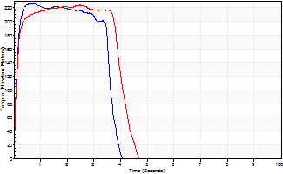
Isometric Extensors (Con) Angle 60 Time 10 Repetition 2 (Best Repetition)
 | Value | Cof Var | %BW
Peak Torque (Newton-Meters)
Right | 225 | 0.03 | 280
Left | 224 | 0.02 | 280
Deficit | 1
Average Torque (Newton-Meters)
Right | 76 | 0.06 | 95
Left | 85 | 0.08 | 107
Deficit | 11
Peak Torque Slope (Newton-Meters/Seconds)
Right | 352 | 0.19 | 440
Left | 90 | 0.05 | 113 |  | Right Side Curves Left Side Curves
Deficit | 74
Time to Half Peak Torque (Seconds)
Right | 0.1 | 0
Left | 0.11 | 0
Time to Peak Torque (Seconds)
Right | 0.72 | 0.17
Left | 2.51 | 0.03
HUMAC2015® Version: 15.000.0074 © Computer Sports Medicine, Inc. www.csmisolutions.com

