pre1
Use File, Preference to set Report Heading
Long Form Torque vs. Position Report - Knee Extension/Flexion
Name: |  |  |  | TR030FP3028, | ID: |  | Right/Left: | 10.09.2021 10.09.2021
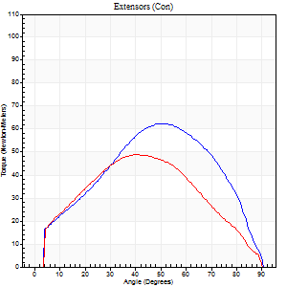
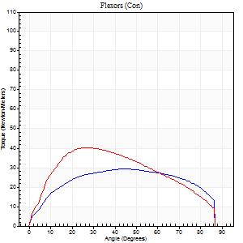
Right Side Curves Left Side Curves
Isokinetic Con/Con |  |  |  | Extensors (Con) |  | Flexors (Con)
Speed 60/60 d/s 3 Reps |  |  |  | Value | Cof Var | %BW | Value | Cof Var | %BW | Ratio

TORQUE PARAMETERS
Peak Torque (Newton-Meters - Best Repetition)
Right |  |  |  | 62 | 0.06 | 77 | 30 | 0.02 | 36 | 48
Left |  |  |  | 49 | 0.02 | 60 | 41 | 0.08 | 51 | 83
Deficit |  |  |  | 22 |  |  | 27
Work per Repetition (Newton-Meters - Best Repetition)
Right |  |  |  | 62 | 0.11 | 77 | 35 | 0.04 | 45 | 57
Left |  |  |  | 49 | 0.08 | 60 | 42 | 0.07 | 54 | 86
Deficit |  |  |  | 22 |  |  | 16
Average Power per Repetition (Watts - Best Repetition)
Right |  |  |  | 39 | 0.09 | 48 | 22 | 0.04 | 26 | 56
Left |  |  |  | 30 | 0.09 | 37 | 27 | 0.07 | 33 | 90
Deficit |  |  |  | 23 |  |  | 19
POSITION PARAMETERS
Joint Angle at Peak Torque (Degrees)
Right |  |  |  | 49 | 0.14 |  | 44 | 0.16
Left |  |  |  | 40 | 0.02 |  | 32 | 0.16
Range of Motion (Degrees)
Right |  |  |  | 0 | 0 |  | 90 | 0.01
Left |  |  |  | 0 | 0.28 |  | 90 | 0
TIME PARAMETERS
Time to Peak Torque (Seconds)
Right |  |  |  | 0.71 | 0.09 |  | 0.82 | 0.13
Left |  |  |  | 0.96 | 0.06 |  | 0.59 | 0.17
Time Peak Torque Held (Seconds)
Right |  |  |  | 0.07 | 0.31 |  | 0.04 | 0.74
Left |  |  |  | 0.05 | 0.12 |  | 0.09 | 0.47
Force Decay Time (Seconds)
Right |  |  |  | 0.78 | 0.13 |  | 0.74 | 0.13
Left |  |  |  | 0.65 | 0.02 |  | 0.9 | 0.16
Reciprocal Delay (Seconds)
Right |  |  |  | 0.49 | 0.07 |  | 0.47 | 0.23
Left |  |  |  | 0.49 | 0.17 |  | 0.3 | 0.1
Delay Time (Seconds)
Right |  |  |  | -0.04 | -0.47 |  | -0.04 | -0.31
Left |  |  |  | -0.07 | -0.4 |  | -0.02 | -0.49
HUMAC2015® Version: 15.000.0074 © Computer Sports Medicine, Inc. www.csmisolutions.com

Use File, Preference to set Report Heading
Long Form Torque vs. Position Report - Knee Extension/Flexion
Name: |  |  |  | TR030FP3028, | ID: |  | Right/Left: | 10.09.2021 10.09.2021
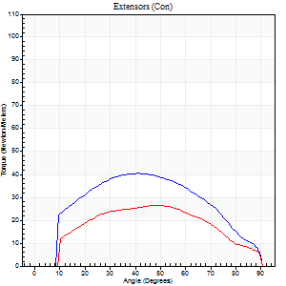
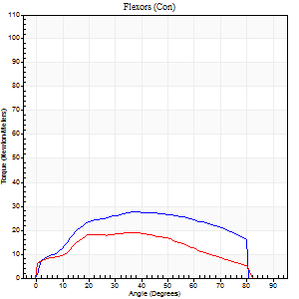
Right Side Curves Left Side Curves
Isokinetic Con/Con |  |  |  | Extensors (Con) |  | Flexors (Con)
Speed 120/120 d/s 3 Reps |  |  |  | Value | Cof Var | %BW | Value | Cof Var | %BW | Ratio

TORQUE PARAMETERS
Peak Torque (Newton-Meters - Best Repetition)
Right |  |  |  | 41 | 0.03 | 51 | 27 | 0.02 | 33 | 67
Left |  |  |  | 26 | 0.14 | 33 | 19 | 0.15 | 24 | 74
Deficit |  |  |  | 37 |  |  | 30
Work per Repetition (Newton-Meters - Best Repetition)
Right |  |  |  | 42 | 0.11 | 54 | 30 | 0.03 | 36 | 71
Left |  |  |  | 27 | 0.2 | 33 | 22 | 0.13 | 27 | 80
Deficit |  |  |  | 35 |  |  | 27
Average Power per Repetition (Watts - Best Repetition)
Right |  |  |  | 43 | 0.13 | 53 | 33 | 0.04 | 42 | 77
Left |  |  |  | 26 | 0.24 | 33 | 21 | 0.12 | 26 | 81
Deficit |  |  |  | 40 |  |  | 36
POSITION PARAMETERS
Joint Angle at Peak Torque (Degrees)
Right |  |  |  | 37 | 0.11 |  | 39 | 0.02
Left |  |  |  | 35 | 0.31 |  | 33 | 0.08
Range of Motion (Degrees)
Right |  |  |  | 0 | 0 |  | 90 | 0.01
Left |  |  |  | 0 | 0 |  | 90 | 0
TIME PARAMETERS
Time to Peak Torque (Seconds)
Right |  |  |  | 0.58 | 0.05 |  | 0.41 | 0.04
Left |  |  |  | 0.75 | 0.05 |  | 0.44 | 0.04
Time Peak Torque Held (Seconds)
Right |  |  |  | 0.02 | 0.89 |  | 0.01 | 1.73
Left |  |  |  | 0.03 | 0.94 |  | 0.04 | 0.13
Force Decay Time (Seconds)
Right |  |  |  | 0.36 | 0.12 |  | 0.48 | 0.09
Left |  |  |  | 0.36 | 0.33 |  | 0.5 | 0.17
Reciprocal Delay (Seconds)
Right |  |  |  | 0.36 | 0.08 |  | 0.19 | 0.19
Left |  |  |  | 0.6 | 0.04 |  | 0.53 | 0.14
Delay Time (Seconds)
Right |  |  |  | -0.06 | -0.24 |  | -0.01 | -0.87
Left |  |  |  | -0.1 | 0 |  | -0.06 | -0.09
HUMAC2015® Version: 15.000.0074 © Computer Sports Medicine, Inc. www.csmisolutions.com

Use File, Preference to set Report Heading
Long Form Torque vs. Position Report - Knee Extension/Flexion
Name: |  |  |  | TR030FP3028, | ID: |  | Right/Left: | 10.09.2021 10.09.2021
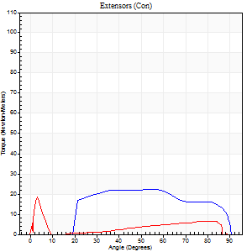
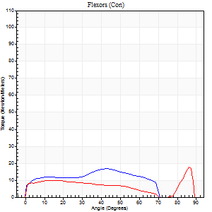
Right Side Curves Left Side Curves
Isokinetic Con/Con |  |  |  | Extensors (Con) |  | Flexors (Con)
Speed 240/240 d/s 3 Reps |  |  |  | Value | Cof Var | %BW | Value | Cof Var | %BW | Ratio

TORQUE PARAMETERS
Peak Torque (Newton-Meters - Best Repetition)
Right |  |  |  | 23 | 0.05 | 30 | 16 | 0.09 | 21 | 71
Left |  |  |  | 19 | 0.28 | 24 | 18 | 0.34 | 21 | 93
Deficit |  |  |  | 18 |  |  | 8
Work per Repetition (Newton-Meters - Best Repetition)
Right |  |  |  | 23 | 0.1 | 30 | 15 | 0.1 | 18 | 65
Left |  |  |  | 9 | 0.84 | 12 | 11 | 0.69 | 15 | 114
Deficit |  |  |  | 59 |  |  | 27
Average Power per Repetition (Watts - Best Repetition)
Right |  |  |  | 33 | 0.06 | 42 | 28 | 0.21 | 35 | 85
Left |  |  |  | 10 | 0.74 | 13 | 15 | 0.11 | 20 | 150
Deficit |  |  |  | 70 |  |  | 46
POSITION PARAMETERS
Joint Angle at Peak Torque (Degrees)
Right |  |  |  | 51 | 0.13 |  | 44 | 0.05
Left |  |  |  | 26 | 1.58 |  | 45 | 0.89
Range of Motion (Degrees)
Right |  |  |  | 0 | 0 |  | 88 | 0.04
Left |  |  |  | 0 | 0.28 |  | 89 | 0.01
TIME PARAMETERS
Time to Peak Torque (Seconds)
Right |  |  |  | 0.35 | 0 |  | 0.37 | 0.06
Left |  |  |  | 0.7 | 0.48 |  | 0.26 | 0.89
Time Peak Torque Held (Seconds)
Right |  |  |  | 0.01 | 1 |  | 0.01 | 1.73
Left |  |  |  | 0.01 | 0.87 |  | 0.05 | 1.73
Force Decay Time (Seconds)
Right |  |  |  | 0.33 | 0.08 |  | 0.27 | 0.23
Left |  |  |  | 0.21 | 0.85 |  | 0.2 | 0.75
Reciprocal Delay (Seconds)
Right |  |  |  | 0.39 | 0.02 |  | 0.27 | 0.04
Left |  |  |  | 0.05 | 0.13 |  | 0.28 | 0.41
Delay Time (Seconds)
Right |  |  |  | -0.07 | 0 |  | -0.04 | -0.31
Left |  |  |  | 0 | -1.41 |  | 0.08 | 4.54
HUMAC2015® Version: 15.000.0074 © Computer Sports Medicine, Inc. www.csmisolutions.com

Use File, Preference to set Report Heading
Isometric - Knee Extension/Flexion
Name: |  |  |  | TR030FP3028, | ID: |  | Right/Left: | 10.09.2021 10.09.2021

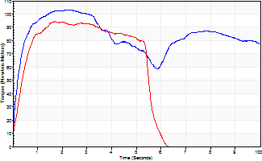
Isometric Extensors (Con) Angle 60 Time 10 Repetition 2 (Best Repetition)
 | Value | Cof Var | %BW
Peak Torque (Newton-Meters)
Right | 103 | 0.01 | 128
Left | 95 | 0.01 | 119
Deficit | 8
Average Torque (Newton-Meters)
Right | 84 | 0.36 | 104
Left | 46 | 0.12 | 57
Deficit | 45
Peak Torque Slope (Newton-Meters/Seconds)
Right | 49 | 0.05 | 61
Left | 69 | 0.15 | 86 |  | Right Side Curves Left Side Curves
Deficit | 29
Time to Half Peak Torque (Seconds)
Right | 0.21 | 0
Left | 0.34 | 0.04
Time to Peak Torque (Seconds)
Right | 2.15 | 0.06
Left | 1.52 | 0.17
HUMAC2015® Version: 15.000.0074 © Computer Sports Medicine, Inc. www.csmisolutions.com

pre2
Use File, Preference to set Report Heading
Long Form Torque vs. Position Report - Knee Extension/Flexion
Name: |  |  |  | TR030FP3028, | ID: |  | Right/Left: | 29.09.2021 29.09.2021
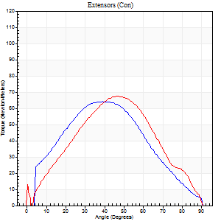
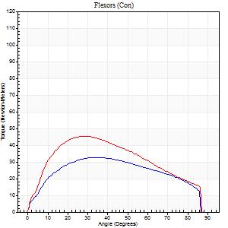
Right Side Curves Left Side Curves
Isokinetic Con/Con |  |  |  | Extensors (Con) |  | Flexors (Con)
Speed 60/60 d/s 3 Reps |  |  |  | Value | Cof Var | %BW | Value | Cof Var | %BW | Ratio

TORQUE PARAMETERS
Peak Torque (Newton-Meters - Best Repetition)
Right |  |  |  | 64 | 0.82 | 80 | 33 | 0.74 | 42 | 51
Left |  |  |  | 68 | 0.05 | 83 | 45 | 0.16 | 57 | 66
Deficit |  |  |  | 6 |  |  | 27
Work per Repetition (Newton-Meters - Best Repetition)
Right |  |  |  | 61 | 0.88 | 77 | 37 | 0.86 | 45 | 60
Left |  |  |  | 65 | 0.03 | 80 | 47 | 0.16 | 60 | 73
Deficit |  |  |  | 6 |  |  | 23
Average Power per Repetition (Watts - Best Repetition)
Right |  |  |  | 36 | 0.87 | 44 | 23 | 0.82 | 29 | 64
Left |  |  |  | 41 | 0.11 | 51 | 30 | 0.15 | 37 | 73
Deficit |  |  |  | 12 |  |  | 23
POSITION PARAMETERS
Joint Angle at Peak Torque (Degrees)
Right |  |  |  | 55 | 0.54 |  | 49 | 0.5
Left |  |  |  | 47 | 0.01 |  | 31 | 0.11
Range of Motion (Degrees)
Right |  |  |  | 0 | 1.41 |  | 90 | 0
Left |  |  |  | 0 | 0 |  | 90 | 0
TIME PARAMETERS
Time to Peak Torque (Seconds)
Right |  |  |  | 1 | 0.01 |  | 0.45 | 0.77
Left |  |  |  | 0.76 | 0.03 |  | 0.57 | 0.13
Time Peak Torque Held (Seconds)
Right |  |  |  | 0.06 | 0.71 |  | 0.08 | 0.89
Left |  |  |  | 0.05 | 0.66 |  | 0.03 | 1.73
Force Decay Time (Seconds)
Right |  |  |  | 0.53 | 0.31 |  | 0.67 | 0.37
Left |  |  |  | 0.86 | 0.2 |  | 0.97 | 0.11
Reciprocal Delay (Seconds)
Right |  |  |  | 0.5 | 0.44 |  | 0.27 | 0.43
Left |  |  |  | 0.54 | 0.29 |  | 0.31 | 0.07
Delay Time (Seconds)
Right |  |  |  | -0.09 | -0.25 |  | -0.04 | -0.9
Left |  |  |  | -0.02 | -0.28 |  | -0.02 | -0.65
HUMAC2015® Version: 15.000.0074 © Computer Sports Medicine, Inc. www.csmisolutions.com

Use File, Preference to set Report Heading
Long Form Torque vs. Position Report - Knee Extension/Flexion
Name: |  |  |  | TR030FP3028, | ID: |  | Right/Left: | 29.09.2021 29.09.2021
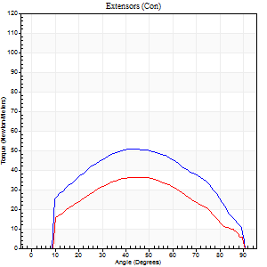
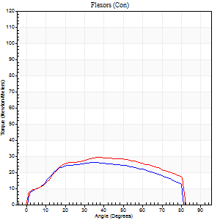
Right Side Curves Left Side Curves
Isokinetic Con/Con |  |  |  | Extensors (Con) |  | Flexors (Con)
Speed 120/120 d/s 3 Reps |  |  |  | Value | Cof Var | %BW | Value | Cof Var | %BW | Ratio

TORQUE PARAMETERS
Peak Torque (Newton-Meters - Best Repetition)
Right |  |  |  | 50 | 0.08 | 63 | 26 | 0.24 | 33 | 51
Left |  |  |  | 37 | 0.05 | 45 | 30 | 0.08 | 36 | 81
Deficit |  |  |  | 27 |  |  | 14
Work per Repetition (Newton-Meters - Best Repetition)
Right |  |  |  | 54 | 0.09 | 69 | 28 | 0.32 | 36 | 52
Left |  |  |  | 37 | 0.06 | 45 | 33 | 0.08 | 42 | 89
Deficit |  |  |  | 33 |  |  | 13
Average Power per Repetition (Watts - Best Repetition)
Right |  |  |  | 57 | 0.12 | 70 | 31 | 0.28 | 40 | 54
Left |  |  |  | 39 | 0.07 | 48 | 34 | 0.05 | 42 | 87
Deficit |  |  |  | 32 |  |  | 9
POSITION PARAMETERS
Joint Angle at Peak Torque (Degrees)
Right |  |  |  | 41 | 0.07 |  | 33 | 0.3
Left |  |  |  | 43 | 0.09 |  | 39 | 0.06
Range of Motion (Degrees)
Right |  |  |  | 0 | 1.41 |  | 90 | 0
Left |  |  |  | 1 | 0.28 |  | 90 | 0
TIME PARAMETERS
Time to Peak Torque (Seconds)
Right |  |  |  | 0.58 | 0.02 |  | 0.38 | 0.19
Left |  |  |  | 0.51 | 0.04 |  | 0.42 | 0.04
Time Peak Torque Held (Seconds)
Right |  |  |  | 0.04 | 0.9 |  | 0.02 | 1.25
Left |  |  |  | 0.01 | 1.73 |  | 0.03 | 1.73
Force Decay Time (Seconds)
Right |  |  |  | 0.38 | 0.09 |  | 0.5 | 0.11
Left |  |  |  | 0.4 | 0.03 |  | 0.46 | 0.15
Reciprocal Delay (Seconds)
Right |  |  |  | 0.3 | 0.19 |  | 0.28 | 0.54
Left |  |  |  | 0.29 | 0.07 |  | 0.14 | 0.15
Delay Time (Seconds)
Right |  |  |  | -0.08 | -0.18 |  | -0.02 | -1
Left |  |  |  | -0.04 | -0.35 |  | -0.03 | -0.17
HUMAC2015® Version: 15.000.0074 © Computer Sports Medicine, Inc. www.csmisolutions.com

Use File, Preference to set Report Heading
Long Form Torque vs. Position Report - Knee Extension/Flexion
Name: |  |  |  | TR030FP3028, | ID: |  | Right/Left: | 29.09.2021 29.09.2021
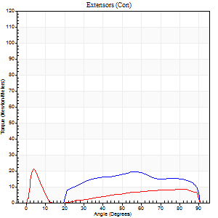
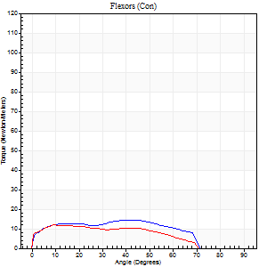
Right Side Curves Left Side Curves
Isokinetic Con/Con |  |  |  | Extensors (Con) |  | Flexors (Con)
Speed 240/240 d/s 3 Reps |  |  |  | Value | Cof Var | %BW | Value | Cof Var | %BW | Ratio

TORQUE PARAMETERS
Peak Torque (Newton-Meters - Best Repetition)
Right |  |  |  | 19 | 0.26 | 24 | 15 | 0.27 | 18 | 79
Left |  |  |  | 22 | 0.25 | 27 | 12 | 0.14 | 15 | 56
Deficit |  |  |  | 13 |  |  | 18
Work per Repetition (Newton-Meters - Best Repetition)
Right |  |  |  | 19 | 0.21 | 24 | 15 | 0.3 | 18 | 79
Left |  |  |  | 12 | 0.2 | 15 | 11 | 0.13 | 15 | 89
Deficit |  |  |  | 36 |  |  | 27
Average Power per Repetition (Watts - Best Repetition)
Right |  |  |  | 25 | 0.23 | 31 | 20 | 0.33 | 24 | 80
Left |  |  |  | 16 | 0.21 | 20 | 13 | 0.03 | 15 | 81
Deficit |  |  |  | 36 |  |  | 35
POSITION PARAMETERS
Joint Angle at Peak Torque (Degrees)
Right |  |  |  | 62 | 0.25 |  | 22 | 0.73
Left |  |  |  | 17 | 1.37 |  | 13 | 0.3
Range of Motion (Degrees)
Right |  |  |  | 0 | 0.47 |  | 90 | 0
Left |  |  |  | 0 | 1.89 |  | 90 | 0
TIME PARAMETERS
Time to Peak Torque (Seconds)
Right |  |  |  | 0.33 | 0.26 |  | 0.26 | 0.3
Left |  |  |  | 0.51 | 0.23 |  | 0.24 | 0.21
Time Peak Torque Held (Seconds)
Right |  |  |  | 0.01 | 1 |  | 0.01 | 0.87
Left |  |  |  | 0 | 0 |  | 0.02 | 0.89
Force Decay Time (Seconds)
Right |  |  |  | 0.38 | 0.22 |  | 0.47 | 0.3
Left |  |  |  | 0.17 | 0.75 |  | 0.55 | 0.27
Reciprocal Delay (Seconds)
Right |  |  |  | 0.25 | 0.19 |  | 0.29 | 0.32
Left |  |  |  | 0.13 | 0.22 |  | 0.27 | 0.32
Delay Time (Seconds)
Right |  |  |  | -0.08 | -0.28 |  | -0.02 | -0.5
Left |  |  |  | -0.02 | 0 |  | -0.05 | -0.35
HUMAC2015® Version: 15.000.0074 © Computer Sports Medicine, Inc. www.csmisolutions.com

Use File, Preference to set Report Heading
Isometric - Knee Extension/Flexion
Name: |  |  |  | TR030FP3028, | ID: |  | Right/Left: | 29.09.2021 29.09.2021

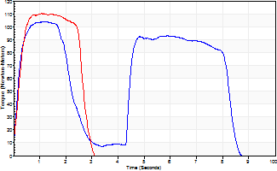
Isometric Extensors (Con) Angle 60 Time 10 Repetition 2 (Best Repetition)
 | Value | Cof Var | %BW
Peak Torque (Newton-Meters)
Right | 104 | 0.03 | 131
Left | 110 | 0.03 | 137
Deficit | 5
Average Torque (Newton-Meters)
Right | 57 | 0.36 | 72
Left | 30 | 0.09 | 36
Deficit | 48
Peak Torque Slope (Newton-Meters/Seconds)
Right | 86 | 1.09 | 107
Left | 103 | 0.32 | 129 |  | Right Side Curves Left Side Curves
Deficit | 17
Time to Half Peak Torque (Seconds)
Right | 0.19 | 0.25
Left | 0.25 | 0.23
Time to Peak Torque (Seconds)
Right | 5.12 | 1.08
Left | 1.33 | 0.29
HUMAC2015® Version: 15.000.0074 © Computer Sports Medicine, Inc. www.csmisolutions.com

mid1
Use File, Preference to set Report Heading
Long Form Torque vs. Position Report - Knee Extension/Flexion
Name: |  |  |  | TR030FP3028, | ID: |  | Right/Left: | 08.11.2021 08.11.2021
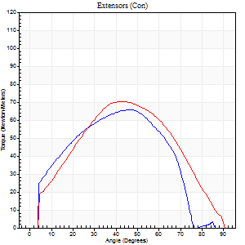
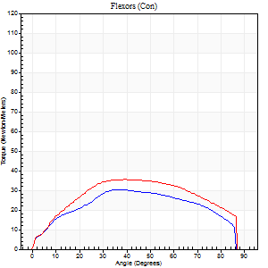
Right Side Curves Left Side Curves
Isokinetic Con/Con |  |  |  | Extensors (Con) |  | Flexors (Con)
Speed 60/60 d/s 3 Reps |  |  |  | Value | Cof Var | %BW | Value | Cof Var | %BW | Ratio

TORQUE PARAMETERS
Peak Torque (Newton-Meters - Best Repetition)
Right |  |  |  | 65 | 0.13 | 80 | 30 | 0.3 | 36 | 46
Left |  |  |  | 71 | 0.2 | 89 | 35 | 0.42 | 45 | 50
Deficit |  |  |  | 8 |  |  | 15
Work per Repetition (Newton-Meters - Best Repetition)
Right |  |  |  | 62 | 0.11 | 77 | 34 | 0.38 | 42 | 54
Left |  |  |  | 69 | 0.19 | 86 | 41 | 0.4 | 51 | 59
Deficit |  |  |  | 10 |  |  | 17
Average Power per Repetition (Watts - Best Repetition)
Right |  |  |  | 41 | 0.16 | 51 | 22 | 0.39 | 26 | 54
Left |  |  |  | 42 | 0.19 | 53 | 25 | 0.38 | 31 | 60
Deficit |  |  |  | 2 |  |  | 12
POSITION PARAMETERS
Joint Angle at Peak Torque (Degrees)
Right |  |  |  | 42 | 0.1 |  | 32 | 0.24
Left |  |  |  | 42 | 0.11 |  | 30 | 0.54
Range of Motion (Degrees)
Right |  |  |  | 0 | 0 |  | 88 | 0.03
Left |  |  |  | 0 | -1.41 |  | 90 | 0
TIME PARAMETERS
Time to Peak Torque (Seconds)
Right |  |  |  | 0.83 | 0.26 |  | 0.6 | 0.19
Left |  |  |  | 0.93 | 0.07 |  | 0.55 | 0.47
Time Peak Torque Held (Seconds)
Right |  |  |  | 0.05 | 0.89 |  | 0.06 | 1.73
Left |  |  |  | 0.04 | 0.35 |  | 0.06 | 1.73
Force Decay Time (Seconds)
Right |  |  |  | 0.69 | 0.05 |  | 0.9 | 0.08
Left |  |  |  | 0.71 | 0.11 |  | 0.95 | 0.29
Reciprocal Delay (Seconds)
Right |  |  |  | 0.26 | 0.67 |  | 0.37 | 0.24
Left |  |  |  | 0.44 | 0.06 |  | 0.35 | 0.11
Delay Time (Seconds)
Right |  |  |  | 0.09 | 2.99 |  | -0.02 | -1.51
Left |  |  |  | -0.05 | -0.16 |  | -0.02 | -0.5
HUMAC2015® Version: 15.000.0074 © Computer Sports Medicine, Inc. www.csmisolutions.com

Use File, Preference to set Report Heading
Long Form Torque vs. Position Report - Knee Extension/Flexion
Name: |  |  |  | TR030FP3028, | ID: |  | Right/Left: | 08.11.2021 08.11.2021
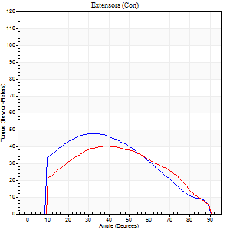
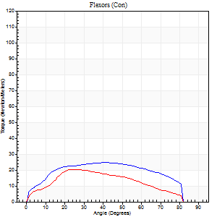
Right Side Curves Left Side Curves
Isokinetic Con/Con |  |  |  | Extensors (Con) |  | Flexors (Con)
Speed 120/120 d/s 3 Reps |  |  |  | Value | Cof Var | %BW | Value | Cof Var | %BW | Ratio

TORQUE PARAMETERS
Peak Torque (Newton-Meters - Best Repetition)
Right |  |  |  | 47 | 0.23 | 60 | 24 | 0.22 | 30 | 51
Left |  |  |  | 41 | 0.25 | 51 | 20 | 0.23 | 27 | 50
Deficit |  |  |  | 14 |  |  | 17
Work per Repetition (Newton-Meters - Best Repetition)
Right |  |  |  | 46 | 0.21 | 57 | 27 | 0.21 | 33 | 59
Left |  |  |  | 41 | 0.26 | 51 | 19 | 0.16 | 24 | 47
Deficit |  |  |  | 12 |  |  | 30
Average Power per Repetition (Watts - Best Repetition)
Right |  |  |  | 46 | 0.18 | 57 | 30 | 0.19 | 37 | 65
Left |  |  |  | 41 | 0.36 | 51 | 19 | 0.16 | 24 | 46
Deficit |  |  |  | 11 |  |  | 37
POSITION PARAMETERS
Joint Angle at Peak Torque (Degrees)
Right |  |  |  | 33 | 0.17 |  | 47 | 0.17
Left |  |  |  | 39 | 0.02 |  | 26 | 0.18
Range of Motion (Degrees)
Right |  |  |  | 0 | 0 |  | 90 | 0
Left |  |  |  | 0 | 1.41 |  | 90 | 0.01
TIME PARAMETERS
Time to Peak Torque (Seconds)
Right |  |  |  | 0.63 | 0.03 |  | 0.5 | 0.15
Left |  |  |  | 0.73 | 0.29 |  | 0.37 | 0.15
Time Peak Torque Held (Seconds)
Right |  |  |  | 0.03 | 0.87 |  | 0.06 | 0.27
Left |  |  |  | 0.02 | 0.65 |  | 0.02 | 1.32
Force Decay Time (Seconds)
Right |  |  |  | 0.32 | 0.08 |  | 0.34 | 0.2
Left |  |  |  | 0.37 | 0.08 |  | 0.56 | 0.05
Reciprocal Delay (Seconds)
Right |  |  |  | 0.24 | 0.35 |  | 0.29 | 0.32
Left |  |  |  | 0.26 | 0.72 |  | 0.25 | 0.28
Delay Time (Seconds)
Right |  |  |  | -0.08 | -0.28 |  | -0.01 | -1.15
Left |  |  |  | -0.04 | -1.01 |  | -0.06 | -0.27
HUMAC2015® Version: 15.000.0074 © Computer Sports Medicine, Inc. www.csmisolutions.com

Use File, Preference to set Report Heading
Long Form Torque vs. Position Report - Knee Extension/Flexion
Name: |  |  |  | TR030FP3028, | ID: |  | Right/Left: | 08.11.2021 08.11.2021
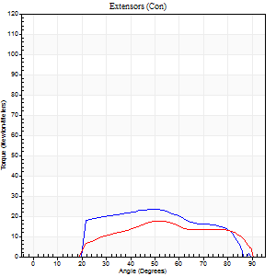
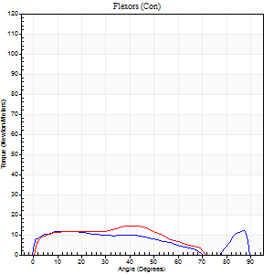
Right Side Curves Left Side Curves
Isokinetic Con/Con |  |  |  | Extensors (Con) |  | Flexors (Con)
Speed 240/240 d/s 3 Reps |  |  |  | Value | Cof Var | %BW | Value | Cof Var | %BW | Ratio

TORQUE PARAMETERS
Peak Torque (Newton-Meters - Best Repetition)
Right |  |  |  | 23 | 0.27 | 30 | 12 | 0.18 | 15 | 53
Left |  |  |  | 18 | 0.32 | 21 | 15 | 0.29 | 18 | 85
Deficit |  |  |  | 24 |  |  | 18
Work per Repetition (Newton-Meters - Best Repetition)
Right |  |  |  | 22 | 0.26 | 27 | 11 | 0.75 | 15 | 50
Left |  |  |  | 16 | 0.28 | 21 | 12 | 0.34 | 15 | 75
Deficit |  |  |  | 25 |  |  | 11
Average Power per Repetition (Watts - Best Repetition)
Right |  |  |  | 31 | 0.48 | 40 | 16 | 0.33 | 20 | 52
Left |  |  |  | 23 | 0.28 | 29 | 15 | 0.31 | 20 | 65
Deficit |  |  |  | 26 |  |  | 6
POSITION PARAMETERS
Joint Angle at Peak Torque (Degrees)
Right |  |  |  | 51 | 0.07 |  | 36 | 1.22
Left |  |  |  | 55 | 0.25 |  | 21 | 0.78
Range of Motion (Degrees)
Right |  |  |  | 0 | -0.47 |  | 89 | 0.01
Left |  |  |  | 0 | 1.41 |  | 90 | 0
TIME PARAMETERS
Time to Peak Torque (Seconds)
Right |  |  |  | 0.34 | 0.02 |  | 0.18 | 0.43
Left |  |  |  | 0.36 | 0.18 |  | 0.27 | 0.28
Time Peak Torque Held (Seconds)
Right |  |  |  | 0.01 | 1.73 |  | 0.02 | 1.32
Left |  |  |  | 0 | 1.73 |  | 0.04 | 0.9
Force Decay Time (Seconds)
Right |  |  |  | 0.34 | 0.07 |  | 0.29 | 0.8
Left |  |  |  | 0.32 | 0.19 |  | 0.53 | 0.31
Reciprocal Delay (Seconds)
Right |  |  |  | 0.31 | 0.97 |  | 0.39 | 0.42
Left |  |  |  | 0.12 | 0.35 |  | 0.22 | 0.42
Delay Time (Seconds)
Right |  |  |  | 0.04 | 4.24 |  | 0.13 | 2.35
Left |  |  |  | -0.02 | -0.28 |  | -0.03 | -0.92
HUMAC2015® Version: 15.000.0074 © Computer Sports Medicine, Inc. www.csmisolutions.com

Use File, Preference to set Report Heading
Isometric - Knee Extension/Flexion
Name: |  |  |  | TR030FP3028, | ID: |  | Right/Left: | 08.11.2021 08.11.2021

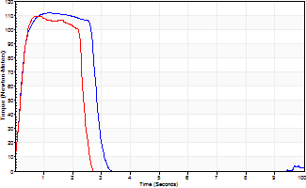
Isometric Extensors (Con) Angle 60 Time 10 Repetition 2 (Best Repetition)
 | Value | Cof Var | %BW
Peak Torque (Newton-Meters)
Right | 111 | 0 | 140
Left | 110 | 0.01 | 137
Deficit | 1
Average Torque (Newton-Meters)
Right | 34 | 0.12 | 42
Left | 28 | 0.16 | 36
Deficit | 16
Peak Torque Slope (Newton-Meters/Seconds)
Right | 93 | 0.01 | 117
Left | 117 | 0.38 | 147 |  | Right Side Curves Left Side Curves
Deficit | 21
Time to Half Peak Torque (Seconds)
Right | 0.22 | 0.13
Left | 0.23 | 0.12
Time to Peak Torque (Seconds)
Right | 1.19 | 0.01
Left | 1.25 | 0.37
HUMAC2015® Version: 15.000.0074 © Computer Sports Medicine, Inc. www.csmisolutions.com

mid2
Use File, Preference to set Report Heading
Long Form Torque vs. Position Report - Knee Extension/Flexion
Name: |  |  |  | TR030FP3028, | ID: |  | Right/Left: | 10.11.2021 10.11.2021
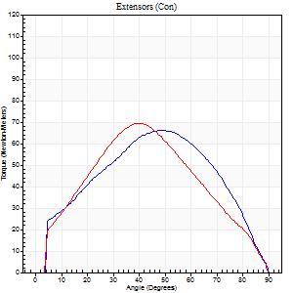
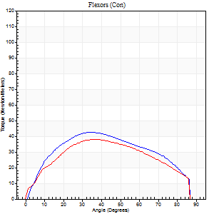
Right Side Curves Left Side Curves
Isokinetic Con/Con |  |  |  | Extensors (Con) |  | Flexors (Con)
Speed 60/60 d/s 3 Reps |  |  |  | Value | Cof Var | %BW | Value | Cof Var | %BW | Ratio

TORQUE PARAMETERS
Peak Torque (Newton-Meters - Best Repetition)
Right |  |  |  | 66 | 0.08 | 83 | 42 | 0.72 | 54 | 63
Left |  |  |  | 69 | 0.14 | 86 | 38 | 0.43 | 48 | 55
Deficit |  |  |  | 4 |  |  | 10
Work per Repetition (Newton-Meters - Best Repetition)
Right |  |  |  | 68 | 0.11 | 83 | 46 | 0.77 | 57 | 68
Left |  |  |  | 64 | 0.14 | 80 | 41 | 0.5 | 51 | 64
Deficit |  |  |  | 6 |  |  | 12
Average Power per Repetition (Watts - Best Repetition)
Right |  |  |  | 42 | 0.13 | 53 | 30 | 0.79 | 37 | 71
Left |  |  |  | 40 | 0.16 | 51 | 26 | 0.5 | 33 | 65
Deficit |  |  |  | 5 |  |  | 13
POSITION PARAMETERS
Joint Angle at Peak Torque (Degrees)
Right |  |  |  | 46 | 0.08 |  | 39 | 0.14
Left |  |  |  | 39 | 0.02 |  | 31 | 0.31
Range of Motion (Degrees)
Right |  |  |  | 0 | 0 |  | 90 | 0
Left |  |  |  | 0 | 2.83 |  | 90 | 0
TIME PARAMETERS
Time to Peak Torque (Seconds)
Right |  |  |  | 0.78 | 0.06 |  | 0.76 | 0.3
Left |  |  |  | 0.92 | 0.04 |  | 0.58 | 0.27
Time Peak Torque Held (Seconds)
Right |  |  |  | 0.05 | 0.6 |  | 0.1 | 1.31
Left |  |  |  | 0.02 | 1.25 |  | 0.06 | 0.24
Force Decay Time (Seconds)
Right |  |  |  | 0.74 | 0.09 |  | 0.76 | 0.24
Left |  |  |  | 0.67 | 0.03 |  | 0.93 | 0.16
Reciprocal Delay (Seconds)
Right |  |  |  | 0.19 | 0.04 |  | 0.45 | 0.61
Left |  |  |  | 0.33 | 0.17 |  | 0.29 | 0.12
Delay Time (Seconds)
Right |  |  |  | -0.04 | -0.2 |  | -0.03 | -2.13
Left |  |  |  | -0.04 | -0.71 |  | -0.03 | -0.43
HUMAC2015® Version: 15.000.0074 © Computer Sports Medicine, Inc. www.csmisolutions.com

Use File, Preference to set Report Heading
Long Form Torque vs. Position Report - Knee Extension/Flexion
Name: |  |  |  | TR030FP3028, | ID: |  | Right/Left: | 10.11.2021 10.11.2021
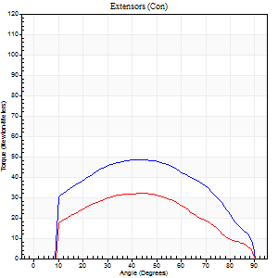
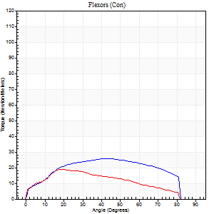
Right Side Curves Left Side Curves
Isokinetic Con/Con |  |  |  | Extensors (Con) |  | Flexors (Con)
Speed 120/120 d/s 3 Reps |  |  |  | Value | Cof Var | %BW | Value | Cof Var | %BW | Ratio

TORQUE PARAMETERS
Peak Torque (Newton-Meters - Best Repetition)
Right |  |  |  | 49 | 0.22 | 60 | 26 | 0.29 | 33 | 53
Left |  |  |  | 33 | 0.3 | 42 | 19 | 0.25 | 24 | 58
Deficit |  |  |  | 33 |  |  | 26
Work per Repetition (Newton-Meters - Best Repetition)
Right |  |  |  | 53 | 0.29 | 66 | 28 | 0.35 | 36 | 54
Left |  |  |  | 33 | 0.29 | 42 | 18 | 0.27 | 21 | 54
Deficit |  |  |  | 38 |  |  | 38
Average Power per Repetition (Watts - Best Repetition)
Right |  |  |  | 55 | 0.33 | 68 | 31 | 0.35 | 40 | 56
Left |  |  |  | 33 | 0.33 | 42 | 16 | 0.2 | 20 | 48
Deficit |  |  |  | 40 |  |  | 48
POSITION PARAMETERS
Joint Angle at Peak Torque (Degrees)
Right |  |  |  | 39 | 0.22 |  | 40 | 0.18
Left |  |  |  | 40 | 0.19 |  | 23 | 0.19
Range of Motion (Degrees)
Right |  |  |  | 0 | -1.41 |  | 90 | 0
Left |  |  |  | 0 | -4.24 |  | 90 | 0
TIME PARAMETERS
Time to Peak Torque (Seconds)
Right |  |  |  | 0.49 | 0.04 |  | 0.45 | 0.06
Left |  |  |  | 0.5 | 0 |  | 0.35 | 0.21
Time Peak Torque Held (Seconds)
Right |  |  |  | 0.03 | 0.88 |  | 0.05 | 1
Left |  |  |  | 0.04 | 0.71 |  | 0.02 | 1
Force Decay Time (Seconds)
Right |  |  |  | 0.38 | 0.13 |  | 0.42 | 0.2
Left |  |  |  | 0.38 | 0.2 |  | 0.66 | 0.16
Reciprocal Delay (Seconds)
Right |  |  |  | 0.23 | 0.09 |  | 0.35 | 0.17
Left |  |  |  | 0.14 | 0.15 |  | 0.35 | 0.37
Delay Time (Seconds)
Right |  |  |  | -0.04 | -0.35 |  | -0.02 | -0.99
Left |  |  |  | -0.03 | -0.47 |  | -0.06 | -0.5
HUMAC2015® Version: 15.000.0074 © Computer Sports Medicine, Inc. www.csmisolutions.com

Use File, Preference to set Report Heading
Long Form Torque vs. Position Report - Knee Extension/Flexion
Name: |  |  |  | TR030FP3028, | ID: |  | Right/Left: | 10.11.2021 10.11.2021
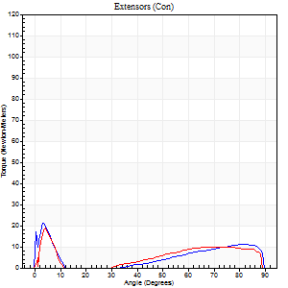
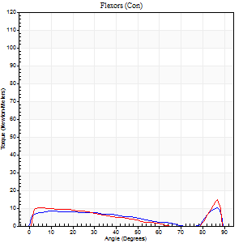
Right Side Curves Left Side Curves
Isokinetic Con/Con |  |  |  | Extensors (Con) |  | Flexors (Con)
Speed 240/240 d/s 3 Reps |  |  |  | Value | Cof Var | %BW | Value | Cof Var | %BW | Ratio

TORQUE PARAMETERS
Peak Torque (Newton-Meters - Best Repetition)
Right |  |  |  | 20 | 0.1 | 27 | 9 | 0.16 | 12 | 47
Left |  |  |  | 19 | 0.18 | 24 | 15 | 0.29 | 18 | 79
Deficit |  |  |  | 7 |  |  | 36
Work per Repetition (Newton-Meters - Best Repetition)
Right |  |  |  | 16 | 0.86 | 21 | 8 | 0.23 | 9 | 50
Left |  |  |  | 5 | 0.88 | 6 | 8 | 0.81 | 9 | 150
Deficit |  |  |  | 67 |  |  | 0
Average Power per Repetition (Watts - Best Repetition)
Right |  |  |  | 23 | 0.9 | 29 | 12 | 0.3 | 15 | 52
Left |  |  |  | 6 | 0.1 | 7 | 10 | 0.43 | 13 | 167
Deficit |  |  |  | 74 |  |  | 17
POSITION PARAMETERS
Joint Angle at Peak Torque (Degrees)
Right |  |  |  | 19 | 1.6 |  | 36 | 1.23
Left |  |  |  | 3 | 0.35 |  | 62 | 0.72
Range of Motion (Degrees)
Right |  |  |  | 0 | 0 |  | 89 | 0
Left |  |  |  | 1 | 0.92 |  | 89 | 0.01
TIME PARAMETERS
Time to Peak Torque (Seconds)
Right |  |  |  | 0.25 | 0.51 |  | 0.37 | 0.61
Left |  |  |  | 0.13 | 0.05 |  | 0.36 | 1.04
Time Peak Torque Held (Seconds)
Right |  |  |  | 0.02 | 0.92 |  | 0 | 0
Left |  |  |  | 0 | 0 |  | 0.02 | 1.25
Force Decay Time (Seconds)
Right |  |  |  | 0.12 | 1.89 |  | 0.34 | 0.76
Left |  |  |  | 0.1 | 0.59 |  | 0.16 | 1.3
Reciprocal Delay (Seconds)
Right |  |  |  | 0.28 | 0.85 |  | 0.35 | 0.27
Left |  |  |  | 0.51 | 0.03 |  | 0.22 | 0.16
Delay Time (Seconds)
Right |  |  |  | 0.28 | 0.52 |  | -0.04 | -0.69
Left |  |  |  | 0.4 | 0.05 |  | 0.1 | 4.27
HUMAC2015® Version: 15.000.0074 © Computer Sports Medicine, Inc. www.csmisolutions.com

Use File, Preference to set Report Heading
Isometric - Knee Extension/Flexion
Name: |  |  |  | TR030FP3028, | ID: |  | Right/Left: | 10.11.2021 10.11.2021

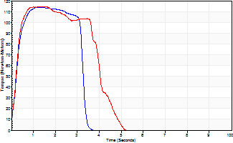
Isometric Extensors (Con) Angle 60 Time 10 Repetition 2 (Best Repetition)
 | Value | Cof Var | %BW
Peak Torque (Newton-Meters)
Right | 114 | 0.01 | 143
Left | 115 | 0.01 | 143
Deficit | 1
Average Torque (Newton-Meters)
Right | 34 | 0.01 | 42
Left | 42 | 0.02 | 54
Deficit | 19
Peak Torque Slope (Newton-Meters/Seconds)
Right | 84 | 0.2 | 105
Left | 92 | 0.1 | 114 |  | Right Side Curves Left Side Curves
Deficit | 8
Time to Half Peak Torque (Seconds)
Right | 0.25 | 0.03
Left | 0.21 | 0.13
Time to Peak Torque (Seconds)
Right | 1.55 | 0.19
Left | 1.33 | 0.11
HUMAC2015® Version: 15.000.0074 © Computer Sports Medicine, Inc. www.csmisolutions.com

post1
Use File, Preference to set Report Heading
Long Form Torque vs. Position Report - Knee Extension/Flexion
Name: |  |  |  | TR030FP3028, | ID: |  | Right/Left: | 03.12.2021 03.12.2021
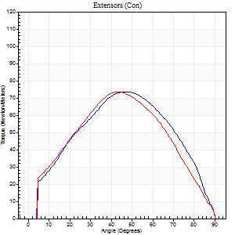
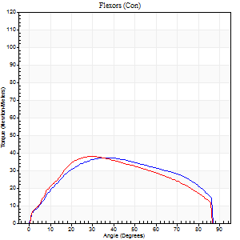
Right Side Curves Left Side Curves
Isokinetic Con/Con |  |  |  | Extensors (Con) |  | Flexors (Con)
Speed 60/60 d/s 3 Reps |  |  |  | Value | Cof Var | %BW | Value | Cof Var | %BW | Ratio

TORQUE PARAMETERS
Peak Torque (Newton-Meters - Best Repetition)
Right |  |  |  | 73 | 0.16 | 92 | 37 | 0.6 | 45 | 50
Left |  |  |  | 73 | 0.03 | 92 | 38 | 0.48 | 48 | 52
Deficit |  |  |  | 0 |  |  | 4
Work per Repetition (Newton-Meters - Best Repetition)
Right |  |  |  | 75 | 0.14 | 92 | 42 | 0.67 | 54 | 56
Left |  |  |  | 73 | 0.05 | 92 | 41 | 0.56 | 51 | 56
Deficit |  |  |  | 2 |  |  | 3
Average Power per Repetition (Watts - Best Repetition)
Right |  |  |  | 46 | 0.38 | 57 | 26 | 0.68 | 33 | 57
Left |  |  |  | 44 | 0.06 | 55 | 26 | 0.57 | 33 | 59
Deficit |  |  |  | 4 |  |  | 0
POSITION PARAMETERS
Joint Angle at Peak Torque (Degrees)
Right |  |  |  | 46 | 0.06 |  | 40 | 0.45
Left |  |  |  | 43 | 0.05 |  | 30 | 0.41
Range of Motion (Degrees)
Right |  |  |  | 0 | 0 |  | 90 | 0
Left |  |  |  | 0 | -1.41 |  | 90 | 0
TIME PARAMETERS
Time to Peak Torque (Seconds)
Right |  |  |  | 0.77 | 0.01 |  | 0.75 | 0.4
Left |  |  |  | 0.88 | 0.06 |  | 0.57 | 0.29
Time Peak Torque Held (Seconds)
Right |  |  |  | 0.04 | 0.87 |  | 0.04 | 1.15
Left |  |  |  | 0.04 | 0.57 |  | 0.04 | 0.87
Force Decay Time (Seconds)
Right |  |  |  | 0.78 | 0.04 |  | 0.82 | 0.39
Left |  |  |  | 0.74 | 0.05 |  | 0.98 | 0.22
Reciprocal Delay (Seconds)
Right |  |  |  | 0.33 | 0.09 |  | 0.56 | 0.31
Left |  |  |  | 0.38 | 0.02 |  | 0.44 | 0.31
Delay Time (Seconds)
Right |  |  |  | -0.05 | -0.28 |  | -0.03 | -0.33
Left |  |  |  | -0.05 | -0.28 |  | -0.03 | -1.15
HUMAC2015® Version: 15.000.0074 © Computer Sports Medicine, Inc. www.csmisolutions.com

Use File, Preference to set Report Heading
Long Form Torque vs. Position Report - Knee Extension/Flexion
Name: |  |  |  | TR030FP3028, | ID: |  | Right/Left: | 03.12.2021 03.12.2021
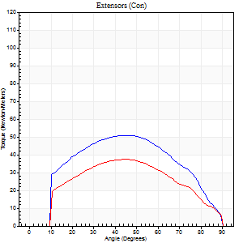
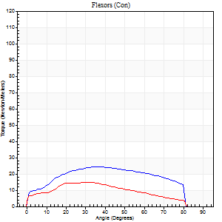
Right Side Curves Left Side Curves
Isokinetic Con/Con |  |  |  | Extensors (Con) |  | Flexors (Con)
Speed 120/120 d/s 3 Reps |  |  |  | Value | Cof Var | %BW | Value | Cof Var | %BW | Ratio

TORQUE PARAMETERS
Peak Torque (Newton-Meters - Best Repetition)
Right |  |  |  | 50 | 0.46 | 63 | 24 | 0.33 | 30 | 49
Left |  |  |  | 38 | 0.17 | 48 | 15 | 0.12 | 18 | 39
Deficit |  |  |  | 24 |  |  | 39
Work per Repetition (Newton-Meters - Best Repetition)
Right |  |  |  | 53 | 0.57 | 66 | 27 | 0.44 | 33 | 51
Left |  |  |  | 38 | 0.17 | 48 | 14 | 0.2 | 18 | 36
Deficit |  |  |  | 28 |  |  | 50
Average Power per Repetition (Watts - Best Repetition)
Right |  |  |  | 56 | 0.66 | 70 | 28 | 0.42 | 35 | 50
Left |  |  |  | 39 | 0.18 | 48 | 13 | 0.1 | 15 | 33
Deficit |  |  |  | 30 |  |  | 54
POSITION PARAMETERS
Joint Angle at Peak Torque (Degrees)
Right |  |  |  | 40 | 0.3 |  | 39 | 0.45
Left |  |  |  | 40 | 0.1 |  | 24 | 0.27
Range of Motion (Degrees)
Right |  |  |  | 0 | 0 |  | 89 | 0.02
Left |  |  |  | 0 | 0 |  | 90 | 0
TIME PARAMETERS
Time to Peak Torque (Seconds)
Right |  |  |  | 0.47 | 0.09 |  | 0.46 | 0.29
Left |  |  |  | 0.53 | 0.09 |  | 0.36 | 0.13
Time Peak Torque Held (Seconds)
Right |  |  |  | 0.02 | 1.32 |  | 0.03 | 0.87
Left |  |  |  | 0.01 | 0.87 |  | 0.02 | 0.89
Force Decay Time (Seconds)
Right |  |  |  | 0.4 | 0.24 |  | 0.44 | 0.2
Left |  |  |  | 0.42 | 0.06 |  | 0.6 | 0.13
Reciprocal Delay (Seconds)
Right |  |  |  | 0.39 | 0.27 |  | 0.5 | 0.17
Left |  |  |  | 0.11 | 0.26 |  | 0.53 | 0.25
Delay Time (Seconds)
Right |  |  |  | -0.05 | -0.28 |  | -0.04 | -0.16
Left |  |  |  | 0.05 | 2.7 |  | -0.04 | -0.13
HUMAC2015® Version: 15.000.0074 © Computer Sports Medicine, Inc. www.csmisolutions.com

Use File, Preference to set Report Heading
Long Form Torque vs. Position Report - Knee Extension/Flexion
Name: |  |  |  | TR030FP3028, | ID: |  | Right/Left: | 03.12.2021 03.12.2021
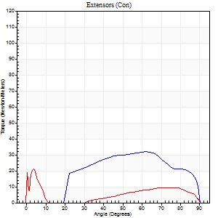
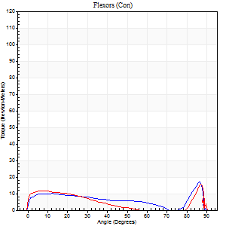
Right Side Curves Left Side Curves
Isokinetic Con/Con |  |  |  | Extensors (Con) |  | Flexors (Con)
Speed 240/240 d/s 3 Reps |  |  |  | Value | Cof Var | %BW | Value | Cof Var | %BW | Ratio

TORQUE PARAMETERS
Peak Torque (Newton-Meters - Best Repetition)
Right |  |  |  | 31 | 0.1 | 39 | 18 | 0.48 | 21 | 57
Left |  |  |  | 23 | 0.4 | 30 | 16 | 0.51 | 21 | 71
Deficit |  |  |  | 26 |  |  | 8
Work per Repetition (Newton-Meters - Best Repetition)
Right |  |  |  | 31 | 0.13 | 39 | 9 | 0.68 | 12 | 30
Left |  |  |  | 9 | 0.6 | 12 | 8 | 1.16 | 9 | 86
Deficit |  |  |  | 70 |  |  | 14
Average Power per Repetition (Watts - Best Repetition)
Right |  |  |  | 49 | 0.17 | 62 | 13 | 0.48 | 15 | 27
Left |  |  |  | 11 | 0.2 | 13 | 9 | 1.22 | 11 | 82
Deficit |  |  |  | 78 |  |  | 31
POSITION PARAMETERS
Joint Angle at Peak Torque (Degrees)
Right |  |  |  | 61 | 0.02 |  | 36 | 1.19
Left |  |  |  | 23 | 1.74 |  | 60 | 0.81
Range of Motion (Degrees)
Right |  |  |  | 0 | -1.41 |  | 90 | 0
Left |  |  |  | 0 | 0 |  | 90 | 0
TIME PARAMETERS
Time to Peak Torque (Seconds)
Right |  |  |  | 0.25 | 0.03 |  | 0.2 | 0.56
Left |  |  |  | 0.42 | 0.13 |  | 0.38 | 0.48
Time Peak Torque Held (Seconds)
Right |  |  |  | 0 | 1.73 |  | 0.02 | 1.73
Left |  |  |  | 0.02 | 1.73 |  | 0.03 | 1.45
Force Decay Time (Seconds)
Right |  |  |  | 0.37 | 0 |  | 0.4 | 0.18
Left |  |  |  | -0.01 | -24.9 |  | 0.48 | 0.91
Reciprocal Delay (Seconds)
Right |  |  |  | 0.23 | 0.81 |  | 0.53 | 0.36
Left |  |  |  | 0.19 | 0.34 |  | 0.76 | 0.14
Delay Time (Seconds)
Right |  |  |  | -0.05 | -0.13 |  | 0.13 | 2.38
Left |  |  |  | 0.19 | 2.07 |  | 0.12 | 2.56
HUMAC2015® Version: 15.000.0074 © Computer Sports Medicine, Inc. www.csmisolutions.com

Use File, Preference to set Report Heading
Isometric - Knee Extension/Flexion
Name: |  |  |  | TR030FP3028, | ID: |  | Right/Left: | 03.12.2021 03.12.2021

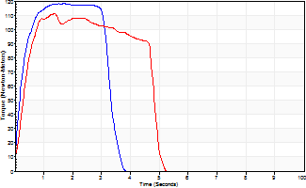
Isometric Extensors (Con) Angle 60 Time 10 Repetition 2 (Best Repetition)
 | Value | Cof Var | %BW
Peak Torque (Newton-Meters)
Right | 118 | 0.01 | 146
Left | 111 | 0.01 | 140
Deficit | 6
Average Torque (Newton-Meters)
Right | 38 | 0.05 | 48
Left | 46 | 0.09 | 57
Deficit | 18
Peak Torque Slope (Newton-Meters/Seconds)
Right | 69 | 0 | 86
Left | 81 | 0.17 | 101 |  | Right Side Curves Left Side Curves
Deficit | 15
Time to Half Peak Torque (Seconds)
Right | 0.22 | 0.1
Left | 0.3 | 0.12
Time to Peak Torque (Seconds)
Right | 1.7 | 0.01
Left | 1.53 | 0.16
HUMAC2015® Version: 15.000.0074 © Computer Sports Medicine, Inc. www.csmisolutions.com

post2
Use File, Preference to set Report Heading
Long Form Torque vs. Position Report - Knee Extension/Flexion
Name: |  |  |  | TR030FP3028, | ID: |  | Right/Left: | 08.12.2021 08.12.2021
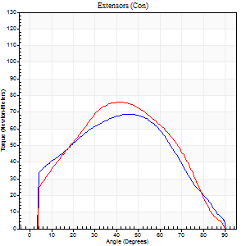
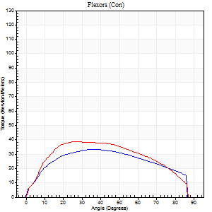
Right Side Curves Left Side Curves
Isokinetic Con/Con |  |  |  | Extensors (Con) |  | Flexors (Con)
Speed 60/60 d/s 3 Reps |  |  |  | Value | Cof Var | %BW | Value | Cof Var | %BW | Ratio

TORQUE PARAMETERS
Peak Torque (Newton-Meters - Best Repetition)
Right |  |  |  | 69 | 0.02 | 86 | 34 | 0.49 | 42 | 49
Left |  |  |  | 76 | 0.08 | 95 | 38 | 0.4 | 48 | 50
Deficit |  |  |  | 9 |  |  | 11
Work per Repetition (Newton-Meters - Best Repetition)
Right |  |  |  | 72 | 0.08 | 89 | 38 | 0.56 | 48 | 53
Left |  |  |  | 76 | 0.09 | 95 | 43 | 0.47 | 54 | 57
Deficit |  |  |  | 5 |  |  | 13
Average Power per Repetition (Watts - Best Repetition)
Right |  |  |  | 44 | 0.15 | 55 | 24 | 0.55 | 31 | 55
Left |  |  |  | 48 | 0.08 | 59 | 28 | 0.48 | 35 | 58
Deficit |  |  |  | 8 |  |  | 14
POSITION PARAMETERS
Joint Angle at Peak Torque (Degrees)
Right |  |  |  | 47 | 0.07 |  | 32 | 0.39
Left |  |  |  | 41 | 0.07 |  | 38 | 0.47
Range of Motion (Degrees)
Right |  |  |  | 0 | 0 |  | 89 | 0.03
Left |  |  |  | 0 | 2.83 |  | 90 | 0
TIME PARAMETERS
Time to Peak Torque (Seconds)
Right |  |  |  | 0.79 | 0.12 |  | 0.63 | 0.31
Left |  |  |  | 0.83 | 0.05 |  | 0.68 | 0.43
Time Peak Torque Held (Seconds)
Right |  |  |  | 0.04 | 0.16 |  | 0.01 | 1.73
Left |  |  |  | 0.07 | 0.09 |  | 0.04 | 1.73
Force Decay Time (Seconds)
Right |  |  |  | 0.81 | 0.07 |  | 0.97 | 0.19
Left |  |  |  | 0.66 | 0.05 |  | 0.84 | 0.4
Reciprocal Delay (Seconds)
Right |  |  |  | 0.5 | 0.15 |  | 0.83 | 0.17
Left |  |  |  | 0.2 | 0.54 |  | 0.33 | 0.38
Delay Time (Seconds)
Right |  |  |  | -0.06 | -0.24 |  | -0.04 | -0.48
Left |  |  |  | 0.04 | 2.12 |  | -0.02 | -1.25
HUMAC2015® Version: 15.000.0074 © Computer Sports Medicine, Inc. www.csmisolutions.com

Use File, Preference to set Report Heading
Long Form Torque vs. Position Report - Knee Extension/Flexion
Name: |  |  |  | TR030FP3028, | ID: |  | Right/Left: | 08.12.2021 08.12.2021
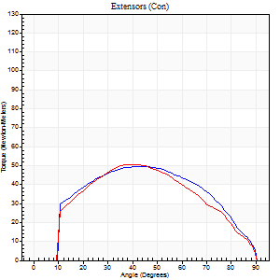
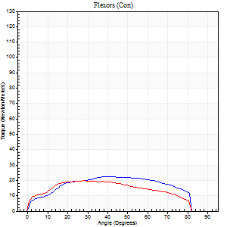
Right Side Curves Left Side Curves
Isokinetic Con/Con |  |  |  | Extensors (Con) |  | Flexors (Con)
Speed 120/120 d/s 3 Reps |  |  |  | Value | Cof Var | %BW | Value | Cof Var | %BW | Ratio

TORQUE PARAMETERS
Peak Torque (Newton-Meters - Best Repetition)
Right |  |  |  | 49 | 0.05 | 60 | 22 | 0.38 | 27 | 44
Left |  |  |  | 50 | 0.1 | 63 | 20 | 0.18 | 27 | 41
Deficit |  |  |  | 3 |  |  | 6
Work per Repetition (Newton-Meters - Best Repetition)
Right |  |  |  | 53 | 0.03 | 66 | 24 | 0.51 | 30 | 46
Left |  |  |  | 50 | 0.12 | 63 | 22 | 0.25 | 27 | 43
Deficit |  |  |  | 5 |  |  | 11
Average Power per Repetition (Watts - Best Repetition)
Right |  |  |  | 54 | 0.01 | 68 | 27 | 0.54 | 33 | 50
Left |  |  |  | 46 | 0.27 | 57 | 20 | 0.15 | 24 | 43
Deficit |  |  |  | 15 |  |  | 26
POSITION PARAMETERS
Joint Angle at Peak Torque (Degrees)
Right |  |  |  | 44 | 0.05 |  | 31 | 0.26
Left |  |  |  | 43 | 0.04 |  | 28 | 0.07
Range of Motion (Degrees)
Right |  |  |  | 0 | 0 |  | 90 | 0
Left |  |  |  | 0 | -1.41 |  | 90 | 0.01
TIME PARAMETERS
Time to Peak Torque (Seconds)
Right |  |  |  | 0.53 | 0.05 |  | 0.42 | 0.08
Left |  |  |  | 0.56 | 0.04 |  | 0.36 | 0.07
Time Peak Torque Held (Seconds)
Right |  |  |  | 0.03 | 1.05 |  | 0 | 1.73
Left |  |  |  | 0.04 | 0.93 |  | 0.03 | 1.45
Force Decay Time (Seconds)
Right |  |  |  | 0.42 | 0.05 |  | 0.54 | 0.1
Left |  |  |  | 0.4 | 0.12 |  | 0.56 | 0.27
Reciprocal Delay (Seconds)
Right |  |  |  | 0.42 | 0.05 |  | 0.48 | 0.38
Left |  |  |  | 0.16 | 0.53 |  | 0.32 | 0.09
Delay Time (Seconds)
Right |  |  |  | -0.09 | -0.08 |  | -0.04 | -0.83
Left |  |  |  | 0.08 | 2.36 |  | -0.03 | -0.17
HUMAC2015® Version: 15.000.0074 © Computer Sports Medicine, Inc. www.csmisolutions.com

Use File, Preference to set Report Heading
Long Form Torque vs. Position Report - Knee Extension/Flexion
Name: |  |  |  | TR030FP3028, | ID: |  | Right/Left: | 08.12.2021 08.12.2021
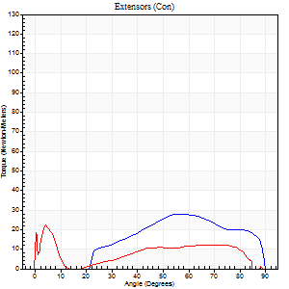
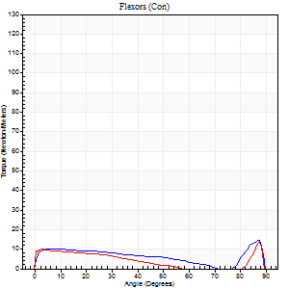
Right Side Curves Left Side Curves
Isokinetic Con/Con |  |  |  | Extensors (Con) |  | Flexors (Con)
Speed 240/240 d/s 3 Reps |  |  |  | Value | Cof Var | %BW | Value | Cof Var | %BW | Ratio

TORQUE PARAMETERS
Peak Torque (Newton-Meters - Best Repetition)
Right |  |  |  | 28 | 0.36 | 36 | 15 | 0.27 | 18 | 52
Left |  |  |  | 22 | 0.09 | 27 | 14 | 0.36 | 18 | 62
Deficit |  |  |  | 24 |  |  | 9
Work per Repetition (Newton-Meters - Best Repetition)
Right |  |  |  | 24 | 0.35 | 30 | 7 | 0.89 | 9 | 28
Left |  |  |  | 18 | 0.69 | 21 | 7 | 0.87 | 9 | 38
Deficit |  |  |  | 28 |  |  | 0
Average Power per Repetition (Watts - Best Repetition)
Right |  |  |  | 29 | 0.47 | 35 | 12 | 0.15 | 15 | 41
Left |  |  |  | 20 | 0.25 | 24 | 11 | 0.71 | 13 | 55
Deficit |  |  |  | 31 |  |  | 8
POSITION PARAMETERS
Joint Angle at Peak Torque (Degrees)
Right |  |  |  | 61 | 0.23 |  | 62 | 0.68
Left |  |  |  | 33 | 0.77 |  | 59 | 0.82
Range of Motion (Degrees)
Right |  |  |  | 0 | -1.41 |  | 90 | 0
Left |  |  |  | 0 | -0.47 |  | 89 | 0.01
TIME PARAMETERS
Time to Peak Torque (Seconds)
Right |  |  |  | 0.42 | 0.07 |  | 0.14 | 0.74
Left |  |  |  | 0.28 | 1.05 |  | 0.32 | 0.84
Time Peak Torque Held (Seconds)
Right |  |  |  | 0 | 1.73 |  | 0.01 | 0.87
Left |  |  |  | 0 | 1.73 |  | 0 | 1.73
Force Decay Time (Seconds)
Right |  |  |  | 0.39 | 0.17 |  | 0.17 | 1.26
Left |  |  |  | 0.25 | 0.46 |  | 0.29 | 1.61
Reciprocal Delay (Seconds)
Right |  |  |  | 0.2 | 0.72 |  | 0.44 | 0.26
Left |  |  |  | 0.09 | 0.08 |  | 0.44 | 0.21
Delay Time (Seconds)
Right |  |  |  | -0.03 | -8.01 |  | 0.32 | 0.95
Left |  |  |  | 0.53 | 0.59 |  | 0.11 | 2.55
HUMAC2015® Version: 15.000.0074 © Computer Sports Medicine, Inc. www.csmisolutions.com

Use File, Preference to set Report Heading
Isometric - Knee Extension/Flexion
Name: |  |  |  | TR030FP3028, | ID: |  | Right/Left: | 08.12.2021 08.12.2021

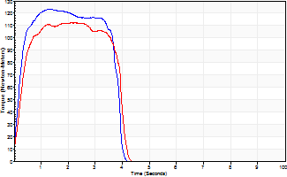
Isometric Extensors (Con) Angle 60 Time 10 Repetition 2 (Best Repetition)
 | Value | Cof Var | %BW
Peak Torque (Newton-Meters)
Right | 123 | 0.02 | 155
Left | 113 | 0.02 | 140
Deficit | 9
Average Torque (Newton-Meters)
Right | 42 | 0.06 | 54
Left | 41 | 0.02 | 51
Deficit | 3
Peak Torque Slope (Newton-Meters/Seconds)
Right | 93 | 0.02 | 117
Left | 151 | 0.68 | 188 |  | Right Side Curves Left Side Curves
Deficit | 38
Time to Half Peak Torque (Seconds)
Right | 0.2 | 0
Left | 0.22 | 0.36
Time to Peak Torque (Seconds)
Right | 1.31 | 0
Left | 1.42 | 0.7
HUMAC2015® Version: 15.000.0074 © Computer Sports Medicine, Inc. www.csmisolutions.com

