pre1
Use File, Preference to set Report Heading
Long Form Torque vs. Position Report - Knee Extension/Flexion
Name: |  |  |  | TR030FP3029, | ID: |  | Right/Left: | 16.09.2021 16.09.2021
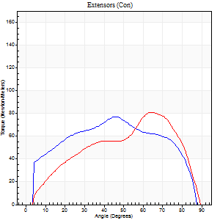
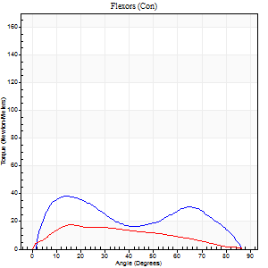
Right Side Curves Left Side Curves
Isokinetic Con/Con |  |  |  | Extensors (Con) |  | Flexors (Con)
Speed 60/60 d/s 3 Reps |  |  |  | Value | Cof Var | %BW | Value | Cof Var | %BW | Ratio

TORQUE PARAMETERS
Peak Torque (Newton-Meters - Best Repetition)
Right |  |  |  | 77 | 0.07 | 116 | 38 | 0.32 | 57 | 49
Left |  |  |  | 81 | 0.09 | 122 | 18 | 0.12 | 27 | 22
Deficit |  |  |  | 5 |  |  | 54
Work per Repetition (Newton-Meters - Best Repetition)
Right |  |  |  | 85 | 0.07 | 128 | 35 | 0.49 | 54 | 41
Left |  |  |  | 76 | 0.02 | 113 | 19 | 0.18 | 30 | 25
Deficit |  |  |  | 11 |  |  | 46
Average Power per Repetition (Watts - Best Repetition)
Right |  |  |  | 55 | 0.05 | 81 | 24 | 0.52 | 35 | 44
Left |  |  |  | 49 | 0.03 | 73 | 13 | 0.21 | 20 | 27
Deficit |  |  |  | 11 |  |  | 46
POSITION PARAMETERS
Joint Angle at Peak Torque (Degrees)
Right |  |  |  | 39 | 0.19 |  | 14 | 0.12
Left |  |  |  | 62 | 0.15 |  | 16 | 0.2
Range of Motion (Degrees)
Right |  |  |  | 0 | 0.2 |  | 89 | 0.02
Left |  |  |  | 0 | 0.28 |  | 90 | 0
TIME PARAMETERS
Time to Peak Torque (Seconds)
Right |  |  |  | 0.84 | 0.18 |  | 0.23 | 0.13
Left |  |  |  | 0.4 | 0.14 |  | 0.32 | 0.25
Time Peak Torque Held (Seconds)
Right |  |  |  | 0.03 | 0.43 |  | 0.04 | 0.57
Left |  |  |  | 0.05 | 0.43 |  | 0.22 | 1.54
Force Decay Time (Seconds)
Right |  |  |  | 0.66 | 0.18 |  | 1.25 | 0.05
Left |  |  |  | 1 | 0.18 |  | 1.02 | 0.29
Reciprocal Delay (Seconds)
Right |  |  |  | 0.09 | 0.63 |  | 0.19 | 0.03
Left |  |  |  | 0.31 | 0.58 |  | 0.15 | 0.33
Delay Time (Seconds)
Right |  |  |  | 0.04 | 2.63 |  | 0.03 | 0
Left |  |  |  | -0.01 | -1.41 |  | -0.02 | -1
HUMAC2015® Version: 15.000.0074 © Computer Sports Medicine, Inc. www.csmisolutions.com

Use File, Preference to set Report Heading
Long Form Torque vs. Position Report - Knee Extension/Flexion
Name: |  |  |  | TR030FP3029, | ID: |  | Right/Left: | 16.09.2021 16.09.2021
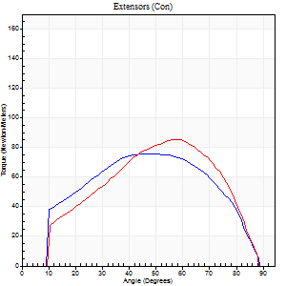
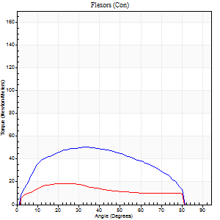
Right Side Curves Left Side Curves
Isokinetic Con/Con |  |  |  | Extensors (Con) |  | Flexors (Con)
Speed 120/120 d/s 3 Reps |  |  |  | Value | Cof Var | %BW | Value | Cof Var | %BW | Ratio

TORQUE PARAMETERS
Peak Torque (Newton-Meters - Best Repetition)
Right |  |  |  | 76 | 0.05 | 113 | 50 | 0.4 | 75 | 66
Left |  |  |  | 85 | 0.15 | 128 | 19 | 0.1 | 30 | 22
Deficit |  |  |  | 11 |  |  | 62
Work per Repetition (Newton-Meters - Best Repetition)
Right |  |  |  | 84 | 0.03 | 125 | 53 | 0.56 | 80 | 63
Left |  |  |  | 80 | 0.14 | 119 | 18 | 0.14 | 27 | 22
Deficit |  |  |  | 5 |  |  | 67
Average Power per Repetition (Watts - Best Repetition)
Right |  |  |  | 97 | 0.01 | 145 | 67 | 0.57 | 101 | 69
Left |  |  |  | 101 | 0.18 | 152 | 22 | 0.15 | 33 | 22
Deficit |  |  |  | 4 |  |  | 67
POSITION PARAMETERS
Joint Angle at Peak Torque (Degrees)
Right |  |  |  | 50 | 0.06 |  | 27 | 0.39
Left |  |  |  | 51 | 0.18 |  | 23 | 0.03
Range of Motion (Degrees)
Right |  |  |  | 1 | 0.74 |  | 89 | 0.01
Left |  |  |  | 1 | 0.18 |  | 89 | 0.01
TIME PARAMETERS
Time to Peak Torque (Seconds)
Right |  |  |  | 0.38 | 0 |  | 0.26 | 0.36
Left |  |  |  | 0.32 | 0.18 |  | 0.24 | 0.09
Time Peak Torque Held (Seconds)
Right |  |  |  | 0.06 | 0.51 |  | 0.01 | 1.15
Left |  |  |  | 0.02 | 0.35 |  | 0.02 | 0.65
Force Decay Time (Seconds)
Right |  |  |  | 0.4 | 0.1 |  | 0.53 | 0.19
Left |  |  |  | 0.43 | 0.18 |  | 0.54 | 0.01
Reciprocal Delay (Seconds)
Right |  |  |  | 0.05 | 0.28 |  | 0.1 | 0
Left |  |  |  | 0.09 | 0.42 |  | 0.07 | 0.29
Delay Time (Seconds)
Right |  |  |  | -0.01 | -1.41 |  | 0 | 4.58
Left |  |  |  | 0.01 | 0 |  | -0.01 | -1
HUMAC2015® Version: 15.000.0074 © Computer Sports Medicine, Inc. www.csmisolutions.com

Use File, Preference to set Report Heading
Long Form Torque vs. Position Report - Knee Extension/Flexion
Name: |  |  |  | TR030FP3029, | ID: |  | Right/Left: | 16.09.2021 16.09.2021
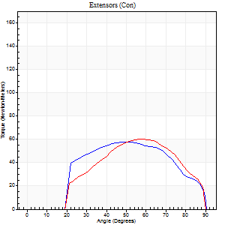
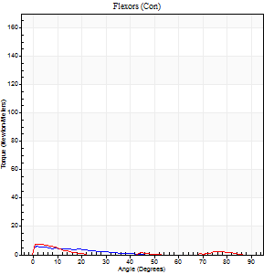
Right Side Curves Left Side Curves
Isokinetic Con/Con |  |  |  | Extensors (Con) |  | Flexors (Con)
Speed 240/240 d/s 3 Reps |  |  |  | Value | Cof Var | %BW | Value | Cof Var | %BW | Ratio

TORQUE PARAMETERS
Peak Torque (Newton-Meters - Best Repetition)
Right |  |  |  | 57 | 0.02 | 86 | 5 | 0.22 | 9 | 10
Left |  |  |  | 60 | 0.19 | 89 | 8 | 0.18 | 12 | 14
Deficit |  |  |  | 5 |  |  | 33
Work per Repetition (Newton-Meters - Best Repetition)
Right |  |  |  | 57 | 0.01 | 86 | 3 | 0.35 | 3 | 5
Left |  |  |  | 54 | 0.22 | 80 | 3 | 0.61 | 3 | 5
Deficit |  |  |  | 5 |  |  | 0
Average Power per Repetition (Watts - Best Repetition)
Right |  |  |  | 94 | 0.01 | 141 | 2 | 0.83 | 2 | 2
Left |  |  |  | 91 | 0.24 | 136 | 2 | 0.74 | 2 | 2
Deficit |  |  |  | 3 |  |  | 0
POSITION PARAMETERS
Joint Angle at Peak Torque (Degrees)
Right |  |  |  | 52 | 0.03 |  | 3 | 0.46
Left |  |  |  | 57 | 0.08 |  | 29 | 1.48
Range of Motion (Degrees)
Right |  |  |  | 0 | 0 |  | 90 | 0
Left |  |  |  | 0 | 0.47 |  | 90 | 0
TIME PARAMETERS
Time to Peak Torque (Seconds)
Right |  |  |  | 0.26 | 0 |  | 0.15 | 0.4
Left |  |  |  | 0.22 | 0.03 |  | 1.23 | 1.49
Time Peak Torque Held (Seconds)
Right |  |  |  | 0.01 | 1 |  | 0.69 | 1.69
Left |  |  |  | 0.02 | 0.35 |  | 0.04 | 0.63
Force Decay Time (Seconds)
Right |  |  |  | 0.31 | 0.02 |  | 0.91 | 0.91
Left |  |  |  | 0.33 | 0.09 |  | 1.01 | 0.77
Reciprocal Delay (Seconds)
Right |  |  |  | 0.22 | 0.13 |  | 0.36 | 0.17
Left |  |  |  | 0.18 | 0.31 |  | 0.25 | 0.34
Delay Time (Seconds)
Right |  |  |  | -0.04 | 0 |  | -0.06 | -0.51
Left |  |  |  | -0.02 | -0.28 |  | 0.79 | 1.89
HUMAC2015® Version: 15.000.0074 © Computer Sports Medicine, Inc. www.csmisolutions.com

Use File, Preference to set Report Heading
Isometric - Knee Extension/Flexion
Name: |  |  |  | TR030FP3029, | ID: |  | Right/Left: | 16.09.2021 16.09.2021

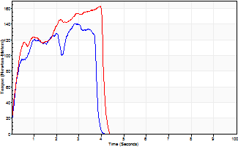
Isometric Extensors (Con) Angle 60 Time 10 Repetition 2 (Best Repetition)
 | Value | Cof Var | %BW
Peak Torque (Newton-Meters)
Right | 141 | 0.1 | 212
Left | 163 | 0.06 | 244
Deficit | 13
Average Torque (Newton-Meters)
Right | 43 | 0.16 | 66
Left | 54 | 0.16 | 80
Deficit | 20
Peak Torque Slope (Newton-Meters/Seconds)
Right | 90 | 0.41 | 135
Left | 124 | 0.71 | 186 |  | Right Side Curves Left Side Curves
Deficit | 27
Time to Half Peak Torque (Seconds)
Right | 0.27 | 0.21
Left | 0.19 | 0.6
Time to Peak Torque (Seconds)
Right | 2.1 | 0.5
Left | 2.56 | 0.75
HUMAC2015® Version: 15.000.0074 © Computer Sports Medicine, Inc. www.csmisolutions.com

pre2
Use File, Preference to set Report Heading
Long Form Torque vs. Position Report - Knee Extension/Flexion
Name: |  |  |  | TR030FP3029, | ID: |  | Right/Left: | 22.09.2021 22.09.2021
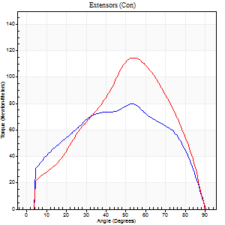
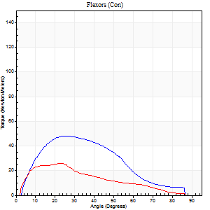
Right Side Curves Left Side Curves
Isokinetic Con/Con |  |  |  | Extensors (Con) |  | Flexors (Con)
Speed 60/60 d/s 3 Reps |  |  |  | Value | Cof Var | %BW | Value | Cof Var | %BW | Ratio

TORQUE PARAMETERS
Peak Torque (Newton-Meters - Best Repetition)
Right |  |  |  | 80 | 0.08 | 119 | 47 | 0.53 | 72 | 59
Left |  |  |  | 115 | 0.03 | 173 | 26 | 0.16 | 39 | 22
Deficit |  |  |  | 31 |  |  | 46
Work per Repetition (Newton-Meters - Best Repetition)
Right |  |  |  | 88 | 0.06 | 131 | 41 | 0.54 | 60 | 46
Left |  |  |  | 115 | 0.06 | 173 | 20 | 0.19 | 30 | 18
Deficit |  |  |  | 24 |  |  | 50
Average Power per Repetition (Watts - Best Repetition)
Right |  |  |  | 55 | 0.17 | 81 | 27 | 0.55 | 40 | 49
Left |  |  |  | 76 | 0.07 | 114 | 13 | 0.19 | 20 | 17
Deficit |  |  |  | 28 |  |  | 52
POSITION PARAMETERS
Joint Angle at Peak Torque (Degrees)
Right |  |  |  | 61 | 0.14 |  | 26 | 0.42
Left |  |  |  | 54 | 0.01 |  | 19 | 0.24
Range of Motion (Degrees)
Right |  |  |  | 1 | 0 |  | 90 | 0
Left |  |  |  | 1 | 1.12 |  | 90 | 0
TIME PARAMETERS
Time to Peak Torque (Seconds)
Right |  |  |  | 0.68 | 0.73 |  | 0.42 | 0.48
Left |  |  |  | 0.61 | 0.04 |  | 0.32 | 0.19
Time Peak Torque Held (Seconds)
Right |  |  |  | 0.11 | 1.1 |  | 0.07 | 1.6
Left |  |  |  | 0.04 | 0.27 |  | 0.03 | 0.94
Force Decay Time (Seconds)
Right |  |  |  | 0.93 | 0.19 |  | 1.01 | 0.28
Left |  |  |  | 0.87 | 0.06 |  | 1.16 | 0.08
Reciprocal Delay (Seconds)
Right |  |  |  | 0.16 | 0.68 |  | 0.12 | 0.33
Left |  |  |  | 0.15 | 0.19 |  | 0.1 | 0.57
Delay Time (Seconds)
Right |  |  |  | -0.02 | -2.12 |  | 0.03 | 0.58
Left |  |  |  | 0.01 | 2.83 |  | 0.01 | 1
HUMAC2015® Version: 15.000.0074 © Computer Sports Medicine, Inc. www.csmisolutions.com

Use File, Preference to set Report Heading
Long Form Torque vs. Position Report - Knee Extension/Flexion
Name: |  |  |  | TR030FP3029, | ID: |  | Right/Left: | 22.09.2021 22.09.2021
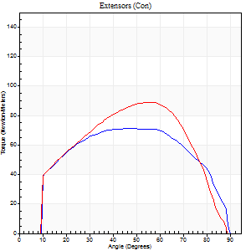
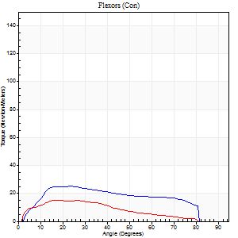
Right Side Curves Left Side Curves
Isokinetic Con/Con |  |  |  | Extensors (Con) |  | Flexors (Con)
Speed 120/120 d/s 3 Reps |  |  |  | Value | Cof Var | %BW | Value | Cof Var | %BW | Ratio

TORQUE PARAMETERS
Peak Torque (Newton-Meters - Best Repetition)
Right |  |  |  | 72 | 0.08 | 107 | 26 | 0.47 | 39 | 36
Left |  |  |  | 89 | 0.02 | 134 | 15 | 0.02 | 21 | 17
Deficit |  |  |  | 20 |  |  | 42
Work per Repetition (Newton-Meters - Best Repetition)
Right |  |  |  | 80 | 0.17 | 119 | 26 | 0.57 | 39 | 32
Left |  |  |  | 89 | 0.02 | 134 | 12 | 0.02 | 18 | 14
Deficit |  |  |  | 11 |  |  | 53
Average Power per Repetition (Watts - Best Repetition)
Right |  |  |  | 100 | 0.22 | 149 | 31 | 0.56 | 46 | 31
Left |  |  |  | 110 | 0.06 | 165 | 16 | 0.06 | 24 | 15
Deficit |  |  |  | 9 |  |  | 48
POSITION PARAMETERS
Joint Angle at Peak Torque (Degrees)
Right |  |  |  | 45 | 0.1 |  | 27 | 0.19
Left |  |  |  | 51 | 0.07 |  | 19 | 0.2
Range of Motion (Degrees)
Right |  |  |  | 1 | 0.06 |  | 89 | 0.01
Left |  |  |  | 1 | 0.2 |  | 90 | 0.01
TIME PARAMETERS
Time to Peak Torque (Seconds)
Right |  |  |  | 0.47 | 0.23 |  | 0.26 | 0.21
Left |  |  |  | 0.36 | 0.18 |  | 0.23 | 0.23
Time Peak Torque Held (Seconds)
Right |  |  |  | 0.02 | 1 |  | 0.02 | 0.87
Left |  |  |  | 0.03 | 0.43 |  | 0.04 | 1.32
Force Decay Time (Seconds)
Right |  |  |  | 0.37 | 0.06 |  | 0.53 | 0.11
Left |  |  |  | 0.44 | 0.12 |  | 0.56 | 0.11
Reciprocal Delay (Seconds)
Right |  |  |  | 0.06 | 0.54 |  | 0.08 | 0.27
Left |  |  |  | 0.08 | 0.35 |  | 0.09 | 0.29
Delay Time (Seconds)
Right |  |  |  | -0.01 | -0.47 |  | 0.02 | 0.25
Left |  |  |  | 0 | 0 |  | -0.02 | -0.92
HUMAC2015® Version: 15.000.0074 © Computer Sports Medicine, Inc. www.csmisolutions.com

Use File, Preference to set Report Heading
Long Form Torque vs. Position Report - Knee Extension/Flexion
Name: |  |  |  | TR030FP3029, | ID: |  | Right/Left: | 22.09.2021 22.09.2021
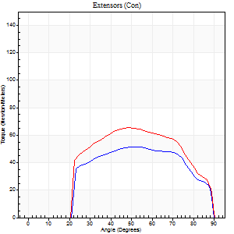
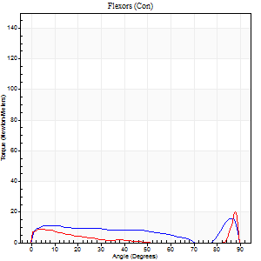
Right Side Curves Left Side Curves
Isokinetic Con/Con |  |  |  | Extensors (Con) |  | Flexors (Con)
Speed 240/240 d/s 3 Reps |  |  |  | Value | Cof Var | %BW | Value | Cof Var | %BW | Ratio

TORQUE PARAMETERS
Peak Torque (Newton-Meters - Best Repetition)
Right |  |  |  | 52 | 0.03 | 77 | 16 | 0.24 | 24 | 32
Left |  |  |  | 65 | 0.04 | 98 | 20 | 0.49 | 30 | 31
Deficit |  |  |  | 21 |  |  | 20
Work per Repetition (Newton-Meters - Best Repetition)
Right |  |  |  | 50 | 0.03 | 75 | 9 | 0.63 | 15 | 19
Left |  |  |  | 62 | 0.05 | 92 | 7 | 0.38 | 9 | 11
Deficit |  |  |  | 20 |  |  | 29
Average Power per Repetition (Watts - Best Repetition)
Right |  |  |  | 92 | 0.06 | 138 | 15 | 0.1 | 22 | 16
Left |  |  |  | 113 | 0.02 | 169 | 11 | 0.6 | 15 | 10
Deficit |  |  |  | 19 |  |  | 27
POSITION PARAMETERS
Joint Angle at Peak Torque (Degrees)
Right |  |  |  | 53 | 0.02 |  | 33 | 1.44
Left |  |  |  | 49 | 0.05 |  | 35 | 1.28
Range of Motion (Degrees)
Right |  |  |  | 0 | 1.41 |  | 90 | 0.01
Left |  |  |  | 0 | 1.13 |  | 90 | 0.01
TIME PARAMETERS
Time to Peak Torque (Seconds)
Right |  |  |  | 0.24 | 0.06 |  | 0.1 | 0.2
Left |  |  |  | 0.23 | 0.06 |  | 0.39 | 0.81
Time Peak Torque Held (Seconds)
Right |  |  |  | 0.02 | 0.69 |  | 0.02 | 1.73
Left |  |  |  | 0.02 | 0.35 |  | 0 | 0
Force Decay Time (Seconds)
Right |  |  |  | 0.3 | 0.02 |  | 0.31 | 0.73
Left |  |  |  | 0.28 | 0.04 |  | 0.42 | 1.01
Reciprocal Delay (Seconds)
Right |  |  |  | 0.05 | 0.39 |  | 0.15 | 0.34
Left |  |  |  | 0.07 | 0.2 |  | 0.16 | 0.25
Delay Time (Seconds)
Right |  |  |  | -0.02 | -0.28 |  | 0.13 | 1.93
Left |  |  |  | -0.01 | 0 |  | -0.05 | -0.29
HUMAC2015® Version: 15.000.0074 © Computer Sports Medicine, Inc. www.csmisolutions.com

Use File, Preference to set Report Heading
Isometric - Knee Extension/Flexion
Name: |  |  |  | TR030FP3029, | ID: |  | Right/Left: | 22.09.2021 22.09.2021

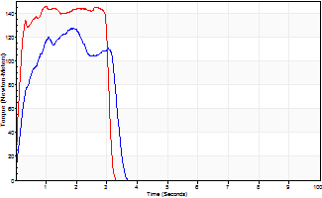
Isometric Extensors (Con) Angle 60 Time 10 Repetition 2 (Best Repetition)
 | Value | Cof Var | %BW
Peak Torque (Newton-Meters)
Right | 127 | 0.03 | 191
Left | 145 | 0 | 218
Deficit | 12
Average Torque (Newton-Meters)
Right | 35 | 0.08 | 54
Left | 42 | 0 | 63
Deficit | 16
Peak Torque Slope (Newton-Meters/Seconds)
Right | 102 | 0.3 | 153
Left | 146 | 0.36 | 218 |  | Right Side Curves Left Side Curves
Deficit | 30
Time to Half Peak Torque (Seconds)
Right | 0.21 | 0.27
Left | 0.12 | 0.06
Time to Peak Torque (Seconds)
Right | 1.54 | 0.33
Left | 1.33 | 0.36
HUMAC2015® Version: 15.000.0074 © Computer Sports Medicine, Inc. www.csmisolutions.com

mid1
Use File, Preference to set Report Heading
Long Form Torque vs. Position Report - Knee Extension/Flexion
Name: |  |  |  | TR030FP3029, | ID: |  | Right/Left: | 08.11.2021 08.11.2021
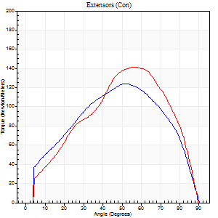
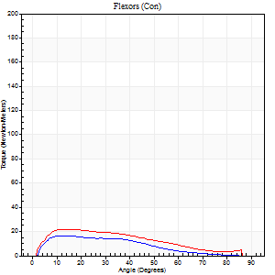
Right Side Curves Left Side Curves
Isokinetic Con/Con |  |  |  | Extensors (Con) |  | Flexors (Con)
Speed 60/60 d/s 3 Reps |  |  |  | Value | Cof Var | %BW | Value | Cof Var | %BW | Ratio

TORQUE PARAMETERS
Peak Torque (Newton-Meters - Best Repetition)
Right |  |  |  | 123 | 0.06 | 185 | 16 | 0.17 | 24 | 13
Left |  |  |  | 141 | 0.19 | 212 | 22 | 0.1 | 33 | 15
Deficit |  |  |  | 12 |  |  | 25
Work per Repetition (Newton-Meters - Best Repetition)
Right |  |  |  | 129 | 0.07 | 194 | 12 | 0.07 | 18 | 9
Left |  |  |  | 136 | 0.15 | 203 | 19 | 0.15 | 30 | 14
Deficit |  |  |  | 5 |  |  | 36
Average Power per Repetition (Watts - Best Repetition)
Right |  |  |  | 82 | 0.06 | 123 | 8 | 0.08 | 11 | 10
Left |  |  |  | 88 | 0.14 | 132 | 12 | 0.14 | 18 | 14
Deficit |  |  |  | 7 |  |  | 33
POSITION PARAMETERS
Joint Angle at Peak Torque (Degrees)
Right |  |  |  | 55 | 0.07 |  | 13 | 0.06
Left |  |  |  | 52 | 0.12 |  | 12 | 0.08
Range of Motion (Degrees)
Right |  |  |  | 1 | 0.16 |  | 90 | 0
Left |  |  |  | 2 | 1.2 |  | 90 | 0
TIME PARAMETERS
Time to Peak Torque (Seconds)
Right |  |  |  | 0.6 | 0.16 |  | 0.23 | 0.21
Left |  |  |  | 0.59 | 0.07 |  | 0.21 | 0.05
Time Peak Torque Held (Seconds)
Right |  |  |  | 0.05 | 0.12 |  | 0.02 | 1.73
Left |  |  |  | 0.04 | 0.25 |  | 0.05 | 1.4
Force Decay Time (Seconds)
Right |  |  |  | 0.88 | 0.07 |  | 1.27 | 0.03
Left |  |  |  | 0.82 | 0.14 |  | 1.26 | 0.05
Reciprocal Delay (Seconds)
Right |  |  |  | 0.09 | 0.16 |  | 0.17 | 0.41
Left |  |  |  | 0.16 | 0.04 |  | 0.11 | 0.33
Delay Time (Seconds)
Right |  |  |  | -0.03 | -1.41 |  | 0.01 | 4.82
Left |  |  |  | 0 | 1.41 |  | -0.01 | -2.41
HUMAC2015® Version: 15.000.0074 © Computer Sports Medicine, Inc. www.csmisolutions.com

Use File, Preference to set Report Heading
Long Form Torque vs. Position Report - Knee Extension/Flexion
Name: |  |  |  | TR030FP3029, | ID: |  | Right/Left: | 08.11.2021 08.11.2021
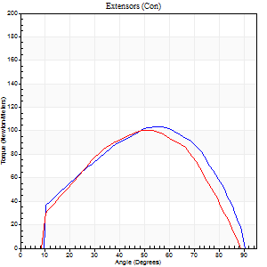
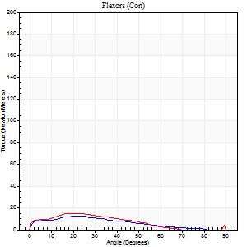
Right Side Curves Left Side Curves
Isokinetic Con/Con |  |  |  | Extensors (Con) |  | Flexors (Con)
Speed 120/120 d/s 3 Reps |  |  |  | Value | Cof Var | %BW | Value | Cof Var | %BW | Ratio

TORQUE PARAMETERS
Peak Torque (Newton-Meters - Best Repetition)
Right |  |  |  | 103 | 0.05 | 155 | 12 | 0.15 | 18 | 12
Left |  |  |  | 100 | 0.23 | 149 | 15 | 0.15 | 21 | 15
Deficit |  |  |  | 3 |  |  | 18
Work per Repetition (Newton-Meters - Best Repetition)
Right |  |  |  | 104 | 0.02 | 155 | 9 | 0.34 | 15 | 9
Left |  |  |  | 96 | 0.18 | 143 | 11 | 0.18 | 15 | 11
Deficit |  |  |  | 8 |  |  | 13
Average Power per Repetition (Watts - Best Repetition)
Right |  |  |  | 125 | 0.06 | 187 | 11 | 0.32 | 15 | 9
Left |  |  |  | 114 | 0.23 | 171 | 12 | 0.17 | 18 | 11
Deficit |  |  |  | 9 |  |  | 8
POSITION PARAMETERS
Joint Angle at Peak Torque (Degrees)
Right |  |  |  | 53 | 0.05 |  | 19 | 0.14
Left |  |  |  | 49 | 0.05 |  | 25 | 0.19
Range of Motion (Degrees)
Right |  |  |  | 1 | 0.77 |  | 90 | 0
Left |  |  |  | 1 | 0.25 |  | 90 | 0.01
TIME PARAMETERS
Time to Peak Torque (Seconds)
Right |  |  |  | 0.36 | 0.02 |  | 0.23 | 0.21
Left |  |  |  | 0.39 | 0.07 |  | 0.33 | 0.18
Time Peak Torque Held (Seconds)
Right |  |  |  | 0.02 | 0.49 |  | 0 | 0
Left |  |  |  | 0.01 | 1.15 |  | 0.02 | 1
Force Decay Time (Seconds)
Right |  |  |  | 0.48 | 0.08 |  | 0.65 | 0.04
Left |  |  |  | 0.45 | 0.03 |  | 0.54 | 0.09
Reciprocal Delay (Seconds)
Right |  |  |  | 0.13 | 0.44 |  | 0.13 | 0.24
Left |  |  |  | 0.09 | 0.08 |  | 0.15 | 0.2
Delay Time (Seconds)
Right |  |  |  | -0.03 | 0 |  | 0.01 | 3.61
Left |  |  |  | 0.01 | 0 |  | -0.03 | -0.46
HUMAC2015® Version: 15.000.0074 © Computer Sports Medicine, Inc. www.csmisolutions.com

Use File, Preference to set Report Heading
Long Form Torque vs. Position Report - Knee Extension/Flexion
Name: |  |  |  | TR030FP3029, | ID: |  | Right/Left: | 08.11.2021 08.11.2021
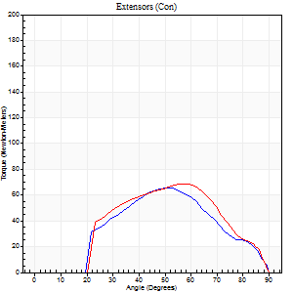
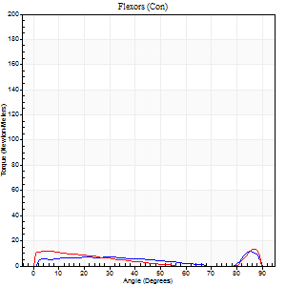
Right Side Curves Left Side Curves
Isokinetic Con/Con |  |  |  | Extensors (Con) |  | Flexors (Con)
Speed 240/240 d/s 3 Reps |  |  |  | Value | Cof Var | %BW | Value | Cof Var | %BW | Ratio

TORQUE PARAMETERS
Peak Torque (Newton-Meters - Best Repetition)
Right |  |  |  | 65 | 0.36 | 98 | 12 | 0.11 | 18 | 19
Left |  |  |  | 69 | 0.05 | 104 | 14 | 0.19 | 21 | 20
Deficit |  |  |  | 6 |  |  | 10
Work per Repetition (Newton-Meters - Best Repetition)
Right |  |  |  | 53 | 0.37 | 80 | 7 | 0.22 | 9 | 13
Left |  |  |  | 61 | 0.04 | 92 | 7 | 0.16 | 9 | 11
Deficit |  |  |  | 13 |  |  | 0
Average Power per Repetition (Watts - Best Repetition)
Right |  |  |  | 90 | 0.43 | 134 | 10 | 0.21 | 15 | 11
Left |  |  |  | 110 | 0.08 | 165 | 12 | 0.23 | 18 | 11
Deficit |  |  |  | 18 |  |  | 17
POSITION PARAMETERS
Joint Angle at Peak Torque (Degrees)
Right |  |  |  | 54 | 0.07 |  | 61 | 0.74
Left |  |  |  | 55 | 0.06 |  | 36 | 1.23
Range of Motion (Degrees)
Right |  |  |  | 1 | 0 |  | 90 | 0
Left |  |  |  | 0 | 0.76 |  | 89 | 0
TIME PARAMETERS
Time to Peak Torque (Seconds)
Right |  |  |  | 0.33 | 0.04 |  | 0.46 | 0.64
Left |  |  |  | 0.24 | 0.06 |  | 0.36 | 0.54
Time Peak Torque Held (Seconds)
Right |  |  |  | 0 | 1.73 |  | 0.01 | 1.73
Left |  |  |  | 0.01 | 0 |  | 0 | 1.73
Force Decay Time (Seconds)
Right |  |  |  | 0.27 | 0.09 |  | 0.19 | 1.13
Left |  |  |  | 0.32 | 0.07 |  | 0.31 | 0.76
Reciprocal Delay (Seconds)
Right |  |  |  | 0.1 | 0.14 |  | 0.08 | 0.14
Left |  |  |  | 0.09 | 0.08 |  | 0.17 | 0.21
Delay Time (Seconds)
Right |  |  |  | -0.06 | -0.11 |  | -0.02 | -0.5
Left |  |  |  | -0.02 | -0.28 |  | -0.06 | -0.33
HUMAC2015® Version: 15.000.0074 © Computer Sports Medicine, Inc. www.csmisolutions.com

Use File, Preference to set Report Heading
Isometric - Knee Extension/Flexion
Name: |  |  |  | TR030FP3029, | ID: |  | Right/Left: | 08.11.2021 08.11.2021

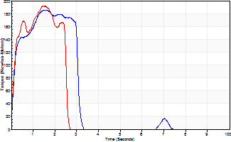
Isometric Extensors (Con) Angle 60 Time 10 Repetition 2 (Best Repetition)
 | Value | Cof Var | %BW
Peak Torque (Newton-Meters)
Right | 184 | 0.12 | 277
Left | 193 | 0.03 | 289
Deficit | 4
Average Torque (Newton-Meters)
Right | 50 | 0.03 | 75
Left | 41 | 0 | 60
Deficit | 19
Peak Torque Slope (Newton-Meters/Seconds)
Right | 123 | 0.28 | 184
Left | 303 | 0.56 | 454 |  | Right Side Curves Left Side Curves
Deficit | 59
Time to Half Peak Torque (Seconds)
Right | 0.12 | 0.17
Left | 0.13 | 0.05
Time to Peak Torque (Seconds)
Right | 1.68 | 0.16
Left | 1.03 | 0.59
HUMAC2015® Version: 15.000.0074 © Computer Sports Medicine, Inc. www.csmisolutions.com

mid2
Use File, Preference to set Report Heading
Long Form Torque vs. Position Report - Knee Extension/Flexion
Name: |  |  |  | TR030FP3029, | ID: |  | Right/Left: | 10.11.2021 10.11.2021
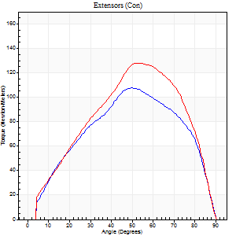
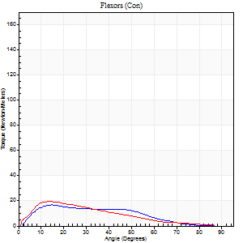
Right Side Curves Left Side Curves
Isokinetic Con/Con |  |  |  | Extensors (Con) |  | Flexors (Con)
Speed 60/60 d/s 3 Reps |  |  |  | Value | Cof Var | %BW | Value | Cof Var | %BW | Ratio

TORQUE PARAMETERS
Peak Torque (Newton-Meters - Best Repetition)
Right |  |  |  | 107 | 0.16 | 161 | 16 | 0.35 | 24 | 15
Left |  |  |  | 127 | 0.07 | 191 | 19 | 0.07 | 30 | 15
Deficit |  |  |  | 16 |  |  | 14
Work per Repetition (Newton-Meters - Best Repetition)
Right |  |  |  | 108 | 0.16 | 161 | 15 | 0.23 | 21 | 14
Left |  |  |  | 130 | 0.05 | 194 | 15 | 0.04 | 21 | 11
Deficit |  |  |  | 17 |  |  | 0
Average Power per Repetition (Watts - Best Repetition)
Right |  |  |  | 70 | 0.17 | 105 | 10 | 0.23 | 15 | 14
Left |  |  |  | 83 | 0.07 | 123 | 9 | 0.04 | 13 | 11
Deficit |  |  |  | 16 |  |  | 10
POSITION PARAMETERS
Joint Angle at Peak Torque (Degrees)
Right |  |  |  | 51 | 0.04 |  | 15 | 0.21
Left |  |  |  | 53 | 0.08 |  | 12 | 0.16
Range of Motion (Degrees)
Right |  |  |  | 0 | 0.66 |  | 90 | 0
Left |  |  |  | 0 | 0.39 |  | 90 | 0
TIME PARAMETERS
Time to Peak Torque (Seconds)
Right |  |  |  | 0.67 | 0.05 |  | 0.26 | 0.29
Left |  |  |  | 0.68 | 0.04 |  | 0.24 | 0.1
Time Peak Torque Held (Seconds)
Right |  |  |  | 0.06 | 0.67 |  | 0.16 | 1.73
Left |  |  |  | 0.05 | 0.6 |  | 0 | 0
Force Decay Time (Seconds)
Right |  |  |  | 0.81 | 0.01 |  | 1.1 | 0.32
Left |  |  |  | 0.85 | 0.1 |  | 1.32 | 0.03
Reciprocal Delay (Seconds)
Right |  |  |  | 0.13 | 0.22 |  | 0.13 | 0.57
Left |  |  |  | 0.19 | 0.07 |  | 0.15 | 0.24
Delay Time (Seconds)
Right |  |  |  | -0.02 | -0.28 |  | 0.03 | 0.58
Left |  |  |  | -0.01 | -0.47 |  | -0.01 | -0.87
HUMAC2015® Version: 15.000.0074 © Computer Sports Medicine, Inc. www.csmisolutions.com

Use File, Preference to set Report Heading
Long Form Torque vs. Position Report - Knee Extension/Flexion
Name: |  |  |  | TR030FP3029, | ID: |  | Right/Left: | 10.11.2021 10.11.2021
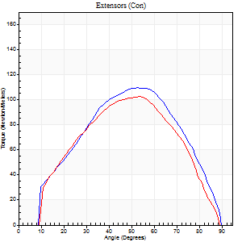
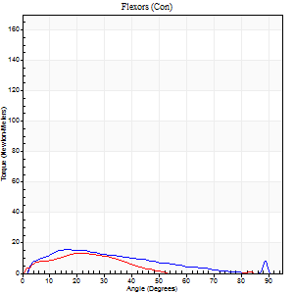
Right Side Curves Left Side Curves
Isokinetic Con/Con |  |  |  | Extensors (Con) |  | Flexors (Con)
Speed 120/120 d/s 3 Reps |  |  |  | Value | Cof Var | %BW | Value | Cof Var | %BW | Ratio

TORQUE PARAMETERS
Peak Torque (Newton-Meters - Best Repetition)
Right |  |  |  | 110 | 0.22 | 164 | 15 | 0.11 | 21 | 14
Left |  |  |  | 103 | 0.03 | 155 | 14 | 0.01 | 21 | 13
Deficit |  |  |  | 6 |  |  | 9
Work per Repetition (Newton-Meters - Best Repetition)
Right |  |  |  | 104 | 0.23 | 155 | 12 | 0.02 | 18 | 12
Left |  |  |  | 96 | 0.06 | 143 | 11 | 0.18 | 15 | 11
Deficit |  |  |  | 8 |  |  | 11
Average Power per Repetition (Watts - Best Repetition)
Right |  |  |  | 118 | 0.23 | 176 | 14 | 0.05 | 22 | 12
Left |  |  |  | 115 | 0.07 | 171 | 13 | 0.24 | 20 | 11
Deficit |  |  |  | 3 |  |  | 7
POSITION PARAMETERS
Joint Angle at Peak Torque (Degrees)
Right |  |  |  | 54 | 0.09 |  | 21 | 0.25
Left |  |  |  | 51 | 0.06 |  | 21 | 0.2
Range of Motion (Degrees)
Right |  |  |  | 1 | 0.51 |  | 90 | 0.01
Left |  |  |  | 1 | 0.26 |  | 90 | 0.01
TIME PARAMETERS
Time to Peak Torque (Seconds)
Right |  |  |  | 0.33 | 0.06 |  | 0.24 | 0.26
Left |  |  |  | 0.38 | 0.09 |  | 0.26 | 0.23
Time Peak Torque Held (Seconds)
Right |  |  |  | 0.03 | 0.33 |  | 0.03 | 1.73
Left |  |  |  | 0.02 | 0.87 |  | 0.01 | 1
Force Decay Time (Seconds)
Right |  |  |  | 0.46 | 0.13 |  | 0.57 | 0.14
Left |  |  |  | 0.44 | 0.05 |  | 0.61 | 0.06
Reciprocal Delay (Seconds)
Right |  |  |  | 0.08 | 0.28 |  | 0.11 | 0.63
Left |  |  |  | 0.09 | 0.22 |  | 0.09 | 0.29
Delay Time (Seconds)
Right |  |  |  | -0.02 | -0.28 |  | 0 | -73807540
Left |  |  |  | 0 | 0 |  | -0.02 | -0.5
HUMAC2015® Version: 15.000.0074 © Computer Sports Medicine, Inc. www.csmisolutions.com

Use File, Preference to set Report Heading
Long Form Torque vs. Position Report - Knee Extension/Flexion
Name: |  |  |  | TR030FP3029, | ID: |  | Right/Left: | 10.11.2021 10.11.2021
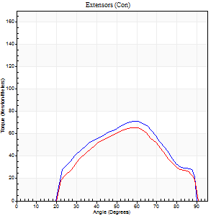
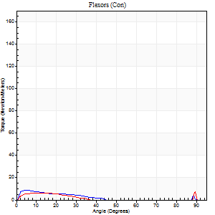
Right Side Curves Left Side Curves
Isokinetic Con/Con |  |  |  | Extensors (Con) |  | Flexors (Con)
Speed 240/240 d/s 3 Reps |  |  |  | Value | Cof Var | %BW | Value | Cof Var | %BW | Ratio

TORQUE PARAMETERS
Peak Torque (Newton-Meters - Best Repetition)
Right |  |  |  | 71 | 0.13 | 104 | 9 | 0.39 | 15 | 13
Left |  |  |  | 65 | 0.09 | 98 | 7 | 0.14 | 9 | 10
Deficit |  |  |  | 8 |  |  | 29
Work per Repetition (Newton-Meters - Best Repetition)
Right |  |  |  | 64 | 0.17 | 95 | 4 | 0.43 | 6 | 6
Left |  |  |  | 54 | 0.12 | 80 | 3 | 0.22 | 3 | 5
Deficit |  |  |  | 15 |  |  | 33
Average Power per Repetition (Watts - Best Repetition)
Right |  |  |  | 117 | 0.21 | 176 | 5 | 0.6 | 7 | 4
Left |  |  |  | 101 | 0.19 | 152 | 3 | 0.32 | 4 | 3
Deficit |  |  |  | 14 |  |  | 40
POSITION PARAMETERS
Joint Angle at Peak Torque (Degrees)
Right |  |  |  | 56 | 0.12 |  | 9 | 0.69
Left |  |  |  | 56 | 0.05 |  | 37 | 1.23
Range of Motion (Degrees)
Right |  |  |  | 1 | 0.1 |  | 90 | 0.01
Left |  |  |  | 1 | 0.04 |  | 90 | 0
TIME PARAMETERS
Time to Peak Torque (Seconds)
Right |  |  |  | 0.23 | 0.18 |  | 0.18 | 0.36
Left |  |  |  | 0.25 | 0.09 |  | 0.67 | 0.56
Time Peak Torque Held (Seconds)
Right |  |  |  | 0.01 | 0.43 |  | 0.01 | 0.43
Left |  |  |  | 0.01 | 0.87 |  | 0 | 0
Force Decay Time (Seconds)
Right |  |  |  | 0.27 | 0.08 |  | 0.81 | 0.26
Left |  |  |  | 0.28 | 0.02 |  | 0.54 | 0.89
Reciprocal Delay (Seconds)
Right |  |  |  | 0.09 | 0.63 |  | 0.17 | 0.46
Left |  |  |  | 0.16 | 0.05 |  | 0.11 | 0.35
Delay Time (Seconds)
Right |  |  |  | -0.05 | -0.57 |  | -0.02 | -0.65
Left |  |  |  | -0.03 | 0 |  | -0.07 | -0.49
HUMAC2015® Version: 15.000.0074 © Computer Sports Medicine, Inc. www.csmisolutions.com

Use File, Preference to set Report Heading
Isometric - Knee Extension/Flexion
Name: |  |  |  | TR030FP3029, | ID: |  | Right/Left: | 10.11.2021 10.11.2021

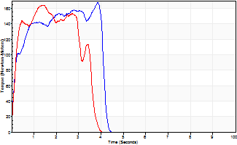
Isometric Extensors (Con) Angle 60 Time 10 Repetition 2 (Best Repetition)
 | Value | Cof Var | %BW
Peak Torque (Newton-Meters)
Right | 168 | 0.09 | 250
Left | 164 | 0.06 | 244
Deficit | 2
Average Torque (Newton-Meters)
Right | 58 | 0.14 | 86
Left | 49 | 0.07 | 72
Deficit | 16
Peak Torque Slope (Newton-Meters/Seconds)
Right | 62 | 0.24 | 92
Left | 113 | 0.29 | 169 |  | Right Side Curves Left Side Curves
Deficit | 45
Time to Half Peak Torque (Seconds)
Right | 0.16 | 0.04
Left | 0.2 | 0.24
Time to Peak Torque (Seconds)
Right | 3.11 | 0.33
Left | 1.73 | 0.23
HUMAC2015® Version: 15.000.0074 © Computer Sports Medicine, Inc. www.csmisolutions.com

post1
Use File, Preference to set Report Heading
Long Form Torque vs. Position Report - Knee Extension/Flexion
Name: |  |  |  | TR030FP3029, | ID: |  | Right/Left: | 03.12.2021 03.12.2021
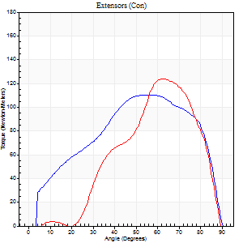
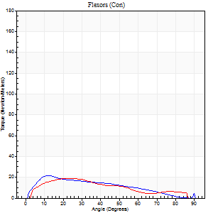
Right Side Curves Left Side Curves
Isokinetic Con/Con |  |  |  | Extensors (Con) |  | Flexors (Con)
Speed 60/60 d/s 3 Reps |  |  |  | Value | Cof Var | %BW | Value | Cof Var | %BW | Ratio

TORQUE PARAMETERS
Peak Torque (Newton-Meters - Best Repetition)
Right |  |  |  | 110 | 0.06 | 164 | 22 | 0.15 | 33 | 20
Left |  |  |  | 123 | 0.02 | 185 | 19 | 0.09 | 30 | 15
Deficit |  |  |  | 11 |  |  | 13
Work per Repetition (Newton-Meters - Best Repetition)
Right |  |  |  | 118 | 0.06 | 176 | 18 | 0.06 | 27 | 15
Left |  |  |  | 108 | 0.11 | 161 | 16 | 0.03 | 24 | 15
Deficit |  |  |  | 8 |  |  | 8
Average Power per Repetition (Watts - Best Repetition)
Right |  |  |  | 76 | 0.09 | 114 | 11 | 0.04 | 15 | 14
Left |  |  |  | 71 | 0.11 | 105 | 11 | 0.05 | 15 | 15
Deficit |  |  |  | 7 |  |  | 0
POSITION PARAMETERS
Joint Angle at Peak Torque (Degrees)
Right |  |  |  | 55 | 0.05 |  | 21 | 0.38
Left |  |  |  | 63 | 0.04 |  | 16 | 0.44
Range of Motion (Degrees)
Right |  |  |  | 1 | 0.25 |  | 90 | 0
Left |  |  |  | 2 | 0.87 |  | 90 | 0
TIME PARAMETERS
Time to Peak Torque (Seconds)
Right |  |  |  | 0.59 | 0.07 |  | 0.36 | 0.38
Left |  |  |  | 0.44 | 0.08 |  | 0.28 | 0.39
Time Peak Torque Held (Seconds)
Right |  |  |  | 0.07 | 0.76 |  | 0.04 | 0.25
Left |  |  |  | 0.03 | 0.17 |  | 0.05 | 0.39
Force Decay Time (Seconds)
Right |  |  |  | 0.86 | 0.02 |  | 1.13 | 0.15
Left |  |  |  | 1.04 | 0.03 |  | 1.18 | 0.15
Reciprocal Delay (Seconds)
Right |  |  |  | 0.16 | 0 |  | 0.15 | 0.23
Left |  |  |  | 0.14 | 0.2 |  | 0.1 | 0.52
Delay Time (Seconds)
Right |  |  |  | -0.01 | 0 |  | 0.02 | 0.69
Left |  |  |  | 0 | 1.41 |  | -0.01 | -1.15
HUMAC2015® Version: 15.000.0074 © Computer Sports Medicine, Inc. www.csmisolutions.com

Use File, Preference to set Report Heading
Long Form Torque vs. Position Report - Knee Extension/Flexion
Name: |  |  |  | TR030FP3029, | ID: |  | Right/Left: | 03.12.2021 03.12.2021
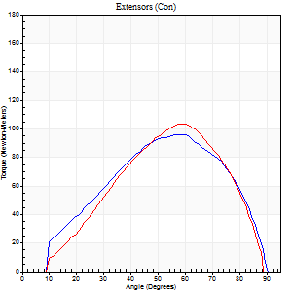
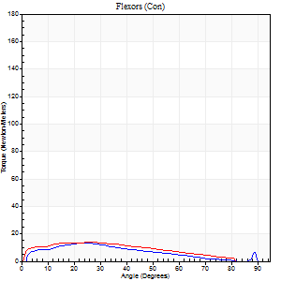
Right Side Curves Left Side Curves
Isokinetic Con/Con |  |  |  | Extensors (Con) |  | Flexors (Con)
Speed 120/120 d/s 3 Reps |  |  |  | Value | Cof Var | %BW | Value | Cof Var | %BW | Ratio

TORQUE PARAMETERS
Peak Torque (Newton-Meters - Best Repetition)
Right |  |  |  | 96 | 0.03 | 143 | 14 | 0.05 | 21 | 14
Left |  |  |  | 103 | 0.15 | 155 | 14 | 0.05 | 21 | 13
Deficit |  |  |  | 7 |  |  | 0
Work per Repetition (Newton-Meters - Best Repetition)
Right |  |  |  | 95 | 0.07 | 143 | 12 | 0.13 | 18 | 13
Left |  |  |  | 92 | 0.15 | 137 | 14 | 0.1 | 21 | 15
Deficit |  |  |  | 3 |  |  | 10
Average Power per Repetition (Watts - Best Repetition)
Right |  |  |  | 116 | 0.1 | 174 | 15 | 0.11 | 22 | 13
Left |  |  |  | 114 | 0.23 | 171 | 16 | 0.06 | 24 | 14
Deficit |  |  |  | 2 |  |  | 6
POSITION PARAMETERS
Joint Angle at Peak Torque (Degrees)
Right |  |  |  | 53 | 0.14 |  | 22 | 0.2
Left |  |  |  | 54 | 0.1 |  | 26 | 0.12
Range of Motion (Degrees)
Right |  |  |  | 1 | 0.07 |  | 90 | 0.01
Left |  |  |  | 1 | 0 |  | 89 | 0.01
TIME PARAMETERS
Time to Peak Torque (Seconds)
Right |  |  |  | 0.31 | 0.05 |  | 0.23 | 0.22
Left |  |  |  | 0.3 | 0.09 |  | 0.31 | 0.15
Time Peak Torque Held (Seconds)
Right |  |  |  | 0.03 | 0.33 |  | 0.03 | 1.15
Left |  |  |  | 0.02 | 0 |  | 0.01 | 1.73
Force Decay Time (Seconds)
Right |  |  |  | 0.44 | 0.16 |  | 0.56 | 0.03
Left |  |  |  | 0.47 | 0.06 |  | 0.53 | 0.04
Reciprocal Delay (Seconds)
Right |  |  |  | 0.06 | 0 |  | 0.08 | 0.25
Left |  |  |  | 0.05 | 0.13 |  | 0.09 | 0.38
Delay Time (Seconds)
Right |  |  |  | -0.01 | -0.47 |  | 0.01 | 0.43
Left |  |  |  | 0 | 0 |  | -0.03 | -0.22
HUMAC2015® Version: 15.000.0074 © Computer Sports Medicine, Inc. www.csmisolutions.com

Use File, Preference to set Report Heading
Long Form Torque vs. Position Report - Knee Extension/Flexion
Name: |  |  |  | TR030FP3029, | ID: |  | Right/Left: | 03.12.2021 03.12.2021
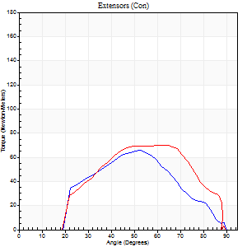
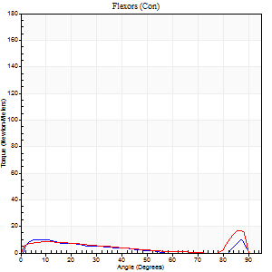
Right Side Curves Left Side Curves
Isokinetic Con/Con |  |  |  | Extensors (Con) |  | Flexors (Con)
Speed 240/240 d/s 3 Reps |  |  |  | Value | Cof Var | %BW | Value | Cof Var | %BW | Ratio

TORQUE PARAMETERS
Peak Torque (Newton-Meters - Best Repetition)
Right |  |  |  | 65 | 0.09 | 98 | 9 | 0.02 | 15 | 15
Left |  |  |  | 71 | 0.03 | 104 | 18 | 0.36 | 27 | 25
Deficit |  |  |  | 8 |  |  | 46
Work per Repetition (Newton-Meters - Best Repetition)
Right |  |  |  | 58 | 0.12 | 86 | 5 | 0.27 | 9 | 9
Left |  |  |  | 64 | 0.09 | 95 | 7 | 0.55 | 9 | 11
Deficit |  |  |  | 9 |  |  | 20
Average Power per Repetition (Watts - Best Repetition)
Right |  |  |  | 111 | 0.17 | 167 | 10 | 0.37 | 15 | 9
Left |  |  |  | 118 | 0.13 | 176 | 14 | 0.27 | 22 | 12
Deficit |  |  |  | 6 |  |  | 29
POSITION PARAMETERS
Joint Angle at Peak Torque (Degrees)
Right |  |  |  | 53 | 0.01 |  | 33 | 1.42
Left |  |  |  | 61 | 0.04 |  | 64 | 0.61
Range of Motion (Degrees)
Right |  |  |  | 1 | 0.06 |  | 90 | 0
Left |  |  |  | 1 | 0 |  | 89 | 0
TIME PARAMETERS
Time to Peak Torque (Seconds)
Right |  |  |  | 0.3 | 0.22 |  | 0.3 | 1.18
Left |  |  |  | 0.25 | 0.2 |  | 0.33 | 0.91
Time Peak Torque Held (Seconds)
Right |  |  |  | 0 | 1.73 |  | 0 | 1.73
Left |  |  |  | 0.02 | 1.32 |  | 0.01 | 1.73
Force Decay Time (Seconds)
Right |  |  |  | 0.27 | 0.02 |  | 0.35 | 0.77
Left |  |  |  | 0.3 | 0.12 |  | 0.16 | 1.12
Reciprocal Delay (Seconds)
Right |  |  |  | 0.09 | 0 |  | 0.07 | 0.17
Left |  |  |  | 0.07 | 0 |  | 0.08 | 0.12
Delay Time (Seconds)
Right |  |  |  | -0.05 | -0.28 |  | -0.02 | 0
Left |  |  |  | 0.1 | 1.82 |  | 0.15 | 2.26
HUMAC2015® Version: 15.000.0074 © Computer Sports Medicine, Inc. www.csmisolutions.com

Use File, Preference to set Report Heading
Isometric - Knee Extension/Flexion
Name: |  |  |  | TR030FP3029, | ID: |  | Right/Left: | 03.12.2021 03.12.2021

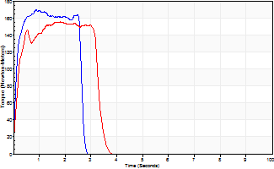
Isometric Extensors (Con) Angle 60 Time 10 Repetition 2 (Best Repetition)
 | Value | Cof Var | %BW
Peak Torque (Newton-Meters)
Right | 170 | 0.06 | 253
Left | 155 | 0.02 | 232
Deficit | 9
Average Torque (Newton-Meters)
Right | 41 | 0 | 60
Left | 49 | 0.03 | 72
Deficit | 17
Peak Torque Slope (Newton-Meters/Seconds)
Right | 190 | 0.31 | 284
Left | 85 | 0.53 | 127 |  | Right Side Curves Left Side Curves
Deficit | 55
Time to Half Peak Torque (Seconds)
Right | 0.11 | 0.07
Left | 0.66 | 1.07
Time to Peak Torque (Seconds)
Right | 1.07 | 0.25
Left | 2.86 | 0.51
HUMAC2015® Version: 15.000.0074 © Computer Sports Medicine, Inc. www.csmisolutions.com

post2
Use File, Preference to set Report Heading
Long Form Torque vs. Position Report - Knee Extension/Flexion
Name: |  |  |  | TR030FP3029, | ID: |  | Right/Left: | 07.12.2021 07.12.2021
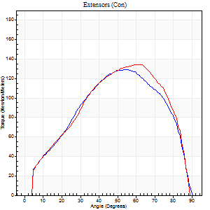
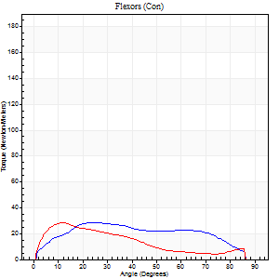
Right Side Curves Left Side Curves
Isokinetic Con/Con |  |  |  | Extensors (Con) |  | Flexors (Con)
Speed 60/60 d/s 3 Reps |  |  |  | Value | Cof Var | %BW | Value | Cof Var | %BW | Ratio

TORQUE PARAMETERS
Peak Torque (Newton-Meters - Best Repetition)
Right |  |  |  | 129 | 0.29 | 194 | 28 | 0.2 | 42 | 22
Left |  |  |  | 134 | 0.06 | 200 | 28 | 0.22 | 42 | 21
Deficit |  |  |  | 4 |  |  | 0
Work per Repetition (Newton-Meters - Best Repetition)
Right |  |  |  | 134 | 0.26 | 200 | 31 | 0.31 | 48 | 23
Left |  |  |  | 137 | 0.04 | 206 | 24 | 0.09 | 36 | 18
Deficit |  |  |  | 2 |  |  | 22
Average Power per Repetition (Watts - Best Repetition)
Right |  |  |  | 88 | 0.28 | 132 | 20 | 0.29 | 31 | 23
Left |  |  |  | 90 | 0.06 | 134 | 17 | 0.11 | 26 | 19
Deficit |  |  |  | 2 |  |  | 15
POSITION PARAMETERS
Joint Angle at Peak Torque (Degrees)
Right |  |  |  | 52 | 0.12 |  | 18 | 0.27
Left |  |  |  | 57 | 0.07 |  | 19 | 0.44
Range of Motion (Degrees)
Right |  |  |  | 0 | 0.18 |  | 90 | 0
Left |  |  |  | 1 | 0.08 |  | 90 | 0.01
TIME PARAMETERS
Time to Peak Torque (Seconds)
Right |  |  |  | 0.59 | 0.02 |  | 0.32 | 0.27
Left |  |  |  | 0.53 | 0.15 |  | 0.33 | 0.41
Time Peak Torque Held (Seconds)
Right |  |  |  | 0.07 | 0.14 |  | 0.04 | 1.32
Left |  |  |  | 0.05 | 0.45 |  | 0.01 | 1.73
Force Decay Time (Seconds)
Right |  |  |  | 0.81 | 0.12 |  | 1.16 | 0.09
Left |  |  |  | 0.92 | 0.07 |  | 1.16 | 0.09
Reciprocal Delay (Seconds)
Right |  |  |  | 0.12 | 0.47 |  | 0.16 | 0.11
Left |  |  |  | 0.1 | 0.74 |  | 0.13 | 0.24
Delay Time (Seconds)
Right |  |  |  | 0 | -1.41 |  | 0.02 | 0.35
Left |  |  |  | 0 | 0 |  | 0 | 0
HUMAC2015® Version: 15.000.0074 © Computer Sports Medicine, Inc. www.csmisolutions.com

Use File, Preference to set Report Heading
Long Form Torque vs. Position Report - Knee Extension/Flexion
Name: |  |  |  | TR030FP3029, | ID: |  | Right/Left: | 07.12.2021 07.12.2021
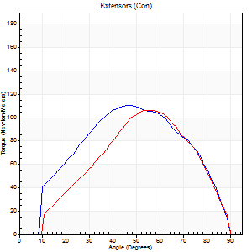
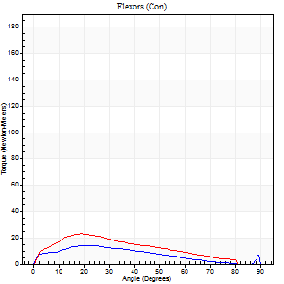
Right Side Curves Left Side Curves
Isokinetic Con/Con |  |  |  | Extensors (Con) |  | Flexors (Con)
Speed 120/120 d/s 3 Reps |  |  |  | Value | Cof Var | %BW | Value | Cof Var | %BW | Ratio

TORQUE PARAMETERS
Peak Torque (Newton-Meters - Best Repetition)
Right |  |  |  | 111 | 0.04 | 167 | 14 | 0.02 | 21 | 12
Left |  |  |  | 107 | 0.07 | 161 | 23 | 0.32 | 36 | 22
Deficit |  |  |  | 4 |  |  | 41
Work per Repetition (Newton-Meters - Best Repetition)
Right |  |  |  | 111 | 0.03 | 167 | 11 | 0.02 | 15 | 10
Left |  |  |  | 94 | 0.07 | 140 | 19 | 0.29 | 30 | 20
Deficit |  |  |  | 16 |  |  | 43
Average Power per Repetition (Watts - Best Repetition)
Right |  |  |  | 134 | 0.07 | 200 | 14 | 0.05 | 22 | 10
Left |  |  |  | 114 | 0.15 | 171 | 21 | 0.24 | 31 | 18
Deficit |  |  |  | 15 |  |  | 33
POSITION PARAMETERS
Joint Angle at Peak Torque (Degrees)
Right |  |  |  | 52 | 0.1 |  | 23 | 0.06
Left |  |  |  | 54 | 0.1 |  | 24 | 0.17
Range of Motion (Degrees)
Right |  |  |  | 1 | 0.16 |  | 90 | 0.01
Left |  |  |  | 1 | 0.08 |  | 90 | 0.01
TIME PARAMETERS
Time to Peak Torque (Seconds)
Right |  |  |  | 0.36 | 0.2 |  | 0.25 | 0.04
Left |  |  |  | 0.31 | 0.05 |  | 0.26 | 0.1
Time Peak Torque Held (Seconds)
Right |  |  |  | 0.02 | 0.25 |  | 0.01 | 1.73
Left |  |  |  | 0.02 | 0.69 |  | 0.02 | 0.92
Force Decay Time (Seconds)
Right |  |  |  | 0.45 | 0.11 |  | 0.56 | 0.08
Left |  |  |  | 0.46 | 0.09 |  | 0.56 | 0.12
Reciprocal Delay (Seconds)
Right |  |  |  | 0.07 | 0 |  | 0.11 | 0.25
Left |  |  |  | 0.1 | 0.14 |  | 0.09 | 0.35
Delay Time (Seconds)
Right |  |  |  | -0.01 | -0.47 |  | 0 | 4.58
Left |  |  |  | 0 | -1.41 |  | -0.02 | -0.35
HUMAC2015® Version: 15.000.0074 © Computer Sports Medicine, Inc. www.csmisolutions.com

Use File, Preference to set Report Heading
Long Form Torque vs. Position Report - Knee Extension/Flexion
Name: |  |  |  | TR030FP3029, | ID: |  | Right/Left: | 07.12.2021 07.12.2021
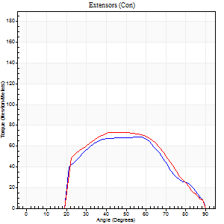
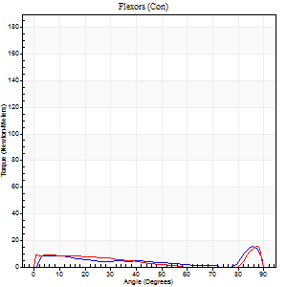
Right Side Curves Left Side Curves
Isokinetic Con/Con |  |  |  | Extensors (Con) |  | Flexors (Con)
Speed 240/240 d/s 3 Reps |  |  |  | Value | Cof Var | %BW | Value | Cof Var | %BW | Ratio

TORQUE PARAMETERS
Peak Torque (Newton-Meters - Best Repetition)
Right |  |  |  | 69 | 0.07 | 104 | 15 | 0.39 | 21 | 22
Left |  |  |  | 73 | 0.04 | 110 | 15 | 0.19 | 21 | 20
Deficit |  |  |  | 6 |  |  | 0
Work per Repetition (Newton-Meters - Best Repetition)
Right |  |  |  | 61 | 0.07 | 92 | 4 | 0.44 | 6 | 7
Left |  |  |  | 66 | 0.09 | 98 | 9 | 0.26 | 15 | 14
Deficit |  |  |  | 8 |  |  | 57
Average Power per Repetition (Watts - Best Repetition)
Right |  |  |  | 108 | 0.04 | 160 | 13 | 0.53 | 20 | 12
Left |  |  |  | 110 | 0.04 | 165 | 17 | 0.33 | 26 | 15
Deficit |  |  |  | 2 |  |  | 24
POSITION PARAMETERS
Joint Angle at Peak Torque (Degrees)
Right |  |  |  | 54 | 0.07 |  | 33 | 1.37
Left |  |  |  | 55 | 0.18 |  | 33 | 1.42
Range of Motion (Degrees)
Right |  |  |  | 2 | 0.12 |  | 90 | 0
Left |  |  |  | 0 | 0.16 |  | 89 | 0
TIME PARAMETERS
Time to Peak Torque (Seconds)
Right |  |  |  | 0.31 | 0.07 |  | 0.08 | 0.35
Left |  |  |  | 0.28 | 0.23 |  | 0.3 | 0.99
Time Peak Torque Held (Seconds)
Right |  |  |  | 0 | 1.73 |  | 0.02 | 1.73
Left |  |  |  | 0.01 | 0.87 |  | 0 | 1.73
Force Decay Time (Seconds)
Right |  |  |  | 0.27 | 0.06 |  | 0.39 | 0.77
Left |  |  |  | 0.31 | 0.11 |  | 0.31 | 0.78
Reciprocal Delay (Seconds)
Right |  |  |  | 0.09 | 0.16 |  | 0.06 | 0.09
Left |  |  |  | 0.07 | 0.2 |  | 0.12 | 0.39
Delay Time (Seconds)
Right |  |  |  | -0.05 | -0.16 |  | 0.15 | 1.85
Left |  |  |  | -0.03 | 0 |  | -0.04 | -0.13
HUMAC2015® Version: 15.000.0074 © Computer Sports Medicine, Inc. www.csmisolutions.com

Use File, Preference to set Report Heading
Isometric - Knee Extension/Flexion
Name: |  |  |  | TR030FP3029, | ID: |  | Right/Left: | 07.12.2021 07.12.2021

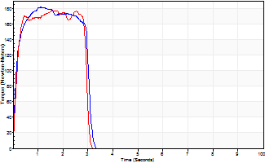
Isometric Extensors (Con) Angle 60 Time 10 Repetition 2 (Best Repetition)
 | Value | Cof Var | %BW
Peak Torque (Newton-Meters)
Right | 182 | 0.01 | 271
Left | 178 | 0.01 | 265
Deficit | 2
Average Torque (Newton-Meters)
Right | 50 | 0.11 | 75
Left | 47 | 0.11 | 72
Deficit | 5
Peak Torque Slope (Newton-Meters/Seconds)
Right | 174 | 0.04 | 260
Left | 106 | 0.04 | 159 |  | Right Side Curves Left Side Curves
Deficit | 39
Time to Half Peak Torque (Seconds)
Right | 0.12 | 0.06
Left | 0.15 | 0.05
Time to Peak Torque (Seconds)
Right | 1.06 | 0.05
Left | 1.69 | 0.05
HUMAC2015® Version: 15.000.0074 © Computer Sports Medicine, Inc. www.csmisolutions.com

