pre1
Use File, Preference to set Report Heading
Long Form Torque vs. Position Report - Knee Extension/Flexion
Name: |  |  |  | TR030FP3031, | ID: | tilvenning | Right/Left: | 21.09.2021 21.09.2021
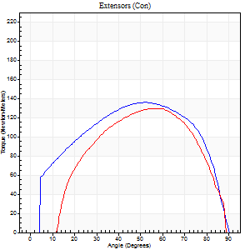
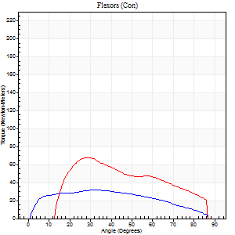
Right Side Curves Left Side Curves
Isokinetic Con/Con |  |  |  | Extensors (Con) |  | Flexors (Con)
Speed 60/60 d/s 3 Reps |  |  |  | Value | Cof Var | %BW | Value | Cof Var | %BW | Ratio

TORQUE PARAMETERS
Peak Torque (Newton-Meters - Best Repetition)
Right |  |  |  | 136 | 0.05 | 134 | 31 | 0.07 | 30 | 23
Left |  |  |  | 130 | 0.04 | 131 | 68 | 0.33 | 69 | 52
Deficit |  |  |  | 4 |  |  | 54
Work per Repetition (Newton-Meters - Best Repetition)
Right |  |  |  | 156 | 0.04 | 155 | 34 | 0.08 | 33 | 22
Left |  |  |  | 138 | 0.04 | 137 | 69 | 0.41 | 69 | 50
Deficit |  |  |  | 11 |  |  | 51
Average Power per Repetition (Watts - Best Repetition)
Right |  |  |  | 97 | 0.11 | 97 | 22 | 0.06 | 22 | 23
Left |  |  |  | 99 | 0.07 | 99 | 49 | 0.42 | 48 | 49
Deficit |  |  |  | 2 |  |  | 55
POSITION PARAMETERS
Joint Angle at Peak Torque (Degrees)
Right |  |  |  | 51 | 0.05 |  | 42 | 0.18
Left |  |  |  | 52 | 0.06 |  | 28 | 0.21
Range of Motion (Degrees)
Right |  |  |  | 0 | 7.07 |  | 90 | 0
Left |  |  |  | 3 | 1.13 |  | 89 | 0.01
TIME PARAMETERS
Time to Peak Torque (Seconds)
Right |  |  |  | 0.91 | 0.3 |  | 0.7 | 0.19
Left |  |  |  | 0.67 | 0 |  | 0.36 | 0.27
Time Peak Torque Held (Seconds)
Right |  |  |  | 0.05 | 0.29 |  | 0.08 | 0.14
Left |  |  |  | 0.08 | 0.15 |  | 0.01 | 1.15
Force Decay Time (Seconds)
Right |  |  |  | 0.84 | 0.04 |  | 0.72 | 0.2
Left |  |  |  | 0.7 | 0.05 |  | 1.02 | 0.08
Reciprocal Delay (Seconds)
Right |  |  |  | 0.94 | 0.28 |  | 0.21 | 0.1
Left |  |  |  | 0.15 | 0.38 |  | 0.06 | 0.17
Delay Time (Seconds)
Right |  |  |  | -0.22 | -0.97 |  | 0.03 | 0.57
Left |  |  |  | 0.01 | 1.41 |  | 0.01 | 1.15
HUMAC2015® Version: 15.000.0074 © Computer Sports Medicine, Inc. www.csmisolutions.com

Use File, Preference to set Report Heading
Long Form Torque vs. Position Report - Knee Extension/Flexion
Name: |  |  |  | TR030FP3031, | ID: | tilvenning | Right/Left: | 21.09.2021 21.09.2021
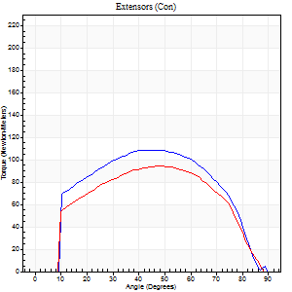
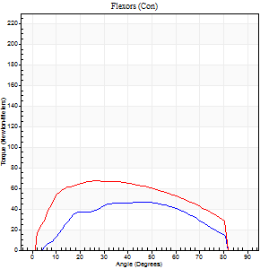
Right Side Curves Left Side Curves
Isokinetic Con/Con |  |  |  | Extensors (Con) |  | Flexors (Con)
Speed 120/120 d/s 3 Reps |  |  |  | Value | Cof Var | %BW | Value | Cof Var | %BW | Ratio

TORQUE PARAMETERS
Peak Torque (Newton-Meters - Best Repetition)
Right |  |  |  | 108 | 0.01 | 107 | 47 | 0.09 | 48 | 44
Left |  |  |  | 95 | 0.03 | 95 | 68 | 0.4 | 69 | 71
Deficit |  |  |  | 13 |  |  | 30
Work per Repetition (Newton-Meters - Best Repetition)
Right |  |  |  | 122 | 0.03 | 122 | 46 | 0.11 | 45 | 38
Left |  |  |  | 103 | 0.05 | 104 | 75 | 0.49 | 75 | 72
Deficit |  |  |  | 16 |  |  | 38
Average Power per Repetition (Watts - Best Repetition)
Right |  |  |  | 146 | 0.07 | 145 | 59 | 0.13 | 59 | 40
Left |  |  |  | 112 | 0.01 | 112 | 92 | 0.49 | 92 | 82
Deficit |  |  |  | 23 |  |  | 36
POSITION PARAMETERS
Joint Angle at Peak Torque (Degrees)
Right |  |  |  | 47 | 0.04 |  | 43 | 0.16
Left |  |  |  | 47 | 0.01 |  | 30 | 0.11
Range of Motion (Degrees)
Right |  |  |  | 1 | 0.63 |  | 90 | 0
Left |  |  |  | 0 | 0.28 |  | 89 | 0
TIME PARAMETERS
Time to Peak Torque (Seconds)
Right |  |  |  | 0.43 | 0.1 |  | 0.36 | 0.17
Left |  |  |  | 0.38 | 0.02 |  | 0.28 | 0.14
Time Peak Torque Held (Seconds)
Right |  |  |  | 0.04 | 0.25 |  | 0 | 1.73
Left |  |  |  | 0.04 | 0.16 |  | 0.03 | 1.48
Force Decay Time (Seconds)
Right |  |  |  | 0.38 | 0.03 |  | 0.42 | 0.09
Left |  |  |  | 0.44 | 0.01 |  | 0.49 | 0.11
Reciprocal Delay (Seconds)
Right |  |  |  | 0.18 | 0.77 |  | 0.08 | 0.43
Left |  |  |  | 0.08 | 0.09 |  | 0.12 | 0.14
Delay Time (Seconds)
Right |  |  |  | -0.02 | -0.71 |  | 0.03 | 0.67
Left |  |  |  | 0.01 | 1.41 |  | 0.01 | 0.43
HUMAC2015® Version: 15.000.0074 © Computer Sports Medicine, Inc. www.csmisolutions.com

Use File, Preference to set Report Heading
Long Form Torque vs. Position Report - Knee Extension/Flexion
Name: |  |  |  | TR030FP3031, | ID: | tilvenning | Right/Left: | 21.09.2021 21.09.2021
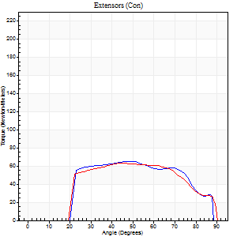
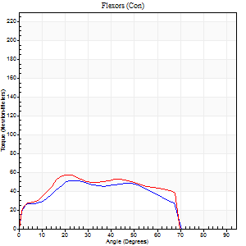
Right Side Curves Left Side Curves
Isokinetic Con/Con |  |  |  | Extensors (Con) |  | Flexors (Con)
Speed 240/240 d/s 3 Reps |  |  |  | Value | Cof Var | %BW | Value | Cof Var | %BW | Ratio

TORQUE PARAMETERS
Peak Torque (Newton-Meters - Best Repetition)
Right |  |  |  | 65 | 0.02 | 66 | 52 | 0.73 | 51 | 79
Left |  |  |  | 62 | 0.05 | 63 | 57 | 0.71 | 57 | 91
Deficit |  |  |  | 4 |  |  | 10
Work per Repetition (Newton-Meters - Best Repetition)
Right |  |  |  | 65 | 0.03 | 66 | 49 | 0.75 | 48 | 75
Left |  |  |  | 64 | 0.08 | 63 | 57 | 0.81 | 57 | 89
Deficit |  |  |  | 2 |  |  | 14
Average Power per Repetition (Watts - Best Repetition)
Right |  |  |  | 124 | 0.06 | 123 | 99 | 0.76 | 99 | 80
Left |  |  |  | 120 | 0.1 | 121 | 109 | 0.83 | 110 | 91
Deficit |  |  |  | 3 |  |  | 9
POSITION PARAMETERS
Joint Angle at Peak Torque (Degrees)
Right |  |  |  | 46 | 0.06 |  | 29 | 0.19
Left |  |  |  | 44 | 0.04 |  | 16 | 0.5
Range of Motion (Degrees)
Right |  |  |  | 1 | 0.63 |  | 89 | 0.01
Left |  |  |  | 1 | 0.58 |  | 89 | 0.01
TIME PARAMETERS
Time to Peak Torque (Seconds)
Right |  |  |  | 0.25 | 0.14 |  | 0.2 | 0.16
Left |  |  |  | 0.26 | 0.03 |  | 0.19 | 0.28
Time Peak Torque Held (Seconds)
Right |  |  |  | 0.01 | 0.43 |  | 0 | 1.73
Left |  |  |  | 0.01 | 1 |  | 0 | 1.73
Force Decay Time (Seconds)
Right |  |  |  | 0.26 | 0.06 |  | 0.29 | 0.04
Left |  |  |  | 0.25 | 0.07 |  | 0.45 | 0.41
Reciprocal Delay (Seconds)
Right |  |  |  | 0.05 | 0.16 |  | 0.1 | 0.1
Left |  |  |  | 0.06 | 0 |  | 0.09 | 0.33
Delay Time (Seconds)
Right |  |  |  | -0.02 | 0 |  | 0.02 | 2.5
Left |  |  |  | -0.01 | 0 |  | -0.03 | -0.58
HUMAC2015® Version: 15.000.0074 © Computer Sports Medicine, Inc. www.csmisolutions.com

Use File, Preference to set Report Heading
Isometric - Knee Extension/Flexion
Name: |  |  |  | TR030FP3031, | ID: | tilvenning | Right/Left: | 21.09.2021 21.09.2021

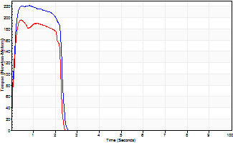
Isometric Extensors (Con) Angle 60 Time 10 Repetition 2 (Best Repetition)
 | Value | Cof Var | %BW
Peak Torque (Newton-Meters)
Right | 221 | 0.02 | 221
Left | 195 | 0 | 194
Deficit | 12
Average Torque (Newton-Meters)
Right | 57 | 0.14 | 57
Left | 45 | 0.1 | 45
Deficit | 21
Peak Torque Slope (Newton-Meters/Seconds)
Right | 276 | 0.01 | 276
Left | 445 | 0.52 | 444 |  | Right Side Curves Left Side Curves
Deficit | 38
Time to Half Peak Torque (Seconds)
Right | 0.11 | 0.06
Left | 0.11 | 0
Time to Peak Torque (Seconds)
Right | 0.78 | 0.01
Left | 0.69 | 0.53
HUMAC2015® Version: 15.000.0074 © Computer Sports Medicine, Inc. www.csmisolutions.com

pre2
Use File, Preference to set Report Heading
Long Form Torque vs. Position Report - Knee Extension/Flexion
Name: |  |  |  | TR030FP3031, | ID: | tilvenning | Right/Left: | 28.09.2021 28.09.2021
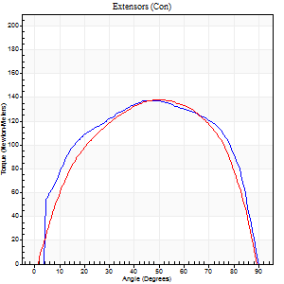
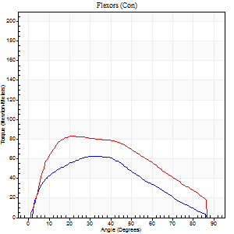
Right Side Curves Left Side Curves
Isokinetic Con/Con |  |  |  | Extensors (Con) |  | Flexors (Con)
Speed 60/60 d/s 3 Reps |  |  |  | Value | Cof Var | %BW | Value | Cof Var | %BW | Ratio

TORQUE PARAMETERS
Peak Torque (Newton-Meters - Best Repetition)
Right |  |  |  | 137 | 0.07 | 137 | 62 | 0.45 | 63 | 46
Left |  |  |  | 138 | 0.06 | 137 | 83 | 0.53 | 83 | 60
Deficit |  |  |  | 1 |  |  | 25
Work per Repetition (Newton-Meters - Best Repetition)
Right |  |  |  | 163 | 0.05 | 164 | 58 | 0.58 | 60 | 36
Left |  |  |  | 155 | 0.06 | 155 | 88 | 0.64 | 89 | 57
Deficit |  |  |  | 5 |  |  | 34
Average Power per Repetition (Watts - Best Repetition)
Right |  |  |  | 104 | 0.07 | 103 | 39 | 0.55 | 40 | 38
Left |  |  |  | 102 | 0.07 | 101 | 57 | 0.62 | 57 | 56
Deficit |  |  |  | 2 |  |  | 32
POSITION PARAMETERS
Joint Angle at Peak Torque (Degrees)
Right |  |  |  | 45 | 0.09 |  | 24 | 0.34
Left |  |  |  | 48 | 0.06 |  | 27 | 0.33
Range of Motion (Degrees)
Right |  |  |  | 0 | -1.41 |  | 90 | 0
Left |  |  |  | 0 | 0.94 |  | 90 | 0
TIME PARAMETERS
Time to Peak Torque (Seconds)
Right |  |  |  | 0.85 | 0.09 |  | 0.37 | 0.38
Left |  |  |  | 0.72 | 0.03 |  | 0.46 | 0.35
Time Peak Torque Held (Seconds)
Right |  |  |  | 0.07 | 0.08 |  | 0.04 | 1.04
Left |  |  |  | 0.08 | 0.22 |  | 0.04 | 1.15
Force Decay Time (Seconds)
Right |  |  |  | 0.72 | 0.08 |  | 1.04 | 0.17
Left |  |  |  | 0.75 | 0.06 |  | 1 | 0.1
Reciprocal Delay (Seconds)
Right |  |  |  | 0.18 | 0.16 |  | 0.16 | 0.13
Left |  |  |  | 0.15 | 0.47 |  | 0.13 | 0.38
Delay Time (Seconds)
Right |  |  |  | -0.06 | -0.24 |  | 0.06 | 0.33
Left |  |  |  | 0 | 0 |  | 0 | 0
HUMAC2015® Version: 15.000.0074 © Computer Sports Medicine, Inc. www.csmisolutions.com

Use File, Preference to set Report Heading
Long Form Torque vs. Position Report - Knee Extension/Flexion
Name: |  |  |  | TR030FP3031, | ID: | tilvenning | Right/Left: | 28.09.2021 28.09.2021
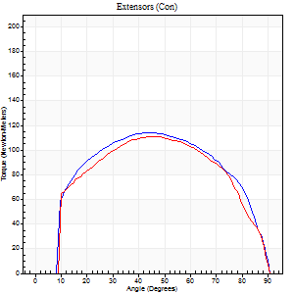
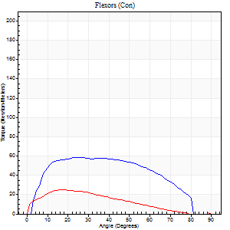
Right Side Curves Left Side Curves
Isokinetic Con/Con |  |  |  | Extensors (Con) |  | Flexors (Con)
Speed 120/120 d/s 3 Reps |  |  |  | Value | Cof Var | %BW | Value | Cof Var | %BW | Ratio

TORQUE PARAMETERS
Peak Torque (Newton-Meters - Best Repetition)
Right |  |  |  | 114 | 0.03 | 113 | 58 | 0.51 | 60 | 51
Left |  |  |  | 111 | 0.06 | 110 | 24 | 0.34 | 24 | 22
Deficit |  |  |  | 2 |  |  | 58
Work per Repetition (Newton-Meters - Best Repetition)
Right |  |  |  | 129 | 0.05 | 128 | 64 | 0.68 | 63 | 49
Left |  |  |  | 122 | 0.06 | 122 | 20 | 0.39 | 21 | 17
Deficit |  |  |  | 5 |  |  | 68
Average Power per Repetition (Watts - Best Repetition)
Right |  |  |  | 154 | 0.07 | 154 | 80 | 0.68 | 79 | 52
Left |  |  |  | 134 | 0.04 | 134 | 24 | 0.41 | 24 | 18
Deficit |  |  |  | 13 |  |  | 70
POSITION PARAMETERS
Joint Angle at Peak Torque (Degrees)
Right |  |  |  | 43 | 0 |  | 24 | 0.42
Left |  |  |  | 46 | 0.02 |  | 23 | 0.28
Range of Motion (Degrees)
Right |  |  |  | 1 | 0.82 |  | 90 | 0.01
Left |  |  |  | 0 | 0.71 |  | 90 | 0
TIME PARAMETERS
Time to Peak Torque (Seconds)
Right |  |  |  | 0.44 | 0.02 |  | 0.22 | 0.36
Left |  |  |  | 0.41 | 0.02 |  | 0.27 | 0.26
Time Peak Torque Held (Seconds)
Right |  |  |  | 0.02 | 0.25 |  | 0.03 | 0.94
Left |  |  |  | 0.02 | 0.25 |  | 0.02 | 0.92
Force Decay Time (Seconds)
Right |  |  |  | 0.37 | 0.07 |  | 0.54 | 0.19
Left |  |  |  | 0.44 | 0 |  | 0.58 | 0.09
Reciprocal Delay (Seconds)
Right |  |  |  | 0.06 | 0.11 |  | 0.1 | 0.46
Left |  |  |  | 0.06 | 0.33 |  | 0.15 | 0.28
Delay Time (Seconds)
Right |  |  |  | -0.01 | -1.41 |  | 0.01 | 1
Left |  |  |  | -0.02 | -0.71 |  | -0.02 | -1.8
HUMAC2015® Version: 15.000.0074 © Computer Sports Medicine, Inc. www.csmisolutions.com

Use File, Preference to set Report Heading
Long Form Torque vs. Position Report - Knee Extension/Flexion
Name: |  |  |  | TR030FP3031, | ID: | tilvenning | Right/Left: | 28.09.2021 28.09.2021
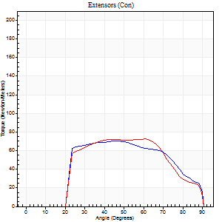
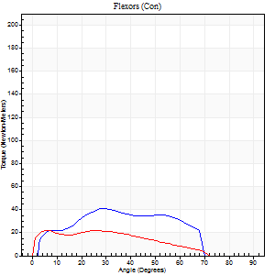
Right Side Curves Left Side Curves
Isokinetic Con/Con |  |  |  | Extensors (Con) |  | Flexors (Con)
Speed 240/240 d/s 3 Reps |  |  |  | Value | Cof Var | %BW | Value | Cof Var | %BW | Ratio

TORQUE PARAMETERS
Peak Torque (Newton-Meters - Best Repetition)
Right |  |  |  | 71 | 0.01 | 72 | 41 | 0.47 | 42 | 58
Left |  |  |  | 72 | 0.06 | 72 | 22 | 0.47 | 21 | 30
Deficit |  |  |  | 2 |  |  | 47
Work per Repetition (Newton-Meters - Best Repetition)
Right |  |  |  | 69 | 0.02 | 69 | 37 | 0.79 | 36 | 53
Left |  |  |  | 69 | 0.12 | 69 | 19 | 0.72 | 18 | 27
Deficit |  |  |  | 0 |  |  | 48
Average Power per Repetition (Watts - Best Repetition)
Right |  |  |  | 137 | 0.04 | 136 | 78 | 0.83 | 77 | 57
Left |  |  |  | 122 | 0.16 | 121 | 38 | 0.79 | 37 | 31
Deficit |  |  |  | 11 |  |  | 51
POSITION PARAMETERS
Joint Angle at Peak Torque (Degrees)
Right |  |  |  | 46 | 0.01 |  | 19 | 0.77
Left |  |  |  | 57 | 0.09 |  | 14 | 1.35
Range of Motion (Degrees)
Right |  |  |  | 1 | 0.53 |  | 89 | 0.01
Left |  |  |  | 0 | 0.16 |  | 89 | 0.01
TIME PARAMETERS
Time to Peak Torque (Seconds)
Right |  |  |  | 0.25 | 0.06 |  | 0.13 | 0.59
Left |  |  |  | 0.25 | 0.31 |  | 0.12 | 0.97
Time Peak Torque Held (Seconds)
Right |  |  |  | 0 | 1.73 |  | 0.01 | 0.87
Left |  |  |  | 0.04 | 1.15 |  | 0.04 | 1.54
Force Decay Time (Seconds)
Right |  |  |  | 0.25 | 0.08 |  | 0.51 | 0.72
Left |  |  |  | 0.29 | 0.16 |  | 0.48 | 0.71
Reciprocal Delay (Seconds)
Right |  |  |  | 0.04 | 0 |  | 0.08 | 0.27
Left |  |  |  | 0.05 | 0.13 |  | 0.1 | 0.1
Delay Time (Seconds)
Right |  |  |  | -0.02 | 0 |  | 0 | -3.46
Left |  |  |  | -0.01 | -0.47 |  | -0.02 | -0.35
HUMAC2015® Version: 15.000.0074 © Computer Sports Medicine, Inc. www.csmisolutions.com

Use File, Preference to set Report Heading
Isometric - Knee Extension/Flexion
Name: |  |  |  | TR030FP3031, | ID: | tilvenning | Right/Left: | 28.09.2021 28.09.2021

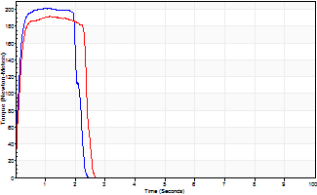
Isometric Extensors (Con) Angle 60 Time 10 Repetition 2 (Best Repetition)
 | Value | Cof Var | %BW
Peak Torque (Newton-Meters)
Right | 201 | 0.01 | 200
Left | 191 | 0.03 | 191
Deficit | 5
Average Torque (Newton-Meters)
Right | 43 | 0.05 | 45
Left | 42 | 0.06 | 42
Deficit | 3
Peak Torque Slope (Newton-Meters/Seconds)
Right | 219 | 0.07 | 219
Left | 167 | 0.17 | 167 |  | Right Side Curves Left Side Curves
Deficit | 24
Time to Half Peak Torque (Seconds)
Right | 0.11 | 0.13
Left | 0.12 | 0
Time to Peak Torque (Seconds)
Right | 0.95 | 0.07
Left | 1.27 | 0.14
HUMAC2015® Version: 15.000.0074 © Computer Sports Medicine, Inc. www.csmisolutions.com

mid1
Use File, Preference to set Report Heading
Long Form Torque vs. Position Report - Knee Extension/Flexion
Name: |  |  |  | TR030FP3031, | ID: | tilvenning | Right/Left: | 12.11.2021 12.11.2021
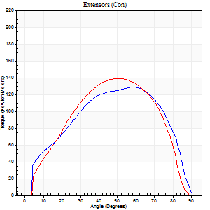
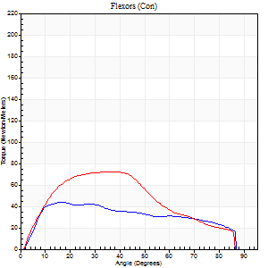
Right Side Curves Left Side Curves
Isokinetic Con/Con |  |  |  | Extensors (Con) |  | Flexors (Con)
Speed 60/60 d/s 3 Reps |  |  |  | Value | Cof Var | %BW | Value | Cof Var | %BW | Ratio

TORQUE PARAMETERS
Peak Torque (Newton-Meters - Best Repetition)
Right |  |  |  | 129 | 0 | 128 | 43 | 0.4 | 45 | 34
Left |  |  |  | 138 | 0.02 | 137 | 72 | 0.6 | 72 | 52
Deficit |  |  |  | 7 |  |  | 40
Work per Repetition (Newton-Meters - Best Repetition)
Right |  |  |  | 152 | 0.05 | 152 | 47 | 0.6 | 48 | 31
Left |  |  |  | 148 | 0.08 | 149 | 80 | 0.72 | 80 | 54
Deficit |  |  |  | 3 |  |  | 41
Average Power per Repetition (Watts - Best Repetition)
Right |  |  |  | 97 | 0.05 | 97 | 31 | 0.58 | 31 | 32
Left |  |  |  | 95 | 0.07 | 95 | 53 | 0.72 | 53 | 56
Deficit |  |  |  | 2 |  |  | 42
POSITION PARAMETERS
Joint Angle at Peak Torque (Degrees)
Right |  |  |  | 55 | 0.1 |  | 15 | 0.5
Left |  |  |  | 48 | 0.14 |  | 34 | 0.46
Range of Motion (Degrees)
Right |  |  |  | 0 | 0.64 |  | 90 | 0
Left |  |  |  | 1 | 0.42 |  | 90 | 0
TIME PARAMETERS
Time to Peak Torque (Seconds)
Right |  |  |  | 0.67 | 0.11 |  | 0.25 | 0.51
Left |  |  |  | 0.64 | 0.03 |  | 0.58 | 0.37
Time Peak Torque Held (Seconds)
Right |  |  |  | 0.06 | 0.44 |  | 0.01 | 0.87
Left |  |  |  | 0.06 | 0.27 |  | 0.07 | 0.71
Force Decay Time (Seconds)
Right |  |  |  | 0.87 | 0.11 |  | 1.25 | 0.05
Left |  |  |  | 0.74 | 0.16 |  | 0.85 | 0.29
Reciprocal Delay (Seconds)
Right |  |  |  | 0.28 | 0.51 |  | 0.19 | 0.22
Left |  |  |  | 0.16 | 0.5 |  | 0.08 | 0.39
Delay Time (Seconds)
Right |  |  |  | -0.04 | -0.71 |  | 0.02 | 1.32
Left |  |  |  | 0.01 | 2.83 |  | 0 | 3.46
HUMAC2015® Version: 15.000.0074 © Computer Sports Medicine, Inc. www.csmisolutions.com

Use File, Preference to set Report Heading
Long Form Torque vs. Position Report - Knee Extension/Flexion
Name: |  |  |  | TR030FP3031, | ID: | tilvenning | Right/Left: | 12.11.2021 12.11.2021
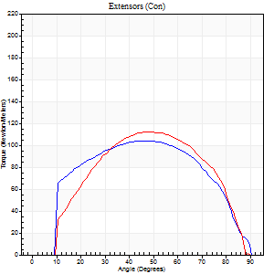
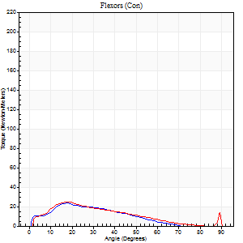
Right Side Curves Left Side Curves
Isokinetic Con/Con |  |  |  | Extensors (Con) |  | Flexors (Con)
Speed 120/120 d/s 3 Reps |  |  |  | Value | Cof Var | %BW | Value | Cof Var | %BW | Ratio

TORQUE PARAMETERS
Peak Torque (Newton-Meters - Best Repetition)
Right |  |  |  | 104 | 0.09 | 104 | 23 | 0.51 | 24 | 22
Left |  |  |  | 113 | 0.03 | 113 | 24 | 0.43 | 24 | 22
Deficit |  |  |  | 7 |  |  | 6
Work per Repetition (Newton-Meters - Best Repetition)
Right |  |  |  | 114 | 0.17 | 113 | 19 | 0.65 | 18 | 17
Left |  |  |  | 113 | 0.02 | 113 | 18 | 0.47 | 18 | 16
Deficit |  |  |  | 1 |  |  | 7
Average Power per Repetition (Watts - Best Repetition)
Right |  |  |  | 132 | 0.21 | 132 | 22 | 0.71 | 22 | 17
Left |  |  |  | 139 | 0.03 | 138 | 21 | 0.51 | 22 | 15
Deficit |  |  |  | 5 |  |  | 5
POSITION PARAMETERS
Joint Angle at Peak Torque (Degrees)
Right |  |  |  | 44 | 0.1 |  | 26 | 0.37
Left |  |  |  | 50 | 0.07 |  | 22 | 0.19
Range of Motion (Degrees)
Right |  |  |  | 1 | 0.71 |  | 90 | 0
Left |  |  |  | 1 | 0.04 |  | 90 | 0
TIME PARAMETERS
Time to Peak Torque (Seconds)
Right |  |  |  | 0.43 | 0.05 |  | 0.29 | 0.28
Left |  |  |  | 0.4 | 0.04 |  | 0.24 | 0.22
Time Peak Torque Held (Seconds)
Right |  |  |  | 0.03 | 0.88 |  | 0 | 1.73
Left |  |  |  | 0.03 | 0.17 |  | 0.01 | 0.87
Force Decay Time (Seconds)
Right |  |  |  | 0.42 | 0.08 |  | 0.69 | 0.24
Left |  |  |  | 0.4 | 0.09 |  | 0.61 | 0.06
Reciprocal Delay (Seconds)
Right |  |  |  | 0.41 | 0.45 |  | 0.14 | 0.18
Left |  |  |  | 0.09 | 0.08 |  | 0.07 | 0.09
Delay Time (Seconds)
Right |  |  |  | -0.03 | -0.47 |  | 0 | 0
Left |  |  |  | 0.06 | 1.41 |  | 0 | 1.73
HUMAC2015® Version: 15.000.0074 © Computer Sports Medicine, Inc. www.csmisolutions.com

Use File, Preference to set Report Heading
Long Form Torque vs. Position Report - Knee Extension/Flexion
Name: |  |  |  | TR030FP3031, | ID: | tilvenning | Right/Left: | 12.11.2021 12.11.2021
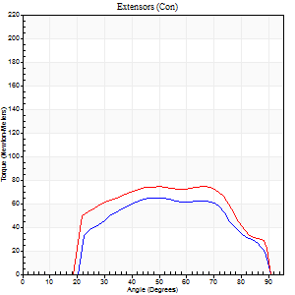
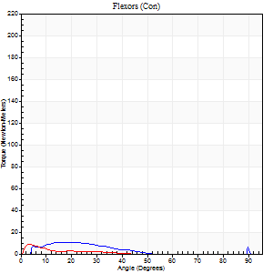
Right Side Curves Left Side Curves
Isokinetic Con/Con |  |  |  | Extensors (Con) |  | Flexors (Con)
Speed 240/240 d/s 3 Reps |  |  |  | Value | Cof Var | %BW | Value | Cof Var | %BW | Ratio

TORQUE PARAMETERS
Peak Torque (Newton-Meters - Best Repetition)
Right |  |  |  | 65 | 0.11 | 66 | 11 | 0.28 | 12 | 17
Left |  |  |  | 75 | 0.12 | 75 | 9 | 0.23 | 9 | 13
Deficit |  |  |  | 13 |  |  | 13
Work per Repetition (Newton-Meters - Best Repetition)
Right |  |  |  | 61 | 0.12 | 60 | 5 | 0.61 | 6 | 9
Left |  |  |  | 76 | 0.2 | 75 | 3 | 0.18 | 3 | 4
Deficit |  |  |  | 20 |  |  | 50
Average Power per Repetition (Watts - Best Repetition)
Right |  |  |  | 104 | 0.09 | 103 | 7 | 0.74 | 7 | 7
Left |  |  |  | 149 | 0.18 | 149 | 2 | 0.25 | 2 | 1
Deficit |  |  |  | 30 |  |  | 71
POSITION PARAMETERS
Joint Angle at Peak Torque (Degrees)
Right |  |  |  | 51 | 0.21 |  | 61 | 0.84
Left |  |  |  | 60 | 0.13 |  | 2 | 0.37
Range of Motion (Degrees)
Right |  |  |  | 2 | 0.26 |  | 90 | 0
Left |  |  |  | 2 | 0.18 |  | 90 | 0
TIME PARAMETERS
Time to Peak Torque (Seconds)
Right |  |  |  | 0.28 | 0.12 |  | 0.61 | 0.82
Left |  |  |  | 0.2 | 0.24 |  | 0.03 | 0.88
Time Peak Torque Held (Seconds)
Right |  |  |  | 0 | 1.73 |  | 0 | 1.73
Left |  |  |  | 0.03 | 1.21 |  | 0 | 1.73
Force Decay Time (Seconds)
Right |  |  |  | 0.26 | 0.19 |  | 0.43 | 1.94
Left |  |  |  | 0.26 | 0.1 |  | 1.03 | 0.17
Reciprocal Delay (Seconds)
Right |  |  |  | 0.24 | 0.21 |  | 0.09 | 0.59
Left |  |  |  | 0.24 | 0.06 |  | 0.05 | 0.11
Delay Time (Seconds)
Right |  |  |  | -0.06 | -0.24 |  | 0.02 | 3.99
Left |  |  |  | -0.02 | 0 |  | -0.02 | -0.25
HUMAC2015® Version: 15.000.0074 © Computer Sports Medicine, Inc. www.csmisolutions.com

Use File, Preference to set Report Heading
Isometric - Knee Extension/Flexion
Name: |  |  |  | TR030FP3031, | ID: | tilvenning | Right/Left: | 12.11.2021 12.11.2021

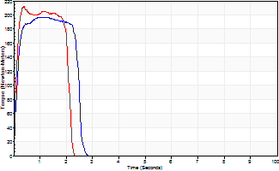
Isometric Extensors (Con) Angle 60 Time 10 Repetition 2 (Best Repetition)
 | Value | Cof Var | %BW
Peak Torque (Newton-Meters)
Right | 197 | 0.01 | 197
Left | 212 | 0.03 | 212
Deficit | 7
Average Torque (Newton-Meters)
Right | 45 | 0.09 | 45
Left | 41 | 0.02 | 42
Deficit | 9
Peak Torque Slope (Newton-Meters/Seconds)
Right | 240 | 0.2 | 240
Left | 543 | 0.61 | 542 |  | Right Side Curves Left Side Curves
Deficit | 56
Time to Half Peak Torque (Seconds)
Right | 0.12 | 0.12
Left | 0.1 | 0.14
Time to Peak Torque (Seconds)
Right | 0.94 | 0.21
Left | 0.65 | 0.59
HUMAC2015® Version: 15.000.0074 © Computer Sports Medicine, Inc. www.csmisolutions.com

mid2
Use File, Preference to set Report Heading
Long Form Torque vs. Position Report - Knee Extension/Flexion
Name: |  |  |  | TR030FP3031, | ID: | tilvenning | Right/Left: | 16.11.2021 16.11.2021
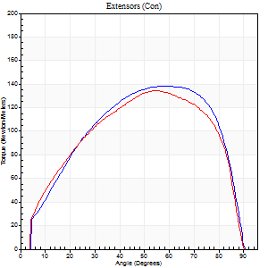
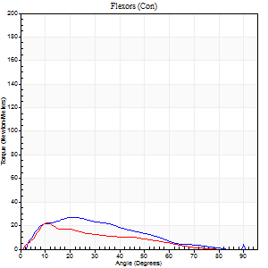
Right Side Curves Left Side Curves
Isokinetic Con/Con |  |  |  | Extensors (Con) |  | Flexors (Con)
Speed 60/60 d/s 3 Reps |  |  |  | Value | Cof Var | %BW | Value | Cof Var | %BW | Ratio

TORQUE PARAMETERS
Peak Torque (Newton-Meters - Best Repetition)
Right |  |  |  | 138 | 0.05 | 137 | 27 | 0.38 | 27 | 20
Left |  |  |  | 134 | 0.01 | 134 | 22 | 0.11 | 21 | 16
Deficit |  |  |  | 3 |  |  | 20
Work per Repetition (Newton-Meters - Best Repetition)
Right |  |  |  | 153 | 0.03 | 152 | 20 | 0.38 | 21 | 13
Left |  |  |  | 148 | 0.03 | 149 | 16 | 0.11 | 15 | 11
Deficit |  |  |  | 4 |  |  | 20
Average Power per Repetition (Watts - Best Repetition)
Right |  |  |  | 99 | 0.03 | 99 | 13 | 0.35 | 13 | 13
Left |  |  |  | 96 | 0.02 | 97 | 10 | 0.11 | 11 | 10
Deficit |  |  |  | 3 |  |  | 23
POSITION PARAMETERS
Joint Angle at Peak Torque (Degrees)
Right |  |  |  | 59 | 0.16 |  | 14 | 0.52
Left |  |  |  | 54 | 0.01 |  | 13 | 0.22
Range of Motion (Degrees)
Right |  |  |  | 0 | 0.35 |  | 90 | 0
Left |  |  |  | 1 | 0.26 |  | 90 | 0
TIME PARAMETERS
Time to Peak Torque (Seconds)
Right |  |  |  | 0.54 | 0.43 |  | 0.23 | 0.48
Left |  |  |  | 0.61 | 0.01 |  | 0.23 | 0.19
Time Peak Torque Held (Seconds)
Right |  |  |  | 0.06 | 0.78 |  | 0.02 | 1.73
Left |  |  |  | 0.06 | 0.2 |  | 0 | 0
Force Decay Time (Seconds)
Right |  |  |  | 0.93 | 0.17 |  | 1.28 | 0.06
Left |  |  |  | 0.85 | 0.02 |  | 1.35 | 0.1
Reciprocal Delay (Seconds)
Right |  |  |  | 0.23 | 0.27 |  | 0.18 | 0.38
Left |  |  |  | 0.25 | 0.2 |  | 0.08 | 0.07
Delay Time (Seconds)
Right |  |  |  | -0.01 | 0 |  | 0.04 | 1.26
Left |  |  |  | 0 | 0 |  | 0.01 | 1
HUMAC2015® Version: 15.000.0074 © Computer Sports Medicine, Inc. www.csmisolutions.com

Use File, Preference to set Report Heading
Long Form Torque vs. Position Report - Knee Extension/Flexion
Name: |  |  |  | TR030FP3031, | ID: | tilvenning | Right/Left: | 16.11.2021 16.11.2021
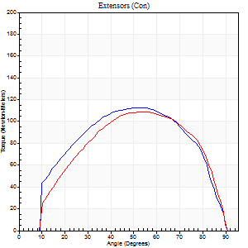
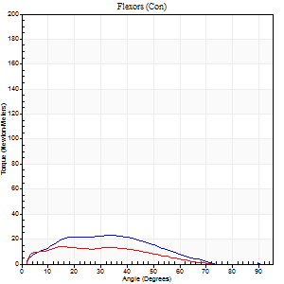
Right Side Curves Left Side Curves
Isokinetic Con/Con |  |  |  | Extensors (Con) |  | Flexors (Con)
Speed 120/120 d/s 3 Reps |  |  |  | Value | Cof Var | %BW | Value | Cof Var | %BW | Ratio

TORQUE PARAMETERS
Peak Torque (Newton-Meters - Best Repetition)
Right |  |  |  | 113 | 0.05 | 113 | 23 | 0.61 | 24 | 20
Left |  |  |  | 108 | 0.01 | 107 | 14 | 0.44 | 15 | 12
Deficit |  |  |  | 4 |  |  | 41
Work per Repetition (Newton-Meters - Best Repetition)
Right |  |  |  | 121 | 0.04 | 119 | 19 | 0.79 | 18 | 16
Left |  |  |  | 117 | 0.08 | 116 | 11 | 0.75 | 12 | 9
Deficit |  |  |  | 3 |  |  | 43
Average Power per Repetition (Watts - Best Repetition)
Right |  |  |  | 145 | 0.04 | 145 | 20 | 0.79 | 20 | 14
Left |  |  |  | 139 | 0.08 | 138 | 14 | 0.95 | 13 | 10
Deficit |  |  |  | 4 |  |  | 30
POSITION PARAMETERS
Joint Angle at Peak Torque (Degrees)
Right |  |  |  | 53 | 0.03 |  | 18 | 0.76
Left |  |  |  | 54 | 0.01 |  | 12 | 0.75
Range of Motion (Degrees)
Right |  |  |  | 1 | 0.12 |  | 90 | 0
Left |  |  |  | 1 | 0.08 |  | 90 | 0
TIME PARAMETERS
Time to Peak Torque (Seconds)
Right |  |  |  | 0.36 | 0.06 |  | 0.19 | 0.64
Left |  |  |  | 0.34 | 0.02 |  | 0.13 | 0.81
Time Peak Torque Held (Seconds)
Right |  |  |  | 0.03 | 0.35 |  | 0.02 | 0.92
Left |  |  |  | 0.04 | 0.43 |  | 0.01 | 1
Force Decay Time (Seconds)
Right |  |  |  | 0.43 | 0.04 |  | 0.74 | 0.36
Left |  |  |  | 0.44 | 0.05 |  | 1.08 | 0.46
Reciprocal Delay (Seconds)
Right |  |  |  | 0.27 | 0.1 |  | 0.1 | 0.34
Left |  |  |  | 0.37 | 0.19 |  | 0.07 | 0.25
Delay Time (Seconds)
Right |  |  |  | -0.01 | -0.47 |  | 0.02 | 0.5
Left |  |  |  | -0.01 | -0.47 |  | 0.01 | 1.73
HUMAC2015® Version: 15.000.0074 © Computer Sports Medicine, Inc. www.csmisolutions.com

Use File, Preference to set Report Heading
Long Form Torque vs. Position Report - Knee Extension/Flexion
Name: |  |  |  | TR030FP3031, | ID: | tilvenning | Right/Left: | 16.11.2021 16.11.2021
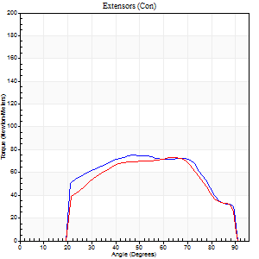
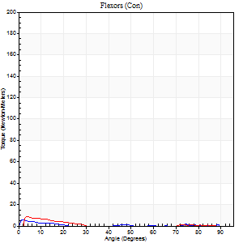
Right Side Curves Left Side Curves
Isokinetic Con/Con |  |  |  | Extensors (Con) |  | Flexors (Con)
Speed 240/240 d/s 3 Reps |  |  |  | Value | Cof Var | %BW | Value | Cof Var | %BW | Ratio

TORQUE PARAMETERS
Peak Torque (Newton-Meters - Best Repetition)
Right |  |  |  | 75 | 0.03 | 75 | 5 | 0.28 | 6 | 7
Left |  |  |  | 73 | 0.03 | 75 | 8 | 0.19 | 9 | 11
Deficit |  |  |  | 2 |  |  | 33
Work per Repetition (Newton-Meters - Best Repetition)
Right |  |  |  | 76 | 0.04 | 75 | 3 | 0.39 | 3 | 4
Left |  |  |  | 71 | 0.01 | 72 | 3 | 0.26 | 3 | 4
Deficit |  |  |  | 7 |  |  | 0
Average Power per Repetition (Watts - Best Repetition)
Right |  |  |  | 145 | 0.26 | 145 | 1 | 0.54 | 0 | 1
Left |  |  |  | 139 | 0.01 | 138 | 2 | 0.16 | 2 | 1
Deficit |  |  |  | 4 |  |  | 50
POSITION PARAMETERS
Joint Angle at Peak Torque (Degrees)
Right |  |  |  | 48 | 0.01 |  | 12 | 1.28
Left |  |  |  | 61 | 0.15 |  | 3 | 0.42
Range of Motion (Degrees)
Right |  |  |  | 1 | 0.53 |  | 90 | 0
Left |  |  |  | 1 | 0.25 |  | 90 | 0
TIME PARAMETERS
Time to Peak Torque (Seconds)
Right |  |  |  | 0.25 | 0 |  | 0.09 | 0.88
Left |  |  |  | 0.18 | 0.04 |  | 0.1 | 0.53
Time Peak Torque Held (Seconds)
Right |  |  |  | 0.01 | 0 |  | 0 | 0
Left |  |  |  | 0.02 | 0.35 |  | 0 | 1.73
Force Decay Time (Seconds)
Right |  |  |  | 0.4 | 0.36 |  | 1.77 | 0.26
Left |  |  |  | 0.29 | 0.15 |  | 1.31 | 0.12
Reciprocal Delay (Seconds)
Right |  |  |  | 0.5 | 0.24 |  | 0.17 | 0.68
Left |  |  |  | 0.63 | 0.21 |  | 0.1 | 0.3
Delay Time (Seconds)
Right |  |  |  | -0.02 | 0 |  | 0.15 | 2.5
Left |  |  |  | -0.02 | 0 |  | -0.05 | -0.35
HUMAC2015® Version: 15.000.0074 © Computer Sports Medicine, Inc. www.csmisolutions.com

Use File, Preference to set Report Heading
Isometric - Knee Extension/Flexion
Name: |  |  |  | TR030FP3031, | ID: | tilvenning | Right/Left: | 16.11.2021 16.11.2021

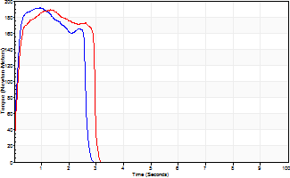
Isometric Extensors (Con) Angle 60 Time 10 Repetition 2 (Best Repetition)
 | Value | Cof Var | %BW
Peak Torque (Newton-Meters)
Right | 191 | 0.03 | 191
Left | 188 | 0 | 188
Deficit | 1
Average Torque (Newton-Meters)
Right | 49 | 0.07 | 48
Left | 50 | 0.03 | 51
Deficit | 3
Peak Torque Slope (Newton-Meters/Seconds)
Right | 236 | 0.11 | 235
Left | 460 | 0.75 | 460 |  | Right Side Curves Left Side Curves
Deficit | 49
Time to Half Peak Torque (Seconds)
Right | 0.11 | 0.07
Left | 0.11 | 0.18
Time to Peak Torque (Seconds)
Right | 0.86 | 0.14
Left | 0.86 | 0.76
HUMAC2015® Version: 15.000.0074 © Computer Sports Medicine, Inc. www.csmisolutions.com

post1
Use File, Preference to set Report Heading
Long Form Torque vs. Position Report - Knee Extension/Flexion
Name: |  |  |  | TR030FP3031, | ID: | tilvenning | Right/Left: | 03.12.2021 03.12.2021
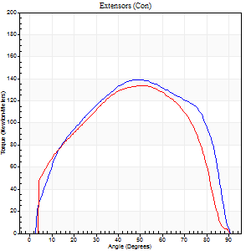
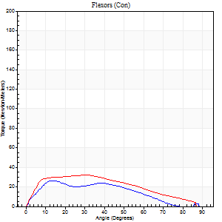
Right Side Curves Left Side Curves
Isokinetic Con/Con |  |  |  | Extensors (Con) |  | Flexors (Con)
Speed 60/60 d/s 3 Reps |  |  |  | Value | Cof Var | %BW | Value | Cof Var | %BW | Ratio

TORQUE PARAMETERS
Peak Torque (Newton-Meters - Best Repetition)
Right |  |  |  | 140 | 0.02 | 140 | 26 | 0.18 | 27 | 18
Left |  |  |  | 134 | 0.01 | 134 | 33 | 0.34 | 33 | 24
Deficit |  |  |  | 4 |  |  | 21
Work per Repetition (Newton-Meters - Best Repetition)
Right |  |  |  | 163 | 0.02 | 164 | 23 | 0.25 | 24 | 14
Left |  |  |  | 145 | 0.02 | 146 | 33 | 0.41 | 33 | 22
Deficit |  |  |  | 11 |  |  | 29
Average Power per Repetition (Watts - Best Repetition)
Right |  |  |  | 105 | 0.04 | 105 | 12 | 0.13 | 11 | 11
Left |  |  |  | 91 | 0.01 | 90 | 20 | 0.38 | 20 | 22
Deficit |  |  |  | 13 |  |  | 40
POSITION PARAMETERS
Joint Angle at Peak Torque (Degrees)
Right |  |  |  | 49 | 0 |  | 20 | 0.73
Left |  |  |  | 51 | 0.01 |  | 22 | 0.49
Range of Motion (Degrees)
Right |  |  |  | 1 | 0.07 |  | 90 | 0
Left |  |  |  | 0 | 0.47 |  | 90 | 0
TIME PARAMETERS
Time to Peak Torque (Seconds)
Right |  |  |  | 0.72 | 0.02 |  | 0.33 | 0.65
Left |  |  |  | 0.72 | 0.07 |  | 0.4 | 0.46
Time Peak Torque Held (Seconds)
Right |  |  |  | 0.06 | 0.29 |  | 0.02 | 0.89
Left |  |  |  | 0.06 | 0.54 |  | 0.06 | 1.15
Force Decay Time (Seconds)
Right |  |  |  | 0.77 | 0.02 |  | 1.3 | 0.25
Left |  |  |  | 0.81 | 0.04 |  | 1.09 | 0.13
Reciprocal Delay (Seconds)
Right |  |  |  | 0.54 | 0.08 |  | 0.13 | 0.58
Left |  |  |  | 0.45 | 0.28 |  | 0.15 | 0.27
Delay Time (Seconds)
Right |  |  |  | -0.02 | -0.28 |  | 0.02 | 2.11
Left |  |  |  | -0.02 | -0.28 |  | -0.01 | -2
HUMAC2015® Version: 15.000.0074 © Computer Sports Medicine, Inc. www.csmisolutions.com

Use File, Preference to set Report Heading
Long Form Torque vs. Position Report - Knee Extension/Flexion
Name: |  |  |  | TR030FP3031, | ID: | tilvenning | Right/Left: | 03.12.2021 03.12.2021
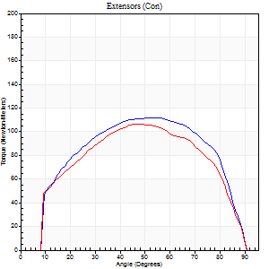
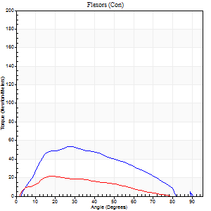
Right Side Curves Left Side Curves
Isokinetic Con/Con |  |  |  | Extensors (Con) |  | Flexors (Con)
Speed 120/120 d/s 3 Reps |  |  |  | Value | Cof Var | %BW | Value | Cof Var | %BW | Ratio

TORQUE PARAMETERS
Peak Torque (Newton-Meters - Best Repetition)
Right |  |  |  | 111 | 0 | 110 | 54 | 0.56 | 54 | 49
Left |  |  |  | 107 | 0.02 | 107 | 22 | 0.26 | 21 | 20
Deficit |  |  |  | 4 |  |  | 60
Work per Repetition (Newton-Meters - Best Repetition)
Right |  |  |  | 125 | 0.01 | 125 | 49 | 0.7 | 48 | 39
Left |  |  |  | 115 | 0.03 | 116 | 16 | 0.36 | 15 | 14
Deficit |  |  |  | 8 |  |  | 67
Average Power per Repetition (Watts - Best Repetition)
Right |  |  |  | 153 | 0.06 | 154 | 46 | 0.57 | 46 | 30
Left |  |  |  | 135 | 0.02 | 134 | 21 | 0.48 | 22 | 16
Deficit |  |  |  | 12 |  |  | 54
POSITION PARAMETERS
Joint Angle at Peak Torque (Degrees)
Right |  |  |  | 49 | 0.05 |  | 28 | 0.32
Left |  |  |  | 48 | 0.01 |  | 24 | 0.36
Range of Motion (Degrees)
Right |  |  |  | 1 | 0.07 |  | 90 | 0
Left |  |  |  | 1 | 0.04 |  | 90 | 0
TIME PARAMETERS
Time to Peak Torque (Seconds)
Right |  |  |  | 0.44 | 0.13 |  | 0.24 | 0.27
Left |  |  |  | 0.43 | 0.02 |  | 0.25 | 0.27
Time Peak Torque Held (Seconds)
Right |  |  |  | 0.04 | 0.25 |  | 0.01 | 1
Left |  |  |  | 0.03 | 0.22 |  | 0.01 | 0.87
Force Decay Time (Seconds)
Right |  |  |  | 0.38 | 0.05 |  | 0.66 | 0.19
Left |  |  |  | 0.39 | 0.03 |  | 0.73 | 0.18
Reciprocal Delay (Seconds)
Right |  |  |  | 0.43 | 0.78 |  | 0.08 | 0.08
Left |  |  |  | 0.38 | 0.06 |  | 0.08 | 0.25
Delay Time (Seconds)
Right |  |  |  | -0.05 | -0.79 |  | 0.05 | 0.45
Left |  |  |  | -0.04 | -0.2 |  | 0.01 | 0.87
HUMAC2015® Version: 15.000.0074 © Computer Sports Medicine, Inc. www.csmisolutions.com

Use File, Preference to set Report Heading
Long Form Torque vs. Position Report - Knee Extension/Flexion
Name: |  |  |  | TR030FP3031, | ID: | tilvenning | Right/Left: | 03.12.2021 03.12.2021
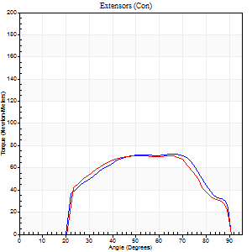
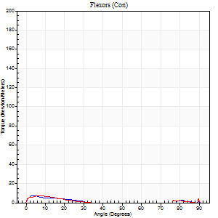
Right Side Curves Left Side Curves
Isokinetic Con/Con |  |  |  | Extensors (Con) |  | Flexors (Con)
Speed 240/240 d/s 3 Reps |  |  |  | Value | Cof Var | %BW | Value | Cof Var | %BW | Ratio

TORQUE PARAMETERS
Peak Torque (Newton-Meters - Best Repetition)
Right |  |  |  | 72 | 0.03 | 72 | 7 | 0.29 | 6 | 9
Left |  |  |  | 71 | 0.08 | 72 | 7 | 0.12 | 6 | 10
Deficit |  |  |  | 2 |  |  | 0
Work per Repetition (Newton-Meters - Best Repetition)
Right |  |  |  | 71 | 0.02 | 72 | 3 | 0.37 | 3 | 4
Left |  |  |  | 69 | 0.09 | 69 | 3 | 0.21 | 3 | 4
Deficit |  |  |  | 2 |  |  | 0
Average Power per Repetition (Watts - Best Repetition)
Right |  |  |  | 136 | 0.15 | 136 | 2 | 0.17 | 2 | 1
Left |  |  |  | 134 | 0.2 | 134 | 2 | 0.14 | 2 | 1
Deficit |  |  |  | 1 |  |  | 0
POSITION PARAMETERS
Joint Angle at Peak Torque (Degrees)
Right |  |  |  | 56 | 0.16 |  | 32 | 1.55
Left |  |  |  | 55 | 0.12 |  | 10 | 0.43
Range of Motion (Degrees)
Right |  |  |  | 2 | 0 |  | 90 | 0
Left |  |  |  | 2 | 0.12 |  | 90 | 0
TIME PARAMETERS
Time to Peak Torque (Seconds)
Right |  |  |  | 0.22 | 0.19 |  | 0.44 | 1.44
Left |  |  |  | 0.23 | 0.12 |  | 0.25 | 0.18
Time Peak Torque Held (Seconds)
Right |  |  |  | 0.03 | 1.15 |  | 0 | 0
Left |  |  |  | 0.03 | 1.15 |  | 0 | 0
Force Decay Time (Seconds)
Right |  |  |  | 0.3 | 0.3 |  | 0.83 | 0.84
Left |  |  |  | 0.29 | 0.27 |  | 1.27 | 0.29
Reciprocal Delay (Seconds)
Right |  |  |  | 0.52 | 0.08 |  | 0.08 | 0.48
Left |  |  |  | 0.51 | 0.03 |  | 0.12 | 0.55
Delay Time (Seconds)
Right |  |  |  | -0.04 | -0.2 |  | -0.01 | -0.87
Left |  |  |  | -0.04 | -0.2 |  | -0.05 | -0.45
HUMAC2015® Version: 15.000.0074 © Computer Sports Medicine, Inc. www.csmisolutions.com

Use File, Preference to set Report Heading
Isometric - Knee Extension/Flexion
Name: |  |  |  | TR030FP3031, | ID: | tilvenning | Right/Left: | 03.12.2021 03.12.2021

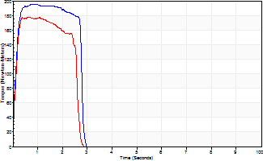
Isometric Extensors (Con) Angle 60 Time 10 Repetition 2 (Best Repetition)
 | Value | Cof Var | %BW
Peak Torque (Newton-Meters)
Right | 195 | 0.04 | 194
Left | 178 | 0.02 | 179
Deficit | 9
Average Torque (Newton-Meters)
Right | 50 | 0.03 | 51
Left | 43 | 0.03 | 45
Deficit | 14
Peak Torque Slope (Newton-Meters/Seconds)
Right | 272 | 0.04 | 272
Left | 257 | 0.29 | 257 |  | Right Side Curves Left Side Curves
Deficit | 6
Time to Half Peak Torque (Seconds)
Right | 0.11 | 0
Left | 0.11 | 0.06
Time to Peak Torque (Seconds)
Right | 0.71 | 0.08
Left | 0.85 | 0.28
HUMAC2015® Version: 15.000.0074 © Computer Sports Medicine, Inc. www.csmisolutions.com

post2
Use File, Preference to set Report Heading
Long Form Torque vs. Position Report - Knee Extension/Flexion
Name: |  |  |  | TR030FP3031, | ID: | tilvenning | Right/Left: | 09.12.2021 09.12.2021
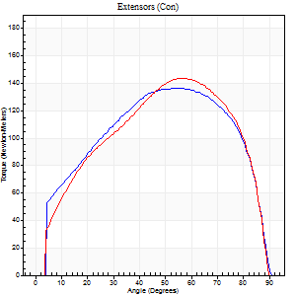
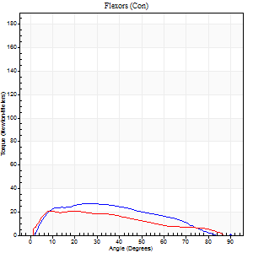
Right Side Curves Left Side Curves
Isokinetic Con/Con |  |  |  | Extensors (Con) |  | Flexors (Con)
Speed 60/60 d/s 3 Reps |  |  |  | Value | Cof Var | %BW | Value | Cof Var | %BW | Ratio

TORQUE PARAMETERS
Peak Torque (Newton-Meters - Best Repetition)
Right |  |  |  | 137 | 0.02 | 137 | 27 | 0.35 | 27 | 20
Left |  |  |  | 144 | 0.84 | 143 | 20 | 0.44 | 21 | 14
Deficit |  |  |  | 5 |  |  | 25
Work per Repetition (Newton-Meters - Best Repetition)
Right |  |  |  | 159 | 0.02 | 158 | 26 | 0.48 | 27 | 16
Left |  |  |  | 156 | 0.86 | 155 | 19 | 0.99 | 18 | 12
Deficit |  |  |  | 2 |  |  | 26
Average Power per Repetition (Watts - Best Repetition)
Right |  |  |  | 100 | 0.01 | 99 | 16 | 0.5 | 15 | 16
Left |  |  |  | 101 | 0.86 | 101 | 13 | 0.9 | 13 | 13
Deficit |  |  |  | 1 |  |  | 19
POSITION PARAMETERS
Joint Angle at Peak Torque (Degrees)
Right |  |  |  | 51 | 0.06 |  | 27 | 0.09
Left |  |  |  | 64 | 0.26 |  | 34 | 1.2
Range of Motion (Degrees)
Right |  |  |  | 0 | 1.41 |  | 90 | 0
Left |  |  |  | 33 | 1.4 |  | 88 | 0.05
TIME PARAMETERS
Time to Peak Torque (Seconds)
Right |  |  |  | 0.71 | 0.09 |  | 0.46 | 0.09
Left |  |  |  | 0.34 | 1.21 |  | 0.34 | 0.66
Time Peak Torque Held (Seconds)
Right |  |  |  | 0.08 | 0.15 |  | 0.03 | 1.73
Left |  |  |  | 0.05 | 0.87 |  | 0.01 | 1
Force Decay Time (Seconds)
Right |  |  |  | 0.81 | 0.05 |  | 1.1 | 0.19
Left |  |  |  | 0.78 | 0.19 |  | 0.92 | 0.69
Reciprocal Delay (Seconds)
Right |  |  |  | 0.5 | 0.14 |  | 0.2 | 0.15
Left |  |  |  | 0.44 | 0.93 |  | 0.18 | 0.34
Delay Time (Seconds)
Right |  |  |  | -0.01 | -0.47 |  | 0.05 | 0.11
Left |  |  |  | -0.04 | -1.77 |  | -0.05 | -1.44
HUMAC2015® Version: 15.000.0074 © Computer Sports Medicine, Inc. www.csmisolutions.com

Use File, Preference to set Report Heading
Long Form Torque vs. Position Report - Knee Extension/Flexion
Name: |  |  |  | TR030FP3031, | ID: | tilvenning | Right/Left: | 09.12.2021 09.12.2021
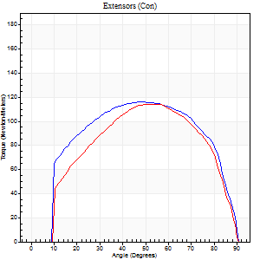
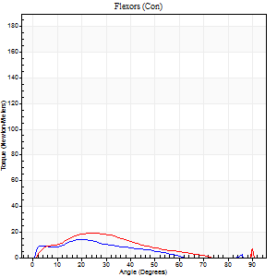
Right Side Curves Left Side Curves
Isokinetic Con/Con |  |  |  | Extensors (Con) |  | Flexors (Con)
Speed 120/120 d/s 3 Reps |  |  |  | Value | Cof Var | %BW | Value | Cof Var | %BW | Ratio

TORQUE PARAMETERS
Peak Torque (Newton-Meters - Best Repetition)
Right |  |  |  | 117 | 0.01 | 116 | 15 | 0.34 | 15 | 13
Left |  |  |  | 114 | 0.04 | 113 | 19 | 0.34 | 18 | 17
Deficit |  |  |  | 2 |  |  | 21
Work per Repetition (Newton-Meters - Best Repetition)
Right |  |  |  | 133 | 0.01 | 134 | 9 | 0.45 | 9 | 7
Left |  |  |  | 121 | 0.01 | 119 | 14 | 0.48 | 15 | 11
Deficit |  |  |  | 9 |  |  | 30
Average Power per Repetition (Watts - Best Repetition)
Right |  |  |  | 148 | 0.01 | 147 | 9 | 0.45 | 9 | 6
Left |  |  |  | 148 | 0.03 | 147 | 12 | 0.56 | 11 | 8
Deficit |  |  |  | 0 |  |  | 25
POSITION PARAMETERS
Joint Angle at Peak Torque (Degrees)
Right |  |  |  | 46 | 0.03 |  | 21 | 0.14
Left |  |  |  | 52 | 0.05 |  | 20 | 0.23
Range of Motion (Degrees)
Right |  |  |  | 0 | 0.2 |  | 90 | 0
Left |  |  |  | 1 | 0.04 |  | 90 | 0
TIME PARAMETERS
Time to Peak Torque (Seconds)
Right |  |  |  | 0.41 | 0.02 |  | 0.24 | 0.12
Left |  |  |  | 0.38 | 0.09 |  | 0.24 | 0.22
Time Peak Torque Held (Seconds)
Right |  |  |  | 0.03 | 0.17 |  | 0.01 | 1.73
Left |  |  |  | 0.04 | 0.42 |  | 0.01 | 1.73
Force Decay Time (Seconds)
Right |  |  |  | 0.44 | 0.03 |  | 0.81 | 0.11
Left |  |  |  | 0.42 | 0.04 |  | 0.88 | 0.34
Reciprocal Delay (Seconds)
Right |  |  |  | 0.35 | 0.06 |  | 0.12 | 0.12
Left |  |  |  | 0.37 | 0.08 |  | 0.12 | 0.43
Delay Time (Seconds)
Right |  |  |  | -0.01 | 0 |  | 0.02 | 0.87
Left |  |  |  | -0.01 | -1.41 |  | -0.01 | -3.12
HUMAC2015® Version: 15.000.0074 © Computer Sports Medicine, Inc. www.csmisolutions.com

Use File, Preference to set Report Heading
Long Form Torque vs. Position Report - Knee Extension/Flexion
Name: |  |  |  | TR030FP3031, | ID: | tilvenning | Right/Left: | 09.12.2021 09.12.2021
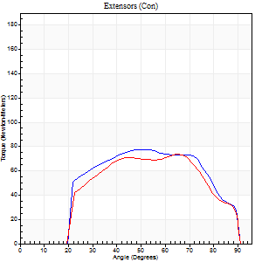
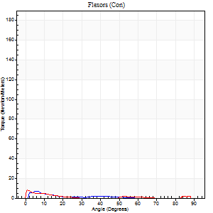
Right Side Curves Left Side Curves
Isokinetic Con/Con |  |  |  | Extensors (Con) |  | Flexors (Con)
Speed 240/240 d/s 3 Reps |  |  |  | Value | Cof Var | %BW | Value | Cof Var | %BW | Ratio

TORQUE PARAMETERS
Peak Torque (Newton-Meters - Best Repetition)
Right |  |  |  | 77 | 0.02 | 77 | 7 | 0.53 | 6 | 9
Left |  |  |  | 73 | 0.01 | 75 | 8 | 0.2 | 9 | 11
Deficit |  |  |  | 5 |  |  | 17
Work per Repetition (Newton-Meters - Best Repetition)
Right |  |  |  | 77 | 0.02 | 77 | 3 | 0.33 | 3 | 4
Left |  |  |  | 73 | 0.02 | 75 | 1 | 0.37 | 0 | 2
Deficit |  |  |  | 5 |  |  | 50
Average Power per Repetition (Watts - Best Repetition)
Right |  |  |  | 153 | 0.02 | 154 | 2 | 0.47 | 2 | 1
Left |  |  |  | 143 | 0.07 | 143 | 1 | 0.38 | 0 | 1
Deficit |  |  |  | 7 |  |  | 50
POSITION PARAMETERS
Joint Angle at Peak Torque (Degrees)
Right |  |  |  | 51 | 0.01 |  | 8 | 0.64
Left |  |  |  | 65 | 0.03 |  | 3 | 0.91
Range of Motion (Degrees)
Right |  |  |  | 2 | 0.06 |  | 90 | 0
Left |  |  |  | 2 | 0.08 |  | 90 | 0
TIME PARAMETERS
Time to Peak Torque (Seconds)
Right |  |  |  | 0.23 | 0.03 |  | 0.17 | 0.5
Left |  |  |  | 0.17 | 0.08 |  | 0.06 | 1.04
Time Peak Torque Held (Seconds)
Right |  |  |  | 0.01 | 0.43 |  | 0.01 | 1.73
Left |  |  |  | 0.03 | 1.21 |  | 0.01 | 1.15
Force Decay Time (Seconds)
Right |  |  |  | 0.25 | 0.02 |  | 1.15 | 0.2
Left |  |  |  | 0.31 | 0.03 |  | 1.46 | 0.15
Reciprocal Delay (Seconds)
Right |  |  |  | 0.39 | 0.04 |  | 0.12 | 0.61
Left |  |  |  | 0.36 | 0.22 |  | 0.08 | 0.49
Delay Time (Seconds)
Right |  |  |  | -0.01 | -0.47 |  | 0 | -10.54
Left |  |  |  | -0.01 | -0.47 |  | -0.02 | -0.25
HUMAC2015® Version: 15.000.0074 © Computer Sports Medicine, Inc. www.csmisolutions.com

Use File, Preference to set Report Heading
Isometric - Knee Extension/Flexion
Name: |  |  |  | TR030FP3031, | ID: | tilvenning | Right/Left: | 09.12.2021 09.12.2021

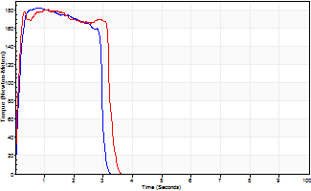
Isometric Extensors (Con) Angle 60 Time 10 Repetition 2 (Best Repetition)
 | Value | Cof Var | %BW
Peak Torque (Newton-Meters)
Right | 182 | 0.01 | 182
Left | 180 | 0.01 | 179
Deficit | 1
Average Torque (Newton-Meters)
Right | 52 | 0.04 | 51
Left | 56 | 0.02 | 57
Deficit | 7
Peak Torque Slope (Newton-Meters/Seconds)
Right | 237 | 0.18 | 237
Left | 269 | 0.36 | 268 |  | Right Side Curves Left Side Curves
Deficit | 12
Time to Half Peak Torque (Seconds)
Right | 0.12 | 0.06
Left | 0.11 | 0.07
Time to Peak Torque (Seconds)
Right | 0.87 | 0.17
Left | 0.88 | 0.38
HUMAC2015® Version: 15.000.0074 © Computer Sports Medicine, Inc. www.csmisolutions.com

