pre1
Use File, Preference to set Report Heading
Long Form Torque vs. Position Report - Knee Extension/Flexion
Name: |  |  |  | TR030FP3032, | ID: |  | Right/Left: | 20.09.2021 20.09.2021
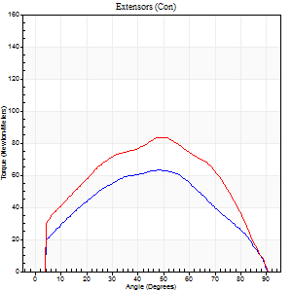
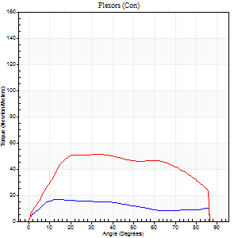
Right Side Curves Left Side Curves
Isokinetic Con/Con |  |  |  | Extensors (Con) |  | Flexors (Con)
Speed 60/60 d/s 3 Reps |  |  |  | Value | Cof Var | %BW | Value | Cof Var | %BW | Ratio

TORQUE PARAMETERS
Peak Torque (Newton-Meters - Best Repetition)
Right |  |  |  | 64 | 0.04 | 83 | 16 | 0.18 | 21 | 26
Left |  |  |  | 84 | 0.03 | 110 | 52 | 0.47 | 69 | 61
Deficit |  |  |  | 24 |  |  | 68
Work per Repetition (Newton-Meters - Best Repetition)
Right |  |  |  | 66 | 0.12 | 86 | 18 | 0.27 | 24 | 27
Left |  |  |  | 89 | 0.04 | 119 | 61 | 0.58 | 80 | 68
Deficit |  |  |  | 26 |  |  | 71
Average Power per Repetition (Watts - Best Repetition)
Right |  |  |  | 41 | 0.12 | 55 | 11 | 0.31 | 15 | 27
Left |  |  |  | 57 | 0.05 | 75 | 39 | 0.57 | 51 | 68
Deficit |  |  |  | 28 |  |  | 72
POSITION PARAMETERS
Joint Angle at Peak Torque (Degrees)
Right |  |  |  | 49 | 0.26 |  | 20 | 0.6
Left |  |  |  | 56 | 0.11 |  | 30 | 0.25
Range of Motion (Degrees)
Right |  |  |  | 0 | 1.41 |  | 90 | 0
Left |  |  |  | 0 | 1.41 |  | 90 | 0
TIME PARAMETERS
Time to Peak Torque (Seconds)
Right |  |  |  | 0.86 | 0.16 |  | 0.41 | 0.48
Left |  |  |  | 0.63 | 0.21 |  | 0.55 | 0.23
Time Peak Torque Held (Seconds)
Right |  |  |  | 0.02 | 0.5 |  | 0.71 | 1.73
Left |  |  |  | 0.05 | 0.11 |  | 0.02 | 1.73
Force Decay Time (Seconds)
Right |  |  |  | 0.85 | 0.26 |  | 0.75 | 0.8
Left |  |  |  | 0.93 | 0.1 |  | 1.01 | 0.1
Reciprocal Delay (Seconds)
Right |  |  |  | 0.35 | 0.38 |  | 0.49 | 0.29
Left |  |  |  | 0.28 | 0.37 |  | 0.39 | 0.38
Delay Time (Seconds)
Right |  |  |  | -0.02 | -0.28 |  | -0.04 | -0.66
Left |  |  |  | 0 | -4.24 |  | -0.02 | -0.65
HUMAC2015® Version: 15.000.0074 © Computer Sports Medicine, Inc. www.csmisolutions.com

Use File, Preference to set Report Heading
Long Form Torque vs. Position Report - Knee Extension/Flexion
Name: |  |  |  | TR030FP3032, | ID: |  | Right/Left: | 20.09.2021 20.09.2021
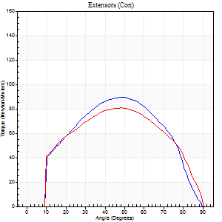
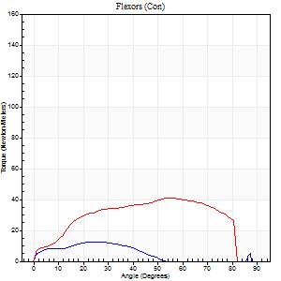
Right Side Curves Left Side Curves
Isokinetic Con/Con |  |  |  | Extensors (Con) |  | Flexors (Con)
Speed 120/120 d/s 3 Reps |  |  |  | Value | Cof Var | %BW | Value | Cof Var | %BW | Ratio

TORQUE PARAMETERS
Peak Torque (Newton-Meters - Best Repetition)
Right |  |  |  | 89 | 0.04 | 119 | 12 | 0.08 | 15 | 14
Left |  |  |  | 80 | 0.1 | 104 | 41 | 0.41 | 54 | 51
Deficit |  |  |  | 11 |  |  | 70
Work per Repetition (Newton-Meters - Best Repetition)
Right |  |  |  | 95 | 0.08 | 125 | 11 | 0.19 | 15 | 11
Left |  |  |  | 85 | 0.07 | 113 | 43 | 0.52 | 57 | 51
Deficit |  |  |  | 10 |  |  | 75
Average Power per Repetition (Watts - Best Repetition)
Right |  |  |  | 102 | 0.14 | 134 | 12 | 0.31 | 15 | 12
Left |  |  |  | 95 | 0.06 | 125 | 48 | 0.5 | 64 | 51
Deficit |  |  |  | 7 |  |  | 75
POSITION PARAMETERS
Joint Angle at Peak Torque (Degrees)
Right |  |  |  | 48 | 0.02 |  | 42 | 0.73
Left |  |  |  | 47 | 0.05 |  | 51 | 0.29
Range of Motion (Degrees)
Right |  |  |  | 0 | 0 |  | 90 | 0
Left |  |  |  | 0 | 0.2 |  | 90 | 0
TIME PARAMETERS
Time to Peak Torque (Seconds)
Right |  |  |  | 0.56 | 0.25 |  | 0.47 | 0.54
Left |  |  |  | 0.42 | 0.03 |  | 0.53 | 0.25
Time Peak Torque Held (Seconds)
Right |  |  |  | 0.03 | 0.78 |  | 0 | 0
Left |  |  |  | 0.05 | 0.25 |  | 0.02 | 0.92
Force Decay Time (Seconds)
Right |  |  |  | 0.46 | 0.09 |  | 0.55 | 0.69
Left |  |  |  | 0.42 | 0.04 |  | 0.35 | 0.27
Reciprocal Delay (Seconds)
Right |  |  |  | 0.34 | 0.39 |  | 0.23 | 0.13
Left |  |  |  | 0.18 | 0.24 |  | 0.16 | 0.18
Delay Time (Seconds)
Right |  |  |  | -0.1 | -0.71 |  | -0.01 | -1.73
Left |  |  |  | -0.01 | -0.47 |  | -0.02 | -0.25
HUMAC2015® Version: 15.000.0074 © Computer Sports Medicine, Inc. www.csmisolutions.com

Use File, Preference to set Report Heading
Long Form Torque vs. Position Report - Knee Extension/Flexion
Name: |  |  |  | TR030FP3032, | ID: |  | Right/Left: | 20.09.2021 20.09.2021
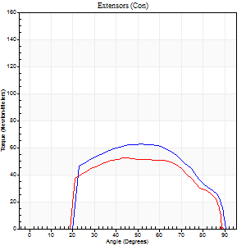
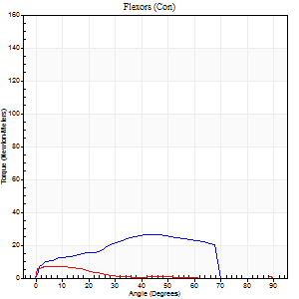
Right Side Curves Left Side Curves
Isokinetic Con/Con |  |  |  | Extensors (Con) |  | Flexors (Con)
Speed 240/240 d/s 3 Reps |  |  |  | Value | Cof Var | %BW | Value | Cof Var | %BW | Ratio

TORQUE PARAMETERS
Peak Torque (Newton-Meters - Best Repetition)
Right |  |  |  | 62 | 0.08 | 83 | 26 | 0.65 | 33 | 41
Left |  |  |  | 53 | 0.08 | 69 | 7 | 0.1 | 9 | 13
Deficit |  |  |  | 15 |  |  | 74
Work per Repetition (Newton-Meters - Best Repetition)
Right |  |  |  | 61 | 0.09 | 80 | 23 | 0.78 | 30 | 38
Left |  |  |  | 53 | 0.08 | 69 | 4 | 0.27 | 6 | 8
Deficit |  |  |  | 13 |  |  | 82
Average Power per Repetition (Watts - Best Repetition)
Right |  |  |  | 96 | 0.1 | 125 | 37 | 0.86 | 48 | 39
Left |  |  |  | 79 | 0.17 | 103 | 4 | 0.33 | 4 | 5
Deficit |  |  |  | 18 |  |  | 89
POSITION PARAMETERS
Joint Angle at Peak Torque (Degrees)
Right |  |  |  | 53 | 0.03 |  | 32 | 0.72
Left |  |  |  | 47 | 0.1 |  | 10 | 0.58
Range of Motion (Degrees)
Right |  |  |  | 0 | 0.88 |  | 90 | 0
Left |  |  |  | 1 | 1.1 |  | 90 | 0.01
TIME PARAMETERS
Time to Peak Torque (Seconds)
Right |  |  |  | 0.31 | 0.02 |  | 0.35 | 0.12
Left |  |  |  | 0.5 | 0.33 |  | 0.28 | 0.28
Time Peak Torque Held (Seconds)
Right |  |  |  | 0.02 | 1 |  | 0.01 | 1
Left |  |  |  | 0 | 1.73 |  | 0.02 | 1.73
Force Decay Time (Seconds)
Right |  |  |  | 0.3 | 0.08 |  | 0.57 | 0.9
Left |  |  |  | 0.29 | 0.15 |  | 0.62 | 0.06
Reciprocal Delay (Seconds)
Right |  |  |  | 0.17 | 0.12 |  | 0.19 | 0.54
Left |  |  |  | 0.45 | 1.13 |  | 0.16 | 0.61
Delay Time (Seconds)
Right |  |  |  | -0.06 | -0.24 |  | -0.02 | -1.5
Left |  |  |  | 0.28 | 1.57 |  | -0.06 | -0.58
HUMAC2015® Version: 15.000.0074 © Computer Sports Medicine, Inc. www.csmisolutions.com

Use File, Preference to set Report Heading
Isometric - Knee Extension/Flexion
Name: |  |  |  | TR030FP3032, | ID: |  | Right/Left: | 20.09.2021 20.09.2021

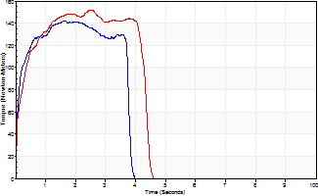
Isometric Extensors (Con) Angle 60 Time 10 Repetition 2 (Best Repetition)
 | Value | Cof Var | %BW
Peak Torque (Newton-Meters)
Right | 142 | 0.06 | 188
Left | 152 | 0.09 | 200
Deficit | 6
Average Torque (Newton-Meters)
Right | 49 | 0.01 | 66
Left | 58 | 0.16 | 77
Deficit | 16
Peak Torque Slope (Newton-Meters/Seconds)
Right | 89 | 0.1 | 117
Left | 60 | 0.09 | 79 |  | Right Side Curves Left Side Curves
Deficit | 33
Time to Half Peak Torque (Seconds)
Right | 0.1 | 0
Left | 0.18 | 0.2
Time to Peak Torque (Seconds)
Right | 1.63 | 0.04
Left | 2.52 | 0.01
HUMAC2015® Version: 15.000.0074 © Computer Sports Medicine, Inc. www.csmisolutions.com

pre2
Use File, Preference to set Report Heading
Long Form Torque vs. Position Report - Knee Extension/Flexion
Name: |  |  |  | TR030FP3032, | ID: |  | Right/Left: | 30.09.2021 30.09.2021
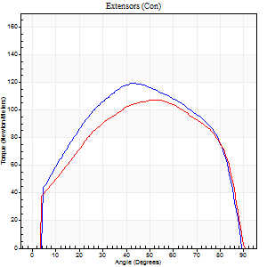
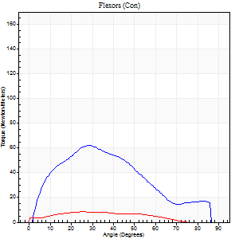
Right Side Curves Left Side Curves
Isokinetic Con/Con |  |  |  | Extensors (Con) |  | Flexors (Con)
Speed 60/60 d/s 3 Reps |  |  |  | Value | Cof Var | %BW | Value | Cof Var | %BW | Ratio

TORQUE PARAMETERS
Peak Torque (Newton-Meters - Best Repetition)
Right |  |  |  | 119 | 0.01 | 158 | 62 | 0.68 | 83 | 52
Left |  |  |  | 107 | 0.02 | 140 | 8 | 0.47 | 12 | 8
Deficit |  |  |  | 10 |  |  | 87
Work per Repetition (Newton-Meters - Best Repetition)
Right |  |  |  | 138 | 0.02 | 182 | 56 | 0.72 | 75 | 40
Left |  |  |  | 123 | 0.04 | 161 | 7 | 0.78 | 9 | 5
Deficit |  |  |  | 11 |  |  | 88
Average Power per Repetition (Watts - Best Repetition)
Right |  |  |  | 91 | 0.04 | 119 | 36 | 0.72 | 48 | 40
Left |  |  |  | 78 | 0.05 | 103 | 5 | 1.03 | 7 | 6
Deficit |  |  |  | 14 |  |  | 86
POSITION PARAMETERS
Joint Angle at Peak Torque (Degrees)
Right |  |  |  | 44 | 0.08 |  | 37 | 0.46
Left |  |  |  | 53 | 0.03 |  | 18 | 0.76
Range of Motion (Degrees)
Right |  |  |  | 0 | 2.83 |  | 90 | 0
Left |  |  |  | 0 | 0 |  | 90 | 0
TIME PARAMETERS
Time to Peak Torque (Seconds)
Right |  |  |  | 0.8 | 0.01 |  | 0.63 | 0.37
Left |  |  |  | 0.65 | 0.01 |  | 0.5 | 0.26
Time Peak Torque Held (Seconds)
Right |  |  |  | 0.07 | 0.69 |  | 0.04 | 0.66
Left |  |  |  | 0.05 | 0.25 |  | 0 | 0
Force Decay Time (Seconds)
Right |  |  |  | 0.69 | 0.03 |  | 0.84 | 0.29
Left |  |  |  | 0.9 | 0.03 |  | 1.93 | 0.48
Reciprocal Delay (Seconds)
Right |  |  |  | 0.2 | 0.1 |  | 0.26 | 0.86
Left |  |  |  | 0.62 | 0.26 |  | 0.71 | 0.11
Delay Time (Seconds)
Right |  |  |  | 0.01 | 1.41 |  | 0.02 | 3.08
Left |  |  |  | -0.01 | -0.47 |  | -0.12 | -0.88
HUMAC2015® Version: 15.000.0074 © Computer Sports Medicine, Inc. www.csmisolutions.com

Use File, Preference to set Report Heading
Long Form Torque vs. Position Report - Knee Extension/Flexion
Name: |  |  |  | TR030FP3032, | ID: |  | Right/Left: | 30.09.2021 30.09.2021
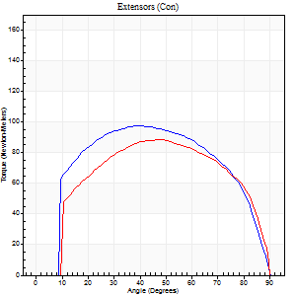
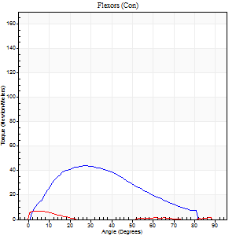
Right Side Curves Left Side Curves
Isokinetic Con/Con |  |  |  | Extensors (Con) |  | Flexors (Con)
Speed 120/120 d/s 3 Reps |  |  |  | Value | Cof Var | %BW | Value | Cof Var | %BW | Ratio

TORQUE PARAMETERS
Peak Torque (Newton-Meters - Best Repetition)
Right |  |  |  | 98 | 0.01 | 128 | 43 | 0.87 | 57 | 44
Left |  |  |  | 88 | 0.04 | 116 | 7 | 0.43 | 9 | 8
Deficit |  |  |  | 10 |  |  | 84
Work per Repetition (Newton-Meters - Best Repetition)
Right |  |  |  | 111 | 0.01 | 146 | 38 | 0.99 | 51 | 34
Left |  |  |  | 99 | 0.04 | 131 | 3 | 0.22 | 3 | 3
Deficit |  |  |  | 11 |  |  | 93
Average Power per Repetition (Watts - Best Repetition)
Right |  |  |  | 125 | 0.01 | 165 | 44 | 1.02 | 57 | 35
Left |  |  |  | 111 | 0.05 | 145 | 1 | 0.21 | 2 | 1
Deficit |  |  |  | 11 |  |  | 98
POSITION PARAMETERS
Joint Angle at Peak Torque (Degrees)
Right |  |  |  | 41 | 0.07 |  | 21 | 0.22
Left |  |  |  | 48 | 0.02 |  | 3 | 0.75
Range of Motion (Degrees)
Right |  |  |  | 0 | 1.41 |  | 90 | 0
Left |  |  |  | 0 | -0.47 |  | 90 | 0
TIME PARAMETERS
Time to Peak Torque (Seconds)
Right |  |  |  | 0.45 | 0.13 |  | 0.26 | 0.08
Left |  |  |  | 0.39 | 0.02 |  | 0.16 | 0.29
Time Peak Torque Held (Seconds)
Right |  |  |  | 0.04 | 0.42 |  | 0.01 | 1.73
Left |  |  |  | 0.03 | 0.43 |  | 0.19 | 1.6
Force Decay Time (Seconds)
Right |  |  |  | 0.38 | 0.05 |  | 0.61 | 0.06
Left |  |  |  | 0.47 | 0.03 |  | 1.52 | 0.29
Reciprocal Delay (Seconds)
Right |  |  |  | 0.12 | 0.06 |  | 0.25 | 0.33
Left |  |  |  | 0.39 | 0.29 |  | 0.72 | 0.19
Delay Time (Seconds)
Right |  |  |  | -0.01 | -1.41 |  | 0 | 0
Left |  |  |  | -0.01 | -1.41 |  | -0.07 | -0.57
HUMAC2015® Version: 15.000.0074 © Computer Sports Medicine, Inc. www.csmisolutions.com

Use File, Preference to set Report Heading
Long Form Torque vs. Position Report - Knee Extension/Flexion
Name: |  |  |  | TR030FP3032, | ID: |  | Right/Left: | 30.09.2021 30.09.2021
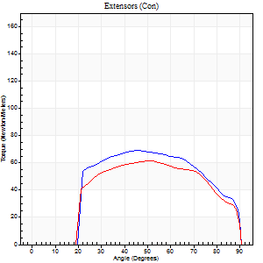
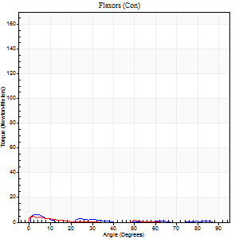
Right Side Curves Left Side Curves
Isokinetic Con/Con |  |  |  | Extensors (Con) |  | Flexors (Con)
Speed 240/240 d/s 3 Reps |  |  |  | Value | Cof Var | %BW | Value | Cof Var | %BW | Ratio

TORQUE PARAMETERS
Peak Torque (Newton-Meters - Best Repetition)
Right |  |  |  | 69 | 0.01 | 92 | 7 | 0.08 | 9 | 10
Left |  |  |  | 61 | 0.15 | 80 | 4 | 0.19 | 6 | 7
Deficit |  |  |  | 12 |  |  | 40
Work per Repetition (Newton-Meters - Best Repetition)
Right |  |  |  | 71 | 0.01 | 92 | 3 | 0.28 | 3 | 4
Left |  |  |  | 62 | 0.14 | 83 | 1 | 0.04 | 3 | 2
Deficit |  |  |  | 12 |  |  | 50
Average Power per Repetition (Watts - Best Repetition)
Right |  |  |  | 120 | 0.02 | 158 | 2 | 0.31 | 2 | 2
Left |  |  |  | 107 | 0.14 | 141 | 1 | 0.24 | 2 | 1
Deficit |  |  |  | 11 |  |  | 50
POSITION PARAMETERS
Joint Angle at Peak Torque (Degrees)
Right |  |  |  | 45 | 0.02 |  | 6 | 0.59
Left |  |  |  | 50 | 0.09 |  | 2 | 1.11
Range of Motion (Degrees)
Right |  |  |  | 0 | 0 |  | 90 | 0
Left |  |  |  | 0 | -0.47 |  | 90 | 0
TIME PARAMETERS
Time to Peak Torque (Seconds)
Right |  |  |  | 0.28 | 0.03 |  | 0.22 | 0.44
Left |  |  |  | 0.27 | 0.19 |  | 0.19 | 0.85
Time Peak Torque Held (Seconds)
Right |  |  |  | 0.01 | 0 |  | 0.02 | 1.25
Left |  |  |  | 0.01 | 1.73 |  | 0 | 0
Force Decay Time (Seconds)
Right |  |  |  | 0.29 | 0.02 |  | 1.12 | 0.27
Left |  |  |  | 0.32 | 0.05 |  | 1.89 | 0.28
Reciprocal Delay (Seconds)
Right |  |  |  | 0.65 | 0 |  | 0.48 | 0.43
Left |  |  |  | 0.52 | 0.33 |  | 0.83 | 0.05
Delay Time (Seconds)
Right |  |  |  | -0.02 | -0.28 |  | -0.07 | -0.98
Left |  |  |  | -0.03 | -0.47 |  | -0.08 | -0.18
HUMAC2015® Version: 15.000.0074 © Computer Sports Medicine, Inc. www.csmisolutions.com

Use File, Preference to set Report Heading
Isometric - Knee Extension/Flexion
Name: |  |  |  | TR030FP3032, | ID: |  | Right/Left: | 30.09.2021 30.09.2021

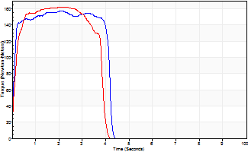
Isometric Extensors (Con) Angle 60 Time 10 Repetition 2 (Best Repetition)
 | Value | Cof Var | %BW
Peak Torque (Newton-Meters)
Right | 157 | 0.05 | 206
Left | 163 | 0.1 | 215
Deficit | 3
Average Torque (Newton-Meters)
Right | 61 | 0.15 | 80
Left | 57 | 0.05 | 75
Deficit | 7
Peak Torque Slope (Newton-Meters/Seconds)
Right | 76 | 0.16 | 99
Left | 81 | 0.35 | 106 |  | Right Side Curves Left Side Curves
Deficit | 6
Time to Half Peak Torque (Seconds)
Right | 0.08 | 0.09
Left | 0.14 | 0
Time to Peak Torque (Seconds)
Right | 2.25 | 0.11
Left | 2.44 | 0.26
HUMAC2015® Version: 15.000.0074 © Computer Sports Medicine, Inc. www.csmisolutions.com

mid1
Use File, Preference to set Report Heading
Long Form Torque vs. Position Report - Knee Extension/Flexion
Name: |  |  |  | TR030FP3032, | ID: |  | Right/Left: | 03.11.2021 03.11.2021
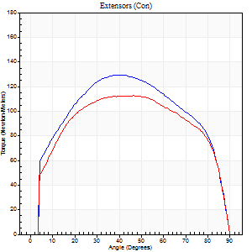
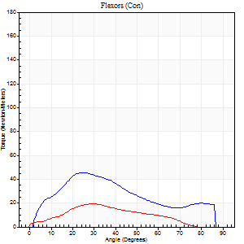
Right Side Curves Left Side Curves
Isokinetic Con/Con |  |  |  | Extensors (Con) |  | Flexors (Con)
Speed 60/60 d/s 3 Reps |  |  |  | Value | Cof Var | %BW | Value | Cof Var | %BW | Ratio

TORQUE PARAMETERS
Peak Torque (Newton-Meters - Best Repetition)
Right |  |  |  | 129 | 0.04 | 170 | 46 | 0.48 | 60 | 36
Left |  |  |  | 113 | 0.02 | 149 | 19 | 0.36 | 24 | 17
Deficit |  |  |  | 13 |  |  | 59
Work per Repetition (Newton-Meters - Best Repetition)
Right |  |  |  | 152 | 0.02 | 200 | 41 | 0.42 | 54 | 27
Left |  |  |  | 137 | 0.02 | 179 | 15 | 0.43 | 21 | 11
Deficit |  |  |  | 10 |  |  | 63
Average Power per Repetition (Watts - Best Repetition)
Right |  |  |  | 97 | 0.02 | 127 | 27 | 0.4 | 35 | 28
Left |  |  |  | 87 | 0.03 | 114 | 9 | 0.59 | 11 | 10
Deficit |  |  |  | 10 |  |  | 67
POSITION PARAMETERS
Joint Angle at Peak Torque (Degrees)
Right |  |  |  | 41 | 0.05 |  | 50 | 0.64
Left |  |  |  | 47 | 0.1 |  | 25 | 0.19
Range of Motion (Degrees)
Right |  |  |  | 0 | 4.24 |  | 90 | 0
Left |  |  |  | 0 | 0 |  | 90 | 0
TIME PARAMETERS
Time to Peak Torque (Seconds)
Right |  |  |  | 0.84 | 0.03 |  | 0.81 | 0.64
Left |  |  |  | 0.77 | 0.06 |  | 0.56 | 0.2
Time Peak Torque Held (Seconds)
Right |  |  |  | 0.06 | 0.44 |  | 0.02 | 0.99
Left |  |  |  | 0.1 | 0.46 |  | 0.03 | 0.87
Force Decay Time (Seconds)
Right |  |  |  | 0.67 | 0.07 |  | 0.66 | 0.78
Left |  |  |  | 0.74 | 0.18 |  | 1.4 | 0.29
Reciprocal Delay (Seconds)
Right |  |  |  | 0.23 | 0.27 |  | 0.2 | 0.05
Left |  |  |  | 0.96 | 0.19 |  | 0.46 | 0.08
Delay Time (Seconds)
Right |  |  |  | 0.01 | 1.41 |  | 0.05 | 0.4
Left |  |  |  | 0 | 0 |  | -0.05 | -0.29
HUMAC2015® Version: 15.000.0074 © Computer Sports Medicine, Inc. www.csmisolutions.com

Use File, Preference to set Report Heading
Long Form Torque vs. Position Report - Knee Extension/Flexion
Name: |  |  |  | TR030FP3032, | ID: |  | Right/Left: | 03.11.2021 03.11.2021
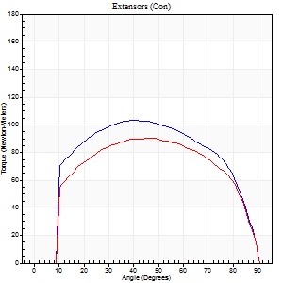
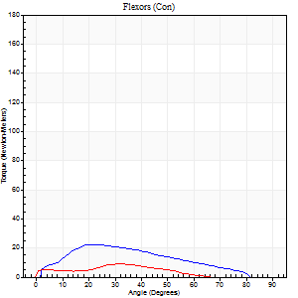
Right Side Curves Left Side Curves
Isokinetic Con/Con |  |  |  | Extensors (Con) |  | Flexors (Con)
Speed 120/120 d/s 3 Reps |  |  |  | Value | Cof Var | %BW | Value | Cof Var | %BW | Ratio

TORQUE PARAMETERS
Peak Torque (Newton-Meters - Best Repetition)
Right |  |  |  | 103 | 0.03 | 137 | 22 | 0.53 | 30 | 21
Left |  |  |  | 91 | 0.01 | 119 | 9 | 0.55 | 12 | 10
Deficit |  |  |  | 12 |  |  | 56
Work per Repetition (Newton-Meters - Best Repetition)
Right |  |  |  | 119 | 0.04 | 158 | 19 | 0.51 | 24 | 16
Left |  |  |  | 104 | 0.02 | 137 | 5 | 0.74 | 6 | 5
Deficit |  |  |  | 13 |  |  | 71
Average Power per Repetition (Watts - Best Repetition)
Right |  |  |  | 135 | 0.06 | 178 | 22 | 0.54 | 29 | 16
Left |  |  |  | 118 | 0.04 | 156 | 6 | 1.05 | 9 | 5
Deficit |  |  |  | 13 |  |  | 73
POSITION PARAMETERS
Joint Angle at Peak Torque (Degrees)
Right |  |  |  | 40 | 0.01 |  | 25 | 0.23
Left |  |  |  | 47 | 0.04 |  | 13 | 1.32
Range of Motion (Degrees)
Right |  |  |  | 0 | 1.41 |  | 90 | 0
Left |  |  |  | 0 | 0 |  | 90 | 0
TIME PARAMETERS
Time to Peak Torque (Seconds)
Right |  |  |  | 0.49 | 0.07 |  | 0.29 | 0.33
Left |  |  |  | 0.41 | 0.02 |  | 0.3 | 0.74
Time Peak Torque Held (Seconds)
Right |  |  |  | 0.02 | 0.5 |  | 0.01 | 1.73
Left |  |  |  | 0.05 | 0.6 |  | 0.68 | 1.68
Force Decay Time (Seconds)
Right |  |  |  | 0.38 | 0.05 |  | 0.58 | 0.15
Left |  |  |  | 0.43 | 0.11 |  | 0.64 | 0.79
Reciprocal Delay (Seconds)
Right |  |  |  | 0.14 | 0.37 |  | 0.21 | 0.18
Left |  |  |  | 0.92 | 0.02 |  | 0.48 | 0.26
Delay Time (Seconds)
Right |  |  |  | -0.02 | -0.85 |  | 0.03 | 0.57
Left |  |  |  | 0 | -1.41 |  | -0.1 | -0.11
HUMAC2015® Version: 15.000.0074 © Computer Sports Medicine, Inc. www.csmisolutions.com

Use File, Preference to set Report Heading
Long Form Torque vs. Position Report - Knee Extension/Flexion
Name: |  |  |  | TR030FP3032, | ID: |  | Right/Left: | 03.11.2021 03.11.2021

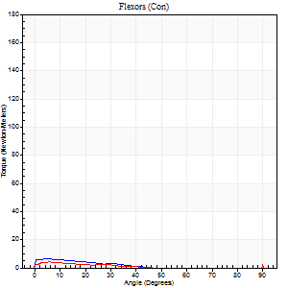
Right Side Curves Left Side Curves
Isokinetic Con/Con |  |  |  | Extensors (Con) |  | Flexors (Con)
Speed 240/240 d/s 3 Reps |  |  |  | Value | Cof Var | %BW | Value | Cof Var | %BW | Ratio

TORQUE PARAMETERS
Peak Torque (Newton-Meters - Best Repetition)
Right |  |  |  | 71 | 0.02 | 92 | 7 | 0.25 | 9 | 10
Left |  |  |  | 64 | 0.02 | 83 | 14 | 0.42 | 18 | 21
Deficit |  |  |  | 10 |  |  | 50
Work per Repetition (Newton-Meters - Best Repetition)
Right |  |  |  | 75 | 0.02 | 98 | 3 | 0.14 | 3 | 4
Left |  |  |  | 64 | 0.01 | 83 | 4 | 0.53 | 6 | 6
Deficit |  |  |  | 15 |  |  | 33
Average Power per Repetition (Watts - Best Repetition)
Right |  |  |  | 131 | 0.04 | 171 | 3 | 0.27 | 4 | 2
Left |  |  |  | 109 | 0.01 | 143 | 5 | 0.86 | 7 | 5
Deficit |  |  |  | 17 |  |  | 40
POSITION PARAMETERS
Joint Angle at Peak Torque (Degrees)
Right |  |  |  | 43 | 0.01 |  | 5 | 0.08
Left |  |  |  | 47 | 0 |  | 61 | 0.83
Range of Motion (Degrees)
Right |  |  |  | 0 | 0 |  | 90 | 0
Left |  |  |  | 0 | 0 |  | 90 | 0
TIME PARAMETERS
Time to Peak Torque (Seconds)
Right |  |  |  | 0.28 | 0.03 |  | 0.23 | 0.24
Left |  |  |  | 0.26 | 0.03 |  | 1.3 | 0.74
Time Peak Torque Held (Seconds)
Right |  |  |  | 0.01 | 0.87 |  | 0.06 | 1.3
Left |  |  |  | 0.01 | 0.43 |  | 0.12 | 1.33
Force Decay Time (Seconds)
Right |  |  |  | 0.29 | 0.05 |  | 0.95 | 0.31
Left |  |  |  | 0.3 | 0 |  | -0.18 | -2.6
Reciprocal Delay (Seconds)
Right |  |  |  | 0.6 | 0.12 |  | 0.59 | 0.29
Left |  |  |  | 0.76 | 0.07 |  | 0.58 | 0.14
Delay Time (Seconds)
Right |  |  |  | -0.02 | -0.28 |  | -0.08 | -0.38
Left |  |  |  | -0.02 | -0.28 |  | -0.12 | -0.18
HUMAC2015® Version: 15.000.0074 © Computer Sports Medicine, Inc. www.csmisolutions.com

Use File, Preference to set Report Heading
Isometric - Knee Extension/Flexion
Name: |  |  |  | TR030FP3032, | ID: |  | Right/Left: | 03.11.2021 03.11.2021

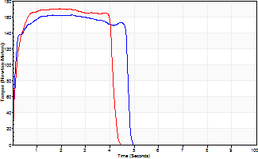
Isometric Extensors (Con) Angle 60 Time 10 Repetition 2 (Best Repetition)
 | Value | Cof Var | %BW
Peak Torque (Newton-Meters)
Right | 163 | 0.01 | 215
Left | 170 | 0.02 | 224
Deficit | 4
Average Torque (Newton-Meters)
Right | 73 | 0.01 | 95
Left | 69 | 0.03 | 92
Deficit | 6
Peak Torque Slope (Newton-Meters/Seconds)
Right | 76 | 0.1 | 100
Left | 89 | 0.17 | 117 |  | Right Side Curves Left Side Curves
Deficit | 14
Time to Half Peak Torque (Seconds)
Right | 0.09 | 0.07
Left | 0.13 | 0
Time to Peak Torque (Seconds)
Right | 2.28 | 0.11
Left | 2.13 | 0.15
HUMAC2015® Version: 15.000.0074 © Computer Sports Medicine, Inc. www.csmisolutions.com

mid2
Use File, Preference to set Report Heading
Long Form Torque vs. Position Report - Knee Extension/Flexion
Name: |  |  |  | TR030FP3032, | ID: |  | Right/Left: | 05.11.2021 05.11.2021
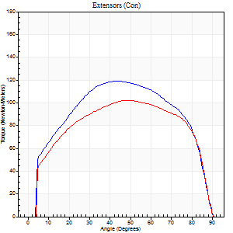
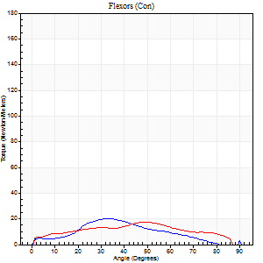
Right Side Curves Left Side Curves
Isokinetic Con/Con |  |  |  | Extensors (Con) |  | Flexors (Con)
Speed 60/60 d/s 3 Reps |  |  |  | Value | Cof Var | %BW | Value | Cof Var | %BW | Ratio

TORQUE PARAMETERS
Peak Torque (Newton-Meters - Best Repetition)
Right |  |  |  | 119 | 0.01 | 158 | 20 | 0.42 | 27 | 17
Left |  |  |  | 102 | 0 | 134 | 18 | 0.2 | 24 | 17
Deficit |  |  |  | 15 |  |  | 13
Work per Repetition (Newton-Meters - Best Repetition)
Right |  |  |  | 140 | 0.03 | 185 | 15 | 0.4 | 21 | 11
Left |  |  |  | 122 | 0.03 | 161 | 18 | 0.21 | 24 | 14
Deficit |  |  |  | 13 |  |  | 15
Average Power per Repetition (Watts - Best Repetition)
Right |  |  |  | 87 | 0.43 | 114 | 8 | 0.33 | 11 | 9
Left |  |  |  | 77 | 0.02 | 101 | 11 | 0.25 | 15 | 14
Deficit |  |  |  | 11 |  |  | 27
POSITION PARAMETERS
Joint Angle at Peak Torque (Degrees)
Right |  |  |  | 45 | 0.07 |  | 27 | 0.54
Left |  |  |  | 54 | 0.05 |  | 44 | 0.09
Range of Motion (Degrees)
Right |  |  |  | 0 | 1.41 |  | 90 | 0
Left |  |  |  | 0 | 1.41 |  | 90 | 0
TIME PARAMETERS
Time to Peak Torque (Seconds)
Right |  |  |  | 0.81 | 0.03 |  | 0.49 | 0.52
Left |  |  |  | 0.64 | 0.11 |  | 0.79 | 0.08
Time Peak Torque Held (Seconds)
Right |  |  |  | 0.09 | 0.29 |  | 0.03 | 0.67
Left |  |  |  | 0.09 | 0.07 |  | 0.03 | 0.67
Force Decay Time (Seconds)
Right |  |  |  | 0.7 | 0.04 |  | 1.1 | 0.3
Left |  |  |  | 0.85 | 0.05 |  | 0.75 | 0.21
Reciprocal Delay (Seconds)
Right |  |  |  | 0.59 | 0.02 |  | 0.28 | 0.25
Left |  |  |  | 0.57 | 0.18 |  | 0.26 | 0.21
Delay Time (Seconds)
Right |  |  |  | -0.01 | -1.41 |  | 0.01 | 3.61
Left |  |  |  | 0 | -1.41 |  | -0.01 | -1.73
HUMAC2015® Version: 15.000.0074 © Computer Sports Medicine, Inc. www.csmisolutions.com

Use File, Preference to set Report Heading
Long Form Torque vs. Position Report - Knee Extension/Flexion
Name: |  |  |  | TR030FP3032, | ID: |  | Right/Left: | 05.11.2021 05.11.2021
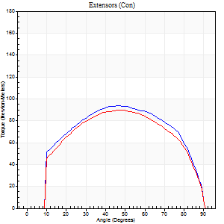
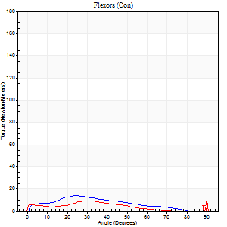
Right Side Curves Left Side Curves
Isokinetic Con/Con |  |  |  | Extensors (Con) |  | Flexors (Con)
Speed 120/120 d/s 3 Reps |  |  |  | Value | Cof Var | %BW | Value | Cof Var | %BW | Ratio

TORQUE PARAMETERS
Peak Torque (Newton-Meters - Best Repetition)
Right |  |  |  | 94 | 0.01 | 122 | 14 | 0.17 | 18 | 14
Left |  |  |  | 89 | 0.01 | 119 | 12 | 0.16 | 15 | 14
Deficit |  |  |  | 4 |  |  | 10
Work per Repetition (Newton-Meters - Best Repetition)
Right |  |  |  | 107 | 0.01 | 140 | 11 | 0.26 | 15 | 10
Left |  |  |  | 100 | 0.02 | 131 | 8 | 0.13 | 12 | 8
Deficit |  |  |  | 6 |  |  | 25
Average Power per Repetition (Watts - Best Repetition)
Right |  |  |  | 120 | 0.03 | 158 | 12 | 0.34 | 15 | 10
Left |  |  |  | 112 | 0.02 | 147 | 9 | 0.38 | 11 | 8
Deficit |  |  |  | 7 |  |  | 25
POSITION PARAMETERS
Joint Angle at Peak Torque (Degrees)
Right |  |  |  | 44 | 0.06 |  | 28 | 0.16
Left |  |  |  | 48 | 0.03 |  | 48 | 0.74
Range of Motion (Degrees)
Right |  |  |  | 0 | 1.41 |  | 90 | 0
Left |  |  |  | 0 | 0.47 |  | 90 | 0
TIME PARAMETERS
Time to Peak Torque (Seconds)
Right |  |  |  | 0.46 | 0.14 |  | 0.39 | 0.24
Left |  |  |  | 0.41 | 0 |  | 0.71 | 0.78
Time Peak Torque Held (Seconds)
Right |  |  |  | 0.04 | 0.48 |  | 0.02 | 1.38
Left |  |  |  | 0.03 | 0.17 |  | 0 | 0
Force Decay Time (Seconds)
Right |  |  |  | 0.39 | 0.08 |  | 0.57 | 0.02
Left |  |  |  | 0.45 | 0.04 |  | 0.46 | 1.04
Reciprocal Delay (Seconds)
Right |  |  |  | 0.75 | 0.2 |  | 0.27 | 0.18
Left |  |  |  | 0.66 | 0.09 |  | 0.27 | 0.04
Delay Time (Seconds)
Right |  |  |  | -0.04 | -1.01 |  | 0 | 3.46
Left |  |  |  | -0.01 | 0 |  | -0.03 | -0.17
HUMAC2015® Version: 15.000.0074 © Computer Sports Medicine, Inc. www.csmisolutions.com

Use File, Preference to set Report Heading
Long Form Torque vs. Position Report - Knee Extension/Flexion
Name: |  |  |  | TR030FP3032, | ID: |  | Right/Left: | 05.11.2021 05.11.2021
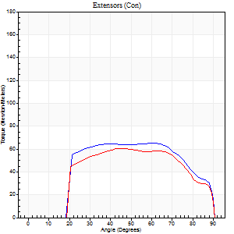

Right Side Curves Left Side Curves
Isokinetic Con/Con |  |  |  | Extensors (Con) |  | Flexors (Con)
Speed 240/240 d/s 3 Reps |  |  |  | Value | Cof Var | %BW | Value | Cof Var | %BW | Ratio

TORQUE PARAMETERS
Peak Torque (Newton-Meters - Best Repetition)
Right |  |  |  | 65 | 0.01 | 86 | 9 | 0.32 | 12 | 15
Left |  |  |  | 61 | 0.02 | 80 | 11 | 0.45 | 15 | 18
Deficit |  |  |  | 6 |  |  | 13
Work per Repetition (Newton-Meters - Best Repetition)
Right |  |  |  | 71 | 0.03 | 92 | 3 | 0.31 | 3 | 4
Left |  |  |  | 62 | 0.02 | 83 | 4 | 0.34 | 6 | 7
Deficit |  |  |  | 12 |  |  | 33
Average Power per Repetition (Watts - Best Repetition)
Right |  |  |  | 121 | 0.04 | 158 | 2 | 0.35 | 2 | 2
Left |  |  |  | 107 | 0.01 | 141 | 3 | 0.5 | 4 | 3
Deficit |  |  |  | 12 |  |  | 33
POSITION PARAMETERS
Joint Angle at Peak Torque (Degrees)
Right |  |  |  | 54 | 0.17 |  | 32 | 1.54
Left |  |  |  | 46 | 0.04 |  | 34 | 1.46
Range of Motion (Degrees)
Right |  |  |  | 0 | 0.71 |  | 90 | 0
Left |  |  |  | 0 | 0 |  | 90 | 0
TIME PARAMETERS
Time to Peak Torque (Seconds)
Right |  |  |  | 0.25 | 0.2 |  | 0.54 | 1.17
Left |  |  |  | 0.27 | 0 |  | 0.62 | 1.1
Time Peak Torque Held (Seconds)
Right |  |  |  | 0.03 | 0.58 |  | 0.01 | 1
Left |  |  |  | 0.01 | 1.73 |  | 0 | 0
Force Decay Time (Seconds)
Right |  |  |  | 0.3 | 0.13 |  | 0.66 | 0.95
Left |  |  |  | 0.3 | 0.04 |  | 0.62 | 1.39
Reciprocal Delay (Seconds)
Right |  |  |  | 0.8 | 0.3 |  | 0.44 | 0.31
Left |  |  |  | 0.88 | 0.02 |  | 0.34 | 0.19
Delay Time (Seconds)
Right |  |  |  | -0.03 | 0 |  | -0.05 | -0.87
Left |  |  |  | -0.02 | 0 |  | -0.06 | -0.33
HUMAC2015® Version: 15.000.0074 © Computer Sports Medicine, Inc. www.csmisolutions.com

Use File, Preference to set Report Heading
Isometric - Knee Extension/Flexion
Name: |  |  |  | TR030FP3032, | ID: |  | Right/Left: | 05.11.2021 05.11.2021

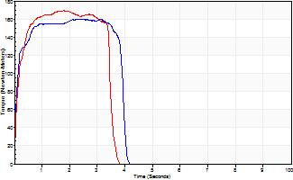
Isometric Extensors (Con) Angle 60 Time 10 Repetition 2 (Best Repetition)
 | Value | Cof Var | %BW
Peak Torque (Newton-Meters)
Right | 160 | 0.05 | 212
Left | 170 | 0 | 224
Deficit | 6
Average Torque (Newton-Meters)
Right | 58 | 0.06 | 77
Left | 54 | 0.03 | 72
Deficit | 7
Peak Torque Slope (Newton-Meters/Seconds)
Right | 76 | 0.06 | 100
Left | 162 | 0.37 | 213 |  | Right Side Curves Left Side Curves
Deficit | 53
Time to Half Peak Torque (Seconds)
Right | 0.11 | 0.2
Left | 0.12 | 0.06
Time to Peak Torque (Seconds)
Right | 2.11 | 0.11
Left | 1.4 | 0.37
HUMAC2015® Version: 15.000.0074 © Computer Sports Medicine, Inc. www.csmisolutions.com

post1
Use File, Preference to set Report Heading
Long Form Torque vs. Position Report - Knee Extension/Flexion
Name: |  |  |  | TR030FP3032, | ID: |  | Right/Left: | 24.11.2021 24.11.2021
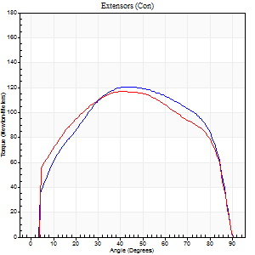
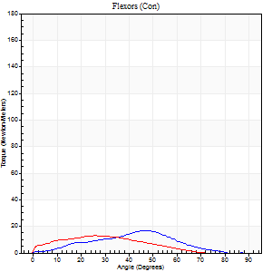
Right Side Curves Left Side Curves
Isokinetic Con/Con |  |  |  | Extensors (Con) |  | Flexors (Con)
Speed 60/60 d/s 3 Reps |  |  |  | Value | Cof Var | %BW | Value | Cof Var | %BW | Ratio

TORQUE PARAMETERS
Peak Torque (Newton-Meters - Best Repetition)
Right |  |  |  | 121 | 0.01 | 158 | 16 | 0.57 | 21 | 13
Left |  |  |  | 117 | 0.01 | 152 | 14 | 0.31 | 18 | 12
Deficit |  |  |  | 3 |  |  | 17
Work per Repetition (Newton-Meters - Best Repetition)
Right |  |  |  | 146 | 0.02 | 194 | 11 | 0.51 | 15 | 7
Left |  |  |  | 140 | 0 | 185 | 9 | 0.23 | 12 | 7
Deficit |  |  |  | 5 |  |  | 13
Average Power per Repetition (Watts - Best Repetition)
Right |  |  |  | 91 | 0.01 | 119 | 5 | 0.43 | 7 | 5
Left |  |  |  | 88 | 0 | 116 | 6 | 0.6 | 9 | 7
Deficit |  |  |  | 3 |  |  | 17
POSITION PARAMETERS
Joint Angle at Peak Torque (Degrees)
Right |  |  |  | 44 | 0.05 |  | 39 | 0.17
Left |  |  |  | 38 | 0.07 |  | 19 | 0.35
Range of Motion (Degrees)
Right |  |  |  | 0 | 0 |  | 90 | 0
Left |  |  |  | 0 | 0 |  | 90 | 0
TIME PARAMETERS
Time to Peak Torque (Seconds)
Right |  |  |  | 0.81 | 0.01 |  | 0.93 | 0.4
Left |  |  |  | 0.92 | 0.01 |  | 0.52 | 0.3
Time Peak Torque Held (Seconds)
Right |  |  |  | 0.07 | 0.28 |  | 0 | 1.73
Left |  |  |  | 0.07 | 0.21 |  | 0.02 | 0.92
Force Decay Time (Seconds)
Right |  |  |  | 0.7 | 0.05 |  | 0.89 | 0.14
Left |  |  |  | 0.6 | 0.1 |  | 1.77 | 0.4
Reciprocal Delay (Seconds)
Right |  |  |  | 0.44 | 0.19 |  | 0.41 | 0.5
Left |  |  |  | 1.1 | 0.27 |  | 0.59 | 0.27
Delay Time (Seconds)
Right |  |  |  | -0.01 | 0 |  | -0.03 | -1.83
Left |  |  |  | 0 | 0 |  | -0.12 | -0.96
HUMAC2015® Version: 15.000.0074 © Computer Sports Medicine, Inc. www.csmisolutions.com

Use File, Preference to set Report Heading
Long Form Torque vs. Position Report - Knee Extension/Flexion
Name: |  |  |  | TR030FP3032, | ID: |  | Right/Left: | 24.11.2021 24.11.2021
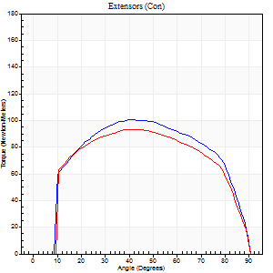
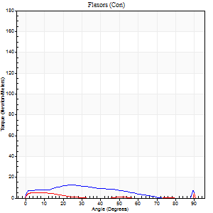
Right Side Curves Left Side Curves
Isokinetic Con/Con |  |  |  | Extensors (Con) |  | Flexors (Con)
Speed 120/120 d/s 3 Reps |  |  |  | Value | Cof Var | %BW | Value | Cof Var | %BW | Ratio

TORQUE PARAMETERS
Peak Torque (Newton-Meters - Best Repetition)
Right |  |  |  | 100 | 0 | 131 | 12 | 0.23 | 15 | 12
Left |  |  |  | 94 | 0.02 | 122 | 12 | 0.34 | 15 | 13
Deficit |  |  |  | 7 |  |  | 0
Work per Repetition (Newton-Meters - Best Repetition)
Right |  |  |  | 115 | 0.01 | 152 | 9 | 0.36 | 12 | 8
Left |  |  |  | 107 | 0.02 | 140 | 8 | 0.87 | 12 | 8
Deficit |  |  |  | 7 |  |  | 14
Average Power per Repetition (Watts - Best Repetition)
Right |  |  |  | 130 | 0.01 | 171 | 10 | 0.42 | 13 | 8
Left |  |  |  | 118 | 0.02 | 156 | 9 | 1.06 | 11 | 8
Deficit |  |  |  | 9 |  |  | 10
POSITION PARAMETERS
Joint Angle at Peak Torque (Degrees)
Right |  |  |  | 43 | 0.06 |  | 24 | 0.01
Left |  |  |  | 42 | 0.06 |  | 47 | 0.9
Range of Motion (Degrees)
Right |  |  |  | 0 | -1.41 |  | 90 | 0
Left |  |  |  | 0 | -1.41 |  | 90 | 0
TIME PARAMETERS
Time to Peak Torque (Seconds)
Right |  |  |  | 0.46 | 0 |  | 0.38 | 0.1
Left |  |  |  | 0.47 | 0.06 |  | 0.71 | 0.87
Time Peak Torque Held (Seconds)
Right |  |  |  | 0.02 | 0.65 |  | 0.01 | 1.73
Left |  |  |  | 0.05 | 0.22 |  | 0 | 1.73
Force Decay Time (Seconds)
Right |  |  |  | 0.41 | 0.06 |  | 0.62 | 0.08
Left |  |  |  | 0.38 | 0.03 |  | 0.48 | 1.49
Reciprocal Delay (Seconds)
Right |  |  |  | 0.51 | 0.04 |  | 0.47 | 0.12
Left |  |  |  | 0.34 | 0.1 |  | 0.38 | 0.26
Delay Time (Seconds)
Right |  |  |  | -0.02 | 0 |  | -0.05 | -0.33
Left |  |  |  | -0.02 | -0.28 |  | -0.05 | -0.12
HUMAC2015® Version: 15.000.0074 © Computer Sports Medicine, Inc. www.csmisolutions.com

Use File, Preference to set Report Heading
Long Form Torque vs. Position Report - Knee Extension/Flexion
Name: |  |  |  | TR030FP3032, | ID: |  | Right/Left: | 24.11.2021 24.11.2021
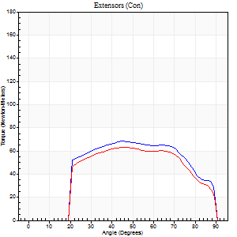
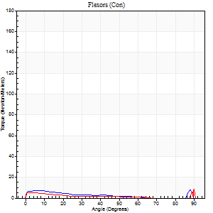
Right Side Curves Left Side Curves
Isokinetic Con/Con |  |  |  | Extensors (Con) |  | Flexors (Con)
Speed 240/240 d/s 3 Reps |  |  |  | Value | Cof Var | %BW | Value | Cof Var | %BW | Ratio

TORQUE PARAMETERS
Peak Torque (Newton-Meters - Best Repetition)
Right |  |  |  | 68 | 0.01 | 89 | 9 | 0.29 | 12 | 14
Left |  |  |  | 64 | 0.02 | 83 | 11 | 0.31 | 15 | 17
Deficit |  |  |  | 6 |  |  | 13
Work per Repetition (Newton-Meters - Best Repetition)
Right |  |  |  | 71 | 0 | 92 | 4 | 0.17 | 6 | 6
Left |  |  |  | 65 | 0 | 86 | 7 | 0.51 | 9 | 10
Deficit |  |  |  | 8 |  |  | 40
Average Power per Repetition (Watts - Best Repetition)
Right |  |  |  | 124 | 0.01 | 163 | 6 | 0.25 | 9 | 5
Left |  |  |  | 110 | 0.01 | 145 | 8 | 0.77 | 11 | 7
Deficit |  |  |  | 11 |  |  | 25
POSITION PARAMETERS
Joint Angle at Peak Torque (Degrees)
Right |  |  |  | 45 | 0.02 |  | 61 | 0.8
Left |  |  |  | 45 | 0.01 |  | 69 | 0.52
Range of Motion (Degrees)
Right |  |  |  | 0 | 0 |  | 90 | 0
Left |  |  |  | 0 | 0 |  | 90 | 0
TIME PARAMETERS
Time to Peak Torque (Seconds)
Right |  |  |  | 0.27 | 0 |  | 0.7 | 0.62
Left |  |  |  | 0.28 | 0 |  | 1 | 0.46
Time Peak Torque Held (Seconds)
Right |  |  |  | 0.01 | 0 |  | 0 | 0
Left |  |  |  | 0.01 | 1 |  | 0.01 | 0.87
Force Decay Time (Seconds)
Right |  |  |  | 0.29 | 0.02 |  | 0.17 | 2.21
Left |  |  |  | 0.3 | 0.04 |  | 0.06 | 3.57
Reciprocal Delay (Seconds)
Right |  |  |  | 0.73 | 0.12 |  | 0.45 | 0.2
Left |  |  |  | 0.57 | 0.07 |  | 0.51 | 0.15
Delay Time (Seconds)
Right |  |  |  | -0.03 | 0 |  | -0.07 | -0.09
Left |  |  |  | -0.03 | 0 |  | -0.08 | -0.07
HUMAC2015® Version: 15.000.0074 © Computer Sports Medicine, Inc. www.csmisolutions.com

Use File, Preference to set Report Heading
Isometric - Knee Extension/Flexion
Name: |  |  |  | TR030FP3032, | ID: |  | Right/Left: | 24.11.2021 24.11.2021

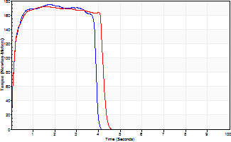
Isometric Extensors (Con) Angle 60 Time 10 Repetition 2 (Best Repetition)
 | Value | Cof Var | %BW
Peak Torque (Newton-Meters)
Right | 175 | 0.04 | 229
Left | 172 | 0.01 | 226
Deficit | 2
Average Torque (Newton-Meters)
Right | 68 | 0.05 | 89
Left | 68 | 0.05 | 89
Deficit | 0
Peak Torque Slope (Newton-Meters/Seconds)
Right | 99 | 0.18 | 130
Left | 113 | 0.18 | 149 |  | Right Side Curves Left Side Curves
Deficit | 13
Time to Half Peak Torque (Seconds)
Right | 0.14 | 0.3
Left | 0.11 | 0
Time to Peak Torque (Seconds)
Right | 1.96 | 0.14
Left | 1.71 | 0.17
HUMAC2015® Version: 15.000.0074 © Computer Sports Medicine, Inc. www.csmisolutions.com

post2
Use File, Preference to set Report Heading
Long Form Torque vs. Position Report - Knee Extension/Flexion
Name: |  |  |  | TR030FP3032, | ID: |  | Right/Left: | 26.11.2021 26.11.2021
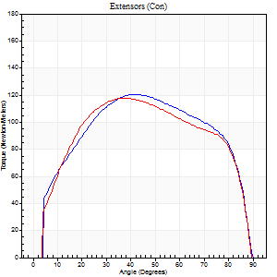
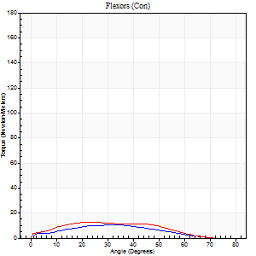
Right Side Curves Left Side Curves
Isokinetic Con/Con |  |  |  | Extensors (Con) |  | Flexors (Con)
Speed 60/60 d/s 3 Reps |  |  |  | Value | Cof Var | %BW | Value | Cof Var | %BW | Ratio

TORQUE PARAMETERS
Peak Torque (Newton-Meters - Best Repetition)
Right |  |  |  | 121 | 0.02 | 158 | 11 | 0.17 | 15 | 9
Left |  |  |  | 118 | 0.01 | 155 | 12 | 0.2 | 15 | 10
Deficit |  |  |  | 2 |  |  | 11
Work per Repetition (Newton-Meters - Best Repetition)
Right |  |  |  | 141 | 0.02 | 185 | 8 | 0.12 | 12 | 6
Left |  |  |  | 138 | 0.01 | 182 | 11 | 0.24 | 15 | 8
Deficit |  |  |  | 2 |  |  | 25
Average Power per Repetition (Watts - Best Repetition)
Right |  |  |  | 90 | 0.02 | 119 | 5 | 0.23 | 7 | 6
Left |  |  |  | 89 | 0.2 | 116 | 7 | 0.31 | 9 | 8
Deficit |  |  |  | 1 |  |  | 29
POSITION PARAMETERS
Joint Angle at Peak Torque (Degrees)
Right |  |  |  | 42 | 0.02 |  | 53 | 0.6
Left |  |  |  | 42 | 0.17 |  | 27 | 0.23
Range of Motion (Degrees)
Right |  |  |  | 0 | 0.28 |  | 90 | 0
Left |  |  |  | 0 | 4.24 |  | 90 | 0
TIME PARAMETERS
Time to Peak Torque (Seconds)
Right |  |  |  | 0.81 | 0.01 |  | 1.05 | 0.69
Left |  |  |  | 1.24 | 0.38 |  | 0.54 | 0.19
Time Peak Torque Held (Seconds)
Right |  |  |  | 0.04 | 0.35 |  | 0.05 | 0.66
Left |  |  |  | 0.08 | 0.2 |  | 0.02 | 1.73
Force Decay Time (Seconds)
Right |  |  |  | 0.69 | 0.04 |  | 0.55 | 1.36
Left |  |  |  | 0.67 | 0.16 |  | 1.11 | 0.09
Reciprocal Delay (Seconds)
Right |  |  |  | 0.75 | 0.14 |  | 0.26 | 0.1
Left |  |  |  | 0.72 | 0.16 |  | 0.31 | 0.12
Delay Time (Seconds)
Right |  |  |  | 0 | 1.41 |  | 0.01 | 1.73
Left |  |  |  | -0.36 | -1.41 |  | -0.02 | -0.5
HUMAC2015® Version: 15.000.0074 © Computer Sports Medicine, Inc. www.csmisolutions.com

Use File, Preference to set Report Heading
Long Form Torque vs. Position Report - Knee Extension/Flexion
Name: |  |  |  | TR030FP3032, | ID: |  | Right/Left: | 26.11.2021 26.11.2021
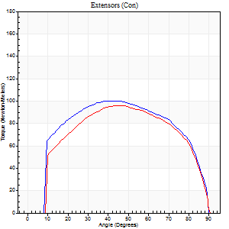
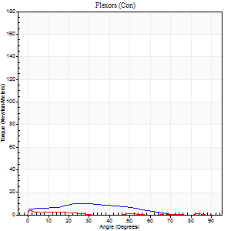
Right Side Curves Left Side Curves
Isokinetic Con/Con |  |  |  | Extensors (Con) |  | Flexors (Con)
Speed 120/120 d/s 3 Reps |  |  |  | Value | Cof Var | %BW | Value | Cof Var | %BW | Ratio

TORQUE PARAMETERS
Peak Torque (Newton-Meters - Best Repetition)
Right |  |  |  | 100 | 0.03 | 131 | 11 | 0.37 | 15 | 11
Left |  |  |  | 96 | 0.03 | 128 | 8 | 0.27 | 12 | 8
Deficit |  |  |  | 4 |  |  | 25
Work per Repetition (Newton-Meters - Best Repetition)
Right |  |  |  | 117 | 0.03 | 152 | 8 | 0.7 | 12 | 7
Left |  |  |  | 108 | 0.01 | 143 | 5 | 0.82 | 6 | 5
Deficit |  |  |  | 7 |  |  | 33
Average Power per Repetition (Watts - Best Repetition)
Right |  |  |  | 133 | 0.03 | 176 | 8 | 0.83 | 11 | 6
Left |  |  |  | 122 | 0.01 | 160 | 5 | 0.95 | 7 | 4
Deficit |  |  |  | 8 |  |  | 38
POSITION PARAMETERS
Joint Angle at Peak Torque (Degrees)
Right |  |  |  | 41 | 0.06 |  | 40 | 1.1
Left |  |  |  | 41 | 0.12 |  | 42 | 1.04
Range of Motion (Degrees)
Right |  |  |  | 0 | 0 |  | 90 | 0
Left |  |  |  | 0 | -1.41 |  | 90 | 0
TIME PARAMETERS
Time to Peak Torque (Seconds)
Right |  |  |  | 0.46 | 0.03 |  | 0.76 | 0.99
Left |  |  |  | 0.47 | 0.01 |  | 0.98 | 1.01
Time Peak Torque Held (Seconds)
Right |  |  |  | 0.03 | 0.78 |  | 0 | 1.73
Left |  |  |  | 0.02 | 0.25 |  | 0.01 | 1.73
Force Decay Time (Seconds)
Right |  |  |  | 0.4 | 0 |  | 0.37 | 2.2
Left |  |  |  | 0.4 | 0.1 |  | 0.43 | 1.66
Reciprocal Delay (Seconds)
Right |  |  |  | 0.75 | 0.02 |  | 0.5 | 0.07
Left |  |  |  | 0.8 | 0.04 |  | 0.4 | 0.31
Delay Time (Seconds)
Right |  |  |  | 0 | -1.41 |  | -0.07 | -0.14
Left |  |  |  | -0.01 | 0 |  | -0.1 | -0.69
HUMAC2015® Version: 15.000.0074 © Computer Sports Medicine, Inc. www.csmisolutions.com

Use File, Preference to set Report Heading
Long Form Torque vs. Position Report - Knee Extension/Flexion
Name: |  |  |  | TR030FP3032, | ID: |  | Right/Left: | 26.11.2021 26.11.2021
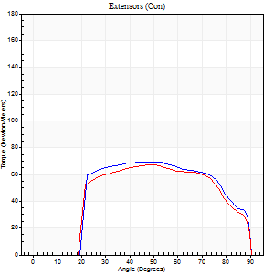

Right Side Curves Left Side Curves
Isokinetic Con/Con |  |  |  | Extensors (Con) |  | Flexors (Con)
Speed 240/240 d/s 3 Reps |  |  |  | Value | Cof Var | %BW | Value | Cof Var | %BW | Ratio

TORQUE PARAMETERS
Peak Torque (Newton-Meters - Best Repetition)
Right |  |  |  | 69 | 0.01 | 92 | 9 | 0.28 | 12 | 14
Left |  |  |  | 66 | 0.02 | 86 | 14 | 0.2 | 18 | 20
Deficit |  |  |  | 4 |  |  | 30
Work per Repetition (Newton-Meters - Best Repetition)
Right |  |  |  | 73 | 0.03 | 95 | 5 | 0.63 | 6 | 7
Left |  |  |  | 69 | 0.04 | 92 | 8 | 0.75 | 12 | 12
Deficit |  |  |  | 6 |  |  | 33
Average Power per Repetition (Watts - Best Repetition)
Right |  |  |  | 128 | 0.04 | 169 | 7 | 0.9 | 9 | 5
Left |  |  |  | 120 | 0.02 | 158 | 10 | 0.94 | 13 | 8
Deficit |  |  |  | 6 |  |  | 30
POSITION PARAMETERS
Joint Angle at Peak Torque (Degrees)
Right |  |  |  | 45 | 0.02 |  | 35 | 1.36
Left |  |  |  | 50 | 0.02 |  | 71 | 0.45
Range of Motion (Degrees)
Right |  |  |  | 0 | -0.47 |  | 90 | 0
Left |  |  |  | 0 | 0 |  | 90 | 0
TIME PARAMETERS
Time to Peak Torque (Seconds)
Right |  |  |  | 0.26 | 0.03 |  | 0.66 | 1.06
Left |  |  |  | 0.25 | 0.03 |  | 1.25 | 0.52
Time Peak Torque Held (Seconds)
Right |  |  |  | 0.01 | 0.43 |  | 0.04 | 1.32
Left |  |  |  | 0.02 | 0.49 |  | 0 | 0
Force Decay Time (Seconds)
Right |  |  |  | 0.29 | 0.04 |  | 0.36 | 1.59
Left |  |  |  | 0.3 | 0.02 |  | -0.26 | -1.79
Reciprocal Delay (Seconds)
Right |  |  |  | 1 | 0.04 |  | 0.66 | 0.2
Left |  |  |  | 0.76 | 0.05 |  | 0.72 | 0.13
Delay Time (Seconds)
Right |  |  |  | -0.02 | 0 |  | -0.09 | -0.07
Left |  |  |  | -0.02 | -0.28 |  | -0.09 | -0.19
HUMAC2015® Version: 15.000.0074 © Computer Sports Medicine, Inc. www.csmisolutions.com

Use File, Preference to set Report Heading
Isometric - Knee Extension/Flexion
Name: |  |  |  | TR030FP3032, | ID: |  | Right/Left: | 26.11.2021 26.11.2021

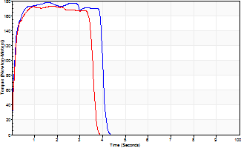
Isometric Extensors (Con) Angle 60 Time 10 Repetition 2 (Best Repetition)
 | Value | Cof Var | %BW
Peak Torque (Newton-Meters)
Right | 178 | 0.02 | 232
Left | 172 | 0.02 | 226
Deficit | 3
Average Torque (Newton-Meters)
Right | 66 | 0.02 | 86
Left | 58 | 0.09 | 77
Deficit | 12
Peak Torque Slope (Newton-Meters/Seconds)
Right | 115 | 0.46 | 151
Left | 102 | 0.05 | 134 |  | Right Side Curves Left Side Curves
Deficit | 11
Time to Half Peak Torque (Seconds)
Right | 0.12 | 0.12
Left | 0.11 | 0.06
Time to Peak Torque (Seconds)
Right | 2.25 | 0.45
Left | 1.73 | 0.03
HUMAC2015® Version: 15.000.0074 © Computer Sports Medicine, Inc. www.csmisolutions.com

