pre1
Use File, Preference to set Report Heading
Long Form Torque vs. Position Report - Knee Extension/Flexion
Name: |  |  |  | TR030FP3033, | ID: |  | Right/Left: | 11.10.2021 11.10.2021
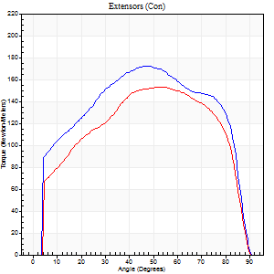
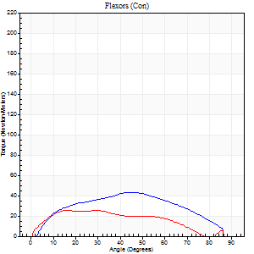
Right Side Curves Left Side Curves
Isokinetic Con/Con |  |  |  | Extensors (Con) |  | Flexors (Con)
Speed 60/60 d/s 3 Reps |  |  |  | Value | Cof Var | %BW | Value | Cof Var | %BW | Ratio

TORQUE PARAMETERS
Peak Torque (Newton-Meters - Best Repetition)
Right |  |  |  | 172 | 0.03 | 286 | 43 | 0.48 | 72 | 25
Left |  |  |  | 153 | 0.02 | 256 | 26 | 0.12 | 42 | 17
Deficit |  |  |  | 11 |  |  | 41
Work per Repetition (Newton-Meters - Best Repetition)
Right |  |  |  | 205 | 0.04 | 340 | 43 | 0.7 | 72 | 21
Left |  |  |  | 176 | 0.02 | 292 | 24 | 0.19 | 42 | 14
Deficit |  |  |  | 14 |  |  | 44
Average Power per Repetition (Watts - Best Repetition)
Right |  |  |  | 128 | 0.03 | 213 | 29 | 0.68 | 48 | 23
Left |  |  |  | 113 | 0.02 | 189 | 14 | 0.09 | 24 | 12
Deficit |  |  |  | 12 |  |  | 52
POSITION PARAMETERS
Joint Angle at Peak Torque (Degrees)
Right |  |  |  | 40 | 0.16 |  | 28 | 0.58
Left |  |  |  | 48 | 0.09 |  | 19 | 0.47
Range of Motion (Degrees)
Right |  |  |  | 0 | -0.47 |  | 90 | 0
Left |  |  |  | 0 | -0.47 |  | 90 | 0
TIME PARAMETERS
Time to Peak Torque (Seconds)
Right |  |  |  | 0.91 | 0.07 |  | 0.46 | 0.53
Left |  |  |  | 0.68 | 0.08 |  | 0.35 | 0.45
Time Peak Torque Held (Seconds)
Right |  |  |  | 0.05 | 0.25 |  | 0.03 | 0.33
Left |  |  |  | 0.06 | 0.83 |  | 0.09 | 1.27
Force Decay Time (Seconds)
Right |  |  |  | 0.67 | 0.14 |  | 0.93 | 0.19
Left |  |  |  | 0.79 | 0.03 |  | 1.13 | 0.07
Reciprocal Delay (Seconds)
Right |  |  |  | 0.15 | 0.19 |  | 0.26 | 0.19
Left |  |  |  | 0.41 | 0.24 |  | 0.26 | 0.27
Delay Time (Seconds)
Right |  |  |  | -0.02 | 0 |  | 0.07 | 0.14
Left |  |  |  | 0 | 1.41 |  | 0.01 | 0
HUMAC2015® Version: 15.000.0074 © Computer Sports Medicine, Inc. www.csmisolutions.com

Use File, Preference to set Report Heading
Long Form Torque vs. Position Report - Knee Extension/Flexion
Name: |  |  |  | TR030FP3033, | ID: |  | Right/Left: | 11.10.2021 11.10.2021
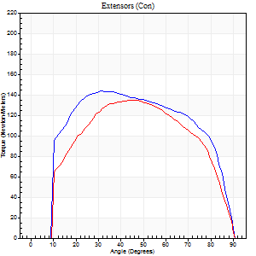
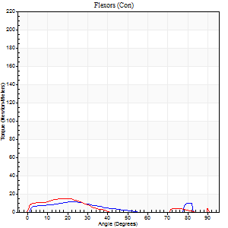
Right Side Curves Left Side Curves
Isokinetic Con/Con |  |  |  | Extensors (Con) |  | Flexors (Con)
Speed 120/120 d/s 3 Reps |  |  |  | Value | Cof Var | %BW | Value | Cof Var | %BW | Ratio

TORQUE PARAMETERS
Peak Torque (Newton-Meters - Best Repetition)
Right |  |  |  | 144 | 0.8 | 238 | 11 | 0.08 | 18 | 8
Left |  |  |  | 134 | 0.02 | 224 | 15 | 0.16 | 24 | 11
Deficit |  |  |  | 7 |  |  | 27
Work per Repetition (Newton-Meters - Best Repetition)
Right |  |  |  | 170 | 0.86 | 283 | 7 | 0.45 | 12 | 4
Left |  |  |  | 152 | 0.02 | 253 | 7 | 0.18 | 12 | 4
Deficit |  |  |  | 10 |  |  | 0
Average Power per Repetition (Watts - Best Repetition)
Right |  |  |  | 191 | 0.85 | 319 | 6 | 0.09 | 11 | 3
Left |  |  |  | 169 | 0.04 | 281 | 6 | 0.2 | 11 | 4
Deficit |  |  |  | 12 |  |  | 0
POSITION PARAMETERS
Joint Angle at Peak Torque (Degrees)
Right |  |  |  | 43 | 0.46 |  | 33 | 0.61
Left |  |  |  | 47 | 0.04 |  | 18 | 0.07
Range of Motion (Degrees)
Right |  |  |  | 27 | 1.42 |  | 82 | 0.18
Left |  |  |  | 0 | 0.47 |  | 90 | 0
TIME PARAMETERS
Time to Peak Torque (Seconds)
Right |  |  |  | 0.27 | 1.31 |  | 0.22 | 0.51
Left |  |  |  | 0.39 | 0.02 |  | 0.26 | 0.1
Time Peak Torque Held (Seconds)
Right |  |  |  | 0.02 | 0 |  | 0.01 | 1.73
Left |  |  |  | 0.04 | 0.57 |  | 0.02 | 0.35
Force Decay Time (Seconds)
Right |  |  |  | 0.3 | 0.14 |  | 0.62 | 0.53
Left |  |  |  | 0.44 | 0.05 |  | 0.98 | 0.24
Reciprocal Delay (Seconds)
Right |  |  |  | 0.17 | 0.69 |  | 0.21 | 0.62
Left |  |  |  | 0.33 | 0.06 |  | 0.17 | 0.32
Delay Time (Seconds)
Right |  |  |  | -0.04 | -1.01 |  | 0.02 | 2.96
Left |  |  |  | -0.01 | 0 |  | -0.03 | -0.43
HUMAC2015® Version: 15.000.0074 © Computer Sports Medicine, Inc. www.csmisolutions.com

Use File, Preference to set Report Heading
Long Form Torque vs. Position Report - Knee Extension/Flexion
Name: |  |  |  | TR030FP3033, | ID: |  | Right/Left: | 11.10.2021 11.10.2021
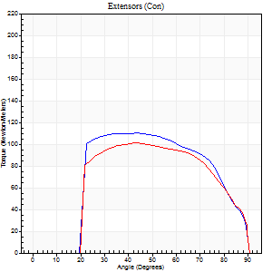
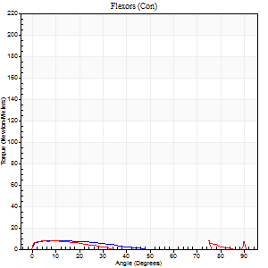
Right Side Curves Left Side Curves
Isokinetic Con/Con |  |  |  | Extensors (Con) |  | Flexors (Con)
Speed 240/240 d/s 3 Reps |  |  |  | Value | Cof Var | %BW | Value | Cof Var | %BW | Ratio

TORQUE PARAMETERS
Peak Torque (Newton-Meters - Best Repetition)
Right |  |  |  | 110 | 0.03 | 182 | 20 | 0.64 | 33 | 19
Left |  |  |  | 100 | 0.01 | 167 | 16 | 0.43 | 27 | 16
Deficit |  |  |  | 9 |  |  | 20
Work per Repetition (Newton-Meters - Best Repetition)
Right |  |  |  | 114 | 0.02 | 191 | 5 | 0.25 | 9 | 5
Left |  |  |  | 103 | 0.02 | 173 | 4 | 0.2 | 6 | 4
Deficit |  |  |  | 10 |  |  | 25
Average Power per Repetition (Watts - Best Repetition)
Right |  |  |  | 202 | 0.02 | 336 | 6 | 0.32 | 11 | 3
Left |  |  |  | 180 | 0.03 | 299 | 3 | 0.06 | 4 | 2
Deficit |  |  |  | 11 |  |  | 50
POSITION PARAMETERS
Joint Angle at Peak Torque (Degrees)
Right |  |  |  | 44 | 0.03 |  | 65 | 0.68
Left |  |  |  | 43 | 0 |  | 33 | 1.49
Range of Motion (Degrees)
Right |  |  |  | 0 | -1.41 |  | 90 | 0
Left |  |  |  | 0 | 0 |  | 90 | 0
TIME PARAMETERS
Time to Peak Torque (Seconds)
Right |  |  |  | 0.27 | 0.05 |  | 0.79 | 0.46
Left |  |  |  | 0.26 | 0.03 |  | 0.67 | 1.32
Time Peak Torque Held (Seconds)
Right |  |  |  | 0.02 | 0.65 |  | 0 | 0
Left |  |  |  | 0.01 | 0.43 |  | 0 | 0
Force Decay Time (Seconds)
Right |  |  |  | 0.26 | 0.06 |  | 0.08 | 5.17
Left |  |  |  | 0.28 | 0.02 |  | 0.64 | 1.08
Reciprocal Delay (Seconds)
Right |  |  |  | 0.36 | 0.1 |  | 0.32 | 0.44
Left |  |  |  | 0.51 | 0.17 |  | 0.27 | 0.09
Delay Time (Seconds)
Right |  |  |  | -0.02 | -0.28 |  | -0.03 | -1
Left |  |  |  | -0.02 | 0 |  | -0.05 | -0.22
HUMAC2015® Version: 15.000.0074 © Computer Sports Medicine, Inc. www.csmisolutions.com

Use File, Preference to set Report Heading
Isometric - Knee Extension/Flexion
Name: |  |  |  | TR030FP3033, | ID: |  | Right/Left: | 11.10.2021 11.10.2021

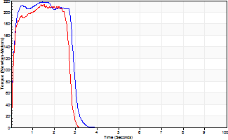
Isometric Extensors (Con) Angle 60 Time 10 Repetition 2 (Best Repetition)
 | Value | Cof Var | %BW
Peak Torque (Newton-Meters)
Right | 217 | 0 | 361
Left | 213 | 0.03 | 355
Deficit | 2
Average Torque (Newton-Meters)
Right | 60 | 0.02 | 98
Left | 53 | 0.15 | 89
Deficit | 11
Peak Torque Slope (Newton-Meters/Seconds)
Right | 148 | 0 | 246
Left | 238 | 0.36 | 397 |  | Right Side Curves Left Side Curves
Deficit | 38
Time to Half Peak Torque (Seconds)
Right | 0.11 | 0.07
Left | 0.11 | 0.07
Time to Peak Torque (Seconds)
Right | 1.46 | 0
Left | 1.18 | 0.4
HUMAC2015® Version: 15.000.0074 © Computer Sports Medicine, Inc. www.csmisolutions.com

pre2
Use File, Preference to set Report Heading
Long Form Torque vs. Position Report - Knee Extension/Flexion
Name: |  |  |  | TR030FP3033, | ID: |  | Right/Left: | 14.10.2021 14.10.2021
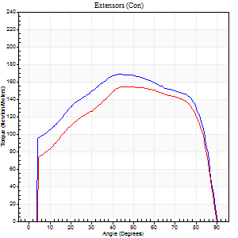
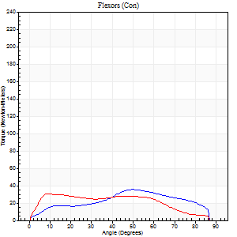
Right Side Curves Left Side Curves
Isokinetic Con/Con |  |  |  | Extensors (Con) |  | Flexors (Con)
Speed 60/60 d/s 3 Reps |  |  |  | Value | Cof Var | %BW | Value | Cof Var | %BW | Ratio

TORQUE PARAMETERS
Peak Torque (Newton-Meters - Best Repetition)
Right |  |  |  | 168 | 0.04 | 280 | 35 | 0.43 | 60 | 21
Left |  |  |  | 155 | 0.04 | 256 | 31 | 0.17 | 51 | 20
Deficit |  |  |  | 8 |  |  | 12
Work per Repetition (Newton-Meters - Best Repetition)
Right |  |  |  | 206 | 0.03 | 343 | 34 | 0.41 | 57 | 16
Left |  |  |  | 184 | 0.03 | 307 | 37 | 0.33 | 60 | 20
Deficit |  |  |  | 11 |  |  | 7
Average Power per Repetition (Watts - Best Repetition)
Right |  |  |  | 129 | 0.03 | 215 | 21 | 0.37 | 35 | 16
Left |  |  |  | 117 | 0.02 | 196 | 23 | 0.31 | 37 | 20
Deficit |  |  |  | 9 |  |  | 9
POSITION PARAMETERS
Joint Angle at Peak Torque (Degrees)
Right |  |  |  | 41 | 0.05 |  | 40 | 0.22
Left |  |  |  | 49 | 0.19 |  | 23 | 0.83
Range of Motion (Degrees)
Right |  |  |  | 0 | -1.41 |  | 90 | 0
Left |  |  |  | 0 | 0 |  | 90 | 0
TIME PARAMETERS
Time to Peak Torque (Seconds)
Right |  |  |  | 0.89 | 0 |  | 0.72 | 0.25
Left |  |  |  | 0.78 | 0.05 |  | 0.41 | 0.78
Time Peak Torque Held (Seconds)
Right |  |  |  | 0.09 | 0.48 |  | 0.03 | 0.88
Left |  |  |  | 0.05 | 0.35 |  | 0.02 | 0.5
Force Decay Time (Seconds)
Right |  |  |  | 0.63 | 0.12 |  | 0.77 | 0.26
Left |  |  |  | 0.81 | 0.21 |  | 1.1 | 0.3
Reciprocal Delay (Seconds)
Right |  |  |  | 0.41 | 0.02 |  | 0.33 | 0.22
Left |  |  |  | 0.44 | 0.1 |  | 0.26 | 0.07
Delay Time (Seconds)
Right |  |  |  | -0.04 | -0.35 |  | 0.01 | 5.27
Left |  |  |  | 0 | 1.41 |  | 0.01 | 0.87
HUMAC2015® Version: 15.000.0074 © Computer Sports Medicine, Inc. www.csmisolutions.com

Use File, Preference to set Report Heading
Long Form Torque vs. Position Report - Knee Extension/Flexion
Name: |  |  |  | TR030FP3033, | ID: |  | Right/Left: | 14.10.2021 14.10.2021
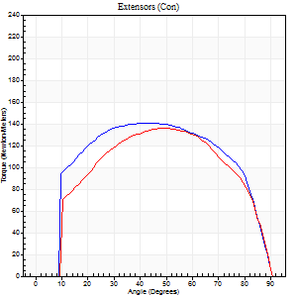
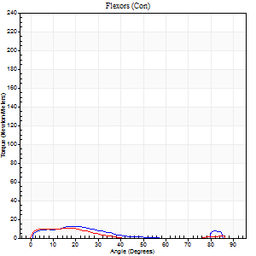
Right Side Curves Left Side Curves
Isokinetic Con/Con |  |  |  | Extensors (Con) |  | Flexors (Con)
Speed 120/120 d/s 3 Reps |  |  |  | Value | Cof Var | %BW | Value | Cof Var | %BW | Ratio

TORQUE PARAMETERS
Peak Torque (Newton-Meters - Best Repetition)
Right |  |  |  | 141 | 0.01 | 235 | 12 | 0.37 | 21 | 9
Left |  |  |  | 136 | 0.02 | 226 | 11 | 0.21 | 18 | 8
Deficit |  |  |  | 4 |  |  | 11
Work per Repetition (Newton-Meters - Best Repetition)
Right |  |  |  | 170 | 0.01 | 283 | 7 | 0.29 | 12 | 4
Left |  |  |  | 149 | 0.01 | 247 | 5 | 0.13 | 9 | 4
Deficit |  |  |  | 12 |  |  | 20
Average Power per Repetition (Watts - Best Repetition)
Right |  |  |  | 189 | 0.2 | 314 | 5 | 0.2 | 9 | 3
Left |  |  |  | 169 | 0.01 | 281 | 5 | 0.29 | 9 | 3
Deficit |  |  |  | 11 |  |  | 0
POSITION PARAMETERS
Joint Angle at Peak Torque (Degrees)
Right |  |  |  | 38 | 0.07 |  | 19 | 0.56
Left |  |  |  | 49 | 0.07 |  | 14 | 0.63
Range of Motion (Degrees)
Right |  |  |  | 0 | 0.2 |  | 90 | 0
Left |  |  |  | 0 | 1.41 |  | 90 | 0
TIME PARAMETERS
Time to Peak Torque (Seconds)
Right |  |  |  | 0.5 | 0.07 |  | 0.26 | 0.42
Left |  |  |  | 0.38 | 0.11 |  | 0.23 | 0.38
Time Peak Torque Held (Seconds)
Right |  |  |  | 0.04 | 0.25 |  | 0.01 | 1.73
Left |  |  |  | 0.05 | 0.54 |  | 0.01 | 0.87
Force Decay Time (Seconds)
Right |  |  |  | 0.36 | 0.03 |  | 0.91 | 0.4
Left |  |  |  | 0.45 | 0.11 |  | 0.98 | 0.3
Reciprocal Delay (Seconds)
Right |  |  |  | 0.44 | 0.02 |  | 0.2 | 0.31
Left |  |  |  | 0.62 | 0.1 |  | 0.3 | 0.52
Delay Time (Seconds)
Right |  |  |  | -0.04 | -1.01 |  | 0.01 | 1.73
Left |  |  |  | 0 | -1.41 |  | -0.04 | -0.42
HUMAC2015® Version: 15.000.0074 © Computer Sports Medicine, Inc. www.csmisolutions.com

Use File, Preference to set Report Heading
Long Form Torque vs. Position Report - Knee Extension/Flexion
Name: |  |  |  | TR030FP3033, | ID: |  | Right/Left: | 14.10.2021 14.10.2021
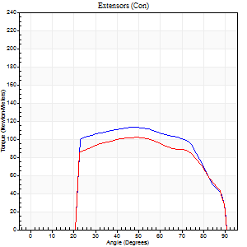
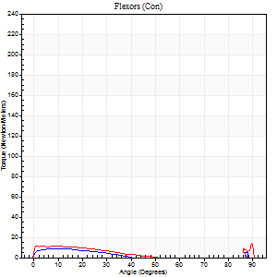
Right Side Curves Left Side Curves
Isokinetic Con/Con |  |  |  | Extensors (Con) |  | Flexors (Con)
Speed 240/240 d/s 3 Reps |  |  |  | Value | Cof Var | %BW | Value | Cof Var | %BW | Ratio

TORQUE PARAMETERS
Peak Torque (Newton-Meters - Best Repetition)
Right |  |  |  | 113 | 0.03 | 188 | 9 | 0.09 | 15 | 8
Left |  |  |  | 102 | 0.03 | 170 | 15 | 0.34 | 24 | 15
Deficit |  |  |  | 10 |  |  | 36
Work per Repetition (Newton-Meters - Best Repetition)
Right |  |  |  | 117 | 0.05 | 194 | 4 | 0.1 | 6 | 3
Left |  |  |  | 103 | 0.02 | 173 | 7 | 0.44 | 12 | 7
Deficit |  |  |  | 12 |  |  | 40
Average Power per Repetition (Watts - Best Repetition)
Right |  |  |  | 205 | 0.41 | 341 | 4 | 0.17 | 7 | 2
Left |  |  |  | 185 | 0.1 | 308 | 7 | 0.4 | 11 | 4
Deficit |  |  |  | 10 |  |  | 43
POSITION PARAMETERS
Joint Angle at Peak Torque (Degrees)
Right |  |  |  | 47 | 0.02 |  | 7 | 0.62
Left |  |  |  | 45 | 0.1 |  | 33 | 1.51
Range of Motion (Degrees)
Right |  |  |  | 0 | -1.41 |  | 90 | 0
Left |  |  |  | 0 | -0.47 |  | 90 | 0
TIME PARAMETERS
Time to Peak Torque (Seconds)
Right |  |  |  | 0.25 | 0.03 |  | 0.17 | 0.28
Left |  |  |  | 0.25 | 0.09 |  | 0.42 | 1.16
Time Peak Torque Held (Seconds)
Right |  |  |  | 0.02 | 0.69 |  | 0 | 0
Left |  |  |  | 0.02 | 0.35 |  | 0.01 | 1.73
Force Decay Time (Seconds)
Right |  |  |  | 0.29 | 0.02 |  | 0.9 | 0.24
Left |  |  |  | 0.29 | 0.05 |  | 0.52 | 0.86
Reciprocal Delay (Seconds)
Right |  |  |  | 0.52 | 0.18 |  | 0.3 | 0.04
Left |  |  |  | 0.62 | 0.17 |  | 0.31 | 0.29
Delay Time (Seconds)
Right |  |  |  | -0.03 | 0 |  | -0.03 | -0.33
Left |  |  |  | -0.02 | -0.28 |  | -0.04 | -0.31
HUMAC2015® Version: 15.000.0074 © Computer Sports Medicine, Inc. www.csmisolutions.com

Use File, Preference to set Report Heading
Isometric - Knee Extension/Flexion
Name: |  |  |  | TR030FP3033, | ID: |  | Right/Left: | 14.10.2021 14.10.2021

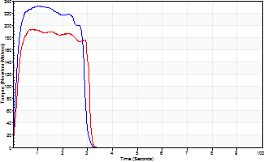
Isometric Extensors (Con) Angle 60 Time 10 Repetition 2 (Best Repetition)
 | Value | Cof Var | %BW
Peak Torque (Newton-Meters)
Right | 232 | 0.04 | 387
Left | 193 | 0.01 | 322
Deficit | 17
Average Torque (Newton-Meters)
Right | 60 | 0.08 | 98
Left | 53 | 0.02 | 89
Deficit | 11
Peak Torque Slope (Newton-Meters/Seconds)
Right | 238 | 0.06 | 397
Left | 257 | 0.16 | 429 |  | Right Side Curves Left Side Curves
Deficit | 7
Time to Half Peak Torque (Seconds)
Right | 0.13 | 0.05
Left | 0.17 | 0.13
Time to Peak Torque (Seconds)
Right | 0.98 | 0.09
Left | 0.83 | 0.15
HUMAC2015® Version: 15.000.0074 © Computer Sports Medicine, Inc. www.csmisolutions.com

