pre1
Use File, Preference to set Report Heading
Long Form Torque vs. Position Report - Knee Extension/Flexion
Name: |  |  |  | TR030FP3034, | ID: |  | Right/Left: | 29.09.2021 29.09.2021
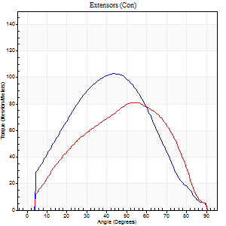
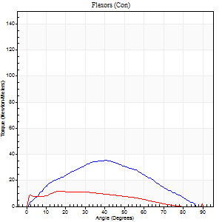
Right Side Curves Left Side Curves
Isokinetic Con/Con |  |  |  | Extensors (Con) |  | Flexors (Con)
Speed 60/60 d/s 3 Reps |  |  |  | Value | Cof Var | %BW | Value | Cof Var | %BW | Ratio

TORQUE PARAMETERS
Peak Torque (Newton-Meters - Best Repetition)
Right |  |  |  | 103 | 0.05 | 104 | 35 | 0.62 | 36 | 34
Left |  |  |  | 81 | 0.1 | 80 | 12 | 0.2 | 12 | 15
Deficit |  |  |  | 21 |  |  | 65
Work per Repetition (Newton-Meters - Best Repetition)
Right |  |  |  | 95 | 0.15 | 95 | 33 | 0.66 | 33 | 34
Left |  |  |  | 79 | 0.17 | 77 | 11 | 0.23 | 12 | 14
Deficit |  |  |  | 17 |  |  | 67
Average Power per Repetition (Watts - Best Repetition)
Right |  |  |  | 57 | 0.04 | 57 | 20 | 0.64 | 20 | 35
Left |  |  |  | 49 | 0.18 | 48 | 6 | 0.26 | 7 | 12
Deficit |  |  |  | 14 |  |  | 70
POSITION PARAMETERS
Joint Angle at Peak Torque (Degrees)
Right |  |  |  | 46 | 0.14 |  | 28 | 0.45
Left |  |  |  | 51 | 0.16 |  | 25 | 0.63
Range of Motion (Degrees)
Right |  |  |  | 0 | 0.28 |  | 88 | 0.04
Left |  |  |  | 1 | 0.28 |  | 90 | 0
TIME PARAMETERS
Time to Peak Torque (Seconds)
Right |  |  |  | 0.62 | 0.1 |  | 0.54 | 0.34
Left |  |  |  | 0.67 | 0.05 |  | 0.55 | 0.44
Time Peak Torque Held (Seconds)
Right |  |  |  | 0.03 | 0.22 |  | 0.08 | 0.76
Left |  |  |  | 0.03 | 0 |  | 0.01 | 1.73
Force Decay Time (Seconds)
Right |  |  |  | 0.78 | 0.12 |  | 0.92 | 0.22
Left |  |  |  | 0.83 | 0.17 |  | 1.15 | 0.16
Reciprocal Delay (Seconds)
Right |  |  |  | 0.23 | 0.61 |  | 0.3 | 0.28
Left |  |  |  | 0.51 | 0.15 |  | 0.11 | 0.18
Delay Time (Seconds)
Right |  |  |  | 0.07 | 2.22 |  | 0.01 | 7.7
Left |  |  |  | -0.06 | 0 |  | -0.02 | -1.31
HUMAC2015® Version: 15.000.0074 © Computer Sports Medicine, Inc. www.csmisolutions.com

Use File, Preference to set Report Heading
Long Form Torque vs. Position Report - Knee Extension/Flexion
Name: |  |  |  | TR030FP3034, | ID: |  | Right/Left: | 29.09.2021 29.09.2021
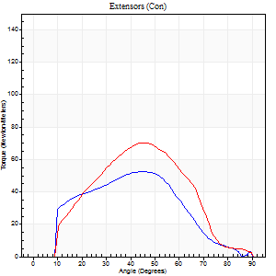
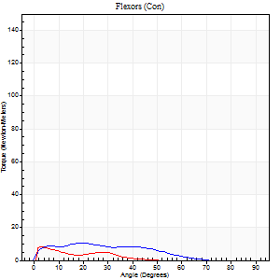
Right Side Curves Left Side Curves
Isokinetic Con/Con |  |  |  | Extensors (Con) |  | Flexors (Con)
Speed 120/120 d/s 3 Reps |  |  |  | Value | Cof Var | %BW | Value | Cof Var | %BW | Ratio

TORQUE PARAMETERS
Peak Torque (Newton-Meters - Best Repetition)
Right |  |  |  | 53 | 0.23 | 54 | 11 | 0.34 | 12 | 21
Left |  |  |  | 71 | 0.11 | 72 | 8 | 0.52 | 9 | 12
Deficit |  |  |  | 25 |  |  | 25
Work per Repetition (Newton-Meters - Best Repetition)
Right |  |  |  | 45 | 0.23 | 45 | 8 | 0.55 | 9 | 18
Left |  |  |  | 58 | 0.05 | 60 | 3 | 0.47 | 3 | 5
Deficit |  |  |  | 23 |  |  | 67
Average Power per Repetition (Watts - Best Repetition)
Right |  |  |  | 45 | 0.17 | 44 | 8 | 0.59 | 9 | 18
Left |  |  |  | 58 | 0.01 | 57 | 3 | 0.61 | 2 | 5
Deficit |  |  |  | 22 |  |  | 63
POSITION PARAMETERS
Joint Angle at Peak Torque (Degrees)
Right |  |  |  | 44 | 0.06 |  | 16 | 0.6
Left |  |  |  | 48 | 0.06 |  | 4 | 0.45
Range of Motion (Degrees)
Right |  |  |  | 0 | 2.83 |  | 88 | 0.03
Left |  |  |  | 1 | 0 |  | 90 | 0
TIME PARAMETERS
Time to Peak Torque (Seconds)
Right |  |  |  | 0.43 | 0.15 |  | 0.27 | 0.33
Left |  |  |  | 0.6 | 0.04 |  | 0.29 | 0.38
Time Peak Torque Held (Seconds)
Right |  |  |  | 0.01 | 1 |  | 0.01 | 1
Left |  |  |  | 0.02 | 0.69 |  | 0.1 | 1.73
Force Decay Time (Seconds)
Right |  |  |  | 0.48 | 0.08 |  | 0.74 | 0.13
Left |  |  |  | 0.41 | 0.04 |  | 1.1 | 0.46
Reciprocal Delay (Seconds)
Right |  |  |  | 0.14 | 0.37 |  | 0.3 | 0.74
Left |  |  |  | 0.51 | 0.45 |  | 0.38 | 0.72
Delay Time (Seconds)
Right |  |  |  | 0.16 | 0.14 |  | 0.02 | 1.78
Left |  |  |  | -0.09 | -0.25 |  | -0.12 | -1.88
HUMAC2015® Version: 15.000.0074 © Computer Sports Medicine, Inc. www.csmisolutions.com

Use File, Preference to set Report Heading
Long Form Torque vs. Position Report - Knee Extension/Flexion
Name: |  |  |  | TR030FP3034, | ID: |  | Right/Left: | 29.09.2021 29.09.2021
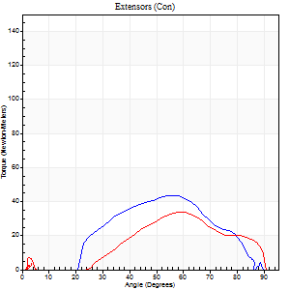
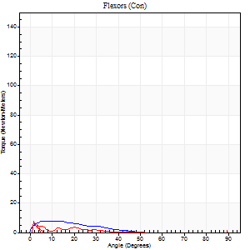
Right Side Curves Left Side Curves
Isokinetic Con/Con |  |  |  | Extensors (Con) |  | Flexors (Con)
Speed 240/240 d/s 3 Reps |  |  |  | Value | Cof Var | %BW | Value | Cof Var | %BW | Ratio

TORQUE PARAMETERS
Peak Torque (Newton-Meters - Best Repetition)
Right |  |  |  | 43 | 0.14 | 45 | 8 | 0.31 | 9 | 19
Left |  |  |  | 34 | 0.36 | 33 | 12 | 0.48 | 12 | 36
Deficit |  |  |  | 22 |  |  | 33
Work per Repetition (Newton-Meters - Best Repetition)
Right |  |  |  | 35 | 0.17 | 36 | 4 | 0.47 | 3 | 12
Left |  |  |  | 26 | 0.55 | 27 | 3 | 0.25 | 3 | 11
Deficit |  |  |  | 27 |  |  | 33
Average Power per Repetition (Watts - Best Repetition)
Right |  |  |  | 34 | 0.37 | 33 | 5 | 0.78 | 4 | 15
Left |  |  |  | 25 | 0.59 | 24 | 2 | 0.38 | 2 | 8
Deficit |  |  |  | 26 |  |  | 60
POSITION PARAMETERS
Joint Angle at Peak Torque (Degrees)
Right |  |  |  | 56 | 0.01 |  | 12 | 0.52
Left |  |  |  | 68 | 0.16 |  | 4 | 1.19
Range of Motion (Degrees)
Right |  |  |  | 0 | 0.54 |  | 89 | 0.01
Left |  |  |  | 1 | 0.35 |  | 90 | 0
TIME PARAMETERS
Time to Peak Torque (Seconds)
Right |  |  |  | 0.38 | 0.02 |  | 0.32 | 0.36
Left |  |  |  | 0.38 | 0.41 |  | 0.05 | 1.55
Time Peak Torque Held (Seconds)
Right |  |  |  | 0.01 | 0.87 |  | 0.03 | 1.45
Left |  |  |  | 0.01 | 0 |  | 0 | 1.73
Force Decay Time (Seconds)
Right |  |  |  | 0.5 | 0.24 |  | 0.8 | 0.34
Left |  |  |  | 0.49 | 0.42 |  | 1.53 | 0.44
Reciprocal Delay (Seconds)
Right |  |  |  | 0.14 | 0.44 |  | 0.27 | 0.55
Left |  |  |  | 0.7 | 0.15 |  | 0.09 | 0.68
Delay Time (Seconds)
Right |  |  |  | 0.14 | 2.29 |  | -0.05 | -0.6
Left |  |  |  | -0.06 | -0.33 |  | 0.04 | 2.93
HUMAC2015® Version: 15.000.0074 © Computer Sports Medicine, Inc. www.csmisolutions.com

Use File, Preference to set Report Heading
Isometric - Knee Extension/Flexion
Name: |  |  |  | TR030FP3034, | ID: |  | Right/Left: | 29.09.2021 29.09.2021

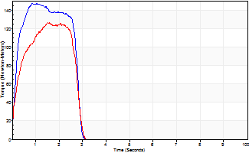
Isometric Extensors (Con) Angle 60 Time 10 Repetition 2 (Best Repetition)
 | Value | Cof Var | %BW
Peak Torque (Newton-Meters)
Right | 148 | 0.03 | 149
Left | 126 | 0.2 | 125
Deficit | 15
Average Torque (Newton-Meters)
Right | 39 | 0.06 | 39
Left | 30 | 0.25 | 30
Deficit | 24
Peak Torque Slope (Newton-Meters/Seconds)
Right | 140 | 0.37 | 140
Left | 83 | 0.01 | 83 |  | Right Side Curves Left Side Curves
Deficit | 41
Time to Half Peak Torque (Seconds)
Right | 0.18 | 0.04
Left | 0.27 | 0.21
Time to Peak Torque (Seconds)
Right | 1.37 | 0.34
Left | 1.33 | 0.19
HUMAC2015® Version: 15.000.0074 © Computer Sports Medicine, Inc. www.csmisolutions.com

pre2
Use File, Preference to set Report Heading
Long Form Torque vs. Position Report - Knee Extension/Flexion
Name: |  |  |  | TR030FP3034, | ID: |  | Right/Left: | 30.09.2021 30.09.2021
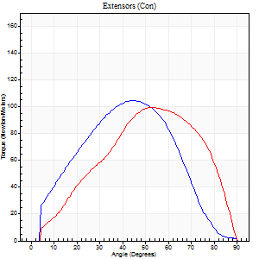
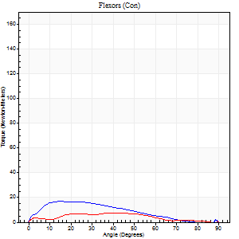
Right Side Curves Left Side Curves
Isokinetic Con/Con |  |  |  | Extensors (Con) |  | Flexors (Con)
Speed 60/60 d/s 3 Reps |  |  |  | Value | Cof Var | %BW | Value | Cof Var | %BW | Ratio

TORQUE PARAMETERS
Peak Torque (Newton-Meters - Best Repetition)
Right |  |  |  | 104 | 0.04 | 104 | 16 | 0.16 | 15 | 16
Left |  |  |  | 99 | 0.02 | 98 | 9 | 0.32 | 9 | 10
Deficit |  |  |  | 5 |  |  | 42
Work per Repetition (Newton-Meters - Best Repetition)
Right |  |  |  | 102 | 0.04 | 101 | 15 | 0.07 | 15 | 15
Left |  |  |  | 96 | 0.02 | 95 | 7 | 0.38 | 6 | 7
Deficit |  |  |  | 5 |  |  | 55
Average Power per Repetition (Watts - Best Repetition)
Right |  |  |  | 63 | 0.13 | 64 | 9 | 0.19 | 9 | 14
Left |  |  |  | 62 | 0.03 | 62 | 4 | 0.41 | 4 | 6
Deficit |  |  |  | 2 |  |  | 56
POSITION PARAMETERS
Joint Angle at Peak Torque (Degrees)
Right |  |  |  | 48 | 0.08 |  | 24 | 0.46
Left |  |  |  | 55 | 0.08 |  | 47 | 0.79
Range of Motion (Degrees)
Right |  |  |  | 0 | 0.71 |  | 90 | 0
Left |  |  |  | 0 | 0.53 |  | 90 | 0
TIME PARAMETERS
Time to Peak Torque (Seconds)
Right |  |  |  | 0.75 | 0.05 |  | 0.48 | 0.42
Left |  |  |  | 0.62 | 0.1 |  | 1.11 | 0.73
Time Peak Torque Held (Seconds)
Right |  |  |  | 0.05 | 0.2 |  | 0.08 | 1.73
Left |  |  |  | 0.06 | 0.2 |  | 0.01 | 1.73
Force Decay Time (Seconds)
Right |  |  |  | 0.8 | 0.05 |  | 1.22 | 0.3
Left |  |  |  | 0.88 | 0.06 |  | 0.66 | 1.29
Reciprocal Delay (Seconds)
Right |  |  |  | 0.57 | 0.48 |  | 0.41 | 0.17
Left |  |  |  | 0.7 | 0.39 |  | 0.24 | 0.47
Delay Time (Seconds)
Right |  |  |  | -0.05 | -0.39 |  | -0.03 | -0.33
Left |  |  |  | -0.04 | -0.71 |  | -0.07 | -1.1
HUMAC2015® Version: 15.000.0074 © Computer Sports Medicine, Inc. www.csmisolutions.com

Use File, Preference to set Report Heading
Long Form Torque vs. Position Report - Knee Extension/Flexion
Name: |  |  |  | TR030FP3034, | ID: |  | Right/Left: | 30.09.2021 30.09.2021
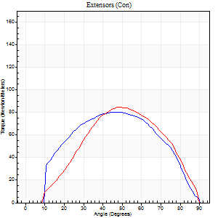
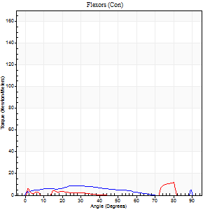
Right Side Curves Left Side Curves
Isokinetic Con/Con |  |  |  | Extensors (Con) |  | Flexors (Con)
Speed 120/120 d/s 3 Reps |  |  |  | Value | Cof Var | %BW | Value | Cof Var | %BW | Ratio

TORQUE PARAMETERS
Peak Torque (Newton-Meters - Best Repetition)
Right |  |  |  | 80 | 0.04 | 80 | 9 | 0.29 | 9 | 12
Left |  |  |  | 84 | 0.05 | 83 | 12 | 0.33 | 12 | 15
Deficit |  |  |  | 5 |  |  | 22
Work per Repetition (Newton-Meters - Best Repetition)
Right |  |  |  | 81 | 0.03 | 80 | 7 | 0.47 | 6 | 8
Left |  |  |  | 76 | 0.1 | 75 | 4 | 0.78 | 3 | 5
Deficit |  |  |  | 7 |  |  | 40
Average Power per Repetition (Watts - Best Repetition)
Right |  |  |  | 78 | 0.05 | 77 | 6 | 0.57 | 7 | 8
Left |  |  |  | 91 | 0.14 | 90 | 4 | 0.69 | 4 | 4
Deficit |  |  |  | 14 |  |  | 33
POSITION PARAMETERS
Joint Angle at Peak Torque (Degrees)
Right |  |  |  | 50 | 0.09 |  | 18 | 0.84
Left |  |  |  | 53 | 0.07 |  | 37 | 1.07
Range of Motion (Degrees)
Right |  |  |  | 0 | 0 |  | 90 | 0
Left |  |  |  | 1 | 0.09 |  | 90 | 0
TIME PARAMETERS
Time to Peak Torque (Seconds)
Right |  |  |  | 0.46 | 0.26 |  | 0.29 | 0.75
Left |  |  |  | 0.37 | 0.08 |  | 0.34 | 1.08
Time Peak Torque Held (Seconds)
Right |  |  |  | 0.04 | 0.69 |  | 0.02 | 1.73
Left |  |  |  | 0.02 | 0.35 |  | 0 | 0
Force Decay Time (Seconds)
Right |  |  |  | 0.56 | 0.15 |  | 0.82 | 0.58
Left |  |  |  | 0.48 | 0.13 |  | 0.9 | 1.04
Reciprocal Delay (Seconds)
Right |  |  |  | 0.71 | 0.33 |  | 0.27 | 0.85
Left |  |  |  | 0.26 | 0.38 |  | 0.1 | 0.52
Delay Time (Seconds)
Right |  |  |  | -0.08 | -0.47 |  | -0.06 | -0.71
Left |  |  |  | -0.02 | -0.71 |  | 0.56 | 1.7
HUMAC2015® Version: 15.000.0074 © Computer Sports Medicine, Inc. www.csmisolutions.com

Use File, Preference to set Report Heading
Long Form Torque vs. Position Report - Knee Extension/Flexion
Name: |  |  |  | TR030FP3034, | ID: |  | Right/Left: | 30.09.2021 30.09.2021
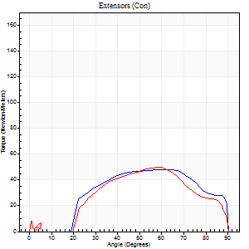
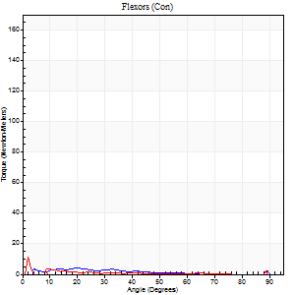
Right Side Curves Left Side Curves
Isokinetic Con/Con |  |  |  | Extensors (Con) |  | Flexors (Con)
Speed 240/240 d/s 3 Reps |  |  |  | Value | Cof Var | %BW | Value | Cof Var | %BW | Ratio

TORQUE PARAMETERS
Peak Torque (Newton-Meters - Best Repetition)
Right |  |  |  | 47 | 0.12 | 48 | 7 | 0.21 | 6 | 14
Left |  |  |  | 50 | 0.01 | 51 | 12 | 0.59 | 12 | 24
Deficit |  |  |  | 5 |  |  | 44
Work per Repetition (Newton-Meters - Best Repetition)
Right |  |  |  | 49 | 0.25 | 48 | 3 | 0.24 | 3 | 6
Left |  |  |  | 45 | 0 | 45 | 1 | 0.18 | 0 | 3
Deficit |  |  |  | 8 |  |  | 50
Average Power per Repetition (Watts - Best Repetition)
Right |  |  |  | 91 | 0.44 | 90 | 2 | 0.26 | 2 | 2
Left |  |  |  | 83 | 0.3 | 84 | 1 | 0.42 | 0 | 1
Deficit |  |  |  | 9 |  |  | 50
POSITION PARAMETERS
Joint Angle at Peak Torque (Degrees)
Right |  |  |  | 62 | 0.07 |  | 61 | 0.81
Left |  |  |  | 62 | 0.05 |  | 31 | 1.64
Range of Motion (Degrees)
Right |  |  |  | 2 | 0.03 |  | 90 | 0
Left |  |  |  | 2 | 0.03 |  | 90 | 0
TIME PARAMETERS
Time to Peak Torque (Seconds)
Right |  |  |  | 0.22 | 0.1 |  | 1.06 | 0.72
Left |  |  |  | 0.22 | 0.1 |  | 0.61 | 1.69
Time Peak Torque Held (Seconds)
Right |  |  |  | 0.01 | 1.73 |  | 0.14 | 1.67
Left |  |  |  | 0.01 | 1 |  | 0 | 0
Force Decay Time (Seconds)
Right |  |  |  | 0.33 | 0.12 |  | 0.02 | 56.85
Left |  |  |  | 0.42 | 0.51 |  | 1.12 | 1.27
Reciprocal Delay (Seconds)
Right |  |  |  | 1 | 0.04 |  | 0.37 | 0.76
Left |  |  |  | 0.8 | 0.49 |  | 0.25 | 1.09
Delay Time (Seconds)
Right |  |  |  | -0.05 | -0.28 |  | 0.08 | 3.36
Left |  |  |  | -0.05 | -0.28 |  | -0.02 | -2.58
HUMAC2015® Version: 15.000.0074 © Computer Sports Medicine, Inc. www.csmisolutions.com

Use File, Preference to set Report Heading
Isometric - Knee Extension/Flexion
Name: |  |  |  | TR030FP3034, | ID: |  | Right/Left: | 30.09.2021 30.09.2021

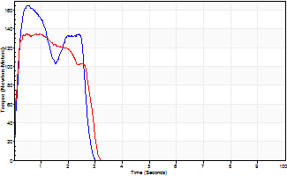
Isometric Extensors (Con) Angle 60 Time 10 Repetition 2 (Best Repetition)
 | Value | Cof Var | %BW
Peak Torque (Newton-Meters)
Right | 165 | 0 | 164
Left | 136 | 0.03 | 134
Deficit | 18
Average Torque (Newton-Meters)
Right | 52 | 0.27 | 51
Left | 35 | 0.04 | 36
Deficit | 32
Peak Torque Slope (Newton-Meters/Seconds)
Right | 349 | 0.02 | 349
Left | 167 | 0.77 | 166 |  | Right Side Curves Left Side Curves
Deficit | 52
Time to Half Peak Torque (Seconds)
Right | 0.14 | 0
Left | 0.09 | 0.22
Time to Peak Torque (Seconds)
Right | 0.47 | 0.03
Left | 1.71 | 0.75
HUMAC2015® Version: 15.000.0074 © Computer Sports Medicine, Inc. www.csmisolutions.com

