pre1
Use File, Preference to set Report Heading
Long Form Torque vs. Position Report - Knee Extension/Flexion
Name: |  |  |  | TR030FP3035, | ID: |  | Right/Left: | 01.10.2021 01.10.2021
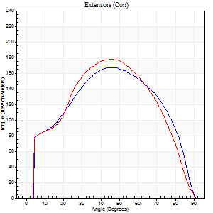
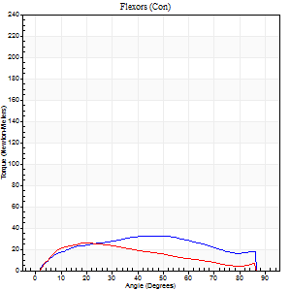
Right Side Curves Left Side Curves
Isokinetic Con/Con |  |  |  | Extensors (Con) |  | Flexors (Con)
Speed 60/60 d/s 3 Reps |  |  |  | Value | Cof Var | %BW | Value | Cof Var | %BW | Ratio

TORQUE PARAMETERS
Peak Torque (Newton-Meters - Best Repetition)
Right |  |  |  | 167 | 0.07 | 250 | 33 | 0.23 | 48 | 20
Left |  |  |  | 178 | 0.1 | 265 | 26 | 0.29 | 39 | 15
Deficit |  |  |  | 6 |  |  | 21
Work per Repetition (Newton-Meters - Best Repetition)
Right |  |  |  | 184 | 0.04 | 277 | 35 | 0.24 | 54 | 19
Left |  |  |  | 184 | 0.04 | 277 | 22 | 0.2 | 33 | 12
Deficit |  |  |  | 0 |  |  | 38
Average Power per Repetition (Watts - Best Repetition)
Right |  |  |  | 117 | 0.03 | 176 | 23 | 0.24 | 35 | 20
Left |  |  |  | 110 | 0.12 | 165 | 15 | 0.22 | 22 | 14
Deficit |  |  |  | 6 |  |  | 35
POSITION PARAMETERS
Joint Angle at Peak Torque (Degrees)
Right |  |  |  | 45 | 0.04 |  | 35 | 0.29
Left |  |  |  | 45 | 0.1 |  | 22 | 0.39
Range of Motion (Degrees)
Right |  |  |  | 0 | -0.71 |  | 90 | 0
Left |  |  |  | 0 | -0.47 |  | 90 | 0
TIME PARAMETERS
Time to Peak Torque (Seconds)
Right |  |  |  | 0.78 | 0.02 |  | 0.6 | 0.27
Left |  |  |  | 0.76 | 0.15 |  | 0.38 | 0.41
Time Peak Torque Held (Seconds)
Right |  |  |  | 0.08 | 0.12 |  | 0.07 | 0.65
Left |  |  |  | 0.08 | 0.2 |  | 0.03 | 0.88
Force Decay Time (Seconds)
Right |  |  |  | 0.71 | 0.04 |  | 0.86 | 0.22
Left |  |  |  | 0.72 | 0.09 |  | 1.12 | 0.15
Reciprocal Delay (Seconds)
Right |  |  |  | 0.16 | 0.09 |  | 0.3 | 0.56
Left |  |  |  | 0.21 | 0.17 |  | 0.23 | 0.2
Delay Time (Seconds)
Right |  |  |  | 0.01 | 1.41 |  | 0.06 | 0.66
Left |  |  |  | 0.01 | 0 |  | 0.04 | 0.48
HUMAC2015® Version: 15.000.0074 © Computer Sports Medicine, Inc. www.csmisolutions.com

Use File, Preference to set Report Heading
Long Form Torque vs. Position Report - Knee Extension/Flexion
Name: |  |  |  | TR030FP3035, | ID: |  | Right/Left: | 01.10.2021 01.10.2021
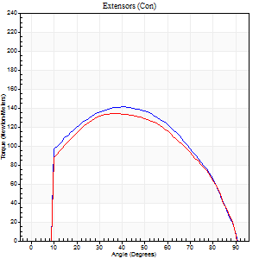
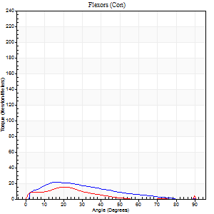
Right Side Curves Left Side Curves
Isokinetic Con/Con |  |  |  | Extensors (Con) |  | Flexors (Con)
Speed 120/120 d/s 3 Reps |  |  |  | Value | Cof Var | %BW | Value | Cof Var | %BW | Ratio

TORQUE PARAMETERS
Peak Torque (Newton-Meters - Best Repetition)
Right |  |  |  | 141 | 0.08 | 212 | 22 | 0.34 | 33 | 15
Left |  |  |  | 134 | 0.06 | 200 | 15 | 0.04 | 21 | 11
Deficit |  |  |  | 5 |  |  | 31
Work per Repetition (Newton-Meters - Best Repetition)
Right |  |  |  | 155 | 0.05 | 232 | 15 | 0.3 | 21 | 10
Left |  |  |  | 146 | 0.03 | 218 | 11 | 0.23 | 15 | 7
Deficit |  |  |  | 5 |  |  | 27
Average Power per Repetition (Watts - Best Repetition)
Right |  |  |  | 171 | 0.03 | 255 | 17 | 0.24 | 26 | 10
Left |  |  |  | 168 | 0.18 | 251 | 12 | 0.27 | 18 | 7
Deficit |  |  |  | 2 |  |  | 29
POSITION PARAMETERS
Joint Angle at Peak Torque (Degrees)
Right |  |  |  | 39 | 0.08 |  | 18 | 0.09
Left |  |  |  | 40 | 0.08 |  | 44 | 0.9
Range of Motion (Degrees)
Right |  |  |  | 0 | 0.28 |  | 90 | 0
Left |  |  |  | 0 | -1.41 |  | 90 | 0
TIME PARAMETERS
Time to Peak Torque (Seconds)
Right |  |  |  | 0.47 | 0.06 |  | 0.19 | 0.03
Left |  |  |  | 0.44 | 0.06 |  | 0.51 | 0.77
Time Peak Torque Held (Seconds)
Right |  |  |  | 0.03 | 0.35 |  | 0.03 | 0.96
Left |  |  |  | 0.03 | 0.46 |  | 0.01 | 1.73
Force Decay Time (Seconds)
Right |  |  |  | 0.36 | 0.1 |  | 0.63 | 0.15
Left |  |  |  | 0.37 | 0.05 |  | 0.41 | 0.97
Reciprocal Delay (Seconds)
Right |  |  |  | 0.22 | 0.51 |  | 0.18 | 0.46
Left |  |  |  | 0.18 | 0 |  | 0.26 | 0.23
Delay Time (Seconds)
Right |  |  |  | -0.01 | -0.47 |  | 0.06 | 0.44
Left |  |  |  | 0 | 0 |  | -0.02 | -1.25
HUMAC2015® Version: 15.000.0074 © Computer Sports Medicine, Inc. www.csmisolutions.com

Use File, Preference to set Report Heading
Long Form Torque vs. Position Report - Knee Extension/Flexion
Name: |  |  |  | TR030FP3035, | ID: |  | Right/Left: | 01.10.2021 01.10.2021
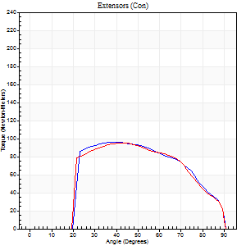
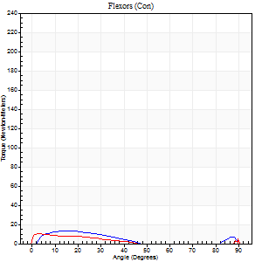
Right Side Curves Left Side Curves
Isokinetic Con/Con |  |  |  | Extensors (Con) |  | Flexors (Con)
Speed 240/240 d/s 3 Reps |  |  |  | Value | Cof Var | %BW | Value | Cof Var | %BW | Ratio

TORQUE PARAMETERS
Peak Torque (Newton-Meters - Best Repetition)
Right |  |  |  | 96 | 0.04 | 143 | 14 | 0.21 | 21 | 14
Left |  |  |  | 95 | 0.02 | 143 | 18 | 0.48 | 27 | 19
Deficit |  |  |  | 1 |  |  | 23
Work per Repetition (Newton-Meters - Best Repetition)
Right |  |  |  | 94 | 0.07 | 140 | 8 | 0.14 | 12 | 9
Left |  |  |  | 92 | 0.04 | 137 | 5 | 0.27 | 9 | 6
Deficit |  |  |  | 1 |  |  | 33
Average Power per Repetition (Watts - Best Repetition)
Right |  |  |  | 170 | 0.08 | 255 | 12 | 0.13 | 18 | 7
Left |  |  |  | 165 | 0.21 | 246 | 7 | 0.51 | 11 | 4
Deficit |  |  |  | 3 |  |  | 42
POSITION PARAMETERS
Joint Angle at Peak Torque (Degrees)
Right |  |  |  | 42 | 0.08 |  | 65 | 0.68
Left |  |  |  | 43 | 0.06 |  | 31 | 1.63
Range of Motion (Degrees)
Right |  |  |  | 0 | 2.83 |  | 90 | 0
Left |  |  |  | 0 | -0.47 |  | 90 | 0
TIME PARAMETERS
Time to Peak Torque (Seconds)
Right |  |  |  | 0.29 | 0 |  | 0.6 | 0.6
Left |  |  |  | 0.26 | 0.03 |  | 0.37 | 1.36
Time Peak Torque Held (Seconds)
Right |  |  |  | 0.01 | 1 |  | 0 | 0
Left |  |  |  | 0.01 | 0.43 |  | 0 | 0
Force Decay Time (Seconds)
Right |  |  |  | 0.25 | 0.08 |  | 0.04 | 9.23
Left |  |  |  | 0.27 | 0.06 |  | 0.58 | 1.15
Reciprocal Delay (Seconds)
Right |  |  |  | 0.28 | 0.56 |  | 0.17 | 0.52
Left |  |  |  | 0.27 | 0.1 |  | 0.3 | 0.17
Delay Time (Seconds)
Right |  |  |  | -0.02 | 0 |  | 0.01 | 5.27
Left |  |  |  | -0.01 | 0 |  | -0.02 | -0.25
HUMAC2015® Version: 15.000.0074 © Computer Sports Medicine, Inc. www.csmisolutions.com

Use File, Preference to set Report Heading
Isometric - Knee Extension/Flexion
Name: |  |  |  | TR030FP3035, | ID: |  | Right/Left: | 01.10.2021 01.10.2021

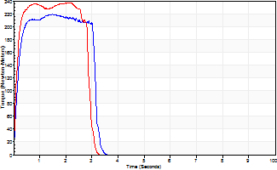
Isometric Extensors (Con) Angle 60 Time 10 Repetition 2 (Best Repetition)
 | Value | Cof Var | %BW
Peak Torque (Newton-Meters)
Right | 220 | 0.06 | 328
Left | 237 | 0.02 | 355
Deficit | 7
Average Torque (Newton-Meters)
Right | 64 | 0.05 | 95
Left | 64 | 0.09 | 95
Deficit | 0
Peak Torque Slope (Newton-Meters/Seconds)
Right | 343 | 0.57 | 512
Left | 124 | 0.05 | 185 |  | Right Side Curves Left Side Curves
Deficit | 64
Time to Half Peak Torque (Seconds)
Right | 0.12 | 0.28
Left | 0.12 | 0.12
Time to Peak Torque (Seconds)
Right | 1.03 | 0.62
Left | 1.95 | 0.07
HUMAC2015® Version: 15.000.0074 © Computer Sports Medicine, Inc. www.csmisolutions.com

pre2
Use File, Preference to set Report Heading
Long Form Torque vs. Position Report - Knee Extension/Flexion
Name: |  |  |  | TR030FP3035, | ID: |  | Right/Left: | 06.10.2021 06.10.2021
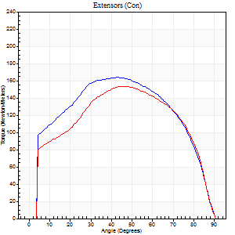
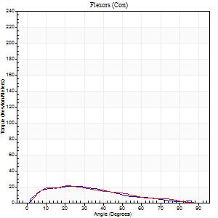
Right Side Curves Left Side Curves
Isokinetic Con/Con |  |  |  | Extensors (Con) |  | Flexors (Con)
Speed 60/60 d/s 3 Reps |  |  |  | Value | Cof Var | %BW | Value | Cof Var | %BW | Ratio

TORQUE PARAMETERS
Peak Torque (Newton-Meters - Best Repetition)
Right |  |  |  | 164 | 0.04 | 244 | 20 | 0.11 | 30 | 12
Left |  |  |  | 153 | 0.06 | 229 | 22 | 0.07 | 33 | 14
Deficit |  |  |  | 7 |  |  | 6
Work per Repetition (Newton-Meters - Best Repetition)
Right |  |  |  | 191 | 0.02 | 286 | 20 | 0.18 | 30 | 11
Left |  |  |  | 175 | 0.02 | 262 | 18 | 0.07 | 27 | 10
Deficit |  |  |  | 9 |  |  | 13
Average Power per Repetition (Watts - Best Repetition)
Right |  |  |  | 118 | 0.01 | 176 | 14 | 0.17 | 22 | 12
Left |  |  |  | 109 | 0.01 | 163 | 11 | 0.05 | 15 | 10
Deficit |  |  |  | 8 |  |  | 21
POSITION PARAMETERS
Joint Angle at Peak Torque (Degrees)
Right |  |  |  | 42 | 0.05 |  | 24 | 0.33
Left |  |  |  | 44 | 0.07 |  | 16 | 0.32
Range of Motion (Degrees)
Right |  |  |  | 0 | -0.2 |  | 90 | 0
Left |  |  |  | 0 | -0.28 |  | 90 | 0
TIME PARAMETERS
Time to Peak Torque (Seconds)
Right |  |  |  | 0.81 | 0.05 |  | 0.35 | 0.38
Left |  |  |  | 0.78 | 0.07 |  | 0.26 | 0.31
Time Peak Torque Held (Seconds)
Right |  |  |  | 0.09 | 0.11 |  | 0 | 0
Left |  |  |  | 0.08 | 0.33 |  | 0.01 | 1
Force Decay Time (Seconds)
Right |  |  |  | 0.66 | 0.07 |  | 1.1 | 0.08
Left |  |  |  | 0.71 | 0.1 |  | 1.23 | 0.07
Reciprocal Delay (Seconds)
Right |  |  |  | 0.16 | 0.09 |  | 0.18 | 0.43
Left |  |  |  | 0.11 | 0.26 |  | 0.18 | 0.23
Delay Time (Seconds)
Right |  |  |  | 0.01 | 0.47 |  | 0.1 | 0.44
Left |  |  |  | 0.01 | 0 |  | 0.05 | 0.39
HUMAC2015® Version: 15.000.0074 © Computer Sports Medicine, Inc. www.csmisolutions.com

Use File, Preference to set Report Heading
Long Form Torque vs. Position Report - Knee Extension/Flexion
Name: |  |  |  | TR030FP3035, | ID: |  | Right/Left: | 06.10.2021 06.10.2021
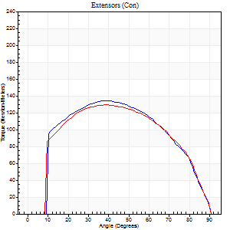
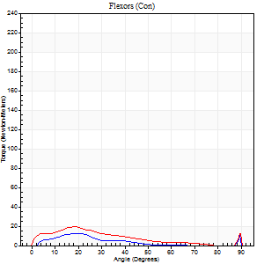
Right Side Curves Left Side Curves
Isokinetic Con/Con |  |  |  | Extensors (Con) |  | Flexors (Con)
Speed 120/120 d/s 3 Reps |  |  |  | Value | Cof Var | %BW | Value | Cof Var | %BW | Ratio

TORQUE PARAMETERS
Peak Torque (Newton-Meters - Best Repetition)
Right |  |  |  | 134 | 0.05 | 200 | 12 | 0.2 | 18 | 9
Left |  |  |  | 129 | 0.07 | 194 | 19 | 0.13 | 30 | 15
Deficit |  |  |  | 4 |  |  | 36
Work per Repetition (Newton-Meters - Best Repetition)
Right |  |  |  | 146 | 0.02 | 218 | 7 | 0.22 | 9 | 5
Left |  |  |  | 144 | 0.05 | 215 | 14 | 0.14 | 21 | 9
Deficit |  |  |  | 2 |  |  | 50
Average Power per Repetition (Watts - Best Repetition)
Right |  |  |  | 168 | 0.06 | 251 | 7 | 0.16 | 11 | 4
Left |  |  |  | 158 | 0.03 | 235 | 16 | 0.11 | 24 | 10
Deficit |  |  |  | 6 |  |  | 56
POSITION PARAMETERS
Joint Angle at Peak Torque (Degrees)
Right |  |  |  | 37 | 0.14 |  | 21 | 0.06
Left |  |  |  | 36 | 0.11 |  | 18 | 0.03
Range of Motion (Degrees)
Right |  |  |  | 0 | 0.47 |  | 90 | 0
Left |  |  |  | 0 | 0.47 |  | 90 | 0.01
TIME PARAMETERS
Time to Peak Torque (Seconds)
Right |  |  |  | 0.5 | 0.11 |  | 0.18 | 0.25
Left |  |  |  | 0.5 | 0.04 |  | 0.2 | 0.08
Time Peak Torque Held (Seconds)
Right |  |  |  | 0.05 | 0.12 |  | 0 | 0
Left |  |  |  | 0.04 | 0.43 |  | 0.01 | 0.87
Force Decay Time (Seconds)
Right |  |  |  | 0.32 | 0.14 |  | 0.66 | 0.04
Left |  |  |  | 0.32 | 0.09 |  | 0.61 | 0.09
Reciprocal Delay (Seconds)
Right |  |  |  | 0.11 | 0.26 |  | 0.14 | 0.49
Left |  |  |  | 0.08 | 0.35 |  | 0.14 | 0.41
Delay Time (Seconds)
Right |  |  |  | -0.02 | 0 |  | 0.07 | 0.38
Left |  |  |  | 0 | -1.41 |  | 0.02 | 1.24
HUMAC2015® Version: 15.000.0074 © Computer Sports Medicine, Inc. www.csmisolutions.com

Use File, Preference to set Report Heading
Long Form Torque vs. Position Report - Knee Extension/Flexion
Name: |  |  |  | TR030FP3035, | ID: |  | Right/Left: | 06.10.2021 06.10.2021
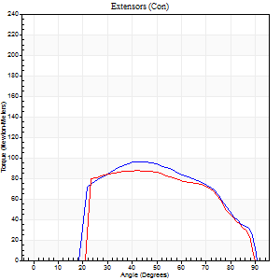
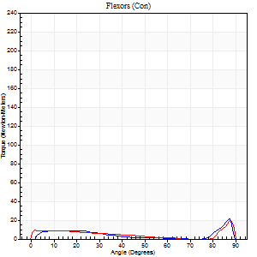
Right Side Curves Left Side Curves
Isokinetic Con/Con |  |  |  | Extensors (Con) |  | Flexors (Con)
Speed 240/240 d/s 3 Reps |  |  |  | Value | Cof Var | %BW | Value | Cof Var | %BW | Ratio

TORQUE PARAMETERS
Peak Torque (Newton-Meters - Best Repetition)
Right |  |  |  | 96 | 0.05 | 143 | 22 | 0.54 | 33 | 23
Left |  |  |  | 87 | 0.01 | 131 | 19 | 0.41 | 30 | 22
Deficit |  |  |  | 10 |  |  | 13
Work per Repetition (Newton-Meters - Best Repetition)
Right |  |  |  | 94 | 0.01 | 140 | 7 | 0.23 | 9 | 7
Left |  |  |  | 88 | 0.03 | 131 | 8 | 0.18 | 12 | 9
Deficit |  |  |  | 6 |  |  | 17
Average Power per Repetition (Watts - Best Repetition)
Right |  |  |  | 178 | 0.06 | 266 | 13 | 0.25 | 20 | 7
Left |  |  |  | 160 | 0.03 | 240 | 12 | 0.19 | 18 | 8
Deficit |  |  |  | 10 |  |  | 8
POSITION PARAMETERS
Joint Angle at Peak Torque (Degrees)
Right |  |  |  | 43 | 0.01 |  | 36 | 1.21
Left |  |  |  | 40 | 0.12 |  | 31 | 1.62
Range of Motion (Degrees)
Right |  |  |  | 0 | 0.39 |  | 90 | 0.01
Left |  |  |  | 0 | 0 |  | 90 | 0.01
TIME PARAMETERS
Time to Peak Torque (Seconds)
Right |  |  |  | 0.26 | 0.08 |  | 0.26 | 0.96
Left |  |  |  | 0.29 | 0.07 |  | 0.25 | 1.25
Time Peak Torque Held (Seconds)
Right |  |  |  | 0.02 | 1.38 |  | 0 | 0
Left |  |  |  | 0.02 | 0 |  | 0 | 0
Force Decay Time (Seconds)
Right |  |  |  | 0.24 | 0.18 |  | 0.32 | 0.81
Left |  |  |  | 0.24 | 0.08 |  | 0.39 | 0.78
Reciprocal Delay (Seconds)
Right |  |  |  | 0.06 | 0.47 |  | 0.1 | 0.17
Left |  |  |  | 0.06 | 0.24 |  | 0.18 | 0.24
Delay Time (Seconds)
Right |  |  |  | -0.02 | -0.28 |  | 0.04 | 0.5
Left |  |  |  | -0.02 | 0 |  | -0.02 | -0.25
HUMAC2015® Version: 15.000.0074 © Computer Sports Medicine, Inc. www.csmisolutions.com

Use File, Preference to set Report Heading
Isometric - Knee Extension/Flexion
Name: |  |  |  | TR030FP3035, | ID: |  | Right/Left: | 06.10.2021 06.10.2021

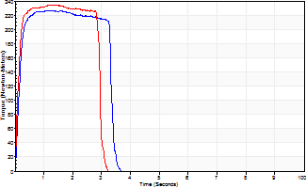
Isometric Extensors (Con) Angle 60 Time 10 Repetition 2 (Best Repetition)
 | Value | Cof Var | %BW
Peak Torque (Newton-Meters)
Right | 226 | 0.01 | 340
Left | 235 | 0.04 | 352
Deficit | 3
Average Torque (Newton-Meters)
Right | 71 | 0.06 | 104
Left | 65 | 0.03 | 98
Deficit | 8
Peak Torque Slope (Newton-Meters/Seconds)
Right | 184 | 0.32 | 275
Left | 186 | 0.08 | 278 |  | Right Side Curves Left Side Curves
Deficit | 1
Time to Half Peak Torque (Seconds)
Right | 0.13 | 0.05
Left | 0.11 | 0.13
Time to Peak Torque (Seconds)
Right | 1.57 | 0.31
Left | 1.29 | 0.04
HUMAC2015® Version: 15.000.0074 © Computer Sports Medicine, Inc. www.csmisolutions.com

mid1
Use File, Preference to set Report Heading
Long Form Torque vs. Position Report - Knee Extension/Flexion
Name: |  |  |  | TR030FP3035, | ID: |  | Right/Left: | 12.11.2021 12.11.2021
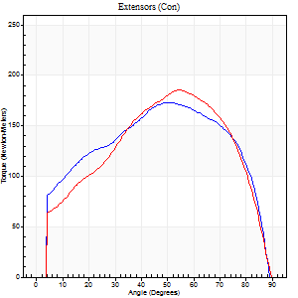
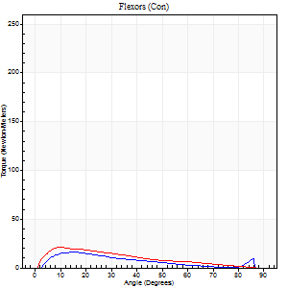
Right Side Curves Left Side Curves
Isokinetic Con/Con |  |  |  | Extensors (Con) |  | Flexors (Con)
Speed 60/60 d/s 3 Reps |  |  |  | Value | Cof Var | %BW | Value | Cof Var | %BW | Ratio

TORQUE PARAMETERS
Peak Torque (Newton-Meters - Best Repetition)
Right |  |  |  | 172 | 0.02 | 256 | 16 | 0.13 | 24 | 9
Left |  |  |  | 186 | 0.03 | 277 | 22 | 0.09 | 33 | 12
Deficit |  |  |  | 7 |  |  | 25
Work per Repetition (Newton-Meters - Best Repetition)
Right |  |  |  | 198 | 0.05 | 295 | 14 | 0.4 | 21 | 7
Left |  |  |  | 193 | 0.03 | 289 | 18 | 0.1 | 27 | 9
Deficit |  |  |  | 3 |  |  | 23
Average Power per Repetition (Watts - Best Repetition)
Right |  |  |  | 127 | 0.06 | 189 | 9 | 0.53 | 13 | 7
Left |  |  |  | 124 | 0.03 | 185 | 12 | 0.09 | 18 | 10
Deficit |  |  |  | 2 |  |  | 25
POSITION PARAMETERS
Joint Angle at Peak Torque (Degrees)
Right |  |  |  | 55 | 0.05 |  | 13 | 0.2
Left |  |  |  | 55 | 0.02 |  | 17 | 0.54
Range of Motion (Degrees)
Right |  |  |  | 0 | -0.28 |  | 90 | 0
Left |  |  |  | 0 | -1.41 |  | 90 | 0
TIME PARAMETERS
Time to Peak Torque (Seconds)
Right |  |  |  | 0.61 | 0.06 |  | 0.21 | 0.11
Left |  |  |  | 0.61 | 0.02 |  | 0.29 | 0.53
Time Peak Torque Held (Seconds)
Right |  |  |  | 0.06 | 0.18 |  | 0.02 | 0.92
Left |  |  |  | 0.05 | 0.45 |  | 0.04 | 1.5
Force Decay Time (Seconds)
Right |  |  |  | 0.9 | 0.06 |  | 1.4 | 0.23
Left |  |  |  | 0.91 | 0.04 |  | 1.18 | 0.12
Reciprocal Delay (Seconds)
Right |  |  |  | 0.21 | 1.08 |  | 0.16 | 0.06
Left |  |  |  | 0.18 | 0 |  | 0.22 | 0.05
Delay Time (Seconds)
Right |  |  |  | 0 | 1.41 |  | 0.1 | 0.11
Left |  |  |  | 0 | -1.41 |  | 0.03 | 0.22
HUMAC2015® Version: 15.000.0074 © Computer Sports Medicine, Inc. www.csmisolutions.com

Use File, Preference to set Report Heading
Long Form Torque vs. Position Report - Knee Extension/Flexion
Name: |  |  |  | TR030FP3035, | ID: |  | Right/Left: | 12.11.2021 12.11.2021
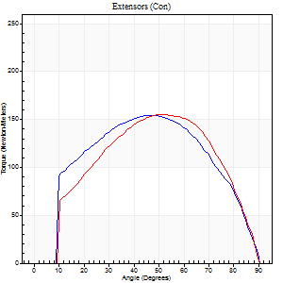
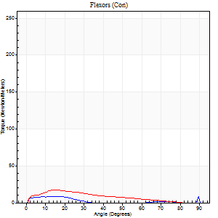
Right Side Curves Left Side Curves
Isokinetic Con/Con |  |  |  | Extensors (Con) |  | Flexors (Con)
Speed 120/120 d/s 3 Reps |  |  |  | Value | Cof Var | %BW | Value | Cof Var | %BW | Ratio

TORQUE PARAMETERS
Peak Torque (Newton-Meters - Best Repetition)
Right |  |  |  | 155 | 0.01 | 232 | 14 | 0.34 | 21 | 9
Left |  |  |  | 156 | 0.03 | 232 | 18 | 0.25 | 27 | 11
Deficit |  |  |  | 1 |  |  | 23
Work per Repetition (Newton-Meters - Best Repetition)
Right |  |  |  | 172 | 0.02 | 256 | 4 | 0.11 | 6 | 2
Left |  |  |  | 160 | 0.03 | 238 | 12 | 0.36 | 18 | 8
Deficit |  |  |  | 7 |  |  | 67
Average Power per Repetition (Watts - Best Repetition)
Right |  |  |  | 203 | 0.09 | 303 | 4 | 0.12 | 7 | 2
Left |  |  |  | 186 | 0.05 | 279 | 15 | 0.47 | 22 | 8
Deficit |  |  |  | 8 |  |  | 73
POSITION PARAMETERS
Joint Angle at Peak Torque (Degrees)
Right |  |  |  | 47 | 0.06 |  | 39 | 1.15
Left |  |  |  | 52 | 0.07 |  | 16 | 0.11
Range of Motion (Degrees)
Right |  |  |  | 0 | 0.28 |  | 90 | 0
Left |  |  |  | 0 | 0 |  | 90 | 0
TIME PARAMETERS
Time to Peak Torque (Seconds)
Right |  |  |  | 0.39 | 0.07 |  | 0.53 | 1.27
Left |  |  |  | 0.37 | 0.06 |  | 0.21 | 0.2
Time Peak Torque Held (Seconds)
Right |  |  |  | 0.03 | 0.46 |  | 0.05 | 1.38
Left |  |  |  | 0.04 | 0.31 |  | 0.01 | 1
Force Decay Time (Seconds)
Right |  |  |  | 0.41 | 0.07 |  | 0.5 | 0.97
Left |  |  |  | 0.47 | 0.05 |  | 0.7 | 0.12
Reciprocal Delay (Seconds)
Right |  |  |  | 0.15 | 0.28 |  | 0.16 | 0.46
Left |  |  |  | 0.19 | 0.11 |  | 0.15 | 0.38
Delay Time (Seconds)
Right |  |  |  | -0.01 | 0 |  | 0.03 | 1.2
Left |  |  |  | -0.01 | -0.47 |  | 0 | 0
HUMAC2015® Version: 15.000.0074 © Computer Sports Medicine, Inc. www.csmisolutions.com

Use File, Preference to set Report Heading
Long Form Torque vs. Position Report - Knee Extension/Flexion
Name: |  |  |  | TR030FP3035, | ID: |  | Right/Left: | 12.11.2021 12.11.2021
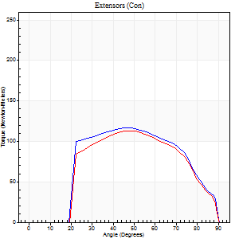
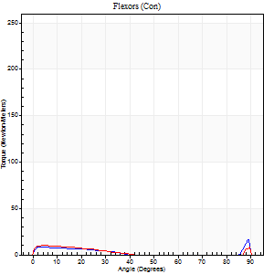
Right Side Curves Left Side Curves
Isokinetic Con/Con |  |  |  | Extensors (Con) |  | Flexors (Con)
Speed 240/240 d/s 3 Reps |  |  |  | Value | Cof Var | %BW | Value | Cof Var | %BW | Ratio

TORQUE PARAMETERS
Peak Torque (Newton-Meters - Best Repetition)
Right |  |  |  | 117 | 0.03 | 176 | 16 | 0.5 | 24 | 14
Left |  |  |  | 113 | 0.04 | 167 | 23 | 0.5 | 36 | 20
Deficit |  |  |  | 3 |  |  | 29
Work per Repetition (Newton-Meters - Best Repetition)
Right |  |  |  | 115 | 0.07 | 173 | 5 | 0.17 | 9 | 5
Left |  |  |  | 107 | 0.05 | 161 | 7 | 0.28 | 9 | 6
Deficit |  |  |  | 7 |  |  | 20
Average Power per Repetition (Watts - Best Repetition)
Right |  |  |  | 206 | 0.58 | 308 | 7 | 0.27 | 11 | 3
Left |  |  |  | 196 | 0.06 | 292 | 11 | 0.49 | 15 | 6
Deficit |  |  |  | 5 |  |  | 36
POSITION PARAMETERS
Joint Angle at Peak Torque (Degrees)
Right |  |  |  | 46 | 0.07 |  | 37 | 1.21
Left |  |  |  | 49 | 0.03 |  | 34 | 1.42
Range of Motion (Degrees)
Right |  |  |  | 0 | 0 |  | 90 | 0
Left |  |  |  | 0 | -1.41 |  | 90 | 0
TIME PARAMETERS
Time to Peak Torque (Seconds)
Right |  |  |  | 0.25 | 0.06 |  | 0.37 | 0.87
Left |  |  |  | 0.24 | 0.06 |  | 0.39 | 1.09
Time Peak Torque Held (Seconds)
Right |  |  |  | 0.01 | 0.43 |  | 0.02 | 1.73
Left |  |  |  | 0.01 | 0.43 |  | 0.01 | 1
Force Decay Time (Seconds)
Right |  |  |  | 0.28 | 0.07 |  | 0.35 | 0.89
Left |  |  |  | 0.29 | 0.02 |  | 0.37 | 1.27
Reciprocal Delay (Seconds)
Right |  |  |  | 0.15 | 0.66 |  | 0.23 | 0.03
Left |  |  |  | 0.25 | 0.26 |  | 0.24 | 0.17
Delay Time (Seconds)
Right |  |  |  | -0.02 | -0.28 |  | 0 | 0
Left |  |  |  | -0.01 | 0 |  | -0.03 | 0
HUMAC2015® Version: 15.000.0074 © Computer Sports Medicine, Inc. www.csmisolutions.com

Use File, Preference to set Report Heading
Isometric - Knee Extension/Flexion
Name: |  |  |  | TR030FP3035, | ID: |  | Right/Left: | 12.11.2021 12.11.2021

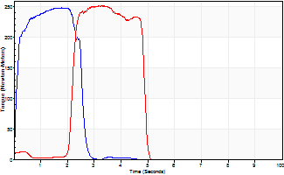
Isometric Extensors (Con) Angle 60 Time 10 Repetition 2 (Best Repetition)
 | Value | Cof Var | %BW
Peak Torque (Newton-Meters)
Right | 248 | 0.01 | 370
Left | 252 | 0.05 | 378
Deficit | 2
Average Torque (Newton-Meters)
Right | 80 | 0.23 | 119
Left | 71 | 0.05 | 104
Deficit | 12
Peak Torque Slope (Newton-Meters/Seconds)
Right | 192 | 0.23 | 288
Left | 115 | 0.3 | 172 |  | Right Side Curves Left Side Curves
Deficit | 40
Time to Half Peak Torque (Seconds)
Right | 0.12 | 0.06
Left | 1.17 | 1.23
Time to Peak Torque (Seconds)
Right | 1.52 | 0.24
Left | 2.68 | 0.35
HUMAC2015® Version: 15.000.0074 © Computer Sports Medicine, Inc. www.csmisolutions.com

mid2
Use File, Preference to set Report Heading
Long Form Torque vs. Position Report - Knee Extension/Flexion
Name: |  |  |  | TR030FP3035, | ID: |  | Right/Left: | 15.11.2021 15.11.2021
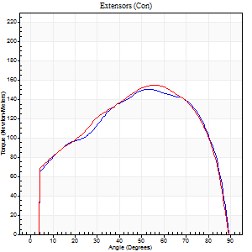
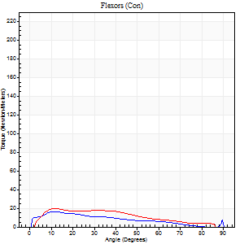
Right Side Curves Left Side Curves
Isokinetic Con/Con |  |  |  | Extensors (Con) |  | Flexors (Con)
Speed 60/60 d/s 3 Reps |  |  |  | Value | Cof Var | %BW | Value | Cof Var | %BW | Ratio

TORQUE PARAMETERS
Peak Torque (Newton-Meters - Best Repetition)
Right |  |  |  | 151 | 0.01 | 226 | 16 | 0.15 | 24 | 11
Left |  |  |  | 155 | 0.07 | 232 | 20 | 0.09 | 30 | 13
Deficit |  |  |  | 3 |  |  | 20
Work per Repetition (Newton-Meters - Best Repetition)
Right |  |  |  | 171 | 0.03 | 256 | 14 | 0.19 | 21 | 8
Left |  |  |  | 174 | 0.09 | 259 | 18 | 0.16 | 27 | 10
Deficit |  |  |  | 2 |  |  | 23
Average Power per Repetition (Watts - Best Repetition)
Right |  |  |  | 110 | 0.24 | 165 | 9 | 0.2 | 13 | 8
Left |  |  |  | 111 | 0.1 | 167 | 12 | 0.2 | 18 | 11
Deficit |  |  |  | 1 |  |  | 25
POSITION PARAMETERS
Joint Angle at Peak Torque (Degrees)
Right |  |  |  | 56 | 0.1 |  | 13 | 0.21
Left |  |  |  | 59 | 0.06 |  | 11 | 0.08
Range of Motion (Degrees)
Right |  |  |  | 0 | -1.41 |  | 90 | 0
Left |  |  |  | 0 | 0 |  | 90 | 0
TIME PARAMETERS
Time to Peak Torque (Seconds)
Right |  |  |  | 0.63 | 0.02 |  | 0.19 | 0.21
Left |  |  |  | 0.55 | 0.08 |  | 0.18 | 0.06
Time Peak Torque Held (Seconds)
Right |  |  |  | 0.05 | 0.47 |  | 0.07 | 0.88
Left |  |  |  | 0.06 | 0.58 |  | 0 | 0
Force Decay Time (Seconds)
Right |  |  |  | 0.93 | 0.08 |  | 1.26 | 0.09
Left |  |  |  | 0.97 | 0.07 |  | 1.33 | 0.05
Reciprocal Delay (Seconds)
Right |  |  |  | 0.16 | 0.21 |  | 0.17 | 0.31
Left |  |  |  | 0.16 | 0.35 |  | 0.19 | 0.06
Delay Time (Seconds)
Right |  |  |  | 0 | -1.41 |  | 0.08 | 0.5
Left |  |  |  | 0.02 | 0.71 |  | 0.05 | 0.2
HUMAC2015® Version: 15.000.0074 © Computer Sports Medicine, Inc. www.csmisolutions.com

Use File, Preference to set Report Heading
Long Form Torque vs. Position Report - Knee Extension/Flexion
Name: |  |  |  | TR030FP3035, | ID: |  | Right/Left: | 15.11.2021 15.11.2021
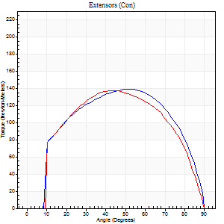
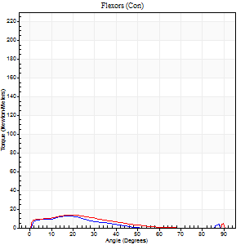
Right Side Curves Left Side Curves
Isokinetic Con/Con |  |  |  | Extensors (Con) |  | Flexors (Con)
Speed 120/120 d/s 3 Reps |  |  |  | Value | Cof Var | %BW | Value | Cof Var | %BW | Ratio

TORQUE PARAMETERS
Peak Torque (Newton-Meters - Best Repetition)
Right |  |  |  | 138 | 0.02 | 206 | 12 | 0.14 | 18 | 9
Left |  |  |  | 137 | 0.01 | 206 | 16 | 0.13 | 24 | 12
Deficit |  |  |  | 1 |  |  | 25
Work per Repetition (Newton-Meters - Best Repetition)
Right |  |  |  | 155 | 0.01 | 232 | 7 | 0.07 | 9 | 4
Left |  |  |  | 148 | 0.02 | 221 | 9 | 0.05 | 15 | 6
Deficit |  |  |  | 4 |  |  | 29
Average Power per Repetition (Watts - Best Repetition)
Right |  |  |  | 182 | 0.05 | 273 | 7 | 0.16 | 11 | 4
Left |  |  |  | 172 | 0.04 | 257 | 10 | 0.1 | 15 | 6
Deficit |  |  |  | 5 |  |  | 30
POSITION PARAMETERS
Joint Angle at Peak Torque (Degrees)
Right |  |  |  | 50 | 0.01 |  | 44 | 0.91
Left |  |  |  | 46 | 0.07 |  | 66 | 0.62
Range of Motion (Degrees)
Right |  |  |  | 0 | 0.28 |  | 90 | 0
Left |  |  |  | 0 | 0.71 |  | 90 | 0
TIME PARAMETERS
Time to Peak Torque (Seconds)
Right |  |  |  | 0.37 | 0.04 |  | 0.47 | 0.98
Left |  |  |  | 0.41 | 0.07 |  | 0.77 | 0.61
Time Peak Torque Held (Seconds)
Right |  |  |  | 0.03 | 0.46 |  | 0 | 1.73
Left |  |  |  | 0.02 | 0 |  | 0.01 | 1.73
Force Decay Time (Seconds)
Right |  |  |  | 0.44 | 0.03 |  | 0.48 | 1.1
Left |  |  |  | 0.44 | 0.07 |  | 0.13 | 3.2
Reciprocal Delay (Seconds)
Right |  |  |  | 0.25 | 0.38 |  | 0.14 | 0.33
Left |  |  |  | 0.23 | 0.43 |  | 0.23 | 0.21
Delay Time (Seconds)
Right |  |  |  | 0 | -1.41 |  | 0.06 | 0.67
Left |  |  |  | 0 | -1.41 |  | -0.01 | -1
HUMAC2015® Version: 15.000.0074 © Computer Sports Medicine, Inc. www.csmisolutions.com

Use File, Preference to set Report Heading
Long Form Torque vs. Position Report - Knee Extension/Flexion
Name: |  |  |  | TR030FP3035, | ID: |  | Right/Left: | 15.11.2021 15.11.2021
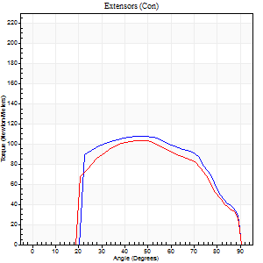
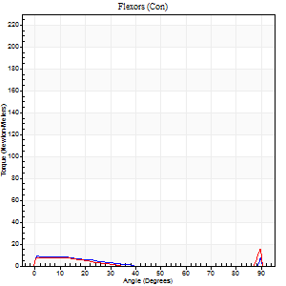
Right Side Curves Left Side Curves
Isokinetic Con/Con |  |  |  | Extensors (Con) |  | Flexors (Con)
Speed 240/240 d/s 3 Reps |  |  |  | Value | Cof Var | %BW | Value | Cof Var | %BW | Ratio

TORQUE PARAMETERS
Peak Torque (Newton-Meters - Best Repetition)
Right |  |  |  | 108 | 0.05 | 161 | 18 | 0.35 | 27 | 16
Left |  |  |  | 103 | 0.01 | 155 | 19 | 0.57 | 30 | 18
Deficit |  |  |  | 5 |  |  | 7
Work per Repetition (Newton-Meters - Best Repetition)
Right |  |  |  | 107 | 0.05 | 161 | 4 | 0.11 | 6 | 4
Left |  |  |  | 100 | 0.01 | 149 | 4 | 0.11 | 6 | 4
Deficit |  |  |  | 6 |  |  | 0
Average Power per Repetition (Watts - Best Repetition)
Right |  |  |  | 199 | 0.07 | 297 | 6 | 0.21 | 9 | 3
Left |  |  |  | 178 | 0.02 | 266 | 4 | 0.08 | 7 | 2
Deficit |  |  |  | 11 |  |  | 33
POSITION PARAMETERS
Joint Angle at Peak Torque (Degrees)
Right |  |  |  | 47 | 0.02 |  | 62 | 0.79
Left |  |  |  | 49 | 0.04 |  | 33 | 1.47
Range of Motion (Degrees)
Right |  |  |  | 0 | -4.24 |  | 90 | 0
Left |  |  |  | 0 | -0.47 |  | 90 | 0
TIME PARAMETERS
Time to Peak Torque (Seconds)
Right |  |  |  | 0.25 | 0.06 |  | 0.65 | 0.78
Left |  |  |  | 0.23 | 0.06 |  | 0.45 | 1.16
Time Peak Torque Held (Seconds)
Right |  |  |  | 0.02 | 0 |  | 0 | 0
Left |  |  |  | 0.02 | 0.35 |  | 0.04 | 1.04
Force Decay Time (Seconds)
Right |  |  |  | 0.28 | 0.02 |  | 0.11 | 3.6
Left |  |  |  | 0.3 | 0.04 |  | 0.4 | 1.15
Reciprocal Delay (Seconds)
Right |  |  |  | 0.29 | 0.39 |  | 0.25 | 0.35
Left |  |  |  | 0.22 | 0.39 |  | 0.32 | 0.4
Delay Time (Seconds)
Right |  |  |  | -0.02 | -0.28 |  | 0 | -7.55
Left |  |  |  | -0.01 | 0 |  | -0.03 | -0.22
HUMAC2015® Version: 15.000.0074 © Computer Sports Medicine, Inc. www.csmisolutions.com

Use File, Preference to set Report Heading
Isometric - Knee Extension/Flexion
Name: |  |  |  | TR030FP3035, | ID: |  | Right/Left: | 15.11.2021 15.11.2021

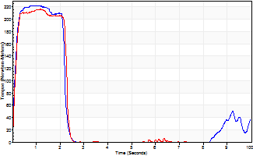
Isometric Extensors (Con) Angle 60 Time 10 Repetition 2 (Best Repetition)
 | Value | Cof Var | %BW
Peak Torque (Newton-Meters)
Right | 222 | 0.07 | 334
Left | 216 | 0.02 | 322
Deficit | 3
Average Torque (Newton-Meters)
Right | 50 | 0.23 | 75
Left | 49 | 0.06 | 72
Deficit | 3
Peak Torque Slope (Newton-Meters/Seconds)
Right | 197 | 0.33 | 294
Left | 185 | 0.82 | 276 |  | Right Side Curves Left Side Curves
Deficit | 6
Time to Half Peak Torque (Seconds)
Right | 0.11 | 0.07
Left | 1.46 | 1.29
Time to Peak Torque (Seconds)
Right | 1.38 | 0.26
Left | 2.68 | 0.8
HUMAC2015® Version: 15.000.0074 © Computer Sports Medicine, Inc. www.csmisolutions.com

