pre1
Use File, Preference to set Report Heading
Long Form Torque vs. Position Report - Knee Extension/Flexion
Name: |  |  |  | TR030_3036, | ID: | TR030 | Right/Left: | 12.09.2022 12.09.2022
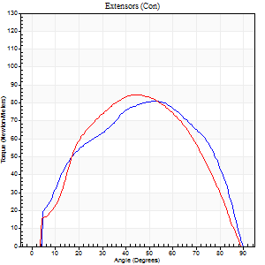
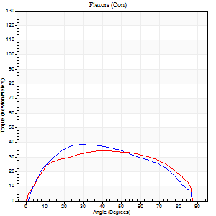
Right Side Curves Left Side Curves
Isokinetic Con/Con |  |  |  | Extensors (Con) |  | Flexors (Con)
Speed 60/60 d/s 3 Reps |  |  |  | Value | Cof Var | %BW | Value | Cof Var | %BW | Ratio

TORQUE PARAMETERS
Peak Torque (Newton-Meters - Best Repetition)
Right |  |  |  | 81 | 0.15 | 75 | 38 | 0.07 | 33 | 47
Left |  |  |  | 84 | 0.19 | 75 | 34 | 0.19 | 30 | 40
Deficit |  |  |  | 3 |  |  | 11
Work per Repetition (Newton-Meters - Best Repetition)
Right |  |  |  | 87 | 0.17 | 77 | 42 | 0.08 | 39 | 48
Left |  |  |  | 84 | 0.33 | 75 | 41 | 0.35 | 36 | 48
Deficit |  |  |  | 3 |  |  | 3
Average Power per Repetition (Watts - Best Repetition)
Right |  |  |  | 54 | 0.21 | 48 | 27 | 0.07 | 24 | 50
Left |  |  |  | 55 | 0.36 | 51 | 26 | 0.35 | 24 | 47
Deficit |  |  |  | 2 |  |  | 4
POSITION PARAMETERS
Joint Angle at Peak Torque (Degrees)
Right |  |  |  | 50 | 0.09 |  | 32 | 0.07
Left |  |  |  | 42 | 0.13 |  | 34 | 0.41
Range of Motion (Degrees)
Right |  |  |  | 0 | 0.71 |  | 90 | 0
Left |  |  |  | 0 | 0.28 |  | 90 | 0
TIME PARAMETERS
Time to Peak Torque (Seconds)
Right |  |  |  | 0.69 | 0.01 |  | 0.55 | 0.09
Left |  |  |  | 0.75 | 0 |  | 0.61 | 0.4
Time Peak Torque Held (Seconds)
Right |  |  |  | 0.05 | 0.81 |  | 0 | 0
Left |  |  |  | 0.04 | 0.93 |  | 0.09 | 0.97
Force Decay Time (Seconds)
Right |  |  |  | 0.81 | 0.08 |  | 0.97 | 0.06
Left |  |  |  | 0.69 | 0.09 |  | 0.85 | 0.37
Reciprocal Delay (Seconds)
Right |  |  |  | 0.16 | 0.09 |  | 0.24 | 0.12
Left |  |  |  | 0.1 | 0.34 |  | 0.22 | 0.07
Delay Time (Seconds)
Right |  |  |  | -0.04 | -0.2 |  | 0.02 | 0.49
Left |  |  |  | 0.01 | 0 |  | -0.01 | -1
HUMAC2015® Version: 15.000.0074 © Computer Sports Medicine, Inc. www.csmisolutions.com

Use File, Preference to set Report Heading
Long Form Torque vs. Position Report - Knee Extension/Flexion
Name: |  |  |  | TR030_3036, | ID: | TR030 | Right/Left: | 12.09.2022 12.09.2022
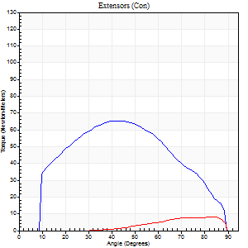
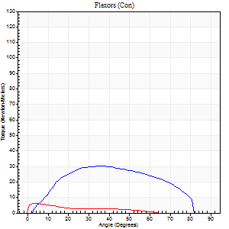
Right Side Curves Left Side Curves
Isokinetic Con/Con |  |  |  | Extensors (Con) |  | Flexors (Con)
Speed 120/120 d/s 3 Reps |  |  |  | Value | Cof Var | %BW | Value | Cof Var | %BW | Ratio

TORQUE PARAMETERS
Peak Torque (Newton-Meters - Best Repetition)
Right |  |  |  | 65 | 0.06 | 60 | 30 | 0.05 | 27 | 46
Left |  |  |  | 8 | 0.14 | 6 | 5 | 0.3 | 6 | 67
Deficit |  |  |  | 88 |  |  | 82
Work per Repetition (Newton-Meters - Best Repetition)
Right |  |  |  | 69 | 0.08 | 63 | 31 | 0.03 | 27 | 45
Left |  |  |  | 4 | 0.39 | 3 | 3 | 0.39 | 3 | 67
Deficit |  |  |  | 94 |  |  | 91
Average Power per Repetition (Watts - Best Repetition)
Right |  |  |  | 85 | 0.12 | 77 | 38 | 0.03 | 35 | 45
Left |  |  |  | 5 | 0.53 | 4 | 3 | 0.46 | 2 | 60
Deficit |  |  |  | 94 |  |  | 92
POSITION PARAMETERS
Joint Angle at Peak Torque (Degrees)
Right |  |  |  | 40 | 0.01 |  | 36 | 0.01
Left |  |  |  | 55 | 0.85 |  | 4 | 0.15
Range of Motion (Degrees)
Right |  |  |  | 1 | 0.22 |  | 89 | 0.01
Left |  |  |  | 0 | 1.18 |  | 88 | 0.04
TIME PARAMETERS
Time to Peak Torque (Seconds)
Right |  |  |  | 0.46 | 0 |  | 0.36 | 0.06
Left |  |  |  | 0.16 | 0.21 |  | 0.19 | 0.16
Time Peak Torque Held (Seconds)
Right |  |  |  | 0.02 | 0.25 |  | 0.05 | 0.89
Left |  |  |  | 0.06 | 1.13 |  | 0 | 0
Force Decay Time (Seconds)
Right |  |  |  | 0.33 | 0.03 |  | 0.41 | 0.11
Left |  |  |  | 0.56 | 0.83 |  | 0.96 | 0.08
Reciprocal Delay (Seconds)
Right |  |  |  | 0.05 | 0.28 |  | 0.12 | 0.35
Left |  |  |  | 0.2 | 0.64 |  | 0.32 | 0.2
Delay Time (Seconds)
Right |  |  |  | -0.02 | -0.28 |  | 0 | 0
Left |  |  |  | -0.04 | -0.71 |  | -0.06 | -0.29
HUMAC2015® Version: 15.000.0074 © Computer Sports Medicine, Inc. www.csmisolutions.com

Use File, Preference to set Report Heading
Long Form Torque vs. Position Report - Knee Extension/Flexion
Name: |  |  |  | TR030_3036, | ID: | TR030 | Right/Left: | 12.09.2022 12.09.2022
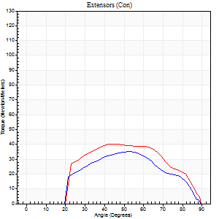
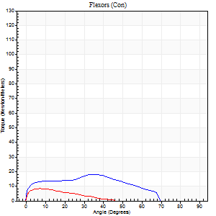
Right Side Curves Left Side Curves
Isokinetic Con/Con |  |  |  | Extensors (Con) |  | Flexors (Con)
Speed 240/240 d/s 3 Reps |  |  |  | Value | Cof Var | %BW | Value | Cof Var | %BW | Ratio

TORQUE PARAMETERS
Peak Torque (Newton-Meters - Best Repetition)
Right |  |  |  | 35 | 0.47 | 33 | 18 | 0.16 | 15 | 50
Left |  |  |  | 41 | 0.7 | 36 | 8 | 0.05 | 6 | 20
Deficit |  |  |  | 13 |  |  | 54
Work per Repetition (Newton-Meters - Best Repetition)
Right |  |  |  | 30 | 0.51 | 27 | 16 | 0.16 | 15 | 55
Left |  |  |  | 38 | 0.78 | 33 | 4 | 0.1 | 3 | 11
Deficit |  |  |  | 21 |  |  | 75
Average Power per Repetition (Watts - Best Repetition)
Right |  |  |  | 47 | 0.54 | 42 | 26 | 0.15 | 24 | 55
Left |  |  |  | 61 | 0.84 | 55 | 5 | 0.14 | 4 | 8
Deficit |  |  |  | 23 |  |  | 81
POSITION PARAMETERS
Joint Angle at Peak Torque (Degrees)
Right |  |  |  | 59 | 0.34 |  | 34 | 0.09
Left |  |  |  | 62 | 0.34 |  | 6 | 0.3
Range of Motion (Degrees)
Right |  |  |  | 0 | 0 |  | 89 | 0.01
Left |  |  |  | 0 | 1.41 |  | 89 | 0
TIME PARAMETERS
Time to Peak Torque (Seconds)
Right |  |  |  | 0.29 | 0.05 |  | 0.31 | 0.08
Left |  |  |  | 0.32 | 0 |  | 0.19 | 0.17
Time Peak Torque Held (Seconds)
Right |  |  |  | 0.02 | 1.32 |  | 0 | 1.73
Left |  |  |  | 0.04 | 1.52 |  | 0.01 | 1.15
Force Decay Time (Seconds)
Right |  |  |  | 0.36 | 0.39 |  | 0.27 | 0.13
Left |  |  |  | 0.45 | 0.52 |  | 0.6 | 0.09
Reciprocal Delay (Seconds)
Right |  |  |  | 0.08 | 0.28 |  | 0.37 | 0.3
Left |  |  |  | 0.08 | 0.09 |  | 0.28 | 0.13
Delay Time (Seconds)
Right |  |  |  | 0.05 | 1.41 |  | -0.03 | -0.17
Left |  |  |  | -0.04 | -0.35 |  | -0.06 | -0.1
HUMAC2015® Version: 15.000.0074 © Computer Sports Medicine, Inc. www.csmisolutions.com

Use File, Preference to set Report Heading
Isometric - Knee Extension/Flexion
Name: |  |  |  | TR030_3036, | ID: | TR030 | Right/Left: | 12.09.2022 12.09.2022

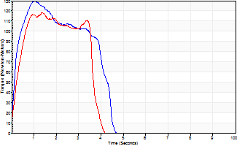
Isometric Extensors (Con) Angle 60 Time 10 Repetition 2 (Best Repetition)
 | Value | Cof Var | %BW
Peak Torque (Newton-Meters)
Right | 129 | 0.02 | 116
Left | 118 | 0.11 | 107
Deficit | 8
Average Torque (Newton-Meters)
Right | 45 | 0.08 | 42
Left | 38 | 0.02 | 33
Deficit | 15
Peak Torque Slope (Newton-Meters/Seconds)
Right | 126 | 0.19 | 113
Left | 87 | 0.82 | 78 |  | Right Side Curves Left Side Curves
Deficit | 31
Time to Half Peak Torque (Seconds)
Right | 0.4 | 0.81
Left | 1.13 | 1.05
Time to Peak Torque (Seconds)
Right | 1.16 | 0.18
Left | 2.86 | 0.75
HUMAC2015® Version: 15.000.0074 © Computer Sports Medicine, Inc. www.csmisolutions.com

pre2
Use File, Preference to set Report Heading
Long Form Torque vs. Position Report - Knee Extension/Flexion
Name: |  |  |  | TR030_3036, | ID: | TR030 | Right/Left: | 19.09.2022 19.09.2022
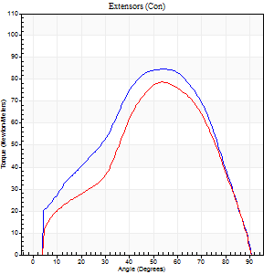
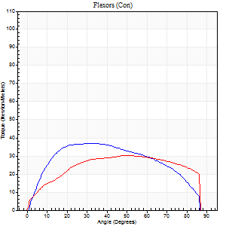
Right Side Curves Left Side Curves
Isokinetic Con/Con |  |  |  | Extensors (Con) |  | Flexors (Con)
Speed 60/60 d/s 3 Reps |  |  |  | Value | Cof Var | %BW | Value | Cof Var | %BW | Ratio

TORQUE PARAMETERS
Peak Torque (Newton-Meters - Best Repetition)
Right |  |  |  | 84 | 0.08 | 75 | 37 | 0.36 | 33 | 44
Left |  |  |  | 79 | 0.04 | 72 | 30 | 0.67 | 27 | 38
Deficit |  |  |  | 6 |  |  | 19
Work per Repetition (Newton-Meters - Best Repetition)
Right |  |  |  | 84 | 0.05 | 75 | 42 | 0.58 | 39 | 50
Left |  |  |  | 75 | 0.04 | 69 | 37 | 0.87 | 33 | 49
Deficit |  |  |  | 11 |  |  | 13
Average Power per Repetition (Watts - Best Repetition)
Right |  |  |  | 52 | 0.04 | 46 | 27 | 0.52 | 24 | 52
Left |  |  |  | 47 | 0.03 | 42 | 23 | 0.94 | 20 | 49
Deficit |  |  |  | 10 |  |  | 15
POSITION PARAMETERS
Joint Angle at Peak Torque (Degrees)
Right |  |  |  | 53 | 0.04 |  | 26 | 0.37
Left |  |  |  | 53 | 0.06 |  | 31 | 0.63
Range of Motion (Degrees)
Right |  |  |  | 0 | 0.28 |  | 90 | 0
Left |  |  |  | 0 | 0 |  | 90 | 0
TIME PARAMETERS
Time to Peak Torque (Seconds)
Right |  |  |  | 0.66 | 0.05 |  | 0.45 | 0.33
Left |  |  |  | 0.63 | 0.12 |  | 0.59 | 0.53
Time Peak Torque Held (Seconds)
Right |  |  |  | 0.06 | 0.54 |  | 0.1 | 0.5
Left |  |  |  | 0.05 | 0.2 |  | 0.08 | 0.88
Force Decay Time (Seconds)
Right |  |  |  | 0.85 | 0.03 |  | 0.88 | 0.05
Left |  |  |  | 0.86 | 0.07 |  | 1.16 | 0.6
Reciprocal Delay (Seconds)
Right |  |  |  | 0.11 | 0.2 |  | 0.22 | 0.03
Left |  |  |  | 0.22 | 0.06 |  | 0.2 | 0.51
Delay Time (Seconds)
Right |  |  |  | 0 | 0 |  | 0.01 | 1
Left |  |  |  | 0 | -1.41 |  | -0.02 | -0.92
HUMAC2015® Version: 15.000.0074 © Computer Sports Medicine, Inc. www.csmisolutions.com

Use File, Preference to set Report Heading
Long Form Torque vs. Position Report - Knee Extension/Flexion
Name: |  |  |  | TR030_3036, | ID: | TR030 | Right/Left: | 19.09.2022 19.09.2022
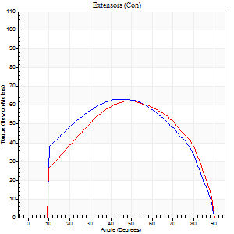
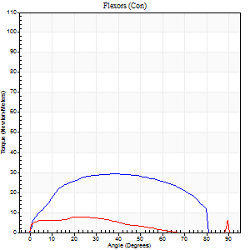
Right Side Curves Left Side Curves
Isokinetic Con/Con |  |  |  | Extensors (Con) |  | Flexors (Con)
Speed 120/120 d/s 3 Reps |  |  |  | Value | Cof Var | %BW | Value | Cof Var | %BW | Ratio

TORQUE PARAMETERS
Peak Torque (Newton-Meters - Best Repetition)
Right |  |  |  | 64 | 0.01 | 57 | 30 | 0.5 | 27 | 47
Left |  |  |  | 62 | 0.11 | 57 | 11 | 0.47 | 9 | 17
Deficit |  |  |  | 2 |  |  | 64
Work per Repetition (Newton-Meters - Best Repetition)
Right |  |  |  | 69 | 0.03 | 63 | 33 | 0.7 | 30 | 47
Left |  |  |  | 66 | 0.14 | 60 | 5 | 0.58 | 6 | 8
Deficit |  |  |  | 4 |  |  | 83
Average Power per Repetition (Watts - Best Repetition)
Right |  |  |  | 76 | 0.05 | 68 | 36 | 0.69 | 33 | 47
Left |  |  |  | 75 | 0.16 | 68 | 6 | 0.83 | 4 | 8
Deficit |  |  |  | 1 |  |  | 83
POSITION PARAMETERS
Joint Angle at Peak Torque (Degrees)
Right |  |  |  | 44 | 0.04 |  | 30 | 0.36
Left |  |  |  | 49 | 0.07 |  | 32 | 1.56
Range of Motion (Degrees)
Right |  |  |  | 0 | 0 |  | 90 | 0
Left |  |  |  | 0 | 0 |  | 90 | 0
TIME PARAMETERS
Time to Peak Torque (Seconds)
Right |  |  |  | 0.47 | 0.01 |  | 0.36 | 0.19
Left |  |  |  | 0.4 | 0.05 |  | 0.51 | 1.15
Time Peak Torque Held (Seconds)
Right |  |  |  | 0.02 | 1 |  | 0.01 | 1
Left |  |  |  | 0.03 | 0.43 |  | 0.03 | 1.73
Force Decay Time (Seconds)
Right |  |  |  | 0.41 | 0.11 |  | 0.5 | 0.08
Left |  |  |  | 0.46 | 0.08 |  | 1.69 | 1.35
Reciprocal Delay (Seconds)
Right |  |  |  | 0.14 | 0.3 |  | 0.22 | 0.23
Left |  |  |  | 0.26 | 0.24 |  | 0.28 | 0.21
Delay Time (Seconds)
Right |  |  |  | -0.05 | -0.16 |  | -0.02 | -0.5
Left |  |  |  | -0.01 | -0.47 |  | -0.06 | -0.51
HUMAC2015® Version: 15.000.0074 © Computer Sports Medicine, Inc. www.csmisolutions.com

Use File, Preference to set Report Heading
Long Form Torque vs. Position Report - Knee Extension/Flexion
Name: |  |  |  | TR030_3036, | ID: | TR030 | Right/Left: | 19.09.2022 19.09.2022
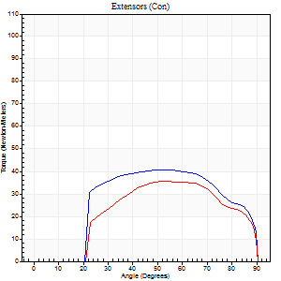
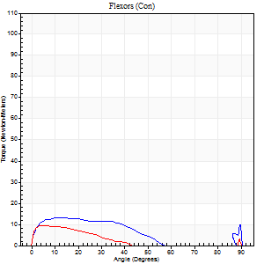
Right Side Curves Left Side Curves
Isokinetic Con/Con |  |  |  | Extensors (Con) |  | Flexors (Con)
Speed 240/240 d/s 3 Reps |  |  |  | Value | Cof Var | %BW | Value | Cof Var | %BW | Ratio

TORQUE PARAMETERS
Peak Torque (Newton-Meters - Best Repetition)
Right |  |  |  | 41 | 0.55 | 36 | 14 | 0.39 | 12 | 33
Left |  |  |  | 35 | 0.06 | 33 | 12 | 0.52 | 12 | 35
Deficit |  |  |  | 13 |  |  | 10
Work per Repetition (Newton-Meters - Best Repetition)
Right |  |  |  | 42 | 0.56 | 39 | 9 | 0.68 | 9 | 23
Left |  |  |  | 34 | 0.12 | 30 | 4 | 1.08 | 3 | 12
Deficit |  |  |  | 19 |  |  | 57
Average Power per Repetition (Watts - Best Repetition)
Right |  |  |  | 70 | 0.62 | 64 | 10 | 0.61 | 9 | 14
Left |  |  |  | 57 | 0.13 | 51 | 5 | 1.22 | 4 | 9
Deficit |  |  |  | 19 |  |  | 50
POSITION PARAMETERS
Joint Angle at Peak Torque (Degrees)
Right |  |  |  | 46 | 0.16 |  | 34 | 1.36
Left |  |  |  | 60 | 0.12 |  | 61 | 0.8
Range of Motion (Degrees)
Right |  |  |  | 0 | 0 |  | 90 | 0
Left |  |  |  | 0 | 0.35 |  | 90 | 0
TIME PARAMETERS
Time to Peak Torque (Seconds)
Right |  |  |  | 0.3 | 0.12 |  | 0.36 | 0.86
Left |  |  |  | 0.25 | 0.08 |  | 0.51 | 1.05
Time Peak Torque Held (Seconds)
Right |  |  |  | 0.02 | 0.87 |  | 0 | 1.73
Left |  |  |  | 0.01 | 1.73 |  | 0.02 | 1.73
Force Decay Time (Seconds)
Right |  |  |  | 0.28 | 0.12 |  | 0.56 | 0.68
Left |  |  |  | 0.35 | 0.07 |  | 0.53 | 2.38
Reciprocal Delay (Seconds)
Right |  |  |  | 0.32 | 0.2 |  | 0.32 | 0.48
Left |  |  |  | 0.44 | 0.02 |  | 0.19 | 0.3
Delay Time (Seconds)
Right |  |  |  | -0.05 | -0.16 |  | -0.04 | -0.66
Left |  |  |  | -0.04 | -0.2 |  | 0.25 | 2.19
HUMAC2015® Version: 15.000.0074 © Computer Sports Medicine, Inc. www.csmisolutions.com

Use File, Preference to set Report Heading
Isometric - Knee Extension/Flexion
Name: |  |  |  | TR030_3036, | ID: | TR030 | Right/Left: | 19.09.2022 19.09.2022

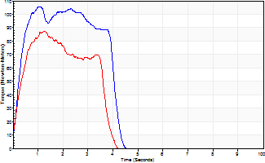
Isometric Extensors (Con) Angle 60 Time 10 Repetition 2 (Best Repetition)
 | Value | Cof Var | %BW
Peak Torque (Newton-Meters)
Right | 106 | 0.02 | 95
Left | 87 | 0.03 | 77
Deficit | 18
Average Torque (Newton-Meters)
Right | 37 | 0.17 | 33
Left | 26 | 0.03 | 24
Deficit | 30
Peak Torque Slope (Newton-Meters/Seconds)
Right | 97 | 0.2 | 87
Left | 70 | 0.43 | 63 |  | Right Side Curves Left Side Curves
Deficit | 27
Time to Half Peak Torque (Seconds)
Right | 0.28 | 0.15
Left | 0.26 | 0.03
Time to Peak Torque (Seconds)
Right | 1.24 | 0.18
Left | 1.72 | 0.4
HUMAC2015® Version: 15.000.0074 © Computer Sports Medicine, Inc. www.csmisolutions.com

mid1
Use File, Preference to set Report Heading
Long Form Torque vs. Position Report - Knee Extension/Flexion
Name: |  |  |  | TR030_3036, | ID: | TR030 | Right/Left: | 02.11.2022 02.11.2022
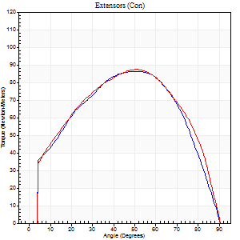
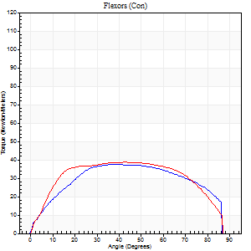
Right Side Curves Left Side Curves
Isokinetic Con/Con |  |  |  | Extensors (Con) |  | Flexors (Con)
Speed 60/60 d/s 3 Reps |  |  |  | Value | Cof Var | %BW | Value | Cof Var | %BW | Ratio

TORQUE PARAMETERS
Peak Torque (Newton-Meters - Best Repetition)
Right |  |  |  | 87 | 0.07 | 77 | 38 | 0.07 | 33 | 44
Left |  |  |  | 87 | 0.06 | 77 | 39 | 0.2 | 36 | 45
Deficit |  |  |  | 0 |  |  | 3
Work per Repetition (Newton-Meters - Best Repetition)
Right |  |  |  | 95 | 0.12 | 86 | 43 | 0.14 | 39 | 46
Left |  |  |  | 98 | 0.06 | 89 | 46 | 0.24 | 42 | 47
Deficit |  |  |  | 3 |  |  | 6
Average Power per Repetition (Watts - Best Repetition)
Right |  |  |  | 58 | 0.17 | 53 | 27 | 0.12 | 24 | 47
Left |  |  |  | 61 | 0.04 | 55 | 30 | 0.23 | 26 | 49
Deficit |  |  |  | 5 |  |  | 10
POSITION PARAMETERS
Joint Angle at Peak Torque (Degrees)
Right |  |  |  | 48 | 0.1 |  | 37 | 0.14
Left |  |  |  | 51 | 0.02 |  | 54 | 0.22
Range of Motion (Degrees)
Right |  |  |  | 0 | 0 |  | 90 | 0
Left |  |  |  | 0 | 0.47 |  | 90 | 0
TIME PARAMETERS
Time to Peak Torque (Seconds)
Right |  |  |  | 0.85 | 0.23 |  | 0.67 | 0.1
Left |  |  |  | 0.66 | 0.02 |  | 0.94 | 0.21
Time Peak Torque Held (Seconds)
Right |  |  |  | 0.11 | 0.37 |  | 0.08 | 1.23
Left |  |  |  | 0.09 | 0.76 |  | 0.05 | 0.69
Force Decay Time (Seconds)
Right |  |  |  | 0.74 | 0.1 |  | 0.81 | 0.17
Left |  |  |  | 0.8 | 0.11 |  | 0.55 | 0.46
Reciprocal Delay (Seconds)
Right |  |  |  | 0.42 | 0.47 |  | 0.48 | 0.35
Left |  |  |  | 0.2 | 0 |  | 0.22 | 0.11
Delay Time (Seconds)
Right |  |  |  | -0.07 | -1.21 |  | -0.01 | -1.15
Left |  |  |  | 0 | 0 |  | 0 | -1.73
HUMAC2015® Version: 15.000.0074 © Computer Sports Medicine, Inc. www.csmisolutions.com

Use File, Preference to set Report Heading
Long Form Torque vs. Position Report - Knee Extension/Flexion
Name: |  |  |  | TR030_3036, | ID: | TR030 | Right/Left: | 02.11.2022 02.11.2022
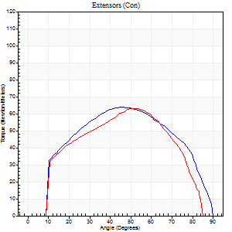
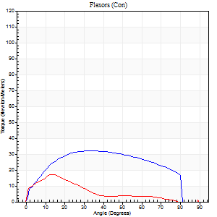
Right Side Curves Left Side Curves
Isokinetic Con/Con |  |  |  | Extensors (Con) |  | Flexors (Con)
Speed 120/120 d/s 3 Reps |  |  |  | Value | Cof Var | %BW | Value | Cof Var | %BW | Ratio

TORQUE PARAMETERS
Peak Torque (Newton-Meters - Best Repetition)
Right |  |  |  | 64 | 0.18 | 57 | 33 | 0.01 | 30 | 51
Left |  |  |  | 64 | 0.23 | 57 | 18 | 0.62 | 15 | 28
Deficit |  |  |  | 0 |  |  | 46
Work per Repetition (Newton-Meters - Best Repetition)
Right |  |  |  | 68 | 0.21 | 60 | 37 | 0.02 | 33 | 54
Left |  |  |  | 62 | 0.25 | 57 | 9 | 0.8 | 9 | 15
Deficit |  |  |  | 8 |  |  | 74
Average Power per Repetition (Watts - Best Repetition)
Right |  |  |  | 76 | 0.26 | 68 | 43 | 0.01 | 40 | 57
Left |  |  |  | 71 | 0.33 | 64 | 11 | 1.28 | 11 | 15
Deficit |  |  |  | 7 |  |  | 74
POSITION PARAMETERS
Joint Angle at Peak Torque (Degrees)
Right |  |  |  | 46 | 0.02 |  | 34 | 0.05
Left |  |  |  | 56 | 0.11 |  | 7 | 0.81
Range of Motion (Degrees)
Right |  |  |  | 0 | 0.13 |  | 90 | 0
Left |  |  |  | 0 | -1.41 |  | 88 | 0.04
TIME PARAMETERS
Time to Peak Torque (Seconds)
Right |  |  |  | 0.43 | 0.05 |  | 0.35 | 0.03
Left |  |  |  | 0.42 | 0.24 |  | 0.17 | 0.18
Time Peak Torque Held (Seconds)
Right |  |  |  | 0.03 | 0.58 |  | 0.02 | 0.89
Left |  |  |  | 0.01 | 1.73 |  | 0 | 1.73
Force Decay Time (Seconds)
Right |  |  |  | 0.42 | 0.04 |  | 0.46 | 0.09
Left |  |  |  | 0.54 | 0.1 |  | 6.94 | 1.52
Reciprocal Delay (Seconds)
Right |  |  |  | 0.08 | 0.18 |  | 0.15 | 0.29
Left |  |  |  | 0.08 | 0 |  | 0.28 | 0.35
Delay Time (Seconds)
Right |  |  |  | -0.02 | -0.28 |  | -0.01 | -1
Left |  |  |  | -0.04 | 0 |  | -0.04 | -0.57
HUMAC2015® Version: 15.000.0074 © Computer Sports Medicine, Inc. www.csmisolutions.com

Use File, Preference to set Report Heading
Long Form Torque vs. Position Report - Knee Extension/Flexion
Name: |  |  |  | TR030_3036, | ID: | TR030 | Right/Left: | 02.11.2022 02.11.2022
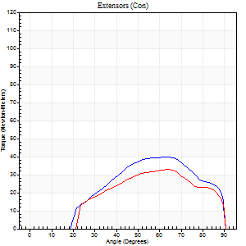
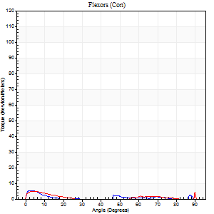
Right Side Curves Left Side Curves
Isokinetic Con/Con |  |  |  | Extensors (Con) |  | Flexors (Con)
Speed 240/240 d/s 3 Reps |  |  |  | Value | Cof Var | %BW | Value | Cof Var | %BW | Ratio

TORQUE PARAMETERS
Peak Torque (Newton-Meters - Best Repetition)
Right |  |  |  | 39 | 0.42 | 36 | 5 | 0.22 | 6 | 14
Left |  |  |  | 33 | 0.25 | 30 | 8 | 0.44 | 6 | 25
Deficit |  |  |  | 17 |  |  | 33
Work per Repetition (Newton-Meters - Best Repetition)
Right |  |  |  | 37 | 0.43 | 33 | 1 | 0.12 | 0 | 4
Left |  |  |  | 30 | 0.28 | 27 | 1 | 0.15 | 0 | 5
Deficit |  |  |  | 19 |  |  | 0
Average Power per Repetition (Watts - Best Repetition)
Right |  |  |  | 59 | 0.56 | 53 | 1 | 0.17 | 0 | 2
Left |  |  |  | 48 | 0.39 | 44 | 1 | 0.15 | 0 | 2
Deficit |  |  |  | 19 |  |  | 0
POSITION PARAMETERS
Joint Angle at Peak Torque (Degrees)
Right |  |  |  | 58 | 0.18 |  | 2 | 0.28
Left |  |  |  | 63 | 0.05 |  | 33 | 1.53
Range of Motion (Degrees)
Right |  |  |  | 0 | 0.47 |  | 90 | 0
Left |  |  |  | 0 | 0 |  | 90 | 0
TIME PARAMETERS
Time to Peak Torque (Seconds)
Right |  |  |  | 0.31 | 0.41 |  | 0.14 | 0.04
Left |  |  |  | 0.22 | 0.1 |  | 0.86 | 1.27
Time Peak Torque Held (Seconds)
Right |  |  |  | 0.02 | 1.25 |  | 0.02 | 1.73
Left |  |  |  | 0 | 0 |  | 0.03 | 1.2
Force Decay Time (Seconds)
Right |  |  |  | 0.38 | 0.09 |  | 2.17 | 0.13
Left |  |  |  | 0.43 | 0.17 |  | 0.89 | 1.03
Reciprocal Delay (Seconds)
Right |  |  |  | 0.31 | 0.02 |  | 0.53 | 0.08
Left |  |  |  | 0.43 | 0.15 |  | 0.64 | 0.22
Delay Time (Seconds)
Right |  |  |  | -0.13 | -0.98 |  | -0.08 | -0.12
Left |  |  |  | -0.04 | -0.2 |  | -0.12 | -0.26
HUMAC2015® Version: 15.000.0074 © Computer Sports Medicine, Inc. www.csmisolutions.com

Use File, Preference to set Report Heading
Isometric - Knee Extension/Flexion
Name: |  |  |  | TR030_3036, | ID: | TR030 | Right/Left: | 02.11.2022 02.11.2022

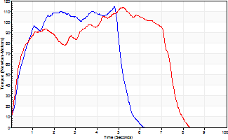
Isometric Extensors (Con) Angle 60 Time 10 Repetition 2 (Best Repetition)
 | Value | Cof Var | %BW
Peak Torque (Newton-Meters)
Right | 114 | 0.01 | 101
Left | 114 | 0.17 | 101
Deficit | 0
Average Torque (Newton-Meters)
Right | 64 | 0.17 | 57
Left | 69 | 0.03 | 63
Deficit | 8
Peak Torque Slope (Newton-Meters/Seconds)
Right | 87 | 0.81 | 78
Left | 22 | 0.39 | 20 |  | Right Side Curves Left Side Curves
Deficit | 75
Time to Half Peak Torque (Seconds)
Right | 0.41 | 0.12
Left | 0.32 | 0.07
Time to Peak Torque (Seconds)
Right | 3.03 | 0.82
Left | 6.22 | 0.23
HUMAC2015® Version: 15.000.0074 © Computer Sports Medicine, Inc. www.csmisolutions.com

mid2
Use File, Preference to set Report Heading
Long Form Torque vs. Position Report - Knee Extension/Flexion
Name: |  |  |  | TR030_3036, | ID: | TR030 | Right/Left: | 07.11.2022 07.11.2022
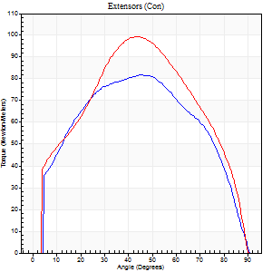
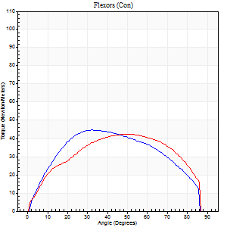
Right Side Curves Left Side Curves
Isokinetic Con/Con |  |  |  | Extensors (Con) |  | Flexors (Con)
Speed 60/60 d/s 3 Reps |  |  |  | Value | Cof Var | %BW | Value | Cof Var | %BW | Ratio

TORQUE PARAMETERS
Peak Torque (Newton-Meters - Best Repetition)
Right |  |  |  | 81 | 0.02 | 75 | 45 | 0.05 | 42 | 55
Left |  |  |  | 99 | 0.12 | 89 | 42 | 0.07 | 39 | 42
Deficit |  |  |  | 18 |  |  | 6
Work per Repetition (Newton-Meters - Best Repetition)
Right |  |  |  | 92 | 0.06 | 83 | 49 | 0.03 | 45 | 53
Left |  |  |  | 104 | 0.07 | 95 | 50 | 0.12 | 45 | 48
Deficit |  |  |  | 12 |  |  | 3
Average Power per Repetition (Watts - Best Repetition)
Right |  |  |  | 58 | 0.08 | 53 | 32 | 0.05 | 29 | 55
Left |  |  |  | 66 | 0.07 | 59 | 33 | 0.14 | 31 | 50
Deficit |  |  |  | 12 |  |  | 3
POSITION PARAMETERS
Joint Angle at Peak Torque (Degrees)
Right |  |  |  | 44 | 0.01 |  | 33 | 0.07
Left |  |  |  | 44 | 0.04 |  | 47 | 0.38
Range of Motion (Degrees)
Right |  |  |  | 0 | 0 |  | 90 | 0
Left |  |  |  | 0 | 0.71 |  | 90 | 0
TIME PARAMETERS
Time to Peak Torque (Seconds)
Right |  |  |  | 0.82 | 0.03 |  | 0.56 | 0.06
Left |  |  |  | 0.79 | 0.05 |  | 0.81 | 0.37
Time Peak Torque Held (Seconds)
Right |  |  |  | 0.07 | 0.85 |  | 0.06 | 0.87
Left |  |  |  | 0.1 | 1.04 |  | 0.03 | 1.73
Force Decay Time (Seconds)
Right |  |  |  | 0.72 | 0.09 |  | 0.89 | 0.05
Left |  |  |  | 0.67 | 0.13 |  | 0.7 | 0.38
Reciprocal Delay (Seconds)
Right |  |  |  | 0.22 | 0 |  | 0.22 | 0.09
Left |  |  |  | 0.19 | 0.04 |  | 0.24 | 0.16
Delay Time (Seconds)
Right |  |  |  | -0.04 | -0.71 |  | 0.04 | 0.43
Left |  |  |  | 0 | 1.41 |  | 0 | 1.73
HUMAC2015® Version: 15.000.0074 © Computer Sports Medicine, Inc. www.csmisolutions.com

Use File, Preference to set Report Heading
Long Form Torque vs. Position Report - Knee Extension/Flexion
Name: |  |  |  | TR030_3036, | ID: | TR030 | Right/Left: | 07.11.2022 07.11.2022
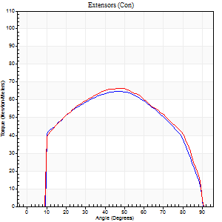
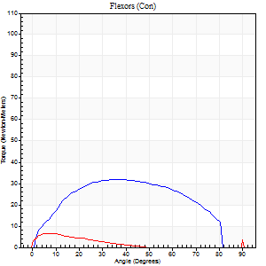
Right Side Curves Left Side Curves
Isokinetic Con/Con |  |  |  | Extensors (Con) |  | Flexors (Con)
Speed 120/120 d/s 3 Reps |  |  |  | Value | Cof Var | %BW | Value | Cof Var | %BW | Ratio

TORQUE PARAMETERS
Peak Torque (Newton-Meters - Best Repetition)
Right |  |  |  | 65 | 0.03 | 60 | 33 | 0.05 | 30 | 50
Left |  |  |  | 66 | 0.08 | 60 | 9 | 0.51 | 9 | 14
Deficit |  |  |  | 2 |  |  | 71
Work per Repetition (Newton-Meters - Best Repetition)
Right |  |  |  | 72 | 0.07 | 66 | 34 | 0.03 | 30 | 47
Left |  |  |  | 75 | 0.08 | 69 | 3 | 0.35 | 3 | 4
Deficit |  |  |  | 4 |  |  | 92
Average Power per Repetition (Watts - Best Repetition)
Right |  |  |  | 82 | 0.08 | 75 | 43 | 0.06 | 40 | 52
Left |  |  |  | 82 | 0.08 | 75 | 2 | 0.44 | 2 | 2
Deficit |  |  |  | 0 |  |  | 95
POSITION PARAMETERS
Joint Angle at Peak Torque (Degrees)
Right |  |  |  | 46 | 0.05 |  | 40 | 0.11
Left |  |  |  | 44 | 0.12 |  | 32 | 1.56
Range of Motion (Degrees)
Right |  |  |  | 0 | 0.24 |  | 90 | 0
Left |  |  |  | 0 | 0 |  | 90 | 0
TIME PARAMETERS
Time to Peak Torque (Seconds)
Right |  |  |  | 0.44 | 0.05 |  | 0.39 | 0.13
Left |  |  |  | 0.41 | 0.02 |  | 0.59 | 1.18
Time Peak Torque Held (Seconds)
Right |  |  |  | 0.02 | 0.25 |  | 0.03 | 1.45
Left |  |  |  | 0.04 | 0.16 |  | 0.03 | 1.25
Force Decay Time (Seconds)
Right |  |  |  | 0.41 | 0.05 |  | 0.41 | 0.06
Left |  |  |  | 0.41 | 0.11 |  | 0.73 | 1.11
Reciprocal Delay (Seconds)
Right |  |  |  | 0.11 | 0.13 |  | 0.18 | 0.28
Left |  |  |  | 0.32 | 0.66 |  | 0.45 | 0.11
Delay Time (Seconds)
Right |  |  |  | -0.03 | 0 |  | 0.01 | 3.77
Left |  |  |  | -0.01 | -0.47 |  | -0.07 | -0.31
HUMAC2015® Version: 15.000.0074 © Computer Sports Medicine, Inc. www.csmisolutions.com

Use File, Preference to set Report Heading
Long Form Torque vs. Position Report - Knee Extension/Flexion
Name: |  |  |  | TR030_3036, | ID: | TR030 | Right/Left: | 07.11.2022 07.11.2022
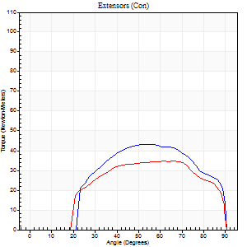
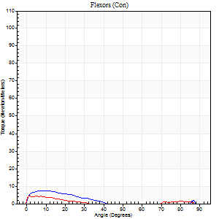
Right Side Curves Left Side Curves
Isokinetic Con/Con |  |  |  | Extensors (Con) |  | Flexors (Con)
Speed 240/240 d/s 3 Reps |  |  |  | Value | Cof Var | %BW | Value | Cof Var | %BW | Ratio

TORQUE PARAMETERS
Peak Torque (Newton-Meters - Best Repetition)
Right |  |  |  | 43 | 0.15 | 39 | 7 | 0.17 | 6 | 16
Left |  |  |  | 35 | 0.1 | 33 | 4 | 0.06 | 3 | 12
Deficit |  |  |  | 19 |  |  | 40
Work per Repetition (Newton-Meters - Best Repetition)
Right |  |  |  | 42 | 0.19 | 39 | 4 | 0.34 | 3 | 10
Left |  |  |  | 35 | 0.16 | 33 | 1 | 0.17 | 0 | 4
Deficit |  |  |  | 16 |  |  | 67
Average Power per Repetition (Watts - Best Repetition)
Right |  |  |  | 68 | 0.25 | 62 | 3 | 0.48 | 2 | 4
Left |  |  |  | 60 | 0.22 | 55 | 1 | 0.16 | 0 | 2
Deficit |  |  |  | 12 |  |  | 67
POSITION PARAMETERS
Joint Angle at Peak Torque (Degrees)
Right |  |  |  | 56 | 0.05 |  | 4 | 0.64
Left |  |  |  | 60 | 0.07 |  | 3 | 0.67
Range of Motion (Degrees)
Right |  |  |  | 0 | 1.41 |  | 90 | 0
Left |  |  |  | 0 | 0 |  | 90 | 0
TIME PARAMETERS
Time to Peak Torque (Seconds)
Right |  |  |  | 0.26 | 0 |  | 0.19 | 0.3
Left |  |  |  | 0.22 | 0.03 |  | 0.19 | 0.39
Time Peak Torque Held (Seconds)
Right |  |  |  | 0.01 | 1.73 |  | 0.01 | 1.73
Left |  |  |  | 0.01 | 1.73 |  | 0.03 | 1.73
Force Decay Time (Seconds)
Right |  |  |  | 0.36 | 0.11 |  | 1.16 | 0.19
Left |  |  |  | 0.36 | 0.07 |  | 1.47 | 0.08
Reciprocal Delay (Seconds)
Right |  |  |  | 0.32 | 0.24 |  | 0.48 | 0.06
Left |  |  |  | 0.32 | 0.46 |  | 0.51 | 0.36
Delay Time (Seconds)
Right |  |  |  | -0.04 | 0 |  | -0.08 | -0.12
Left |  |  |  | -0.02 | -0.28 |  | -0.09 | -0.24
HUMAC2015® Version: 15.000.0074 © Computer Sports Medicine, Inc. www.csmisolutions.com

Use File, Preference to set Report Heading
Isometric - Knee Extension/Flexion
Name: |  |  |  | TR030_3036, | ID: | TR030 | Right/Left: | 07.11.2022 07.11.2022

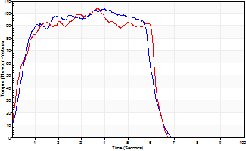
Isometric Extensors (Con) Angle 60 Time 10 Repetition 2 (Best Repetition)
 | Value | Cof Var | %BW
Peak Torque (Newton-Meters)
Right | 103 | 0 | 92
Left | 104 | 0.03 | 95
Deficit | 1
Average Torque (Newton-Meters)
Right | 54 | 0.08 | 48
Left | 54 | 0.01 | 48
Deficit | 0
Peak Torque Slope (Newton-Meters/Seconds)
Right | 31 | 0.13 | 28
Left | 28 | 0.35 | 25 |  | Right Side Curves Left Side Curves
Deficit | 9
Time to Half Peak Torque (Seconds)
Right | 0.41 | 0.14
Left | 0.41 | 0.28
Time to Peak Torque (Seconds)
Right | 3.64 | 0.13
Left | 4.76 | 0.31
HUMAC2015® Version: 15.000.0074 © Computer Sports Medicine, Inc. www.csmisolutions.com

post1
Use File, Preference to set Report Heading
Long Form Torque vs. Position Report - Knee Extension/Flexion
Name: |  |  |  | TR030_3036, | ID: | TR030 | Right/Left: | 29.11.2022 29.11.2022
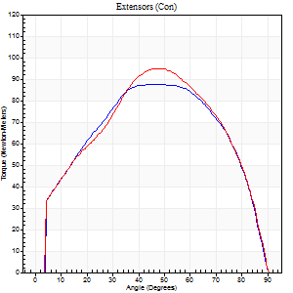
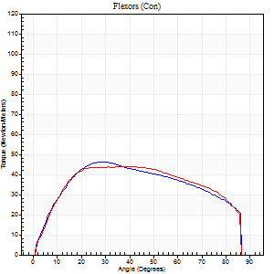
Right Side Curves Left Side Curves
Isokinetic Con/Con |  |  |  | Extensors (Con) |  | Flexors (Con)
Speed 60/60 d/s 3 Reps |  |  |  | Value | Cof Var | %BW | Value | Cof Var | %BW | Ratio

TORQUE PARAMETERS
Peak Torque (Newton-Meters - Best Repetition)
Right |  |  |  | 88 | 0.01 | 80 | 46 | 0.05 | 42 | 52
Left |  |  |  | 95 | 0.07 | 86 | 43 | 0.5 | 39 | 46
Deficit |  |  |  | 7 |  |  | 6
Work per Repetition (Newton-Meters - Best Repetition)
Right |  |  |  | 99 | 0.04 | 89 | 53 | 0.13 | 48 | 53
Left |  |  |  | 102 | 0.05 | 92 | 53 | 0.64 | 48 | 52
Deficit |  |  |  | 3 |  |  | 0
Average Power per Repetition (Watts - Best Repetition)
Right |  |  |  | 63 | 0.04 | 57 | 34 | 0.1 | 31 | 54
Left |  |  |  | 64 | 0.04 | 57 | 34 | 0.62 | 31 | 53
Deficit |  |  |  | 2 |  |  | 0
POSITION PARAMETERS
Joint Angle at Peak Torque (Degrees)
Right |  |  |  | 45 | 0.05 |  | 29 | 0.06
Left |  |  |  | 48 | 0.05 |  | 27 | 0.55
Range of Motion (Degrees)
Right |  |  |  | 0 | 0 |  | 90 | 0
Left |  |  |  | 0 | 0.47 |  | 90 | 0
TIME PARAMETERS
Time to Peak Torque (Seconds)
Right |  |  |  | 0.77 | 0.06 |  | 0.51 | 0.05
Left |  |  |  | 0.72 | 0.09 |  | 0.47 | 0.5
Time Peak Torque Held (Seconds)
Right |  |  |  | 0.09 | 0.53 |  | 0.06 | 0.17
Left |  |  |  | 0.06 | 0.2 |  | 0.06 | 1.73
Force Decay Time (Seconds)
Right |  |  |  | 0.7 | 0.02 |  | 0.97 | 0.07
Left |  |  |  | 0.79 | 0.05 |  | 0.99 | 0.24
Reciprocal Delay (Seconds)
Right |  |  |  | 0.19 | 0.11 |  | 0.25 | 0.2
Left |  |  |  | 0.22 | 0.03 |  | 0.25 | 0.13
Delay Time (Seconds)
Right |  |  |  | 0 | -1.41 |  | 0.01 | 1.73
Left |  |  |  | 0 | -1.41 |  | 0 | 0
HUMAC2015® Version: 15.000.0074 © Computer Sports Medicine, Inc. www.csmisolutions.com

Use File, Preference to set Report Heading
Long Form Torque vs. Position Report - Knee Extension/Flexion
Name: |  |  |  | TR030_3036, | ID: | TR030 | Right/Left: | 29.11.2022 29.11.2022
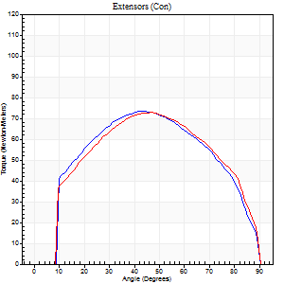
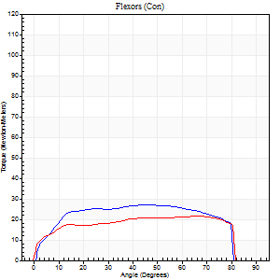
Right Side Curves Left Side Curves
Isokinetic Con/Con |  |  |  | Extensors (Con) |  | Flexors (Con)
Speed 120/120 d/s 3 Reps |  |  |  | Value | Cof Var | %BW | Value | Cof Var | %BW | Ratio

TORQUE PARAMETERS
Peak Torque (Newton-Meters - Best Repetition)
Right |  |  |  | 73 | 0 | 66 | 27 | 0.49 | 24 | 37
Left |  |  |  | 73 | 0.1 | 66 | 22 | 0.51 | 21 | 30
Deficit |  |  |  | 0 |  |  | 20
Work per Repetition (Newton-Meters - Best Repetition)
Right |  |  |  | 80 | 0.03 | 72 | 33 | 0.63 | 30 | 41
Left |  |  |  | 80 | 0.15 | 72 | 26 | 0.76 | 24 | 32
Deficit |  |  |  | 0 |  |  | 21
Average Power per Repetition (Watts - Best Repetition)
Right |  |  |  | 91 | 0.07 | 81 | 36 | 0.63 | 33 | 40
Left |  |  |  | 89 | 0.17 | 79 | 29 | 0.77 | 26 | 33
Deficit |  |  |  | 2 |  |  | 19
POSITION PARAMETERS
Joint Angle at Peak Torque (Degrees)
Right |  |  |  | 44 | 0.02 |  | 26 | 0.58
Left |  |  |  | 47 | 0.05 |  | 34 | 0.89
Range of Motion (Degrees)
Right |  |  |  | 0 | 1.41 |  | 90 | 0
Left |  |  |  | 0 | 1.41 |  | 90 | 0
TIME PARAMETERS
Time to Peak Torque (Seconds)
Right |  |  |  | 0.44 | 0.02 |  | 0.3 | 0.36
Left |  |  |  | 0.43 | 0.02 |  | 0.38 | 0.66
Time Peak Torque Held (Seconds)
Right |  |  |  | 0.02 | 0.25 |  | 0.05 | 0.87
Left |  |  |  | 0.02 | 0.35 |  | 0.04 | 0.25
Force Decay Time (Seconds)
Right |  |  |  | 0.42 | 0.02 |  | 0.52 | 0.25
Left |  |  |  | 0.46 | 0.06 |  | 0.51 | 0.58
Reciprocal Delay (Seconds)
Right |  |  |  | 0.13 | 0.05 |  | 0.19 | 0.12
Left |  |  |  | 0.16 | 0.05 |  | 0.24 | 0.16
Delay Time (Seconds)
Right |  |  |  | -0.01 | -0.47 |  | 0 | 6.24
Left |  |  |  | -0.02 | -0.28 |  | -0.02 | -0.5
HUMAC2015® Version: 15.000.0074 © Computer Sports Medicine, Inc. www.csmisolutions.com

Use File, Preference to set Report Heading
Long Form Torque vs. Position Report - Knee Extension/Flexion
Name: |  |  |  | TR030_3036, | ID: | TR030 | Right/Left: | 29.11.2022 29.11.2022
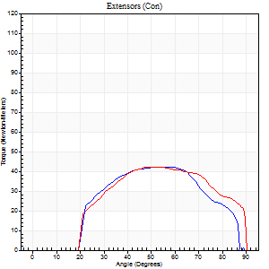
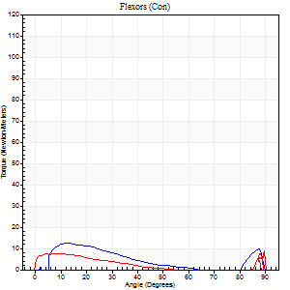
Right Side Curves Left Side Curves
Isokinetic Con/Con |  |  |  | Extensors (Con) |  | Flexors (Con)
Speed 240/240 d/s 3 Reps |  |  |  | Value | Cof Var | %BW | Value | Cof Var | %BW | Ratio

TORQUE PARAMETERS
Peak Torque (Newton-Meters - Best Repetition)
Right |  |  |  | 42 | 0.19 | 39 | 12 | 0.28 | 12 | 29
Left |  |  |  | 42 | 0.14 | 39 | 9 | 0.27 | 9 | 23
Deficit |  |  |  | 0 |  |  | 22
Work per Repetition (Newton-Meters - Best Repetition)
Right |  |  |  | 39 | 0.25 | 36 | 8 | 0.49 | 6 | 21
Left |  |  |  | 42 | 0.2 | 39 | 4 | 0.47 | 3 | 10
Deficit |  |  |  | 6 |  |  | 50
Average Power per Repetition (Watts - Best Repetition)
Right |  |  |  | 62 | 0.25 | 55 | 12 | 0.59 | 11 | 19
Left |  |  |  | 68 | 0.26 | 62 | 4 | 0.53 | 4 | 6
Deficit |  |  |  | 9 |  |  | 67
POSITION PARAMETERS
Joint Angle at Peak Torque (Degrees)
Right |  |  |  | 55 | 0.07 |  | 10 | 0.41
Left |  |  |  | 59 | 0.16 |  | 33 | 1.52
Range of Motion (Degrees)
Right |  |  |  | 0 | 0.47 |  | 90 | 0.01
Left |  |  |  | 0 | 0 |  | 90 | 0
TIME PARAMETERS
Time to Peak Torque (Seconds)
Right |  |  |  | 0.39 | 0.4 |  | 0.2 | 0.05
Left |  |  |  | 0.23 | 0.25 |  | 0.48 | 1.15
Time Peak Torque Held (Seconds)
Right |  |  |  | 0.02 | 1 |  | 0 | 0
Left |  |  |  | 0 | 1.73 |  | 0.01 | 1.73
Force Decay Time (Seconds)
Right |  |  |  | 0.3 | 0.07 |  | 0.53 | 0.32
Left |  |  |  | 0.39 | 0.16 |  | 0.61 | 0.92
Reciprocal Delay (Seconds)
Right |  |  |  | 0.09 | 0 |  | 0.25 | 0.71
Left |  |  |  | 0.31 | 0.02 |  | 0.36 | 0.19
Delay Time (Seconds)
Right |  |  |  | 0.14 | 1.32 |  | 0.07 | 2.8
Left |  |  |  | -0.04 | 0 |  | -0.05 | 0
HUMAC2015® Version: 15.000.0074 © Computer Sports Medicine, Inc. www.csmisolutions.com

Use File, Preference to set Report Heading
Isometric - Knee Extension/Flexion
Name: |  |  |  | TR030_3036, | ID: | TR030 | Right/Left: | 29.11.2022 29.11.2022

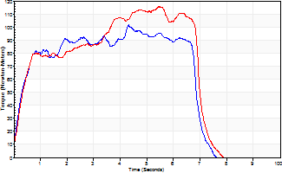
Isometric Extensors (Con) Angle 60 Time 10 Repetition 2 (Best Repetition)
 | Value | Cof Var | %BW
Peak Torque (Newton-Meters)
Right | 102 | 0.02 | 92
Left | 115 | 0.03 | 104
Deficit | 12
Average Torque (Newton-Meters)
Right | 60 | 0.15 | 54
Left | 65 | 0.04 | 60
Deficit | 8
Peak Torque Slope (Newton-Meters/Seconds)
Right | 34 | 0.26 | 30
Left | 35 | 0.36 | 32 |  | Right Side Curves Left Side Curves
Deficit | 4
Time to Half Peak Torque (Seconds)
Right | 0.31 | 0.02
Left | 0.35 | 0.26
Time to Peak Torque (Seconds)
Right | 3.61 | 0.27
Left | 4.31 | 0.38
HUMAC2015® Version: 15.000.0074 © Computer Sports Medicine, Inc. www.csmisolutions.com

post2
Use File, Preference to set Report Heading
Long Form Torque vs. Position Report - Knee Extension/Flexion
Name: |  |  |  | TR030_3036, | ID: | TR030 | Right/Left: | 01.12.2022 01.12.2022
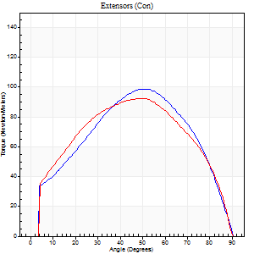
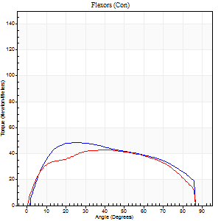
Right Side Curves Left Side Curves
Isokinetic Con/Con |  |  |  | Extensors (Con) |  | Flexors (Con)
Speed 60/60 d/s 3 Reps |  |  |  | Value | Cof Var | %BW | Value | Cof Var | %BW | Ratio

TORQUE PARAMETERS
Peak Torque (Newton-Meters - Best Repetition)
Right |  |  |  | 99 | 0.05 | 89 | 49 | 0.24 | 45 | 49
Left |  |  |  | 92 | 0.01 | 83 | 43 | 0.41 | 39 | 47
Deficit |  |  |  | 7 |  |  | 11
Work per Repetition (Newton-Meters - Best Repetition)
Right |  |  |  | 103 | 0.02 | 92 | 56 | 0.34 | 51 | 54
Left |  |  |  | 102 | 0.04 | 92 | 50 | 0.57 | 45 | 49
Deficit |  |  |  | 1 |  |  | 10
Average Power per Repetition (Watts - Best Repetition)
Right |  |  |  | 65 | 0.03 | 59 | 37 | 0.31 | 33 | 57
Left |  |  |  | 65 | 0.07 | 59 | 33 | 0.56 | 31 | 51
Deficit |  |  |  | 0 |  |  | 11
POSITION PARAMETERS
Joint Angle at Peak Torque (Degrees)
Right |  |  |  | 50 | 0.04 |  | 23 | 0.36
Left |  |  |  | 50 | 0.01 |  | 31 | 0.29
Range of Motion (Degrees)
Right |  |  |  | 0 | 2.83 |  | 90 | 0
Left |  |  |  | 0 | 0.47 |  | 90 | 0
TIME PARAMETERS
Time to Peak Torque (Seconds)
Right |  |  |  | 0.68 | 0.08 |  | 0.37 | 0.37
Left |  |  |  | 0.68 | 0.04 |  | 0.55 | 0.28
Time Peak Torque Held (Seconds)
Right |  |  |  | 0.06 | 0.62 |  | 0.05 | 0.89
Left |  |  |  | 0.07 | 0.48 |  | 0.03 | 1.25
Force Decay Time (Seconds)
Right |  |  |  | 0.83 | 0.05 |  | 1.06 | 0.12
Left |  |  |  | 0.81 | 0.04 |  | 0.94 | 0.14
Reciprocal Delay (Seconds)
Right |  |  |  | 0.18 | 0.08 |  | 0.21 | 0.07
Left |  |  |  | 0.16 | 0.53 |  | 0.31 | 0.46
Delay Time (Seconds)
Right |  |  |  | -0.02 | -0.71 |  | 0.04 | 0.31
Left |  |  |  | 0 | 0 |  | 0.01 | 1.73
HUMAC2015® Version: 15.000.0074 © Computer Sports Medicine, Inc. www.csmisolutions.com

Use File, Preference to set Report Heading
Long Form Torque vs. Position Report - Knee Extension/Flexion
Name: |  |  |  | TR030_3036, | ID: | TR030 | Right/Left: | 01.12.2022 01.12.2022
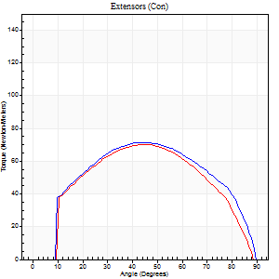
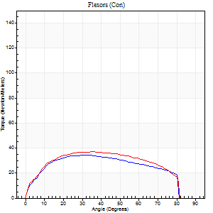
Right Side Curves Left Side Curves
Isokinetic Con/Con |  |  |  | Extensors (Con) |  | Flexors (Con)
Speed 120/120 d/s 3 Reps |  |  |  | Value | Cof Var | %BW | Value | Cof Var | %BW | Ratio

TORQUE PARAMETERS
Peak Torque (Newton-Meters - Best Repetition)
Right |  |  |  | 72 | 0.04 | 66 | 34 | 0.13 | 30 | 47
Left |  |  |  | 71 | 0.05 | 63 | 37 | 0.06 | 33 | 52
Deficit |  |  |  | 2 |  |  | 7
Work per Repetition (Newton-Meters - Best Repetition)
Right |  |  |  | 77 | 0.06 | 69 | 38 | 0.13 | 33 | 49
Left |  |  |  | 73 | 0.03 | 66 | 42 | 0.14 | 39 | 57
Deficit |  |  |  | 5 |  |  | 10
Average Power per Repetition (Watts - Best Repetition)
Right |  |  |  | 92 | 0.12 | 84 | 45 | 0.13 | 40 | 49
Left |  |  |  | 84 | 0.05 | 75 | 49 | 0.12 | 44 | 58
Deficit |  |  |  | 9 |  |  | 8
POSITION PARAMETERS
Joint Angle at Peak Torque (Degrees)
Right |  |  |  | 45 | 0.02 |  | 39 | 0.21
Left |  |  |  | 46 | 0.02 |  | 34 | 0.29
Range of Motion (Degrees)
Right |  |  |  | 1 | 0.66 |  | 90 | 0
Left |  |  |  | 0 | 0.2 |  | 89 | 0.01
TIME PARAMETERS
Time to Peak Torque (Seconds)
Right |  |  |  | 0.44 | 0.02 |  | 0.38 | 0.21
Left |  |  |  | 0.41 | 0.02 |  | 0.35 | 0.26
Time Peak Torque Held (Seconds)
Right |  |  |  | 0.03 | 0 |  | 0.01 | 1.73
Left |  |  |  | 0.04 | 0.42 |  | 0.01 | 1.73
Force Decay Time (Seconds)
Right |  |  |  | 0.39 | 0.08 |  | 0.44 | 0.21
Left |  |  |  | 0.41 | 0.03 |  | 0.47 | 0.19
Reciprocal Delay (Seconds)
Right |  |  |  | 0.09 | 0.08 |  | 0.12 | 0.37
Left |  |  |  | 0.07 | 0 |  | 0.14 | 0.12
Delay Time (Seconds)
Right |  |  |  | -0.02 | -0.28 |  | 0 | 6.93
Left |  |  |  | 0 | 0 |  | -0.01 | -1
HUMAC2015® Version: 15.000.0074 © Computer Sports Medicine, Inc. www.csmisolutions.com

Use File, Preference to set Report Heading
Long Form Torque vs. Position Report - Knee Extension/Flexion
Name: |  |  |  | TR030_3036, | ID: | TR030 | Right/Left: | 01.12.2022 01.12.2022
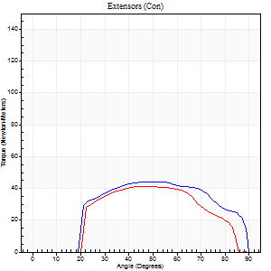
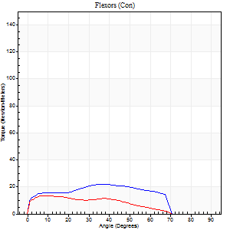
Right Side Curves Left Side Curves
Isokinetic Con/Con |  |  |  | Extensors (Con) |  | Flexors (Con)
Speed 240/240 d/s 3 Reps |  |  |  | Value | Cof Var | %BW | Value | Cof Var | %BW | Ratio

TORQUE PARAMETERS
Peak Torque (Newton-Meters - Best Repetition)
Right |  |  |  | 45 | 0.13 | 42 | 22 | 0.23 | 21 | 48
Left |  |  |  | 42 | 0.09 | 39 | 14 | 0.31 | 12 | 32
Deficit |  |  |  | 6 |  |  | 38
Work per Repetition (Newton-Meters - Best Repetition)
Right |  |  |  | 45 | 0.24 | 42 | 22 | 0.25 | 21 | 48
Left |  |  |  | 38 | 0.08 | 33 | 11 | 0.61 | 9 | 29
Deficit |  |  |  | 15 |  |  | 50
Average Power per Repetition (Watts - Best Repetition)
Right |  |  |  | 77 | 0.33 | 70 | 37 | 0.26 | 33 | 48
Left |  |  |  | 57 | 0.05 | 51 | 19 | 0.71 | 18 | 33
Deficit |  |  |  | 26 |  |  | 49
POSITION PARAMETERS
Joint Angle at Peak Torque (Degrees)
Right |  |  |  | 57 | 0.09 |  | 36 | 0.22
Left |  |  |  | 50 | 0.18 |  | 6 | 0.24
Range of Motion (Degrees)
Right |  |  |  | 0 | 1.41 |  | 90 | 0
Left |  |  |  | 0 | 0.35 |  | 89 | 0.01
TIME PARAMETERS
Time to Peak Torque (Seconds)
Right |  |  |  | 0.3 | 0.22 |  | 0.29 | 0.19
Left |  |  |  | 0.39 | 0.04 |  | 0.15 | 0.26
Time Peak Torque Held (Seconds)
Right |  |  |  | 0.01 | 0.87 |  | 0 | 0
Left |  |  |  | 0 | 1.73 |  | 0.02 | 1.73
Force Decay Time (Seconds)
Right |  |  |  | 0.35 | 0.12 |  | 0.28 | 0.18
Left |  |  |  | 0.29 | 0.15 |  | 0.52 | 0.3
Reciprocal Delay (Seconds)
Right |  |  |  | 0.11 | 0.64 |  | 0.18 | 0.35
Left |  |  |  | 0.06 | 0.11 |  | 0.13 | 0.31
Delay Time (Seconds)
Right |  |  |  | -0.07 | -0.81 |  | -0.02 | 0
Left |  |  |  | -0.03 | 0 |  | -0.05 | -0.2
HUMAC2015® Version: 15.000.0074 © Computer Sports Medicine, Inc. www.csmisolutions.com

Use File, Preference to set Report Heading
Isometric - Knee Extension/Flexion
Name: |  |  |  | TR030_3036, | ID: | TR030 | Right/Left: | 01.12.2022 01.12.2022

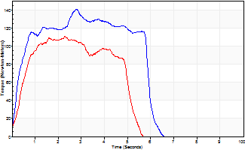
Isometric Extensors (Con) Angle 60 Time 10 Repetition 2 (Best Repetition)
 | Value | Cof Var | %BW
Peak Torque (Newton-Meters)
Right | 141 | 0.11 | 128
Left | 111 | 0.03 | 101
Deficit | 21
Average Torque (Newton-Meters)
Right | 69 | 0 | 63
Left | 56 | 0.12 | 51
Deficit | 20
Peak Torque Slope (Newton-Meters/Seconds)
Right | 51 | 0.01 | 46
Left | 48 | 0.09 | 43 |  | Right Side Curves Left Side Curves
Deficit | 5
Time to Half Peak Torque (Seconds)
Right | 0.28 | 0.23
Left | 0.43 | 0
Time to Peak Torque (Seconds)
Right | 2.57 | 0.12
Left | 2.39 | 0.06
HUMAC2015® Version: 15.000.0074 © Computer Sports Medicine, Inc. www.csmisolutions.com

