pre1
Use File, Preference to set Report Heading
Long Form Torque vs. Position Report - Knee Extension/Flexion
Name: |  |  |  | TR030_FP3037, | ID: | TR030 | Right/Left: | 15.09.2022 15.09.2022
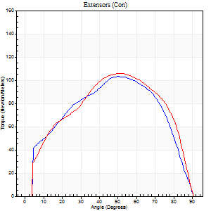
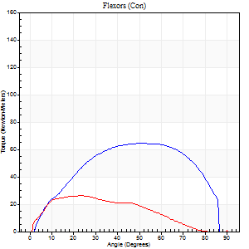
Right Side Curves Left Side Curves
Isokinetic Con/Con |  |  |  | Extensors (Con) |  | Flexors (Con)
Speed 60/60 d/s 3 Reps |  |  |  | Value | Cof Var | %BW | Value | Cof Var | %BW | Ratio

TORQUE PARAMETERS
Peak Torque (Newton-Meters - Best Repetition)
Right |  |  |  | 103 | 0.04 | 146 | 65 | 0.41 | 92 | 63
Left |  |  |  | 106 | 0.11 | 152 | 26 | 0.42 | 36 | 24
Deficit |  |  |  | 3 |  |  | 60
Work per Repetition (Newton-Meters - Best Repetition)
Right |  |  |  | 111 | 0.03 | 158 | 71 | 0.46 | 101 | 63
Left |  |  |  | 115 | 0.13 | 164 | 23 | 0.28 | 33 | 20
Deficit |  |  |  | 4 |  |  | 67
Average Power per Repetition (Watts - Best Repetition)
Right |  |  |  | 70 | 0.02 | 99 | 48 | 0.48 | 68 | 69
Left |  |  |  | 72 | 0.13 | 103 | 14 | 0.22 | 20 | 19
Deficit |  |  |  | 3 |  |  | 71
POSITION PARAMETERS
Joint Angle at Peak Torque (Degrees)
Right |  |  |  | 48 | 0.05 |  | 43 | 0.17
Left |  |  |  | 54 | 0.05 |  | 31 | 0.3
Range of Motion (Degrees)
Right |  |  |  | 0 | 0.85 |  | 90 | 0
Left |  |  |  | 0 | 0 |  | 90 | 0
TIME PARAMETERS
Time to Peak Torque (Seconds)
Right |  |  |  | 0.75 | 0.07 |  | 0.7 | 0.15
Left |  |  |  | 0.6 | 0.02 |  | 0.55 | 0.31
Time Peak Torque Held (Seconds)
Right |  |  |  | 0.03 | 0.17 |  | 0.04 | 1.35
Left |  |  |  | 0.05 | 0.29 |  | 0.07 | 0.88
Force Decay Time (Seconds)
Right |  |  |  | 0.79 | 0.05 |  | 0.76 | 0.2
Left |  |  |  | 0.89 | 0.06 |  | 0.95 | 0.3
Reciprocal Delay (Seconds)
Right |  |  |  | 0.19 | 0.15 |  | 0.17 | 0.12
Left |  |  |  | 0.19 | 0.5 |  | 0.25 | 0.28
Delay Time (Seconds)
Right |  |  |  | -0.01 | -0.47 |  | 0.05 | 0.47
Left |  |  |  | 0 | -1.41 |  | 0 | 1.73
HUMAC2015® Version: 15.000.0074 © Computer Sports Medicine, Inc. www.csmisolutions.com

Use File, Preference to set Report Heading
Long Form Torque vs. Position Report - Knee Extension/Flexion
Name: |  |  |  | TR030_FP3037, | ID: | TR030 | Right/Left: | 15.09.2022 15.09.2022
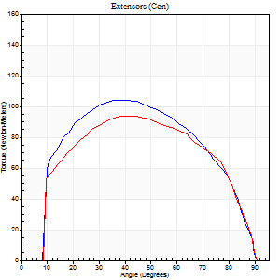
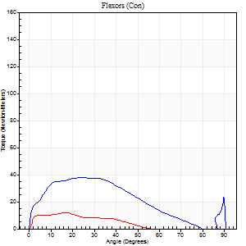
Right Side Curves Left Side Curves
Isokinetic Con/Con |  |  |  | Extensors (Con) |  | Flexors (Con)
Speed 120/120 d/s 3 Reps |  |  |  | Value | Cof Var | %BW | Value | Cof Var | %BW | Ratio

TORQUE PARAMETERS
Peak Torque (Newton-Meters - Best Repetition)
Right |  |  |  | 104 | 0.1 | 149 | 38 | 0.54 | 54 | 36
Left |  |  |  | 94 | 0.07 | 134 | 12 | 0.08 | 18 | 13
Deficit |  |  |  | 10 |  |  | 68
Work per Repetition (Newton-Meters - Best Repetition)
Right |  |  |  | 115 | 0.12 | 164 | 34 | 0.64 | 48 | 29
Left |  |  |  | 104 | 0.09 | 149 | 8 | 0.1 | 12 | 8
Deficit |  |  |  | 9 |  |  | 76
Average Power per Repetition (Watts - Best Repetition)
Right |  |  |  | 140 | 0.18 | 200 | 28 | 0.41 | 40 | 20
Left |  |  |  | 108 | 0.18 | 154 | 8 | 0.14 | 11 | 7
Deficit |  |  |  | 23 |  |  | 71
POSITION PARAMETERS
Joint Angle at Peak Torque (Degrees)
Right |  |  |  | 41 | 0.01 |  | 21 | 0.16
Left |  |  |  | 43 | 0.08 |  | 19 | 0.14
Range of Motion (Degrees)
Right |  |  |  | 1 | 0.23 |  | 90 | 0
Left |  |  |  | 1 | 0.92 |  | 90 | 0
TIME PARAMETERS
Time to Peak Torque (Seconds)
Right |  |  |  | 0.46 | 0 |  | 0.21 | 0.24
Left |  |  |  | 0.48 | 0.12 |  | 0.25 | 0.26
Time Peak Torque Held (Seconds)
Right |  |  |  | 0.05 | 0.12 |  | 0.01 | 1.73
Left |  |  |  | 0.02 | 0.5 |  | 0.01 | 1
Force Decay Time (Seconds)
Right |  |  |  | 0.32 | 0.07 |  | 0.75 | 0.22
Left |  |  |  | 0.38 | 0.11 |  | 0.72 | 0.17
Reciprocal Delay (Seconds)
Right |  |  |  | 0.25 | 0.51 |  | 0.08 | 0.37
Left |  |  |  | 0.24 | 0.57 |  | 0.12 | 0.46
Delay Time (Seconds)
Right |  |  |  | -0.01 | 0 |  | 0.01 | 3
Left |  |  |  | -0.04 | -0.61 |  | -0.02 | -0.92
HUMAC2015® Version: 15.000.0074 © Computer Sports Medicine, Inc. www.csmisolutions.com

Use File, Preference to set Report Heading
Long Form Torque vs. Position Report - Knee Extension/Flexion
Name: |  |  |  | TR030_FP3037, | ID: | TR030 | Right/Left: | 15.09.2022 15.09.2022
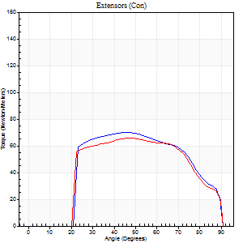
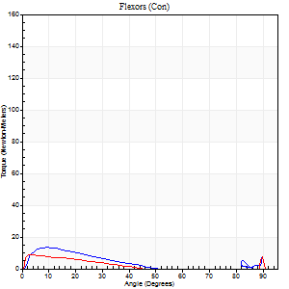
Right Side Curves Left Side Curves
Isokinetic Con/Con |  |  |  | Extensors (Con) |  | Flexors (Con)
Speed 240/240 d/s 3 Reps |  |  |  | Value | Cof Var | %BW | Value | Cof Var | %BW | Ratio

TORQUE PARAMETERS
Peak Torque (Newton-Meters - Best Repetition)
Right |  |  |  | 71 | 0.12 | 101 | 14 | 0.53 | 18 | 19
Left |  |  |  | 66 | 0.01 | 95 | 14 | 0.31 | 18 | 20
Deficit |  |  |  | 6 |  |  | 0
Work per Repetition (Newton-Meters - Best Repetition)
Right |  |  |  | 69 | 0.14 | 98 | 7 | 0.59 | 9 | 10
Left |  |  |  | 66 | 0.01 | 95 | 5 | 0.19 | 9 | 8
Deficit |  |  |  | 4 |  |  | 20
Average Power per Repetition (Watts - Best Repetition)
Right |  |  |  | 130 | 0.16 | 185 | 5 | 0.48 | 7 | 4
Left |  |  |  | 121 | 0.03 | 174 | 6 | 0.24 | 9 | 5
Deficit |  |  |  | 7 |  |  | 17
POSITION PARAMETERS
Joint Angle at Peak Torque (Degrees)
Right |  |  |  | 47 | 0.14 |  | 9 | 0.39
Left |  |  |  | 45 | 0.03 |  | 63 | 0.77
Range of Motion (Degrees)
Right |  |  |  | 1 | 0.51 |  | 90 | 0
Left |  |  |  | 1 | 0.08 |  | 90 | 0
TIME PARAMETERS
Time to Peak Torque (Seconds)
Right |  |  |  | 0.28 | 0.02 |  | 0.12 | 0.46
Left |  |  |  | 0.28 | 0.02 |  | 0.69 | 0.67
Time Peak Torque Held (Seconds)
Right |  |  |  | 0 | 1.73 |  | 0.01 | 1.73
Left |  |  |  | 0 | 1.73 |  | 0 | 1.73
Force Decay Time (Seconds)
Right |  |  |  | 0.25 | 0.05 |  | 1.08 | 0.13
Left |  |  |  | 0.26 | 0.1 |  | 0.16 | 3.25
Reciprocal Delay (Seconds)
Right |  |  |  | 0.31 | 0.11 |  | 0.07 | 0.16
Left |  |  |  | 0.31 | 0.05 |  | 0.1 | 0.2
Delay Time (Seconds)
Right |  |  |  | -0.03 | 0 |  | 0.01 | 2.41
Left |  |  |  | -0.03 | 0 |  | -0.03 | 0
HUMAC2015® Version: 15.000.0074 © Computer Sports Medicine, Inc. www.csmisolutions.com

Use File, Preference to set Report Heading
Isometric - Knee Extension/Flexion
Name: |  |  |  | TR030_FP3037, | ID: | TR030 | Right/Left: | 15.09.2022 15.09.2022

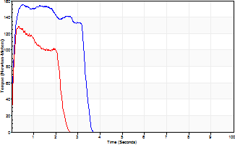
Isometric Extensors (Con) Angle 60 Time 10 Repetition 2 (Best Repetition)
 | Value | Cof Var | %BW
Peak Torque (Newton-Meters)
Right | 156 | 0.05 | 224
Left | 129 | 0.08 | 185
Deficit | 17
Average Torque (Newton-Meters)
Right | 47 | 0.06 | 69
Left | 41 | 0.37 | 57
Deficit | 14
Peak Torque Slope (Newton-Meters/Seconds)
Right | 343 | 0.11 | 489
Left | 483 | 0.15 | 689 |  | Right Side Curves Left Side Curves
Deficit | 29
Time to Half Peak Torque (Seconds)
Right | 0.09 | 0.08
Left | 0.07 | 0.2
Time to Peak Torque (Seconds)
Right | 0.46 | 0.17
Left | 0.28 | 0.23
HUMAC2015® Version: 15.000.0074 © Computer Sports Medicine, Inc. www.csmisolutions.com

pre2
Use File, Preference to set Report Heading
Long Form Torque vs. Position Report - Knee Extension/Flexion
Name: |  |  |  | TR030_FP3037, | ID: | TR030 | Right/Left: | 22.09.2022 22.09.2022
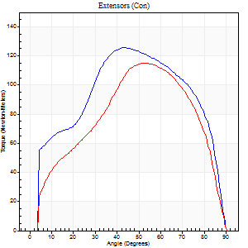
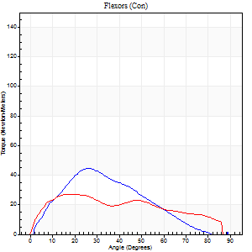
Right Side Curves Left Side Curves
Isokinetic Con/Con |  |  |  | Extensors (Con) |  | Flexors (Con)
Speed 60/60 d/s 3 Reps |  |  |  | Value | Cof Var | %BW | Value | Cof Var | %BW | Ratio

TORQUE PARAMETERS
Peak Torque (Newton-Meters - Best Repetition)
Right |  |  |  | 126 | 0.07 | 179 | 45 | 0.34 | 63 | 35
Left |  |  |  | 115 | 0.08 | 164 | 27 | 0.1 | 39 | 24
Deficit |  |  |  | 9 |  |  | 39
Work per Repetition (Newton-Meters - Best Repetition)
Right |  |  |  | 140 | 0.07 | 200 | 34 | 0.18 | 48 | 24
Left |  |  |  | 117 | 0.05 | 167 | 28 | 0.17 | 42 | 24
Deficit |  |  |  | 17 |  |  | 16
Average Power per Repetition (Watts - Best Repetition)
Right |  |  |  | 89 | 0.06 | 127 | 19 | 0.08 | 26 | 21
Left |  |  |  | 75 | 0.06 | 108 | 18 | 0.14 | 26 | 24
Deficit |  |  |  | 16 |  |  | 5
POSITION PARAMETERS
Joint Angle at Peak Torque (Degrees)
Right |  |  |  | 46 | 0.06 |  | 29 | 0.48
Left |  |  |  | 52 | 0.02 |  | 19 | 0.14
Range of Motion (Degrees)
Right |  |  |  | 0 | 0.61 |  | 90 | 0
Left |  |  |  | 0 | 0.47 |  | 90 | 0
TIME PARAMETERS
Time to Peak Torque (Seconds)
Right |  |  |  | 0.73 | 0.02 |  | 0.47 | 0.49
Left |  |  |  | 0.66 | 0.02 |  | 0.33 | 0.18
Time Peak Torque Held (Seconds)
Right |  |  |  | 0.06 | 0.18 |  | 0.04 | 0.27
Left |  |  |  | 0.05 | 0.6 |  | 0.18 | 0.83
Force Decay Time (Seconds)
Right |  |  |  | 0.72 | 0.02 |  | 1.04 | 0.32
Left |  |  |  | 0.84 | 0.04 |  | 0.99 | 0.14
Reciprocal Delay (Seconds)
Right |  |  |  | 0.17 | 0.67 |  | 0.17 | 0.33
Left |  |  |  | 0.13 | 0.33 |  | 0.17 | 0.51
Delay Time (Seconds)
Right |  |  |  | 0 | -1.41 |  | 0.04 | 0.27
Left |  |  |  | 0 | -1.41 |  | 0 | 4.58
HUMAC2015® Version: 15.000.0074 © Computer Sports Medicine, Inc. www.csmisolutions.com

Use File, Preference to set Report Heading
Long Form Torque vs. Position Report - Knee Extension/Flexion
Name: |  |  |  | TR030_FP3037, | ID: | TR030 | Right/Left: | 22.09.2022 22.09.2022
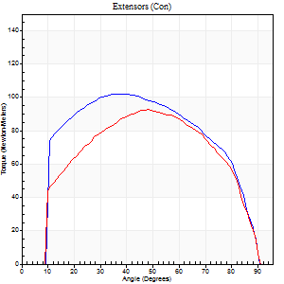
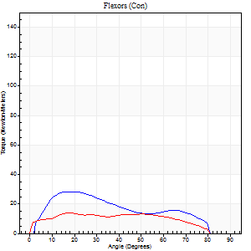
Right Side Curves Left Side Curves
Isokinetic Con/Con |  |  |  | Extensors (Con) |  | Flexors (Con)
Speed 120/120 d/s 3 Reps |  |  |  | Value | Cof Var | %BW | Value | Cof Var | %BW | Ratio

TORQUE PARAMETERS
Peak Torque (Newton-Meters - Best Repetition)
Right |  |  |  | 102 | 0.06 | 146 | 28 | 0.39 | 42 | 28
Left |  |  |  | 92 | 0.02 | 131 | 14 | 0.04 | 18 | 15
Deficit |  |  |  | 9 |  |  | 52
Work per Repetition (Newton-Meters - Best Repetition)
Right |  |  |  | 117 | 0.05 | 167 | 24 | 0.49 | 36 | 21
Left |  |  |  | 100 | 0.01 | 143 | 15 | 0.23 | 21 | 15
Deficit |  |  |  | 14 |  |  | 39
Average Power per Repetition (Watts - Best Repetition)
Right |  |  |  | 138 | 0.07 | 198 | 30 | 0.49 | 42 | 22
Left |  |  |  | 116 | 0 | 165 | 17 | 0.22 | 24 | 15
Deficit |  |  |  | 16 |  |  | 43
POSITION PARAMETERS
Joint Angle at Peak Torque (Degrees)
Right |  |  |  | 39 | 0.01 |  | 19 | 0.07
Left |  |  |  | 44 | 0.11 |  | 18 | 0.1
Range of Motion (Degrees)
Right |  |  |  | 1 | 0.08 |  | 90 | 0
Left |  |  |  | 0 | 0.11 |  | 90 | 0.01
TIME PARAMETERS
Time to Peak Torque (Seconds)
Right |  |  |  | 0.49 | 0.04 |  | 0.18 | 0.17
Left |  |  |  | 0.44 | 0.08 |  | 0.23 | 0.08
Time Peak Torque Held (Seconds)
Right |  |  |  | 0.07 | 0.23 |  | 0.03 | 0.87
Left |  |  |  | 0.03 | 0.58 |  | 0 | 1.73
Force Decay Time (Seconds)
Right |  |  |  | 0.3 | 0 |  | 0.61 | 0.06
Left |  |  |  | 0.39 | 0.08 |  | 0.61 | 0.03
Reciprocal Delay (Seconds)
Right |  |  |  | 0.09 | 0.25 |  | 0.09 | 0.24
Left |  |  |  | 0.06 | 0 |  | 0.1 | 0.15
Delay Time (Seconds)
Right |  |  |  | -0.04 | -0.2 |  | 0.02 | 1.78
Left |  |  |  | -0.01 | -1.41 |  | -0.02 | -0.35
HUMAC2015® Version: 15.000.0074 © Computer Sports Medicine, Inc. www.csmisolutions.com

Use File, Preference to set Report Heading
Long Form Torque vs. Position Report - Knee Extension/Flexion
Name: |  |  |  | TR030_FP3037, | ID: | TR030 | Right/Left: | 22.09.2022 22.09.2022
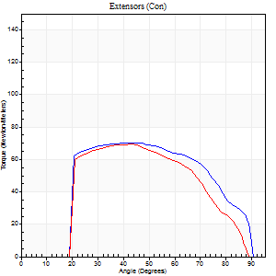
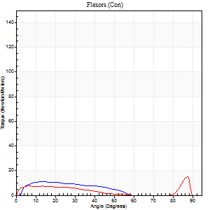
Right Side Curves Left Side Curves
Isokinetic Con/Con |  |  |  | Extensors (Con) |  | Flexors (Con)
Speed 240/240 d/s 3 Reps |  |  |  | Value | Cof Var | %BW | Value | Cof Var | %BW | Ratio

TORQUE PARAMETERS
Peak Torque (Newton-Meters - Best Repetition)
Right |  |  |  | 71 | 0.02 | 101 | 11 | 0.38 | 15 | 15
Left |  |  |  | 69 | 0.06 | 98 | 15 | 0.35 | 21 | 22
Deficit |  |  |  | 2 |  |  | 27
Work per Repetition (Newton-Meters - Best Repetition)
Right |  |  |  | 72 | 0.04 | 101 | 8 | 0.53 | 12 | 11
Left |  |  |  | 64 | 0.02 | 92 | 9 | 0.36 | 15 | 15
Deficit |  |  |  | 11 |  |  | 14
Average Power per Repetition (Watts - Best Repetition)
Right |  |  |  | 136 | 0.08 | 193 | 14 | 0.78 | 20 | 10
Left |  |  |  | 114 | 0.01 | 163 | 15 | 0.47 | 22 | 13
Deficit |  |  |  | 16 |  |  | 7
POSITION PARAMETERS
Joint Angle at Peak Torque (Degrees)
Right |  |  |  | 38 | 0.16 |  | 10 | 0.48
Left |  |  |  | 43 | 0.03 |  | 33 | 1.43
Range of Motion (Degrees)
Right |  |  |  | 1 | 0.54 |  | 90 | 0
Left |  |  |  | 0 | 1.06 |  | 89 | 0.01
TIME PARAMETERS
Time to Peak Torque (Seconds)
Right |  |  |  | 0.33 | 0 |  | 0.13 | 0.12
Left |  |  |  | 0.28 | 0.12 |  | 0.3 | 0.96
Time Peak Torque Held (Seconds)
Right |  |  |  | 0.01 | 1 |  | 0.03 | 1.73
Left |  |  |  | 0.02 | 0.5 |  | 0.02 | 1.32
Force Decay Time (Seconds)
Right |  |  |  | 0.21 | 0.07 |  | 0.59 | 0.29
Left |  |  |  | 0.24 | 0.04 |  | 0.34 | 0.89
Reciprocal Delay (Seconds)
Right |  |  |  | 0.09 | 0.25 |  | 0.1 | 0.48
Left |  |  |  | 0.04 | 0.47 |  | 0.12 | 0.35
Delay Time (Seconds)
Right |  |  |  | -0.05 | -0.16 |  | 0.01 | 2
Left |  |  |  | -0.02 | -0.71 |  | -0.03 | -0.33
HUMAC2015® Version: 15.000.0074 © Computer Sports Medicine, Inc. www.csmisolutions.com

Use File, Preference to set Report Heading
Isometric - Knee Extension/Flexion
Name: |  |  |  | TR030_FP3037, | ID: | TR030 | Right/Left: | 22.09.2022 22.09.2022

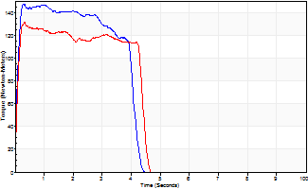
Isometric Extensors (Con) Angle 60 Time 10 Repetition 2 (Best Repetition)
 | Value | Cof Var | %BW
Peak Torque (Newton-Meters)
Right | 146 | 0.03 | 209
Left | 132 | 0.05 | 188
Deficit | 10
Average Torque (Newton-Meters)
Right | 54 | 0.02 | 77
Left | 52 | 0.05 | 75
Deficit | 5
Peak Torque Slope (Newton-Meters/Seconds)
Right | 544 | 1.04 | 776
Left | 399 | 0.2 | 569 |  | Right Side Curves Left Side Curves
Deficit | 27
Time to Half Peak Torque (Seconds)
Right | 0.08 | 0.09
Left | 0.08 | 0.09
Time to Peak Torque (Seconds)
Right | 0.98 | 1.04
Left | 0.36 | 0.16
HUMAC2015® Version: 15.000.0074 © Computer Sports Medicine, Inc. www.csmisolutions.com

mid1
Use File, Preference to set Report Heading
Long Form Torque vs. Position Report - Knee Extension/Flexion
Name: |  |  |  | TR030_FP3037, | ID: | TR030 | Right/Left: | 03.11.2022 03.11.2022
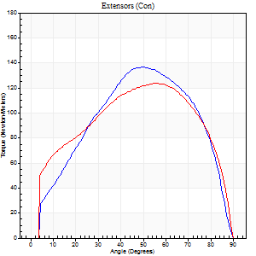
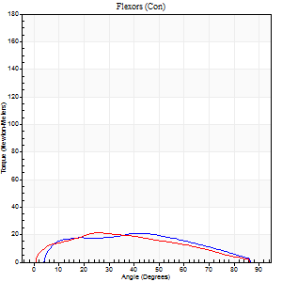
Right Side Curves Left Side Curves
Isokinetic Con/Con |  |  |  | Extensors (Con) |  | Flexors (Con)
Speed 60/60 d/s 3 Reps |  |  |  | Value | Cof Var | %BW | Value | Cof Var | %BW | Ratio

TORQUE PARAMETERS
Peak Torque (Newton-Meters - Best Repetition)
Right |  |  |  | 137 | 0.04 | 197 | 20 | 0.2 | 30 | 15
Left |  |  |  | 123 | 0.03 | 176 | 22 | 0.2 | 30 | 18
Deficit |  |  |  | 10 |  |  | 6
Work per Repetition (Newton-Meters - Best Repetition)
Right |  |  |  | 140 | 0.02 | 200 | 23 | 0.19 | 33 | 17
Left |  |  |  | 141 | 0.04 | 203 | 23 | 0.18 | 33 | 16
Deficit |  |  |  | 1 |  |  | 0
Average Power per Repetition (Watts - Best Repetition)
Right |  |  |  | 90 | 0.02 | 127 | 15 | 0.17 | 22 | 17
Left |  |  |  | 90 | 0.04 | 127 | 14 | 0.16 | 20 | 16
Deficit |  |  |  | 0 |  |  | 7
POSITION PARAMETERS
Joint Angle at Peak Torque (Degrees)
Right |  |  |  | 49 | 0.06 |  | 34 | 0.57
Left |  |  |  | 51 | 0.07 |  | 24 | 0.16
Range of Motion (Degrees)
Right |  |  |  | 0 | 0.16 |  | 90 | 0
Left |  |  |  | 0 | 0 |  | 90 | 0
TIME PARAMETERS
Time to Peak Torque (Seconds)
Right |  |  |  | 0.72 | 0.05 |  | 0.53 | 0.56
Left |  |  |  | 0.69 | 0 |  | 0.43 | 0.15
Time Peak Torque Held (Seconds)
Right |  |  |  | 0.05 | 0.45 |  | 0 | 0
Left |  |  |  | 0.06 | 0.4 |  | 0.04 | 0.13
Force Decay Time (Seconds)
Right |  |  |  | 0.79 | 0.06 |  | 0.94 | 0.3
Left |  |  |  | 0.83 | 0.1 |  | 1.04 | 0.09
Reciprocal Delay (Seconds)
Right |  |  |  | 0.13 | 0.26 |  | 0.11 | 0.24
Left |  |  |  | 0.16 | 0.44 |  | 0.23 | 0.05
Delay Time (Seconds)
Right |  |  |  | -0.01 | -1.41 |  | 0.05 | 0.43
Left |  |  |  | 0 | 0 |  | 0.01 | 0.87
HUMAC2015® Version: 15.000.0074 © Computer Sports Medicine, Inc. www.csmisolutions.com

Use File, Preference to set Report Heading
Long Form Torque vs. Position Report - Knee Extension/Flexion
Name: |  |  |  | TR030_FP3037, | ID: | TR030 | Right/Left: | 03.11.2022 03.11.2022
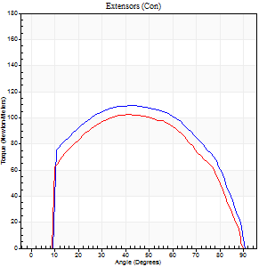
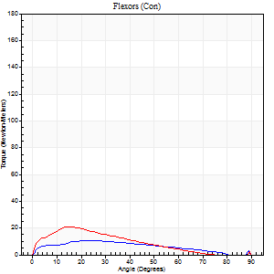
Right Side Curves Left Side Curves
Isokinetic Con/Con |  |  |  | Extensors (Con) |  | Flexors (Con)
Speed 120/120 d/s 3 Reps |  |  |  | Value | Cof Var | %BW | Value | Cof Var | %BW | Ratio

TORQUE PARAMETERS
Peak Torque (Newton-Meters - Best Repetition)
Right |  |  |  | 110 | 0.01 | 158 | 11 | 0.05 | 15 | 10
Left |  |  |  | 102 | 0.01 | 146 | 20 | 0.38 | 30 | 20
Deficit |  |  |  | 7 |  |  | 47
Work per Repetition (Newton-Meters - Best Repetition)
Right |  |  |  | 125 | 0.03 | 179 | 9 | 0.13 | 15 | 8
Left |  |  |  | 113 | 0 | 161 | 14 | 0.26 | 18 | 12
Deficit |  |  |  | 10 |  |  | 30
Average Power per Repetition (Watts - Best Repetition)
Right |  |  |  | 143 | 0.04 | 204 | 11 | 0.13 | 15 | 8
Left |  |  |  | 131 | 0.01 | 187 | 16 | 0.27 | 22 | 12
Deficit |  |  |  | 8 |  |  | 31
POSITION PARAMETERS
Joint Angle at Peak Torque (Degrees)
Right |  |  |  | 42 | 0.01 |  | 22 | 0.13
Left |  |  |  | 42 | 0.11 |  | 19 | 0.17
Range of Motion (Degrees)
Right |  |  |  | 0 | 0.16 |  | 90 | 0.01
Left |  |  |  | 0 | 0.35 |  | 90 | 0.01
TIME PARAMETERS
Time to Peak Torque (Seconds)
Right |  |  |  | 0.45 | 0.02 |  | 0.31 | 0.26
Left |  |  |  | 0.47 | 0.02 |  | 0.25 | 0.2
Time Peak Torque Held (Seconds)
Right |  |  |  | 0.05 | 0.25 |  | 0.01 | 1.73
Left |  |  |  | 0.04 | 0.31 |  | 0 | 0
Force Decay Time (Seconds)
Right |  |  |  | 0.37 | 0.06 |  | 0.58 | 0.09
Left |  |  |  | 0.38 | 0.11 |  | 0.62 | 0.08
Reciprocal Delay (Seconds)
Right |  |  |  | 0.06 | 0 |  | 0.17 | 0.21
Left |  |  |  | 0.09 | 0.25 |  | 0.16 | 0.26
Delay Time (Seconds)
Right |  |  |  | -0.03 | 0 |  | -0.04 | -1.5
Left |  |  |  | -0.02 | 0 |  | -0.02 | -0.35
HUMAC2015® Version: 15.000.0074 © Computer Sports Medicine, Inc. www.csmisolutions.com

Use File, Preference to set Report Heading
Long Form Torque vs. Position Report - Knee Extension/Flexion
Name: |  |  |  | TR030_FP3037, | ID: | TR030 | Right/Left: | 03.11.2022 03.11.2022
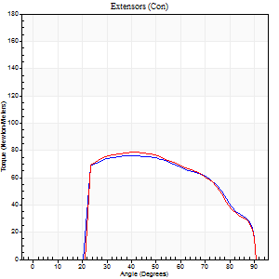
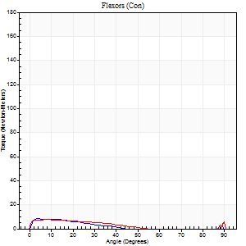
Right Side Curves Left Side Curves
Isokinetic Con/Con |  |  |  | Extensors (Con) |  | Flexors (Con)
Speed 240/240 d/s 3 Reps |  |  |  | Value | Cof Var | %BW | Value | Cof Var | %BW | Ratio

TORQUE PARAMETERS
Peak Torque (Newton-Meters - Best Repetition)
Right |  |  |  | 76 | 0.03 | 107 | 8 | 0.2 | 12 | 11
Left |  |  |  | 79 | 0.05 | 113 | 8 | 0.11 | 12 | 10
Deficit |  |  |  | 3 |  |  | 0
Work per Repetition (Newton-Meters - Best Repetition)
Right |  |  |  | 76 | 0.04 | 107 | 5 | 0.43 | 9 | 7
Left |  |  |  | 76 | 0.03 | 107 | 5 | 0.25 | 9 | 7
Deficit |  |  |  | 0 |  |  | 0
Average Power per Repetition (Watts - Best Repetition)
Right |  |  |  | 143 | 0.02 | 204 | 9 | 0.63 | 13 | 6
Left |  |  |  | 130 | 0.02 | 185 | 5 | 0.3 | 7 | 4
Deficit |  |  |  | 9 |  |  | 44
POSITION PARAMETERS
Joint Angle at Peak Torque (Degrees)
Right |  |  |  | 40 | 0.02 |  | 8 | 0.61
Left |  |  |  | 44 | 0.08 |  | 62 | 0.77
Range of Motion (Degrees)
Right |  |  |  | 1 | 0.09 |  | 90 | 0.01
Left |  |  |  | 0 | 0.2 |  | 90 | 0
TIME PARAMETERS
Time to Peak Torque (Seconds)
Right |  |  |  | 0.29 | 0.05 |  | 0.11 | 0.24
Left |  |  |  | 0.29 | 0.05 |  | 0.78 | 0.66
Time Peak Torque Held (Seconds)
Right |  |  |  | 0.02 | 0 |  | 0.02 | 1.73
Left |  |  |  | 0.01 | 0.43 |  | 0 | 0
Force Decay Time (Seconds)
Right |  |  |  | 0.2 | 0.11 |  | 0.6 | 0.38
Left |  |  |  | 0.27 | 0.04 |  | 0.13 | 3.18
Reciprocal Delay (Seconds)
Right |  |  |  | 0.08 | 0.53 |  | 0.08 | 0.28
Left |  |  |  | 0.25 | 0.49 |  | 0.21 | 0.16
Delay Time (Seconds)
Right |  |  |  | -0.03 | 0 |  | -0.01 | -4.33
Left |  |  |  | -0.03 | 0 |  | -0.05 | -0.12
HUMAC2015® Version: 15.000.0074 © Computer Sports Medicine, Inc. www.csmisolutions.com

Use File, Preference to set Report Heading
Isometric - Knee Extension/Flexion
Name: |  |  |  | TR030_FP3037, | ID: | TR030 | Right/Left: | 03.11.2022 03.11.2022

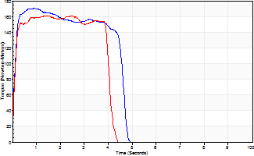
Isometric Extensors (Con) Angle 60 Time 10 Repetition 2 (Best Repetition)
 | Value | Cof Var | %BW
Peak Torque (Newton-Meters)
Right | 171 | 0.01 | 244
Left | 161 | 0.01 | 229
Deficit | 6
Average Torque (Newton-Meters)
Right | 73 | 0.02 | 104
Left | 73 | 0.13 | 104
Deficit | 0
Peak Torque Slope (Newton-Meters/Seconds)
Right | 187 | 0.22 | 267
Left | 116 | 0.06 | 165 |  | Right Side Curves Left Side Curves
Deficit | 38
Time to Half Peak Torque (Seconds)
Right | 0.09 | 0.16
Left | 0.1 | 0
Time to Peak Torque (Seconds)
Right | 1.07 | 0.22
Left | 1.43 | 0.05
HUMAC2015® Version: 15.000.0074 © Computer Sports Medicine, Inc. www.csmisolutions.com

mid2
Use File, Preference to set Report Heading
Long Form Torque vs. Position Report - Knee Extension/Flexion
Name: |  |  |  | TR030_FP3037, | ID: | TR030 | Right/Left: | 07.11.2022 07.11.2022
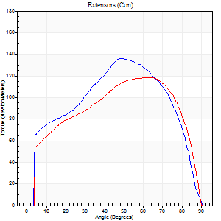
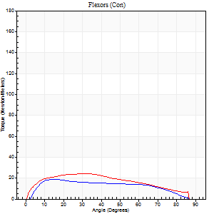
Right Side Curves Left Side Curves
Isokinetic Con/Con |  |  |  | Extensors (Con) |  | Flexors (Con)
Speed 60/60 d/s 3 Reps |  |  |  | Value | Cof Var | %BW | Value | Cof Var | %BW | Ratio

TORQUE PARAMETERS
Peak Torque (Newton-Meters - Best Repetition)
Right |  |  |  | 136 | 0.05 | 194 | 19 | 0.08 | 27 | 14
Left |  |  |  | 118 | 0.01 | 167 | 24 | 0.29 | 36 | 21
Deficit |  |  |  | 13 |  |  | 22
Work per Repetition (Newton-Meters - Best Repetition)
Right |  |  |  | 152 | 0.04 | 218 | 19 | 0.27 | 27 | 12
Left |  |  |  | 136 | 0 | 194 | 26 | 0.3 | 36 | 19
Deficit |  |  |  | 11 |  |  | 26
Average Power per Repetition (Watts - Best Repetition)
Right |  |  |  | 93 | 0.03 | 132 | 13 | 0.27 | 18 | 14
Left |  |  |  | 87 | 0 | 123 | 17 | 0.29 | 24 | 20
Deficit |  |  |  | 6 |  |  | 24
POSITION PARAMETERS
Joint Angle at Peak Torque (Degrees)
Right |  |  |  | 48 | 0.03 |  | 14 | 0.08
Left |  |  |  | 55 | 0.11 |  | 18 | 0.63
Range of Motion (Degrees)
Right |  |  |  | 0 | -1.41 |  | 90 | 0
Left |  |  |  | 0 | -1.41 |  | 90 | 0
TIME PARAMETERS
Time to Peak Torque (Seconds)
Right |  |  |  | 0.75 | 0.08 |  | 0.21 | 0.08
Left |  |  |  | 0.65 | 0.02 |  | 0.33 | 0.59
Time Peak Torque Held (Seconds)
Right |  |  |  | 0.04 | 0.35 |  | 0.03 | 0.94
Left |  |  |  | 0.08 | 0.42 |  | 0.06 | 1
Force Decay Time (Seconds)
Right |  |  |  | 0.8 | 0.05 |  | 1.28 | 0.05
Left |  |  |  | 0.88 | 0.1 |  | 1.13 | 0.19
Reciprocal Delay (Seconds)
Right |  |  |  | 0.35 | 0.7 |  | 0.16 | 0.19
Left |  |  |  | 0.11 | 0.07 |  | 0.22 | 0.2
Delay Time (Seconds)
Right |  |  |  | -0.04 | -0.71 |  | 0.09 | 0.29
Left |  |  |  | 0.01 | 0 |  | 0.01 | 0.87
HUMAC2015® Version: 15.000.0074 © Computer Sports Medicine, Inc. www.csmisolutions.com

Use File, Preference to set Report Heading
Long Form Torque vs. Position Report - Knee Extension/Flexion
Name: |  |  |  | TR030_FP3037, | ID: | TR030 | Right/Left: | 07.11.2022 07.11.2022
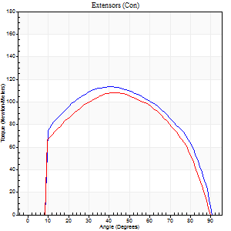
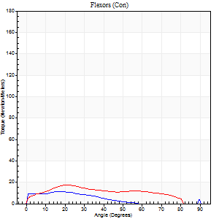
Right Side Curves Left Side Curves
Isokinetic Con/Con |  |  |  | Extensors (Con) |  | Flexors (Con)
Speed 120/120 d/s 3 Reps |  |  |  | Value | Cof Var | %BW | Value | Cof Var | %BW | Ratio

TORQUE PARAMETERS
Peak Torque (Newton-Meters - Best Repetition)
Right |  |  |  | 114 | 0.03 | 164 | 11 | 0.23 | 15 | 10
Left |  |  |  | 108 | 0.03 | 155 | 18 | 0.2 | 24 | 16
Deficit |  |  |  | 5 |  |  | 38
Work per Repetition (Newton-Meters - Best Repetition)
Right |  |  |  | 129 | 0.03 | 185 | 8 | 0.24 | 12 | 6
Left |  |  |  | 118 | 0.02 | 167 | 16 | 0.3 | 24 | 14
Deficit |  |  |  | 8 |  |  | 50
Average Power per Repetition (Watts - Best Repetition)
Right |  |  |  | 151 | 0.03 | 215 | 10 | 0.29 | 13 | 7
Left |  |  |  | 135 | 0.02 | 193 | 18 | 0.28 | 26 | 13
Deficit |  |  |  | 11 |  |  | 44
POSITION PARAMETERS
Joint Angle at Peak Torque (Degrees)
Right |  |  |  | 39 | 0.07 |  | 14 | 0.45
Left |  |  |  | 44 | 0.07 |  | 20 | 0.02
Range of Motion (Degrees)
Right |  |  |  | 1 | 0.07 |  | 90 | 0
Left |  |  |  | 0 | 0.61 |  | 90 | 0.01
TIME PARAMETERS
Time to Peak Torque (Seconds)
Right |  |  |  | 0.49 | 0.06 |  | 0.2 | 0.44
Left |  |  |  | 0.43 | 0.03 |  | 0.27 | 0.08
Time Peak Torque Held (Seconds)
Right |  |  |  | 0.05 | 0 |  | 0.01 | 1.73
Left |  |  |  | 0.03 | 0.35 |  | 0.02 | 0.92
Force Decay Time (Seconds)
Right |  |  |  | 0.31 | 0.07 |  | 0.72 | 0.12
Left |  |  |  | 0.4 | 0.05 |  | 0.58 | 0.03
Reciprocal Delay (Seconds)
Right |  |  |  | 0.09 | 0.52 |  | 0.15 | 0.41
Left |  |  |  | 0.06 | 0.11 |  | 0.17 | 0.34
Delay Time (Seconds)
Right |  |  |  | -0.02 | -0.28 |  | -0.01 | -5.2
Left |  |  |  | -0.01 | -0.47 |  | -0.03 | -0.22
HUMAC2015® Version: 15.000.0074 © Computer Sports Medicine, Inc. www.csmisolutions.com

Use File, Preference to set Report Heading
Long Form Torque vs. Position Report - Knee Extension/Flexion
Name: |  |  |  | TR030_FP3037, | ID: | TR030 | Right/Left: | 07.11.2022 07.11.2022
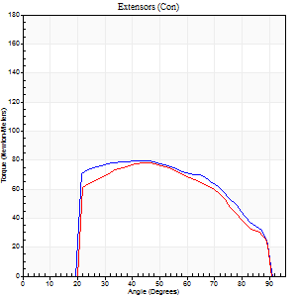
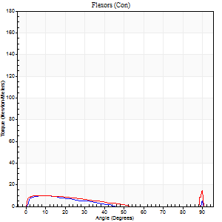
Right Side Curves Left Side Curves
Isokinetic Con/Con |  |  |  | Extensors (Con) |  | Flexors (Con)
Speed 240/240 d/s 3 Reps |  |  |  | Value | Cof Var | %BW | Value | Cof Var | %BW | Ratio

TORQUE PARAMETERS
Peak Torque (Newton-Meters - Best Repetition)
Right |  |  |  | 80 | 0.04 | 113 | 15 | 0.5 | 21 | 19
Left |  |  |  | 79 | 0.03 | 113 | 15 | 0.37 | 21 | 19
Deficit |  |  |  | 2 |  |  | 0
Work per Repetition (Newton-Meters - Best Repetition)
Right |  |  |  | 80 | 0.04 | 113 | 5 | 0.39 | 9 | 7
Left |  |  |  | 76 | 0.01 | 107 | 7 | 0.91 | 9 | 9
Deficit |  |  |  | 5 |  |  | 20
Average Power per Repetition (Watts - Best Repetition)
Right |  |  |  | 151 | 0.06 | 215 | 7 | 0.45 | 11 | 5
Left |  |  |  | 139 | 0.02 | 198 | 7 | 0.77 | 11 | 5
Deficit |  |  |  | 8 |  |  | 0
POSITION PARAMETERS
Joint Angle at Peak Torque (Degrees)
Right |  |  |  | 41 | 0.07 |  | 35 | 1.38
Left |  |  |  | 46 | 0.04 |  | 62 | 0.79
Range of Motion (Degrees)
Right |  |  |  | 0 | 0.54 |  | 90 | 0
Left |  |  |  | 1 | 0.13 |  | 90 | 0
TIME PARAMETERS
Time to Peak Torque (Seconds)
Right |  |  |  | 0.29 | 0.1 |  | 0.35 | 1.27
Left |  |  |  | 0.27 | 0.05 |  | 0.4 | 1.11
Time Peak Torque Held (Seconds)
Right |  |  |  | 0.03 | 0.35 |  | 0.04 | 1.09
Left |  |  |  | 0.02 | 0.5 |  | 0.03 | 1.25
Force Decay Time (Seconds)
Right |  |  |  | 0.21 | 0.03 |  | 0.38 | 1.09
Left |  |  |  | 0.25 | 0.06 |  | 0.18 | 1.93
Reciprocal Delay (Seconds)
Right |  |  |  | 0.16 | 0.09 |  | 0.12 | 0.26
Left |  |  |  | 0.38 | 0.06 |  | 0.13 | 0.18
Delay Time (Seconds)
Right |  |  |  | -0.02 | -0.28 |  | 0.02 | 1.51
Left |  |  |  | -0.03 | 0 |  | 0.24 | 1.99
HUMAC2015® Version: 15.000.0074 © Computer Sports Medicine, Inc. www.csmisolutions.com

Use File, Preference to set Report Heading
Isometric - Knee Extension/Flexion
Name: |  |  |  | TR030_FP3037, | ID: | TR030 | Right/Left: | 07.11.2022 07.11.2022

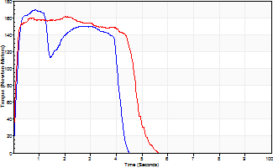
Isometric Extensors (Con) Angle 60 Time 10 Repetition 2 (Best Repetition)
 | Value | Cof Var | %BW
Peak Torque (Newton-Meters)
Right | 170 | 0 | 241
Left | 161 | 0.01 | 229
Deficit | 5
Average Torque (Newton-Meters)
Right | 69 | 0.12 | 98
Left | 72 | 0.27 | 101
Deficit | 4
Peak Torque Slope (Newton-Meters/Seconds)
Right | 227 | 0.1 | 324
Left | 396 | 0.94 | 565 |  | Right Side Curves Left Side Curves
Deficit | 43
Time to Half Peak Torque (Seconds)
Right | 0.11 | 0.26
Left | 0.11 | 0.2
Time to Peak Torque (Seconds)
Right | 0.79 | 0.11
Left | 1.2 | 0.95
HUMAC2015® Version: 15.000.0074 © Computer Sports Medicine, Inc. www.csmisolutions.com

post1
Use File, Preference to set Report Heading
Long Form Torque vs. Position Report - Knee Extension/Flexion
Name: |  |  |  | TR030_FP3037, | ID: | TR030 | Right/Left: | 29.11.2022 29.11.2022
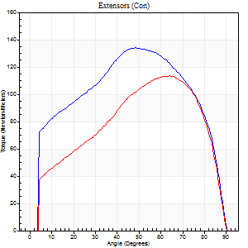
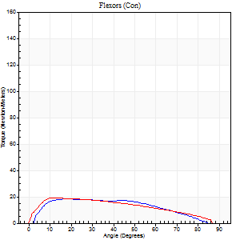
Right Side Curves Left Side Curves
Isokinetic Con/Con |  |  |  | Extensors (Con) |  | Flexors (Con)
Speed 60/60 d/s 3 Reps |  |  |  | Value | Cof Var | %BW | Value | Cof Var | %BW | Ratio

TORQUE PARAMETERS
Peak Torque (Newton-Meters - Best Repetition)
Right |  |  |  | 134 | 0.06 | 191 | 19 | 0.11 | 27 | 14
Left |  |  |  | 114 | 0.85 | 164 | 19 | 0.79 | 27 | 17
Deficit |  |  |  | 15 |  |  | 0
Work per Repetition (Newton-Meters - Best Repetition)
Right |  |  |  | 155 | 0.05 | 221 | 19 | 0.19 | 27 | 12
Left |  |  |  | 119 | 0.89 | 170 | 20 | 0.92 | 30 | 17
Deficit |  |  |  | 23 |  |  | 7
Average Power per Repetition (Watts - Best Repetition)
Right |  |  |  | 98 | 0.06 | 141 | 12 | 0.19 | 18 | 12
Left |  |  |  | 76 | 0.89 | 108 | 12 | 0.92 | 18 | 16
Deficit |  |  |  | 22 |  |  | 0
POSITION PARAMETERS
Joint Angle at Peak Torque (Degrees)
Right |  |  |  | 45 | 0.07 |  | 16 | 0.08
Left |  |  |  | 71 | 0.2 |  | 32 | 1.13
Range of Motion (Degrees)
Right |  |  |  | 0 | 1.41 |  | 90 | 0
Left |  |  |  | 37 | 1.41 |  | 90 | 0
TIME PARAMETERS
Time to Peak Torque (Seconds)
Right |  |  |  | 0.82 | 0.02 |  | 0.24 | 0.11
Left |  |  |  | 0.57 | 0.16 |  | 0.38 | 0.66
Time Peak Torque Held (Seconds)
Right |  |  |  | 0.06 | 0.55 |  | 0.02 | 1.73
Left |  |  |  | 0.04 | 1 |  | 0.06 | 1.45
Force Decay Time (Seconds)
Right |  |  |  | 0.72 | 0.09 |  | 1.25 | 0.03
Left |  |  |  | 0.87 | 0.29 |  | 1.06 | 0.33
Reciprocal Delay (Seconds)
Right |  |  |  | 0.23 | 0.45 |  | 0.14 | 0.12
Left |  |  |  | 0.46 | 0.89 |  | 0.43 | 0.69
Delay Time (Seconds)
Right |  |  |  | -0.03 | -0.94 |  | 0.08 | 0.18
Left |  |  |  | -0.24 | -1.3 |  | -0.22 | -1.58
HUMAC2015® Version: 15.000.0074 © Computer Sports Medicine, Inc. www.csmisolutions.com

Use File, Preference to set Report Heading
Long Form Torque vs. Position Report - Knee Extension/Flexion
Name: |  |  |  | TR030_FP3037, | ID: | TR030 | Right/Left: | 29.11.2022 29.11.2022
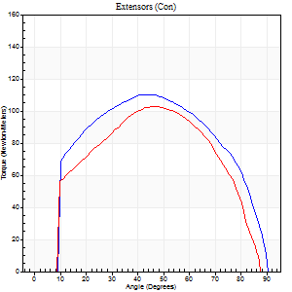
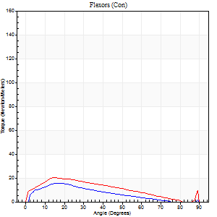
Right Side Curves Left Side Curves
Isokinetic Con/Con |  |  |  | Extensors (Con) |  | Flexors (Con)
Speed 120/120 d/s 3 Reps |  |  |  | Value | Cof Var | %BW | Value | Cof Var | %BW | Ratio

TORQUE PARAMETERS
Peak Torque (Newton-Meters - Best Repetition)
Right |  |  |  | 110 | 0.05 | 158 | 15 | 0.07 | 21 | 14
Left |  |  |  | 103 | 0.07 | 146 | 20 | 0.21 | 30 | 20
Deficit |  |  |  | 6 |  |  | 27
Work per Repetition (Newton-Meters - Best Repetition)
Right |  |  |  | 123 | 0.04 | 176 | 12 | 0.18 | 18 | 10
Left |  |  |  | 106 | 0.05 | 152 | 16 | 0.23 | 24 | 15
Deficit |  |  |  | 14 |  |  | 25
Average Power per Repetition (Watts - Best Repetition)
Right |  |  |  | 146 | 0.25 | 209 | 16 | 0.28 | 22 | 11
Left |  |  |  | 122 | 0.06 | 174 | 19 | 0.23 | 26 | 16
Deficit |  |  |  | 16 |  |  | 16
POSITION PARAMETERS
Joint Angle at Peak Torque (Degrees)
Right |  |  |  | 40 | 0.11 |  | 19 | 0.12
Left |  |  |  | 49 | 0.07 |  | 17 | 0.14
Range of Motion (Degrees)
Right |  |  |  | 1 | 0.43 |  | 90 | 0
Left |  |  |  | 0 | 0.16 |  | 90 | 0.01
TIME PARAMETERS
Time to Peak Torque (Seconds)
Right |  |  |  | 0.49 | 0.04 |  | 0.19 | 0.06
Left |  |  |  | 0.41 | 0.02 |  | 0.22 | 0.12
Time Peak Torque Held (Seconds)
Right |  |  |  | 0.04 | 0 |  | 0.02 | 0.92
Left |  |  |  | 0.04 | 0.16 |  | 0.02 | 0.35
Force Decay Time (Seconds)
Right |  |  |  | 0.33 | 0.11 |  | 0.64 | 0.13
Left |  |  |  | 0.44 | 0.06 |  | 0.62 | 0.03
Reciprocal Delay (Seconds)
Right |  |  |  | 0.11 | 0.64 |  | 0.1 | 0.17
Left |  |  |  | 0.08 | 0.09 |  | 0.12 | 0.12
Delay Time (Seconds)
Right |  |  |  | -0.02 | 0 |  | 0.02 | 0.5
Left |  |  |  | 0.05 | 1.98 |  | -0.01 | -1
HUMAC2015® Version: 15.000.0074 © Computer Sports Medicine, Inc. www.csmisolutions.com

Use File, Preference to set Report Heading
Long Form Torque vs. Position Report - Knee Extension/Flexion
Name: |  |  |  | TR030_FP3037, | ID: | TR030 | Right/Left: | 29.11.2022 29.11.2022
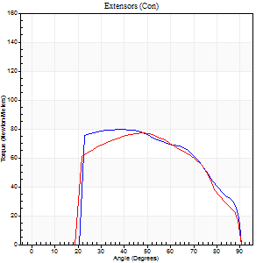
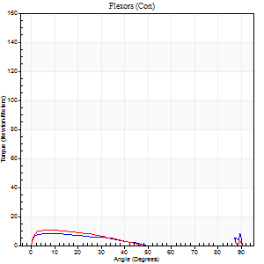
Right Side Curves Left Side Curves
Isokinetic Con/Con |  |  |  | Extensors (Con) |  | Flexors (Con)
Speed 240/240 d/s 3 Reps |  |  |  | Value | Cof Var | %BW | Value | Cof Var | %BW | Ratio

TORQUE PARAMETERS
Peak Torque (Newton-Meters - Best Repetition)
Right |  |  |  | 80 | 0.03 | 113 | 8 | 0.11 | 12 | 10
Left |  |  |  | 77 | 0.11 | 110 | 11 | 0.16 | 15 | 14
Deficit |  |  |  | 3 |  |  | 25
Work per Repetition (Newton-Meters - Best Repetition)
Right |  |  |  | 80 | 0.05 | 113 | 5 | 0.27 | 9 | 7
Left |  |  |  | 79 | 0.13 | 113 | 5 | 0.21 | 9 | 7
Deficit |  |  |  | 2 |  |  | 0
Average Power per Repetition (Watts - Best Repetition)
Right |  |  |  | 137 | 0.07 | 196 | 4 | 0.21 | 7 | 3
Left |  |  |  | 132 | 0.11 | 189 | 8 | 0.3 | 11 | 6
Deficit |  |  |  | 4 |  |  | 50
POSITION PARAMETERS
Joint Angle at Peak Torque (Degrees)
Right |  |  |  | 39 | 0.03 |  | 6 | 0.42
Left |  |  |  | 50 | 0.04 |  | 5 | 0.47
Range of Motion (Degrees)
Right |  |  |  | 0 | 0 |  | 90 | 0
Left |  |  |  | 0 | 0 |  | 90 | 0
TIME PARAMETERS
Time to Peak Torque (Seconds)
Right |  |  |  | 0.32 | 0.07 |  | 0.16 | 0.41
Left |  |  |  | 0.27 | 0.08 |  | 0.14 | 0.22
Time Peak Torque Held (Seconds)
Right |  |  |  | 0.02 | 0.5 |  | 0.33 | 1.53
Left |  |  |  | 0.01 | 0.43 |  | 0.03 | 0.87
Force Decay Time (Seconds)
Right |  |  |  | 0.24 | 0.06 |  | 0.55 | 0.87
Left |  |  |  | 0.3 | 0.04 |  | 0.66 | 0.16
Reciprocal Delay (Seconds)
Right |  |  |  | 0.34 | 0.27 |  | 0.23 | 0.14
Left |  |  |  | 0.17 | 0 |  | 0.2 | 0.18
Delay Time (Seconds)
Right |  |  |  | -0.05 | -0.39 |  | -0.02 | -2.27
Left |  |  |  | -0.04 | -0.71 |  | -0.04 | 0
HUMAC2015® Version: 15.000.0074 © Computer Sports Medicine, Inc. www.csmisolutions.com

Use File, Preference to set Report Heading
Isometric - Knee Extension/Flexion
Name: |  |  |  | TR030_FP3037, | ID: | TR030 | Right/Left: | 29.11.2022 29.11.2022

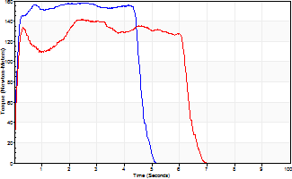
Isometric Extensors (Con) Angle 60 Time 10 Repetition 2 (Best Repetition)
 | Value | Cof Var | %BW
Peak Torque (Newton-Meters)
Right | 157 | 0.01 | 224
Left | 142 | 0.02 | 203
Deficit | 9
Average Torque (Newton-Meters)
Right | 79 | 0.08 | 113
Left | 81 | 0.27 | 116
Deficit | 3
Peak Torque Slope (Newton-Meters/Seconds)
Right | 59 | 0.08 | 84
Left | 89 | 0.3 | 128 |  | Right Side Curves Left Side Curves
Deficit | 34
Time to Half Peak Torque (Seconds)
Right | 0.08 | 0
Left | 0.09 | 0
Time to Peak Torque (Seconds)
Right | 2.81 | 0.07
Left | 1.99 | 0.32
HUMAC2015® Version: 15.000.0074 © Computer Sports Medicine, Inc. www.csmisolutions.com

post2
Use File, Preference to set Report Heading
Long Form Torque vs. Position Report - Knee Extension/Flexion
Name: |  |  |  | TR030_FP3037, | ID: | TR030 | Right/Left: | 01.12.2022 01.12.2022
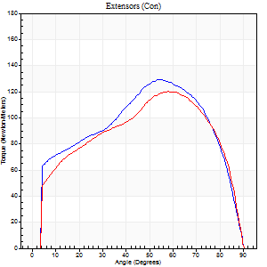
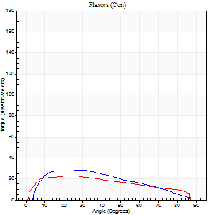
Right Side Curves Left Side Curves
Isokinetic Con/Con |  |  |  | Extensors (Con) |  | Flexors (Con)
Speed 60/60 d/s 3 Reps |  |  |  | Value | Cof Var | %BW | Value | Cof Var | %BW | Ratio

TORQUE PARAMETERS
Peak Torque (Newton-Meters - Best Repetition)
Right |  |  |  | 129 | 0.01 | 185 | 28 | 0.16 | 42 | 22
Left |  |  |  | 119 | 0.02 | 170 | 23 | 0.06 | 33 | 19
Deficit |  |  |  | 7 |  |  | 19
Work per Repetition (Newton-Meters - Best Repetition)
Right |  |  |  | 151 | 0.04 | 215 | 27 | 0.14 | 39 | 18
Left |  |  |  | 133 | 0.01 | 191 | 24 | 0.07 | 36 | 18
Deficit |  |  |  | 12 |  |  | 10
Average Power per Repetition (Watts - Best Repetition)
Right |  |  |  | 95 | 0.03 | 136 | 18 | 0.11 | 26 | 19
Left |  |  |  | 86 | 0.01 | 123 | 16 | 0.07 | 22 | 19
Deficit |  |  |  | 9 |  |  | 11
POSITION PARAMETERS
Joint Angle at Peak Torque (Degrees)
Right |  |  |  | 53 | 0.04 |  | 29 | 0.01
Left |  |  |  | 54 | 0.06 |  | 28 | 0.18
Range of Motion (Degrees)
Right |  |  |  | 0 | 1.06 |  | 90 | 0
Left |  |  |  | 0 | 0 |  | 90 | 0
TIME PARAMETERS
Time to Peak Torque (Seconds)
Right |  |  |  | 0.67 | 0.04 |  | 0.43 | 0.01
Left |  |  |  | 0.62 | 0.05 |  | 0.49 | 0.19
Time Peak Torque Held (Seconds)
Right |  |  |  | 0.06 | 0.67 |  | 0.06 | 1.03
Left |  |  |  | 0.05 | 0.11 |  | 0.08 | 0.54
Force Decay Time (Seconds)
Right |  |  |  | 0.85 | 0.07 |  | 0.96 | 0.12
Left |  |  |  | 0.89 | 0.07 |  | 0.93 | 0.1
Reciprocal Delay (Seconds)
Right |  |  |  | 0.12 | 0.06 |  | 0.13 | 0.11
Left |  |  |  | 0.11 | 0.06 |  | 0.2 | 0.19
Delay Time (Seconds)
Right |  |  |  | -0.02 | -0.28 |  | 0.08 | 0.25
Left |  |  |  | 0.01 | 0 |  | 0.01 | 1.73
HUMAC2015® Version: 15.000.0074 © Computer Sports Medicine, Inc. www.csmisolutions.com

Use File, Preference to set Report Heading
Long Form Torque vs. Position Report - Knee Extension/Flexion
Name: |  |  |  | TR030_FP3037, | ID: | TR030 | Right/Left: | 01.12.2022 01.12.2022
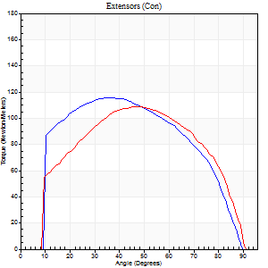
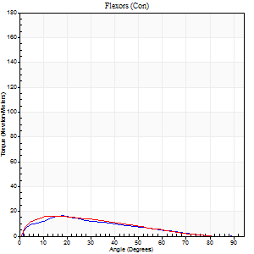
Right Side Curves Left Side Curves
Isokinetic Con/Con |  |  |  | Extensors (Con) |  | Flexors (Con)
Speed 120/120 d/s 3 Reps |  |  |  | Value | Cof Var | %BW | Value | Cof Var | %BW | Ratio

TORQUE PARAMETERS
Peak Torque (Newton-Meters - Best Repetition)
Right |  |  |  | 115 | 0.02 | 164 | 16 | 0.19 | 24 | 14
Left |  |  |  | 108 | 0.04 | 155 | 16 | 0.14 | 24 | 15
Deficit |  |  |  | 6 |  |  | 0
Work per Repetition (Newton-Meters - Best Repetition)
Right |  |  |  | 127 | 0.02 | 182 | 12 | 0.2 | 18 | 10
Left |  |  |  | 118 | 0.02 | 167 | 14 | 0.1 | 18 | 11
Deficit |  |  |  | 7 |  |  | 10
Average Power per Repetition (Watts - Best Repetition)
Right |  |  |  | 149 | 0.01 | 213 | 14 | 0.21 | 20 | 9
Left |  |  |  | 144 | 0.04 | 207 | 15 | 0.11 | 22 | 10
Deficit |  |  |  | 3 |  |  | 7
POSITION PARAMETERS
Joint Angle at Peak Torque (Degrees)
Right |  |  |  | 37 | 0.13 |  | 20 | 0.07
Left |  |  |  | 46 | 0.05 |  | 17 | 0.22
Range of Motion (Degrees)
Right |  |  |  | 1 | 0.06 |  | 90 | 0.01
Left |  |  |  | 1 | 0.58 |  | 89 | 0.01
TIME PARAMETERS
Time to Peak Torque (Seconds)
Right |  |  |  | 0.52 | 0.03 |  | 0.21 | 0.06
Left |  |  |  | 0.4 | 0.04 |  | 0.21 | 0.22
Time Peak Torque Held (Seconds)
Right |  |  |  | 0.04 | 0.5 |  | 0.01 | 1.73
Left |  |  |  | 0.04 | 0.35 |  | 0.03 | 1
Force Decay Time (Seconds)
Right |  |  |  | 0.3 | 0.08 |  | 0.61 | 0.02
Left |  |  |  | 0.39 | 0.06 |  | 0.59 | 0.04
Reciprocal Delay (Seconds)
Right |  |  |  | 0.08 | 0.35 |  | 0.11 | 0.14
Left |  |  |  | 0.04 | 0.35 |  | 0.11 | 0.09
Delay Time (Seconds)
Right |  |  |  | -0.03 | 0 |  | 0.04 | 0.79
Left |  |  |  | 0 | -1.41 |  | -0.01 | -0.43
HUMAC2015® Version: 15.000.0074 © Computer Sports Medicine, Inc. www.csmisolutions.com

Use File, Preference to set Report Heading
Long Form Torque vs. Position Report - Knee Extension/Flexion
Name: |  |  |  | TR030_FP3037, | ID: | TR030 | Right/Left: | 01.12.2022 01.12.2022
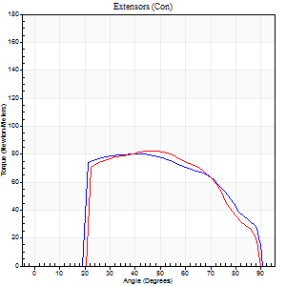

Right Side Curves Left Side Curves
Isokinetic Con/Con |  |  |  | Extensors (Con) |  | Flexors (Con)
Speed 240/240 d/s 3 Reps |  |  |  | Value | Cof Var | %BW | Value | Cof Var | %BW | Ratio

TORQUE PARAMETERS
Peak Torque (Newton-Meters - Best Repetition)
Right |  |  |  | 80 | 0.02 | 113 | 9 | 0.27 | 15 | 12
Left |  |  |  | 83 | 0.02 | 119 | 9 | 0.15 | 15 | 11
Deficit |  |  |  | 3 |  |  | 0
Work per Repetition (Newton-Meters - Best Repetition)
Right |  |  |  | 81 | 0.04 | 116 | 5 | 0.22 | 9 | 7
Left |  |  |  | 80 | 0.01 | 113 | 4 | 0.08 | 6 | 5
Deficit |  |  |  | 2 |  |  | 25
Average Power per Repetition (Watts - Best Repetition)
Right |  |  |  | 144 | 0.03 | 207 | 8 | 0.31 | 11 | 6
Left |  |  |  | 141 | 0.01 | 202 | 6 | 0.1 | 9 | 4
Deficit |  |  |  | 2 |  |  | 25
POSITION PARAMETERS
Joint Angle at Peak Torque (Degrees)
Right |  |  |  | 39 | 0.07 |  | 8 | 0.34
Left |  |  |  | 47 | 0.03 |  | 6 | 0.3
Range of Motion (Degrees)
Right |  |  |  | 0 | 0.76 |  | 90 | 0.01
Left |  |  |  | 0 | 0.47 |  | 90 | 0.01
TIME PARAMETERS
Time to Peak Torque (Seconds)
Right |  |  |  | 0.3 | 0.02 |  | 0.17 | 0.15
Left |  |  |  | 0.26 | 0.03 |  | 0.16 | 0.2
Time Peak Torque Held (Seconds)
Right |  |  |  | 0.02 | 0 |  | 0 | 0
Left |  |  |  | 0.01 | 0 |  | 0.01 | 1.73
Force Decay Time (Seconds)
Right |  |  |  | 0.23 | 0.03 |  | 0.56 | 0.1
Left |  |  |  | 0.28 | 0.02 |  | 0.57 | 0.09
Reciprocal Delay (Seconds)
Right |  |  |  | 0.06 | 0.11 |  | 0.17 | 0.49
Left |  |  |  | 0.16 | 0.53 |  | 0.18 | 0.36
Delay Time (Seconds)
Right |  |  |  | -0.04 | -0.2 |  | -0.01 | -2.63
Left |  |  |  | -0.02 | -0.28 |  | -0.04 | -0.13
HUMAC2015® Version: 15.000.0074 © Computer Sports Medicine, Inc. www.csmisolutions.com

Use File, Preference to set Report Heading
Isometric - Knee Extension/Flexion
Name: |  |  |  | TR030_FP3037, | ID: | TR030 | Right/Left: | 01.12.2022 01.12.2022

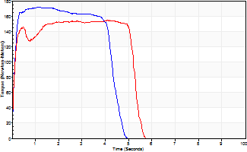
Isometric Extensors (Con) Angle 60 Time 10 Repetition 2 (Best Repetition)
 | Value | Cof Var | %BW
Peak Torque (Newton-Meters)
Right | 172 | 0.01 | 244
Left | 155 | 0.02 | 221
Deficit | 10
Average Torque (Newton-Meters)
Right | 84 | 0.12 | 119
Left | 77 | 0.16 | 110
Deficit | 8
Peak Torque Slope (Newton-Meters/Seconds)
Right | 155 | 0.28 | 221
Left | 331 | 1.12 | 472 |  | Right Side Curves Left Side Curves
Deficit | 53
Time to Half Peak Torque (Seconds)
Right | 0.1 | 0
Left | 0.09 | 0
Time to Peak Torque (Seconds)
Right | 1.37 | 0.27
Left | 2.26 | 1.14
HUMAC2015® Version: 15.000.0074 © Computer Sports Medicine, Inc. www.csmisolutions.com

