pre1
Use File, Preference to set Report Heading
Long Form Torque vs. Position Report - Knee Extension/Flexion
Name: |  |  |  | TR030_FP3038, | ID: | TR030 | Right/Left: | 12.09.2022 12.09.2022
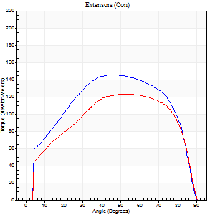
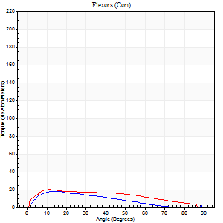
Right Side Curves Left Side Curves
Isokinetic Con/Con |  |  |  | Extensors (Con) |  | Flexors (Con)
Speed 60/60 d/s 3 Reps |  |  |  | Value | Cof Var | %BW | Value | Cof Var | %BW | Ratio

TORQUE PARAMETERS
Peak Torque (Newton-Meters - Best Repetition)
Right |  |  |  | 145 | 0.05 | 182 | 19 | 0.12 | 24 | 13
Left |  |  |  | 123 | 0.04 | 155 | 20 | 0.06 | 27 | 16
Deficit |  |  |  | 15 |  |  | 7
Work per Repetition (Newton-Meters - Best Repetition)
Right |  |  |  | 174 | 0.06 | 218 | 12 | 0.05 | 15 | 7
Left |  |  |  | 142 | 0.07 | 179 | 20 | 0.19 | 27 | 14
Deficit |  |  |  | 18 |  |  | 40
Average Power per Repetition (Watts - Best Repetition)
Right |  |  |  | 108 | 0.08 | 134 | 8 | 0.09 | 11 | 7
Left |  |  |  | 90 | 0.07 | 112 | 13 | 0.18 | 15 | 14
Deficit |  |  |  | 17 |  |  | 38
POSITION PARAMETERS
Joint Angle at Peak Torque (Degrees)
Right |  |  |  | 51 | 0.1 |  | 16 | 0.21
Left |  |  |  | 53 | 0.07 |  | 13 | 0.23
Range of Motion (Degrees)
Right |  |  |  | 0 | -0.47 |  | 90 | 0
Left |  |  |  | 0 | 0 |  | 90 | 0
TIME PARAMETERS
Time to Peak Torque (Seconds)
Right |  |  |  | 0.69 | 0.08 |  | 0.26 | 0.29
Left |  |  |  | 0.69 | 0.15 |  | 0.26 | 0.25
Time Peak Torque Held (Seconds)
Right |  |  |  | 0.08 | 0.22 |  | 0.02 | 1.73
Left |  |  |  | 0.09 | 0.48 |  | 0.01 | 1.73
Force Decay Time (Seconds)
Right |  |  |  | 0.81 | 0.12 |  | 1.35 | 0.14
Left |  |  |  | 0.84 | 0.09 |  | 1.28 | 0.03
Reciprocal Delay (Seconds)
Right |  |  |  | 0.45 | 0.17 |  | 0.26 | 0.14
Left |  |  |  | 0.42 | 0.07 |  | 0.27 | 0.06
Delay Time (Seconds)
Right |  |  |  | -0.03 | -0.94 |  | 0.07 | 0.38
Left |  |  |  | -0.04 | -0.61 |  | 0.01 | 0.87
HUMAC2015® Version: 15.000.0074 © Computer Sports Medicine, Inc. www.csmisolutions.com

Use File, Preference to set Report Heading
Long Form Torque vs. Position Report - Knee Extension/Flexion
Name: |  |  |  | TR030_FP3038, | ID: | TR030 | Right/Left: | 12.09.2022 12.09.2022
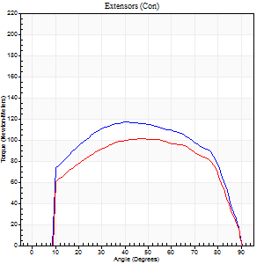
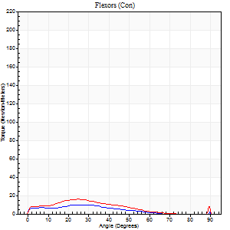
Right Side Curves Left Side Curves
Isokinetic Con/Con |  |  |  | Extensors (Con) |  | Flexors (Con)
Speed 120/120 d/s 3 Reps |  |  |  | Value | Cof Var | %BW | Value | Cof Var | %BW | Ratio

TORQUE PARAMETERS
Peak Torque (Newton-Meters - Best Repetition)
Right |  |  |  | 117 | 0.01 | 146 | 16 | 0.41 | 21 | 14
Left |  |  |  | 102 | 0.03 | 128 | 16 | 0.22 | 21 | 16
Deficit |  |  |  | 13 |  |  | 0
Work per Repetition (Newton-Meters - Best Repetition)
Right |  |  |  | 134 | 0.01 | 167 | 7 | 0.27 | 9 | 5
Left |  |  |  | 117 | 0.03 | 146 | 11 | 0.13 | 15 | 9
Deficit |  |  |  | 13 |  |  | 38
Average Power per Repetition (Watts - Best Repetition)
Right |  |  |  | 148 | 0.03 | 185 | 6 | 0.29 | 7 | 4
Left |  |  |  | 128 | 0.03 | 160 | 12 | 0.16 | 15 | 9
Deficit |  |  |  | 14 |  |  | 50
POSITION PARAMETERS
Joint Angle at Peak Torque (Degrees)
Right |  |  |  | 47 | 0.11 |  | 39 | 1.14
Left |  |  |  | 46 | 0.02 |  | 24 | 0.03
Range of Motion (Degrees)
Right |  |  |  | 0 | 0 |  | 90 | 0
Left |  |  |  | 0 | -0.47 |  | 90 | 0
TIME PARAMETERS
Time to Peak Torque (Seconds)
Right |  |  |  | 0.39 | 0.07 |  | 0.58 | 1.05
Left |  |  |  | 0.43 | 0.03 |  | 0.34 | 0.09
Time Peak Torque Held (Seconds)
Right |  |  |  | 0.04 | 0.74 |  | 0.02 | 0.92
Left |  |  |  | 0.04 | 0.13 |  | 0 | 1.73
Force Decay Time (Seconds)
Right |  |  |  | 0.45 | 0.09 |  | 0.57 | 1.19
Left |  |  |  | 0.43 | 0.01 |  | 0.62 | 0.04
Reciprocal Delay (Seconds)
Right |  |  |  | 0.48 | 0.18 |  | 0.43 | 0.23
Left |  |  |  | 0.53 | 0.03 |  | 0.36 | 0.11
Delay Time (Seconds)
Right |  |  |  | -0.02 | -0.71 |  | -0.02 | -1.51
Left |  |  |  | -0.03 | -0.47 |  | -0.03 | -0.22
HUMAC2015® Version: 15.000.0074 © Computer Sports Medicine, Inc. www.csmisolutions.com

Use File, Preference to set Report Heading
Long Form Torque vs. Position Report - Knee Extension/Flexion
Name: |  |  |  | TR030_FP3038, | ID: | TR030 | Right/Left: | 12.09.2022 12.09.2022
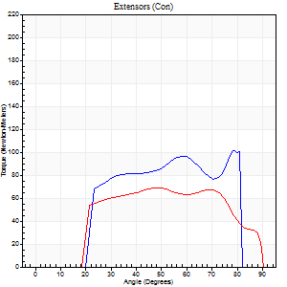
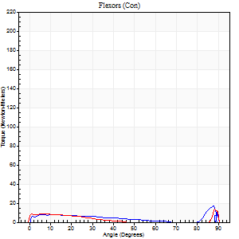
Right Side Curves Left Side Curves
Isokinetic Con/Con |  |  |  | Extensors (Con) |  | Flexors (Con)
Speed 240/240 d/s 3 Reps |  |  |  | Value | Cof Var | %BW | Value | Cof Var | %BW | Ratio

TORQUE PARAMETERS
Peak Torque (Newton-Meters - Best Repetition)
Right |  |  |  | 102 | 0.14 | 128 | 18 | 0.44 | 21 | 17
Left |  |  |  | 68 | 0.01 | 83 | 26 | 0.57 | 33 | 38
Deficit |  |  |  | 33 |  |  | 32
Work per Repetition (Newton-Meters - Best Repetition)
Right |  |  |  | 88 | 0.05 | 110 | 7 | 0.52 | 9 | 8
Left |  |  |  | 72 | 0.03 | 89 | 5 | 0.26 | 6 | 8
Deficit |  |  |  | 18 |  |  | 20
Average Power per Repetition (Watts - Best Repetition)
Right |  |  |  | 170 | 0.12 | 213 | 8 | 0.49 | 11 | 5
Left |  |  |  | 124 | 0.04 | 154 | 6 | 0.31 | 7 | 5
Deficit |  |  |  | 27 |  |  | 25
POSITION PARAMETERS
Joint Angle at Peak Torque (Degrees)
Right |  |  |  | 62 | 0.28 |  | 60 | 0.82
Left |  |  |  | 53 | 0.22 |  | 62 | 0.78
Range of Motion (Degrees)
Right |  |  |  | 0 | 0 |  | 87 | 0.06
Left |  |  |  | 0 | -0.71 |  | 90 | 0
TIME PARAMETERS
Time to Peak Torque (Seconds)
Right |  |  |  | 0.24 | 0.24 |  | 0.64 | 0.77
Left |  |  |  | 0.27 | 0.08 |  | 0.79 | 0.63
Time Peak Torque Held (Seconds)
Right |  |  |  | 0.03 | 1.73 |  | 0.01 | 1.73
Left |  |  |  | 0.01 | 0 |  | 0.01 | 1.73
Force Decay Time (Seconds)
Right |  |  |  | 0.35 | 0.3 |  | 0.25 | 1.74
Left |  |  |  | 0.32 | 0.15 |  | 0.07 | 6.99
Reciprocal Delay (Seconds)
Right |  |  |  | 0.47 | 0.13 |  | 0.5 | 0.39
Left |  |  |  | 0.51 | 0.03 |  | 0.46 | 0.01
Delay Time (Seconds)
Right |  |  |  | -0.04 | -0.2 |  | -0.02 | -2.18
Left |  |  |  | -0.03 | 0 |  | -0.04 | -0.27
HUMAC2015® Version: 15.000.0074 © Computer Sports Medicine, Inc. www.csmisolutions.com

Use File, Preference to set Report Heading
Isometric - Knee Extension/Flexion
Name: |  |  |  | TR030_FP3038, | ID: | TR030 | Right/Left: | 12.09.2022 12.09.2022

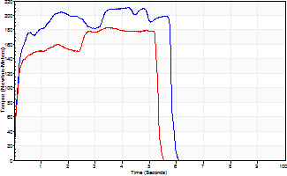
Isometric Extensors (Con) Angle 60 Time 10 Repetition 2 (Best Repetition)
 | Value | Cof Var | %BW
Peak Torque (Newton-Meters)
Right | 210 | 0.01 | 262
Left | 183 | 0 | 229
Deficit | 13
Average Torque (Newton-Meters)
Right | 111 | 0.11 | 140
Left | 89 | 0.03 | 113
Deficit | 20
Peak Torque Slope (Newton-Meters/Seconds)
Right | 61 | 0.14 | 76
Left | 53 | 0.06 | 67 |  | Right Side Curves Left Side Curves
Deficit | 12
Time to Half Peak Torque (Seconds)
Right | 0.13 | 0.05
Left | 0.16 | 0.27
Time to Peak Torque (Seconds)
Right | 3.8 | 0.15
Left | 3.57 | 0.06
HUMAC2015® Version: 15.000.0074 © Computer Sports Medicine, Inc. www.csmisolutions.com

pre2
Use File, Preference to set Report Heading
Long Form Torque vs. Position Report - Knee Extension/Flexion
Name: |  |  |  | TR030_FP3038, | ID: | TR030 | Right/Left: | 23.09.2022 23.09.2022
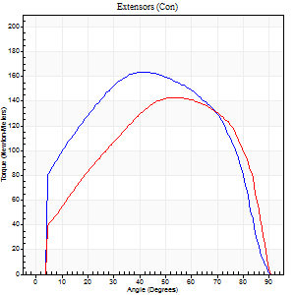
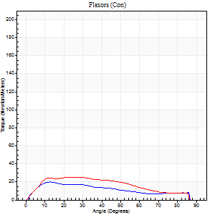
Right Side Curves Left Side Curves
Isokinetic Con/Con |  |  |  | Extensors (Con) |  | Flexors (Con)
Speed 60/60 d/s 3 Reps |  |  |  | Value | Cof Var | %BW | Value | Cof Var | %BW | Ratio

TORQUE PARAMETERS
Peak Torque (Newton-Meters - Best Repetition)
Right |  |  |  | 164 | 0.03 | 206 | 20 | 0.05 | 27 | 12
Left |  |  |  | 144 | 0.06 | 179 | 24 | 0.1 | 30 | 17
Deficit |  |  |  | 12 |  |  | 17
Work per Repetition (Newton-Meters - Best Repetition)
Right |  |  |  | 186 | 0.07 | 232 | 19 | 0.23 | 24 | 10
Left |  |  |  | 157 | 0.07 | 197 | 26 | 0.25 | 33 | 16
Deficit |  |  |  | 15 |  |  | 26
Average Power per Repetition (Watts - Best Repetition)
Right |  |  |  | 115 | 0.06 | 143 | 12 | 0.19 | 15 | 10
Left |  |  |  | 101 | 0.06 | 125 | 16 | 0.24 | 20 | 16
Deficit |  |  |  | 12 |  |  | 25
POSITION PARAMETERS
Joint Angle at Peak Torque (Degrees)
Right |  |  |  | 41 | 0.01 |  | 15 | 0.15
Left |  |  |  | 52 | 0.04 |  | 16 | 0.38
Range of Motion (Degrees)
Right |  |  |  | 0 | -1.41 |  | 90 | 0
Left |  |  |  | 0 | 0.85 |  | 90 | 0
TIME PARAMETERS
Time to Peak Torque (Seconds)
Right |  |  |  | 0.87 | 0.04 |  | 0.22 | 0.05
Left |  |  |  | 0.65 | 0.03 |  | 0.3 | 0.39
Time Peak Torque Held (Seconds)
Right |  |  |  | 0.08 | 0.15 |  | 0.02 | 0.92
Left |  |  |  | 0.06 | 0.44 |  | 0.02 | 1.25
Force Decay Time (Seconds)
Right |  |  |  | 0.67 | 0.01 |  | 1.24 | 0.06
Left |  |  |  | 0.84 | 0.02 |  | 1.23 | 0.07
Reciprocal Delay (Seconds)
Right |  |  |  | 0.35 | 0 |  | 0.21 | 0.15
Left |  |  |  | 0.28 | 0.22 |  | 0.18 | 0.18
Delay Time (Seconds)
Right |  |  |  | -0.01 | -2.83 |  | 0.08 | 0.5
Left |  |  |  | 0.01 | 1.41 |  | 0.01 | 2.29
HUMAC2015® Version: 15.000.0074 © Computer Sports Medicine, Inc. www.csmisolutions.com

Use File, Preference to set Report Heading
Long Form Torque vs. Position Report - Knee Extension/Flexion
Name: |  |  |  | TR030_FP3038, | ID: | TR030 | Right/Left: | 23.09.2022 23.09.2022
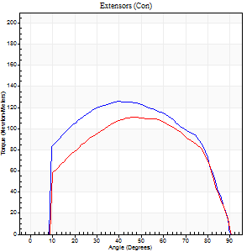
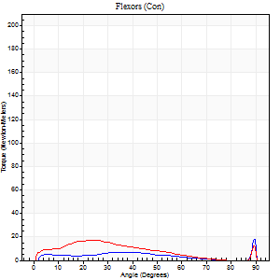
Right Side Curves Left Side Curves
Isokinetic Con/Con |  |  |  | Extensors (Con) |  | Flexors (Con)
Speed 120/120 d/s 3 Reps |  |  |  | Value | Cof Var | %BW | Value | Cof Var | %BW | Ratio

TORQUE PARAMETERS
Peak Torque (Newton-Meters - Best Repetition)
Right |  |  |  | 126 | 0.04 | 158 | 19 | 0.56 | 24 | 15
Left |  |  |  | 111 | 0.03 | 140 | 18 | 0.43 | 21 | 16
Deficit |  |  |  | 12 |  |  | 7
Work per Repetition (Newton-Meters - Best Repetition)
Right |  |  |  | 144 | 0.03 | 179 | 8 | 0.63 | 9 | 6
Left |  |  |  | 123 | 0.04 | 155 | 12 | 0.54 | 15 | 10
Deficit |  |  |  | 14 |  |  | 33
Average Power per Repetition (Watts - Best Repetition)
Right |  |  |  | 161 | 0.03 | 200 | 8 | 0.66 | 11 | 5
Left |  |  |  | 136 | 0.06 | 169 | 14 | 0.56 | 18 | 10
Deficit |  |  |  | 16 |  |  | 43
POSITION PARAMETERS
Joint Angle at Peak Torque (Degrees)
Right |  |  |  | 43 | 0.07 |  | 62 | 0.77
Left |  |  |  | 47 | 0.01 |  | 19 | 0.58
Range of Motion (Degrees)
Right |  |  |  | 0 | 1.41 |  | 90 | 0
Left |  |  |  | 0 | 0 |  | 90 | 0
TIME PARAMETERS
Time to Peak Torque (Seconds)
Right |  |  |  | 0.43 | 0.03 |  | 0.7 | 0.74
Left |  |  |  | 0.44 | 0.02 |  | 0.25 | 0.36
Time Peak Torque Held (Seconds)
Right |  |  |  | 0.04 | 0.48 |  | 0.05 | 1.22
Left |  |  |  | 0.03 | 0.17 |  | 0.29 | 1.64
Force Decay Time (Seconds)
Right |  |  |  | 0.4 | 0.03 |  | 0.24 | 2.54
Left |  |  |  | 0.45 | 0 |  | 0.39 | 0.89
Reciprocal Delay (Seconds)
Right |  |  |  | 0.42 | 0.03 |  | 0.21 | 0.1
Left |  |  |  | 0.31 | 0.02 |  | 0.14 | 0.04
Delay Time (Seconds)
Right |  |  |  | -0.01 | -0.47 |  | 0.08 | 0.22
Left |  |  |  | -0.04 | -0.2 |  | -0.01 | -0.87
HUMAC2015® Version: 15.000.0074 © Computer Sports Medicine, Inc. www.csmisolutions.com

Use File, Preference to set Report Heading
Long Form Torque vs. Position Report - Knee Extension/Flexion
Name: |  |  |  | TR030_FP3038, | ID: | TR030 | Right/Left: | 23.09.2022 23.09.2022
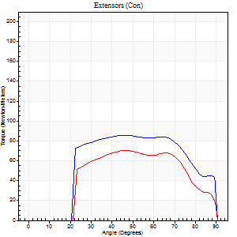
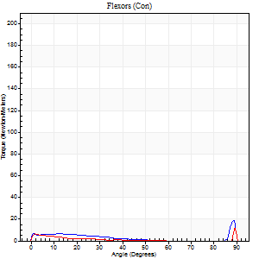
Right Side Curves Left Side Curves
Isokinetic Con/Con |  |  |  | Extensors (Con) |  | Flexors (Con)
Speed 240/240 d/s 3 Reps |  |  |  | Value | Cof Var | %BW | Value | Cof Var | %BW | Ratio

TORQUE PARAMETERS
Peak Torque (Newton-Meters - Best Repetition)
Right |  |  |  | 85 | 0.03 | 107 | 19 | 0.53 | 24 | 22
Left |  |  |  | 71 | 0.04 | 89 | 11 | 0.3 | 15 | 15
Deficit |  |  |  | 17 |  |  | 43
Work per Repetition (Newton-Meters - Best Repetition)
Right |  |  |  | 89 | 0.05 | 113 | 4 | 0.35 | 6 | 5
Left |  |  |  | 68 | 0.07 | 83 | 3 | 0.76 | 3 | 4
Deficit |  |  |  | 24 |  |  | 33
Average Power per Repetition (Watts - Best Repetition)
Right |  |  |  | 150 | 0.03 | 187 | 5 | 0.43 | 7 | 3
Left |  |  |  | 119 | 0.11 | 149 | 2 | 0.58 | 2 | 2
Deficit |  |  |  | 21 |  |  | 60
POSITION PARAMETERS
Joint Angle at Peak Torque (Degrees)
Right |  |  |  | 45 | 0.03 |  | 60 | 0.84
Left |  |  |  | 45 | 0.07 |  | 31 | 1.66
Range of Motion (Degrees)
Right |  |  |  | 0 | 0 |  | 90 | 0
Left |  |  |  | 0 | 1.41 |  | 90 | 0
TIME PARAMETERS
Time to Peak Torque (Seconds)
Right |  |  |  | 0.29 | 0 |  | 0.6 | 0.74
Left |  |  |  | 0.27 | 0.08 |  | 0.16 | 0.99
Time Peak Torque Held (Seconds)
Right |  |  |  | 0.01 | 0.43 |  | 0.07 | 1.48
Left |  |  |  | 0.01 | 0.43 |  | 0.01 | 1.73
Force Decay Time (Seconds)
Right |  |  |  | 0.27 | 0 |  | 0.31 | 1.89
Left |  |  |  | 0.28 | 0.06 |  | 0.75 | 0.86
Reciprocal Delay (Seconds)
Right |  |  |  | 0.47 | 0.13 |  | 0.3 | 0.1
Left |  |  |  | 0.33 | 0.17 |  | 0.23 | 0.07
Delay Time (Seconds)
Right |  |  |  | -0.04 | 0 |  | -0.05 | -0.33
Left |  |  |  | -0.04 | -0.61 |  | 0.19 | 2.05
HUMAC2015® Version: 15.000.0074 © Computer Sports Medicine, Inc. www.csmisolutions.com

Use File, Preference to set Report Heading
Isometric - Knee Extension/Flexion
Name: |  |  |  | TR030_FP3038, | ID: | TR030 | Right/Left: | 23.09.2022 23.09.2022

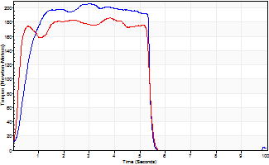
Isometric Extensors (Con) Angle 60 Time 10 Repetition 2 (Best Repetition)
 | Value | Cof Var | %BW
Peak Torque (Newton-Meters)
Right | 206 | 0 | 256
Left | 186 | 0 | 232
Deficit | 10
Average Torque (Newton-Meters)
Right | 96 | 0.09 | 119
Left | 91 | 0.06 | 113
Deficit | 6
Peak Torque Slope (Newton-Meters/Seconds)
Right | 83 | 0.13 | 104
Left | 74 | 0.29 | 92 |  | Right Side Curves Left Side Curves
Deficit | 11
Time to Half Peak Torque (Seconds)
Right | 0.41 | 0.34
Left | 0.21 | 0
Time to Peak Torque (Seconds)
Right | 2.73 | 0.13
Left | 3.16 | 0.29
HUMAC2015® Version: 15.000.0074 © Computer Sports Medicine, Inc. www.csmisolutions.com

mid1
Use File, Preference to set Report Heading
Long Form Torque vs. Position Report - Knee Extension/Flexion
Name: |  |  |  | TR030_FP3038, | ID: | TR030 | Right/Left: | 04.11.2022 04.11.2022
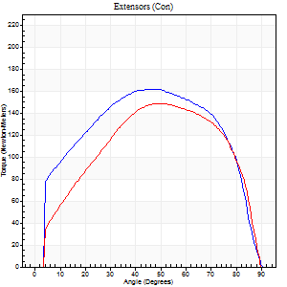
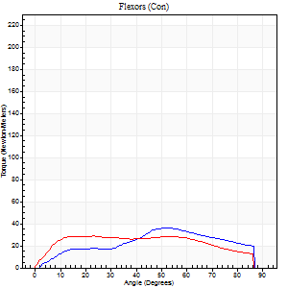
Right Side Curves Left Side Curves
Isokinetic Con/Con |  |  |  | Extensors (Con) |  | Flexors (Con)
Speed 60/60 d/s 3 Reps |  |  |  | Value | Cof Var | %BW | Value | Cof Var | %BW | Ratio

TORQUE PARAMETERS
Peak Torque (Newton-Meters - Best Repetition)
Right |  |  |  | 161 | 0.04 | 203 | 37 | 0.5 | 45 | 23
Left |  |  |  | 149 | 0.03 | 185 | 28 | 0.09 | 36 | 19
Deficit |  |  |  | 8 |  |  | 22
Work per Repetition (Newton-Meters - Best Repetition)
Right |  |  |  | 188 | 0.02 | 235 | 34 | 0.51 | 42 | 18
Left |  |  |  | 163 | 0.04 | 203 | 35 | 0.4 | 45 | 22
Deficit |  |  |  | 14 |  |  | 4
Average Power per Repetition (Watts - Best Repetition)
Right |  |  |  | 118 | 0.01 | 147 | 22 | 0.5 | 26 | 19
Left |  |  |  | 105 | 0.04 | 132 | 21 | 0.28 | 26 | 20
Deficit |  |  |  | 11 |  |  | 5
POSITION PARAMETERS
Joint Angle at Peak Torque (Degrees)
Right |  |  |  | 43 | 0.09 |  | 35 | 0.46
Left |  |  |  | 50 | 0.05 |  | 18 | 0.27
Range of Motion (Degrees)
Right |  |  |  | 0 | 0 |  | 90 | 0
Left |  |  |  | 0 | 0.28 |  | 90 | 0
TIME PARAMETERS
Time to Peak Torque (Seconds)
Right |  |  |  | 0.83 | 0.02 |  | 0.61 | 0.45
Left |  |  |  | 0.69 | 0.07 |  | 0.32 | 0.28
Time Peak Torque Held (Seconds)
Right |  |  |  | 0.07 | 0.31 |  | 0.03 | 0.96
Left |  |  |  | 0.07 | 0.29 |  | 0.2 | 1.56
Force Decay Time (Seconds)
Right |  |  |  | 0.7 | 0.06 |  | 0.9 | 0.24
Left |  |  |  | 0.8 | 0.05 |  | 0.95 | 0.3
Reciprocal Delay (Seconds)
Right |  |  |  | 0.44 | 0.24 |  | 0.23 | 0.07
Left |  |  |  | 0.27 | 0.16 |  | 0.17 | 0.07
Delay Time (Seconds)
Right |  |  |  | 0 | 1.41 |  | 0.12 | 0.22
Left |  |  |  | 0 | 1.41 |  | 0 | -3.46
HUMAC2015® Version: 15.000.0074 © Computer Sports Medicine, Inc. www.csmisolutions.com

Use File, Preference to set Report Heading
Long Form Torque vs. Position Report - Knee Extension/Flexion
Name: |  |  |  | TR030_FP3038, | ID: | TR030 | Right/Left: | 04.11.2022 04.11.2022
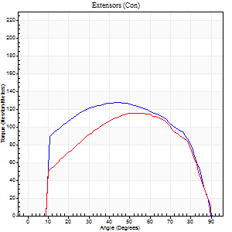
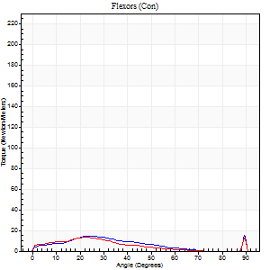
Right Side Curves Left Side Curves
Isokinetic Con/Con |  |  |  | Extensors (Con) |  | Flexors (Con)
Speed 120/120 d/s 3 Reps |  |  |  | Value | Cof Var | %BW | Value | Cof Var | %BW | Ratio

TORQUE PARAMETERS
Peak Torque (Newton-Meters - Best Repetition)
Right |  |  |  | 127 | 0.03 | 158 | 30 | 0.61 | 36 | 23
Left |  |  |  | 115 | 0.04 | 143 | 18 | 0.49 | 21 | 15
Deficit |  |  |  | 10 |  |  | 41
Work per Repetition (Newton-Meters - Best Repetition)
Right |  |  |  | 146 | 0.08 | 182 | 9 | 0.31 | 12 | 6
Left |  |  |  | 125 | 0.04 | 155 | 8 | 0.49 | 9 | 7
Deficit |  |  |  | 15 |  |  | 14
Average Power per Repetition (Watts - Best Repetition)
Right |  |  |  | 167 | 0.14 | 209 | 10 | 0.61 | 13 | 6
Left |  |  |  | 139 | 0.03 | 174 | 8 | 0.61 | 11 | 6
Deficit |  |  |  | 17 |  |  | 20
POSITION PARAMETERS
Joint Angle at Peak Torque (Degrees)
Right |  |  |  | 42 | 0.17 |  | 69 | 0.52
Left |  |  |  | 55 | 0.08 |  | 43 | 0.93
Range of Motion (Degrees)
Right |  |  |  | 0 | 0.61 |  | 90 | 0
Left |  |  |  | 0 | 0 |  | 90 | 0
TIME PARAMETERS
Time to Peak Torque (Seconds)
Right |  |  |  | 0.41 | 0.03 |  | 0.84 | 0.51
Left |  |  |  | 0.33 | 0.19 |  | 0.59 | 0.81
Time Peak Torque Held (Seconds)
Right |  |  |  | 0.02 | 0.49 |  | 0 | 0
Left |  |  |  | 0.04 | 0.31 |  | 0 | 1.73
Force Decay Time (Seconds)
Right |  |  |  | 0.4 | 0.11 |  | 0.64 | 1.98
Left |  |  |  | 0.51 | 0.07 |  | 0.54 | 1.13
Reciprocal Delay (Seconds)
Right |  |  |  | 0.39 | 0.05 |  | 0.26 | 0.18
Left |  |  |  | 0.38 | 0.06 |  | 0.2 | 0.13
Delay Time (Seconds)
Right |  |  |  | -0.01 | -1.41 |  | 0 | 10.54
Left |  |  |  | -0.01 | 0 |  | -0.03 | -0.33
HUMAC2015® Version: 15.000.0074 © Computer Sports Medicine, Inc. www.csmisolutions.com

Use File, Preference to set Report Heading
Long Form Torque vs. Position Report - Knee Extension/Flexion
Name: |  |  |  | TR030_FP3038, | ID: | TR030 | Right/Left: | 04.11.2022 04.11.2022
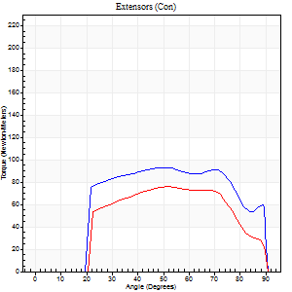
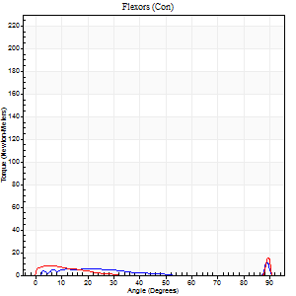
Right Side Curves Left Side Curves
Isokinetic Con/Con |  |  |  | Extensors (Con) |  | Flexors (Con)
Speed 240/240 d/s 3 Reps |  |  |  | Value | Cof Var | %BW | Value | Cof Var | %BW | Ratio

TORQUE PARAMETERS
Peak Torque (Newton-Meters - Best Repetition)
Right |  |  |  | 94 | 0.05 | 116 | 23 | 0.61 | 30 | 25
Left |  |  |  | 76 | 0.07 | 95 | 16 | 0.49 | 21 | 21
Deficit |  |  |  | 19 |  |  | 29
Work per Repetition (Newton-Meters - Best Repetition)
Right |  |  |  | 100 | 0.08 | 125 | 4 | 0.22 | 6 | 4
Left |  |  |  | 75 | 0.07 | 92 | 3 | 0.19 | 3 | 4
Deficit |  |  |  | 26 |  |  | 33
Average Power per Repetition (Watts - Best Repetition)
Right |  |  |  | 173 | 0.06 | 215 | 4 | 0.28 | 4 | 2
Left |  |  |  | 131 | 0.05 | 163 | 3 | 0.28 | 4 | 2
Deficit |  |  |  | 24 |  |  | 25
POSITION PARAMETERS
Joint Angle at Peak Torque (Degrees)
Right |  |  |  | 49 | 0.05 |  | 61 | 0.82
Left |  |  |  | 51 | 0.01 |  | 32 | 1.59
Range of Motion (Degrees)
Right |  |  |  | 0 | 4.24 |  | 90 | 0
Left |  |  |  | 0 | 0 |  | 90 | 0
TIME PARAMETERS
Time to Peak Torque (Seconds)
Right |  |  |  | 0.25 | 0.06 |  | 0.77 | 0.75
Left |  |  |  | 0.23 | 0.03 |  | 0.47 | 1.27
Time Peak Torque Held (Seconds)
Right |  |  |  | 0.02 | 0.35 |  | 0 | 1.73
Left |  |  |  | 0.01 | 0.87 |  | 0.04 | 1.32
Force Decay Time (Seconds)
Right |  |  |  | 0.28 | 0.04 |  | 0.2 | 2.73
Left |  |  |  | 0.31 | 0.02 |  | 0.63 | 1.08
Reciprocal Delay (Seconds)
Right |  |  |  | 0.34 | 0.1 |  | 0.23 | 0.51
Left |  |  |  | 0.39 | 0.02 |  | 0.23 | 0.12
Delay Time (Seconds)
Right |  |  |  | -0.02 | 0 |  | 0.03 | 3.05
Left |  |  |  | -0.01 | -0.47 |  | -0.04 | -0.35
HUMAC2015® Version: 15.000.0074 © Computer Sports Medicine, Inc. www.csmisolutions.com

Use File, Preference to set Report Heading
Isometric - Knee Extension/Flexion
Name: |  |  |  | TR030_FP3038, | ID: | TR030 | Right/Left: | 04.11.2022 04.11.2022

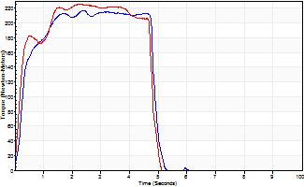
Isometric Extensors (Con) Angle 60 Time 10 Repetition 2 (Best Repetition)
 | Value | Cof Var | %BW
Peak Torque (Newton-Meters)
Right | 217 | 0.02 | 271
Left | 225 | 0.04 | 280
Deficit | 4
Average Torque (Newton-Meters)
Right | 96 | 0.01 | 119
Left | 98 | 0.05 | 122
Deficit | 1
Peak Torque Slope (Newton-Meters/Seconds)
Right | 90 | 0.47 | 113
Left | 100 | 0.05 | 125 |  | Right Side Curves Left Side Curves
Deficit | 10
Time to Half Peak Torque (Seconds)
Right | 0.25 | 0.17
Left | 0.16 | 0.3
Time to Peak Torque (Seconds)
Right | 3.52 | 0.45
Left | 2.27 | 0.01
HUMAC2015® Version: 15.000.0074 © Computer Sports Medicine, Inc. www.csmisolutions.com

mid2
Use File, Preference to set Report Heading
Long Form Torque vs. Position Report - Knee Extension/Flexion
Name: |  |  |  | TR030_FP3038, | ID: | TR030 | Right/Left: | 09.11.2022 09.11.2022
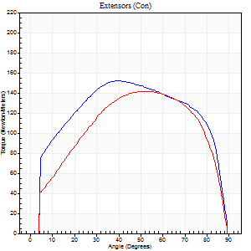
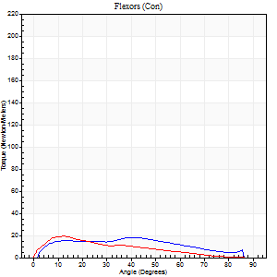
Right Side Curves Left Side Curves
Isokinetic Con/Con |  |  |  | Extensors (Con) |  | Flexors (Con)
Speed 60/60 d/s 3 Reps |  |  |  | Value | Cof Var | %BW | Value | Cof Var | %BW | Ratio

TORQUE PARAMETERS
Peak Torque (Newton-Meters - Best Repetition)
Right |  |  |  | 152 | 0.01 | 191 | 18 | 0.14 | 21 | 12
Left |  |  |  | 141 | 0.03 | 176 | 19 | 0.16 | 24 | 13
Deficit |  |  |  | 7 |  |  | 7
Work per Repetition (Newton-Meters - Best Repetition)
Right |  |  |  | 190 | 0.02 | 238 | 18 | 0.31 | 21 | 9
Left |  |  |  | 159 | 0.03 | 197 | 14 | 0.16 | 18 | 9
Deficit |  |  |  | 16 |  |  | 23
Average Power per Repetition (Watts - Best Repetition)
Right |  |  |  | 118 | 0 | 147 | 12 | 0.31 | 15 | 10
Left |  |  |  | 100 | 0.02 | 125 | 8 | 0.2 | 11 | 8
Deficit |  |  |  | 15 |  |  | 33
POSITION PARAMETERS
Joint Angle at Peak Torque (Degrees)
Right |  |  |  | 42 | 0.05 |  | 27 | 0.47
Left |  |  |  | 49 | 0.05 |  | 12 | 0.18
Range of Motion (Degrees)
Right |  |  |  | 0 | -0.47 |  | 90 | 0
Left |  |  |  | 0 | 0 |  | 90 | 0
TIME PARAMETERS
Time to Peak Torque (Seconds)
Right |  |  |  | 0.82 | 0.01 |  | 0.47 | 0.39
Left |  |  |  | 0.69 | 0.09 |  | 0.25 | 0.14
Time Peak Torque Held (Seconds)
Right |  |  |  | 0.07 | 0.25 |  | 0.01 | 1.73
Left |  |  |  | 0.07 | 0.29 |  | 0.02 | 0.92
Force Decay Time (Seconds)
Right |  |  |  | 0.68 | 0.05 |  | 1.06 | 0.18
Left |  |  |  | 0.8 | 0.06 |  | 1.39 | 0.07
Reciprocal Delay (Seconds)
Right |  |  |  | 0.51 | 0.14 |  | 0.33 | 0.28
Left |  |  |  | 0.53 | 0.12 |  | 0.23 | 0.34
Delay Time (Seconds)
Right |  |  |  | 0.01 | 0 |  | 0.04 | 1.3
Left |  |  |  | 0.01 | 0.47 |  | -0.01 | -0.43
HUMAC2015® Version: 15.000.0074 © Computer Sports Medicine, Inc. www.csmisolutions.com

Use File, Preference to set Report Heading
Long Form Torque vs. Position Report - Knee Extension/Flexion
Name: |  |  |  | TR030_FP3038, | ID: | TR030 | Right/Left: | 09.11.2022 09.11.2022
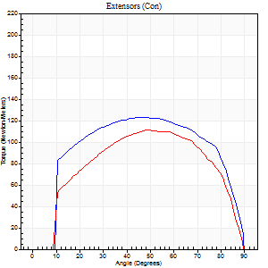
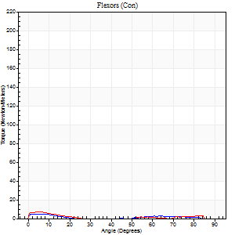
Right Side Curves Left Side Curves
Isokinetic Con/Con |  |  |  | Extensors (Con) |  | Flexors (Con)
Speed 120/120 d/s 3 Reps |  |  |  | Value | Cof Var | %BW | Value | Cof Var | %BW | Ratio

TORQUE PARAMETERS
Peak Torque (Newton-Meters - Best Repetition)
Right |  |  |  | 123 | 0.02 | 155 | 5 | 0.15 | 6 | 4
Left |  |  |  | 111 | 0.02 | 140 | 7 | 0.29 | 9 | 6
Deficit |  |  |  | 10 |  |  | 20
Work per Repetition (Newton-Meters - Best Repetition)
Right |  |  |  | 152 | 0.04 | 191 | 3 | 0.46 | 3 | 2
Left |  |  |  | 121 | 0.01 | 152 | 3 | 0.33 | 3 | 2
Deficit |  |  |  | 21 |  |  | 0
Average Power per Repetition (Watts - Best Repetition)
Right |  |  |  | 164 | 0.01 | 204 | 1 | 0.38 | 2 | 1
Left |  |  |  | 137 | 0.01 | 171 | 1 | 0.29 | 2 | 1
Deficit |  |  |  | 16 |  |  | 0
POSITION PARAMETERS
Joint Angle at Peak Torque (Degrees)
Right |  |  |  | 47 | 0.02 |  | 1 | 0.44
Left |  |  |  | 48 | 0 |  | 4 | 0.32
Range of Motion (Degrees)
Right |  |  |  | 0 | -0.47 |  | 90 | 0
Left |  |  |  | 0 | 0 |  | 90 | 0
TIME PARAMETERS
Time to Peak Torque (Seconds)
Right |  |  |  | 0.39 | 0.04 |  | 0.07 | 0.28
Left |  |  |  | 0.38 | 0.02 |  | 0.15 | 0
Time Peak Torque Held (Seconds)
Right |  |  |  | 0.04 | 0.13 |  | 0.01 | 1
Left |  |  |  | 0.02 | 0.5 |  | 0.06 | 0.87
Force Decay Time (Seconds)
Right |  |  |  | 0.44 | 0 |  | 1.82 | 0.19
Left |  |  |  | 0.48 | 0.02 |  | 1.65 | 0.12
Reciprocal Delay (Seconds)
Right |  |  |  | 0.64 | 0.29 |  | 0.46 | 0.3
Left |  |  |  | 0.74 | 0.07 |  | 0.33 | 0.09
Delay Time (Seconds)
Right |  |  |  | 0 | 0 |  | -0.03 | -0.96
Left |  |  |  | 0.01 | 0 |  | -0.04 | -0.25
HUMAC2015® Version: 15.000.0074 © Computer Sports Medicine, Inc. www.csmisolutions.com

Use File, Preference to set Report Heading
Long Form Torque vs. Position Report - Knee Extension/Flexion
Name: |  |  |  | TR030_FP3038, | ID: | TR030 | Right/Left: | 09.11.2022 09.11.2022
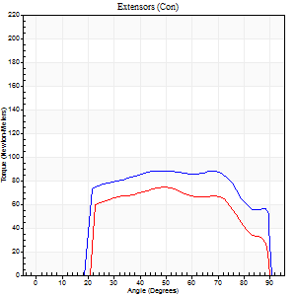
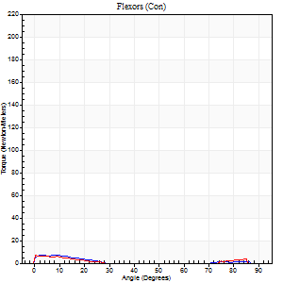
Right Side Curves Left Side Curves
Isokinetic Con/Con |  |  |  | Extensors (Con) |  | Flexors (Con)
Speed 240/240 d/s 3 Reps |  |  |  | Value | Cof Var | %BW | Value | Cof Var | %BW | Ratio

TORQUE PARAMETERS
Peak Torque (Newton-Meters - Best Repetition)
Right |  |  |  | 88 | 0.03 | 110 | 7 | 0.17 | 9 | 8
Left |  |  |  | 75 | 0.05 | 92 | 7 | 0.16 | 9 | 9
Deficit |  |  |  | 15 |  |  | 0
Work per Repetition (Newton-Meters - Best Repetition)
Right |  |  |  | 98 | 0.06 | 122 | 3 | 0.3 | 3 | 3
Left |  |  |  | 73 | 0.04 | 92 | 3 | 0.15 | 3 | 4
Deficit |  |  |  | 25 |  |  | 0
Average Power per Repetition (Watts - Best Repetition)
Right |  |  |  | 166 | 0.03 | 207 | 2 | 0.78 | 2 | 1
Left |  |  |  | 131 | 0.05 | 163 | 2 | 0.07 | 2 | 2
Deficit |  |  |  | 21 |  |  | 0
POSITION PARAMETERS
Joint Angle at Peak Torque (Degrees)
Right |  |  |  | 51 | 0.29 |  | 2 | 0.65
Left |  |  |  | 50 | 0.02 |  | 3 | 0.94
Range of Motion (Degrees)
Right |  |  |  | 0 | -0.28 |  | 90 | 0
Left |  |  |  | 0 | -0.47 |  | 90 | 0
TIME PARAMETERS
Time to Peak Torque (Seconds)
Right |  |  |  | 0.26 | 0.03 |  | 0.11 | 0.38
Left |  |  |  | 0.23 | 0.03 |  | 0.15 | 0.55
Time Peak Torque Held (Seconds)
Right |  |  |  | 0.04 | 1.5 |  | 0.03 | 0.94
Left |  |  |  | 0 | 1.73 |  | 0.02 | 1.73
Force Decay Time (Seconds)
Right |  |  |  | 0.28 | 0.02 |  | 2.9 | 0.94
Left |  |  |  | 0.32 | 0 |  | 1.16 | 0.18
Reciprocal Delay (Seconds)
Right |  |  |  | 0.59 | 0.19 |  | 0.82 | 0.3
Left |  |  |  | 0.77 | 0.06 |  | 0.6 | 0.11
Delay Time (Seconds)
Right |  |  |  | -0.01 | -0.47 |  | -0.05 | -0.12
Left |  |  |  | -0.01 | -1.41 |  | -0.07 | -0.17
HUMAC2015® Version: 15.000.0074 © Computer Sports Medicine, Inc. www.csmisolutions.com

Use File, Preference to set Report Heading
Isometric - Knee Extension/Flexion
Name: |  |  |  | TR030_FP3038, | ID: | TR030 | Right/Left: | 09.11.2022 09.11.2022

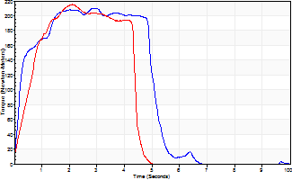
Isometric Extensors (Con) Angle 60 Time 10 Repetition 2 (Best Repetition)
 | Value | Cof Var | %BW
Peak Torque (Newton-Meters)
Right | 210 | 0.02 | 262
Left | 216 | 0.02 | 268
Deficit | 3
Average Torque (Newton-Meters)
Right | 98 | 0.08 | 122
Left | 79 | 0.03 | 98
Deficit | 19
Peak Torque Slope (Newton-Meters/Seconds)
Right | 73 | 0.22 | 91
Left | 102 | 0.33 | 128 |  | Right Side Curves Left Side Curves
Deficit | 29
Time to Half Peak Torque (Seconds)
Right | 0.28 | 0.35
Left | 0.56 | 0.08
Time to Peak Torque (Seconds)
Right | 3.38 | 0.21
Left | 2.68 | 0.31
HUMAC2015® Version: 15.000.0074 © Computer Sports Medicine, Inc. www.csmisolutions.com

post1
Use File, Preference to set Report Heading
Long Form Torque vs. Position Report - Knee Extension/Flexion
Name: |  |  |  | TR030_FP3038, | ID: | TR030 | Right/Left: | 30.11.2022 30.11.2022
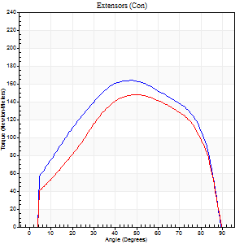
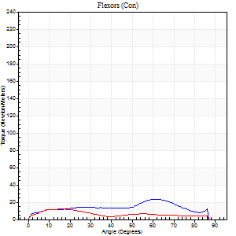
Right Side Curves Left Side Curves
Isokinetic Con/Con |  |  |  | Extensors (Con) |  | Flexors (Con)
Speed 60/60 d/s 3 Reps |  |  |  | Value | Cof Var | %BW | Value | Cof Var | %BW | Ratio

TORQUE PARAMETERS
Peak Torque (Newton-Meters - Best Repetition)
Right |  |  |  | 164 | 0.02 | 206 | 23 | 0.83 | 30 | 14
Left |  |  |  | 148 | 0.03 | 185 | 12 | 0.16 | 15 | 8
Deficit |  |  |  | 10 |  |  | 47
Work per Repetition (Newton-Meters - Best Repetition)
Right |  |  |  | 186 | 0.02 | 232 | 22 | 0.89 | 27 | 12
Left |  |  |  | 160 | 0.02 | 200 | 9 | 0.37 | 12 | 6
Deficit |  |  |  | 14 |  |  | 56
Average Power per Repetition (Watts - Best Repetition)
Right |  |  |  | 119 | 0.03 | 149 | 13 | 0.92 | 15 | 11
Left |  |  |  | 102 | 0.02 | 127 | 6 | 0.29 | 7 | 6
Deficit |  |  |  | 14 |  |  | 54
POSITION PARAMETERS
Joint Angle at Peak Torque (Degrees)
Right |  |  |  | 49 | 0.02 |  | 32 | 0.88
Left |  |  |  | 52 | 0.01 |  | 11 | 0.35
Range of Motion (Degrees)
Right |  |  |  | 0 | 0 |  | 90 | 0
Left |  |  |  | 0 | 0.61 |  | 90 | 0
TIME PARAMETERS
Time to Peak Torque (Seconds)
Right |  |  |  | 0.69 | 0.01 |  | 0.66 | 0.72
Left |  |  |  | 0.64 | 0.01 |  | 0.26 | 0.31
Time Peak Torque Held (Seconds)
Right |  |  |  | 0.09 | 0.22 |  | 0.02 | 1.08
Left |  |  |  | 0.09 | 0.4 |  | 0.02 | 1.38
Force Decay Time (Seconds)
Right |  |  |  | 0.77 | 0.04 |  | 0.95 | 0.47
Left |  |  |  | 0.81 | 0.06 |  | 1.25 | 0.11
Reciprocal Delay (Seconds)
Right |  |  |  | 0.56 | 0.01 |  | 0.62 | 0.41
Left |  |  |  | 0.66 | 0.17 |  | 0.25 | 0.37
Delay Time (Seconds)
Right |  |  |  | 0.01 | 1.41 |  | -0.01 | -3
Left |  |  |  | 0.01 | 0 |  | -0.03 | -0.67
HUMAC2015® Version: 15.000.0074 © Computer Sports Medicine, Inc. www.csmisolutions.com

Use File, Preference to set Report Heading
Long Form Torque vs. Position Report - Knee Extension/Flexion
Name: |  |  |  | TR030_FP3038, | ID: | TR030 | Right/Left: | 30.11.2022 30.11.2022
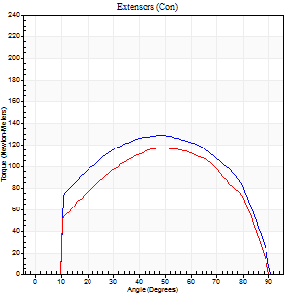
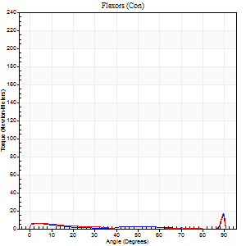
Right Side Curves Left Side Curves
Isokinetic Con/Con |  |  |  | Extensors (Con) |  | Flexors (Con)
Speed 120/120 d/s 3 Reps |  |  |  | Value | Cof Var | %BW | Value | Cof Var | %BW | Ratio

TORQUE PARAMETERS
Peak Torque (Newton-Meters - Best Repetition)
Right |  |  |  | 129 | 0.01 | 161 | 19 | 0.91 | 24 | 15
Left |  |  |  | 117 | 0.01 | 146 | 18 | 0.56 | 21 | 15
Deficit |  |  |  | 9 |  |  | 7
Work per Repetition (Newton-Meters - Best Repetition)
Right |  |  |  | 148 | 0.02 | 185 | 3 | 0.46 | 3 | 2
Left |  |  |  | 127 | 0.01 | 158 | 7 | 0.8 | 9 | 5
Deficit |  |  |  | 14 |  |  | 60
Average Power per Repetition (Watts - Best Repetition)
Right |  |  |  | 160 | 0.02 | 200 | 3 | 0.72 | 4 | 2
Left |  |  |  | 141 | 0 | 176 | 7 | 0.95 | 9 | 5
Deficit |  |  |  | 12 |  |  | 57
POSITION PARAMETERS
Joint Angle at Peak Torque (Degrees)
Right |  |  |  | 50 | 0.02 |  | 33 | 1.48
Left |  |  |  | 49 | 0.02 |  | 61 | 0.81
Range of Motion (Degrees)
Right |  |  |  | 0 | -1.41 |  | 90 | 0
Left |  |  |  | 0 | -1.41 |  | 90 | 0
TIME PARAMETERS
Time to Peak Torque (Seconds)
Right |  |  |  | 0.38 | 0.02 |  | 0.53 | 1.03
Left |  |  |  | 0.38 | 0.02 |  | 0.8 | 0.67
Time Peak Torque Held (Seconds)
Right |  |  |  | 0.03 | 0.58 |  | 0.02 | 0.87
Left |  |  |  | 0.03 | 0.33 |  | 0.01 | 0.87
Force Decay Time (Seconds)
Right |  |  |  | 0.49 | 0.05 |  | 1.01 | 1.11
Left |  |  |  | 0.48 | 0.02 |  | 0.51 | 1.86
Reciprocal Delay (Seconds)
Right |  |  |  | 0.61 | 0.35 |  | 0.54 | 0.33
Left |  |  |  | 0.98 | 0.02 |  | 0.42 | 0.22
Delay Time (Seconds)
Right |  |  |  | -0.01 | -0.47 |  | -0.05 | -0.33
Left |  |  |  | -0.01 | 0 |  | -0.06 | -0.33
HUMAC2015® Version: 15.000.0074 © Computer Sports Medicine, Inc. www.csmisolutions.com

Use File, Preference to set Report Heading
Long Form Torque vs. Position Report - Knee Extension/Flexion
Name: |  |  |  | TR030_FP3038, | ID: | TR030 | Right/Left: | 30.11.2022 30.11.2022
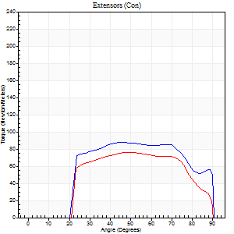
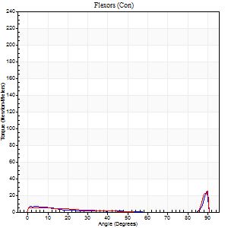
Right Side Curves Left Side Curves
Isokinetic Con/Con |  |  |  | Extensors (Con) |  | Flexors (Con)
Speed 240/240 d/s 3 Reps |  |  |  | Value | Cof Var | %BW | Value | Cof Var | %BW | Ratio

TORQUE PARAMETERS
Peak Torque (Newton-Meters - Best Repetition)
Right |  |  |  | 87 | 0.03 | 107 | 24 | 0.61 | 30 | 28
Left |  |  |  | 76 | 0 | 95 | 33 | 1.06 | 42 | 43
Deficit |  |  |  | 13 |  |  | 25
Work per Repetition (Newton-Meters - Best Repetition)
Right |  |  |  | 94 | 0.05 | 116 | 3 | 0.46 | 3 | 3
Left |  |  |  | 77 | 0.01 | 95 | 4 | 0.52 | 6 | 5
Deficit |  |  |  | 17 |  |  | 33
Average Power per Repetition (Watts - Best Repetition)
Right |  |  |  | 155 | 0.04 | 193 | 3 | 0.62 | 4 | 2
Left |  |  |  | 139 | 0.01 | 174 | 3 | 0.66 | 4 | 2
Deficit |  |  |  | 10 |  |  | 0
POSITION PARAMETERS
Joint Angle at Peak Torque (Degrees)
Right |  |  |  | 46 | 0.01 |  | 60 | 0.86
Left |  |  |  | 50 | 0.03 |  | 31 | 1.64
Range of Motion (Degrees)
Right |  |  |  | 0 | 0 |  | 90 | 0
Left |  |  |  | 0 | 0 |  | 90 | 0
TIME PARAMETERS
Time to Peak Torque (Seconds)
Right |  |  |  | 0.26 | 0 |  | 0.73 | 0.79
Left |  |  |  | 0.23 | 0 |  | 0.48 | 1.32
Time Peak Torque Held (Seconds)
Right |  |  |  | 0.01 | 0.43 |  | 0.01 | 0.87
Left |  |  |  | 0.01 | 0.43 |  | 0.03 | 0.96
Force Decay Time (Seconds)
Right |  |  |  | 0.29 | 0.03 |  | 0.5 | 1.98
Left |  |  |  | 0.31 | 0.02 |  | 0.82 | 1.17
Reciprocal Delay (Seconds)
Right |  |  |  | 0.52 | 0 |  | 0.67 | 0.1
Left |  |  |  | 0.75 | 0.04 |  | 0.58 | 0.21
Delay Time (Seconds)
Right |  |  |  | -0.02 | -0.28 |  | -0.05 | -0.2
Left |  |  |  | 0 | 0 |  | -0.07 | -0.16
HUMAC2015® Version: 15.000.0074 © Computer Sports Medicine, Inc. www.csmisolutions.com

Use File, Preference to set Report Heading
Isometric - Knee Extension/Flexion
Name: |  |  |  | TR030_FP3038, | ID: | TR030 | Right/Left: | 30.11.2022 30.11.2022

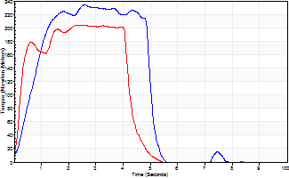
Isometric Extensors (Con) Angle 60 Time 10 Repetition 2 (Best Repetition)
 | Value | Cof Var | %BW
Peak Torque (Newton-Meters)
Right | 235 | 0.04 | 292
Left | 203 | 0.03 | 253
Deficit | 13
Average Torque (Newton-Meters)
Right | 99 | 0.01 | 122
Left | 87 | 0.07 | 107
Deficit | 12
Peak Torque Slope (Newton-Meters/Seconds)
Right | 90 | 0.09 | 112
Left | 82 | 0.22 | 102 |  | Right Side Curves Left Side Curves
Deficit | 9
Time to Half Peak Torque (Seconds)
Right | 0.52 | 0.47
Left | 0.2 | 0.28
Time to Peak Torque (Seconds)
Right | 2.7 | 0.05
Left | 2.88 | 0.19
HUMAC2015® Version: 15.000.0074 © Computer Sports Medicine, Inc. www.csmisolutions.com

post2
Use File, Preference to set Report Heading
Long Form Torque vs. Position Report - Knee Extension/Flexion
Name: |  |  |  | TR030_FP3038, | ID: | TR030 | Right/Left: | 02.12.2022 02.12.2022
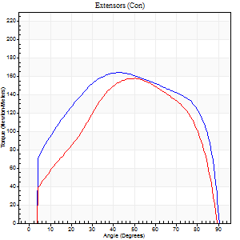
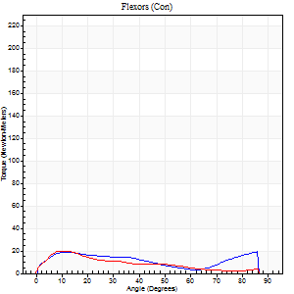
Right Side Curves Left Side Curves
Isokinetic Con/Con |  |  |  | Extensors (Con) |  | Flexors (Con)
Speed 60/60 d/s 3 Reps |  |  |  | Value | Cof Var | %BW | Value | Cof Var | %BW | Ratio

TORQUE PARAMETERS
Peak Torque (Newton-Meters - Best Repetition)
Right |  |  |  | 164 | 0.03 | 206 | 19 | 0.31 | 24 | 12
Left |  |  |  | 157 | 0.05 | 197 | 20 | 0.23 | 27 | 13
Deficit |  |  |  | 4 |  |  | 7
Work per Repetition (Newton-Meters - Best Repetition)
Right |  |  |  | 201 | 0.05 | 250 | 18 | 0.59 | 21 | 9
Left |  |  |  | 168 | 0.02 | 209 | 16 | 0.23 | 21 | 10
Deficit |  |  |  | 16 |  |  | 8
Average Power per Repetition (Watts - Best Repetition)
Right |  |  |  | 124 | 0.03 | 154 | 11 | 0.72 | 13 | 9
Left |  |  |  | 107 | 0.03 | 134 | 10 | 0.23 | 13 | 9
Deficit |  |  |  | 14 |  |  | 9
POSITION PARAMETERS
Joint Angle at Peak Torque (Degrees)
Right |  |  |  | 42 | 0.01 |  | 37 | 1.12
Left |  |  |  | 48 | 0.04 |  | 10 | 0.18
Range of Motion (Degrees)
Right |  |  |  | 0 | -0.47 |  | 90 | 0
Left |  |  |  | 0 | 1.41 |  | 90 | 0
TIME PARAMETERS
Time to Peak Torque (Seconds)
Right |  |  |  | 0.81 | 0.01 |  | 0.7 | 0.96
Left |  |  |  | 0.73 | 0.01 |  | 0.21 | 0.1
Time Peak Torque Held (Seconds)
Right |  |  |  | 0.06 | 0.33 |  | 0 | 1.73
Left |  |  |  | 0.06 | 0.27 |  | 0.15 | 1.67
Force Decay Time (Seconds)
Right |  |  |  | 0.7 | 0.05 |  | 1.32 | 0.92
Left |  |  |  | 0.8 | 0.05 |  | 1.24 | 0.2
Reciprocal Delay (Seconds)
Right |  |  |  | 0.58 | 0.1 |  | 0.58 | 0.28
Left |  |  |  | 0.47 | 0.1 |  | 0.23 | 0.09
Delay Time (Seconds)
Right |  |  |  | 0 | 1.41 |  | -0.01 | -1.56
Left |  |  |  | 0 | 1.41 |  | -0.01 | -0.43
HUMAC2015® Version: 15.000.0074 © Computer Sports Medicine, Inc. www.csmisolutions.com

Use File, Preference to set Report Heading
Long Form Torque vs. Position Report - Knee Extension/Flexion
Name: |  |  |  | TR030_FP3038, | ID: | TR030 | Right/Left: | 02.12.2022 02.12.2022
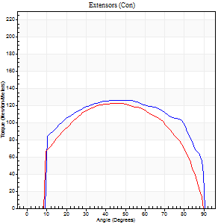
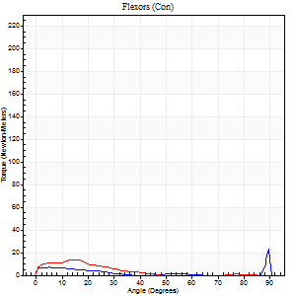
Right Side Curves Left Side Curves
Isokinetic Con/Con |  |  |  | Extensors (Con) |  | Flexors (Con)
Speed 120/120 d/s 3 Reps |  |  |  | Value | Cof Var | %BW | Value | Cof Var | %BW | Ratio

TORQUE PARAMETERS
Peak Torque (Newton-Meters - Best Repetition)
Right |  |  |  | 126 | 0.02 | 158 | 24 | 0.87 | 30 | 19
Left |  |  |  | 122 | 0.05 | 152 | 14 | 0.33 | 18 | 11
Deficit |  |  |  | 3 |  |  | 44
Work per Repetition (Newton-Meters - Best Repetition)
Right |  |  |  | 153 | 0.05 | 191 | 4 | 0.51 | 6 | 3
Left |  |  |  | 137 | 0.05 | 170 | 7 | 0.28 | 9 | 5
Deficit |  |  |  | 11 |  |  | 40
Average Power per Repetition (Watts - Best Repetition)
Right |  |  |  | 165 | 0.03 | 207 | 3 | 0.72 | 4 | 2
Left |  |  |  | 156 | 0.05 | 196 | 6 | 0.51 | 7 | 4
Deficit |  |  |  | 5 |  |  | 50
POSITION PARAMETERS
Joint Angle at Peak Torque (Degrees)
Right |  |  |  | 48 | 0.08 |  | 32 | 1.58
Left |  |  |  | 47 | 0.02 |  | 11 | 0.66
Range of Motion (Degrees)
Right |  |  |  | 0 | 0 |  | 90 | 0
Left |  |  |  | 0 | 1.41 |  | 90 | 0
TIME PARAMETERS
Time to Peak Torque (Seconds)
Right |  |  |  | 0.37 | 0.02 |  | 0.48 | 1.29
Left |  |  |  | 0.38 | 0.02 |  | 0.21 | 0.45
Time Peak Torque Held (Seconds)
Right |  |  |  | 0.04 | 0.13 |  | 0.01 | 1.73
Left |  |  |  | 0.05 | 0.2 |  | 0.01 | 1
Force Decay Time (Seconds)
Right |  |  |  | 0.45 | 0.07 |  | 1 | 1.19
Left |  |  |  | 0.44 | 0.05 |  | 1.27 | 0.48
Reciprocal Delay (Seconds)
Right |  |  |  | 0.55 | 0.05 |  | 0.66 | 0.07
Left |  |  |  | 0.55 | 0.13 |  | 0.29 | 0.1
Delay Time (Seconds)
Right |  |  |  | 0 | 0 |  | -0.05 | -0.12
Left |  |  |  | 0.01 | 0 |  | -0.04 | -0.57
HUMAC2015® Version: 15.000.0074 © Computer Sports Medicine, Inc. www.csmisolutions.com

Use File, Preference to set Report Heading
Long Form Torque vs. Position Report - Knee Extension/Flexion
Name: |  |  |  | TR030_FP3038, | ID: | TR030 | Right/Left: | 02.12.2022 02.12.2022
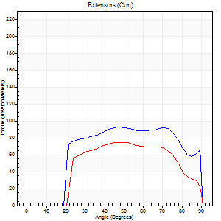
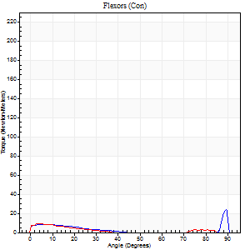
Right Side Curves Left Side Curves
Isokinetic Con/Con |  |  |  | Extensors (Con) |  | Flexors (Con)
Speed 240/240 d/s 3 Reps |  |  |  | Value | Cof Var | %BW | Value | Cof Var | %BW | Ratio

TORQUE PARAMETERS
Peak Torque (Newton-Meters - Best Repetition)
Right |  |  |  | 92 | 0.03 | 116 | 28 | 0.67 | 36 | 31
Left |  |  |  | 75 | 0.08 | 92 | 9 | 0.16 | 12 | 13
Deficit |  |  |  | 19 |  |  | 67
Work per Repetition (Newton-Meters - Best Repetition)
Right |  |  |  | 102 | 0.06 | 128 | 4 | 0.62 | 6 | 4
Left |  |  |  | 75 | 0.08 | 92 | 4 | 0.22 | 6 | 5
Deficit |  |  |  | 27 |  |  | 0
Average Power per Repetition (Watts - Best Repetition)
Right |  |  |  | 172 | 0.04 | 215 | 6 | 0.85 | 7 | 3
Left |  |  |  | 127 | 0.07 | 158 | 3 | 0.1 | 4 | 2
Deficit |  |  |  | 26 |  |  | 50
POSITION PARAMETERS
Joint Angle at Peak Torque (Degrees)
Right |  |  |  | 46 | 0.03 |  | 60 | 0.85
Left |  |  |  | 49 | 0.02 |  | 3 | 0.31
Range of Motion (Degrees)
Right |  |  |  | 0 | -0.28 |  | 90 | 0
Left |  |  |  | 0 | 0 |  | 90 | 0
TIME PARAMETERS
Time to Peak Torque (Seconds)
Right |  |  |  | 0.26 | 0 |  | 0.73 | 0.74
Left |  |  |  | 0.25 | 0.03 |  | 0.14 | 0.04
Time Peak Torque Held (Seconds)
Right |  |  |  | 0.01 | 0 |  | 0 | 0
Left |  |  |  | 0.01 | 1 |  | 0.06 | 1
Force Decay Time (Seconds)
Right |  |  |  | 0.29 | 0 |  | 0.93 | 1.99
Left |  |  |  | 0.32 | 0.03 |  | 0.82 | 0.34
Reciprocal Delay (Seconds)
Right |  |  |  | 0.62 | 0.1 |  | 0.72 | 0.08
Left |  |  |  | 0.81 | 0.01 |  | 0.48 | 0.1
Delay Time (Seconds)
Right |  |  |  | -0.02 | 0 |  | -0.05 | -0.11
Left |  |  |  | -0.01 | -0.47 |  | -0.06 | -0.27
HUMAC2015® Version: 15.000.0074 © Computer Sports Medicine, Inc. www.csmisolutions.com

Use File, Preference to set Report Heading
Isometric - Knee Extension/Flexion
Name: |  |  |  | TR030_FP3038, | ID: | TR030 | Right/Left: | 02.12.2022 02.12.2022

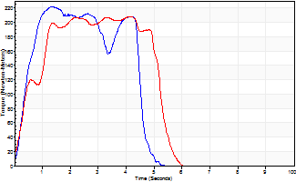
Isometric Extensors (Con) Angle 60 Time 10 Repetition 2 (Best Repetition)
 | Value | Cof Var | %BW
Peak Torque (Newton-Meters)
Right | 222 | 0.02 | 277
Left | 207 | 0 | 259
Deficit | 7
Average Torque (Newton-Meters)
Right | 88 | 0.03 | 110
Left | 94 | 0.1 | 116
Deficit | 6
Peak Torque Slope (Newton-Meters/Seconds)
Right | 167 | 0.09 | 208
Left | 108 | 0.52 | 135 |  | Right Side Curves Left Side Curves
Deficit | 35
Time to Half Peak Torque (Seconds)
Right | 0.37 | 0.11
Left | 0.62 | 0.46
Time to Peak Torque (Seconds)
Right | 1.39 | 0.07
Left | 3.02 | 0.52
HUMAC2015® Version: 15.000.0074 © Computer Sports Medicine, Inc. www.csmisolutions.com

