pre1
Use File, Preference to set Report Heading
Long Form Torque vs. Position Report - Knee Extension/Flexion
Name: |  |  |  | TR030_FP3039, | ID: | TR030 | Right/Left: | 08.09.2022 08.09.2022
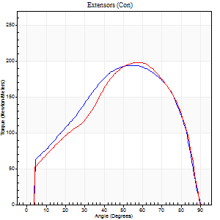
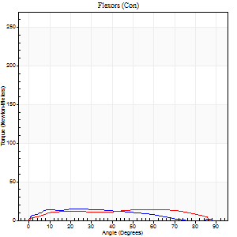
Right Side Curves Left Side Curves
Isokinetic Con/Con |  |  |  | Extensors (Con) |  | Flexors (Con)
Speed 60/60 d/s 3 Reps |  |  |  | Value | Cof Var | %BW | Value | Cof Var | %BW | Ratio

TORQUE PARAMETERS
Peak Torque (Newton-Meters - Best Repetition)
Right |  |  |  | 194 | 0 | 259 | 15 | 0.47 | 21 | 8
Left |  |  |  | 198 | 0.04 | 262 | 14 | 0.18 | 18 | 7
Deficit |  |  |  | 2 |  |  | 9
Work per Repetition (Newton-Meters - Best Repetition)
Right |  |  |  | 209 | 0.03 | 277 | 14 | 0.57 | 18 | 6
Left |  |  |  | 201 | 0.08 | 268 | 16 | 0.31 | 21 | 8
Deficit |  |  |  | 4 |  |  | 17
Average Power per Repetition (Watts - Best Repetition)
Right |  |  |  | 131 | 0.02 | 174 | 7 | 0.62 | 9 | 5
Left |  |  |  | 129 | 0.09 | 171 | 10 | 0.3 | 13 | 8
Deficit |  |  |  | 2 |  |  | 30
POSITION PARAMETERS
Joint Angle at Peak Torque (Degrees)
Right |  |  |  | 55 | 0.05 |  | 23 | 0.5
Left |  |  |  | 56 | 0.07 |  | 55 | 0.69
Range of Motion (Degrees)
Right |  |  |  | 0 | -0.47 |  | 89 | 0.02
Left |  |  |  | 0 | 1.41 |  | 90 | 0
TIME PARAMETERS
Time to Peak Torque (Seconds)
Right |  |  |  | 0.62 | 0.03 |  | 0.52 | 0.5
Left |  |  |  | 0.6 | 0.09 |  | 1.05 | 0.7
Time Peak Torque Held (Seconds)
Right |  |  |  | 0.07 | 0.29 |  | 0.06 | 1.45
Left |  |  |  | 0.05 | 0.25 |  | 0 | 0
Force Decay Time (Seconds)
Right |  |  |  | 0.9 | 0.03 |  | 1.29 | 0.06
Left |  |  |  | 0.93 | 0.07 |  | 0.54 | 1.24
Reciprocal Delay (Seconds)
Right |  |  |  | 0.14 | 0.37 |  | 0.39 | 0.32
Left |  |  |  | 0.25 | 0.09 |  | 0.23 | 0.2
Delay Time (Seconds)
Right |  |  |  | -0.04 | -0.61 |  | 0.02 | 2.84
Left |  |  |  | 0 | 1.41 |  | -0.01 | -0.87
HUMAC2015® Version: 15.000.0074 © Computer Sports Medicine, Inc. www.csmisolutions.com

Use File, Preference to set Report Heading
Long Form Torque vs. Position Report - Knee Extension/Flexion
Name: |  |  |  | TR030_FP3039, | ID: | TR030 | Right/Left: | 08.09.2022 08.09.2022
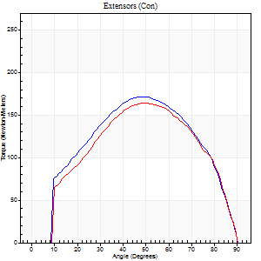
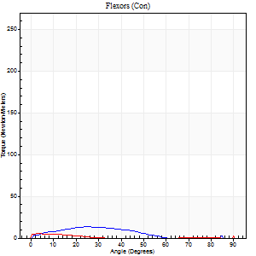
Right Side Curves Left Side Curves
Isokinetic Con/Con |  |  |  | Extensors (Con) |  | Flexors (Con)
Speed 120/120 d/s 3 Reps |  |  |  | Value | Cof Var | %BW | Value | Cof Var | %BW | Ratio

TORQUE PARAMETERS
Peak Torque (Newton-Meters - Best Repetition)
Right |  |  |  | 171 | 0.05 | 226 | 14 | 0.34 | 18 | 8
Left |  |  |  | 164 | 0.02 | 218 | 8 | 0.39 | 12 | 5
Deficit |  |  |  | 4 |  |  | 40
Work per Repetition (Newton-Meters - Best Repetition)
Right |  |  |  | 178 | 0.02 | 235 | 9 | 0.4 | 12 | 5
Left |  |  |  | 172 | 0.01 | 229 | 1 | 0.11 | 3 | 1
Deficit |  |  |  | 3 |  |  | 86
Average Power per Repetition (Watts - Best Repetition)
Right |  |  |  | 215 | 0.05 | 286 | 9 | 0.36 | 11 | 4
Left |  |  |  | 201 | 0.03 | 268 | 1 | 0.17 | 2 | 0
Deficit |  |  |  | 7 |  |  | 89
POSITION PARAMETERS
Joint Angle at Peak Torque (Degrees)
Right |  |  |  | 49 | 0.04 |  | 21 | 0.82
Left |  |  |  | 50 | 0.04 |  | 32 | 1.58
Range of Motion (Degrees)
Right |  |  |  | 0 | 1.41 |  | 90 | 0.01
Left |  |  |  | 0 | 0 |  | 90 | 0
TIME PARAMETERS
Time to Peak Torque (Seconds)
Right |  |  |  | 0.38 | 0.02 |  | 0.29 | 0.69
Left |  |  |  | 0.36 | 0 |  | 0.68 | 1.38
Time Peak Torque Held (Seconds)
Right |  |  |  | 0.04 | 0.42 |  | 0.06 | 1.3
Left |  |  |  | 0.03 | 0.33 |  | 0.03 | 1.73
Force Decay Time (Seconds)
Right |  |  |  | 0.42 | 0.08 |  | 0.6 | 0.2
Left |  |  |  | 0.47 | 0.01 |  | 0.94 | 1.03
Reciprocal Delay (Seconds)
Right |  |  |  | 0.08 | 0.47 |  | 0.25 | 0.58
Left |  |  |  | 0.24 | 0.35 |  | 0.4 | 0.06
Delay Time (Seconds)
Right |  |  |  | 0 | -1.41 |  | -0.01 | -2.29
Left |  |  |  | -0.01 | -1.41 |  | -0.05 | -0.45
HUMAC2015® Version: 15.000.0074 © Computer Sports Medicine, Inc. www.csmisolutions.com

Use File, Preference to set Report Heading
Long Form Torque vs. Position Report - Knee Extension/Flexion
Name: |  |  |  | TR030_FP3039, | ID: | TR030 | Right/Left: | 08.09.2022 08.09.2022
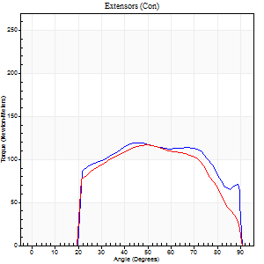
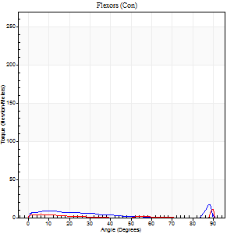
Right Side Curves Left Side Curves
Isokinetic Con/Con |  |  |  | Extensors (Con) |  | Flexors (Con)
Speed 240/240 d/s 3 Reps |  |  |  | Value | Cof Var | %BW | Value | Cof Var | %BW | Ratio

TORQUE PARAMETERS
Peak Torque (Newton-Meters - Best Repetition)
Right |  |  |  | 119 | 0.05 | 158 | 27 | 0.95 | 36 | 23
Left |  |  |  | 117 | 0.01 | 155 | 19 | 0.9 | 24 | 16
Deficit |  |  |  | 2 |  |  | 30
Work per Repetition (Newton-Meters - Best Repetition)
Right |  |  |  | 125 | 0.06 | 167 | 5 | 0.62 | 6 | 4
Left |  |  |  | 114 | 0.01 | 152 | 3 | 0.81 | 3 | 2
Deficit |  |  |  | 9 |  |  | 50
Average Power per Repetition (Watts - Best Repetition)
Right |  |  |  | 220 | 0.03 | 292 | 7 | 0.9 | 9 | 3
Left |  |  |  | 206 | 0.01 | 275 | 2 | 0.62 | 2 | 1
Deficit |  |  |  | 6 |  |  | 71
POSITION PARAMETERS
Joint Angle at Peak Torque (Degrees)
Right |  |  |  | 48 | 0.04 |  | 31 | 1.68
Left |  |  |  | 49 | 0.02 |  | 33 | 1.5
Range of Motion (Degrees)
Right |  |  |  | 0 | -0.47 |  | 90 | 0
Left |  |  |  | 0 | 0 |  | 90 | 0
TIME PARAMETERS
Time to Peak Torque (Seconds)
Right |  |  |  | 0.23 | 0.06 |  | 0.33 | 1.39
Left |  |  |  | 0.23 | 0 |  | 0.27 | 0.7
Time Peak Torque Held (Seconds)
Right |  |  |  | 0.01 | 0.43 |  | 0.04 | 1.73
Left |  |  |  | 0.01 | 0.43 |  | 0 | 1.73
Force Decay Time (Seconds)
Right |  |  |  | 0.28 | 0.04 |  | 0.83 | 1.12
Left |  |  |  | 0.3 | 0.04 |  | 0.64 | 1.17
Reciprocal Delay (Seconds)
Right |  |  |  | 0.22 | 0.79 |  | 0.35 | 0.34
Left |  |  |  | 0.22 | 0.16 |  | 0.57 | 0.1
Delay Time (Seconds)
Right |  |  |  | -0.01 | -0.47 |  | -0.04 | -0.16
Left |  |  |  | 0 | -1.41 |  | 0.26 | 2.23
HUMAC2015® Version: 15.000.0074 © Computer Sports Medicine, Inc. www.csmisolutions.com

Use File, Preference to set Report Heading
Isometric - Knee Extension/Flexion
Name: |  |  |  | TR030_FP3039, | ID: | TR030 | Right/Left: | 08.09.2022 08.09.2022

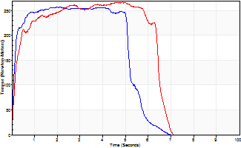
Isometric Extensors (Con) Angle 60 Time 10 Repetition 2 (Best Repetition)
 | Value | Cof Var | %BW
Peak Torque (Newton-Meters)
Right | 258 | 0.02 | 343
Left | 268 | 0.01 | 358
Deficit | 4
Average Torque (Newton-Meters)
Right | 136 | 0.01 | 182
Left | 157 | 0.1 | 209
Deficit | 14
Peak Torque Slope (Newton-Meters/Seconds)
Right | 120 | 0.62 | 160
Left | 57 | 0.02 | 76 |  | Right Side Curves Left Side Curves
Deficit | 53
Time to Half Peak Torque (Seconds)
Right | 0.12 | 0.12
Left | 0.19 | 0.18
Time to Peak Torque (Seconds)
Right | 3.74 | 0.6
Left | 4.76 | 0.03
HUMAC2015® Version: 15.000.0074 © Computer Sports Medicine, Inc. www.csmisolutions.com

pre2
Use File, Preference to set Report Heading
Long Form Torque vs. Position Report - Knee Extension/Flexion
Name: |  |  |  | TR030_FP3039, | ID: | TR030 | Right/Left: | 21.09.2022 21.09.2022
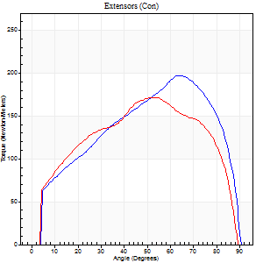
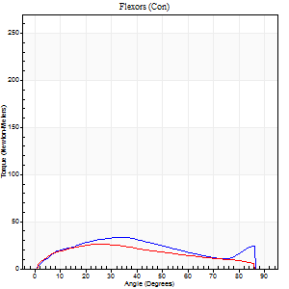
Right Side Curves Left Side Curves
Isokinetic Con/Con |  |  |  | Extensors (Con) |  | Flexors (Con)
Speed 60/60 d/s 3 Reps |  |  |  | Value | Cof Var | %BW | Value | Cof Var | %BW | Ratio

TORQUE PARAMETERS
Peak Torque (Newton-Meters - Best Repetition)
Right |  |  |  | 198 | 0.04 | 262 | 34 | 0.44 | 45 | 17
Left |  |  |  | 172 | 0.04 | 229 | 26 | 0.43 | 36 | 15
Deficit |  |  |  | 13 |  |  | 24
Work per Repetition (Newton-Meters - Best Repetition)
Right |  |  |  | 207 | 0.03 | 277 | 33 | 0.44 | 45 | 16
Left |  |  |  | 191 | 0.02 | 253 | 26 | 0.38 | 36 | 13
Deficit |  |  |  | 8 |  |  | 21
Average Power per Repetition (Watts - Best Repetition)
Right |  |  |  | 132 | 0.03 | 176 | 21 | 0.47 | 29 | 16
Left |  |  |  | 123 | 0.03 | 165 | 16 | 0.38 | 22 | 13
Deficit |  |  |  | 7 |  |  | 24
POSITION PARAMETERS
Joint Angle at Peak Torque (Degrees)
Right |  |  |  | 59 | 0.09 |  | 53 | 0.55
Left |  |  |  | 51 | 0.03 |  | 23 | 0.33
Range of Motion (Degrees)
Right |  |  |  | 0 | -1.41 |  | 90 | 0
Left |  |  |  | 0 | -4.24 |  | 90 | 0
TIME PARAMETERS
Time to Peak Torque (Seconds)
Right |  |  |  | 0.56 | 0.1 |  | 0.94 | 0.46
Left |  |  |  | 0.64 | 0.07 |  | 0.43 | 0.34
Time Peak Torque Held (Seconds)
Right |  |  |  | 0.07 | 0.62 |  | 0.01 | 1.73
Left |  |  |  | 0.04 | 0.27 |  | 0.27 | 1
Force Decay Time (Seconds)
Right |  |  |  | 0.95 | 0.13 |  | 0.62 | 0.74
Left |  |  |  | 0.86 | 0.02 |  | 0.86 | 0.16
Reciprocal Delay (Seconds)
Right |  |  |  | 0.1 | 0.42 |  | 0.39 | 0.67
Left |  |  |  | 0.19 | 0.07 |  | 0.27 | 0.27
Delay Time (Seconds)
Right |  |  |  | 0.01 | 0.47 |  | 0 | -21.28
Left |  |  |  | 0.01 | 1.41 |  | 0 | 3.46
HUMAC2015® Version: 15.000.0074 © Computer Sports Medicine, Inc. www.csmisolutions.com

Use File, Preference to set Report Heading
Long Form Torque vs. Position Report - Knee Extension/Flexion
Name: |  |  |  | TR030_FP3039, | ID: | TR030 | Right/Left: | 21.09.2022 21.09.2022
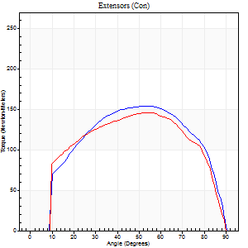
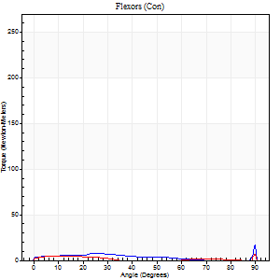
Right Side Curves Left Side Curves
Isokinetic Con/Con |  |  |  | Extensors (Con) |  | Flexors (Con)
Speed 120/120 d/s 3 Reps |  |  |  | Value | Cof Var | %BW | Value | Cof Var | %BW | Ratio

TORQUE PARAMETERS
Peak Torque (Newton-Meters - Best Repetition)
Right |  |  |  | 155 | 0 | 206 | 19 | 0.58 | 24 | 12
Left |  |  |  | 146 | 0.01 | 194 | 15 | 0.52 | 21 | 10
Deficit |  |  |  | 5 |  |  | 21
Work per Repetition (Newton-Meters - Best Repetition)
Right |  |  |  | 175 | 0.03 | 232 | 5 | 0.51 | 6 | 3
Left |  |  |  | 163 | 0.04 | 218 | 5 | 0.45 | 6 | 3
Deficit |  |  |  | 7 |  |  | 0
Average Power per Repetition (Watts - Best Repetition)
Right |  |  |  | 196 | 0.04 | 262 | 5 | 0.56 | 7 | 3
Left |  |  |  | 186 | 0.06 | 248 | 6 | 0.68 | 9 | 3
Deficit |  |  |  | 5 |  |  | 17
POSITION PARAMETERS
Joint Angle at Peak Torque (Degrees)
Right |  |  |  | 51 | 0.02 |  | 62 | 0.78
Left |  |  |  | 55 | 0.02 |  | 39 | 1.17
Range of Motion (Degrees)
Right |  |  |  | 0 | 0 |  | 90 | 0
Left |  |  |  | 0 | -1.41 |  | 90 | 0
TIME PARAMETERS
Time to Peak Torque (Seconds)
Right |  |  |  | 0.36 | 0.02 |  | 0.81 | 0.67
Left |  |  |  | 0.32 | 0.04 |  | 0.6 | 1.05
Time Peak Torque Held (Seconds)
Right |  |  |  | 0.05 | 0.65 |  | 0 | 1.73
Left |  |  |  | 0.04 | 0.25 |  | 0.08 | 1.73
Force Decay Time (Seconds)
Right |  |  |  | 0.46 | 0.04 |  | 0.33 | 2.02
Left |  |  |  | 0.5 | 0.02 |  | 0.49 | 1.12
Reciprocal Delay (Seconds)
Right |  |  |  | 0.22 | 0.6 |  | 0.46 | 0.3
Left |  |  |  | 0.2 | 0.1 |  | 0.28 | 0.04
Delay Time (Seconds)
Right |  |  |  | 0 | -1.41 |  | -0.03 | -0.88
Left |  |  |  | 0 | 0 |  | -0.02 | -0.25
HUMAC2015® Version: 15.000.0074 © Computer Sports Medicine, Inc. www.csmisolutions.com

Use File, Preference to set Report Heading
Long Form Torque vs. Position Report - Knee Extension/Flexion
Name: |  |  |  | TR030_FP3039, | ID: | TR030 | Right/Left: | 21.09.2022 21.09.2022
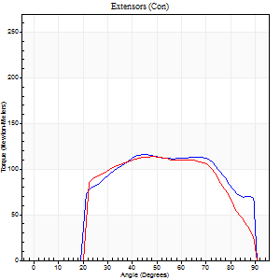
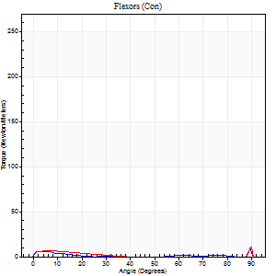
Right Side Curves Left Side Curves
Isokinetic Con/Con |  |  |  | Extensors (Con) |  | Flexors (Con)
Speed 240/240 d/s 3 Reps |  |  |  | Value | Cof Var | %BW | Value | Cof Var | %BW | Ratio

TORQUE PARAMETERS
Peak Torque (Newton-Meters - Best Repetition)
Right |  |  |  | 117 | 0.03 | 155 | 16 | 0.43 | 21 | 14
Left |  |  |  | 114 | 0.03 | 152 | 20 | 0.81 | 27 | 18
Deficit |  |  |  | 2 |  |  | 20
Work per Repetition (Newton-Meters - Best Repetition)
Right |  |  |  | 122 | 0.06 | 164 | 4 | 0.33 | 6 | 3
Left |  |  |  | 114 | 0.04 | 152 | 3 | 0.24 | 3 | 2
Deficit |  |  |  | 7 |  |  | 33
Average Power per Repetition (Watts - Best Repetition)
Right |  |  |  | 214 | 0.04 | 286 | 4 | 0.49 | 4 | 2
Left |  |  |  | 204 | 0.05 | 273 | 2 | 0.32 | 2 | 1
Deficit |  |  |  | 5 |  |  | 50
POSITION PARAMETERS
Joint Angle at Peak Torque (Degrees)
Right |  |  |  | 45 | 0.03 |  | 62 | 0.79
Left |  |  |  | 49 | 0.05 |  | 32 | 1.61
Range of Motion (Degrees)
Right |  |  |  | 0 | -1.41 |  | 90 | 0
Left |  |  |  | 0 | -1.41 |  | 90 | 0
TIME PARAMETERS
Time to Peak Torque (Seconds)
Right |  |  |  | 0.25 | 0.03 |  | 0.83 | 0.7
Left |  |  |  | 0.23 | 0 |  | 0.49 | 1.33
Time Peak Torque Held (Seconds)
Right |  |  |  | 0.01 | 0.87 |  | 0.01 | 1.73
Left |  |  |  | 0.01 | 0.43 |  | 0.01 | 0.87
Force Decay Time (Seconds)
Right |  |  |  | 0.28 | 0.04 |  | 0.23 | 2.33
Left |  |  |  | 0.31 | 0.02 |  | 0.7 | 1.04
Reciprocal Delay (Seconds)
Right |  |  |  | 0.24 | 0.24 |  | 0.32 | 0.11
Left |  |  |  | 0.22 | 0.1 |  | 0.4 | 0.15
Delay Time (Seconds)
Right |  |  |  | -0.01 | 0 |  | -0.05 | -0.2
Left |  |  |  | 0 | -1.41 |  | -0.06 | -0.33
HUMAC2015® Version: 15.000.0074 © Computer Sports Medicine, Inc. www.csmisolutions.com

Use File, Preference to set Report Heading
Isometric - Knee Extension/Flexion
Name: |  |  |  | TR030_FP3039, | ID: | TR030 | Right/Left: | 21.09.2022 21.09.2022

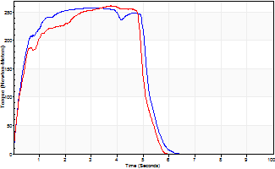
Isometric Extensors (Con) Angle 60 Time 10 Repetition 2 (Best Repetition)
 | Value | Cof Var | %BW
Peak Torque (Newton-Meters)
Right | 258 | 0.01 | 343
Left | 262 | 0.03 | 349
Deficit | 2
Average Torque (Newton-Meters)
Right | 122 | 0.02 | 164
Left | 115 | 0.04 | 155
Deficit | 6
Peak Torque Slope (Newton-Meters/Seconds)
Right | 88 | 0.15 | 118
Left | 75 | 0.05 | 100 |  | Right Side Curves Left Side Curves
Deficit | 15
Time to Half Peak Torque (Seconds)
Right | 0.25 | 0.28
Left | 0.38 | 0.11
Time to Peak Torque (Seconds)
Right | 3.24 | 0.15
Left | 3.53 | 0.08
HUMAC2015® Version: 15.000.0074 © Computer Sports Medicine, Inc. www.csmisolutions.com

mid1
Use File, Preference to set Report Heading
Long Form Torque vs. Position Report - Knee Extension/Flexion
Name: |  |  |  | TR030_FP3039, | ID: | TR030 | Right/Left: | 08.11.2022 08.11.2022
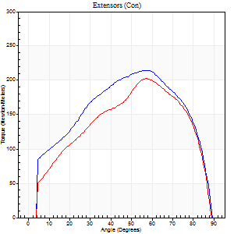
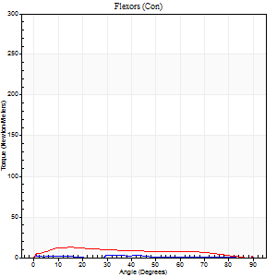
Right Side Curves Left Side Curves
Isokinetic Con/Con |  |  |  | Extensors (Con) |  | Flexors (Con)
Speed 60/60 d/s 3 Reps |  |  |  | Value | Cof Var | %BW | Value | Cof Var | %BW | Ratio

TORQUE PARAMETERS
Peak Torque (Newton-Meters - Best Repetition)
Right |  |  |  | 214 | 0.03 | 286 | 7 | 0.26 | 9 | 3
Left |  |  |  | 202 | 0.04 | 268 | 19 | 0.19 | 24 | 9
Deficit |  |  |  | 6 |  |  | 64
Work per Repetition (Newton-Meters - Best Repetition)
Right |  |  |  | 236 | 0.03 | 313 | 4 | 0.4 | 6 | 2
Left |  |  |  | 207 | 0.05 | 277 | 14 | 0.08 | 18 | 7
Deficit |  |  |  | 12 |  |  | 70
Average Power per Repetition (Watts - Best Repetition)
Right |  |  |  | 150 | 0.03 | 200 | 2 | 0.48 | 2 | 1
Left |  |  |  | 133 | 0.05 | 178 | 9 | 0.12 | 11 | 7
Deficit |  |  |  | 11 |  |  | 78
POSITION PARAMETERS
Joint Angle at Peak Torque (Degrees)
Right |  |  |  | 60 | 0.04 |  | 46 | 0.95
Left |  |  |  | 57 | 0.05 |  | 77 | 0.3
Range of Motion (Degrees)
Right |  |  |  | 0 | -0.71 |  | 90 | 0
Left |  |  |  | 0 | 0 |  | 90 | 0
TIME PARAMETERS
Time to Peak Torque (Seconds)
Right |  |  |  | 0.52 | 0.08 |  | 1.25 | 0.92
Left |  |  |  | 0.56 | 0.06 |  | 1.47 | 0.33
Time Peak Torque Held (Seconds)
Right |  |  |  | 0.04 | 0.13 |  | 0.02 | 0.89
Left |  |  |  | 0.04 | 0 |  | 0 | 0
Force Decay Time (Seconds)
Right |  |  |  | 1.01 | 0.04 |  | 0.75 | 1.16
Left |  |  |  | 0.97 | 0.05 |  | 0.1 | 4.19
Reciprocal Delay (Seconds)
Right |  |  |  | 0.21 | 0.27 |  | 0.78 | 0.12
Left |  |  |  | 0.26 | 0.27 |  | 0.28 | 0.04
Delay Time (Seconds)
Right |  |  |  | 0.01 | 0 |  | -0.05 | -0.22
Left |  |  |  | 0.01 | 0.47 |  | -0.01 | -0.43
HUMAC2015® Version: 15.000.0074 © Computer Sports Medicine, Inc. www.csmisolutions.com

Use File, Preference to set Report Heading
Long Form Torque vs. Position Report - Knee Extension/Flexion
Name: |  |  |  | TR030_FP3039, | ID: | TR030 | Right/Left: | 08.11.2022 08.11.2022
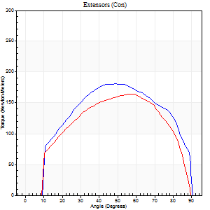
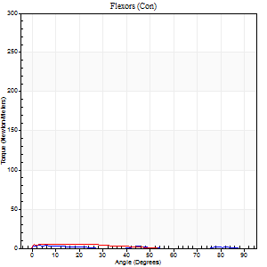
Right Side Curves Left Side Curves
Isokinetic Con/Con |  |  |  | Extensors (Con) |  | Flexors (Con)
Speed 120/120 d/s 3 Reps |  |  |  | Value | Cof Var | %BW | Value | Cof Var | %BW | Ratio

TORQUE PARAMETERS
Peak Torque (Newton-Meters - Best Repetition)
Right |  |  |  | 180 | 0.02 | 241 | 4 | 0.2 | 6 | 2
Left |  |  |  | 164 | 0.01 | 218 | 5 | 0.05 | 6 | 3
Deficit |  |  |  | 9 |  |  | 25
Work per Repetition (Newton-Meters - Best Repetition)
Right |  |  |  | 199 | 0.02 | 265 | 1 | 0.04 | 3 | 1
Left |  |  |  | 175 | 0.04 | 232 | 4 | 0.31 | 6 | 2
Deficit |  |  |  | 12 |  |  | 67
Average Power per Repetition (Watts - Best Repetition)
Right |  |  |  | 219 | 0.01 | 292 | 1 | 0.06 | 2 | 0
Left |  |  |  | 203 | 0.04 | 270 | 3 | 0.53 | 4 | 1
Deficit |  |  |  | 7 |  |  | 67
POSITION PARAMETERS
Joint Angle at Peak Torque (Degrees)
Right |  |  |  | 48 | 0.01 |  | 5 | 0.42
Left |  |  |  | 58 | 0.01 |  | 5 | 0.54
Range of Motion (Degrees)
Right |  |  |  | 0 | 0 |  | 90 | 0
Left |  |  |  | 0 | 0 |  | 90 | 0
TIME PARAMETERS
Time to Peak Torque (Seconds)
Right |  |  |  | 0.38 | 0 |  | 0.29 | 0.34
Left |  |  |  | 0.29 | 0 |  | 0.2 | 0.12
Time Peak Torque Held (Seconds)
Right |  |  |  | 0.03 | 0.46 |  | 0.12 | 1.15
Left |  |  |  | 0.03 | 0.17 |  | 0.07 | 0.87
Force Decay Time (Seconds)
Right |  |  |  | 0.47 | 0.04 |  | 1.22 | 0.28
Left |  |  |  | 0.53 | 0.02 |  | 1 | 0.21
Reciprocal Delay (Seconds)
Right |  |  |  | 0.16 | 0.23 |  | 0.68 | 0.19
Left |  |  |  | 0.18 | 0.08 |  | 0.33 | 0.14
Delay Time (Seconds)
Right |  |  |  | 0 | 0 |  | -0.08 | -0.25
Left |  |  |  | 0 | 1.41 |  | -0.06 | -0.4
HUMAC2015® Version: 15.000.0074 © Computer Sports Medicine, Inc. www.csmisolutions.com

Use File, Preference to set Report Heading
Long Form Torque vs. Position Report - Knee Extension/Flexion
Name: |  |  |  | TR030_FP3039, | ID: | TR030 | Right/Left: | 08.11.2022 08.11.2022
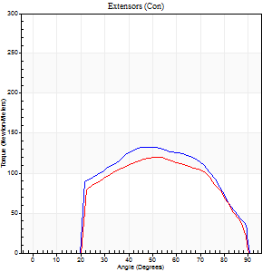
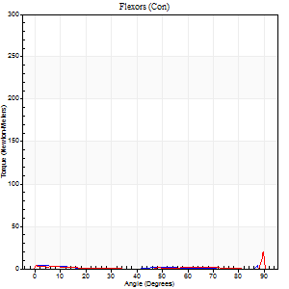
Right Side Curves Left Side Curves
Isokinetic Con/Con |  |  |  | Extensors (Con) |  | Flexors (Con)
Speed 240/240 d/s 3 Reps |  |  |  | Value | Cof Var | %BW | Value | Cof Var | %BW | Ratio

TORQUE PARAMETERS
Peak Torque (Newton-Meters - Best Repetition)
Right |  |  |  | 133 | 0.04 | 176 | 4 | 0.05 | 6 | 3
Left |  |  |  | 119 | 0.01 | 158 | 31 | 1.01 | 42 | 26
Deficit |  |  |  | 10 |  |  | 87
Work per Repetition (Newton-Meters - Best Repetition)
Right |  |  |  | 129 | 0.03 | 173 | 3 | 0.24 | 3 | 2
Left |  |  |  | 117 | 0.01 | 155 | 1 | 0.41 | 3 | 1
Deficit |  |  |  | 9 |  |  | 50
Average Power per Repetition (Watts - Best Repetition)
Right |  |  |  | 235 | 0.02 | 312 | 2 | 0.49 | 2 | 1
Left |  |  |  | 212 | 0.03 | 281 | 2 | 0.37 | 2 | 1
Deficit |  |  |  | 10 |  |  | 0
POSITION PARAMETERS
Joint Angle at Peak Torque (Degrees)
Right |  |  |  | 48 | 0.04 |  | 3 | 0.61
Left |  |  |  | 51 | 0.02 |  | 30 | 1.71
Range of Motion (Degrees)
Right |  |  |  | 0 | -0.47 |  | 90 | 0
Left |  |  |  | 0 | 0 |  | 90 | 0
TIME PARAMETERS
Time to Peak Torque (Seconds)
Right |  |  |  | 0.23 | 0.06 |  | 0.19 | 0.34
Left |  |  |  | 0.21 | 0 |  | 0.35 | 1.48
Time Peak Torque Held (Seconds)
Right |  |  |  | 0.01 | 0 |  | 0.03 | 1.73
Left |  |  |  | 0.01 | 0.87 |  | 0.02 | 0.92
Force Decay Time (Seconds)
Right |  |  |  | 0.3 | 0.02 |  | 1.24 | 0.36
Left |  |  |  | 0.32 | 0 |  | 0.77 | 0.99
Reciprocal Delay (Seconds)
Right |  |  |  | 0.19 | 0.42 |  | 0.54 | 0.2
Left |  |  |  | 0.13 | 0.26 |  | 0.47 | 0.29
Delay Time (Seconds)
Right |  |  |  | -0.01 | -0.47 |  | -0.08 | -0.33
Left |  |  |  | 0 | -1.41 |  | 0.26 | 2.06
HUMAC2015® Version: 15.000.0074 © Computer Sports Medicine, Inc. www.csmisolutions.com

Use File, Preference to set Report Heading
Isometric - Knee Extension/Flexion
Name: |  |  |  | TR030_FP3039, | ID: | TR030 | Right/Left: | 08.11.2022 08.11.2022

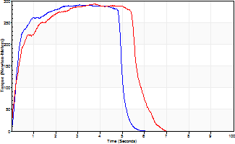
Isometric Extensors (Con) Angle 60 Time 10 Repetition 2 (Best Repetition)
 | Value | Cof Var | %BW
Peak Torque (Newton-Meters)
Right | 290 | 0.02 | 387
Left | 292 | 0.01 | 387
Deficit | 0
Average Torque (Newton-Meters)
Right | 146 | 0.07 | 194
Left | 149 | 0.02 | 200
Deficit | 2
Peak Torque Slope (Newton-Meters/Seconds)
Right | 95 | 0.29 | 126
Left | 79 | 0.08 | 105 |  | Right Side Curves Left Side Curves
Deficit | 17
Time to Half Peak Torque (Seconds)
Right | 0.23 | 0.18
Left | 0.36 | 0.16
Time to Peak Torque (Seconds)
Right | 3.79 | 0.27
Left | 3.88 | 0.07
HUMAC2015® Version: 15.000.0074 © Computer Sports Medicine, Inc. www.csmisolutions.com

mid2
Use File, Preference to set Report Heading
Long Form Torque vs. Position Report - Knee Extension/Flexion
Name: |  |  |  | TR030_FP3039, | ID: | TR030 | Right/Left: | 11.11.2022 11.11.2022
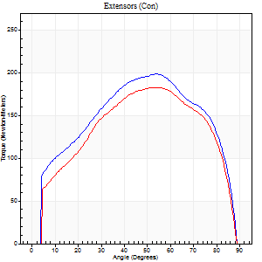
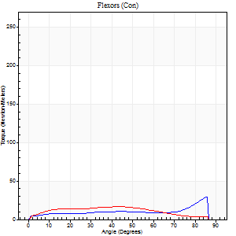
Right Side Curves Left Side Curves
Isokinetic Con/Con |  |  |  | Extensors (Con) |  | Flexors (Con)
Speed 60/60 d/s 3 Reps |  |  |  | Value | Cof Var | %BW | Value | Cof Var | %BW | Ratio

TORQUE PARAMETERS
Peak Torque (Newton-Meters - Best Repetition)
Right |  |  |  | 198 | 0.03 | 262 | 30 | 0.7 | 39 | 15
Left |  |  |  | 183 | 0.08 | 244 | 16 | 0.22 | 21 | 9
Deficit |  |  |  | 8 |  |  | 45
Work per Repetition (Newton-Meters - Best Repetition)
Right |  |  |  | 221 | 0.05 | 295 | 15 | 0.29 | 21 | 7
Left |  |  |  | 201 | 0.08 | 268 | 16 | 0.17 | 21 | 8
Deficit |  |  |  | 9 |  |  | 8
Average Power per Repetition (Watts - Best Repetition)
Right |  |  |  | 143 | 0.06 | 191 | 10 | 0.29 | 13 | 7
Left |  |  |  | 129 | 0.09 | 171 | 10 | 0.16 | 13 | 8
Deficit |  |  |  | 10 |  |  | 0
POSITION PARAMETERS
Joint Angle at Peak Torque (Degrees)
Right |  |  |  | 59 | 0.11 |  | 40 | 1.02
Left |  |  |  | 57 | 0.05 |  | 24 | 0.69
Range of Motion (Degrees)
Right |  |  |  | 0 | -1.41 |  | 90 | 0
Left |  |  |  | 0 | 0 |  | 90 | 0
TIME PARAMETERS
Time to Peak Torque (Seconds)
Right |  |  |  | 0.58 | 0.06 |  | 0.75 | 0.89
Left |  |  |  | 0.54 | 0.1 |  | 0.46 | 0.57
Time Peak Torque Held (Seconds)
Right |  |  |  | 0.07 | 0.31 |  | 0.03 | 1.42
Left |  |  |  | 0.05 | 0.47 |  | 0.02 | 1.73
Force Decay Time (Seconds)
Right |  |  |  | 0.96 | 0.11 |  | 0.81 | 0.81
Left |  |  |  | 0.95 | 0.05 |  | 1.09 | 0.21
Reciprocal Delay (Seconds)
Right |  |  |  | 0.15 | 0.19 |  | 0.48 | 0.08
Left |  |  |  | 0.16 | 0.14 |  | 0.34 | 0.09
Delay Time (Seconds)
Right |  |  |  | 0.01 | 1.41 |  | -0.03 | -0.58
Left |  |  |  | 0.02 | 0.28 |  | -0.01 | -0.87
HUMAC2015® Version: 15.000.0074 © Computer Sports Medicine, Inc. www.csmisolutions.com

Use File, Preference to set Report Heading
Long Form Torque vs. Position Report - Knee Extension/Flexion
Name: |  |  |  | TR030_FP3039, | ID: | TR030 | Right/Left: | 11.11.2022 11.11.2022
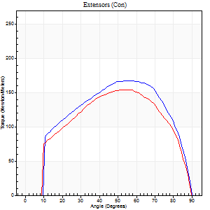
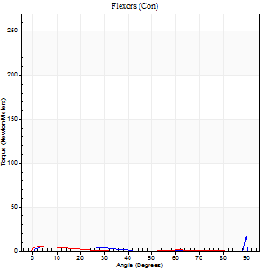
Right Side Curves Left Side Curves
Isokinetic Con/Con |  |  |  | Extensors (Con) |  | Flexors (Con)
Speed 120/120 d/s 3 Reps |  |  |  | Value | Cof Var | %BW | Value | Cof Var | %BW | Ratio

TORQUE PARAMETERS
Peak Torque (Newton-Meters - Best Repetition)
Right |  |  |  | 167 | 0.02 | 224 | 19 | 0.51 | 24 | 11
Left |  |  |  | 155 | 0.02 | 206 | 5 | 0.1 | 6 | 4
Deficit |  |  |  | 7 |  |  | 71
Work per Repetition (Newton-Meters - Best Repetition)
Right |  |  |  | 184 | 0.04 | 244 | 4 | 0.3 | 6 | 2
Left |  |  |  | 165 | 0.06 | 221 | 1 | 0.09 | 3 | 1
Deficit |  |  |  | 10 |  |  | 67
Average Power per Repetition (Watts - Best Repetition)
Right |  |  |  | 210 | 0.05 | 279 | 5 | 0.39 | 7 | 2
Left |  |  |  | 193 | 0.07 | 257 | 2 | 0.18 | 2 | 1
Deficit |  |  |  | 8 |  |  | 60
POSITION PARAMETERS
Joint Angle at Peak Torque (Degrees)
Right |  |  |  | 53 | 0.03 |  | 68 | 0.56
Left |  |  |  | 56 | 0.03 |  | 3 | 0.53
Range of Motion (Degrees)
Right |  |  |  | 0 | 1.41 |  | 90 | 0
Left |  |  |  | 0 | -1.41 |  | 90 | 0
TIME PARAMETERS
Time to Peak Torque (Seconds)
Right |  |  |  | 0.33 | 0 |  | 0.92 | 0.5
Left |  |  |  | 0.31 | 0.07 |  | 0.17 | 0.21
Time Peak Torque Held (Seconds)
Right |  |  |  | 0.04 | 0.57 |  | 0 | 1.73
Left |  |  |  | 0.03 | 0.33 |  | 0.05 | 0.89
Force Decay Time (Seconds)
Right |  |  |  | 0.5 | 0.04 |  | 0.14 | 2.66
Left |  |  |  | 0.52 | 0.05 |  | 1.14 | 0.17
Reciprocal Delay (Seconds)
Right |  |  |  | 0.17 | 0.12 |  | 0.38 | 0.05
Left |  |  |  | 0.19 | 0.15 |  | 0.44 | 0.35
Delay Time (Seconds)
Right |  |  |  | 0 | -1.41 |  | -0.02 | -1
Left |  |  |  | 0.01 | 1.41 |  | -0.06 | -0.27
HUMAC2015® Version: 15.000.0074 © Computer Sports Medicine, Inc. www.csmisolutions.com

Use File, Preference to set Report Heading
Long Form Torque vs. Position Report - Knee Extension/Flexion
Name: |  |  |  | TR030_FP3039, | ID: | TR030 | Right/Left: | 11.11.2022 11.11.2022
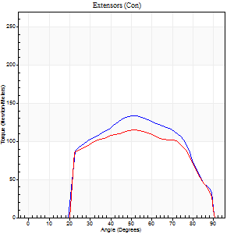
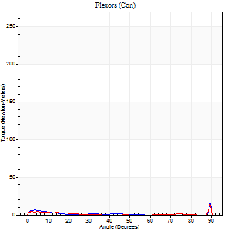
Right Side Curves Left Side Curves
Isokinetic Con/Con |  |  |  | Extensors (Con) |  | Flexors (Con)
Speed 240/240 d/s 3 Reps |  |  |  | Value | Cof Var | %BW | Value | Cof Var | %BW | Ratio

TORQUE PARAMETERS
Peak Torque (Newton-Meters - Best Repetition)
Right |  |  |  | 133 | 0.03 | 176 | 23 | 0.69 | 30 | 17
Left |  |  |  | 115 | 0.07 | 155 | 24 | 0.6 | 33 | 21
Deficit |  |  |  | 13 |  |  | 6
Work per Repetition (Newton-Meters - Best Repetition)
Right |  |  |  | 127 | 0.02 | 170 | 1 | 0.13 | 3 | 1
Left |  |  |  | 114 | 0.07 | 152 | 1 | 0.64 | 3 | 1
Deficit |  |  |  | 11 |  |  | 0
Average Power per Repetition (Watts - Best Repetition)
Right |  |  |  | 232 | 0.02 | 310 | 2 | 0.21 | 2 | 1
Left |  |  |  | 206 | 0.07 | 275 | 2 | 0.4 | 2 | 1
Deficit |  |  |  | 11 |  |  | 0
POSITION PARAMETERS
Joint Angle at Peak Torque (Degrees)
Right |  |  |  | 50 | 0.01 |  | 63 | 0.74
Left |  |  |  | 52 | 0.02 |  | 61 | 0.81
Range of Motion (Degrees)
Right |  |  |  | 0 | 0 |  | 90 | 0
Left |  |  |  | 0 | -0.47 |  | 90 | 0
TIME PARAMETERS
Time to Peak Torque (Seconds)
Right |  |  |  | 0.22 | 0.03 |  | 1.12 | 0.64
Left |  |  |  | 0.22 | 0 |  | 0.75 | 0.97
Time Peak Torque Held (Seconds)
Right |  |  |  | 0.01 | 0 |  | 0.01 | 1.73
Left |  |  |  | 0.01 | 0.87 |  | 0.01 | 1.73
Force Decay Time (Seconds)
Right |  |  |  | 0.31 | 0.02 |  | 0.24 | 2.53
Left |  |  |  | 0.32 | 0.02 |  | 0.23 | 2.45
Reciprocal Delay (Seconds)
Right |  |  |  | 0.21 | 0.2 |  | 0.73 | 0.35
Left |  |  |  | 0.2 | 0.03 |  | 0.48 | 0.12
Delay Time (Seconds)
Right |  |  |  | -0.01 | -0.47 |  | -0.08 | -0.33
Left |  |  |  | -0.01 | 0 |  | 0.22 | 2.28
HUMAC2015® Version: 15.000.0074 © Computer Sports Medicine, Inc. www.csmisolutions.com

Use File, Preference to set Report Heading
Isometric - Knee Extension/Flexion
Name: |  |  |  | TR030_FP3039, | ID: | TR030 | Right/Left: | 11.11.2022 11.11.2022

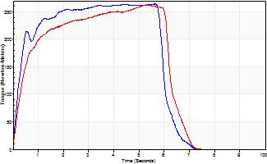
Isometric Extensors (Con) Angle 60 Time 10 Repetition 2 (Best Repetition)
 | Value | Cof Var | %BW
Peak Torque (Newton-Meters)
Right | 264 | 0.01 | 352
Left | 262 | 0.01 | 349
Deficit | 1
Average Torque (Newton-Meters)
Right | 146 | 0.11 | 194
Left | 151 | 0.03 | 200
Deficit | 3
Peak Torque Slope (Newton-Meters/Seconds)
Right | 60 | 0.17 | 80
Left | 54 | 0.07 | 72 |  | Right Side Curves Left Side Curves
Deficit | 10
Time to Half Peak Torque (Seconds)
Right | 0.31 | 0.23
Left | 0.43 | 0.08
Time to Peak Torque (Seconds)
Right | 4.96 | 0.19
Left | 5.05 | 0.08
HUMAC2015® Version: 15.000.0074 © Computer Sports Medicine, Inc. www.csmisolutions.com

post1
Use File, Preference to set Report Heading
Long Form Torque vs. Position Report - Knee Extension/Flexion
Name: |  |  |  | TR030_FP3039, | ID: | TR030 | Right/Left: | 05.12.2022 05.12.2022
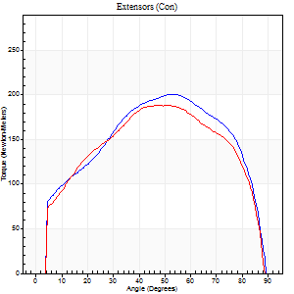
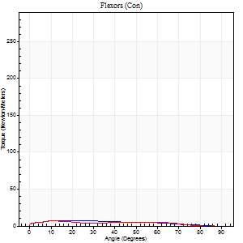
Right Side Curves Left Side Curves
Isokinetic Con/Con |  |  |  | Extensors (Con) |  | Flexors (Con)
Speed 60/60 d/s 3 Reps |  |  |  | Value | Cof Var | %BW | Value | Cof Var | %BW | Ratio

TORQUE PARAMETERS
Peak Torque (Newton-Meters - Best Repetition)
Right |  |  |  | 201 | 0.05 | 268 | 7 | 0.39 | 9 | 3
Left |  |  |  | 188 | 0.07 | 250 | 7 | 0.25 | 9 | 4
Deficit |  |  |  | 6 |  |  | 0
Work per Repetition (Newton-Meters - Best Repetition)
Right |  |  |  | 225 | 0.06 | 301 | 7 | 0.64 | 9 | 3
Left |  |  |  | 213 | 0.05 | 283 | 7 | 0.39 | 9 | 3
Deficit |  |  |  | 5 |  |  | 0
Average Power per Repetition (Watts - Best Repetition)
Right |  |  |  | 145 | 0.06 | 193 | 4 | 0.73 | 4 | 3
Left |  |  |  | 138 | 0.05 | 185 | 4 | 0.4 | 4 | 3
Deficit |  |  |  | 5 |  |  | 0
POSITION PARAMETERS
Joint Angle at Peak Torque (Degrees)
Right |  |  |  | 56 | 0.06 |  | 16 | 0.11
Left |  |  |  | 57 | 0.12 |  | 11 | 0.08
Range of Motion (Degrees)
Right |  |  |  | 0 | -1.41 |  | 90 | 0
Left |  |  |  | 0 | 0 |  | 90 | 0
TIME PARAMETERS
Time to Peak Torque (Seconds)
Right |  |  |  | 0.59 | 0.04 |  | 0.41 | 0.08
Left |  |  |  | 0.59 | 0.07 |  | 0.3 | 0.1
Time Peak Torque Held (Seconds)
Right |  |  |  | 0.05 | 0.33 |  | 0.25 | 1.73
Left |  |  |  | 0.1 | 0.5 |  | 0 | 0
Force Decay Time (Seconds)
Right |  |  |  | 0.94 | 0.06 |  | 1.12 | 0.47
Left |  |  |  | 0.91 | 0.15 |  | 1.43 | 0.05
Reciprocal Delay (Seconds)
Right |  |  |  | 0.17 | 0.42 |  | 0.5 | 0.15
Left |  |  |  | 0.22 | 0.23 |  | 0.48 | 0.02
Delay Time (Seconds)
Right |  |  |  | 0.02 | 0 |  | -0.02 | -2.36
Left |  |  |  | 0.03 | 0 |  | -0.04 | -0.16
HUMAC2015® Version: 15.000.0074 © Computer Sports Medicine, Inc. www.csmisolutions.com

Use File, Preference to set Report Heading
Long Form Torque vs. Position Report - Knee Extension/Flexion
Name: |  |  |  | TR030_FP3039, | ID: | TR030 | Right/Left: | 05.12.2022 05.12.2022
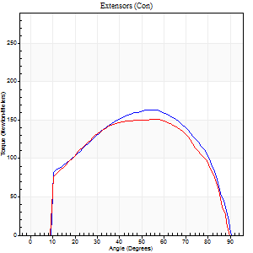
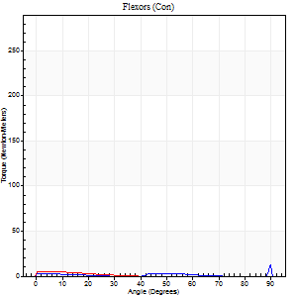
Right Side Curves Left Side Curves
Isokinetic Con/Con |  |  |  | Extensors (Con) |  | Flexors (Con)
Speed 120/120 d/s 3 Reps |  |  |  | Value | Cof Var | %BW | Value | Cof Var | %BW | Ratio

TORQUE PARAMETERS
Peak Torque (Newton-Meters - Best Repetition)
Right |  |  |  | 163 | 0.05 | 218 | 14 | 0.44 | 18 | 8
Left |  |  |  | 151 | 0.05 | 200 | 5 | 0.14 | 6 | 4
Deficit |  |  |  | 8 |  |  | 60
Work per Repetition (Newton-Meters - Best Repetition)
Right |  |  |  | 176 | 0.03 | 235 | 1 | 0.07 | 3 | 1
Left |  |  |  | 168 | 0.08 | 224 | 1 | 0.09 | 3 | 1
Deficit |  |  |  | 5 |  |  | 0
Average Power per Repetition (Watts - Best Repetition)
Right |  |  |  | 198 | 0.03 | 264 | 1 | 0.1 | 2 | 1
Left |  |  |  | 195 | 0.09 | 259 | 2 | 0.44 | 2 | 1
Deficit |  |  |  | 2 |  |  | 50
POSITION PARAMETERS
Joint Angle at Peak Torque (Degrees)
Right |  |  |  | 55 | 0.04 |  | 61 | 0.83
Left |  |  |  | 56 | 0.03 |  | 3 | 0.77
Range of Motion (Degrees)
Right |  |  |  | 0 | 0 |  | 90 | 0
Left |  |  |  | 0 | 0 |  | 90 | 0
TIME PARAMETERS
Time to Peak Torque (Seconds)
Right |  |  |  | 0.32 | 0.04 |  | 1.16 | 0.75
Left |  |  |  | 0.31 | 0.07 |  | 0.15 | 0.55
Time Peak Torque Held (Seconds)
Right |  |  |  | 0.04 | 0.42 |  | 0.01 | 1
Left |  |  |  | 0.07 | 0.46 |  | 0.03 | 1.73
Force Decay Time (Seconds)
Right |  |  |  | 0.51 | 0.03 |  | 0.41 | 1.82
Left |  |  |  | 0.48 | 0.08 |  | 1.45 | 0.36
Reciprocal Delay (Seconds)
Right |  |  |  | 0.2 | 0.38 |  | 0.67 | 0.16
Left |  |  |  | 0.22 | 0 |  | 0.5 | 0.27
Delay Time (Seconds)
Right |  |  |  | -0.01 | 0 |  | -0.08 | -0.43
Left |  |  |  | 0 | 1.41 |  | -0.07 | -0.35
HUMAC2015® Version: 15.000.0074 © Computer Sports Medicine, Inc. www.csmisolutions.com

Use File, Preference to set Report Heading
Long Form Torque vs. Position Report - Knee Extension/Flexion
Name: |  |  |  | TR030_FP3039, | ID: | TR030 | Right/Left: | 05.12.2022 05.12.2022
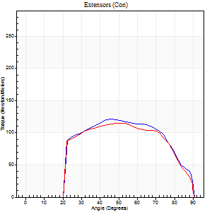
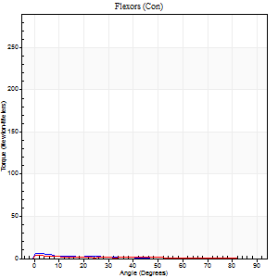
Right Side Curves Left Side Curves
Isokinetic Con/Con |  |  |  | Extensors (Con) |  | Flexors (Con)
Speed 240/240 d/s 3 Reps |  |  |  | Value | Cof Var | %BW | Value | Cof Var | %BW | Ratio

TORQUE PARAMETERS
Peak Torque (Newton-Meters - Best Repetition)
Right |  |  |  | 121 | 0.02 | 161 | 7 | 0.25 | 9 | 6
Left |  |  |  | 115 | 0.06 | 155 | 4 | 0.2 | 6 | 4
Deficit |  |  |  | 4 |  |  | 40
Work per Repetition (Newton-Meters - Best Repetition)
Right |  |  |  | 119 | 0.02 | 158 | 1 | 0.03 | 3 | 1
Left |  |  |  | 114 | 0.05 | 152 | 1 | 0.21 | 3 | 1
Deficit |  |  |  | 5 |  |  | 0
Average Power per Repetition (Watts - Best Repetition)
Right |  |  |  | 216 | 0.04 | 288 | 2 | 0.21 | 2 | 1
Left |  |  |  | 207 | 0.05 | 275 | 2 | 0.55 | 2 | 1
Deficit |  |  |  | 4 |  |  | 0
POSITION PARAMETERS
Joint Angle at Peak Torque (Degrees)
Right |  |  |  | 49 | 0.1 |  | 8 | 0.92
Left |  |  |  | 52 | 0.01 |  | 0 | 0.13
Range of Motion (Degrees)
Right |  |  |  | 0 | -0.28 |  | 90 | 0
Left |  |  |  | 0 | 0 |  | 90 | 0
TIME PARAMETERS
Time to Peak Torque (Seconds)
Right |  |  |  | 0.22 | 0.13 |  | 0.27 | 0.59
Left |  |  |  | 0.22 | 0.03 |  | 0.08 | 0.37
Time Peak Torque Held (Seconds)
Right |  |  |  | 0.01 | 1.15 |  | 0.04 | 1.5
Left |  |  |  | 0.01 | 0.87 |  | 0 | 0
Force Decay Time (Seconds)
Right |  |  |  | 0.3 | 0.03 |  | 0.91 | 0.04
Left |  |  |  | 0.32 | 0 |  | 1.66 | 0.29
Reciprocal Delay (Seconds)
Right |  |  |  | 0.16 | 0.39 |  | 0.65 | 0.27
Left |  |  |  | 0.14 | 0.4 |  | 0.58 | 0.23
Delay Time (Seconds)
Right |  |  |  | -0.01 | 0 |  | -0.06 | -0.48
Left |  |  |  | -0.01 | 0 |  | -0.1 | -0.28
HUMAC2015® Version: 15.000.0074 © Computer Sports Medicine, Inc. www.csmisolutions.com

Use File, Preference to set Report Heading
Isometric - Knee Extension/Flexion
Name: |  |  |  | TR030_FP3039, | ID: | TR030 | Right/Left: | 05.12.2022 05.12.2022

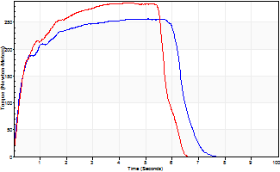
Isometric Extensors (Con) Angle 60 Time 10 Repetition 2 (Best Repetition)
 | Value | Cof Var | %BW
Peak Torque (Newton-Meters)
Right | 256 | 0 | 343
Left | 286 | 0 | 381
Deficit | 10
Average Torque (Newton-Meters)
Right | 149 | 0.05 | 200
Left | 153 | 0.03 | 203
Deficit | 3
Peak Torque Slope (Newton-Meters/Seconds)
Right | 56 | 0.08 | 75
Left | 66 | 0.02 | 88 |  | Right Side Curves Left Side Curves
Deficit | 14
Time to Half Peak Torque (Seconds)
Right | 0.2 | 0.42
Left | 0.32 | 0.04
Time to Peak Torque (Seconds)
Right | 4.81 | 0.08
Left | 4.41 | 0.02
HUMAC2015® Version: 15.000.0074 © Computer Sports Medicine, Inc. www.csmisolutions.com

post2
Use File, Preference to set Report Heading
Long Form Torque vs. Position Report - Knee Extension/Flexion
Name: |  |  |  | TR030_FP3039, | ID: | TR030 | Right/Left: | 07.12.2022 07.12.2022
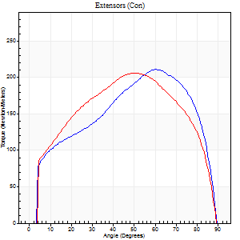
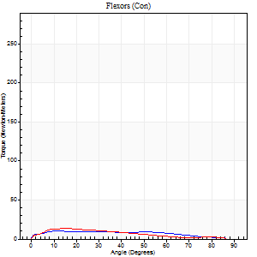
Right Side Curves Left Side Curves
Isokinetic Con/Con |  |  |  | Extensors (Con) |  | Flexors (Con)
Speed 60/60 d/s 3 Reps |  |  |  | Value | Cof Var | %BW | Value | Cof Var | %BW | Ratio

TORQUE PARAMETERS
Peak Torque (Newton-Meters - Best Repetition)
Right |  |  |  | 212 | 0.04 | 283 | 9 | 0.23 | 12 | 4
Left |  |  |  | 206 | 0.02 | 274 | 14 | 0.32 | 18 | 7
Deficit |  |  |  | 3 |  |  | 30
Work per Repetition (Newton-Meters - Best Repetition)
Right |  |  |  | 228 | 0.01 | 304 | 11 | 0.66 | 15 | 5
Left |  |  |  | 232 | 0.01 | 310 | 11 | 0.24 | 15 | 5
Deficit |  |  |  | 2 |  |  | 0
Average Power per Repetition (Watts - Best Repetition)
Right |  |  |  | 144 | 0.01 | 191 | 7 | 0.72 | 9 | 5
Left |  |  |  | 148 | 0.01 | 198 | 6 | 0.24 | 9 | 4
Deficit |  |  |  | 3 |  |  | 14
POSITION PARAMETERS
Joint Angle at Peak Torque (Degrees)
Right |  |  |  | 58 | 0.06 |  | 11 | 0.07
Left |  |  |  | 50 | 0.01 |  | 12 | 0.25
Range of Motion (Degrees)
Right |  |  |  | 0 | 0 |  | 90 | 0
Left |  |  |  | 0 | 0 |  | 90 | 0
TIME PARAMETERS
Time to Peak Torque (Seconds)
Right |  |  |  | 0.56 | 0.17 |  | 0.29 | 0.1
Left |  |  |  | 0.65 | 0.01 |  | 0.28 | 0.13
Time Peak Torque Held (Seconds)
Right |  |  |  | 0.04 | 0.43 |  | 0.02 | 1.25
Left |  |  |  | 0.08 | 0.33 |  | 0.02 | 1.73
Force Decay Time (Seconds)
Right |  |  |  | 0.99 | 0.07 |  | 1.33 | 0.05
Left |  |  |  | 0.81 | 0.03 |  | 1.33 | 0.06
Reciprocal Delay (Seconds)
Right |  |  |  | 0.49 | 0.07 |  | 0.54 | 0.07
Left |  |  |  | 0.36 | 0.22 |  | 0.42 | 0.12
Delay Time (Seconds)
Right |  |  |  | 0 | 0 |  | -0.03 | -0.33
Left |  |  |  | 0.02 | 0.28 |  | -0.02 | -0.5
HUMAC2015® Version: 15.000.0074 © Computer Sports Medicine, Inc. www.csmisolutions.com

Use File, Preference to set Report Heading
Long Form Torque vs. Position Report - Knee Extension/Flexion
Name: |  |  |  | TR030_FP3039, | ID: | TR030 | Right/Left: | 07.12.2022 07.12.2022
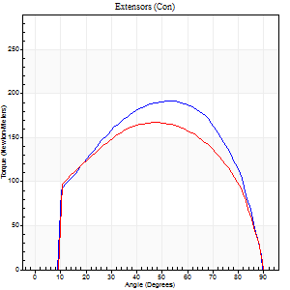

Right Side Curves Left Side Curves
Isokinetic Con/Con |  |  |  | Extensors (Con) |  | Flexors (Con)
Speed 120/120 d/s 3 Reps |  |  |  | Value | Cof Var | %BW | Value | Cof Var | %BW | Ratio

TORQUE PARAMETERS
Peak Torque (Newton-Meters - Best Repetition)
Right |  |  |  | 191 | 0.07 | 253 | 5 | 0.08 | 6 | 3
Left |  |  |  | 167 | 0.03 | 224 | 4 | 0.08 | 6 | 2
Deficit |  |  |  | 13 |  |  | 25
Work per Repetition (Newton-Meters - Best Repetition)
Right |  |  |  | 207 | 0.07 | 277 | 3 | 0.18 | 3 | 1
Left |  |  |  | 184 | 0.03 | 244 | 3 | 0.22 | 3 | 1
Deficit |  |  |  | 11 |  |  | 0
Average Power per Repetition (Watts - Best Repetition)
Right |  |  |  | 238 | 0.09 | 316 | 3 | 0.31 | 4 | 1
Left |  |  |  | 215 | 0.04 | 286 | 1 | 0.2 | 2 | 0
Deficit |  |  |  | 10 |  |  | 67
POSITION PARAMETERS
Joint Angle at Peak Torque (Degrees)
Right |  |  |  | 54 | 0.05 |  | 7 | 0.7
Left |  |  |  | 48 | 0.01 |  | 4 | 0.56
Range of Motion (Degrees)
Right |  |  |  | 0 | 4.24 |  | 90 | 0
Left |  |  |  | 0 | -0.47 |  | 90 | 0
TIME PARAMETERS
Time to Peak Torque (Seconds)
Right |  |  |  | 0.31 | 0.07 |  | 0.21 | 0.35
Left |  |  |  | 0.38 | 0.02 |  | 0.19 | 0.39
Time Peak Torque Held (Seconds)
Right |  |  |  | 0.03 | 0.17 |  | 0.02 | 0.89
Left |  |  |  | 0.02 | 0.5 |  | 0.03 | 1.73
Force Decay Time (Seconds)
Right |  |  |  | 0.5 | 0.03 |  | 0.91 | 0.23
Left |  |  |  | 0.46 | 0.03 |  | 1.24 | 0.05
Reciprocal Delay (Seconds)
Right |  |  |  | 0.28 | 0.57 |  | 0.51 | 0.14
Left |  |  |  | 0.22 | 0.45 |  | 0.46 | 0.22
Delay Time (Seconds)
Right |  |  |  | 0 | 1.41 |  | -0.05 | -0.12
Left |  |  |  | 0.01 | 0.47 |  | -0.06 | -0.44
HUMAC2015® Version: 15.000.0074 © Computer Sports Medicine, Inc. www.csmisolutions.com

Use File, Preference to set Report Heading
Long Form Torque vs. Position Report - Knee Extension/Flexion
Name: |  |  |  | TR030_FP3039, | ID: | TR030 | Right/Left: | 07.12.2022 07.12.2022

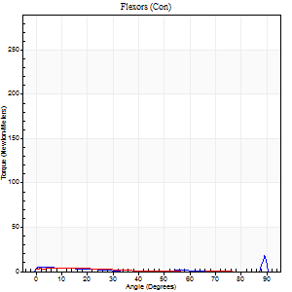
Right Side Curves Left Side Curves
Isokinetic Con/Con |  |  |  | Extensors (Con) |  | Flexors (Con)
Speed 240/240 d/s 3 Reps |  |  |  | Value | Cof Var | %BW | Value | Cof Var | %BW | Ratio

TORQUE PARAMETERS
Peak Torque (Newton-Meters - Best Repetition)
Right |  |  |  | 133 | 0.04 | 176 | 18 | 0.77 | 24 | 13
Left |  |  |  | 122 | 0.03 | 164 | 4 | 0.15 | 6 | 3
Deficit |  |  |  | 8 |  |  | 77
Work per Repetition (Newton-Meters - Best Repetition)
Right |  |  |  | 132 | 0.04 | 176 | 4 | 0.37 | 6 | 3
Left |  |  |  | 121 | 0.03 | 161 | 3 | 0.23 | 3 | 2
Deficit |  |  |  | 8 |  |  | 33
Average Power per Repetition (Watts - Best Repetition)
Right |  |  |  | 240 | 0.04 | 319 | 5 | 0.58 | 7 | 2
Left |  |  |  | 219 | 0.02 | 292 | 2 | 0.49 | 2 | 1
Deficit |  |  |  | 9 |  |  | 60
POSITION PARAMETERS
Joint Angle at Peak Torque (Degrees)
Right |  |  |  | 53 | 0.05 |  | 32 | 1.56
Left |  |  |  | 50 | 0.01 |  | 9 | 0.8
Range of Motion (Degrees)
Right |  |  |  | 0 | 0 |  | 90 | 0
Left |  |  |  | 0 | -0.28 |  | 90 | 0
TIME PARAMETERS
Time to Peak Torque (Seconds)
Right |  |  |  | 0.2 | 0 |  | 0.46 | 1.14
Left |  |  |  | 0.21 | 0 |  | 0.37 | 0.23
Time Peak Torque Held (Seconds)
Right |  |  |  | 0.02 | 0.69 |  | 0 | 1.73
Left |  |  |  | 0.01 | 0.43 |  | 0.02 | 0.92
Force Decay Time (Seconds)
Right |  |  |  | 0.32 | 0.04 |  | 0.59 | 0.88
Left |  |  |  | 0.31 | 0.02 |  | 1.05 | 0.43
Reciprocal Delay (Seconds)
Right |  |  |  | 0.15 | 0.38 |  | 0.57 | 0.12
Left |  |  |  | 0.13 | 0.11 |  | 0.67 | 0.05
Delay Time (Seconds)
Right |  |  |  | -0.01 | 0 |  | -0.05 | 0
Left |  |  |  | 0.01 | 0.47 |  | -0.12 | -0.22
HUMAC2015® Version: 15.000.0074 © Computer Sports Medicine, Inc. www.csmisolutions.com

Use File, Preference to set Report Heading
Isometric - Knee Extension/Flexion
Name: |  |  |  | TR030_FP3039, | ID: | TR030 | Right/Left: | 07.12.2022 07.12.2022

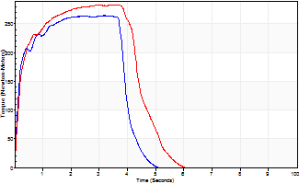
Isometric Extensors (Con) Angle 60 Time 10 Repetition 2 (Best Repetition)
 | Value | Cof Var | %BW
Peak Torque (Newton-Meters)
Right | 264 | 0.01 | 352
Left | 283 | 0.01 | 378
Deficit | 7
Average Torque (Newton-Meters)
Right | 102 | 0.03 | 134
Left | 118 | 0.01 | 158
Deficit | 14
Peak Torque Slope (Newton-Meters/Seconds)
Right | 83 | 0.05 | 111
Left | 105 | 0.18 | 139 |  | Right Side Curves Left Side Curves
Deficit | 20
Time to Half Peak Torque (Seconds)
Right | 0.15 | 0.05
Left | 0.19 | 0.04
Time to Peak Torque (Seconds)
Right | 3.28 | 0.05
Left | 3.08 | 0.2
HUMAC2015® Version: 15.000.0074 © Computer Sports Medicine, Inc. www.csmisolutions.com

