pre1
Use File, Preference to set Report Heading
Long Form Torque vs. Position Report - Knee Extension/Flexion
Name: |  |  |  | TR030_FP3040, | ID: | TR030 | Right/Left: | 15.09.2022 15.09.2022
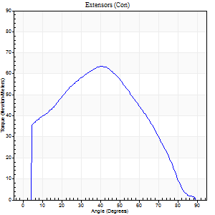
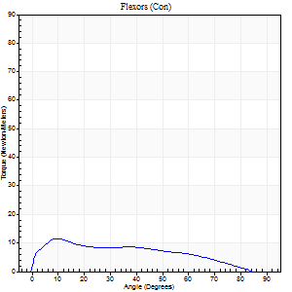
Right Side Curves Left Side Curves
Isokinetic Con/Con |  |  |  | Extensors (Con) |  | Flexors (Con)
Speed 60/60 d/s 3 Reps |  |  |  | Value | Cof Var | %BW | Value | Cof Var | %BW | Ratio

TORQUE PARAMETERS
Peak Torque (Newton-Meters - Best Repetition)
Right |  |  |  | 64 | 0.01 | 51 | 12 | 0.44 | 9 | 19
Left |  |  |  | 0 | 0 | 0 | 0 | 0 | 0 | 0
Deficit |  |  |  | 0 |  |  | 0
Work per Repetition (Newton-Meters - Best Repetition)
Right |  |  |  | 72 | 0.08 | 60 | 11 | 0.52 | 9 | 15
Left |  |  |  | 0 | 0 | 0 | 0 | 0 | 0 | 0
Deficit |  |  |  | 0 |  |  | 0
Average Power per Repetition (Watts - Best Repetition)
Right |  |  |  | 44 | 0.14 | 35 | 6 | 0.57 | 4 | 14
Left |  |  |  | 0 | 0 | 0 | 0 | 0 | 0 | 0
Deficit |  |  |  | 0 |  |  | 0
POSITION PARAMETERS
Joint Angle at Peak Torque (Degrees)
Right |  |  |  | 42 | 0.05 |  | 9 | 0.66
Left |  |  |  | 0 | 0 |  | 0 | 0
Range of Motion (Degrees)
Right |  |  |  | 0 | 0 |  | 90 | 0
Left |  |  |  | 0 | 0 |  | 0 | 0
TIME PARAMETERS
Time to Peak Torque (Seconds)
Right |  |  |  | 0.97 | 0.2 |  | 0.28 | 0.35
Left |  |  |  | 0 | 0 |  | 0 | 0
Time Peak Torque Held (Seconds)
Right |  |  |  | 0.04 | 0.57 |  | 0 | 1.73
Left |  |  |  | 0 | 0 |  | 0 | 0
Force Decay Time (Seconds)
Right |  |  |  | 0.7 | 0.03 |  | 1.48 | 0.18
Left |  |  |  | 0 | 0 |  | 0 | 0
Reciprocal Delay (Seconds)
Right |  |  |  | 0.32 | 0.66 |  | 0.83 | 0.02
Left |  |  |  | 0 | 0 |  | 0 | 0
Delay Time (Seconds)
Right |  |  |  | 0.03 | 3.68 |  | -0.06 | -0.64
Left |  |  |  | 0 | 0 |  | 0 | 0
HUMAC2015® Version: 15.000.0074 © Computer Sports Medicine, Inc. www.csmisolutions.com

Use File, Preference to set Report Heading
Long Form Torque vs. Position Report - Knee Extension/Flexion
Name: |  |  |  | TR030_FP3040, | ID: | TR030 | Right/Left: | 15.09.2022 15.09.2022
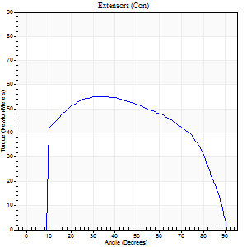
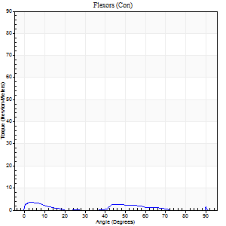
Right Side Curves Left Side Curves
Isokinetic Con/Con |  |  |  | Extensors (Con) |  | Flexors (Con)
Speed 120/120 d/s 3 Reps |  |  |  | Value | Cof Var | %BW | Value | Cof Var | %BW | Ratio

TORQUE PARAMETERS
Peak Torque (Newton-Meters - Best Repetition)
Right |  |  |  | 56 | 0.19 | 45 | 5 | 0.27 | 3 | 10
Left |  |  |  | 0 | 0 | 0 | 0 | 0 | 0 | 0
Deficit |  |  |  | 0 |  |  | 0
Work per Repetition (Newton-Meters - Best Repetition)
Right |  |  |  | 64 | 0.2 | 51 | 4 | 0.62 | 3 | 6
Left |  |  |  | 0 | 0 | 0 | 0 | 0 | 0 | 0
Deficit |  |  |  | 0 |  |  | 0
Average Power per Repetition (Watts - Best Repetition)
Right |  |  |  | 65 | 0.21 | 53 | 3 | 0.81 | 2 | 5
Left |  |  |  | 0 | 0 | 0 | 0 | 0 | 0 | 0
Deficit |  |  |  | 0 |  |  | 0
POSITION PARAMETERS
Joint Angle at Peak Torque (Degrees)
Right |  |  |  | 33 | 0.09 |  | 43 | 1.01
Left |  |  |  | 0 | 0 |  | 0 | 0
Range of Motion (Degrees)
Right |  |  |  | 0 | 0 |  | 90 | 0
Left |  |  |  | 0 | 0 |  | 0 | 0
TIME PARAMETERS
Time to Peak Torque (Seconds)
Right |  |  |  | 0.62 | 0.03 |  | 0.97 | 0.91
Left |  |  |  | 0 | 0 |  | 0 | 0
Time Peak Torque Held (Seconds)
Right |  |  |  | 0 | 0 |  | 0 | 1.73
Left |  |  |  | 0 | 0 |  | 0 | 0
Force Decay Time (Seconds)
Right |  |  |  | 0.35 | 0.07 |  | 0.56 | 1.27
Left |  |  |  | 0 | 0 |  | 0 | 0
Reciprocal Delay (Seconds)
Right |  |  |  | 0.33 | 0.13 |  | 0.79 | 0.34
Left |  |  |  | 0 | 0 |  | 0 | 0
Delay Time (Seconds)
Right |  |  |  | -0.06 | -0.33 |  | -0.15 | -0.39
Left |  |  |  | 0 | 0 |  | 0 | 0
HUMAC2015® Version: 15.000.0074 © Computer Sports Medicine, Inc. www.csmisolutions.com

Use File, Preference to set Report Heading
Long Form Torque vs. Position Report - Knee Extension/Flexion
Name: |  |  |  | TR030_FP3040, | ID: | TR030 | Right/Left: | 15.09.2022 15.09.2022
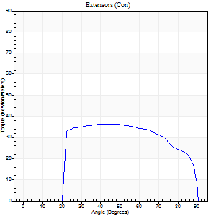
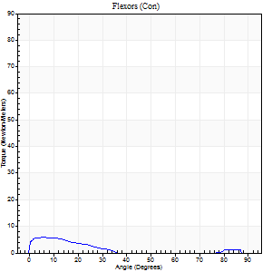
Right Side Curves Left Side Curves
Isokinetic Con/Con |  |  |  | Extensors (Con) |  | Flexors (Con)
Speed 240/240 d/s 3 Reps |  |  |  | Value | Cof Var | %BW | Value | Cof Var | %BW | Ratio

TORQUE PARAMETERS
Peak Torque (Newton-Meters - Best Repetition)
Right |  |  |  | 37 | 0.24 | 30 | 5 | 0.2 | 3 | 15
Left |  |  |  | 0 | 0 | 0 | 0 | 0 | 0 | 0
Deficit |  |  |  | 0 |  |  | 0
Work per Repetition (Newton-Meters - Best Repetition)
Right |  |  |  | 38 | 0.26 | 30 | 3 | 0.32 | 3 | 7
Left |  |  |  | 0 | 0 | 0 | 0 | 0 | 0 | 0
Deficit |  |  |  | 0 |  |  | 0
Average Power per Repetition (Watts - Best Repetition)
Right |  |  |  | 59 | 0.3 | 48 | 2 | 0.38 | 2 | 3
Left |  |  |  | 0 | 0 | 0 | 0 | 0 | 0 | 0
Deficit |  |  |  | 0 |  |  | 0
POSITION PARAMETERS
Joint Angle at Peak Torque (Degrees)
Right |  |  |  | 50 | 0.11 |  | 6 | 0.04
Left |  |  |  | 0 | 0 |  | 0 | 0
Range of Motion (Degrees)
Right |  |  |  | 0 | 0 |  | 90 | 0
Left |  |  |  | 0 | 0 |  | 0 | 0
TIME PARAMETERS
Time to Peak Torque (Seconds)
Right |  |  |  | 0.34 | 0 |  | 0.3 | 0.05
Left |  |  |  | 0 | 0 |  | 0 | 0
Time Peak Torque Held (Seconds)
Right |  |  |  | 0.01 | 1.73 |  | 0 | 0
Left |  |  |  | 0 | 0 |  | 0 | 0
Force Decay Time (Seconds)
Right |  |  |  | 0.31 | 0.18 |  | 1.12 | 0.09
Left |  |  |  | 0 | 0 |  | 0 | 0
Reciprocal Delay (Seconds)
Right |  |  |  | 0.56 | 0.53 |  | 0.9 | 0.23
Left |  |  |  | 0 | 0 |  | 0 | 0
Delay Time (Seconds)
Right |  |  |  | -0.07 | 0 |  | -0.13 | -0.05
Left |  |  |  | 0 | 0 |  | 0 | 0
HUMAC2015® Version: 15.000.0074 © Computer Sports Medicine, Inc. www.csmisolutions.com

Use File, Preference to set Report Heading
Isometric - Knee Extension/Flexion
Name: |  |  |  | TR030_FP3040, | ID: | TR030 | Right/Left: | 15.09.2022 15.09.2022

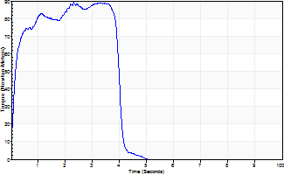
Isometric Extensors (Con) Angle 60 Time 10 Repetition 2 (Best Repetition)
 | Value | Cof Var | %BW
Peak Torque (Newton-Meters)
Right | 89 | 0.06 | 72
Left | 0 | 0 | 0
Deficit | 0
Average Torque (Newton-Meters)
Right | 33 | 0.09 | 27
Left | 0 | 0 | 0
Deficit | 0
Peak Torque Slope (Newton-Meters/Seconds)
Right | 39 | 0.37 | 31
Left | 0 | 0 | 0 |  | Right Side Curves Left Side Curves
Deficit | 0
Time to Half Peak Torque (Seconds)
Right | 0.1 | 0.42
Left | 0 | 0
Time to Peak Torque (Seconds)
Right | 2.95 | 0.31
Left | 0 | 0
HUMAC2015® Version: 15.000.0074 © Computer Sports Medicine, Inc. www.csmisolutions.com

pre2
Use File, Preference to set Report Heading
Long Form Torque vs. Position Report - Knee Extension/Flexion
Name: |  |  |  | TR030_FP3040, | ID: | TR030 | Right/Left: | 19.09.2022 19.09.2022
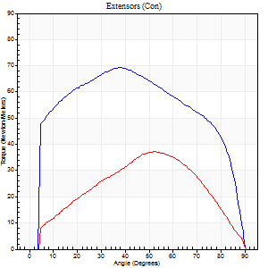
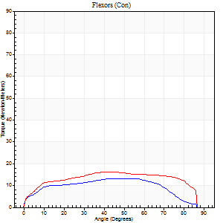
Right Side Curves Left Side Curves
Isokinetic Con/Con |  |  |  | Extensors (Con) |  | Flexors (Con)
Speed 60/60 d/s 3 Reps |  |  |  | Value | Cof Var | %BW | Value | Cof Var | %BW | Ratio

TORQUE PARAMETERS
Peak Torque (Newton-Meters - Best Repetition)
Right |  |  |  | 69 | 0.05 | 57 | 14 | 0.53 | 12 | 20
Left |  |  |  | 37 | 0.09 | 30 | 16 | 0.34 | 12 | 44
Deficit |  |  |  | 47 |  |  | 17
Work per Repetition (Newton-Meters - Best Repetition)
Right |  |  |  | 84 | 0.04 | 69 | 15 | 0.66 | 12 | 18
Left |  |  |  | 39 | 0.04 | 33 | 20 | 0.42 | 18 | 52
Deficit |  |  |  | 53 |  |  | 27
Average Power per Repetition (Watts - Best Repetition)
Right |  |  |  | 53 | 0.04 | 44 | 9 | 0.67 | 7 | 17
Left |  |  |  | 24 | 0.07 | 20 | 12 | 0.43 | 9 | 50
Deficit |  |  |  | 55 |  |  | 25
POSITION PARAMETERS
Joint Angle at Peak Torque (Degrees)
Right |  |  |  | 30 | 0.23 |  | 27 | 0.93
Left |  |  |  | 50 | 0.11 |  | 43 | 0.24
Range of Motion (Degrees)
Right |  |  |  | 0 | 0 |  | 90 | 0
Left |  |  |  | 0 | 0 |  | 89 | 0
TIME PARAMETERS
Time to Peak Torque (Seconds)
Right |  |  |  | 1.1 | 0.01 |  | 0.57 | 0.7
Left |  |  |  | 0.75 | 0.14 |  | 0.86 | 0.24
Time Peak Torque Held (Seconds)
Right |  |  |  | 0.09 | 0.43 |  | 0.04 | 0.88
Left |  |  |  | 0.11 | 1.3 |  | 0.09 | 0.87
Force Decay Time (Seconds)
Right |  |  |  | 0.45 | 0.35 |  | 1.06 | 0.43
Left |  |  |  | 0.75 | 0.19 |  | 0.68 | 0.14
Reciprocal Delay (Seconds)
Right |  |  |  | 0.28 | 0.05 |  | 0.5 | 0.3
Left |  |  |  | 0.25 | 0.14 |  | 0.33 | 0.12
Delay Time (Seconds)
Right |  |  |  | -0.02 | 0 |  | -0.05 | -0.85
Left |  |  |  | -0.04 | -0.35 |  | -0.09 | -0.29
HUMAC2015® Version: 15.000.0074 © Computer Sports Medicine, Inc. www.csmisolutions.com

Use File, Preference to set Report Heading
Long Form Torque vs. Position Report - Knee Extension/Flexion
Name: |  |  |  | TR030_FP3040, | ID: | TR030 | Right/Left: | 19.09.2022 19.09.2022
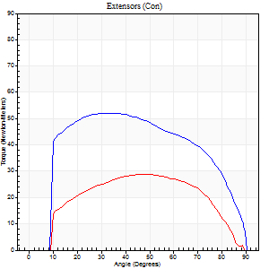
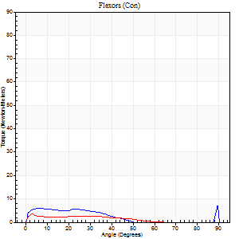
Right Side Curves Left Side Curves
Isokinetic Con/Con |  |  |  | Extensors (Con) |  | Flexors (Con)
Speed 120/120 d/s 3 Reps |  |  |  | Value | Cof Var | %BW | Value | Cof Var | %BW | Ratio

TORQUE PARAMETERS
Peak Torque (Newton-Meters - Best Repetition)
Right |  |  |  | 52 | 0.05 | 42 | 7 | 0.43 | 6 | 13
Left |  |  |  | 28 | 0.42 | 24 | 4 | 0.19 | 3 | 14
Deficit |  |  |  | 45 |  |  | 40
Work per Repetition (Newton-Meters - Best Repetition)
Right |  |  |  | 64 | 0.03 | 51 | 4 | 0.53 | 3 | 6
Left |  |  |  | 30 | 0.43 | 24 | 3 | 0.32 | 3 | 9
Deficit |  |  |  | 53 |  |  | 33
Average Power per Repetition (Watts - Best Repetition)
Right |  |  |  | 70 | 0.05 | 57 | 4 | 0.63 | 2 | 6
Left |  |  |  | 30 | 0.41 | 24 | 2 | 0.49 | 2 | 7
Deficit |  |  |  | 57 |  |  | 50
POSITION PARAMETERS
Joint Angle at Peak Torque (Degrees)
Right |  |  |  | 33 | 0.07 |  | 38 | 1.18
Left |  |  |  | 56 | 0.16 |  | 11 | 0.67
Range of Motion (Degrees)
Right |  |  |  | 0 | 0 |  | 90 | 0
Left |  |  |  | 1 | 0.25 |  | 89 | 0
TIME PARAMETERS
Time to Peak Torque (Seconds)
Right |  |  |  | 0.55 | 0.05 |  | 0.57 | 0.74
Left |  |  |  | 0.48 | 0.21 |  | 0.32 | 0.5
Time Peak Torque Held (Seconds)
Right |  |  |  | 0.02 | 1.73 |  | 0.07 | 1.6
Left |  |  |  | 0.01 | 1.73 |  | 0.04 | 1.54
Force Decay Time (Seconds)
Right |  |  |  | 0.32 | 0.17 |  | 0.63 | 0.93
Left |  |  |  | 0.5 | 0.14 |  | 0.97 | 0.11
Reciprocal Delay (Seconds)
Right |  |  |  | 0.17 | 0.25 |  | 0.44 | 0.27
Left |  |  |  | 0.12 | 0.35 |  | 0.15 | 0.14
Delay Time (Seconds)
Right |  |  |  | -0.04 | -0.2 |  | -0.06 | -0.79
Left |  |  |  | -0.03 | -1.41 |  | -0.07 | -0.17
HUMAC2015® Version: 15.000.0074 © Computer Sports Medicine, Inc. www.csmisolutions.com

Use File, Preference to set Report Heading
Long Form Torque vs. Position Report - Knee Extension/Flexion
Name: |  |  |  | TR030_FP3040, | ID: | TR030 | Right/Left: | 19.09.2022 19.09.2022
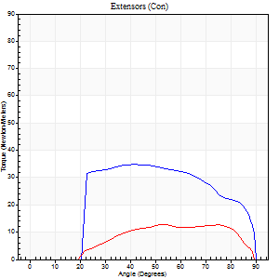
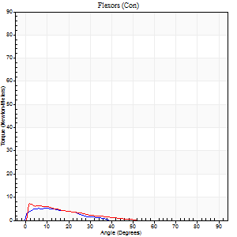
Right Side Curves Left Side Curves
Isokinetic Con/Con |  |  |  | Extensors (Con) |  | Flexors (Con)
Speed 240/240 d/s 3 Reps |  |  |  | Value | Cof Var | %BW | Value | Cof Var | %BW | Ratio

TORQUE PARAMETERS
Peak Torque (Newton-Meters - Best Repetition)
Right |  |  |  | 35 | 0.18 | 30 | 5 | 0.09 | 3 | 15
Left |  |  |  | 12 | 0.18 | 9 | 7 | 0.06 | 6 | 56
Deficit |  |  |  | 65 |  |  | 20
Work per Repetition (Newton-Meters - Best Repetition)
Right |  |  |  | 35 | 0.17 | 30 | 3 | 0.1 | 3 | 8
Left |  |  |  | 12 | 0.22 | 9 | 3 | 0.03 | 3 | 22
Deficit |  |  |  | 65 |  |  | 0
Average Power per Repetition (Watts - Best Repetition)
Right |  |  |  | 55 | 0.23 | 44 | 2 | 0.15 | 2 | 4
Left |  |  |  | 18 | 0.28 | 15 | 4 | 0.06 | 2 | 22
Deficit |  |  |  | 67 |  |  | 50
POSITION PARAMETERS
Joint Angle at Peak Torque (Degrees)
Right |  |  |  | 44 | 0.05 |  | 7 | 0.38
Left |  |  |  | 66 | 0.19 |  | 2 | 0.09
Range of Motion (Degrees)
Right |  |  |  | 0 | 0 |  | 90 | 0
Left |  |  |  | 1 | 0.04 |  | 89 | 0.01
TIME PARAMETERS
Time to Peak Torque (Seconds)
Right |  |  |  | 0.34 | 0.02 |  | 0.31 | 0.14
Left |  |  |  | 0.38 | 0.02 |  | 0.05 | 0.25
Time Peak Torque Held (Seconds)
Right |  |  |  | 0.01 | 1 |  | 0.01 | 1.73
Left |  |  |  | 0.02 | 1 |  | 0.02 | 0.87
Force Decay Time (Seconds)
Right |  |  |  | 0.29 | 0.03 |  | 0.86 | 0.15
Left |  |  |  | 0.34 | 0.16 |  | 0.77 | 0.05
Reciprocal Delay (Seconds)
Right |  |  |  | 0.2 | 0.38 |  | 0.85 | 0.09
Left |  |  |  | 0.09 | 0 |  | 0.07 | 0
Delay Time (Seconds)
Right |  |  |  | -0.06 | -0.24 |  | -0.12 | -0.08
Left |  |  |  | -0.06 | 0 |  | -0.04 | -0.13
HUMAC2015® Version: 15.000.0074 © Computer Sports Medicine, Inc. www.csmisolutions.com

Use File, Preference to set Report Heading
Isometric - Knee Extension/Flexion
Name: |  |  |  | TR030_FP3040, | ID: | TR030 | Right/Left: | 19.09.2022 19.09.2022

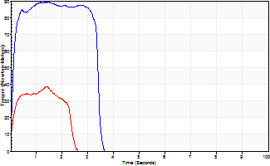
Isometric Extensors (Con) Angle 60 Time 10 Repetition 2 (Best Repetition)
 | Value | Cof Var | %BW
Peak Torque (Newton-Meters)
Right | 89 | 0.01 | 72
Left | 38 | 0.02 | 30
Deficit | 58
Average Torque (Newton-Meters)
Right | 28 | 0.06 | 24
Left | 8 | 0.18 | 6
Deficit | 71
Peak Torque Slope (Newton-Meters/Seconds)
Right | 92 | 0.27 | 75
Left | 28 | 0.12 | 22 |  | Right Side Curves Left Side Curves
Deficit | 70
Time to Half Peak Torque (Seconds)
Right | 0.09 | 0
Left | 0.16 | 0.53
Time to Peak Torque (Seconds)
Right | 1.19 | 0.29
Left | 1.5 | 0.1
HUMAC2015® Version: 15.000.0074 © Computer Sports Medicine, Inc. www.csmisolutions.com

mid1
Use File, Preference to set Report Heading
Long Form Torque vs. Position Report - Knee Extension/Flexion
Name: |  |  |  | TR030_FP3040, | ID: | TR030 | Right/Left: | 07.11.2022 07.11.2022
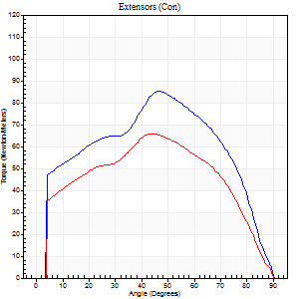
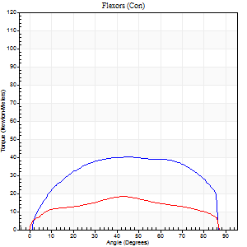
Right Side Curves Left Side Curves
Isokinetic Con/Con |  |  |  | Extensors (Con) |  | Flexors (Con)
Speed 60/60 d/s 3 Reps |  |  |  | Value | Cof Var | %BW | Value | Cof Var | %BW | Ratio

TORQUE PARAMETERS
Peak Torque (Newton-Meters - Best Repetition)
Right |  |  |  | 85 | 0.04 | 69 | 41 | 0.15 | 33 | 48
Left |  |  |  | 66 | 0.09 | 54 | 19 | 0.25 | 15 | 29
Deficit |  |  |  | 22 |  |  | 53
Work per Repetition (Newton-Meters - Best Repetition)
Right |  |  |  | 99 | 0.05 | 80 | 49 | 0.22 | 39 | 49
Left |  |  |  | 75 | 0.13 | 60 | 20 | 0.24 | 18 | 27
Deficit |  |  |  | 25 |  |  | 58
Average Power per Repetition (Watts - Best Repetition)
Right |  |  |  | 63 | 0.07 | 51 | 32 | 0.2 | 26 | 51
Left |  |  |  | 47 | 0.16 | 37 | 12 | 0.22 | 9 | 26
Deficit |  |  |  | 25 |  |  | 63
POSITION PARAMETERS
Joint Angle at Peak Torque (Degrees)
Right |  |  |  | 45 | 0.05 |  | 54 | 0.24
Left |  |  |  | 46 | 0.03 |  | 53 | 0.33
Range of Motion (Degrees)
Right |  |  |  | 0 | 0 |  | 90 | 0
Left |  |  |  | 0 | 0 |  | 90 | 0
TIME PARAMETERS
Time to Peak Torque (Seconds)
Right |  |  |  | 0.77 | 0.06 |  | 0.92 | 0.22
Left |  |  |  | 0.79 | 0.04 |  | 0.98 | 0.29
Time Peak Torque Held (Seconds)
Right |  |  |  | 0.12 | 0.86 |  | 0.05 | 0.39
Left |  |  |  | 0.04 | 0.66 |  | 0.02 | 1.73
Force Decay Time (Seconds)
Right |  |  |  | 0.68 | 0.16 |  | 0.56 | 0.47
Left |  |  |  | 0.77 | 0.04 |  | 0.61 | 0.48
Reciprocal Delay (Seconds)
Right |  |  |  | 0.19 | 0.11 |  | 0.29 | 0.36
Left |  |  |  | 0.3 | 0.02 |  | 0.38 | 0.09
Delay Time (Seconds)
Right |  |  |  | 0 | -1.41 |  | 0.03 | 1.52
Left |  |  |  | -0.01 | -1.41 |  | -0.03 | -0.17
HUMAC2015® Version: 15.000.0074 © Computer Sports Medicine, Inc. www.csmisolutions.com

Use File, Preference to set Report Heading
Long Form Torque vs. Position Report - Knee Extension/Flexion
Name: |  |  |  | TR030_FP3040, | ID: | TR030 | Right/Left: | 07.11.2022 07.11.2022
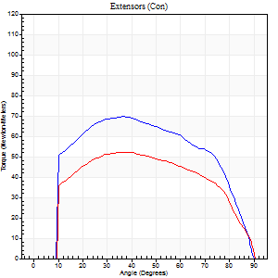
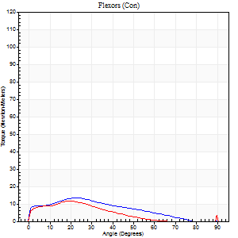
Right Side Curves Left Side Curves
Isokinetic Con/Con |  |  |  | Extensors (Con) |  | Flexors (Con)
Speed 120/120 d/s 3 Reps |  |  |  | Value | Cof Var | %BW | Value | Cof Var | %BW | Ratio

TORQUE PARAMETERS
Peak Torque (Newton-Meters - Best Repetition)
Right |  |  |  | 69 | 0.13 | 57 | 14 | 0.2 | 12 | 20
Left |  |  |  | 52 | 0.07 | 42 | 12 | 0.45 | 9 | 24
Deficit |  |  |  | 25 |  |  | 10
Work per Repetition (Newton-Meters - Best Repetition)
Right |  |  |  | 77 | 0.15 | 63 | 12 | 0.27 | 9 | 16
Left |  |  |  | 58 | 0.11 | 48 | 11 | 0.43 | 9 | 19
Deficit |  |  |  | 25 |  |  | 11
Average Power per Repetition (Watts - Best Repetition)
Right |  |  |  | 82 | 0.15 | 66 | 13 | 0.27 | 11 | 16
Left |  |  |  | 63 | 0.09 | 51 | 12 | 0.5 | 9 | 19
Deficit |  |  |  | 23 |  |  | 8
POSITION PARAMETERS
Joint Angle at Peak Torque (Degrees)
Right |  |  |  | 34 | 0.08 |  | 22 | 0.02
Left |  |  |  | 35 | 0.06 |  | 25 | 0.3
Range of Motion (Degrees)
Right |  |  |  | 0 | 0 |  | 90 | 0
Left |  |  |  | 0 | 0 |  | 90 | 0.01
TIME PARAMETERS
Time to Peak Torque (Seconds)
Right |  |  |  | 0.6 | 0.09 |  | 0.33 | 0.11
Left |  |  |  | 0.51 | 0.03 |  | 0.39 | 0.35
Time Peak Torque Held (Seconds)
Right |  |  |  | 0.04 | 0.13 |  | 0.02 | 0.5
Left |  |  |  | 0.01 | 1.73 |  | 0.01 | 0.87
Force Decay Time (Seconds)
Right |  |  |  | 0.31 | 0.07 |  | 0.57 | 0.05
Left |  |  |  | 0.37 | 0.11 |  | 0.61 | 0.3
Reciprocal Delay (Seconds)
Right |  |  |  | 0.21 | 0.54 |  | 0.39 | 0.07
Left |  |  |  | 0.16 | 0.59 |  | 0.41 | 0.13
Delay Time (Seconds)
Right |  |  |  | -0.07 | -0.2 |  | -0.05 | -0.33
Left |  |  |  | 0.09 | 1.91 |  | -0.06 | -0.44
HUMAC2015® Version: 15.000.0074 © Computer Sports Medicine, Inc. www.csmisolutions.com

Use File, Preference to set Report Heading
Long Form Torque vs. Position Report - Knee Extension/Flexion
Name: |  |  |  | TR030_FP3040, | ID: | TR030 | Right/Left: | 07.11.2022 07.11.2022
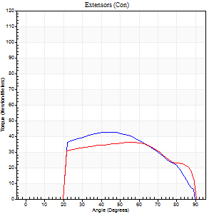
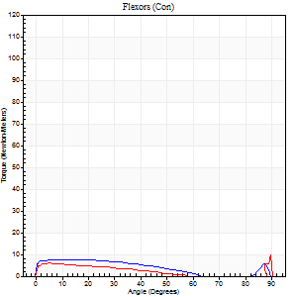
Right Side Curves Left Side Curves
Isokinetic Con/Con |  |  |  | Extensors (Con) |  | Flexors (Con)
Speed 240/240 d/s 3 Reps |  |  |  | Value | Cof Var | %BW | Value | Cof Var | %BW | Ratio

TORQUE PARAMETERS
Peak Torque (Newton-Meters - Best Repetition)
Right |  |  |  | 42 | 0.62 | 33 | 8 | 0.36 | 6 | 19
Left |  |  |  | 37 | 0.11 | 30 | 9 | 0.41 | 9 | 26
Deficit |  |  |  | 13 |  |  | 14
Work per Repetition (Newton-Meters - Best Repetition)
Right |  |  |  | 41 | 0.61 | 33 | 7 | 0.87 | 6 | 17
Left |  |  |  | 38 | 0.1 | 30 | 4 | 0.33 | 3 | 11
Deficit |  |  |  | 7 |  |  | 40
Average Power per Repetition (Watts - Best Repetition)
Right |  |  |  | 61 | 0.8 | 51 | 9 | 1.26 | 7 | 15
Left |  |  |  | 61 | 0.12 | 51 | 4 | 0.4 | 2 | 7
Deficit |  |  |  | 0 |  |  | 56
POSITION PARAMETERS
Joint Angle at Peak Torque (Degrees)
Right |  |  |  | 44 | 0.05 |  | 5 | 0.76
Left |  |  |  | 57 | 0.03 |  | 34 | 1.39
Range of Motion (Degrees)
Right |  |  |  | 0 | -1.41 |  | 90 | 0
Left |  |  |  | 0 | 0.47 |  | 90 | 0
TIME PARAMETERS
Time to Peak Torque (Seconds)
Right |  |  |  | 0.44 | 0.27 |  | 0.23 | 0.12
Left |  |  |  | 0.27 | 0 |  | 0.59 | 0.94
Time Peak Torque Held (Seconds)
Right |  |  |  | 0.01 | 1.73 |  | 0.08 | 0.07
Left |  |  |  | 0 | 1.73 |  | 0.02 | 1.73
Force Decay Time (Seconds)
Right |  |  |  | 0.3 | 0.04 |  | 1.11 | 0.6
Left |  |  |  | 0.34 | 0.04 |  | 0.57 | 0.93
Reciprocal Delay (Seconds)
Right |  |  |  | 0.37 | 1.03 |  | 0.67 | 0.23
Left |  |  |  | 0.22 | 0.06 |  | 0.37 | 0.1
Delay Time (Seconds)
Right |  |  |  | -0.13 | -0.76 |  | -0.1 | -0.3
Left |  |  |  | -0.04 | 0 |  | -0.09 | -0.16
HUMAC2015® Version: 15.000.0074 © Computer Sports Medicine, Inc. www.csmisolutions.com

Use File, Preference to set Report Heading
Isometric - Knee Extension/Flexion
Name: |  |  |  | TR030_FP3040, | ID: | TR030 | Right/Left: | 07.11.2022 07.11.2022

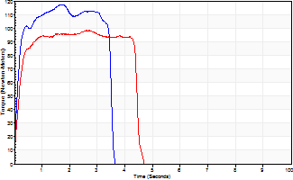
Isometric Extensors (Con) Angle 60 Time 10 Repetition 2 (Best Repetition)
 | Value | Cof Var | %BW
Peak Torque (Newton-Meters)
Right | 117 | 0.12 | 95
Left | 99 | 0.02 | 80
Deficit | 15
Average Torque (Newton-Meters)
Right | 37 | 0.06 | 30
Left | 41 | 0.17 | 33
Deficit | 10
Peak Torque Slope (Newton-Meters/Seconds)
Right | 68 | 0.2 | 55
Left | 36 | 0.02 | 30 |  | Right Side Curves Left Side Curves
Deficit | 47
Time to Half Peak Torque (Seconds)
Right | 0.14 | 0.15
Left | 0.16 | 0
Time to Peak Torque (Seconds)
Right | 1.83 | 0.09
Left | 2.7 | 0
HUMAC2015® Version: 15.000.0074 © Computer Sports Medicine, Inc. www.csmisolutions.com

post1
Use File, Preference to set Report Heading
Long Form Torque vs. Position Report - Knee Extension/Flexion
Name: |  |  |  | TR030_FP3040, | ID: | TR030 | Right/Left: | 06.12.2022 06.12.2022
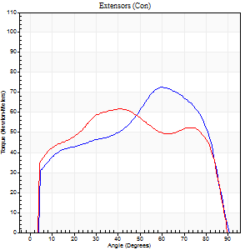
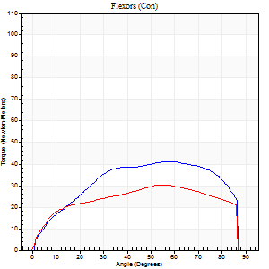
Right Side Curves Left Side Curves
Isokinetic Con/Con |  |  |  | Extensors (Con) |  | Flexors (Con)
Speed 60/60 d/s 3 Reps |  |  |  | Value | Cof Var | %BW | Value | Cof Var | %BW | Ratio

TORQUE PARAMETERS
Peak Torque (Newton-Meters - Best Repetition)
Right |  |  |  | 72 | 0.03 | 60 | 41 | 0.26 | 33 | 57
Left |  |  |  | 62 | 0.08 | 51 | 30 | 0.19 | 24 | 48
Deficit |  |  |  | 13 |  |  | 27
Work per Repetition (Newton-Meters - Best Repetition)
Right |  |  |  | 88 | 0.08 | 72 | 47 | 0.23 | 39 | 54
Left |  |  |  | 75 | 0.11 | 60 | 35 | 0.17 | 30 | 47
Deficit |  |  |  | 15 |  |  | 26
Average Power per Repetition (Watts - Best Repetition)
Right |  |  |  | 56 | 0.09 | 46 | 31 | 0.22 | 24 | 55
Left |  |  |  | 48 | 0.12 | 40 | 23 | 0.15 | 20 | 48
Deficit |  |  |  | 14 |  |  | 26
POSITION PARAMETERS
Joint Angle at Peak Torque (Degrees)
Right |  |  |  | 60 | 0.01 |  | 64 | 0.14
Left |  |  |  | 42 | 0.04 |  | 54 | 0.18
Range of Motion (Degrees)
Right |  |  |  | 0 | 0 |  | 90 | 0
Left |  |  |  | 0 | 0 |  | 90 | 0
TIME PARAMETERS
Time to Peak Torque (Seconds)
Right |  |  |  | 0.51 | 0.03 |  | 1.11 | 0.13
Left |  |  |  | 0.81 | 0.04 |  | 0.94 | 0.17
Time Peak Torque Held (Seconds)
Right |  |  |  | 0.05 | 0.47 |  | 0.1 | 0.26
Left |  |  |  | 0.04 | 0.66 |  | 0.05 | 1.73
Force Decay Time (Seconds)
Right |  |  |  | 0.99 | 0.02 |  | 0.33 | 0.41
Left |  |  |  | 0.7 | 0.01 |  | 0.56 | 0.36
Reciprocal Delay (Seconds)
Right |  |  |  | 0.21 | 0.2 |  | 0.27 | 0.11
Left |  |  |  | 0.22 | 0.03 |  | 0.25 | 0.02
Delay Time (Seconds)
Right |  |  |  | 0 | -1.41 |  | 0.01 | 2
Left |  |  |  | 0 | 1.41 |  | -0.01 | 0
HUMAC2015® Version: 15.000.0074 © Computer Sports Medicine, Inc. www.csmisolutions.com

Use File, Preference to set Report Heading
Long Form Torque vs. Position Report - Knee Extension/Flexion
Name: |  |  |  | TR030_FP3040, | ID: | TR030 | Right/Left: | 06.12.2022 06.12.2022
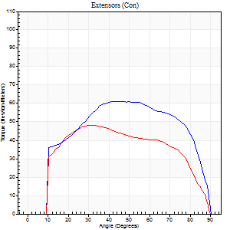
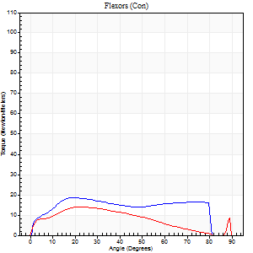
Right Side Curves Left Side Curves
Isokinetic Con/Con |  |  |  | Extensors (Con) |  | Flexors (Con)
Speed 120/120 d/s 3 Reps |  |  |  | Value | Cof Var | %BW | Value | Cof Var | %BW | Ratio

TORQUE PARAMETERS
Peak Torque (Newton-Meters - Best Repetition)
Right |  |  |  | 61 | 0.07 | 51 | 19 | 0.3 | 15 | 31
Left |  |  |  | 49 | 0.08 | 39 | 14 | 0.12 | 12 | 28
Deficit |  |  |  | 20 |  |  | 29
Work per Repetition (Newton-Meters - Best Repetition)
Right |  |  |  | 69 | 0.05 | 57 | 22 | 0.46 | 18 | 31
Left |  |  |  | 53 | 0.08 | 42 | 12 | 0.14 | 9 | 23
Deficit |  |  |  | 24 |  |  | 44
Average Power per Repetition (Watts - Best Repetition)
Right |  |  |  | 80 | 0.06 | 66 | 24 | 0.47 | 20 | 30
Left |  |  |  | 57 | 0.09 | 46 | 13 | 0.13 | 11 | 23
Deficit |  |  |  | 29 |  |  | 46
POSITION PARAMETERS
Joint Angle at Peak Torque (Degrees)
Right |  |  |  | 48 | 0.06 |  | 21 | 0.15
Left |  |  |  | 35 | 0.18 |  | 22 | 0.1
Range of Motion (Degrees)
Right |  |  |  | 0 | 0.28 |  | 90 | 0
Left |  |  |  | 0 | 0 |  | 90 | 0.01
TIME PARAMETERS
Time to Peak Torque (Seconds)
Right |  |  |  | 0.4 | 0.05 |  | 0.28 | 0.22
Left |  |  |  | 0.54 | 0.09 |  | 0.32 | 0.05
Time Peak Torque Held (Seconds)
Right |  |  |  | 0.07 | 0.28 |  | 0.04 | 1.32
Left |  |  |  | 0.01 | 1.15 |  | 0.02 | 1.73
Force Decay Time (Seconds)
Right |  |  |  | 0.39 | 0 |  | 0.57 | 0.19
Left |  |  |  | 0.35 | 0.19 |  | 0.56 | 0.06
Reciprocal Delay (Seconds)
Right |  |  |  | 0.11 | 0.07 |  | 0.2 | 0.17
Left |  |  |  | 0.14 | 0.44 |  | 0.2 | 0.06
Delay Time (Seconds)
Right |  |  |  | -0.01 | 0 |  | -0.01 | -1.73
Left |  |  |  | -0.02 | -0.85 |  | -0.04 | -0.16
HUMAC2015® Version: 15.000.0074 © Computer Sports Medicine, Inc. www.csmisolutions.com

Use File, Preference to set Report Heading
Long Form Torque vs. Position Report - Knee Extension/Flexion
Name: |  |  |  | TR030_FP3040, | ID: | TR030 | Right/Left: | 06.12.2022 06.12.2022
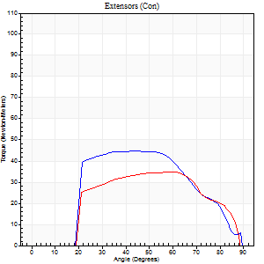
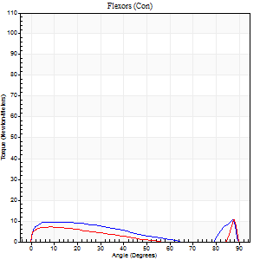
Right Side Curves Left Side Curves
Isokinetic Con/Con |  |  |  | Extensors (Con) |  | Flexors (Con)
Speed 240/240 d/s 3 Reps |  |  |  | Value | Cof Var | %BW | Value | Cof Var | %BW | Ratio

TORQUE PARAMETERS
Peak Torque (Newton-Meters - Best Repetition)
Right |  |  |  | 45 | 0.02 | 36 | 11 | 0.19 | 9 | 24
Left |  |  |  | 35 | 0.13 | 30 | 11 | 0.34 | 9 | 31
Deficit |  |  |  | 21 |  |  | 0
Work per Repetition (Newton-Meters - Best Repetition)
Right |  |  |  | 45 | 0.03 | 36 | 8 | 0.2 | 6 | 18
Left |  |  |  | 35 | 0.16 | 30 | 4 | 0.13 | 3 | 12
Deficit |  |  |  | 21 |  |  | 50
Average Power per Repetition (Watts - Best Repetition)
Right |  |  |  | 74 | 0.08 | 59 | 12 | 0.24 | 9 | 16
Left |  |  |  | 58 | 0.17 | 46 | 6 | 0.17 | 4 | 10
Deficit |  |  |  | 22 |  |  | 50
POSITION PARAMETERS
Joint Angle at Peak Torque (Degrees)
Right |  |  |  | 49 | 0.2 |  | 61 | 0.73
Left |  |  |  | 59 | 0.06 |  | 60 | 0.79
Range of Motion (Degrees)
Right |  |  |  | 0 | 0.71 |  | 89 | 0
Left |  |  |  | 0 | 0.2 |  | 90 | 0.01
TIME PARAMETERS
Time to Peak Torque (Seconds)
Right |  |  |  | 0.35 | 0.08 |  | 0.5 | 0.42
Left |  |  |  | 0.24 | 0.06 |  | 0.59 | 0.59
Time Peak Torque Held (Seconds)
Right |  |  |  | 0.03 | 0.57 |  | 0 | 1.73
Left |  |  |  | 0.02 | 0 |  | 0.06 | 1.44
Force Decay Time (Seconds)
Right |  |  |  | 0.29 | 0.14 |  | 0.18 | 1.39
Left |  |  |  | 0.34 | 0.05 |  | 0.2 | 1.3
Reciprocal Delay (Seconds)
Right |  |  |  | 0.08 | 0.09 |  | 0.3 | 0.42
Left |  |  |  | 0.14 | 0.2 |  | 0.21 | 0.2
Delay Time (Seconds)
Right |  |  |  | -0.05 | 0 |  | -0.05 | -0.29
Left |  |  |  | -0.01 | -1.41 |  | -0.07 | -0.31
HUMAC2015® Version: 15.000.0074 © Computer Sports Medicine, Inc. www.csmisolutions.com

Use File, Preference to set Report Heading
Isometric - Knee Extension/Flexion
Name: |  |  |  | TR030_FP3040, | ID: | TR030 | Right/Left: | 06.12.2022 06.12.2022

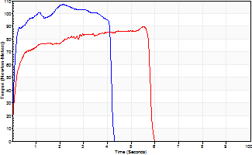
Isometric Extensors (Con) Angle 60 Time 10 Repetition 2 (Best Repetition)
 | Value | Cof Var | %BW
Peak Torque (Newton-Meters)
Right | 107 | 0 | 86
Left | 89 | 0.04 | 72
Deficit | 16
Average Torque (Newton-Meters)
Right | 41 | 0.01 | 33
Left | 46 | 0.12 | 39
Deficit | 12
Peak Torque Slope (Newton-Meters/Seconds)
Right | 50 | 0.16 | 41
Left | 21 | 0.19 | 17 |  | Right Side Curves Left Side Curves
Deficit | 58
Time to Half Peak Torque (Seconds)
Right | 0.12 | 0.35
Left | 0.12 | 0.31
Time to Peak Torque (Seconds)
Right | 2.41 | 0.16
Left | 4.75 | 0.22
HUMAC2015® Version: 15.000.0074 © Computer Sports Medicine, Inc. www.csmisolutions.com

post2
Use File, Preference to set Report Heading
Long Form Torque vs. Position Report - Knee Extension/Flexion
Name: |  |  |  | TR030_FP3040, | ID: | TR030 | Right/Left: | 08.12.2022 08.12.2022
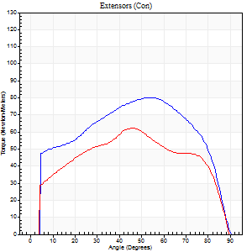
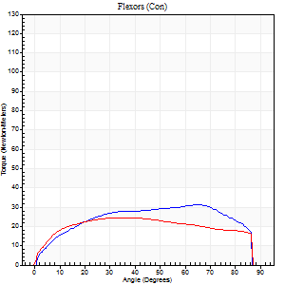
Right Side Curves Left Side Curves
Isokinetic Con/Con |  |  |  | Extensors (Con) |  | Flexors (Con)
Speed 60/60 d/s 3 Reps |  |  |  | Value | Cof Var | %BW | Value | Cof Var | %BW | Ratio

TORQUE PARAMETERS
Peak Torque (Newton-Meters - Best Repetition)
Right |  |  |  | 80 | 0.04 | 66 | 31 | 0.25 | 27 | 39
Left |  |  |  | 62 | 0.09 | 51 | 24 | 0.18 | 21 | 39
Deficit |  |  |  | 22 |  |  | 22
Work per Repetition (Newton-Meters - Best Repetition)
Right |  |  |  | 95 | 0.04 | 77 | 37 | 0.29 | 30 | 39
Left |  |  |  | 69 | 0.05 | 57 | 31 | 0.21 | 27 | 45
Deficit |  |  |  | 27 |  |  | 15
Average Power per Repetition (Watts - Best Repetition)
Right |  |  |  | 60 | 0.12 | 48 | 24 | 0.29 | 20 | 40
Left |  |  |  | 44 | 0.06 | 35 | 19 | 0.2 | 15 | 43
Deficit |  |  |  | 27 |  |  | 21
POSITION PARAMETERS
Joint Angle at Peak Torque (Degrees)
Right |  |  |  | 52 | 0.02 |  | 54 | 0.34
Left |  |  |  | 46 | 0.09 |  | 39 | 0.14
Range of Motion (Degrees)
Right |  |  |  | 0 | 0 |  | 90 | 0
Left |  |  |  | 0 | -1.41 |  | 90 | 0
TIME PARAMETERS
Time to Peak Torque (Seconds)
Right |  |  |  | 0.64 | 0.01 |  | 0.94 | 0.29
Left |  |  |  | 0.71 | 0.08 |  | 0.7 | 0.13
Time Peak Torque Held (Seconds)
Right |  |  |  | 0.06 | 0.2 |  | 0.09 | 1.18
Left |  |  |  | 0.08 | 0.62 |  | 0.13 | 0.87
Force Decay Time (Seconds)
Right |  |  |  | 0.86 | 0.02 |  | 0.51 | 0.35
Left |  |  |  | 0.74 | 0.13 |  | 0.74 | 0.13
Reciprocal Delay (Seconds)
Right |  |  |  | 0.12 | 0.17 |  | 0.31 | 0.19
Left |  |  |  | 0.19 | 0.07 |  | 0.3 | 0.13
Delay Time (Seconds)
Right |  |  |  | 0 | -1.41 |  | 0 | -7.55
Left |  |  |  | 0 | 1.41 |  | -0.02 | -0.25
HUMAC2015® Version: 15.000.0074 © Computer Sports Medicine, Inc. www.csmisolutions.com

Use File, Preference to set Report Heading
Long Form Torque vs. Position Report - Knee Extension/Flexion
Name: |  |  |  | TR030_FP3040, | ID: | TR030 | Right/Left: | 08.12.2022 08.12.2022
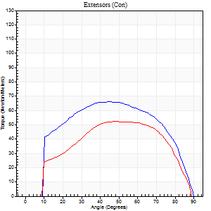
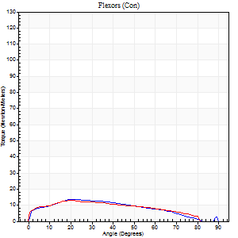
Right Side Curves Left Side Curves
Isokinetic Con/Con |  |  |  | Extensors (Con) |  | Flexors (Con)
Speed 120/120 d/s 3 Reps |  |  |  | Value | Cof Var | %BW | Value | Cof Var | %BW | Ratio

TORQUE PARAMETERS
Peak Torque (Newton-Meters - Best Repetition)
Right |  |  |  | 66 | 0.08 | 54 | 14 | 0.2 | 12 | 20
Left |  |  |  | 53 | 0.22 | 42 | 12 | 0.07 | 9 | 23
Deficit |  |  |  | 20 |  |  | 10
Work per Repetition (Newton-Meters - Best Repetition)
Right |  |  |  | 73 | 0.07 | 60 | 14 | 0.21 | 12 | 19
Left |  |  |  | 56 | 0.14 | 45 | 14 | 0.08 | 12 | 24
Deficit |  |  |  | 24 |  |  | 0
Average Power per Repetition (Watts - Best Repetition)
Right |  |  |  | 77 | 0.06 | 64 | 14 | 0.22 | 11 | 18
Left |  |  |  | 61 | 0.15 | 51 | 14 | 0.09 | 11 | 23
Deficit |  |  |  | 21 |  |  | 0
POSITION PARAMETERS
Joint Angle at Peak Torque (Degrees)
Right |  |  |  | 47 | 0.04 |  | 22 | 0.03
Left |  |  |  | 52 | 0.07 |  | 21 | 0.06
Range of Motion (Degrees)
Right |  |  |  | 0 | 1.41 |  | 90 | 0
Left |  |  |  | 0 | 1.41 |  | 89 | 0.01
TIME PARAMETERS
Time to Peak Torque (Seconds)
Right |  |  |  | 0.49 | 0.01 |  | 0.3 | 0.07
Left |  |  |  | 0.38 | 0.13 |  | 0.32 | 0.05
Time Peak Torque Held (Seconds)
Right |  |  |  | 0.04 | 0.42 |  | 0.03 | 0.58
Left |  |  |  | 0 | 1.73 |  | 0.01 | 1.73
Force Decay Time (Seconds)
Right |  |  |  | 0.43 | 0.01 |  | 0.57 | 0.03
Left |  |  |  | 0.51 | 0.07 |  | 0.58 | 0.04
Reciprocal Delay (Seconds)
Right |  |  |  | 0.13 | 0.11 |  | 0.29 | 0.12
Left |  |  |  | 0.1 | 0.28 |  | 0.23 | 0.16
Delay Time (Seconds)
Right |  |  |  | -0.07 | 0 |  | -0.02 | -0.87
Left |  |  |  | 0 | 0 |  | -0.05 | -0.12
HUMAC2015® Version: 15.000.0074 © Computer Sports Medicine, Inc. www.csmisolutions.com

Use File, Preference to set Report Heading
Long Form Torque vs. Position Report - Knee Extension/Flexion
Name: |  |  |  | TR030_FP3040, | ID: | TR030 | Right/Left: | 08.12.2022 08.12.2022
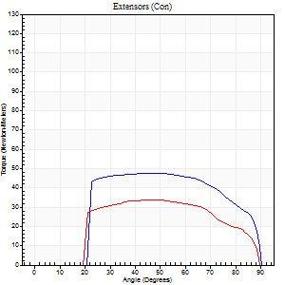
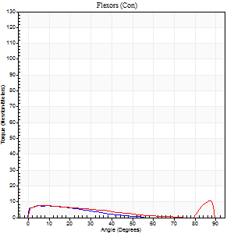
Right Side Curves Left Side Curves
Isokinetic Con/Con |  |  |  | Extensors (Con) |  | Flexors (Con)
Speed 240/240 d/s 3 Reps |  |  |  | Value | Cof Var | %BW | Value | Cof Var | %BW | Ratio

TORQUE PARAMETERS
Peak Torque (Newton-Meters - Best Repetition)
Right |  |  |  | 47 | 0.06 | 39 | 7 | 0.03 | 6 | 14
Left |  |  |  | 34 | 0.14 | 27 | 11 | 0.26 | 9 | 32
Deficit |  |  |  | 29 |  |  | 38
Work per Repetition (Newton-Meters - Best Repetition)
Right |  |  |  | 50 | 0.05 | 42 | 4 | 0.16 | 3 | 8
Left |  |  |  | 34 | 0.13 | 27 | 7 | 0.19 | 6 | 20
Deficit |  |  |  | 32 |  |  | 40
Average Power per Repetition (Watts - Best Repetition)
Right |  |  |  | 84 | 0.07 | 68 | 6 | 0.23 | 4 | 7
Left |  |  |  | 56 | 0.17 | 46 | 8 | 0.22 | 7 | 14
Deficit |  |  |  | 33 |  |  | 25
POSITION PARAMETERS
Joint Angle at Peak Torque (Degrees)
Right |  |  |  | 47 | 0.09 |  | 34 | 1.39
Left |  |  |  | 52 | 0.22 |  | 60 | 0.78
Range of Motion (Degrees)
Right |  |  |  | 0 | 4.24 |  | 90 | 0
Left |  |  |  | 0 | 0 |  | 89 | 0.01
TIME PARAMETERS
Time to Peak Torque (Seconds)
Right |  |  |  | 0.32 | 0.09 |  | 0.42 | 0.9
Left |  |  |  | 0.34 | 0.18 |  | 0.57 | 0.52
Time Peak Torque Held (Seconds)
Right |  |  |  | 0.02 | 0.92 |  | 0 | 0
Left |  |  |  | 0.01 | 0.87 |  | 0 | 1.73
Force Decay Time (Seconds)
Right |  |  |  | 0.29 | 0.13 |  | 0.39 | 0.78
Left |  |  |  | 0.31 | 0.14 |  | 0.21 | 1.45
Reciprocal Delay (Seconds)
Right |  |  |  | 0.23 | 0.12 |  | 0.34 | 0.11
Left |  |  |  | 0.08 | 0 |  | 0.31 | 0.18
Delay Time (Seconds)
Right |  |  |  | -0.06 | -0.33 |  | -0.06 | -0.1
Left |  |  |  | -0.04 | -0.2 |  | -0.08 | -0.07
HUMAC2015® Version: 15.000.0074 © Computer Sports Medicine, Inc. www.csmisolutions.com

Use File, Preference to set Report Heading
Isometric - Knee Extension/Flexion
Name: |  |  |  | TR030_FP3040, | ID: | TR030 | Right/Left: | 08.12.2022 08.12.2022

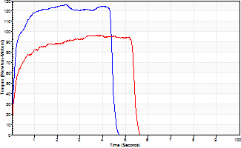
Isometric Extensors (Con) Angle 60 Time 10 Repetition 2 (Best Repetition)
 | Value | Cof Var | %BW
Peak Torque (Newton-Meters)
Right | 126 | 0.01 | 101
Left | 96 | 0.03 | 77
Deficit | 24
Average Torque (Newton-Meters)
Right | 52 | 0.02 | 42
Left | 47 | 0.29 | 39
Deficit | 8
Peak Torque Slope (Newton-Meters/Seconds)
Right | 53 | 0.39 | 43
Left | 28 | 0.07 | 23 |  | Right Side Curves Left Side Curves
Deficit | 47
Time to Half Peak Torque (Seconds)
Right | 0.11 | 0.06
Left | 0.15 | 0.19
Time to Peak Torque (Seconds)
Right | 3.24 | 0.38
Left | 3.54 | 0.1
HUMAC2015® Version: 15.000.0074 © Computer Sports Medicine, Inc. www.csmisolutions.com

