pre1
Use File, Preference to set Report Heading
Long Form Torque vs. Position Report - Knee Extension/Flexion
Name: |  |  |  | TR030_FP3041, | ID: | TR030 | Right/Left: | 13.09.2022 13.09.2022
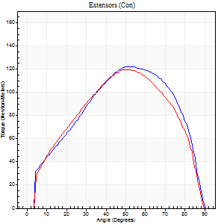
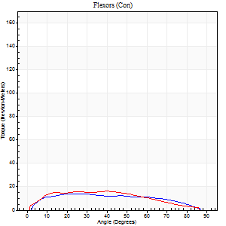
Right Side Curves Left Side Curves
Isokinetic Con/Con |  |  |  | Extensors (Con) |  | Flexors (Con)
Speed 60/60 d/s 3 Reps |  |  |  | Value | Cof Var | %BW | Value | Cof Var | %BW | Ratio

TORQUE PARAMETERS
Peak Torque (Newton-Meters - Best Repetition)
Right |  |  |  | 122 | 0.06 | 98 | 14 | 0.2 | 12 | 11
Left |  |  |  | 119 | 0.1 | 98 | 16 | 0.12 | 12 | 14
Deficit |  |  |  | 2 |  |  | 17
Work per Repetition (Newton-Meters - Best Repetition)
Right |  |  |  | 134 | 0.05 | 110 | 15 | 0.41 | 12 | 11
Left |  |  |  | 125 | 0.05 | 101 | 16 | 0.2 | 12 | 13
Deficit |  |  |  | 7 |  |  | 8
Average Power per Repetition (Watts - Best Repetition)
Right |  |  |  | 87 | 0.05 | 70 | 10 | 0.44 | 9 | 11
Left |  |  |  | 81 | 0.06 | 66 | 11 | 0.21 | 9 | 14
Deficit |  |  |  | 7 |  |  | 9
POSITION PARAMETERS
Joint Angle at Peak Torque (Degrees)
Right |  |  |  | 51 | 0.01 |  | 19 | 0.34
Left |  |  |  | 53 | 0.03 |  | 23 | 0.68
Range of Motion (Degrees)
Right |  |  |  | 0 | 0.47 |  | 90 | 0
Left |  |  |  | 0 | 1.41 |  | 90 | 0
TIME PARAMETERS
Time to Peak Torque (Seconds)
Right |  |  |  | 0.66 | 0.03 |  | 0.31 | 0.29
Left |  |  |  | 0.61 | 0.01 |  | 0.43 | 0.55
Time Peak Torque Held (Seconds)
Right |  |  |  | 0.04 | 0.35 |  | 0.01 | 1.73
Left |  |  |  | 0.07 | 0.28 |  | 0.02 | 1.73
Force Decay Time (Seconds)
Right |  |  |  | 0.84 | 0.01 |  | 1.22 | 0.1
Left |  |  |  | 0.83 | 0.03 |  | 1.11 | 0.26
Reciprocal Delay (Seconds)
Right |  |  |  | 0.15 | 0.54 |  | 0.18 | 0.06
Left |  |  |  | 0.08 | 0.35 |  | 0.21 | 0.39
Delay Time (Seconds)
Right |  |  |  | -0.01 | -1.41 |  | 0.06 | 0.09
Left |  |  |  | 0 | 0 |  | -0.02 | -1.32
HUMAC2015® Version: 15.000.0074 © Computer Sports Medicine, Inc. www.csmisolutions.com

Use File, Preference to set Report Heading
Long Form Torque vs. Position Report - Knee Extension/Flexion
Name: |  |  |  | TR030_FP3041, | ID: | TR030 | Right/Left: | 13.09.2022 13.09.2022
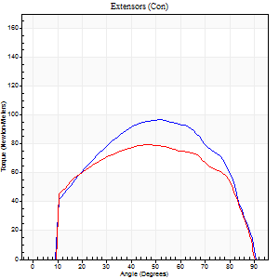
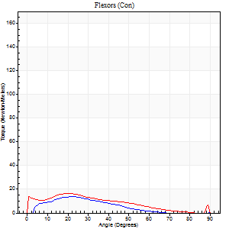
Right Side Curves Left Side Curves
Isokinetic Con/Con |  |  |  | Extensors (Con) |  | Flexors (Con)
Speed 120/120 d/s 3 Reps |  |  |  | Value | Cof Var | %BW | Value | Cof Var | %BW | Ratio

TORQUE PARAMETERS
Peak Torque (Newton-Meters - Best Repetition)
Right |  |  |  | 96 | 0.04 | 77 | 14 | 0.32 | 12 | 14
Left |  |  |  | 80 | 0.07 | 66 | 16 | 0.25 | 12 | 20
Deficit |  |  |  | 17 |  |  | 17
Work per Repetition (Newton-Meters - Best Repetition)
Right |  |  |  | 103 | 0.06 | 83 | 8 | 0.39 | 6 | 8
Left |  |  |  | 89 | 0.08 | 72 | 14 | 0.3 | 12 | 15
Deficit |  |  |  | 13 |  |  | 40
Average Power per Repetition (Watts - Best Repetition)
Right |  |  |  | 126 | 0.08 | 103 | 10 | 0.43 | 9 | 8
Left |  |  |  | 101 | 0.07 | 81 | 14 | 0.3 | 11 | 14
Deficit |  |  |  | 20 |  |  | 29
POSITION PARAMETERS
Joint Angle at Peak Torque (Degrees)
Right |  |  |  | 52 | 0.01 |  | 16 | 0.47
Left |  |  |  | 48 | 0.07 |  | 20 | 0.05
Range of Motion (Degrees)
Right |  |  |  | 1 | 0.4 |  | 90 | 0
Left |  |  |  | 0 | 0.47 |  | 89 | 0
TIME PARAMETERS
Time to Peak Torque (Seconds)
Right |  |  |  | 0.38 | 0.04 |  | 0.18 | 0.34
Left |  |  |  | 0.38 | 0.09 |  | 0.28 | 0.13
Time Peak Torque Held (Seconds)
Right |  |  |  | 0.03 | 0.33 |  | 0.01 | 1.73
Left |  |  |  | 0.03 | 0.57 |  | 0.01 | 1
Force Decay Time (Seconds)
Right |  |  |  | 0.43 | 0.05 |  | 0.72 | 0.14
Left |  |  |  | 0.45 | 0.04 |  | 0.61 | 0.04
Reciprocal Delay (Seconds)
Right |  |  |  | 0.1 | 0.28 |  | 0.1 | 0.34
Left |  |  |  | 0.09 | 0.08 |  | 0.17 | 0.13
Delay Time (Seconds)
Right |  |  |  | -0.02 | -0.28 |  | 0.03 | 1.21
Left |  |  |  | -0.02 | 0 |  | -0.04 | -0.9
HUMAC2015® Version: 15.000.0074 © Computer Sports Medicine, Inc. www.csmisolutions.com

Use File, Preference to set Report Heading
Long Form Torque vs. Position Report - Knee Extension/Flexion
Name: |  |  |  | TR030_FP3041, | ID: | TR030 | Right/Left: | 13.09.2022 13.09.2022
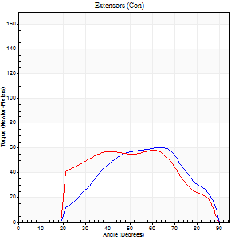
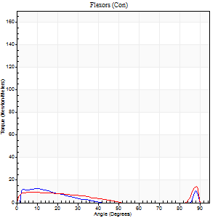
Right Side Curves Left Side Curves
Isokinetic Con/Con |  |  |  | Extensors (Con) |  | Flexors (Con)
Speed 240/240 d/s 3 Reps |  |  |  | Value | Cof Var | %BW | Value | Cof Var | %BW | Ratio

TORQUE PARAMETERS
Peak Torque (Newton-Meters - Best Repetition)
Right |  |  |  | 61 | 0.06 | 51 | 12 | 0.18 | 9 | 20
Left |  |  |  | 58 | 0.05 | 48 | 15 | 0.26 | 12 | 26
Deficit |  |  |  | 4 |  |  | 18
Work per Repetition (Newton-Meters - Best Repetition)
Right |  |  |  | 52 | 0.07 | 42 | 5 | 0.21 | 3 | 11
Left |  |  |  | 56 | 0.08 | 45 | 7 | 0.16 | 6 | 12
Deficit |  |  |  | 7 |  |  | 20
Average Power per Repetition (Watts - Best Repetition)
Right |  |  |  | 100 | 0.05 | 81 | 9 | 0.35 | 7 | 9
Left |  |  |  | 98 | 0.09 | 79 | 9 | 0.19 | 7 | 9
Deficit |  |  |  | 2 |  |  | 0
POSITION PARAMETERS
Joint Angle at Peak Torque (Degrees)
Right |  |  |  | 65 | 0.02 |  | 9 | 0.04
Left |  |  |  | 56 | 0.14 |  | 32 | 1.51
Range of Motion (Degrees)
Right |  |  |  | 2 | 0.02 |  | 90 | 0.01
Left |  |  |  | 1 | 0.18 |  | 90 | 0
TIME PARAMETERS
Time to Peak Torque (Seconds)
Right |  |  |  | 0.19 | 0.18 |  | 0.11 | 0.09
Left |  |  |  | 0.26 | 0.11 |  | 0.28 | 1.12
Time Peak Torque Held (Seconds)
Right |  |  |  | 0 | 1.73 |  | 0.01 | 1.73
Left |  |  |  | 0.01 | 0.87 |  | 0 | 0
Force Decay Time (Seconds)
Right |  |  |  | 0.31 | 0.02 |  | 0.55 | 0.15
Left |  |  |  | 0.3 | 0.15 |  | 0.4 | 0.8
Reciprocal Delay (Seconds)
Right |  |  |  | 0.07 | 0.2 |  | 0.05 | 0.12
Left |  |  |  | 0.12 | 0.28 |  | 0.1 | 0.16
Delay Time (Seconds)
Right |  |  |  | -0.03 | -0.47 |  | -0.02 | -0.25
Left |  |  |  | -0.04 | 0 |  | -0.03 | -0.33
HUMAC2015® Version: 15.000.0074 © Computer Sports Medicine, Inc. www.csmisolutions.com

Use File, Preference to set Report Heading
Isometric - Knee Extension/Flexion
Name: |  |  |  | TR030_FP3041, | ID: | TR030 | Right/Left: | 13.09.2022 13.09.2022

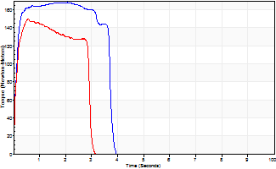
Isometric Extensors (Con) Angle 60 Time 10 Repetition 2 (Best Repetition)
 | Value | Cof Var | %BW
Peak Torque (Newton-Meters)
Right | 168 | 0.03 | 137
Left | 151 | 0.03 | 122
Deficit | 10
Average Torque (Newton-Meters)
Right | 64 | 0.07 | 51
Left | 54 | 0.24 | 45
Deficit | 15
Peak Torque Slope (Newton-Meters/Seconds)
Right | 81 | 0.16 | 66
Left | 263 | 0.8 | 214 |  | Right Side Curves Left Side Curves
Deficit | 69
Time to Half Peak Torque (Seconds)
Right | 0.11 | 0.07
Left | 0.11 | 0.2
Time to Peak Torque (Seconds)
Right | 2.3 | 0.14
Left | 1.25 | 0.78
HUMAC2015® Version: 15.000.0074 © Computer Sports Medicine, Inc. www.csmisolutions.com

pre2
Use File, Preference to set Report Heading
Long Form Torque vs. Position Report - Knee Extension/Flexion
Name: |  |  |  | TR030_FP3041, | ID: | TR030 | Right/Left: | 23.09.2022 23.09.2022
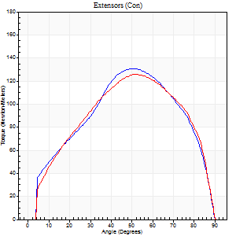
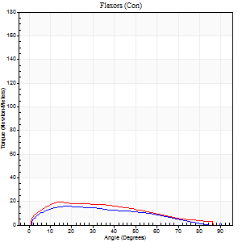
Right Side Curves Left Side Curves
Isokinetic Con/Con |  |  |  | Extensors (Con) |  | Flexors (Con)
Speed 60/60 d/s 3 Reps |  |  |  | Value | Cof Var | %BW | Value | Cof Var | %BW | Ratio

TORQUE PARAMETERS
Peak Torque (Newton-Meters - Best Repetition)
Right |  |  |  | 130 | 0.03 | 107 | 16 | 0.06 | 12 | 12
Left |  |  |  | 126 | 0.07 | 101 | 19 | 0.01 | 15 | 15
Deficit |  |  |  | 3 |  |  | 14
Work per Repetition (Newton-Meters - Best Repetition)
Right |  |  |  | 136 | 0.02 | 110 | 15 | 0.15 | 12 | 11
Left |  |  |  | 134 | 0.06 | 110 | 20 | 0.11 | 18 | 15
Deficit |  |  |  | 1 |  |  | 27
Average Power per Repetition (Watts - Best Repetition)
Right |  |  |  | 87 | 0.02 | 70 | 9 | 0.14 | 7 | 10
Left |  |  |  | 87 | 0.06 | 70 | 14 | 0.09 | 11 | 16
Deficit |  |  |  | 0 |  |  | 36
POSITION PARAMETERS
Joint Angle at Peak Torque (Degrees)
Right |  |  |  | 52 | 0.04 |  | 15 | 0.24
Left |  |  |  | 51 | 0.02 |  | 20 | 0.63
Range of Motion (Degrees)
Right |  |  |  | 0 | 0.18 |  | 90 | 0
Left |  |  |  | 0 | 1.41 |  | 90 | 0
TIME PARAMETERS
Time to Peak Torque (Seconds)
Right |  |  |  | 0.63 | 0.01 |  | 0.26 | 0.23
Left |  |  |  | 0.64 | 0.05 |  | 0.35 | 0.6
Time Peak Torque Held (Seconds)
Right |  |  |  | 0.05 | 0.69 |  | 0.03 | 0.87
Left |  |  |  | 0.05 | 0.35 |  | 0.08 | 1.32
Force Decay Time (Seconds)
Right |  |  |  | 0.83 | 0.04 |  | 1.27 | 0.03
Left |  |  |  | 0.84 | 0.05 |  | 1.08 | 0.26
Reciprocal Delay (Seconds)
Right |  |  |  | 0.12 | 0.35 |  | 0.15 | 0.22
Left |  |  |  | 0.11 | 0.06 |  | 0.15 | 0.42
Delay Time (Seconds)
Right |  |  |  | -0.01 | 0 |  | 0.04 | 0.57
Left |  |  |  | 0.01 | 0 |  | 0.01 | 1
HUMAC2015® Version: 15.000.0074 © Computer Sports Medicine, Inc. www.csmisolutions.com

Use File, Preference to set Report Heading
Long Form Torque vs. Position Report - Knee Extension/Flexion
Name: |  |  |  | TR030_FP3041, | ID: | TR030 | Right/Left: | 23.09.2022 23.09.2022
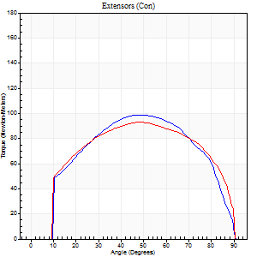
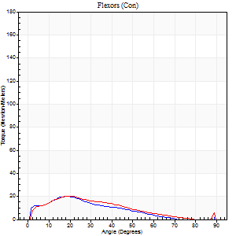
Right Side Curves Left Side Curves
Isokinetic Con/Con |  |  |  | Extensors (Con) |  | Flexors (Con)
Speed 120/120 d/s 3 Reps |  |  |  | Value | Cof Var | %BW | Value | Cof Var | %BW | Ratio

TORQUE PARAMETERS
Peak Torque (Newton-Meters - Best Repetition)
Right |  |  |  | 99 | 0.03 | 80 | 20 | 0.48 | 18 | 21
Left |  |  |  | 94 | 0.08 | 77 | 20 | 0.17 | 18 | 22
Deficit |  |  |  | 5 |  |  | 0
Work per Repetition (Newton-Meters - Best Repetition)
Right |  |  |  | 106 | 0.04 | 86 | 14 | 0.5 | 12 | 13
Left |  |  |  | 107 | 0.08 | 86 | 15 | 0.21 | 12 | 14
Deficit |  |  |  | 1 |  |  | 9
Average Power per Repetition (Watts - Best Repetition)
Right |  |  |  | 118 | 0.01 | 97 | 15 | 0.49 | 13 | 13
Left |  |  |  | 124 | 0.07 | 101 | 18 | 0.21 | 15 | 15
Deficit |  |  |  | 5 |  |  | 17
POSITION PARAMETERS
Joint Angle at Peak Torque (Degrees)
Right |  |  |  | 48 | 0.05 |  | 20 | 0.05
Left |  |  |  | 48 | 0.02 |  | 21 | 0.03
Range of Motion (Degrees)
Right |  |  |  | 1 | 0 |  | 90 | 0
Left |  |  |  | 1 | 0.06 |  | 89 | 0
TIME PARAMETERS
Time to Peak Torque (Seconds)
Right |  |  |  | 0.41 | 0.07 |  | 0.21 | 0
Left |  |  |  | 0.39 | 0 |  | 0.23 | 0.05
Time Peak Torque Held (Seconds)
Right |  |  |  | 0.04 | 0.25 |  | 0.03 | 0.94
Left |  |  |  | 0.04 | 0.16 |  | 0.01 | 0.87
Force Decay Time (Seconds)
Right |  |  |  | 0.4 | 0.1 |  | 0.63 | 0.07
Left |  |  |  | 0.39 | 0.01 |  | 0.59 | 0.02
Reciprocal Delay (Seconds)
Right |  |  |  | 0.11 | 0.07 |  | 0.09 | 0.16
Left |  |  |  | 0.07 | 0.2 |  | 0.1 | 0.3
Delay Time (Seconds)
Right |  |  |  | -0.03 | 0 |  | 0.02 | 0.87
Left |  |  |  | -0.01 | 0 |  | 0 | -1.73
HUMAC2015® Version: 15.000.0074 © Computer Sports Medicine, Inc. www.csmisolutions.com

Use File, Preference to set Report Heading
Long Form Torque vs. Position Report - Knee Extension/Flexion
Name: |  |  |  | TR030_FP3041, | ID: | TR030 | Right/Left: | 23.09.2022 23.09.2022
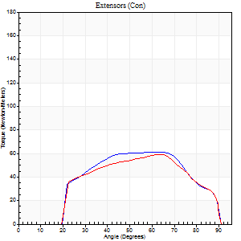
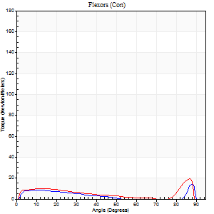
Right Side Curves Left Side Curves
Isokinetic Con/Con |  |  |  | Extensors (Con) |  | Flexors (Con)
Speed 240/240 d/s 3 Reps |  |  |  | Value | Cof Var | %BW | Value | Cof Var | %BW | Ratio

TORQUE PARAMETERS
Peak Torque (Newton-Meters - Best Repetition)
Right |  |  |  | 61 | 0.02 | 51 | 14 | 0.34 | 12 | 22
Left |  |  |  | 60 | 0.06 | 48 | 19 | 0.38 | 15 | 32
Deficit |  |  |  | 2 |  |  | 29
Work per Repetition (Newton-Meters - Best Repetition)
Right |  |  |  | 60 | 0.02 | 48 | 5 | 0.25 | 3 | 9
Left |  |  |  | 58 | 0.04 | 48 | 9 | 0.69 | 9 | 16
Deficit |  |  |  | 2 |  |  | 43
Average Power per Repetition (Watts - Best Repetition)
Right |  |  |  | 114 | 0.01 | 92 | 9 | 0.29 | 7 | 8
Left |  |  |  | 119 | 0.06 | 97 | 18 | 0.39 | 15 | 15
Deficit |  |  |  | 4 |  |  | 50
POSITION PARAMETERS
Joint Angle at Peak Torque (Degrees)
Right |  |  |  | 52 | 0.2 |  | 62 | 0.74
Left |  |  |  | 53 | 0.15 |  | 35 | 1.26
Range of Motion (Degrees)
Right |  |  |  | 2 | 0.05 |  | 90 | 0
Left |  |  |  | 1 | 0.13 |  | 89 | 0.01
TIME PARAMETERS
Time to Peak Torque (Seconds)
Right |  |  |  | 0.26 | 0 |  | 0.45 | 0.62
Left |  |  |  | 0.23 | 0 |  | 0.12 | 0.35
Time Peak Torque Held (Seconds)
Right |  |  |  | 0.02 | 1.32 |  | 0 | 0
Left |  |  |  | 0.01 | 1 |  | 0.01 | 1.73
Force Decay Time (Seconds)
Right |  |  |  | 0.25 | 0.08 |  | 0.21 | 1.4
Left |  |  |  | 0.27 | 0.17 |  | 0.29 | 0.8
Reciprocal Delay (Seconds)
Right |  |  |  | 0.05 | 0.13 |  | 0.05 | 0.11
Left |  |  |  | 0.04 | 0.2 |  | 0.06 | 0.09
Delay Time (Seconds)
Right |  |  |  | -0.02 | -0.28 |  | -0.01 | 0
Left |  |  |  | -0.01 | -0.47 |  | 0.13 | 2.07
HUMAC2015® Version: 15.000.0074 © Computer Sports Medicine, Inc. www.csmisolutions.com

Use File, Preference to set Report Heading
Isometric - Knee Extension/Flexion
Name: |  |  |  | TR030_FP3041, | ID: | TR030 | Right/Left: | 23.09.2022 23.09.2022

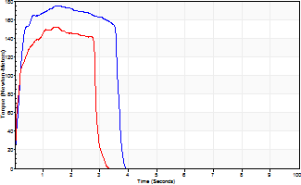
Isometric Extensors (Con) Angle 60 Time 10 Repetition 2 (Best Repetition)
 | Value | Cof Var | %BW
Peak Torque (Newton-Meters)
Right | 175 | 0.01 | 143
Left | 152 | 0.08 | 122
Deficit | 13
Average Torque (Newton-Meters)
Right | 58 | 0.03 | 48
Left | 46 | 0.11 | 39
Deficit | 21
Peak Torque Slope (Newton-Meters/Seconds)
Right | 218 | 0.46 | 177
Left | 109 | 0.02 | 89 |  | Right Side Curves Left Side Curves
Deficit | 50
Time to Half Peak Torque (Seconds)
Right | 0.14 | 0.24
Left | 0.14 | 0.2
Time to Peak Torque (Seconds)
Right | 1.18 | 0.48
Left | 1.33 | 0.1
HUMAC2015® Version: 15.000.0074 © Computer Sports Medicine, Inc. www.csmisolutions.com

mid1
Use File, Preference to set Report Heading
Long Form Torque vs. Position Report - Knee Extension/Flexion
Name: |  |  |  | TR030_FP3041, | ID: | TR030 | Right/Left: | 02.11.2022 02.11.2022
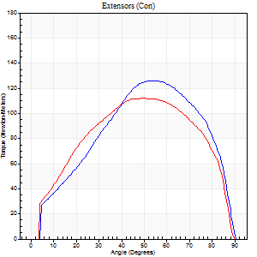
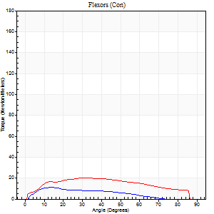
Right Side Curves Left Side Curves
Isokinetic Con/Con |  |  |  | Extensors (Con) |  | Flexors (Con)
Speed 60/60 d/s 3 Reps |  |  |  | Value | Cof Var | %BW | Value | Cof Var | %BW | Ratio

TORQUE PARAMETERS
Peak Torque (Newton-Meters - Best Repetition)
Right |  |  |  | 126 | 0.04 | 101 | 11 | 0.1 | 9 | 9
Left |  |  |  | 113 | 0.04 | 92 | 20 | 0.23 | 18 | 18
Deficit |  |  |  | 11 |  |  | 47
Work per Repetition (Newton-Meters - Best Repetition)
Right |  |  |  | 127 | 0.03 | 104 | 8 | 0.13 | 6 | 6
Left |  |  |  | 123 | 0.04 | 101 | 22 | 0.35 | 18 | 18
Deficit |  |  |  | 3 |  |  | 63
Average Power per Repetition (Watts - Best Repetition)
Right |  |  |  | 82 | 0.02 | 66 | 5 | 0.12 | 4 | 6
Left |  |  |  | 81 | 0.04 | 66 | 14 | 0.37 | 11 | 17
Deficit |  |  |  | 1 |  |  | 64
POSITION PARAMETERS
Joint Angle at Peak Torque (Degrees)
Right |  |  |  | 54 | 0.02 |  | 14 | 0.01
Left |  |  |  | 53 | 0.06 |  | 25 | 0.47
Range of Motion (Degrees)
Right |  |  |  | 1 | 0 |  | 90 | 0
Left |  |  |  | 0 | 0.09 |  | 88 | 0.02
TIME PARAMETERS
Time to Peak Torque (Seconds)
Right |  |  |  | 0.61 | 0.01 |  | 0.23 | 0.02
Left |  |  |  | 0.64 | 0.08 |  | 0.44 | 0.41
Time Peak Torque Held (Seconds)
Right |  |  |  | 0.06 | 0.27 |  | 0.03 | 0.92
Left |  |  |  | 0.07 | 0.43 |  | 0.07 | 0.87
Force Decay Time (Seconds)
Right |  |  |  | 0.86 | 0.01 |  | 1.3 | 0.01
Left |  |  |  | 0.83 | 0.1 |  | 1.02 | 0.28
Reciprocal Delay (Seconds)
Right |  |  |  | 0.1 | 0.42 |  | 0.11 | 0.44
Left |  |  |  | 0.08 | 0.28 |  | 0.12 | 0.17
Delay Time (Seconds)
Right |  |  |  | -0.01 | -1.41 |  | 0.02 | 0.69
Left |  |  |  | 0 | -1.41 |  | 0 | 0
HUMAC2015® Version: 15.000.0074 © Computer Sports Medicine, Inc. www.csmisolutions.com

Use File, Preference to set Report Heading
Long Form Torque vs. Position Report - Knee Extension/Flexion
Name: |  |  |  | TR030_FP3041, | ID: | TR030 | Right/Left: | 02.11.2022 02.11.2022
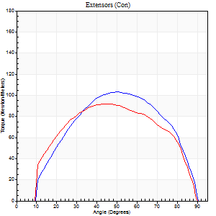
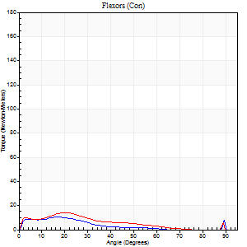
Right Side Curves Left Side Curves
Isokinetic Con/Con |  |  |  | Extensors (Con) |  | Flexors (Con)
Speed 120/120 d/s 3 Reps |  |  |  | Value | Cof Var | %BW | Value | Cof Var | %BW | Ratio

TORQUE PARAMETERS
Peak Torque (Newton-Meters - Best Repetition)
Right |  |  |  | 103 | 0.02 | 83 | 11 | 0.12 | 9 | 11
Left |  |  |  | 92 | 0.03 | 75 | 14 | 0.35 | 12 | 15
Deficit |  |  |  | 11 |  |  | 20
Work per Repetition (Newton-Meters - Best Repetition)
Right |  |  |  | 104 | 0.01 | 86 | 5 | 0.05 | 3 | 5
Left |  |  |  | 98 | 0.01 | 80 | 9 | 0.44 | 9 | 10
Deficit |  |  |  | 6 |  |  | 43
Average Power per Repetition (Watts - Best Repetition)
Right |  |  |  | 125 | 0.01 | 101 | 7 | 0.04 | 7 | 6
Left |  |  |  | 118 | 0.01 | 97 | 11 | 0.51 | 9 | 9
Deficit |  |  |  | 6 |  |  | 36
POSITION PARAMETERS
Joint Angle at Peak Torque (Degrees)
Right |  |  |  | 51 | 0.02 |  | 13 | 0.59
Left |  |  |  | 46 | 0.01 |  | 20 | 0.03
Range of Motion (Degrees)
Right |  |  |  | 1 | 0.19 |  | 90 | 0
Left |  |  |  | 1 | 0 |  | 89 | 0.01
TIME PARAMETERS
Time to Peak Torque (Seconds)
Right |  |  |  | 0.37 | 0.04 |  | 0.14 | 0.57
Left |  |  |  | 0.4 | 0 |  | 0.24 | 0.07
Time Peak Torque Held (Seconds)
Right |  |  |  | 0.03 | 0.22 |  | 0.08 | 1.39
Left |  |  |  | 0.03 | 0.46 |  | 0.02 | 1.25
Force Decay Time (Seconds)
Right |  |  |  | 0.42 | 0 |  | 0.65 | 0.05
Left |  |  |  | 0.38 | 0.05 |  | 0.65 | 0.14
Reciprocal Delay (Seconds)
Right |  |  |  | 0.08 | 0.09 |  | 0.06 | 0
Left |  |  |  | 0.07 | 0 |  | 0.07 | 0.14
Delay Time (Seconds)
Right |  |  |  | -0.01 | -0.47 |  | 0 | -1.73
Left |  |  |  | -0.01 | -0.47 |  | -0.01 | 0
HUMAC2015® Version: 15.000.0074 © Computer Sports Medicine, Inc. www.csmisolutions.com

Use File, Preference to set Report Heading
Long Form Torque vs. Position Report - Knee Extension/Flexion
Name: |  |  |  | TR030_FP3041, | ID: | TR030 | Right/Left: | 02.11.2022 02.11.2022
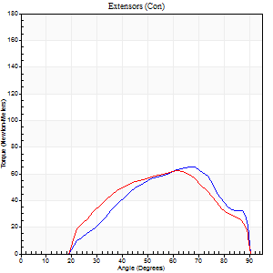
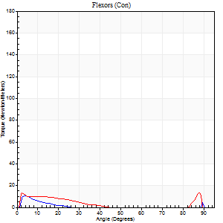
Right Side Curves Left Side Curves
Isokinetic Con/Con |  |  |  | Extensors (Con) |  | Flexors (Con)
Speed 240/240 d/s 3 Reps |  |  |  | Value | Cof Var | %BW | Value | Cof Var | %BW | Ratio

TORQUE PARAMETERS
Peak Torque (Newton-Meters - Best Repetition)
Right |  |  |  | 65 | 0.04 | 54 | 11 | 0.02 | 9 | 17
Left |  |  |  | 62 | 0.07 | 51 | 14 | 0.18 | 12 | 22
Deficit |  |  |  | 4 |  |  | 20
Work per Repetition (Newton-Meters - Best Repetition)
Right |  |  |  | 54 | 0.05 | 45 | 4 | 0.28 | 3 | 8
Left |  |  |  | 54 | 0.06 | 45 | 5 | 0.24 | 3 | 10
Deficit |  |  |  | 0 |  |  | 25
Average Power per Repetition (Watts - Best Repetition)
Right |  |  |  | 108 | 0.07 | 88 | 5 | 0.4 | 4 | 5
Left |  |  |  | 102 | 0.03 | 84 | 9 | 0.34 | 7 | 9
Deficit |  |  |  | 6 |  |  | 44
POSITION PARAMETERS
Joint Angle at Peak Torque (Degrees)
Right |  |  |  | 65 | 0.03 |  | 4 | 0.09
Left |  |  |  | 63 | 0.02 |  | 2 | 0.09
Range of Motion (Degrees)
Right |  |  |  | 2 | 0.02 |  | 90 | 0
Left |  |  |  | 1 | 0.03 |  | 89 | 0.01
TIME PARAMETERS
Time to Peak Torque (Seconds)
Right |  |  |  | 0.2 | 0.24 |  | 0.06 | 0.1
Left |  |  |  | 0.18 | 0.04 |  | 0.04 | 0.13
Time Peak Torque Held (Seconds)
Right |  |  |  | 0.01 | 0.87 |  | 0.01 | 0.87
Left |  |  |  | 0.01 | 0.87 |  | 0.18 | 1.69
Force Decay Time (Seconds)
Right |  |  |  | 0.3 | 0.02 |  | 0.7 | 0.21
Left |  |  |  | 0.3 | 0.05 |  | 0.44 | 0.83
Reciprocal Delay (Seconds)
Right |  |  |  | 0.12 | 0.31 |  | 0.05 | 0.12
Left |  |  |  | 0.05 | 0.13 |  | 0.05 | 0.11
Delay Time (Seconds)
Right |  |  |  | -0.04 | -0.47 |  | -0.02 | -0.25
Left |  |  |  | -0.02 | 0 |  | -0.03 | -0.17
HUMAC2015® Version: 15.000.0074 © Computer Sports Medicine, Inc. www.csmisolutions.com

Use File, Preference to set Report Heading
Isometric - Knee Extension/Flexion
Name: |  |  |  | TR030_FP3041, | ID: | TR030 | Right/Left: | 02.11.2022 02.11.2022

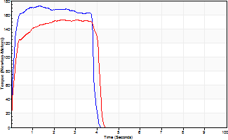
Isometric Extensors (Con) Angle 60 Time 10 Repetition 2 (Best Repetition)
 | Value | Cof Var | %BW
Peak Torque (Newton-Meters)
Right | 172 | 0.01 | 140
Left | 153 | 0.05 | 125
Deficit | 11
Average Torque (Newton-Meters)
Right | 68 | 0.06 | 57
Left | 58 | 0.01 | 48
Deficit | 14
Peak Torque Slope (Newton-Meters/Seconds)
Right | 133 | 0.57 | 108
Left | 51 | 0.12 | 41 |  | Right Side Curves Left Side Curves
Deficit | 62
Time to Half Peak Torque (Seconds)
Right | 0.11 | 0.06
Left | 0.16 | 0.05
Time to Peak Torque (Seconds)
Right | 2.13 | 0.56
Left | 3.18 | 0.07
HUMAC2015® Version: 15.000.0074 © Computer Sports Medicine, Inc. www.csmisolutions.com

mid2
Use File, Preference to set Report Heading
Long Form Torque vs. Position Report - Knee Extension/Flexion
Name: |  |  |  | TR030_FP3041, | ID: | TR030 | Right/Left: | 07.11.2022 07.11.2022
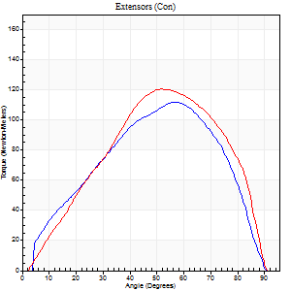
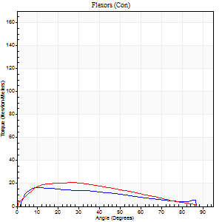
Right Side Curves Left Side Curves
Isokinetic Con/Con |  |  |  | Extensors (Con) |  | Flexors (Con)
Speed 60/60 d/s 3 Reps |  |  |  | Value | Cof Var | %BW | Value | Cof Var | %BW | Ratio

TORQUE PARAMETERS
Peak Torque (Newton-Meters - Best Repetition)
Right |  |  |  | 111 | 0.02 | 89 | 16 | 0.07 | 12 | 15
Left |  |  |  | 121 | 0.06 | 98 | 20 | 0.28 | 18 | 17
Deficit |  |  |  | 8 |  |  | 20
Work per Repetition (Newton-Meters - Best Repetition)
Right |  |  |  | 110 | 0.01 | 89 | 16 | 0.12 | 12 | 15
Left |  |  |  | 123 | 0.03 | 101 | 20 | 0.33 | 18 | 16
Deficit |  |  |  | 11 |  |  | 20
Average Power per Repetition (Watts - Best Repetition)
Right |  |  |  | 73 | 0.02 | 59 | 10 | 0.1 | 9 | 14
Left |  |  |  | 80 | 0.03 | 66 | 13 | 0.33 | 11 | 16
Deficit |  |  |  | 9 |  |  | 23
POSITION PARAMETERS
Joint Angle at Peak Torque (Degrees)
Right |  |  |  | 55 | 0.04 |  | 15 | 0.31
Left |  |  |  | 51 | 0.01 |  | 21 | 0.35
Range of Motion (Degrees)
Right |  |  |  | 1 | 0.04 |  | 90 | 0
Left |  |  |  | 0 | 0 |  | 90 | 0.01
TIME PARAMETERS
Time to Peak Torque (Seconds)
Right |  |  |  | 0.62 | 0.01 |  | 0.25 | 0.3
Left |  |  |  | 0.65 | 0 |  | 0.38 | 0.34
Time Peak Torque Held (Seconds)
Right |  |  |  | 0.04 | 0.25 |  | 0.03 | 1.73
Left |  |  |  | 0.07 | 0.29 |  | 0.07 | 1.36
Force Decay Time (Seconds)
Right |  |  |  | 0.86 | 0.03 |  | 1.2 | 0.02
Left |  |  |  | 0.8 | 0.03 |  | 1.1 | 0.05
Reciprocal Delay (Seconds)
Right |  |  |  | 0.07 | 0 |  | 0.07 | 0.09
Left |  |  |  | 0.06 | 0 |  | 0.1 | 0.2
Delay Time (Seconds)
Right |  |  |  | 0 | 0 |  | 0.01 | 1
Left |  |  |  | 0 | 1.41 |  | -0.01 | -4.33
HUMAC2015® Version: 15.000.0074 © Computer Sports Medicine, Inc. www.csmisolutions.com

Use File, Preference to set Report Heading
Long Form Torque vs. Position Report - Knee Extension/Flexion
Name: |  |  |  | TR030_FP3041, | ID: | TR030 | Right/Left: | 07.11.2022 07.11.2022
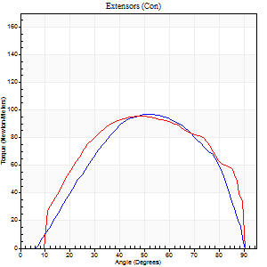
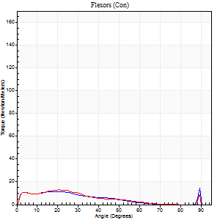
Right Side Curves Left Side Curves
Isokinetic Con/Con |  |  |  | Extensors (Con) |  | Flexors (Con)
Speed 120/120 d/s 3 Reps |  |  |  | Value | Cof Var | %BW | Value | Cof Var | %BW | Ratio

TORQUE PARAMETERS
Peak Torque (Newton-Meters - Best Repetition)
Right |  |  |  | 98 | 0.03 | 80 | 15 | 0.12 | 12 | 15
Left |  |  |  | 96 | 0.08 | 77 | 14 | 0.26 | 12 | 14
Deficit |  |  |  | 1 |  |  | 9
Work per Repetition (Newton-Meters - Best Repetition)
Right |  |  |  | 96 | 0.05 | 77 | 9 | 0.85 | 9 | 10
Left |  |  |  | 104 | 0.09 | 86 | 8 | 0.3 | 6 | 8
Deficit |  |  |  | 8 |  |  | 14
Average Power per Repetition (Watts - Best Repetition)
Right |  |  |  | 116 | 0.05 | 95 | 11 | 0.77 | 9 | 9
Left |  |  |  | 125 | 0.09 | 101 | 10 | 0.35 | 9 | 8
Deficit |  |  |  | 7 |  |  | 9
POSITION PARAMETERS
Joint Angle at Peak Torque (Degrees)
Right |  |  |  | 52 | 0 |  | 41 | 1.03
Left |  |  |  | 47 | 0.03 |  | 21 | 0.03
Range of Motion (Degrees)
Right |  |  |  | 1 | 0 |  | 90 | 0
Left |  |  |  | 1 | 0 |  | 89 | 0
TIME PARAMETERS
Time to Peak Torque (Seconds)
Right |  |  |  | 0.35 | 0 |  | 0.21 | 0.12
Left |  |  |  | 0.4 | 0.04 |  | 0.26 | 0.14
Time Peak Torque Held (Seconds)
Right |  |  |  | 0.04 | 0.42 |  | 0.01 | 0.87
Left |  |  |  | 0.04 | 0.16 |  | 0.01 | 0.87
Force Decay Time (Seconds)
Right |  |  |  | 0.42 | 0.05 |  | 0.43 | 0.89
Left |  |  |  | 0.38 | 0.02 |  | 0.62 | 0.02
Reciprocal Delay (Seconds)
Right |  |  |  | 0.09 | 0.08 |  | 0.05 | 0.11
Left |  |  |  | 0.09 | 0.08 |  | 0.08 | 0.2
Delay Time (Seconds)
Right |  |  |  | -0.01 | 0 |  | 0.18 | 2.02
Left |  |  |  | -0.01 | -0.47 |  | -0.01 | -0.43
HUMAC2015® Version: 15.000.0074 © Computer Sports Medicine, Inc. www.csmisolutions.com

Use File, Preference to set Report Heading
Long Form Torque vs. Position Report - Knee Extension/Flexion
Name: |  |  |  | TR030_FP3041, | ID: | TR030 | Right/Left: | 07.11.2022 07.11.2022
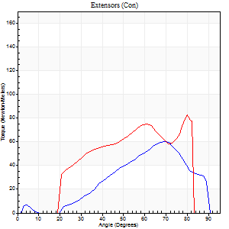
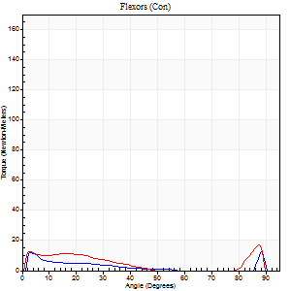
Right Side Curves Left Side Curves
Isokinetic Con/Con |  |  |  | Extensors (Con) |  | Flexors (Con)
Speed 240/240 d/s 3 Reps |  |  |  | Value | Cof Var | %BW | Value | Cof Var | %BW | Ratio

TORQUE PARAMETERS
Peak Torque (Newton-Meters - Best Repetition)
Right |  |  |  | 60 | 0.05 | 48 | 12 | 0.09 | 9 | 20
Left |  |  |  | 83 | 0.24 | 69 | 16 | 0.25 | 12 | 20
Deficit |  |  |  | 28 |  |  | 25
Work per Repetition (Newton-Meters - Best Repetition)
Right |  |  |  | 43 | 0.08 | 36 | 4 | 0.71 | 3 | 9
Left |  |  |  | 66 | 0.21 | 54 | 7 | 0.68 | 6 | 10
Deficit |  |  |  | 35 |  |  | 40
Average Power per Repetition (Watts - Best Repetition)
Right |  |  |  | 86 | 0.09 | 70 | 6 | 0.53 | 4 | 7
Left |  |  |  | 137 | 0.23 | 112 | 10 | 0.4 | 9 | 7
Deficit |  |  |  | 37 |  |  | 40
POSITION PARAMETERS
Joint Angle at Peak Torque (Degrees)
Right |  |  |  | 68 | 0.02 |  | 31 | 1.59
Left |  |  |  | 69 | 0.14 |  | 59 | 0.83
Range of Motion (Degrees)
Right |  |  |  | 2 | 0.07 |  | 90 | 0
Left |  |  |  | 1 | 0.06 |  | 87 | 0.04
TIME PARAMETERS
Time to Peak Torque (Seconds)
Right |  |  |  | 0.18 | 0 |  | 0.09 | 1.18
Left |  |  |  | 0.17 | 0 |  | 0.29 | 0.98
Time Peak Torque Held (Seconds)
Right |  |  |  | 0 | 1.73 |  | 0 | 0
Left |  |  |  | 0 | 1.73 |  | 0 | 1.73
Force Decay Time (Seconds)
Right |  |  |  | 0.32 | 0.04 |  | 0.44 | 0.79
Left |  |  |  | 0.35 | 0.2 |  | 0.23 | 1.58
Reciprocal Delay (Seconds)
Right |  |  |  | 0.06 | 0.11 |  | 0.04 | 0
Left |  |  |  | 0.05 | 0.16 |  | 0.05 | 0
Delay Time (Seconds)
Right |  |  |  | -0.03 | 0 |  | 0.11 | 2.04
Left |  |  |  | -0.02 | 0 |  | 0.08 | 2.36
HUMAC2015® Version: 15.000.0074 © Computer Sports Medicine, Inc. www.csmisolutions.com

Use File, Preference to set Report Heading
Isometric - Knee Extension/Flexion
Name: |  |  |  | TR030_FP3041, | ID: | TR030 | Right/Left: | 07.11.2022 07.11.2022

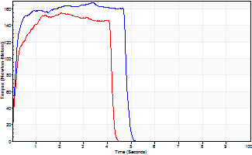
Isometric Extensors (Con) Angle 60 Time 10 Repetition 2 (Best Repetition)
 | Value | Cof Var | %BW
Peak Torque (Newton-Meters)
Right | 168 | 0.07 | 137
Left | 155 | 0.11 | 125
Deficit | 8
Average Torque (Newton-Meters)
Right | 75 | 0.02 | 60
Left | 58 | 0.04 | 48
Deficit | 22
Peak Torque Slope (Newton-Meters/Seconds)
Right | 110 | 0.53 | 90
Left | 75 | 0.07 | 61 |  | Right Side Curves Left Side Curves
Deficit | 32
Time to Half Peak Torque (Seconds)
Right | 0.16 | 0.27
Left | 0.14 | 0.24
Time to Peak Torque (Seconds)
Right | 2.36 | 0.59
Left | 1.99 | 0.04
HUMAC2015® Version: 15.000.0074 © Computer Sports Medicine, Inc. www.csmisolutions.com

post1
Use File, Preference to set Report Heading
Long Form Torque vs. Position Report - Knee Extension/Flexion
Name: |  |  |  | TR030_FP3041, | ID: | TR030 | Right/Left: | 29.11.2022 29.11.2022
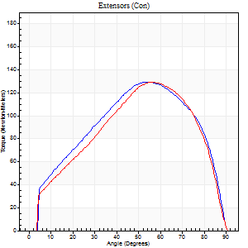
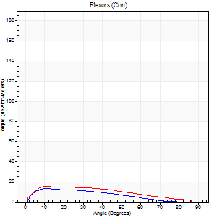
Right Side Curves Left Side Curves
Isokinetic Con/Con |  |  |  | Extensors (Con) |  | Flexors (Con)
Speed 60/60 d/s 3 Reps |  |  |  | Value | Cof Var | %BW | Value | Cof Var | %BW | Ratio

TORQUE PARAMETERS
Peak Torque (Newton-Meters - Best Repetition)
Right |  |  |  | 130 | 0.03 | 107 | 14 | 0.19 | 12 | 10
Left |  |  |  | 129 | 0.05 | 104 | 15 | 0.05 | 12 | 12
Deficit |  |  |  | 1 |  |  | 9
Work per Repetition (Newton-Meters - Best Repetition)
Right |  |  |  | 137 | 0.05 | 110 | 11 | 0.14 | 9 | 8
Left |  |  |  | 130 | 0.03 | 107 | 15 | 0.09 | 12 | 11
Deficit |  |  |  | 5 |  |  | 27
Average Power per Repetition (Watts - Best Repetition)
Right |  |  |  | 89 | 0.05 | 73 | 7 | 0.13 | 7 | 8
Left |  |  |  | 83 | 0.02 | 68 | 9 | 0.08 | 7 | 11
Deficit |  |  |  | 7 |  |  | 22
POSITION PARAMETERS
Joint Angle at Peak Torque (Degrees)
Right |  |  |  | 55 | 0.03 |  | 21 | 0.4
Left |  |  |  | 55 | 0.03 |  | 19 | 0.58
Range of Motion (Degrees)
Right |  |  |  | 1 | 0.05 |  | 90 | 0
Left |  |  |  | 0 | 0.24 |  | 90 | 0
TIME PARAMETERS
Time to Peak Torque (Seconds)
Right |  |  |  | 0.61 | 0.13 |  | 0.36 | 0.39
Left |  |  |  | 0.6 | 0.06 |  | 0.36 | 0.56
Time Peak Torque Held (Seconds)
Right |  |  |  | 0.06 | 0.24 |  | 0.03 | 0.92
Left |  |  |  | 0.06 | 0.44 |  | 0 | 1.73
Force Decay Time (Seconds)
Right |  |  |  | 0.85 | 0.02 |  | 1.17 | 0.12
Left |  |  |  | 0.88 | 0.03 |  | 1.19 | 0.17
Reciprocal Delay (Seconds)
Right |  |  |  | 0.11 | 0.2 |  | 0.08 | 0.18
Left |  |  |  | 0.09 | 0.47 |  | 0.16 | 0.22
Delay Time (Seconds)
Right |  |  |  | -0.01 | -2.36 |  | 0.02 | 1.38
Left |  |  |  | 0 | 0 |  | -0.01 | -0.87
HUMAC2015® Version: 15.000.0074 © Computer Sports Medicine, Inc. www.csmisolutions.com

Use File, Preference to set Report Heading
Long Form Torque vs. Position Report - Knee Extension/Flexion
Name: |  |  |  | TR030_FP3041, | ID: | TR030 | Right/Left: | 29.11.2022 29.11.2022
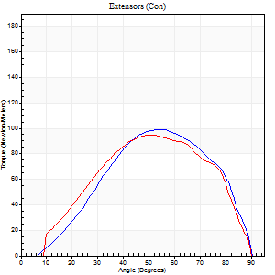
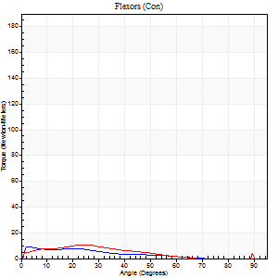
Right Side Curves Left Side Curves
Isokinetic Con/Con |  |  |  | Extensors (Con) |  | Flexors (Con)
Speed 120/120 d/s 3 Reps |  |  |  | Value | Cof Var | %BW | Value | Cof Var | %BW | Ratio

TORQUE PARAMETERS
Peak Torque (Newton-Meters - Best Repetition)
Right |  |  |  | 99 | 0.01 | 80 | 9 | 0.32 | 9 | 10
Left |  |  |  | 95 | 0.03 | 77 | 11 | 0.1 | 9 | 11
Deficit |  |  |  | 4 |  |  | 13
Work per Repetition (Newton-Meters - Best Repetition)
Right |  |  |  | 98 | 0.04 | 80 | 5 | 0.4 | 3 | 6
Left |  |  |  | 92 | 0.02 | 75 | 7 | 0.14 | 6 | 7
Deficit |  |  |  | 6 |  |  | 20
Average Power per Repetition (Watts - Best Repetition)
Right |  |  |  | 108 | 0.01 | 88 | 6 | 0.5 | 4 | 6
Left |  |  |  | 108 | 0.02 | 88 | 7 | 0.16 | 7 | 6
Deficit |  |  |  | 0 |  |  | 14
POSITION PARAMETERS
Joint Angle at Peak Torque (Degrees)
Right |  |  |  | 52 | 0.05 |  | 3 | 0.1
Left |  |  |  | 53 | 0.02 |  | 23 | 0.14
Range of Motion (Degrees)
Right |  |  |  | 1 | 0.08 |  | 90 | 0
Left |  |  |  | 1 | 0.06 |  | 90 | 0
TIME PARAMETERS
Time to Peak Torque (Seconds)
Right |  |  |  | 0.4 | 0.13 |  | 0.07 | 0.23
Left |  |  |  | 0.37 | 0.04 |  | 0.32 | 0.1
Time Peak Torque Held (Seconds)
Right |  |  |  | 0.03 | 0 |  | 0 | 1.73
Left |  |  |  | 0.03 | 0.33 |  | 0.01 | 1
Force Decay Time (Seconds)
Right |  |  |  | 0.43 | 0.04 |  | 0.92 | 0.19
Left |  |  |  | 0.44 | 0.02 |  | 0.64 | 0.1
Reciprocal Delay (Seconds)
Right |  |  |  | 0.13 | 0.54 |  | 0.07 | 0.08
Left |  |  |  | 0.12 | 0.31 |  | 0.09 | 0.07
Delay Time (Seconds)
Right |  |  |  | -0.05 | -0.28 |  | -0.03 | -0.35
Left |  |  |  | -0.02 | -0.28 |  | -0.03 | 0
HUMAC2015® Version: 15.000.0074 © Computer Sports Medicine, Inc. www.csmisolutions.com

Use File, Preference to set Report Heading
Long Form Torque vs. Position Report - Knee Extension/Flexion
Name: |  |  |  | TR030_FP3041, | ID: | TR030 | Right/Left: | 29.11.2022 29.11.2022
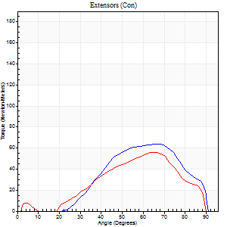
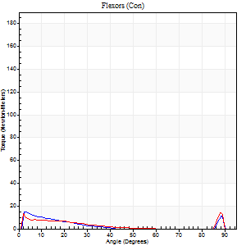
Right Side Curves Left Side Curves
Isokinetic Con/Con |  |  |  | Extensors (Con) |  | Flexors (Con)
Speed 240/240 d/s 3 Reps |  |  |  | Value | Cof Var | %BW | Value | Cof Var | %BW | Ratio

TORQUE PARAMETERS
Peak Torque (Newton-Meters - Best Repetition)
Right |  |  |  | 64 | 0.02 | 51 | 15 | 0.2 | 12 | 23
Left |  |  |  | 56 | 0.05 | 45 | 14 | 0.14 | 12 | 24
Deficit |  |  |  | 13 |  |  | 9
Work per Repetition (Newton-Meters - Best Repetition)
Right |  |  |  | 50 | 0.08 | 42 | 5 | 0.81 | 3 | 11
Left |  |  |  | 43 | 0.14 | 36 | 3 | 1.11 | 3 | 6
Deficit |  |  |  | 14 |  |  | 50
Average Power per Repetition (Watts - Best Repetition)
Right |  |  |  | 103 | 0.11 | 84 | 7 | 0.69 | 7 | 7
Left |  |  |  | 83 | 0.15 | 68 | 4 | 0.5 | 2 | 5
Deficit |  |  |  | 19 |  |  | 43
POSITION PARAMETERS
Joint Angle at Peak Torque (Degrees)
Right |  |  |  | 67 | 0.02 |  | 31 | 1.58
Left |  |  |  | 66 | 0.03 |  | 59 | 0.84
Range of Motion (Degrees)
Right |  |  |  | 2 | 0.17 |  | 90 | 0.01
Left |  |  |  | 1 | 0.06 |  | 90 | 0
TIME PARAMETERS
Time to Peak Torque (Seconds)
Right |  |  |  | 0.18 | 0.04 |  | 0.11 | 1.08
Left |  |  |  | 0.19 | 0.07 |  | 0.16 | 0.71
Time Peak Torque Held (Seconds)
Right |  |  |  | 0.02 | 0.35 |  | 0.01 | 0.87
Left |  |  |  | 0.01 | 0.87 |  | 0 | 1.73
Force Decay Time (Seconds)
Right |  |  |  | 0.31 | 0.07 |  | 0.45 | 0.84
Left |  |  |  | 0.32 | 0.02 |  | 0.25 | 1.53
Reciprocal Delay (Seconds)
Right |  |  |  | 0.06 | 0.24 |  | 0.05 | 0
Left |  |  |  | 0.08 | 0.18 |  | 0.05 | 0
Delay Time (Seconds)
Right |  |  |  | -0.02 | -0.28 |  | 0.11 | 2.19
Left |  |  |  | -0.03 | 0 |  | 0.25 | 0.97
HUMAC2015® Version: 15.000.0074 © Computer Sports Medicine, Inc. www.csmisolutions.com

Use File, Preference to set Report Heading
Isometric - Knee Extension/Flexion
Name: |  |  |  | TR030_FP3041, | ID: | TR030 | Right/Left: | 29.11.2022 29.11.2022

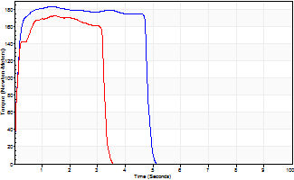
Isometric Extensors (Con) Angle 60 Time 10 Repetition 2 (Best Repetition)
 | Value | Cof Var | %BW
Peak Torque (Newton-Meters)
Right | 183 | 0.02 | 149
Left | 172 | 0.02 | 140
Deficit | 6
Average Torque (Newton-Meters)
Right | 84 | 0.17 | 69
Left | 69 | 0.2 | 57
Deficit | 18
Peak Torque Slope (Newton-Meters/Seconds)
Right | 136 | 0.13 | 110
Left | 117 | 0.4 | 95 |  | Right Side Curves Left Side Curves
Deficit | 14
Time to Half Peak Torque (Seconds)
Right | 0.1 | 0
Left | 0.1 | 0
Time to Peak Torque (Seconds)
Right | 1.46 | 0.12
Left | 2.01 | 0.38
HUMAC2015® Version: 15.000.0074 © Computer Sports Medicine, Inc. www.csmisolutions.com

post2
Use File, Preference to set Report Heading
Long Form Torque vs. Position Report - Knee Extension/Flexion
Name: |  |  |  | TR030_FP3041, | ID: | TR030 | Right/Left: | 01.12.2022 01.12.2022
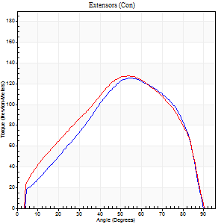
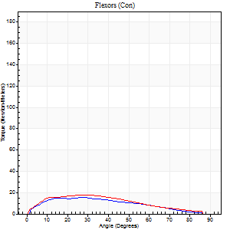
Right Side Curves Left Side Curves
Isokinetic Con/Con |  |  |  | Extensors (Con) |  | Flexors (Con)
Speed 60/60 d/s 3 Reps |  |  |  | Value | Cof Var | %BW | Value | Cof Var | %BW | Ratio

TORQUE PARAMETERS
Peak Torque (Newton-Meters - Best Repetition)
Right |  |  |  | 126 | 0.04 | 101 | 15 | 0.15 | 12 | 12
Left |  |  |  | 127 | 0.02 | 104 | 18 | 0.09 | 15 | 14
Deficit |  |  |  | 1 |  |  | 15
Work per Repetition (Newton-Meters - Best Repetition)
Right |  |  |  | 126 | 0.01 | 101 | 15 | 0.19 | 12 | 12
Left |  |  |  | 132 | 0.01 | 107 | 16 | 0.17 | 12 | 12
Deficit |  |  |  | 4 |  |  | 8
Average Power per Repetition (Watts - Best Repetition)
Right |  |  |  | 83 | 0.02 | 68 | 9 | 0.17 | 7 | 11
Left |  |  |  | 86 | 0.01 | 70 | 11 | 0.18 | 9 | 13
Deficit |  |  |  | 3 |  |  | 18
POSITION PARAMETERS
Joint Angle at Peak Torque (Degrees)
Right |  |  |  | 54 | 0 |  | 28 | 0.01
Left |  |  |  | 51 | 0.03 |  | 18 | 0.5
Range of Motion (Degrees)
Right |  |  |  | 1 | 0.06 |  | 90 | 0.01
Left |  |  |  | 0 | 0.09 |  | 90 | 0
TIME PARAMETERS
Time to Peak Torque (Seconds)
Right |  |  |  | 0.6 | 0 |  | 0.48 | 0.02
Left |  |  |  | 0.66 | 0 |  | 0.32 | 0.5
Time Peak Torque Held (Seconds)
Right |  |  |  | 0.05 | 0.35 |  | 0.02 | 1.73
Left |  |  |  | 0.06 | 0.1 |  | 0.17 | 1.03
Force Decay Time (Seconds)
Right |  |  |  | 0.86 | 0.02 |  | 1.03 | 0.05
Left |  |  |  | 0.82 | 0.04 |  | 1.05 | 0.18
Reciprocal Delay (Seconds)
Right |  |  |  | 0.08 | 0.53 |  | 0.12 | 0.34
Left |  |  |  | 0.11 | 0 |  | 0.11 | 0.14
Delay Time (Seconds)
Right |  |  |  | 0 | 1.41 |  | 0.04 | 0.43
Left |  |  |  | 0.01 | 0 |  | 0 | 0
HUMAC2015® Version: 15.000.0074 © Computer Sports Medicine, Inc. www.csmisolutions.com

Use File, Preference to set Report Heading
Long Form Torque vs. Position Report - Knee Extension/Flexion
Name: |  |  |  | TR030_FP3041, | ID: | TR030 | Right/Left: | 01.12.2022 01.12.2022
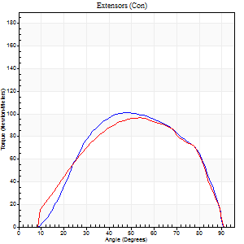
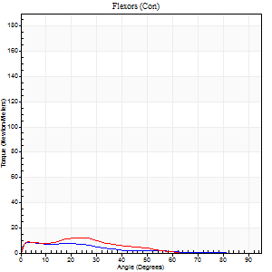
Right Side Curves Left Side Curves
Isokinetic Con/Con |  |  |  | Extensors (Con) |  | Flexors (Con)
Speed 120/120 d/s 3 Reps |  |  |  | Value | Cof Var | %BW | Value | Cof Var | %BW | Ratio

TORQUE PARAMETERS
Peak Torque (Newton-Meters - Best Repetition)
Right |  |  |  | 100 | 0.02 | 80 | 8 | 0.18 | 6 | 8
Left |  |  |  | 96 | 0.04 | 77 | 12 | 0.22 | 9 | 13
Deficit |  |  |  | 4 |  |  | 33
Work per Repetition (Newton-Meters - Best Repetition)
Right |  |  |  | 99 | 0.02 | 80 | 5 | 0.16 | 3 | 5
Left |  |  |  | 98 | 0.03 | 80 | 8 | 0.29 | 6 | 8
Deficit |  |  |  | 1 |  |  | 33
Average Power per Repetition (Watts - Best Repetition)
Right |  |  |  | 118 | 0.02 | 97 | 6 | 0.14 | 4 | 5
Left |  |  |  | 115 | 0.02 | 95 | 8 | 0.31 | 7 | 7
Deficit |  |  |  | 3 |  |  | 25
POSITION PARAMETERS
Joint Angle at Peak Torque (Degrees)
Right |  |  |  | 50 | 0.05 |  | 17 | 0.71
Left |  |  |  | 53 | 0.01 |  | 21 | 0.09
Range of Motion (Degrees)
Right |  |  |  | 1 | 0.17 |  | 90 | 0
Left |  |  |  | 1 | 0.13 |  | 90 | 0.01
TIME PARAMETERS
Time to Peak Torque (Seconds)
Right |  |  |  | 0.38 | 0.11 |  | 0.21 | 0.51
Left |  |  |  | 0.36 | 0.04 |  | 0.26 | 0.02
Time Peak Torque Held (Seconds)
Right |  |  |  | 0.03 | 0.22 |  | 0 | 0
Left |  |  |  | 0.03 | 0.33 |  | 0.03 | 0
Force Decay Time (Seconds)
Right |  |  |  | 0.42 | 0.01 |  | 0.69 | 0.15
Left |  |  |  | 0.44 | 0.02 |  | 0.65 | 0.04
Reciprocal Delay (Seconds)
Right |  |  |  | 0.09 | 0.37 |  | 0.07 | 0.09
Left |  |  |  | 0.06 | 0.24 |  | 0.07 | 0
Delay Time (Seconds)
Right |  |  |  | -0.01 | -1.41 |  | -0.01 | -4.33
Left |  |  |  | -0.02 | -0.28 |  | -0.03 | -0.33
HUMAC2015® Version: 15.000.0074 © Computer Sports Medicine, Inc. www.csmisolutions.com

Use File, Preference to set Report Heading
Long Form Torque vs. Position Report - Knee Extension/Flexion
Name: |  |  |  | TR030_FP3041, | ID: | TR030 | Right/Left: | 01.12.2022 01.12.2022
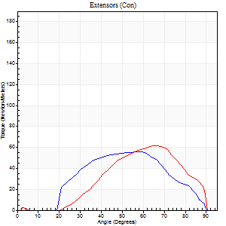
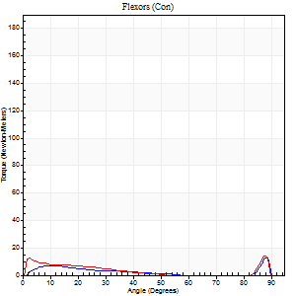
Right Side Curves Left Side Curves
Isokinetic Con/Con |  |  |  | Extensors (Con) |  | Flexors (Con)
Speed 240/240 d/s 3 Reps |  |  |  | Value | Cof Var | %BW | Value | Cof Var | %BW | Ratio

TORQUE PARAMETERS
Peak Torque (Newton-Meters - Best Repetition)
Right |  |  |  | 56 | 0.12 | 45 | 14 | 0.19 | 12 | 24
Left |  |  |  | 61 | 0.05 | 51 | 14 | 0.2 | 12 | 22
Deficit |  |  |  | 9 |  |  | 0
Work per Repetition (Newton-Meters - Best Repetition)
Right |  |  |  | 49 | 0.22 | 39 | 4 | 0.14 | 3 | 8
Left |  |  |  | 46 | 0.01 | 39 | 3 | 1.05 | 3 | 6
Deficit |  |  |  | 6 |  |  | 33
Average Power per Repetition (Watts - Best Repetition)
Right |  |  |  | 84 | 0.15 | 68 | 6 | 0.12 | 4 | 7
Left |  |  |  | 92 | 0.03 | 75 | 4 | 0.45 | 2 | 4
Deficit |  |  |  | 9 |  |  | 33
POSITION PARAMETERS
Joint Angle at Peak Torque (Degrees)
Right |  |  |  | 62 | 0.08 |  | 60 | 0.82
Left |  |  |  | 64 | 0 |  | 59 | 0.83
Range of Motion (Degrees)
Right |  |  |  | 2 | 0.02 |  | 90 | 0
Left |  |  |  | 1 | 0.03 |  | 89 | 0.01
TIME PARAMETERS
Time to Peak Torque (Seconds)
Right |  |  |  | 0.2 | 0.07 |  | 0.48 | 0.78
Left |  |  |  | 0.18 | 0.04 |  | 0.17 | 0.62
Time Peak Torque Held (Seconds)
Right |  |  |  | 0 | 1.73 |  | 0 | 0
Left |  |  |  | 0.01 | 0.87 |  | 0 | 1.73
Force Decay Time (Seconds)
Right |  |  |  | 0.3 | 0.08 |  | 0.23 | 1.51
Left |  |  |  | 0.31 | 0.02 |  | 0.26 | 1.6
Reciprocal Delay (Seconds)
Right |  |  |  | 0.08 | 0.09 |  | 0.05 | 0.11
Left |  |  |  | 0.06 | 0.11 |  | 0.05 | 0.11
Delay Time (Seconds)
Right |  |  |  | -0.03 | 0 |  | -0.02 | -0.5
Left |  |  |  | -0.02 | -0.28 |  | 0.24 | 0.98
HUMAC2015® Version: 15.000.0074 © Computer Sports Medicine, Inc. www.csmisolutions.com

Use File, Preference to set Report Heading
Isometric - Knee Extension/Flexion
Name: |  |  |  | TR030_FP3041, | ID: | TR030 | Right/Left: | 01.12.2022 01.12.2022

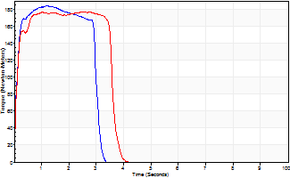
Isometric Extensors (Con) Angle 60 Time 10 Repetition 2 (Best Repetition)
 | Value | Cof Var | %BW
Peak Torque (Newton-Meters)
Right | 184 | 0.01 | 149
Left | 176 | 0 | 143
Deficit | 4
Average Torque (Newton-Meters)
Right | 66 | 0.17 | 54
Left | 61 | 0.07 | 51
Deficit | 8
Peak Torque Slope (Newton-Meters/Seconds)
Right | 151 | 0.4 | 123
Left | 94 | 0.21 | 77 |  | Right Side Curves Left Side Curves
Deficit | 37
Time to Half Peak Torque (Seconds)
Right | 0.09 | 0.07
Left | 0.1 | 0
Time to Peak Torque (Seconds)
Right | 1.68 | 0.39
Left | 2.18 | 0.21
HUMAC2015® Version: 15.000.0074 © Computer Sports Medicine, Inc. www.csmisolutions.com

