pre1
Use File, Preference to set Report Heading
Long Form Torque vs. Position Report - Knee Extension/Flexion
Name: |  |  |  | TR030_FP3042, | ID: | TR030 | Right/Left: | 07.09.2022 07.09.2022
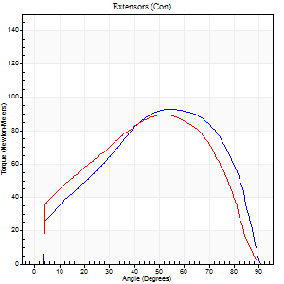
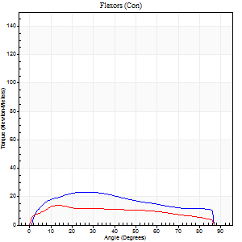
Right Side Curves Left Side Curves
Isokinetic Con/Con |  |  |  | Extensors (Con) |  | Flexors (Con)
Speed 60/60 d/s 3 Reps |  |  |  | Value | Cof Var | %BW | Value | Cof Var | %BW | Ratio

TORQUE PARAMETERS
Peak Torque (Newton-Meters - Best Repetition)
Right |  |  |  | 94 | 0.15 | 140 | 23 | 0.3 | 36 | 25
Left |  |  |  | 89 | 0.07 | 134 | 14 | 0 | 21 | 15
Deficit |  |  |  | 4 |  |  | 41
Work per Repetition (Newton-Meters - Best Repetition)
Right |  |  |  | 99 | 0.19 | 149 | 24 | 0.36 | 36 | 25
Left |  |  |  | 95 | 0.05 | 143 | 15 | 0.06 | 21 | 16
Deficit |  |  |  | 4 |  |  | 39
Average Power per Repetition (Watts - Best Repetition)
Right |  |  |  | 62 | 0.19 | 92 | 16 | 0.35 | 24 | 26
Left |  |  |  | 60 | 0.09 | 90 | 10 | 0.28 | 15 | 17
Deficit |  |  |  | 3 |  |  | 38
POSITION PARAMETERS
Joint Angle at Peak Torque (Degrees)
Right |  |  |  | 46 | 0.23 |  | 25 | 0.2
Left |  |  |  | 48 | 0.06 |  | 28 | 0.93
Range of Motion (Degrees)
Right |  |  |  | 0 | -1.41 |  | 90 | 0
Left |  |  |  | 0 | -1.41 |  | 90 | 0
TIME PARAMETERS
Time to Peak Torque (Seconds)
Right |  |  |  | 0.71 | 0.16 |  | 0.44 | 0.17
Left |  |  |  | 0.73 | 0.13 |  | 0.8 | 0.56
Time Peak Torque Held (Seconds)
Right |  |  |  | 0.03 | 0.78 |  | 0.04 | 1.73
Left |  |  |  | 0.06 | 0.1 |  | 0 | 0
Force Decay Time (Seconds)
Right |  |  |  | 0.79 | 0.22 |  | 1.05 | 0.08
Left |  |  |  | 0.79 | 0.08 |  | 1.01 | 0.42
Reciprocal Delay (Seconds)
Right |  |  |  | 0.28 | 0.4 |  | 0.71 | 1.13
Left |  |  |  | 0.18 | 0.31 |  | 1.11 | 0.57
Delay Time (Seconds)
Right |  |  |  | -0.05 | -1.16 |  | 0.02 | 1.39
Left |  |  |  | -0.01 | -1.41 |  | -0.27 | -1.64
HUMAC2015® Version: 15.000.0074 © Computer Sports Medicine, Inc. www.csmisolutions.com

Use File, Preference to set Report Heading
Long Form Torque vs. Position Report - Knee Extension/Flexion
Name: |  |  |  | TR030_FP3042, | ID: | TR030 | Right/Left: | 07.09.2022 07.09.2022
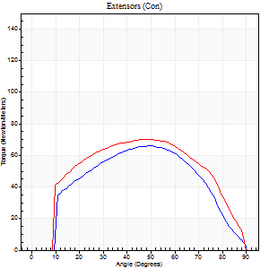
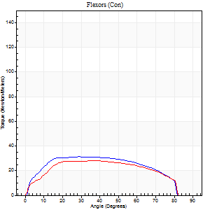
Right Side Curves Left Side Curves
Isokinetic Con/Con |  |  |  | Extensors (Con) |  | Flexors (Con)
Speed 120/120 d/s 3 Reps |  |  |  | Value | Cof Var | %BW | Value | Cof Var | %BW | Ratio

TORQUE PARAMETERS
Peak Torque (Newton-Meters - Best Repetition)
Right |  |  |  | 66 | 0.06 | 98 | 31 | 0.34 | 48 | 47
Left |  |  |  | 71 | 0.02 | 104 | 28 | 0.6 | 42 | 40
Deficit |  |  |  | 6 |  |  | 9
Work per Repetition (Newton-Meters - Best Repetition)
Right |  |  |  | 66 | 0.07 | 98 | 35 | 0.38 | 54 | 53
Left |  |  |  | 77 | 0.03 | 116 | 31 | 0.63 | 48 | 40
Deficit |  |  |  | 14 |  |  | 12
Average Power per Repetition (Watts - Best Repetition)
Right |  |  |  | 76 | 0.11 | 114 | 47 | 0.42 | 70 | 62
Left |  |  |  | 91 | 0.1 | 136 | 36 | 0.66 | 53 | 40
Deficit |  |  |  | 16 |  |  | 23
POSITION PARAMETERS
Joint Angle at Peak Torque (Degrees)
Right |  |  |  | 49 | 0.07 |  | 22 | 0.33
Left |  |  |  | 47 | 0.01 |  | 43 | 0.27
Range of Motion (Degrees)
Right |  |  |  | 0 | 0.61 |  | 90 | 0.01
Left |  |  |  | 0 | 1.73 |  | 90 | 0
TIME PARAMETERS
Time to Peak Torque (Seconds)
Right |  |  |  | 0.41 | 0.22 |  | 0.23 | 0.24
Left |  |  |  | 0.4 | 0 |  | 0.48 | 0.39
Time Peak Torque Held (Seconds)
Right |  |  |  | 0.02 | 0.92 |  | 0.04 | 1.32
Left |  |  |  | 0.02 | 0.5 |  | 0.02 | 0.87
Force Decay Time (Seconds)
Right |  |  |  | 0.45 | 0.09 |  | 0.54 | 0.26
Left |  |  |  | 0.45 | 0.05 |  | 0.4 | 0.28
Reciprocal Delay (Seconds)
Right |  |  |  | 0.08 | 0.75 |  | 0.13 | 0.04
Left |  |  |  | 0.09 | 0.22 |  | 0.41 | 1.14
Delay Time (Seconds)
Right |  |  |  | -0.04 | -1.41 |  | 0.01 | 1.73
Left |  |  |  | -0.01 | -0.47 |  | -0.03 | -0.78
HUMAC2015® Version: 15.000.0074 © Computer Sports Medicine, Inc. www.csmisolutions.com

Use File, Preference to set Report Heading
Long Form Torque vs. Position Report - Knee Extension/Flexion
Name: |  |  |  | TR030_FP3042, | ID: | TR030 | Right/Left: | 07.09.2022 07.09.2022
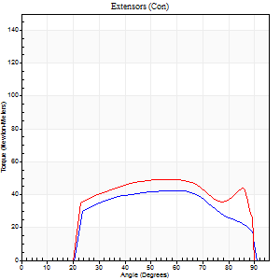
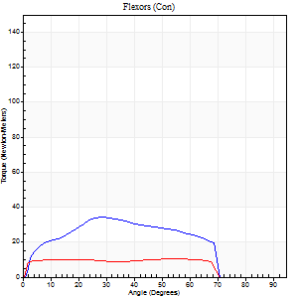
Right Side Curves Left Side Curves
Isokinetic Con/Con |  |  |  | Extensors (Con) |  | Flexors (Con)
Speed 240/240 d/s 3 Reps |  |  |  | Value | Cof Var | %BW | Value | Cof Var | %BW | Ratio

TORQUE PARAMETERS
Peak Torque (Newton-Meters - Best Repetition)
Right |  |  |  | 42 | 0.01 | 63 | 34 | 0.54 | 51 | 81
Left |  |  |  | 49 | 0.06 | 72 | 11 | 0.31 | 15 | 22
Deficit |  |  |  | 14 |  |  | 68
Work per Repetition (Newton-Meters - Best Repetition)
Right |  |  |  | 42 | 0.02 | 63 | 31 | 0.56 | 48 | 74
Left |  |  |  | 53 | 0.08 | 80 | 12 | 0.44 | 18 | 23
Deficit |  |  |  | 21 |  |  | 61
Average Power per Repetition (Watts - Best Repetition)
Right |  |  |  | 79 | 0.08 | 119 | 61 | 0.73 | 90 | 77
Left |  |  |  | 95 | 0.36 | 143 | 20 | 0.68 | 31 | 21
Deficit |  |  |  | 17 |  |  | 67
POSITION PARAMETERS
Joint Angle at Peak Torque (Degrees)
Right |  |  |  | 61 | 0.03 |  | 23 | 0.37
Left |  |  |  | 47 | 0.11 |  | 24 | 1.08
Range of Motion (Degrees)
Right |  |  |  | 1 | 1.41 |  | 89 | 0.01
Left |  |  |  | 1 | 1.16 |  | 89 | 0
TIME PARAMETERS
Time to Peak Torque (Seconds)
Right |  |  |  | 0.2 | 0.03 |  | 0.4 | 0.92
Left |  |  |  | 0.25 | 0 |  | 0.43 | 0.92
Time Peak Torque Held (Seconds)
Right |  |  |  | 0 | 0 |  | 0 | 1.73
Left |  |  |  | 0.01 | 1.73 |  | 0.05 | 1.38
Force Decay Time (Seconds)
Right |  |  |  | 0.32 | 0.18 |  | 0.33 | 0.12
Left |  |  |  | 0.43 | 0.72 |  | 0.36 | 0.5
Reciprocal Delay (Seconds)
Right |  |  |  | 0.06 | 0 |  | 0.65 | 1.6
Left |  |  |  | 0.05 | 0 |  | 0.49 | 1.52
Delay Time (Seconds)
Right |  |  |  | -0.03 | 0 |  | -0.2 | -1.6
Left |  |  |  | -0.01 | -0.47 |  | -0.11 | -1.26
HUMAC2015® Version: 15.000.0074 © Computer Sports Medicine, Inc. www.csmisolutions.com

Use File, Preference to set Report Heading
Isometric - Knee Extension/Flexion
Name: |  |  |  | TR030_FP3042, | ID: | TR030 | Right/Left: | 07.09.2022 07.09.2022

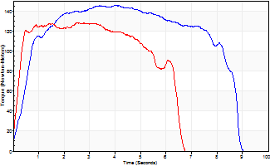
Isometric Extensors (Con) Angle 60 Time 10 Repetition 2 (Best Repetition)
 | Value | Cof Var | %BW
Peak Torque (Newton-Meters)
Right | 145 | 0.07 | 218
Left | 127 | 0 | 191
Deficit | 12
Average Torque (Newton-Meters)
Right | 107 | 0.25 | 161
Left | 72 | 0.02 | 107
Deficit | 33
Peak Torque Slope (Newton-Meters/Seconds)
Right | 36 | 0.28 | 54
Left | 51 | 0.4 | 76 |  | Right Side Curves Left Side Curves
Deficit | 28
Time to Half Peak Torque (Seconds)
Right | 0.52 | 0.01
Left | 0.21 | 0.07
Time to Peak Torque (Seconds)
Right | 4.73 | 0.22
Left | 3.49 | 0.4
HUMAC2015® Version: 15.000.0074 © Computer Sports Medicine, Inc. www.csmisolutions.com

pre2
Use File, Preference to set Report Heading
Long Form Torque vs. Position Report - Knee Extension/Flexion
Name: |  |  |  | TR030_FP3042, | ID: | TR030 | Right/Left: | 21.09.2022 21.09.2022
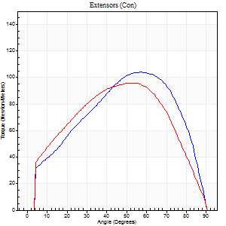
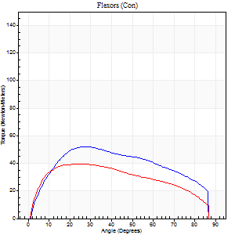
Right Side Curves Left Side Curves
Isokinetic Con/Con |  |  |  | Extensors (Con) |  | Flexors (Con)
Speed 60/60 d/s 3 Reps |  |  |  | Value | Cof Var | %BW | Value | Cof Var | %BW | Ratio

TORQUE PARAMETERS
Peak Torque (Newton-Meters - Best Repetition)
Right |  |  |  | 104 | 0.08 | 155 | 52 | 0.2 | 77 | 49
Left |  |  |  | 96 | 0.04 | 143 | 39 | 0.52 | 60 | 41
Deficit |  |  |  | 8 |  |  | 24
Work per Repetition (Newton-Meters - Best Repetition)
Right |  |  |  | 110 | 0.07 | 164 | 58 | 0.21 | 86 | 53
Left |  |  |  | 104 | 0.03 | 155 | 45 | 0.51 | 66 | 43
Deficit |  |  |  | 5 |  |  | 23
Average Power per Repetition (Watts - Best Repetition)
Right |  |  |  | 69 | 0.07 | 103 | 38 | 0.19 | 57 | 55
Left |  |  |  | 64 | 0.02 | 97 | 29 | 0.52 | 44 | 45
Deficit |  |  |  | 7 |  |  | 24
POSITION PARAMETERS
Joint Angle at Peak Torque (Degrees)
Right |  |  |  | 55 | 0.03 |  | 26 | 0.21
Left |  |  |  | 52 | 0.04 |  | 25 | 0.62
Range of Motion (Degrees)
Right |  |  |  | 0 | 0.47 |  | 90 | 0
Left |  |  |  | 0 | 1.16 |  | 90 | 0
TIME PARAMETERS
Time to Peak Torque (Seconds)
Right |  |  |  | 0.62 | 0.01 |  | 0.43 | 0.24
Left |  |  |  | 0.69 | 0.05 |  | 0.45 | 0.55
Time Peak Torque Held (Seconds)
Right |  |  |  | 0.08 | 0.2 |  | 0.09 | 0.55
Left |  |  |  | 0.07 | 0.38 |  | 0.26 | 1.32
Force Decay Time (Seconds)
Right |  |  |  | 0.87 | 0.03 |  | 0.98 | 0.18
Left |  |  |  | 0.82 | 0.09 |  | 0.82 | 0.18
Reciprocal Delay (Seconds)
Right |  |  |  | 0.2 | 0.1 |  | 0.26 | 0.4
Left |  |  |  | 0.13 | 0.11 |  | 0.18 | 0.44
Delay Time (Seconds)
Right |  |  |  | 0 | -1.41 |  | 0.02 | 0.25
Left |  |  |  | 0.02 | 0.85 |  | 0.01 | 0.87
HUMAC2015® Version: 15.000.0074 © Computer Sports Medicine, Inc. www.csmisolutions.com

Use File, Preference to set Report Heading
Long Form Torque vs. Position Report - Knee Extension/Flexion
Name: |  |  |  | TR030_FP3042, | ID: | TR030 | Right/Left: | 21.09.2022 21.09.2022
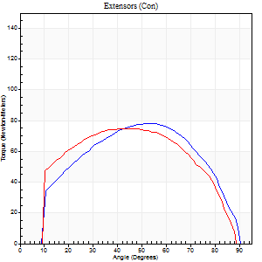
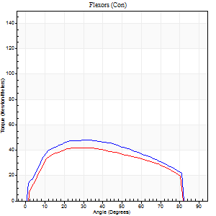
Right Side Curves Left Side Curves
Isokinetic Con/Con |  |  |  | Extensors (Con) |  | Flexors (Con)
Speed 120/120 d/s 3 Reps |  |  |  | Value | Cof Var | %BW | Value | Cof Var | %BW | Ratio

TORQUE PARAMETERS
Peak Torque (Newton-Meters - Best Repetition)
Right |  |  |  | 79 | 0.06 | 116 | 47 | 0.04 | 72 | 60
Left |  |  |  | 75 | 0.04 | 110 | 42 | 0.77 | 63 | 56
Deficit |  |  |  | 5 |  |  | 11
Work per Repetition (Newton-Meters - Best Repetition)
Right |  |  |  | 83 | 0.09 | 122 | 54 | 0.04 | 80 | 66
Left |  |  |  | 85 | 0.05 | 128 | 46 | 0.82 | 69 | 54
Deficit |  |  |  | 3 |  |  | 15
Average Power per Repetition (Watts - Best Repetition)
Right |  |  |  | 92 | 0.07 | 138 | 68 | 0.07 | 101 | 74
Left |  |  |  | 101 | 0.06 | 152 | 57 | 0.84 | 86 | 56
Deficit |  |  |  | 9 |  |  | 16
POSITION PARAMETERS
Joint Angle at Peak Torque (Degrees)
Right |  |  |  | 52 | 0.01 |  | 29 | 0.19
Left |  |  |  | 45 | 0.05 |  | 19 | 0.49
Range of Motion (Degrees)
Right |  |  |  | 0 | 0.53 |  | 89 | 0
Left |  |  |  | 0 | 1.41 |  | 89 | 0.01
TIME PARAMETERS
Time to Peak Torque (Seconds)
Right |  |  |  | 0.37 | 0.02 |  | 0.28 | 0.16
Left |  |  |  | 0.39 | 0 |  | 0.32 | 0.37
Time Peak Torque Held (Seconds)
Right |  |  |  | 0.03 | 0.43 |  | 0.01 | 1.73
Left |  |  |  | 0.06 | 0.57 |  | 0.03 | 1.25
Force Decay Time (Seconds)
Right |  |  |  | 0.45 | 0.05 |  | 0.52 | 0.11
Left |  |  |  | 0.38 | 0.09 |  | 0.72 | 0.5
Reciprocal Delay (Seconds)
Right |  |  |  | 0.08 | 0.28 |  | 0.11 | 0.13
Left |  |  |  | 0.07 | 0.2 |  | 0.17 | 0.77
Delay Time (Seconds)
Right |  |  |  | -0.01 | -1.41 |  | -0.01 | -0.87
Left |  |  |  | 0 | 1.41 |  | -0.02 | -1.38
HUMAC2015® Version: 15.000.0074 © Computer Sports Medicine, Inc. www.csmisolutions.com

Use File, Preference to set Report Heading
Long Form Torque vs. Position Report - Knee Extension/Flexion
Name: |  |  |  | TR030_FP3042, | ID: | TR030 | Right/Left: | 21.09.2022 21.09.2022
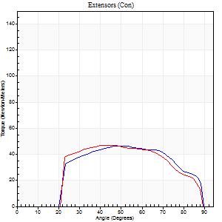
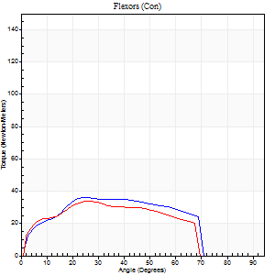
Right Side Curves Left Side Curves
Isokinetic Con/Con |  |  |  | Extensors (Con) |  | Flexors (Con)
Speed 240/240 d/s 3 Reps |  |  |  | Value | Cof Var | %BW | Value | Cof Var | %BW | Ratio

TORQUE PARAMETERS
Peak Torque (Newton-Meters - Best Repetition)
Right |  |  |  | 46 | 0.03 | 69 | 37 | 0.04 | 54 | 79
Left |  |  |  | 47 | 0.02 | 72 | 34 | 0.01 | 51 | 71
Deficit |  |  |  | 3 |  |  | 7
Work per Repetition (Newton-Meters - Best Repetition)
Right |  |  |  | 46 | 0.03 | 69 | 35 | 0.04 | 54 | 76
Left |  |  |  | 46 | 0.01 | 69 | 33 | 0.01 | 48 | 71
Deficit |  |  |  | 0 |  |  | 8
Average Power per Repetition (Watts - Best Repetition)
Right |  |  |  | 88 | 0.05 | 132 | 68 | 0.06 | 101 | 77
Left |  |  |  | 92 | 0.04 | 138 | 66 | 0.04 | 99 | 72
Deficit |  |  |  | 4 |  |  | 3
POSITION PARAMETERS
Joint Angle at Peak Torque (Degrees)
Right |  |  |  | 52 | 0.09 |  | 26 | 0
Left |  |  |  | 44 | 0.05 |  | 26 | 0.05
Range of Motion (Degrees)
Right |  |  |  | 1 | 0.16 |  | 90 | 0
Left |  |  |  | 1 | 0.06 |  | 89 | 0.01
TIME PARAMETERS
Time to Peak Torque (Seconds)
Right |  |  |  | 0.24 | 0.06 |  | 0.18 | 0.03
Left |  |  |  | 0.26 | 0.05 |  | 0.19 | 0.05
Time Peak Torque Held (Seconds)
Right |  |  |  | 0.02 | 0.87 |  | 0 | 0
Left |  |  |  | 0.01 | 1.73 |  | 0.01 | 0.87
Force Decay Time (Seconds)
Right |  |  |  | 0.25 | 0.02 |  | 0.33 | 0.02
Left |  |  |  | 0.23 | 0.12 |  | 0.3 | 0.05
Reciprocal Delay (Seconds)
Right |  |  |  | 0.06 | 0.24 |  | 0.06 | 0.1
Left |  |  |  | 0.05 | 0.16 |  | 0.06 | 0.17
Delay Time (Seconds)
Right |  |  |  | -0.03 | 0 |  | -0.01 | -0.43
Left |  |  |  | -0.01 | 0 |  | -0.02 | 0
HUMAC2015® Version: 15.000.0074 © Computer Sports Medicine, Inc. www.csmisolutions.com

Use File, Preference to set Report Heading
Isometric - Knee Extension/Flexion
Name: |  |  |  | TR030_FP3042, | ID: | TR030 | Right/Left: | 21.09.2022 21.09.2022

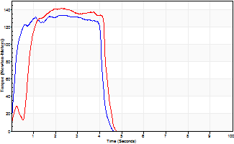
Isometric Extensors (Con) Angle 60 Time 10 Repetition 2 (Best Repetition)
 | Value | Cof Var | %BW
Peak Torque (Newton-Meters)
Right | 133 | 0.03 | 200
Left | 141 | 0.03 | 212
Deficit | 6
Average Torque (Newton-Meters)
Right | 52 | 0.05 | 77
Left | 53 | 0.05 | 80
Deficit | 3
Peak Torque Slope (Newton-Meters/Seconds)
Right | 55 | 0.44 | 82
Left | 63 | 0.17 | 94 |  | Right Side Curves Left Side Curves
Deficit | 13
Time to Half Peak Torque (Seconds)
Right | 0.7 | 1.07
Left | 0.46 | 0.95
Time to Peak Torque (Seconds)
Right | 3.43 | 0.41
Left | 2.47 | 0.14
HUMAC2015® Version: 15.000.0074 © Computer Sports Medicine, Inc. www.csmisolutions.com

mid1
Use File, Preference to set Report Heading
Long Form Torque vs. Position Report - Knee Extension/Flexion
Name: |  |  |  | TR030_FP3042, | ID: | TR030 | Right/Left: | 03.11.2022 03.11.2022
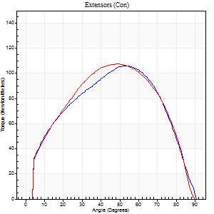
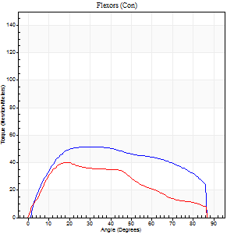
Right Side Curves Left Side Curves
Isokinetic Con/Con |  |  |  | Extensors (Con) |  | Flexors (Con)
Speed 60/60 d/s 3 Reps |  |  |  | Value | Cof Var | %BW | Value | Cof Var | %BW | Ratio

TORQUE PARAMETERS
Peak Torque (Newton-Meters - Best Repetition)
Right |  |  |  | 106 | 0.05 | 158 | 52 | 0.21 | 77 | 49
Left |  |  |  | 107 | 0.03 | 161 | 41 | 0.48 | 60 | 38
Deficit |  |  |  | 1 |  |  | 21
Work per Repetition (Newton-Meters - Best Repetition)
Right |  |  |  | 113 | 0.04 | 167 | 61 | 0.24 | 92 | 54
Left |  |  |  | 115 | 0.03 | 173 | 38 | 0.37 | 57 | 33
Deficit |  |  |  | 2 |  |  | 38
Average Power per Repetition (Watts - Best Repetition)
Right |  |  |  | 70 | 0.02 | 105 | 40 | 0.22 | 59 | 57
Left |  |  |  | 73 | 0.04 | 110 | 25 | 0.35 | 37 | 34
Deficit |  |  |  | 4 |  |  | 38
POSITION PARAMETERS
Joint Angle at Peak Torque (Degrees)
Right |  |  |  | 52 | 0.05 |  | 27 | 0.19
Left |  |  |  | 50 | 0.03 |  | 37 | 0.57
Range of Motion (Degrees)
Right |  |  |  | 0 | 0 |  | 90 | 0
Left |  |  |  | 0 | 0.98 |  | 89 | 0
TIME PARAMETERS
Time to Peak Torque (Seconds)
Right |  |  |  | 0.66 | 0.06 |  | 0.44 | 0.22
Left |  |  |  | 0.65 | 0.02 |  | 0.64 | 0.53
Time Peak Torque Held (Seconds)
Right |  |  |  | 0.04 | 0.83 |  | 0.05 | 1.03
Left |  |  |  | 0.07 | 0.35 |  | 0.04 | 0.69
Force Decay Time (Seconds)
Right |  |  |  | 0.87 | 0.05 |  | 1.01 | 0.11
Left |  |  |  | 0.8 | 0.04 |  | 0.83 | 0.44
Reciprocal Delay (Seconds)
Right |  |  |  | 0.19 | 0.15 |  | 0.19 | 0.08
Left |  |  |  | 0.14 | 0.37 |  | 0.15 | 0.47
Delay Time (Seconds)
Right |  |  |  | 0 | -1.41 |  | 0.03 | 0.58
Left |  |  |  | 0 | -1.41 |  | 0 | 4.58
HUMAC2015® Version: 15.000.0074 © Computer Sports Medicine, Inc. www.csmisolutions.com

Use File, Preference to set Report Heading
Long Form Torque vs. Position Report - Knee Extension/Flexion
Name: |  |  |  | TR030_FP3042, | ID: | TR030 | Right/Left: | 03.11.2022 03.11.2022
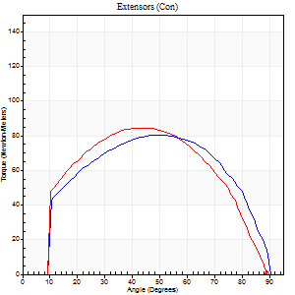
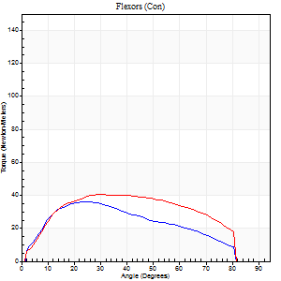
Right Side Curves Left Side Curves
Isokinetic Con/Con |  |  |  | Extensors (Con) |  | Flexors (Con)
Speed 120/120 d/s 3 Reps |  |  |  | Value | Cof Var | %BW | Value | Cof Var | %BW | Ratio

TORQUE PARAMETERS
Peak Torque (Newton-Meters - Best Repetition)
Right |  |  |  | 80 | 0.06 | 119 | 37 | 0.12 | 54 | 46
Left |  |  |  | 84 | 0.03 | 125 | 41 | 0.55 | 60 | 48
Deficit |  |  |  | 5 |  |  | 10
Work per Repetition (Newton-Meters - Best Repetition)
Right |  |  |  | 89 | 0.1 | 134 | 35 | 0.24 | 54 | 39
Left |  |  |  | 89 | 0.01 | 134 | 45 | 0.59 | 66 | 50
Deficit |  |  |  | 0 |  |  | 21
Average Power per Repetition (Watts - Best Repetition)
Right |  |  |  | 107 | 0.21 | 160 | 45 | 0.26 | 68 | 42
Left |  |  |  | 104 | 0.21 | 156 | 54 | 0.6 | 81 | 52
Deficit |  |  |  | 3 |  |  | 17
POSITION PARAMETERS
Joint Angle at Peak Torque (Degrees)
Right |  |  |  | 46 | 0.1 |  | 30 | 0.57
Left |  |  |  | 45 | 0.02 |  | 21 | 0.34
Range of Motion (Degrees)
Right |  |  |  | 1 | 0.11 |  | 89 | 0
Left |  |  |  | 0 | 0.94 |  | 89 | 0.01
TIME PARAMETERS
Time to Peak Torque (Seconds)
Right |  |  |  | 0.39 | 0 |  | 0.27 | 0.52
Left |  |  |  | 0.39 | 0.02 |  | 0.24 | 0.3
Time Peak Torque Held (Seconds)
Right |  |  |  | 0.03 | 0.67 |  | 0.03 | 0.69
Left |  |  |  | 0.05 | 0.39 |  | 0.04 | 1.29
Force Decay Time (Seconds)
Right |  |  |  | 0.37 | 0.06 |  | 0.49 | 0.29
Left |  |  |  | 0.38 | 0.12 |  | 0.54 | 0.2
Reciprocal Delay (Seconds)
Right |  |  |  | 0.08 | 0.47 |  | 0.09 | 0.22
Left |  |  |  | 0.05 | 0.39 |  | 0.13 | 0.53
Delay Time (Seconds)
Right |  |  |  | -0.01 | -1.41 |  | 0.02 | 0.89
Left |  |  |  | 0 | -1.41 |  | -0.01 | -1.73
HUMAC2015® Version: 15.000.0074 © Computer Sports Medicine, Inc. www.csmisolutions.com

Use File, Preference to set Report Heading
Long Form Torque vs. Position Report - Knee Extension/Flexion
Name: |  |  |  | TR030_FP3042, | ID: | TR030 | Right/Left: | 03.11.2022 03.11.2022
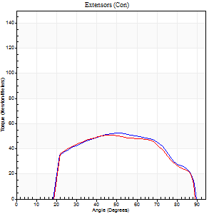
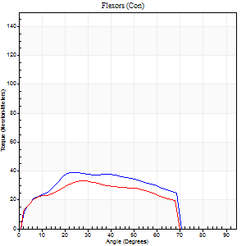
Right Side Curves Left Side Curves
Isokinetic Con/Con |  |  |  | Extensors (Con) |  | Flexors (Con)
Speed 240/240 d/s 3 Reps |  |  |  | Value | Cof Var | %BW | Value | Cof Var | %BW | Ratio

TORQUE PARAMETERS
Peak Torque (Newton-Meters - Best Repetition)
Right |  |  |  | 53 | 0.08 | 80 | 39 | 0.16 | 60 | 74
Left |  |  |  | 50 | 0.01 | 75 | 33 | 0.48 | 48 | 65
Deficit |  |  |  | 5 |  |  | 17
Work per Repetition (Newton-Meters - Best Repetition)
Right |  |  |  | 52 | 0.09 | 77 | 38 | 0.15 | 57 | 74
Left |  |  |  | 50 | 0.01 | 75 | 31 | 0.56 | 48 | 62
Deficit |  |  |  | 3 |  |  | 18
Average Power per Repetition (Watts - Best Repetition)
Right |  |  |  | 102 | 0.16 | 152 | 78 | 0.14 | 116 | 76
Left |  |  |  | 101 | 0.08 | 152 | 61 | 0.59 | 90 | 60
Deficit |  |  |  | 1 |  |  | 22
POSITION PARAMETERS
Joint Angle at Peak Torque (Degrees)
Right |  |  |  | 51 | 0.07 |  | 24 | 0.09
Left |  |  |  | 46 | 0.03 |  | 23 | 0.43
Range of Motion (Degrees)
Right |  |  |  | 1 | 0.31 |  | 89 | 0.01
Left |  |  |  | 2 | 0.09 |  | 89 | 0.01
TIME PARAMETERS
Time to Peak Torque (Seconds)
Right |  |  |  | 0.22 | 0.16 |  | 0.18 | 0.12
Left |  |  |  | 0.25 | 0 |  | 0.19 | 0.14
Time Peak Torque Held (Seconds)
Right |  |  |  | 0.01 | 1.73 |  | 0.01 | 0.87
Left |  |  |  | 0.01 | 1 |  | 0.01 | 0.87
Force Decay Time (Seconds)
Right |  |  |  | 0.25 | 0.14 |  | 0.3 | 0.1
Left |  |  |  | 0.23 | 0.05 |  | 0.32 | 0.17
Reciprocal Delay (Seconds)
Right |  |  |  | 0.04 | 0.35 |  | 0.05 | 0.11
Left |  |  |  | 0.05 | 0.16 |  | 0.05 | 0
Delay Time (Seconds)
Right |  |  |  | -0.02 | -0.71 |  | -0.01 | -0.43
Left |  |  |  | -0.02 | 0 |  | -0.03 | -0.22
HUMAC2015® Version: 15.000.0074 © Computer Sports Medicine, Inc. www.csmisolutions.com

Use File, Preference to set Report Heading
Isometric - Knee Extension/Flexion
Name: |  |  |  | TR030_FP3042, | ID: | TR030 | Right/Left: | 03.11.2022 03.11.2022

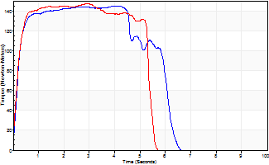
Isometric Extensors (Con) Angle 60 Time 10 Repetition 2 (Best Repetition)
 | Value | Cof Var | %BW
Peak Torque (Newton-Meters)
Right | 145 | 0.02 | 218
Left | 146 | 0 | 218
Deficit | 1
Average Torque (Newton-Meters)
Right | 79 | 0.06 | 116
Left | 75 | 0.02 | 110
Deficit | 5
Peak Torque Slope (Newton-Meters/Seconds)
Right | 77 | 0.53 | 115
Left | 51 | 0.12 | 76 |  | Right Side Curves Left Side Curves
Deficit | 34
Time to Half Peak Torque (Seconds)
Right | 0.17 | 0.08
Left | 0.16 | 0.09
Time to Peak Torque (Seconds)
Right | 2.97 | 0.55
Left | 3.15 | 0.11
HUMAC2015® Version: 15.000.0074 © Computer Sports Medicine, Inc. www.csmisolutions.com

mid2
Use File, Preference to set Report Heading
Long Form Torque vs. Position Report - Knee Extension/Flexion
Name: |  |  |  | TR030_FP3042, | ID: | TR030 | Right/Left: | 08.11.2022 08.11.2022
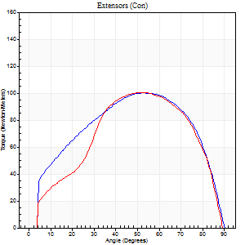
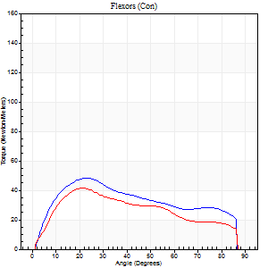
Right Side Curves Left Side Curves
Isokinetic Con/Con |  |  |  | Extensors (Con) |  | Flexors (Con)
Speed 60/60 d/s 3 Reps |  |  |  | Value | Cof Var | %BW | Value | Cof Var | %BW | Ratio

TORQUE PARAMETERS
Peak Torque (Newton-Meters - Best Repetition)
Right |  |  |  | 100 | 0.01 | 149 | 47 | 0.54 | 72 | 47
Left |  |  |  | 100 | 0.07 | 149 | 42 | 0.4 | 63 | 42
Deficit |  |  |  | 0 |  |  | 11
Work per Repetition (Newton-Meters - Best Repetition)
Right |  |  |  | 111 | 0.02 | 167 | 50 | 0.56 | 75 | 45
Left |  |  |  | 102 | 0.05 | 152 | 41 | 0.32 | 60 | 40
Deficit |  |  |  | 9 |  |  | 19
Average Power per Repetition (Watts - Best Repetition)
Right |  |  |  | 71 | 0.03 | 105 | 32 | 0.55 | 48 | 45
Left |  |  |  | 66 | 0.31 | 99 | 26 | 0.3 | 40 | 39
Deficit |  |  |  | 7 |  |  | 19
POSITION PARAMETERS
Joint Angle at Peak Torque (Degrees)
Right |  |  |  | 56 | 0.04 |  | 21 | 0.1
Left |  |  |  | 47 | 0.18 |  | 34 | 0.37
Range of Motion (Degrees)
Right |  |  |  | 0 | 0 |  | 90 | 0
Left |  |  |  | 0 | 0.64 |  | 90 | 0
TIME PARAMETERS
Time to Peak Torque (Seconds)
Right |  |  |  | 0.6 | 0.11 |  | 0.36 | 0.1
Left |  |  |  | 0.65 | 0.01 |  | 0.59 | 0.37
Time Peak Torque Held (Seconds)
Right |  |  |  | 0.06 | 0.27 |  | 0.04 | 1.1
Left |  |  |  | 0.05 | 0.35 |  | 0.06 | 1.07
Force Decay Time (Seconds)
Right |  |  |  | 0.91 | 0.03 |  | 1.11 | 0.06
Left |  |  |  | 0.75 | 0.21 |  | 0.86 | 0.3
Reciprocal Delay (Seconds)
Right |  |  |  | 0.17 | 0 |  | 0.2 | 0.13
Left |  |  |  | 0.17 | 0.25 |  | 0.15 | 0.35
Delay Time (Seconds)
Right |  |  |  | 0 | 0 |  | 0.03 | 0
Left |  |  |  | 0 | -1.41 |  | 0 | 0
HUMAC2015® Version: 15.000.0074 © Computer Sports Medicine, Inc. www.csmisolutions.com

Use File, Preference to set Report Heading
Long Form Torque vs. Position Report - Knee Extension/Flexion
Name: |  |  |  | TR030_FP3042, | ID: | TR030 | Right/Left: | 08.11.2022 08.11.2022
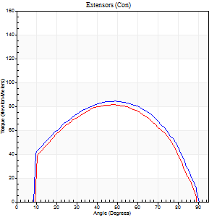
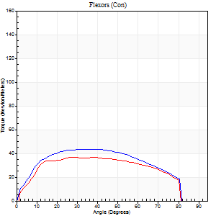
Right Side Curves Left Side Curves
Isokinetic Con/Con |  |  |  | Extensors (Con) |  | Flexors (Con)
Speed 120/120 d/s 3 Reps |  |  |  | Value | Cof Var | %BW | Value | Cof Var | %BW | Ratio

TORQUE PARAMETERS
Peak Torque (Newton-Meters - Best Repetition)
Right |  |  |  | 84 | 0.05 | 125 | 43 | 0.36 | 66 | 52
Left |  |  |  | 81 | 0.06 | 122 | 37 | 0.67 | 54 | 45
Deficit |  |  |  | 3 |  |  | 16
Work per Repetition (Newton-Meters - Best Repetition)
Right |  |  |  | 92 | 0.04 | 137 | 49 | 0.36 | 72 | 53
Left |  |  |  | 85 | 0.06 | 128 | 42 | 0.75 | 63 | 49
Deficit |  |  |  | 7 |  |  | 14
Average Power per Repetition (Watts - Best Repetition)
Right |  |  |  | 108 | 0.04 | 160 | 59 | 0.35 | 88 | 55
Left |  |  |  | 102 | 0.61 | 152 | 50 | 0.79 | 75 | 49
Deficit |  |  |  | 6 |  |  | 15
POSITION PARAMETERS
Joint Angle at Peak Torque (Degrees)
Right |  |  |  | 48 | 0.05 |  | 31 | 0.16
Left |  |  |  | 46 | 0.06 |  | 18 | 0.51
Range of Motion (Degrees)
Right |  |  |  | 1 | 0.67 |  | 90 | 0.01
Left |  |  |  | 0 | 1.04 |  | 90 | 0.01
TIME PARAMETERS
Time to Peak Torque (Seconds)
Right |  |  |  | 0.4 | 0 |  | 0.29 | 0.15
Left |  |  |  | 0.41 | 0.02 |  | 0.31 | 0.37
Time Peak Torque Held (Seconds)
Right |  |  |  | 0.03 | 0.58 |  | 0.03 | 1.25
Left |  |  |  | 0.04 | 0.16 |  | 0.07 | 0.88
Force Decay Time (Seconds)
Right |  |  |  | 0.41 | 0.05 |  | 0.48 | 0.14
Left |  |  |  | 0.4 | 0.01 |  | 0.56 | 0.27
Reciprocal Delay (Seconds)
Right |  |  |  | 0.08 | 0.75 |  | 0.1 | 0.3
Left |  |  |  | 0.08 | 0.28 |  | 0.14 | 0.47
Delay Time (Seconds)
Right |  |  |  | -0.01 | -1.41 |  | 0.02 | 1.51
Left |  |  |  | 0 | 0 |  | -0.01 | -0.87
HUMAC2015® Version: 15.000.0074 © Computer Sports Medicine, Inc. www.csmisolutions.com

Use File, Preference to set Report Heading
Long Form Torque vs. Position Report - Knee Extension/Flexion
Name: |  |  |  | TR030_FP3042, | ID: | TR030 | Right/Left: | 08.11.2022 08.11.2022
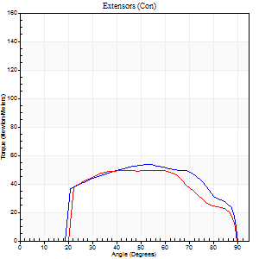
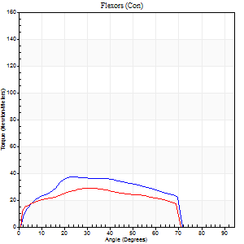
Right Side Curves Left Side Curves
Isokinetic Con/Con |  |  |  | Extensors (Con) |  | Flexors (Con)
Speed 240/240 d/s 3 Reps |  |  |  | Value | Cof Var | %BW | Value | Cof Var | %BW | Ratio

TORQUE PARAMETERS
Peak Torque (Newton-Meters - Best Repetition)
Right |  |  |  | 53 | 0.06 | 80 | 38 | 0.48 | 57 | 72
Left |  |  |  | 50 | 0.02 | 75 | 28 | 0.45 | 42 | 57
Deficit |  |  |  | 5 |  |  | 25
Work per Repetition (Newton-Meters - Best Repetition)
Right |  |  |  | 54 | 0.06 | 80 | 37 | 0.48 | 54 | 68
Left |  |  |  | 49 | 0.02 | 72 | 28 | 0.49 | 42 | 58
Deficit |  |  |  | 10 |  |  | 22
Average Power per Repetition (Watts - Best Repetition)
Right |  |  |  | 104 | 0.1 | 156 | 69 | 0.52 | 103 | 66
Left |  |  |  | 92 | 0.07 | 138 | 52 | 0.52 | 77 | 57
Deficit |  |  |  | 12 |  |  | 25
POSITION PARAMETERS
Joint Angle at Peak Torque (Degrees)
Right |  |  |  | 52 | 0.07 |  | 20 | 0.37
Left |  |  |  | 57 | 0.03 |  | 25 | 0.59
Range of Motion (Degrees)
Right |  |  |  | 1 | 0.55 |  | 89 | 0.01
Left |  |  |  | 1 | 0.09 |  | 89 | 0.01
TIME PARAMETERS
Time to Peak Torque (Seconds)
Right |  |  |  | 0.24 | 0 |  | 0.18 | 0.03
Left |  |  |  | 0.22 | 0.03 |  | 0.22 | 0.34
Time Peak Torque Held (Seconds)
Right |  |  |  | 0.02 | 1.25 |  | 0 | 1.73
Left |  |  |  | 0.03 | 0.62 |  | 0 | 0
Force Decay Time (Seconds)
Right |  |  |  | 0.26 | 0.09 |  | 0.34 | 0.15
Left |  |  |  | 0.26 | 0.12 |  | 0.33 | 0.31
Reciprocal Delay (Seconds)
Right |  |  |  | 0.05 | 0.13 |  | 0.08 | 0.33
Left |  |  |  | 0.05 | 0.13 |  | 0.06 | 0.29
Delay Time (Seconds)
Right |  |  |  | -0.02 | -0.28 |  | -0.02 | -0.25
Left |  |  |  | -0.01 | -0.47 |  | -0.03 | 0
HUMAC2015® Version: 15.000.0074 © Computer Sports Medicine, Inc. www.csmisolutions.com

Use File, Preference to set Report Heading
Isometric - Knee Extension/Flexion
Name: |  |  |  | TR030_FP3042, | ID: | TR030 | Right/Left: | 08.11.2022 08.11.2022

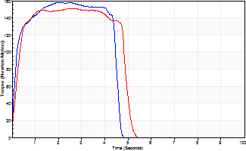
Isometric Extensors (Con) Angle 60 Time 10 Repetition 2 (Best Repetition)
 | Value | Cof Var | %BW
Peak Torque (Newton-Meters)
Right | 159 | 0.02 | 238
Left | 151 | 0.03 | 226
Deficit | 5
Average Torque (Newton-Meters)
Right | 68 | 0.02 | 101
Left | 71 | 0.02 | 104
Deficit | 4
Peak Torque Slope (Newton-Meters/Seconds)
Right | 104 | 0.23 | 156
Left | 63 | 0.16 | 94 |  | Right Side Curves Left Side Curves
Deficit | 40
Time to Half Peak Torque (Seconds)
Right | 0.17 | 0.13
Left | 0.23 | 0.06
Time to Peak Torque (Seconds)
Right | 1.78 | 0.25
Left | 2.62 | 0.13
HUMAC2015® Version: 15.000.0074 © Computer Sports Medicine, Inc. www.csmisolutions.com

post1
Use File, Preference to set Report Heading
Long Form Torque vs. Position Report - Knee Extension/Flexion
Name: |  |  |  | TR030_FP3042, | ID: | TR030 | Right/Left: | 05.12.2022 05.12.2022
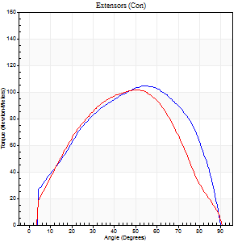
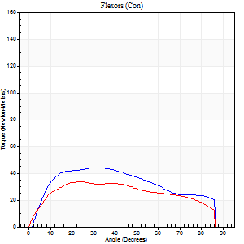
Right Side Curves Left Side Curves
Isokinetic Con/Con |  |  |  | Extensors (Con) |  | Flexors (Con)
Speed 60/60 d/s 3 Reps |  |  |  | Value | Cof Var | %BW | Value | Cof Var | %BW | Ratio

TORQUE PARAMETERS
Peak Torque (Newton-Meters - Best Repetition)
Right |  |  |  | 104 | 0.02 | 155 | 43 | 0.46 | 66 | 42
Left |  |  |  | 102 | 0.02 | 152 | 34 | 0.42 | 51 | 33
Deficit |  |  |  | 3 |  |  | 22
Work per Repetition (Newton-Meters - Best Repetition)
Right |  |  |  | 113 | 0.09 | 167 | 49 | 0.47 | 72 | 43
Left |  |  |  | 104 | 0.01 | 155 | 38 | 0.41 | 57 | 36
Deficit |  |  |  | 7 |  |  | 22
Average Power per Repetition (Watts - Best Repetition)
Right |  |  |  | 72 | 0.38 | 108 | 31 | 0.45 | 46 | 43
Left |  |  |  | 67 | 0.03 | 101 | 25 | 0.39 | 37 | 37
Deficit |  |  |  | 7 |  |  | 19
POSITION PARAMETERS
Joint Angle at Peak Torque (Degrees)
Right |  |  |  | 54 | 0 |  | 26 | 0.35
Left |  |  |  | 51 | 0.03 |  | 31 | 0.24
Range of Motion (Degrees)
Right |  |  |  | 0 | 1.13 |  | 90 | 0
Left |  |  |  | 0 | 1.41 |  | 90 | 0
TIME PARAMETERS
Time to Peak Torque (Seconds)
Right |  |  |  | 0.62 | 0.01 |  | 0.46 | 0.32
Left |  |  |  | 0.65 | 0.08 |  | 0.55 | 0.22
Time Peak Torque Held (Seconds)
Right |  |  |  | 0.05 | 0.45 |  | 0.06 | 1.73
Left |  |  |  | 0.05 | 0.43 |  | 0.14 | 1.08
Force Decay Time (Seconds)
Right |  |  |  | 0.88 | 0.02 |  | 1.01 | 0.26
Left |  |  |  | 0.84 | 0.06 |  | 0.82 | 0.3
Reciprocal Delay (Seconds)
Right |  |  |  | 0.19 | 0.04 |  | 0.18 | 0.24
Left |  |  |  | 0.11 | 0.06 |  | 0.2 | 0.16
Delay Time (Seconds)
Right |  |  |  | -0.01 | -1.41 |  | 0.01 | 1.56
Left |  |  |  | 0.02 | 0 |  | -0.01 | -2.29
HUMAC2015® Version: 15.000.0074 © Computer Sports Medicine, Inc. www.csmisolutions.com

Use File, Preference to set Report Heading
Long Form Torque vs. Position Report - Knee Extension/Flexion
Name: |  |  |  | TR030_FP3042, | ID: | TR030 | Right/Left: | 05.12.2022 05.12.2022
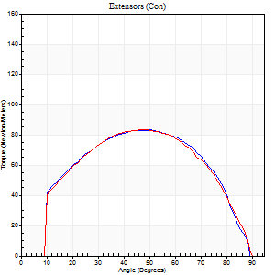
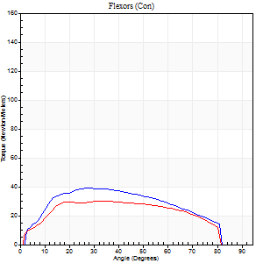
Right Side Curves Left Side Curves
Isokinetic Con/Con |  |  |  | Extensors (Con) |  | Flexors (Con)
Speed 120/120 d/s 3 Reps |  |  |  | Value | Cof Var | %BW | Value | Cof Var | %BW | Ratio

TORQUE PARAMETERS
Peak Torque (Newton-Meters - Best Repetition)
Right |  |  |  | 83 | 0.08 | 122 | 39 | 0.26 | 60 | 48
Left |  |  |  | 84 | 0.39 | 125 | 30 | 0.12 | 45 | 35
Deficit |  |  |  | 2 |  |  | 24
Work per Repetition (Newton-Meters - Best Repetition)
Right |  |  |  | 88 | 0.09 | 131 | 41 | 0.3 | 60 | 46
Left |  |  |  | 89 | 0.41 | 134 | 34 | 0.13 | 51 | 38
Deficit |  |  |  | 2 |  |  | 17
Average Power per Repetition (Watts - Best Repetition)
Right |  |  |  | 109 | 0.43 | 163 | 50 | 0.3 | 75 | 46
Left |  |  |  | 106 | 0.64 | 158 | 41 | 0.15 | 62 | 39
Deficit |  |  |  | 3 |  |  | 18
POSITION PARAMETERS
Joint Angle at Peak Torque (Degrees)
Right |  |  |  | 49 | 0.05 |  | 22 | 0.34
Left |  |  |  | 48 | 0.1 |  | 36 | 0.08
Range of Motion (Degrees)
Right |  |  |  | 1 | 0 |  | 90 | 0.01
Left |  |  |  | 1 | 0.82 |  | 89 | 0.01
TIME PARAMETERS
Time to Peak Torque (Seconds)
Right |  |  |  | 0.37 | 0.04 |  | 0.22 | 0.28
Left |  |  |  | 0.41 | 0.02 |  | 0.37 | 0.12
Time Peak Torque Held (Seconds)
Right |  |  |  | 0.06 | 0.27 |  | 0.02 | 0.92
Left |  |  |  | 0.04 | 0.5 |  | 0.01 | 1.73
Force Decay Time (Seconds)
Right |  |  |  | 0.39 | 0.07 |  | 0.57 | 0.19
Left |  |  |  | 0.41 | 0.11 |  | 0.46 | 0.06
Reciprocal Delay (Seconds)
Right |  |  |  | 0.09 | 0.47 |  | 0.11 | 0.05
Left |  |  |  | 0.07 | 0.4 |  | 0.1 | 0.36
Delay Time (Seconds)
Right |  |  |  | -0.01 | -1.41 |  | 0.01 | 1.56
Left |  |  |  | -0.01 | -0.47 |  | -0.01 | -0.87
HUMAC2015® Version: 15.000.0074 © Computer Sports Medicine, Inc. www.csmisolutions.com

Use File, Preference to set Report Heading
Long Form Torque vs. Position Report - Knee Extension/Flexion
Name: |  |  |  | TR030_FP3042, | ID: | TR030 | Right/Left: | 05.12.2022 05.12.2022
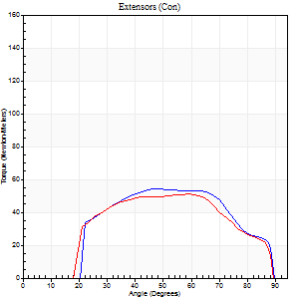
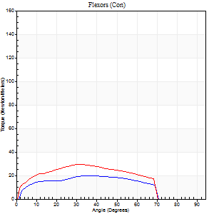
Right Side Curves Left Side Curves
Isokinetic Con/Con |  |  |  | Extensors (Con) |  | Flexors (Con)
Speed 240/240 d/s 3 Reps |  |  |  | Value | Cof Var | %BW | Value | Cof Var | %BW | Ratio

TORQUE PARAMETERS
Peak Torque (Newton-Meters - Best Repetition)
Right |  |  |  | 54 | 0.11 | 80 | 20 | 0.29 | 30 | 38
Left |  |  |  | 52 | 0.02 | 77 | 30 | 0.35 | 45 | 58
Deficit |  |  |  | 5 |  |  | 32
Work per Repetition (Newton-Meters - Best Repetition)
Right |  |  |  | 53 | 0.16 | 80 | 19 | 0.25 | 30 | 36
Left |  |  |  | 50 | 0.03 | 75 | 28 | 0.37 | 42 | 57
Deficit |  |  |  | 5 |  |  | 33
Average Power per Repetition (Watts - Best Repetition)
Right |  |  |  | 107 | 0.24 | 160 | 36 | 0.23 | 53 | 34
Left |  |  |  | 102 | 0.11 | 152 | 54 | 0.38 | 81 | 53
Deficit |  |  |  | 5 |  |  | 33
POSITION PARAMETERS
Joint Angle at Peak Torque (Degrees)
Right |  |  |  | 51 | 0.07 |  | 39 | 0.31
Left |  |  |  | 60 | 0.02 |  | 26 | 0.39
Range of Motion (Degrees)
Right |  |  |  | 2 | 0.07 |  | 89 | 0.01
Left |  |  |  | 1 | 0.13 |  | 89 | 0.01
TIME PARAMETERS
Time to Peak Torque (Seconds)
Right |  |  |  | 0.24 | 0.06 |  | 0.26 | 0.29
Left |  |  |  | 0.19 | 0.04 |  | 0.21 | 0.14
Time Peak Torque Held (Seconds)
Right |  |  |  | 0 | 1.73 |  | 0.01 | 1
Left |  |  |  | 0.03 | 1.15 |  | 0 | 1.73
Force Decay Time (Seconds)
Right |  |  |  | 0.25 | 0.1 |  | 0.24 | 0.27
Left |  |  |  | 0.27 | 0.11 |  | 0.3 | 0.1
Reciprocal Delay (Seconds)
Right |  |  |  | 0.05 | 0 |  | 0.06 | 0.17
Left |  |  |  | 0.05 | 0.28 |  | 0.06 | 0.09
Delay Time (Seconds)
Right |  |  |  | -0.02 | -0.28 |  | -0.01 | -1
Left |  |  |  | -0.02 | 0 |  | -0.03 | 0
HUMAC2015® Version: 15.000.0074 © Computer Sports Medicine, Inc. www.csmisolutions.com

Use File, Preference to set Report Heading
Isometric - Knee Extension/Flexion
Name: |  |  |  | TR030_FP3042, | ID: | TR030 | Right/Left: | 05.12.2022 05.12.2022

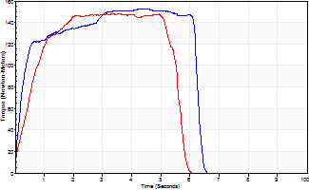
Isometric Extensors (Con) Angle 60 Time 10 Repetition 2 (Best Repetition)
 | Value | Cof Var | %BW
Peak Torque (Newton-Meters)
Right | 153 | 0.01 | 229
Left | 148 | 0 | 221
Deficit | 4
Average Torque (Newton-Meters)
Right | 85 | 0.04 | 128
Left | 72 | 0.02 | 107
Deficit | 16
Peak Torque Slope (Newton-Meters/Seconds)
Right | 34 | 0.04 | 51
Left | 63 | 0.25 | 95 |  | Right Side Curves Left Side Curves
Deficit | 46
Time to Half Peak Torque (Seconds)
Right | 0.23 | 0.03
Left | 0.5 | 0.06
Time to Peak Torque (Seconds)
Right | 4.57 | 0.03
Left | 2.84 | 0.26
HUMAC2015® Version: 15.000.0074 © Computer Sports Medicine, Inc. www.csmisolutions.com

post2
Use File, Preference to set Report Heading
Long Form Torque vs. Position Report - Knee Extension/Flexion
Name: |  |  |  | TR030_FP3042, | ID: | TR030 | Right/Left: | 07.12.2022 07.12.2022
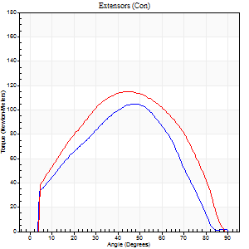
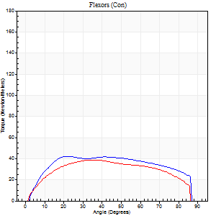
Right Side Curves Left Side Curves
Isokinetic Con/Con |  |  |  | Extensors (Con) |  | Flexors (Con)
Speed 60/60 d/s 3 Reps |  |  |  | Value | Cof Var | %BW | Value | Cof Var | %BW | Ratio

TORQUE PARAMETERS
Peak Torque (Newton-Meters - Best Repetition)
Right |  |  |  | 104 | 0.11 | 155 | 42 | 0.38 | 63 | 40
Left |  |  |  | 115 | 0.05 | 173 | 39 | 0.42 | 60 | 34
Deficit |  |  |  | 9 |  |  | 6
Work per Repetition (Newton-Meters - Best Repetition)
Right |  |  |  | 115 | 0.1 | 173 | 52 | 0.42 | 77 | 45
Left |  |  |  | 119 | 0.02 | 179 | 45 | 0.48 | 66 | 38
Deficit |  |  |  | 3 |  |  | 13
Average Power per Repetition (Watts - Best Repetition)
Right |  |  |  | 74 | 0.19 | 110 | 34 | 0.41 | 51 | 46
Left |  |  |  | 77 | 0.03 | 114 | 29 | 0.48 | 44 | 38
Deficit |  |  |  | 4 |  |  | 15
POSITION PARAMETERS
Joint Angle at Peak Torque (Degrees)
Right |  |  |  | 48 | 0.11 |  | 25 | 0.44
Left |  |  |  | 46 | 0.01 |  | 37 | 0.13
Range of Motion (Degrees)
Right |  |  |  | 0 | 0.81 |  | 90 | 0
Left |  |  |  | 0 | 1.41 |  | 90 | 0
TIME PARAMETERS
Time to Peak Torque (Seconds)
Right |  |  |  | 0.72 | 0.18 |  | 0.41 | 0.43
Left |  |  |  | 0.75 | 0.01 |  | 0.63 | 0.16
Time Peak Torque Held (Seconds)
Right |  |  |  | 0.07 | 0.25 |  | 0.15 | 1.39
Left |  |  |  | 0.08 | 0.18 |  | 0.05 | 0.43
Force Decay Time (Seconds)
Right |  |  |  | 0.75 | 0.14 |  | 0.96 | 0.28
Left |  |  |  | 0.7 | 0.02 |  | 0.83 | 0.1
Reciprocal Delay (Seconds)
Right |  |  |  | 0.22 | 0.26 |  | 0.18 | 0.24
Left |  |  |  | 0.11 | 0.18 |  | 0.17 | 0.5
Delay Time (Seconds)
Right |  |  |  | -0.01 | 0 |  | 0.02 | 0.5
Left |  |  |  | 0.02 | 0 |  | 0.01 | 0.87
HUMAC2015® Version: 15.000.0074 © Computer Sports Medicine, Inc. www.csmisolutions.com

Use File, Preference to set Report Heading
Long Form Torque vs. Position Report - Knee Extension/Flexion
Name: |  |  |  | TR030_FP3042, | ID: | TR030 | Right/Left: | 07.12.2022 07.12.2022
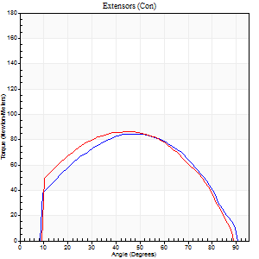
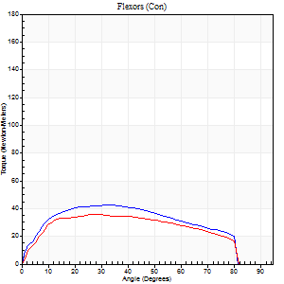
Right Side Curves Left Side Curves
Isokinetic Con/Con |  |  |  | Extensors (Con) |  | Flexors (Con)
Speed 120/120 d/s 3 Reps |  |  |  | Value | Cof Var | %BW | Value | Cof Var | %BW | Ratio

TORQUE PARAMETERS
Peak Torque (Newton-Meters - Best Repetition)
Right |  |  |  | 84 | 0.02 | 125 | 42 | 0.19 | 63 | 50
Left |  |  |  | 85 | 0.01 | 128 | 35 | 0.26 | 54 | 41
Deficit |  |  |  | 2 |  |  | 16
Work per Repetition (Newton-Meters - Best Repetition)
Right |  |  |  | 91 | 0.01 | 137 | 46 | 0.2 | 69 | 51
Left |  |  |  | 92 | 0.06 | 137 | 39 | 0.29 | 60 | 43
Deficit |  |  |  | 1 |  |  | 15
Average Power per Repetition (Watts - Best Repetition)
Right |  |  |  | 106 | 0.03 | 158 | 56 | 0.2 | 84 | 53
Left |  |  |  | 110 | 0.1 | 165 | 48 | 0.27 | 73 | 44
Deficit |  |  |  | 4 |  |  | 14
POSITION PARAMETERS
Joint Angle at Peak Torque (Degrees)
Right |  |  |  | 47 | 0.02 |  | 27 | 0.15
Left |  |  |  | 44 | 0.03 |  | 35 | 0.2
Range of Motion (Degrees)
Right |  |  |  | 0 | 0.4 |  | 90 | 0
Left |  |  |  | 1 | 0.75 |  | 90 | 0.01
TIME PARAMETERS
Time to Peak Torque (Seconds)
Right |  |  |  | 0.41 | 0.02 |  | 0.27 | 0.17
Left |  |  |  | 0.41 | 0.03 |  | 0.35 | 0.18
Time Peak Torque Held (Seconds)
Right |  |  |  | 0.02 | 0.25 |  | 0 | 1.73
Left |  |  |  | 0.05 | 0.54 |  | 0.03 | 0.92
Force Decay Time (Seconds)
Right |  |  |  | 0.41 | 0.09 |  | 0.55 | 0.07
Left |  |  |  | 0.37 | 0.05 |  | 0.43 | 0.25
Reciprocal Delay (Seconds)
Right |  |  |  | 0.09 | 0.07 |  | 0.1 | 0.11
Left |  |  |  | 0.09 | 0.08 |  | 0.11 | 0.18
Delay Time (Seconds)
Right |  |  |  | -0.01 | -0.47 |  | 0 | 6.93
Left |  |  |  | 0 | 0 |  | -0.01 | -0.87
HUMAC2015® Version: 15.000.0074 © Computer Sports Medicine, Inc. www.csmisolutions.com

Use File, Preference to set Report Heading
Long Form Torque vs. Position Report - Knee Extension/Flexion
Name: |  |  |  | TR030_FP3042, | ID: | TR030 | Right/Left: | 07.12.2022 07.12.2022
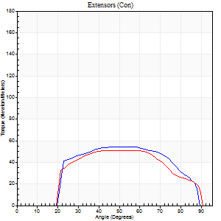
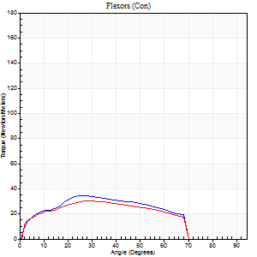
Right Side Curves Left Side Curves
Isokinetic Con/Con |  |  |  | Extensors (Con) |  | Flexors (Con)
Speed 240/240 d/s 3 Reps |  |  |  | Value | Cof Var | %BW | Value | Cof Var | %BW | Ratio

TORQUE PARAMETERS
Peak Torque (Newton-Meters - Best Repetition)
Right |  |  |  | 54 | 0.04 | 80 | 34 | 0.57 | 51 | 62
Left |  |  |  | 52 | 0.01 | 77 | 30 | 0.23 | 45 | 58
Deficit |  |  |  | 5 |  |  | 12
Work per Repetition (Newton-Meters - Best Repetition)
Right |  |  |  | 54 | 0.05 | 80 | 33 | 0.55 | 48 | 60
Left |  |  |  | 50 | 0.03 | 75 | 28 | 0.25 | 42 | 57
Deficit |  |  |  | 8 |  |  | 13
Average Power per Repetition (Watts - Best Repetition)
Right |  |  |  | 105 | 0.11 | 156 | 64 | 0.57 | 97 | 61
Left |  |  |  | 98 | 0.04 | 147 | 57 | 0.29 | 86 | 58
Deficit |  |  |  | 7 |  |  | 11
POSITION PARAMETERS
Joint Angle at Peak Torque (Degrees)
Right |  |  |  | 53 | 0.07 |  | 22 | 0.46
Left |  |  |  | 44 | 0.02 |  | 31 | 0.13
Range of Motion (Degrees)
Right |  |  |  | 1 | 0.61 |  | 89 | 0.01
Left |  |  |  | 1 | 0 |  | 89 | 0.01
TIME PARAMETERS
Time to Peak Torque (Seconds)
Right |  |  |  | 0.23 | 0.09 |  | 0.19 | 0.12
Left |  |  |  | 0.25 | 0 |  | 0.23 | 0.16
Time Peak Torque Held (Seconds)
Right |  |  |  | 0.04 | 0.35 |  | 0.01 | 1
Left |  |  |  | 0 | 0 |  | 0.01 | 1.73
Force Decay Time (Seconds)
Right |  |  |  | 0.23 | 0.07 |  | 0.33 | 0.12
Left |  |  |  | 0.23 | 0 |  | 0.28 | 0.04
Reciprocal Delay (Seconds)
Right |  |  |  | 0.04 | 0.2 |  | 0.08 | 0.4
Left |  |  |  | 0.05 | 0.16 |  | 0.05 | 0.11
Delay Time (Seconds)
Right |  |  |  | -0.02 | 0 |  | -0.02 | -0.35
Left |  |  |  | -0.02 | 0 |  | -0.03 | -0.22
HUMAC2015® Version: 15.000.0074 © Computer Sports Medicine, Inc. www.csmisolutions.com

Use File, Preference to set Report Heading
Isometric - Knee Extension/Flexion
Name: |  |  |  | TR030_FP3042, | ID: | TR030 | Right/Left: | 07.12.2022 07.12.2022

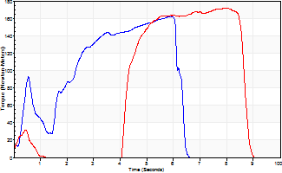
Isometric Extensors (Con) Angle 60 Time 10 Repetition 2 (Best Repetition)
 | Value | Cof Var | %BW
Peak Torque (Newton-Meters)
Right | 161 | 0.01 | 241
Left | 172 | 0.01 | 256
Deficit | 6
Average Torque (Newton-Meters)
Right | 71 | 0.09 | 104
Left | 73 | 0.12 | 110
Deficit | 4
Peak Torque Slope (Newton-Meters/Seconds)
Right | 41 | 0.28 | 61
Left | 71 | 0.76 | 107 |  | Right Side Curves Left Side Curves
Deficit | 43
Time to Half Peak Torque (Seconds)
Right | 0.37 | 0.34
Left | 2.26 | 1.26
Time to Peak Torque (Seconds)
Right | 4.89 | 0.29
Left | 5.16 | 0.77
HUMAC2015® Version: 15.000.0074 © Computer Sports Medicine, Inc. www.csmisolutions.com

