pre1
Use File, Preference to set Report Heading
Long Form Torque vs. Position Report - Knee Extension/Flexion
Name: |  |  |  | TR030_FP3043, | ID: | TR030 | Right/Left: | 09.09.2022 09.09.2022
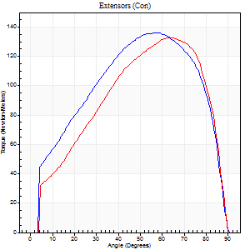
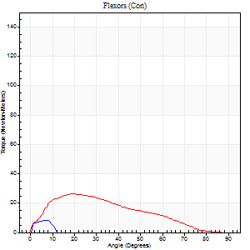
Right Side Curves Left Side Curves
Isokinetic Con/Con |  |  |  | Extensors (Con) |  | Flexors (Con)
Speed 60/60 d/s 3 Reps |  |  |  | Value | Cof Var | %BW | Value | Cof Var | %BW | Ratio

TORQUE PARAMETERS
Peak Torque (Newton-Meters - Best Repetition)
Right |  |  |  | 136 | 0.75 | 226 | 8 | 0.73 | 15 | 6
Left |  |  |  | 133 | 0.02 | 221 | 26 | 0.44 | 42 | 19
Deficit |  |  |  | 2 |  |  | 68
Work per Repetition (Newton-Meters - Best Repetition)
Right |  |  |  | 151 | 0.85 | 250 | 1 | 0.09 | 3 | 1
Left |  |  |  | 137 | 0.02 | 229 | 22 | 0.68 | 36 | 16
Deficit |  |  |  | 9 |  |  | 94
Average Power per Repetition (Watts - Best Repetition)
Right |  |  |  | 91 | 0.78 | 152 | 4 | 1.47 | 7 | 4
Left |  |  |  | 87 | 0.01 | 145 | 13 | 0.78 | 22 | 15
Deficit |  |  |  | 4 |  |  | 69
POSITION PARAMETERS
Joint Angle at Peak Torque (Degrees)
Right |  |  |  | 38 | 0.69 |  | 9 | 1.06
Left |  |  |  | 64 | 0.03 |  | 19 | 0.16
Range of Motion (Degrees)
Right |  |  |  | 0 | 2.12 |  | 65 | 0.68
Left |  |  |  | 0 | -1.41 |  | 90 | 0
TIME PARAMETERS
Time to Peak Torque (Seconds)
Right |  |  |  | 0.38 | 0.77 |  | 0.3 | 1.01
Left |  |  |  | 0.43 | 0.07 |  | 0.42 | 0.05
Time Peak Torque Held (Seconds)
Right |  |  |  | 0.05 | 0.87 |  | 0.01 | 1.73
Left |  |  |  | 0.07 | 0.08 |  | 0.04 | 1.73
Force Decay Time (Seconds)
Right |  |  |  | 0.65 | 0.69 |  | 3.11 | 0.82
Left |  |  |  | 1.03 | 0.04 |  | 1.35 | 0.23
Reciprocal Delay (Seconds)
Right |  |  |  | 0.96 | 1.3 |  | 1.01 | 0.92
Left |  |  |  | 0.37 | 0.83 |  | 0.37 | 0.21
Delay Time (Seconds)
Right |  |  |  | -0.04 | -0.61 |  | -0.01 | -7.55
Left |  |  |  | 0 | 1.41 |  | -0.03 | -0.67
HUMAC2015® Version: 15.000.0074 © Computer Sports Medicine, Inc. www.csmisolutions.com

Use File, Preference to set Report Heading
Long Form Torque vs. Position Report - Knee Extension/Flexion
Name: |  |  |  | TR030_FP3043, | ID: | TR030 | Right/Left: | 09.09.2022 09.09.2022
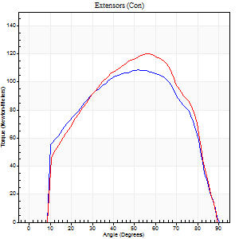
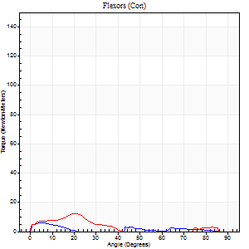
Right Side Curves Left Side Curves
Isokinetic Con/Con |  |  |  | Extensors (Con) |  | Flexors (Con)
Speed 120/120 d/s 3 Reps |  |  |  | Value | Cof Var | %BW | Value | Cof Var | %BW | Ratio

TORQUE PARAMETERS
Peak Torque (Newton-Meters - Best Repetition)
Right |  |  |  | 108 | 0.02 | 182 | 5 | 0.35 | 9 | 5
Left |  |  |  | 121 | 0.06 | 200 | 12 | 0.33 | 21 | 10
Deficit |  |  |  | 10 |  |  | 56
Work per Repetition (Newton-Meters - Best Repetition)
Right |  |  |  | 118 | 0.02 | 197 | 3 | 0.41 | 6 | 2
Left |  |  |  | 122 | 0.04 | 203 | 5 | 0.37 | 9 | 4
Deficit |  |  |  | 3 |  |  | 50
Average Power per Repetition (Watts - Best Repetition)
Right |  |  |  | 124 | 0.69 | 207 | 1 | 0.57 | 2 | 1
Left |  |  |  | 136 | 0.02 | 226 | 4 | 0.46 | 7 | 3
Deficit |  |  |  | 9 |  |  | 75
POSITION PARAMETERS
Joint Angle at Peak Torque (Degrees)
Right |  |  |  | 54 | 0.03 |  | 5 | 0.01
Left |  |  |  | 57 | 0.01 |  | 13 | 0.69
Range of Motion (Degrees)
Right |  |  |  | 0 | -0.47 |  | 90 | 0
Left |  |  |  | 0 | -4.24 |  | 90 | 0
TIME PARAMETERS
Time to Peak Torque (Seconds)
Right |  |  |  | 0.4 | 0.11 |  | 0.23 | 0.2
Left |  |  |  | 0.31 | 0.05 |  | 0.23 | 0.43
Time Peak Torque Held (Seconds)
Right |  |  |  | 0.03 | 0.33 |  | 0 | 0
Left |  |  |  | 0.03 | 0 |  | 0 | 1.73
Force Decay Time (Seconds)
Right |  |  |  | 0.53 | 0.02 |  | 1.89 | 0.37
Left |  |  |  | 0.55 | 0.07 |  | 1.33 | 0.17
Reciprocal Delay (Seconds)
Right |  |  |  | 0.14 | 0.1 |  | 0.66 | 0.2
Left |  |  |  | 0.19 | 0.89 |  | 0.36 | 0.42
Delay Time (Seconds)
Right |  |  |  | -0.05 | -0.28 |  | -0.05 | -0.54
Left |  |  |  | 0 | 0 |  | -0.04 | -0.25
HUMAC2015® Version: 15.000.0074 © Computer Sports Medicine, Inc. www.csmisolutions.com

Use File, Preference to set Report Heading
Long Form Torque vs. Position Report - Knee Extension/Flexion
Name: |  |  |  | TR030_FP3043, | ID: | TR030 | Right/Left: | 09.09.2022 09.09.2022
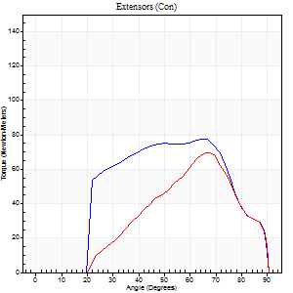
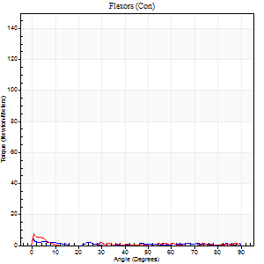
Right Side Curves Left Side Curves
Isokinetic Con/Con |  |  |  | Extensors (Con) |  | Flexors (Con)
Speed 240/240 d/s 3 Reps |  |  |  | Value | Cof Var | %BW | Value | Cof Var | %BW | Ratio

TORQUE PARAMETERS
Peak Torque (Newton-Meters - Best Repetition)
Right |  |  |  | 77 | 0.05 | 128 | 5 | 0.19 | 9 | 7
Left |  |  |  | 71 | 0.37 | 116 | 7 | 0.33 | 12 | 10
Deficit |  |  |  | 9 |  |  | 20
Work per Repetition (Newton-Meters - Best Repetition)
Right |  |  |  | 76 | 0.07 | 125 | 1 | 0.1 | 3 | 2
Left |  |  |  | 50 | 0.44 | 83 | 1 | 0.11 | 3 | 3
Deficit |  |  |  | 34 |  |  | 0
Average Power per Repetition (Watts - Best Repetition)
Right |  |  |  | 130 | 0.33 | 215 | 1 | 0.28 | 2 | 1
Left |  |  |  | 75 | 0.46 | 125 | 0 | 0.17 | 0 | 0
Deficit |  |  |  | 42 |  |  | 0
POSITION PARAMETERS
Joint Angle at Peak Torque (Degrees)
Right |  |  |  | 64 | 0.02 |  | 4 | 1.6
Left |  |  |  | 67 | 0.01 |  | 1 | 0.96
Range of Motion (Degrees)
Right |  |  |  | 0 | 0 |  | 90 | 0
Left |  |  |  | 0 | 0.71 |  | 90 | 0
TIME PARAMETERS
Time to Peak Torque (Seconds)
Right |  |  |  | 0.2 | 0.07 |  | 0.18 | 1.26
Left |  |  |  | 0.19 | 0.11 |  | 0.08 | 0.76
Time Peak Torque Held (Seconds)
Right |  |  |  | 0.01 | 0.87 |  | 0.17 | 1.44
Left |  |  |  | 0.01 | 0.87 |  | 0.05 | 0.89
Force Decay Time (Seconds)
Right |  |  |  | 0.37 | 0.03 |  | 1.85 | 0.3
Left |  |  |  | 0.45 | 0.08 |  | 2.8 | 0.28
Reciprocal Delay (Seconds)
Right |  |  |  | 0.17 | 0.56 |  | 0.76 | 0.31
Left |  |  |  | 2.05 | 0.37 |  | 0.23 | 0.24
Delay Time (Seconds)
Right |  |  |  | -0.03 | 0 |  | -0.05 | -0.11
Left |  |  |  | -0.02 | -0.28 |  | -0.05 | -0.2
HUMAC2015® Version: 15.000.0074 © Computer Sports Medicine, Inc. www.csmisolutions.com

Use File, Preference to set Report Heading
Isometric - Knee Extension/Flexion
Name: |  |  |  | TR030_FP3043, | ID: | TR030 | Right/Left: | 09.09.2022 09.09.2022

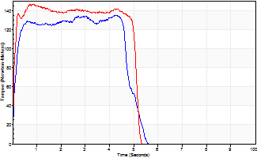
Isometric Extensors (Con) Angle 60 Time 10 Repetition 2 (Best Repetition)
 | Value | Cof Var | %BW
Peak Torque (Newton-Meters)
Right | 136 | 0.01 | 226
Left | 146 | 0.05 | 244
Deficit | 7
Average Torque (Newton-Meters)
Right | 61 | 0.05 | 101
Left | 71 | 0.15 | 116
Deficit | 13
Peak Torque Slope (Newton-Meters/Seconds)
Right | 73 | 0.56 | 122
Left | 326 | 0.42 | 543 |  | Right Side Curves Left Side Curves
Deficit | 78
Time to Half Peak Torque (Seconds)
Right | 0.14 | 0.16
Left | 0.09 | 0.42
Time to Peak Torque (Seconds)
Right | 3.03 | 0.56
Left | 0.62 | 0.47
HUMAC2015® Version: 15.000.0074 © Computer Sports Medicine, Inc. www.csmisolutions.com

pre2
Use File, Preference to set Report Heading
Long Form Torque vs. Position Report - Knee Extension/Flexion
Name: |  |  |  | TR030_FP3043, | ID: | TR030 | Right/Left: | 21.09.2022 21.09.2022
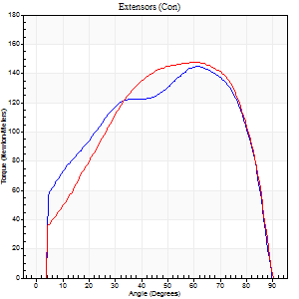
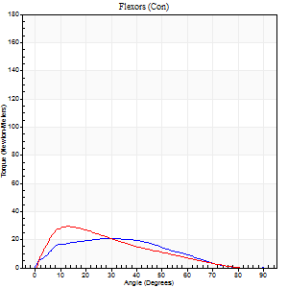
Right Side Curves Left Side Curves
Isokinetic Con/Con |  |  |  | Extensors (Con) |  | Flexors (Con)
Speed 60/60 d/s 3 Reps |  |  |  | Value | Cof Var | %BW | Value | Cof Var | %BW | Ratio

TORQUE PARAMETERS
Peak Torque (Newton-Meters - Best Repetition)
Right |  |  |  | 145 | 0.12 | 241 | 20 | 0.26 | 33 | 14
Left |  |  |  | 148 | 0.11 | 247 | 30 | 0.45 | 51 | 20
Deficit |  |  |  | 2 |  |  | 32
Work per Repetition (Newton-Meters - Best Repetition)
Right |  |  |  | 164 | 0.09 | 274 | 19 | 0.21 | 33 | 12
Left |  |  |  | 163 | 0.15 | 271 | 20 | 0.43 | 33 | 12
Deficit |  |  |  | 1 |  |  | 7
Average Power per Repetition (Watts - Best Repetition)
Right |  |  |  | 103 | 0.72 | 171 | 10 | 0.2 | 18 | 10
Left |  |  |  | 101 | 0.14 | 169 | 13 | 0.47 | 22 | 13
Deficit |  |  |  | 2 |  |  | 23
POSITION PARAMETERS
Joint Angle at Peak Torque (Degrees)
Right |  |  |  | 66 | 0.1 |  | 25 | 0.58
Left |  |  |  | 57 | 0.17 |  | 19 | 0.71
Range of Motion (Degrees)
Right |  |  |  | 0 | -4.24 |  | 90 | 0
Left |  |  |  | 0 | -1.41 |  | 90 | 0
TIME PARAMETERS
Time to Peak Torque (Seconds)
Right |  |  |  | 0.49 | 0.01 |  | 0.47 | 0.53
Left |  |  |  | 0.46 | 0.17 |  | 0.36 | 0.68
Time Peak Torque Held (Seconds)
Right |  |  |  | 0.05 | 0.22 |  | 0.06 | 1.73
Left |  |  |  | 0.08 | 0.39 |  | 0.02 | 0.92
Force Decay Time (Seconds)
Right |  |  |  | 1.12 | 0.11 |  | 1.26 | 0.45
Left |  |  |  | 0.92 | 0.2 |  | 1.22 | 0.16
Reciprocal Delay (Seconds)
Right |  |  |  | 1 | 0.56 |  | 0.93 | 0.53
Left |  |  |  | 0.9 | 0.28 |  | 0.36 | 0.73
Delay Time (Seconds)
Right |  |  |  | 0 | -1.41 |  | 0 | 6.93
Left |  |  |  | 0 | 4.24 |  | 0 | 4.58
HUMAC2015® Version: 15.000.0074 © Computer Sports Medicine, Inc. www.csmisolutions.com

Use File, Preference to set Report Heading
Long Form Torque vs. Position Report - Knee Extension/Flexion
Name: |  |  |  | TR030_FP3043, | ID: | TR030 | Right/Left: | 21.09.2022 21.09.2022
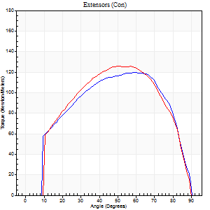
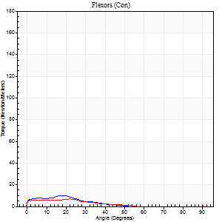
Right Side Curves Left Side Curves
Isokinetic Con/Con |  |  |  | Extensors (Con) |  | Flexors (Con)
Speed 120/120 d/s 3 Reps |  |  |  | Value | Cof Var | %BW | Value | Cof Var | %BW | Ratio

TORQUE PARAMETERS
Peak Torque (Newton-Meters - Best Repetition)
Right |  |  |  | 119 | 0.06 | 200 | 9 | 0.46 | 15 | 8
Left |  |  |  | 126 | 0.03 | 209 | 11 | 0.32 | 18 | 9
Deficit |  |  |  | 5 |  |  | 13
Work per Repetition (Newton-Meters - Best Repetition)
Right |  |  |  | 136 | 0.06 | 226 | 5 | 0.65 | 9 | 4
Left |  |  |  | 134 | 0.04 | 224 | 4 | 0.08 | 6 | 3
Deficit |  |  |  | 1 |  |  | 25
Average Power per Repetition (Watts - Best Repetition)
Right |  |  |  | 145 | 0.08 | 242 | 5 | 0.99 | 9 | 3
Left |  |  |  | 150 | 0.05 | 251 | 5 | 0.17 | 9 | 3
Deficit |  |  |  | 3 |  |  | 0
POSITION PARAMETERS
Joint Angle at Peak Torque (Degrees)
Right |  |  |  | 58 | 0.04 |  | 8 | 1.15
Left |  |  |  | 58 | 0.01 |  | 38 | 1.22
Range of Motion (Degrees)
Right |  |  |  | 0 | -0.47 |  | 90 | 0
Left |  |  |  | 0 | 0 |  | 90 | 0
TIME PARAMETERS
Time to Peak Torque (Seconds)
Right |  |  |  | 0.31 | 0.02 |  | 0.17 | 0.75
Left |  |  |  | 0.31 | 0 |  | 0.66 | 1.08
Time Peak Torque Held (Seconds)
Right |  |  |  | 0.05 | 0.35 |  | 0 | 0
Left |  |  |  | 0.08 | 0.12 |  | 0 | 0
Force Decay Time (Seconds)
Right |  |  |  | 0.57 | 0.05 |  | 1.49 | 0.49
Left |  |  |  | 0.51 | 0.03 |  | 0.44 | 1.4
Reciprocal Delay (Seconds)
Right |  |  |  | 0.5 | 0.07 |  | 0.49 | 0.22
Left |  |  |  | 0.64 | 0.24 |  | 1.07 | 0.46
Delay Time (Seconds)
Right |  |  |  | -0.01 | -0.47 |  | -0.02 | -1.31
Left |  |  |  | 0 | -1.41 |  | -0.04 | -0.5
HUMAC2015® Version: 15.000.0074 © Computer Sports Medicine, Inc. www.csmisolutions.com

Use File, Preference to set Report Heading
Long Form Torque vs. Position Report - Knee Extension/Flexion
Name: |  |  |  | TR030_FP3043, | ID: | TR030 | Right/Left: | 21.09.2022 21.09.2022
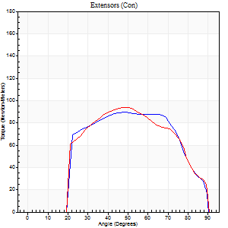

Right Side Curves Left Side Curves
Isokinetic Con/Con |  |  |  | Extensors (Con) |  | Flexors (Con)
Speed 240/240 d/s 3 Reps |  |  |  | Value | Cof Var | %BW | Value | Cof Var | %BW | Ratio

TORQUE PARAMETERS
Peak Torque (Newton-Meters - Best Repetition)
Right |  |  |  | 89 | 0.03 | 149 | 11 | 0.38 | 18 | 12
Left |  |  |  | 94 | 0.09 | 155 | 9 | 0.3 | 15 | 10
Deficit |  |  |  | 4 |  |  | 13
Work per Repetition (Newton-Meters - Best Repetition)
Right |  |  |  | 89 | 0.05 | 149 | 3 | 0.18 | 6 | 3
Left |  |  |  | 89 | 0.1 | 149 | 4 | 0.43 | 6 | 5
Deficit |  |  |  | 0 |  |  | 33
Average Power per Repetition (Watts - Best Repetition)
Right |  |  |  | 152 | 0.04 | 253 | 2 | 0.22 | 4 | 1
Left |  |  |  | 153 | 0.12 | 255 | 5 | 0.69 | 9 | 3
Deficit |  |  |  | 1 |  |  | 60
POSITION PARAMETERS
Joint Angle at Peak Torque (Degrees)
Right |  |  |  | 55 | 0.19 |  | 61 | 0.8
Left |  |  |  | 52 | 0.03 |  | 62 | 0.81
Range of Motion (Degrees)
Right |  |  |  | 0 | 0 |  | 90 | 0
Left |  |  |  | 0 | -0.28 |  | 90 | 0
TIME PARAMETERS
Time to Peak Torque (Seconds)
Right |  |  |  | 0.26 | 0.03 |  | 0.76 | 0.66
Left |  |  |  | 0.24 | 0 |  | 1.13 | 0.86
Time Peak Torque Held (Seconds)
Right |  |  |  | 0.01 | 0.43 |  | 0.01 | 1.73
Left |  |  |  | 0.01 | 0.43 |  | 0.01 | 1.73
Force Decay Time (Seconds)
Right |  |  |  | 0.33 | 0.14 |  | 0.34 | 1.6
Left |  |  |  | 0.33 | 0.05 |  | 0.03 | 16.18
Reciprocal Delay (Seconds)
Right |  |  |  | 0.43 | 0.36 |  | 1.14 | 0.47
Left |  |  |  | 0.6 | 0.21 |  | 0.87 | 0.55
Delay Time (Seconds)
Right |  |  |  | -0.04 | -0.2 |  | -0.04 | -0.13
Left |  |  |  | -0.02 | -0.28 |  | -0.04 | -0.16
HUMAC2015® Version: 15.000.0074 © Computer Sports Medicine, Inc. www.csmisolutions.com

Use File, Preference to set Report Heading
Isometric - Knee Extension/Flexion
Name: |  |  |  | TR030_FP3043, | ID: | TR030 | Right/Left: | 21.09.2022 21.09.2022

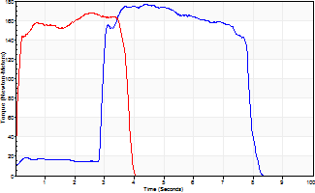
Isometric Extensors (Con) Angle 60 Time 10 Repetition 2 (Best Repetition)
 | Value | Cof Var | %BW
Peak Torque (Newton-Meters)
Right | 176 | 0.01 | 292
Left | 168 | 0.02 | 280
Deficit | 5
Average Torque (Newton-Meters)
Right | 87 | 0.01 | 143
Left | 58 | 0.07 | 98
Deficit | 33
Peak Torque Slope (Newton-Meters/Seconds)
Right | 90 | 0.54 | 151
Left | 92 | 0.25 | 152 |  | Right Side Curves Left Side Curves
Deficit | 1
Time to Half Peak Torque (Seconds)
Right | 1.51 | 1.32
Left | 0.08 | 0.18
Time to Peak Torque (Seconds)
Right | 3.14 | 0.54
Left | 2.19 | 0.27
HUMAC2015® Version: 15.000.0074 © Computer Sports Medicine, Inc. www.csmisolutions.com

mid1
Use File, Preference to set Report Heading
Long Form Torque vs. Position Report - Knee Extension/Flexion
Name: |  |  |  | TR030_FP3043, | ID: | TR030 | Right/Left: | 03.11.2022 03.11.2022
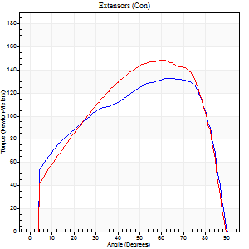
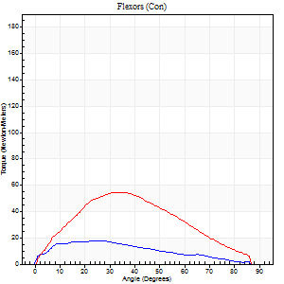
Right Side Curves Left Side Curves
Isokinetic Con/Con |  |  |  | Extensors (Con) |  | Flexors (Con)
Speed 60/60 d/s 3 Reps |  |  |  | Value | Cof Var | %BW | Value | Cof Var | %BW | Ratio

TORQUE PARAMETERS
Peak Torque (Newton-Meters - Best Repetition)
Right |  |  |  | 133 | 0.03 | 221 | 18 | 0.41 | 30 | 13
Left |  |  |  | 149 | 0.03 | 247 | 54 | 0.76 | 89 | 36
Deficit |  |  |  | 11 |  |  | 68
Work per Repetition (Newton-Meters - Best Repetition)
Right |  |  |  | 153 | 0.01 | 256 | 16 | 0.41 | 27 | 11
Left |  |  |  | 163 | 0.01 | 271 | 50 | 0.83 | 83 | 31
Deficit |  |  |  | 6 |  |  | 68
Average Power per Repetition (Watts - Best Repetition)
Right |  |  |  | 96 | 0.01 | 160 | 10 | 0.39 | 18 | 10
Left |  |  |  | 103 | 0.02 | 171 | 32 | 0.85 | 53 | 31
Deficit |  |  |  | 7 |  |  | 69
POSITION PARAMETERS
Joint Angle at Peak Torque (Degrees)
Right |  |  |  | 57 | 0.21 |  | 23 | 0.58
Left |  |  |  | 59 | 0.04 |  | 24 | 0.83
Range of Motion (Degrees)
Right |  |  |  | 0 | 0 |  | 90 | 0
Left |  |  |  | 0 | -0.71 |  | 90 | 0
TIME PARAMETERS
Time to Peak Torque (Seconds)
Right |  |  |  | 0.45 | 0.02 |  | 0.44 | 0.5
Left |  |  |  | 0.5 | 0 |  | 0.44 | 0.72
Time Peak Torque Held (Seconds)
Right |  |  |  | 0.05 | 0.53 |  | 0.02 | 1.73
Left |  |  |  | 0.09 | 0.59 |  | 0.02 | 1.73
Force Decay Time (Seconds)
Right |  |  |  | 0.98 | 0.22 |  | 1.12 | 0.15
Left |  |  |  | 0.97 | 0.03 |  | 1.45 | 0.6
Reciprocal Delay (Seconds)
Right |  |  |  | 1.37 | 0.18 |  | 0.66 | 0.27
Left |  |  |  | 0.41 | 0.19 |  | 0.78 | 0.29
Delay Time (Seconds)
Right |  |  |  | 0 | 0 |  | -0.01 | -1.73
Left |  |  |  | 0 | 1.41 |  | 0 | 7.55
HUMAC2015® Version: 15.000.0074 © Computer Sports Medicine, Inc. www.csmisolutions.com

Use File, Preference to set Report Heading
Long Form Torque vs. Position Report - Knee Extension/Flexion
Name: |  |  |  | TR030_FP3043, | ID: | TR030 | Right/Left: | 03.11.2022 03.11.2022
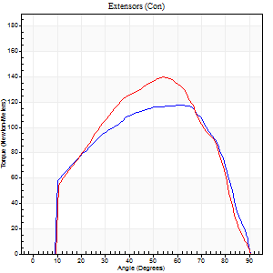
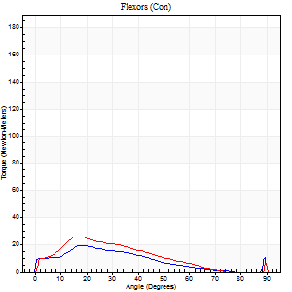
Right Side Curves Left Side Curves
Isokinetic Con/Con |  |  |  | Extensors (Con) |  | Flexors (Con)
Speed 120/120 d/s 3 Reps |  |  |  | Value | Cof Var | %BW | Value | Cof Var | %BW | Ratio

TORQUE PARAMETERS
Peak Torque (Newton-Meters - Best Repetition)
Right |  |  |  | 118 | 0.15 | 197 | 19 | 0.09 | 33 | 16
Left |  |  |  | 140 | 0.09 | 232 | 26 | 0.36 | 42 | 18
Deficit |  |  |  | 16 |  |  | 26
Work per Repetition (Newton-Meters - Best Repetition)
Right |  |  |  | 127 | 0.18 | 212 | 14 | 0.2 | 24 | 11
Left |  |  |  | 140 | 0.1 | 232 | 18 | 0.5 | 30 | 13
Deficit |  |  |  | 9 |  |  | 23
Average Power per Repetition (Watts - Best Repetition)
Right |  |  |  | 133 | 0.17 | 222 | 13 | 0.12 | 22 | 10
Left |  |  |  | 147 | 0.05 | 244 | 19 | 0.55 | 31 | 13
Deficit |  |  |  | 10 |  |  | 32
POSITION PARAMETERS
Joint Angle at Peak Torque (Degrees)
Right |  |  |  | 64 | 0.03 |  | 19 | 0.02
Left |  |  |  | 58 | 0.08 |  | 16 | 0.07
Range of Motion (Degrees)
Right |  |  |  | 0 | 4.24 |  | 90 | 0
Left |  |  |  | 0 | 7.07 |  | 90 | 0
TIME PARAMETERS
Time to Peak Torque (Seconds)
Right |  |  |  | 0.29 | 0.15 |  | 0.27 | 0.17
Left |  |  |  | 0.37 | 0.08 |  | 0.21 | 0.07
Time Peak Torque Held (Seconds)
Right |  |  |  | 0.04 | 0.93 |  | 0.01 | 0.43
Left |  |  |  | 0.02 | 0 |  | 0.01 | 1
Force Decay Time (Seconds)
Right |  |  |  | 0.6 | 0.09 |  | 0.65 | 0.06
Left |  |  |  | 0.55 | 0.04 |  | 0.78 | 0.12
Reciprocal Delay (Seconds)
Right |  |  |  | 0.73 | 0.05 |  | 0.35 | 0.11
Left |  |  |  | 0.49 | 0.14 |  | 0.32 | 0.64
Delay Time (Seconds)
Right |  |  |  | -0.04 | -0.61 |  | -0.01 | -4.58
Left |  |  |  | -0.04 | 0 |  | -0.01 | -0.43
HUMAC2015® Version: 15.000.0074 © Computer Sports Medicine, Inc. www.csmisolutions.com

Use File, Preference to set Report Heading
Long Form Torque vs. Position Report - Knee Extension/Flexion
Name: |  |  |  | TR030_FP3043, | ID: | TR030 | Right/Left: | 03.11.2022 03.11.2022
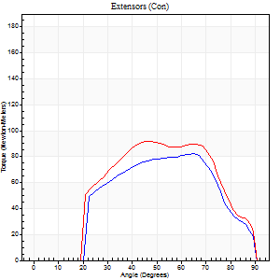
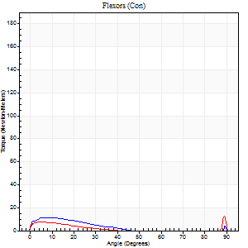
Right Side Curves Left Side Curves
Isokinetic Con/Con |  |  |  | Extensors (Con) |  | Flexors (Con)
Speed 240/240 d/s 3 Reps |  |  |  | Value | Cof Var | %BW | Value | Cof Var | %BW | Ratio

TORQUE PARAMETERS
Peak Torque (Newton-Meters - Best Repetition)
Right |  |  |  | 83 | 0.15 | 137 | 11 | 0.26 | 18 | 13
Left |  |  |  | 92 | 0.05 | 155 | 12 | 0.38 | 21 | 13
Deficit |  |  |  | 10 |  |  | 11
Work per Repetition (Newton-Meters - Best Repetition)
Right |  |  |  | 79 | 0.19 | 131 | 5 | 0.97 | 9 | 7
Left |  |  |  | 88 | 0.1 | 146 | 4 | 0.29 | 6 | 5
Deficit |  |  |  | 11 |  |  | 25
Average Power per Repetition (Watts - Best Repetition)
Right |  |  |  | 122 | 0.2 | 202 | 8 | 1.04 | 13 | 7
Left |  |  |  | 147 | 0.09 | 244 | 5 | 0.34 | 9 | 3
Deficit |  |  |  | 17 |  |  | 38
POSITION PARAMETERS
Joint Angle at Peak Torque (Degrees)
Right |  |  |  | 60 | 0.12 |  | 32 | 1.54
Left |  |  |  | 54 | 0.21 |  | 34 | 1.41
Range of Motion (Degrees)
Right |  |  |  | 0 | -0.47 |  | 90 | 0
Left |  |  |  | 0 | 0 |  | 90 | 0
TIME PARAMETERS
Time to Peak Torque (Seconds)
Right |  |  |  | 0.28 | 0.3 |  | 0.24 | 1.02
Left |  |  |  | 0.28 | 0.03 |  | 0.42 | 0.91
Time Peak Torque Held (Seconds)
Right |  |  |  | 0.02 | 0.92 |  | 0.02 | 1.73
Left |  |  |  | 0.01 | 0 |  | 0 | 0
Force Decay Time (Seconds)
Right |  |  |  | 0.37 | 0.19 |  | 0.45 | 0.88
Left |  |  |  | 0.34 | 0.13 |  | 0.55 | 0.8
Reciprocal Delay (Seconds)
Right |  |  |  | 0.37 | 0.41 |  | 0.48 | 0.92
Left |  |  |  | 0.59 | 0.22 |  | 0.38 | 0.33
Delay Time (Seconds)
Right |  |  |  | -0.09 | -0.58 |  | 0.13 | 2.06
Left |  |  |  | -0.04 | -0.35 |  | -0.04 | -0.43
HUMAC2015® Version: 15.000.0074 © Computer Sports Medicine, Inc. www.csmisolutions.com

Use File, Preference to set Report Heading
Isometric - Knee Extension/Flexion
Name: |  |  |  | TR030_FP3043, | ID: | TR030 | Right/Left: | 03.11.2022 03.11.2022

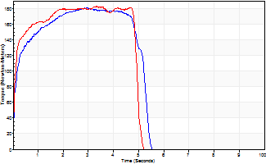
Isometric Extensors (Con) Angle 60 Time 10 Repetition 2 (Best Repetition)
 | Value | Cof Var | %BW
Peak Torque (Newton-Meters)
Right | 180 | 0.04 | 301
Left | 183 | 0.05 | 304
Deficit | 1
Average Torque (Newton-Meters)
Right | 87 | 0.02 | 143
Left | 84 | 0.21 | 140
Deficit | 3
Peak Torque Slope (Newton-Meters/Seconds)
Right | 61 | 0.35 | 102
Left | 105 | 0.44 | 175 |  | Right Side Curves Left Side Curves
Deficit | 42
Time to Half Peak Torque (Seconds)
Right | 0.14 | 0
Left | 0.08 | 0
Time to Peak Torque (Seconds)
Right | 3.79 | 0.32
Left | 2.46 | 0.49
HUMAC2015® Version: 15.000.0074 © Computer Sports Medicine, Inc. www.csmisolutions.com

mid2
Use File, Preference to set Report Heading
Long Form Torque vs. Position Report - Knee Extension/Flexion
Name: |  |  |  | TR030_FP3043, | ID: | TR030 | Right/Left: | 07.11.2022 07.11.2022
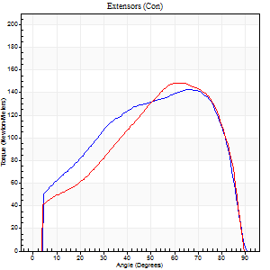
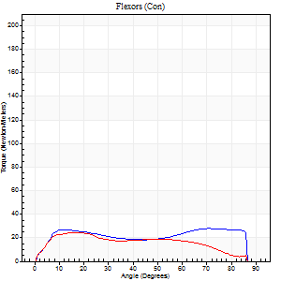
Right Side Curves Left Side Curves
Isokinetic Con/Con |  |  |  | Extensors (Con) |  | Flexors (Con)
Speed 60/60 d/s 3 Reps |  |  |  | Value | Cof Var | %BW | Value | Cof Var | %BW | Ratio

TORQUE PARAMETERS
Peak Torque (Newton-Meters - Best Repetition)
Right |  |  |  | 142 | 0.04 | 238 | 28 | 0.23 | 48 | 20
Left |  |  |  | 149 | 0.03 | 247 | 24 | 0.04 | 42 | 16
Deficit |  |  |  | 5 |  |  | 14
Work per Repetition (Newton-Meters - Best Repetition)
Right |  |  |  | 159 | 0.02 | 265 | 34 | 0.36 | 57 | 21
Left |  |  |  | 160 | 0.04 | 265 | 24 | 0.13 | 42 | 15
Deficit |  |  |  | 1 |  |  | 28
Average Power per Repetition (Watts - Best Repetition)
Right |  |  |  | 98 | 0.69 | 163 | 21 | 0.4 | 35 | 21
Left |  |  |  | 100 | 0.03 | 167 | 16 | 0.24 | 26 | 16
Deficit |  |  |  | 2 |  |  | 24
POSITION PARAMETERS
Joint Angle at Peak Torque (Degrees)
Right |  |  |  | 64 | 0.03 |  | 45 | 0.51
Left |  |  |  | 64 | 0.1 |  | 19 | 0.2
Range of Motion (Degrees)
Right |  |  |  | 0 | 0 |  | 90 | 0
Left |  |  |  | 0 | 0 |  | 90 | 0
TIME PARAMETERS
Time to Peak Torque (Seconds)
Right |  |  |  | 0.47 | 0.07 |  | 0.81 | 0.41
Left |  |  |  | 0.43 | 0.32 |  | 0.35 | 0.19
Time Peak Torque Held (Seconds)
Right |  |  |  | 0.05 | 0.33 |  | 0.07 | 0.83
Left |  |  |  | 0.08 | 0.74 |  | 0.03 | 1.45
Force Decay Time (Seconds)
Right |  |  |  | 1.1 | 0.05 |  | 0.72 | 0.48
Left |  |  |  | 1.07 | 0.15 |  | 1.3 | 0.21
Reciprocal Delay (Seconds)
Right |  |  |  | 1.76 | 0.4 |  | 1.23 | 0.64
Left |  |  |  | 0.82 | 0.01 |  | 0.66 | 0.21
Delay Time (Seconds)
Right |  |  |  | -0.01 | -1.41 |  | 0 | 8.66
Left |  |  |  | 0 | 1.41 |  | 0.02 | 0.5
HUMAC2015® Version: 15.000.0074 © Computer Sports Medicine, Inc. www.csmisolutions.com

Use File, Preference to set Report Heading
Long Form Torque vs. Position Report - Knee Extension/Flexion
Name: |  |  |  | TR030_FP3043, | ID: | TR030 | Right/Left: | 07.11.2022 07.11.2022
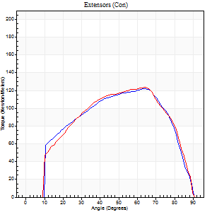
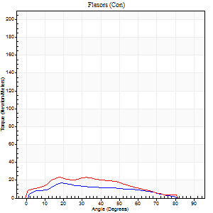
Right Side Curves Left Side Curves
Isokinetic Con/Con |  |  |  | Extensors (Con) |  | Flexors (Con)
Speed 120/120 d/s 3 Reps |  |  |  | Value | Cof Var | %BW | Value | Cof Var | %BW | Ratio

TORQUE PARAMETERS
Peak Torque (Newton-Meters - Best Repetition)
Right |  |  |  | 122 | 0.05 | 203 | 16 | 0.49 | 27 | 13
Left |  |  |  | 123 | 0.01 | 206 | 23 | 0.45 | 39 | 19
Deficit |  |  |  | 1 |  |  | 29
Work per Repetition (Newton-Meters - Best Repetition)
Right |  |  |  | 129 | 0.05 | 215 | 15 | 0.63 | 24 | 12
Left |  |  |  | 130 | 0.04 | 218 | 22 | 0.45 | 36 | 17
Deficit |  |  |  | 1 |  |  | 31
Average Power per Repetition (Watts - Best Repetition)
Right |  |  |  | 137 | 0.05 | 229 | 15 | 0.64 | 24 | 11
Left |  |  |  | 142 | 0.04 | 237 | 22 | 0.51 | 37 | 15
Deficit |  |  |  | 4 |  |  | 32
POSITION PARAMETERS
Joint Angle at Peak Torque (Degrees)
Right |  |  |  | 65 | 0.01 |  | 14 | 0.69
Left |  |  |  | 64 | 0.02 |  | 26 | 0.29
Range of Motion (Degrees)
Right |  |  |  | 0 | 0 |  | 90 | 0
Left |  |  |  | 0 | -0.28 |  | 90 | 0
TIME PARAMETERS
Time to Peak Torque (Seconds)
Right |  |  |  | 0.25 | 0.03 |  | 0.22 | 0.3
Left |  |  |  | 0.25 | 0.06 |  | 0.35 | 0.37
Time Peak Torque Held (Seconds)
Right |  |  |  | 0.03 | 0.22 |  | 0 | 0
Left |  |  |  | 0.03 | 1.08 |  | 0.01 | 1.73
Force Decay Time (Seconds)
Right |  |  |  | 0.66 | 0.02 |  | 0.77 | 0.11
Left |  |  |  | 0.62 | 0.07 |  | 0.6 | 0.05
Reciprocal Delay (Seconds)
Right |  |  |  | 0.61 | 0.15 |  | 0.57 | 0.27
Left |  |  |  | 0.62 | 0.15 |  | 0.91 | 0.37
Delay Time (Seconds)
Right |  |  |  | -0.01 | 0 |  | 0 | -12.12
Left |  |  |  | 0 | -1.41 |  | -0.02 | -1.25
HUMAC2015® Version: 15.000.0074 © Computer Sports Medicine, Inc. www.csmisolutions.com

Use File, Preference to set Report Heading
Long Form Torque vs. Position Report - Knee Extension/Flexion
Name: |  |  |  | TR030_FP3043, | ID: | TR030 | Right/Left: | 07.11.2022 07.11.2022
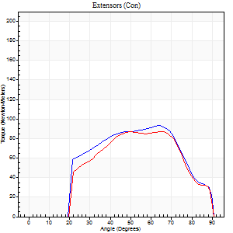
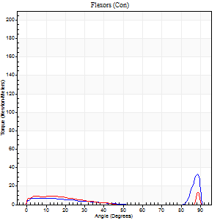
Right Side Curves Left Side Curves
Isokinetic Con/Con |  |  |  | Extensors (Con) |  | Flexors (Con)
Speed 240/240 d/s 3 Reps |  |  |  | Value | Cof Var | %BW | Value | Cof Var | %BW | Ratio

TORQUE PARAMETERS
Peak Torque (Newton-Meters - Best Repetition)
Right |  |  |  | 94 | 0.08 | 155 | 33 | 0.58 | 54 | 35
Left |  |  |  | 87 | 0.16 | 143 | 16 | 0.5 | 27 | 19
Deficit |  |  |  | 7 |  |  | 50
Work per Repetition (Newton-Meters - Best Repetition)
Right |  |  |  | 88 | 0.09 | 146 | 7 | 0.19 | 12 | 8
Left |  |  |  | 81 | 0.25 | 134 | 5 | 0.31 | 9 | 7
Deficit |  |  |  | 8 |  |  | 20
Average Power per Repetition (Watts - Best Repetition)
Right |  |  |  | 149 | 0.1 | 248 | 8 | 0.09 | 13 | 5
Left |  |  |  | 138 | 0.31 | 231 | 6 | 0.47 | 11 | 4
Deficit |  |  |  | 7 |  |  | 25
POSITION PARAMETERS
Joint Angle at Peak Torque (Degrees)
Right |  |  |  | 64 | 0.01 |  | 64 | 0.67
Left |  |  |  | 66 | 0.02 |  | 33 | 1.53
Range of Motion (Degrees)
Right |  |  |  | 0 | -0.28 |  | 90 | 0
Left |  |  |  | 0 | -0.28 |  | 90 | 0
TIME PARAMETERS
Time to Peak Torque (Seconds)
Right |  |  |  | 0.19 | 0.04 |  | 0.57 | 0.51
Left |  |  |  | 0.18 | 0.08 |  | 0.47 | 1.06
Time Peak Torque Held (Seconds)
Right |  |  |  | 0 | 1.73 |  | 0.07 | 1.36
Left |  |  |  | 0.03 | 1.42 |  | 0.05 | 1.36
Force Decay Time (Seconds)
Right |  |  |  | 0.39 | 0.04 |  | 0.16 | 1.59
Left |  |  |  | 0.4 | 0.21 |  | 0.4 | 1.48
Reciprocal Delay (Seconds)
Right |  |  |  | 0.69 | 0.22 |  | 0.55 | 0.21
Left |  |  |  | 0.74 | 0.07 |  | 0.48 | 0.12
Delay Time (Seconds)
Right |  |  |  | -0.02 | -0.28 |  | -0.02 | -1
Left |  |  |  | -0.02 | -0.28 |  | -0.05 | -0.87
HUMAC2015® Version: 15.000.0074 © Computer Sports Medicine, Inc. www.csmisolutions.com

Use File, Preference to set Report Heading
Isometric - Knee Extension/Flexion
Name: |  |  |  | TR030_FP3043, | ID: | TR030 | Right/Left: | 07.11.2022 07.11.2022

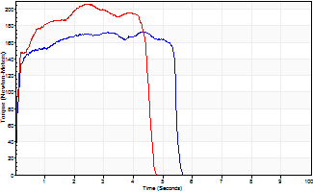
Isometric Extensors (Con) Angle 60 Time 10 Repetition 2 (Best Repetition)
 | Value | Cof Var | %BW
Peak Torque (Newton-Meters)
Right | 172 | 0.02 | 286
Left | 206 | 0.03 | 343
Deficit | 16
Average Torque (Newton-Meters)
Right | 92 | 0.04 | 155
Left | 103 | 0.15 | 173
Deficit | 11
Peak Torque Slope (Newton-Meters/Seconds)
Right | 46 | 0.09 | 77
Left | 84 | 0.37 | 139 |  | Right Side Curves Left Side Curves
Deficit | 45
Time to Half Peak Torque (Seconds)
Right | 0.09 | 0.07
Left | 0.1 | 0
Time to Peak Torque (Seconds)
Right | 3.95 | 0.11
Left | 3.26 | 0.35
HUMAC2015® Version: 15.000.0074 © Computer Sports Medicine, Inc. www.csmisolutions.com

post1
Use File, Preference to set Report Heading
Long Form Torque vs. Position Report - Knee Extension/Flexion
Name: |  |  |  | TR030_FP3043, | ID: | TR030 | Right/Left: | 29.11.2022 29.11.2022
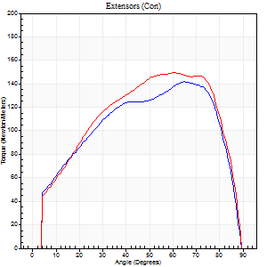
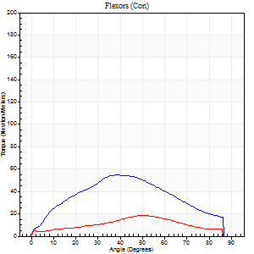
Right Side Curves Left Side Curves
Isokinetic Con/Con |  |  |  | Extensors (Con) |  | Flexors (Con)
Speed 60/60 d/s 3 Reps |  |  |  | Value | Cof Var | %BW | Value | Cof Var | %BW | Ratio

TORQUE PARAMETERS
Peak Torque (Newton-Meters - Best Repetition)
Right |  |  |  | 142 | 0.06 | 238 | 54 | 0.18 | 89 | 38
Left |  |  |  | 149 | 0.02 | 247 | 19 | 0.26 | 33 | 13
Deficit |  |  |  | 5 |  |  | 65
Work per Repetition (Newton-Meters - Best Repetition)
Right |  |  |  | 157 | 0.05 | 262 | 54 | 0.19 | 89 | 34
Left |  |  |  | 168 | 0.09 | 280 | 16 | 0.49 | 27 | 10
Deficit |  |  |  | 6 |  |  | 70
Average Power per Repetition (Watts - Best Repetition)
Right |  |  |  | 101 | 0.05 | 169 | 33 | 0.16 | 55 | 33
Left |  |  |  | 107 | 0.1 | 178 | 9 | 0.58 | 15 | 8
Deficit |  |  |  | 6 |  |  | 73
POSITION PARAMETERS
Joint Angle at Peak Torque (Degrees)
Right |  |  |  | 63 | 0.03 |  | 57 | 0.43
Left |  |  |  | 64 | 0.05 |  | 28 | 0.73
Range of Motion (Degrees)
Right |  |  |  | 0 | 0 |  | 90 | 0
Left |  |  |  | 0 | -0.28 |  | 90 | 0
TIME PARAMETERS
Time to Peak Torque (Seconds)
Right |  |  |  | 0.42 | 0 |  | 1.02 | 0.41
Left |  |  |  | 0.47 | 0.08 |  | 0.73 | 0.84
Time Peak Torque Held (Seconds)
Right |  |  |  | 0.04 | 0.27 |  | 0.07 | 0.61
Left |  |  |  | 0.05 | 0.12 |  | 0.02 | 0.87
Force Decay Time (Seconds)
Right |  |  |  | 1.08 | 0.03 |  | 0.51 | 0.83
Left |  |  |  | 1.08 | 0.05 |  | 1.29 | 0.58
Reciprocal Delay (Seconds)
Right |  |  |  | 0.73 | 0.19 |  | 2.31 | 0.17
Left |  |  |  | 1.24 | 0.02 |  | 2.19 | 0.19
Delay Time (Seconds)
Right |  |  |  | 0.02 | 0.28 |  | -0.01 | -1
Left |  |  |  | 0.01 | 0.47 |  | -0.18 | -1.44
HUMAC2015® Version: 15.000.0074 © Computer Sports Medicine, Inc. www.csmisolutions.com

Use File, Preference to set Report Heading
Long Form Torque vs. Position Report - Knee Extension/Flexion
Name: |  |  |  | TR030_FP3043, | ID: | TR030 | Right/Left: | 29.11.2022 29.11.2022
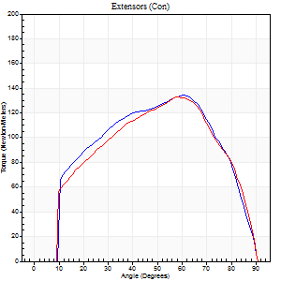
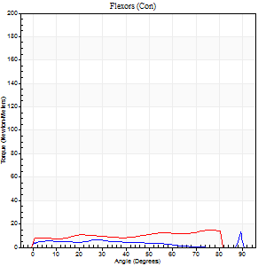
Right Side Curves Left Side Curves
Isokinetic Con/Con |  |  |  | Extensors (Con) |  | Flexors (Con)
Speed 120/120 d/s 3 Reps |  |  |  | Value | Cof Var | %BW | Value | Cof Var | %BW | Ratio

TORQUE PARAMETERS
Peak Torque (Newton-Meters - Best Repetition)
Right |  |  |  | 134 | 0.06 | 224 | 14 | 0.53 | 24 | 10
Left |  |  |  | 133 | 0.09 | 221 | 15 | 0.59 | 24 | 11
Deficit |  |  |  | 1 |  |  | 9
Work per Repetition (Newton-Meters - Best Repetition)
Right |  |  |  | 141 | 0.06 | 235 | 5 | 0.58 | 9 | 4
Left |  |  |  | 137 | 0.08 | 229 | 15 | 1.1 | 24 | 11
Deficit |  |  |  | 3 |  |  | 64
Average Power per Repetition (Watts - Best Repetition)
Right |  |  |  | 149 | 0.06 | 248 | 5 | 0.68 | 9 | 3
Left |  |  |  | 153 | 0.09 | 255 | 15 | 1.19 | 24 | 10
Deficit |  |  |  | 3 |  |  | 67
POSITION PARAMETERS
Joint Angle at Peak Torque (Degrees)
Right |  |  |  | 59 | 0.04 |  | 32 | 1.57
Left |  |  |  | 59 | 0.05 |  | 27 | 1.57
Range of Motion (Degrees)
Right |  |  |  | 0 | -0.28 |  | 90 | 0
Left |  |  |  | 0 | -0.28 |  | 90 | 0
TIME PARAMETERS
Time to Peak Torque (Seconds)
Right |  |  |  | 0.29 | 0 |  | 0.43 | 1.17
Left |  |  |  | 0.29 | 0.07 |  | 0.33 | 1.16
Time Peak Torque Held (Seconds)
Right |  |  |  | 0.02 | 0.25 |  | 0.03 | 1.73
Left |  |  |  | 0.02 | 0.25 |  | 0.01 | 1.73
Force Decay Time (Seconds)
Right |  |  |  | 0.61 | 0.05 |  | 0.74 | 0.82
Left |  |  |  | 0.58 | 0.04 |  | 0.86 | 0.71
Reciprocal Delay (Seconds)
Right |  |  |  | 1.06 | 0.05 |  | 1.24 | 0.53
Left |  |  |  | 0.86 | 0.24 |  | 0.84 | 0.47
Delay Time (Seconds)
Right |  |  |  | -0.01 | -0.47 |  | -0.04 | -0.13
Left |  |  |  | -0.01 | 0 |  | -0.02 | -0.25
HUMAC2015® Version: 15.000.0074 © Computer Sports Medicine, Inc. www.csmisolutions.com

Use File, Preference to set Report Heading
Long Form Torque vs. Position Report - Knee Extension/Flexion
Name: |  |  |  | TR030_FP3043, | ID: | TR030 | Right/Left: | 29.11.2022 29.11.2022
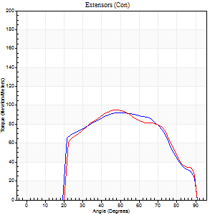
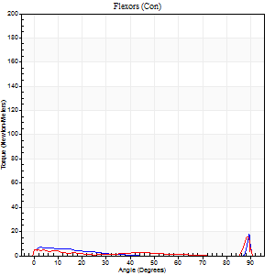
Right Side Curves Left Side Curves
Isokinetic Con/Con |  |  |  | Extensors (Con) |  | Flexors (Con)
Speed 240/240 d/s 3 Reps |  |  |  | Value | Cof Var | %BW | Value | Cof Var | %BW | Ratio

TORQUE PARAMETERS
Peak Torque (Newton-Meters - Best Repetition)
Right |  |  |  | 92 | 0.07 | 155 | 18 | 0.51 | 30 | 19
Left |  |  |  | 95 | 0.51 | 158 | 16 | 0.53 | 27 | 17
Deficit |  |  |  | 3 |  |  | 8
Work per Repetition (Newton-Meters - Best Repetition)
Right |  |  |  | 89 | 0.1 | 149 | 4 | 0.38 | 6 | 5
Left |  |  |  | 89 | 0.77 | 149 | 4 | 0.4 | 6 | 5
Deficit |  |  |  | 0 |  |  | 0
Average Power per Repetition (Watts - Best Repetition)
Right |  |  |  | 155 | 0.11 | 257 | 5 | 0.62 | 9 | 3
Left |  |  |  | 153 | 0.8 | 255 | 3 | 0.27 | 4 | 2
Deficit |  |  |  | 1 |  |  | 40
POSITION PARAMETERS
Joint Angle at Peak Torque (Degrees)
Right |  |  |  | 60 | 0.15 |  | 62 | 0.78
Left |  |  |  | 33 | 0.83 |  | 32 | 1.54
Range of Motion (Degrees)
Right |  |  |  | 0 | 0 |  | 90 | 0
Left |  |  |  | 0 | -0.28 |  | 90 | 0
TIME PARAMETERS
Time to Peak Torque (Seconds)
Right |  |  |  | 0.22 | 0.23 |  | 0.91 | 0.73
Left |  |  |  | 0.25 | 0.03 |  | 0.43 | 1.18
Time Peak Torque Held (Seconds)
Right |  |  |  | 0.01 | 0 |  | 0.01 | 0.87
Left |  |  |  | 0.01 | 0.87 |  | 0 | 1.73
Force Decay Time (Seconds)
Right |  |  |  | 0.36 | 0.13 |  | 0.15 | 2.32
Left |  |  |  | 0.24 | 0.57 |  | 0.88 | 0.7
Reciprocal Delay (Seconds)
Right |  |  |  | 0.66 | 0.07 |  | 0.96 | 0.61
Left |  |  |  | 1.02 | 0.14 |  | 0.45 | 0.46
Delay Time (Seconds)
Right |  |  |  | -0.02 | 0 |  | -0.05 | -0.12
Left |  |  |  | -0.02 | -0.28 |  | -0.05 | -0.4
HUMAC2015® Version: 15.000.0074 © Computer Sports Medicine, Inc. www.csmisolutions.com

Use File, Preference to set Report Heading
Isometric - Knee Extension/Flexion
Name: |  |  |  | TR030_FP3043, | ID: | TR030 | Right/Left: | 29.11.2022 29.11.2022

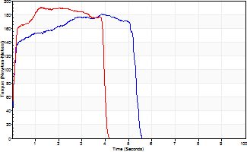
Isometric Extensors (Con) Angle 60 Time 10 Repetition 2 (Best Repetition)
 | Value | Cof Var | %BW
Peak Torque (Newton-Meters)
Right | 180 | 0.02 | 301
Left | 190 | 0 | 316
Deficit | 5
Average Torque (Newton-Meters)
Right | 92 | 0.05 | 155
Left | 72 | 0.02 | 119
Deficit | 22
Peak Torque Slope (Newton-Meters/Seconds)
Right | 67 | 0.25 | 112
Left | 144 | 0.23 | 240 |  | Right Side Curves Left Side Curves
Deficit | 53
Time to Half Peak Torque (Seconds)
Right | 0.11 | 0.2
Left | 0.11 | 0.07
Time to Peak Torque (Seconds)
Right | 3.22 | 0.27
Left | 1.56 | 0.23
HUMAC2015® Version: 15.000.0074 © Computer Sports Medicine, Inc. www.csmisolutions.com

post2
Use File, Preference to set Report Heading
Long Form Torque vs. Position Report - Knee Extension/Flexion
Name: |  |  |  | TR030_FP3043, | ID: | TR030 | Right/Left: | 01.12.2022 01.12.2022
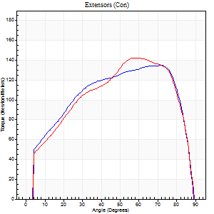
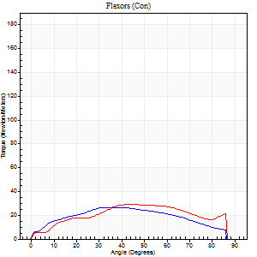
Right Side Curves Left Side Curves
Isokinetic Con/Con |  |  |  | Extensors (Con) |  | Flexors (Con)
Speed 60/60 d/s 3 Reps |  |  |  | Value | Cof Var | %BW | Value | Cof Var | %BW | Ratio

TORQUE PARAMETERS
Peak Torque (Newton-Meters - Best Repetition)
Right |  |  |  | 134 | 0.05 | 224 | 27 | 0.16 | 45 | 20
Left |  |  |  | 142 | 0.03 | 238 | 28 | 0.27 | 48 | 20
Deficit |  |  |  | 6 |  |  | 5
Work per Repetition (Newton-Meters - Best Repetition)
Right |  |  |  | 156 | 0.07 | 259 | 31 | 0.3 | 51 | 20
Left |  |  |  | 156 | 0.07 | 259 | 31 | 0.39 | 51 | 20
Deficit |  |  |  | 0 |  |  | 0
Average Power per Repetition (Watts - Best Repetition)
Right |  |  |  | 98 | 0.08 | 163 | 19 | 0.28 | 31 | 19
Left |  |  |  | 99 | 0.07 | 165 | 19 | 0.39 | 31 | 19
Deficit |  |  |  | 1 |  |  | 0
POSITION PARAMETERS
Joint Angle at Peak Torque (Degrees)
Right |  |  |  | 72 | 0.01 |  | 30 | 0.31
Left |  |  |  | 60 | 0.06 |  | 37 | 0.45
Range of Motion (Degrees)
Right |  |  |  | 0 | -1.41 |  | 90 | 0
Left |  |  |  | 0 | -0.47 |  | 90 | 0
TIME PARAMETERS
Time to Peak Torque (Seconds)
Right |  |  |  | 0.3 | 0 |  | 0.59 | 0.26
Left |  |  |  | 0.54 | 0.09 |  | 0.71 | 0.38
Time Peak Torque Held (Seconds)
Right |  |  |  | 0.07 | 0.65 |  | 0.02 | 1.73
Left |  |  |  | 0.06 | 0.24 |  | 0.05 | 1.25
Force Decay Time (Seconds)
Right |  |  |  | 1.21 | 0.05 |  | 1 | 0.12
Left |  |  |  | 0.99 | 0.06 |  | 0.84 | 0.34
Reciprocal Delay (Seconds)
Right |  |  |  | 0.6 | 0.06 |  | 0.73 | 0.38
Left |  |  |  | 0.65 | 0.27 |  | 0.6 | 0.53
Delay Time (Seconds)
Right |  |  |  | 0.02 | 0.28 |  | -0.03 | 0
Left |  |  |  | 0 | 1.41 |  | -0.01 | -1.15
HUMAC2015® Version: 15.000.0074 © Computer Sports Medicine, Inc. www.csmisolutions.com

Use File, Preference to set Report Heading
Long Form Torque vs. Position Report - Knee Extension/Flexion
Name: |  |  |  | TR030_FP3043, | ID: | TR030 | Right/Left: | 01.12.2022 01.12.2022
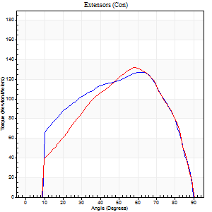
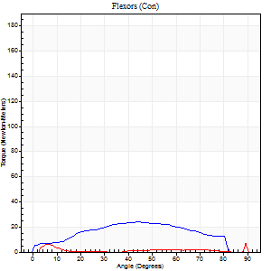
Right Side Curves Left Side Curves
Isokinetic Con/Con |  |  |  | Extensors (Con) |  | Flexors (Con)
Speed 120/120 d/s 3 Reps |  |  |  | Value | Cof Var | %BW | Value | Cof Var | %BW | Ratio

TORQUE PARAMETERS
Peak Torque (Newton-Meters - Best Repetition)
Right |  |  |  | 127 | 0.08 | 212 | 24 | 0.6 | 42 | 19
Left |  |  |  | 132 | 0.14 | 218 | 11 | 0.26 | 18 | 8
Deficit |  |  |  | 3 |  |  | 56
Work per Repetition (Newton-Meters - Best Repetition)
Right |  |  |  | 138 | 0.14 | 229 | 23 | 0.76 | 39 | 17
Left |  |  |  | 133 | 0.16 | 221 | 5 | 0.43 | 9 | 4
Deficit |  |  |  | 4 |  |  | 76
Average Power per Repetition (Watts - Best Repetition)
Right |  |  |  | 150 | 0.14 | 251 | 24 | 0.78 | 40 | 16
Left |  |  |  | 147 | 0.12 | 244 | 5 | 0.6 | 9 | 3
Deficit |  |  |  | 2 |  |  | 79
POSITION PARAMETERS
Joint Angle at Peak Torque (Degrees)
Right |  |  |  | 64 | 0.03 |  | 49 | 0.58
Left |  |  |  | 60 | 0.04 |  | 38 | 1.18
Range of Motion (Degrees)
Right |  |  |  | 0 | -0.28 |  | 90 | 0
Left |  |  |  | 0 | 7.07 |  | 90 | 0
TIME PARAMETERS
Time to Peak Torque (Seconds)
Right |  |  |  | 0.25 | 0.08 |  | 0.6 | 0.55
Left |  |  |  | 0.31 | 0 |  | 0.75 | 1.25
Time Peak Torque Held (Seconds)
Right |  |  |  | 0.02 | 0.49 |  | 0 | 1.73
Left |  |  |  | 0.02 | 0.65 |  | 0.02 | 1.32
Force Decay Time (Seconds)
Right |  |  |  | 0.63 | 0.03 |  | 0.4 | 0.46
Left |  |  |  | 0.55 | 0.07 |  | 0.42 | 1.91
Reciprocal Delay (Seconds)
Right |  |  |  | 0.49 | 0.17 |  | 0.6 | 0.82
Left |  |  |  | 1.01 | 0.17 |  | 0.32 | 1.17
Delay Time (Seconds)
Right |  |  |  | 0 | 0 |  | 0.01 | 3.7
Left |  |  |  | -0.02 | 0 |  | -0.01 | -1
HUMAC2015® Version: 15.000.0074 © Computer Sports Medicine, Inc. www.csmisolutions.com

Use File, Preference to set Report Heading
Long Form Torque vs. Position Report - Knee Extension/Flexion
Name: |  |  |  | TR030_FP3043, | ID: | TR030 | Right/Left: | 01.12.2022 01.12.2022
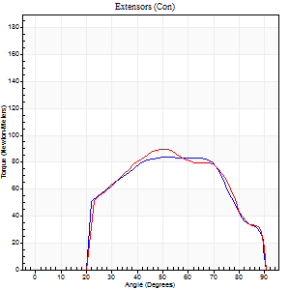
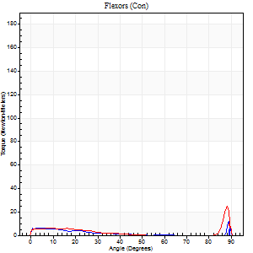
Right Side Curves Left Side Curves
Isokinetic Con/Con |  |  |  | Extensors (Con) |  | Flexors (Con)
Speed 240/240 d/s 3 Reps |  |  |  | Value | Cof Var | %BW | Value | Cof Var | %BW | Ratio

TORQUE PARAMETERS
Peak Torque (Newton-Meters - Best Repetition)
Right |  |  |  | 84 | 0.04 | 140 | 12 | 0.49 | 21 | 15
Left |  |  |  | 89 | 0.09 | 149 | 24 | 0.59 | 42 | 27
Deficit |  |  |  | 6 |  |  | 50
Work per Repetition (Newton-Meters - Best Repetition)
Right |  |  |  | 81 | 0.09 | 134 | 3 | 0.72 | 6 | 3
Left |  |  |  | 83 | 0.11 | 137 | 4 | 0.42 | 6 | 5
Deficit |  |  |  | 2 |  |  | 33
Average Power per Repetition (Watts - Best Repetition)
Right |  |  |  | 140 | 0.12 | 233 | 2 | 0.63 | 4 | 1
Left |  |  |  | 144 | 0.15 | 240 | 6 | 0.61 | 11 | 4
Deficit |  |  |  | 3 |  |  | 67
POSITION PARAMETERS
Joint Angle at Peak Torque (Degrees)
Right |  |  |  | 60 | 0.14 |  | 32 | 1.56
Left |  |  |  | 55 | 0.19 |  | 61 | 0.8
Range of Motion (Degrees)
Right |  |  |  | 0 | -0.71 |  | 90 | 0
Left |  |  |  | 0 | 0 |  | 90 | 0
TIME PARAMETERS
Time to Peak Torque (Seconds)
Right |  |  |  | 0.21 | 0.2 |  | 0.19 | 0.55
Left |  |  |  | 0.25 | 0.03 |  | 0.78 | 0.75
Time Peak Torque Held (Seconds)
Right |  |  |  | 0.01 | 0.87 |  | 0 | 1.73
Left |  |  |  | 0.01 | 0 |  | 0 | 0
Force Decay Time (Seconds)
Right |  |  |  | 0.38 | 0.15 |  | 0.72 | 0.61
Left |  |  |  | 0.35 | 0.19 |  | 0.25 | 1.15
Reciprocal Delay (Seconds)
Right |  |  |  | 0.85 | 0.08 |  | 0.5 | 0.21
Left |  |  |  | 0.56 | 0.39 |  | 0.67 | 0.39
Delay Time (Seconds)
Right |  |  |  | -0.02 | 0 |  | 0.16 | 2
Left |  |  |  | -0.03 | 0 |  | -0.04 | -0.27
HUMAC2015® Version: 15.000.0074 © Computer Sports Medicine, Inc. www.csmisolutions.com

Use File, Preference to set Report Heading
Isometric - Knee Extension/Flexion
Name: |  |  |  | TR030_FP3043, | ID: | TR030 | Right/Left: | 01.12.2022 01.12.2022

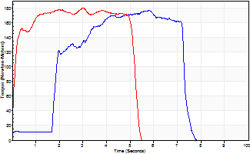
Isometric Extensors (Con) Angle 60 Time 10 Repetition 2 (Best Repetition)
 | Value | Cof Var | %BW
Peak Torque (Newton-Meters)
Right | 178 | 0.03 | 295
Left | 180 | 0 | 301
Deficit | 2
Average Torque (Newton-Meters)
Right | 96 | 0.05 | 161
Left | 87 | 0 | 143
Deficit | 10
Peak Torque Slope (Newton-Meters/Seconds)
Right | 31 | 0.16 | 51
Left | 128 | 0.51 | 213 |  | Right Side Curves Left Side Curves
Deficit | 76
Time to Half Peak Torque (Seconds)
Right | 1.73 | 0.1
Left | 0.11 | 0.07
Time to Peak Torque (Seconds)
Right | 6.38 | 0.13
Left | 2.2 | 0.52
HUMAC2015® Version: 15.000.0074 © Computer Sports Medicine, Inc. www.csmisolutions.com

