pre1
Use File, Preference to set Report Heading
Long Form Torque vs. Position Report - Knee Extension/Flexion
Name: |  |  |  | TR030_FP3044, | ID: | TR030 | Right/Left: | 07.09.2022 07.09.2022
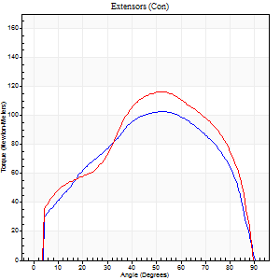
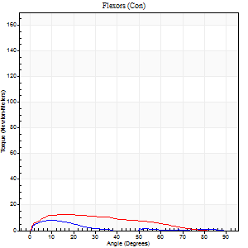
Right Side Curves Left Side Curves
Isokinetic Con/Con |  |  |  | Extensors (Con) |  | Flexors (Con)
Speed 60/60 d/s 3 Reps |  |  |  | Value | Cof Var | %BW | Value | Cof Var | %BW | Ratio

TORQUE PARAMETERS
Peak Torque (Newton-Meters - Best Repetition)
Right |  |  |  | 103 | 0.02 | 113 | 8 | 0.42 | 9 | 8
Left |  |  |  | 117 | 0.04 | 128 | 12 | 0.1 | 15 | 10
Deficit |  |  |  | 12 |  |  | 33
Work per Repetition (Newton-Meters - Best Repetition)
Right |  |  |  | 111 | 0.03 | 122 | 4 | 0.28 | 6 | 4
Left |  |  |  | 122 | 0.04 | 134 | 11 | 0.08 | 12 | 9
Deficit |  |  |  | 9 |  |  | 63
Average Power per Repetition (Watts - Best Repetition)
Right |  |  |  | 71 | 0.03 | 79 | 1 | 0.61 | 2 | 1
Left |  |  |  | 79 | 0.06 | 88 | 7 | 0.23 | 9 | 9
Deficit |  |  |  | 10 |  |  | 86
POSITION PARAMETERS
Joint Angle at Peak Torque (Degrees)
Right |  |  |  | 50 | 0.05 |  | 10 | 0.4
Left |  |  |  | 50 | 0.05 |  | 18 | 0.17
Range of Motion (Degrees)
Right |  |  |  | 0 | 0.28 |  | 90 | 0
Left |  |  |  | 0 | 1.41 |  | 90 | 0
TIME PARAMETERS
Time to Peak Torque (Seconds)
Right |  |  |  | 0.69 | 0.07 |  | 0.26 | 0.52
Left |  |  |  | 0.71 | 0.13 |  | 0.38 | 0.23
Time Peak Torque Held (Seconds)
Right |  |  |  | 0.05 | 0.39 |  | 0 | 0
Left |  |  |  | 0.06 | 0.33 |  | 0.01 | 1.73
Force Decay Time (Seconds)
Right |  |  |  | 0.81 | 0.07 |  | 3.54 | 0.63
Left |  |  |  | 0.81 | 0.03 |  | 1.36 | 0.23
Reciprocal Delay (Seconds)
Right |  |  |  | 0.3 | 0.22 |  | 0.27 | 0.21
Left |  |  |  | 0.31 | 0.78 |  | 0.26 | 0.32
Delay Time (Seconds)
Right |  |  |  | -0.02 | -0.71 |  | -0.01 | -3.03
Left |  |  |  | 0.02 | 0 |  | -0.02 | -0.87
HUMAC2015® Version: 15.000.0074 © Computer Sports Medicine, Inc. www.csmisolutions.com

Use File, Preference to set Report Heading
Long Form Torque vs. Position Report - Knee Extension/Flexion
Name: |  |  |  | TR030_FP3044, | ID: | TR030 | Right/Left: | 07.09.2022 07.09.2022
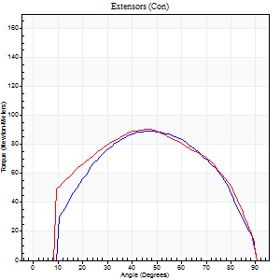
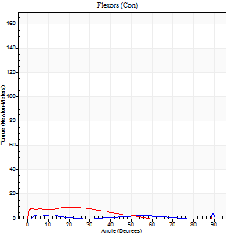
Right Side Curves Left Side Curves
Isokinetic Con/Con |  |  |  | Extensors (Con) |  | Flexors (Con)
Speed 120/120 d/s 3 Reps |  |  |  | Value | Cof Var | %BW | Value | Cof Var | %BW | Ratio

TORQUE PARAMETERS
Peak Torque (Newton-Meters - Best Repetition)
Right |  |  |  | 89 | 0.02 | 98 | 4 | 0.02 | 6 | 5
Left |  |  |  | 91 | 0 | 101 | 9 | 0.16 | 12 | 10
Deficit |  |  |  | 1 |  |  | 57
Work per Repetition (Newton-Meters - Best Repetition)
Right |  |  |  | 94 | 0.01 | 104 | 1 | 0.09 | 3 | 1
Left |  |  |  | 99 | 0 | 110 | 7 | 0.22 | 9 | 7
Deficit |  |  |  | 5 |  |  | 80
Average Power per Repetition (Watts - Best Repetition)
Right |  |  |  | 113 | 0.02 | 125 | 1 | 0.27 | 2 | 1
Left |  |  |  | 114 | 0.02 | 127 | 7 | 0.37 | 9 | 6
Deficit |  |  |  | 1 |  |  | 86
POSITION PARAMETERS
Joint Angle at Peak Torque (Degrees)
Right |  |  |  | 47 | 0.04 |  | 36 | 1.26
Left |  |  |  | 48 | 0.03 |  | 44 | 0.91
Range of Motion (Degrees)
Right |  |  |  | 1 | 0.03 |  | 90 | 0
Left |  |  |  | 0 | 0.71 |  | 90 | 0
TIME PARAMETERS
Time to Peak Torque (Seconds)
Right |  |  |  | 0.41 | 0.03 |  | 0.55 | 0.99
Left |  |  |  | 0.41 | 0.02 |  | 0.69 | 0.91
Time Peak Torque Held (Seconds)
Right |  |  |  | 0.03 | 0.57 |  | 0.06 | 0.83
Left |  |  |  | 0.04 | 0.42 |  | 0.02 | 1.32
Force Decay Time (Seconds)
Right |  |  |  | 0.38 | 0.03 |  | 1 | 0.95
Left |  |  |  | 0.43 | 0.05 |  | 0.39 | 1.44
Reciprocal Delay (Seconds)
Right |  |  |  | 0.57 | 0.02 |  | 0.09 | 0.24
Left |  |  |  | 0.37 | 0 |  | 0.2 | 0.44
Delay Time (Seconds)
Right |  |  |  | -0.02 | 0 |  | 0.07 | 1.6
Left |  |  |  | -0.01 | -0.47 |  | -0.07 | -0.82
HUMAC2015® Version: 15.000.0074 © Computer Sports Medicine, Inc. www.csmisolutions.com

Use File, Preference to set Report Heading
Long Form Torque vs. Position Report - Knee Extension/Flexion
Name: |  |  |  | TR030_FP3044, | ID: | TR030 | Right/Left: | 07.09.2022 07.09.2022
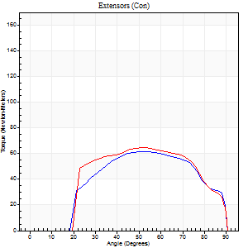
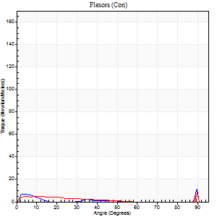
Right Side Curves Left Side Curves
Isokinetic Con/Con |  |  |  | Extensors (Con) |  | Flexors (Con)
Speed 240/240 d/s 3 Reps |  |  |  | Value | Cof Var | %BW | Value | Cof Var | %BW | Ratio

TORQUE PARAMETERS
Peak Torque (Newton-Meters - Best Repetition)
Right |  |  |  | 61 | 0.03 | 69 | 16 | 0.86 | 18 | 27
Left |  |  |  | 65 | 0.02 | 72 | 11 | 0.32 | 12 | 17
Deficit |  |  |  | 6 |  |  | 33
Work per Repetition (Newton-Meters - Best Repetition)
Right |  |  |  | 61 | 0.01 | 69 | 3 | 0.29 | 3 | 4
Left |  |  |  | 66 | 0.01 | 75 | 4 | 0.29 | 6 | 6
Deficit |  |  |  | 8 |  |  | 33
Average Power per Repetition (Watts - Best Repetition)
Right |  |  |  | 116 | 0.02 | 130 | 2 | 0.54 | 2 | 2
Left |  |  |  | 119 | 0.03 | 132 | 6 | 0.63 | 7 | 5
Deficit |  |  |  | 3 |  |  | 67
POSITION PARAMETERS
Joint Angle at Peak Torque (Degrees)
Right |  |  |  | 50 | 0.05 |  | 32 | 1.55
Left |  |  |  | 53 | 0.04 |  | 35 | 1.38
Range of Motion (Degrees)
Right |  |  |  | 1 | 0.57 |  | 90 | 0
Left |  |  |  | 1 | 0.94 |  | 90 | 0
TIME PARAMETERS
Time to Peak Torque (Seconds)
Right |  |  |  | 0.25 | 0.03 |  | 0.43 | 1.43
Left |  |  |  | 0.25 | 0.03 |  | 0.52 | 1.04
Time Peak Torque Held (Seconds)
Right |  |  |  | 0.01 | 1 |  | 0.01 | 1.73
Left |  |  |  | 0.01 | 1 |  | 0.04 | 0.96
Force Decay Time (Seconds)
Right |  |  |  | 0.25 | 0.05 |  | 0.77 | 1.06
Left |  |  |  | 0.3 | 0.08 |  | 0.51 | 1.07
Reciprocal Delay (Seconds)
Right |  |  |  | 0.31 | 0.58 |  | 0.07 | 0.25
Left |  |  |  | 0.17 | 0 |  | 0.13 | 0.33
Delay Time (Seconds)
Right |  |  |  | -0.02 | -0.28 |  | -0.02 | -0.35
Left |  |  |  | -0.03 | 0 |  | -0.05 | -0.65
HUMAC2015® Version: 15.000.0074 © Computer Sports Medicine, Inc. www.csmisolutions.com

Use File, Preference to set Report Heading
Isometric - Knee Extension/Flexion
Name: |  |  |  | TR030_FP3044, | ID: | TR030 | Right/Left: | 07.09.2022 07.09.2022

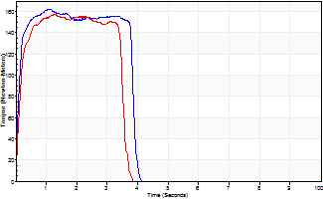
Isometric Extensors (Con) Angle 60 Time 10 Repetition 2 (Best Repetition)
 | Value | Cof Var | %BW
Peak Torque (Newton-Meters)
Right | 161 | 0.05 | 179
Left | 157 | 0.04 | 176
Deficit | 3
Average Torque (Newton-Meters)
Right | 58 | 0.11 | 66
Left | 54 | 0.03 | 60
Deficit | 7
Peak Torque Slope (Newton-Meters/Seconds)
Right | 151 | 0.71 | 168
Left | 121 | 0.68 | 135 |  | Right Side Curves Left Side Curves
Deficit | 20
Time to Half Peak Torque (Seconds)
Right | 0.1 | 0
Left | 0.17 | 0.25
Time to Peak Torque (Seconds)
Right | 2.03 | 0.68
Left | 2.41 | 0.66
HUMAC2015® Version: 15.000.0074 © Computer Sports Medicine, Inc. www.csmisolutions.com

pre2
Use File, Preference to set Report Heading
Long Form Torque vs. Position Report - Knee Extension/Flexion
Name: |  |  |  | TR030_FP3044, | ID: | TR030 | Right/Left: | 22.09.2022 22.09.2022
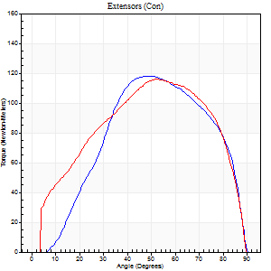
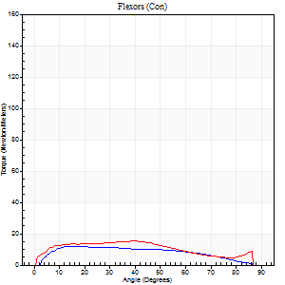
Right Side Curves Left Side Curves
Isokinetic Con/Con |  |  |  | Extensors (Con) |  | Flexors (Con)
Speed 60/60 d/s 3 Reps |  |  |  | Value | Cof Var | %BW | Value | Cof Var | %BW | Ratio

TORQUE PARAMETERS
Peak Torque (Newton-Meters - Best Repetition)
Right |  |  |  | 118 | 0.05 | 131 | 12 | 0.08 | 15 | 10
Left |  |  |  | 115 | 0.05 | 128 | 15 | 0.19 | 18 | 13
Deficit |  |  |  | 2 |  |  | 18
Work per Repetition (Newton-Meters - Best Repetition)
Right |  |  |  | 119 | 0.03 | 131 | 12 | 0.17 | 15 | 10
Left |  |  |  | 125 | 0.04 | 137 | 16 | 0.21 | 18 | 13
Deficit |  |  |  | 4 |  |  | 25
Average Power per Repetition (Watts - Best Repetition)
Right |  |  |  | 77 | 0.03 | 86 | 8 | 0.18 | 9 | 10
Left |  |  |  | 81 | 0.05 | 90 | 10 | 0.21 | 11 | 12
Deficit |  |  |  | 5 |  |  | 20
POSITION PARAMETERS
Joint Angle at Peak Torque (Degrees)
Right |  |  |  | 48 | 0.02 |  | 15 | 0.15
Left |  |  |  | 52 | 0.07 |  | 22 | 0.68
Range of Motion (Degrees)
Right |  |  |  | 0 | 0.53 |  | 90 | 0
Left |  |  |  | 0 | 1.41 |  | 90 | 0
TIME PARAMETERS
Time to Peak Torque (Seconds)
Right |  |  |  | 0.72 | 0.03 |  | 0.26 | 0.22
Left |  |  |  | 0.66 | 0.19 |  | 0.4 | 0.62
Time Peak Torque Held (Seconds)
Right |  |  |  | 0.06 | 0.44 |  | 0.08 | 0.65
Left |  |  |  | 0.05 | 0.6 |  | 0.05 | 1.28
Force Decay Time (Seconds)
Right |  |  |  | 0.75 | 0.05 |  | 1.18 | 0.07
Left |  |  |  | 0.84 | 0.11 |  | 1.08 | 0.19
Reciprocal Delay (Seconds)
Right |  |  |  | 0.12 | 0.47 |  | 0.13 | 0.43
Left |  |  |  | 0.1 | 0.14 |  | 0.17 | 0.38
Delay Time (Seconds)
Right |  |  |  | -0.01 | -0.47 |  | -0.01 | -6.76
Left |  |  |  | -0.02 | -3.3 |  | 0 | 0
HUMAC2015® Version: 15.000.0074 © Computer Sports Medicine, Inc. www.csmisolutions.com

Use File, Preference to set Report Heading
Long Form Torque vs. Position Report - Knee Extension/Flexion
Name: |  |  |  | TR030_FP3044, | ID: | TR030 | Right/Left: | 22.09.2022 22.09.2022
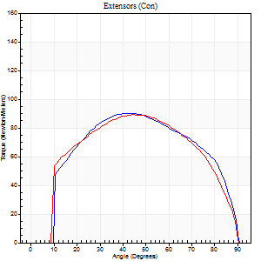
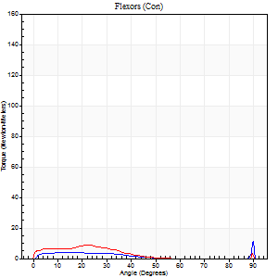
Right Side Curves Left Side Curves
Isokinetic Con/Con |  |  |  | Extensors (Con) |  | Flexors (Con)
Speed 120/120 d/s 3 Reps |  |  |  | Value | Cof Var | %BW | Value | Cof Var | %BW | Ratio

TORQUE PARAMETERS
Peak Torque (Newton-Meters - Best Repetition)
Right |  |  |  | 89 | 0.03 | 98 | 12 | 0.26 | 15 | 14
Left |  |  |  | 89 | 0.06 | 98 | 8 | 0.29 | 9 | 9
Deficit |  |  |  | 0 |  |  | 33
Work per Repetition (Newton-Meters - Best Repetition)
Right |  |  |  | 100 | 0.03 | 110 | 5 | 0.35 | 6 | 5
Left |  |  |  | 99 | 0.04 | 110 | 5 | 0.42 | 6 | 5
Deficit |  |  |  | 1 |  |  | 0
Average Power per Repetition (Watts - Best Repetition)
Right |  |  |  | 120 | 0.05 | 134 | 6 | 0.45 | 7 | 5
Left |  |  |  | 113 | 0.04 | 125 | 4 | 0.49 | 4 | 4
Deficit |  |  |  | 6 |  |  | 33
POSITION PARAMETERS
Joint Angle at Peak Torque (Degrees)
Right |  |  |  | 43 | 0.04 |  | 68 | 0.56
Left |  |  |  | 43 | 0.05 |  | 16 | 0.65
Range of Motion (Degrees)
Right |  |  |  | 1 | 0.47 |  | 90 | 0
Left |  |  |  | 0 | 0 |  | 90 | 0
TIME PARAMETERS
Time to Peak Torque (Seconds)
Right |  |  |  | 0.44 | 0.05 |  | 0.88 | 0.59
Left |  |  |  | 0.44 | 0.03 |  | 0.29 | 0.39
Time Peak Torque Held (Seconds)
Right |  |  |  | 0.03 | 0.46 |  | 0 | 0
Left |  |  |  | 0.03 | 0.88 |  | 0.02 | 1
Force Decay Time (Seconds)
Right |  |  |  | 0.35 | 0.07 |  | 0.16 | 2.4
Left |  |  |  | 0.41 | 0.05 |  | 0.8 | 0.32
Reciprocal Delay (Seconds)
Right |  |  |  | 0.17 | 0.08 |  | 0.17 | 0.36
Left |  |  |  | 0.16 | 0.09 |  | 0.22 | 0.12
Delay Time (Seconds)
Right |  |  |  | -0.01 | 0 |  | -0.02 | -1
Left |  |  |  | -0.01 | -0.47 |  | -0.04 | -0.35
HUMAC2015® Version: 15.000.0074 © Computer Sports Medicine, Inc. www.csmisolutions.com

Use File, Preference to set Report Heading
Long Form Torque vs. Position Report - Knee Extension/Flexion
Name: |  |  |  | TR030_FP3044, | ID: | TR030 | Right/Left: | 22.09.2022 22.09.2022
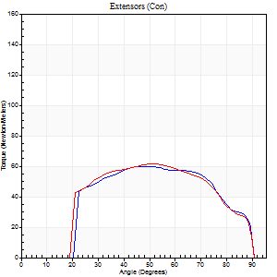
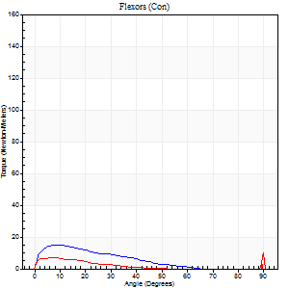
Right Side Curves Left Side Curves
Isokinetic Con/Con |  |  |  | Extensors (Con) |  | Flexors (Con)
Speed 240/240 d/s 3 Reps |  |  |  | Value | Cof Var | %BW | Value | Cof Var | %BW | Ratio

TORQUE PARAMETERS
Peak Torque (Newton-Meters - Best Repetition)
Right |  |  |  | 60 | 0.02 | 66 | 15 | 0.33 | 18 | 25
Left |  |  |  | 62 | 0.05 | 69 | 14 | 0.44 | 15 | 22
Deficit |  |  |  | 4 |  |  | 9
Work per Repetition (Newton-Meters - Best Repetition)
Right |  |  |  | 61 | 0.01 | 69 | 9 | 0.54 | 12 | 16
Left |  |  |  | 61 | 0.04 | 69 | 3 | 0.28 | 3 | 4
Deficit |  |  |  | 0 |  |  | 71
Average Power per Repetition (Watts - Best Repetition)
Right |  |  |  | 113 | 0.03 | 125 | 17 | 0.87 | 20 | 15
Left |  |  |  | 114 | 0.08 | 127 | 3 | 0.37 | 4 | 3
Deficit |  |  |  | 1 |  |  | 82
POSITION PARAMETERS
Joint Angle at Peak Torque (Degrees)
Right |  |  |  | 48 | 0.03 |  | 63 | 0.73
Left |  |  |  | 53 | 0.01 |  | 63 | 0.73
Range of Motion (Degrees)
Right |  |  |  | 1 | 0.25 |  | 90 | 0
Left |  |  |  | 0 | 0.54 |  | 90 | 0
TIME PARAMETERS
Time to Peak Torque (Seconds)
Right |  |  |  | 0.26 | 0.08 |  | 0.75 | 0.73
Left |  |  |  | 0.23 | 0.03 |  | 0.96 | 0.68
Time Peak Torque Held (Seconds)
Right |  |  |  | 0.01 | 0.43 |  | 0.01 | 1.73
Left |  |  |  | 0.01 | 1.15 |  | 0.02 | 1.73
Force Decay Time (Seconds)
Right |  |  |  | 0.27 | 0.06 |  | 0.03 | 11.82
Left |  |  |  | 0.3 | 0.03 |  | 0.15 | 3.23
Reciprocal Delay (Seconds)
Right |  |  |  | 0.28 | 0.52 |  | 0.16 | 0.64
Left |  |  |  | 0.24 | 0.47 |  | 0.18 | 0.37
Delay Time (Seconds)
Right |  |  |  | -0.03 | -0.47 |  | -0.03 | -1.2
Left |  |  |  | -0.02 | -0.28 |  | -0.05 | -0.11
HUMAC2015® Version: 15.000.0074 © Computer Sports Medicine, Inc. www.csmisolutions.com

Use File, Preference to set Report Heading
Isometric - Knee Extension/Flexion
Name: |  |  |  | TR030_FP3044, | ID: | TR030 | Right/Left: | 22.09.2022 22.09.2022

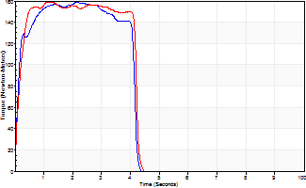
Isometric Extensors (Con) Angle 60 Time 10 Repetition 2 (Best Repetition)
 | Value | Cof Var | %BW
Peak Torque (Newton-Meters)
Right | 159 | 0.07 | 176
Left | 159 | 0.02 | 176
Deficit | 0
Average Torque (Newton-Meters)
Right | 64 | 0.04 | 72
Left | 62 | 0 | 69
Deficit | 2
Peak Torque Slope (Newton-Meters/Seconds)
Right | 74 | 0.35 | 82
Left | 146 | 0.42 | 162 |  | Right Side Curves Left Side Curves
Deficit | 49
Time to Half Peak Torque (Seconds)
Right | 0.1 | 0.14
Left | 0.15 | 0
Time to Peak Torque (Seconds)
Right | 2.68 | 0.28
Left | 1.52 | 0.41
HUMAC2015® Version: 15.000.0074 © Computer Sports Medicine, Inc. www.csmisolutions.com

mid1
Use File, Preference to set Report Heading
Long Form Torque vs. Position Report - Knee Extension/Flexion
Name: |  |  |  | TR030_FP3044, | ID: | TR030 | Right/Left: | 03.11.2022 03.11.2022
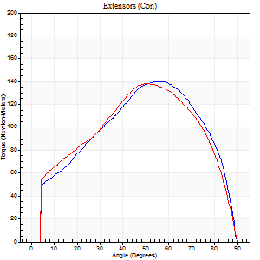
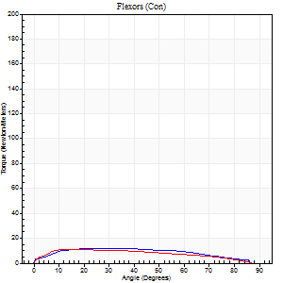
Right Side Curves Left Side Curves
Isokinetic Con/Con |  |  |  | Extensors (Con) |  | Flexors (Con)
Speed 60/60 d/s 3 Reps |  |  |  | Value | Cof Var | %BW | Value | Cof Var | %BW | Ratio

TORQUE PARAMETERS
Peak Torque (Newton-Meters - Best Repetition)
Right |  |  |  | 140 | 0.03 | 155 | 12 | 0.08 | 15 | 9
Left |  |  |  | 138 | 0.09 | 155 | 11 | 0.22 | 12 | 8
Deficit |  |  |  | 1 |  |  | 11
Work per Repetition (Newton-Meters - Best Repetition)
Right |  |  |  | 148 | 0.03 | 164 | 14 | 0.13 | 15 | 9
Left |  |  |  | 146 | 0.06 | 164 | 12 | 0.26 | 15 | 8
Deficit |  |  |  | 1 |  |  | 10
Average Power per Repetition (Watts - Best Repetition)
Right |  |  |  | 95 | 0.06 | 105 | 8 | 0.11 | 9 | 8
Left |  |  |  | 93 | 0.06 | 103 | 8 | 0.25 | 9 | 9
Deficit |  |  |  | 2 |  |  | 0
POSITION PARAMETERS
Joint Angle at Peak Torque (Degrees)
Right |  |  |  | 54 | 0.02 |  | 23 | 0.29
Left |  |  |  | 49 | 0.02 |  | 28 | 0.73
Range of Motion (Degrees)
Right |  |  |  | 0 | 0.28 |  | 90 | 0
Left |  |  |  | 0 | 0 |  | 90 | 0
TIME PARAMETERS
Time to Peak Torque (Seconds)
Right |  |  |  | 0.61 | 0 |  | 0.51 | 0.15
Left |  |  |  | 0.71 | 0.04 |  | 0.55 | 0.62
Time Peak Torque Held (Seconds)
Right |  |  |  | 0.07 | 0.42 |  | 0.2 | 0.35
Left |  |  |  | 0.07 | 0.29 |  | 0.04 | 1.73
Force Decay Time (Seconds)
Right |  |  |  | 0.9 | 0.06 |  | 0.92 | 0.11
Left |  |  |  | 0.79 | 0.05 |  | 0.99 | 0.4
Reciprocal Delay (Seconds)
Right |  |  |  | 0.16 | 0.3 |  | 0.38 | 0.47
Left |  |  |  | 0.22 | 0.23 |  | 0.27 | 0.09
Delay Time (Seconds)
Right |  |  |  | 0 | 0 |  | -0.05 | -1.4
Left |  |  |  | -0.01 | -2.83 |  | -0.03 | -0.22
HUMAC2015® Version: 15.000.0074 © Computer Sports Medicine, Inc. www.csmisolutions.com

Use File, Preference to set Report Heading
Long Form Torque vs. Position Report - Knee Extension/Flexion
Name: |  |  |  | TR030_FP3044, | ID: | TR030 | Right/Left: | 03.11.2022 03.11.2022
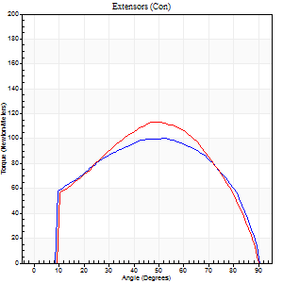
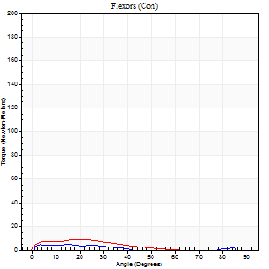
Right Side Curves Left Side Curves
Isokinetic Con/Con |  |  |  | Extensors (Con) |  | Flexors (Con)
Speed 120/120 d/s 3 Reps |  |  |  | Value | Cof Var | %BW | Value | Cof Var | %BW | Ratio

TORQUE PARAMETERS
Peak Torque (Newton-Meters - Best Repetition)
Right |  |  |  | 100 | 0.09 | 110 | 4 | 0.08 | 6 | 4
Left |  |  |  | 113 | 0.06 | 125 | 9 | 0.48 | 12 | 8
Deficit |  |  |  | 11 |  |  | 57
Work per Repetition (Newton-Meters - Best Repetition)
Right |  |  |  | 111 | 0.08 | 122 | 3 | 0.24 | 3 | 2
Left |  |  |  | 117 | 0.02 | 128 | 5 | 0.73 | 6 | 5
Deficit |  |  |  | 5 |  |  | 50
Average Power per Repetition (Watts - Best Repetition)
Right |  |  |  | 129 | 0.08 | 143 | 2 | 0.27 | 2 | 2
Left |  |  |  | 135 | 0.02 | 149 | 6 | 0.92 | 7 | 4
Deficit |  |  |  | 4 |  |  | 67
POSITION PARAMETERS
Joint Angle at Peak Torque (Degrees)
Right |  |  |  | 47 | 0.12 |  | 7 | 0.88
Left |  |  |  | 43 | 0.14 |  | 9 | 0.89
Range of Motion (Degrees)
Right |  |  |  | 0 | 0.71 |  | 90 | 0
Left |  |  |  | 0 | 0.61 |  | 90 | 0
TIME PARAMETERS
Time to Peak Torque (Seconds)
Right |  |  |  | 0.44 | 0.05 |  | 0.15 | 0.79
Left |  |  |  | 0.46 | 0.03 |  | 0.2 | 0.4
Time Peak Torque Held (Seconds)
Right |  |  |  | 0.03 | 0.33 |  | 0.04 | 1.73
Left |  |  |  | 0.02 | 0.49 |  | 0.05 | 1.55
Force Decay Time (Seconds)
Right |  |  |  | 0.42 | 0.12 |  | 1.02 | 0.3
Left |  |  |  | 0.4 | 0.12 |  | 0.88 | 0.25
Reciprocal Delay (Seconds)
Right |  |  |  | 0.14 | 0.15 |  | 0.19 | 0.29
Left |  |  |  | 0.14 | 0.37 |  | 0.2 | 0.3
Delay Time (Seconds)
Right |  |  |  | -0.01 | -0.47 |  | 0.04 | 0.79
Left |  |  |  | -0.01 | 0 |  | -0.04 | -0.63
HUMAC2015® Version: 15.000.0074 © Computer Sports Medicine, Inc. www.csmisolutions.com

Use File, Preference to set Report Heading
Long Form Torque vs. Position Report - Knee Extension/Flexion
Name: |  |  |  | TR030_FP3044, | ID: | TR030 | Right/Left: | 03.11.2022 03.11.2022
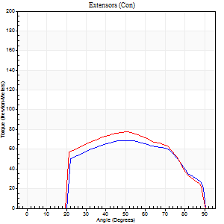

Right Side Curves Left Side Curves
Isokinetic Con/Con |  |  |  | Extensors (Con) |  | Flexors (Con)
Speed 240/240 d/s 3 Reps |  |  |  | Value | Cof Var | %BW | Value | Cof Var | %BW | Ratio

TORQUE PARAMETERS
Peak Torque (Newton-Meters - Best Repetition)
Right |  |  |  | 69 | 0.01 | 77 | 7 | 0.2 | 9 | 10
Left |  |  |  | 77 | 0.06 | 86 | 18 | 0.54 | 21 | 23
Deficit |  |  |  | 11 |  |  | 62
Work per Repetition (Newton-Meters - Best Repetition)
Right |  |  |  | 69 | 0.02 | 77 | 3 | 0.18 | 3 | 4
Left |  |  |  | 75 | 0.06 | 83 | 3 | 0.13 | 3 | 4
Deficit |  |  |  | 7 |  |  | 0
Average Power per Repetition (Watts - Best Repetition)
Right |  |  |  | 120 | 0.01 | 134 | 3 | 0.3 | 4 | 2
Left |  |  |  | 136 | 0.06 | 152 | 3 | 0.17 | 4 | 2
Deficit |  |  |  | 12 |  |  | 0
POSITION PARAMETERS
Joint Angle at Peak Torque (Degrees)
Right |  |  |  | 50 | 0.08 |  | 8 | 0.36
Left |  |  |  | 51 | 0.01 |  | 60 | 0.82
Range of Motion (Degrees)
Right |  |  |  | 0 | 0.28 |  | 90 | 0
Left |  |  |  | 0 | 0.57 |  | 90 | 0
TIME PARAMETERS
Time to Peak Torque (Seconds)
Right |  |  |  | 0.26 | 0 |  | 0.25 | 0.3
Left |  |  |  | 0.24 | 0.06 |  | 0.78 | 0.75
Time Peak Torque Held (Seconds)
Right |  |  |  | 0.01 | 0.87 |  | 0 | 1.73
Left |  |  |  | 0.01 | 0.87 |  | 0.01 | 1
Force Decay Time (Seconds)
Right |  |  |  | 0.3 | 0.08 |  | 0.79 | 0.16
Left |  |  |  | 0.3 | 0.03 |  | 0.32 | 1.97
Reciprocal Delay (Seconds)
Right |  |  |  | 0.13 | 0.65 |  | 0.3 | 0.47
Left |  |  |  | 0.19 | 0.52 |  | 0.22 | 0.4
Delay Time (Seconds)
Right |  |  |  | -0.03 | 0 |  | -0.05 | -1.59
Left |  |  |  | -0.02 | -0.85 |  | -0.07 | -0.28
HUMAC2015® Version: 15.000.0074 © Computer Sports Medicine, Inc. www.csmisolutions.com

Use File, Preference to set Report Heading
Isometric - Knee Extension/Flexion
Name: |  |  |  | TR030_FP3044, | ID: | TR030 | Right/Left: | 03.11.2022 03.11.2022

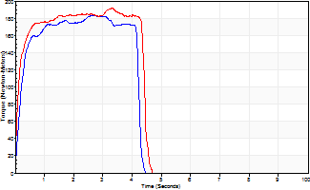
Isometric Extensors (Con) Angle 60 Time 10 Repetition 2 (Best Repetition)
 | Value | Cof Var | %BW
Peak Torque (Newton-Meters)
Right | 183 | 0.05 | 203
Left | 193 | 0.01 | 215
Deficit | 5
Average Torque (Newton-Meters)
Right | 72 | 0.02 | 80
Left | 77 | 0.06 | 86
Deficit | 7
Peak Torque Slope (Newton-Meters/Seconds)
Right | 69 | 0.08 | 76
Left | 184 | 0.74 | 204 |  | Right Side Curves Left Side Curves
Deficit | 63
Time to Half Peak Torque (Seconds)
Right | 0.18 | 0.08
Left | 0.11 | 0.07
Time to Peak Torque (Seconds)
Right | 2.72 | 0.03
Left | 2.16 | 0.75
HUMAC2015® Version: 15.000.0074 © Computer Sports Medicine, Inc. www.csmisolutions.com

mid2
Use File, Preference to set Report Heading
Long Form Torque vs. Position Report - Knee Extension/Flexion
Name: |  |  |  | TR030_FP3044, | ID: | TR030 | Right/Left: | 08.11.2022 08.11.2022
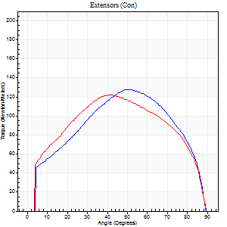
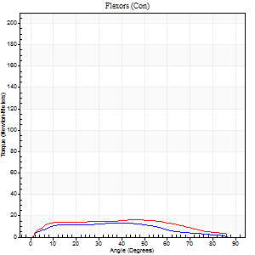
Right Side Curves Left Side Curves
Isokinetic Con/Con |  |  |  | Extensors (Con) |  | Flexors (Con)
Speed 60/60 d/s 3 Reps |  |  |  | Value | Cof Var | %BW | Value | Cof Var | %BW | Ratio

TORQUE PARAMETERS
Peak Torque (Newton-Meters - Best Repetition)
Right |  |  |  | 127 | 0.02 | 140 | 14 | 0.25 | 15 | 11
Left |  |  |  | 122 | 0.03 | 134 | 16 | 0.03 | 18 | 13
Deficit |  |  |  | 4 |  |  | 17
Work per Repetition (Newton-Meters - Best Repetition)
Right |  |  |  | 138 | 0.02 | 155 | 12 | 0.24 | 15 | 9
Left |  |  |  | 136 | 0.07 | 152 | 18 | 0.04 | 21 | 13
Deficit |  |  |  | 2 |  |  | 31
Average Power per Repetition (Watts - Best Repetition)
Right |  |  |  | 89 | 0.02 | 99 | 9 | 0.25 | 11 | 10
Left |  |  |  | 88 | 0.05 | 97 | 12 | 0.06 | 13 | 14
Deficit |  |  |  | 1 |  |  | 25
POSITION PARAMETERS
Joint Angle at Peak Torque (Degrees)
Right |  |  |  | 51 | 0.01 |  | 26 | 0.46
Left |  |  |  | 46 | 0.11 |  | 44 | 0.23
Range of Motion (Degrees)
Right |  |  |  | 0 | 0.85 |  | 90 | 0
Left |  |  |  | 1 | 0.31 |  | 90 | 0
TIME PARAMETERS
Time to Peak Torque (Seconds)
Right |  |  |  | 0.64 | 0.01 |  | 0.47 | 0.47
Left |  |  |  | 0.69 | 0.14 |  | 0.79 | 0.22
Time Peak Torque Held (Seconds)
Right |  |  |  | 0.05 | 0.4 |  | 0.03 | 0.92
Left |  |  |  | 0.05 | 0.45 |  | 0.03 | 1.73
Force Decay Time (Seconds)
Right |  |  |  | 0.85 | 0.03 |  | 1.03 | 0.28
Left |  |  |  | 0.74 | 0.1 |  | 0.74 | 0.28
Reciprocal Delay (Seconds)
Right |  |  |  | 0.13 | 0.22 |  | 0.24 | 0.42
Left |  |  |  | 0.11 | 0.47 |  | 0.19 | 0.54
Delay Time (Seconds)
Right |  |  |  | 0.01 | 0 |  | 0.03 | 1.69
Left |  |  |  | 0.02 | 0.71 |  | -0.02 | -1.51
HUMAC2015® Version: 15.000.0074 © Computer Sports Medicine, Inc. www.csmisolutions.com

Use File, Preference to set Report Heading
Long Form Torque vs. Position Report - Knee Extension/Flexion
Name: |  |  |  | TR030_FP3044, | ID: | TR030 | Right/Left: | 08.11.2022 08.11.2022
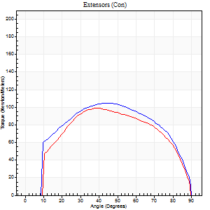
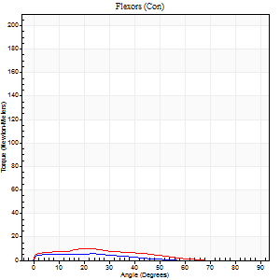
Right Side Curves Left Side Curves
Isokinetic Con/Con |  |  |  | Extensors (Con) |  | Flexors (Con)
Speed 120/120 d/s 3 Reps |  |  |  | Value | Cof Var | %BW | Value | Cof Var | %BW | Ratio

TORQUE PARAMETERS
Peak Torque (Newton-Meters - Best Repetition)
Right |  |  |  | 104 | 0.01 | 116 | 5 | 0.18 | 6 | 5
Left |  |  |  | 99 | 0.05 | 110 | 11 | 0.45 | 12 | 11
Deficit |  |  |  | 5 |  |  | 50
Work per Repetition (Newton-Meters - Best Repetition)
Right |  |  |  | 117 | 0.02 | 128 | 4 | 0.35 | 6 | 3
Left |  |  |  | 107 | 0.02 | 119 | 7 | 0.65 | 9 | 6
Deficit |  |  |  | 8 |  |  | 40
Average Power per Repetition (Watts - Best Repetition)
Right |  |  |  | 136 | 0.03 | 152 | 4 | 0.59 | 4 | 3
Left |  |  |  | 122 | 0.03 | 136 | 8 | 0.83 | 9 | 7
Deficit |  |  |  | 10 |  |  | 50
POSITION PARAMETERS
Joint Angle at Peak Torque (Degrees)
Right |  |  |  | 45 | 0.04 |  | 16 | 0.44
Left |  |  |  | 42 | 0.13 |  | 10 | 0.89
Range of Motion (Degrees)
Right |  |  |  | 0 | 0.35 |  | 90 | 0
Left |  |  |  | 0 | 0 |  | 90 | 0
TIME PARAMETERS
Time to Peak Torque (Seconds)
Right |  |  |  | 0.42 | 0.03 |  | 0.33 | 0.09
Left |  |  |  | 0.47 | 0.07 |  | 0.24 | 0.31
Time Peak Torque Held (Seconds)
Right |  |  |  | 0.04 | 0.25 |  | 0.02 | 1
Left |  |  |  | 0.03 | 1.21 |  | 0 | 1.73
Force Decay Time (Seconds)
Right |  |  |  | 0.4 | 0.04 |  | 0.92 | 0.29
Left |  |  |  | 0.4 | 0.01 |  | 0.89 | 0.29
Reciprocal Delay (Seconds)
Right |  |  |  | 0.16 | 0.32 |  | 0.26 | 0.59
Left |  |  |  | 0.14 | 0.24 |  | 0.24 | 0.18
Delay Time (Seconds)
Right |  |  |  | -0.01 | -1.41 |  | -0.05 | -0.72
Left |  |  |  | 0.03 | 1.41 |  | -0.05 | -0.2
HUMAC2015® Version: 15.000.0074 © Computer Sports Medicine, Inc. www.csmisolutions.com

Use File, Preference to set Report Heading
Long Form Torque vs. Position Report - Knee Extension/Flexion
Name: |  |  |  | TR030_FP3044, | ID: | TR030 | Right/Left: | 08.11.2022 08.11.2022
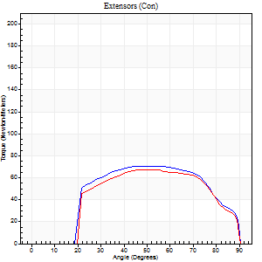
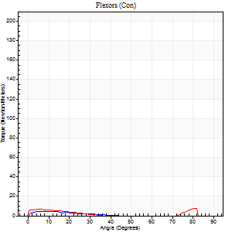
Right Side Curves Left Side Curves
Isokinetic Con/Con |  |  |  | Extensors (Con) |  | Flexors (Con)
Speed 240/240 d/s 3 Reps |  |  |  | Value | Cof Var | %BW | Value | Cof Var | %BW | Ratio

TORQUE PARAMETERS
Peak Torque (Newton-Meters - Best Repetition)
Right |  |  |  | 71 | 0.08 | 77 | 5 | 0.07 | 6 | 8
Left |  |  |  | 68 | 0.04 | 75 | 8 | 0.15 | 9 | 12
Deficit |  |  |  | 4 |  |  | 33
Work per Repetition (Newton-Meters - Best Repetition)
Right |  |  |  | 73 | 0.09 | 80 | 3 | 0.07 | 3 | 4
Left |  |  |  | 68 | 0.05 | 75 | 3 | 0.19 | 3 | 4
Deficit |  |  |  | 7 |  |  | 0
Average Power per Repetition (Watts - Best Repetition)
Right |  |  |  | 133 | 0.09 | 147 | 2 | 0.21 | 2 | 2
Left |  |  |  | 119 | 0.04 | 132 | 3 | 0.07 | 4 | 3
Deficit |  |  |  | 11 |  |  | 33
POSITION PARAMETERS
Joint Angle at Peak Torque (Degrees)
Right |  |  |  | 50 | 0.04 |  | 6 | 0.51
Left |  |  |  | 51 | 0.04 |  | 60 | 0.74
Range of Motion (Degrees)
Right |  |  |  | 0 | 0 |  | 90 | 0
Left |  |  |  | 0 | 1.41 |  | 90 | 0
TIME PARAMETERS
Time to Peak Torque (Seconds)
Right |  |  |  | 0.23 | 0.03 |  | 0.2 | 0.12
Left |  |  |  | 0.23 | 0.03 |  | 0.79 | 0.59
Time Peak Torque Held (Seconds)
Right |  |  |  | 0.01 | 1.15 |  | 0 | 0
Left |  |  |  | 0.02 | 0.35 |  | 0 | 0
Force Decay Time (Seconds)
Right |  |  |  | 0.29 | 0.08 |  | 1 | 0.2
Left |  |  |  | 0.3 | 0.04 |  | 0.28 | 1.3
Reciprocal Delay (Seconds)
Right |  |  |  | 0.09 | 0.42 |  | 0.21 | 0.46
Left |  |  |  | 0.1 | 0.42 |  | 0.3 | 0.41
Delay Time (Seconds)
Right |  |  |  | -0.02 | 0 |  | -0.05 | -0.54
Left |  |  |  | -0.01 | -1.41 |  | -0.07 | -0.08
HUMAC2015® Version: 15.000.0074 © Computer Sports Medicine, Inc. www.csmisolutions.com

Use File, Preference to set Report Heading
Isometric - Knee Extension/Flexion
Name: |  |  |  | TR030_FP3044, | ID: | TR030 | Right/Left: | 08.11.2022 08.11.2022

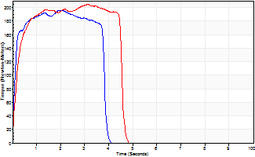
Isometric Extensors (Con) Angle 60 Time 10 Repetition 2 (Best Repetition)
 | Value | Cof Var | %BW
Peak Torque (Newton-Meters)
Right | 197 | 0.08 | 218
Left | 205 | 0.03 | 226
Deficit | 4
Average Torque (Newton-Meters)
Right | 69 | 0 | 77
Left | 84 | 0.08 | 92
Deficit | 18
Peak Torque Slope (Newton-Meters/Seconds)
Right | 98 | 0.34 | 109
Left | 66 | 0.11 | 73 |  | Right Side Curves Left Side Curves
Deficit | 33
Time to Half Peak Torque (Seconds)
Right | 0.11 | 0.07
Left | 0.19 | 0
Time to Peak Torque (Seconds)
Right | 2.45 | 0.26
Left | 3.3 | 0.08
HUMAC2015® Version: 15.000.0074 © Computer Sports Medicine, Inc. www.csmisolutions.com

post1
Use File, Preference to set Report Heading
Long Form Torque vs. Position Report - Knee Extension/Flexion
Name: |  |  |  | TR030_FP3044, | ID: | TR030 | Right/Left: | 30.11.2022 30.11.2022
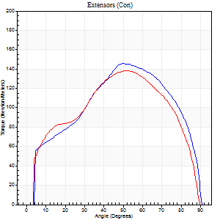
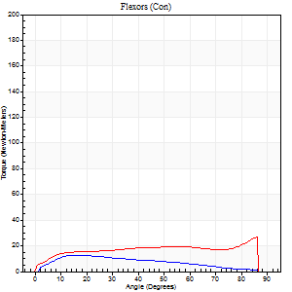
Right Side Curves Left Side Curves
Isokinetic Con/Con |  |  |  | Extensors (Con) |  | Flexors (Con)
Speed 60/60 d/s 3 Reps |  |  |  | Value | Cof Var | %BW | Value | Cof Var | %BW | Ratio

TORQUE PARAMETERS
Peak Torque (Newton-Meters - Best Repetition)
Right |  |  |  | 145 | 0.07 | 161 | 12 | 0.09 | 15 | 8
Left |  |  |  | 138 | 0.06 | 155 | 27 | 0.36 | 30 | 20
Deficit |  |  |  | 5 |  |  | 55
Work per Repetition (Newton-Meters - Best Repetition)
Right |  |  |  | 157 | 0.04 | 176 | 11 | 0.1 | 12 | 7
Left |  |  |  | 151 | 0.07 | 167 | 26 | 0.23 | 30 | 17
Deficit |  |  |  | 4 |  |  | 58
Average Power per Repetition (Watts - Best Repetition)
Right |  |  |  | 100 | 0.03 | 112 | 7 | 0.14 | 9 | 7
Left |  |  |  | 96 | 0.07 | 105 | 16 | 0.23 | 18 | 17
Deficit |  |  |  | 4 |  |  | 56
POSITION PARAMETERS
Joint Angle at Peak Torque (Degrees)
Right |  |  |  | 50 | 0.06 |  | 15 | 0.03
Left |  |  |  | 46 | 0.1 |  | 64 | 0.61
Range of Motion (Degrees)
Right |  |  |  | 0 | 0.47 |  | 90 | 0
Left |  |  |  | 0 | 1.41 |  | 90 | 0
TIME PARAMETERS
Time to Peak Torque (Seconds)
Right |  |  |  | 0.66 | 0.1 |  | 0.28 | 0.08
Left |  |  |  | 0.77 | 0.07 |  | 1.14 | 0.58
Time Peak Torque Held (Seconds)
Right |  |  |  | 0.05 | 0.57 |  | 0.05 | 0.87
Left |  |  |  | 0.05 | 0.35 |  | 0.03 | 1.73
Force Decay Time (Seconds)
Right |  |  |  | 0.82 | 0.06 |  | 1.21 | 0
Left |  |  |  | 0.77 | 0.09 |  | 0.41 | 1.36
Reciprocal Delay (Seconds)
Right |  |  |  | 0.11 | 0.26 |  | 0.29 | 0.25
Left |  |  |  | 0.11 | 0.06 |  | 0.3 | 0.23
Delay Time (Seconds)
Right |  |  |  | 0 | 1.41 |  | 0.03 | 0.62
Left |  |  |  | 0.01 | 0.47 |  | -0.03 | -0.46
HUMAC2015® Version: 15.000.0074 © Computer Sports Medicine, Inc. www.csmisolutions.com

Use File, Preference to set Report Heading
Long Form Torque vs. Position Report - Knee Extension/Flexion
Name: |  |  |  | TR030_FP3044, | ID: | TR030 | Right/Left: | 30.11.2022 30.11.2022
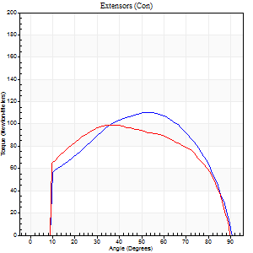
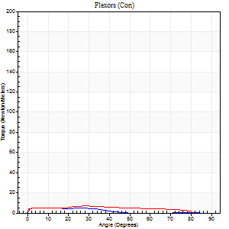
Right Side Curves Left Side Curves
Isokinetic Con/Con |  |  |  | Extensors (Con) |  | Flexors (Con)
Speed 120/120 d/s 3 Reps |  |  |  | Value | Cof Var | %BW | Value | Cof Var | %BW | Ratio

TORQUE PARAMETERS
Peak Torque (Newton-Meters - Best Repetition)
Right |  |  |  | 110 | 0.02 | 122 | 5 | 0.06 | 6 | 5
Left |  |  |  | 99 | 0.01 | 110 | 7 | 0.22 | 9 | 7
Deficit |  |  |  | 10 |  |  | 20
Work per Repetition (Newton-Meters - Best Repetition)
Right |  |  |  | 121 | 0.03 | 134 | 3 | 0.28 | 3 | 2
Left |  |  |  | 113 | 0.03 | 125 | 7 | 0.69 | 9 | 6
Deficit |  |  |  | 7 |  |  | 60
Average Power per Repetition (Watts - Best Repetition)
Right |  |  |  | 149 | 0.06 | 165 | 3 | 0.43 | 4 | 2
Left |  |  |  | 132 | 0.04 | 147 | 7 | 0.8 | 9 | 5
Deficit |  |  |  | 11 |  |  | 57
POSITION PARAMETERS
Joint Angle at Peak Torque (Degrees)
Right |  |  |  | 48 | 0.09 |  | 8 | 0.53
Left |  |  |  | 42 | 0.15 |  | 11 | 1.34
Range of Motion (Degrees)
Right |  |  |  | 1 | 0.81 |  | 90 | 0
Left |  |  |  | 0 | 0.47 |  | 90 | 0
TIME PARAMETERS
Time to Peak Torque (Seconds)
Right |  |  |  | 0.41 | 0.02 |  | 0.18 | 0.13
Left |  |  |  | 0.45 | 0.02 |  | 0.23 | 0.87
Time Peak Torque Held (Seconds)
Right |  |  |  | 0.04 | 0.31 |  | 0.08 | 1.62
Left |  |  |  | 0.03 | 0.46 |  | 0 | 0
Force Decay Time (Seconds)
Right |  |  |  | 0.41 | 0.18 |  | 0.9 | 0.33
Left |  |  |  | 0.39 | 0.11 |  | 0.88 | 0.38
Reciprocal Delay (Seconds)
Right |  |  |  | 0.1 | 0.42 |  | 0.17 | 0.4
Left |  |  |  | 0.11 | 0.18 |  | 0.29 | 0.11
Delay Time (Seconds)
Right |  |  |  | 0 | -1.41 |  | 0.01 | 6.93
Left |  |  |  | 0 | 1.41 |  | -0.07 | -0.23
HUMAC2015® Version: 15.000.0074 © Computer Sports Medicine, Inc. www.csmisolutions.com

Use File, Preference to set Report Heading
Long Form Torque vs. Position Report - Knee Extension/Flexion
Name: |  |  |  | TR030_FP3044, | ID: | TR030 | Right/Left: | 30.11.2022 30.11.2022
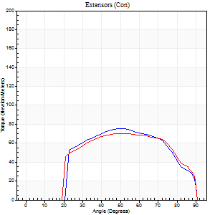
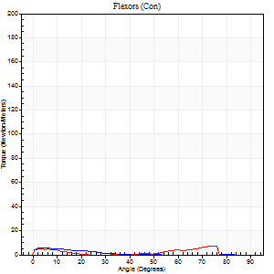
Right Side Curves Left Side Curves
Isokinetic Con/Con |  |  |  | Extensors (Con) |  | Flexors (Con)
Speed 240/240 d/s 3 Reps |  |  |  | Value | Cof Var | %BW | Value | Cof Var | %BW | Ratio

TORQUE PARAMETERS
Peak Torque (Newton-Meters - Best Repetition)
Right |  |  |  | 75 | 0.11 | 83 | 5 | 0.15 | 6 | 7
Left |  |  |  | 71 | 0.04 | 77 | 8 | 0.2 | 9 | 12
Deficit |  |  |  | 5 |  |  | 33
Work per Repetition (Newton-Meters - Best Repetition)
Right |  |  |  | 73 | 0.09 | 80 | 3 | 0.11 | 3 | 4
Left |  |  |  | 72 | 0.03 | 80 | 4 | 0.4 | 6 | 6
Deficit |  |  |  | 2 |  |  | 33
Average Power per Repetition (Watts - Best Repetition)
Right |  |  |  | 126 | 0.07 | 141 | 2 | 0.09 | 2 | 2
Left |  |  |  | 125 | 0.02 | 138 | 5 | 0.49 | 7 | 4
Deficit |  |  |  | 1 |  |  | 60
POSITION PARAMETERS
Joint Angle at Peak Torque (Degrees)
Right |  |  |  | 52 | 0.08 |  | 7 | 0.24
Left |  |  |  | 50 | 0.12 |  | 53 | 0.8
Range of Motion (Degrees)
Right |  |  |  | 0 | 0 |  | 90 | 0
Left |  |  |  | 0 | 0 |  | 90 | 0
TIME PARAMETERS
Time to Peak Torque (Seconds)
Right |  |  |  | 0.23 | 0.06 |  | 0.26 | 0.15
Left |  |  |  | 0.26 | 0.11 |  | 0.61 | 0.81
Time Peak Torque Held (Seconds)
Right |  |  |  | 0.01 | 0.43 |  | 0 | 0
Left |  |  |  | 0 | 1.73 |  | 0 | 0
Force Decay Time (Seconds)
Right |  |  |  | 0.3 | 0.06 |  | 0.79 | 0.04
Left |  |  |  | 0.31 | 0.09 |  | 0.31 | 0.88
Reciprocal Delay (Seconds)
Right |  |  |  | 0.08 | 0.28 |  | 0.39 | 0.33
Left |  |  |  | 0.09 | 0.08 |  | 0.33 | 0.12
Delay Time (Seconds)
Right |  |  |  | -0.02 | -0.28 |  | -0.07 | -0.42
Left |  |  |  | -0.02 | -0.28 |  | 0.09 | 3.56
HUMAC2015® Version: 15.000.0074 © Computer Sports Medicine, Inc. www.csmisolutions.com

Use File, Preference to set Report Heading
Isometric - Knee Extension/Flexion
Name: |  |  |  | TR030_FP3044, | ID: | TR030 | Right/Left: | 30.11.2022 30.11.2022

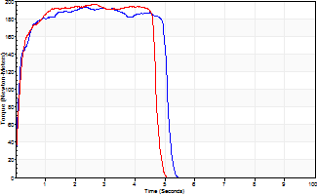
Isometric Extensors (Con) Angle 60 Time 10 Repetition 2 (Best Repetition)
 | Value | Cof Var | %BW
Peak Torque (Newton-Meters)
Right | 193 | 0 | 215
Left | 197 | 0.04 | 218
Deficit | 2
Average Torque (Newton-Meters)
Right | 91 | 0.14 | 101
Left | 87 | 0.03 | 95
Deficit | 4
Peak Torque Slope (Newton-Meters/Seconds)
Right | 83 | 0.13 | 92
Left | 75 | 0.07 | 83 |  | Right Side Curves Left Side Curves
Deficit | 10
Time to Half Peak Torque (Seconds)
Right | 0.11 | 0
Left | 0.13 | 0.05
Time to Peak Torque (Seconds)
Right | 2.55 | 0.13
Left | 2.67 | 0.03
HUMAC2015® Version: 15.000.0074 © Computer Sports Medicine, Inc. www.csmisolutions.com

post2
Use File, Preference to set Report Heading
Long Form Torque vs. Position Report - Knee Extension/Flexion
Name: |  |  |  | TR030_FP3044, | ID: | TR030 | Right/Left: | 02.12.2022 02.12.2022
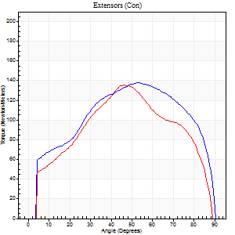
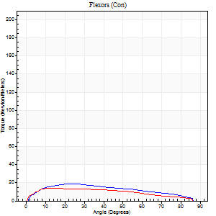
Right Side Curves Left Side Curves
Isokinetic Con/Con |  |  |  | Extensors (Con) |  | Flexors (Con)
Speed 60/60 d/s 3 Reps |  |  |  | Value | Cof Var | %BW | Value | Cof Var | %BW | Ratio

TORQUE PARAMETERS
Peak Torque (Newton-Meters - Best Repetition)
Right |  |  |  | 138 | 0.03 | 155 | 19 | 0.32 | 21 | 14
Left |  |  |  | 136 | 0.01 | 152 | 14 | 0.12 | 15 | 10
Deficit |  |  |  | 2 |  |  | 29
Work per Repetition (Newton-Meters - Best Repetition)
Right |  |  |  | 157 | 0.05 | 176 | 19 | 0.31 | 21 | 12
Left |  |  |  | 141 | 0.01 | 158 | 15 | 0.11 | 18 | 11
Deficit |  |  |  | 10 |  |  | 21
Average Power per Repetition (Watts - Best Repetition)
Right |  |  |  | 99 | 0.03 | 110 | 12 | 0.36 | 13 | 12
Left |  |  |  | 91 | 0.01 | 101 | 10 | 0.13 | 11 | 11
Deficit |  |  |  | 8 |  |  | 17
POSITION PARAMETERS
Joint Angle at Peak Torque (Degrees)
Right |  |  |  | 52 | 0.04 |  | 41 | 0.94
Left |  |  |  | 44 | 0.07 |  | 15 | 0.13
Range of Motion (Degrees)
Right |  |  |  | 0 | 1.41 |  | 90 | 0
Left |  |  |  | 0 | 0 |  | 90 | 0
TIME PARAMETERS
Time to Peak Torque (Seconds)
Right |  |  |  | 0.65 | 0.03 |  | 0.77 | 0.91
Left |  |  |  | 0.76 | 0.08 |  | 0.32 | 0.13
Time Peak Torque Held (Seconds)
Right |  |  |  | 0.08 | 0.59 |  | 0.02 | 1.73
Left |  |  |  | 0.05 | 0.25 |  | 0 | 0
Force Decay Time (Seconds)
Right |  |  |  | 0.82 | 0.07 |  | 0.8 | 0.78
Left |  |  |  | 0.73 | 0.07 |  | 1.25 | 0.03
Reciprocal Delay (Seconds)
Right |  |  |  | 0.11 | 0.47 |  | 0.34 | 0.25
Left |  |  |  | 0.13 | 0.05 |  | 0.26 | 0.12
Delay Time (Seconds)
Right |  |  |  | 0.01 | 1.41 |  | 0.01 | 7.7
Left |  |  |  | 0.02 | 0.28 |  | -0.01 | -1
HUMAC2015® Version: 15.000.0074 © Computer Sports Medicine, Inc. www.csmisolutions.com

Use File, Preference to set Report Heading
Long Form Torque vs. Position Report - Knee Extension/Flexion
Name: |  |  |  | TR030_FP3044, | ID: | TR030 | Right/Left: | 02.12.2022 02.12.2022
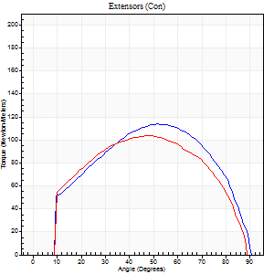
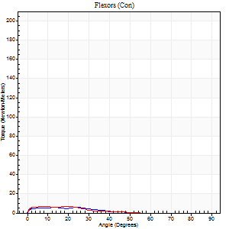
Right Side Curves Left Side Curves
Isokinetic Con/Con |  |  |  | Extensors (Con) |  | Flexors (Con)
Speed 120/120 d/s 3 Reps |  |  |  | Value | Cof Var | %BW | Value | Cof Var | %BW | Ratio

TORQUE PARAMETERS
Peak Torque (Newton-Meters - Best Repetition)
Right |  |  |  | 114 | 0.02 | 125 | 5 | 0.16 | 6 | 5
Left |  |  |  | 103 | 0.06 | 113 | 7 | 0.33 | 9 | 7
Deficit |  |  |  | 10 |  |  | 20
Work per Repetition (Newton-Meters - Best Repetition)
Right |  |  |  | 121 | 0.01 | 134 | 3 | 0.32 | 3 | 2
Left |  |  |  | 111 | 0.03 | 122 | 4 | 0.37 | 6 | 4
Deficit |  |  |  | 8 |  |  | 33
Average Power per Repetition (Watts - Best Repetition)
Right |  |  |  | 138 | 0.01 | 154 | 3 | 0.51 | 4 | 2
Left |  |  |  | 131 | 0.04 | 145 | 4 | 0.49 | 4 | 3
Deficit |  |  |  | 5 |  |  | 25
POSITION PARAMETERS
Joint Angle at Peak Torque (Degrees)
Right |  |  |  | 49 | 0.05 |  | 12 | 0.91
Left |  |  |  | 50 | 0.05 |  | 9 | 1.09
Range of Motion (Degrees)
Right |  |  |  | 0 | 0.71 |  | 90 | 0
Left |  |  |  | 0 | 0.71 |  | 90 | 0
TIME PARAMETERS
Time to Peak Torque (Seconds)
Right |  |  |  | 0.39 | 0.02 |  | 0.28 | 0.46
Left |  |  |  | 0.38 | 0.02 |  | 0.21 | 0.45
Time Peak Torque Held (Seconds)
Right |  |  |  | 0.03 | 1.08 |  | 0.01 | 1.73
Left |  |  |  | 0.02 | 0.87 |  | 0.01 | 1.15
Force Decay Time (Seconds)
Right |  |  |  | 0.45 | 0.08 |  | 0.94 | 0.38
Left |  |  |  | 0.47 | 0.08 |  | 0.91 | 0.28
Reciprocal Delay (Seconds)
Right |  |  |  | 0.11 | 0.26 |  | 0.35 | 0.2
Left |  |  |  | 0.1 | 0.14 |  | 0.27 | 0.24
Delay Time (Seconds)
Right |  |  |  | -0.01 | -0.47 |  | -0.06 | -0.1
Left |  |  |  | 0 | 0 |  | -0.05 | -0.33
HUMAC2015® Version: 15.000.0074 © Computer Sports Medicine, Inc. www.csmisolutions.com

Use File, Preference to set Report Heading
Long Form Torque vs. Position Report - Knee Extension/Flexion
Name: |  |  |  | TR030_FP3044, | ID: | TR030 | Right/Left: | 02.12.2022 02.12.2022
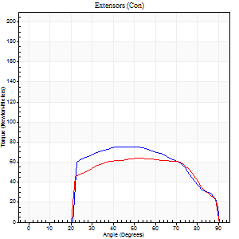
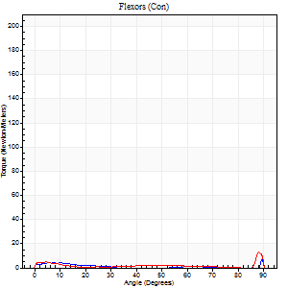
Right Side Curves Left Side Curves
Isokinetic Con/Con |  |  |  | Extensors (Con) |  | Flexors (Con)
Speed 240/240 d/s 3 Reps |  |  |  | Value | Cof Var | %BW | Value | Cof Var | %BW | Ratio

TORQUE PARAMETERS
Peak Torque (Newton-Meters - Best Repetition)
Right |  |  |  | 76 | 0.08 | 83 | 7 | 0.17 | 9 | 9
Left |  |  |  | 64 | 0.03 | 72 | 16 | 0.72 | 18 | 26
Deficit |  |  |  | 16 |  |  | 58
Work per Repetition (Newton-Meters - Best Repetition)
Right |  |  |  | 73 | 0.07 | 80 | 3 | 0.14 | 3 | 4
Left |  |  |  | 65 | 0.03 | 72 | 4 | 0.81 | 6 | 6
Deficit |  |  |  | 11 |  |  | 33
Average Power per Repetition (Watts - Best Repetition)
Right |  |  |  | 129 | 0.06 | 143 | 2 | 0.35 | 2 | 2
Left |  |  |  | 119 | 0.04 | 132 | 4 | 0.53 | 4 | 3
Deficit |  |  |  | 8 |  |  | 50
POSITION PARAMETERS
Joint Angle at Peak Torque (Degrees)
Right |  |  |  | 49 | 0.1 |  | 35 | 1.36
Left |  |  |  | 51 | 0.01 |  | 32 | 1.57
Range of Motion (Degrees)
Right |  |  |  | 0 | 1.41 |  | 90 | 0
Left |  |  |  | 0 | 1.41 |  | 90 | 0
TIME PARAMETERS
Time to Peak Torque (Seconds)
Right |  |  |  | 0.25 | 0.08 |  | 0.65 | 1
Left |  |  |  | 0.22 | 0.03 |  | 0.18 | 0.24
Time Peak Torque Held (Seconds)
Right |  |  |  | 0.01 | 1 |  | 0.02 | 1.73
Left |  |  |  | 0.01 | 0.87 |  | 0 | 1.73
Force Decay Time (Seconds)
Right |  |  |  | 0.29 | 0.03 |  | 0.52 | 0.92
Left |  |  |  | 0.31 | 0.03 |  | 0.58 | 1.1
Reciprocal Delay (Seconds)
Right |  |  |  | 0.12 | 0 |  | 0.31 | 0.32
Left |  |  |  | 0.19 | 0.19 |  | 0.37 | 0.36
Delay Time (Seconds)
Right |  |  |  | -0.02 | -0.28 |  | -0.06 | -0.6
Left |  |  |  | -0.01 | -0.47 |  | 0.28 | 2.19
HUMAC2015® Version: 15.000.0074 © Computer Sports Medicine, Inc. www.csmisolutions.com

Use File, Preference to set Report Heading
Isometric - Knee Extension/Flexion
Name: |  |  |  | TR030_FP3044, | ID: | TR030 | Right/Left: | 02.12.2022 02.12.2022

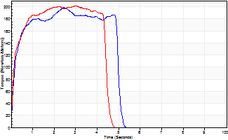
Isometric Extensors (Con) Angle 60 Time 10 Repetition 2 (Best Repetition)
 | Value | Cof Var | %BW
Peak Torque (Newton-Meters)
Right | 198 | 0.02 | 221
Left | 201 | 0 | 224
Deficit | 1
Average Torque (Newton-Meters)
Right | 96 | 0.07 | 107
Left | 96 | 0.12 | 107
Deficit | 0
Peak Torque Slope (Newton-Meters/Seconds)
Right | 81 | 0.45 | 90
Left | 66 | 0.18 | 73 |  | Right Side Curves Left Side Curves
Deficit | 18
Time to Half Peak Torque (Seconds)
Right | 0.13 | 0.26
Left | 0.15 | 0.09
Time to Peak Torque (Seconds)
Right | 3.54 | 0.44
Left | 3.49 | 0.18
HUMAC2015® Version: 15.000.0074 © Computer Sports Medicine, Inc. www.csmisolutions.com

