pre1
Use File, Preference to set Report Heading
Long Form Torque vs. Position Report - Knee Extension/Flexion
Name: |  |  |  | TR030_FP3045, | ID: | TR030 | Right/Left: | 16.09.2022 16.09.2022
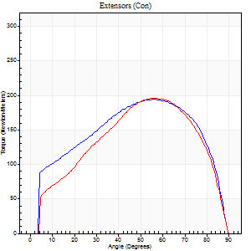
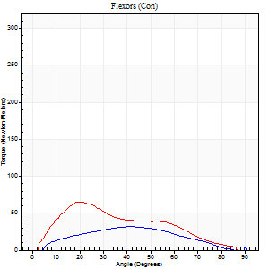
Right Side Curves Left Side Curves
Isokinetic Con/Con |  |  |  | Extensors (Con) |  | Flexors (Con)
Speed 60/60 d/s 3 Reps |  |  |  | Value | Cof Var | %BW | Value | Cof Var | %BW | Ratio

TORQUE PARAMETERS
Peak Torque (Newton-Meters - Best Repetition)
Right |  |  |  | 194 | 0.06 | 200 | 31 | 0.33 | 33 | 16
Left |  |  |  | 195 | 0.09 | 200 | 65 | 0.5 | 66 | 33
Deficit |  |  |  | 1 |  |  | 52
Work per Repetition (Newton-Meters - Best Repetition)
Right |  |  |  | 220 | 0.05 | 224 | 31 | 0.4 | 33 | 14
Left |  |  |  | 205 | 0.05 | 209 | 52 | 0.47 | 54 | 25
Deficit |  |  |  | 7 |  |  | 39
Average Power per Repetition (Watts - Best Repetition)
Right |  |  |  | 135 | 0.31 | 138 | 21 | 0.43 | 22 | 16
Left |  |  |  | 132 | 0.04 | 134 | 34 | 0.45 | 35 | 26
Deficit |  |  |  | 2 |  |  | 38
POSITION PARAMETERS
Joint Angle at Peak Torque (Degrees)
Right |  |  |  | 52 | 0.07 |  | 35 | 0.47
Left |  |  |  | 57 | 0.03 |  | 22 | 0.54
Range of Motion (Degrees)
Right |  |  |  | 0 | -1.41 |  | 90 | 0.01
Left |  |  |  | 0 | 1.77 |  | 90 | 0
TIME PARAMETERS
Time to Peak Torque (Seconds)
Right |  |  |  | 0.67 | 0.04 |  | 0.55 | 0.45
Left |  |  |  | 0.55 | 0.05 |  | 0.35 | 0.57
Time Peak Torque Held (Seconds)
Right |  |  |  | 0.09 | 0.18 |  | 0 | 0
Left |  |  |  | 0.07 | 0.23 |  | 0.03 | 0.46
Force Decay Time (Seconds)
Right |  |  |  | 0.83 | 0.09 |  | 0.95 | 0.32
Left |  |  |  | 0.91 | 0.03 |  | 1.12 | 0.17
Reciprocal Delay (Seconds)
Right |  |  |  | 0.09 | 0.63 |  | 0.16 | 0.27
Left |  |  |  | 0.19 | 0.04 |  | 0.15 | 0.45
Delay Time (Seconds)
Right |  |  |  | 0 | 0 |  | 0.08 | 0.38
Left |  |  |  | 0.01 | 0 |  | 0.03 | 0.35
HUMAC2015® Version: 15.000.0074 © Computer Sports Medicine, Inc. www.csmisolutions.com

Use File, Preference to set Report Heading
Long Form Torque vs. Position Report - Knee Extension/Flexion
Name: |  |  |  | TR030_FP3045, | ID: | TR030 | Right/Left: | 16.09.2022 16.09.2022
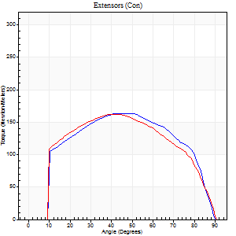
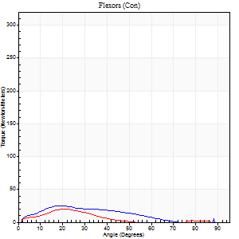
Right Side Curves Left Side Curves
Isokinetic Con/Con |  |  |  | Extensors (Con) |  | Flexors (Con)
Speed 120/120 d/s 3 Reps |  |  |  | Value | Cof Var | %BW | Value | Cof Var | %BW | Ratio

TORQUE PARAMETERS
Peak Torque (Newton-Meters - Best Repetition)
Right |  |  |  | 163 | 0.02 | 167 | 24 | 0.31 | 24 | 15
Left |  |  |  | 163 | 0.02 | 167 | 20 | 0.1 | 21 | 12
Deficit |  |  |  | 0 |  |  | 17
Work per Repetition (Newton-Meters - Best Repetition)
Right |  |  |  | 182 | 0.02 | 185 | 19 | 0.37 | 21 | 10
Left |  |  |  | 178 | 0.01 | 182 | 14 | 0.18 | 15 | 8
Deficit |  |  |  | 2 |  |  | 29
Average Power per Repetition (Watts - Best Repetition)
Right |  |  |  | 217 | 0.02 | 222 | 18 | 0.4 | 18 | 8
Left |  |  |  | 216 | 0.04 | 220 | 15 | 0.41 | 15 | 7
Deficit |  |  |  | 0 |  |  | 17
POSITION PARAMETERS
Joint Angle at Peak Torque (Degrees)
Right |  |  |  | 48 | 0.04 |  | 23 | 0.16
Left |  |  |  | 45 | 0.06 |  | 20 | 0.04
Range of Motion (Degrees)
Right |  |  |  | 1 | 1.25 |  | 90 | 0
Left |  |  |  | 0 | 4.24 |  | 90 | 0
TIME PARAMETERS
Time to Peak Torque (Seconds)
Right |  |  |  | 0.37 | 0.04 |  | 0.24 | 0.16
Left |  |  |  | 0.43 | 0.05 |  | 0.27 | 0.16
Time Peak Torque Held (Seconds)
Right |  |  |  | 0.04 | 0.53 |  | 0.02 | 0.92
Left |  |  |  | 0.03 | 0.17 |  | 0.01 | 0.87
Force Decay Time (Seconds)
Right |  |  |  | 0.4 | 0.03 |  | 0.74 | 0.28
Left |  |  |  | 0.4 | 0.05 |  | 0.83 | 0.3
Reciprocal Delay (Seconds)
Right |  |  |  | 0.08 | 0.53 |  | 0.11 | 0.18
Left |  |  |  | 0.2 | 0.03 |  | 0.22 | 0.68
Delay Time (Seconds)
Right |  |  |  | 0 | -1.41 |  | 0.06 | 1
Left |  |  |  | -0.01 | 0 |  | -0.02 | -1.32
HUMAC2015® Version: 15.000.0074 © Computer Sports Medicine, Inc. www.csmisolutions.com

Use File, Preference to set Report Heading
Long Form Torque vs. Position Report - Knee Extension/Flexion
Name: |  |  |  | TR030_FP3045, | ID: | TR030 | Right/Left: | 16.09.2022 16.09.2022
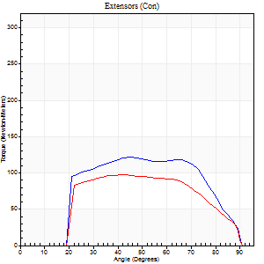
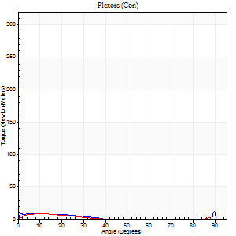
Right Side Curves Left Side Curves
Isokinetic Con/Con |  |  |  | Extensors (Con) |  | Flexors (Con)
Speed 240/240 d/s 3 Reps |  |  |  | Value | Cof Var | %BW | Value | Cof Var | %BW | Ratio

TORQUE PARAMETERS
Peak Torque (Newton-Meters - Best Repetition)
Right |  |  |  | 121 | 0.01 | 122 | 19 | 0.5 | 21 | 16
Left |  |  |  | 98 | 0.02 | 98 | 8 | 0.13 | 9 | 8
Deficit |  |  |  | 19 |  |  | 57
Work per Repetition (Newton-Meters - Best Repetition)
Right |  |  |  | 123 | 0.03 | 125 | 5 | 0.13 | 6 | 4
Left |  |  |  | 98 | 0.01 | 98 | 4 | 0.14 | 3 | 4
Deficit |  |  |  | 21 |  |  | 25
Average Power per Repetition (Watts - Best Repetition)
Right |  |  |  | 232 | 0.06 | 237 | 5 | 0.14 | 4 | 2
Left |  |  |  | 185 | 0.03 | 189 | 4 | 0.29 | 4 | 2
Deficit |  |  |  | 20 |  |  | 20
POSITION PARAMETERS
Joint Angle at Peak Torque (Degrees)
Right |  |  |  | 45 | 0.01 |  | 37 | 1.23
Left |  |  |  | 43 | 0.01 |  | 6 | 0.52
Range of Motion (Degrees)
Right |  |  |  | 0 | 0.18 |  | 90 | 0
Left |  |  |  | 0 | 2.83 |  | 90 | 0
TIME PARAMETERS
Time to Peak Torque (Seconds)
Right |  |  |  | 0.25 | 0 |  | 0.47 | 0.93
Left |  |  |  | 0.25 | 0 |  | 0.16 | 0.27
Time Peak Torque Held (Seconds)
Right |  |  |  | 0.01 | 0 |  | 0 | 0
Left |  |  |  | 0.01 | 0.43 |  | 0.04 | 1.52
Force Decay Time (Seconds)
Right |  |  |  | 0.27 | 0.04 |  | 0.48 | 1.02
Left |  |  |  | 0.26 | 0.04 |  | 0.87 | 0.25
Reciprocal Delay (Seconds)
Right |  |  |  | 0.22 | 0 |  | 0.17 | 0.22
Left |  |  |  | 0.38 | 0.04 |  | 0.19 | 0.32
Delay Time (Seconds)
Right |  |  |  | -0.01 | 0 |  | -0.06 | -0.33
Left |  |  |  | 0 | -1.41 |  | -0.04 | -0.16
HUMAC2015® Version: 15.000.0074 © Computer Sports Medicine, Inc. www.csmisolutions.com

Use File, Preference to set Report Heading
Isometric - Knee Extension/Flexion
Name: |  |  |  | TR030_FP3045, | ID: | TR030 | Right/Left: | 16.09.2022 16.09.2022

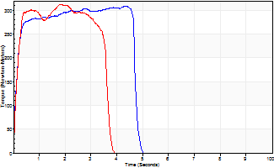
Isometric Extensors (Con) Angle 60 Time 10 Repetition 2 (Best Repetition)
 | Value | Cof Var | %BW
Peak Torque (Newton-Meters)
Right | 309 | 0.08 | 316
Left | 312 | 0.01 | 319
Deficit | 1
Average Torque (Newton-Meters)
Right | 136 | 0.15 | 140
Left | 102 | 0.05 | 104
Deficit | 25
Peak Torque Slope (Newton-Meters/Seconds)
Right | 151 | 0.5 | 154
Left | 169 | 0.04 | 173 |  | Right Side Curves Left Side Curves
Deficit | 11
Time to Half Peak Torque (Seconds)
Right | 0.12 | 0.06
Left | 0.13 | 0
Time to Peak Torque (Seconds)
Right | 3.06 | 0.58
Left | 1.88 | 0.03
HUMAC2015® Version: 15.000.0074 © Computer Sports Medicine, Inc. www.csmisolutions.com

pre2
Use File, Preference to set Report Heading
Long Form Torque vs. Position Report - Knee Extension/Flexion
Name: |  |  |  | TR030_FP3045, | ID: | TR030 | Right/Left: | 19.09.2022 19.09.2022
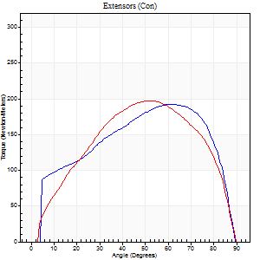
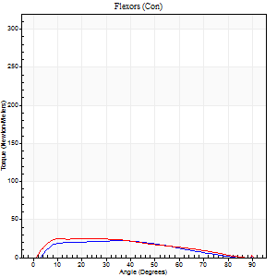
Right Side Curves Left Side Curves
Isokinetic Con/Con |  |  |  | Extensors (Con) |  | Flexors (Con)
Speed 60/60 d/s 3 Reps |  |  |  | Value | Cof Var | %BW | Value | Cof Var | %BW | Ratio

TORQUE PARAMETERS
Peak Torque (Newton-Meters - Best Repetition)
Right |  |  |  | 193 | 0.04 | 197 | 22 | 0.03 | 21 | 11
Left |  |  |  | 198 | 0.04 | 203 | 24 | 0.24 | 24 | 12
Deficit |  |  |  | 3 |  |  | 11
Work per Repetition (Newton-Meters - Best Repetition)
Right |  |  |  | 213 | 0.06 | 218 | 20 | 0.12 | 21 | 10
Left |  |  |  | 209 | 0.04 | 215 | 24 | 0.24 | 24 | 12
Deficit |  |  |  | 2 |  |  | 17
Average Power per Repetition (Watts - Best Repetition)
Right |  |  |  | 139 | 0.04 | 143 | 14 | 0.18 | 15 | 10
Left |  |  |  | 137 | 0.04 | 141 | 16 | 0.25 | 15 | 12
Deficit |  |  |  | 1 |  |  | 13
POSITION PARAMETERS
Joint Angle at Peak Torque (Degrees)
Right |  |  |  | 59 | 0.05 |  | 24 | 0.5
Left |  |  |  | 51 | 0.1 |  | 18 | 0.47
Range of Motion (Degrees)
Right |  |  |  | 0 | 2.22 |  | 90 | 0
Left |  |  |  | 0 | 1.85 |  | 90 | 0
TIME PARAMETERS
Time to Peak Torque (Seconds)
Right |  |  |  | 0.55 | 0.03 |  | 0.39 | 0.47
Left |  |  |  | 0.69 | 0.09 |  | 0.31 | 0.42
Time Peak Torque Held (Seconds)
Right |  |  |  | 0.08 | 0.2 |  | 0 | 0
Left |  |  |  | 0.05 | 0.43 |  | 0 | 0
Force Decay Time (Seconds)
Right |  |  |  | 0.94 | 0.06 |  | 1.19 | 0.14
Left |  |  |  | 0.83 | 0.06 |  | 1.26 | 0.16
Reciprocal Delay (Seconds)
Right |  |  |  | 0.31 | 0.32 |  | 0.18 | 0.34
Left |  |  |  | 0.33 | 0.21 |  | 0.17 | 0.75
Delay Time (Seconds)
Right |  |  |  | 0.01 | 1.41 |  | 0.05 | 0.81
Left |  |  |  | 0.01 | 0 |  | 0.02 | 0.35
HUMAC2015® Version: 15.000.0074 © Computer Sports Medicine, Inc. www.csmisolutions.com

Use File, Preference to set Report Heading
Long Form Torque vs. Position Report - Knee Extension/Flexion
Name: |  |  |  | TR030_FP3045, | ID: | TR030 | Right/Left: | 19.09.2022 19.09.2022
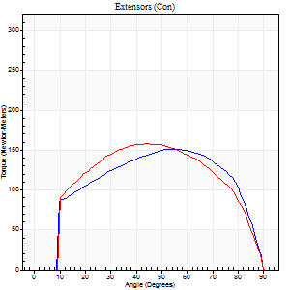
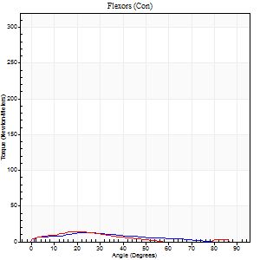
Right Side Curves Left Side Curves
Isokinetic Con/Con |  |  |  | Extensors (Con) |  | Flexors (Con)
Speed 120/120 d/s 3 Reps |  |  |  | Value | Cof Var | %BW | Value | Cof Var | %BW | Ratio

TORQUE PARAMETERS
Peak Torque (Newton-Meters - Best Repetition)
Right |  |  |  | 152 | 0.02 | 155 | 12 | 0.25 | 12 | 8
Left |  |  |  | 157 | 0.02 | 161 | 15 | 0.22 | 15 | 9
Deficit |  |  |  | 3 |  |  | 18
Work per Repetition (Newton-Meters - Best Repetition)
Right |  |  |  | 170 | 0.01 | 173 | 9 | 0.45 | 9 | 6
Left |  |  |  | 174 | 0 | 179 | 8 | 0.31 | 9 | 5
Deficit |  |  |  | 2 |  |  | 14
Average Power per Repetition (Watts - Best Repetition)
Right |  |  |  | 199 | 0.01 | 204 | 12 | 0.75 | 13 | 6
Left |  |  |  | 212 | 0.05 | 218 | 9 | 0.47 | 9 | 4
Deficit |  |  |  | 6 |  |  | 25
POSITION PARAMETERS
Joint Angle at Peak Torque (Degrees)
Right |  |  |  | 50 | 0.09 |  | 23 | 0.08
Left |  |  |  | 46 | 0.05 |  | 23 | 0.26
Range of Motion (Degrees)
Right |  |  |  | 1 | 0.07 |  | 90 | 0
Left |  |  |  | 0 | -1.41 |  | 90 | 0
TIME PARAMETERS
Time to Peak Torque (Seconds)
Right |  |  |  | 0.41 | 0.09 |  | 0.25 | 0.19
Left |  |  |  | 0.38 | 0.02 |  | 0.33 | 0.25
Time Peak Torque Held (Seconds)
Right |  |  |  | 0.04 | 0.25 |  | 0.01 | 1
Left |  |  |  | 0.03 | 0.17 |  | 0.01 | 0.87
Force Decay Time (Seconds)
Right |  |  |  | 0.43 | 0.12 |  | 0.91 | 0.36
Left |  |  |  | 0.42 | 0.13 |  | 0.87 | 0.39
Reciprocal Delay (Seconds)
Right |  |  |  | 0.94 | 0.08 |  | 0.14 | 0.37
Left |  |  |  | 0.32 | 0.18 |  | 0.27 | 0.56
Delay Time (Seconds)
Right |  |  |  | -0.02 | -0.71 |  | 0.06 | 0.87
Left |  |  |  | 0 | 0 |  | -0.02 | -0.89
HUMAC2015® Version: 15.000.0074 © Computer Sports Medicine, Inc. www.csmisolutions.com

Use File, Preference to set Report Heading
Long Form Torque vs. Position Report - Knee Extension/Flexion
Name: |  |  |  | TR030_FP3045, | ID: | TR030 | Right/Left: | 19.09.2022 19.09.2022
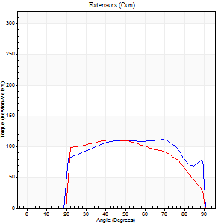
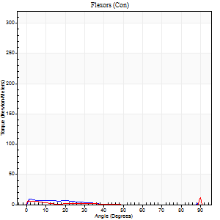
Right Side Curves Left Side Curves
Isokinetic Con/Con |  |  |  | Extensors (Con) |  | Flexors (Con)
Speed 240/240 d/s 3 Reps |  |  |  | Value | Cof Var | %BW | Value | Cof Var | %BW | Ratio

TORQUE PARAMETERS
Peak Torque (Newton-Meters - Best Repetition)
Right |  |  |  | 111 | 0.06 | 113 | 8 | 0.25 | 9 | 7
Left |  |  |  | 111 | 0.03 | 113 | 23 | 0.66 | 24 | 21
Deficit |  |  |  | 0 |  |  | 65
Work per Repetition (Newton-Meters - Best Repetition)
Right |  |  |  | 122 | 0.1 | 125 | 4 | 0.22 | 3 | 3
Left |  |  |  | 111 | 0.04 | 113 | 4 | 0.33 | 3 | 4
Deficit |  |  |  | 9 |  |  | 0
Average Power per Repetition (Watts - Best Repetition)
Right |  |  |  | 225 | 0.07 | 231 | 3 | 0.13 | 2 | 1
Left |  |  |  | 203 | 0.06 | 207 | 4 | 0.46 | 4 | 2
Deficit |  |  |  | 10 |  |  | 25
POSITION PARAMETERS
Joint Angle at Peak Torque (Degrees)
Right |  |  |  | 56 | 0.21 |  | 8 | 0.77
Left |  |  |  | 45 | 0.02 |  | 35 | 1.35
Range of Motion (Degrees)
Right |  |  |  | 1 | 0.25 |  | 90 | 0
Left |  |  |  | 0 | 0 |  | 90 | 0
TIME PARAMETERS
Time to Peak Torque (Seconds)
Right |  |  |  | 0.22 | 0.03 |  | 0.17 | 0.36
Left |  |  |  | 0.25 | 0 |  | 0.6 | 1.11
Time Peak Torque Held (Seconds)
Right |  |  |  | 0.02 | 0.35 |  | 0.01 | 1.73
Left |  |  |  | 0.01 | 0 |  | 0.01 | 1.73
Force Decay Time (Seconds)
Right |  |  |  | 0.29 | 0.15 |  | 0.95 | 0.18
Left |  |  |  | 0.29 | 0.06 |  | 0.52 | 1.16
Reciprocal Delay (Seconds)
Right |  |  |  | 0.61 | 0.44 |  | 0.13 | 0.23
Left |  |  |  | 0.49 | 0.4 |  | 0.28 | 0.41
Delay Time (Seconds)
Right |  |  |  | 0 | -1.41 |  | -0.03 | -1.45
Left |  |  |  | -0.01 | 0 |  | -0.05 | -0.22
HUMAC2015® Version: 15.000.0074 © Computer Sports Medicine, Inc. www.csmisolutions.com

Use File, Preference to set Report Heading
Isometric - Knee Extension/Flexion
Name: |  |  |  | TR030_FP3045, | ID: | TR030 | Right/Left: | 19.09.2022 19.09.2022

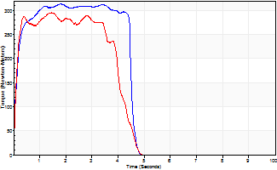
Isometric Extensors (Con) Angle 60 Time 10 Repetition 2 (Best Repetition)
 | Value | Cof Var | %BW
Peak Torque (Newton-Meters)
Right | 315 | 0.08 | 322
Left | 296 | 0.06 | 301
Deficit | 6
Average Torque (Newton-Meters)
Right | 133 | 0.12 | 137
Left | 113 | 0.01 | 116
Deficit | 15
Peak Torque Slope (Newton-Meters/Seconds)
Right | 173 | 0.18 | 176
Left | 203 | 0.35 | 207 |  | Right Side Curves Left Side Curves
Deficit | 15
Time to Half Peak Torque (Seconds)
Right | 0.11 | 0.06
Left | 0.11 | 0.07
Time to Peak Torque (Seconds)
Right | 1.93 | 0.09
Left | 1.83 | 0.29
HUMAC2015® Version: 15.000.0074 © Computer Sports Medicine, Inc. www.csmisolutions.com

mid1
Use File, Preference to set Report Heading
Long Form Torque vs. Position Report - Knee Extension/Flexion
Name: |  |  |  | TR030_FP3045, | ID: | TR030 | Right/Left: | 03.11.2022 03.11.2022
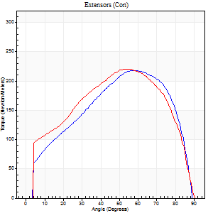
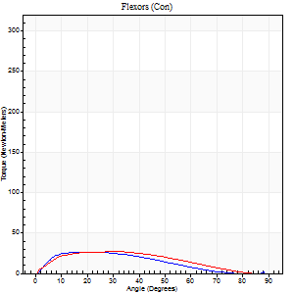
Right Side Curves Left Side Curves
Isokinetic Con/Con |  |  |  | Extensors (Con) |  | Flexors (Con)
Speed 60/60 d/s 3 Reps |  |  |  | Value | Cof Var | %BW | Value | Cof Var | %BW | Ratio

TORQUE PARAMETERS
Peak Torque (Newton-Meters - Best Repetition)
Right |  |  |  | 218 | 0.01 | 224 | 27 | 0.29 | 27 | 12
Left |  |  |  | 221 | 0.01 | 226 | 27 | 0.34 | 27 | 12
Deficit |  |  |  | 1 |  |  | 0
Work per Repetition (Newton-Meters - Best Repetition)
Right |  |  |  | 233 | 0.02 | 238 | 26 | 0.33 | 27 | 11
Left |  |  |  | 245 | 0.01 | 250 | 24 | 0.48 | 24 | 10
Deficit |  |  |  | 5 |  |  | 5
Average Power per Repetition (Watts - Best Repetition)
Right |  |  |  | 150 | 0.02 | 154 | 16 | 0.31 | 15 | 11
Left |  |  |  | 156 | 0.01 | 160 | 15 | 0.49 | 15 | 10
Deficit |  |  |  | 4 |  |  | 6
POSITION PARAMETERS
Joint Angle at Peak Torque (Degrees)
Right |  |  |  | 59 | 0.07 |  | 20 | 0.26
Left |  |  |  | 54 | 0.03 |  | 20 | 0.5
Range of Motion (Degrees)
Right |  |  |  | 0 | -0.47 |  | 90 | 0
Left |  |  |  | 0 | -0.47 |  | 90 | 0
TIME PARAMETERS
Time to Peak Torque (Seconds)
Right |  |  |  | 0.54 | 0.09 |  | 0.35 | 0.24
Left |  |  |  | 0.62 | 0 |  | 0.39 | 0.4
Time Peak Torque Held (Seconds)
Right |  |  |  | 0.05 | 0.22 |  | 0.01 | 0
Left |  |  |  | 0.07 | 0.17 |  | 0.04 | 0.87
Force Decay Time (Seconds)
Right |  |  |  | 0.97 | 0.06 |  | 1.23 | 0.14
Left |  |  |  | 0.89 | 0.04 |  | 1.19 | 0.14
Reciprocal Delay (Seconds)
Right |  |  |  | 0.87 | 0.08 |  | 0.27 | 0.16
Left |  |  |  | 0.39 | 0.04 |  | 0.36 | 0.39
Delay Time (Seconds)
Right |  |  |  | 0.02 | 0 |  | 0.03 | 0.62
Left |  |  |  | 0 | -1.41 |  | 0 | -4.58
HUMAC2015® Version: 15.000.0074 © Computer Sports Medicine, Inc. www.csmisolutions.com

Use File, Preference to set Report Heading
Long Form Torque vs. Position Report - Knee Extension/Flexion
Name: |  |  |  | TR030_FP3045, | ID: | TR030 | Right/Left: | 03.11.2022 03.11.2022
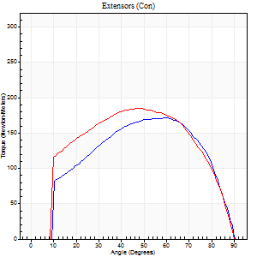
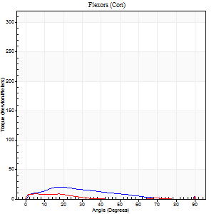
Right Side Curves Left Side Curves
Isokinetic Con/Con |  |  |  | Extensors (Con) |  | Flexors (Con)
Speed 120/120 d/s 3 Reps |  |  |  | Value | Cof Var | %BW | Value | Cof Var | %BW | Ratio

TORQUE PARAMETERS
Peak Torque (Newton-Meters - Best Repetition)
Right |  |  |  | 171 | 0.02 | 176 | 20 | 0.35 | 21 | 12
Left |  |  |  | 184 | 0.01 | 188 | 15 | 0.43 | 15 | 8
Deficit |  |  |  | 7 |  |  | 27
Work per Repetition (Newton-Meters - Best Repetition)
Right |  |  |  | 183 | 0.01 | 188 | 14 | 0.42 | 15 | 7
Left |  |  |  | 206 | 0.01 | 212 | 5 | 0.35 | 6 | 3
Deficit |  |  |  | 11 |  |  | 60
Average Power per Repetition (Watts - Best Repetition)
Right |  |  |  | 219 | 0.03 | 224 | 13 | 0.36 | 13 | 6
Left |  |  |  | 237 | 0.02 | 242 | 5 | 0.45 | 4 | 2
Deficit |  |  |  | 8 |  |  | 62
POSITION PARAMETERS
Joint Angle at Peak Torque (Degrees)
Right |  |  |  | 59 | 0.04 |  | 21 | 0.24
Left |  |  |  | 46 | 0.06 |  | 62 | 0.81
Range of Motion (Degrees)
Right |  |  |  | 0 | 0 |  | 90 | 0
Left |  |  |  | 0 | -0.47 |  | 90 | 0
TIME PARAMETERS
Time to Peak Torque (Seconds)
Right |  |  |  | 0.29 | 0.05 |  | 0.27 | 0.29
Left |  |  |  | 0.38 | 0.02 |  | 0.98 | 0.72
Time Peak Torque Held (Seconds)
Right |  |  |  | 0.06 | 0.29 |  | 0.01 | 0.87
Left |  |  |  | 0.04 | 0.16 |  | 0 | 0
Force Decay Time (Seconds)
Right |  |  |  | 0.5 | 0.05 |  | 0.73 | 0.21
Left |  |  |  | 0.43 | 0.04 |  | 0.19 | 4.04
Reciprocal Delay (Seconds)
Right |  |  |  | 1.02 | 0.22 |  | 0.21 | 0.31
Left |  |  |  | 0.37 | 0.41 |  | 0.42 | 0.2
Delay Time (Seconds)
Right |  |  |  | 0 | 1.41 |  | -0.01 | -1.56
Left |  |  |  | 0 | -1.41 |  | -0.03 | -0.17
HUMAC2015® Version: 15.000.0074 © Computer Sports Medicine, Inc. www.csmisolutions.com

Use File, Preference to set Report Heading
Long Form Torque vs. Position Report - Knee Extension/Flexion
Name: |  |  |  | TR030_FP3045, | ID: | TR030 | Right/Left: | 03.11.2022 03.11.2022
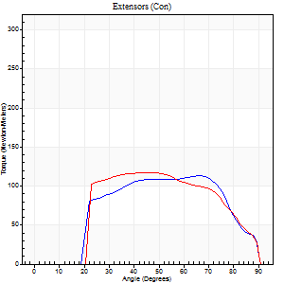
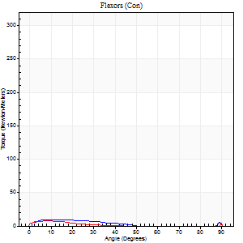
Right Side Curves Left Side Curves
Isokinetic Con/Con |  |  |  | Extensors (Con) |  | Flexors (Con)
Speed 240/240 d/s 3 Reps |  |  |  | Value | Cof Var | %BW | Value | Cof Var | %BW | Ratio

TORQUE PARAMETERS
Peak Torque (Newton-Meters - Best Repetition)
Right |  |  |  | 113 | 0.06 | 116 | 9 | 0.16 | 9 | 8
Left |  |  |  | 118 | 0.02 | 119 | 15 | 0.55 | 15 | 13
Deficit |  |  |  | 5 |  |  | 36
Work per Repetition (Newton-Meters - Best Repetition)
Right |  |  |  | 113 | 0.06 | 116 | 5 | 0.36 | 6 | 5
Left |  |  |  | 118 | 0.01 | 119 | 3 | 0.29 | 3 | 2
Deficit |  |  |  | 5 |  |  | 50
Average Power per Repetition (Watts - Best Repetition)
Right |  |  |  | 206 | 0.55 | 211 | 8 | 0.58 | 9 | 4
Left |  |  |  | 214 | 0.02 | 220 | 3 | 0.45 | 2 | 1
Deficit |  |  |  | 4 |  |  | 63
POSITION PARAMETERS
Joint Angle at Peak Torque (Degrees)
Right |  |  |  | 66 | 0.02 |  | 34 | 1.46
Left |  |  |  | 46 | 0.05 |  | 62 | 0.79
Range of Motion (Degrees)
Right |  |  |  | 0 | 0.85 |  | 90 | 0
Left |  |  |  | 0 | -0.85 |  | 90 | 0
TIME PARAMETERS
Time to Peak Torque (Seconds)
Right |  |  |  | 0.16 | 0 |  | 0.37 | 1.06
Left |  |  |  | 0.25 | 0.03 |  | 1.21 | 0.66
Time Peak Torque Held (Seconds)
Right |  |  |  | 0.01 | 1 |  | 0.01 | 1.73
Left |  |  |  | 0.02 | 0.5 |  | 0.02 | 1.73
Force Decay Time (Seconds)
Right |  |  |  | 0.36 | 0.03 |  | 0.56 | 1.11
Left |  |  |  | 0.28 | 0.05 |  | 0.09 | 10.43
Reciprocal Delay (Seconds)
Right |  |  |  | 1.03 | 0.18 |  | 0.21 | 0.29
Left |  |  |  | 0.77 | 0.22 |  | 0.58 | 0.55
Delay Time (Seconds)
Right |  |  |  | -0.01 | -0.47 |  | -0.02 | -0.92
Left |  |  |  | -0.01 | 0 |  | -0.07 | -0.17
HUMAC2015® Version: 15.000.0074 © Computer Sports Medicine, Inc. www.csmisolutions.com

Use File, Preference to set Report Heading
Isometric - Knee Extension/Flexion
Name: |  |  |  | TR030_FP3045, | ID: | TR030 | Right/Left: | 03.11.2022 03.11.2022

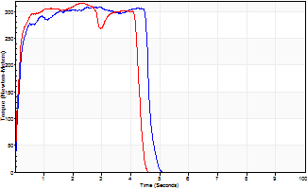
Isometric Extensors (Con) Angle 60 Time 10 Repetition 2 (Best Repetition)
 | Value | Cof Var | %BW
Peak Torque (Newton-Meters)
Right | 309 | 0.01 | 316
Left | 316 | 0.01 | 322
Deficit | 2
Average Torque (Newton-Meters)
Right | 156 | 0.1 | 158
Left | 134 | 0.05 | 137
Deficit | 14
Peak Torque Slope (Newton-Meters/Seconds)
Right | 112 | 0.05 | 114
Left | 161 | 0.12 | 165 |  | Right Side Curves Left Side Curves
Deficit | 31
Time to Half Peak Torque (Seconds)
Right | 0.14 | 0
Left | 0.12 | 0
Time to Peak Torque (Seconds)
Right | 2.82 | 0.04
Left | 2.13 | 0.13
HUMAC2015® Version: 15.000.0074 © Computer Sports Medicine, Inc. www.csmisolutions.com

mid2
Use File, Preference to set Report Heading
Long Form Torque vs. Position Report - Knee Extension/Flexion
Name: |  |  |  | TR030_FP3045, | ID: | TR030 | Right/Left: | 08.11.2022 08.11.2022
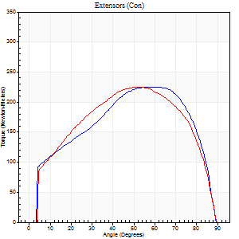
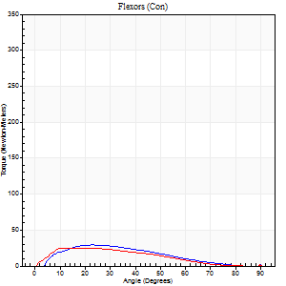
Right Side Curves Left Side Curves
Isokinetic Con/Con |  |  |  | Extensors (Con) |  | Flexors (Con)
Speed 60/60 d/s 3 Reps |  |  |  | Value | Cof Var | %BW | Value | Cof Var | %BW | Ratio

TORQUE PARAMETERS
Peak Torque (Newton-Meters - Best Repetition)
Right |  |  |  | 225 | 0.02 | 229 | 30 | 0.29 | 30 | 13
Left |  |  |  | 225 | 0.02 | 229 | 26 | 0.24 | 27 | 11
Deficit |  |  |  | 0 |  |  | 14
Work per Repetition (Newton-Meters - Best Repetition)
Right |  |  |  | 251 | 0.03 | 256 | 26 | 0.3 | 27 | 10
Left |  |  |  | 252 | 0.02 | 259 | 20 | 0.15 | 21 | 8
Deficit |  |  |  | 1 |  |  | 21
Average Power per Repetition (Watts - Best Repetition)
Right |  |  |  | 164 | 0.04 | 167 | 17 | 0.3 | 18 | 10
Left |  |  |  | 160 | 0.01 | 163 | 13 | 0.14 | 13 | 8
Deficit |  |  |  | 2 |  |  | 24
POSITION PARAMETERS
Joint Angle at Peak Torque (Degrees)
Right |  |  |  | 58 | 0.05 |  | 26 | 0.63
Left |  |  |  | 52 | 0.08 |  | 21 | 0.39
Range of Motion (Degrees)
Right |  |  |  | 0 | -0.28 |  | 90 | 0
Left |  |  |  | 0 | 0 |  | 90 | 0
TIME PARAMETERS
Time to Peak Torque (Seconds)
Right |  |  |  | 0.55 | 0.03 |  | 0.42 | 0.61
Left |  |  |  | 0.67 | 0.06 |  | 0.39 | 0.35
Time Peak Torque Held (Seconds)
Right |  |  |  | 0.09 | 0.43 |  | 0.04 | 0.79
Left |  |  |  | 0.09 | 0.73 |  | 0.02 | 1.32
Force Decay Time (Seconds)
Right |  |  |  | 0.92 | 0.02 |  | 1.07 | 0.22
Left |  |  |  | 0.83 | 0.03 |  | 1.17 | 0.09
Reciprocal Delay (Seconds)
Right |  |  |  | 0.34 | 0.1 |  | 0.22 | 0.58
Left |  |  |  | 0.37 | 0.1 |  | 0.37 | 0.38
Delay Time (Seconds)
Right |  |  |  | 0.02 | 0 |  | 0.09 | 0.84
Left |  |  |  | 0 | 1.41 |  | 0 | -6.24
HUMAC2015® Version: 15.000.0074 © Computer Sports Medicine, Inc. www.csmisolutions.com

Use File, Preference to set Report Heading
Long Form Torque vs. Position Report - Knee Extension/Flexion
Name: |  |  |  | TR030_FP3045, | ID: | TR030 | Right/Left: | 08.11.2022 08.11.2022
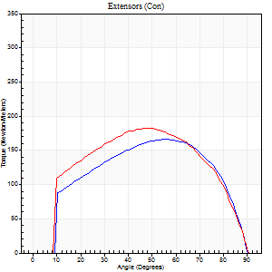

Right Side Curves Left Side Curves
Isokinetic Con/Con |  |  |  | Extensors (Con) |  | Flexors (Con)
Speed 120/120 d/s 3 Reps |  |  |  | Value | Cof Var | %BW | Value | Cof Var | %BW | Ratio

TORQUE PARAMETERS
Peak Torque (Newton-Meters - Best Repetition)
Right |  |  |  | 165 | 0.02 | 170 | 22 | 0.51 | 21 | 13
Left |  |  |  | 183 | 0.05 | 188 | 7 | 0.12 | 6 | 4
Deficit |  |  |  | 10 |  |  | 69
Work per Repetition (Newton-Meters - Best Repetition)
Right |  |  |  | 186 | 0.02 | 191 | 12 | 0.34 | 12 | 7
Left |  |  |  | 199 | 0.04 | 203 | 4 | 0.38 | 3 | 2
Deficit |  |  |  | 7 |  |  | 67
Average Power per Repetition (Watts - Best Repetition)
Right |  |  |  | 216 | 0.02 | 220 | 13 | 0.29 | 13 | 6
Left |  |  |  | 227 | 0.04 | 233 | 3 | 0.42 | 2 | 1
Deficit |  |  |  | 5 |  |  | 77
POSITION PARAMETERS
Joint Angle at Peak Torque (Degrees)
Right |  |  |  | 53 | 0.06 |  | 48 | 0.79
Left |  |  |  | 49 | 0.02 |  | 2 | 1.23
Range of Motion (Degrees)
Right |  |  |  | 0 | 0.2 |  | 90 | 0
Left |  |  |  | 0 | -0.47 |  | 90 | 0
TIME PARAMETERS
Time to Peak Torque (Seconds)
Right |  |  |  | 0.35 | 0.06 |  | 0.55 | 0.81
Left |  |  |  | 0.38 | 0.02 |  | 0.11 | 0.52
Time Peak Torque Held (Seconds)
Right |  |  |  | 0.03 | 0.33 |  | 0.03 | 1.2
Left |  |  |  | 0.03 | 0.33 |  | 0.08 | 1.43
Force Decay Time (Seconds)
Right |  |  |  | 0.49 | 0.06 |  | 0.35 | 1.15
Left |  |  |  | 0.47 | 0.04 |  | 0.99 | 0.22
Reciprocal Delay (Seconds)
Right |  |  |  | 0.41 | 0.12 |  | 0.18 | 0.35
Left |  |  |  | 0.68 | 0.03 |  | 0.5 | 0.22
Delay Time (Seconds)
Right |  |  |  | 0 | 1.41 |  | 0.01 | 2.41
Left |  |  |  | 0 | -1.41 |  | -0.05 | -0.45
HUMAC2015® Version: 15.000.0074 © Computer Sports Medicine, Inc. www.csmisolutions.com

Use File, Preference to set Report Heading
Long Form Torque vs. Position Report - Knee Extension/Flexion
Name: |  |  |  | TR030_FP3045, | ID: | TR030 | Right/Left: | 08.11.2022 08.11.2022
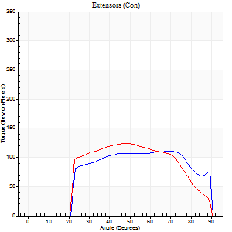

Right Side Curves Left Side Curves
Isokinetic Con/Con |  |  |  | Extensors (Con) |  | Flexors (Con)
Speed 240/240 d/s 3 Reps |  |  |  | Value | Cof Var | %BW | Value | Cof Var | %BW | Ratio

TORQUE PARAMETERS
Peak Torque (Newton-Meters - Best Repetition)
Right |  |  |  | 111 | 0.01 | 113 | 20 | 0.56 | 21 | 18
Left |  |  |  | 123 | 0.01 | 125 | 7 | 0.23 | 6 | 5
Deficit |  |  |  | 10 |  |  | 67
Work per Repetition (Newton-Meters - Best Repetition)
Right |  |  |  | 117 | 0.03 | 119 | 4 | 0.16 | 3 | 3
Left |  |  |  | 121 | 0.01 | 122 | 1 | 0.13 | 0 | 1
Deficit |  |  |  | 3 |  |  | 67
Average Power per Repetition (Watts - Best Repetition)
Right |  |  |  | 210 | 0.01 | 215 | 4 | 0.26 | 4 | 2
Left |  |  |  | 220 | 0.03 | 224 | 2 | 0.21 | 2 | 1
Deficit |  |  |  | 5 |  |  | 50
POSITION PARAMETERS
Joint Angle at Peak Torque (Degrees)
Right |  |  |  | 61 | 0.18 |  | 61 | 0.82
Left |  |  |  | 47 | 0.03 |  | 0 | 0.09
Range of Motion (Degrees)
Right |  |  |  | 0 | 1.41 |  | 90 | 0
Left |  |  |  | 0 | -0.47 |  | 90 | 0
TIME PARAMETERS
Time to Peak Torque (Seconds)
Right |  |  |  | 0.2 | 0.21 |  | 0.88 | 0.38
Left |  |  |  | 0.23 | 0.06 |  | 0.07 | 0.25
Time Peak Torque Held (Seconds)
Right |  |  |  | 0.03 | 0.78 |  | 0.01 | 1.73
Left |  |  |  | 0.01 | 0.87 |  | 0.04 | 1.73
Force Decay Time (Seconds)
Right |  |  |  | 0.32 | 0.15 |  | 0.17 | 2.82
Left |  |  |  | 0.31 | 0.03 |  | 1.18 | 0.11
Reciprocal Delay (Seconds)
Right |  |  |  | 0.81 | 0.12 |  | 0.45 | 0.97
Left |  |  |  | 0.5 | 0.19 |  | 0.43 | 0.2
Delay Time (Seconds)
Right |  |  |  | -0.01 | -0.47 |  | -0.16 | -1.31
Left |  |  |  | 0 | -1.41 |  | -0.07 | -0.25
HUMAC2015® Version: 15.000.0074 © Computer Sports Medicine, Inc. www.csmisolutions.com

Use File, Preference to set Report Heading
Isometric - Knee Extension/Flexion
Name: |  |  |  | TR030_FP3045, | ID: | TR030 | Right/Left: | 08.11.2022 08.11.2022

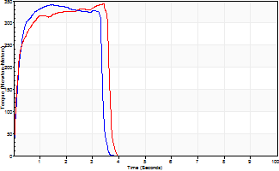
Isometric Extensors (Con) Angle 60 Time 10 Repetition 2 (Best Repetition)
 | Value | Cof Var | %BW
Peak Torque (Newton-Meters)
Right | 340 | 0.02 | 349
Left | 343 | 0.03 | 352
Deficit | 1
Average Torque (Newton-Meters)
Right | 106 | 0.01 | 107
Left | 111 | 0.02 | 113
Deficit | 5
Peak Torque Slope (Newton-Meters/Seconds)
Right | 235 | 0.1 | 240
Left | 101 | 0.01 | 103 |  | Right Side Curves Left Side Curves
Deficit | 57
Time to Half Peak Torque (Seconds)
Right | 0.16 | 0.05
Left | 0.15 | 0.05
Time to Peak Torque (Seconds)
Right | 1.53 | 0.08
Left | 3.32 | 0.04
HUMAC2015® Version: 15.000.0074 © Computer Sports Medicine, Inc. www.csmisolutions.com

post1
Use File, Preference to set Report Heading
Long Form Torque vs. Position Report - Knee Extension/Flexion
Name: |  |  |  | TR030_FP3045, | ID: | TR030 | Right/Left: | 05.12.2022 05.12.2022
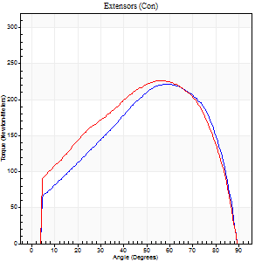
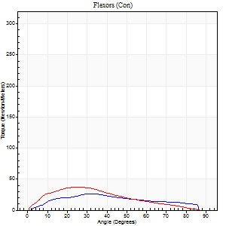
Right Side Curves Left Side Curves
Isokinetic Con/Con |  |  |  | Extensors (Con) |  | Flexors (Con)
Speed 60/60 d/s 3 Reps |  |  |  | Value | Cof Var | %BW | Value | Cof Var | %BW | Ratio

TORQUE PARAMETERS
Peak Torque (Newton-Meters - Best Repetition)
Right |  |  |  | 221 | 0.03 | 226 | 26 | 0.23 | 27 | 12
Left |  |  |  | 226 | 0.02 | 232 | 37 | 0.37 | 39 | 16
Deficit |  |  |  | 2 |  |  | 30
Work per Repetition (Newton-Meters - Best Repetition)
Right |  |  |  | 231 | 0.03 | 235 | 24 | 0.12 | 24 | 11
Left |  |  |  | 248 | 0.1 | 253 | 33 | 0.37 | 33 | 13
Deficit |  |  |  | 7 |  |  | 25
Average Power per Repetition (Watts - Best Repetition)
Right |  |  |  | 149 | 0.05 | 152 | 16 | 0.09 | 15 | 11
Left |  |  |  | 159 | 0.1 | 163 | 21 | 0.36 | 22 | 13
Deficit |  |  |  | 6 |  |  | 24
POSITION PARAMETERS
Joint Angle at Peak Torque (Degrees)
Right |  |  |  | 59 | 0.07 |  | 27 | 0.54
Left |  |  |  | 57 | 0.05 |  | 21 | 0.39
Range of Motion (Degrees)
Right |  |  |  | 0 | -0.71 |  | 90 | 0
Left |  |  |  | 0 | -1.41 |  | 90 | 0
TIME PARAMETERS
Time to Peak Torque (Seconds)
Right |  |  |  | 0.54 | 0.08 |  | 0.46 | 0.48
Left |  |  |  | 0.57 | 0.01 |  | 0.37 | 0.33
Time Peak Torque Held (Seconds)
Right |  |  |  | 0.06 | 0.18 |  | 0.01 | 1.73
Left |  |  |  | 0.06 | 0.5 |  | 0.03 | 0.88
Force Decay Time (Seconds)
Right |  |  |  | 0.99 | 0.08 |  | 1.06 | 0.19
Left |  |  |  | 0.94 | 0.08 |  | 1.15 | 0.11
Reciprocal Delay (Seconds)
Right |  |  |  | 0.21 | 0.34 |  | 0.19 | 0.48
Left |  |  |  | 0.27 | 0.05 |  | 0.3 | 0.11
Delay Time (Seconds)
Right |  |  |  | 0.02 | 0.28 |  | 0.07 | 0.97
Left |  |  |  | 0 | 1.41 |  | 0.01 | 0.87
HUMAC2015® Version: 15.000.0074 © Computer Sports Medicine, Inc. www.csmisolutions.com

Use File, Preference to set Report Heading
Long Form Torque vs. Position Report - Knee Extension/Flexion
Name: |  |  |  | TR030_FP3045, | ID: | TR030 | Right/Left: | 05.12.2022 05.12.2022
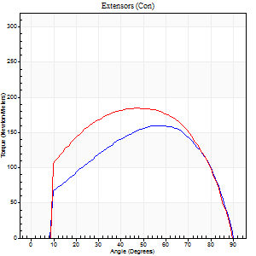

Right Side Curves Left Side Curves
Isokinetic Con/Con |  |  |  | Extensors (Con) |  | Flexors (Con)
Speed 120/120 d/s 3 Reps |  |  |  | Value | Cof Var | %BW | Value | Cof Var | %BW | Ratio

TORQUE PARAMETERS
Peak Torque (Newton-Meters - Best Repetition)
Right |  |  |  | 159 | 0.03 | 161 | 30 | 0.51 | 30 | 19
Left |  |  |  | 184 | 0.05 | 188 | 16 | 0.43 | 18 | 9
Deficit |  |  |  | 14 |  |  | 45
Work per Repetition (Newton-Meters - Best Repetition)
Right |  |  |  | 179 | 0.04 | 182 | 14 | 0.22 | 15 | 8
Left |  |  |  | 206 | 0.1 | 212 | 5 | 0.28 | 6 | 3
Deficit |  |  |  | 13 |  |  | 60
Average Power per Repetition (Watts - Best Repetition)
Right |  |  |  | 204 | 0.04 | 209 | 15 | 0.28 | 15 | 7
Left |  |  |  | 234 | 0.11 | 240 | 6 | 0.33 | 7 | 3
Deficit |  |  |  | 13 |  |  | 60
POSITION PARAMETERS
Joint Angle at Peak Torque (Degrees)
Right |  |  |  | 58 | 0.08 |  | 68 | 0.56
Left |  |  |  | 52 | 0.1 |  | 39 | 1.17
Range of Motion (Degrees)
Right |  |  |  | 0 | 0.47 |  | 90 | 0
Left |  |  |  | 0 | -1.41 |  | 90 | 0
TIME PARAMETERS
Time to Peak Torque (Seconds)
Right |  |  |  | 0.31 | 0.09 |  | 1.12 | 0.66
Left |  |  |  | 0.36 | 0.12 |  | 0.57 | 1.04
Time Peak Torque Held (Seconds)
Right |  |  |  | 0.05 | 0.6 |  | 0 | 0
Left |  |  |  | 0.04 | 0.25 |  | 0.31 | 1.29
Force Decay Time (Seconds)
Right |  |  |  | 0.51 | 0.04 |  | -0.17 | -3.51
Left |  |  |  | 0.48 | 0.09 |  | 0.09 | 4.48
Reciprocal Delay (Seconds)
Right |  |  |  | 0.64 | 0.02 |  | 0.16 | 0.18
Left |  |  |  | 0.23 | 0.28 |  | 0.32 | 0.13
Delay Time (Seconds)
Right |  |  |  | 0 | 0 |  | 0.01 | 1
Left |  |  |  | 0 | -1.41 |  | -0.03 | -0.33
HUMAC2015® Version: 15.000.0074 © Computer Sports Medicine, Inc. www.csmisolutions.com

Use File, Preference to set Report Heading
Long Form Torque vs. Position Report - Knee Extension/Flexion
Name: |  |  |  | TR030_FP3045, | ID: | TR030 | Right/Left: | 05.12.2022 05.12.2022
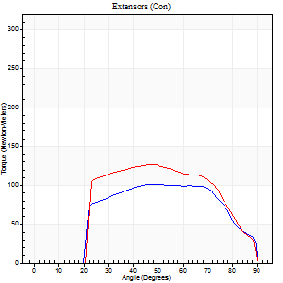
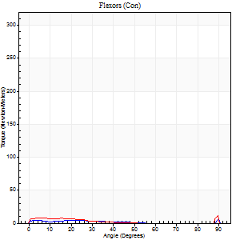
Right Side Curves Left Side Curves
Isokinetic Con/Con |  |  |  | Extensors (Con) |  | Flexors (Con)
Speed 240/240 d/s 3 Reps |  |  |  | Value | Cof Var | %BW | Value | Cof Var | %BW | Ratio

TORQUE PARAMETERS
Peak Torque (Newton-Meters - Best Repetition)
Right |  |  |  | 102 | 0.04 | 104 | 33 | 0.64 | 33 | 32
Left |  |  |  | 126 | 0.03 | 128 | 26 | 0.6 | 27 | 20
Deficit |  |  |  | 19 |  |  | 21
Work per Repetition (Newton-Meters - Best Repetition)
Right |  |  |  | 103 | 0.04 | 104 | 5 | 0.3 | 6 | 5
Left |  |  |  | 122 | 0.02 | 125 | 4 | 0.21 | 3 | 3
Deficit |  |  |  | 16 |  |  | 25
Average Power per Repetition (Watts - Best Repetition)
Right |  |  |  | 185 | 0.04 | 189 | 5 | 0.36 | 4 | 3
Left |  |  |  | 225 | 0.03 | 231 | 5 | 0.29 | 4 | 2
Deficit |  |  |  | 18 |  |  | 0
POSITION PARAMETERS
Joint Angle at Peak Torque (Degrees)
Right |  |  |  | 53 | 0.18 |  | 61 | 0.83
Left |  |  |  | 47 | 0.02 |  | 61 | 0.85
Range of Motion (Degrees)
Right |  |  |  | 0 | 2.83 |  | 90 | 0
Left |  |  |  | 0 | -0.28 |  | 90 | 0
TIME PARAMETERS
Time to Peak Torque (Seconds)
Right |  |  |  | 0.23 | 0 |  | 0.88 | 0.81
Left |  |  |  | 0.22 | 0.03 |  | 0.84 | 0.76
Time Peak Torque Held (Seconds)
Right |  |  |  | 0.04 | 1.03 |  | 0 | 0
Left |  |  |  | 0.01 | 0.43 |  | 0 | 0
Force Decay Time (Seconds)
Right |  |  |  | 0.3 | 0.04 |  | 0.04 | 12.91
Left |  |  |  | 0.29 | 0.02 |  | 0.08 | 6.99
Reciprocal Delay (Seconds)
Right |  |  |  | 0.35 | 0.4 |  | 0.23 | 0.17
Left |  |  |  | 0.4 | 0.04 |  | 0.54 | 0.32
Delay Time (Seconds)
Right |  |  |  | 0 | 0 |  | -0.06 | -1
Left |  |  |  | 0 | 0 |  | -0.05 | -0.25
HUMAC2015® Version: 15.000.0074 © Computer Sports Medicine, Inc. www.csmisolutions.com

Use File, Preference to set Report Heading
Isometric - Knee Extension/Flexion
Name: |  |  |  | TR030_FP3045, | ID: | TR030 | Right/Left: | 05.12.2022 05.12.2022

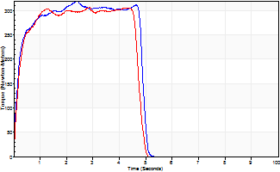
Isometric Extensors (Con) Angle 60 Time 10 Repetition 2 (Best Repetition)
 | Value | Cof Var | %BW
Peak Torque (Newton-Meters)
Right | 319 | 0.01 | 325
Left | 306 | 0.06 | 313
Deficit | 4
Average Torque (Newton-Meters)
Right | 141 | 0.04 | 143
Left | 134 | 0.76 | 137
Deficit | 5
Peak Torque Slope (Newton-Meters/Seconds)
Right | 181 | 0.21 | 185
Left | 107 | 0.83 | 109 |  | Right Side Curves Left Side Curves
Deficit | 41
Time to Half Peak Torque (Seconds)
Right | 0.17 | 0.08
Left | 4.38 | 1.36
Time to Peak Torque (Seconds)
Right | 2.05 | 0.23
Left | 6.43 | 0.79
HUMAC2015® Version: 15.000.0074 © Computer Sports Medicine, Inc. www.csmisolutions.com

post2
Use File, Preference to set Report Heading
Long Form Torque vs. Position Report - Knee Extension/Flexion
Name: |  |  |  | TR030_FP3045, | ID: | TR030 | Right/Left: | 07.12.2022 07.12.2022
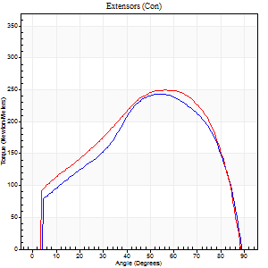
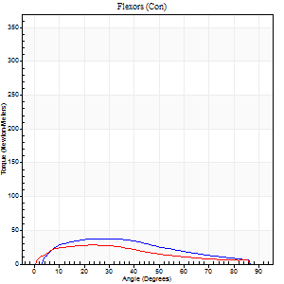
Right Side Curves Left Side Curves
Isokinetic Con/Con |  |  |  | Extensors (Con) |  | Flexors (Con)
Speed 60/60 d/s 3 Reps |  |  |  | Value | Cof Var | %BW | Value | Cof Var | %BW | Ratio

TORQUE PARAMETERS
Peak Torque (Newton-Meters - Best Repetition)
Right |  |  |  | 244 | 0.04 | 250 | 38 | 0.29 | 39 | 16
Left |  |  |  | 250 | 0.03 | 256 | 28 | 0.24 | 30 | 11
Deficit |  |  |  | 2 |  |  | 25
Work per Repetition (Newton-Meters - Best Repetition)
Right |  |  |  | 251 | 0.02 | 256 | 35 | 0.29 | 36 | 14
Left |  |  |  | 268 | 0.06 | 274 | 28 | 0.28 | 30 | 11
Deficit |  |  |  | 7 |  |  | 19
Average Power per Repetition (Watts - Best Repetition)
Right |  |  |  | 164 | 0.02 | 167 | 23 | 0.28 | 24 | 14
Left |  |  |  | 175 | 0.07 | 178 | 18 | 0.26 | 18 | 10
Deficit |  |  |  | 6 |  |  | 22
POSITION PARAMETERS
Joint Angle at Peak Torque (Degrees)
Right |  |  |  | 55 | 0.06 |  | 25 | 0.03
Left |  |  |  | 60 | 0.09 |  | 17 | 0.33
Range of Motion (Degrees)
Right |  |  |  | 0 | 0.16 |  | 90 | 0
Left |  |  |  | 0 | 0 |  | 90 | 0
TIME PARAMETERS
Time to Peak Torque (Seconds)
Right |  |  |  | 0.59 | 0 |  | 0.39 | 0.04
Left |  |  |  | 0.53 | 0.03 |  | 0.31 | 0.31
Time Peak Torque Held (Seconds)
Right |  |  |  | 0.06 | 0.54 |  | 0.02 | 1.73
Left |  |  |  | 0.05 | 0.29 |  | 0.07 | 0.8
Force Decay Time (Seconds)
Right |  |  |  | 0.89 | 0.06 |  | 1.09 | 0.04
Left |  |  |  | 0.99 | 0.1 |  | 1.15 | 0.05
Reciprocal Delay (Seconds)
Right |  |  |  | 0.23 | 0.27 |  | 0.15 | 0.5
Left |  |  |  | 0.13 | 0.11 |  | 0.3 | 0.12
Delay Time (Seconds)
Right |  |  |  | 0.03 | 0 |  | 0.04 | 0.74
Left |  |  |  | 0.04 | 0.2 |  | 0.01 | 0.87
HUMAC2015® Version: 15.000.0074 © Computer Sports Medicine, Inc. www.csmisolutions.com

Use File, Preference to set Report Heading
Long Form Torque vs. Position Report - Knee Extension/Flexion
Name: |  |  |  | TR030_FP3045, | ID: | TR030 | Right/Left: | 07.12.2022 07.12.2022
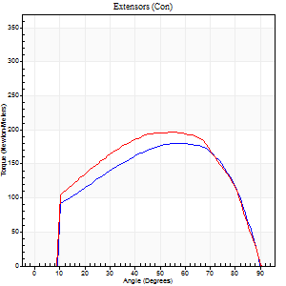
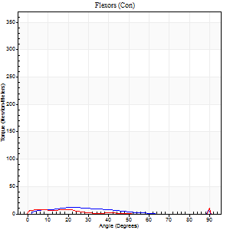
Right Side Curves Left Side Curves
Isokinetic Con/Con |  |  |  | Extensors (Con) |  | Flexors (Con)
Speed 120/120 d/s 3 Reps |  |  |  | Value | Cof Var | %BW | Value | Cof Var | %BW | Ratio

TORQUE PARAMETERS
Peak Torque (Newton-Meters - Best Repetition)
Right |  |  |  | 180 | 0.02 | 185 | 31 | 0.68 | 33 | 17
Left |  |  |  | 197 | 0.06 | 200 | 20 | 0.5 | 21 | 10
Deficit |  |  |  | 8 |  |  | 35
Work per Repetition (Newton-Meters - Best Repetition)
Right |  |  |  | 195 | 0.03 | 200 | 8 | 0.15 | 9 | 4
Left |  |  |  | 216 | 0.05 | 221 | 9 | 0.63 | 9 | 4
Deficit |  |  |  | 9 |  |  | 14
Average Power per Repetition (Watts - Best Repetition)
Right |  |  |  | 233 | 0.06 | 237 | 8 | 0.07 | 9 | 3
Left |  |  |  | 248 | 0.06 | 253 | 8 | 0.57 | 9 | 3
Deficit |  |  |  | 6 |  |  | 0
POSITION PARAMETERS
Joint Angle at Peak Torque (Degrees)
Right |  |  |  | 55 | 0.01 |  | 44 | 0.93
Left |  |  |  | 56 | 0.04 |  | 62 | 0.79
Range of Motion (Degrees)
Right |  |  |  | 0 | 0.76 |  | 90 | 0
Left |  |  |  | 0 | -0.47 |  | 90 | 0
TIME PARAMETERS
Time to Peak Torque (Seconds)
Right |  |  |  | 0.31 | 0 |  | 0.6 | 0.92
Left |  |  |  | 0.31 | 0.02 |  | 0.94 | 0.72
Time Peak Torque Held (Seconds)
Right |  |  |  | 0.03 | 0.22 |  | 0 | 1.73
Left |  |  |  | 0.06 | 0.27 |  | 0.01 | 0.87
Force Decay Time (Seconds)
Right |  |  |  | 0.51 | 0.04 |  | 0.37 | 1.57
Left |  |  |  | 0.49 | 0.08 |  | 0.17 | 3.63
Reciprocal Delay (Seconds)
Right |  |  |  | 0.43 | 0.12 |  | 0.19 | 0.27
Left |  |  |  | 0.56 | 0.2 |  | 0.41 | 0.08
Delay Time (Seconds)
Right |  |  |  | 0 | 1.41 |  | 0.01 | 6.06
Left |  |  |  | 0.01 | 1.41 |  | -0.08 | -1.06
HUMAC2015® Version: 15.000.0074 © Computer Sports Medicine, Inc. www.csmisolutions.com

Use File, Preference to set Report Heading
Long Form Torque vs. Position Report - Knee Extension/Flexion
Name: |  |  |  | TR030_FP3045, | ID: | TR030 | Right/Left: | 07.12.2022 07.12.2022
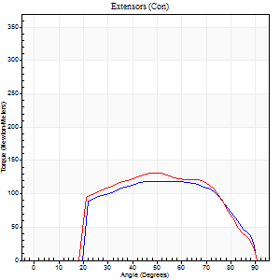
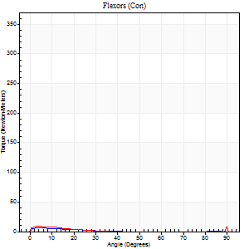
Right Side Curves Left Side Curves
Isokinetic Con/Con |  |  |  | Extensors (Con) |  | Flexors (Con)
Speed 240/240 d/s 3 Reps |  |  |  | Value | Cof Var | %BW | Value | Cof Var | %BW | Ratio

TORQUE PARAMETERS
Peak Torque (Newton-Meters - Best Repetition)
Right |  |  |  | 119 | 0.01 | 122 | 7 | 0.07 | 6 | 6
Left |  |  |  | 132 | 0.01 | 134 | 9 | 0.16 | 9 | 7
Deficit |  |  |  | 9 |  |  | 29
Work per Repetition (Newton-Meters - Best Repetition)
Right |  |  |  | 121 | 0.01 | 122 | 3 | 0.07 | 3 | 2
Left |  |  |  | 129 | 0.01 | 131 | 3 | 0.25 | 3 | 2
Deficit |  |  |  | 6 |  |  | 0
Average Power per Repetition (Watts - Best Repetition)
Right |  |  |  | 227 | 0.02 | 233 | 3 | 0.14 | 2 | 1
Left |  |  |  | 239 | 0.02 | 244 | 3 | 0.3 | 2 | 1
Deficit |  |  |  | 5 |  |  | 0
POSITION PARAMETERS
Joint Angle at Peak Torque (Degrees)
Right |  |  |  | 55 | 0.11 |  | 4 | 0.5
Left |  |  |  | 50 | 0.01 |  | 3 | 0.24
Range of Motion (Degrees)
Right |  |  |  | 0 | 2.36 |  | 90 | 0
Left |  |  |  | 0 | -1.41 |  | 90 | 0
TIME PARAMETERS
Time to Peak Torque (Seconds)
Right |  |  |  | 0.19 | 0.11 |  | 0.14 | 0.24
Left |  |  |  | 0.22 | 0 |  | 0.14 | 0.07
Time Peak Torque Held (Seconds)
Right |  |  |  | 0.03 | 0.62 |  | 0.01 | 0.87
Left |  |  |  | 0.01 | 0 |  | 0.01 | 1
Force Decay Time (Seconds)
Right |  |  |  | 0.3 | 0.02 |  | 0.93 | 0.1
Left |  |  |  | 0.31 | 0.02 |  | 0.96 | 0.05
Reciprocal Delay (Seconds)
Right |  |  |  | 0.55 | 0.48 |  | 0.28 | 0.39
Left |  |  |  | 0.36 | 0.31 |  | 0.37 | 0.36
Delay Time (Seconds)
Right |  |  |  | -0.01 | 0 |  | -0.04 | -0.25
Left |  |  |  | -0.01 | 0 |  | -0.06 | -0.2
HUMAC2015® Version: 15.000.0074 © Computer Sports Medicine, Inc. www.csmisolutions.com

Use File, Preference to set Report Heading
Isometric - Knee Extension/Flexion
Name: |  |  |  | TR030_FP3045, | ID: | TR030 | Right/Left: | 07.12.2022 07.12.2022

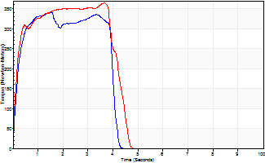
Isometric Extensors (Con) Angle 60 Time 10 Repetition 2 (Best Repetition)
 | Value | Cof Var | %BW
Peak Torque (Newton-Meters)
Right | 342 | 0.01 | 349
Left | 363 | 0.01 | 373
Deficit | 6
Average Torque (Newton-Meters)
Right | 123 | 0.03 | 125
Left | 140 | 0.04 | 143
Deficit | 12
Peak Torque Slope (Newton-Meters/Seconds)
Right | 222 | 0.31 | 227
Left | 131 | 0.19 | 133 |  | Right Side Curves Left Side Curves
Deficit | 41
Time to Half Peak Torque (Seconds)
Right | 0.16 | 0.14
Left | 0.16 | 0.14
Time to Peak Torque (Seconds)
Right | 1.95 | 0.3
Left | 3.18 | 0.2
HUMAC2015® Version: 15.000.0074 © Computer Sports Medicine, Inc. www.csmisolutions.com

