pre1
Use File, Preference to set Report Heading
Long Form Torque vs. Position Report - Knee Extension/Flexion
Name: |  |  |  | TR030_FP3046, | ID: | TR030 | Right/Left: | 13.09.2022 13.09.2022
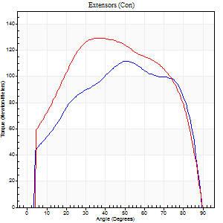
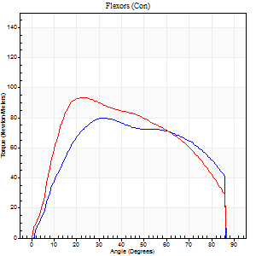
Right Side Curves Left Side Curves
Isokinetic Con/Con |  |  |  | Extensors (Con) |  | Flexors (Con)
Speed 60/60 d/s 3 Reps |  |  |  | Value | Cof Var | %BW | Value | Cof Var | %BW | Ratio

TORQUE PARAMETERS
Peak Torque (Newton-Meters - Best Repetition)
Right |  |  |  | 111 | 0.09 | 101 | 80 | 0.08 | 72 | 72
Left |  |  |  | 129 | 0.05 | 116 | 94 | 1.28 | 83 | 73
Deficit |  |  |  | 14 |  |  | 14
Work per Repetition (Newton-Meters - Best Repetition)
Right |  |  |  | 129 | 0.22 | 116 | 92 | 0.11 | 83 | 72
Left |  |  |  | 151 | 0.07 | 134 | 102 | 1.52 | 92 | 68
Deficit |  |  |  | 14 |  |  | 9
Average Power per Repetition (Watts - Best Repetition)
Right |  |  |  | 82 | 0.66 | 75 | 53 | 0.07 | 48 | 65
Left |  |  |  | 95 | 0.06 | 86 | 65 | 1.56 | 59 | 68
Deficit |  |  |  | 14 |  |  | 18
POSITION PARAMETERS
Joint Angle at Peak Torque (Degrees)
Right |  |  |  | 54 | 0.29 |  | 38 | 0.22
Left |  |  |  | 43 | 0.09 |  | 14 | 0.6
Range of Motion (Degrees)
Right |  |  |  | 0 | -0.47 |  | 90 | 0
Left |  |  |  | 0 | 0 |  | 90 | 0
TIME PARAMETERS
Time to Peak Torque (Seconds)
Right |  |  |  | 2.69 | 1.07 |  | 0.75 | 0.19
Left |  |  |  | 0.76 | 0.03 |  | 0.31 | 0.34
Time Peak Torque Held (Seconds)
Right |  |  |  | 0.15 | 1.32 |  | 0.06 | 0.66
Left |  |  |  | 0.08 | 0.45 |  | 0.02 | 1.25
Force Decay Time (Seconds)
Right |  |  |  | 0.8 | 0.12 |  | 0.84 | 0.18
Left |  |  |  | 0.69 | 0.12 |  | 1.5 | 0.29
Reciprocal Delay (Seconds)
Right |  |  |  | 5.43 | 1.18 |  | 0.63 | 0.26
Left |  |  |  | 0.56 | 0.63 |  | 0.92 | 0.25
Delay Time (Seconds)
Right |  |  |  | -2.18 | -1.43 |  | 0.01 | 4.58
Left |  |  |  | -0.01 | -1.41 |  | -0.03 | -0.92
HUMAC2015® Version: 15.000.0074 © Computer Sports Medicine, Inc. www.csmisolutions.com

Use File, Preference to set Report Heading
Long Form Torque vs. Position Report - Knee Extension/Flexion
Name: |  |  |  | TR030_FP3046, | ID: | TR030 | Right/Left: | 13.09.2022 13.09.2022
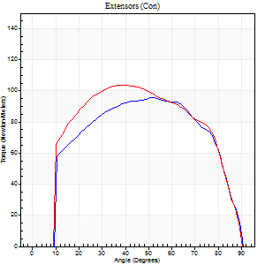
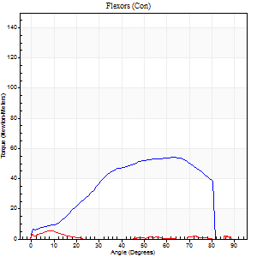
Right Side Curves Left Side Curves
Isokinetic Con/Con |  |  |  | Extensors (Con) |  | Flexors (Con)
Speed 120/120 d/s 3 Reps |  |  |  | Value | Cof Var | %BW | Value | Cof Var | %BW | Ratio

TORQUE PARAMETERS
Peak Torque (Newton-Meters - Best Repetition)
Right |  |  |  | 95 | 0.02 | 86 | 54 | 0.53 | 48 | 57
Left |  |  |  | 104 | 0.01 | 95 | 5 | 0.15 | 6 | 5
Deficit |  |  |  | 9 |  |  | 90
Work per Repetition (Newton-Meters - Best Repetition)
Right |  |  |  | 108 | 0.02 | 98 | 53 | 0.49 | 48 | 49
Left |  |  |  | 118 | 0.02 | 107 | 1 | 0.21 | 0 | 1
Deficit |  |  |  | 8 |  |  | 97
Average Power per Repetition (Watts - Best Repetition)
Right |  |  |  | 119 | 0.02 | 108 | 52 | 0.41 | 46 | 44
Left |  |  |  | 128 | 0.03 | 114 | 1 | 0.2 | 0 | 1
Deficit |  |  |  | 7 |  |  | 98
POSITION PARAMETERS
Joint Angle at Peak Torque (Degrees)
Right |  |  |  | 51 | 0.01 |  | 44 | 0.5
Left |  |  |  | 37 | 0.01 |  | 4 | 0.87
Range of Motion (Degrees)
Right |  |  |  | 0 | 0 |  | 90 | 0
Left |  |  |  | 0 | -0.28 |  | 90 | 0
TIME PARAMETERS
Time to Peak Torque (Seconds)
Right |  |  |  | 0.37 | 0.04 |  | 0.46 | 0.46
Left |  |  |  | 0.5 | 0.04 |  | 0.25 | 0.52
Time Peak Torque Held (Seconds)
Right |  |  |  | 0.03 | 0 |  | 0.01 | 0.43
Left |  |  |  | 0.03 | 0.22 |  | 0.02 | 0.49
Force Decay Time (Seconds)
Right |  |  |  | 0.49 | 0.03 |  | 0.42 | 0.29
Left |  |  |  | 0.38 | 0.03 |  | 2.74 | 0.11
Reciprocal Delay (Seconds)
Right |  |  |  | 0.3 | 0.12 |  | 0.35 | 0.68
Left |  |  |  | 0.71 | 0.17 |  | 0.8 | 0.31
Delay Time (Seconds)
Right |  |  |  | -0.01 | -0.47 |  | 0.01 | 3.54
Left |  |  |  | -0.03 | -0.47 |  | -0.1 | -0.76
HUMAC2015® Version: 15.000.0074 © Computer Sports Medicine, Inc. www.csmisolutions.com

Use File, Preference to set Report Heading
Long Form Torque vs. Position Report - Knee Extension/Flexion
Name: |  |  |  | TR030_FP3046, | ID: | TR030 | Right/Left: | 13.09.2022 13.09.2022
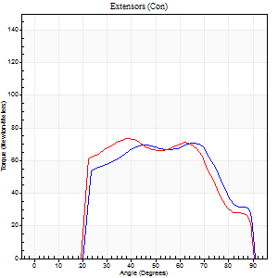
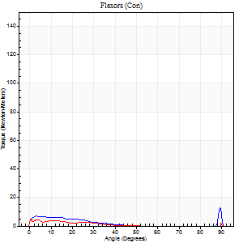
Right Side Curves Left Side Curves
Isokinetic Con/Con |  |  |  | Extensors (Con) |  | Flexors (Con)
Speed 240/240 d/s 3 Reps |  |  |  | Value | Cof Var | %BW | Value | Cof Var | %BW | Ratio

TORQUE PARAMETERS
Peak Torque (Newton-Meters - Best Repetition)
Right |  |  |  | 71 | 0.04 | 63 | 19 | 0.7 | 18 | 27
Left |  |  |  | 73 | 0.03 | 66 | 14 | 0.62 | 12 | 19
Deficit |  |  |  | 4 |  |  | 29
Work per Repetition (Newton-Meters - Best Repetition)
Right |  |  |  | 71 | 0.05 | 63 | 8 | 0.65 | 6 | 12
Left |  |  |  | 72 | 0.04 | 66 | 1 | 0.16 | 0 | 2
Deficit |  |  |  | 2 |  |  | 83
Average Power per Repetition (Watts - Best Repetition)
Right |  |  |  | 124 | 0.08 | 112 | 11 | 0.85 | 11 | 9
Left |  |  |  | 119 | 0.04 | 108 | 1 | 0.45 | 0 | 1
Deficit |  |  |  | 4 |  |  | 91
POSITION PARAMETERS
Joint Angle at Peak Torque (Degrees)
Right |  |  |  | 64 | 0.06 |  | 53 | 0.8
Left |  |  |  | 48 | 0.32 |  | 31 | 1.63
Range of Motion (Degrees)
Right |  |  |  | 0 | 0 |  | 90 | 0.01
Left |  |  |  | 0 | 0 |  | 90 | 0
TIME PARAMETERS
Time to Peak Torque (Seconds)
Right |  |  |  | 0.2 | 0.24 |  | 0.64 | 0.55
Left |  |  |  | 0.25 | 0.34 |  | 0.69 | 1.22
Time Peak Torque Held (Seconds)
Right |  |  |  | 0 | 1.73 |  | 0.02 | 1.25
Left |  |  |  | 0 | 1.73 |  | 0.04 | 1.1
Force Decay Time (Seconds)
Right |  |  |  | 0.37 | 0.05 |  | 0.25 | 1.6
Left |  |  |  | 0.31 | 0.21 |  | 1.11 | 1.2
Reciprocal Delay (Seconds)
Right |  |  |  | 0.12 | 0.71 |  | 0.58 | 0.13
Left |  |  |  | 0.55 | 0.05 |  | 0.83 | 0.27
Delay Time (Seconds)
Right |  |  |  | -0.02 | -0.28 |  | -0.06 | -0.44
Left |  |  |  | -0.03 | 0 |  | -0.1 | -0.53
HUMAC2015® Version: 15.000.0074 © Computer Sports Medicine, Inc. www.csmisolutions.com

Use File, Preference to set Report Heading
Isometric - Knee Extension/Flexion
Name: |  |  |  | TR030_FP3046, | ID: | TR030 | Right/Left: | 13.09.2022 13.09.2022

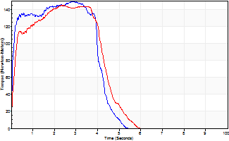
Isometric Extensors (Con) Angle 60 Time 10 Repetition 2 (Best Repetition)
 | Value | Cof Var | %BW
Peak Torque (Newton-Meters)
Right | 149 | 0.03 | 134
Left | 145 | 0.03 | 131
Deficit | 3
Average Torque (Newton-Meters)
Right | 58 | 0.14 | 54
Left | 58 | 0.01 | 54
Deficit | 0
Peak Torque Slope (Newton-Meters/Seconds)
Right | 101 | 0.45 | 91
Left | 62 | 0.21 | 56 |  | Right Side Curves Left Side Curves
Deficit | 39
Time to Half Peak Torque (Seconds)
Right | 0.06 | 0.11
Left | 0.17 | 0.08
Time to Peak Torque (Seconds)
Right | 2.14 | 0.48
Left | 2.68 | 0.19
HUMAC2015® Version: 15.000.0074 © Computer Sports Medicine, Inc. www.csmisolutions.com

pre2
Use File, Preference to set Report Heading
Long Form Torque vs. Position Report - Knee Extension/Flexion
Name: |  |  |  | TR030_FP3046, | ID: | TR030 | Right/Left: | 19.09.2022 19.09.2022
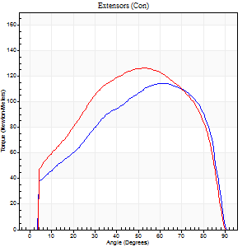
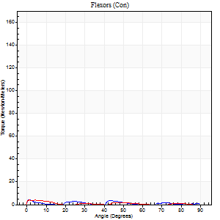
Right Side Curves Left Side Curves
Isokinetic Con/Con |  |  |  | Extensors (Con) |  | Flexors (Con)
Speed 60/60 d/s 3 Reps |  |  |  | Value | Cof Var | %BW | Value | Cof Var | %BW | Ratio

TORQUE PARAMETERS
Peak Torque (Newton-Meters - Best Repetition)
Right |  |  |  | 114 | 0.01 | 101 | 4 | 0.3 | 3 | 4
Left |  |  |  | 126 | 0.02 | 113 | 12 | 0.47 | 12 | 10
Deficit |  |  |  | 10 |  |  | 67
Work per Repetition (Newton-Meters - Best Repetition)
Right |  |  |  | 129 | 0.01 | 116 | 1 | 0.21 | 0 | 1
Left |  |  |  | 144 | 0.02 | 128 | 9 | 1.02 | 9 | 7
Deficit |  |  |  | 10 |  |  | 86
Average Power per Repetition (Watts - Best Repetition)
Right |  |  |  | 81 | 0.02 | 73 | 1 | 0.26 | 0 | 1
Left |  |  |  | 89 | 0.02 | 79 | 5 | 1.07 | 4 | 6
Deficit |  |  |  | 9 |  |  | 80
POSITION PARAMETERS
Joint Angle at Peak Torque (Degrees)
Right |  |  |  | 63 | 0.01 |  | 5 | 1.37
Left |  |  |  | 51 | 0.03 |  | 46 | 0.87
Range of Motion (Degrees)
Right |  |  |  | 0 | -0.47 |  | 90 | 0
Left |  |  |  | 0 | 0 |  | 90 | 0
TIME PARAMETERS
Time to Peak Torque (Seconds)
Right |  |  |  | 0.48 | 0.03 |  | 0.32 | 0.94
Left |  |  |  | 0.69 | 0.05 |  | 1.32 | 1.02
Time Peak Torque Held (Seconds)
Right |  |  |  | 0.06 | 0.48 |  | 0.42 | 1.61
Left |  |  |  | 0.07 | 0.09 |  | 0 | 0
Force Decay Time (Seconds)
Right |  |  |  | 1.05 | 0.03 |  | 2.56 | 0.3
Left |  |  |  | 0.86 | 0.04 |  | 0.86 | 1.36
Reciprocal Delay (Seconds)
Right |  |  |  | 0.86 | 0.11 |  | 1.58 | 0.21
Left |  |  |  | 0.93 | 0.18 |  | 0.85 | 0.13
Delay Time (Seconds)
Right |  |  |  | -0.01 | -0.47 |  | -0.09 | -0.55
Left |  |  |  | -0.02 | -0.71 |  | -0.06 | -0.64
HUMAC2015® Version: 15.000.0074 © Computer Sports Medicine, Inc. www.csmisolutions.com

Use File, Preference to set Report Heading
Long Form Torque vs. Position Report - Knee Extension/Flexion
Name: |  |  |  | TR030_FP3046, | ID: | TR030 | Right/Left: | 19.09.2022 19.09.2022
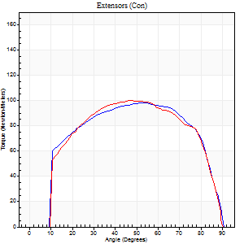
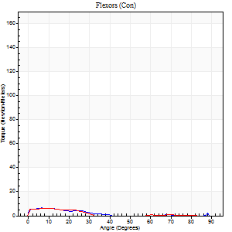
Right Side Curves Left Side Curves
Isokinetic Con/Con |  |  |  | Extensors (Con) |  | Flexors (Con)
Speed 120/120 d/s 3 Reps |  |  |  | Value | Cof Var | %BW | Value | Cof Var | %BW | Ratio

TORQUE PARAMETERS
Peak Torque (Newton-Meters - Best Repetition)
Right |  |  |  | 98 | 0.02 | 89 | 7 | 0.33 | 6 | 7
Left |  |  |  | 100 | 0.05 | 89 | 15 | 0.9 | 15 | 15
Deficit |  |  |  | 3 |  |  | 55
Work per Repetition (Newton-Meters - Best Repetition)
Right |  |  |  | 114 | 0.02 | 101 | 3 | 0.43 | 3 | 2
Left |  |  |  | 113 | 0.08 | 101 | 3 | 0.5 | 3 | 2
Deficit |  |  |  | 1 |  |  | 0
Average Power per Repetition (Watts - Best Repetition)
Right |  |  |  | 126 | 0.01 | 114 | 2 | 0.57 | 2 | 2
Left |  |  |  | 127 | 0.09 | 114 | 2 | 0.65 | 2 | 2
Deficit |  |  |  | 1 |  |  | 0
POSITION PARAMETERS
Joint Angle at Peak Torque (Degrees)
Right |  |  |  | 54 | 0.03 |  | 4 | 0.8
Left |  |  |  | 52 | 0.18 |  | 33 | 1.49
Range of Motion (Degrees)
Right |  |  |  | 0 | 0 |  | 90 | 0
Left |  |  |  | 0 | -0.47 |  | 90 | 0
TIME PARAMETERS
Time to Peak Torque (Seconds)
Right |  |  |  | 0.35 | 0.04 |  | 0.16 | 0.54
Left |  |  |  | 0.41 | 0.02 |  | 0.9 | 1.19
Time Peak Torque Held (Seconds)
Right |  |  |  | 0.03 | 0 |  | 0.03 | 0.87
Left |  |  |  | 0.04 | 0 |  | 0.01 | 1
Force Decay Time (Seconds)
Right |  |  |  | 0.51 | 0.01 |  | 1.62 | 0.2
Left |  |  |  | 0.49 | 0.15 |  | 0.8 | 1.61
Reciprocal Delay (Seconds)
Right |  |  |  | 0.57 | 0.28 |  | 0.66 | 0.03
Left |  |  |  | 0.87 | 0.24 |  | 0.83 | 0.31
Delay Time (Seconds)
Right |  |  |  | 0 | -1.41 |  | -0.05 | -0.11
Left |  |  |  | -0.01 | -1.41 |  | -0.08 | -0.35
HUMAC2015® Version: 15.000.0074 © Computer Sports Medicine, Inc. www.csmisolutions.com

Use File, Preference to set Report Heading
Long Form Torque vs. Position Report - Knee Extension/Flexion
Name: |  |  |  | TR030_FP3046, | ID: | TR030 | Right/Left: | 19.09.2022 19.09.2022
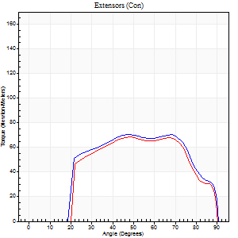
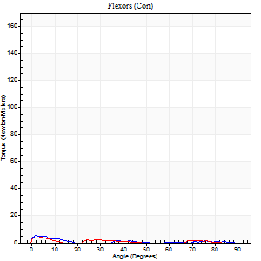
Right Side Curves Left Side Curves
Isokinetic Con/Con |  |  |  | Extensors (Con) |  | Flexors (Con)
Speed 240/240 d/s 3 Reps |  |  |  | Value | Cof Var | %BW | Value | Cof Var | %BW | Ratio

TORQUE PARAMETERS
Peak Torque (Newton-Meters - Best Repetition)
Right |  |  |  | 71 | 0.02 | 63 | 5 | 0.38 | 6 | 8
Left |  |  |  | 68 | 0.01 | 60 | 11 | 0.75 | 9 | 16
Deficit |  |  |  | 4 |  |  | 50
Work per Repetition (Newton-Meters - Best Repetition)
Right |  |  |  | 73 | 0.04 | 66 | 1 | 0.16 | 0 | 2
Left |  |  |  | 69 | 0.01 | 63 | 1 | 0.18 | 0 | 2
Deficit |  |  |  | 6 |  |  | 0
Average Power per Repetition (Watts - Best Repetition)
Right |  |  |  | 128 | 0.07 | 114 | 1 | 0.33 | 0 | 1
Left |  |  |  | 120 | 0.02 | 108 | 1 | 0.18 | 0 | 1
Deficit |  |  |  | 6 |  |  | 0
POSITION PARAMETERS
Joint Angle at Peak Torque (Degrees)
Right |  |  |  | 54 | 0.19 |  | 11 | 1.19
Left |  |  |  | 62 | 0.19 |  | 31 | 1.61
Range of Motion (Degrees)
Right |  |  |  | 0 | -0.28 |  | 90 | 0
Left |  |  |  | 0 | -0.47 |  | 90 | 0
TIME PARAMETERS
Time to Peak Torque (Seconds)
Right |  |  |  | 0.23 | 0.18 |  | 0.49 | 1.05
Left |  |  |  | 0.17 | 0 |  | 1 | 1.38
Time Peak Torque Held (Seconds)
Right |  |  |  | 0 | 1.73 |  | 0.04 | 1.03
Left |  |  |  | 0.04 | 1.3 |  | 0 | 0
Force Decay Time (Seconds)
Right |  |  |  | 0.33 | 0.16 |  | 1.95 | 0.1
Left |  |  |  | 0.34 | 0.16 |  | 0.96 | 1.4
Reciprocal Delay (Seconds)
Right |  |  |  | 0.49 | 0.12 |  | 1.05 | 0.33
Left |  |  |  | 1.12 | 0.16 |  | 0.97 | 0.25
Delay Time (Seconds)
Right |  |  |  | -0.04 | -0.2 |  | -0.09 | -0.45
Left |  |  |  | -0.02 | -0.28 |  | -0.09 | -0.27
HUMAC2015® Version: 15.000.0074 © Computer Sports Medicine, Inc. www.csmisolutions.com

Use File, Preference to set Report Heading
Isometric - Knee Extension/Flexion
Name: |  |  |  | TR030_FP3046, | ID: | TR030 | Right/Left: | 19.09.2022 19.09.2022

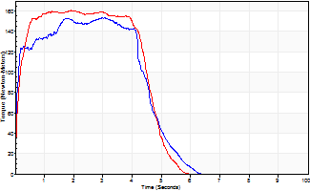
Isometric Extensors (Con) Angle 60 Time 10 Repetition 2 (Best Repetition)
 | Value | Cof Var | %BW
Peak Torque (Newton-Meters)
Right | 153 | 0.03 | 137
Left | 160 | 0.01 | 143
Deficit | 4
Average Torque (Newton-Meters)
Right | 66 | 0.11 | 60
Left | 71 | 0.19 | 63
Deficit | 6
Peak Torque Slope (Newton-Meters/Seconds)
Right | 58 | 0.1 | 52
Left | 85 | 0.29 | 76 |  | Right Side Curves Left Side Curves
Deficit | 32
Time to Half Peak Torque (Seconds)
Right | 0.06 | 0
Left | 0.11 | 0.06
Time to Peak Torque (Seconds)
Right | 2.8 | 0.13
Left | 2.35 | 0.28
HUMAC2015® Version: 15.000.0074 © Computer Sports Medicine, Inc. www.csmisolutions.com

