pre1
Use File, Preference to set Report Heading
Long Form Torque vs. Position Report - Knee Extension/Flexion
Name: |  |  |  | TR030_FP3047, | ID: | TR030 | Right/Left: | 12.09.2022 12.09.2022
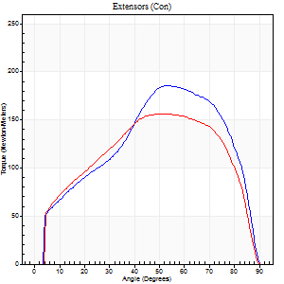
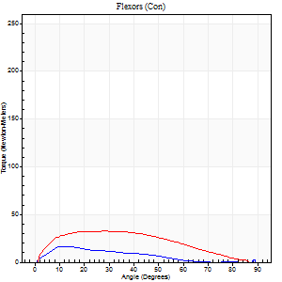
Right Side Curves Left Side Curves
Isokinetic Con/Con |  |  |  | Extensors (Con) |  | Flexors (Con)
Speed 60/60 d/s 3 Reps |  |  |  | Value | Cof Var | %BW | Value | Cof Var | %BW | Ratio

TORQUE PARAMETERS
Peak Torque (Newton-Meters - Best Repetition)
Right |  |  |  | 186 | 0.01 | 235 | 16 | 0.56 | 21 | 9
Left |  |  |  | 156 | 0.24 | 197 | 33 | 0.6 | 42 | 21
Deficit |  |  |  | 16 |  |  | 50
Work per Repetition (Newton-Meters - Best Repetition)
Right |  |  |  | 194 | 0.01 | 244 | 11 | 0.78 | 15 | 6
Left |  |  |  | 174 | 0.31 | 221 | 33 | 0.82 | 42 | 19
Deficit |  |  |  | 10 |  |  | 67
Average Power per Repetition (Watts - Best Repetition)
Right |  |  |  | 123 | 0.01 | 156 | 5 | 0.91 | 7 | 4
Left |  |  |  | 110 | 0.3 | 138 | 21 | 0.92 | 26 | 19
Deficit |  |  |  | 11 |  |  | 76
POSITION PARAMETERS
Joint Angle at Peak Torque (Degrees)
Right |  |  |  | 56 | 0.1 |  | 10 | 0.14
Left |  |  |  | 55 | 0.18 |  | 20 | 0.45
Range of Motion (Degrees)
Right |  |  |  | 0 | 0.71 |  | 90 | 0
Left |  |  |  | 0 | -1.41 |  | 90 | 0
TIME PARAMETERS
Time to Peak Torque (Seconds)
Right |  |  |  | 0.63 | 0 |  | 0.2 | 0.05
Left |  |  |  | 0.54 | 0.34 |  | 0.36 | 0.27
Time Peak Torque Held (Seconds)
Right |  |  |  | 0.05 | 0.35 |  | 0 | 0
Left |  |  |  | 0.05 | 0.25 |  | 0.06 | 0.97
Force Decay Time (Seconds)
Right |  |  |  | 0.93 | 0.08 |  | 2.12 | 0.24
Left |  |  |  | 0.92 | 0.18 |  | 2.28 | 0.93
Reciprocal Delay (Seconds)
Right |  |  |  | 0.32 | 0.27 |  | 0.34 | 0.11
Left |  |  |  | 0.16 | 0.3 |  | 0.25 | 0.48
Delay Time (Seconds)
Right |  |  |  | -0.01 | 0 |  | 0.02 | 0.25
Left |  |  |  | 0 | -1.41 |  | 0.01 | 2.29
HUMAC2015® Version: 15.000.0074 © Computer Sports Medicine, Inc. www.csmisolutions.com

Use File, Preference to set Report Heading
Long Form Torque vs. Position Report - Knee Extension/Flexion
Name: |  |  |  | TR030_FP3047, | ID: | TR030 | Right/Left: | 12.09.2022 12.09.2022
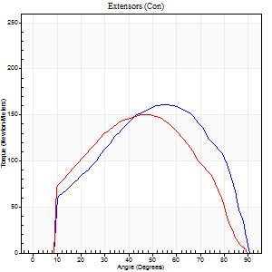
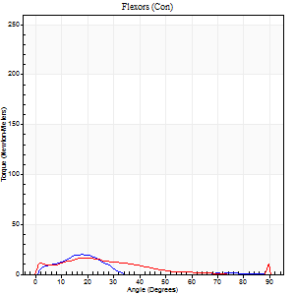
Right Side Curves Left Side Curves
Isokinetic Con/Con |  |  |  | Extensors (Con) |  | Flexors (Con)
Speed 120/120 d/s 3 Reps |  |  |  | Value | Cof Var | %BW | Value | Cof Var | %BW | Ratio

TORQUE PARAMETERS
Peak Torque (Newton-Meters - Best Repetition)
Right |  |  |  | 161 | 0.02 | 203 | 20 | 0.79 | 27 | 13
Left |  |  |  | 151 | 0.08 | 191 | 16 | 0.48 | 21 | 11
Deficit |  |  |  | 7 |  |  | 20
Work per Repetition (Newton-Meters - Best Repetition)
Right |  |  |  | 167 | 0.02 | 212 | 7 | 0.52 | 9 | 4
Left |  |  |  | 159 | 0.09 | 200 | 11 | 0.69 | 15 | 7
Deficit |  |  |  | 5 |  |  | 38
Average Power per Repetition (Watts - Best Repetition)
Right |  |  |  | 184 | 0.02 | 233 | 5 | 0.44 | 7 | 3
Left |  |  |  | 175 | 0.07 | 222 | 12 | 0.82 | 15 | 7
Deficit |  |  |  | 5 |  |  | 58
POSITION PARAMETERS
Joint Angle at Peak Torque (Degrees)
Right |  |  |  | 54 | 0.05 |  | 10 | 0.72
Left |  |  |  | 51 | 0.1 |  | 14 | 0.6
Range of Motion (Degrees)
Right |  |  |  | 0 | -1.41 |  | 90 | 0
Left |  |  |  | 0 | 9.9 |  | 90 | 0
TIME PARAMETERS
Time to Peak Torque (Seconds)
Right |  |  |  | 0.34 | 0.1 |  | 0.17 | 0.23
Left |  |  |  | 0.4 | 0.04 |  | 0.2 | 0.34
Time Peak Torque Held (Seconds)
Right |  |  |  | 0.04 | 0.25 |  | 0.07 | 1.61
Left |  |  |  | 0.03 | 0 |  | 0 | 0
Force Decay Time (Seconds)
Right |  |  |  | 0.52 | 0.03 |  | 1.16 | 0.18
Left |  |  |  | 0.5 | 0.08 |  | 1 | 0.48
Reciprocal Delay (Seconds)
Right |  |  |  | 0.26 | 0.11 |  | 0.35 | 0.66
Left |  |  |  | 0.14 | 0.37 |  | 0.27 | 0.91
Delay Time (Seconds)
Right |  |  |  | -0.01 | -0.47 |  | 0.01 | 2.84
Left |  |  |  | -0.01 | -1.41 |  | -0.01 | -1
HUMAC2015® Version: 15.000.0074 © Computer Sports Medicine, Inc. www.csmisolutions.com

Use File, Preference to set Report Heading
Long Form Torque vs. Position Report - Knee Extension/Flexion
Name: |  |  |  | TR030_FP3047, | ID: | TR030 | Right/Left: | 12.09.2022 12.09.2022
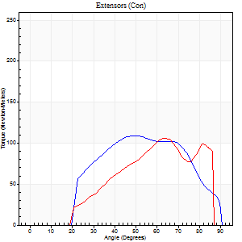
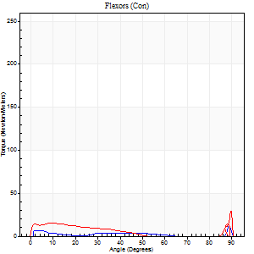
Right Side Curves Left Side Curves
Isokinetic Con/Con |  |  |  | Extensors (Con) |  | Flexors (Con)
Speed 240/240 d/s 3 Reps |  |  |  | Value | Cof Var | %BW | Value | Cof Var | %BW | Ratio

TORQUE PARAMETERS
Peak Torque (Newton-Meters - Best Repetition)
Right |  |  |  | 108 | 0.09 | 137 | 12 | 0.27 | 15 | 11
Left |  |  |  | 106 | 0.14 | 134 | 28 | 0.76 | 36 | 27
Deficit |  |  |  | 2 |  |  | 57
Work per Repetition (Newton-Meters - Best Repetition)
Right |  |  |  | 103 | 0.23 | 131 | 4 | 0.27 | 6 | 4
Left |  |  |  | 81 | 0.08 | 101 | 9 | 0.77 | 12 | 12
Deficit |  |  |  | 21 |  |  | 57
Average Power per Repetition (Watts - Best Repetition)
Right |  |  |  | 171 | 0.26 | 215 | 4 | 0.52 | 4 | 2
Left |  |  |  | 150 | 0.09 | 189 | 11 | 0.92 | 13 | 7
Deficit |  |  |  | 12 |  |  | 64
POSITION PARAMETERS
Joint Angle at Peak Torque (Degrees)
Right |  |  |  | 59 | 0.18 |  | 61 | 0.81
Left |  |  |  | 54 | 0.15 |  | 32 | 1.59
Range of Motion (Degrees)
Right |  |  |  | 0 | -0.71 |  | 90 | 0
Left |  |  |  | 0 | 0 |  | 89 | 0.03
TIME PARAMETERS
Time to Peak Torque (Seconds)
Right |  |  |  | 0.23 | 0.06 |  | 0.68 | 0.69
Left |  |  |  | 0.25 | 0.06 |  | 0.36 | 1.24
Time Peak Torque Held (Seconds)
Right |  |  |  | 0.01 | 0 |  | 0 | 1.73
Left |  |  |  | 0.01 | 1.73 |  | 0.01 | 1.73
Force Decay Time (Seconds)
Right |  |  |  | 0.38 | 0.14 |  | 0.54 | 1.8
Left |  |  |  | 0.34 | 0.12 |  | 0.78 | 0.91
Reciprocal Delay (Seconds)
Right |  |  |  | 0.3 | 0.19 |  | 0.35 | 0.67
Left |  |  |  | 0.28 | 0.17 |  | 0.45 | 0.52
Delay Time (Seconds)
Right |  |  |  | -0.03 | 0 |  | 0.01 | 4.36
Left |  |  |  | -0.01 | -0.47 |  | -0.02 | -0.25
HUMAC2015® Version: 15.000.0074 © Computer Sports Medicine, Inc. www.csmisolutions.com

Use File, Preference to set Report Heading
Isometric - Knee Extension/Flexion
Name: |  |  |  | TR030_FP3047, | ID: | TR030 | Right/Left: | 12.09.2022 12.09.2022

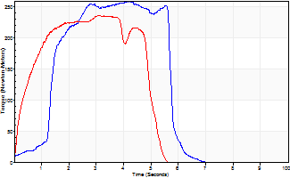
Isometric Extensors (Con) Angle 60 Time 10 Repetition 2 (Best Repetition)
 | Value | Cof Var | %BW
Peak Torque (Newton-Meters)
Right | 259 | 0.08 | 328
Left | 236 | 0.02 | 298
Deficit | 9
Average Torque (Newton-Meters)
Right | 110 | 0.12 | 140
Left | 106 | 0.04 | 134
Deficit | 4
Peak Torque Slope (Newton-Meters/Seconds)
Right | 62 | 0 | 79
Left | 75 | 0.23 | 95 |  | Right Side Curves Left Side Curves
Deficit | 17
Time to Half Peak Torque (Seconds)
Right | 0.98 | 0.56
Left | 0.45 | 0.11
Time to Peak Torque (Seconds)
Right | 3.93 | 0.08
Left | 3.68 | 0.21
HUMAC2015® Version: 15.000.0074 © Computer Sports Medicine, Inc. www.csmisolutions.com

pre2
Use File, Preference to set Report Heading
Long Form Torque vs. Position Report - Knee Extension/Flexion
Name: |  |  |  | TR030_FP3047, | ID: | TR030 | Right/Left: | 19.09.2022 19.09.2022
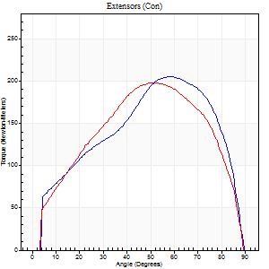
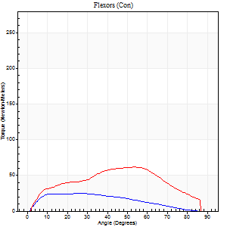
Right Side Curves Left Side Curves
Isokinetic Con/Con |  |  |  | Extensors (Con) |  | Flexors (Con)
Speed 60/60 d/s 3 Reps |  |  |  | Value | Cof Var | %BW | Value | Cof Var | %BW | Ratio

TORQUE PARAMETERS
Peak Torque (Newton-Meters - Best Repetition)
Right |  |  |  | 205 | 0.01 | 259 | 24 | 0.17 | 30 | 12
Left |  |  |  | 198 | 0.02 | 250 | 61 | 0.7 | 77 | 31
Deficit |  |  |  | 3 |  |  | 60
Work per Repetition (Newton-Meters - Best Repetition)
Right |  |  |  | 213 | 0 | 268 | 23 | 0.13 | 30 | 11
Left |  |  |  | 209 | 0.03 | 265 | 62 | 0.87 | 77 | 30
Deficit |  |  |  | 2 |  |  | 63
Average Power per Repetition (Watts - Best Repetition)
Right |  |  |  | 137 | 0.01 | 174 | 15 | 0.14 | 20 | 11
Left |  |  |  | 136 | 0.05 | 171 | 41 | 0.94 | 53 | 30
Deficit |  |  |  | 1 |  |  | 63
POSITION PARAMETERS
Joint Angle at Peak Torque (Degrees)
Right |  |  |  | 57 | 0.02 |  | 28 | 0.26
Left |  |  |  | 52 | 0.01 |  | 27 | 0.86
Range of Motion (Degrees)
Right |  |  |  | 0 | 1.41 |  | 90 | 0
Left |  |  |  | 0 | 4.24 |  | 90 | 0
TIME PARAMETERS
Time to Peak Torque (Seconds)
Right |  |  |  | 0.57 | 0 |  | 0.48 | 0.31
Left |  |  |  | 0.65 | 0.02 |  | 0.47 | 0.74
Time Peak Torque Held (Seconds)
Right |  |  |  | 0.07 | 0.09 |  | 0 | 0
Left |  |  |  | 0.05 | 0.33 |  | 0.03 | 1
Force Decay Time (Seconds)
Right |  |  |  | 0.93 | 0.03 |  | 1.05 | 0.17
Left |  |  |  | 0.86 | 0.03 |  | 2.53 | 1.12
Reciprocal Delay (Seconds)
Right |  |  |  | 0.26 | 0.16 |  | 0.34 | 0.43
Left |  |  |  | 0.18 | 0.04 |  | 0.25 | 0.57
Delay Time (Seconds)
Right |  |  |  | 0 | 0 |  | 0.02 | 1.24
Left |  |  |  | 0 | 0 |  | 0.01 | 4.82
HUMAC2015® Version: 15.000.0074 © Computer Sports Medicine, Inc. www.csmisolutions.com

Use File, Preference to set Report Heading
Long Form Torque vs. Position Report - Knee Extension/Flexion
Name: |  |  |  | TR030_FP3047, | ID: | TR030 | Right/Left: | 19.09.2022 19.09.2022
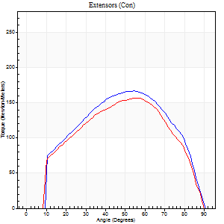
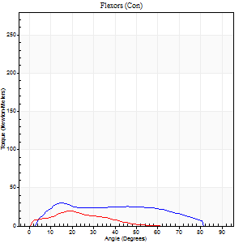
Right Side Curves Left Side Curves
Isokinetic Con/Con |  |  |  | Extensors (Con) |  | Flexors (Con)
Speed 120/120 d/s 3 Reps |  |  |  | Value | Cof Var | %BW | Value | Cof Var | %BW | Ratio

TORQUE PARAMETERS
Peak Torque (Newton-Meters - Best Repetition)
Right |  |  |  | 167 | 0.04 | 212 | 30 | 0.37 | 39 | 18
Left |  |  |  | 157 | 0.04 | 200 | 20 | 0.16 | 27 | 13
Deficit |  |  |  | 6 |  |  | 32
Work per Repetition (Newton-Meters - Best Repetition)
Right |  |  |  | 174 | 0.06 | 221 | 30 | 0.53 | 39 | 17
Left |  |  |  | 161 | 0.09 | 203 | 9 | 0.53 | 12 | 6
Deficit |  |  |  | 7 |  |  | 68
Average Power per Repetition (Watts - Best Repetition)
Right |  |  |  | 195 | 0.03 | 246 | 35 | 0.54 | 44 | 18
Left |  |  |  | 185 | 0.09 | 233 | 11 | 0.62 | 13 | 6
Deficit |  |  |  | 5 |  |  | 69
POSITION PARAMETERS
Joint Angle at Peak Torque (Degrees)
Right |  |  |  | 57 | 0.05 |  | 48 | 0.8
Left |  |  |  | 54 | 0.09 |  | 66 | 0.62
Range of Motion (Degrees)
Right |  |  |  | 0 | 0.85 |  | 90 | 0
Left |  |  |  | 0 | 0.47 |  | 90 | 0
TIME PARAMETERS
Time to Peak Torque (Seconds)
Right |  |  |  | 0.33 | 0.09 |  | 0.45 | 0.82
Left |  |  |  | 0.34 | 0.14 |  | 0.82 | 0.65
Time Peak Torque Held (Seconds)
Right |  |  |  | 0.03 | 0.33 |  | 0 | 1.73
Left |  |  |  | 0.02 | 0.25 |  | 0.01 | 0.87
Force Decay Time (Seconds)
Right |  |  |  | 0.51 | 0.03 |  | 0.38 | 0.89
Left |  |  |  | 0.51 | 0.08 |  | 0.18 | 2.42
Reciprocal Delay (Seconds)
Right |  |  |  | 0.18 | 0.08 |  | 0.12 | 0.08
Left |  |  |  | 0.16 | 0.32 |  | 0.15 | 0.21
Delay Time (Seconds)
Right |  |  |  | -0.01 | -1.41 |  | 0.06 | 0.44
Left |  |  |  | 0 | 0 |  | 0 | 0
HUMAC2015® Version: 15.000.0074 © Computer Sports Medicine, Inc. www.csmisolutions.com

Use File, Preference to set Report Heading
Long Form Torque vs. Position Report - Knee Extension/Flexion
Name: |  |  |  | TR030_FP3047, | ID: | TR030 | Right/Left: | 19.09.2022 19.09.2022
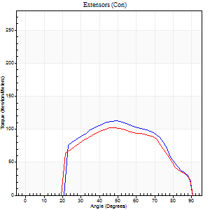
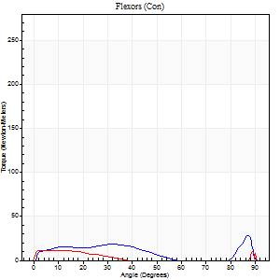
Right Side Curves Left Side Curves
Isokinetic Con/Con |  |  |  | Extensors (Con) |  | Flexors (Con)
Speed 240/240 d/s 3 Reps |  |  |  | Value | Cof Var | %BW | Value | Cof Var | %BW | Ratio

TORQUE PARAMETERS
Peak Torque (Newton-Meters - Best Repetition)
Right |  |  |  | 113 | 0.15 | 143 | 28 | 0.43 | 36 | 25
Left |  |  |  | 102 | 0.29 | 128 | 16 | 0.18 | 21 | 16
Deficit |  |  |  | 10 |  |  | 43
Work per Repetition (Newton-Meters - Best Repetition)
Right |  |  |  | 104 | 0.23 | 131 | 15 | 0.41 | 18 | 14
Left |  |  |  | 96 | 0.36 | 122 | 5 | 0.27 | 6 | 6
Deficit |  |  |  | 8 |  |  | 64
Average Power per Repetition (Watts - Best Repetition)
Right |  |  |  | 183 | 0.24 | 231 | 24 | 0.43 | 31 | 13
Left |  |  |  | 166 | 0.37 | 209 | 7 | 0.29 | 9 | 4
Deficit |  |  |  | 9 |  |  | 71
POSITION PARAMETERS
Joint Angle at Peak Torque (Degrees)
Right |  |  |  | 57 | 0.18 |  | 63 | 0.68
Left |  |  |  | 52 | 0.08 |  | 61 | 0.79
Range of Motion (Degrees)
Right |  |  |  | 0 | -1.41 |  | 90 | 0
Left |  |  |  | 0 | -0.47 |  | 90 | 0
TIME PARAMETERS
Time to Peak Torque (Seconds)
Right |  |  |  | 0.24 | 0.12 |  | 0.46 | 0.48
Left |  |  |  | 0.25 | 0.09 |  | 0.61 | 0.68
Time Peak Torque Held (Seconds)
Right |  |  |  | 0.01 | 1 |  | 0.01 | 1.15
Left |  |  |  | 0.01 | 0.87 |  | 0 | 0
Force Decay Time (Seconds)
Right |  |  |  | 0.34 | 0.18 |  | 0.16 | 1.07
Left |  |  |  | 0.32 | 0.06 |  | 0.22 | 1.86
Reciprocal Delay (Seconds)
Right |  |  |  | 0.29 | 0.05 |  | 0.19 | 0.47
Left |  |  |  | 0.29 | 0.07 |  | 0.21 | 0.51
Delay Time (Seconds)
Right |  |  |  | -0.03 | -0.47 |  | -0.01 | -3.46
Left |  |  |  | -0.02 | -0.28 |  | -0.02 | -0.69
HUMAC2015® Version: 15.000.0074 © Computer Sports Medicine, Inc. www.csmisolutions.com

Use File, Preference to set Report Heading
Isometric - Knee Extension/Flexion
Name: |  |  |  | TR030_FP3047, | ID: | TR030 | Right/Left: | 19.09.2022 19.09.2022

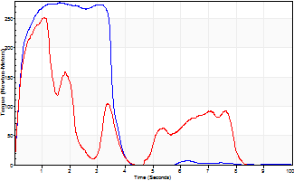
Isometric Extensors (Con) Angle 60 Time 10 Repetition 2 (Best Repetition)
 | Value | Cof Var | %BW
Peak Torque (Newton-Meters)
Right | 278 | 0.01 | 352
Left | 252 | 0.42 | 319
Deficit | 9
Average Torque (Newton-Meters)
Right | 118 | 0.18 | 149
Left | 68 | 0.21 | 86
Deficit | 43
Peak Torque Slope (Newton-Meters/Seconds)
Right | 169 | 0.63 | 214
Left | 235 | 1.05 | 297 |  | Right Side Curves Left Side Curves
Deficit | 28
Time to Half Peak Torque (Seconds)
Right | 1.44 | 1.22
Left | 0.32 | 0.59
Time to Peak Torque (Seconds)
Right | 2.9 | 0.62
Left | 2.51 | 0.82
HUMAC2015® Version: 15.000.0074 © Computer Sports Medicine, Inc. www.csmisolutions.com

mid1
Use File, Preference to set Report Heading
Long Form Torque vs. Position Report - Knee Extension/Flexion
Name: |  |  |  | TR030_FP3047, | ID: | TR030 | Right/Left: | 31.10.2022 31.10.2022
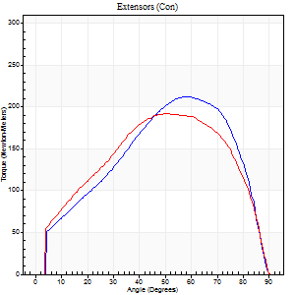
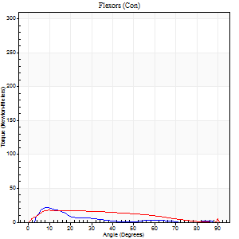
Right Side Curves Left Side Curves
Isokinetic Con/Con |  |  |  | Extensors (Con) |  | Flexors (Con)
Speed 60/60 d/s 3 Reps |  |  |  | Value | Cof Var | %BW | Value | Cof Var | %BW | Ratio

TORQUE PARAMETERS
Peak Torque (Newton-Meters - Best Repetition)
Right |  |  |  | 213 | 0.04 | 268 | 22 | 0.41 | 27 | 10
Left |  |  |  | 191 | 0.07 | 241 | 18 | 0.04 | 21 | 9
Deficit |  |  |  | 10 |  |  | 19
Work per Repetition (Newton-Meters - Best Repetition)
Right |  |  |  | 220 | 0.03 | 277 | 11 | 0.39 | 15 | 5
Left |  |  |  | 207 | 0.05 | 262 | 16 | 0.09 | 21 | 8
Deficit |  |  |  | 6 |  |  | 33
Average Power per Repetition (Watts - Best Repetition)
Right |  |  |  | 141 | 0.04 | 178 | 5 | 0.42 | 7 | 4
Left |  |  |  | 133 | 0.05 | 167 | 10 | 0.08 | 13 | 8
Deficit |  |  |  | 6 |  |  | 50
POSITION PARAMETERS
Joint Angle at Peak Torque (Degrees)
Right |  |  |  | 55 | 0.05 |  | 9 | 0.1
Left |  |  |  | 57 | 0.1 |  | 15 | 0.55
Range of Motion (Degrees)
Right |  |  |  | 0 | 0.35 |  | 90 | 0
Left |  |  |  | 0 | 0.61 |  | 90 | 0
TIME PARAMETERS
Time to Peak Torque (Seconds)
Right |  |  |  | 0.58 | 0.1 |  | 0.15 | 0.29
Left |  |  |  | 0.6 | 0.18 |  | 0.28 | 0.44
Time Peak Torque Held (Seconds)
Right |  |  |  | 0.05 | 0.25 |  | 0.09 | 1.35
Left |  |  |  | 0.07 | 0.42 |  | 0.09 | 1.27
Force Decay Time (Seconds)
Right |  |  |  | 0.91 | 0.03 |  | 1.64 | 0.04
Left |  |  |  | 0.91 | 0.07 |  | 1.2 | 0.1
Reciprocal Delay (Seconds)
Right |  |  |  | 0.15 | 0.75 |  | 0.21 | 0.19
Left |  |  |  | 0.18 | 0.16 |  | 0.2 | 0.18
Delay Time (Seconds)
Right |  |  |  | -0.01 | 0 |  | 0.03 | 0.92
Left |  |  |  | 0 | 0 |  | 0 | -1.73
HUMAC2015® Version: 15.000.0074 © Computer Sports Medicine, Inc. www.csmisolutions.com

Use File, Preference to set Report Heading
Long Form Torque vs. Position Report - Knee Extension/Flexion
Name: |  |  |  | TR030_FP3047, | ID: | TR030 | Right/Left: | 31.10.2022 31.10.2022
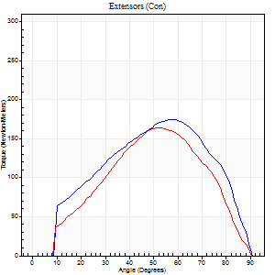
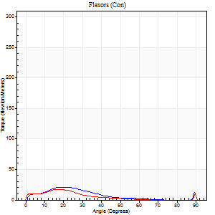
Right Side Curves Left Side Curves
Isokinetic Con/Con |  |  |  | Extensors (Con) |  | Flexors (Con)
Speed 120/120 d/s 3 Reps |  |  |  | Value | Cof Var | %BW | Value | Cof Var | %BW | Ratio

TORQUE PARAMETERS
Peak Torque (Newton-Meters - Best Repetition)
Right |  |  |  | 175 | 0.03 | 221 | 22 | 0.72 | 27 | 12
Left |  |  |  | 164 | 0.1 | 209 | 18 | 0.48 | 21 | 11
Deficit |  |  |  | 6 |  |  | 19
Work per Repetition (Newton-Meters - Best Repetition)
Right |  |  |  | 172 | 0.02 | 218 | 12 | 0.84 | 15 | 7
Left |  |  |  | 159 | 0.14 | 200 | 8 | 0.51 | 9 | 5
Deficit |  |  |  | 8 |  |  | 33
Average Power per Repetition (Watts - Best Repetition)
Right |  |  |  | 192 | 0.02 | 242 | 13 | 0.99 | 15 | 7
Left |  |  |  | 180 | 0.15 | 226 | 9 | 0.6 | 11 | 5
Deficit |  |  |  | 6 |  |  | 31
POSITION PARAMETERS
Joint Angle at Peak Torque (Degrees)
Right |  |  |  | 57 | 0.01 |  | 18 | 0.42
Left |  |  |  | 55 | 0.09 |  | 15 | 0.55
Range of Motion (Degrees)
Right |  |  |  | 0 | 0 |  | 90 | 0
Left |  |  |  | 0 | 0.71 |  | 90 | 0
TIME PARAMETERS
Time to Peak Torque (Seconds)
Right |  |  |  | 0.31 | 0.02 |  | 0.22 | 0.21
Left |  |  |  | 0.36 | 0.08 |  | 0.22 | 0.28
Time Peak Torque Held (Seconds)
Right |  |  |  | 0.02 | 0.25 |  | 0 | 1.73
Left |  |  |  | 0.02 | 0 |  | 0.01 | 1.73
Force Decay Time (Seconds)
Right |  |  |  | 0.56 | 0.03 |  | 0.91 | 0.29
Left |  |  |  | 0.54 | 0.09 |  | 0.88 | 0.3
Reciprocal Delay (Seconds)
Right |  |  |  | 0.3 | 0.02 |  | 0.16 | 0.26
Left |  |  |  | 0.23 | 0.47 |  | 0.21 | 0.35
Delay Time (Seconds)
Right |  |  |  | -0.01 | 0 |  | 0.03 | 1.2
Left |  |  |  | -0.01 | -1.41 |  | -0.02 | 0
HUMAC2015® Version: 15.000.0074 © Computer Sports Medicine, Inc. www.csmisolutions.com

Use File, Preference to set Report Heading
Long Form Torque vs. Position Report - Knee Extension/Flexion
Name: |  |  |  | TR030_FP3047, | ID: | TR030 | Right/Left: | 31.10.2022 31.10.2022
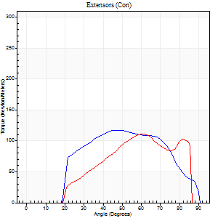
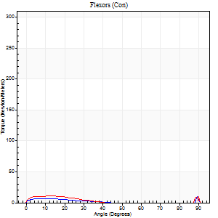
Right Side Curves Left Side Curves
Isokinetic Con/Con |  |  |  | Extensors (Con) |  | Flexors (Con)
Speed 240/240 d/s 3 Reps |  |  |  | Value | Cof Var | %BW | Value | Cof Var | %BW | Ratio

TORQUE PARAMETERS
Peak Torque (Newton-Meters - Best Repetition)
Right |  |  |  | 118 | 0.06 | 149 | 9 | 0.08 | 12 | 8
Left |  |  |  | 111 | 0.07 | 140 | 30 | 0.58 | 39 | 27
Deficit |  |  |  | 6 |  |  | 68
Work per Repetition (Newton-Meters - Best Repetition)
Right |  |  |  | 113 | 0.19 | 143 | 3 | 0.2 | 3 | 2
Left |  |  |  | 95 | 0.11 | 119 | 5 | 0.32 | 6 | 6
Deficit |  |  |  | 16 |  |  | 50
Average Power per Repetition (Watts - Best Repetition)
Right |  |  |  | 191 | 0.3 | 242 | 3 | 0.23 | 4 | 2
Left |  |  |  | 163 | 0.09 | 207 | 6 | 0.55 | 7 | 4
Deficit |  |  |  | 15 |  |  | 50
POSITION PARAMETERS
Joint Angle at Peak Torque (Degrees)
Right |  |  |  | 60 | 0.17 |  | 60 | 0.85
Left |  |  |  | 58 | 0.12 |  | 62 | 0.8
Range of Motion (Degrees)
Right |  |  |  | 0 | -0.47 |  | 90 | 0
Left |  |  |  | 0 | -0.2 |  | 89 | 0.03
TIME PARAMETERS
Time to Peak Torque (Seconds)
Right |  |  |  | 0.35 | 0.38 |  | 0.64 | 0.77
Left |  |  |  | 0.21 | 0.2 |  | 0.72 | 0.73
Time Peak Torque Held (Seconds)
Right |  |  |  | 0 | 1.73 |  | 0.02 | 1.25
Left |  |  |  | 0.01 | 0.87 |  | 0.02 | 1.73
Force Decay Time (Seconds)
Right |  |  |  | 0.38 | 0.16 |  | 0.34 | 1.58
Left |  |  |  | 0.37 | 0.11 |  | 0.37 | 2.36
Reciprocal Delay (Seconds)
Right |  |  |  | 0.35 | 0.14 |  | 0.35 | 0.62
Left |  |  |  | 0.41 | 0.16 |  | 0.39 | 0.57
Delay Time (Seconds)
Right |  |  |  | -0.16 | -1.15 |  | 0 | -14.18
Left |  |  |  | -0.01 | -0.47 |  | -0.01 | -1.15
HUMAC2015® Version: 15.000.0074 © Computer Sports Medicine, Inc. www.csmisolutions.com

Use File, Preference to set Report Heading
Isometric - Knee Extension/Flexion
Name: |  |  |  | TR030_FP3047, | ID: | TR030 | Right/Left: | 31.10.2022 31.10.2022

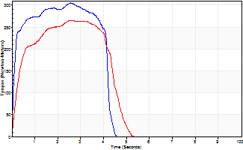
Isometric Extensors (Con) Angle 60 Time 10 Repetition 2 (Best Repetition)
 | Value | Cof Var | %BW
Peak Torque (Newton-Meters)
Right | 305 | 0.02 | 384
Left | 264 | 0.01 | 334
Deficit | 13
Average Torque (Newton-Meters)
Right | 141 | 0.14 | 179
Left | 103 | 0.03 | 131
Deficit | 27
Peak Torque Slope (Newton-Meters/Seconds)
Right | 119 | 0.26 | 150
Left | 164 | 0.34 | 207 |  | Right Side Curves Left Side Curves
Deficit | 28
Time to Half Peak Torque (Seconds)
Right | 0.11 | 0
Left | 0.22 | 0.41
Time to Peak Torque (Seconds)
Right | 3.1 | 0.24
Left | 2.11 | 0.35
HUMAC2015® Version: 15.000.0074 © Computer Sports Medicine, Inc. www.csmisolutions.com

mid2
Use File, Preference to set Report Heading
Long Form Torque vs. Position Report - Knee Extension/Flexion
Name: |  |  |  | TR030_FP3047, | ID: | TR030 | Right/Left: | 05.11.2022 05.11.2022
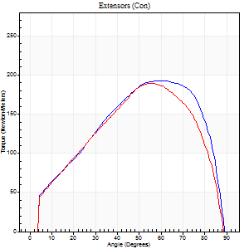
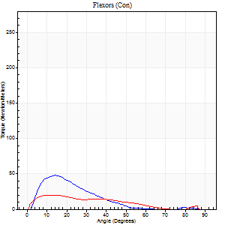
Right Side Curves Left Side Curves
Isokinetic Con/Con |  |  |  | Extensors (Con) |  | Flexors (Con)
Speed 60/60 d/s 3 Reps |  |  |  | Value | Cof Var | %BW | Value | Cof Var | %BW | Ratio

TORQUE PARAMETERS
Peak Torque (Newton-Meters - Best Repetition)
Right |  |  |  | 193 | 0.07 | 244 | 47 | 0.66 | 60 | 25
Left |  |  |  | 190 | 0.07 | 238 | 20 | 0.39 | 27 | 11
Deficit |  |  |  | 1 |  |  | 57
Work per Repetition (Newton-Meters - Best Repetition)
Right |  |  |  | 203 | 0.07 | 256 | 23 | 0.66 | 30 | 11
Left |  |  |  | 195 | 0.14 | 247 | 15 | 0.51 | 18 | 8
Deficit |  |  |  | 4 |  |  | 35
Average Power per Repetition (Watts - Best Repetition)
Right |  |  |  | 130 | 0.07 | 165 | 13 | 0.7 | 15 | 10
Left |  |  |  | 127 | 0.15 | 160 | 7 | 0.53 | 9 | 6
Deficit |  |  |  | 2 |  |  | 46
POSITION PARAMETERS
Joint Angle at Peak Torque (Degrees)
Right |  |  |  | 60 | 0.04 |  | 17 | 0.33
Left |  |  |  | 56 | 0.04 |  | 21 | 0.5
Range of Motion (Degrees)
Right |  |  |  | 0 | 0.28 |  | 90 | 0
Left |  |  |  | 0 | 0.47 |  | 90 | 0.01
TIME PARAMETERS
Time to Peak Torque (Seconds)
Right |  |  |  | 0.47 | 0.07 |  | 0.29 | 0.46
Left |  |  |  | 0.52 | 0.07 |  | 0.41 | 0.45
Time Peak Torque Held (Seconds)
Right |  |  |  | 0.08 | 0.42 |  | 0.01 | 1.15
Left |  |  |  | 0.07 | 0.31 |  | 0.02 | 1
Force Decay Time (Seconds)
Right |  |  |  | 1 | 0.02 |  | 1.56 | 0.07
Left |  |  |  | 0.92 | 0.03 |  | 1.62 | 0.26
Reciprocal Delay (Seconds)
Right |  |  |  | 0.25 | 0.32 |  | 0.18 | 0.48
Left |  |  |  | 0.16 | 0.14 |  | 0.27 | 0.27
Delay Time (Seconds)
Right |  |  |  | 0.01 | 0.47 |  | 0.04 | 0.5
Left |  |  |  | 0.04 | 0 |  | -0.01 | -1
HUMAC2015® Version: 15.000.0074 © Computer Sports Medicine, Inc. www.csmisolutions.com

Use File, Preference to set Report Heading
Long Form Torque vs. Position Report - Knee Extension/Flexion
Name: |  |  |  | TR030_FP3047, | ID: | TR030 | Right/Left: | 05.11.2022 05.11.2022
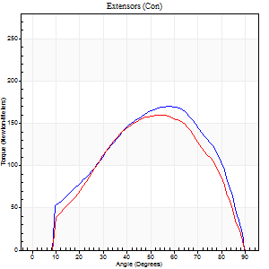
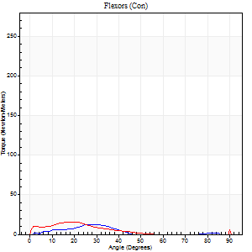
Right Side Curves Left Side Curves
Isokinetic Con/Con |  |  |  | Extensors (Con) |  | Flexors (Con)
Speed 120/120 d/s 3 Reps |  |  |  | Value | Cof Var | %BW | Value | Cof Var | %BW | Ratio

TORQUE PARAMETERS
Peak Torque (Newton-Meters - Best Repetition)
Right |  |  |  | 170 | 0.03 | 215 | 12 | 0.48 | 15 | 7
Left |  |  |  | 160 | 0.06 | 203 | 19 | 0.85 | 24 | 12
Deficit |  |  |  | 6 |  |  | 36
Work per Repetition (Newton-Meters - Best Repetition)
Right |  |  |  | 168 | 0.03 | 212 | 5 | 0.39 | 6 | 3
Left |  |  |  | 155 | 0.12 | 197 | 8 | 0.8 | 9 | 5
Deficit |  |  |  | 8 |  |  | 33
Average Power per Repetition (Watts - Best Repetition)
Right |  |  |  | 189 | 0.04 | 240 | 5 | 0.46 | 7 | 3
Left |  |  |  | 175 | 0.11 | 222 | 7 | 0.95 | 9 | 4
Deficit |  |  |  | 7 |  |  | 29
POSITION PARAMETERS
Joint Angle at Peak Torque (Degrees)
Right |  |  |  | 58 | 0.03 |  | 23 | 0.63
Left |  |  |  | 56 | 0.07 |  | 39 | 1.18
Range of Motion (Degrees)
Right |  |  |  | 0 | 7.07 |  | 90 | 0
Left |  |  |  | 0 | 0 |  | 90 | 0
TIME PARAMETERS
Time to Peak Torque (Seconds)
Right |  |  |  | 0.3 | 0.05 |  | 0.33 | 0.43
Left |  |  |  | 0.32 | 0.04 |  | 0.56 | 1
Time Peak Torque Held (Seconds)
Right |  |  |  | 0.04 | 0 |  | 0 | 0
Left |  |  |  | 0.04 | 0.53 |  | 0.01 | 0.87
Force Decay Time (Seconds)
Right |  |  |  | 0.56 | 0.02 |  | 0.96 | 0.28
Left |  |  |  | 0.53 | 0.07 |  | 0.83 | 1.07
Reciprocal Delay (Seconds)
Right |  |  |  | 0.38 | 0.17 |  | 0.26 | 0.87
Left |  |  |  | 0.22 | 0.56 |  | 0.31 | 0.63
Delay Time (Seconds)
Right |  |  |  | 0 | 0 |  | 0.05 | 0.89
Left |  |  |  | 0.01 | 1.41 |  | -0.03 | -0.33
HUMAC2015® Version: 15.000.0074 © Computer Sports Medicine, Inc. www.csmisolutions.com

Use File, Preference to set Report Heading
Long Form Torque vs. Position Report - Knee Extension/Flexion
Name: |  |  |  | TR030_FP3047, | ID: | TR030 | Right/Left: | 05.11.2022 05.11.2022
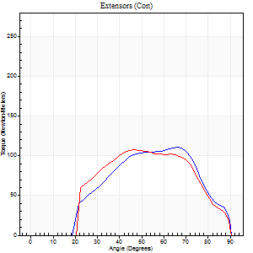
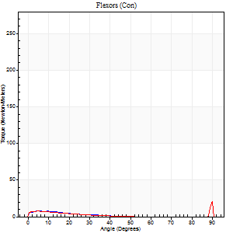
Right Side Curves Left Side Curves
Isokinetic Con/Con |  |  |  | Extensors (Con) |  | Flexors (Con)
Speed 240/240 d/s 3 Reps |  |  |  | Value | Cof Var | %BW | Value | Cof Var | %BW | Ratio

TORQUE PARAMETERS
Peak Torque (Newton-Meters - Best Repetition)
Right |  |  |  | 111 | 0.02 | 140 | 8 | 0.14 | 9 | 7
Left |  |  |  | 107 | 0.02 | 134 | 28 | 0.62 | 36 | 27
Deficit |  |  |  | 4 |  |  | 71
Work per Repetition (Newton-Meters - Best Repetition)
Right |  |  |  | 102 | 0.05 | 128 | 3 | 0.18 | 3 | 3
Left |  |  |  | 99 | 0.06 | 125 | 4 | 0.17 | 6 | 4
Deficit |  |  |  | 3 |  |  | 33
Average Power per Repetition (Watts - Best Repetition)
Right |  |  |  | 179 | 0.05 | 226 | 3 | 0.23 | 4 | 2
Left |  |  |  | 170 | 0.13 | 215 | 4 | 0.3 | 4 | 2
Deficit |  |  |  | 5 |  |  | 25
POSITION PARAMETERS
Joint Angle at Peak Torque (Degrees)
Right |  |  |  | 65 | 0.01 |  | 4 | 0.65
Left |  |  |  | 52 | 0.2 |  | 62 | 0.8
Range of Motion (Degrees)
Right |  |  |  | 0 | -0.47 |  | 90 | 0
Left |  |  |  | 0 | -0.71 |  | 90 | 0
TIME PARAMETERS
Time to Peak Torque (Seconds)
Right |  |  |  | 0.16 | 0.04 |  | 0.13 | 0.32
Left |  |  |  | 0.24 | 0 |  | 0.79 | 0.67
Time Peak Torque Held (Seconds)
Right |  |  |  | 0 | 1.73 |  | 0.05 | 0.92
Left |  |  |  | 0 | 1.73 |  | 0 | 0
Force Decay Time (Seconds)
Right |  |  |  | 0.39 | 0.01 |  | 0.89 | 0.15
Left |  |  |  | 0.38 | 0.21 |  | 0.32 | 2.19
Reciprocal Delay (Seconds)
Right |  |  |  | 0.38 | 0.09 |  | 0.45 | 0.66
Left |  |  |  | 0.21 | 0.27 |  | 0.57 | 0.4
Delay Time (Seconds)
Right |  |  |  | -0.02 | 0 |  | -0.02 | -2.18
Left |  |  |  | 0 | 1.41 |  | -0.06 | -0.37
HUMAC2015® Version: 15.000.0074 © Computer Sports Medicine, Inc. www.csmisolutions.com

Use File, Preference to set Report Heading
Isometric - Knee Extension/Flexion
Name: |  |  |  | TR030_FP3047, | ID: | TR030 | Right/Left: | 05.11.2022 05.11.2022

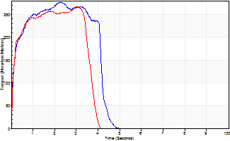
Isometric Extensors (Con) Angle 60 Time 10 Repetition 2 (Best Repetition)
 | Value | Cof Var | %BW
Peak Torque (Newton-Meters)
Right | 277 | 0 | 349
Left | 267 | 0.02 | 337
Deficit | 3
Average Torque (Newton-Meters)
Right | 103 | 0.01 | 131
Left | 94 | 0.04 | 119
Deficit | 9
Peak Torque Slope (Newton-Meters/Seconds)
Right | 122 | 0.35 | 154
Left | 113 | 0.18 | 142 |  | Right Side Curves Left Side Curves
Deficit | 8
Time to Half Peak Torque (Seconds)
Right | 0.86 | 1.2
Left | 0.11 | 0.06
Time to Peak Torque (Seconds)
Right | 2.99 | 0.35
Left | 2.67 | 0.2
HUMAC2015® Version: 15.000.0074 © Computer Sports Medicine, Inc. www.csmisolutions.com

post1
Use File, Preference to set Report Heading
Long Form Torque vs. Position Report - Knee Extension/Flexion
Name: |  |  |  | TR030_FP3047, | ID: | TR030 | Right/Left: | 29.11.2022 29.11.2022
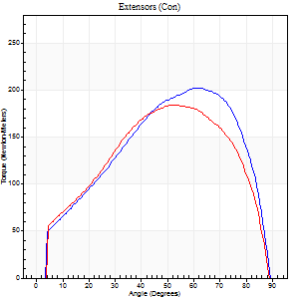
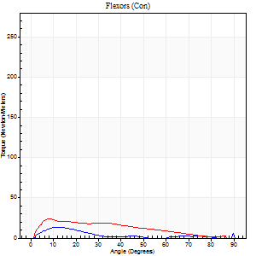
Right Side Curves Left Side Curves
Isokinetic Con/Con |  |  |  | Extensors (Con) |  | Flexors (Con)
Speed 60/60 d/s 3 Reps |  |  |  | Value | Cof Var | %BW | Value | Cof Var | %BW | Ratio

TORQUE PARAMETERS
Peak Torque (Newton-Meters - Best Repetition)
Right |  |  |  | 202 | 0.02 | 256 | 18 | 0.2 | 21 | 9
Left |  |  |  | 183 | 0.09 | 232 | 23 | 0.48 | 30 | 13
Deficit |  |  |  | 9 |  |  | 24
Work per Repetition (Newton-Meters - Best Repetition)
Right |  |  |  | 210 | 0.01 | 265 | 11 | 0.3 | 15 | 5
Left |  |  |  | 195 | 0.09 | 247 | 19 | 0.47 | 24 | 10
Deficit |  |  |  | 7 |  |  | 43
Average Power per Repetition (Watts - Best Repetition)
Right |  |  |  | 135 | 0.02 | 171 | 7 | 0.33 | 9 | 5
Left |  |  |  | 125 | 0.1 | 158 | 12 | 0.48 | 15 | 10
Deficit |  |  |  | 7 |  |  | 42
POSITION PARAMETERS
Joint Angle at Peak Torque (Degrees)
Right |  |  |  | 60 | 0.03 |  | 43 | 0.93
Left |  |  |  | 56 | 0.07 |  | 16 | 0.81
Range of Motion (Degrees)
Right |  |  |  | 0 | 0 |  | 90 | 0
Left |  |  |  | 0 | 2.83 |  | 90 | 0
TIME PARAMETERS
Time to Peak Torque (Seconds)
Right |  |  |  | 0.48 | 0.1 |  | 0.85 | 1.01
Left |  |  |  | 0.6 | 0.04 |  | 0.32 | 0.74
Time Peak Torque Held (Seconds)
Right |  |  |  | 0.08 | 0.22 |  | 0.01 | 1.73
Left |  |  |  | 0.07 | 0.28 |  | 0.02 | 1.73
Force Decay Time (Seconds)
Right |  |  |  | 0.97 | 0.04 |  | 0.78 | 0.96
Left |  |  |  | 0.9 | 0.03 |  | 1.22 | 0.2
Reciprocal Delay (Seconds)
Right |  |  |  | 0.2 | 0.31 |  | 0.27 | 0.3
Left |  |  |  | 0.25 | 0.38 |  | 0.3 | 0.59
Delay Time (Seconds)
Right |  |  |  | 0.01 | 0.47 |  | 0.05 | 0.72
Left |  |  |  | 0.02 | 0.71 |  | 0 | -6.93
HUMAC2015® Version: 15.000.0074 © Computer Sports Medicine, Inc. www.csmisolutions.com

Use File, Preference to set Report Heading
Long Form Torque vs. Position Report - Knee Extension/Flexion
Name: |  |  |  | TR030_FP3047, | ID: | TR030 | Right/Left: | 29.11.2022 29.11.2022
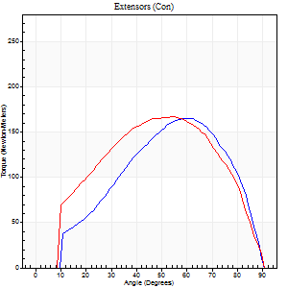
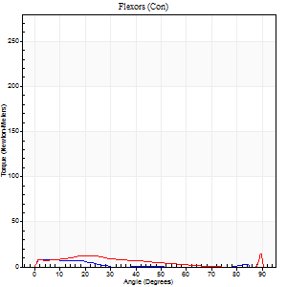
Right Side Curves Left Side Curves
Isokinetic Con/Con |  |  |  | Extensors (Con) |  | Flexors (Con)
Speed 120/120 d/s 3 Reps |  |  |  | Value | Cof Var | %BW | Value | Cof Var | %BW | Ratio

TORQUE PARAMETERS
Peak Torque (Newton-Meters - Best Repetition)
Right |  |  |  | 165 | 0.01 | 209 | 8 | 0.1 | 9 | 5
Left |  |  |  | 167 | 0.1 | 212 | 19 | 0.45 | 24 | 11
Deficit |  |  |  | 1 |  |  | 57
Work per Repetition (Newton-Meters - Best Repetition)
Right |  |  |  | 161 | 0.03 | 203 | 3 | 0.29 | 3 | 2
Left |  |  |  | 174 | 0.17 | 221 | 8 | 0.6 | 9 | 5
Deficit |  |  |  | 7 |  |  | 67
Average Power per Repetition (Watts - Best Repetition)
Right |  |  |  | 179 | 0.04 | 226 | 3 | 0.29 | 4 | 2
Left |  |  |  | 189 | 0.14 | 240 | 9 | 0.71 | 11 | 5
Deficit |  |  |  | 5 |  |  | 67
POSITION PARAMETERS
Joint Angle at Peak Torque (Degrees)
Right |  |  |  | 61 | 0.05 |  | 5 | 0.52
Left |  |  |  | 56 | 0.03 |  | 60 | 0.85
Range of Motion (Degrees)
Right |  |  |  | 0 | 0 |  | 90 | 0
Left |  |  |  | 0 | -0.85 |  | 90 | 0
TIME PARAMETERS
Time to Peak Torque (Seconds)
Right |  |  |  | 0.28 | 0 |  | 0.11 | 0.4
Left |  |  |  | 0.33 | 0.09 |  | 0.72 | 0.78
Time Peak Torque Held (Seconds)
Right |  |  |  | 0.03 | 0 |  | 0.04 | 1.15
Left |  |  |  | 0.03 | 0.46 |  | 0.03 | 1.73
Force Decay Time (Seconds)
Right |  |  |  | 0.6 | 0.03 |  | 0.97 | 0.03
Left |  |  |  | 0.54 | 0.05 |  | 0.33 | 2.03
Reciprocal Delay (Seconds)
Right |  |  |  | 0.37 | 0.06 |  | 0.36 | 0.04
Left |  |  |  | 0.47 | 0.15 |  | 0.43 | 0.8
Delay Time (Seconds)
Right |  |  |  | 0 | -1.41 |  | 0 | 4.58
Left |  |  |  | -0.01 | -0.47 |  | -0.02 | -0.49
HUMAC2015® Version: 15.000.0074 © Computer Sports Medicine, Inc. www.csmisolutions.com

Use File, Preference to set Report Heading
Long Form Torque vs. Position Report - Knee Extension/Flexion
Name: |  |  |  | TR030_FP3047, | ID: | TR030 | Right/Left: | 29.11.2022 29.11.2022
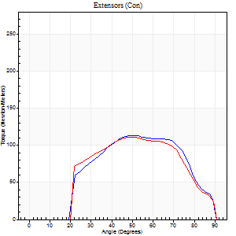
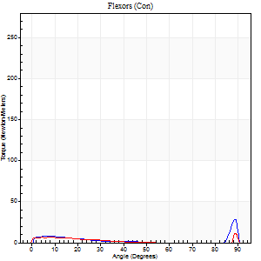
Right Side Curves Left Side Curves
Isokinetic Con/Con |  |  |  | Extensors (Con) |  | Flexors (Con)
Speed 240/240 d/s 3 Reps |  |  |  | Value | Cof Var | %BW | Value | Cof Var | %BW | Ratio

TORQUE PARAMETERS
Peak Torque (Newton-Meters - Best Repetition)
Right |  |  |  | 114 | 0.03 | 143 | 28 | 0.66 | 36 | 25
Left |  |  |  | 111 | 0.21 | 140 | 18 | 0.39 | 21 | 16
Deficit |  |  |  | 2 |  |  | 38
Work per Repetition (Newton-Meters - Best Repetition)
Right |  |  |  | 106 | 0.1 | 134 | 5 | 0.17 | 6 | 5
Left |  |  |  | 104 | 0.26 | 131 | 4 | 0.17 | 6 | 4
Deficit |  |  |  | 1 |  |  | 25
Average Power per Repetition (Watts - Best Repetition)
Right |  |  |  | 177 | 0.07 | 224 | 6 | 0.18 | 7 | 3
Left |  |  |  | 174 | 0.25 | 220 | 4 | 0.3 | 4 | 2
Deficit |  |  |  | 2 |  |  | 33
POSITION PARAMETERS
Joint Angle at Peak Torque (Degrees)
Right |  |  |  | 61 | 0.14 |  | 60 | 0.84
Left |  |  |  | 58 | 0.15 |  | 62 | 0.77
Range of Motion (Degrees)
Right |  |  |  | 0 | 0 |  | 90 | 0
Left |  |  |  | 0 | -0.85 |  | 90 | 0
TIME PARAMETERS
Time to Peak Torque (Seconds)
Right |  |  |  | 0.2 | 0.21 |  | 0.56 | 0.73
Left |  |  |  | 0.22 | 0.26 |  | 0.78 | 0.68
Time Peak Torque Held (Seconds)
Right |  |  |  | 0.01 | 0 |  | 0.03 | 1.45
Left |  |  |  | 0 | 0 |  | 0.01 | 1.73
Force Decay Time (Seconds)
Right |  |  |  | 0.39 | 0.08 |  | 0.24 | 1.37
Left |  |  |  | 0.39 | 0.17 |  | 0.14 | 2.97
Reciprocal Delay (Seconds)
Right |  |  |  | 0.25 | 0.58 |  | 0.63 | 0.27
Left |  |  |  | 0.38 | 0.17 |  | 0.44 | 0.38
Delay Time (Seconds)
Right |  |  |  | -0.02 | 0 |  | -0.02 | -1.24
Left |  |  |  | -0.02 | -0.28 |  | -0.03 | -0.35
HUMAC2015® Version: 15.000.0074 © Computer Sports Medicine, Inc. www.csmisolutions.com

Use File, Preference to set Report Heading
Isometric - Knee Extension/Flexion
Name: |  |  |  | TR030_FP3047, | ID: | TR030 | Right/Left: | 29.11.2022 29.11.2022

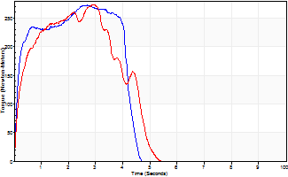
Isometric Extensors (Con) Angle 60 Time 10 Repetition 2 (Best Repetition)
 | Value | Cof Var | %BW
Peak Torque (Newton-Meters)
Right | 273 | 0.02 | 346
Left | 274 | 0.04 | 346
Deficit | 0
Average Torque (Newton-Meters)
Right | 102 | 0.04 | 128
Left | 99 | 0 | 125
Deficit | 3
Peak Torque Slope (Newton-Meters/Seconds)
Right | 101 | 0.16 | 128
Left | 93 | 0.07 | 118 |  | Right Side Curves Left Side Curves
Deficit | 8
Time to Half Peak Torque (Seconds)
Right | 0.12 | 0.17
Left | 0.2 | 0.35
Time to Peak Torque (Seconds)
Right | 2.97 | 0.14
Left | 2.98 | 0.02
HUMAC2015® Version: 15.000.0074 © Computer Sports Medicine, Inc. www.csmisolutions.com

post2
Use File, Preference to set Report Heading
Long Form Torque vs. Position Report - Knee Extension/Flexion
Name: |  |  |  | TR030_FP3047, | ID: | TR030 | Right/Left: | 01.12.2022 01.12.2022
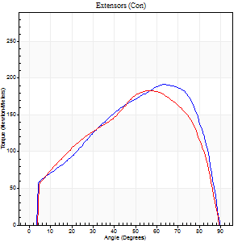
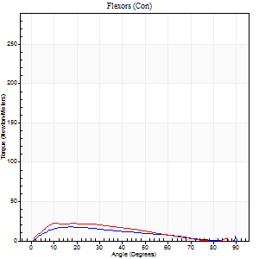
Right Side Curves Left Side Curves
Isokinetic Con/Con |  |  |  | Extensors (Con) |  | Flexors (Con)
Speed 60/60 d/s 3 Reps |  |  |  | Value | Cof Var | %BW | Value | Cof Var | %BW | Ratio

TORQUE PARAMETERS
Peak Torque (Newton-Meters - Best Repetition)
Right |  |  |  | 191 | 0.01 | 241 | 18 | 0.45 | 21 | 9
Left |  |  |  | 183 | 0.08 | 232 | 22 | 0.24 | 27 | 12
Deficit |  |  |  | 4 |  |  | 19
Work per Repetition (Newton-Meters - Best Repetition)
Right |  |  |  | 203 | 0.01 | 256 | 15 | 0.47 | 18 | 7
Left |  |  |  | 193 | 0.09 | 244 | 19 | 0.19 | 24 | 10
Deficit |  |  |  | 5 |  |  | 21
Average Power per Repetition (Watts - Best Repetition)
Right |  |  |  | 130 | 0.01 | 165 | 9 | 0.49 | 11 | 7
Left |  |  |  | 124 | 0.09 | 156 | 11 | 0.17 | 13 | 9
Deficit |  |  |  | 5 |  |  | 18
POSITION PARAMETERS
Joint Angle at Peak Torque (Degrees)
Right |  |  |  | 62 | 0.05 |  | 19 | 0.3
Left |  |  |  | 60 | 0.14 |  | 19 | 0.47
Range of Motion (Degrees)
Right |  |  |  | 0 | 2.83 |  | 90 | 0
Left |  |  |  | 0 | 4.24 |  | 90 | 0
TIME PARAMETERS
Time to Peak Torque (Seconds)
Right |  |  |  | 0.44 | 0.03 |  | 0.37 | 0.54
Left |  |  |  | 0.56 | 0.04 |  | 0.35 | 0.48
Time Peak Torque Held (Seconds)
Right |  |  |  | 0.07 | 0.35 |  | 0.03 | 1.42
Left |  |  |  | 0.05 | 0.12 |  | 0 | 0
Force Decay Time (Seconds)
Right |  |  |  | 1.01 | 0.07 |  | 1.2 | 0.09
Left |  |  |  | 1.01 | 0.15 |  | 1.25 | 0.18
Reciprocal Delay (Seconds)
Right |  |  |  | 0.2 | 0.54 |  | 0.29 | 0.42
Left |  |  |  | 0.22 | 0.36 |  | 0.27 | 0.19
Delay Time (Seconds)
Right |  |  |  | 0.01 | 1.41 |  | 0.03 | 1.86
Left |  |  |  | 0.02 | 0 |  | 0.01 | 1.73
HUMAC2015® Version: 15.000.0074 © Computer Sports Medicine, Inc. www.csmisolutions.com

Use File, Preference to set Report Heading
Long Form Torque vs. Position Report - Knee Extension/Flexion
Name: |  |  |  | TR030_FP3047, | ID: | TR030 | Right/Left: | 01.12.2022 01.12.2022
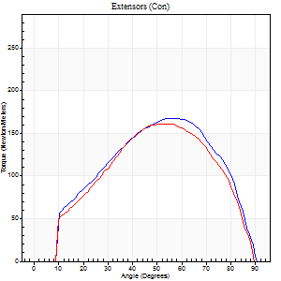

Right Side Curves Left Side Curves
Isokinetic Con/Con |  |  |  | Extensors (Con) |  | Flexors (Con)
Speed 120/120 d/s 3 Reps |  |  |  | Value | Cof Var | %BW | Value | Cof Var | %BW | Ratio

TORQUE PARAMETERS
Peak Torque (Newton-Meters - Best Repetition)
Right |  |  |  | 168 | 0.04 | 212 | 24 | 0.57 | 30 | 15
Left |  |  |  | 161 | 0.12 | 203 | 12 | 0.34 | 15 | 8
Deficit |  |  |  | 4 |  |  | 50
Work per Repetition (Newton-Meters - Best Repetition)
Right |  |  |  | 171 | 0.07 | 215 | 8 | 0.51 | 9 | 5
Left |  |  |  | 159 | 0.11 | 200 | 5 | 0.46 | 6 | 3
Deficit |  |  |  | 7 |  |  | 33
Average Power per Repetition (Watts - Best Repetition)
Right |  |  |  | 185 | 0.06 | 233 | 9 | 0.61 | 11 | 5
Left |  |  |  | 180 | 0.11 | 226 | 5 | 0.64 | 7 | 3
Deficit |  |  |  | 3 |  |  | 44
POSITION PARAMETERS
Joint Angle at Peak Torque (Degrees)
Right |  |  |  | 58 | 0.04 |  | 37 | 1.26
Left |  |  |  | 57 | 0.05 |  | 14 | 0.66
Range of Motion (Degrees)
Right |  |  |  | 0 | -1.41 |  | 90 | 0
Left |  |  |  | 0 | 2.83 |  | 90 | 0
TIME PARAMETERS
Time to Peak Torque (Seconds)
Right |  |  |  | 0.31 | 0.05 |  | 0.5 | 1.14
Left |  |  |  | 0.31 | 0.05 |  | 0.23 | 0.35
Time Peak Torque Held (Seconds)
Right |  |  |  | 0.03 | 0 |  | 0 | 0
Left |  |  |  | 0.05 | 0.47 |  | 0.01 | 1
Force Decay Time (Seconds)
Right |  |  |  | 0.58 | 0.04 |  | 0.53 | 1.09
Left |  |  |  | 0.52 | 0.14 |  | 1.27 | 0.53
Reciprocal Delay (Seconds)
Right |  |  |  | 0.24 | 0.21 |  | 0.4 | 0.31
Left |  |  |  | 0.33 | 0.06 |  | 0.27 | 0.57
Delay Time (Seconds)
Right |  |  |  | 0 | -1.41 |  | -0.02 | -0.69
Left |  |  |  | 0.01 | 1.41 |  | -0.03 | -0.33
HUMAC2015® Version: 15.000.0074 © Computer Sports Medicine, Inc. www.csmisolutions.com

Use File, Preference to set Report Heading
Long Form Torque vs. Position Report - Knee Extension/Flexion
Name: |  |  |  | TR030_FP3047, | ID: | TR030 | Right/Left: | 01.12.2022 01.12.2022
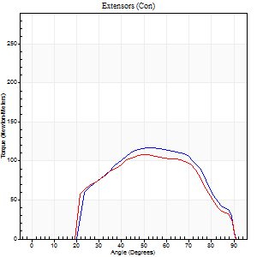
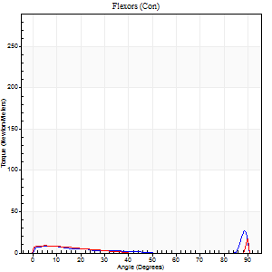
Right Side Curves Left Side Curves
Isokinetic Con/Con |  |  |  | Extensors (Con) |  | Flexors (Con)
Speed 240/240 d/s 3 Reps |  |  |  | Value | Cof Var | %BW | Value | Cof Var | %BW | Ratio

TORQUE PARAMETERS
Peak Torque (Newton-Meters - Best Repetition)
Right |  |  |  | 117 | 0.09 | 146 | 31 | 0.77 | 39 | 27
Left |  |  |  | 108 | 0.07 | 137 | 26 | 0.48 | 33 | 24
Deficit |  |  |  | 7 |  |  | 17
Work per Repetition (Newton-Meters - Best Repetition)
Right |  |  |  | 108 | 0.15 | 137 | 4 | 0.11 | 6 | 4
Left |  |  |  | 102 | 0.23 | 128 | 4 | 0.11 | 6 | 4
Deficit |  |  |  | 6 |  |  | 0
Average Power per Repetition (Watts - Best Repetition)
Right |  |  |  | 186 | 0.16 | 235 | 6 | 0.12 | 7 | 3
Left |  |  |  | 174 | 0.32 | 220 | 6 | 0.3 | 7 | 3
Deficit |  |  |  | 6 |  |  | 0
POSITION PARAMETERS
Joint Angle at Peak Torque (Degrees)
Right |  |  |  | 57 | 0.17 |  | 32 | 1.57
Left |  |  |  | 60 | 0.15 |  | 63 | 0.73
Range of Motion (Degrees)
Right |  |  |  | 0 | 0 |  | 90 | 0
Left |  |  |  | 0 | -0.71 |  | 90 | 0
TIME PARAMETERS
Time to Peak Torque (Seconds)
Right |  |  |  | 0.22 | 0.03 |  | 0.39 | 1.23
Left |  |  |  | 0.2 | 0.24 |  | 0.82 | 0.66
Time Peak Torque Held (Seconds)
Right |  |  |  | 0.01 | 0 |  | 0 | 1.73
Left |  |  |  | 0.01 | 0 |  | 0.02 | 0.69
Force Decay Time (Seconds)
Right |  |  |  | 0.36 | 0.14 |  | 0.41 | 1.18
Left |  |  |  | 0.43 | 0.25 |  | 0.05 | 7.11
Reciprocal Delay (Seconds)
Right |  |  |  | 0.35 | 0.32 |  | 0.48 | 0.41
Left |  |  |  | 0.45 | 0.22 |  | 0.33 | 0.32
Delay Time (Seconds)
Right |  |  |  | -0.01 | -0.47 |  | -0.03 | -0.57
Left |  |  |  | -0.01 | 0 |  | -0.04 | -0.5
HUMAC2015® Version: 15.000.0074 © Computer Sports Medicine, Inc. www.csmisolutions.com

Use File, Preference to set Report Heading
Isometric - Knee Extension/Flexion
Name: |  |  |  | TR030_FP3047, | ID: | TR030 | Right/Left: | 01.12.2022 01.12.2022

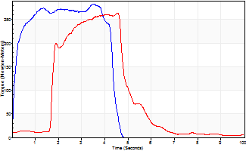
Isometric Extensors (Con) Angle 60 Time 10 Repetition 2 (Best Repetition)
 | Value | Cof Var | %BW
Peak Torque (Newton-Meters)
Right | 283 | 0.02 | 358
Left | 263 | 0.01 | 331
Deficit | 7
Average Torque (Newton-Meters)
Right | 111 | 0.01 | 140
Left | 114 | 0.19 | 143
Deficit | 2
Peak Torque Slope (Newton-Meters/Seconds)
Right | 159 | 0.47 | 201
Left | 76 | 0.19 | 95 |  | Right Side Curves Left Side Curves
Deficit | 52
Time to Half Peak Torque (Seconds)
Right | 0.12 | 0.17
Left | 0.95 | 1.19
Time to Peak Torque (Seconds)
Right | 2.62 | 0.48
Left | 3.97 | 0.2
HUMAC2015® Version: 15.000.0074 © Computer Sports Medicine, Inc. www.csmisolutions.com

