pre1
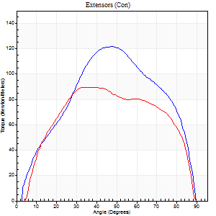
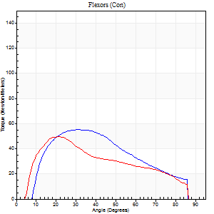
Use File, Preference to set Report Heading
Long Form Torque vs. Position Report - Knee Extension/Flexion
Name: |  |  |  | TR030_FP3048, | ID: | TR030 | Right/Left: | 29.09.2023 29.09.2023

Right Side Curves Left Side Curves
Isokinetic Con/Con |  |  |  | Extensors (Con) |  | Flexors (Con)
Speed 60/60 d/s 3 Reps |  |  |  | Value | Cof Var | %BW | Value | Cof Var | %BW | Ratio

TORQUE PARAMETERS
Peak Torque (Newton-Meters - Best Repetition)
Right |  |  |  | 122 | 0.06 | 173 | 56 | 0.53 | 80 | 46
Left |  |  |  | 89 | 0.05 | 128 | 50 | 0.02 | 72 | 56
Deficit |  |  |  | 27 |  |  | 10
Work per Repetition (Newton-Meters - Best Repetition)
Right |  |  |  | 123 | 0.06 | 176 | 54 | 0.54 | 77 | 44
Left |  |  |  | 100 | 0.1 | 143 | 50 | 0.07 | 72 | 50
Deficit |  |  |  | 19 |  |  | 8
Average Power per Repetition (Watts - Best Repetition)
Right |  |  |  | 81 | 0.03 | 116 | 36 | 0.54 | 51 | 44
Left |  |  |  | 69 | 0.06 | 99 | 36 | 0.07 | 51 | 52
Deficit |  |  |  | 15 |  |  | 0
POSITION PARAMETERS
Joint Angle at Peak Torque (Degrees)
Right |  |  |  | 46 | 0.06 |  | 20 | 0.49
Left |  |  |  | 48 | 0.29 |  | 26 | 0.38
Range of Motion (Degrees)
Right |  |  |  | 1 | 0.24 |  | 90 | 0
Left |  |  |  | 5 | 0.15 |  | 90 | 0.01
TIME PARAMETERS
Time to Peak Torque (Seconds)
Right |  |  |  | 0.71 | 0.02 |  | 0.32 | 0.33
Left |  |  |  | 0.68 | 0.5 |  | 0.31 | 0.26
Time Peak Torque Held (Seconds)
Right |  |  |  | 0.06 | 0.24 |  | 0.04 | 0.87
Left |  |  |  | 0.05 | 0.49 |  | 0.02 | 1.73
Force Decay Time (Seconds)
Right |  |  |  | 0.67 | 0.17 |  | 1.13 | 0.13
Left |  |  |  | 0.62 | 0.4 |  | 1.03 | 0.18
Reciprocal Delay (Seconds)
Right |  |  |  | 0.14 | 0.44 |  | 0.1 | 0.66
Left |  |  |  | 0.08 | 0.47 |  | 0.06 | 0.1
Delay Time (Seconds)
Right |  |  |  | 0.01 | 1.41 |  | -0.01 | -1
Left |  |  |  | 0.01 | 2.83 |  | 0 | -3.46
HUMAC2015® Version: 15.000.0074 © Computer Sports Medicine, Inc. www.csmisolutions.com

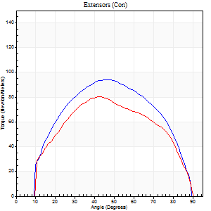
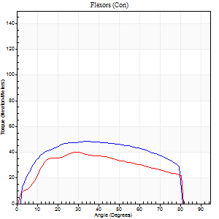
Use File, Preference to set Report Heading
Long Form Torque vs. Position Report - Knee Extension/Flexion
Name: |  |  |  | TR030_FP3048, | ID: | TR030 | Right/Left: | 29.09.2023 29.09.2023

Right Side Curves Left Side Curves
Isokinetic Con/Con |  |  |  | Extensors (Con) |  | Flexors (Con)
Speed 120/120 d/s 3 Reps |  |  |  | Value | Cof Var | %BW | Value | Cof Var | %BW | Ratio

TORQUE PARAMETERS
Peak Torque (Newton-Meters - Best Repetition)
Right |  |  |  | 95 | 0.05 | 134 | 49 | 0.13 | 69 | 51
Left |  |  |  | 80 | 0.22 | 113 | 41 | 0.13 | 57 | 51
Deficit |  |  |  | 16 |  |  | 17
Work per Repetition (Newton-Meters - Best Repetition)
Right |  |  |  | 98 | 0.03 | 140 | 56 | 0.12 | 80 | 57
Left |  |  |  | 81 | 0.25 | 116 | 42 | 0.13 | 60 | 52
Deficit |  |  |  | 17 |  |  | 24
Average Power per Repetition (Watts - Best Repetition)
Right |  |  |  | 120 | 0.31 | 171 | 69 | 0.12 | 99 | 58
Left |  |  |  | 99 | 0.26 | 141 | 50 | 0.16 | 70 | 51
Deficit |  |  |  | 18 |  |  | 28
POSITION PARAMETERS
Joint Angle at Peak Torque (Degrees)
Right |  |  |  | 43 | 0.06 |  | 32 | 0.17
Left |  |  |  | 43 | 0.06 |  | 30 | 0.02
Range of Motion (Degrees)
Right |  |  |  | 1 | 0.03 |  | 90 | 0
Left |  |  |  | 1 | 0.04 |  | 89 | 0.01
TIME PARAMETERS
Time to Peak Torque (Seconds)
Right |  |  |  | 0.41 | 0.02 |  | 0.29 | 0.14
Left |  |  |  | 0.43 | 0 |  | 0.3 | 0.04
Time Peak Torque Held (Seconds)
Right |  |  |  | 0.03 | 0.57 |  | 0.01 | 1
Left |  |  |  | 0.02 | 0.92 |  | 0.02 | 0.92
Force Decay Time (Seconds)
Right |  |  |  | 0.35 | 0.06 |  | 0.49 | 0.11
Left |  |  |  | 0.36 | 0.02 |  | 0.51 | 0.1
Reciprocal Delay (Seconds)
Right |  |  |  | 0.06 | 0.11 |  | 0.05 | 0.12
Left |  |  |  | 0.1 | 0 |  | 0.06 | 0.09
Delay Time (Seconds)
Right |  |  |  | 0 | 0 |  | 0 | -1.73
Left |  |  |  | -0.01 | 0 |  | -0.01 | -0.43
HUMAC2015® Version: 15.000.0074 © Computer Sports Medicine, Inc. www.csmisolutions.com

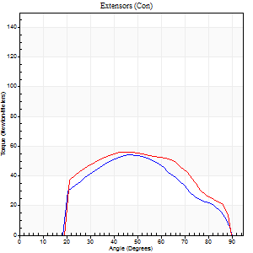
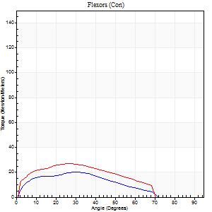
Use File, Preference to set Report Heading
Long Form Torque vs. Position Report - Knee Extension/Flexion
Name: |  |  |  | TR030_FP3048, | ID: | TR030 | Right/Left: | 29.09.2023 29.09.2023

Right Side Curves Left Side Curves
Isokinetic Con/Con |  |  |  | Extensors (Con) |  | Flexors (Con)
Speed 240/240 d/s 3 Reps |  |  |  | Value | Cof Var | %BW | Value | Cof Var | %BW | Ratio

TORQUE PARAMETERS
Peak Torque (Newton-Meters - Best Repetition)
Right |  |  |  | 54 | 0.36 | 77 | 20 | 0.43 | 30 | 38
Left |  |  |  | 56 | 0.15 | 80 | 27 | 0.09 | 39 | 49
Deficit |  |  |  | 2 |  |  | 25
Work per Repetition (Newton-Meters - Best Repetition)
Right |  |  |  | 47 | 0.34 | 69 | 16 | 0.56 | 24 | 34
Left |  |  |  | 53 | 0.13 | 75 | 24 | 0.06 | 36 | 46
Deficit |  |  |  | 10 |  |  | 33
Average Power per Repetition (Watts - Best Repetition)
Right |  |  |  | 81 | 0.35 | 116 | 30 | 0.58 | 42 | 37
Left |  |  |  | 105 | 0.16 | 149 | 45 | 0.08 | 64 | 43
Deficit |  |  |  | 23 |  |  | 33
POSITION PARAMETERS
Joint Angle at Peak Torque (Degrees)
Right |  |  |  | 49 | 0.12 |  | 18 | 0.54
Left |  |  |  | 49 | 0.07 |  | 30 | 0.15
Range of Motion (Degrees)
Right |  |  |  | 2 | 0.08 |  | 90 | 0
Left |  |  |  | 1 | 0.19 |  | 89 | 0.01
TIME PARAMETERS
Time to Peak Torque (Seconds)
Right |  |  |  | 0.37 | 0.14 |  | 0.17 | 0.26
Left |  |  |  | 0.26 | 0 |  | 0.24 | 0.17
Time Peak Torque Held (Seconds)
Right |  |  |  | 0.01 | 1 |  | 0.01 | 0.87
Left |  |  |  | 0.02 | 0.69 |  | 0.01 | 1
Force Decay Time (Seconds)
Right |  |  |  | 0.24 | 0.13 |  | 0.38 | 0.16
Left |  |  |  | 0.24 | 0.04 |  | 0.29 | 0.07
Reciprocal Delay (Seconds)
Right |  |  |  | 0.09 | 0.22 |  | 0.06 | 0.1
Left |  |  |  | 0.08 | 0.28 |  | 0.07 | 0.17
Delay Time (Seconds)
Right |  |  |  | -0.06 | -0.24 |  | -0.02 | -0.35
Left |  |  |  | -0.02 | 0 |  | -0.03 | 0
HUMAC2015® Version: 15.000.0074 © Computer Sports Medicine, Inc. www.csmisolutions.com

Use File, Preference to set Report Heading
Isometric - Knee Extension/Flexion
Name: |  |  |  | TR030_FP3048, | ID: | TR030 | Right/Left: | 29.09.2023 29.09.2023

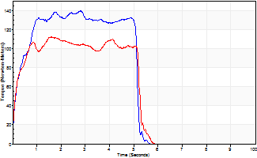
Isometric Extensors (Con) Angle 60 Time 10 Repetition 2 (Best Repetition)
 | Value | Cof Var | %BW
Peak Torque (Newton-Meters)
Right | 140 | 0.02 | 200
Left | 113 | 0.02 | 161
Deficit | 19
Average Torque (Newton-Meters)
Right | 75 | 0.12 | 107
Left | 53 | 0.02 | 75
Deficit | 29
Peak Torque Slope (Newton-Meters/Seconds)
Right | 73 | 0.27 | 104
Left | 70 | 0.35 | 100 |  | Right Side Curves Left Side Curves
Deficit | 4
Time to Half Peak Torque (Seconds)
Right | 0.24 | 0.06
Left | 0.07 | 1.41
Time to Peak Torque (Seconds)
Right | 2.32 | 0.29
Left | 2.08 | 0.33
HUMAC2015® Version: 15.000.0074 © Computer Sports Medicine, Inc. www.csmisolutions.com

pre2
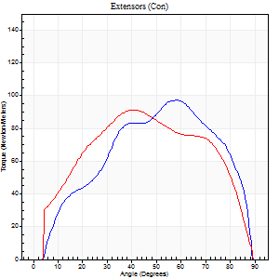
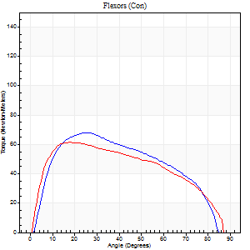
Use File, Preference to set Report Heading
Long Form Torque vs. Position Report - Knee Extension/Flexion
Name: |  |  |  | TR030_FP3048, | ID: | TR030 | Right/Left: | 04.10.2023 04.10.2023

Right Side Curves Left Side Curves
Isokinetic Con/Con |  |  |  | Extensors (Con) |  | Flexors (Con)
Speed 60/60 d/s 3 Reps |  |  |  | Value | Cof Var | %BW | Value | Cof Var | %BW | Ratio

TORQUE PARAMETERS
Peak Torque (Newton-Meters - Best Repetition)
Right |  |  |  | 98 | 0.2 | 140 | 68 | 0.07 | 95 | 69
Left |  |  |  | 91 | 0.13 | 131 | 61 | 0.11 | 86 | 67
Deficit |  |  |  | 7 |  |  | 10
Work per Repetition (Newton-Meters - Best Repetition)
Right |  |  |  | 96 | 0.19 | 137 | 71 | 0.02 | 101 | 73
Left |  |  |  | 99 | 0.07 | 140 | 68 | 0.12 | 95 | 68
Deficit |  |  |  | 3 |  |  | 4
Average Power per Repetition (Watts - Best Repetition)
Right |  |  |  | 66 | 0.18 | 95 | 50 | 0.06 | 70 | 76
Left |  |  |  | 64 | 0.05 | 92 | 45 | 0.12 | 64 | 70
Deficit |  |  |  | 3 |  |  | 10
POSITION PARAMETERS
Joint Angle at Peak Torque (Degrees)
Right |  |  |  | 47 | 0.28 |  | 24 | 0.2
Left |  |  |  | 55 | 0.27 |  | 20 | 0.14
Range of Motion (Degrees)
Right |  |  |  | 3 | 0.8 |  | 88 | 0.04
Left |  |  |  | 0 | 0.76 |  | 90 | 0.01
TIME PARAMETERS
Time to Peak Torque (Seconds)
Right |  |  |  | 0.56 | 0.06 |  | 0.38 | 0.26
Left |  |  |  | 0.59 | 0.6 |  | 0.35 | 0.13
Time Peak Torque Held (Seconds)
Right |  |  |  | 0.03 | 0.58 |  | 0.05 | 0.22
Left |  |  |  | 0.05 | 0.25 |  | 0.07 | 0.38
Force Decay Time (Seconds)
Right |  |  |  | 0.74 | 0.24 |  | 1.01 | 0.07
Left |  |  |  | 0.89 | 0.26 |  | 1.08 | 0.02
Reciprocal Delay (Seconds)
Right |  |  |  | 0.06 | 0.24 |  | 0.07 | 0.57
Left |  |  |  | 0.09 | 0.67 |  | 0.13 | 0.35
Delay Time (Seconds)
Right |  |  |  | 0 | -1.41 |  | 0 | 6.93
Left |  |  |  | 0 | 0 |  | 0.01 | 0
HUMAC2015® Version: 15.000.0074 © Computer Sports Medicine, Inc. www.csmisolutions.com

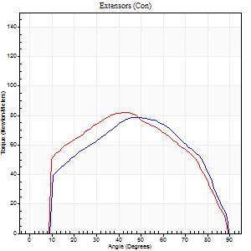
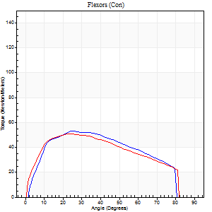
Use File, Preference to set Report Heading
Long Form Torque vs. Position Report - Knee Extension/Flexion
Name: |  |  |  | TR030_FP3048, | ID: | TR030 | Right/Left: | 04.10.2023 04.10.2023

Right Side Curves Left Side Curves
Isokinetic Con/Con |  |  |  | Extensors (Con) |  | Flexors (Con)
Speed 120/120 d/s 3 Reps |  |  |  | Value | Cof Var | %BW | Value | Cof Var | %BW | Ratio

TORQUE PARAMETERS
Peak Torque (Newton-Meters - Best Repetition)
Right |  |  |  | 79 | 0.07 | 113 | 53 | 0.28 | 75 | 67
Left |  |  |  | 83 | 0.34 | 119 | 52 | 0.04 | 75 | 62
Deficit |  |  |  | 5 |  |  | 3
Work per Repetition (Newton-Meters - Best Repetition)
Right |  |  |  | 83 | 0.12 | 119 | 56 | 0.36 | 80 | 67
Left |  |  |  | 87 | 0.28 | 125 | 54 | 0.04 | 77 | 62
Deficit |  |  |  | 5 |  |  | 2
Average Power per Repetition (Watts - Best Repetition)
Right |  |  |  | 101 | 0.15 | 145 | 66 | 0.33 | 95 | 65
Left |  |  |  | 99 | 0.28 | 141 | 66 | 0.03 | 95 | 67
Deficit |  |  |  | 2 |  |  | 0
POSITION PARAMETERS
Joint Angle at Peak Torque (Degrees)
Right |  |  |  | 49 | 0.14 |  | 20 | 0.21
Left |  |  |  | 50 | 0.25 |  | 23 | 0
Range of Motion (Degrees)
Right |  |  |  | 1 | 0.14 |  | 90 | 0
Left |  |  |  | 0 | 0.4 |  | 90 | 0.01
TIME PARAMETERS
Time to Peak Torque (Seconds)
Right |  |  |  | 0.35 | 0.14 |  | 0.19 | 0.26
Left |  |  |  | 0.43 | 0 |  | 0.23 | 0.02
Time Peak Torque Held (Seconds)
Right |  |  |  | 0.02 | 0 |  | 0.03 | 0.94
Left |  |  |  | 0.14 | 1.43 |  | 0.02 | 0
Force Decay Time (Seconds)
Right |  |  |  | 0.41 | 0.12 |  | 0.59 | 0.05
Left |  |  |  | 0.33 | 0.29 |  | 0.56 | 0.02
Reciprocal Delay (Seconds)
Right |  |  |  | 0.08 | 0.09 |  | 0.08 | 0.33
Left |  |  |  | 0.12 | 0 |  | 0.12 | 0.09
Delay Time (Seconds)
Right |  |  |  | 0 | -1.41 |  | 0.01 | 0.43
Left |  |  |  | 0 | -1.41 |  | -0.01 | -0.87
HUMAC2015® Version: 15.000.0074 © Computer Sports Medicine, Inc. www.csmisolutions.com

Use File, Preference to set Report Heading
Long Form Torque vs. Position Report - Knee Extension/Flexion
Name: |  |  |  | TR030_FP3048, | ID: | TR030 | Right/Left: | 04.10.2023 04.10.2023

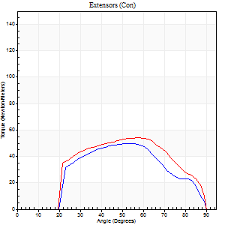
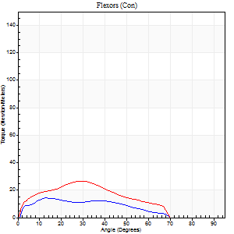
Right Side Curves Left Side Curves
Isokinetic Con/Con |  |  |  | Extensors (Con) |  | Flexors (Con)
Speed 240/240 d/s 3 Reps |  |  |  | Value | Cof Var | %BW | Value | Cof Var | %BW | Ratio

TORQUE PARAMETERS
Peak Torque (Newton-Meters - Best Repetition)
Right |  |  |  | 50 | 0.27 | 72 | 14 | 0.21 | 18 | 27
Left |  |  |  | 54 | 0.35 | 77 | 27 | 0.01 | 39 | 50
Deficit |  |  |  | 8 |  |  | 50
Work per Repetition (Newton-Meters - Best Repetition)
Right |  |  |  | 50 | 0.3 | 72 | 12 | 0.29 | 18 | 24
Left |  |  |  | 54 | 0.41 | 77 | 24 | 0.07 | 36 | 45
Deficit |  |  |  | 8 |  |  | 50
Average Power per Repetition (Watts - Best Repetition)
Right |  |  |  | 89 | 0.3 | 127 | 19 | 0.27 | 26 | 21
Left |  |  |  | 98 | 0.45 | 141 | 43 | 0.12 | 62 | 44
Deficit |  |  |  | 9 |  |  | 56
POSITION PARAMETERS
Joint Angle at Peak Torque (Degrees)
Right |  |  |  | 56 | 0.1 |  | 24 | 0.84
Left |  |  |  | 57 | 0.04 |  | 32 | 0.06
Range of Motion (Degrees)
Right |  |  |  | 1 | 0.28 |  | 90 | 0
Left |  |  |  | 1 | 0.22 |  | 90 | 0
TIME PARAMETERS
Time to Peak Torque (Seconds)
Right |  |  |  | 0.25 | 0.08 |  | 0.22 | 0.44
Left |  |  |  | 0.24 | 0.06 |  | 0.29 | 0.05
Time Peak Torque Held (Seconds)
Right |  |  |  | 0.01 | 0 |  | 0 | 0
Left |  |  |  | 0.04 | 1.03 |  | 0 | 1.73
Force Decay Time (Seconds)
Right |  |  |  | 0.27 | 0.09 |  | 0.36 | 0.27
Left |  |  |  | 0.27 | 0.2 |  | 0.31 | 0.15
Reciprocal Delay (Seconds)
Right |  |  |  | 0.12 | 0.51 |  | 0.07 | 0.55
Left |  |  |  | 0.12 | 0.12 |  | 0.1 | 0.12
Delay Time (Seconds)
Right |  |  |  | -0.04 | -0.47 |  | -0.01 | -0.87
Left |  |  |  | -0.04 | -0.2 |  | -0.04 | -0.16
HUMAC2015® Version: 15.000.0074 © Computer Sports Medicine, Inc. www.csmisolutions.com

Use File, Preference to set Report Heading
Isometric - Knee Extension/Flexion
Name: |  |  |  | TR030_FP3048, | ID: | TR030 | Right/Left: | 04.10.2023 04.10.2023

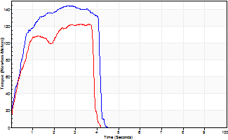
Isometric Extensors (Con) Angle 60 Time 10 Repetition 2 (Best Repetition)
 | Value | Cof Var | %BW
Peak Torque (Newton-Meters)
Right | 144 | 0.03 | 206
Left | 122 | 0.01 | 173
Deficit | 15
Average Torque (Newton-Meters)
Right | 57 | 0.08 | 80
Left | 39 | 0.02 | 57
Deficit | 31
Peak Torque Slope (Newton-Meters/Seconds)
Right | 54 | 0.28 | 77
Left | 71 | 0.5 | 101 |  | Right Side Curves Left Side Curves
Deficit | 24
Time to Half Peak Torque (Seconds)
Right | 0.4 | 0.13
Left | 0.42 | 0.07
Time to Peak Torque (Seconds)
Right | 3.26 | 0.25
Left | 2.65 | 0.51
HUMAC2015® Version: 15.000.0074 © Computer Sports Medicine, Inc. www.csmisolutions.com

mid1
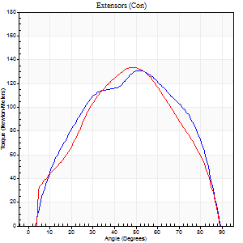
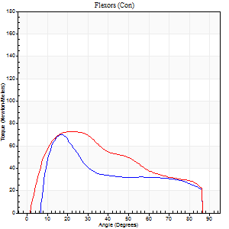
Use File, Preference to set Report Heading
Long Form Torque vs. Position Report - Knee Extension/Flexion
Name: |  |  |  | TR030_FP3048, | ID: | TR030 | Right/Left: | 07.11.2023 07.11.2023

Right Side Curves Left Side Curves
Isokinetic Con/Con |  |  |  | Extensors (Con) |  | Flexors (Con)
Speed 60/60 d/s 3 Reps |  |  |  | Value | Cof Var | %BW | Value | Cof Var | %BW | Ratio

TORQUE PARAMETERS
Peak Torque (Newton-Meters - Best Repetition)
Right |  |  |  | 130 | 0.05 | 185 | 71 | 0.25 | 101 | 54
Left |  |  |  | 133 | 0.04 | 191 | 73 | 0.24 | 104 | 55
Deficit |  |  |  | 2 |  |  | 4
Work per Repetition (Newton-Meters - Best Repetition)
Right |  |  |  | 136 | 0.05 | 194 | 54 | 0.15 | 77 | 40
Left |  |  |  | 130 | 0.04 | 185 | 71 | 0.21 | 101 | 54
Deficit |  |  |  | 4 |  |  | 23
Average Power per Repetition (Watts - Best Repetition)
Right |  |  |  | 93 | 0.05 | 132 | 37 | 0.16 | 53 | 40
Left |  |  |  | 85 | 0.03 | 121 | 47 | 0.21 | 68 | 55
Deficit |  |  |  | 9 |  |  | 21
POSITION PARAMETERS
Joint Angle at Peak Torque (Degrees)
Right |  |  |  | 54 | 0.07 |  | 20 | 0.24
Left |  |  |  | 48 | 0.04 |  | 20 | 0.14
Range of Motion (Degrees)
Right |  |  |  | 2 | 0.91 |  | 90 | 0.01
Left |  |  |  | 0 | 0 |  | 90 | 0
TIME PARAMETERS
Time to Peak Torque (Seconds)
Right |  |  |  | 0.62 | 0.05 |  | 0.29 | 0.34
Left |  |  |  | 0.66 | 0.05 |  | 0.33 | 0.1
Time Peak Torque Held (Seconds)
Right |  |  |  | 0.04 | 0.16 |  | 0.02 | 1.25
Left |  |  |  | 0.05 | 0.29 |  | 0.01 | 0.87
Force Decay Time (Seconds)
Right |  |  |  | 0.83 | 0.05 |  | 1.14 | 0.07
Left |  |  |  | 0.74 | 0.07 |  | 1.15 | 0.04
Reciprocal Delay (Seconds)
Right |  |  |  | 0.08 | 0.53 |  | 0.06 | 0.36
Left |  |  |  | 0.09 | 0.31 |  | 0.1 | 0.36
Delay Time (Seconds)
Right |  |  |  | 0.01 | 0 |  | 0.02 | 1.73
Left |  |  |  | 0.02 | 0.28 |  | 0 | -6.24
HUMAC2015® Version: 15.000.0074 © Computer Sports Medicine, Inc. www.csmisolutions.com

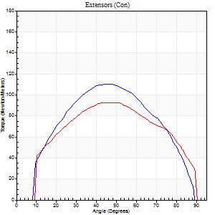
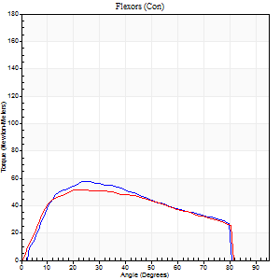
Use File, Preference to set Report Heading
Long Form Torque vs. Position Report - Knee Extension/Flexion
Name: |  |  |  | TR030_FP3048, | ID: | TR030 | Right/Left: | 07.11.2023 07.11.2023

Right Side Curves Left Side Curves
Isokinetic Con/Con |  |  |  | Extensors (Con) |  | Flexors (Con)
Speed 120/120 d/s 3 Reps |  |  |  | Value | Cof Var | %BW | Value | Cof Var | %BW | Ratio

TORQUE PARAMETERS
Peak Torque (Newton-Meters - Best Repetition)
Right |  |  |  | 110 | 0.14 | 158 | 57 | 0.14 | 80 | 52
Left |  |  |  | 92 | 0.22 | 131 | 52 | 0.1 | 75 | 56
Deficit |  |  |  | 16 |  |  | 10
Work per Repetition (Newton-Meters - Best Repetition)
Right |  |  |  | 111 | 0.11 | 158 | 58 | 0.15 | 83 | 52
Left |  |  |  | 100 | 0.18 | 143 | 56 | 0.15 | 80 | 55
Deficit |  |  |  | 10 |  |  | 5
Average Power per Repetition (Watts - Best Repetition)
Right |  |  |  | 139 | 0.13 | 198 | 72 | 0.13 | 103 | 52
Left |  |  |  | 113 | 0.18 | 160 | 65 | 0.12 | 92 | 58
Deficit |  |  |  | 19 |  |  | 10
POSITION PARAMETERS
Joint Angle at Peak Torque (Degrees)
Right |  |  |  | 47 | 0.04 |  | 28 | 0.1
Left |  |  |  | 50 | 0.16 |  | 24 | 0.09
Range of Motion (Degrees)
Right |  |  |  | 1 | 0.03 |  | 90 | 0.01
Left |  |  |  | 1 | 0.3 |  | 90 | 0
TIME PARAMETERS
Time to Peak Torque (Seconds)
Right |  |  |  | 0.38 | 0.04 |  | 0.25 | 0.12
Left |  |  |  | 0.43 | 0 |  | 0.26 | 0.1
Time Peak Torque Held (Seconds)
Right |  |  |  | 0.03 | 0.33 |  | 0.01 | 1.15
Left |  |  |  | 0.03 | 0.75 |  | 0.02 | 0.89
Force Decay Time (Seconds)
Right |  |  |  | 0.38 | 0.07 |  | 0.53 | 0.12
Left |  |  |  | 0.42 | 0.2 |  | 0.55 | 0.07
Reciprocal Delay (Seconds)
Right |  |  |  | 0.08 | 0.28 |  | 0.06 | 0.09
Left |  |  |  | 0.15 | 0.05 |  | 0.09 | 0
Delay Time (Seconds)
Right |  |  |  | 0 | -1.41 |  | 0.01 | 0.87
Left |  |  |  | -0.03 | -0.94 |  | -0.01 | -0.43
HUMAC2015® Version: 15.000.0074 © Computer Sports Medicine, Inc. www.csmisolutions.com

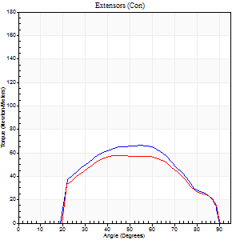
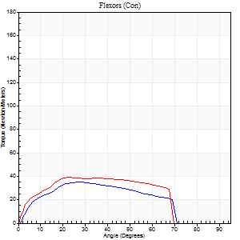
Use File, Preference to set Report Heading
Long Form Torque vs. Position Report - Knee Extension/Flexion
Name: |  |  |  | TR030_FP3048, | ID: | TR030 | Right/Left: | 07.11.2023 07.11.2023

Right Side Curves Left Side Curves
Isokinetic Con/Con |  |  |  | Extensors (Con) |  | Flexors (Con)
Speed 240/240 d/s 3 Reps |  |  |  | Value | Cof Var | %BW | Value | Cof Var | %BW | Ratio

TORQUE PARAMETERS
Peak Torque (Newton-Meters - Best Repetition)
Right |  |  |  | 66 | 0.12 | 95 | 35 | 0.07 | 51 | 53
Left |  |  |  | 57 | 0.14 | 80 | 39 | 0.13 | 57 | 69
Deficit |  |  |  | 14 |  |  | 10
Work per Repetition (Newton-Meters - Best Repetition)
Right |  |  |  | 61 | 0.12 | 86 | 33 | 0.08 | 48 | 53
Left |  |  |  | 54 | 0.18 | 77 | 39 | 0.16 | 57 | 72
Deficit |  |  |  | 11 |  |  | 17
Average Power per Repetition (Watts - Best Repetition)
Right |  |  |  | 122 | 0.18 | 174 | 61 | 0.08 | 88 | 50
Left |  |  |  | 105 | 0.21 | 149 | 67 | 0.13 | 97 | 64
Deficit |  |  |  | 14 |  |  | 9
POSITION PARAMETERS
Joint Angle at Peak Torque (Degrees)
Right |  |  |  | 55 | 0.02 |  | 26 | 0.05
Left |  |  |  | 55 | 0.15 |  | 26 | 0.11
Range of Motion (Degrees)
Right |  |  |  | 2 | 0.05 |  | 90 | 0.01
Left |  |  |  | 1 | 0.16 |  | 90 | 0
TIME PARAMETERS
Time to Peak Torque (Seconds)
Right |  |  |  | 0.22 | 0.03 |  | 0.19 | 0.06
Left |  |  |  | 0.23 | 0.15 |  | 0.23 | 0.09
Time Peak Torque Held (Seconds)
Right |  |  |  | 0.01 | 0.87 |  | 0.01 | 0.87
Left |  |  |  | 0 | 1.73 |  | 0 | 1.73
Force Decay Time (Seconds)
Right |  |  |  | 0.26 | 0.06 |  | 0.31 | 0.08
Left |  |  |  | 0.29 | 0.14 |  | 0.32 | 0.2
Reciprocal Delay (Seconds)
Right |  |  |  | 0.06 | 0.24 |  | 0.06 | 0.2
Left |  |  |  | 0.09 | 0.07 |  | 0.08 | 0.2
Delay Time (Seconds)
Right |  |  |  | -0.02 | 0 |  | -0.02 | 0
Left |  |  |  | -0.01 | -0.47 |  | -0.04 | -0.16
HUMAC2015® Version: 15.000.0074 © Computer Sports Medicine, Inc. www.csmisolutions.com

Use File, Preference to set Report Heading
Isometric - Knee Extension/Flexion
Name: |  |  |  | TR030_FP3048, | ID: | TR030 | Right/Left: | 07.11.2023 07.11.2023

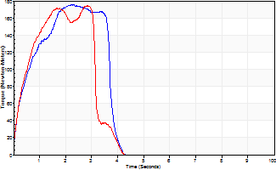
Isometric Extensors (Con) Angle 60 Time 10 Repetition 2 (Best Repetition)
 | Value | Cof Var | %BW
Peak Torque (Newton-Meters)
Right | 176 | 0.02 | 250
Left | 175 | 0.05 | 250
Deficit | 1
Average Torque (Newton-Meters)
Right | 58 | 0.07 | 83
Left | 47 | 0.03 | 69
Deficit | 19
Peak Torque Slope (Newton-Meters/Seconds)
Right | 79 | 0.28 | 113
Left | 62 | 0.01 | 88 |  | Right Side Curves Left Side Curves
Deficit | 21
Time to Half Peak Torque (Seconds)
Right | 0.44 | 0.05
Left | 0.38 | 0.09
Time to Peak Torque (Seconds)
Right | 2.72 | 0.26
Left | 2.72 | 0.06
HUMAC2015® Version: 15.000.0074 © Computer Sports Medicine, Inc. www.csmisolutions.com

mid2
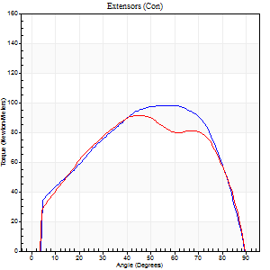
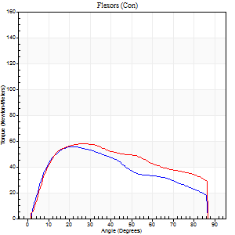
Use File, Preference to set Report Heading
Long Form Torque vs. Position Report - Knee Extension/Flexion
Name: |  |  |  | TR030_FP3048, | ID: | TR030 | Right/Left: | 09.11.2023 09.11.2023

Right Side Curves Left Side Curves
Isokinetic Con/Con |  |  |  | Extensors (Con) |  | Flexors (Con)
Speed 60/60 d/s 3 Reps |  |  |  | Value | Cof Var | %BW | Value | Cof Var | %BW | Ratio

TORQUE PARAMETERS
Peak Torque (Newton-Meters - Best Repetition)
Right |  |  |  | 98 | 0.12 | 140 | 56 | 0.22 | 80 | 57
Left |  |  |  | 91 | 0.08 | 131 | 58 | 0.13 | 83 | 64
Deficit |  |  |  | 7 |  |  | 5
Work per Repetition (Newton-Meters - Best Repetition)
Right |  |  |  | 107 | 0.1 | 152 | 60 | 0.14 | 86 | 56
Left |  |  |  | 102 | 0.07 | 146 | 65 | 0.18 | 92 | 64
Deficit |  |  |  | 5 |  |  | 8
Average Power per Repetition (Watts - Best Repetition)
Right |  |  |  | 71 | 0.11 | 101 | 39 | 0.11 | 55 | 55
Left |  |  |  | 66 | 0.07 | 95 | 42 | 0.16 | 59 | 64
Deficit |  |  |  | 7 |  |  | 7
POSITION PARAMETERS
Joint Angle at Peak Torque (Degrees)
Right |  |  |  | 53 | 0.09 |  | 22 | 0.1
Left |  |  |  | 48 | 0.08 |  | 22 | 0.23
Range of Motion (Degrees)
Right |  |  |  | 1 | 0.47 |  | 90 | 0
Left |  |  |  | 0 | 0.09 |  | 90 | 0
TIME PARAMETERS
Time to Peak Torque (Seconds)
Right |  |  |  | 0.61 | 0.18 |  | 0.34 | 0.11
Left |  |  |  | 0.69 | 0.15 |  | 0.36 | 0.24
Time Peak Torque Held (Seconds)
Right |  |  |  | 0.07 | 0.91 |  | 0.14 | 1.01
Left |  |  |  | 0.05 | 0.2 |  | 0 | 1.73
Force Decay Time (Seconds)
Right |  |  |  | 0.81 | 0.02 |  | 0.99 | 0.23
Left |  |  |  | 0.75 | 0.1 |  | 1.14 | 0.05
Reciprocal Delay (Seconds)
Right |  |  |  | 0.11 | 0.13 |  | 0.08 | 0.48
Left |  |  |  | 0.12 | 0.4 |  | 0.1 | 0.36
Delay Time (Seconds)
Right |  |  |  | 0 | 1.41 |  | 0.03 | 0.22
Left |  |  |  | 0.02 | 0.71 |  | 0.01 | 1
HUMAC2015® Version: 15.000.0074 © Computer Sports Medicine, Inc. www.csmisolutions.com

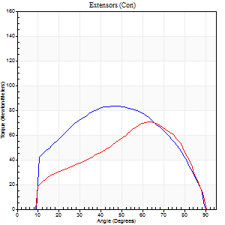
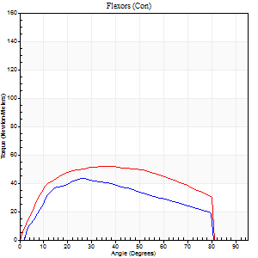
Use File, Preference to set Report Heading
Long Form Torque vs. Position Report - Knee Extension/Flexion
Name: |  |  |  | TR030_FP3048, | ID: | TR030 | Right/Left: | 09.11.2023 09.11.2023

Right Side Curves Left Side Curves
Isokinetic Con/Con |  |  |  | Extensors (Con) |  | Flexors (Con)
Speed 120/120 d/s 3 Reps |  |  |  | Value | Cof Var | %BW | Value | Cof Var | %BW | Ratio

TORQUE PARAMETERS
Peak Torque (Newton-Meters - Best Repetition)
Right |  |  |  | 83 | 0.2 | 119 | 43 | 0.07 | 63 | 52
Left |  |  |  | 71 | 0.15 | 101 | 52 | 0.14 | 75 | 73
Deficit |  |  |  | 15 |  |  | 16
Work per Repetition (Newton-Meters - Best Repetition)
Right |  |  |  | 88 | 0.18 | 125 | 43 | 0.02 | 63 | 49
Left |  |  |  | 79 | 0.16 | 113 | 60 | 0.16 | 86 | 76
Deficit |  |  |  | 11 |  |  | 27
Average Power per Repetition (Watts - Best Repetition)
Right |  |  |  | 109 | 0.21 | 156 | 55 | 0.04 | 79 | 50
Left |  |  |  | 93 | 0.2 | 132 | 68 | 0.14 | 97 | 73
Deficit |  |  |  | 15 |  |  | 19
POSITION PARAMETERS
Joint Angle at Peak Torque (Degrees)
Right |  |  |  | 46 | 0.35 |  | 28 | 0.16
Left |  |  |  | 51 | 0.21 |  | 31 | 0.16
Range of Motion (Degrees)
Right |  |  |  | 1 | 0.07 |  | 90 | 0.01
Left |  |  |  | 1 | 0.12 |  | 90 | 0
TIME PARAMETERS
Time to Peak Torque (Seconds)
Right |  |  |  | 0.34 | 0.25 |  | 0.26 | 0.12
Left |  |  |  | 0.33 | 0.23 |  | 0.32 | 0.14
Time Peak Torque Held (Seconds)
Right |  |  |  | 0.02 | 1.25 |  | 0.03 | 0.78
Left |  |  |  | 0.03 | 0.62 |  | 0.08 | 0.27
Force Decay Time (Seconds)
Right |  |  |  | 0.38 | 0.36 |  | 0.51 | 0.09
Left |  |  |  | 0.43 | 0.22 |  | 0.45 | 0.17
Reciprocal Delay (Seconds)
Right |  |  |  | 0.07 | 0.2 |  | 0.1 | 0.06
Left |  |  |  | 0.11 | 0.13 |  | 0.11 | 0.09
Delay Time (Seconds)
Right |  |  |  | -0.01 | 0 |  | 0.02 | 0
Left |  |  |  | -0.01 | -0.47 |  | -0.02 | -0.35
HUMAC2015® Version: 15.000.0074 © Computer Sports Medicine, Inc. www.csmisolutions.com

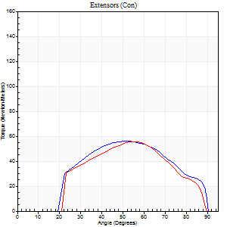
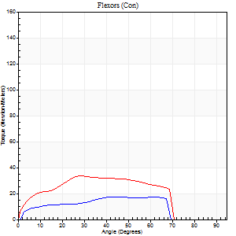
Use File, Preference to set Report Heading
Long Form Torque vs. Position Report - Knee Extension/Flexion
Name: |  |  |  | TR030_FP3048, | ID: | TR030 | Right/Left: | 09.11.2023 09.11.2023

Right Side Curves Left Side Curves
Isokinetic Con/Con |  |  |  | Extensors (Con) |  | Flexors (Con)
Speed 240/240 d/s 3 Reps |  |  |  | Value | Cof Var | %BW | Value | Cof Var | %BW | Ratio

TORQUE PARAMETERS
Peak Torque (Newton-Meters - Best Repetition)
Right |  |  |  | 56 | 0.18 | 80 | 18 | 0.05 | 24 | 32
Left |  |  |  | 56 | 0.29 | 80 | 34 | 0.24 | 48 | 61
Deficit |  |  |  | 0 |  |  | 48
Work per Repetition (Newton-Meters - Best Repetition)
Right |  |  |  | 54 | 0.23 | 77 | 16 | 0.02 | 24 | 30
Left |  |  |  | 49 | 0.32 | 69 | 33 | 0.28 | 48 | 67
Deficit |  |  |  | 10 |  |  | 50
Average Power per Repetition (Watts - Best Repetition)
Right |  |  |  | 102 | 0.3 | 145 | 30 | 0.04 | 42 | 29
Left |  |  |  | 92 | 0.37 | 132 | 54 | 0.26 | 77 | 59
Deficit |  |  |  | 10 |  |  | 44
POSITION PARAMETERS
Joint Angle at Peak Torque (Degrees)
Right |  |  |  | 52 | 0.06 |  | 43 | 0.01
Left |  |  |  | 59 | 0.05 |  | 38 | 0.3
Range of Motion (Degrees)
Right |  |  |  | 2 | 0.08 |  | 90 | 0
Left |  |  |  | 1 | 0.16 |  | 90 | 0.01
TIME PARAMETERS
Time to Peak Torque (Seconds)
Right |  |  |  | 0.25 | 0 |  | 0.3 | 0.04
Left |  |  |  | 0.22 | 0.03 |  | 0.31 | 0.19
Time Peak Torque Held (Seconds)
Right |  |  |  | 0.02 | 0.92 |  | 0.04 | 0.87
Left |  |  |  | 0.01 | 0.87 |  | 0.02 | 0.87
Force Decay Time (Seconds)
Right |  |  |  | 0.24 | 0.04 |  | 0.23 | 0.3
Left |  |  |  | 0.31 | 0.08 |  | 0.25 | 0.33
Reciprocal Delay (Seconds)
Right |  |  |  | 0.08 | 0 |  | 0.05 | 0.11
Left |  |  |  | 0.09 | 0.08 |  | 0.08 | 0.22
Delay Time (Seconds)
Right |  |  |  | -0.03 | 0 |  | -0.01 | -1
Left |  |  |  | -0.01 | -0.47 |  | -0.04 | -0.25
HUMAC2015® Version: 15.000.0074 © Computer Sports Medicine, Inc. www.csmisolutions.com

Use File, Preference to set Report Heading
Isometric - Knee Extension/Flexion
Name: |  |  |  | TR030_FP3048, | ID: | TR030 | Right/Left: | 09.11.2023 09.11.2023

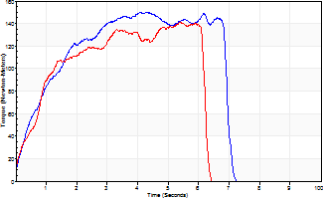
Isometric Extensors (Con) Angle 60 Time 10 Repetition 2 (Best Repetition)
 | Value | Cof Var | %BW
Peak Torque (Newton-Meters)
Right | 151 | 0.05 | 215
Left | 141 | 0.02 | 203
Deficit | 6
Average Torque (Newton-Meters)
Right | 85 | 0.12 | 122
Left | 76 | 0.06 | 107
Deficit | 11
Peak Torque Slope (Newton-Meters/Seconds)
Right | 37 | 0.23 | 52
Left | 26 | 0.06 | 37 |  | Right Side Curves Left Side Curves
Deficit | 29
Time to Half Peak Torque (Seconds)
Right | 0.84 | 0.02
Left | 0.78 | 0.05
Time to Peak Torque (Seconds)
Right | 4.67 | 0.18
Left | 5.55 | 0.04
HUMAC2015® Version: 15.000.0074 © Computer Sports Medicine, Inc. www.csmisolutions.com

post1
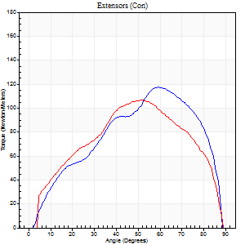
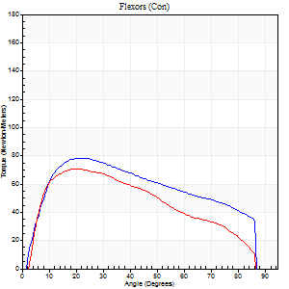
Use File, Preference to set Report Heading
Long Form Torque vs. Position Report - Knee Extension/Flexion
Name: |  |  |  | TR030_FP3048, | ID: | TR030 | Right/Left: | 05.12.2023 05.12.2023

Right Side Curves Left Side Curves
Isokinetic Con/Con |  |  |  | Extensors (Con) |  | Flexors (Con)
Speed 60/60 d/s 3 Reps |  |  |  | Value | Cof Var | %BW | Value | Cof Var | %BW | Ratio

TORQUE PARAMETERS
Peak Torque (Newton-Meters - Best Repetition)
Right |  |  |  | 117 | 0.08 | 167 | 79 | 0.03 | 113 | 67
Left |  |  |  | 107 | 0.06 | 152 | 71 | 0.05 | 101 | 66
Deficit |  |  |  | 8 |  |  | 10
Work per Repetition (Newton-Meters - Best Repetition)
Right |  |  |  | 115 | 0.04 | 164 | 85 | 0.11 | 122 | 74
Left |  |  |  | 110 | 0.09 | 158 | 71 | 0.07 | 101 | 64
Deficit |  |  |  | 5 |  |  | 17
Average Power per Repetition (Watts - Best Repetition)
Right |  |  |  | 78 | 0.06 | 112 | 57 | 0.09 | 81 | 73
Left |  |  |  | 72 | 0.09 | 103 | 47 | 0.08 | 68 | 65
Deficit |  |  |  | 8 |  |  | 18
POSITION PARAMETERS
Joint Angle at Peak Torque (Degrees)
Right |  |  |  | 62 | 0.04 |  | 21 | 0.11
Left |  |  |  | 48 | 0.13 |  | 21 | 0.12
Range of Motion (Degrees)
Right |  |  |  | 2 | 0.59 |  | 90 | 0.01
Left |  |  |  | 0 | 0.79 |  | 90 | 0.01
TIME PARAMETERS
Time to Peak Torque (Seconds)
Right |  |  |  | 0.47 | 0.12 |  | 0.33 | 0.12
Left |  |  |  | 0.73 | 0.17 |  | 0.35 | 0.14
Time Peak Torque Held (Seconds)
Right |  |  |  | 0.03 | 0.17 |  | 0.04 | 0.42
Left |  |  |  | 0.05 | 0.35 |  | 0.07 | 0.09
Force Decay Time (Seconds)
Right |  |  |  | 0.98 | 0.06 |  | 1.09 | 0.03
Left |  |  |  | 0.76 | 0.12 |  | 1.08 | 0.04
Reciprocal Delay (Seconds)
Right |  |  |  | 0.05 | 0 |  | 0.06 | 0.09
Left |  |  |  | 0.05 | 0.13 |  | 0.12 | 0.46
Delay Time (Seconds)
Right |  |  |  | 0.01 | 1.41 |  | 0 | 0
Left |  |  |  | 0 | 1.41 |  | 0 | 0
HUMAC2015® Version: 15.000.0074 © Computer Sports Medicine, Inc. www.csmisolutions.com

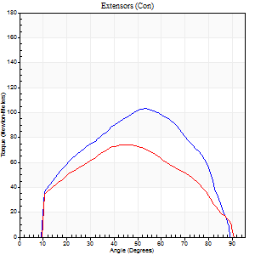
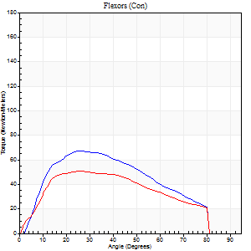
Use File, Preference to set Report Heading
Long Form Torque vs. Position Report - Knee Extension/Flexion
Name: |  |  |  | TR030_FP3048, | ID: | TR030 | Right/Left: | 05.12.2023 05.12.2023

Right Side Curves Left Side Curves
Isokinetic Con/Con |  |  |  | Extensors (Con) |  | Flexors (Con)
Speed 120/120 d/s 3 Reps |  |  |  | Value | Cof Var | %BW | Value | Cof Var | %BW | Ratio

TORQUE PARAMETERS
Peak Torque (Newton-Meters - Best Repetition)
Right |  |  |  | 103 | 0.26 | 146 | 68 | 0.04 | 95 | 66
Left |  |  |  | 75 | 0.03 | 107 | 50 | 0.1 | 72 | 67
Deficit |  |  |  | 28 |  |  | 26
Work per Repetition (Newton-Meters - Best Repetition)
Right |  |  |  | 102 | 0.19 | 146 | 64 | 0.04 | 92 | 63
Left |  |  |  | 75 | 0.03 | 107 | 52 | 0.1 | 75 | 69
Deficit |  |  |  | 27 |  |  | 19
Average Power per Repetition (Watts - Best Repetition)
Right |  |  |  | 127 | 0.22 | 180 | 86 | 0.08 | 123 | 68
Left |  |  |  | 87 | 0 | 123 | 62 | 0.1 | 88 | 71
Deficit |  |  |  | 31 |  |  | 28
POSITION PARAMETERS
Joint Angle at Peak Torque (Degrees)
Right |  |  |  | 55 | 0.06 |  | 26 | 0.03
Left |  |  |  | 50 | 0.1 |  | 26 | 0.08
Range of Motion (Degrees)
Right |  |  |  | 1 | 0 |  | 90 | 0.01
Left |  |  |  | 1 | 0.05 |  | 90 | 0.01
TIME PARAMETERS
Time to Peak Torque (Seconds)
Right |  |  |  | 0.34 | 0.02 |  | 0.23 | 0.04
Left |  |  |  | 0.34 | 0.08 |  | 0.26 | 0.1
Time Peak Torque Held (Seconds)
Right |  |  |  | 0.01 | 1 |  | 0.01 | 1.73
Left |  |  |  | 0.02 | 0.5 |  | 0.03 | 0.94
Force Decay Time (Seconds)
Right |  |  |  | 0.46 | 0.09 |  | 0.53 | 0.05
Left |  |  |  | 0.43 | 0.08 |  | 0.53 | 0.06
Reciprocal Delay (Seconds)
Right |  |  |  | 0.07 | 0.2 |  | 0.06 | 0.1
Left |  |  |  | 0.09 | 0 |  | 0.07 | 0.08
Delay Time (Seconds)
Right |  |  |  | 0 | 0 |  | 0.02 | 0.35
Left |  |  |  | 0 | 1.41 |  | -0.01 | -0.87
HUMAC2015® Version: 15.000.0074 © Computer Sports Medicine, Inc. www.csmisolutions.com

Use File, Preference to set Report Heading
Long Form Torque vs. Position Report - Knee Extension/Flexion
Name: |  |  |  | TR030_FP3048, | ID: | TR030 | Right/Left: | 05.12.2023 05.12.2023

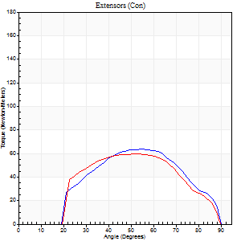
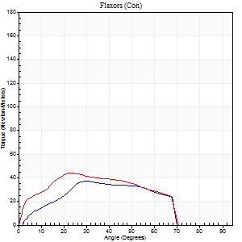
Right Side Curves Left Side Curves
Isokinetic Con/Con |  |  |  | Extensors (Con) |  | Flexors (Con)
Speed 240/240 d/s 3 Reps |  |  |  | Value | Cof Var | %BW | Value | Cof Var | %BW | Ratio

TORQUE PARAMETERS
Peak Torque (Newton-Meters - Best Repetition)
Right |  |  |  | 64 | 0.17 | 92 | 37 | 0.11 | 54 | 57
Left |  |  |  | 60 | 0.25 | 86 | 43 | 0.23 | 63 | 73
Deficit |  |  |  | 6 |  |  | 16
Work per Repetition (Newton-Meters - Best Repetition)
Right |  |  |  | 60 | 0.21 | 86 | 34 | 0.1 | 48 | 57
Left |  |  |  | 56 | 0.25 | 80 | 41 | 0.27 | 57 | 73
Deficit |  |  |  | 7 |  |  | 17
Average Power per Repetition (Watts - Best Repetition)
Right |  |  |  | 109 | 0.21 | 156 | 61 | 0.06 | 88 | 56
Left |  |  |  | 104 | 0.29 | 149 | 74 | 0.3 | 105 | 71
Deficit |  |  |  | 5 |  |  | 18
POSITION PARAMETERS
Joint Angle at Peak Torque (Degrees)
Right |  |  |  | 52 | 0.15 |  | 29 | 0.06
Left |  |  |  | 55 | 0.03 |  | 33 | 0.3
Range of Motion (Degrees)
Right |  |  |  | 2 | 0.1 |  | 90 | 0.01
Left |  |  |  | 1 | 0.18 |  | 89 | 0.01
TIME PARAMETERS
Time to Peak Torque (Seconds)
Right |  |  |  | 0.28 | 0.13 |  | 0.22 | 0.05
Left |  |  |  | 0.23 | 0.06 |  | 0.27 | 0.24
Time Peak Torque Held (Seconds)
Right |  |  |  | 0.01 | 0 |  | 0 | 1.73
Left |  |  |  | 0.01 | 0.43 |  | 0 | 0
Force Decay Time (Seconds)
Right |  |  |  | 0.25 | 0.12 |  | 0.3 | 0.1
Left |  |  |  | 0.28 | 0.07 |  | 0.29 | 0.17
Reciprocal Delay (Seconds)
Right |  |  |  | 0.09 | 0.16 |  | 0.07 | 0.31
Left |  |  |  | 0.08 | 0.09 |  | 0.08 | 0.22
Delay Time (Seconds)
Right |  |  |  | -0.04 | 0 |  | -0.01 | -1
Left |  |  |  | -0.01 | 0 |  | -0.03 | -0.22
HUMAC2015® Version: 15.000.0074 © Computer Sports Medicine, Inc. www.csmisolutions.com

Use File, Preference to set Report Heading
Isometric - Knee Extension/Flexion
Name: |  |  |  | TR030_FP3048, | ID: | TR030 | Right/Left: | 05.12.2023 05.12.2023

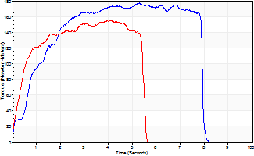
Isometric Extensors (Con) Angle 60 Time 10 Repetition 2 (Best Repetition)
 | Value | Cof Var | %BW
Peak Torque (Newton-Meters)
Right | 178 | 0.05 | 253
Left | 155 | 0.08 | 221
Deficit | 13
Average Torque (Newton-Meters)
Right | 117 | 0.47 | 167
Left | 72 | 0.13 | 101
Deficit | 38
Peak Torque Slope (Newton-Meters/Seconds)
Right | 68 | 0.48 | 97
Left | 50 | 0.19 | 71 |  | Right Side Curves Left Side Curves
Deficit | 27
Time to Half Peak Torque (Seconds)
Right | 0.75 | 0.2
Left | 0.38 | 0.06
Time to Peak Torque (Seconds)
Right | 3.84 | 0.53
Left | 3.4 | 0.27
HUMAC2015® Version: 15.000.0074 © Computer Sports Medicine, Inc. www.csmisolutions.com

post2
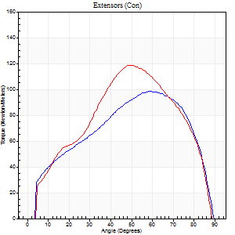
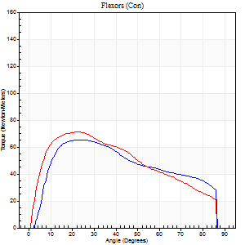
Use File, Preference to set Report Heading
Long Form Torque vs. Position Report - Knee Extension/Flexion
Name: |  |  |  | TR030_FP3048, | ID: | TR030 | Right/Left: | 08.12.2023 08.12.2023

Right Side Curves Left Side Curves
Isokinetic Con/Con |  |  |  | Extensors (Con) |  | Flexors (Con)
Speed 60/60 d/s 3 Reps |  |  |  | Value | Cof Var | %BW | Value | Cof Var | %BW | Ratio

TORQUE PARAMETERS
Peak Torque (Newton-Meters - Best Repetition)
Right |  |  |  | 98 | 0.03 | 140 | 65 | 0.21 | 92 | 67
Left |  |  |  | 118 | 0.07 | 167 | 71 | 0.1 | 101 | 60
Deficit |  |  |  | 17 |  |  | 8
Work per Repetition (Newton-Meters - Best Repetition)
Right |  |  |  | 107 | 0.02 | 152 | 69 | 0.18 | 98 | 65
Left |  |  |  | 115 | 0.05 | 164 | 73 | 0.09 | 104 | 64
Deficit |  |  |  | 7 |  |  | 6
Average Power per Repetition (Watts - Best Repetition)
Right |  |  |  | 71 | 0.02 | 101 | 47 | 0.16 | 68 | 66
Left |  |  |  | 76 | 0.07 | 108 | 48 | 0.07 | 68 | 63
Deficit |  |  |  | 7 |  |  | 2
POSITION PARAMETERS
Joint Angle at Peak Torque (Degrees)
Right |  |  |  | 56 | 0.04 |  | 25 | 0.22
Left |  |  |  | 49 | 0.01 |  | 21 | 0.01
Range of Motion (Degrees)
Right |  |  |  | 0 | 0.76 |  | 90 | 0
Left |  |  |  | 0 | 0 |  | 90 | 0
TIME PARAMETERS
Time to Peak Torque (Seconds)
Right |  |  |  | 0.57 | 0.01 |  | 0.41 | 0.24
Left |  |  |  | 0.67 | 0.02 |  | 0.36 | 0.03
Time Peak Torque Held (Seconds)
Right |  |  |  | 0.04 | 0.48 |  | 0.08 | 0.12
Left |  |  |  | 0.07 | 0.65 |  | 0.11 | 0.42
Force Decay Time (Seconds)
Right |  |  |  | 0.9 | 0.02 |  | 0.99 | 0.14
Left |  |  |  | 0.77 | 0.06 |  | 1.03 | 0.08
Reciprocal Delay (Seconds)
Right |  |  |  | 0.08 | 0.09 |  | 0.1 | 0.24
Left |  |  |  | 0.12 | 0.4 |  | 0.12 | 0.13
Delay Time (Seconds)
Right |  |  |  | 0.02 | 0.28 |  | 0.03 | 0.58
Left |  |  |  | 0.02 | 0 |  | 0.01 | 0.87
HUMAC2015® Version: 15.000.0074 © Computer Sports Medicine, Inc. www.csmisolutions.com

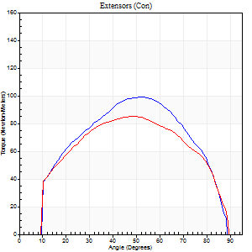
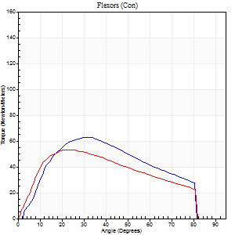
Use File, Preference to set Report Heading
Long Form Torque vs. Position Report - Knee Extension/Flexion
Name: |  |  |  | TR030_FP3048, | ID: | TR030 | Right/Left: | 08.12.2023 08.12.2023

Right Side Curves Left Side Curves
Isokinetic Con/Con |  |  |  | Extensors (Con) |  | Flexors (Con)
Speed 120/120 d/s 3 Reps |  |  |  | Value | Cof Var | %BW | Value | Cof Var | %BW | Ratio

TORQUE PARAMETERS
Peak Torque (Newton-Meters - Best Repetition)
Right |  |  |  | 99 | 0.09 | 140 | 62 | 0.06 | 89 | 63
Left |  |  |  | 85 | 0.04 | 122 | 53 | 0.15 | 75 | 62
Deficit |  |  |  | 14 |  |  | 15
Work per Repetition (Newton-Meters - Best Repetition)
Right |  |  |  | 102 | 0.06 | 146 | 61 | 0.01 | 86 | 60
Left |  |  |  | 92 | 0.06 | 131 | 53 | 0.13 | 75 | 57
Deficit |  |  |  | 9 |  |  | 13
Average Power per Repetition (Watts - Best Repetition)
Right |  |  |  | 128 | 0.09 | 182 | 79 | 0.03 | 112 | 62
Left |  |  |  | 112 | 0.24 | 160 | 64 | 0.13 | 92 | 57
Deficit |  |  |  | 13 |  |  | 19
POSITION PARAMETERS
Joint Angle at Peak Torque (Degrees)
Right |  |  |  | 52 | 0.02 |  | 31 | 0.12
Left |  |  |  | 47 | 0.01 |  | 25 | 0.07
Range of Motion (Degrees)
Right |  |  |  | 1 | 0.03 |  | 90 | 0.01
Left |  |  |  | 1 | 0.09 |  | 90 | 0.01
TIME PARAMETERS
Time to Peak Torque (Seconds)
Right |  |  |  | 0.34 | 0.02 |  | 0.27 | 0.12
Left |  |  |  | 0.38 | 0.02 |  | 0.25 | 0.06
Time Peak Torque Held (Seconds)
Right |  |  |  | 0.02 | 0.25 |  | 0.04 | 0.79
Left |  |  |  | 0.02 | 0.5 |  | 0.02 | 0.49
Force Decay Time (Seconds)
Right |  |  |  | 0.42 | 0.01 |  | 0.47 | 0.02
Left |  |  |  | 0.4 | 0.02 |  | 0.54 | 0.06
Reciprocal Delay (Seconds)
Right |  |  |  | 0.06 | 0.11 |  | 0.06 | 0.2
Left |  |  |  | 0.09 | 0.31 |  | 0.09 | 0.13
Delay Time (Seconds)
Right |  |  |  | 0 | 1.41 |  | 0.02 | 0.35
Left |  |  |  | 0 | 0 |  | -0.01 | -0.87
HUMAC2015® Version: 15.000.0074 © Computer Sports Medicine, Inc. www.csmisolutions.com

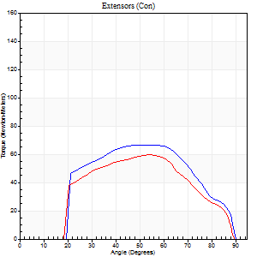
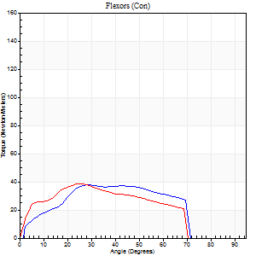
Use File, Preference to set Report Heading
Long Form Torque vs. Position Report - Knee Extension/Flexion
Name: |  |  |  | TR030_FP3048, | ID: | TR030 | Right/Left: | 08.12.2023 08.12.2023

Right Side Curves Left Side Curves
Isokinetic Con/Con |  |  |  | Extensors (Con) |  | Flexors (Con)
Speed 240/240 d/s 3 Reps |  |  |  | Value | Cof Var | %BW | Value | Cof Var | %BW | Ratio

TORQUE PARAMETERS
Peak Torque (Newton-Meters - Best Repetition)
Right |  |  |  | 66 | 0.35 | 95 | 38 | 0.05 | 54 | 57
Left |  |  |  | 60 | 0.16 | 86 | 38 | 0.08 | 54 | 64
Deficit |  |  |  | 10 |  |  | 0
Work per Repetition (Newton-Meters - Best Repetition)
Right |  |  |  | 64 | 0.35 | 92 | 37 | 0.05 | 54 | 57
Left |  |  |  | 54 | 0.16 | 77 | 35 | 0.08 | 51 | 65
Deficit |  |  |  | 15 |  |  | 4
Average Power per Repetition (Watts - Best Repetition)
Right |  |  |  | 119 | 0.4 | 169 | 65 | 0.07 | 92 | 55
Left |  |  |  | 103 | 0.19 | 147 | 62 | 0.04 | 88 | 60
Deficit |  |  |  | 13 |  |  | 5
POSITION PARAMETERS
Joint Angle at Peak Torque (Degrees)
Right |  |  |  | 49 | 0.1 |  | 26 | 0.09
Left |  |  |  | 56 | 0.04 |  | 29 | 0.14
Range of Motion (Degrees)
Right |  |  |  | 2 | 0.09 |  | 90 | 0
Left |  |  |  | 1 | 0.03 |  | 89 | 0.01
TIME PARAMETERS
Time to Peak Torque (Seconds)
Right |  |  |  | 0.26 | 0.13 |  | 0.2 | 0.05
Left |  |  |  | 0.23 | 0.03 |  | 0.23 | 0.04
Time Peak Torque Held (Seconds)
Right |  |  |  | 0.02 | 0.65 |  | 0.01 | 0.87
Left |  |  |  | 0.01 | 0 |  | 0 | 0
Force Decay Time (Seconds)
Right |  |  |  | 0.24 | 0.02 |  | 0.33 | 0.11
Left |  |  |  | 0.28 | 0.06 |  | 0.3 | 0.12
Reciprocal Delay (Seconds)
Right |  |  |  | 0.1 | 0.34 |  | 0.07 | 0.38
Left |  |  |  | 0.09 | 0 |  | 0.07 | 0.25
Delay Time (Seconds)
Right |  |  |  | -0.04 | -0.2 |  | -0.01 | -1
Left |  |  |  | -0.01 | 0 |  | -0.04 | -0.31
HUMAC2015® Version: 15.000.0074 © Computer Sports Medicine, Inc. www.csmisolutions.com

Use File, Preference to set Report Heading
Isometric - Knee Extension/Flexion
Name: |  |  |  | TR030_FP3048, | ID: | TR030 | Right/Left: | 08.12.2023 08.12.2023

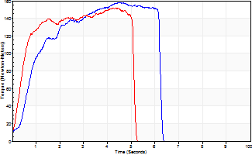
Isometric Extensors (Con) Angle 60 Time 10 Repetition 2 (Best Repetition)
 | Value | Cof Var | %BW
Peak Torque (Newton-Meters)
Right | 159 | 0.02 | 226
Left | 152 | 0.02 | 218
Deficit | 4
Average Torque (Newton-Meters)
Right | 80 | 0.01 | 113
Left | 71 | 0.04 | 101
Deficit | 12
Peak Torque Slope (Newton-Meters/Seconds)
Right | 35 | 0.2 | 51
Left | 48 | 0.2 | 68 |  | Right Side Curves Left Side Curves
Deficit | 26
Time to Half Peak Torque (Seconds)
Right | 0.67 | 0.3
Left | 0.49 | 0.23
Time to Peak Torque (Seconds)
Right | 5.11 | 0.18
Left | 3.63 | 0.23
HUMAC2015® Version: 15.000.0074 © Computer Sports Medicine, Inc. www.csmisolutions.com

