pre1
Use File, Preference to set Report Heading
Long Form Torque vs. Position Report - Knee Extension/Flexion
Name: |  |  |  | TR030_FP3049, | ID: | TR030 | Right/Left: | 14.09.2022 14.09.2022
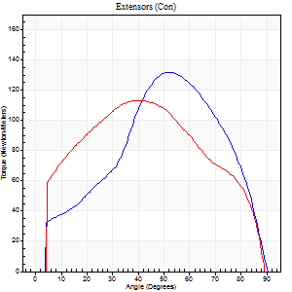
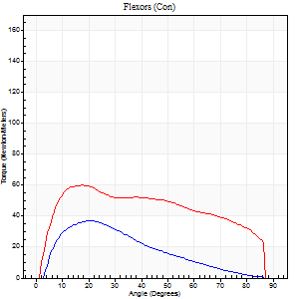
Right Side Curves Left Side Curves
Isokinetic Con/Con |  |  |  | Extensors (Con) |  | Flexors (Con)
Speed 60/60 d/s 3 Reps |  |  |  | Value | Cof Var | %BW | Value | Cof Var | %BW | Ratio

TORQUE PARAMETERS
Peak Torque (Newton-Meters - Best Repetition)
Right |  |  |  | 132 | 0.05 | 164 | 37 | 0.18 | 45 | 28
Left |  |  |  | 114 | 0.02 | 143 | 60 | 0.62 | 75 | 52
Deficit |  |  |  | 13 |  |  | 39
Work per Repetition (Newton-Meters - Best Repetition)
Right |  |  |  | 122 | 0 | 152 | 30 | 0.06 | 36 | 24
Left |  |  |  | 125 | 0.06 | 155 | 68 | 0.66 | 83 | 54
Deficit |  |  |  | 2 |  |  | 56
Average Power per Repetition (Watts - Best Repetition)
Right |  |  |  | 78 | 0.47 | 97 | 20 | 0.06 | 24 | 26
Left |  |  |  | 80 | 0.05 | 99 | 45 | 0.62 | 57 | 56
Deficit |  |  |  | 3 |  |  | 56
POSITION PARAMETERS
Joint Angle at Peak Torque (Degrees)
Right |  |  |  | 52 | 0.02 |  | 32 | 0.75
Left |  |  |  | 46 | 0.15 |  | 32 | 0.47
Range of Motion (Degrees)
Right |  |  |  | 0 | 0 |  | 90 | 0
Left |  |  |  | 0 | 4.24 |  | 90 | 0
TIME PARAMETERS
Time to Peak Torque (Seconds)
Right |  |  |  | 0.65 | 0.01 |  | 0.53 | 0.81
Left |  |  |  | 0.79 | 0.06 |  | 0.49 | 0.56
Time Peak Torque Held (Seconds)
Right |  |  |  | 0.05 | 0.33 |  | 0.04 | 0.42
Left |  |  |  | 0.05 | 0.35 |  | 0.04 | 0.88
Force Decay Time (Seconds)
Right |  |  |  | 0.85 | 0.01 |  | 0.95 | 0.44
Left |  |  |  | 0.76 | 0.15 |  | 0.92 | 0.28
Reciprocal Delay (Seconds)
Right |  |  |  | 0.12 | 0.12 |  | 0.2 | 0.29
Left |  |  |  | 0.13 | 0.26 |  | 0.16 | 0.47
Delay Time (Seconds)
Right |  |  |  | 0 | 1.41 |  | 0.04 | 0.58
Left |  |  |  | 0 | 1.41 |  | 0.07 | 1.24
HUMAC2015® Version: 15.000.0074 © Computer Sports Medicine, Inc. www.csmisolutions.com

Use File, Preference to set Report Heading
Long Form Torque vs. Position Report - Knee Extension/Flexion
Name: |  |  |  | TR030_FP3049, | ID: | TR030 | Right/Left: | 14.09.2022 14.09.2022
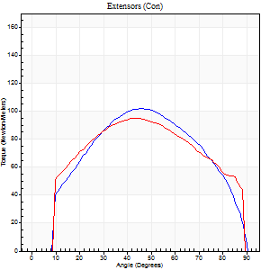
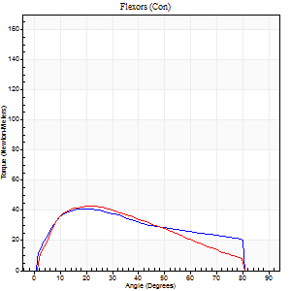
Right Side Curves Left Side Curves
Isokinetic Con/Con |  |  |  | Extensors (Con) |  | Flexors (Con)
Speed 120/120 d/s 3 Reps |  |  |  | Value | Cof Var | %BW | Value | Cof Var | %BW | Ratio

TORQUE PARAMETERS
Peak Torque (Newton-Meters - Best Repetition)
Right |  |  |  | 102 | 0.07 | 128 | 41 | 0.1 | 51 | 40
Left |  |  |  | 95 | 0.1 | 119 | 42 | 0.28 | 54 | 44
Deficit |  |  |  | 7 |  |  | 3
Work per Repetition (Newton-Meters - Best Repetition)
Right |  |  |  | 106 | 0.06 | 131 | 42 | 0.27 | 54 | 40
Left |  |  |  | 106 | 0.12 | 131 | 39 | 0.18 | 48 | 37
Deficit |  |  |  | 0 |  |  | 6
Average Power per Repetition (Watts - Best Repetition)
Right |  |  |  | 124 | 0.02 | 154 | 53 | 0.29 | 66 | 43
Left |  |  |  | 122 | 0.11 | 152 | 48 | 0.2 | 59 | 39
Deficit |  |  |  | 2 |  |  | 9
POSITION PARAMETERS
Joint Angle at Peak Torque (Degrees)
Right |  |  |  | 41 | 0.11 |  | 16 | 0.2
Left |  |  |  | 36 | 0.2 |  | 34 | 0.43
Range of Motion (Degrees)
Right |  |  |  | 1 | 0.52 |  | 90 | 0.01
Left |  |  |  | 0 | 1.23 |  | 89 | 0
TIME PARAMETERS
Time to Peak Torque (Seconds)
Right |  |  |  | 0.45 | 0.03 |  | 0.18 | 0.09
Left |  |  |  | 0.5 | 0.1 |  | 0.35 | 0.46
Time Peak Torque Held (Seconds)
Right |  |  |  | 0.03 | 0.43 |  | 0.03 | 0.43
Left |  |  |  | 0.02 | 1.08 |  | 0.02 | 0.89
Force Decay Time (Seconds)
Right |  |  |  | 0.37 | 0.17 |  | 0.61 | 0.08
Left |  |  |  | 0.33 | 0.17 |  | 0.45 | 0.34
Reciprocal Delay (Seconds)
Right |  |  |  | 0.05 | 0.13 |  | 0.11 | 0.13
Left |  |  |  | 0.09 | 0 |  | 0.13 | 0.54
Delay Time (Seconds)
Right |  |  |  | 0 | 0 |  | -0.01 | -1
Left |  |  |  | 0 | 1.41 |  | -0.01 | -1.15
HUMAC2015® Version: 15.000.0074 © Computer Sports Medicine, Inc. www.csmisolutions.com

Use File, Preference to set Report Heading
Long Form Torque vs. Position Report - Knee Extension/Flexion
Name: |  |  |  | TR030_FP3049, | ID: | TR030 | Right/Left: | 14.09.2022 14.09.2022
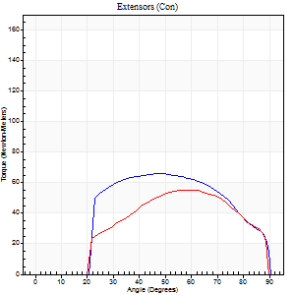
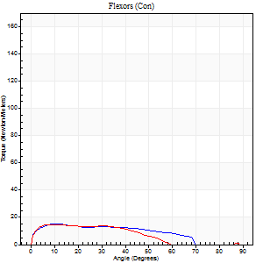
Right Side Curves Left Side Curves
Isokinetic Con/Con |  |  |  | Extensors (Con) |  | Flexors (Con)
Speed 240/240 d/s 3 Reps |  |  |  | Value | Cof Var | %BW | Value | Cof Var | %BW | Ratio

TORQUE PARAMETERS
Peak Torque (Newton-Meters - Best Repetition)
Right |  |  |  | 66 | 0.42 | 83 | 15 | 0.18 | 18 | 22
Left |  |  |  | 56 | 0.04 | 69 | 15 | 0.53 | 18 | 27
Deficit |  |  |  | 16 |  |  | 0
Work per Repetition (Newton-Meters - Best Repetition)
Right |  |  |  | 65 | 0.52 | 80 | 14 | 0.74 | 18 | 21
Left |  |  |  | 53 | 0.06 | 66 | 11 | 0.84 | 15 | 21
Deficit |  |  |  | 19 |  |  | 20
Average Power per Repetition (Watts - Best Repetition)
Right |  |  |  | 109 | 0.5 | 136 | 24 | 0.51 | 31 | 22
Left |  |  |  | 92 | 0.07 | 114 | 19 | 1.08 | 24 | 21
Deficit |  |  |  | 16 |  |  | 21
POSITION PARAMETERS
Joint Angle at Peak Torque (Degrees)
Right |  |  |  | 59 | 0.18 |  | 47 | 0.81
Left |  |  |  | 55 | 0.08 |  | 10 | 0.3
Range of Motion (Degrees)
Right |  |  |  | 1 | 0.94 |  | 90 | 0
Left |  |  |  | 0 | 0.28 |  | 90 | 0.01
TIME PARAMETERS
Time to Peak Torque (Seconds)
Right |  |  |  | 0.24 | 0.24 |  | 0.21 | 0.65
Left |  |  |  | 0.23 | 0.18 |  | 0.23 | 0.29
Time Peak Torque Held (Seconds)
Right |  |  |  | 0 | 1.73 |  | 0 | 0
Left |  |  |  | 0.02 | 0.5 |  | 0.03 | 0.87
Force Decay Time (Seconds)
Right |  |  |  | 0.32 | 0.04 |  | 0.26 | 0.59
Left |  |  |  | 0.31 | 0.1 |  | 0.6 | 0.43
Reciprocal Delay (Seconds)
Right |  |  |  | 0.31 | 0.36 |  | 0.11 | 0.51
Left |  |  |  | 0.47 | 0.62 |  | 0.17 | 0.31
Delay Time (Seconds)
Right |  |  |  | -0.04 | -0.2 |  | 0.11 | 2.27
Left |  |  |  | -0.02 | -0.28 |  | -0.05 | -0.22
HUMAC2015® Version: 15.000.0074 © Computer Sports Medicine, Inc. www.csmisolutions.com

Use File, Preference to set Report Heading
Isometric - Knee Extension/Flexion
Name: |  |  |  | TR030_FP3049, | ID: | TR030 | Right/Left: | 14.09.2022 14.09.2022

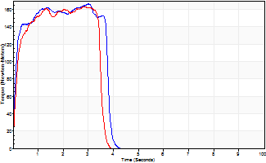
Isometric Extensors (Con) Angle 60 Time 10 Repetition 2 (Best Repetition)
 | Value | Cof Var | %BW
Peak Torque (Newton-Meters)
Right | 167 | 0 | 209
Left | 163 | 0 | 203
Deficit | 2
Average Torque (Newton-Meters)
Right | 57 | 0.02 | 72
Left | 61 | 0.11 | 77
Deficit | 7
Peak Torque Slope (Newton-Meters/Seconds)
Right | 73 | 0.19 | 91
Left | 65 | 0.09 | 82 |  | Right Side Curves Left Side Curves
Deficit | 10
Time to Half Peak Torque (Seconds)
Right | 0.12 | 0.24
Left | 0.13 | 0.11
Time to Peak Torque (Seconds)
Right | 2.63 | 0.19
Left | 2.66 | 0.1
HUMAC2015® Version: 15.000.0074 © Computer Sports Medicine, Inc. www.csmisolutions.com

pre2
Use File, Preference to set Report Heading
Long Form Torque vs. Position Report - Knee Extension/Flexion
Name: |  |  |  | TR030_FP3049, | ID: | TR030 | Right/Left: | 21.09.2022 21.09.2022
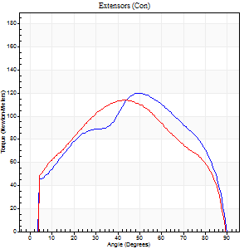
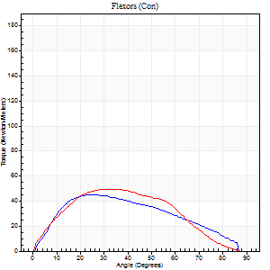
Right Side Curves Left Side Curves
Isokinetic Con/Con |  |  |  | Extensors (Con) |  | Flexors (Con)
Speed 60/60 d/s 3 Reps |  |  |  | Value | Cof Var | %BW | Value | Cof Var | %BW | Ratio

TORQUE PARAMETERS
Peak Torque (Newton-Meters - Best Repetition)
Right |  |  |  | 121 | 0.09 | 152 | 45 | 0.31 | 57 | 37
Left |  |  |  | 114 | 0.07 | 143 | 50 | 0.45 | 63 | 44
Deficit |  |  |  | 6 |  |  | 11
Work per Repetition (Newton-Meters - Best Repetition)
Right |  |  |  | 134 | 0.08 | 167 | 45 | 0.31 | 57 | 33
Left |  |  |  | 123 | 0.05 | 155 | 47 | 0.45 | 60 | 38
Deficit |  |  |  | 8 |  |  | 6
Average Power per Repetition (Watts - Best Repetition)
Right |  |  |  | 85 | 0.08 | 105 | 28 | 0.32 | 35 | 33
Left |  |  |  | 79 | 0.04 | 99 | 32 | 0.48 | 40 | 41
Deficit |  |  |  | 7 |  |  | 13
POSITION PARAMETERS
Joint Angle at Peak Torque (Degrees)
Right |  |  |  | 48 | 0.03 |  | 28 | 0.11
Left |  |  |  | 39 | 0.19 |  | 27 | 0.42
Range of Motion (Degrees)
Right |  |  |  | 0 | -1.41 |  | 90 | 0
Left |  |  |  | 0 | -1.41 |  | 90 | 0
TIME PARAMETERS
Time to Peak Torque (Seconds)
Right |  |  |  | 0.75 | 0.01 |  | 0.48 | 0.1
Left |  |  |  | 0.88 | 0.15 |  | 0.49 | 0.43
Time Peak Torque Held (Seconds)
Right |  |  |  | 0.06 | 0.29 |  | 0.04 | 1.29
Left |  |  |  | 0.06 | 0.18 |  | 0.07 | 0.89
Force Decay Time (Seconds)
Right |  |  |  | 0.79 | 0.06 |  | 1.03 | 0.11
Left |  |  |  | 0.64 | 0.2 |  | 0.98 | 0.14
Reciprocal Delay (Seconds)
Right |  |  |  | 0.41 | 0.09 |  | 0.24 | 0.19
Left |  |  |  | 0.11 | 0.13 |  | 0.37 | 0.33
Delay Time (Seconds)
Right |  |  |  | -0.02 | 0 |  | 0.04 | 0.74
Left |  |  |  | 0.01 | 1.41 |  | -0.01 | -2.41
HUMAC2015® Version: 15.000.0074 © Computer Sports Medicine, Inc. www.csmisolutions.com

Use File, Preference to set Report Heading
Long Form Torque vs. Position Report - Knee Extension/Flexion
Name: |  |  |  | TR030_FP3049, | ID: | TR030 | Right/Left: | 21.09.2022 21.09.2022
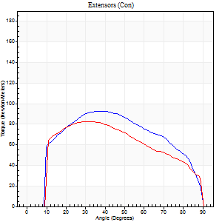
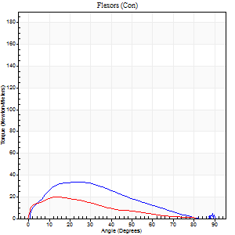
Right Side Curves Left Side Curves
Isokinetic Con/Con |  |  |  | Extensors (Con) |  | Flexors (Con)
Speed 120/120 d/s 3 Reps |  |  |  | Value | Cof Var | %BW | Value | Cof Var | %BW | Ratio

TORQUE PARAMETERS
Peak Torque (Newton-Meters - Best Repetition)
Right |  |  |  | 92 | 0.02 | 116 | 34 | 0.8 | 42 | 37
Left |  |  |  | 83 | 0.06 | 104 | 20 | 0.27 | 27 | 25
Deficit |  |  |  | 10 |  |  | 40
Work per Repetition (Newton-Meters - Best Repetition)
Right |  |  |  | 102 | 0.04 | 128 | 28 | 0.88 | 36 | 28
Left |  |  |  | 89 | 0.04 | 113 | 14 | 0.15 | 18 | 15
Deficit |  |  |  | 12 |  |  | 52
Average Power per Repetition (Watts - Best Repetition)
Right |  |  |  | 115 | 0.03 | 143 | 20 | 0.77 | 24 | 17
Left |  |  |  | 100 | 0.03 | 125 | 16 | 0.16 | 20 | 16
Deficit |  |  |  | 13 |  |  | 20
POSITION PARAMETERS
Joint Angle at Peak Torque (Degrees)
Right |  |  |  | 41 | 0.09 |  | 22 | 0.14
Left |  |  |  | 33 | 0.03 |  | 17 | 0.22
Range of Motion (Degrees)
Right |  |  |  | 0 | 0 |  | 90 | 0
Left |  |  |  | 0 | -0.47 |  | 90 | 0
TIME PARAMETERS
Time to Peak Torque (Seconds)
Right |  |  |  | 0.45 | 0.14 |  | 0.27 | 0.11
Left |  |  |  | 0.52 | 0.01 |  | 0.25 | 0.24
Time Peak Torque Held (Seconds)
Right |  |  |  | 0.02 | 0.49 |  | 0.44 | 1.69
Left |  |  |  | 0.04 | 0.13 |  | 0.02 | 1.25
Force Decay Time (Seconds)
Right |  |  |  | 0.4 | 0.1 |  | 0.58 | 0.83
Left |  |  |  | 0.31 | 0.03 |  | 0.62 | 0.11
Reciprocal Delay (Seconds)
Right |  |  |  | 0.14 | 0.3 |  | 0.3 | 0.23
Left |  |  |  | 0.09 | 0.08 |  | 0.42 | 0.36
Delay Time (Seconds)
Right |  |  |  | -0.01 | -1.41 |  | 0.01 | 2.29
Left |  |  |  | -0.02 | 0 |  | -0.03 | -0.43
HUMAC2015® Version: 15.000.0074 © Computer Sports Medicine, Inc. www.csmisolutions.com

Use File, Preference to set Report Heading
Long Form Torque vs. Position Report - Knee Extension/Flexion
Name: |  |  |  | TR030_FP3049, | ID: | TR030 | Right/Left: | 21.09.2022 21.09.2022
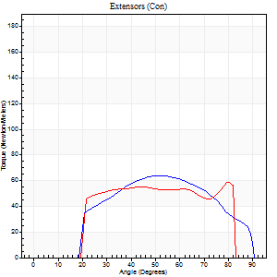
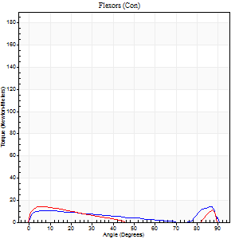
Right Side Curves Left Side Curves
Isokinetic Con/Con |  |  |  | Extensors (Con) |  | Flexors (Con)
Speed 240/240 d/s 3 Reps |  |  |  | Value | Cof Var | %BW | Value | Cof Var | %BW | Ratio

TORQUE PARAMETERS
Peak Torque (Newton-Meters - Best Repetition)
Right |  |  |  | 64 | 0.07 | 80 | 14 | 0.26 | 18 | 21
Left |  |  |  | 58 | 0.15 | 72 | 14 | 0.22 | 18 | 23
Deficit |  |  |  | 9 |  |  | 0
Work per Repetition (Newton-Meters - Best Repetition)
Right |  |  |  | 62 | 0.04 | 77 | 8 | 0.65 | 9 | 13
Left |  |  |  | 57 | 0.12 | 72 | 8 | 0.07 | 9 | 14
Deficit |  |  |  | 9 |  |  | 0
Average Power per Repetition (Watts - Best Repetition)
Right |  |  |  | 106 | 0.02 | 132 | 10 | 0.14 | 13 | 9
Left |  |  |  | 100 | 0.11 | 125 | 12 | 0.12 | 15 | 12
Deficit |  |  |  | 6 |  |  | 17
POSITION PARAMETERS
Joint Angle at Peak Torque (Degrees)
Right |  |  |  | 48 | 0.08 |  | 35 | 1.3
Left |  |  |  | 55 | 0.38 |  | 26 | 1.38
Range of Motion (Degrees)
Right |  |  |  | 0 | 0 |  | 90 | 0
Left |  |  |  | 0 | -0.28 |  | 86 | 0.04
TIME PARAMETERS
Time to Peak Torque (Seconds)
Right |  |  |  | 0.26 | 0.03 |  | 0.15 | 0.38
Left |  |  |  | 0.25 | 0.08 |  | 0.29 | 0.91
Time Peak Torque Held (Seconds)
Right |  |  |  | 0.02 | 0.65 |  | 0 | 0
Left |  |  |  | 0.02 | 0.65 |  | 0.02 | 1.73
Force Decay Time (Seconds)
Right |  |  |  | 0.29 | 0.11 |  | 0.49 | 0.75
Left |  |  |  | 0.34 | 0.37 |  | 0.34 | 0.59
Reciprocal Delay (Seconds)
Right |  |  |  | 0.17 | 0.75 |  | 0.4 | 0.45
Left |  |  |  | 0.04 | 0.35 |  | 0.55 | 0.22
Delay Time (Seconds)
Right |  |  |  | -0.03 | -0.47 |  | 0.14 | 2.18
Left |  |  |  | -0.01 | -0.47 |  | -0.04 | -0.31
HUMAC2015® Version: 15.000.0074 © Computer Sports Medicine, Inc. www.csmisolutions.com

Use File, Preference to set Report Heading
Isometric - Knee Extension/Flexion
Name: |  |  |  | TR030_FP3049, | ID: | TR030 | Right/Left: | 21.09.2022 21.09.2022

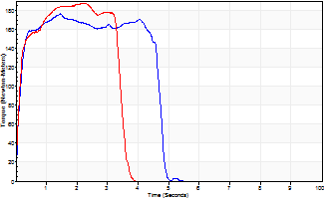
Isometric Extensors (Con) Angle 60 Time 10 Repetition 2 (Best Repetition)
 | Value | Cof Var | %BW
Peak Torque (Newton-Meters)
Right | 176 | 0.09 | 221
Left | 187 | 0.1 | 232
Deficit | 6
Average Torque (Newton-Meters)
Right | 76 | 0.13 | 95
Left | 69 | 0.11 | 86
Deficit | 9
Peak Torque Slope (Newton-Meters/Seconds)
Right | 125 | 0.03 | 156
Left | 85 | 0.2 | 106 |  | Right Side Curves Left Side Curves
Deficit | 32
Time to Half Peak Torque (Seconds)
Right | 0.13 | 0
Left | 0.12 | 0
Time to Peak Torque (Seconds)
Right | 1.35 | 0.12
Left | 2.37 | 0.1
HUMAC2015® Version: 15.000.0074 © Computer Sports Medicine, Inc. www.csmisolutions.com

mid1
Use File, Preference to set Report Heading
Long Form Torque vs. Position Report - Knee Extension/Flexion
Name: |  |  |  | TR030_FP3049, | ID: | TR030 | Right/Left: | 03.11.2022 03.11.2022
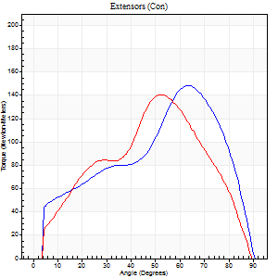
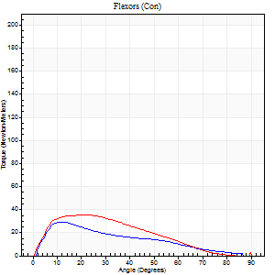
Right Side Curves Left Side Curves
Isokinetic Con/Con |  |  |  | Extensors (Con) |  | Flexors (Con)
Speed 60/60 d/s 3 Reps |  |  |  | Value | Cof Var | %BW | Value | Cof Var | %BW | Ratio

TORQUE PARAMETERS
Peak Torque (Newton-Meters - Best Repetition)
Right |  |  |  | 148 | 0.05 | 185 | 30 | 0.34 | 36 | 20
Left |  |  |  | 141 | 0.03 | 176 | 35 | 0.3 | 45 | 25
Deficit |  |  |  | 5 |  |  | 15
Work per Repetition (Newton-Meters - Best Repetition)
Right |  |  |  | 148 | 0.05 | 185 | 22 | 0.13 | 27 | 15
Left |  |  |  | 144 | 0.08 | 179 | 28 | 0.25 | 36 | 20
Deficit |  |  |  | 3 |  |  | 24
Average Power per Repetition (Watts - Best Repetition)
Right |  |  |  | 94 | 0.05 | 116 | 14 | 0.13 | 18 | 15
Left |  |  |  | 93 | 0.07 | 116 | 18 | 0.27 | 22 | 19
Deficit |  |  |  | 1 |  |  | 22
POSITION PARAMETERS
Joint Angle at Peak Torque (Degrees)
Right |  |  |  | 57 | 0.1 |  | 19 | 0.55
Left |  |  |  | 47 | 0.1 |  | 19 | 0.11
Range of Motion (Degrees)
Right |  |  |  | 0 | 0 |  | 90 | 0.01
Left |  |  |  | 0 | 2.83 |  | 90 | 0
TIME PARAMETERS
Time to Peak Torque (Seconds)
Right |  |  |  | 0.61 | 0.02 |  | 0.34 | 0.54
Left |  |  |  | 0.78 | 0 |  | 0.36 | 0.05
Time Peak Torque Held (Seconds)
Right |  |  |  | 0.05 | 0.35 |  | 0.02 | 0.69
Left |  |  |  | 0.04 | 0.27 |  | 0.02 | 1.73
Force Decay Time (Seconds)
Right |  |  |  | 0.95 | 0.11 |  | 1.14 | 0.17
Left |  |  |  | 0.78 | 0.11 |  | 1.2 | 0.06
Reciprocal Delay (Seconds)
Right |  |  |  | 0.05 | 0.28 |  | 0.29 | 0.16
Left |  |  |  | 0.74 | 0.36 |  | 0.26 | 0.3
Delay Time (Seconds)
Right |  |  |  | -0.01 | -0.47 |  | 0.02 | 0.5
Left |  |  |  | 0 | -4.24 |  | -0.01 | -0.87
HUMAC2015® Version: 15.000.0074 © Computer Sports Medicine, Inc. www.csmisolutions.com

Use File, Preference to set Report Heading
Long Form Torque vs. Position Report - Knee Extension/Flexion
Name: |  |  |  | TR030_FP3049, | ID: | TR030 | Right/Left: | 03.11.2022 03.11.2022
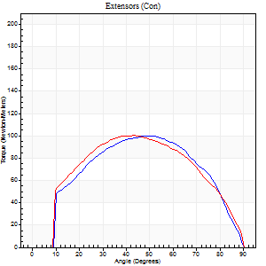
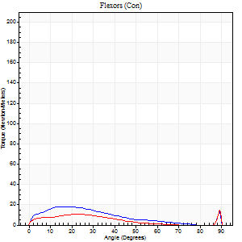
Right Side Curves Left Side Curves
Isokinetic Con/Con |  |  |  | Extensors (Con) |  | Flexors (Con)
Speed 120/120 d/s 3 Reps |  |  |  | Value | Cof Var | %BW | Value | Cof Var | %BW | Ratio

TORQUE PARAMETERS
Peak Torque (Newton-Meters - Best Repetition)
Right |  |  |  | 100 | 0.02 | 125 | 18 | 0.26 | 21 | 18
Left |  |  |  | 100 | 0.09 | 125 | 15 | 0.14 | 18 | 15
Deficit |  |  |  | 0 |  |  | 15
Work per Repetition (Newton-Meters - Best Repetition)
Right |  |  |  | 104 | 0.03 | 131 | 14 | 0.22 | 18 | 13
Left |  |  |  | 107 | 0.08 | 134 | 9 | 0.16 | 12 | 9
Deficit |  |  |  | 3 |  |  | 30
Average Power per Repetition (Watts - Best Repetition)
Right |  |  |  | 116 | 0.03 | 145 | 16 | 0.25 | 20 | 14
Left |  |  |  | 120 | 0.07 | 149 | 11 | 0.19 | 13 | 9
Deficit |  |  |  | 3 |  |  | 31
POSITION PARAMETERS
Joint Angle at Peak Torque (Degrees)
Right |  |  |  | 50 | 0.11 |  | 16 | 0.08
Left |  |  |  | 41 | 0.06 |  | 44 | 0.88
Range of Motion (Degrees)
Right |  |  |  | 0 | -1.41 |  | 90 | 0
Left |  |  |  | 0 | -1.41 |  | 90 | 0.01
TIME PARAMETERS
Time to Peak Torque (Seconds)
Right |  |  |  | 0.4 | 0.07 |  | 0.25 | 0.11
Left |  |  |  | 0.44 | 0 |  | 0.54 | 0.69
Time Peak Torque Held (Seconds)
Right |  |  |  | 0.04 | 0.16 |  | 0.21 | 1.73
Left |  |  |  | 0.04 | 0.16 |  | 0 | 0
Force Decay Time (Seconds)
Right |  |  |  | 0.47 | 0.1 |  | 0.43 | 0.83
Left |  |  |  | 0.38 | 0.04 |  | 0.4 | 0.83
Reciprocal Delay (Seconds)
Right |  |  |  | 0.08 | 0.09 |  | 0.36 | 0.32
Left |  |  |  | 0.08 | 0.35 |  | 0.33 | 0.15
Delay Time (Seconds)
Right |  |  |  | -0.01 | -0.47 |  | -0.03 | -0.17
Left |  |  |  | 0 | -4.24 |  | -0.05 | -0.12
HUMAC2015® Version: 15.000.0074 © Computer Sports Medicine, Inc. www.csmisolutions.com

Use File, Preference to set Report Heading
Long Form Torque vs. Position Report - Knee Extension/Flexion
Name: |  |  |  | TR030_FP3049, | ID: | TR030 | Right/Left: | 03.11.2022 03.11.2022
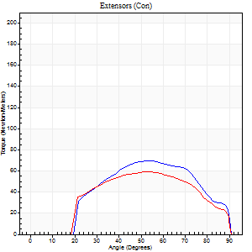
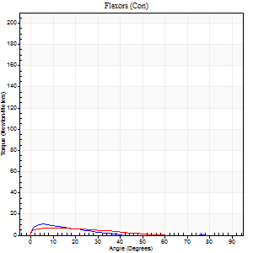
Right Side Curves Left Side Curves
Isokinetic Con/Con |  |  |  | Extensors (Con) |  | Flexors (Con)
Speed 240/240 d/s 3 Reps |  |  |  | Value | Cof Var | %BW | Value | Cof Var | %BW | Ratio

TORQUE PARAMETERS
Peak Torque (Newton-Meters - Best Repetition)
Right |  |  |  | 69 | 0.01 | 86 | 11 | 0.08 | 15 | 16
Left |  |  |  | 60 | 0.05 | 75 | 7 | 0.07 | 9 | 11
Deficit |  |  |  | 14 |  |  | 38
Work per Repetition (Newton-Meters - Best Repetition)
Right |  |  |  | 66 | 0.01 | 83 | 7 | 0.23 | 9 | 10
Left |  |  |  | 58 | 0.06 | 72 | 4 | 0.16 | 6 | 7
Deficit |  |  |  | 12 |  |  | 40
Average Power per Repetition (Watts - Best Repetition)
Right |  |  |  | 119 | 0.05 | 149 | 10 | 0.31 | 13 | 8
Left |  |  |  | 105 | 0.05 | 132 | 6 | 0.26 | 7 | 6
Deficit |  |  |  | 12 |  |  | 40
POSITION PARAMETERS
Joint Angle at Peak Torque (Degrees)
Right |  |  |  | 50 | 0.07 |  | 5 | 0.08
Left |  |  |  | 47 | 0.13 |  | 6 | 0.72
Range of Motion (Degrees)
Right |  |  |  | 0 | 0 |  | 90 | 0.01
Left |  |  |  | 0 | 0 |  | 90 | 0.01
TIME PARAMETERS
Time to Peak Torque (Seconds)
Right |  |  |  | 0.23 | 0.03 |  | 0.14 | 0.12
Left |  |  |  | 0.25 | 0.03 |  | 0.21 | 0.55
Time Peak Torque Held (Seconds)
Right |  |  |  | 0.01 | 1 |  | 0.02 | 0.5
Left |  |  |  | 0.01 | 0.87 |  | 0.04 | 1.29
Force Decay Time (Seconds)
Right |  |  |  | 0.31 | 0.05 |  | 0.51 | 0.17
Left |  |  |  | 0.31 | 0.1 |  | 0.61 | 0.27
Reciprocal Delay (Seconds)
Right |  |  |  | 0.06 | 0.47 |  | 0.32 | 0.24
Left |  |  |  | 0.06 | 0.54 |  | 0.48 | 0.05
Delay Time (Seconds)
Right |  |  |  | -0.01 | -0.47 |  | -0.03 | -0.35
Left |  |  |  | 0 | 0 |  | -0.06 | -0.33
HUMAC2015® Version: 15.000.0074 © Computer Sports Medicine, Inc. www.csmisolutions.com

Use File, Preference to set Report Heading
Isometric - Knee Extension/Flexion
Name: |  |  |  | TR030_FP3049, | ID: | TR030 | Right/Left: | 03.11.2022 03.11.2022

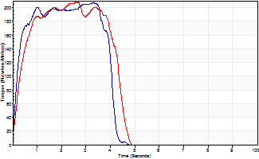
Isometric Extensors (Con) Angle 60 Time 10 Repetition 2 (Best Repetition)
 | Value | Cof Var | %BW
Peak Torque (Newton-Meters)
Right | 207 | 0.01 | 259
Left | 207 | 0.02 | 259
Deficit | 0
Average Torque (Newton-Meters)
Right | 75 | 0.14 | 92
Left | 77 | 0.13 | 95
Deficit | 4
Peak Torque Slope (Newton-Meters/Seconds)
Right | 115 | 0.42 | 144
Left | 150 | 0.45 | 188 |  | Right Side Curves Left Side Curves
Deficit | 23
Time to Half Peak Torque (Seconds)
Right | 0.15 | 0.38
Left | 0.25 | 0.31
Time to Peak Torque (Seconds)
Right | 2.53 | 0.44
Left | 2.01 | 0.48
HUMAC2015® Version: 15.000.0074 © Computer Sports Medicine, Inc. www.csmisolutions.com

mid2
Use File, Preference to set Report Heading
Long Form Torque vs. Position Report - Knee Extension/Flexion
Name: |  |  |  | TR030_FP3049, | ID: | TR030 | Right/Left: | 07.11.2022 07.11.2022
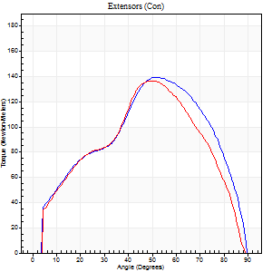
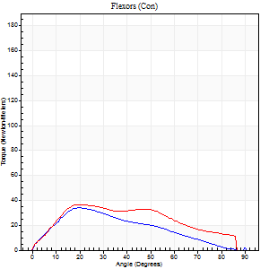
Right Side Curves Left Side Curves
Isokinetic Con/Con |  |  |  | Extensors (Con) |  | Flexors (Con)
Speed 60/60 d/s 3 Reps |  |  |  | Value | Cof Var | %BW | Value | Cof Var | %BW | Ratio

TORQUE PARAMETERS
Peak Torque (Newton-Meters - Best Repetition)
Right |  |  |  | 140 | 0.08 | 176 | 34 | 0.27 | 42 | 24
Left |  |  |  | 137 | 0.17 | 170 | 37 | 0.54 | 45 | 27
Deficit |  |  |  | 2 |  |  | 7
Work per Repetition (Newton-Meters - Best Repetition)
Right |  |  |  | 138 | 0.07 | 173 | 30 | 0.21 | 36 | 22
Left |  |  |  | 129 | 0.13 | 161 | 38 | 0.53 | 48 | 29
Deficit |  |  |  | 7 |  |  | 21
Average Power per Repetition (Watts - Best Repetition)
Right |  |  |  | 89 | 0.07 | 112 | 20 | 0.23 | 24 | 22
Left |  |  |  | 83 | 0.13 | 103 | 23 | 0.51 | 29 | 28
Deficit |  |  |  | 7 |  |  | 13
POSITION PARAMETERS
Joint Angle at Peak Torque (Degrees)
Right |  |  |  | 58 | 0.12 |  | 31 | 0.44
Left |  |  |  | 56 | 0.1 |  | 23 | 0.17
Range of Motion (Degrees)
Right |  |  |  | 0 | 0.71 |  | 90 | 0
Left |  |  |  | 0 | 0.47 |  | 90 | 0
TIME PARAMETERS
Time to Peak Torque (Seconds)
Right |  |  |  | 0.6 | 0.13 |  | 0.56 | 0.4
Left |  |  |  | 0.63 | 0.12 |  | 0.46 | 0.11
Time Peak Torque Held (Seconds)
Right |  |  |  | 0.04 | 0.25 |  | 0.01 | 1.73
Left |  |  |  | 0.03 | 0.67 |  | 0.03 | 0.92
Force Decay Time (Seconds)
Right |  |  |  | 0.97 | 0.12 |  | 0.99 | 0.26
Left |  |  |  | 0.93 | 0.12 |  | 1.07 | 0.03
Reciprocal Delay (Seconds)
Right |  |  |  | 0.47 | 0.34 |  | 0.29 | 0.22
Left |  |  |  | 0.16 | 0.27 |  | 0.34 | 0.15
Delay Time (Seconds)
Right |  |  |  | 0 | 0 |  | 0 | 0
Left |  |  |  | 0.01 | 2.83 |  | -0.03 | -0.69
HUMAC2015® Version: 15.000.0074 © Computer Sports Medicine, Inc. www.csmisolutions.com

Use File, Preference to set Report Heading
Long Form Torque vs. Position Report - Knee Extension/Flexion
Name: |  |  |  | TR030_FP3049, | ID: | TR030 | Right/Left: | 07.11.2022 07.11.2022
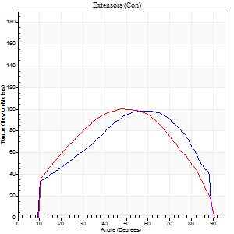
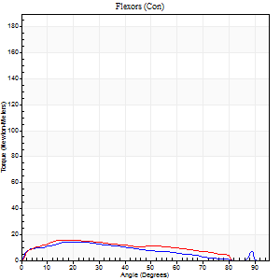
Right Side Curves Left Side Curves
Isokinetic Con/Con |  |  |  | Extensors (Con) |  | Flexors (Con)
Speed 120/120 d/s 3 Reps |  |  |  | Value | Cof Var | %BW | Value | Cof Var | %BW | Ratio

TORQUE PARAMETERS
Peak Torque (Newton-Meters - Best Repetition)
Right |  |  |  | 99 | 0.02 | 122 | 14 | 0.13 | 18 | 14
Left |  |  |  | 100 | 0.09 | 125 | 16 | 0.11 | 21 | 16
Deficit |  |  |  | 1 |  |  | 17
Work per Repetition (Newton-Meters - Best Repetition)
Right |  |  |  | 100 | 0.12 | 125 | 12 | 0.22 | 15 | 12
Left |  |  |  | 102 | 0.04 | 128 | 15 | 0.12 | 18 | 15
Deficit |  |  |  | 1 |  |  | 18
Average Power per Repetition (Watts - Best Repetition)
Right |  |  |  | 112 | 0.09 | 141 | 14 | 0.27 | 18 | 12
Left |  |  |  | 117 | 0.03 | 145 | 18 | 0.13 | 22 | 15
Deficit |  |  |  | 4 |  |  | 22
POSITION PARAMETERS
Joint Angle at Peak Torque (Degrees)
Right |  |  |  | 58 | 0.02 |  | 23 | 0.1
Left |  |  |  | 47 | 0.03 |  | 20 | 0.07
Range of Motion (Degrees)
Right |  |  |  | 0 | 0.71 |  | 90 | 0
Left |  |  |  | 0 | 1.41 |  | 89 | 0.01
TIME PARAMETERS
Time to Peak Torque (Seconds)
Right |  |  |  | 0.34 | 0.08 |  | 0.33 | 0.16
Left |  |  |  | 0.38 | 0.02 |  | 0.28 | 0.14
Time Peak Torque Held (Seconds)
Right |  |  |  | 0.02 | 0.65 |  | 0.03 | 1.73
Left |  |  |  | 0.03 | 0.58 |  | 0.01 | 1.73
Force Decay Time (Seconds)
Right |  |  |  | 0.52 | 0.12 |  | 0.59 | 0.23
Left |  |  |  | 0.42 | 0.04 |  | 0.57 | 0.04
Reciprocal Delay (Seconds)
Right |  |  |  | 0.25 | 0.47 |  | 0.19 | 0.03
Left |  |  |  | 0.04 | 0 |  | 0.22 | 0.48
Delay Time (Seconds)
Right |  |  |  | 0.01 | 4.24 |  | -0.02 | -0.5
Left |  |  |  | -0.01 | -0.47 |  | -0.03 | -0.35
HUMAC2015® Version: 15.000.0074 © Computer Sports Medicine, Inc. www.csmisolutions.com

Use File, Preference to set Report Heading
Long Form Torque vs. Position Report - Knee Extension/Flexion
Name: |  |  |  | TR030_FP3049, | ID: | TR030 | Right/Left: | 07.11.2022 07.11.2022
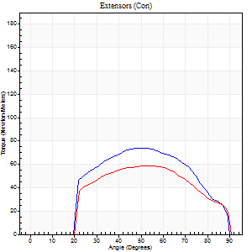
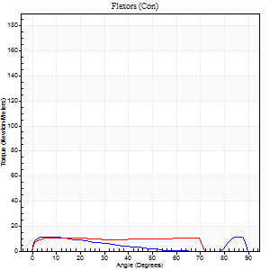
Right Side Curves Left Side Curves
Isokinetic Con/Con |  |  |  | Extensors (Con) |  | Flexors (Con)
Speed 240/240 d/s 3 Reps |  |  |  | Value | Cof Var | %BW | Value | Cof Var | %BW | Ratio

TORQUE PARAMETERS
Peak Torque (Newton-Meters - Best Repetition)
Right |  |  |  | 75 | 0.07 | 92 | 11 | 0.15 | 15 | 15
Left |  |  |  | 58 | 0.1 | 72 | 11 | 0.13 | 15 | 19
Deficit |  |  |  | 22 |  |  | 0
Work per Repetition (Newton-Meters - Best Repetition)
Right |  |  |  | 69 | 0.06 | 86 | 8 | 0.21 | 9 | 12
Left |  |  |  | 57 | 0.07 | 72 | 12 | 0.25 | 15 | 21
Deficit |  |  |  | 18 |  |  | 33
Average Power per Repetition (Watts - Best Repetition)
Right |  |  |  | 120 | 0.07 | 149 | 12 | 0.27 | 15 | 10
Left |  |  |  | 99 | 0.04 | 123 | 19 | 0.27 | 24 | 19
Deficit |  |  |  | 18 |  |  | 37
POSITION PARAMETERS
Joint Angle at Peak Torque (Degrees)
Right |  |  |  | 52 | 0.04 |  | 32 | 1.41
Left |  |  |  | 49 | 0.11 |  | 12 | 0.64
Range of Motion (Degrees)
Right |  |  |  | 0 | 0.28 |  | 90 | 0.01
Left |  |  |  | 0 | 0.94 |  | 89 | 0.01
TIME PARAMETERS
Time to Peak Torque (Seconds)
Right |  |  |  | 0.25 | 0 |  | 0.3 | 0.73
Left |  |  |  | 0.24 | 0.06 |  | 0.21 | 0.31
Time Peak Torque Held (Seconds)
Right |  |  |  | 0.01 | 1.15 |  | 0.03 | 1.73
Left |  |  |  | 0.02 | 0.5 |  | 0.1 | 1.41
Force Decay Time (Seconds)
Right |  |  |  | 0.32 | 0.02 |  | 0.34 | 0.72
Left |  |  |  | 0.28 | 0.07 |  | 0.32 | 0.58
Reciprocal Delay (Seconds)
Right |  |  |  | 0.06 | 0.11 |  | 0.27 | 0.42
Left |  |  |  | 0.04 | 0 |  | 0.19 | 0.34
Delay Time (Seconds)
Right |  |  |  | -0.04 | -0.2 |  | -0.05 | -0.2
Left |  |  |  | -0.01 | -0.47 |  | -0.05 | 0
HUMAC2015® Version: 15.000.0074 © Computer Sports Medicine, Inc. www.csmisolutions.com

Use File, Preference to set Report Heading
Isometric - Knee Extension/Flexion
Name: |  |  |  | TR030_FP3049, | ID: | TR030 | Right/Left: | 07.11.2022 07.11.2022

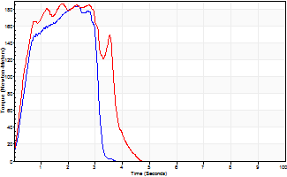
Isometric Extensors (Con) Angle 60 Time 10 Repetition 2 (Best Repetition)
 | Value | Cof Var | %BW
Peak Torque (Newton-Meters)
Right | 184 | 0.04 | 229
Left | 186 | 0.02 | 232
Deficit | 1
Average Torque (Newton-Meters)
Right | 56 | 0.13 | 69
Left | 60 | 0.12 | 75
Deficit | 7
Peak Torque Slope (Newton-Meters/Seconds)
Right | 78 | 0.03 | 97
Left | 104 | 0.13 | 129 |  | Right Side Curves Left Side Curves
Deficit | 25
Time to Half Peak Torque (Seconds)
Right | 0.28 | 0.69
Left | 0.29 | 0.15
Time to Peak Torque (Seconds)
Right | 2.33 | 0.02
Left | 1.93 | 0.11
HUMAC2015® Version: 15.000.0074 © Computer Sports Medicine, Inc. www.csmisolutions.com

post1
Use File, Preference to set Report Heading
Long Form Torque vs. Position Report - Knee Extension/Flexion
Name: |  |  |  | TR030_FP3049, | ID: | TR030 | Right/Left: | 05.12.2022 05.12.2022
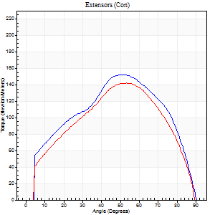
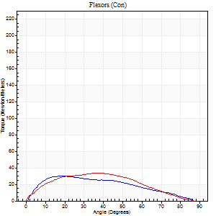
Right Side Curves Left Side Curves
Isokinetic Con/Con |  |  |  | Extensors (Con) |  | Flexors (Con)
Speed 60/60 d/s 3 Reps |  |  |  | Value | Cof Var | %BW | Value | Cof Var | %BW | Ratio

TORQUE PARAMETERS
Peak Torque (Newton-Meters - Best Repetition)
Right |  |  |  | 152 | 0.04 | 191 | 30 | 0.19 | 36 | 20
Left |  |  |  | 142 | 0.06 | 179 | 34 | 0.23 | 42 | 24
Deficit |  |  |  | 6 |  |  | 12
Work per Repetition (Newton-Meters - Best Repetition)
Right |  |  |  | 160 | 0.08 | 200 | 28 | 0.22 | 36 | 18
Left |  |  |  | 145 | 0.08 | 182 | 31 | 0.18 | 39 | 21
Deficit |  |  |  | 9 |  |  | 9
Average Power per Repetition (Watts - Best Repetition)
Right |  |  |  | 100 | 0.08 | 125 | 19 | 0.27 | 24 | 19
Left |  |  |  | 93 | 0.08 | 116 | 21 | 0.2 | 26 | 23
Deficit |  |  |  | 7 |  |  | 10
POSITION PARAMETERS
Joint Angle at Peak Torque (Degrees)
Right |  |  |  | 56 | 0.09 |  | 19 | 0.12
Left |  |  |  | 51 | 0.1 |  | 29 | 0.28
Range of Motion (Degrees)
Right |  |  |  | 0 | 0 |  | 90 | 0
Left |  |  |  | 0 | 0 |  | 90 | 0
TIME PARAMETERS
Time to Peak Torque (Seconds)
Right |  |  |  | 0.62 | 0.15 |  | 0.35 | 0.17
Left |  |  |  | 0.69 | 0.15 |  | 0.54 | 0.25
Time Peak Torque Held (Seconds)
Right |  |  |  | 0.04 | 0.31 |  | 0.06 | 0.88
Left |  |  |  | 0.05 | 0.39 |  | 0.1 | 1.13
Force Decay Time (Seconds)
Right |  |  |  | 0.95 | 0.08 |  | 1.15 | 0.08
Left |  |  |  | 0.84 | 0.11 |  | 0.93 | 0.2
Reciprocal Delay (Seconds)
Right |  |  |  | 0.18 | 0.31 |  | 0.35 | 0.15
Left |  |  |  | 0.18 | 0.24 |  | 0.28 | 0.17
Delay Time (Seconds)
Right |  |  |  | -0.02 | -0.71 |  | 0 | -6.24
Left |  |  |  | 0.01 | 1.41 |  | -0.01 | -0.43
HUMAC2015® Version: 15.000.0074 © Computer Sports Medicine, Inc. www.csmisolutions.com

Use File, Preference to set Report Heading
Long Form Torque vs. Position Report - Knee Extension/Flexion
Name: |  |  |  | TR030_FP3049, | ID: | TR030 | Right/Left: | 05.12.2022 05.12.2022
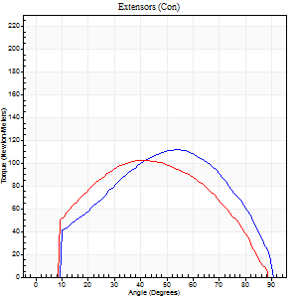
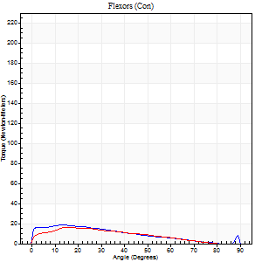
Right Side Curves Left Side Curves
Isokinetic Con/Con |  |  |  | Extensors (Con) |  | Flexors (Con)
Speed 120/120 d/s 3 Reps |  |  |  | Value | Cof Var | %BW | Value | Cof Var | %BW | Ratio

TORQUE PARAMETERS
Peak Torque (Newton-Meters - Best Repetition)
Right |  |  |  | 111 | 0.05 | 140 | 19 | 0.23 | 24 | 17
Left |  |  |  | 103 | 0.08 | 128 | 16 | 0.2 | 21 | 16
Deficit |  |  |  | 7 |  |  | 14
Work per Repetition (Newton-Meters - Best Repetition)
Right |  |  |  | 117 | 0.05 | 146 | 15 | 0.2 | 18 | 13
Left |  |  |  | 104 | 0.04 | 131 | 15 | 0.19 | 18 | 14
Deficit |  |  |  | 10 |  |  | 0
Average Power per Repetition (Watts - Best Repetition)
Right |  |  |  | 134 | 0.05 | 167 | 16 | 0.21 | 20 | 12
Left |  |  |  | 120 | 0.06 | 149 | 16 | 0.16 | 20 | 13
Deficit |  |  |  | 10 |  |  | 0
POSITION PARAMETERS
Joint Angle at Peak Torque (Degrees)
Right |  |  |  | 54 | 0.04 |  | 18 | 0.29
Left |  |  |  | 42 | 0.12 |  | 38 | 0.99
Range of Motion (Degrees)
Right |  |  |  | 0 | 0.2 |  | 90 | 0
Left |  |  |  | 0 | 1.41 |  | 90 | 0.01
TIME PARAMETERS
Time to Peak Torque (Seconds)
Right |  |  |  | 0.35 | 0.08 |  | 0.27 | 0.21
Left |  |  |  | 0.47 | 0.11 |  | 0.44 | 0.76
Time Peak Torque Held (Seconds)
Right |  |  |  | 0.04 | 0.25 |  | 0.01 | 1.73
Left |  |  |  | 0.03 | 0.43 |  | 0.01 | 1.73
Force Decay Time (Seconds)
Right |  |  |  | 0.48 | 0.07 |  | 0.63 | 0.1
Left |  |  |  | 0.4 | 0.1 |  | 0.45 | 0.61
Reciprocal Delay (Seconds)
Right |  |  |  | 0.07 | 0.2 |  | 0.24 | 0.3
Left |  |  |  | 0.08 | 0.35 |  | 0.19 | 0.25
Delay Time (Seconds)
Right |  |  |  | -0.02 | 0 |  | -0.04 | -0.13
Left |  |  |  | -0.01 | -1.41 |  | -0.03 | -0.17
HUMAC2015® Version: 15.000.0074 © Computer Sports Medicine, Inc. www.csmisolutions.com

Use File, Preference to set Report Heading
Long Form Torque vs. Position Report - Knee Extension/Flexion
Name: |  |  |  | TR030_FP3049, | ID: | TR030 | Right/Left: | 05.12.2022 05.12.2022
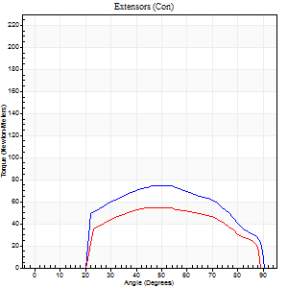
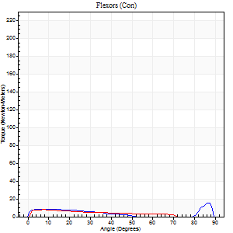
Right Side Curves Left Side Curves
Isokinetic Con/Con |  |  |  | Extensors (Con) |  | Flexors (Con)
Speed 240/240 d/s 3 Reps |  |  |  | Value | Cof Var | %BW | Value | Cof Var | %BW | Ratio

TORQUE PARAMETERS
Peak Torque (Newton-Meters - Best Repetition)
Right |  |  |  | 75 | 0.03 | 92 | 15 | 0.32 | 18 | 20
Left |  |  |  | 54 | 0.01 | 69 | 8 | 0.04 | 9 | 15
Deficit |  |  |  | 27 |  |  | 45
Work per Repetition (Newton-Meters - Best Repetition)
Right |  |  |  | 72 | 0.06 | 89 | 7 | 0.28 | 9 | 9
Left |  |  |  | 53 | 0.09 | 66 | 7 | 0.25 | 9 | 13
Deficit |  |  |  | 26 |  |  | 0
Average Power per Repetition (Watts - Best Repetition)
Right |  |  |  | 125 | 0.04 | 156 | 10 | 0.4 | 13 | 8
Left |  |  |  | 99 | 0.07 | 123 | 10 | 0.28 | 13 | 10
Deficit |  |  |  | 21 |  |  | 0
POSITION PARAMETERS
Joint Angle at Peak Torque (Degrees)
Right |  |  |  | 52 | 0.06 |  | 60 | 0.79
Left |  |  |  | 55 | 0.09 |  | 6 | 0.53
Range of Motion (Degrees)
Right |  |  |  | 0 | 0.47 |  | 90 | 0.01
Left |  |  |  | 0 | 0.9 |  | 89 | 0.01
TIME PARAMETERS
Time to Peak Torque (Seconds)
Right |  |  |  | 0.25 | 0.03 |  | 0.53 | 0.6
Left |  |  |  | 0.22 | 0.03 |  | 0.17 | 0.23
Time Peak Torque Held (Seconds)
Right |  |  |  | 0.01 | 1 |  | 0.03 | 1.73
Left |  |  |  | 0.01 | 0.87 |  | 0.02 | 0.92
Force Decay Time (Seconds)
Right |  |  |  | 0.31 | 0.02 |  | 0.22 | 1.37
Left |  |  |  | 0.31 | 0.04 |  | 0.52 | 0.12
Reciprocal Delay (Seconds)
Right |  |  |  | 0.06 | 0.47 |  | 0.28 | 0.23
Left |  |  |  | 0.04 | 0.2 |  | 0.14 | 0.59
Delay Time (Seconds)
Right |  |  |  | -0.03 | 0 |  | -0.05 | -0.4
Left |  |  |  | -0.02 | 0 |  | -0.06 | 0
HUMAC2015® Version: 15.000.0074 © Computer Sports Medicine, Inc. www.csmisolutions.com

Use File, Preference to set Report Heading
Isometric - Knee Extension/Flexion
Name: |  |  |  | TR030_FP3049, | ID: | TR030 | Right/Left: | 05.12.2022 05.12.2022

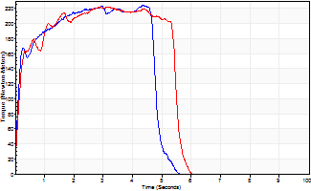
Isometric Extensors (Con) Angle 60 Time 10 Repetition 2 (Best Repetition)
 | Value | Cof Var | %BW
Peak Torque (Newton-Meters)
Right | 225 | 0.01 | 280
Left | 222 | 0 | 277
Deficit | 1
Average Torque (Newton-Meters)
Right | 98 | 0.01 | 122
Left | 111 | 0.15 | 140
Deficit | 12
Peak Torque Slope (Newton-Meters/Seconds)
Right | 79 | 0.3 | 99
Left | 73 | 0.03 | 91 |  | Right Side Curves Left Side Curves
Deficit | 7
Time to Half Peak Torque (Seconds)
Right | 0.15 | 0.28
Left | 0.18 | 0.2
Time to Peak Torque (Seconds)
Right | 3.57 | 0.31
Left | 3.09 | 0.03
HUMAC2015® Version: 15.000.0074 © Computer Sports Medicine, Inc. www.csmisolutions.com

