pre1
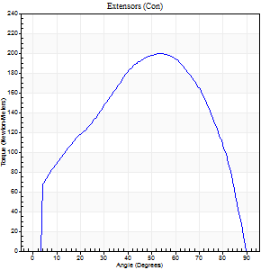
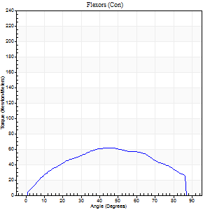
Use File, Preference to set Report Heading
Long Form Torque vs. Position Report - Knee Extension/Flexion
Name: |  |  |  | TR030_FP3050, | ID: | TR030 | Right/Left: | 12.09.2022 12.09.2022

Right Side Curves Left Side Curves
Isokinetic Con/Con |  |  |  | Extensors (Con) |  | Flexors (Con)
Speed 60/60 d/s 3 Reps |  |  |  | Value | Cof Var | %BW | Value | Cof Var | %BW | Ratio

TORQUE PARAMETERS
Peak Torque (Newton-Meters - Best Repetition)
Right |  |  |  | 199 | 0.04 | 250 | 61 | 0.39 | 77 | 31
Left |  |  |  | 118 | 0.24 | 146 | 50 | 0.79 | 63 | 43
Deficit |  |  |  | 0 |  |  | 0
Work per Repetition (Newton-Meters - Best Repetition)
Right |  |  |  | 212 | 0.05 | 265 | 66 | 0.43 | 83 | 31
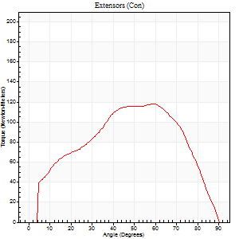
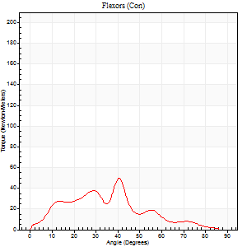
Left |  |  |  | 123 | 0.35 | 155 | 41 | 0.86 | 51 | 33
Deficit |  |  |  | 0 |  |  | 0
Average Power per Repetition (Watts - Best Repetition)
Right |  |  |  | 135 | 0.08 | 169 | 43 | 0.43 | 53 | 32
Left |  |  |  | 78 | 0.35 | 97 | 25 | 0.86 | 31 | 32
Deficit |  |  |  | 0 |  |  | 0
POSITION PARAMETERS
Joint Angle at Peak Torque (Degrees)
Right |  |  |  | 50 | 0.06 |  | 37 | 0.2
Left |  |  |  | 46 | 0.42 |  | 30 | 0.83
Range of Motion (Degrees)
Right |  |  |  | 0 | 0 |  | 90 | 0
Left |  |  |  | 0 | -0.47 |  | 90 | 0
TIME PARAMETERS
Time to Peak Torque (Seconds)
Right |  |  |  | 0.65 | 0.09 |  | 0.65 | 0.17
Left |  |  |  | 0.89 | 0.4 |  | 0.59 | 0.64
Time Peak Torque Held (Seconds)
Right |  |  |  | 0.07 | 0.09 |  | 0.04 | 0.48
Left |  |  |  | 0.04 | 0.25 |  | 0.03 | 1
Force Decay Time (Seconds)
Right |  |  |  | 0.83 | 0.05 |  | 0.85 | 0.15
Left |  |  |  | 0.77 | 0.43 |  | 1.1 | 0.55
Reciprocal Delay (Seconds)
Right |  |  |  | 0.36 | 0 |  | 0.63 | 0.09
Left |  |  |  | 0.41 | 0.96 |  | 0.53 | 0.07
Delay Time (Seconds)
Right |  |  |  | 0 | -1.41 |  | 0.02 | 1.39
Left |  |  |  | 0.14 | 1.72 |  | -0.04 | -1.03
HUMAC2015® Version: 15.000.0074 © Computer Sports Medicine, Inc. www.csmisolutions.com

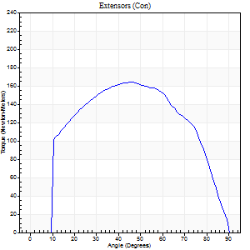
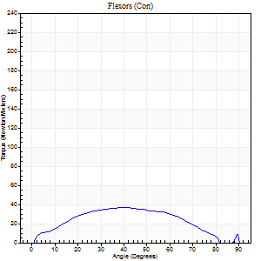
Use File, Preference to set Report Heading
Long Form Torque vs. Position Report - Knee Extension/Flexion
Name: |  |  |  | TR030_FP3050, | ID: | TR030 | Right/Left: | 12.09.2022 12.09.2022

Right Side Curves Left Side Curves
Isokinetic Con/Con |  |  |  | Extensors (Con) |  | Flexors (Con)
Speed 120/120 d/s 3 Reps |  |  |  | Value | Cof Var | %BW | Value | Cof Var | %BW | Ratio

TORQUE PARAMETERS
Peak Torque (Newton-Meters - Best Repetition)
Right |  |  |  | 164 | 0.04 | 206 | 37 | 0.63 | 45 | 22
Left |  |  |  | 130 | 0.14 | 164 | 27 | 0.65 | 33 | 21
Deficit |  |  |  | 0 |  |  | 0
Work per Repetition (Newton-Meters - Best Repetition)
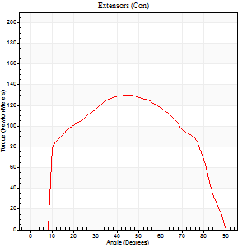
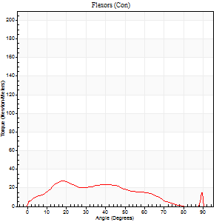
Right |  |  |  | 178 | 0.06 | 221 | 35 | 0.84 | 45 | 20
Left |  |  |  | 142 | 0.15 | 179 | 23 | 0.9 | 30 | 16
Deficit |  |  |  | 0 |  |  | 0
Average Power per Repetition (Watts - Best Repetition)
Right |  |  |  | 185 | 0.15 | 231 | 41 | 0.89 | 51 | 22
Left |  |  |  | 154 | 0.16 | 193 | 25 | 0.95 | 31 | 16
Deficit |  |  |  | 0 |  |  | 0
POSITION PARAMETERS
Joint Angle at Peak Torque (Degrees)
Right |  |  |  | 46 | 0.09 |  | 24 | 0.63
Left |  |  |  | 44 | 0.02 |  | 14 | 0.81
Range of Motion (Degrees)
Right |  |  |  | 0 | -0.47 |  | 90 | 0
Left |  |  |  | 0 | -0.28 |  | 90 | 0
TIME PARAMETERS
Time to Peak Torque (Seconds)
Right |  |  |  | 0.62 | 0.1 |  | 0.29 | 0.25
Left |  |  |  | 0.44 | 0.02 |  | 0.25 | 0.59
Time Peak Torque Held (Seconds)
Right |  |  |  | 0.03 | 0.67 |  | 0.03 | 0.62
Left |  |  |  | 0.03 | 0.43 |  | 0.02 | 1.73
Force Decay Time (Seconds)
Right |  |  |  | 0.44 | 0.07 |  | 0.79 | 0.64
Left |  |  |  | 0.45 | 0.03 |  | 0.79 | 0.31
Reciprocal Delay (Seconds)
Right |  |  |  | 0.34 | 0.27 |  | 0.41 | 0.81
Left |  |  |  | 0.31 | 0.16 |  | 0.58 | 0.26
Delay Time (Seconds)
Right |  |  |  | -0.23 | -0.37 |  | 0.02 | 3.77
Left |  |  |  | -0.01 | -0.47 |  | -0.04 | -0.63
HUMAC2015® Version: 15.000.0074 © Computer Sports Medicine, Inc. www.csmisolutions.com

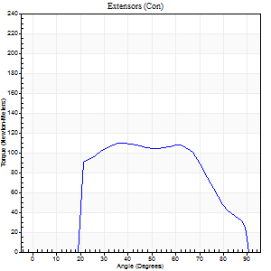
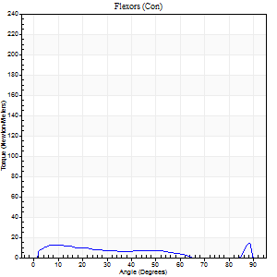
Use File, Preference to set Report Heading
Long Form Torque vs. Position Report - Knee Extension/Flexion
Name: |  |  |  | TR030_FP3050, | ID: | TR030 | Right/Left: | 12.09.2022 12.09.2022

Right Side Curves Left Side Curves
Isokinetic Con/Con |  |  |  | Extensors (Con) |  | Flexors (Con)
Speed 240/240 d/s 3 Reps |  |  |  | Value | Cof Var | %BW | Value | Cof Var | %BW | Ratio

TORQUE PARAMETERS
Peak Torque (Newton-Meters - Best Repetition)
Right |  |  |  | 110 | 0.06 | 137 | 15 | 0.23 | 18 | 14
Left |  |  |  | 88 | 0.13 | 110 | 15 | 0.4 | 18 | 17
Deficit |  |  |  | 0 |  |  | 0
Work per Repetition (Newton-Meters - Best Repetition)
Right |  |  |  | 108 | 0.1 | 134 | 9 | 0.23 | 12 | 9
Left |  |  |  | 83 | 0.15 | 104 | 11 | 0.86 | 15 | 13
Deficit |  |  |  | 0 |  |  | 0
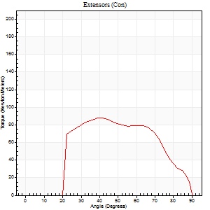
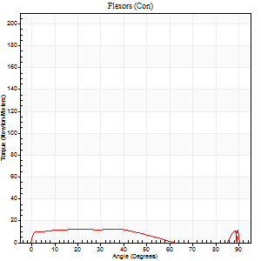
Average Power per Repetition (Watts - Best Repetition)
Right |  |  |  | 184 | 0.14 | 231 | 15 | 0.26 | 20 | 8
Left |  |  |  | 142 | 0.18 | 178 | 14 | 0.96 | 18 | 10
Deficit |  |  |  | 0 |  |  | 0
POSITION PARAMETERS
Joint Angle at Peak Torque (Degrees)
Right |  |  |  | 46 | 0.26 |  | 35 | 1.33
Left |  |  |  | 53 | 0.24 |  | 34 | 1.4
Range of Motion (Degrees)
Right |  |  |  | 0 | 1.41 |  | 90 | 0
Left |  |  |  | 0 | 0 |  | 90 | 0
TIME PARAMETERS
Time to Peak Torque (Seconds)
Right |  |  |  | 0.31 | 0.02 |  | 0.25 | 1
Left |  |  |  | 0.27 | 0.08 |  | 0.4 | 0.96
Time Peak Torque Held (Seconds)
Right |  |  |  | 0.01 | 0.43 |  | 0 | 1.73
Left |  |  |  | 0.01 | 0 |  | 0 | 1.73
Force Decay Time (Seconds)
Right |  |  |  | 0.29 | 0.27 |  | 0.37 | 0.73
Left |  |  |  | 0.33 | 0.18 |  | 0.54 | 1
Reciprocal Delay (Seconds)
Right |  |  |  | 0.24 | 0.06 |  | 0.15 | 0.34
Left |  |  |  | 0.22 | 0.49 |  | 0.4 | 0.43
Delay Time (Seconds)
Right |  |  |  | -0.04 | 0 |  | 0.05 | 0.78
Left |  |  |  | 0.06 | 1.65 |  | -0.04 | -0.31
HUMAC2015® Version: 15.000.0074 © Computer Sports Medicine, Inc. www.csmisolutions.com

Use File, Preference to set Report Heading
Isometric - Knee Extension/Flexion
Name: |  |  |  | TR030_FP3050, | ID: | TR030 | Right/Left: | 12.09.2022 12.09.2022

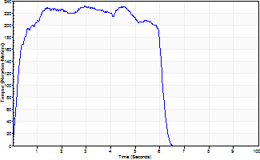
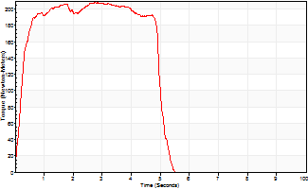
Isometric Extensors (Con) Angle 60 Time 10 Repetition 2 (Best Repetition)
 | Value | Cof Var | %BW
Peak Torque (Newton-Meters)
Right | 231 | 0.04 | 289
Left | 207 | 0.02 | 259
Deficit | 0
Average Torque (Newton-Meters)
Right | 138 | 0.05 | 173
Left | 96 | 0.02 | 119
Deficit | 0
Peak Torque Slope (Newton-Meters/Seconds)
Right | 79 | 0.31 | 98
Left | 73 | 0.25 | 91 |  | Right Side Curves Left Side Curves
Deficit | 0
Time to Half Peak Torque (Seconds)
Right | 0.25 | 0.14
Left | 0.28 | 0.25
Time to Peak Torque (Seconds)
Right | 3.64 | 0.27
Left | 3.39 | 0.23
HUMAC2015® Version: 15.000.0074 © Computer Sports Medicine, Inc. www.csmisolutions.com

pre2
Use File, Preference to set Report Heading
Long Form Torque vs. Position Report - Knee Extension/Flexion
Name: |  |  |  | TR030_FP3050, | ID: | TR030 | Right/Left: | 20.09.2022 20.09.2022
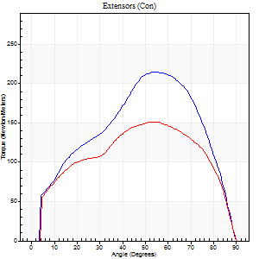
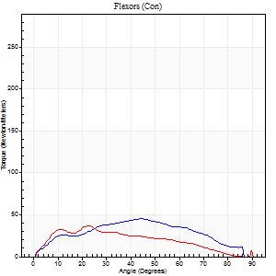
Right Side Curves Left Side Curves
Isokinetic Con/Con |  |  |  | Extensors (Con) |  | Flexors (Con)
Speed 60/60 d/s 3 Reps |  |  |  | Value | Cof Var | %BW | Value | Cof Var | %BW | Ratio

TORQUE PARAMETERS
Peak Torque (Newton-Meters - Best Repetition)
Right |  |  |  | 214 | 0.02 | 268 | 45 | 0.35 | 57 | 21
Left |  |  |  | 152 | 0.03 | 191 | 37 | 0.43 | 45 | 24
Deficit |  |  |  | 29 |  |  | 18
Work per Repetition (Newton-Meters - Best Repetition)
Right |  |  |  | 224 | 0.02 | 280 | 43 | 0.44 | 54 | 19
Left |  |  |  | 168 | 0.03 | 209 | 31 | 0.56 | 39 | 19
Deficit |  |  |  | 25 |  |  | 28
Average Power per Repetition (Watts - Best Repetition)
Right |  |  |  | 143 | 0.1 | 178 | 28 | 0.42 | 35 | 20
Left |  |  |  | 107 | 0.03 | 134 | 20 | 0.55 | 24 | 19
Deficit |  |  |  | 25 |  |  | 29
POSITION PARAMETERS
Joint Angle at Peak Torque (Degrees)
Right |  |  |  | 54 | 0.02 |  | 31 | 0.56
Left |  |  |  | 49 | 0.17 |  | 15 | 0.47
Range of Motion (Degrees)
Right |  |  |  | 0 | 0 |  | 90 | 0
Left |  |  |  | 0 | -0.47 |  | 90 | 0
TIME PARAMETERS
Time to Peak Torque (Seconds)
Right |  |  |  | 0.61 | 0.04 |  | 0.55 | 0.5
Left |  |  |  | 0.73 | 0.22 |  | 0.28 | 0.37
Time Peak Torque Held (Seconds)
Right |  |  |  | 0.04 | 0 |  | 0.01 | 1.73
Left |  |  |  | 0.05 | 0.45 |  | 0.01 | 1
Force Decay Time (Seconds)
Right |  |  |  | 0.92 | 0.02 |  | 0.97 | 0.22
Left |  |  |  | 0.83 | 0.15 |  | 1.26 | 0.06
Reciprocal Delay (Seconds)
Right |  |  |  | 0.43 | 0.26 |  | 0.47 | 0.39
Left |  |  |  | 0.27 | 0.42 |  | 0.31 | 0.45
Delay Time (Seconds)
Right |  |  |  | 0 | 1.41 |  | 0.03 | 1.42
Left |  |  |  | 0 | 0 |  | 0 | 6.24
HUMAC2015® Version: 15.000.0074 © Computer Sports Medicine, Inc. www.csmisolutions.com

Use File, Preference to set Report Heading
Long Form Torque vs. Position Report - Knee Extension/Flexion
Name: |  |  |  | TR030_FP3050, | ID: | TR030 | Right/Left: | 20.09.2022 20.09.2022
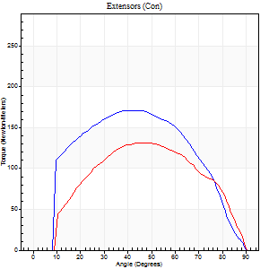
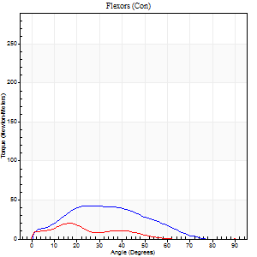
Right Side Curves Left Side Curves
Isokinetic Con/Con |  |  |  | Extensors (Con) |  | Flexors (Con)
Speed 120/120 d/s 3 Reps |  |  |  | Value | Cof Var | %BW | Value | Cof Var | %BW | Ratio

TORQUE PARAMETERS
Peak Torque (Newton-Meters - Best Repetition)
Right |  |  |  | 171 | 0.03 | 215 | 43 | 0.39 | 54 | 25
Left |  |  |  | 132 | 0.1 | 164 | 20 | 0.47 | 27 | 15
Deficit |  |  |  | 23 |  |  | 53
Work per Repetition (Newton-Meters - Best Repetition)
Right |  |  |  | 184 | 0.02 | 229 | 34 | 0.48 | 42 | 18
Left |  |  |  | 137 | 0.15 | 170 | 11 | 0.64 | 15 | 8
Deficit |  |  |  | 26 |  |  | 68
Average Power per Repetition (Watts - Best Repetition)
Right |  |  |  | 204 | 0.06 | 255 | 39 | 0.49 | 48 | 19
Left |  |  |  | 149 | 0.19 | 187 | 10 | 0.7 | 13 | 7
Deficit |  |  |  | 27 |  |  | 74
POSITION PARAMETERS
Joint Angle at Peak Torque (Degrees)
Right |  |  |  | 43 | 0.06 |  | 23 | 0.13
Left |  |  |  | 49 | 0.09 |  | 13 | 0.49
Range of Motion (Degrees)
Right |  |  |  | 0 | -0.2 |  | 90 | 0
Left |  |  |  | 0 | 1.41 |  | 90 | 0
TIME PARAMETERS
Time to Peak Torque (Seconds)
Right |  |  |  | 0.45 | 0.08 |  | 0.27 | 0.04
Left |  |  |  | 0.41 | 0.03 |  | 0.22 | 0.31
Time Peak Torque Held (Seconds)
Right |  |  |  | 0.03 | 0.22 |  | 0.01 | 0.87
Left |  |  |  | 0.02 | 0.35 |  | 0.02 | 0.69
Force Decay Time (Seconds)
Right |  |  |  | 0.43 | 0.04 |  | 0.61 | 0.05
Left |  |  |  | 0.52 | 0.15 |  | 0.93 | 0.13
Reciprocal Delay (Seconds)
Right |  |  |  | 0.19 | 0.74 |  | 0.45 | 0.14
Left |  |  |  | 0.43 | 0.45 |  | 0.3 | 0.05
Delay Time (Seconds)
Right |  |  |  | -0.03 | -0.47 |  | -0.01 | -2.29
Left |  |  |  | -0.01 | -0.47 |  | -0.04 | -0.57
HUMAC2015® Version: 15.000.0074 © Computer Sports Medicine, Inc. www.csmisolutions.com

Use File, Preference to set Report Heading
Long Form Torque vs. Position Report - Knee Extension/Flexion
Name: |  |  |  | TR030_FP3050, | ID: | TR030 | Right/Left: | 20.09.2022 20.09.2022
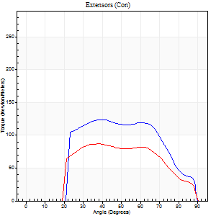
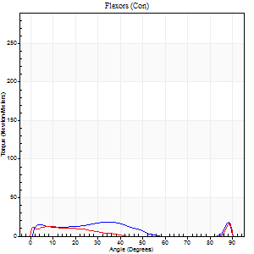
Right Side Curves Left Side Curves
Isokinetic Con/Con |  |  |  | Extensors (Con) |  | Flexors (Con)
Speed 240/240 d/s 3 Reps |  |  |  | Value | Cof Var | %BW | Value | Cof Var | %BW | Ratio

TORQUE PARAMETERS
Peak Torque (Newton-Meters - Best Repetition)
Right |  |  |  | 123 | 0.02 | 155 | 19 | 0.28 | 24 | 15
Left |  |  |  | 87 | 0.14 | 107 | 16 | 0.44 | 21 | 19
Deficit |  |  |  | 30 |  |  | 14
Work per Repetition (Newton-Meters - Best Repetition)
Right |  |  |  | 117 | 0 | 146 | 14 | 0.38 | 18 | 12
Left |  |  |  | 83 | 0.2 | 104 | 7 | 0.57 | 9 | 8
Deficit |  |  |  | 29 |  |  | 50
Average Power per Repetition (Watts - Best Repetition)
Right |  |  |  | 212 | 0.09 | 264 | 22 | 0.4 | 26 | 10
Left |  |  |  | 139 | 0.19 | 174 | 10 | 0.74 | 13 | 7
Deficit |  |  |  | 34 |  |  | 55
POSITION PARAMETERS
Joint Angle at Peak Torque (Degrees)
Right |  |  |  | 39 | 0.02 |  | 29 | 0.51
Left |  |  |  | 54 | 0.26 |  | 38 | 1.14
Range of Motion (Degrees)
Right |  |  |  | 0 | 7.07 |  | 90 | 0
Left |  |  |  | 0 | 2.83 |  | 90 | 0
TIME PARAMETERS
Time to Peak Torque (Seconds)
Right |  |  |  | 0.31 | 0.2 |  | 0.24 | 0.19
Left |  |  |  | 0.26 | 0.13 |  | 0.35 | 0.71
Time Peak Torque Held (Seconds)
Right |  |  |  | 0.01 | 0 |  | 0.09 | 1.73
Left |  |  |  | 0.01 | 0.87 |  | 0 | 0
Force Decay Time (Seconds)
Right |  |  |  | 0.26 | 0.04 |  | 0.27 | 0.79
Left |  |  |  | 0.37 | 0.32 |  | 0.47 | 0.8
Reciprocal Delay (Seconds)
Right |  |  |  | 0.18 | 0.04 |  | 0.2 | 0.7
Left |  |  |  | 0.44 | 0.32 |  | 0.14 | 0.87
Delay Time (Seconds)
Right |  |  |  | -0.06 | -0.94 |  | 0.01 | 1.56
Left |  |  |  | -0.05 | -0.79 |  | -0.01 | -6.06
HUMAC2015® Version: 15.000.0074 © Computer Sports Medicine, Inc. www.csmisolutions.com

Use File, Preference to set Report Heading
Isometric - Knee Extension/Flexion
Name: |  |  |  | TR030_FP3050, | ID: | TR030 | Right/Left: | 20.09.2022 20.09.2022

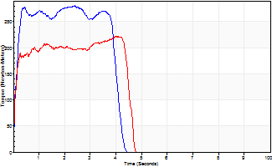
Isometric Extensors (Con) Angle 60 Time 10 Repetition 2 (Best Repetition)
 | Value | Cof Var | %BW
Peak Torque (Newton-Meters)
Right | 281 | 0.05 | 352
Left | 222 | 0.02 | 277
Deficit | 21
Average Torque (Newton-Meters)
Right | 123 | 0.12 | 155
Left | 89 | 0.08 | 113
Deficit | 27
Peak Torque Slope (Newton-Meters/Seconds)
Right | 141 | 0.14 | 176
Left | 105 | 0.43 | 131 |  | Right Side Curves Left Side Curves
Deficit | 26
Time to Half Peak Torque (Seconds)
Right | 0.16 | 0.32
Left | 0.08 | 0.18
Time to Peak Torque (Seconds)
Right | 2.12 | 0.19
Left | 3.01 | 0.45
HUMAC2015® Version: 15.000.0074 © Computer Sports Medicine, Inc. www.csmisolutions.com

mid1
Use File, Preference to set Report Heading
Long Form Torque vs. Position Report - Knee Extension/Flexion
Name: |  |  |  | TR030_FP3050, | ID: | TR030 | Right/Left: | 03.11.2022 03.11.2022
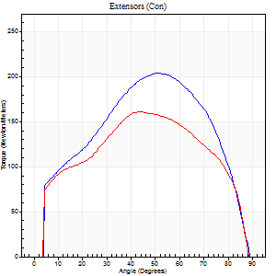
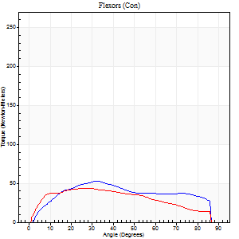
Right Side Curves Left Side Curves
Isokinetic Con/Con |  |  |  | Extensors (Con) |  | Flexors (Con)
Speed 60/60 d/s 3 Reps |  |  |  | Value | Cof Var | %BW | Value | Cof Var | %BW | Ratio

TORQUE PARAMETERS
Peak Torque (Newton-Meters - Best Repetition)
Right |  |  |  | 203 | 0.15 | 253 | 53 | 0.37 | 66 | 26
Left |  |  |  | 161 | 0.15 | 203 | 43 | 0.34 | 54 | 27
Deficit |  |  |  | 21 |  |  | 18
Work per Repetition (Newton-Meters - Best Repetition)
Right |  |  |  | 214 | 0.12 | 268 | 56 | 0.46 | 69 | 26
Left |  |  |  | 179 | 0.15 | 224 | 46 | 0.41 | 57 | 26
Deficit |  |  |  | 16 |  |  | 17
Average Power per Repetition (Watts - Best Repetition)
Right |  |  |  | 137 | 0.16 | 171 | 37 | 0.46 | 46 | 27
Left |  |  |  | 115 | 0.17 | 143 | 30 | 0.4 | 37 | 26
Deficit |  |  |  | 16 |  |  | 19
POSITION PARAMETERS
Joint Angle at Peak Torque (Degrees)
Right |  |  |  | 56 | 0.12 |  | 33 | 0.45
Left |  |  |  | 48 | 0.09 |  | 29 | 0.66
Range of Motion (Degrees)
Right |  |  |  | 0 | -0.28 |  | 90 | 0
Left |  |  |  | 0 | 0 |  | 90 | 0
TIME PARAMETERS
Time to Peak Torque (Seconds)
Right |  |  |  | 0.62 | 0.03 |  | 0.53 | 0.41
Left |  |  |  | 0.69 | 0.13 |  | 0.51 | 0.62
Time Peak Torque Held (Seconds)
Right |  |  |  | 0.06 | 0.4 |  | 0.03 | 0.22
Left |  |  |  | 0.04 | 0.25 |  | 0.03 | 1.08
Force Decay Time (Seconds)
Right |  |  |  | 0.93 | 0.11 |  | 0.94 | 0.23
Left |  |  |  | 0.81 | 0.09 |  | 0.99 | 0.29
Reciprocal Delay (Seconds)
Right |  |  |  | 0.14 | 0.61 |  | 0.23 | 0.28
Left |  |  |  | 0.16 | 0.41 |  | 0.28 | 0.13
Delay Time (Seconds)
Right |  |  |  | 0.01 | 1.41 |  | 0.06 | 0.51
Left |  |  |  | 0.02 | 0.85 |  | 0 | 0
HUMAC2015® Version: 15.000.0074 © Computer Sports Medicine, Inc. www.csmisolutions.com

Use File, Preference to set Report Heading
Long Form Torque vs. Position Report - Knee Extension/Flexion
Name: |  |  |  | TR030_FP3050, | ID: | TR030 | Right/Left: | 03.11.2022 03.11.2022
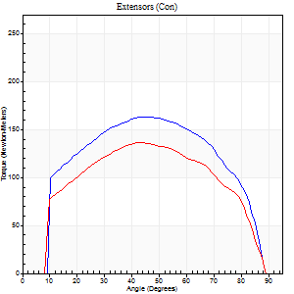
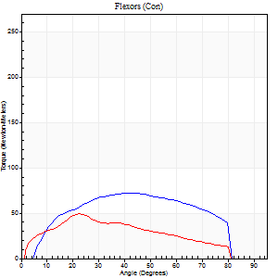
Right Side Curves Left Side Curves
Isokinetic Con/Con |  |  |  | Extensors (Con) |  | Flexors (Con)
Speed 120/120 d/s 3 Reps |  |  |  | Value | Cof Var | %BW | Value | Cof Var | %BW | Ratio

TORQUE PARAMETERS
Peak Torque (Newton-Meters - Best Repetition)
Right |  |  |  | 164 | 0.08 | 206 | 72 | 0.3 | 89 | 44
Left |  |  |  | 137 | 0.13 | 170 | 49 | 0.65 | 60 | 36
Deficit |  |  |  | 17 |  |  | 32
Work per Repetition (Newton-Meters - Best Repetition)
Right |  |  |  | 179 | 0.09 | 224 | 76 | 0.46 | 95 | 42
Left |  |  |  | 148 | 0.11 | 185 | 42 | 0.71 | 54 | 28
Deficit |  |  |  | 17 |  |  | 45
Average Power per Repetition (Watts - Best Repetition)
Right |  |  |  | 227 | 0.41 | 284 | 105 | 0.49 | 132 | 46
Left |  |  |  | 180 | 0.13 | 224 | 51 | 0.73 | 64 | 28
Deficit |  |  |  | 21 |  |  | 51
POSITION PARAMETERS
Joint Angle at Peak Torque (Degrees)
Right |  |  |  | 48 | 0.06 |  | 33 | 0.56
Left |  |  |  | 47 | 0.14 |  | 17 | 0.66
Range of Motion (Degrees)
Right |  |  |  | 1 | 0.03 |  | 89 | 0.01
Left |  |  |  | 0 | 1.18 |  | 90 | 0
TIME PARAMETERS
Time to Peak Torque (Seconds)
Right |  |  |  | 0.38 | 0.06 |  | 0.26 | 0.54
Left |  |  |  | 0.4 | 0.04 |  | 0.18 | 0.35
Time Peak Torque Held (Seconds)
Right |  |  |  | 0.04 | 0.31 |  | 0.02 | 0.87
Left |  |  |  | 0.04 | 0.66 |  | 0.01 | 0.87
Force Decay Time (Seconds)
Right |  |  |  | 0.38 | 0.05 |  | 0.47 | 0.41
Left |  |  |  | 0.41 | 0.07 |  | 0.65 | 0.17
Reciprocal Delay (Seconds)
Right |  |  |  | 0.05 | 0.39 |  | 0.06 | 0.58
Left |  |  |  | 0.07 | 0.4 |  | 0.16 | 0.3
Delay Time (Seconds)
Right |  |  |  | 0 | -1.41 |  | 0.03 | 0.46
Left |  |  |  | 0.02 | 0 |  | 0 | -1.73
HUMAC2015® Version: 15.000.0074 © Computer Sports Medicine, Inc. www.csmisolutions.com

Use File, Preference to set Report Heading
Long Form Torque vs. Position Report - Knee Extension/Flexion
Name: |  |  |  | TR030_FP3050, | ID: | TR030 | Right/Left: | 03.11.2022 03.11.2022
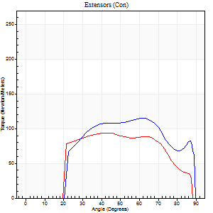
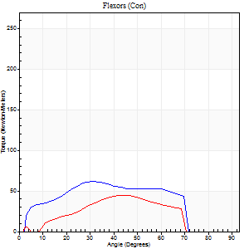
Right Side Curves Left Side Curves
Isokinetic Con/Con |  |  |  | Extensors (Con) |  | Flexors (Con)
Speed 240/240 d/s 3 Reps |  |  |  | Value | Cof Var | %BW | Value | Cof Var | %BW | Ratio

TORQUE PARAMETERS
Peak Torque (Newton-Meters - Best Repetition)
Right |  |  |  | 115 | 0.03 | 143 | 62 | 0.14 | 77 | 54
Left |  |  |  | 94 | 0.07 | 116 | 45 | 0.79 | 57 | 48
Deficit |  |  |  | 19 |  |  | 28
Work per Repetition (Newton-Meters - Best Repetition)
Right |  |  |  | 114 | 0.04 | 143 | 58 | 0.2 | 72 | 51
Left |  |  |  | 92 | 0.05 | 116 | 34 | 0.85 | 42 | 37
Deficit |  |  |  | 19 |  |  | 42
Average Power per Repetition (Watts - Best Repetition)
Right |  |  |  | 231 | 0.02 | 288 | 134 | 0.23 | 167 | 58
Left |  |  |  | 188 | 0.12 | 235 | 62 | 0.87 | 77 | 33
Deficit |  |  |  | 19 |  |  | 54
POSITION PARAMETERS
Joint Angle at Peak Torque (Degrees)
Right |  |  |  | 49 | 0.25 |  | 30 | 0.14
Left |  |  |  | 41 | 0.02 |  | 29 | 0.72
Range of Motion (Degrees)
Right |  |  |  | 2 | 0.4 |  | 89 | 0.01
Left |  |  |  | 1 | 1.66 |  | 89 | 0.01
TIME PARAMETERS
Time to Peak Torque (Seconds)
Right |  |  |  | 0.24 | 0.06 |  | 0.16 | 0.09
Left |  |  |  | 0.23 | 0.03 |  | 0.24 | 0.27
Time Peak Torque Held (Seconds)
Right |  |  |  | 0.01 | 0 |  | 0 | 1.73
Left |  |  |  | 0.01 | 1 |  | 0.03 | 0.78
Force Decay Time (Seconds)
Right |  |  |  | 0.24 | 0.24 |  | 0.27 | 0.09
Left |  |  |  | 0.24 | 0.22 |  | 0.36 | 0.68
Reciprocal Delay (Seconds)
Right |  |  |  | 0.04 | 0.2 |  | 0.04 | 0.35
Left |  |  |  | 0.04 | 0.2 |  | 0.2 | 1.35
Delay Time (Seconds)
Right |  |  |  | -0.01 | -0.47 |  | 0.01 | 0.87
Left |  |  |  | 0 | -1.41 |  | -0.02 | -1.32
HUMAC2015® Version: 15.000.0074 © Computer Sports Medicine, Inc. www.csmisolutions.com

Use File, Preference to set Report Heading
Isometric - Knee Extension/Flexion
Name: |  |  |  | TR030_FP3050, | ID: | TR030 | Right/Left: | 03.11.2022 03.11.2022

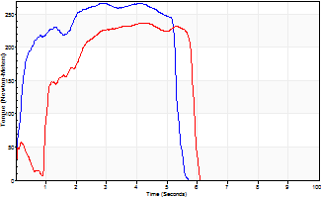
Isometric Extensors (Con) Angle 60 Time 10 Repetition 2 (Best Repetition)
 | Value | Cof Var | %BW
Peak Torque (Newton-Meters)
Right | 267 | 0.08 | 334
Left | 236 | 0.02 | 295
Deficit | 12
Average Torque (Newton-Meters)
Right | 126 | 0.06 | 158
Left | 106 | 0.04 | 131
Deficit | 16
Peak Torque Slope (Newton-Meters/Seconds)
Right | 76 | 0.11 | 95
Left | 71 | 0.17 | 89 |  | Right Side Curves Left Side Curves
Deficit | 6
Time to Half Peak Torque (Seconds)
Right | 0.19 | 0.19
Left | 0.6 | 1.06
Time to Peak Torque (Seconds)
Right | 3.62 | 0.19
Left | 3.72 | 0.19
HUMAC2015® Version: 15.000.0074 © Computer Sports Medicine, Inc. www.csmisolutions.com

mid2
Use File, Preference to set Report Heading
Long Form Torque vs. Position Report - Knee Extension/Flexion
Name: |  |  |  | TR030_FP3050, | ID: | TR030 | Right/Left: | 07.11.2022 07.11.2022
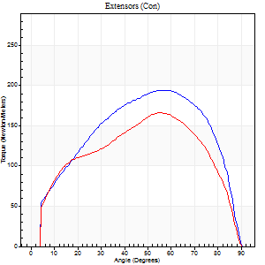
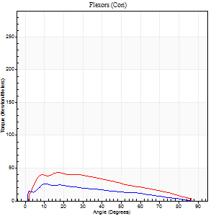
Right Side Curves Left Side Curves
Isokinetic Con/Con |  |  |  | Extensors (Con) |  | Flexors (Con)
Speed 60/60 d/s 3 Reps |  |  |  | Value | Cof Var | %BW | Value | Cof Var | %BW | Ratio

TORQUE PARAMETERS
Peak Torque (Newton-Meters - Best Repetition)
Right |  |  |  | 194 | 0.12 | 241 | 26 | 0.58 | 33 | 13
Left |  |  |  | 165 | 0.04 | 206 | 43 | 0.47 | 54 | 26
Deficit |  |  |  | 15 |  |  | 41
Work per Repetition (Newton-Meters - Best Repetition)
Right |  |  |  | 214 | 0.12 | 268 | 22 | 0.58 | 27 | 10
Left |  |  |  | 179 | 0.06 | 224 | 49 | 0.59 | 60 | 27
Deficit |  |  |  | 16 |  |  | 56
Average Power per Repetition (Watts - Best Repetition)
Right |  |  |  | 138 | 0.13 | 171 | 14 | 0.68 | 18 | 10
Left |  |  |  | 114 | 0.04 | 143 | 32 | 0.59 | 40 | 28
Deficit |  |  |  | 17 |  |  | 56
POSITION PARAMETERS
Joint Angle at Peak Torque (Degrees)
Right |  |  |  | 62 | 0.09 |  | 22 | 0.47
Left |  |  |  | 55 | 0.03 |  | 22 | 0.68
Range of Motion (Degrees)
Right |  |  |  | 0 | 1.77 |  | 90 | 0
Left |  |  |  | 0 | 2.12 |  | 90 | 0
TIME PARAMETERS
Time to Peak Torque (Seconds)
Right |  |  |  | 0.51 | 0.21 |  | 0.42 | 0.4
Left |  |  |  | 0.57 | 0.07 |  | 0.38 | 0.62
Time Peak Torque Held (Seconds)
Right |  |  |  | 0.04 | 0.53 |  | 0.03 | 1.2
Left |  |  |  | 0.06 | 0.67 |  | 0.01 | 0.87
Force Decay Time (Seconds)
Right |  |  |  | 1.04 | 0.13 |  | 1.25 | 0.21
Left |  |  |  | 0.89 | 0.06 |  | 1.12 | 0.22
Reciprocal Delay (Seconds)
Right |  |  |  | 1.21 | 0.51 |  | 0.39 | 0.59
Left |  |  |  | 0.08 | 0.35 |  | 0.18 | 0.82
Delay Time (Seconds)
Right |  |  |  | -0.01 | -0.47 |  | 0 | 0
Left |  |  |  | 0.02 | 0 |  | 0.01 | 1.73
HUMAC2015® Version: 15.000.0074 © Computer Sports Medicine, Inc. www.csmisolutions.com

Use File, Preference to set Report Heading
Long Form Torque vs. Position Report - Knee Extension/Flexion
Name: |  |  |  | TR030_FP3050, | ID: | TR030 | Right/Left: | 07.11.2022 07.11.2022
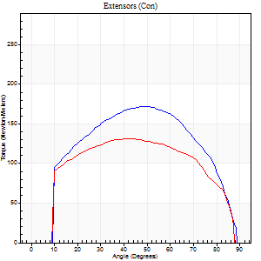
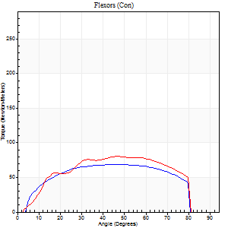
Right Side Curves Left Side Curves
Isokinetic Con/Con |  |  |  | Extensors (Con) |  | Flexors (Con)
Speed 120/120 d/s 3 Reps |  |  |  | Value | Cof Var | %BW | Value | Cof Var | %BW | Ratio

TORQUE PARAMETERS
Peak Torque (Newton-Meters - Best Repetition)
Right |  |  |  | 172 | 0.04 | 215 | 69 | 0.48 | 86 | 40
Left |  |  |  | 132 | 0.01 | 164 | 80 | 0.67 | 101 | 61
Deficit |  |  |  | 24 |  |  | 14
Work per Repetition (Newton-Meters - Best Repetition)
Right |  |  |  | 186 | 0.06 | 232 | 77 | 0.64 | 95 | 42
Left |  |  |  | 149 | 0.02 | 185 | 84 | 0.72 | 104 | 56
Deficit |  |  |  | 20 |  |  | 8
Average Power per Repetition (Watts - Best Repetition)
Right |  |  |  | 234 | 0.08 | 292 | 101 | 0.66 | 125 | 43
Left |  |  |  | 189 | 0.05 | 235 | 108 | 0.74 | 134 | 57
Deficit |  |  |  | 19 |  |  | 6
POSITION PARAMETERS
Joint Angle at Peak Torque (Degrees)
Right |  |  |  | 52 | 0.04 |  | 31 | 0.48
Left |  |  |  | 44 | 0.05 |  | 42 | 0.44
Range of Motion (Degrees)
Right |  |  |  | 1 | 0.83 |  | 89 | 0.01
Left |  |  |  | 1 | 1.13 |  | 89 | 0.01
TIME PARAMETERS
Time to Peak Torque (Seconds)
Right |  |  |  | 0.33 | 0.06 |  | 0.27 | 0.35
Left |  |  |  | 0.38 | 0.06 |  | 0.39 | 0.27
Time Peak Torque Held (Seconds)
Right |  |  |  | 0.03 | 0.17 |  | 0.01 | 0.87
Left |  |  |  | 0.03 | 0.67 |  | 0.03 | 0.22
Force Decay Time (Seconds)
Right |  |  |  | 0.43 | 0.12 |  | 0.49 | 0.25
Left |  |  |  | 0.38 | 0.03 |  | 0.39 | 0.43
Reciprocal Delay (Seconds)
Right |  |  |  | 0.04 | 0.2 |  | 0.07 | 0.67
Left |  |  |  | 0.05 | 0 |  | 0.1 | 0.73
Delay Time (Seconds)
Right |  |  |  | 0 | 1.41 |  | 0.02 | 0.92
Left |  |  |  | 0.01 | 0 |  | 0 | 7.55
HUMAC2015® Version: 15.000.0074 © Computer Sports Medicine, Inc. www.csmisolutions.com

Use File, Preference to set Report Heading
Long Form Torque vs. Position Report - Knee Extension/Flexion
Name: |  |  |  | TR030_FP3050, | ID: | TR030 | Right/Left: | 07.11.2022 07.11.2022
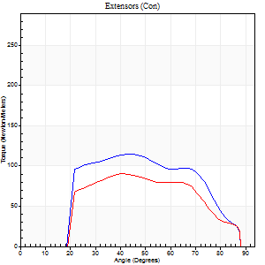
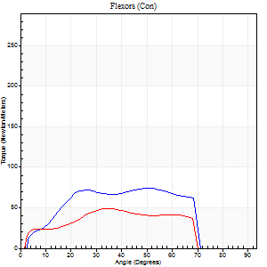
Right Side Curves Left Side Curves
Isokinetic Con/Con |  |  |  | Extensors (Con) |  | Flexors (Con)
Speed 240/240 d/s 3 Reps |  |  |  | Value | Cof Var | %BW | Value | Cof Var | %BW | Ratio

TORQUE PARAMETERS
Peak Torque (Newton-Meters - Best Repetition)
Right |  |  |  | 115 | 0.06 | 143 | 75 | 0.56 | 92 | 65
Left |  |  |  | 91 | 0.08 | 113 | 49 | 0.4 | 60 | 54
Deficit |  |  |  | 21 |  |  | 35
Work per Repetition (Newton-Meters - Best Repetition)
Right |  |  |  | 108 | 0.04 | 134 | 71 | 0.63 | 89 | 65
Left |  |  |  | 84 | 0.07 | 104 | 43 | 0.54 | 54 | 52
Deficit |  |  |  | 23 |  |  | 38
Average Power per Repetition (Watts - Best Repetition)
Right |  |  |  | 226 | 0.06 | 281 | 158 | 0.7 | 198 | 70
Left |  |  |  | 185 | 0.12 | 231 | 98 | 0.58 | 123 | 53
Deficit |  |  |  | 18 |  |  | 38
POSITION PARAMETERS
Joint Angle at Peak Torque (Degrees)
Right |  |  |  | 50 | 0.22 |  | 41 | 0.19
Left |  |  |  | 48 | 0.24 |  | 37 | 0.06
Range of Motion (Degrees)
Right |  |  |  | 1 | 0.61 |  | 89 | 0.01
Left |  |  |  | 2 | 0.18 |  | 89 | 0.01
TIME PARAMETERS
Time to Peak Torque (Seconds)
Right |  |  |  | 0.23 | 0.03 |  | 0.24 | 0.02
Left |  |  |  | 0.24 | 0 |  | 0.21 | 0.11
Time Peak Torque Held (Seconds)
Right |  |  |  | 0.01 | 0 |  | 0.01 | 0.87
Left |  |  |  | 0.03 | 1.21 |  | 0 | 1.73
Force Decay Time (Seconds)
Right |  |  |  | 0.25 | 0.16 |  | 0.24 | 0.15
Left |  |  |  | 0.2 | 0.05 |  | 0.25 | 0.05
Reciprocal Delay (Seconds)
Right |  |  |  | 0.05 | 0.57 |  | 0.06 | 0.51
Left |  |  |  | 0.02 | 0.28 |  | 0.03 | 0.17
Delay Time (Seconds)
Right |  |  |  | 0 | -1.41 |  | 0 | 0
Left |  |  |  | 0 | -1.41 |  | -0.01 | -1
HUMAC2015® Version: 15.000.0074 © Computer Sports Medicine, Inc. www.csmisolutions.com

Use File, Preference to set Report Heading
Isometric - Knee Extension/Flexion
Name: |  |  |  | TR030_FP3050, | ID: | TR030 | Right/Left: | 07.11.2022 07.11.2022

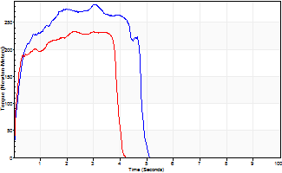
Isometric Extensors (Con) Angle 60 Time 10 Repetition 2 (Best Repetition)
 | Value | Cof Var | %BW
Peak Torque (Newton-Meters)
Right | 283 | 0.06 | 355
Left | 233 | 0.03 | 292
Deficit | 18
Average Torque (Newton-Meters)
Right | 118 | 0.03 | 146
Left | 88 | 0.05 | 110
Deficit | 25
Peak Torque Slope (Newton-Meters/Seconds)
Right | 93 | 0.08 | 116
Left | 121 | 0.13 | 152 |  | Right Side Curves Left Side Curves
Deficit | 23
Time to Half Peak Torque (Seconds)
Right | 0.17 | 0.42
Left | 0.13 | 0
Time to Peak Torque (Seconds)
Right | 3.06 | 0.01
Left | 2.06 | 0.16
HUMAC2015® Version: 15.000.0074 © Computer Sports Medicine, Inc. www.csmisolutions.com

post1
Use File, Preference to set Report Heading
Long Form Torque vs. Position Report - Knee Extension/Flexion
Name: |  |  |  | TR030_FP3050, | ID: | TR030 | Right/Left: | 28.11.2022 28.11.2022
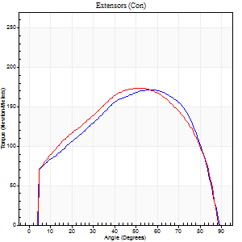
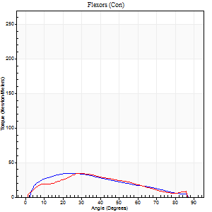
Right Side Curves Left Side Curves
Isokinetic Con/Con |  |  |  | Extensors (Con) |  | Flexors (Con)
Speed 60/60 d/s 3 Reps |  |  |  | Value | Cof Var | %BW | Value | Cof Var | %BW | Ratio

TORQUE PARAMETERS
Peak Torque (Newton-Meters - Best Repetition)
Right |  |  |  | 171 | 0.07 | 215 | 34 | 0.24 | 42 | 20
Left |  |  |  | 174 | 0.02 | 218 | 34 | 0.68 | 42 | 20
Deficit |  |  |  | 2 |  |  | 0
Work per Repetition (Newton-Meters - Best Repetition)
Right |  |  |  | 188 | 0.05 | 235 | 31 | 0.21 | 39 | 17
Left |  |  |  | 198 | 0.04 | 247 | 31 | 0.75 | 39 | 16
Deficit |  |  |  | 5 |  |  | 0
Average Power per Repetition (Watts - Best Repetition)
Right |  |  |  | 122 | 0.05 | 152 | 21 | 0.21 | 26 | 17
Left |  |  |  | 127 | 0.05 | 158 | 20 | 0.76 | 24 | 16
Deficit |  |  |  | 4 |  |  | 5
POSITION PARAMETERS
Joint Angle at Peak Torque (Degrees)
Right |  |  |  | 61 | 0.06 |  | 24 | 0.43
Left |  |  |  | 51 | 0.09 |  | 23 | 0.83
Range of Motion (Degrees)
Right |  |  |  | 0 | 0.47 |  | 90 | 0
Left |  |  |  | 0 | 0 |  | 90 | 0
TIME PARAMETERS
Time to Peak Torque (Seconds)
Right |  |  |  | 0.5 | 0.1 |  | 0.38 | 0.56
Left |  |  |  | 0.68 | 0.08 |  | 0.41 | 0.75
Time Peak Torque Held (Seconds)
Right |  |  |  | 0.08 | 0.66 |  | 0.02 | 1.32
Left |  |  |  | 0.06 | 0.29 |  | 0.05 | 0.87
Force Decay Time (Seconds)
Right |  |  |  | 0.96 | 0.07 |  | 1.09 | 0.22
Left |  |  |  | 0.84 | 0.09 |  | 1.11 | 0.31
Reciprocal Delay (Seconds)
Right |  |  |  | 0.14 | 0.68 |  | 0.19 | 0.54
Left |  |  |  | 0.11 | 0.51 |  | 0.3 | 0.31
Delay Time (Seconds)
Right |  |  |  | 0 | 1.41 |  | 0.04 | 0.81
Left |  |  |  | 0.02 | 0 |  | 0 | 4.58
HUMAC2015® Version: 15.000.0074 © Computer Sports Medicine, Inc. www.csmisolutions.com

Use File, Preference to set Report Heading
Long Form Torque vs. Position Report - Knee Extension/Flexion
Name: |  |  |  | TR030_FP3050, | ID: | TR030 | Right/Left: | 28.11.2022 28.11.2022
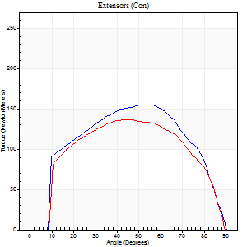
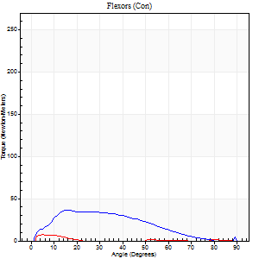
Right Side Curves Left Side Curves
Isokinetic Con/Con |  |  |  | Extensors (Con) |  | Flexors (Con)
Speed 120/120 d/s 3 Reps |  |  |  | Value | Cof Var | %BW | Value | Cof Var | %BW | Ratio

TORQUE PARAMETERS
Peak Torque (Newton-Meters - Best Repetition)
Right |  |  |  | 155 | 0.04 | 194 | 37 | 0.37 | 45 | 24
Left |  |  |  | 137 | 0.09 | 170 | 7 | 0.18 | 9 | 5
Deficit |  |  |  | 11 |  |  | 81
Work per Repetition (Newton-Meters - Best Repetition)
Right |  |  |  | 176 | 0.05 | 221 | 30 | 0.51 | 36 | 17
Left |  |  |  | 152 | 0.12 | 191 | 1 | 0.04 | 3 | 1
Deficit |  |  |  | 14 |  |  | 95
Average Power per Repetition (Watts - Best Repetition)
Right |  |  |  | 197 | 0.41 | 246 | 36 | 0.54 | 44 | 18
Left |  |  |  | 172 | 0.1 | 215 | 2 | 0.16 | 2 | 1
Deficit |  |  |  | 13 |  |  | 94
POSITION PARAMETERS
Joint Angle at Peak Torque (Degrees)
Right |  |  |  | 52 | 0.03 |  | 17 | 0.09
Left |  |  |  | 50 | 0.1 |  | 3 | 0.58
Range of Motion (Degrees)
Right |  |  |  | 0 | -0.47 |  | 90 | 0
Left |  |  |  | 0 | 0.28 |  | 90 | 0
TIME PARAMETERS
Time to Peak Torque (Seconds)
Right |  |  |  | 0.36 | 0.06 |  | 0.19 | 0.3
Left |  |  |  | 0.39 | 0 |  | 0.08 | 0.37
Time Peak Torque Held (Seconds)
Right |  |  |  | 0.05 | 0.35 |  | 0.02 | 0.35
Left |  |  |  | 0.04 | 0.42 |  | 0.01 | 0.87
Force Decay Time (Seconds)
Right |  |  |  | 0.47 | 0.05 |  | 0.64 | 0.02
Left |  |  |  | 0.46 | 0.07 |  | 1.22 | 0.16
Reciprocal Delay (Seconds)
Right |  |  |  | 0.06 | 0.24 |  | 0.3 | 0.54
Left |  |  |  | 0.11 | 0.07 |  | 0.18 | 0.38
Delay Time (Seconds)
Right |  |  |  | -0.02 | 0 |  | 0.02 | 2.18
Left |  |  |  | 0 | -1.41 |  | -0.01 | -4.82
HUMAC2015® Version: 15.000.0074 © Computer Sports Medicine, Inc. www.csmisolutions.com

Use File, Preference to set Report Heading
Long Form Torque vs. Position Report - Knee Extension/Flexion
Name: |  |  |  | TR030_FP3050, | ID: | TR030 | Right/Left: | 28.11.2022 28.11.2022
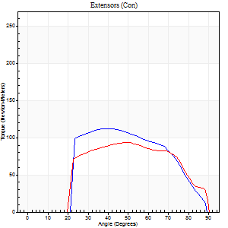
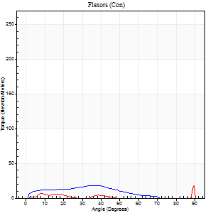
Right Side Curves Left Side Curves
Isokinetic Con/Con |  |  |  | Extensors (Con) |  | Flexors (Con)
Speed 240/240 d/s 3 Reps |  |  |  | Value | Cof Var | %BW | Value | Cof Var | %BW | Ratio

TORQUE PARAMETERS
Peak Torque (Newton-Meters - Best Repetition)
Right |  |  |  | 113 | 0.11 | 140 | 18 | 0.34 | 21 | 16
Left |  |  |  | 94 | 0.02 | 116 | 18 | 0.51 | 21 | 19
Deficit |  |  |  | 17 |  |  | 0
Work per Repetition (Newton-Meters - Best Repetition)
Right |  |  |  | 108 | 0.08 | 134 | 14 | 0.5 | 18 | 12
Left |  |  |  | 92 | 0.03 | 116 | 3 | 0.31 | 3 | 3
Deficit |  |  |  | 15 |  |  | 80
Average Power per Repetition (Watts - Best Repetition)
Right |  |  |  | 206 | 0.12 | 257 | 27 | 0.62 | 33 | 13
Left |  |  |  | 184 | 0.04 | 231 | 4 | 0.43 | 4 | 2
Deficit |  |  |  | 11 |  |  | 85
POSITION PARAMETERS
Joint Angle at Peak Torque (Degrees)
Right |  |  |  | 45 | 0.12 |  | 43 | 0.95
Left |  |  |  | 48 | 0.02 |  | 61 | 0.78
Range of Motion (Degrees)
Right |  |  |  | 0 | -0.28 |  | 89 | 0.01
Left |  |  |  | 1 | 0.23 |  | 90 | 0
TIME PARAMETERS
Time to Peak Torque (Seconds)
Right |  |  |  | 0.26 | 0.16 |  | 0.31 | 0.6
Left |  |  |  | 0.24 | 0 |  | 0.57 | 0.71
Time Peak Torque Held (Seconds)
Right |  |  |  | 0.02 | 0.25 |  | 0.02 | 1.73
Left |  |  |  | 0.01 | 1.73 |  | 0.01 | 1
Force Decay Time (Seconds)
Right |  |  |  | 0.27 | 0.06 |  | 0.25 | 0.85
Left |  |  |  | 0.24 | 0.07 |  | 0.28 | 1.73
Reciprocal Delay (Seconds)
Right |  |  |  | 0.04 | 0.35 |  | 0.25 | 0.38
Left |  |  |  | 0.09 | 0.63 |  | 0.06 | 0.37
Delay Time (Seconds)
Right |  |  |  | -0.02 | -0.28 |  | 0.01 | 3.46
Left |  |  |  | -0.02 | 0 |  | -0.01 | -0.87
HUMAC2015® Version: 15.000.0074 © Computer Sports Medicine, Inc. www.csmisolutions.com

Use File, Preference to set Report Heading
Isometric - Knee Extension/Flexion
Name: |  |  |  | TR030_FP3050, | ID: | TR030 | Right/Left: | 28.11.2022 28.11.2022

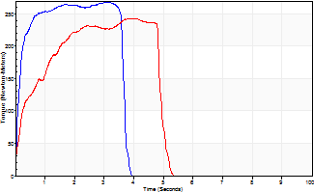
Isometric Extensors (Con) Angle 60 Time 10 Repetition 2 (Best Repetition)
 | Value | Cof Var | %BW
Peak Torque (Newton-Meters)
Right | 268 | 0.04 | 334
Left | 243 | 0.01 | 304
Deficit | 10
Average Torque (Newton-Meters)
Right | 92 | 0.01 | 116
Left | 100 | 0.06 | 125
Deficit | 8
Peak Torque Slope (Newton-Meters/Seconds)
Right | 87 | 0.04 | 108
Left | 89 | 0.25 | 111 |  | Right Side Curves Left Side Curves
Deficit | 3
Time to Half Peak Torque (Seconds)
Right | 0.14 | 0.1
Left | 0.29 | 0.74
Time to Peak Torque (Seconds)
Right | 3.08 | 0
Left | 3.3 | 0.26
HUMAC2015® Version: 15.000.0074 © Computer Sports Medicine, Inc. www.csmisolutions.com

post2
Use File, Preference to set Report Heading
Long Form Torque vs. Position Report - Knee Extension/Flexion
Name: |  |  |  | TR030_FP3050, | ID: | TR030 | Right/Left: | 30.11.2022 30.11.2022
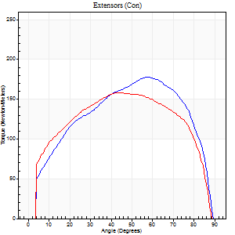
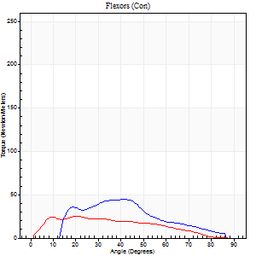
Right Side Curves Left Side Curves
Isokinetic Con/Con |  |  |  | Extensors (Con) |  | Flexors (Con)
Speed 60/60 d/s 3 Reps |  |  |  | Value | Cof Var | %BW | Value | Cof Var | %BW | Ratio

TORQUE PARAMETERS
Peak Torque (Newton-Meters - Best Repetition)
Right |  |  |  | 178 | 0.1 | 221 | 45 | 0.8 | 57 | 25
Left |  |  |  | 159 | 0.01 | 197 | 26 | 0.44 | 33 | 16
Deficit |  |  |  | 11 |  |  | 42
Work per Repetition (Newton-Meters - Best Repetition)
Right |  |  |  | 195 | 0.13 | 244 | 34 | 0.94 | 42 | 17
Left |  |  |  | 186 | 0.1 | 232 | 26 | 0.43 | 33 | 14
Deficit |  |  |  | 5 |  |  | 24
Average Power per Repetition (Watts - Best Repetition)
Right |  |  |  | 128 | 0.12 | 160 | 25 | 1.02 | 31 | 20
Left |  |  |  | 122 | 0.1 | 152 | 16 | 0.43 | 20 | 13
Deficit |  |  |  | 5 |  |  | 36
POSITION PARAMETERS
Joint Angle at Peak Torque (Degrees)
Right |  |  |  | 58 | 0.09 |  | 37 | 0.68
Left |  |  |  | 53 | 0.15 |  | 38 | 0.4
Range of Motion (Degrees)
Right |  |  |  | 1 | 0.34 |  | 90 | 0
Left |  |  |  | 0 | 0 |  | 90 | 0
TIME PARAMETERS
Time to Peak Torque (Seconds)
Right |  |  |  | 0.49 | 0.16 |  | 0.6 | 0.74
Left |  |  |  | 0.64 | 0.23 |  | 0.68 | 0.42
Time Peak Torque Held (Seconds)
Right |  |  |  | 0.05 | 0.54 |  | 0.01 | 1.73
Left |  |  |  | 0.07 | 0.49 |  | 0.04 | 0.9
Force Decay Time (Seconds)
Right |  |  |  | 0.88 | 0.25 |  | 0.88 | 0.49
Left |  |  |  | 0.84 | 0.14 |  | 0.83 | 0.38
Reciprocal Delay (Seconds)
Right |  |  |  | 0.08 | 0.53 |  | 0.1 | 0.49
Left |  |  |  | 0.11 | 0.2 |  | 0.26 | 0.24
Delay Time (Seconds)
Right |  |  |  | 0 | 1.41 |  | 0.01 | 6
Left |  |  |  | 0.02 | 0.71 |  | 0 | 0
HUMAC2015® Version: 15.000.0074 © Computer Sports Medicine, Inc. www.csmisolutions.com

Use File, Preference to set Report Heading
Long Form Torque vs. Position Report - Knee Extension/Flexion
Name: |  |  |  | TR030_FP3050, | ID: | TR030 | Right/Left: | 30.11.2022 30.11.2022
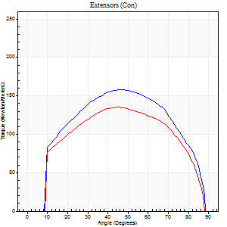
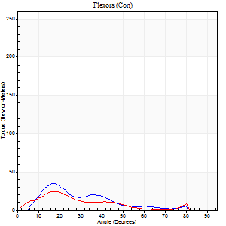
Right Side Curves Left Side Curves
Isokinetic Con/Con |  |  |  | Extensors (Con) |  | Flexors (Con)
Speed 120/120 d/s 3 Reps |  |  |  | Value | Cof Var | %BW | Value | Cof Var | %BW | Ratio

TORQUE PARAMETERS
Peak Torque (Newton-Meters - Best Repetition)
Right |  |  |  | 157 | 0.02 | 197 | 35 | 0.65 | 45 | 22
Left |  |  |  | 136 | 0.07 | 170 | 24 | 0.6 | 30 | 18
Deficit |  |  |  | 14 |  |  | 31
Work per Repetition (Newton-Meters - Best Repetition)
Right |  |  |  | 172 | 0.05 | 215 | 18 | 0.49 | 21 | 10
Left |  |  |  | 146 | 0.08 | 182 | 14 | 0.48 | 18 | 9
Deficit |  |  |  | 15 |  |  | 23
Average Power per Repetition (Watts - Best Repetition)
Right |  |  |  | 197 | 0 | 246 | 23 | 0.54 | 29 | 12
Left |  |  |  | 173 | 0.06 | 215 | 16 | 0.53 | 20 | 9
Deficit |  |  |  | 12 |  |  | 30
POSITION PARAMETERS
Joint Angle at Peak Torque (Degrees)
Right |  |  |  | 50 | 0.05 |  | 45 | 0.71
Left |  |  |  | 47 | 0.05 |  | 22 | 0.21
Range of Motion (Degrees)
Right |  |  |  | 1 | 1.13 |  | 90 | 0.01
Left |  |  |  | 0 | 1.01 |  | 90 | 0.01
TIME PARAMETERS
Time to Peak Torque (Seconds)
Right |  |  |  | 0.35 | 0.08 |  | 0.42 | 0.68
Left |  |  |  | 0.37 | 0.04 |  | 0.26 | 0.15
Time Peak Torque Held (Seconds)
Right |  |  |  | 0.03 | 0.22 |  | 0 | 1.73
Left |  |  |  | 0.03 | 0.22 |  | 0 | 1.73
Force Decay Time (Seconds)
Right |  |  |  | 0.43 | 0.06 |  | 0.39 | 0.69
Left |  |  |  | 0.42 | 0.06 |  | 0.63 | 0.04
Reciprocal Delay (Seconds)
Right |  |  |  | 0.05 | 0.13 |  | 0.13 | 0.78
Left |  |  |  | 0.05 | 0.16 |  | 0.11 | 0.27
Delay Time (Seconds)
Right |  |  |  | 0.01 | 0 |  | 0.04 | 1.09
Left |  |  |  | 0.02 | 0 |  | 0 | 0
HUMAC2015® Version: 15.000.0074 © Computer Sports Medicine, Inc. www.csmisolutions.com

Use File, Preference to set Report Heading
Long Form Torque vs. Position Report - Knee Extension/Flexion
Name: |  |  |  | TR030_FP3050, | ID: | TR030 | Right/Left: | 30.11.2022 30.11.2022
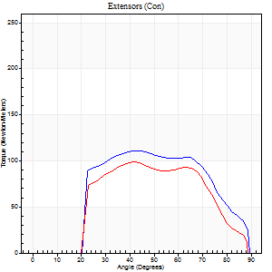
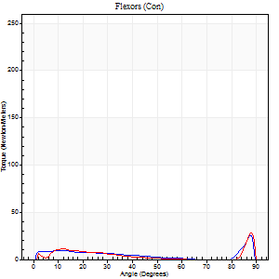
Right Side Curves Left Side Curves
Isokinetic Con/Con |  |  |  | Extensors (Con) |  | Flexors (Con)
Speed 240/240 d/s 3 Reps |  |  |  | Value | Cof Var | %BW | Value | Cof Var | %BW | Ratio

TORQUE PARAMETERS
Peak Torque (Newton-Meters - Best Repetition)
Right |  |  |  | 111 | 0.08 | 140 | 26 | 0.57 | 33 | 23
Left |  |  |  | 99 | 0.25 | 122 | 28 | 0.72 | 36 | 29
Deficit |  |  |  | 11 |  |  | 10
Work per Repetition (Newton-Meters - Best Repetition)
Right |  |  |  | 107 | 0.09 | 134 | 8 | 0.47 | 9 | 8
Left |  |  |  | 91 | 0.33 | 113 | 4 | 0.4 | 6 | 4
Deficit |  |  |  | 15 |  |  | 50
Average Power per Repetition (Watts - Best Repetition)
Right |  |  |  | 194 | 0.11 | 242 | 13 | 0.6 | 15 | 7
Left |  |  |  | 188 | 0.49 | 235 | 8 | 0.35 | 11 | 4
Deficit |  |  |  | 3 |  |  | 38
POSITION PARAMETERS
Joint Angle at Peak Torque (Degrees)
Right |  |  |  | 49 | 0.26 |  | 59 | 0.84
Left |  |  |  | 50 | 0.26 |  | 34 | 1.38
Range of Motion (Degrees)
Right |  |  |  | 0 | 1.41 |  | 90 | 0.01
Left |  |  |  | 2 | 0.25 |  | 89 | 0.01
TIME PARAMETERS
Time to Peak Torque (Seconds)
Right |  |  |  | 0.25 | 0.03 |  | 0.42 | 0.75
Left |  |  |  | 0.25 | 0.03 |  | 0.12 | 0.72
Time Peak Torque Held (Seconds)
Right |  |  |  | 0.01 | 0.87 |  | 0.01 | 0.87
Left |  |  |  | 0 | 1.73 |  | 0.01 | 0.87
Force Decay Time (Seconds)
Right |  |  |  | 0.31 | 0.14 |  | 0.29 | 1.64
Left |  |  |  | 0.25 | 0.23 |  | 0.4 | 0.84
Reciprocal Delay (Seconds)
Right |  |  |  | 0.05 | 0 |  | 0.23 | 0.57
Left |  |  |  | 0.04 | 0 |  | 0.05 | 0.29
Delay Time (Seconds)
Right |  |  |  | -0.02 | 0 |  | -0.01 | -1.89
Left |  |  |  | 0 | -1.41 |  | 0.15 | 1.68
HUMAC2015® Version: 15.000.0074 © Computer Sports Medicine, Inc. www.csmisolutions.com

Use File, Preference to set Report Heading
Isometric - Knee Extension/Flexion
Name: |  |  |  | TR030_FP3050, | ID: | TR030 | Right/Left: | 30.11.2022 30.11.2022

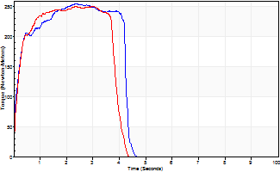
Isometric Extensors (Con) Angle 60 Time 10 Repetition 2 (Best Repetition)
 | Value | Cof Var | %BW
Peak Torque (Newton-Meters)
Right | 255 | 0.03 | 319
Left | 251 | 0.08 | 313
Deficit | 2
Average Torque (Newton-Meters)
Right | 98 | 0.07 | 122
Left | 89 | 0.09 | 113
Deficit | 8
Peak Torque Slope (Newton-Meters/Seconds)
Right | 108 | 0.06 | 135
Left | 99 | 0.13 | 124 |  | Right Side Curves Left Side Curves
Deficit | 8
Time to Half Peak Torque (Seconds)
Right | 0.14 | 0.2
Left | 0.18 | 0.04
Time to Peak Torque (Seconds)
Right | 2.4 | 0.03
Left | 2.64 | 0.21
HUMAC2015® Version: 15.000.0074 © Computer Sports Medicine, Inc. www.csmisolutions.com

