pre1
Use File, Preference to set Report Heading
Long Form Torque vs. Position Report - Knee Extension/Flexion
Name: |  |  |  | TR030_FP3051, | ID: | TR030 | Right/Left: | 12.09.2022 12.09.2022
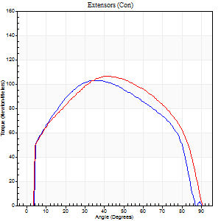
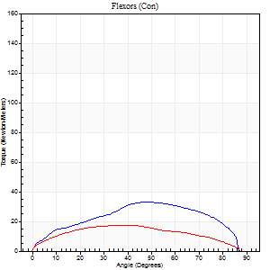
Right Side Curves Left Side Curves
Isokinetic Con/Con |  |  |  | Extensors (Con) |  | Flexors (Con)
Speed 60/60 d/s 3 Reps |  |  |  | Value | Cof Var | %BW | Value | Cof Var | %BW | Ratio

TORQUE PARAMETERS
Peak Torque (Newton-Meters - Best Repetition)
Right |  |  |  | 103 | 0.04 | 83 | 33 | 0.62 | 27 | 32
Left |  |  |  | 106 | 0.04 | 86 | 18 | 0.36 | 15 | 17
Deficit |  |  |  | 3 |  |  | 46
Work per Repetition (Newton-Meters - Best Repetition)
Right |  |  |  | 115 | 0.11 | 92 | 34 | 0.72 | 27 | 29
Left |  |  |  | 123 | 0.05 | 101 | 19 | 0.43 | 15 | 15
Deficit |  |  |  | 7 |  |  | 44
Average Power per Repetition (Watts - Best Repetition)
Right |  |  |  | 71 | 0.04 | 57 | 22 | 0.83 | 18 | 31
Left |  |  |  | 77 | 0.03 | 64 | 11 | 0.42 | 9 | 14
Deficit |  |  |  | 8 |  |  | 50
POSITION PARAMETERS
Joint Angle at Peak Torque (Degrees)
Right |  |  |  | 33 | 0.03 |  | 36 | 0.59
Left |  |  |  | 40 | 0.02 |  | 34 | 0.26
Range of Motion (Degrees)
Right |  |  |  | 0 | 0 |  | 89 | 0.01
Left |  |  |  | 0 | 1.41 |  | 90 | 0
TIME PARAMETERS
Time to Peak Torque (Seconds)
Right |  |  |  | 0.99 | 0.02 |  | 0.67 | 0.5
Left |  |  |  | 0.85 | 0.01 |  | 0.67 | 0.18
Time Peak Torque Held (Seconds)
Right |  |  |  | 0.04 | 0.35 |  | 0.04 | 1.73
Left |  |  |  | 0.07 | 0.16 |  | 0.11 | 1.02
Force Decay Time (Seconds)
Right |  |  |  | 0.55 | 0.04 |  | 1.37 | 0.9
Left |  |  |  | 0.64 | 0.04 |  | 0.9 | 0.06
Reciprocal Delay (Seconds)
Right |  |  |  | 0.09 | 0.22 |  | 0.4 | 0.05
Left |  |  |  | 0.18 | 0.24 |  | 0.36 | 0.16
Delay Time (Seconds)
Right |  |  |  | 0.04 | 2.22 |  | -0.01 | -0.87
Left |  |  |  | 0 | 1.41 |  | -0.03 | -0.78
HUMAC2015® Version: 15.000.0074 © Computer Sports Medicine, Inc. www.csmisolutions.com

Use File, Preference to set Report Heading
Long Form Torque vs. Position Report - Knee Extension/Flexion
Name: |  |  |  | TR030_FP3051, | ID: | TR030 | Right/Left: | 12.09.2022 12.09.2022
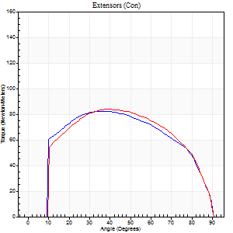
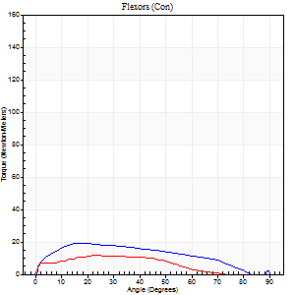
Right Side Curves Left Side Curves
Isokinetic Con/Con |  |  |  | Extensors (Con) |  | Flexors (Con)
Speed 120/120 d/s 3 Reps |  |  |  | Value | Cof Var | %BW | Value | Cof Var | %BW | Ratio

TORQUE PARAMETERS
Peak Torque (Newton-Meters - Best Repetition)
Right |  |  |  | 83 | 0.06 | 69 | 19 | 0.3 | 15 | 23
Left |  |  |  | 84 | 0.1 | 69 | 12 | 0.4 | 9 | 15
Deficit |  |  |  | 2 |  |  | 36
Work per Repetition (Newton-Meters - Best Repetition)
Right |  |  |  | 94 | 0.06 | 77 | 19 | 0.49 | 15 | 20
Left |  |  |  | 95 | 0.07 | 77 | 9 | 0.46 | 9 | 10
Deficit |  |  |  | 1 |  |  | 50
Average Power per Repetition (Watts - Best Repetition)
Right |  |  |  | 102 | 0.05 | 84 | 21 | 0.61 | 18 | 21
Left |  |  |  | 106 | 0.09 | 86 | 10 | 0.5 | 9 | 9
Deficit |  |  |  | 4 |  |  | 52
POSITION PARAMETERS
Joint Angle at Peak Torque (Degrees)
Right |  |  |  | 38 | 0.05 |  | 19 | 0.07
Left |  |  |  | 38 | 0.02 |  | 25 | 0.05
Range of Motion (Degrees)
Right |  |  |  | 0 | 0.71 |  | 90 | 0.01
Left |  |  |  | 0 | -1.41 |  | 90 | 0
TIME PARAMETERS
Time to Peak Torque (Seconds)
Right |  |  |  | 0.5 | 0.01 |  | 0.22 | 0.07
Left |  |  |  | 0.51 | 0.03 |  | 0.4 | 0.25
Time Peak Torque Held (Seconds)
Right |  |  |  | 0.05 | 0.69 |  | 0.02 | 0.92
Left |  |  |  | 0.02 | 0.69 |  | 0.02 | 1.25
Force Decay Time (Seconds)
Right |  |  |  | 0.34 | 0.06 |  | 0.81 | 0.37
Left |  |  |  | 0.38 | 0.03 |  | 0.63 | 0.06
Reciprocal Delay (Seconds)
Right |  |  |  | 0.29 | 0.6 |  | 0.18 | 0.26
Left |  |  |  | 0.2 | 0.03 |  | 0.3 | 0.46
Delay Time (Seconds)
Right |  |  |  | -0.04 | -0.2 |  | 0.02 | 1.08
Left |  |  |  | -0.04 | 0 |  | -0.07 | -0.74
HUMAC2015® Version: 15.000.0074 © Computer Sports Medicine, Inc. www.csmisolutions.com

Use File, Preference to set Report Heading
Long Form Torque vs. Position Report - Knee Extension/Flexion
Name: |  |  |  | TR030_FP3051, | ID: | TR030 | Right/Left: | 12.09.2022 12.09.2022
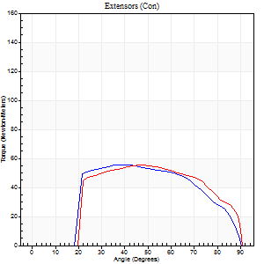
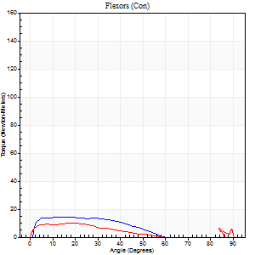
Right Side Curves Left Side Curves
Isokinetic Con/Con |  |  |  | Extensors (Con) |  | Flexors (Con)
Speed 240/240 d/s 3 Reps |  |  |  | Value | Cof Var | %BW | Value | Cof Var | %BW | Ratio

TORQUE PARAMETERS
Peak Torque (Newton-Meters - Best Repetition)
Right |  |  |  | 56 | 0.03 | 45 | 14 | 0.52 | 12 | 24
Left |  |  |  | 56 | 0.06 | 45 | 9 | 0.38 | 9 | 17
Deficit |  |  |  | 0 |  |  | 30
Work per Repetition (Newton-Meters - Best Repetition)
Right |  |  |  | 56 | 0 | 45 | 11 | 0.74 | 9 | 20
Left |  |  |  | 57 | 0.06 | 48 | 7 | 0.63 | 6 | 12
Deficit |  |  |  | 2 |  |  | 38
Average Power per Repetition (Watts - Best Repetition)
Right |  |  |  | 94 | 0.05 | 77 | 19 | 0.96 | 15 | 20
Left |  |  |  | 99 | 0.08 | 81 | 6 | 0.67 | 4 | 6
Deficit |  |  |  | 5 |  |  | 68
POSITION PARAMETERS
Joint Angle at Peak Torque (Degrees)
Right |  |  |  | 42 | 0.1 |  | 8 | 0.73
Left |  |  |  | 47 | 0.03 |  | 8 | 1.19
Range of Motion (Degrees)
Right |  |  |  | 0 | -1.41 |  | 90 | 0
Left |  |  |  | 0 | 0.47 |  | 90 | 0
TIME PARAMETERS
Time to Peak Torque (Seconds)
Right |  |  |  | 0.34 | 0.17 |  | 0.17 | 0.13
Left |  |  |  | 0.3 | 0.02 |  | 0.19 | 0.44
Time Peak Torque Held (Seconds)
Right |  |  |  | 0.01 | 0.43 |  | 0 | 0
Left |  |  |  | 0.02 | 0.35 |  | 0.01 | 0.87
Force Decay Time (Seconds)
Right |  |  |  | 0.26 | 0.04 |  | 0.86 | 0.74
Left |  |  |  | 0.28 | 0.02 |  | 1.01 | 0.15
Reciprocal Delay (Seconds)
Right |  |  |  | 0.26 | 0.11 |  | 0.24 | 0.48
Left |  |  |  | 0.7 | 0.04 |  | 0.19 | 0.27
Delay Time (Seconds)
Right |  |  |  | -0.05 | -0.39 |  | -0.03 | -1.45
Left |  |  |  | -0.05 | -0.13 |  | -0.05 | -0.29
HUMAC2015® Version: 15.000.0074 © Computer Sports Medicine, Inc. www.csmisolutions.com

Use File, Preference to set Report Heading
Isometric - Knee Extension/Flexion
Name: |  |  |  | TR030_FP3051, | ID: | TR030 | Right/Left: | 12.09.2022 12.09.2022

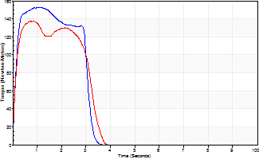
Isometric Extensors (Con) Angle 60 Time 10 Repetition 2 (Best Repetition)
 | Value | Cof Var | %BW
Peak Torque (Newton-Meters)
Right | 153 | 0.03 | 125
Left | 137 | 0.01 | 110
Deficit | 11
Average Torque (Newton-Meters)
Right | 42 | 0.1 | 33
Left | 43 | 0.06 | 36
Deficit | 3
Peak Torque Slope (Newton-Meters/Seconds)
Right | 209 | 0.33 | 170
Left | 259 | 0.2 | 211 |  | Right Side Curves Left Side Curves
Deficit | 19
Time to Half Peak Torque (Seconds)
Right | 0.17 | 0.44
Left | 0.15 | 0.28
Time to Peak Torque (Seconds)
Right | 0.92 | 0.36
Left | 0.61 | 0.22
HUMAC2015® Version: 15.000.0074 © Computer Sports Medicine, Inc. www.csmisolutions.com

pre2
Use File, Preference to set Report Heading
Long Form Torque vs. Position Report - Knee Extension/Flexion
Name: |  |  |  | TR030_FP3051, | ID: | TR030 | Right/Left: | 20.09.2022 20.09.2022
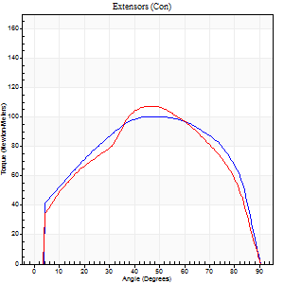
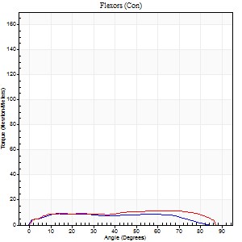
Right Side Curves Left Side Curves
Isokinetic Con/Con |  |  |  | Extensors (Con) |  | Flexors (Con)
Speed 60/60 d/s 3 Reps |  |  |  | Value | Cof Var | %BW | Value | Cof Var | %BW | Ratio

TORQUE PARAMETERS
Peak Torque (Newton-Meters - Best Repetition)
Right |  |  |  | 100 | 0.06 | 80 | 9 | 0.42 | 9 | 9
Left |  |  |  | 107 | 0.07 | 86 | 12 | 0.21 | 9 | 11
Deficit |  |  |  | 6 |  |  | 22
Work per Repetition (Newton-Meters - Best Repetition)
Right |  |  |  | 118 | 0.08 | 95 | 11 | 0.7 | 9 | 9
Left |  |  |  | 114 | 0.07 | 92 | 14 | 0.35 | 12 | 12
Deficit |  |  |  | 3 |  |  | 20
Average Power per Repetition (Watts - Best Repetition)
Right |  |  |  | 73 | 0.09 | 59 | 6 | 1.01 | 4 | 8
Left |  |  |  | 71 | 0.07 | 57 | 9 | 0.38 | 7 | 13
Deficit |  |  |  | 3 |  |  | 33
POSITION PARAMETERS
Joint Angle at Peak Torque (Degrees)
Right |  |  |  | 47 | 0.01 |  | 19 | 0.48
Left |  |  |  | 45 | 0.03 |  | 34 | 0.8
Range of Motion (Degrees)
Right |  |  |  | 0 | 0 |  | 89 | 0.02
Left |  |  |  | 0 | 0 |  | 90 | 0
TIME PARAMETERS
Time to Peak Torque (Seconds)
Right |  |  |  | 0.75 | 0.1 |  | 0.47 | 0.43
Left |  |  |  | 0.8 | 0.04 |  | 0.69 | 0.6
Time Peak Torque Held (Seconds)
Right |  |  |  | 0.1 | 0.12 |  | 0.05 | 1.08
Left |  |  |  | 0.07 | 0.28 |  | 0.05 | 1.42
Force Decay Time (Seconds)
Right |  |  |  | 0.74 | 0.01 |  | 2.1 | 0.7
Left |  |  |  | 0.72 | 0.06 |  | 0.89 | 0.47
Reciprocal Delay (Seconds)
Right |  |  |  | 0.1 | 0.57 |  | 0.65 | 0.25
Left |  |  |  | 0.14 | 0.4 |  | 0.38 | 0.3
Delay Time (Seconds)
Right |  |  |  | -0.02 | -0.28 |  | -0.07 | -0.61
Left |  |  |  | -0.02 | -0.71 |  | -0.05 | -0.75
HUMAC2015® Version: 15.000.0074 © Computer Sports Medicine, Inc. www.csmisolutions.com

Use File, Preference to set Report Heading
Long Form Torque vs. Position Report - Knee Extension/Flexion
Name: |  |  |  | TR030_FP3051, | ID: | TR030 | Right/Left: | 20.09.2022 20.09.2022
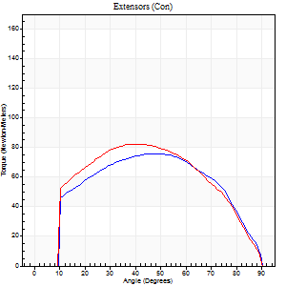
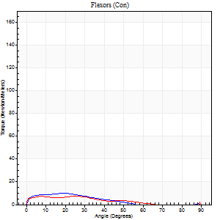
Right Side Curves Left Side Curves
Isokinetic Con/Con |  |  |  | Extensors (Con) |  | Flexors (Con)
Speed 120/120 d/s 3 Reps |  |  |  | Value | Cof Var | %BW | Value | Cof Var | %BW | Ratio

TORQUE PARAMETERS
Peak Torque (Newton-Meters - Best Repetition)
Right |  |  |  | 76 | 0.04 | 63 | 9 | 0.36 | 9 | 12
Left |  |  |  | 83 | 0.06 | 69 | 7 | 0.15 | 6 | 8
Deficit |  |  |  | 8 |  |  | 29
Work per Repetition (Newton-Meters - Best Repetition)
Right |  |  |  | 85 | 0.03 | 69 | 7 | 0.52 | 6 | 8
Left |  |  |  | 88 | 0.05 | 72 | 5 | 0.2 | 3 | 6
Deficit |  |  |  | 3 |  |  | 20
Average Power per Repetition (Watts - Best Repetition)
Right |  |  |  | 94 | 0.05 | 77 | 5 | 0.6 | 4 | 5
Left |  |  |  | 95 | 0.03 | 77 | 5 | 0.24 | 4 | 5
Deficit |  |  |  | 1 |  |  | 0
POSITION PARAMETERS
Joint Angle at Peak Torque (Degrees)
Right |  |  |  | 50 | 0.02 |  | 9 | 0.93
Left |  |  |  | 40 | 0.07 |  | 7 | 0.16
Range of Motion (Degrees)
Right |  |  |  | 0 | 1.41 |  | 90 | 0
Left |  |  |  | 0 | 1.41 |  | 90 | 0
TIME PARAMETERS
Time to Peak Torque (Seconds)
Right |  |  |  | 0.41 | 0.02 |  | 0.19 | 0.38
Left |  |  |  | 0.49 | 0.09 |  | 0.21 | 0.07
Time Peak Torque Held (Seconds)
Right |  |  |  | 0.05 | 0.25 |  | 0.02 | 1.38
Left |  |  |  | 0.02 | 0.49 |  | 0.01 | 1.73
Force Decay Time (Seconds)
Right |  |  |  | 0.43 | 0.04 |  | 1.13 | 0.12
Left |  |  |  | 0.38 | 0.07 |  | 0.83 | 0.03
Reciprocal Delay (Seconds)
Right |  |  |  | 0.49 | 0.32 |  | 0.29 | 0.24
Left |  |  |  | 0.33 | 0.3 |  | 0.24 | 0.13
Delay Time (Seconds)
Right |  |  |  | -0.05 | 0 |  | -0.03 | -0.75
Left |  |  |  | -0.04 | -0.61 |  | -0.04 | -0.43
HUMAC2015® Version: 15.000.0074 © Computer Sports Medicine, Inc. www.csmisolutions.com

Use File, Preference to set Report Heading
Long Form Torque vs. Position Report - Knee Extension/Flexion
Name: |  |  |  | TR030_FP3051, | ID: | TR030 | Right/Left: | 20.09.2022 20.09.2022
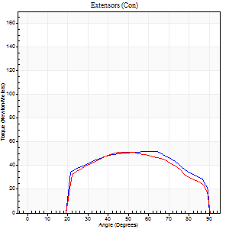
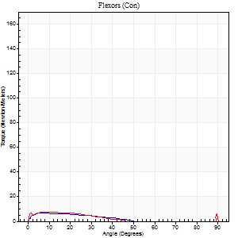
Right Side Curves Left Side Curves
Isokinetic Con/Con |  |  |  | Extensors (Con) |  | Flexors (Con)
Speed 240/240 d/s 3 Reps |  |  |  | Value | Cof Var | %BW | Value | Cof Var | %BW | Ratio

TORQUE PARAMETERS
Peak Torque (Newton-Meters - Best Repetition)
Right |  |  |  | 52 | 0.08 | 42 | 7 | 0.15 | 6 | 13
Left |  |  |  | 52 | 0.02 | 42 | 9 | 0.3 | 9 | 18
Deficit |  |  |  | 0 |  |  | 29
Work per Repetition (Newton-Meters - Best Repetition)
Right |  |  |  | 53 | 0.2 | 42 | 4 | 0.15 | 3 | 8
Left |  |  |  | 50 | 0.03 | 42 | 4 | 0.35 | 3 | 8
Deficit |  |  |  | 5 |  |  | 0
Average Power per Repetition (Watts - Best Repetition)
Right |  |  |  | 89 | 0.21 | 73 | 4 | 0.19 | 2 | 4
Left |  |  |  | 87 | 0.04 | 70 | 5 | 0.4 | 4 | 6
Deficit |  |  |  | 2 |  |  | 20
POSITION PARAMETERS
Joint Angle at Peak Torque (Degrees)
Right |  |  |  | 61 | 0.06 |  | 9 | 0.5
Left |  |  |  | 47 | 0.03 |  | 33 | 1.51
Range of Motion (Degrees)
Right |  |  |  | 0 | 0.47 |  | 90 | 0
Left |  |  |  | 0 | 0.28 |  | 90 | 0
TIME PARAMETERS
Time to Peak Torque (Seconds)
Right |  |  |  | 0.24 | 0.06 |  | 0.26 | 0.19
Left |  |  |  | 0.31 | 0.02 |  | 0.42 | 1.24
Time Peak Torque Held (Seconds)
Right |  |  |  | 0.02 | 1 |  | 0.02 | 1.73
Left |  |  |  | 0.02 | 0.35 |  | 0.33 | 1.45
Force Decay Time (Seconds)
Right |  |  |  | 0.33 | 0.05 |  | 0.66 | 0.06
Left |  |  |  | 0.27 | 0.04 |  | 0.22 | 2.63
Reciprocal Delay (Seconds)
Right |  |  |  | 0.31 | 0.49 |  | 0.3 | 0.19
Left |  |  |  | 0.36 | 0.54 |  | 0.16 | 0.18
Delay Time (Seconds)
Right |  |  |  | -0.05 | -0.13 |  | -0.06 | -0.17
Left |  |  |  | -0.05 | -0.16 |  | -0.04 | -0.13
HUMAC2015® Version: 15.000.0074 © Computer Sports Medicine, Inc. www.csmisolutions.com

Use File, Preference to set Report Heading
Isometric - Knee Extension/Flexion
Name: |  |  |  | TR030_FP3051, | ID: | TR030 | Right/Left: | 20.09.2022 20.09.2022

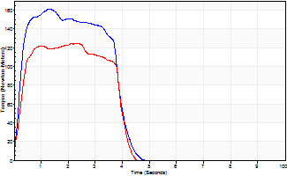
Isometric Extensors (Con) Angle 60 Time 10 Repetition 2 (Best Repetition)
 | Value | Cof Var | %BW
Peak Torque (Newton-Meters)
Right | 161 | 0 | 131
Left | 125 | 0.01 | 101
Deficit | 23
Average Torque (Newton-Meters)
Right | 56 | 0.02 | 45
Left | 43 | 0.03 | 36
Deficit | 22
Peak Torque Slope (Newton-Meters/Seconds)
Right | 144 | 0.12 | 117
Left | 85 | 0.33 | 69 |  | Right Side Curves Left Side Curves
Deficit | 41
Time to Half Peak Torque (Seconds)
Right | 0.2 | 0.14
Left | 0.23 | 0.15
Time to Peak Torque (Seconds)
Right | 1.21 | 0.13
Left | 1.91 | 0.34
HUMAC2015® Version: 15.000.0074 © Computer Sports Medicine, Inc. www.csmisolutions.com

mid1
Use File, Preference to set Report Heading
Long Form Torque vs. Position Report - Knee Extension/Flexion
Name: |  |  |  | TR030_FP3051, | ID: | TR030 | Right/Left: | 03.11.2022 03.11.2022
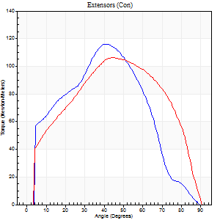
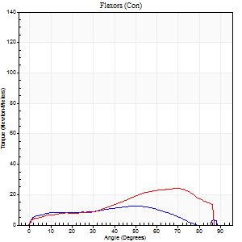
Right Side Curves Left Side Curves
Isokinetic Con/Con |  |  |  | Extensors (Con) |  | Flexors (Con)
Speed 60/60 d/s 3 Reps |  |  |  | Value | Cof Var | %BW | Value | Cof Var | %BW | Ratio

TORQUE PARAMETERS
Peak Torque (Newton-Meters - Best Repetition)
Right |  |  |  | 117 | 0.1 | 95 | 12 | 0.54 | 9 | 10
Left |  |  |  | 106 | 0.05 | 86 | 24 | 0.47 | 21 | 23
Deficit |  |  |  | 9 |  |  | 50
Work per Repetition (Newton-Meters - Best Repetition)
Right |  |  |  | 123 | 0.08 | 101 | 12 | 0.67 | 9 | 10
Left |  |  |  | 117 | 0.02 | 95 | 23 | 0.49 | 18 | 20
Deficit |  |  |  | 5 |  |  | 47
Average Power per Repetition (Watts - Best Repetition)
Right |  |  |  | 77 | 0.14 | 64 | 6 | 0.73 | 4 | 8
Left |  |  |  | 73 | 0.02 | 59 | 14 | 0.49 | 11 | 19
Deficit |  |  |  | 5 |  |  | 57
POSITION PARAMETERS
Joint Angle at Peak Torque (Degrees)
Right |  |  |  | 44 | 0.08 |  | 26 | 0.74
Left |  |  |  | 44 | 0.07 |  | 50 | 0.62
Range of Motion (Degrees)
Right |  |  |  | 0 | 0 |  | 90 | 0.01
Left |  |  |  | 0 | 0 |  | 90 | 0
TIME PARAMETERS
Time to Peak Torque (Seconds)
Right |  |  |  | 0.78 | 0.05 |  | 0.58 | 0.47
Left |  |  |  | 0.81 | 0.1 |  | 0.97 | 0.49
Time Peak Torque Held (Seconds)
Right |  |  |  | 0.11 | 0.64 |  | 0 | 1.73
Left |  |  |  | 0.07 | 0.21 |  | 0.01 | 1.73
Force Decay Time (Seconds)
Right |  |  |  | 0.67 | 0.08 |  | 1.62 | 0.4
Left |  |  |  | 0.71 | 0.06 |  | 0.7 | 0.67
Reciprocal Delay (Seconds)
Right |  |  |  | 0.32 | 0.71 |  | 0.53 | 0.22
Left |  |  |  | 0.46 | 0.12 |  | 0.42 | 0.31
Delay Time (Seconds)
Right |  |  |  | -0.02 | -0.28 |  | -0.04 | -1.09
Left |  |  |  | 0 | -1.41 |  | -0.06 | -0.48
HUMAC2015® Version: 15.000.0074 © Computer Sports Medicine, Inc. www.csmisolutions.com

Use File, Preference to set Report Heading
Long Form Torque vs. Position Report - Knee Extension/Flexion
Name: |  |  |  | TR030_FP3051, | ID: | TR030 | Right/Left: | 03.11.2022 03.11.2022
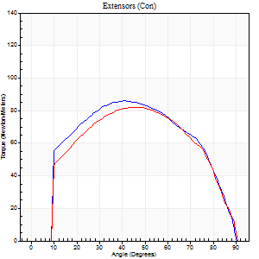
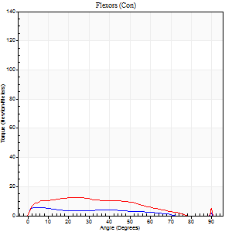
Right Side Curves Left Side Curves
Isokinetic Con/Con |  |  |  | Extensors (Con) |  | Flexors (Con)
Speed 120/120 d/s 3 Reps |  |  |  | Value | Cof Var | %BW | Value | Cof Var | %BW | Ratio

TORQUE PARAMETERS
Peak Torque (Newton-Meters - Best Repetition)
Right |  |  |  | 85 | 0.04 | 69 | 5 | 0.22 | 3 | 6
Left |  |  |  | 81 | 0.03 | 66 | 12 | 0.33 | 9 | 15
Deficit |  |  |  | 5 |  |  | 56
Work per Repetition (Newton-Meters - Best Repetition)
Right |  |  |  | 96 | 0.03 | 77 | 4 | 0.29 | 3 | 4
Left |  |  |  | 89 | 0.03 | 72 | 12 | 0.48 | 9 | 14
Deficit |  |  |  | 7 |  |  | 67
Average Power per Repetition (Watts - Best Repetition)
Right |  |  |  | 110 | 0.09 | 90 | 4 | 0.41 | 2 | 4
Left |  |  |  | 99 | 0.02 | 81 | 11 | 0.51 | 9 | 11
Deficit |  |  |  | 10 |  |  | 64
POSITION PARAMETERS
Joint Angle at Peak Torque (Degrees)
Right |  |  |  | 41 | 0.01 |  | 14 | 0.64
Left |  |  |  | 46 | 0.06 |  | 17 | 0.74
Range of Motion (Degrees)
Right |  |  |  | 0 | 1.01 |  | 90 | 0
Left |  |  |  | 0 | 1.41 |  | 90 | 0
TIME PARAMETERS
Time to Peak Torque (Seconds)
Right |  |  |  | 0.48 | 0.03 |  | 0.31 | 0.48
Left |  |  |  | 0.44 | 0.05 |  | 0.26 | 0.44
Time Peak Torque Held (Seconds)
Right |  |  |  | 0.04 | 0.16 |  | 0.04 | 1.32
Left |  |  |  | 0.05 | 0.69 |  | 0.01 | 1
Force Decay Time (Seconds)
Right |  |  |  | 0.37 | 0 |  | 0.81 | 0.07
Left |  |  |  | 0.4 | 0.04 |  | 0.82 | 0.25
Reciprocal Delay (Seconds)
Right |  |  |  | 0.27 | 0.26 |  | 0.26 | 0.34
Left |  |  |  | 0.18 | 0.24 |  | 0.2 | 0.25
Delay Time (Seconds)
Right |  |  |  | -0.04 | -0.2 |  | -0.02 | -3.46
Left |  |  |  | -0.01 | -0.47 |  | -0.03 | -0.43
HUMAC2015® Version: 15.000.0074 © Computer Sports Medicine, Inc. www.csmisolutions.com

Use File, Preference to set Report Heading
Long Form Torque vs. Position Report - Knee Extension/Flexion
Name: |  |  |  | TR030_FP3051, | ID: | TR030 | Right/Left: | 03.11.2022 03.11.2022
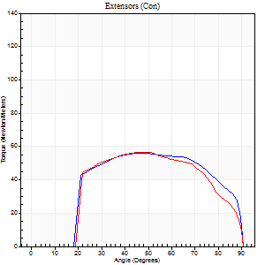

Right Side Curves Left Side Curves
Isokinetic Con/Con |  |  |  | Extensors (Con) |  | Flexors (Con)
Speed 240/240 d/s 3 Reps |  |  |  | Value | Cof Var | %BW | Value | Cof Var | %BW | Ratio

TORQUE PARAMETERS
Peak Torque (Newton-Meters - Best Repetition)
Right |  |  |  | 56 | 0.13 | 45 | 5 | 0.14 | 3 | 10
Left |  |  |  | 57 | 0.03 | 48 | 7 | 0.2 | 6 | 12
Deficit |  |  |  | 2 |  |  | 20
Work per Repetition (Newton-Meters - Best Repetition)
Right |  |  |  | 60 | 0.22 | 48 | 3 | 0.32 | 3 | 5
Left |  |  |  | 57 | 0.05 | 48 | 4 | 0.36 | 3 | 7
Deficit |  |  |  | 5 |  |  | 33
Average Power per Repetition (Watts - Best Repetition)
Right |  |  |  | 107 | 0.31 | 88 | 3 | 0.34 | 2 | 3
Left |  |  |  | 97 | 0.13 | 79 | 4 | 0.5 | 2 | 4
Deficit |  |  |  | 9 |  |  | 25
POSITION PARAMETERS
Joint Angle at Peak Torque (Degrees)
Right |  |  |  | 45 | 0.07 |  | 8 | 0.69
Left |  |  |  | 46 | 0.05 |  | 5 | 0.53
Range of Motion (Degrees)
Right |  |  |  | 1 | 0.57 |  | 90 | 0
Left |  |  |  | 0 | 1.41 |  | 90 | 0
TIME PARAMETERS
Time to Peak Torque (Seconds)
Right |  |  |  | 0.29 | 0 |  | 0.14 | 0.4
Left |  |  |  | 0.3 | 0.02 |  | 0.17 | 0.12
Time Peak Torque Held (Seconds)
Right |  |  |  | 0.02 | 0.25 |  | 0.03 | 1.73
Left |  |  |  | 0.01 | 0.43 |  | 0.3 | 1.51
Force Decay Time (Seconds)
Right |  |  |  | 0.24 | 0.04 |  | 0.81 | 0.06
Left |  |  |  | 0.27 | 0.06 |  | 0.58 | 1.07
Reciprocal Delay (Seconds)
Right |  |  |  | 0.24 | 0.21 |  | 0.11 | 0.09
Left |  |  |  | 0.16 | 0.04 |  | 0.19 | 0.67
Delay Time (Seconds)
Right |  |  |  | -0.05 | -0.16 |  | 0.02 | 1.32
Left |  |  |  | -0.04 | 0 |  | -0.05 | -0.2
HUMAC2015® Version: 15.000.0074 © Computer Sports Medicine, Inc. www.csmisolutions.com

Use File, Preference to set Report Heading
Isometric - Knee Extension/Flexion
Name: |  |  |  | TR030_FP3051, | ID: | TR030 | Right/Left: | 03.11.2022 03.11.2022

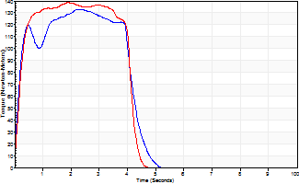
Isometric Extensors (Con) Angle 60 Time 10 Repetition 2 (Best Repetition)
 | Value | Cof Var | %BW
Peak Torque (Newton-Meters)
Right | 133 | 0.03 | 107
Left | 138 | 0.03 | 113
Deficit | 4
Average Torque (Newton-Meters)
Right | 50 | 0.2 | 42
Left | 53 | 0.03 | 42
Deficit | 5
Peak Torque Slope (Newton-Meters/Seconds)
Right | 88 | 0.29 | 71
Left | 73 | 0.01 | 59 |  | Right Side Curves Left Side Curves
Deficit | 17
Time to Half Peak Torque (Seconds)
Right | 0.15 | 0.05
Left | 0.22 | 0.22
Time to Peak Torque (Seconds)
Right | 1.87 | 0.33
Left | 1.87 | 0.02
HUMAC2015® Version: 15.000.0074 © Computer Sports Medicine, Inc. www.csmisolutions.com

mid2
Use File, Preference to set Report Heading
Long Form Torque vs. Position Report - Knee Extension/Flexion
Name: |  |  |  | TR030_FP3051, | ID: | TR030 | Right/Left: | 07.11.2022 07.11.2022
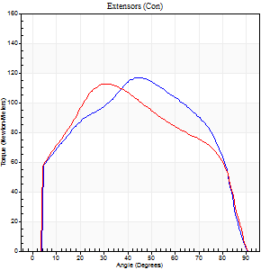
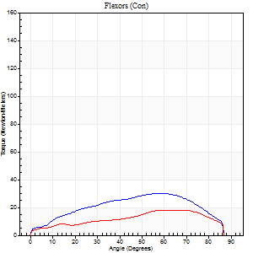
Right Side Curves Left Side Curves
Isokinetic Con/Con |  |  |  | Extensors (Con) |  | Flexors (Con)
Speed 60/60 d/s 3 Reps |  |  |  | Value | Cof Var | %BW | Value | Cof Var | %BW | Ratio

TORQUE PARAMETERS
Peak Torque (Newton-Meters - Best Repetition)
Right |  |  |  | 117 | 0.08 | 95 | 30 | 0.59 | 24 | 26
Left |  |  |  | 113 | 0.05 | 92 | 18 | 0.5 | 15 | 16
Deficit |  |  |  | 3 |  |  | 41
Work per Repetition (Newton-Meters - Best Repetition)
Right |  |  |  | 130 | 0.04 | 107 | 31 | 0.66 | 27 | 24
Left |  |  |  | 123 | 0.03 | 101 | 18 | 0.57 | 15 | 14
Deficit |  |  |  | 5 |  |  | 43
Average Power per Repetition (Watts - Best Repetition)
Right |  |  |  | 78 | 0.21 | 64 | 19 | 0.8 | 15 | 24
Left |  |  |  | 75 | 0.03 | 62 | 11 | 0.61 | 9 | 15
Deficit |  |  |  | 4 |  |  | 42
POSITION PARAMETERS
Joint Angle at Peak Torque (Degrees)
Right |  |  |  | 41 | 0.06 |  | 41 | 0.63
Left |  |  |  | 30 | 0.04 |  | 35 | 0.67
Range of Motion (Degrees)
Right |  |  |  | 0 | 0 |  | 90 | 0
Left |  |  |  | 0 | -0.47 |  | 90 | 0
TIME PARAMETERS
Time to Peak Torque (Seconds)
Right |  |  |  | 0.9 | 0.05 |  | 0.79 | 0.52
Left |  |  |  | 1.06 | 0.05 |  | 0.73 | 0.48
Time Peak Torque Held (Seconds)
Right |  |  |  | 0.05 | 0.47 |  | 0.02 | 0.92
Left |  |  |  | 0.06 | 0.54 |  | 0.01 | 1.73
Force Decay Time (Seconds)
Right |  |  |  | 0.68 | 0.1 |  | 1.51 | 1.05
Left |  |  |  | 0.48 | 0.09 |  | 0.99 | 0.41
Reciprocal Delay (Seconds)
Right |  |  |  | 0.17 | 0 |  | 0.42 | 0.16
Left |  |  |  | 0.23 | 0.87 |  | 0.41 | 0.24
Delay Time (Seconds)
Right |  |  |  | -0.04 | -0.47 |  | -0.03 | -1.65
Left |  |  |  | -0.03 | -0.94 |  | -0.08 | -0.62
HUMAC2015® Version: 15.000.0074 © Computer Sports Medicine, Inc. www.csmisolutions.com

Use File, Preference to set Report Heading
Long Form Torque vs. Position Report - Knee Extension/Flexion
Name: |  |  |  | TR030_FP3051, | ID: | TR030 | Right/Left: | 07.11.2022 07.11.2022
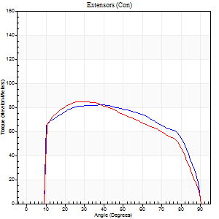
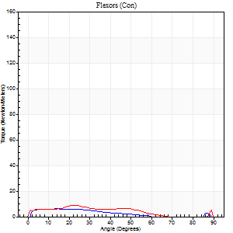
Right Side Curves Left Side Curves
Isokinetic Con/Con |  |  |  | Extensors (Con) |  | Flexors (Con)
Speed 120/120 d/s 3 Reps |  |  |  | Value | Cof Var | %BW | Value | Cof Var | %BW | Ratio

TORQUE PARAMETERS
Peak Torque (Newton-Meters - Best Repetition)
Right |  |  |  | 81 | 0.01 | 66 | 5 | 0.24 | 3 | 7
Left |  |  |  | 84 | 0.03 | 69 | 8 | 0.28 | 6 | 10
Deficit |  |  |  | 3 |  |  | 33
Work per Repetition (Newton-Meters - Best Repetition)
Right |  |  |  | 98 | 0.02 | 80 | 4 | 0.36 | 3 | 4
Left |  |  |  | 94 | 0.09 | 77 | 7 | 0.5 | 6 | 7
Deficit |  |  |  | 4 |  |  | 40
Average Power per Repetition (Watts - Best Repetition)
Right |  |  |  | 110 | 0.39 | 90 | 3 | 0.39 | 2 | 3
Left |  |  |  | 104 | 0.11 | 86 | 7 | 0.63 | 7 | 7
Deficit |  |  |  | 5 |  |  | 57
POSITION PARAMETERS
Joint Angle at Peak Torque (Degrees)
Right |  |  |  | 37 | 0.02 |  | 11 | 0.59
Left |  |  |  | 29 | 0.08 |  | 17 | 0.59
Range of Motion (Degrees)
Right |  |  |  | 0 | -1.41 |  | 90 | 0
Left |  |  |  | 0 | 2.36 |  | 89 | 0
TIME PARAMETERS
Time to Peak Torque (Seconds)
Right |  |  |  | 0.51 | 0.07 |  | 0.27 | 0.83
Left |  |  |  | 0.6 | 0.13 |  | 0.3 | 0.3
Time Peak Torque Held (Seconds)
Right |  |  |  | 0.05 | 0.8 |  | 0.02 | 1.73
Left |  |  |  | 0.04 | 0.16 |  | 0.01 | 1.73
Force Decay Time (Seconds)
Right |  |  |  | 0.32 | 0.09 |  | 0.94 | 0.12
Left |  |  |  | 0.27 | 0.06 |  | 0.78 | 0.24
Reciprocal Delay (Seconds)
Right |  |  |  | 0.11 | 0.64 |  | 0.26 | 0.59
Left |  |  |  | 0.09 | 0.31 |  | 0.23 | 0.41
Delay Time (Seconds)
Right |  |  |  | -0.04 | -0.47 |  | 0 | -22.52
Left |  |  |  | -0.02 | -0.28 |  | -0.04 | -0.66
HUMAC2015® Version: 15.000.0074 © Computer Sports Medicine, Inc. www.csmisolutions.com

Use File, Preference to set Report Heading
Long Form Torque vs. Position Report - Knee Extension/Flexion
Name: |  |  |  | TR030_FP3051, | ID: | TR030 | Right/Left: | 07.11.2022 07.11.2022
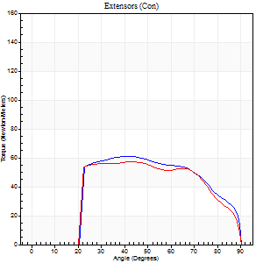
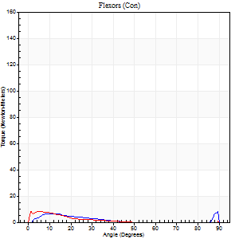
Right Side Curves Left Side Curves
Isokinetic Con/Con |  |  |  | Extensors (Con) |  | Flexors (Con)
Speed 240/240 d/s 3 Reps |  |  |  | Value | Cof Var | %BW | Value | Cof Var | %BW | Ratio

TORQUE PARAMETERS
Peak Torque (Newton-Meters - Best Repetition)
Right |  |  |  | 61 | 0.04 | 51 | 8 | 0.43 | 6 | 13
Left |  |  |  | 57 | 0.01 | 48 | 8 | 0.39 | 6 | 14
Deficit |  |  |  | 7 |  |  | 0
Work per Repetition (Newton-Meters - Best Repetition)
Right |  |  |  | 65 | 0.05 | 54 | 3 | 0.28 | 3 | 4
Left |  |  |  | 60 | 0.04 | 48 | 3 | 0.3 | 3 | 5
Deficit |  |  |  | 8 |  |  | 0
Average Power per Repetition (Watts - Best Repetition)
Right |  |  |  | 115 | 0.06 | 95 | 3 | 0.44 | 2 | 3
Left |  |  |  | 93 | 0.19 | 75 | 3 | 0.48 | 2 | 3
Deficit |  |  |  | 19 |  |  | 0
POSITION PARAMETERS
Joint Angle at Peak Torque (Degrees)
Right |  |  |  | 43 | 0.04 |  | 33 | 1.49
Left |  |  |  | 42 | 0.04 |  | 4 | 0.8
Range of Motion (Degrees)
Right |  |  |  | 0 | 1.41 |  | 90 | 0
Left |  |  |  | 0 | 0.28 |  | 90 | 0
TIME PARAMETERS
Time to Peak Torque (Seconds)
Right |  |  |  | 0.3 | 0.02 |  | 0.39 | 1
Left |  |  |  | 0.38 | 0.15 |  | 0.16 | 0.8
Time Peak Torque Held (Seconds)
Right |  |  |  | 0.02 | 0.69 |  | 0 | 0
Left |  |  |  | 0.03 | 0.17 |  | 0 | 0
Force Decay Time (Seconds)
Right |  |  |  | 0.25 | 0.08 |  | 0.62 | 0.93
Left |  |  |  | 0.23 | 0.07 |  | 0.92 | 0.07
Reciprocal Delay (Seconds)
Right |  |  |  | 0.12 | 0.4 |  | 0.2 | 0.55
Left |  |  |  | 0.42 | 0.47 |  | 0.18 | 0.51
Delay Time (Seconds)
Right |  |  |  | -0.04 | 0 |  | -0.01 | -4.13
Left |  |  |  | -0.09 | -0.25 |  | -0.05 | -0.4
HUMAC2015® Version: 15.000.0074 © Computer Sports Medicine, Inc. www.csmisolutions.com

Use File, Preference to set Report Heading
Isometric - Knee Extension/Flexion
Name: |  |  |  | TR030_FP3051, | ID: | TR030 | Right/Left: | 07.11.2022 07.11.2022

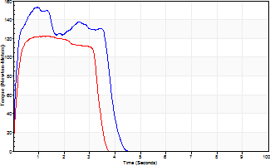
Isometric Extensors (Con) Angle 60 Time 10 Repetition 2 (Best Repetition)
 | Value | Cof Var | %BW
Peak Torque (Newton-Meters)
Right | 153 | 0.01 | 125
Left | 122 | 0.02 | 98
Deficit | 20
Average Torque (Newton-Meters)
Right | 56 | 0.07 | 45
Left | 38 | 0.02 | 30
Deficit | 32
Peak Torque Slope (Newton-Meters/Seconds)
Right | 163 | 0.16 | 133
Left | 103 | 0.03 | 84 |  | Right Side Curves Left Side Curves
Deficit | 37
Time to Half Peak Torque (Seconds)
Right | 0.11 | 0.06
Left | 0.13 | 0.05
Time to Peak Torque (Seconds)
Right | 1.04 | 0.15
Left | 1.18 | 0.01
HUMAC2015® Version: 15.000.0074 © Computer Sports Medicine, Inc. www.csmisolutions.com

post1
Use File, Preference to set Report Heading
Long Form Torque vs. Position Report - Knee Extension/Flexion
Name: |  |  |  | TR030_FP3051, | ID: | TR030 | Right/Left: | 28.11.2022 28.11.2022
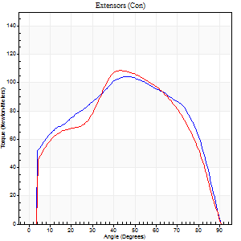
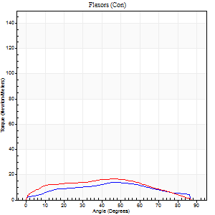
Right Side Curves Left Side Curves
Isokinetic Con/Con |  |  |  | Extensors (Con) |  | Flexors (Con)
Speed 60/60 d/s 3 Reps |  |  |  | Value | Cof Var | %BW | Value | Cof Var | %BW | Ratio

TORQUE PARAMETERS
Peak Torque (Newton-Meters - Best Repetition)
Right |  |  |  | 104 | 0.02 | 86 | 14 | 0.71 | 12 | 13
Left |  |  |  | 108 | 0.05 | 89 | 16 | 0.43 | 12 | 15
Deficit |  |  |  | 4 |  |  | 17
Work per Repetition (Newton-Meters - Best Repetition)
Right |  |  |  | 123 | 0.01 | 101 | 14 | 0.77 | 12 | 11
Left |  |  |  | 115 | 0.02 | 92 | 18 | 0.51 | 15 | 15
Deficit |  |  |  | 7 |  |  | 23
Average Power per Repetition (Watts - Best Repetition)
Right |  |  |  | 77 | 0.02 | 64 | 8 | 0.89 | 7 | 10
Left |  |  |  | 71 | 0.01 | 57 | 11 | 0.54 | 9 | 15
Deficit |  |  |  | 8 |  |  | 27
POSITION PARAMETERS
Joint Angle at Peak Torque (Degrees)
Right |  |  |  | 45 | 0.1 |  | 61 | 0.27
Left |  |  |  | 42 | 0.04 |  | 49 | 0.67
Range of Motion (Degrees)
Right |  |  |  | 0 | -0.71 |  | 90 | 0
Left |  |  |  | 0 | 4.24 |  | 90 | 0.01
TIME PARAMETERS
Time to Peak Torque (Seconds)
Right |  |  |  | 0.8 | 0.12 |  | 3.21 | 1.21
Left |  |  |  | 0.84 | 0.02 |  | 0.94 | 0.6
Time Peak Torque Held (Seconds)
Right |  |  |  | 0.09 | 0.44 |  | 0.02 | 0.92
Left |  |  |  | 0.05 | 0.2 |  | 0.06 | 1.73
Force Decay Time (Seconds)
Right |  |  |  | 0.71 | 0.14 |  | 0.59 | 0.24
Left |  |  |  | 0.69 | 0.04 |  | 0.67 | 0.79
Reciprocal Delay (Seconds)
Right |  |  |  | 0.14 | 0.47 |  | 0.49 | 0.57
Left |  |  |  | 0.11 | 0.2 |  | 0.29 | 0.15
Delay Time (Seconds)
Right |  |  |  | -0.01 | -0.47 |  | -0.02 | -2.78
Left |  |  |  | -0.01 | -5.66 |  | -0.04 | -0.31
HUMAC2015® Version: 15.000.0074 © Computer Sports Medicine, Inc. www.csmisolutions.com

Use File, Preference to set Report Heading
Long Form Torque vs. Position Report - Knee Extension/Flexion
Name: |  |  |  | TR030_FP3051, | ID: | TR030 | Right/Left: | 28.11.2022 28.11.2022
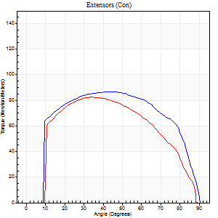
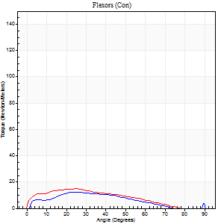
Right Side Curves Left Side Curves
Isokinetic Con/Con |  |  |  | Extensors (Con) |  | Flexors (Con)
Speed 120/120 d/s 3 Reps |  |  |  | Value | Cof Var | %BW | Value | Cof Var | %BW | Ratio

TORQUE PARAMETERS
Peak Torque (Newton-Meters - Best Repetition)
Right |  |  |  | 87 | 0.03 | 72 | 12 | 0.48 | 9 | 14
Left |  |  |  | 83 | 0.18 | 69 | 15 | 0.47 | 12 | 18
Deficit |  |  |  | 5 |  |  | 18
Work per Repetition (Newton-Meters - Best Repetition)
Right |  |  |  | 102 | 0.04 | 83 | 9 | 0.66 | 9 | 9
Left |  |  |  | 88 | 0.13 | 72 | 12 | 0.7 | 9 | 14
Deficit |  |  |  | 13 |  |  | 22
Average Power per Repetition (Watts - Best Repetition)
Right |  |  |  | 111 | 0.03 | 90 | 11 | 0.78 | 9 | 10
Left |  |  |  | 94 | 0.12 | 77 | 14 | 0.86 | 11 | 15
Deficit |  |  |  | 15 |  |  | 21
POSITION PARAMETERS
Joint Angle at Peak Torque (Degrees)
Right |  |  |  | 41 | 0.02 |  | 18 | 0.62
Left |  |  |  | 36 | 0.09 |  | 17 | 0.81
Range of Motion (Degrees)
Right |  |  |  | 0 | 4.24 |  | 90 | 0
Left |  |  |  | 0 | 1.41 |  | 90 | 0.01
TIME PARAMETERS
Time to Peak Torque (Seconds)
Right |  |  |  | 0.5 | 0.01 |  | 0.29 | 0.16
Left |  |  |  | 0.62 | 0.26 |  | 0.23 | 0.64
Time Peak Torque Held (Seconds)
Right |  |  |  | 0.04 | 0.43 |  | 0.02 | 1.73
Left |  |  |  | 0.02 | 0.87 |  | 0.01 | 1.15
Force Decay Time (Seconds)
Right |  |  |  | 0.37 | 0.05 |  | 1.09 | 0.77
Left |  |  |  | 0.35 | 0.04 |  | 1.1 | 0.78
Reciprocal Delay (Seconds)
Right |  |  |  | 0.19 | 0.37 |  | 0.31 | 0.64
Left |  |  |  | 0.16 | 0.5 |  | 0.19 | 0.23
Delay Time (Seconds)
Right |  |  |  | -0.05 | -0.28 |  | -0.02 | -2.58
Left |  |  |  | -0.02 | -1.41 |  | -0.02 | -0.25
HUMAC2015® Version: 15.000.0074 © Computer Sports Medicine, Inc. www.csmisolutions.com

Use File, Preference to set Report Heading
Long Form Torque vs. Position Report - Knee Extension/Flexion
Name: |  |  |  | TR030_FP3051, | ID: | TR030 | Right/Left: | 28.11.2022 28.11.2022
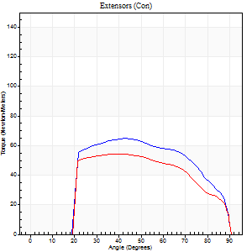
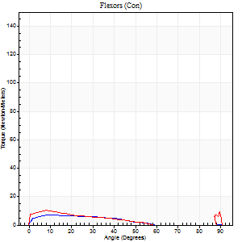
Right Side Curves Left Side Curves
Isokinetic Con/Con |  |  |  | Extensors (Con) |  | Flexors (Con)
Speed 240/240 d/s 3 Reps |  |  |  | Value | Cof Var | %BW | Value | Cof Var | %BW | Ratio

TORQUE PARAMETERS
Peak Torque (Newton-Meters - Best Repetition)
Right |  |  |  | 65 | 0.1 | 54 | 7 | 0.25 | 6 | 10
Left |  |  |  | 54 | 0.4 | 45 | 11 | 0.38 | 9 | 20
Deficit |  |  |  | 17 |  |  | 38
Work per Repetition (Newton-Meters - Best Repetition)
Right |  |  |  | 66 | 0.09 | 54 | 5 | 0.48 | 3 | 8
Left |  |  |  | 54 | 0.45 | 45 | 7 | 0.47 | 6 | 12
Deficit |  |  |  | 18 |  |  | 20
Average Power per Repetition (Watts - Best Repetition)
Right |  |  |  | 102 | 0.04 | 84 | 6 | 0.81 | 4 | 6
Left |  |  |  | 92 | 0.47 | 75 | 6 | 0.52 | 4 | 7
Deficit |  |  |  | 10 |  |  | 0
POSITION PARAMETERS
Joint Angle at Peak Torque (Degrees)
Right |  |  |  | 48 | 0.18 |  | 5 | 1
Left |  |  |  | 50 | 0.21 |  | 8 | 0.1
Range of Motion (Degrees)
Right |  |  |  | 0 | 0 |  | 90 | 0
Left |  |  |  | 0 | 1.13 |  | 90 | 0
TIME PARAMETERS
Time to Peak Torque (Seconds)
Right |  |  |  | 0.36 | 0.04 |  | 0.2 | 0.29
Left |  |  |  | 0.3 | 0.19 |  | 0.22 | 0.25
Time Peak Torque Held (Seconds)
Right |  |  |  | 0.01 | 0 |  | 0.03 | 1.73
Left |  |  |  | 0.02 | 0.92 |  | 0 | 0
Force Decay Time (Seconds)
Right |  |  |  | 0.28 | 0.11 |  | 1.31 | 0.8
Left |  |  |  | 0.28 | 0.2 |  | 0.81 | 0.15
Reciprocal Delay (Seconds)
Right |  |  |  | 0.39 | 0.44 |  | 0.35 | 0.32
Left |  |  |  | 0.59 | 0 |  | 0.16 | 0.68
Delay Time (Seconds)
Right |  |  |  | -0.09 | -0.08 |  | -0.07 | -0.53
Left |  |  |  | -0.04 | -0.47 |  | -0.05 | -0.43
HUMAC2015® Version: 15.000.0074 © Computer Sports Medicine, Inc. www.csmisolutions.com

Use File, Preference to set Report Heading
Isometric - Knee Extension/Flexion
Name: |  |  |  | TR030_FP3051, | ID: | TR030 | Right/Left: | 28.11.2022 28.11.2022

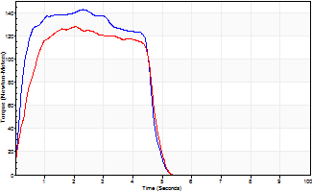
Isometric Extensors (Con) Angle 60 Time 10 Repetition 2 (Best Repetition)
 | Value | Cof Var | %BW
Peak Torque (Newton-Meters)
Right | 142 | 0 | 116
Left | 127 | 0.02 | 104
Deficit | 10
Average Torque (Newton-Meters)
Right | 60 | 0 | 48
Left | 53 | 0 | 42
Deficit | 11
Peak Torque Slope (Newton-Meters/Seconds)
Right | 62 | 0.04 | 50
Left | 63 | 0.21 | 51 |  | Right Side Curves Left Side Curves
Deficit | 2
Time to Half Peak Torque (Seconds)
Right | 0.19 | 0.04
Left | 0.36 | 0.1
Time to Peak Torque (Seconds)
Right | 2.36 | 0.04
Left | 2.36 | 0.2
HUMAC2015® Version: 15.000.0074 © Computer Sports Medicine, Inc. www.csmisolutions.com

post2
Use File, Preference to set Report Heading
Long Form Torque vs. Position Report - Knee Extension/Flexion
Name: |  |  |  | TR030_FP3051, | ID: | TR030 | Right/Left: | 30.11.2022 30.11.2022
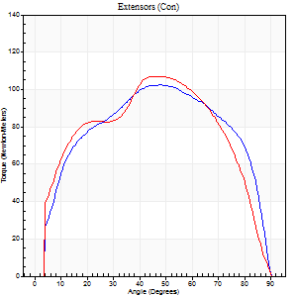
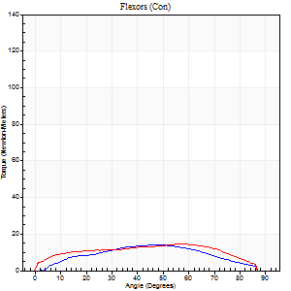
Right Side Curves Left Side Curves
Isokinetic Con/Con |  |  |  | Extensors (Con) |  | Flexors (Con)
Speed 60/60 d/s 3 Reps |  |  |  | Value | Cof Var | %BW | Value | Cof Var | %BW | Ratio

TORQUE PARAMETERS
Peak Torque (Newton-Meters - Best Repetition)
Right |  |  |  | 103 | 0.03 | 83 | 14 | 0.52 | 12 | 13
Left |  |  |  | 107 | 0.03 | 86 | 15 | 0.46 | 12 | 14
Deficit |  |  |  | 4 |  |  | 9
Work per Repetition (Newton-Meters - Best Repetition)
Right |  |  |  | 119 | 0.02 | 98 | 14 | 0.55 | 12 | 11
Left |  |  |  | 122 | 0.02 | 98 | 16 | 0.55 | 12 | 13
Deficit |  |  |  | 2 |  |  | 17
Average Power per Repetition (Watts - Best Repetition)
Right |  |  |  | 77 | 0.04 | 64 | 8 | 0.57 | 7 | 10
Left |  |  |  | 78 | 0.04 | 64 | 10 | 0.56 | 9 | 13
Deficit |  |  |  | 1 |  |  | 20
POSITION PARAMETERS
Joint Angle at Peak Torque (Degrees)
Right |  |  |  | 47 | 0.04 |  | 37 | 0.58
Left |  |  |  | 44 | 0.07 |  | 45 | 0.52
Range of Motion (Degrees)
Right |  |  |  | 0 | 0 |  | 90 | 0
Left |  |  |  | 0 | -1.41 |  | 90 | 0
TIME PARAMETERS
Time to Peak Torque (Seconds)
Right |  |  |  | 0.78 | 0.05 |  | 0.75 | 0.39
Left |  |  |  | 0.8 | 0.11 |  | 0.82 | 0.44
Time Peak Torque Held (Seconds)
Right |  |  |  | 0.07 | 0.49 |  | 0.05 | 1.25
Left |  |  |  | 0.06 | 0.37 |  | 0.06 | 1.12
Force Decay Time (Seconds)
Right |  |  |  | 0.74 | 0.04 |  | 0.87 | 0.37
Left |  |  |  | 0.71 | 0.05 |  | 0.75 | 0.48
Reciprocal Delay (Seconds)
Right |  |  |  | 0.16 | 0.23 |  | 0.34 | 0.71
Left |  |  |  | 0.22 | 0.03 |  | 0.27 | 0.29
Delay Time (Seconds)
Right |  |  |  | -0.03 | -0.47 |  | -0.01 | -5.11
Left |  |  |  | 0 | -4.24 |  | -0.01 | -0.43
HUMAC2015® Version: 15.000.0074 © Computer Sports Medicine, Inc. www.csmisolutions.com

Use File, Preference to set Report Heading
Long Form Torque vs. Position Report - Knee Extension/Flexion
Name: |  |  |  | TR030_FP3051, | ID: | TR030 | Right/Left: | 30.11.2022 30.11.2022
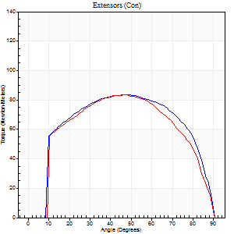
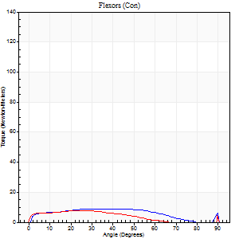
Right Side Curves Left Side Curves
Isokinetic Con/Con |  |  |  | Extensors (Con) |  | Flexors (Con)
Speed 120/120 d/s 3 Reps |  |  |  | Value | Cof Var | %BW | Value | Cof Var | %BW | Ratio

TORQUE PARAMETERS
Peak Torque (Newton-Meters - Best Repetition)
Right |  |  |  | 84 | 0.02 | 69 | 8 | 0.33 | 6 | 10
Left |  |  |  | 83 | 0.03 | 69 | 14 | 0.48 | 12 | 16
Deficit |  |  |  | 2 |  |  | 40
Work per Repetition (Newton-Meters - Best Repetition)
Right |  |  |  | 98 | 0.03 | 80 | 9 | 0.54 | 9 | 10
Left |  |  |  | 94 | 0.03 | 77 | 8 | 0.51 | 6 | 9
Deficit |  |  |  | 4 |  |  | 14
Average Power per Repetition (Watts - Best Repetition)
Right |  |  |  | 111 | 0.03 | 90 | 10 | 0.67 | 9 | 9
Left |  |  |  | 104 | 0.03 | 86 | 8 | 0.55 | 7 | 8
Deficit |  |  |  | 6 |  |  | 20
POSITION PARAMETERS
Joint Angle at Peak Torque (Degrees)
Right |  |  |  | 47 | 0.1 |  | 30 | 0.53
Left |  |  |  | 44 | 0.04 |  | 65 | 0.65
Range of Motion (Degrees)
Right |  |  |  | 0 | 1.41 |  | 90 | 0
Left |  |  |  | 0 | 1.41 |  | 90 | 0
TIME PARAMETERS
Time to Peak Torque (Seconds)
Right |  |  |  | 0.44 | 0.06 |  | 0.41 | 0.19
Left |  |  |  | 0.44 | 0.05 |  | 0.91 | 0.51
Time Peak Torque Held (Seconds)
Right |  |  |  | 0.02 | 0.65 |  | 0.04 | 1.73
Left |  |  |  | 0.05 | 0.12 |  | 0 | 0
Force Decay Time (Seconds)
Right |  |  |  | 0.42 | 0.11 |  | 0.74 | 0.73
Left |  |  |  | 0.39 | 0.03 |  | 0.17 | 3.08
Reciprocal Delay (Seconds)
Right |  |  |  | 0.11 | 0.26 |  | 0.23 | 0.18
Left |  |  |  | 0.3 | 0.19 |  | 0.21 | 0.23
Delay Time (Seconds)
Right |  |  |  | -0.02 | -0.28 |  | 0.02 | 1
Left |  |  |  | -0.02 | -0.28 |  | -0.04 | -0.16
HUMAC2015® Version: 15.000.0074 © Computer Sports Medicine, Inc. www.csmisolutions.com

Use File, Preference to set Report Heading
Long Form Torque vs. Position Report - Knee Extension/Flexion
Name: |  |  |  | TR030_FP3051, | ID: | TR030 | Right/Left: | 30.11.2022 30.11.2022
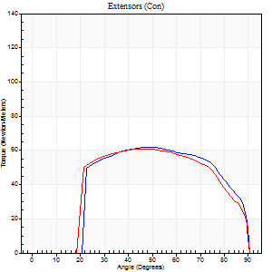
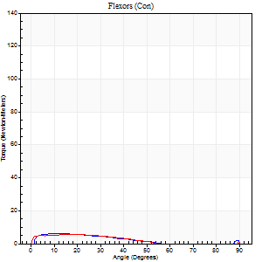
Right Side Curves Left Side Curves
Isokinetic Con/Con |  |  |  | Extensors (Con) |  | Flexors (Con)
Speed 240/240 d/s 3 Reps |  |  |  | Value | Cof Var | %BW | Value | Cof Var | %BW | Ratio

TORQUE PARAMETERS
Peak Torque (Newton-Meters - Best Repetition)
Right |  |  |  | 62 | 0.05 | 51 | 7 | 0.23 | 6 | 11
Left |  |  |  | 61 | 0.09 | 51 | 14 | 0.74 | 12 | 22
Deficit |  |  |  | 2 |  |  | 50
Work per Repetition (Newton-Meters - Best Repetition)
Right |  |  |  | 64 | 0.05 | 51 | 4 | 0.34 | 3 | 6
Left |  |  |  | 64 | 0.11 | 51 | 4 | 0.4 | 3 | 6
Deficit |  |  |  | 0 |  |  | 0
Average Power per Repetition (Watts - Best Repetition)
Right |  |  |  | 112 | 0.07 | 90 | 5 | 0.52 | 4 | 4
Left |  |  |  | 111 | 0.13 | 90 | 4 | 0.54 | 2 | 4
Deficit |  |  |  | 1 |  |  | 20
POSITION PARAMETERS
Joint Angle at Peak Torque (Degrees)
Right |  |  |  | 46 | 0.06 |  | 11 | 0.09
Left |  |  |  | 46 | 0.05 |  | 31 | 1.64
Range of Motion (Degrees)
Right |  |  |  | 0 | 0.47 |  | 90 | 0
Left |  |  |  | 0 | 0.61 |  | 90 | 0
TIME PARAMETERS
Time to Peak Torque (Seconds)
Right |  |  |  | 0.3 | 0.07 |  | 0.24 | 0.44
Left |  |  |  | 0.28 | 0 |  | 0.48 | 1.36
Time Peak Torque Held (Seconds)
Right |  |  |  | 0.01 | 1.15 |  | 0.05 | 1.15
Left |  |  |  | 0.01 | 0.87 |  | 0 | 0
Force Decay Time (Seconds)
Right |  |  |  | 0.26 | 0.07 |  | 0.69 | 0.16
Left |  |  |  | 0.27 | 0 |  | 0.64 | 1.25
Reciprocal Delay (Seconds)
Right |  |  |  | 0.22 | 0.19 |  | 0.14 | 0.3
Left |  |  |  | 0.56 | 0.01 |  | 0.19 | 0.21
Delay Time (Seconds)
Right |  |  |  | -0.05 | 0 |  | 0.03 | 0.22
Left |  |  |  | -0.04 | -0.2 |  | -0.06 | -0.17
HUMAC2015® Version: 15.000.0074 © Computer Sports Medicine, Inc. www.csmisolutions.com

Use File, Preference to set Report Heading
Isometric - Knee Extension/Flexion
Name: |  |  |  | TR030_FP3051, | ID: | TR030 | Right/Left: | 30.11.2022 30.11.2022

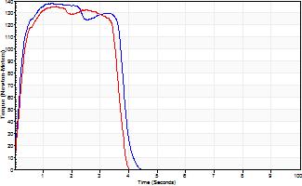
Isometric Extensors (Con) Angle 60 Time 10 Repetition 2 (Best Repetition)
 | Value | Cof Var | %BW
Peak Torque (Newton-Meters)
Right | 138 | 0.02 | 113
Left | 136 | 0.03 | 110
Deficit | 2
Average Torque (Newton-Meters)
Right | 56 | 0.1 | 45
Left | 45 | 0.01 | 36
Deficit | 20
Peak Torque Slope (Newton-Meters/Seconds)
Right | 103 | 0.22 | 84
Left | 94 | 0.15 | 77 |  | Right Side Curves Left Side Curves
Deficit | 9
Time to Half Peak Torque (Seconds)
Right | 0.09 | 1.41
Left | 0.21 | 0.07
Time to Peak Torque (Seconds)
Right | 1.55 | 0.2
Left | 1.57 | 0.13
HUMAC2015® Version: 15.000.0074 © Computer Sports Medicine, Inc. www.csmisolutions.com

