pre1
Use File, Preference to set Report Heading
Long Form Torque vs. Position Report - Knee Extension/Flexion
Name: |  |  |  | TR030_FP3052, | ID: | TR030 | Right/Left: | 09.09.2022 09.09.2022
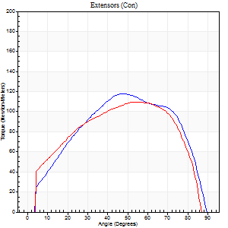
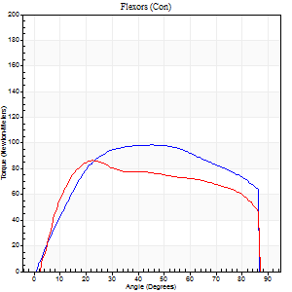
Right Side Curves Left Side Curves
Isokinetic Con/Con |  |  |  | Extensors (Con) |  | Flexors (Con)
Speed 60/60 d/s 3 Reps |  |  |  | Value | Cof Var | %BW | Value | Cof Var | %BW | Ratio

TORQUE PARAMETERS
Peak Torque (Newton-Meters - Best Repetition)
Right |  |  |  | 118 | 0.32 | 137 | 99 | 0.17 | 113 | 84
Left |  |  |  | 110 | 0.01 | 125 | 87 | 0.06 | 101 | 79
Deficit |  |  |  | 7 |  |  | 12
Work per Repetition (Newton-Meters - Best Repetition)
Right |  |  |  | 126 | 0.35 | 146 | 117 | 0.28 | 134 | 92
Left |  |  |  | 122 | 0.01 | 140 | 102 | 0.26 | 116 | 83
Deficit |  |  |  | 3 |  |  | 13
Average Power per Repetition (Watts - Best Repetition)
Right |  |  |  | 83 | 0.39 | 95 | 79 | 0.31 | 90 | 95
Left |  |  |  | 81 | 0.01 | 92 | 68 | 0.25 | 79 | 84
Deficit |  |  |  | 2 |  |  | 14
POSITION PARAMETERS
Joint Angle at Peak Torque (Degrees)
Right |  |  |  | 46 | 0.28 |  | 49 | 0.4
Left |  |  |  | 55 | 0.02 |  | 33 | 0.67
Range of Motion (Degrees)
Right |  |  |  | 0 | 0.61 |  | 90 | 0
Left |  |  |  | 0 | 1.16 |  | 90 | 0
TIME PARAMETERS
Time to Peak Torque (Seconds)
Right |  |  |  | 0.62 | 0.18 |  | 0.84 | 0.42
Left |  |  |  | 0.56 | 0.01 |  | 0.53 | 0.69
Time Peak Torque Held (Seconds)
Right |  |  |  | 0.07 | 0.65 |  | 0.07 | 0.55
Left |  |  |  | 0.09 | 0.62 |  | 0.05 | 0.81
Force Decay Time (Seconds)
Right |  |  |  | 0.75 | 0.2 |  | 0.63 | 0.51
Left |  |  |  | 0.84 | 0.07 |  | 0.9 | 0.42
Reciprocal Delay (Seconds)
Right |  |  |  | 0.4 | 0.44 |  | 0.37 | 0.6
Left |  |  |  | 0.1 | 0.42 |  | 0.1 | 0.57
Delay Time (Seconds)
Right |  |  |  | 0.01 | 0.47 |  | -0.01 | -3.12
Left |  |  |  | 0.04 | 0.47 |  | 0.02 | 0.87
HUMAC2015® Version: 15.000.0074 © Computer Sports Medicine, Inc. www.csmisolutions.com

Use File, Preference to set Report Heading
Long Form Torque vs. Position Report - Knee Extension/Flexion
Name: |  |  |  | TR030_FP3052, | ID: | TR030 | Right/Left: | 09.09.2022 09.09.2022
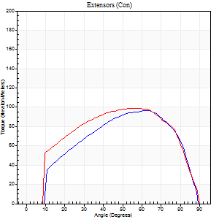
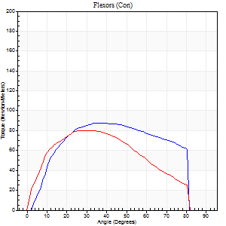
Right Side Curves Left Side Curves
Isokinetic Con/Con |  |  |  | Extensors (Con) |  | Flexors (Con)
Speed 120/120 d/s 3 Reps |  |  |  | Value | Cof Var | %BW | Value | Cof Var | %BW | Ratio

TORQUE PARAMETERS
Peak Torque (Newton-Meters - Best Repetition)
Right |  |  |  | 96 | 0.02 | 110 | 88 | 0.03 | 101 | 92
Left |  |  |  | 99 | 0.06 | 113 | 80 | 0.61 | 92 | 81
Deficit |  |  |  | 3 |  |  | 9
Work per Repetition (Newton-Meters - Best Repetition)
Right |  |  |  | 99 | 0.05 | 113 | 98 | 0.03 | 113 | 99
Left |  |  |  | 110 | 0.06 | 125 | 81 | 0.62 | 92 | 74
Deficit |  |  |  | 10 |  |  | 17
Average Power per Repetition (Watts - Best Repetition)
Right |  |  |  | 124 | 0.08 | 143 | 129 | 0.09 | 149 | 104
Left |  |  |  | 125 | 0.3 | 143 | 89 | 0.6 | 103 | 71
Deficit |  |  |  | 1 |  |  | 31
POSITION PARAMETERS
Joint Angle at Peak Torque (Degrees)
Right |  |  |  | 58 | 0.09 |  | 36 | 0.03
Left |  |  |  | 54 | 0.09 |  | 30 | 0.22
Range of Motion (Degrees)
Right |  |  |  | 1 | 0.07 |  | 90 | 0.01
Left |  |  |  | 0 | 0.2 |  | 90 | 0
TIME PARAMETERS
Time to Peak Torque (Seconds)
Right |  |  |  | 0.26 | 0 |  | 0.32 | 0.07
Left |  |  |  | 0.31 | 0.05 |  | 0.3 | 0.14
Time Peak Torque Held (Seconds)
Right |  |  |  | 0.02 | 0.25 |  | 0.06 | 0.29
Left |  |  |  | 0.03 | 0.43 |  | 0.04 | 0
Force Decay Time (Seconds)
Right |  |  |  | 0.48 | 0.1 |  | 0.41 | 0.05
Left |  |  |  | 0.51 | 0.07 |  | 0.52 | 0.08
Reciprocal Delay (Seconds)
Right |  |  |  | 0.1 | 0 |  | 0.08 | 0.49
Left |  |  |  | 0.14 | 0.3 |  | 0.12 | 0.13
Delay Time (Seconds)
Right |  |  |  | 0 | 1.41 |  | 0.02 | 0.35
Left |  |  |  | 0 | 1.41 |  | -0.01 | -0.87
HUMAC2015® Version: 15.000.0074 © Computer Sports Medicine, Inc. www.csmisolutions.com

Use File, Preference to set Report Heading
Long Form Torque vs. Position Report - Knee Extension/Flexion
Name: |  |  |  | TR030_FP3052, | ID: | TR030 | Right/Left: | 09.09.2022 09.09.2022
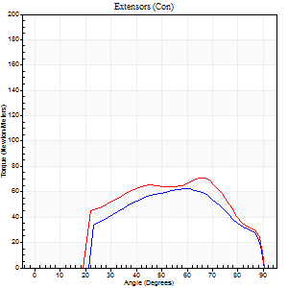
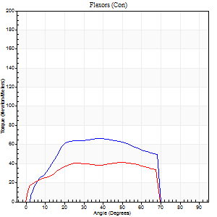
Right Side Curves Left Side Curves
Isokinetic Con/Con |  |  |  | Extensors (Con) |  | Flexors (Con)
Speed 240/240 d/s 3 Reps |  |  |  | Value | Cof Var | %BW | Value | Cof Var | %BW | Ratio

TORQUE PARAMETERS
Peak Torque (Newton-Meters - Best Repetition)
Right |  |  |  | 62 | 0.08 | 72 | 66 | 0.09 | 77 | 107
Left |  |  |  | 71 | 0.11 | 80 | 41 | 0.53 | 48 | 58
Deficit |  |  |  | 12 |  |  | 39
Work per Repetition (Newton-Meters - Best Repetition)
Right |  |  |  | 58 | 0.13 | 69 | 64 | 0.08 | 75 | 109
Left |  |  |  | 68 | 0.08 | 77 | 42 | 0.59 | 48 | 62
Deficit |  |  |  | 14 |  |  | 34
Average Power per Repetition (Watts - Best Repetition)
Right |  |  |  | 114 | 0.13 | 132 | 122 | 0.12 | 141 | 107
Left |  |  |  | 124 | 0.1 | 143 | 76 | 0.66 | 88 | 61
Deficit |  |  |  | 8 |  |  | 38
POSITION PARAMETERS
Joint Angle at Peak Torque (Degrees)
Right |  |  |  | 60 | 0.03 |  | 43 | 0.13
Left |  |  |  | 65 | 0.02 |  | 31 | 0.83
Range of Motion (Degrees)
Right |  |  |  | 1 | 0.83 |  | 90 | 0
Left |  |  |  | 0 | 2.36 |  | 90 | 0.01
TIME PARAMETERS
Time to Peak Torque (Seconds)
Right |  |  |  | 0.19 | 0.07 |  | 0.26 | 0.14
Left |  |  |  | 0.17 | 0.13 |  | 0.23 | 0.64
Time Peak Torque Held (Seconds)
Right |  |  |  | 0.02 | 0.35 |  | 0.01 | 1.15
Left |  |  |  | 0.01 | 0 |  | 0 | 1.73
Force Decay Time (Seconds)
Right |  |  |  | 0.3 | 0.13 |  | 0.24 | 0.19
Left |  |  |  | 0.37 | 0.03 |  | 0.36 | 0.35
Reciprocal Delay (Seconds)
Right |  |  |  | 0.08 | 0 |  | 0.07 | 0.38
Left |  |  |  | 0.14 | 0.4 |  | 0.17 | 0.46
Delay Time (Seconds)
Right |  |  |  | -0.02 | 0 |  | -0.01 | -1.73
Left |  |  |  | -0.02 | -0.71 |  | -0.02 | -0.5
HUMAC2015® Version: 15.000.0074 © Computer Sports Medicine, Inc. www.csmisolutions.com

Use File, Preference to set Report Heading
Isometric - Knee Extension/Flexion
Name: |  |  |  | TR030_FP3052, | ID: | TR030 | Right/Left: | 09.09.2022 09.09.2022

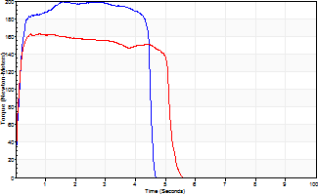
Isometric Extensors (Con) Angle 60 Time 10 Repetition 2 (Best Repetition)
 | Value | Cof Var | %BW
Peak Torque (Newton-Meters)
Right | 199 | 0.09 | 229
Left | 163 | 0.06 | 188
Deficit | 18
Average Torque (Newton-Meters)
Right | 114 | 0.22 | 131
Left | 79 | 0.18 | 89
Deficit | 31
Peak Torque Slope (Newton-Meters/Seconds)
Right | 125 | 0.77 | 143
Left | 206 | 0.61 | 237 |  | Right Side Curves Left Side Curves
Deficit | 39
Time to Half Peak Torque (Seconds)
Right | 0.13 | 0
Left | 0.09 | 0.08
Time to Peak Torque (Seconds)
Right | 3.17 | 0.7
Left | 1.3 | 0.57
HUMAC2015® Version: 15.000.0074 © Computer Sports Medicine, Inc. www.csmisolutions.com

pre2
Use File, Preference to set Report Heading
Long Form Torque vs. Position Report - Knee Extension/Flexion
Name: |  |  |  | TR030_FP3052, | ID: | TR030 | Right/Left: | 26.09.2022 26.09.2022
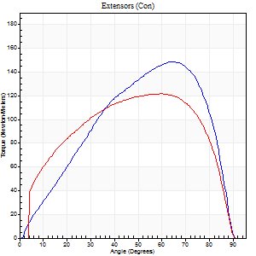
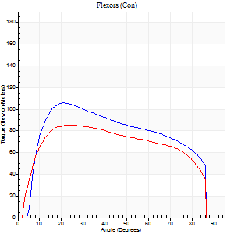
Right Side Curves Left Side Curves
Isokinetic Con/Con |  |  |  | Extensors (Con) |  | Flexors (Con)
Speed 60/60 d/s 3 Reps |  |  |  | Value | Cof Var | %BW | Value | Cof Var | %BW | Ratio

TORQUE PARAMETERS
Peak Torque (Newton-Meters - Best Repetition)
Right |  |  |  | 149 | 0.85 | 173 | 106 | 0.82 | 122 | 71
Left |  |  |  | 122 | 0.03 | 140 | 85 | 0.04 | 98 | 70
Deficit |  |  |  | 18 |  |  | 19
Work per Repetition (Newton-Meters - Best Repetition)
Right |  |  |  | 146 | 0.86 | 170 | 125 | 0.86 | 143 | 85
Left |  |  |  | 141 | 0.03 | 161 | 104 | 0.03 | 119 | 74
Deficit |  |  |  | 4 |  |  | 16
Average Power per Repetition (Watts - Best Repetition)
Right |  |  |  | 97 | 0.87 | 112 | 81 | 0.86 | 92 | 84
Left |  |  |  | 93 | 0.03 | 108 | 71 | 0.02 | 81 | 76
Deficit |  |  |  | 4 |  |  | 12
POSITION PARAMETERS
Joint Angle at Peak Torque (Degrees)
Right |  |  |  | 70 | 0.16 |  | 41 | 0.74
Left |  |  |  | 59 | 0.03 |  | 26 | 0.11
Range of Motion (Degrees)
Right |  |  |  | 3 | 0.85 |  | 90 | 0.01
Left |  |  |  | 0 | 0.18 |  | 89 | 0.01
TIME PARAMETERS
Time to Peak Torque (Seconds)
Right |  |  |  | 0.44 | 0.06 |  | 3.48 | 1.55
Left |  |  |  | 0.52 | 0.05 |  | 0.41 | 0.13
Time Peak Torque Held (Seconds)
Right |  |  |  | 0.07 | 0.52 |  | 0.11 | 1.16
Left |  |  |  | 0.1 | 0.3 |  | 0.09 | 0.06
Force Decay Time (Seconds)
Right |  |  |  | 4.16 | 1.33 |  | 0.74 | 0.61
Left |  |  |  | 0.88 | 0.03 |  | 0.95 | 0.08
Reciprocal Delay (Seconds)
Right |  |  |  | 2.54 | 1.39 |  | 0.13 | 1.08
Left |  |  |  | 0.05 | 0.13 |  | 0.08 | 0.33
Delay Time (Seconds)
Right |  |  |  | 0.01 | 2.83 |  | 0.32 | 1.81
Left |  |  |  | 0.01 | 1.41 |  | 0.02 | 0.25
HUMAC2015® Version: 15.000.0074 © Computer Sports Medicine, Inc. www.csmisolutions.com

Use File, Preference to set Report Heading
Long Form Torque vs. Position Report - Knee Extension/Flexion
Name: |  |  |  | TR030_FP3052, | ID: | TR030 | Right/Left: | 26.09.2022 26.09.2022
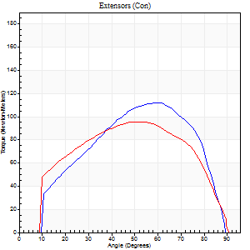
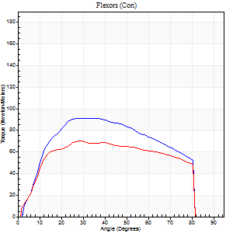
Right Side Curves Left Side Curves
Isokinetic Con/Con |  |  |  | Extensors (Con) |  | Flexors (Con)
Speed 120/120 d/s 3 Reps |  |  |  | Value | Cof Var | %BW | Value | Cof Var | %BW | Ratio

TORQUE PARAMETERS
Peak Torque (Newton-Meters - Best Repetition)
Right |  |  |  | 113 | 0.04 | 128 | 91 | 0.03 | 104 | 81
Left |  |  |  | 95 | 0.03 | 110 | 71 | 0.04 | 80 | 74
Deficit |  |  |  | 16 |  |  | 22
Work per Repetition (Newton-Meters - Best Repetition)
Right |  |  |  | 111 | 0.04 | 128 | 99 | 0.04 | 113 | 89
Left |  |  |  | 108 | 0.04 | 125 | 80 | 0.04 | 92 | 74
Deficit |  |  |  | 2 |  |  | 19
Average Power per Repetition (Watts - Best Repetition)
Right |  |  |  | 137 | 0.32 | 158 | 124 | 0.03 | 143 | 91
Left |  |  |  | 127 | 0.02 | 145 | 98 | 0.05 | 112 | 77
Deficit |  |  |  | 7 |  |  | 21
POSITION PARAMETERS
Joint Angle at Peak Torque (Degrees)
Right |  |  |  | 60 | 0.03 |  | 35 | 0.08
Left |  |  |  | 57 | 0.07 |  | 29 | 0.03
Range of Motion (Degrees)
Right |  |  |  | 1 | 0 |  | 90 | 0
Left |  |  |  | 1 | 0.64 |  | 90 | 0.01
TIME PARAMETERS
Time to Peak Torque (Seconds)
Right |  |  |  | 0.27 | 0 |  | 0.3 | 0.08
Left |  |  |  | 0.28 | 0.1 |  | 0.27 | 0
Time Peak Torque Held (Seconds)
Right |  |  |  | 0.03 | 0.57 |  | 0.03 | 0.57
Left |  |  |  | 0.06 | 0.37 |  | 0.03 | 1.48
Force Decay Time (Seconds)
Right |  |  |  | 0.49 | 0.06 |  | 0.45 | 0.03
Left |  |  |  | 0.46 | 0.09 |  | 0.5 | 0.12
Reciprocal Delay (Seconds)
Right |  |  |  | 0.11 | 0 |  | 0.05 | 0
Left |  |  |  | 0.11 | 0.55 |  | 0.09 | 0.27
Delay Time (Seconds)
Right |  |  |  | 0 | 0 |  | 0.01 | 0
Left |  |  |  | 0.02 | 3.3 |  | 0 | 0
HUMAC2015® Version: 15.000.0074 © Computer Sports Medicine, Inc. www.csmisolutions.com

Use File, Preference to set Report Heading
Long Form Torque vs. Position Report - Knee Extension/Flexion
Name: |  |  |  | TR030_FP3052, | ID: | TR030 | Right/Left: | 26.09.2022 26.09.2022
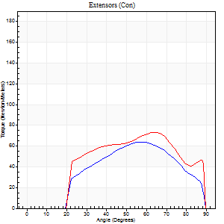
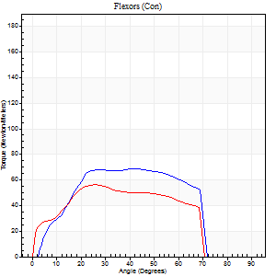
Right Side Curves Left Side Curves
Isokinetic Con/Con |  |  |  | Extensors (Con) |  | Flexors (Con)
Speed 240/240 d/s 3 Reps |  |  |  | Value | Cof Var | %BW | Value | Cof Var | %BW | Ratio

TORQUE PARAMETERS
Peak Torque (Newton-Meters - Best Repetition)
Right |  |  |  | 64 | 0.03 | 75 | 68 | 0.02 | 77 | 106
Left |  |  |  | 73 | 0.04 | 83 | 57 | 0.03 | 66 | 78
Deficit |  |  |  | 13 |  |  | 16
Work per Repetition (Newton-Meters - Best Repetition)
Right |  |  |  | 57 | 0.04 | 66 | 68 | 0.04 | 77 | 119
Left |  |  |  | 71 | 0.07 | 80 | 54 | 0.04 | 63 | 77
Deficit |  |  |  | 19 |  |  | 20
Average Power per Repetition (Watts - Best Repetition)
Right |  |  |  | 116 | 0.09 | 134 | 133 | 0.08 | 154 | 115
Left |  |  |  | 122 | 0.08 | 141 | 110 | 0.11 | 127 | 90
Deficit |  |  |  | 5 |  |  | 17
POSITION PARAMETERS
Joint Angle at Peak Torque (Degrees)
Right |  |  |  | 59 | 0.04 |  | 43 | 0.03
Left |  |  |  | 61 | 0.02 |  | 27 | 0.04
Range of Motion (Degrees)
Right |  |  |  | 2 | 0.03 |  | 90 | 0.01
Left |  |  |  | 0 | 1.06 |  | 90 | 0.01
TIME PARAMETERS
Time to Peak Torque (Seconds)
Right |  |  |  | 0.2 | 0.03 |  | 0.25 | 0.02
Left |  |  |  | 0.19 | 0.11 |  | 0.2 | 0.06
Time Peak Torque Held (Seconds)
Right |  |  |  | 0 | 1.73 |  | 0.02 | 0.92
Left |  |  |  | 0.01 | 0.87 |  | 0.01 | 1.73
Force Decay Time (Seconds)
Right |  |  |  | 0.28 | 0.05 |  | 0.24 | 0.11
Left |  |  |  | 0.34 | 0.06 |  | 0.33 | 0.17
Reciprocal Delay (Seconds)
Right |  |  |  | 0.08 | 0.09 |  | 0.05 | 0.22
Left |  |  |  | 0.15 | 0.09 |  | 0.11 | 0.22
Delay Time (Seconds)
Right |  |  |  | -0.02 | 0 |  | 0 | 0
Left |  |  |  | -0.03 | -1.41 |  | -0.02 | -0.25
HUMAC2015® Version: 15.000.0074 © Computer Sports Medicine, Inc. www.csmisolutions.com

Use File, Preference to set Report Heading
Isometric - Knee Extension/Flexion
Name: |  |  |  | TR030_FP3052, | ID: | TR030 | Right/Left: | 26.09.2022 26.09.2022

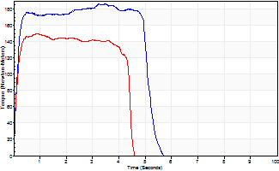
Isometric Extensors (Con) Angle 60 Time 10 Repetition 2 (Best Repetition)
 | Value | Cof Var | %BW
Peak Torque (Newton-Meters)
Right | 186 | 0.01 | 215
Left | 149 | 0.01 | 173
Deficit | 20
Average Torque (Newton-Meters)
Right | 89 | 0.1 | 104
Left | 62 | 0.02 | 72
Deficit | 30
Peak Torque Slope (Newton-Meters/Seconds)
Right | 88 | 0.34 | 101
Left | 170 | 0.26 | 195 |  | Right Side Curves Left Side Curves
Deficit | 48
Time to Half Peak Torque (Seconds)
Right | 0.13 | 0.11
Left | 0.11 | 0.07
Time to Peak Torque (Seconds)
Right | 2.78 | 0.35
Left | 1.06 | 0.25
HUMAC2015® Version: 15.000.0074 © Computer Sports Medicine, Inc. www.csmisolutions.com

mid1
Use File, Preference to set Report Heading
Long Form Torque vs. Position Report - Knee Extension/Flexion
Name: |  |  |  | TR030_FP3052, | ID: | TR030 | Right/Left: | 04.11.2022 04.11.2022
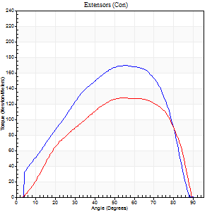
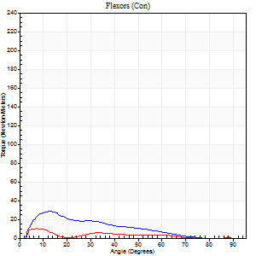
Right Side Curves Left Side Curves
Isokinetic Con/Con |  |  |  | Extensors (Con) |  | Flexors (Con)
Speed 60/60 d/s 3 Reps |  |  |  | Value | Cof Var | %BW | Value | Cof Var | %BW | Ratio

TORQUE PARAMETERS
Peak Torque (Newton-Meters - Best Repetition)
Right |  |  |  | 170 | 0.24 | 194 | 28 | 0.47 | 33 | 17
Left |  |  |  | 127 | 0.07 | 146 | 9 | 0.24 | 12 | 7
Deficit |  |  |  | 25 |  |  | 67
Work per Repetition (Newton-Meters - Best Repetition)
Right |  |  |  | 175 | 0.24 | 203 | 18 | 0.53 | 21 | 10
Left |  |  |  | 132 | 0.04 | 152 | 4 | 0.56 | 6 | 3
Deficit |  |  |  | 25 |  |  | 77
Average Power per Repetition (Watts - Best Repetition)
Right |  |  |  | 114 | 0.25 | 132 | 10 | 0.81 | 11 | 9
Left |  |  |  | 86 | 0.04 | 99 | 3 | 0.72 | 4 | 3
Deficit |  |  |  | 25 |  |  | 70
POSITION PARAMETERS
Joint Angle at Peak Torque (Degrees)
Right |  |  |  | 49 | 0.27 |  | 16 | 0.16
Left |  |  |  | 62 | 0.11 |  | 4 | 0.73
Range of Motion (Degrees)
Right |  |  |  | 1 | 0 |  | 89 | 0.01
Left |  |  |  | 1 | 0.14 |  | 90 | 0
TIME PARAMETERS
Time to Peak Torque (Seconds)
Right |  |  |  | 0.94 | 0.54 |  | 0.27 | 0.41
Left |  |  |  | 0.48 | 0.31 |  | 0.09 | 0.24
Time Peak Torque Held (Seconds)
Right |  |  |  | 0.07 | 0.48 |  | 0.01 | 0.87
Left |  |  |  | 0.09 | 0.9 |  | 0.03 | 1.42
Force Decay Time (Seconds)
Right |  |  |  | 0.75 | 0.24 |  | 4.21 | 1.17
Left |  |  |  | 0.94 | 0.15 |  | 2.25 | 0.52
Reciprocal Delay (Seconds)
Right |  |  |  | 0.15 | 0.54 |  | 0.09 | 0.43
Left |  |  |  | 0.12 | 0 |  | 0.08 | 0.07
Delay Time (Seconds)
Right |  |  |  | 1.03 | 1.44 |  | 0.04 | 0.13
Left |  |  |  | 0.01 | 0 |  | -0.04 | -0.25
HUMAC2015® Version: 15.000.0074 © Computer Sports Medicine, Inc. www.csmisolutions.com

Use File, Preference to set Report Heading
Long Form Torque vs. Position Report - Knee Extension/Flexion
Name: |  |  |  | TR030_FP3052, | ID: | TR030 | Right/Left: | 04.11.2022 04.11.2022
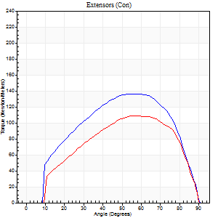
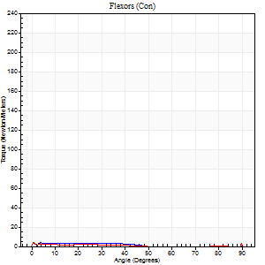
Right Side Curves Left Side Curves
Isokinetic Con/Con |  |  |  | Extensors (Con) |  | Flexors (Con)
Speed 120/120 d/s 3 Reps |  |  |  | Value | Cof Var | %BW | Value | Cof Var | %BW | Ratio

TORQUE PARAMETERS
Peak Torque (Newton-Meters - Best Repetition)
Right |  |  |  | 136 | 0.05 | 155 | 12 | 0.7 | 15 | 9
Left |  |  |  | 108 | 0.02 | 125 | 7 | 0.46 | 9 | 6
Deficit |  |  |  | 20 |  |  | 44
Work per Repetition (Newton-Meters - Best Repetition)
Right |  |  |  | 142 | 0.05 | 164 | 3 | 0.34 | 3 | 2
Left |  |  |  | 113 | 0.03 | 128 | 1 | 0.21 | 3 | 1
Deficit |  |  |  | 21 |  |  | 50
Average Power per Repetition (Watts - Best Repetition)
Right |  |  |  | 172 | 0.43 | 198 | 2 | 0.65 | 2 | 1
Left |  |  |  | 127 | 0.01 | 145 | 1 | 0.47 | 2 | 1
Deficit |  |  |  | 26 |  |  | 50
POSITION PARAMETERS
Joint Angle at Peak Torque (Degrees)
Right |  |  |  | 58 | 0.1 |  | 36 | 1.29
Left |  |  |  | 58 | 0.02 |  | 60 | 0.85
Range of Motion (Degrees)
Right |  |  |  | 1 | 0.04 |  | 90 | 0
Left |  |  |  | 0 | 0.47 |  | 90 | 0
TIME PARAMETERS
Time to Peak Torque (Seconds)
Right |  |  |  | 0.31 | 0.21 |  | 0.67 | 1.07
Left |  |  |  | 0.31 | 0 |  | 1.11 | 0.75
Time Peak Torque Held (Seconds)
Right |  |  |  | 0.05 | 0.81 |  | 0.01 | 0.87
Left |  |  |  | 0.02 | 0.35 |  | 0.04 | 1.26
Force Decay Time (Seconds)
Right |  |  |  | 0.45 | 0.03 |  | 1.18 | 1.16
Left |  |  |  | 0.54 | 0.02 |  | 0.67 | 2.11
Reciprocal Delay (Seconds)
Right |  |  |  | 0.36 | 0.43 |  | 0.1 | 0.06
Left |  |  |  | 0.3 | 0.07 |  | 0.25 | 0.33
Delay Time (Seconds)
Right |  |  |  | -0.02 | 0 |  | 0.15 | 0.47
Left |  |  |  | 0 | -1.41 |  | -0.08 | -0.49
HUMAC2015® Version: 15.000.0074 © Computer Sports Medicine, Inc. www.csmisolutions.com

Use File, Preference to set Report Heading
Long Form Torque vs. Position Report - Knee Extension/Flexion
Name: |  |  |  | TR030_FP3052, | ID: | TR030 | Right/Left: | 04.11.2022 04.11.2022
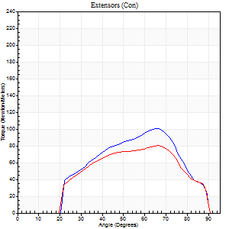
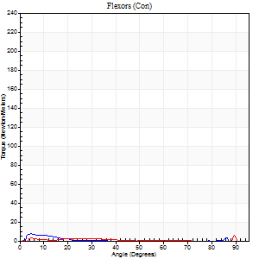
Right Side Curves Left Side Curves
Isokinetic Con/Con |  |  |  | Extensors (Con) |  | Flexors (Con)
Speed 240/240 d/s 3 Reps |  |  |  | Value | Cof Var | %BW | Value | Cof Var | %BW | Ratio

TORQUE PARAMETERS
Peak Torque (Newton-Meters - Best Repetition)
Right |  |  |  | 100 | 0.07 | 116 | 7 | 0.27 | 9 | 7
Left |  |  |  | 80 | 0.1 | 92 | 19 | 0.73 | 21 | 24
Deficit |  |  |  | 20 |  |  | 64
Work per Repetition (Newton-Meters - Best Repetition)
Right |  |  |  | 87 | 0.07 | 101 | 3 | 0.1 | 3 | 3
Left |  |  |  | 73 | 0.09 | 83 | 4 | 1.06 | 6 | 6
Deficit |  |  |  | 16 |  |  | 33
Average Power per Repetition (Watts - Best Repetition)
Right |  |  |  | 171 | 0.08 | 198 | 2 | 0.08 | 2 | 1
Left |  |  |  | 141 | 0.12 | 163 | 4 | 1.26 | 4 | 3
Deficit |  |  |  | 18 |  |  | 50
POSITION PARAMETERS
Joint Angle at Peak Torque (Degrees)
Right |  |  |  | 66 | 0.03 |  | 9 | 0.47
Left |  |  |  | 66 | 0.03 |  | 60 | 0.86
Range of Motion (Degrees)
Right |  |  |  | 2 | 0 |  | 90 | 0
Left |  |  |  | 1 | 0.74 |  | 90 | 0
TIME PARAMETERS
Time to Peak Torque (Seconds)
Right |  |  |  | 0.16 | 0.04 |  | 0.16 | 0.54
Left |  |  |  | 0.16 | 0.09 |  | 0.59 | 0.81
Time Peak Torque Held (Seconds)
Right |  |  |  | 0.01 | 0 |  | 0 | 0
Left |  |  |  | 0 | 1.73 |  | 0.12 | 1.73
Force Decay Time (Seconds)
Right |  |  |  | 0.31 | 0.04 |  | 1.03 | 0.05
Left |  |  |  | 0.35 | 0.08 |  | 0.69 | 2.02
Reciprocal Delay (Seconds)
Right |  |  |  | 0.3 | 0.19 |  | 0.09 | 0.24
Left |  |  |  | 0.41 | 0.14 |  | 0.14 | 0.52
Delay Time (Seconds)
Right |  |  |  | -0.01 | -0.47 |  | 0.06 | 0.76
Left |  |  |  | -0.01 | -1.41 |  | 0.23 | 2.27
HUMAC2015® Version: 15.000.0074 © Computer Sports Medicine, Inc. www.csmisolutions.com

Use File, Preference to set Report Heading
Isometric - Knee Extension/Flexion
Name: |  |  |  | TR030_FP3052, | ID: | TR030 | Right/Left: | 04.11.2022 04.11.2022

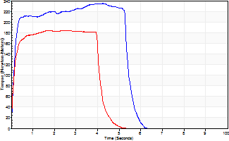
Isometric Extensors (Con) Angle 60 Time 10 Repetition 2 (Best Repetition)
 | Value | Cof Var | %BW
Peak Torque (Newton-Meters)
Right | 235 | 0 | 271
Left | 183 | 0.03 | 212
Deficit | 22
Average Torque (Newton-Meters)
Right | 118 | 0.09 | 137
Left | 73 | 0.06 | 83
Deficit | 38
Peak Torque Slope (Newton-Meters/Seconds)
Right | 69 | 0.15 | 79
Left | 107 | 0.48 | 123 |  | Right Side Curves Left Side Curves
Deficit | 36
Time to Half Peak Torque (Seconds)
Right | 0.15 | 0.05
Left | 0.14 | 0.2
Time to Peak Torque (Seconds)
Right | 3.82 | 0.15
Left | 2.5 | 0.45
HUMAC2015® Version: 15.000.0074 © Computer Sports Medicine, Inc. www.csmisolutions.com

mid2
Use File, Preference to set Report Heading
Long Form Torque vs. Position Report - Knee Extension/Flexion
Name: |  |  |  | TR030_FP3052, | ID: | TR030 | Right/Left: | 09.11.2022 09.11.2022
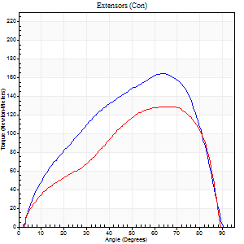
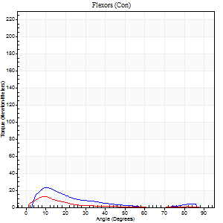
Right Side Curves Left Side Curves
Isokinetic Con/Con |  |  |  | Extensors (Con) |  | Flexors (Con)
Speed 60/60 d/s 3 Reps |  |  |  | Value | Cof Var | %BW | Value | Cof Var | %BW | Ratio

TORQUE PARAMETERS
Peak Torque (Newton-Meters - Best Repetition)
Right |  |  |  | 164 | 0.03 | 188 | 23 | 0.39 | 27 | 14
Left |  |  |  | 129 | 0.04 | 149 | 12 | 0.08 | 15 | 9
Deficit |  |  |  | 21 |  |  | 47
Work per Repetition (Newton-Meters - Best Repetition)
Right |  |  |  | 167 | 0.04 | 191 | 12 | 0.33 | 15 | 7
Left |  |  |  | 129 | 0.03 | 149 | 8 | 0.28 | 9 | 6
Deficit |  |  |  | 23 |  |  | 33
Average Power per Repetition (Watts - Best Repetition)
Right |  |  |  | 109 | 0.04 | 125 | 8 | 0.46 | 9 | 7
Left |  |  |  | 85 | 0 | 99 | 5 | 0.4 | 7 | 6
Deficit |  |  |  | 22 |  |  | 38
POSITION PARAMETERS
Joint Angle at Peak Torque (Degrees)
Right |  |  |  | 66 | 0.05 |  | 10 | 0.16
Left |  |  |  | 68 | 0.02 |  | 36 | 1.28
Range of Motion (Degrees)
Right |  |  |  | 1 | 0.69 |  | 90 | 0
Left |  |  |  | 1 | 0.47 |  | 90 | 0
TIME PARAMETERS
Time to Peak Torque (Seconds)
Right |  |  |  | 0.41 | 0.22 |  | 0.16 | 0.18
Left |  |  |  | 0.37 | 0.11 |  | 0.67 | 1.26
Time Peak Torque Held (Seconds)
Right |  |  |  | 0.05 | 0.12 |  | 0.01 | 1.15
Left |  |  |  | 0.09 | 0.68 |  | 0 | 0
Force Decay Time (Seconds)
Right |  |  |  | 1.04 | 0.07 |  | 1.68 | 0.16
Left |  |  |  | 1.02 | 0.03 |  | 1.11 | 0.97
Reciprocal Delay (Seconds)
Right |  |  |  | 0.22 | 0.03 |  | 0.07 | 0.17
Left |  |  |  | 0.19 | 0.07 |  | 0.09 | 0.38
Delay Time (Seconds)
Right |  |  |  | -0.01 | -1.41 |  | 0 | 6.93
Left |  |  |  | 0.02 | 0.71 |  | -0.01 | -1.56
HUMAC2015® Version: 15.000.0074 © Computer Sports Medicine, Inc. www.csmisolutions.com

Use File, Preference to set Report Heading
Long Form Torque vs. Position Report - Knee Extension/Flexion
Name: |  |  |  | TR030_FP3052, | ID: | TR030 | Right/Left: | 09.11.2022 09.11.2022
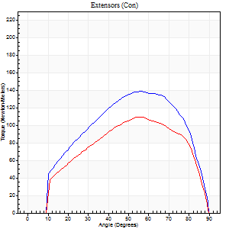
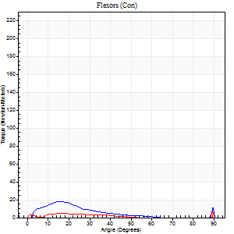
Right Side Curves Left Side Curves
Isokinetic Con/Con |  |  |  | Extensors (Con) |  | Flexors (Con)
Speed 120/120 d/s 3 Reps |  |  |  | Value | Cof Var | %BW | Value | Cof Var | %BW | Ratio

TORQUE PARAMETERS
Peak Torque (Newton-Meters - Best Repetition)
Right |  |  |  | 138 | 0.05 | 158 | 18 | 0.79 | 21 | 13
Left |  |  |  | 110 | 0.08 | 125 | 15 | 0.58 | 18 | 14
Deficit |  |  |  | 21 |  |  | 15
Work per Repetition (Newton-Meters - Best Repetition)
Right |  |  |  | 144 | 0.06 | 164 | 8 | 0.7 | 9 | 6
Left |  |  |  | 111 | 0.1 | 128 | 3 | 0.45 | 3 | 2
Deficit |  |  |  | 23 |  |  | 67
Average Power per Repetition (Watts - Best Repetition)
Right |  |  |  | 175 | 0.44 | 202 | 9 | 0.81 | 11 | 5
Left |  |  |  | 124 | 0.07 | 143 | 2 | 0.63 | 2 | 2
Deficit |  |  |  | 29 |  |  | 78
POSITION PARAMETERS
Joint Angle at Peak Torque (Degrees)
Right |  |  |  | 58 | 0.12 |  | 18 | 0.66
Left |  |  |  | 58 | 0.08 |  | 60 | 0.86
Range of Motion (Degrees)
Right |  |  |  | 1 | 0.08 |  | 90 | 0
Left |  |  |  | 0 | 2.36 |  | 90 | 0
TIME PARAMETERS
Time to Peak Torque (Seconds)
Right |  |  |  | 0.28 | 0.2 |  | 0.21 | 0.44
Left |  |  |  | 0.33 | 0 |  | 1.07 | 0.82
Time Peak Torque Held (Seconds)
Right |  |  |  | 0.02 | 0.35 |  | 0.03 | 0.94
Left |  |  |  | 0.03 | 0.69 |  | 0 | 1.73
Force Decay Time (Seconds)
Right |  |  |  | 0.49 | 0.15 |  | 1.11 | 0.67
Left |  |  |  | 0.52 | 0.05 |  | 0.88 | 1.93
Reciprocal Delay (Seconds)
Right |  |  |  | 0.3 | 0.09 |  | 0.08 | 0.39
Left |  |  |  | 0.25 | 0.61 |  | 0.32 | 0.6
Delay Time (Seconds)
Right |  |  |  | 0 | -1.41 |  | 0.04 | 0.74
Left |  |  |  | 0 | 0 |  | -0.08 | -0.49
HUMAC2015® Version: 15.000.0074 © Computer Sports Medicine, Inc. www.csmisolutions.com

Use File, Preference to set Report Heading
Long Form Torque vs. Position Report - Knee Extension/Flexion
Name: |  |  |  | TR030_FP3052, | ID: | TR030 | Right/Left: | 09.11.2022 09.11.2022
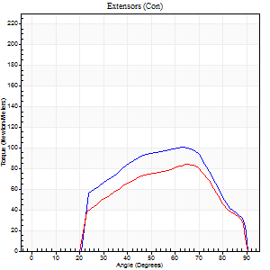
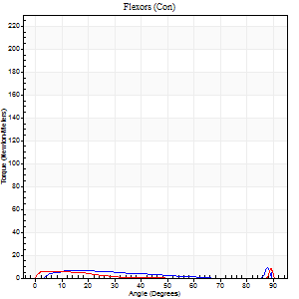
Right Side Curves Left Side Curves
Isokinetic Con/Con |  |  |  | Extensors (Con) |  | Flexors (Con)
Speed 240/240 d/s 3 Reps |  |  |  | Value | Cof Var | %BW | Value | Cof Var | %BW | Ratio

TORQUE PARAMETERS
Peak Torque (Newton-Meters - Best Repetition)
Right |  |  |  | 100 | 0.04 | 116 | 12 | 0.45 | 15 | 12
Left |  |  |  | 84 | 0.06 | 95 | 18 | 0.59 | 21 | 21
Deficit |  |  |  | 16 |  |  | 31
Work per Repetition (Newton-Meters - Best Repetition)
Right |  |  |  | 92 | 0.06 | 107 | 4 | 0.44 | 6 | 4
Left |  |  |  | 75 | 0.04 | 86 | 3 | 0.44 | 3 | 4
Deficit |  |  |  | 19 |  |  | 33
Average Power per Repetition (Watts - Best Repetition)
Right |  |  |  | 162 | 0.03 | 187 | 5 | 0.61 | 7 | 3
Left |  |  |  | 134 | 0.53 | 154 | 3 | 0.61 | 4 | 2
Deficit |  |  |  | 17 |  |  | 40
POSITION PARAMETERS
Joint Angle at Peak Torque (Degrees)
Right |  |  |  | 63 | 0.03 |  | 33 | 1.47
Left |  |  |  | 63 | 0.02 |  | 60 | 0.86
Range of Motion (Degrees)
Right |  |  |  | 0 | 0.2 |  | 90 | 0
Left |  |  |  | 0 | 7.07 |  | 90 | 0
TIME PARAMETERS
Time to Peak Torque (Seconds)
Right |  |  |  | 0.18 | 0.08 |  | 0.42 | 1.14
Left |  |  |  | 0.18 | 0.04 |  | 0.86 | 0.8
Time Peak Torque Held (Seconds)
Right |  |  |  | 0.01 | 1.15 |  | 0 | 0
Left |  |  |  | 0 | 1.73 |  | 0.02 | 1.38
Force Decay Time (Seconds)
Right |  |  |  | 0.35 | 0.13 |  | 0.68 | 1.11
Left |  |  |  | 0.36 | 0.08 |  | 0.46 | 2.37
Reciprocal Delay (Seconds)
Right |  |  |  | 0.38 | 0.09 |  | 0.15 | 0.5
Left |  |  |  | 0.26 | 0.03 |  | 0.37 | 0.79
Delay Time (Seconds)
Right |  |  |  | -0.02 | -0.71 |  | -0.01 | -7.4
Left |  |  |  | -0.01 | -0.47 |  | -0.07 | -0.43
HUMAC2015® Version: 15.000.0074 © Computer Sports Medicine, Inc. www.csmisolutions.com

Use File, Preference to set Report Heading
Isometric - Knee Extension/Flexion
Name: |  |  |  | TR030_FP3052, | ID: | TR030 | Right/Left: | 09.11.2022 09.11.2022

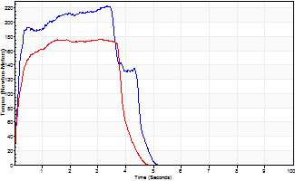
Isometric Extensors (Con) Angle 60 Time 10 Repetition 2 (Best Repetition)
 | Value | Cof Var | %BW
Peak Torque (Newton-Meters)
Right | 222 | 0 | 256
Left | 176 | 0.01 | 203
Deficit | 21
Average Torque (Newton-Meters)
Right | 88 | 0.03 | 101
Left | 80 | 0.14 | 92
Deficit | 9
Peak Torque Slope (Newton-Meters/Seconds)
Right | 67 | 0.05 | 77
Left | 62 | 0.08 | 72 |  | Right Side Curves Left Side Curves
Deficit | 6
Time to Half Peak Torque (Seconds)
Right | 0.15 | 0
Left | 0.13 | 0.05
Time to Peak Torque (Seconds)
Right | 3.45 | 0.05
Left | 2.94 | 0.09
HUMAC2015® Version: 15.000.0074 © Computer Sports Medicine, Inc. www.csmisolutions.com

post1
Use File, Preference to set Report Heading
Long Form Torque vs. Position Report - Knee Extension/Flexion
Name: |  |  |  | TR030_FP3052, | ID: | TR030 | Right/Left: | 26.11.2022 26.11.2022
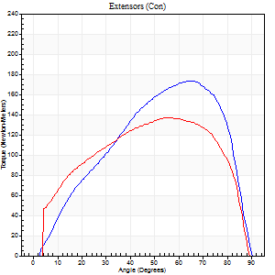
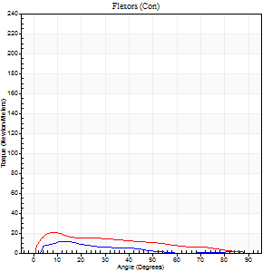
Right Side Curves Left Side Curves
Isokinetic Con/Con |  |  |  | Extensors (Con) |  | Flexors (Con)
Speed 60/60 d/s 3 Reps |  |  |  | Value | Cof Var | %BW | Value | Cof Var | %BW | Ratio

TORQUE PARAMETERS
Peak Torque (Newton-Meters - Best Repetition)
Right |  |  |  | 174 | 0.02 | 200 | 12 | 0.65 | 15 | 7
Left |  |  |  | 137 | 0.06 | 158 | 20 | 0.43 | 24 | 15
Deficit |  |  |  | 21 |  |  | 40
Work per Repetition (Newton-Meters - Best Repetition)
Right |  |  |  | 180 | 0.08 | 209 | 5 | 0.66 | 6 | 3
Left |  |  |  | 161 | 0.07 | 185 | 16 | 0.4 | 18 | 10
Deficit |  |  |  | 11 |  |  | 67
Average Power per Repetition (Watts - Best Repetition)
Right |  |  |  | 119 | 0.07 | 136 | 3 | 0.72 | 4 | 3
Left |  |  |  | 106 | 0.08 | 121 | 10 | 0.4 | 11 | 9
Deficit |  |  |  | 11 |  |  | 70
POSITION PARAMETERS
Joint Angle at Peak Torque (Degrees)
Right |  |  |  | 67 | 0.02 |  | 8 | 0.67
Left |  |  |  | 52 | 0.05 |  | 8 | 0.16
Range of Motion (Degrees)
Right |  |  |  | 2 | 0.94 |  | 90 | 0
Left |  |  |  | 0 | 7.07 |  | 90 | 0
TIME PARAMETERS
Time to Peak Torque (Seconds)
Right |  |  |  | 0.38 | 0 |  | 0.15 | 0.56
Left |  |  |  | 0.64 | 0.01 |  | 0.16 | 0.33
Time Peak Torque Held (Seconds)
Right |  |  |  | 0.04 | 0.48 |  | 0.02 | 0.65
Left |  |  |  | 0.05 | 0.39 |  | 0.02 | 0.89
Force Decay Time (Seconds)
Right |  |  |  | 1.07 | 0.02 |  | 2.06 | 0.24
Left |  |  |  | 0.86 | 0.06 |  | 1.38 | 0.06
Reciprocal Delay (Seconds)
Right |  |  |  | 0.36 | 0.16 |  | 0.08 | 0.18
Left |  |  |  | 0.35 | 0.04 |  | 0.27 | 0.39
Delay Time (Seconds)
Right |  |  |  | 0.01 | 0 |  | -0.02 | -1.32
Left |  |  |  | 0.04 | 0.2 |  | 0.01 | 0.87
HUMAC2015® Version: 15.000.0074 © Computer Sports Medicine, Inc. www.csmisolutions.com

Use File, Preference to set Report Heading
Long Form Torque vs. Position Report - Knee Extension/Flexion
Name: |  |  |  | TR030_FP3052, | ID: | TR030 | Right/Left: | 26.11.2022 26.11.2022
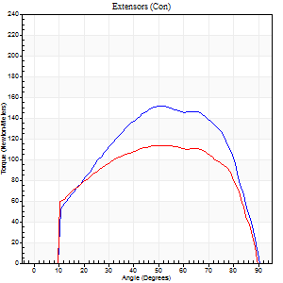
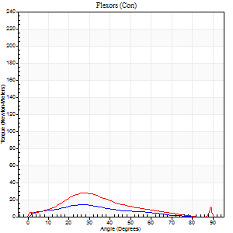
Right Side Curves Left Side Curves
Isokinetic Con/Con |  |  |  | Extensors (Con) |  | Flexors (Con)
Speed 120/120 d/s 3 Reps |  |  |  | Value | Cof Var | %BW | Value | Cof Var | %BW | Ratio

TORQUE PARAMETERS
Peak Torque (Newton-Meters - Best Repetition)
Right |  |  |  | 152 | 0.03 | 176 | 14 | 0.56 | 15 | 9
Left |  |  |  | 114 | 0.02 | 131 | 27 | 0.65 | 30 | 24
Deficit |  |  |  | 25 |  |  | 50
Work per Repetition (Newton-Meters - Best Repetition)
Right |  |  |  | 159 | 0.04 | 182 | 9 | 0.75 | 12 | 6
Left |  |  |  | 127 | 0.02 | 146 | 18 | 1 | 21 | 14
Deficit |  |  |  | 20 |  |  | 46
Average Power per Repetition (Watts - Best Repetition)
Right |  |  |  | 179 | 0.04 | 207 | 10 | 0.82 | 11 | 6
Left |  |  |  | 145 | 0.02 | 167 | 18 | 0.99 | 20 | 12
Deficit |  |  |  | 19 |  |  | 44
POSITION PARAMETERS
Joint Angle at Peak Torque (Degrees)
Right |  |  |  | 56 | 0.09 |  | 15 | 0.84
Left |  |  |  | 56 | 0.13 |  | 39 | 1.16
Range of Motion (Degrees)
Right |  |  |  | 1 | 0.71 |  | 90 | 0
Left |  |  |  | 0 | 0.71 |  | 90 | 0
TIME PARAMETERS
Time to Peak Torque (Seconds)
Right |  |  |  | 0.35 | 0.06 |  | 0.21 | 0.73
Left |  |  |  | 0.3 | 0.24 |  | 0.55 | 1.07
Time Peak Torque Held (Seconds)
Right |  |  |  | 0.04 | 0.66 |  | 0.07 | 1.73
Left |  |  |  | 0.06 | 0.6 |  | 0 | 0
Force Decay Time (Seconds)
Right |  |  |  | 0.49 | 0.12 |  | 0.91 | 0.48
Left |  |  |  | 0.48 | 0.05 |  | 0.43 | 1.28
Reciprocal Delay (Seconds)
Right |  |  |  | 0.32 | 0.02 |  | 0.16 | 0.48
Left |  |  |  | 0.41 | 0.1 |  | 0.23 | 0.33
Delay Time (Seconds)
Right |  |  |  | -0.01 | 0 |  | 0 | -9.17
Left |  |  |  | 0 | 0 |  | -0.03 | -0.43
HUMAC2015® Version: 15.000.0074 © Computer Sports Medicine, Inc. www.csmisolutions.com

Use File, Preference to set Report Heading
Long Form Torque vs. Position Report - Knee Extension/Flexion
Name: |  |  |  | TR030_FP3052, | ID: | TR030 | Right/Left: | 26.11.2022 26.11.2022
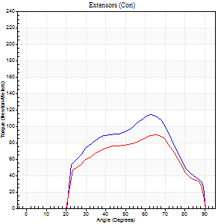
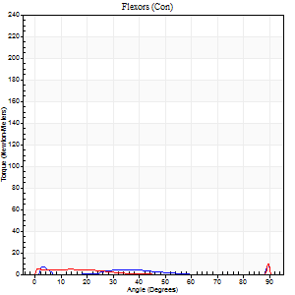
Right Side Curves Left Side Curves
Isokinetic Con/Con |  |  |  | Extensors (Con) |  | Flexors (Con)
Speed 240/240 d/s 3 Reps |  |  |  | Value | Cof Var | %BW | Value | Cof Var | %BW | Ratio

TORQUE PARAMETERS
Peak Torque (Newton-Meters - Best Repetition)
Right |  |  |  | 114 | 0.08 | 131 | 22 | 0.64 | 24 | 19
Left |  |  |  | 89 | 0.1 | 104 | 22 | 0.44 | 24 | 24
Deficit |  |  |  | 21 |  |  | 0
Work per Repetition (Newton-Meters - Best Repetition)
Right |  |  |  | 96 | 0.11 | 110 | 3 | 0.37 | 3 | 3
Left |  |  |  | 80 | 0.14 | 92 | 4 | 0.9 | 6 | 5
Deficit |  |  |  | 17 |  |  | 33
Average Power per Repetition (Watts - Best Repetition)
Right |  |  |  | 194 | 0.13 | 224 | 4 | 0.5 | 4 | 2
Left |  |  |  | 143 | 0.11 | 165 | 5 | 0.92 | 7 | 3
Deficit |  |  |  | 26 |  |  | 20
POSITION PARAMETERS
Joint Angle at Peak Torque (Degrees)
Right |  |  |  | 62 | 0.02 |  | 64 | 0.71
Left |  |  |  | 65 | 0.02 |  | 63 | 0.75
Range of Motion (Degrees)
Right |  |  |  | 2 | 0.2 |  | 90 | 0
Left |  |  |  | 0 | 0 |  | 90 | 0
TIME PARAMETERS
Time to Peak Torque (Seconds)
Right |  |  |  | 0.18 | 0 |  | 0.83 | 0.66
Left |  |  |  | 0.17 | 0 |  | 0.62 | 1.07
Time Peak Torque Held (Seconds)
Right |  |  |  | 0 | 0 |  | 0 | 0
Left |  |  |  | 0.01 | 0.87 |  | 0.03 | 0.88
Force Decay Time (Seconds)
Right |  |  |  | 0.31 | 0.02 |  | 0.18 | 3.24
Left |  |  |  | 0.36 | 0.1 |  | 0.05 | 8.88
Reciprocal Delay (Seconds)
Right |  |  |  | 0.53 | 0.03 |  | 0.06 | 0.29
Left |  |  |  | 0.33 | 0.47 |  | 0.14 | 0.45
Delay Time (Seconds)
Right |  |  |  | -0.02 | 0 |  | -0.01 | -0.87
Left |  |  |  | -0.01 | -0.47 |  | 0.31 | 2.04
HUMAC2015® Version: 15.000.0074 © Computer Sports Medicine, Inc. www.csmisolutions.com

Use File, Preference to set Report Heading
Isometric - Knee Extension/Flexion
Name: |  |  |  | TR030_FP3052, | ID: | TR030 | Right/Left: | 26.11.2022 26.11.2022

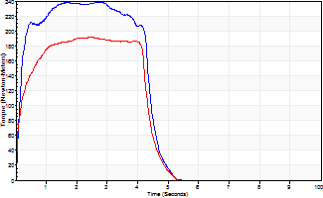
Isometric Extensors (Con) Angle 60 Time 10 Repetition 2 (Best Repetition)
 | Value | Cof Var | %BW
Peak Torque (Newton-Meters)
Right | 239 | 0.01 | 274
Left | 191 | 0.01 | 221
Deficit | 20
Average Torque (Newton-Meters)
Right | 117 | 0.13 | 134
Left | 88 | 0.09 | 101
Deficit | 24
Peak Torque Slope (Newton-Meters/Seconds)
Right | 139 | 0.54 | 160
Left | 76 | 0.19 | 88 |  | Right Side Curves Left Side Curves
Deficit | 45
Time to Half Peak Torque (Seconds)
Right | 0.15 | 0.05
Left | 0.15 | 0.09
Time to Peak Torque (Seconds)
Right | 2.72 | 0.53
Left | 2.88 | 0.19
HUMAC2015® Version: 15.000.0074 © Computer Sports Medicine, Inc. www.csmisolutions.com

