pre1
Use File, Preference to set Report Heading
Long Form Torque vs. Position Report - Knee Extension/Flexion
Name: |  |  |  | TR030_FP3053, | ID: | TR030 | Right/Left: | 14.09.2022 14.09.2022
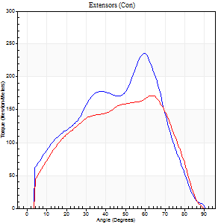
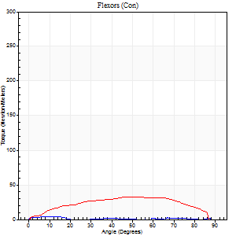
Right Side Curves Left Side Curves
Isokinetic Con/Con |  |  |  | Extensors (Con) |  | Flexors (Con)
Speed 60/60 d/s 3 Reps |  |  |  | Value | Cof Var | %BW | Value | Cof Var | %BW | Ratio

TORQUE PARAMETERS
Peak Torque (Newton-Meters - Best Repetition)
Right |  |  |  | 236 | 0.08 | 131 | 4 | 0.2 | 3 | 2
Left |  |  |  | 171 | 0.2 | 95 | 33 | 0.17 | 18 | 19
Deficit |  |  |  | 28 |  |  | 88
Work per Repetition (Newton-Meters - Best Repetition)
Right |  |  |  | 214 | 0.06 | 119 | 1 | 0.2 | 0 | 1
Left |  |  |  | 176 | 0.23 | 98 | 35 | 0.18 | 21 | 20
Deficit |  |  |  | 18 |  |  | 96
Average Power per Repetition (Watts - Best Repetition)
Right |  |  |  | 133 | 0.07 | 75 | 1 | 0.06 | 0 | 1
Left |  |  |  | 112 | 0.24 | 62 | 22 | 0.17 | 13 | 20
Deficit |  |  |  | 16 |  |  | 95
POSITION PARAMETERS
Joint Angle at Peak Torque (Degrees)
Right |  |  |  | 53 | 0.11 |  | 7 | 0.85
Left |  |  |  | 56 | 0.12 |  | 49 | 0.11
Range of Motion (Degrees)
Right |  |  |  | 0 | 0 |  | 90 | 0
Left |  |  |  | 0 | 0 |  | 90 | 0
TIME PARAMETERS
Time to Peak Torque (Seconds)
Right |  |  |  | 0.69 | 0.13 |  | 0.25 | 0.51
Left |  |  |  | 0.56 | 0.26 |  | 0.9 | 0.09
Time Peak Torque Held (Seconds)
Right |  |  |  | 0.04 | 0.48 |  | 0 | 0
Left |  |  |  | 0.03 | 0.43 |  | 0.11 | 0.83
Force Decay Time (Seconds)
Right |  |  |  | 0.93 | 0.11 |  | 2.68 | 0.25
Left |  |  |  | 0.95 | 0.14 |  | 0.57 | 0.05
Reciprocal Delay (Seconds)
Right |  |  |  | 0.3 | 0.38 |  | 0.73 | 0.46
Left |  |  |  | 0.14 | 0.3 |  | 0.34 | 0.27
Delay Time (Seconds)
Right |  |  |  | -0.01 | -1.41 |  | -0.05 | -0.33
Left |  |  |  | -0.01 | -0.47 |  | -0.02 | -0.69
HUMAC2015® Version: 15.000.0074 © Computer Sports Medicine, Inc. www.csmisolutions.com

Use File, Preference to set Report Heading
Long Form Torque vs. Position Report - Knee Extension/Flexion
Name: |  |  |  | TR030_FP3053, | ID: | TR030 | Right/Left: | 14.09.2022 14.09.2022
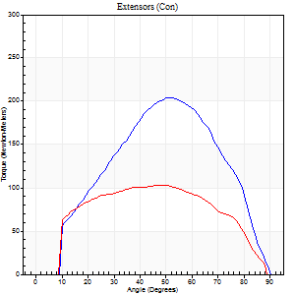
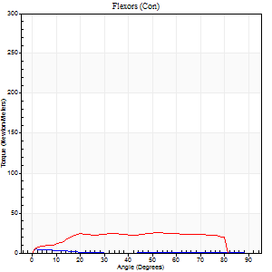
Right Side Curves Left Side Curves
Isokinetic Con/Con |  |  |  | Extensors (Con) |  | Flexors (Con)
Speed 120/120 d/s 3 Reps |  |  |  | Value | Cof Var | %BW | Value | Cof Var | %BW | Ratio

TORQUE PARAMETERS
Peak Torque (Newton-Meters - Best Repetition)
Right |  |  |  | 205 | 0.12 | 113 | 5 | 0.11 | 3 | 3
Left |  |  |  | 103 | 0.44 | 57 | 26 | 0.26 | 15 | 25
Deficit |  |  |  | 50 |  |  | 79
Work per Repetition (Newton-Meters - Best Repetition)
Right |  |  |  | 188 | 0.12 | 104 | 1 | 0.07 | 0 | 1
Left |  |  |  | 111 | 0.45 | 63 | 30 | 0.44 | 18 | 27
Deficit |  |  |  | 41 |  |  | 95
Average Power per Repetition (Watts - Best Repetition)
Right |  |  |  | 198 | 0.14 | 110 | 1 | 0.23 | 0 | 1
Left |  |  |  | 125 | 0.43 | 70 | 32 | 0.5 | 18 | 26
Deficit |  |  |  | 37 |  |  | 97
POSITION PARAMETERS
Joint Angle at Peak Torque (Degrees)
Right |  |  |  | 50 | 0.03 |  | 2 | 1.03
Left |  |  |  | 56 | 0.15 |  | 32 | 0.56
Range of Motion (Degrees)
Right |  |  |  | 0 | 0 |  | 90 | 0
Left |  |  |  | 0 | 1.82 |  | 90 | 0.01
TIME PARAMETERS
Time to Peak Torque (Seconds)
Right |  |  |  | 0.37 | 0.04 |  | 0.09 | 0.62
Left |  |  |  | 0.31 | 0.27 |  | 0.46 | 0.37
Time Peak Torque Held (Seconds)
Right |  |  |  | 0.02 | 0.35 |  | 0.01 | 1
Left |  |  |  | 0.09 | 1.44 |  | 0.01 | 0.87
Force Decay Time (Seconds)
Right |  |  |  | 0.54 | 0.05 |  | 1.37 | 0.22
Left |  |  |  | 0.44 | 0.38 |  | 0.49 | 0.27
Reciprocal Delay (Seconds)
Right |  |  |  | 0.09 | 0.07 |  | 0.4 | 0.34
Left |  |  |  | 0.08 | 0.53 |  | 0.28 | 0.55
Delay Time (Seconds)
Right |  |  |  | -0.01 | -0.47 |  | -0.02 | -1.32
Left |  |  |  | 0 | 0 |  | -0.02 | -0.99
HUMAC2015® Version: 15.000.0074 © Computer Sports Medicine, Inc. www.csmisolutions.com

Use File, Preference to set Report Heading
Long Form Torque vs. Position Report - Knee Extension/Flexion
Name: |  |  |  | TR030_FP3053, | ID: | TR030 | Right/Left: | 14.09.2022 14.09.2022
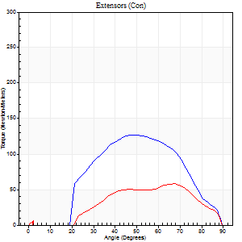
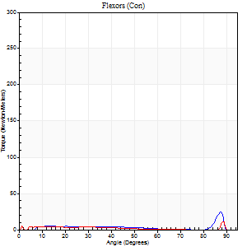
Right Side Curves Left Side Curves
Isokinetic Con/Con |  |  |  | Extensors (Con) |  | Flexors (Con)
Speed 240/240 d/s 3 Reps |  |  |  | Value | Cof Var | %BW | Value | Cof Var | %BW | Ratio

TORQUE PARAMETERS
Peak Torque (Newton-Meters - Best Repetition)
Right |  |  |  | 127 | 0.22 | 72 | 24 | 1.18 | 15 | 19
Left |  |  |  | 58 | 0.44 | 33 | 11 | 0.49 | 6 | 19
Deficit |  |  |  | 54 |  |  | 56
Work per Repetition (Newton-Meters - Best Repetition)
Right |  |  |  | 110 | 0.27 | 60 | 5 | 0.6 | 3 | 5
Left |  |  |  | 47 | 0.52 | 27 | 3 | 0.09 | 3 | 6
Deficit |  |  |  | 57 |  |  | 50
Average Power per Repetition (Watts - Best Repetition)
Right |  |  |  | 164 | 0.17 | 90 | 7 | 0.78 | 4 | 4
Left |  |  |  | 66 | 0.49 | 37 | 4 | 0.12 | 2 | 6
Deficit |  |  |  | 60 |  |  | 43
POSITION PARAMETERS
Joint Angle at Peak Torque (Degrees)
Right |  |  |  | 52 | 0.09 |  | 42 | 0.98
Left |  |  |  | 60 | 0.12 |  | 32 | 1.55
Range of Motion (Degrees)
Right |  |  |  | 1 | 0.97 |  | 89 | 0
Left |  |  |  | 1 | 1.1 |  | 89 | 0.01
TIME PARAMETERS
Time to Peak Torque (Seconds)
Right |  |  |  | 0.28 | 0.03 |  | 0.41 | 0.62
Left |  |  |  | 0.2 | 0.35 |  | 0.33 | 1.31
Time Peak Torque Held (Seconds)
Right |  |  |  | 0.01 | 0.87 |  | 0 | 1.73
Left |  |  |  | 0.01 | 0.43 |  | 0.01 | 0.87
Force Decay Time (Seconds)
Right |  |  |  | 0.35 | 0.48 |  | 0.47 | 0.83
Left |  |  |  | 0.38 | 0.42 |  | 0.54 | 0.85
Reciprocal Delay (Seconds)
Right |  |  |  | 0.09 | 0.25 |  | 0.08 | 0.49
Left |  |  |  | 0.09 | 0.58 |  | 0.1 | 0.57
Delay Time (Seconds)
Right |  |  |  | -0.04 | 0 |  | 0.06 | 1.43
Left |  |  |  | 0.02 | 2.12 |  | 0.03 | 2.44
HUMAC2015® Version: 15.000.0074 © Computer Sports Medicine, Inc. www.csmisolutions.com

Use File, Preference to set Report Heading
Isometric - Knee Extension/Flexion
Name: |  |  |  | TR030_FP3053, | ID: | TR030 | Right/Left: | 14.09.2022 14.09.2022

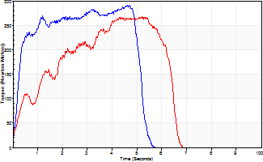
Isometric Extensors (Con) Angle 60 Time 10 Repetition 2 (Best Repetition)
 | Value | Cof Var | %BW
Peak Torque (Newton-Meters)
Right | 290 | 0.01 | 161
Left | 267 | 0.06 | 149
Deficit | 8
Average Torque (Newton-Meters)
Right | 133 | 0.01 | 75
Left | 127 | 0.06 | 72
Deficit | 4
Peak Torque Slope (Newton-Meters/Seconds)
Right | 79 | 0.17 | 44
Left | 51 | 0.01 | 28 |  | Right Side Curves Left Side Curves
Deficit | 35
Time to Half Peak Torque (Seconds)
Right | 0.22 | 0.19
Left | 0.85 | 0.45
Time to Peak Torque (Seconds)
Right | 4.17 | 0.18
Left | 5.03 | 0.05
HUMAC2015® Version: 15.000.0074 © Computer Sports Medicine, Inc. www.csmisolutions.com

pre2
Use File, Preference to set Report Heading
Long Form Torque vs. Position Report - Knee Extension/Flexion
Name: |  |  |  | TR030_FP3053, | ID: | TR030 | Right/Left: | 22.09.2022 22.09.2022
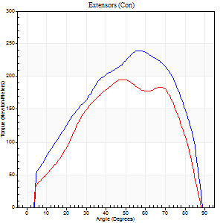
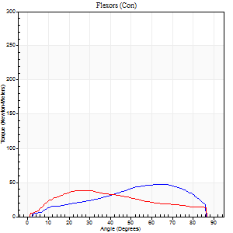
Right Side Curves Left Side Curves
Isokinetic Con/Con |  |  |  | Extensors (Con) |  | Flexors (Con)
Speed 60/60 d/s 3 Reps |  |  |  | Value | Cof Var | %BW | Value | Cof Var | %BW | Ratio

TORQUE PARAMETERS
Peak Torque (Newton-Meters - Best Repetition)
Right |  |  |  | 240 | 0.06 | 134 | 47 | 0.36 | 27 | 20
Left |  |  |  | 195 | 0.09 | 107 | 38 | 0.22 | 21 | 19
Deficit |  |  |  | 19 |  |  | 20
Work per Repetition (Newton-Meters - Best Repetition)
Right |  |  |  | 247 | 0.12 | 137 | 45 | 0.39 | 24 | 18
Left |  |  |  | 198 | 0.14 | 110 | 43 | 0.21 | 24 | 22
Deficit |  |  |  | 20 |  |  | 3
Average Power per Repetition (Watts - Best Repetition)
Right |  |  |  | 160 | 0.11 | 88 | 29 | 0.39 | 15 | 18
Left |  |  |  | 133 | 0.15 | 75 | 28 | 0.19 | 15 | 21
Deficit |  |  |  | 17 |  |  | 3
POSITION PARAMETERS
Joint Angle at Peak Torque (Degrees)
Right |  |  |  | 60 | 0.07 |  | 50 | 0.31
Left |  |  |  | 51 | 0.05 |  | 34 | 0.25
Range of Motion (Degrees)
Right |  |  |  | 0 | 0.98 |  | 89 | 0
Left |  |  |  | 0 | 0.4 |  | 90 | 0
TIME PARAMETERS
Time to Peak Torque (Seconds)
Right |  |  |  | 0.49 | 0.17 |  | 0.86 | 0.29
Left |  |  |  | 0.68 | 0.04 |  | 0.6 | 0.25
Time Peak Torque Held (Seconds)
Right |  |  |  | 0.05 | 0.45 |  | 0.08 | 0.3
Left |  |  |  | 0.03 | 0.43 |  | 0.02 | 0.89
Force Decay Time (Seconds)
Right |  |  |  | 0.98 | 0.04 |  | 0.58 | 0.38
Left |  |  |  | 0.84 | 0.07 |  | 0.88 | 0.18
Reciprocal Delay (Seconds)
Right |  |  |  | 0.06 | 0.11 |  | 0.21 | 0.5
Left |  |  |  | 0.14 | 0.68 |  | 0.13 | 0.37
Delay Time (Seconds)
Right |  |  |  | 0 | 0 |  | 0.07 | 1.05
Left |  |  |  | 0 | -9.9 |  | 0.01 | 2.29
HUMAC2015® Version: 15.000.0074 © Computer Sports Medicine, Inc. www.csmisolutions.com

Use File, Preference to set Report Heading
Long Form Torque vs. Position Report - Knee Extension/Flexion
Name: |  |  |  | TR030_FP3053, | ID: | TR030 | Right/Left: | 22.09.2022 22.09.2022
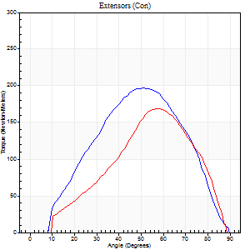
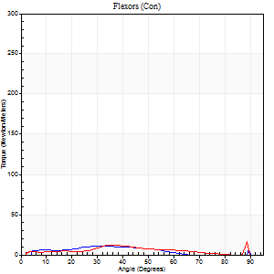
Right Side Curves Left Side Curves
Isokinetic Con/Con |  |  |  | Extensors (Con) |  | Flexors (Con)
Speed 120/120 d/s 3 Reps |  |  |  | Value | Cof Var | %BW | Value | Cof Var | %BW | Ratio

TORQUE PARAMETERS
Peak Torque (Newton-Meters - Best Repetition)
Right |  |  |  | 197 | 0.2 | 110 | 11 | 0.49 | 6 | 6
Left |  |  |  | 168 | 0.22 | 92 | 18 | 0.64 | 9 | 10
Deficit |  |  |  | 14 |  |  | 38
Work per Repetition (Newton-Meters - Best Repetition)
Right |  |  |  | 175 | 0.19 | 98 | 8 | 0.78 | 6 | 5
Left |  |  |  | 134 | 0.12 | 75 | 15 | 1.5 | 9 | 11
Deficit |  |  |  | 23 |  |  | 45
Average Power per Repetition (Watts - Best Repetition)
Right |  |  |  | 157 | 0.16 | 88 | 7 | 0.83 | 4 | 4
Left |  |  |  | 168 | 0.27 | 92 | 16 | 1.26 | 9 | 10
Deficit |  |  |  | 7 |  |  | 56
POSITION PARAMETERS
Joint Angle at Peak Torque (Degrees)
Right |  |  |  | 49 | 0.03 |  | 42 | 1.05
Left |  |  |  | 53 | 0.06 |  | 38 | 1.18
Range of Motion (Degrees)
Right |  |  |  | 0 | 0.64 |  | 89 | 0.01
Left |  |  |  | 1 | 0.04 |  | 89 | 0
TIME PARAMETERS
Time to Peak Torque (Seconds)
Right |  |  |  | 0.45 | 0.14 |  | 0.51 | 0.85
Left |  |  |  | 0.32 | 0.15 |  | 0.13 | 1.16
Time Peak Torque Held (Seconds)
Right |  |  |  | 0.02 | 0.5 |  | 0.05 | 1.22
Left |  |  |  | 0.03 | 0.57 |  | 0.05 | 1.73
Force Decay Time (Seconds)
Right |  |  |  | 0.58 | 0.24 |  | 0.58 | 1
Left |  |  |  | 0.44 | 0.09 |  | 0.55 | 1.15
Reciprocal Delay (Seconds)
Right |  |  |  | 0.14 | 0.51 |  | 0.15 | 0.79
Left |  |  |  | 0.08 | 0.18 |  | 0.08 | 0.33
Delay Time (Seconds)
Right |  |  |  | -0.05 | -0.28 |  | 0.07 | 2.51
Left |  |  |  | 0 | 1.41 |  | 0.3 | 1.7
HUMAC2015® Version: 15.000.0074 © Computer Sports Medicine, Inc. www.csmisolutions.com

Use File, Preference to set Report Heading
Long Form Torque vs. Position Report - Knee Extension/Flexion
Name: |  |  |  | TR030_FP3053, | ID: | TR030 | Right/Left: | 22.09.2022 22.09.2022
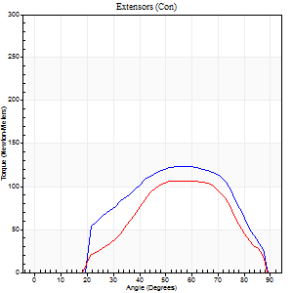
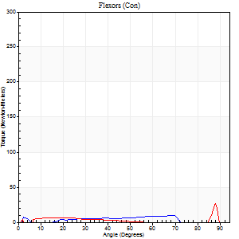
Right Side Curves Left Side Curves
Isokinetic Con/Con |  |  |  | Extensors (Con) |  | Flexors (Con)
Speed 240/240 d/s 3 Reps |  |  |  | Value | Cof Var | %BW | Value | Cof Var | %BW | Ratio

TORQUE PARAMETERS
Peak Torque (Newton-Meters - Best Repetition)
Right |  |  |  | 123 | 0.25 | 69 | 9 | 0.31 | 6 | 8
Left |  |  |  | 106 | 0.64 | 60 | 26 | 0.54 | 15 | 24
Deficit |  |  |  | 14 |  |  | 63
Work per Repetition (Newton-Meters - Best Repetition)
Right |  |  |  | 111 | 0.45 | 63 | 5 | 0.28 | 3 | 5
Left |  |  |  | 85 | 0.67 | 48 | 4 | 0.82 | 3 | 5
Deficit |  |  |  | 23 |  |  | 25
Average Power per Repetition (Watts - Best Repetition)
Right |  |  |  | 151 | 0.27 | 84 | 11 | 0.47 | 7 | 7
Left |  |  |  | 174 | 0.72 | 97 | 4 | 0.66 | 2 | 2
Deficit |  |  |  | 13 |  |  | 64
POSITION PARAMETERS
Joint Angle at Peak Torque (Degrees)
Right |  |  |  | 64 | 0.1 |  | 29 | 1.24
Left |  |  |  | 59 | 0.1 |  | 62 | 0.75
Range of Motion (Degrees)
Right |  |  |  | 1 | 1.08 |  | 89 | 0.01
Left |  |  |  | 2 | 0 |  | 90 | 0.01
TIME PARAMETERS
Time to Peak Torque (Seconds)
Right |  |  |  | 0.17 | 0.13 |  | 0.24 | 0.7
Left |  |  |  | 0.19 | 0.11 |  | 0.63 | 0.62
Time Peak Torque Held (Seconds)
Right |  |  |  | 0.01 | 0.87 |  | 0.01 | 1.73
Left |  |  |  | 0.01 | 0.87 |  | 0.01 | 1.73
Force Decay Time (Seconds)
Right |  |  |  | 0.39 | 0.3 |  | 0.43 | 0.63
Left |  |  |  | 0.29 | 0.1 |  | 0.22 | 1.58
Reciprocal Delay (Seconds)
Right |  |  |  | 0.04 | 0.35 |  | 0.09 | 0.71
Left |  |  |  | 0.14 | 0.61 |  | 0.06 | 0.17
Delay Time (Seconds)
Right |  |  |  | -0.01 | -0.47 |  | 0.13 | 1
Left |  |  |  | -0.01 | -1.41 |  | 0.25 | 1.83
HUMAC2015® Version: 15.000.0074 © Computer Sports Medicine, Inc. www.csmisolutions.com

Use File, Preference to set Report Heading
Isometric - Knee Extension/Flexion
Name: |  |  |  | TR030_FP3053, | ID: | TR030 | Right/Left: | 22.09.2022 22.09.2022

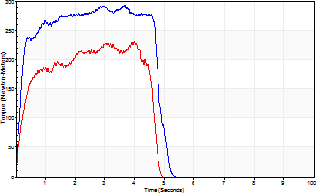
Isometric Extensors (Con) Angle 60 Time 10 Repetition 2 (Best Repetition)
 | Value | Cof Var | %BW
Peak Torque (Newton-Meters)
Right | 293 | 0.07 | 164
Left | 231 | 0.03 | 128
Deficit | 21
Average Torque (Newton-Meters)
Right | 127 | 0.26 | 72
Left | 89 | 0.04 | 51
Deficit | 30
Peak Torque Slope (Newton-Meters/Seconds)
Right | 103 | 0.18 | 57
Left | 60 | 0.02 | 33 |  | Right Side Curves Left Side Curves
Deficit | 42
Time to Half Peak Torque (Seconds)
Right | 0.18 | 0.16
Left | 0.4 | 0.39
Time to Peak Torque (Seconds)
Right | 3.11 | 0.25
Left | 3.83 | 0.06
HUMAC2015® Version: 15.000.0074 © Computer Sports Medicine, Inc. www.csmisolutions.com

