pre1
Use File, Preference to set Report Heading
Long Form Torque vs. Position Report - Knee Extension/Flexion
Name: |  |  |  | TR030_FP3054, | ID: | TR030 | Right/Left: | 22.09.2022 22.09.2022
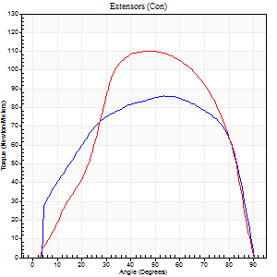
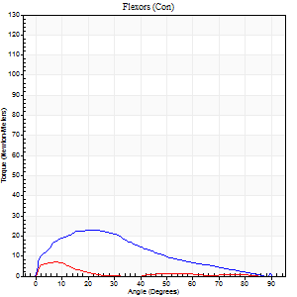
Right Side Curves Left Side Curves
Isokinetic Con/Con |  |  |  | Extensors (Con) |  | Flexors (Con)
Speed 60/60 d/s 3 Reps |  |  |  | Value | Cof Var | %BW | Value | Cof Var | %BW | Ratio

TORQUE PARAMETERS
Peak Torque (Newton-Meters - Best Repetition)
Right |  |  |  | 87 | 0.02 | 107 | 23 | 0.6 | 30 | 27
Left |  |  |  | 110 | 0.06 | 137 | 7 | 0.21 | 9 | 6
Deficit |  |  |  | 21 |  |  | 71
Work per Repetition (Newton-Meters - Best Repetition)
Right |  |  |  | 100 | 0.04 | 125 | 18 | 0.47 | 21 | 18
Left |  |  |  | 110 | 0.03 | 137 | 3 | 0.21 | 3 | 2
Deficit |  |  |  | 9 |  |  | 85
Average Power per Repetition (Watts - Best Repetition)
Right |  |  |  | 64 | 0.05 | 79 | 11 | 0.49 | 13 | 17
Left |  |  |  | 72 | 0.1 | 90 | 1 | 0.29 | 2 | 1
Deficit |  |  |  | 11 |  |  | 91
POSITION PARAMETERS
Joint Angle at Peak Torque (Degrees)
Right |  |  |  | 54 | 0.09 |  | 33 | 0.3
Left |  |  |  | 50 | 0.01 |  | 5 | 0.58
Range of Motion (Degrees)
Right |  |  |  | 0 | 0.16 |  | 90 | 0
Left |  |  |  | 1 | 0.05 |  | 90 | 0
TIME PARAMETERS
Time to Peak Torque (Seconds)
Right |  |  |  | 0.61 | 0.13 |  | 0.6 | 0.29
Left |  |  |  | 0.69 | 0.02 |  | 0.13 | 0.43
Time Peak Torque Held (Seconds)
Right |  |  |  | 0.1 | 0.72 |  | 0.04 | 0.88
Left |  |  |  | 0.1 | 0.53 |  | 0.01 | 0.87
Force Decay Time (Seconds)
Right |  |  |  | 0.83 | 0.02 |  | 0.96 | 0.17
Left |  |  |  | 0.73 | 0.07 |  | 1.74 | 0.14
Reciprocal Delay (Seconds)
Right |  |  |  | 0.2 | 0.31 |  | 0.2 | 0.09
Left |  |  |  | 0.26 | 0.27 |  | 0.09 | 0.07
Delay Time (Seconds)
Right |  |  |  | -0.03 | -0.47 |  | -0.02 | -0.35
Left |  |  |  | -0.01 | -1.41 |  | -0.04 | -0.25
HUMAC2015® Version: 15.000.0074 © Computer Sports Medicine, Inc. www.csmisolutions.com

Use File, Preference to set Report Heading
Long Form Torque vs. Position Report - Knee Extension/Flexion
Name: |  |  |  | TR030_FP3054, | ID: | TR030 | Right/Left: | 22.09.2022 22.09.2022
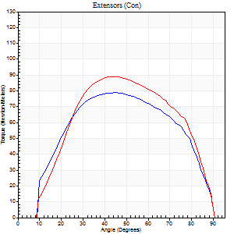
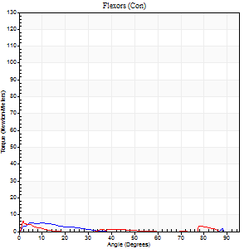
Right Side Curves Left Side Curves
Isokinetic Con/Con |  |  |  | Extensors (Con) |  | Flexors (Con)
Speed 120/120 d/s 3 Reps |  |  |  | Value | Cof Var | %BW | Value | Cof Var | %BW | Ratio

TORQUE PARAMETERS
Peak Torque (Newton-Meters - Best Repetition)
Right |  |  |  | 79 | 0.03 | 98 | 5 | 0.18 | 6 | 7
Left |  |  |  | 89 | 0.02 | 113 | 7 | 0.09 | 9 | 8
Deficit |  |  |  | 12 |  |  | 20
Work per Repetition (Newton-Meters - Best Repetition)
Right |  |  |  | 85 | 0.01 | 107 | 1 | 0.34 | 3 | 2
Left |  |  |  | 96 | 0.03 | 119 | 1 | 0.13 | 3 | 1
Deficit |  |  |  | 11 |  |  | 0
Average Power per Repetition (Watts - Best Repetition)
Right |  |  |  | 102 | 0.02 | 127 | 1 | 0.35 | 2 | 1
Left |  |  |  | 112 | 0.03 | 141 | 1 | 0.17 | 2 | 1
Deficit |  |  |  | 9 |  |  | 0
POSITION PARAMETERS
Joint Angle at Peak Torque (Degrees)
Right |  |  |  | 43 | 0.05 |  | 32 | 1.53
Left |  |  |  | 43 | 0.03 |  | 1 | 0.06
Range of Motion (Degrees)
Right |  |  |  | 1 | 0.1 |  | 90 | 0
Left |  |  |  | 1 | 0.05 |  | 90 | 0
TIME PARAMETERS
Time to Peak Torque (Seconds)
Right |  |  |  | 0.46 | 0.05 |  | 0.53 | 1.45
Left |  |  |  | 0.47 | 0.08 |  | 0.03 | 0.22
Time Peak Torque Held (Seconds)
Right |  |  |  | 0.03 | 0.17 |  | 0.04 | 1.14
Left |  |  |  | 0.02 | 0.5 |  | 0.01 | 1
Force Decay Time (Seconds)
Right |  |  |  | 0.34 | 0.06 |  | 0.83 | 0.89
Left |  |  |  | 0.37 | 0.05 |  | 2.01 | 0.08
Reciprocal Delay (Seconds)
Right |  |  |  | 0.21 | 0.27 |  | 0.12 | 0.66
Left |  |  |  | 0.2 | 0.1 |  | 0.08 | 0
Delay Time (Seconds)
Right |  |  |  | -0.04 | -0.2 |  | 0.06 | 2.05
Left |  |  |  | -0.04 | -0.71 |  | -0.04 | -0.16
HUMAC2015® Version: 15.000.0074 © Computer Sports Medicine, Inc. www.csmisolutions.com

Use File, Preference to set Report Heading
Long Form Torque vs. Position Report - Knee Extension/Flexion
Name: |  |  |  | TR030_FP3054, | ID: | TR030 | Right/Left: | 22.09.2022 22.09.2022
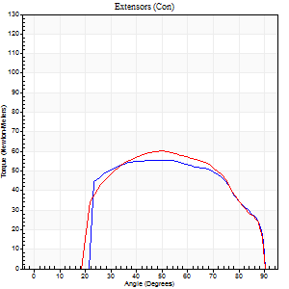
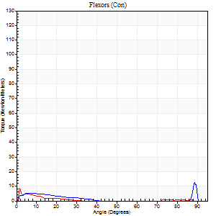
Right Side Curves Left Side Curves
Isokinetic Con/Con |  |  |  | Extensors (Con) |  | Flexors (Con)
Speed 240/240 d/s 3 Reps |  |  |  | Value | Cof Var | %BW | Value | Cof Var | %BW | Ratio

TORQUE PARAMETERS
Peak Torque (Newton-Meters - Best Repetition)
Right |  |  |  | 56 | 0.02 | 69 | 12 | 0.67 | 15 | 22
Left |  |  |  | 60 | 0.21 | 75 | 9 | 0.61 | 12 | 16
Deficit |  |  |  | 7 |  |  | 22
Work per Repetition (Newton-Meters - Best Repetition)
Right |  |  |  | 57 | 0.02 | 72 | 4 | 0.5 | 6 | 7
Left |  |  |  | 60 | 0.36 | 75 | 1 | 0.07 | 3 | 2
Deficit |  |  |  | 5 |  |  | 67
Average Power per Repetition (Watts - Best Repetition)
Right |  |  |  | 103 | 0.06 | 130 | 3 | 0.53 | 4 | 3
Left |  |  |  | 115 | 0.42 | 143 | 1 | 0.21 | 2 | 1
Deficit |  |  |  | 10 |  |  | 67
POSITION PARAMETERS
Joint Angle at Peak Torque (Degrees)
Right |  |  |  | 51 | 0.02 |  | 58 | 0.71
Left |  |  |  | 58 | 0.13 |  | 4 | 0.67
Range of Motion (Degrees)
Right |  |  |  | 1 | 0.96 |  | 90 | 0
Left |  |  |  | 1 | 0.04 |  | 90 | 0
TIME PARAMETERS
Time to Peak Torque (Seconds)
Right |  |  |  | 0.25 | 0.03 |  | 0.72 | 0.57
Left |  |  |  | 0.23 | 0.12 |  | 0.12 | 0.88
Time Peak Torque Held (Seconds)
Right |  |  |  | 0.02 | 0.92 |  | 0.06 | 1.73
Left |  |  |  | 0.01 | 1 |  | 0.02 | 1.32
Force Decay Time (Seconds)
Right |  |  |  | 0.28 | 0.11 |  | 0.34 | 1.26
Left |  |  |  | 0.29 | 0.15 |  | 1.3 | 0.18
Reciprocal Delay (Seconds)
Right |  |  |  | 0.09 | 0.25 |  | 0.14 | 0.44
Left |  |  |  | 0.17 | 0.42 |  | 0.09 | 0.38
Delay Time (Seconds)
Right |  |  |  | -0.03 | 0 |  | -0.03 | -0.75
Left |  |  |  | -0.03 | 0 |  | -0.02 | -1.25
HUMAC2015® Version: 15.000.0074 © Computer Sports Medicine, Inc. www.csmisolutions.com

Use File, Preference to set Report Heading
Isometric - Knee Extension/Flexion
Name: |  |  |  | TR030_FP3054, | ID: | TR030 | Right/Left: | 22.09.2022 22.09.2022

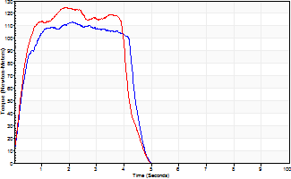
Isometric Extensors (Con) Angle 60 Time 10 Repetition 2 (Best Repetition)
 | Value | Cof Var | %BW
Peak Torque (Newton-Meters)
Right | 113 | 0.02 | 140
Left | 125 | 0.01 | 155
Deficit | 10
Average Torque (Newton-Meters)
Right | 45 | 0.08 | 57
Left | 46 | 0.02 | 57
Deficit | 3
Peak Torque Slope (Newton-Meters/Seconds)
Right | 53 | 0.01 | 67
Left | 67 | 0.21 | 83 |  | Right Side Curves Left Side Curves
Deficit | 20
Time to Half Peak Torque (Seconds)
Right | 0.22 | 0.39
Left | 0.25 | 0.19
Time to Peak Torque (Seconds)
Right | 2.09 | 0.01
Left | 2.17 | 0.2
HUMAC2015® Version: 15.000.0074 © Computer Sports Medicine, Inc. www.csmisolutions.com

mid1
Use File, Preference to set Report Heading
Long Form Torque vs. Position Report - Knee Extension/Flexion
Name: |  |  |  | TR030_FP3054, | ID: | TR030 | Right/Left: | 02.11.2022 02.11.2022
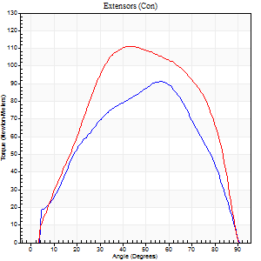
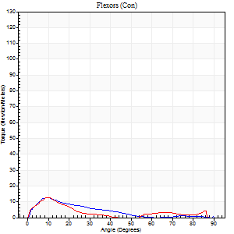
Right Side Curves Left Side Curves
Isokinetic Con/Con |  |  |  | Extensors (Con) |  | Flexors (Con)
Speed 60/60 d/s 3 Reps |  |  |  | Value | Cof Var | %BW | Value | Cof Var | %BW | Ratio

TORQUE PARAMETERS
Peak Torque (Newton-Meters - Best Repetition)
Right |  |  |  | 91 | 0.87 | 113 | 12 | 0.77 | 15 | 13
Left |  |  |  | 111 | 0.03 | 140 | 12 | 0.61 | 15 | 11
Deficit |  |  |  | 18 |  |  | 0
Work per Repetition (Newton-Meters - Best Repetition)
Right |  |  |  | 92 | 0.97 | 116 | 7 | 0.96 | 9 | 7
Left |  |  |  | 119 | 0.01 | 149 | 5 | 0.81 | 6 | 5
Deficit |  |  |  | 23 |  |  | 20
Average Power per Repetition (Watts - Best Repetition)
Right |  |  |  | 58 | 1.19 | 73 | 4 | 0.93 | 4 | 7
Left |  |  |  | 78 | 0.02 | 97 | 3 | 0.52 | 4 | 4
Deficit |  |  |  | 26 |  |  | 25
POSITION PARAMETERS
Joint Angle at Peak Torque (Degrees)
Right |  |  |  | 59 | 0.42 |  | 55 | 0.72
Left |  |  |  | 47 | 0.1 |  | 54 | 0.76
Range of Motion (Degrees)
Right |  |  |  | 0 | 2.83 |  | 89 | 0.02
Left |  |  |  | 1 | 0.2 |  | 89 | 0.01
TIME PARAMETERS
Time to Peak Torque (Seconds)
Right |  |  |  | 1.49 | 0.85 |  | 3 | 1.57
Left |  |  |  | 0.73 | 0.17 |  | 0.71 | 0.7
Time Peak Torque Held (Seconds)
Right |  |  |  | 0.04 | 0.88 |  | 0 | 0
Left |  |  |  | 0.05 | 0.47 |  | 0 | 0
Force Decay Time (Seconds)
Right |  |  |  | 0.66 | 0.33 |  | 0.68 | 1.1
Left |  |  |  | 0.75 | 0.08 |  | 0.67 | 1.25
Reciprocal Delay (Seconds)
Right |  |  |  | 0.35 | 0.4 |  | 0.43 | 0.46
Left |  |  |  | 0.16 | 0.23 |  | 0.14 | 0.28
Delay Time (Seconds)
Right |  |  |  | 1.27 | 1.43 |  | 0.24 | 2.21
Left |  |  |  | -0.01 | -1.41 |  | 0.33 | 1.73
HUMAC2015® Version: 15.000.0074 © Computer Sports Medicine, Inc. www.csmisolutions.com

Use File, Preference to set Report Heading
Long Form Torque vs. Position Report - Knee Extension/Flexion
Name: |  |  |  | TR030_FP3054, | ID: | TR030 | Right/Left: | 02.11.2022 02.11.2022
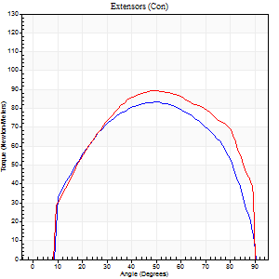
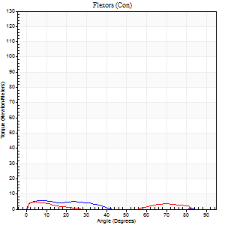
Right Side Curves Left Side Curves
Isokinetic Con/Con |  |  |  | Extensors (Con) |  | Flexors (Con)
Speed 120/120 d/s 3 Reps |  |  |  | Value | Cof Var | %BW | Value | Cof Var | %BW | Ratio

TORQUE PARAMETERS
Peak Torque (Newton-Meters - Best Repetition)
Right |  |  |  | 83 | 0.18 | 104 | 5 | 0.05 | 6 | 7
Left |  |  |  | 89 | 0.04 | 113 | 5 | 0.32 | 6 | 6
Deficit |  |  |  | 8 |  |  | 0
Work per Repetition (Newton-Meters - Best Repetition)
Right |  |  |  | 91 | 0.19 | 113 | 3 | 0.09 | 3 | 3
Left |  |  |  | 100 | 0.07 | 125 | 3 | 0.35 | 3 | 3
Deficit |  |  |  | 9 |  |  | 0
Average Power per Repetition (Watts - Best Repetition)
Right |  |  |  | 102 | 0.2 | 127 | 2 | 0.04 | 2 | 2
Left |  |  |  | 115 | 0.05 | 143 | 2 | 0.4 | 2 | 2
Deficit |  |  |  | 11 |  |  | 0
POSITION PARAMETERS
Joint Angle at Peak Torque (Degrees)
Right |  |  |  | 48 | 0.06 |  | 62 | 0.78
Left |  |  |  | 46 | 0.08 |  | 3 | 0.55
Range of Motion (Degrees)
Right |  |  |  | 0 | 0.33 |  | 90 | 0
Left |  |  |  | 1 | 0.05 |  | 89 | 0.02
TIME PARAMETERS
Time to Peak Torque (Seconds)
Right |  |  |  | 0.43 | 0.08 |  | 0.81 | 0.66
Left |  |  |  | 0.4 | 0.05 |  | 0.08 | 0.8
Time Peak Torque Held (Seconds)
Right |  |  |  | 0.05 | 0.43 |  | 0.01 | 0.87
Left |  |  |  | 0.03 | 0.46 |  | 0.01 | 1.73
Force Decay Time (Seconds)
Right |  |  |  | 0.41 | 0.08 |  | 0.31 | 2.02
Left |  |  |  | 0.38 | 0.09 |  | 1.35 | 0.12
Reciprocal Delay (Seconds)
Right |  |  |  | 0.17 | 0 |  | 0.19 | 0.06
Left |  |  |  | 0.12 | 0 |  | 0.08 | 0.12
Delay Time (Seconds)
Right |  |  |  | -0.04 | -0.2 |  | -0.02 | -1.51
Left |  |  |  | -0.03 | -0.94 |  | -0.02 | -0.35
HUMAC2015® Version: 15.000.0074 © Computer Sports Medicine, Inc. www.csmisolutions.com

Use File, Preference to set Report Heading
Long Form Torque vs. Position Report - Knee Extension/Flexion
Name: |  |  |  | TR030_FP3054, | ID: | TR030 | Right/Left: | 02.11.2022 02.11.2022
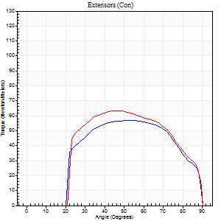
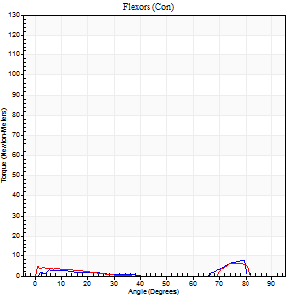
Right Side Curves Left Side Curves
Isokinetic Con/Con |  |  |  | Extensors (Con) |  | Flexors (Con)
Speed 240/240 d/s 3 Reps |  |  |  | Value | Cof Var | %BW | Value | Cof Var | %BW | Ratio

TORQUE PARAMETERS
Peak Torque (Newton-Meters - Best Repetition)
Right |  |  |  | 57 | 0.3 | 72 | 8 | 0.27 | 9 | 14
Left |  |  |  | 64 | 0.08 | 80 | 7 | 0.43 | 9 | 11
Deficit |  |  |  | 11 |  |  | 17
Work per Repetition (Newton-Meters - Best Repetition)
Right |  |  |  | 57 | 0.35 | 72 | 3 | 0.23 | 3 | 5
Left |  |  |  | 62 | 0.1 | 77 | 3 | 0.38 | 3 | 4
Deficit |  |  |  | 9 |  |  | 0
Average Power per Repetition (Watts - Best Repetition)
Right |  |  |  | 106 | 0.41 | 132 | 2 | 0.19 | 2 | 2
Left |  |  |  | 115 | 0.12 | 143 | 2 | 0.6 | 2 | 2
Deficit |  |  |  | 8 |  |  | 0
POSITION PARAMETERS
Joint Angle at Peak Torque (Degrees)
Right |  |  |  | 51 | 0.05 |  | 56 | 0.78
Left |  |  |  | 53 | 0.17 |  | 28 | 1.55
Range of Motion (Degrees)
Right |  |  |  | 1 | 0.27 |  | 89 | 0.02
Left |  |  |  | 0 | 1.41 |  | 88 | 0.03
TIME PARAMETERS
Time to Peak Torque (Seconds)
Right |  |  |  | 0.25 | 0.06 |  | 0.88 | 0.66
Left |  |  |  | 0.26 | 0.08 |  | 0.5 | 1.08
Time Peak Torque Held (Seconds)
Right |  |  |  | 0.01 | 1 |  | 0 | 0
Left |  |  |  | 0.01 | 0.43 |  | 0 | 0
Force Decay Time (Seconds)
Right |  |  |  | 0.28 | 0.13 |  | 0.4 | 1.17
Left |  |  |  | 0.3 | 0.13 |  | 1.19 | 0.73
Reciprocal Delay (Seconds)
Right |  |  |  | 0.11 | 0.07 |  | 0.15 | 0.44
Left |  |  |  | 0.1 | 0.42 |  | 0.21 | 0.66
Delay Time (Seconds)
Right |  |  |  | -0.02 | -0.28 |  | -0.05 | -0.4
Left |  |  |  | -0.03 | -0.47 |  | -0.09 | -0.59
HUMAC2015® Version: 15.000.0074 © Computer Sports Medicine, Inc. www.csmisolutions.com

Use File, Preference to set Report Heading
Isometric - Knee Extension/Flexion
Name: |  |  |  | TR030_FP3054, | ID: | TR030 | Right/Left: | 02.11.2022 02.11.2022

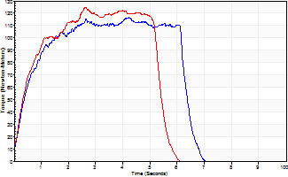
Isometric Extensors (Con) Angle 60 Time 10 Repetition 2 (Best Repetition)
 | Value | Cof Var | %BW
Peak Torque (Newton-Meters)
Right | 117 | 0.02 | 146
Left | 125 | 0.01 | 155
Deficit | 7
Average Torque (Newton-Meters)
Right | 64 | 0.09 | 80
Left | 57 | 0 | 72
Deficit | 11
Peak Torque Slope (Newton-Meters/Seconds)
Right | 28 | 0.19 | 34
Left | 47 | 0.25 | 59 |  | Right Side Curves Left Side Curves
Deficit | 42
Time to Half Peak Torque (Seconds)
Right | 0.5 | 0.13
Left | 0.38 | 0.2
Time to Peak Torque (Seconds)
Right | 4.78 | 0.17
Left | 3.17 | 0.24
HUMAC2015® Version: 15.000.0074 © Computer Sports Medicine, Inc. www.csmisolutions.com

mid2
Use File, Preference to set Report Heading
Long Form Torque vs. Position Report - Knee Extension/Flexion
Name: |  |  |  | TR030_FP3054, | ID: | TR030 | Right/Left: | 07.11.2022 07.11.2022
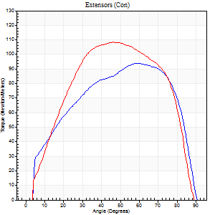
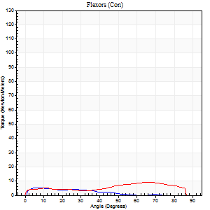
Right Side Curves Left Side Curves
Isokinetic Con/Con |  |  |  | Extensors (Con) |  | Flexors (Con)
Speed 60/60 d/s 3 Reps |  |  |  | Value | Cof Var | %BW | Value | Cof Var | %BW | Ratio

TORQUE PARAMETERS
Peak Torque (Newton-Meters - Best Repetition)
Right |  |  |  | 94 | 0.06 | 116 | 5 | 0.3 | 6 | 6
Left |  |  |  | 108 | 0.03 | 134 | 9 | 0.44 | 12 | 9
Deficit |  |  |  | 14 |  |  | 43
Work per Repetition (Newton-Meters - Best Repetition)
Right |  |  |  | 104 | 0.14 | 131 | 4 | 0.48 | 6 | 4
Left |  |  |  | 119 | 0.04 | 149 | 8 | 0.83 | 9 | 7
Deficit |  |  |  | 13 |  |  | 50
Average Power per Repetition (Watts - Best Repetition)
Right |  |  |  | 67 | 0.28 | 84 | 2 | 0.63 | 2 | 3
Left |  |  |  | 76 | 0.04 | 95 | 5 | 0.89 | 7 | 7
Deficit |  |  |  | 12 |  |  | 60
POSITION PARAMETERS
Joint Angle at Peak Torque (Degrees)
Right |  |  |  | 60 | 0.15 |  | 37 | 0.82
Left |  |  |  | 51 | 0.08 |  | 28 | 1.19
Range of Motion (Degrees)
Right |  |  |  | 0 | 0.28 |  | 90 | 0
Left |  |  |  | 0 | 0 |  | 90 | 0
TIME PARAMETERS
Time to Peak Torque (Seconds)
Right |  |  |  | 0.88 | 0.54 |  | 1.26 | 1.11
Left |  |  |  | 0.7 | 0.07 |  | 0.62 | 0.95
Time Peak Torque Held (Seconds)
Right |  |  |  | 0.06 | 0.24 |  | 0.03 | 1.42
Left |  |  |  | 0.05 | 0.62 |  | 0.06 | 0.27
Force Decay Time (Seconds)
Right |  |  |  | 0.96 | 0.15 |  | 1.02 | 0.47
Left |  |  |  | 0.83 | 0.06 |  | 1.13 | 0.61
Reciprocal Delay (Seconds)
Right |  |  |  | 0.33 | 0.56 |  | 0.4 | 0.47
Left |  |  |  | 0.08 | 0.09 |  | 0.25 | 0.18
Delay Time (Seconds)
Right |  |  |  | -0.11 | -1.28 |  | -0.04 | -1.16
Left |  |  |  | 0 | -1.41 |  | -0.09 | -0.41
HUMAC2015® Version: 15.000.0074 © Computer Sports Medicine, Inc. www.csmisolutions.com

Use File, Preference to set Report Heading
Long Form Torque vs. Position Report - Knee Extension/Flexion
Name: |  |  |  | TR030_FP3054, | ID: | TR030 | Right/Left: | 07.11.2022 07.11.2022
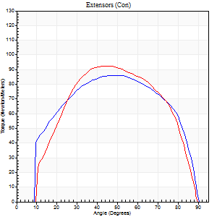
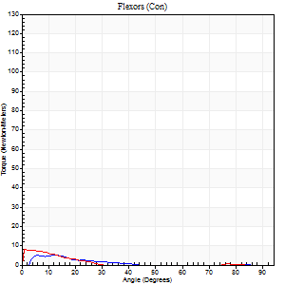
Right Side Curves Left Side Curves
Isokinetic Con/Con |  |  |  | Extensors (Con) |  | Flexors (Con)
Speed 120/120 d/s 3 Reps |  |  |  | Value | Cof Var | %BW | Value | Cof Var | %BW | Ratio

TORQUE PARAMETERS
Peak Torque (Newton-Meters - Best Repetition)
Right |  |  |  | 85 | 0.07 | 107 | 5 | 0.26 | 6 | 6
Left |  |  |  | 92 | 0.04 | 116 | 8 | 0.44 | 9 | 9
Deficit |  |  |  | 7 |  |  | 33
Work per Repetition (Newton-Meters - Best Repetition)
Right |  |  |  | 96 | 0.1 | 119 | 1 | 0.14 | 3 | 1
Left |  |  |  | 99 | 0.02 | 122 | 3 | 0.11 | 3 | 3
Deficit |  |  |  | 3 |  |  | 50
Average Power per Repetition (Watts - Best Repetition)
Right |  |  |  | 120 | 0.11 | 149 | 2 | 0.26 | 2 | 2
Left |  |  |  | 118 | 0.02 | 147 | 2 | 0.11 | 2 | 2
Deficit |  |  |  | 2 |  |  | 0
POSITION PARAMETERS
Joint Angle at Peak Torque (Degrees)
Right |  |  |  | 52 | 0.01 |  | 7 | 0.72
Left |  |  |  | 46 | 0.03 |  | 1 | 0.19
Range of Motion (Degrees)
Right |  |  |  | 1 | 0.07 |  | 90 | 0
Left |  |  |  | 1 | 0.26 |  | 88 | 0.02
TIME PARAMETERS
Time to Peak Torque (Seconds)
Right |  |  |  | 0.37 | 0.02 |  | 0.16 | 0.5
Left |  |  |  | 0.39 | 0.05 |  | 0.04 | 0.53
Time Peak Torque Held (Seconds)
Right |  |  |  | 0.05 | 0.47 |  | 0.02 | 0.92
Left |  |  |  | 0.04 | 0.25 |  | 0.02 | 1.73
Force Decay Time (Seconds)
Right |  |  |  | 0.4 | 0.09 |  | 1.05 | 0.16
Left |  |  |  | 0.38 | 0.06 |  | 1.19 | 0.15
Reciprocal Delay (Seconds)
Right |  |  |  | 0.11 | 0 |  | 0.18 | 0.54
Left |  |  |  | 0.06 | 0 |  | 0.11 | 0.2
Delay Time (Seconds)
Right |  |  |  | -0.01 | -0.47 |  | 0.02 | 3.46
Left |  |  |  | 0 | -1.41 |  | -0.06 | -0.37
HUMAC2015® Version: 15.000.0074 © Computer Sports Medicine, Inc. www.csmisolutions.com

Use File, Preference to set Report Heading
Long Form Torque vs. Position Report - Knee Extension/Flexion
Name: |  |  |  | TR030_FP3054, | ID: | TR030 | Right/Left: | 07.11.2022 07.11.2022
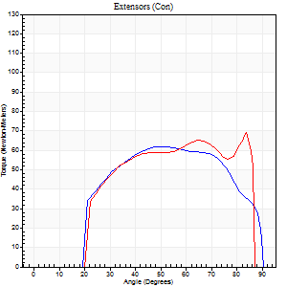
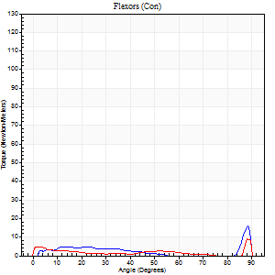
Right Side Curves Left Side Curves
Isokinetic Con/Con |  |  |  | Extensors (Con) |  | Flexors (Con)
Speed 240/240 d/s 3 Reps |  |  |  | Value | Cof Var | %BW | Value | Cof Var | %BW | Ratio

TORQUE PARAMETERS
Peak Torque (Newton-Meters - Best Repetition)
Right |  |  |  | 62 | 0.01 | 77 | 16 | 0.57 | 21 | 26
Left |  |  |  | 69 | 0.06 | 86 | 9 | 0.39 | 12 | 14
Deficit |  |  |  | 10 |  |  | 42
Work per Repetition (Newton-Meters - Best Repetition)
Right |  |  |  | 62 | 0.03 | 77 | 4 | 0.23 | 6 | 7
Left |  |  |  | 65 | 0.02 | 80 | 3 | 0.19 | 3 | 4
Deficit |  |  |  | 4 |  |  | 33
Average Power per Repetition (Watts - Best Repetition)
Right |  |  |  | 123 | 0.07 | 154 | 4 | 0.26 | 4 | 3
Left |  |  |  | 119 | 0.04 | 149 | 2 | 0.24 | 2 | 2
Deficit |  |  |  | 3 |  |  | 50
POSITION PARAMETERS
Joint Angle at Peak Torque (Degrees)
Right |  |  |  | 55 | 0.16 |  | 60 | 0.83
Left |  |  |  | 62 | 0.31 |  | 31 | 1.61
Range of Motion (Degrees)
Right |  |  |  | 2 | 0.05 |  | 90 | 0
Left |  |  |  | 0 | 0.9 |  | 89 | 0.02
TIME PARAMETERS
Time to Peak Torque (Seconds)
Right |  |  |  | 0.25 | 0 |  | 0.62 | 0.83
Left |  |  |  | 0.24 | 0.06 |  | 0.45 | 1.17
Time Peak Torque Held (Seconds)
Right |  |  |  | 0.02 | 0.92 |  | 0.07 | 1.73
Left |  |  |  | 0.01 | 1.15 |  | 0.01 | 1.73
Force Decay Time (Seconds)
Right |  |  |  | 0.26 | 0.12 |  | 0.19 | 1.41
Left |  |  |  | 0.35 | 0.31 |  | 0.7 | 0.87
Reciprocal Delay (Seconds)
Right |  |  |  | 0.08 | 0 |  | 0.08 | 0.25
Left |  |  |  | 0.09 | 0 |  | 0.2 | 0.26
Delay Time (Seconds)
Right |  |  |  | -0.03 | 0 |  | 0 | 0
Left |  |  |  | -0.02 | -0.28 |  | -0.09 | -0.11
HUMAC2015® Version: 15.000.0074 © Computer Sports Medicine, Inc. www.csmisolutions.com

Use File, Preference to set Report Heading
Isometric - Knee Extension/Flexion
Name: |  |  |  | TR030_FP3054, | ID: | TR030 | Right/Left: | 07.11.2022 07.11.2022

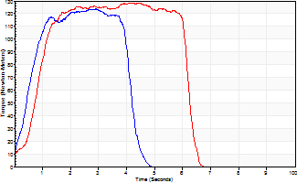
Isometric Extensors (Con) Angle 60 Time 10 Repetition 2 (Best Repetition)
 | Value | Cof Var | %BW
Peak Torque (Newton-Meters)
Right | 123 | 0.02 | 155
Left | 129 | 0.01 | 161
Deficit | 4
Average Torque (Newton-Meters)
Right | 43 | 0.1 | 54
Left | 68 | 0.19 | 83
Deficit | 36
Peak Torque Slope (Newton-Meters/Seconds)
Right | 54 | 0.17 | 68
Left | 35 | 0.08 | 44 |  | Right Side Curves Left Side Curves
Deficit | 36
Time to Half Peak Torque (Seconds)
Right | 0.41 | 0.32
Left | 0.89 | 0.08
Time to Peak Torque (Seconds)
Right | 2.55 | 0.2
Left | 3.88 | 0.09
HUMAC2015® Version: 15.000.0074 © Computer Sports Medicine, Inc. www.csmisolutions.com

post1
Use File, Preference to set Report Heading
Long Form Torque vs. Position Report - Knee Extension/Flexion
Name: |  |  |  | TR030_FP3054, | ID: | TR030 | Right/Left: | 29.11.2022 29.11.2022
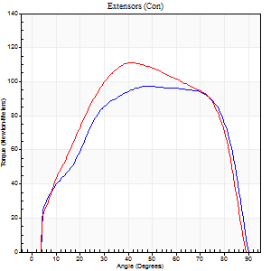
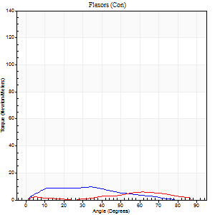
Right Side Curves Left Side Curves
Isokinetic Con/Con |  |  |  | Extensors (Con) |  | Flexors (Con)
Speed 60/60 d/s 3 Reps |  |  |  | Value | Cof Var | %BW | Value | Cof Var | %BW | Ratio

TORQUE PARAMETERS
Peak Torque (Newton-Meters - Best Repetition)
Right |  |  |  | 98 | 0.01 | 122 | 9 | 0.15 | 12 | 10
Left |  |  |  | 111 | 0.02 | 140 | 5 | 0.23 | 6 | 5
Deficit |  |  |  | 12 |  |  | 43
Work per Repetition (Newton-Meters - Best Repetition)
Right |  |  |  | 114 | 0.05 | 143 | 8 | 0.04 | 9 | 7
Left |  |  |  | 122 | 0.04 | 152 | 4 | 0.28 | 6 | 3
Deficit |  |  |  | 7 |  |  | 50
Average Power per Repetition (Watts - Best Repetition)
Right |  |  |  | 74 | 0.08 | 92 | 5 | 0.1 | 7 | 7
Left |  |  |  | 80 | 0.04 | 99 | 3 | 0.32 | 4 | 4
Deficit |  |  |  | 8 |  |  | 40
POSITION PARAMETERS
Joint Angle at Peak Torque (Degrees)
Right |  |  |  | 57 | 0.12 |  | 42 | 0.21
Left |  |  |  | 46 | 0.11 |  | 27 | 1.09
Range of Motion (Degrees)
Right |  |  |  | 0 | 0.35 |  | 90 | 0
Left |  |  |  | 1 | 0.31 |  | 90 | 0
TIME PARAMETERS
Time to Peak Torque (Seconds)
Right |  |  |  | 0.6 | 0.24 |  | 0.83 | 0.23
Left |  |  |  | 0.76 | 0.13 |  | 0.6 | 0.97
Time Peak Torque Held (Seconds)
Right |  |  |  | 0.09 | 0.48 |  | 0 | 1.73
Left |  |  |  | 0.06 | 0.71 |  | 0.26 | 1.57
Force Decay Time (Seconds)
Right |  |  |  | 0.87 | 0.1 |  | 0.85 | 0.29
Left |  |  |  | 0.72 | 0.07 |  | 0.82 | 0.58
Reciprocal Delay (Seconds)
Right |  |  |  | 0.3 | 0.71 |  | 0.27 | 0.28
Left |  |  |  | 0.13 | 0.26 |  | 0.14 | 0.4
Delay Time (Seconds)
Right |  |  |  | -0.02 | -0.71 |  | -0.02 | -5.54
Left |  |  |  | 0 | -1.41 |  | -0.02 | -1.51
HUMAC2015® Version: 15.000.0074 © Computer Sports Medicine, Inc. www.csmisolutions.com

Use File, Preference to set Report Heading
Long Form Torque vs. Position Report - Knee Extension/Flexion
Name: |  |  |  | TR030_FP3054, | ID: | TR030 | Right/Left: | 29.11.2022 29.11.2022
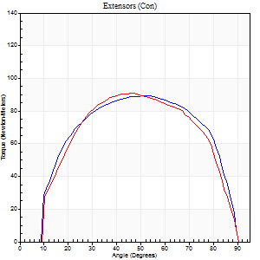
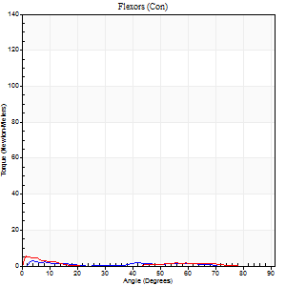
Right Side Curves Left Side Curves
Isokinetic Con/Con |  |  |  | Extensors (Con) |  | Flexors (Con)
Speed 120/120 d/s 3 Reps |  |  |  | Value | Cof Var | %BW | Value | Cof Var | %BW | Ratio

TORQUE PARAMETERS
Peak Torque (Newton-Meters - Best Repetition)
Right |  |  |  | 89 | 0.06 | 113 | 3 | 0.1 | 3 | 3
Left |  |  |  | 91 | 0.14 | 113 | 5 | 0.39 | 6 | 6
Deficit |  |  |  | 1 |  |  | 50
Work per Repetition (Newton-Meters - Best Repetition)
Right |  |  |  | 100 | 0.08 | 125 | 1 | 0.17 | 3 | 1
Left |  |  |  | 98 | 0.13 | 122 | 1 | 0.17 | 3 | 1
Deficit |  |  |  | 3 |  |  | 0
Average Power per Repetition (Watts - Best Repetition)
Right |  |  |  | 122 | 0.13 | 152 | 1 | 0.29 | 2 | 1
Left |  |  |  | 114 | 0.14 | 143 | 1 | 0.33 | 2 | 1
Deficit |  |  |  | 7 |  |  | 0
POSITION PARAMETERS
Joint Angle at Peak Torque (Degrees)
Right |  |  |  | 52 | 0.05 |  | 11 | 1.01
Left |  |  |  | 46 | 0.01 |  | 2 | 0.79
Range of Motion (Degrees)
Right |  |  |  | 1 | 0.04 |  | 90 | 0
Left |  |  |  | 1 | 0.1 |  | 90 | 0
TIME PARAMETERS
Time to Peak Torque (Seconds)
Right |  |  |  | 0.36 | 0.06 |  | 0.27 | 1.07
Left |  |  |  | 0.42 | 0.05 |  | 0.11 | 1.35
Time Peak Torque Held (Seconds)
Right |  |  |  | 0.03 | 0.22 |  | 0.19 | 1.14
Left |  |  |  | 0.02 | 0.25 |  | 0.6 | 1.65
Force Decay Time (Seconds)
Right |  |  |  | 0.43 | 0.02 |  | 0.98 | 0.36
Left |  |  |  | 0.4 | 0.04 |  | 0.98 | 0.81
Reciprocal Delay (Seconds)
Right |  |  |  | 0.11 | 0 |  | 0.15 | 0.55
Left |  |  |  | 0.16 | 0.14 |  | 0.11 | 0.55
Delay Time (Seconds)
Right |  |  |  | -0.01 | 0 |  | 0 | -20.42
Left |  |  |  | -0.02 | -0.28 |  | -0.05 | -0.87
HUMAC2015® Version: 15.000.0074 © Computer Sports Medicine, Inc. www.csmisolutions.com

Use File, Preference to set Report Heading
Long Form Torque vs. Position Report - Knee Extension/Flexion
Name: |  |  |  | TR030_FP3054, | ID: | TR030 | Right/Left: | 29.11.2022 29.11.2022
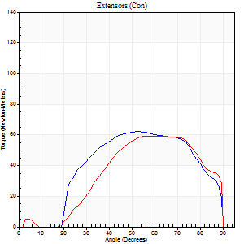
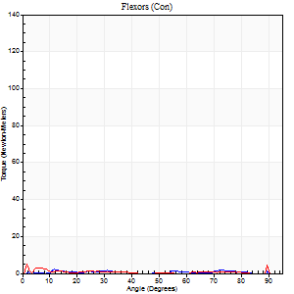
Right Side Curves Left Side Curves
Isokinetic Con/Con |  |  |  | Extensors (Con) |  | Flexors (Con)
Speed 240/240 d/s 3 Reps |  |  |  | Value | Cof Var | %BW | Value | Cof Var | %BW | Ratio

TORQUE PARAMETERS
Peak Torque (Newton-Meters - Best Repetition)
Right |  |  |  | 62 | 0.1 | 77 | 7 | 0.79 | 9 | 11
Left |  |  |  | 60 | 0.11 | 75 | 7 | 0.19 | 9 | 11
Deficit |  |  |  | 4 |  |  | 0
Work per Repetition (Newton-Meters - Best Repetition)
Right |  |  |  | 61 | 0.19 | 77 | 1 | 0.2 | 3 | 2
Left |  |  |  | 54 | 0.13 | 69 | 1 | 0.03 | 3 | 2
Deficit |  |  |  | 11 |  |  | 0
Average Power per Repetition (Watts - Best Repetition)
Right |  |  |  | 120 | 0.23 | 149 | 1 | 0.29 | 2 | 1
Left |  |  |  | 103 | 0.13 | 130 | 1 | 0.12 | 2 | 1
Deficit |  |  |  | 14 |  |  | 0
POSITION PARAMETERS
Joint Angle at Peak Torque (Degrees)
Right |  |  |  | 57 | 0.11 |  | 59 | 0.72
Left |  |  |  | 60 | 0.04 |  | 1 | 0.04
Range of Motion (Degrees)
Right |  |  |  | 2 | 0.03 |  | 90 | 0
Left |  |  |  | 1 | 0.03 |  | 90 | 0
TIME PARAMETERS
Time to Peak Torque (Seconds)
Right |  |  |  | 0.23 | 0.03 |  | 1.32 | 0.74
Left |  |  |  | 0.22 | 0.06 |  | 0.01 | 0.87
Time Peak Torque Held (Seconds)
Right |  |  |  | 0.01 | 0.43 |  | 0 | 1.73
Left |  |  |  | 0.01 | 0.43 |  | 0 | 1.73
Force Decay Time (Seconds)
Right |  |  |  | 0.27 | 0.1 |  | 0.48 | 1.64
Left |  |  |  | 0.29 | 0.03 |  | 1.68 | 0.11
Reciprocal Delay (Seconds)
Right |  |  |  | 0.17 | 0.53 |  | 0.08 | 0.12
Left |  |  |  | 0.15 | 0.28 |  | 0.07 | 0.09
Delay Time (Seconds)
Right |  |  |  | -0.03 | -0.47 |  | 0.06 | 2.19
Left |  |  |  | -0.05 | -0.16 |  | -0.04 | -0.25
HUMAC2015® Version: 15.000.0074 © Computer Sports Medicine, Inc. www.csmisolutions.com

Use File, Preference to set Report Heading
Isometric - Knee Extension/Flexion
Name: |  |  |  | TR030_FP3054, | ID: | TR030 | Right/Left: | 29.11.2022 29.11.2022

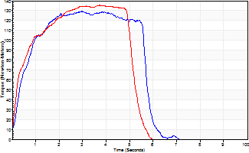
Isometric Extensors (Con) Angle 60 Time 10 Repetition 2 (Best Repetition)
 | Value | Cof Var | %BW
Peak Torque (Newton-Meters)
Right | 129 | 0.01 | 161
Left | 136 | 0.03 | 170
Deficit | 5
Average Torque (Newton-Meters)
Right | 65 | 0.01 | 80
Left | 61 | 0.01 | 77
Deficit | 6
Peak Torque Slope (Newton-Meters/Seconds)
Right | 44 | 0.11 | 55
Left | 36 | 0.03 | 45 |  | Right Side Curves Left Side Curves
Deficit | 17
Time to Half Peak Torque (Seconds)
Right | 0.5 | 0.13
Left | 0.32 | 0.04
Time to Peak Torque (Seconds)
Right | 3.16 | 0.1
Left | 3.71 | 0
HUMAC2015® Version: 15.000.0074 © Computer Sports Medicine, Inc. www.csmisolutions.com

post2
Use File, Preference to set Report Heading
Long Form Torque vs. Position Report - Knee Extension/Flexion
Name: |  |  |  | TR030_FP3054, | ID: | TR030 | Right/Left: | 01.12.2022 01.12.2022
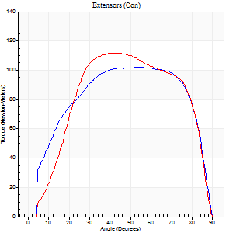
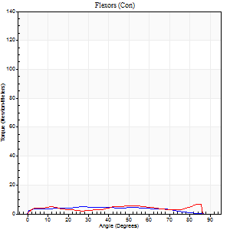
Right Side Curves Left Side Curves
Isokinetic Con/Con |  |  |  | Extensors (Con) |  | Flexors (Con)
Speed 60/60 d/s 3 Reps |  |  |  | Value | Cof Var | %BW | Value | Cof Var | %BW | Ratio

TORQUE PARAMETERS
Peak Torque (Newton-Meters - Best Repetition)
Right |  |  |  | 102 | 0.04 | 128 | 5 | 0.24 | 6 | 5
Left |  |  |  | 111 | 0.03 | 140 | 7 | 0.33 | 9 | 6
Deficit |  |  |  | 9 |  |  | 20
Work per Repetition (Newton-Meters - Best Repetition)
Right |  |  |  | 122 | 0.07 | 152 | 5 | 0.52 | 6 | 4
Left |  |  |  | 126 | 0.03 | 158 | 5 | 0.79 | 6 | 4
Deficit |  |  |  | 3 |  |  | 0
Average Power per Repetition (Watts - Best Repetition)
Right |  |  |  | 78 | 0.07 | 97 | 3 | 0.52 | 4 | 4
Left |  |  |  | 83 | 0.04 | 103 | 4 | 0.88 | 4 | 5
Deficit |  |  |  | 6 |  |  | 25
POSITION PARAMETERS
Joint Angle at Peak Torque (Degrees)
Right |  |  |  | 55 | 0.07 |  | 11 | 1.19
Left |  |  |  | 47 | 0.16 |  | 58 | 0.82
Range of Motion (Degrees)
Right |  |  |  | 0 | 1.41 |  | 90 | 0
Left |  |  |  | 0 | 0.24 |  | 90 | 0
TIME PARAMETERS
Time to Peak Torque (Seconds)
Right |  |  |  | 0.65 | 0.09 |  | 0.31 | 0.86
Left |  |  |  | 0.79 | 0.06 |  | 1.3 | 0.85
Time Peak Torque Held (Seconds)
Right |  |  |  | 0.11 | 0.73 |  | 0.01 | 1.73
Left |  |  |  | 0.08 | 0.28 |  | 0 | 0
Force Decay Time (Seconds)
Right |  |  |  | 0.83 | 0.07 |  | 1.39 | 0.23
Left |  |  |  | 0.71 | 0.14 |  | 0.54 | 1.64
Reciprocal Delay (Seconds)
Right |  |  |  | 0.15 | 0.09 |  | 0.37 | 0.43
Left |  |  |  | 0.11 | 0.39 |  | 0.15 | 0.44
Delay Time (Seconds)
Right |  |  |  | -0.01 | -1.41 |  | -0.03 | -1.42
Left |  |  |  | 0 | 4.24 |  | -0.04 | -0.5
HUMAC2015® Version: 15.000.0074 © Computer Sports Medicine, Inc. www.csmisolutions.com

Use File, Preference to set Report Heading
Long Form Torque vs. Position Report - Knee Extension/Flexion
Name: |  |  |  | TR030_FP3054, | ID: | TR030 | Right/Left: | 01.12.2022 01.12.2022
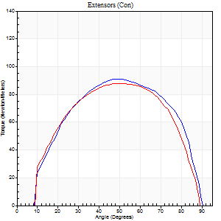
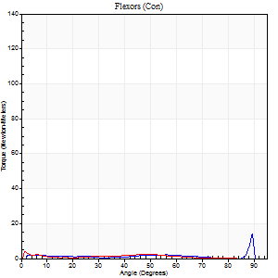
Right Side Curves Left Side Curves
Isokinetic Con/Con |  |  |  | Extensors (Con) |  | Flexors (Con)
Speed 120/120 d/s 3 Reps |  |  |  | Value | Cof Var | %BW | Value | Cof Var | %BW | Ratio

TORQUE PARAMETERS
Peak Torque (Newton-Meters - Best Repetition)
Right |  |  |  | 91 | 0.04 | 113 | 14 | 0.97 | 18 | 15
Left |  |  |  | 88 | 0.04 | 110 | 4 | 0.08 | 6 | 5
Deficit |  |  |  | 3 |  |  | 70
Work per Repetition (Newton-Meters - Best Repetition)
Right |  |  |  | 99 | 0.03 | 122 | 3 | 0.34 | 3 | 3
Left |  |  |  | 98 | 0.06 | 122 | 1 | 0.16 | 3 | 1
Deficit |  |  |  | 1 |  |  | 50
Average Power per Repetition (Watts - Best Repetition)
Right |  |  |  | 121 | 0.03 | 152 | 2 | 0.4 | 2 | 2
Left |  |  |  | 116 | 0.07 | 145 | 1 | 0.26 | 2 | 1
Deficit |  |  |  | 4 |  |  | 50
POSITION PARAMETERS
Joint Angle at Peak Torque (Degrees)
Right |  |  |  | 49 | 0.05 |  | 62 | 0.63
Left |  |  |  | 50 | 0.05 |  | 3 | 0.96
Range of Motion (Degrees)
Right |  |  |  | 1 | 0.04 |  | 89 | 0.02
Left |  |  |  | 1 | 0.39 |  | 90 | 0.01
TIME PARAMETERS
Time to Peak Torque (Seconds)
Right |  |  |  | 0.4 | 0 |  | 1.07 | 0.48
Left |  |  |  | 0.38 | 0.02 |  | 0.1 | 1.19
Time Peak Torque Held (Seconds)
Right |  |  |  | 0.03 | 0.58 |  | 0 | 0
Left |  |  |  | 0.05 | 0.65 |  | 0.01 | 1.73
Force Decay Time (Seconds)
Right |  |  |  | 0.4 | 0.09 |  | 0.41 | 1.49
Left |  |  |  | 0.41 | 0.08 |  | 1.42 | 0.06
Reciprocal Delay (Seconds)
Right |  |  |  | 0.09 | 0.07 |  | 0.09 | 0.25
Left |  |  |  | 0.08 | 0 |  | 0.12 | 0.43
Delay Time (Seconds)
Right |  |  |  | -0.01 | -0.47 |  | 0.07 | 0.21
Left |  |  |  | 0 | 0 |  | -0.04 | -0.35
HUMAC2015® Version: 15.000.0074 © Computer Sports Medicine, Inc. www.csmisolutions.com

Use File, Preference to set Report Heading
Long Form Torque vs. Position Report - Knee Extension/Flexion
Name: |  |  |  | TR030_FP3054, | ID: | TR030 | Right/Left: | 01.12.2022 01.12.2022
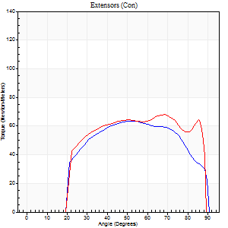
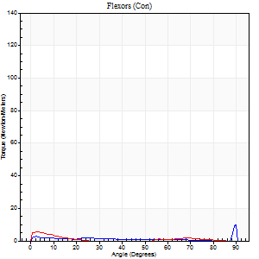
Right Side Curves Left Side Curves
Isokinetic Con/Con |  |  |  | Extensors (Con) |  | Flexors (Con)
Speed 240/240 d/s 3 Reps |  |  |  | Value | Cof Var | %BW | Value | Cof Var | %BW | Ratio

TORQUE PARAMETERS
Peak Torque (Newton-Meters - Best Repetition)
Right |  |  |  | 64 | 0.04 | 80 | 11 | 0.8 | 15 | 17
Left |  |  |  | 68 | 0.02 | 83 | 5 | 0.31 | 6 | 8
Deficit |  |  |  | 6 |  |  | 50
Work per Repetition (Newton-Meters - Best Repetition)
Right |  |  |  | 65 | 0.06 | 80 | 1 | 0.16 | 3 | 2
Left |  |  |  | 72 | 0.05 | 89 | 1 | 0.14 | 3 | 2
Deficit |  |  |  | 9 |  |  | 0
Average Power per Repetition (Watts - Best Repetition)
Right |  |  |  | 124 | 0.2 | 154 | 1 | 0.21 | 2 | 1
Left |  |  |  | 127 | 0.01 | 158 | 1 | 0.19 | 2 | 1
Deficit |  |  |  | 2 |  |  | 0
POSITION PARAMETERS
Joint Angle at Peak Torque (Degrees)
Right |  |  |  | 54 | 0.04 |  | 33 | 1.51
Left |  |  |  | 58 | 0.17 |  | 4 | 0.92
Range of Motion (Degrees)
Right |  |  |  | 1 | 0.81 |  | 90 | 0
Left |  |  |  | 1 | 0.37 |  | 89 | 0.01
TIME PARAMETERS
Time to Peak Torque (Seconds)
Right |  |  |  | 0.22 | 0.09 |  | 0.57 | 1.43
Left |  |  |  | 0.25 | 0.06 |  | 0.17 | 0.64
Time Peak Torque Held (Seconds)
Right |  |  |  | 0.01 | 0.87 |  | 0 | 0
Left |  |  |  | 0.01 | 0.43 |  | 0.04 | 0.93
Force Decay Time (Seconds)
Right |  |  |  | 0.34 | 0.41 |  | 0.94 | 0.95
Left |  |  |  | 0.31 | 0.21 |  | 1.33 | 0.11
Reciprocal Delay (Seconds)
Right |  |  |  | 0.17 | 0.08 |  | 0.12 | 0.35
Left |  |  |  | 0.11 | 0.06 |  | 0.16 | 0.32
Delay Time (Seconds)
Right |  |  |  | -0.02 | -0.71 |  | 0.05 | 2.92
Left |  |  |  | -0.04 | -0.35 |  | -0.03 | -2.5
HUMAC2015® Version: 15.000.0074 © Computer Sports Medicine, Inc. www.csmisolutions.com

Use File, Preference to set Report Heading
Isometric - Knee Extension/Flexion
Name: |  |  |  | TR030_FP3054, | ID: | TR030 | Right/Left: | 01.12.2022 01.12.2022

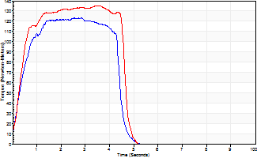
Isometric Extensors (Con) Angle 60 Time 10 Repetition 2 (Best Repetition)
 | Value | Cof Var | %BW
Peak Torque (Newton-Meters)
Right | 123 | 0.01 | 155
Left | 136 | 0.02 | 170
Deficit | 9
Average Torque (Newton-Meters)
Right | 47 | 0.05 | 60
Left | 77 | 0.23 | 95
Deficit | 39
Peak Torque Slope (Newton-Meters/Seconds)
Right | 58 | 0.2 | 72
Left | 38 | 0.01 | 48 |  | Right Side Curves Left Side Curves
Deficit | 34
Time to Half Peak Torque (Seconds)
Right | 0.43 | 0.2
Left | 0.41 | 0.19
Time to Peak Torque (Seconds)
Right | 2.46 | 0.21
Left | 3.49 | 0.02
HUMAC2015® Version: 15.000.0074 © Computer Sports Medicine, Inc. www.csmisolutions.com

