pre1
Use File, Preference to set Report Heading
Long Form Torque vs. Position Report - Knee Extension/Flexion
Name: |  |  |  | TR030_FP3055, | ID: | TR030 | Right/Left: | 13.09.2022 13.09.2022
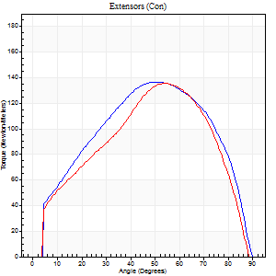
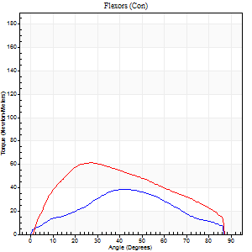
Right Side Curves Left Side Curves
Isokinetic Con/Con |  |  |  | Extensors (Con) |  | Flexors (Con)
Speed 60/60 d/s 3 Reps |  |  |  | Value | Cof Var | %BW | Value | Cof Var | %BW | Ratio

TORQUE PARAMETERS
Peak Torque (Newton-Meters - Best Repetition)
Right |  |  |  | 137 | 0.02 | 197 | 38 | 0.53 | 54 | 28
Left |  |  |  | 136 | 0.07 | 194 | 61 | 0.2 | 86 | 45
Deficit |  |  |  | 1 |  |  | 38
Work per Repetition (Newton-Meters - Best Repetition)
Right |  |  |  | 146 | 0.02 | 209 | 34 | 0.49 | 48 | 23
Left |  |  |  | 134 | 0.08 | 191 | 62 | 0.22 | 89 | 46
Deficit |  |  |  | 8 |  |  | 46
Average Power per Repetition (Watts - Best Repetition)
Right |  |  |  | 94 | 0.04 | 134 | 22 | 0.48 | 31 | 23
Left |  |  |  | 89 | 0.1 | 127 | 41 | 0.2 | 59 | 46
Deficit |  |  |  | 5 |  |  | 46
POSITION PARAMETERS
Joint Angle at Peak Torque (Degrees)
Right |  |  |  | 52 | 0.04 |  | 34 | 0.3
Left |  |  |  | 52 | 0.04 |  | 26 | 0.09
Range of Motion (Degrees)
Right |  |  |  | 0 | 0 |  | 90 | 0.01
Left |  |  |  | 1 | 0.13 |  | 90 | 0
TIME PARAMETERS
Time to Peak Torque (Seconds)
Right |  |  |  | 0.64 | 0.08 |  | 0.6 | 0.29
Left |  |  |  | 0.62 | 0.09 |  | 0.43 | 0.1
Time Peak Torque Held (Seconds)
Right |  |  |  | 0.07 | 0.23 |  | 0.09 | 1.44
Left |  |  |  | 0.05 | 0.35 |  | 0.02 | 1.32
Force Decay Time (Seconds)
Right |  |  |  | 0.84 | 0.04 |  | 0.83 | 0.04
Left |  |  |  | 0.82 | 0.04 |  | 1.03 | 0.06
Reciprocal Delay (Seconds)
Right |  |  |  | 0.06 | 0.11 |  | 0.28 | 0.58
Left |  |  |  | 0.09 | 0.08 |  | 0.08 | 0.22
Delay Time (Seconds)
Right |  |  |  | -0.01 | 0 |  | 0.02 | 1.78
Left |  |  |  | 0.02 | 0 |  | 0.01 | 0.87
HUMAC2015® Version: 15.000.0074 © Computer Sports Medicine, Inc. www.csmisolutions.com

Use File, Preference to set Report Heading
Long Form Torque vs. Position Report - Knee Extension/Flexion
Name: |  |  |  | TR030_FP3055, | ID: | TR030 | Right/Left: | 13.09.2022 13.09.2022
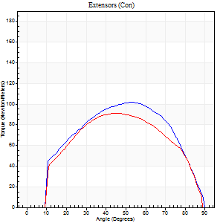
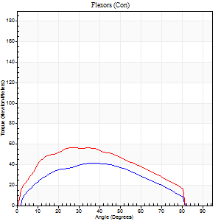
Right Side Curves Left Side Curves
Isokinetic Con/Con |  |  |  | Extensors (Con) |  | Flexors (Con)
Speed 120/120 d/s 3 Reps |  |  |  | Value | Cof Var | %BW | Value | Cof Var | %BW | Ratio

TORQUE PARAMETERS
Peak Torque (Newton-Meters - Best Repetition)
Right |  |  |  | 102 | 0.12 | 146 | 41 | 0.26 | 57 | 40
Left |  |  |  | 91 | 0.25 | 131 | 57 | 0.19 | 80 | 63
Deficit |  |  |  | 11 |  |  | 29
Work per Repetition (Newton-Meters - Best Repetition)
Right |  |  |  | 106 | 0.14 | 152 | 41 | 0.28 | 57 | 38
Left |  |  |  | 95 | 0.26 | 134 | 58 | 0.25 | 83 | 61
Deficit |  |  |  | 10 |  |  | 30
Average Power per Repetition (Watts - Best Repetition)
Right |  |  |  | 125 | 0.36 | 178 | 50 | 0.28 | 70 | 40
Left |  |  |  | 119 | 0.3 | 169 | 71 | 0.22 | 101 | 60
Deficit |  |  |  | 5 |  |  | 30
POSITION PARAMETERS
Joint Angle at Peak Torque (Degrees)
Right |  |  |  | 48 | 0.08 |  | 37 | 0.03
Left |  |  |  | 47 | 0.02 |  | 29 | 0.15
Range of Motion (Degrees)
Right |  |  |  | 1 | 1.06 |  | 90 | 0.01
Left |  |  |  | 1 | 0.08 |  | 89 | 0.01
TIME PARAMETERS
Time to Peak Torque (Seconds)
Right |  |  |  | 0.39 | 0.09 |  | 0.35 | 0.04
Left |  |  |  | 0.38 | 0.02 |  | 0.28 | 0.16
Time Peak Torque Held (Seconds)
Right |  |  |  | 0.02 | 0.49 |  | 0.01 | 1.73
Left |  |  |  | 0.03 | 0.35 |  | 0 | 1.73
Force Decay Time (Seconds)
Right |  |  |  | 0.41 | 0.17 |  | 0.45 | 0.07
Left |  |  |  | 0.38 | 0.05 |  | 0.52 | 0.05
Reciprocal Delay (Seconds)
Right |  |  |  | 0.06 | 0 |  | 0.11 | 0.51
Left |  |  |  | 0.08 | 0.28 |  | 0.06 | 0.17
Delay Time (Seconds)
Right |  |  |  | -0.02 | -0.28 |  | 0.01 | 0.87
Left |  |  |  | 0 | 0 |  | -0.02 | -0.92
HUMAC2015® Version: 15.000.0074 © Computer Sports Medicine, Inc. www.csmisolutions.com

Use File, Preference to set Report Heading
Long Form Torque vs. Position Report - Knee Extension/Flexion
Name: |  |  |  | TR030_FP3055, | ID: | TR030 | Right/Left: | 13.09.2022 13.09.2022
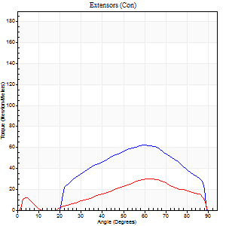
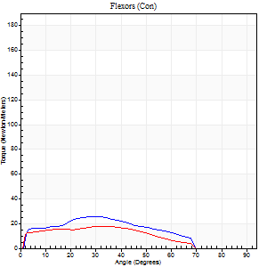
Right Side Curves Left Side Curves
Isokinetic Con/Con |  |  |  | Extensors (Con) |  | Flexors (Con)
Speed 240/240 d/s 3 Reps |  |  |  | Value | Cof Var | %BW | Value | Cof Var | %BW | Ratio

TORQUE PARAMETERS
Peak Torque (Newton-Meters - Best Repetition)
Right |  |  |  | 62 | 0.2 | 89 | 26 | 0.07 | 36 | 41
Left |  |  |  | 30 | 0.45 | 42 | 18 | 0.07 | 24 | 59
Deficit |  |  |  | 52 |  |  | 32
Work per Repetition (Newton-Meters - Best Repetition)
Right |  |  |  | 54 | 0.28 | 77 | 22 | 0.1 | 30 | 40
Left |  |  |  | 23 | 0.37 | 33 | 16 | 0.74 | 24 | 71
Deficit |  |  |  | 58 |  |  | 25
Average Power per Repetition (Watts - Best Repetition)
Right |  |  |  | 111 | 0.37 | 158 | 42 | 0.08 | 59 | 38
Left |  |  |  | 45 | 0.46 | 64 | 28 | 0.36 | 40 | 62
Deficit |  |  |  | 59 |  |  | 33
POSITION PARAMETERS
Joint Angle at Peak Torque (Degrees)
Right |  |  |  | 60 | 0.06 |  | 27 | 0.07
Left |  |  |  | 58 | 0.07 |  | 50 | 0.65
Range of Motion (Degrees)
Right |  |  |  | 2 | 0 |  | 88 | 0
Left |  |  |  | 2 | 0.06 |  | 89 | 0.01
TIME PARAMETERS
Time to Peak Torque (Seconds)
Right |  |  |  | 0.18 | 0.08 |  | 0.2 | 0.03
Left |  |  |  | 0.22 | 0.06 |  | 0.19 | 0.5
Time Peak Torque Held (Seconds)
Right |  |  |  | 0.01 | 0.87 |  | 0.02 | 0.35
Left |  |  |  | 0 | 0 |  | 0.01 | 1.73
Force Decay Time (Seconds)
Right |  |  |  | 0.28 | 0.07 |  | 0.28 | 0.06
Left |  |  |  | 0.29 | 0.04 |  | 0.19 | 0.73
Reciprocal Delay (Seconds)
Right |  |  |  | 0.04 | 0 |  | 0.06 | 0.1
Left |  |  |  | 0.05 | 0.13 |  | 0.06 | 0.1
Delay Time (Seconds)
Right |  |  |  | -0.02 | -0.28 |  | -0.03 | -0.17
Left |  |  |  | -0.02 | -0.28 |  | 0.11 | 2.3
HUMAC2015® Version: 15.000.0074 © Computer Sports Medicine, Inc. www.csmisolutions.com

Use File, Preference to set Report Heading
Isometric - Knee Extension/Flexion
Name: |  |  |  | TR030_FP3055, | ID: | TR030 | Right/Left: | 13.09.2022 13.09.2022

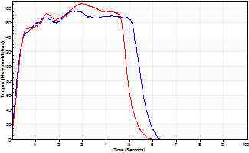
Isometric Extensors (Con) Angle 60 Time 10 Repetition 2 (Best Repetition)
 | Value | Cof Var | %BW
Peak Torque (Newton-Meters)
Right | 176 | 0.01 | 250
Left | 186 | 0.02 | 265
Deficit | 5
Average Torque (Newton-Meters)
Right | 99 | 0.08 | 140
Left | 81 | 0.03 | 116
Deficit | 18
Peak Torque Slope (Newton-Meters/Seconds)
Right | 65 | 0.15 | 93
Left | 89 | 0.24 | 127 |  | Right Side Curves Left Side Curves
Deficit | 27
Time to Half Peak Torque (Seconds)
Right | 0.22 | 0.03
Left | 0.34 | 0.31
Time to Peak Torque (Seconds)
Right | 3.01 | 0.15
Left | 2.48 | 0.26
HUMAC2015® Version: 15.000.0074 © Computer Sports Medicine, Inc. www.csmisolutions.com

pre2
Use File, Preference to set Report Heading
Long Form Torque vs. Position Report - Knee Extension/Flexion
Name: |  |  |  | TR030_FP3055, | ID: | TR030 | Right/Left: | 21.09.2022 21.09.2022
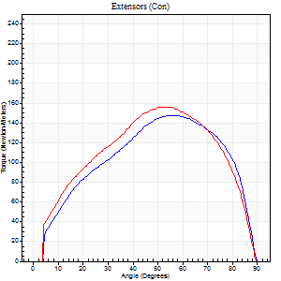
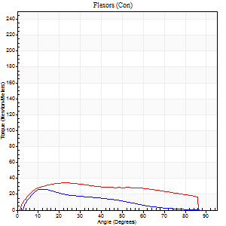
Right Side Curves Left Side Curves
Isokinetic Con/Con |  |  |  | Extensors (Con) |  | Flexors (Con)
Speed 60/60 d/s 3 Reps |  |  |  | Value | Cof Var | %BW | Value | Cof Var | %BW | Ratio

TORQUE PARAMETERS
Peak Torque (Newton-Meters - Best Repetition)
Right |  |  |  | 148 | 0.05 | 212 | 26 | 0.62 | 36 | 17
Left |  |  |  | 156 | 0.09 | 224 | 34 | 0.21 | 48 | 22
Deficit |  |  |  | 5 |  |  | 24
Work per Repetition (Newton-Meters - Best Repetition)
Right |  |  |  | 157 | 0.12 | 224 | 18 | 0.61 | 24 | 11
Left |  |  |  | 165 | 0.13 | 235 | 39 | 0.34 | 57 | 24
Deficit |  |  |  | 5 |  |  | 55
Average Power per Repetition (Watts - Best Repetition)
Right |  |  |  | 103 | 0.14 | 147 | 12 | 0.73 | 18 | 12
Left |  |  |  | 107 | 0.13 | 152 | 26 | 0.34 | 37 | 24
Deficit |  |  |  | 4 |  |  | 54
POSITION PARAMETERS
Joint Angle at Peak Torque (Degrees)
Right |  |  |  | 53 | 0.05 |  | 17 | 0.39
Left |  |  |  | 52 | 0.02 |  | 19 | 0.13
Range of Motion (Degrees)
Right |  |  |  | 0 | 1.63 |  | 90 | 0
Left |  |  |  | 0 | 0.76 |  | 90 | 0.01
TIME PARAMETERS
Time to Peak Torque (Seconds)
Right |  |  |  | 0.62 | 0.08 |  | 0.28 | 0.41
Left |  |  |  | 0.62 | 0 |  | 0.33 | 0.11
Time Peak Torque Held (Seconds)
Right |  |  |  | 0.06 | 0.46 |  | 0.03 | 1.15
Left |  |  |  | 0.05 | 0.33 |  | 0.02 | 1.73
Force Decay Time (Seconds)
Right |  |  |  | 0.85 | 0.03 |  | 1.41 | 0.16
Left |  |  |  | 0.84 | 0.03 |  | 1.16 | 0.03
Reciprocal Delay (Seconds)
Right |  |  |  | 0.09 | 0.47 |  | 0.17 | 0.87
Left |  |  |  | 0.09 | 0.67 |  | 0.13 | 0.61
Delay Time (Seconds)
Right |  |  |  | -0.02 | -0.71 |  | 0.03 | 0.17
Left |  |  |  | 0 | -1.41 |  | 0.01 | 0.87
HUMAC2015® Version: 15.000.0074 © Computer Sports Medicine, Inc. www.csmisolutions.com

Use File, Preference to set Report Heading
Long Form Torque vs. Position Report - Knee Extension/Flexion
Name: |  |  |  | TR030_FP3055, | ID: | TR030 | Right/Left: | 21.09.2022 21.09.2022
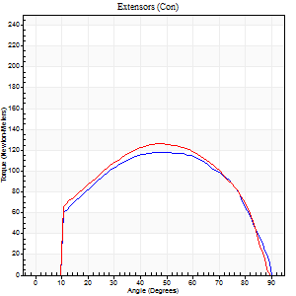
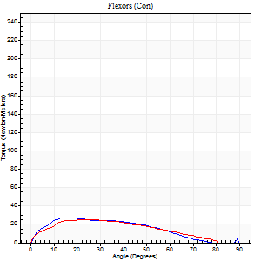
Right Side Curves Left Side Curves
Isokinetic Con/Con |  |  |  | Extensors (Con) |  | Flexors (Con)
Speed 120/120 d/s 3 Reps |  |  |  | Value | Cof Var | %BW | Value | Cof Var | %BW | Ratio

TORQUE PARAMETERS
Peak Torque (Newton-Meters - Best Repetition)
Right |  |  |  | 118 | 0.23 | 167 | 27 | 0.83 | 39 | 23
Left |  |  |  | 126 | 0.22 | 179 | 26 | 0.18 | 36 | 20
Deficit |  |  |  | 6 |  |  | 5
Work per Repetition (Newton-Meters - Best Repetition)
Right |  |  |  | 130 | 0.28 | 185 | 24 | 1.05 | 36 | 19
Left |  |  |  | 134 | 0.28 | 191 | 26 | 0.32 | 36 | 19
Deficit |  |  |  | 3 |  |  | 5
Average Power per Repetition (Watts - Best Repetition)
Right |  |  |  | 156 | 0.33 | 222 | 27 | 1.12 | 40 | 17
Left |  |  |  | 155 | 0.29 | 222 | 29 | 0.34 | 42 | 19
Deficit |  |  |  | 1 |  |  | 7
POSITION PARAMETERS
Joint Angle at Peak Torque (Degrees)
Right |  |  |  | 47 | 0.2 |  | 19 | 0.16
Left |  |  |  | 48 | 0.02 |  | 22 | 0.16
Range of Motion (Degrees)
Right |  |  |  | 0 | 0.24 |  | 89 | 0.02
Left |  |  |  | 0 | 1.01 |  | 90 | 0
TIME PARAMETERS
Time to Peak Torque (Seconds)
Right |  |  |  | 0.37 | 0.21 |  | 0.25 | 0.26
Left |  |  |  | 0.38 | 0.02 |  | 0.26 | 0.08
Time Peak Torque Held (Seconds)
Right |  |  |  | 0.03 | 0.35 |  | 0.03 | 0.33
Left |  |  |  | 0.02 | 0.25 |  | 0.03 | 1.45
Force Decay Time (Seconds)
Right |  |  |  | 0.41 | 0.18 |  | 0.67 | 0.03
Left |  |  |  | 0.44 | 0.06 |  | 0.57 | 0.08
Reciprocal Delay (Seconds)
Right |  |  |  | 0.08 | 0.75 |  | 0.15 | 0.31
Left |  |  |  | 0.09 | 0.07 |  | 0.14 | 0.57
Delay Time (Seconds)
Right |  |  |  | -0.04 | -0.61 |  | -0.01 | -2.63
Left |  |  |  | -0.01 | 0 |  | -0.02 | -0.35
HUMAC2015® Version: 15.000.0074 © Computer Sports Medicine, Inc. www.csmisolutions.com

Use File, Preference to set Report Heading
Long Form Torque vs. Position Report - Knee Extension/Flexion
Name: |  |  |  | TR030_FP3055, | ID: | TR030 | Right/Left: | 21.09.2022 21.09.2022
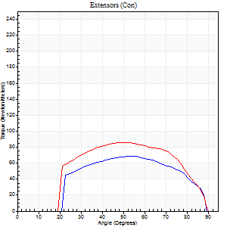
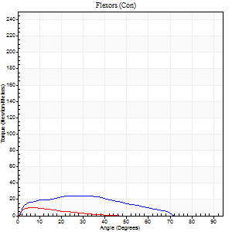
Right Side Curves Left Side Curves
Isokinetic Con/Con |  |  |  | Extensors (Con) |  | Flexors (Con)
Speed 240/240 d/s 3 Reps |  |  |  | Value | Cof Var | %BW | Value | Cof Var | %BW | Ratio

TORQUE PARAMETERS
Peak Torque (Newton-Meters - Best Repetition)
Right |  |  |  | 69 | 0.8 | 98 | 24 | 0.33 | 36 | 35
Left |  |  |  | 85 | 0.22 | 122 | 9 | 0.17 | 15 | 11
Deficit |  |  |  | 19 |  |  | 61
Work per Repetition (Newton-Meters - Best Repetition)
Right |  |  |  | 65 | 0.83 | 92 | 20 | 0.32 | 30 | 31
Left |  |  |  | 84 | 0.26 | 119 | 5 | 0.3 | 9 | 6
Deficit |  |  |  | 23 |  |  | 73
Average Power per Repetition (Watts - Best Repetition)
Right |  |  |  | 134 | 0.91 | 191 | 40 | 0.34 | 57 | 30
Left |  |  |  | 158 | 0.32 | 226 | 9 | 0.4 | 13 | 6
Deficit |  |  |  | 15 |  |  | 78
POSITION PARAMETERS
Joint Angle at Peak Torque (Degrees)
Right |  |  |  | 53 | 0.15 |  | 31 | 0.05
Left |  |  |  | 58 | 0.11 |  | 10 | 0.32
Range of Motion (Degrees)
Right |  |  |  | 2 | 0 |  | 89 | 0.01
Left |  |  |  | 1 | 0.39 |  | 89 | 0.01
TIME PARAMETERS
Time to Peak Torque (Seconds)
Right |  |  |  | 0.25 | 0.23 |  | 0.23 | 0.08
Left |  |  |  | 0.25 | 0.03 |  | 0.18 | 0.21
Time Peak Torque Held (Seconds)
Right |  |  |  | 0.01 | 0.87 |  | 0.01 | 1
Left |  |  |  | 0.01 | 0.87 |  | 0 | 0
Force Decay Time (Seconds)
Right |  |  |  | 0.26 | 0.15 |  | 0.29 | 0.04
Left |  |  |  | 0.3 | 0.12 |  | 0.55 | 0.17
Reciprocal Delay (Seconds)
Right |  |  |  | 0.05 | 0.28 |  | 0.05 | 0.11
Left |  |  |  | 0.06 | 0.11 |  | 0.1 | 0.31
Delay Time (Seconds)
Right |  |  |  | -0.02 | -0.28 |  | -0.02 | -0.5
Left |  |  |  | -0.03 | 0 |  | -0.04 | -0.27
HUMAC2015® Version: 15.000.0074 © Computer Sports Medicine, Inc. www.csmisolutions.com

Use File, Preference to set Report Heading
Isometric - Knee Extension/Flexion
Name: |  |  |  | TR030_FP3055, | ID: | TR030 | Right/Left: | 21.09.2022 21.09.2022

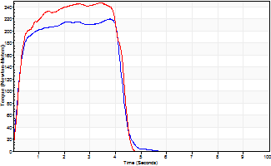
Isometric Extensors (Con) Angle 60 Time 10 Repetition 2 (Best Repetition)
 | Value | Cof Var | %BW
Peak Torque (Newton-Meters)
Right | 220 | 0.01 | 313
Left | 247 | 0.04 | 352
Deficit | 11
Average Torque (Newton-Meters)
Right | 85 | 0.04 | 122
Left | 95 | 0.17 | 134
Deficit | 10
Peak Torque Slope (Newton-Meters/Seconds)
Right | 117 | 0.48 | 167
Left | 91 | 0.17 | 130 |  | Right Side Curves Left Side Curves
Deficit | 22
Time to Half Peak Torque (Seconds)
Right | 0.17 | 0.33
Left | 0.2 | 0.35
Time to Peak Torque (Seconds)
Right | 2.81 | 0.49
Left | 3 | 0.21
HUMAC2015® Version: 15.000.0074 © Computer Sports Medicine, Inc. www.csmisolutions.com

mid1
Use File, Preference to set Report Heading
Long Form Torque vs. Position Report - Knee Extension/Flexion
Name: |  |  |  | TR030_FP3055, | ID: | TR030 | Right/Left: | 08.11.2022 08.11.2022
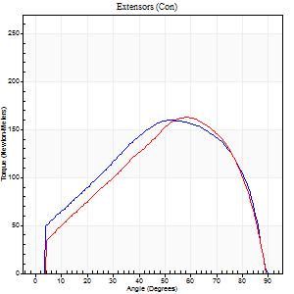
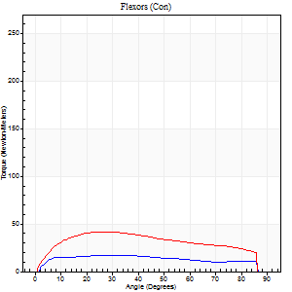
Right Side Curves Left Side Curves
Isokinetic Con/Con |  |  |  | Extensors (Con) |  | Flexors (Con)
Speed 60/60 d/s 3 Reps |  |  |  | Value | Cof Var | %BW | Value | Cof Var | %BW | Ratio

TORQUE PARAMETERS
Peak Torque (Newton-Meters - Best Repetition)
Right |  |  |  | 160 | 0.11 | 229 | 16 | 0.09 | 24 | 10
Left |  |  |  | 163 | 0.12 | 232 | 42 | 0.37 | 60 | 26
Deficit |  |  |  | 2 |  |  | 61
Work per Repetition (Newton-Meters - Best Repetition)
Right |  |  |  | 172 | 0.17 | 244 | 20 | 0.17 | 30 | 12
Left |  |  |  | 161 | 0.13 | 229 | 47 | 0.42 | 69 | 29
Deficit |  |  |  | 6 |  |  | 57
Average Power per Repetition (Watts - Best Repetition)
Right |  |  |  | 112 | 0.19 | 160 | 13 | 0.17 | 18 | 12
Left |  |  |  | 104 | 0.14 | 149 | 31 | 0.41 | 44 | 30
Deficit |  |  |  | 7 |  |  | 58
POSITION PARAMETERS
Joint Angle at Peak Torque (Degrees)
Right |  |  |  | 52 | 0.1 |  | 31 | 0.21
Left |  |  |  | 57 | 0.02 |  | 25 | 0.2
Range of Motion (Degrees)
Right |  |  |  | 0 | 1.41 |  | 90 | 0
Left |  |  |  | 0 | 0.35 |  | 90 | 0
TIME PARAMETERS
Time to Peak Torque (Seconds)
Right |  |  |  | 0.59 | 0.11 |  | 0.52 | 0.19
Left |  |  |  | 0.54 | 0.05 |  | 0.44 | 0.17
Time Peak Torque Held (Seconds)
Right |  |  |  | 0.07 | 0.09 |  | 0 | 0
Left |  |  |  | 0.05 | 0.12 |  | 0.1 | 0.15
Force Decay Time (Seconds)
Right |  |  |  | 0.84 | 0.11 |  | 0.99 | 0.08
Left |  |  |  | 0.94 | 0.03 |  | 0.98 | 0.04
Reciprocal Delay (Seconds)
Right |  |  |  | 0.09 | 0.25 |  | 0.2 | 0.26
Left |  |  |  | 0.11 | 0.07 |  | 0.17 | 0.16
Delay Time (Seconds)
Right |  |  |  | 0 | 0 |  | 0.02 | 0.89
Left |  |  |  | 0.02 | 0 |  | 0 | -1.73
HUMAC2015® Version: 15.000.0074 © Computer Sports Medicine, Inc. www.csmisolutions.com

Use File, Preference to set Report Heading
Long Form Torque vs. Position Report - Knee Extension/Flexion
Name: |  |  |  | TR030_FP3055, | ID: | TR030 | Right/Left: | 08.11.2022 08.11.2022
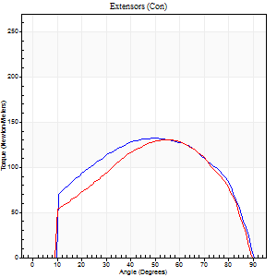
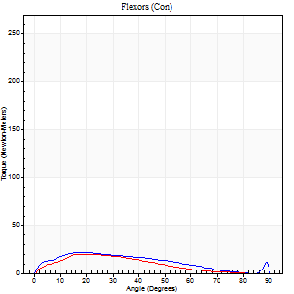
Right Side Curves Left Side Curves
Isokinetic Con/Con |  |  |  | Extensors (Con) |  | Flexors (Con)
Speed 120/120 d/s 3 Reps |  |  |  | Value | Cof Var | %BW | Value | Cof Var | %BW | Ratio

TORQUE PARAMETERS
Peak Torque (Newton-Meters - Best Repetition)
Right |  |  |  | 132 | 0.03 | 188 | 22 | 0.18 | 30 | 16
Left |  |  |  | 130 | 0.14 | 185 | 20 | 0.19 | 30 | 16
Deficit |  |  |  | 1 |  |  | 6
Work per Repetition (Newton-Meters - Best Repetition)
Right |  |  |  | 145 | 0.05 | 206 | 19 | 0.22 | 27 | 13
Left |  |  |  | 133 | 0.15 | 191 | 15 | 0.13 | 21 | 11
Deficit |  |  |  | 8 |  |  | 21
Average Power per Repetition (Watts - Best Repetition)
Right |  |  |  | 177 | 0.08 | 253 | 22 | 0.2 | 31 | 12
Left |  |  |  | 153 | 0.14 | 218 | 17 | 0.14 | 24 | 11
Deficit |  |  |  | 14 |  |  | 23
POSITION PARAMETERS
Joint Angle at Peak Torque (Degrees)
Right |  |  |  | 50 | 0.03 |  | 22 | 0.18
Left |  |  |  | 54 | 0.08 |  | 18 | 0.05
Range of Motion (Degrees)
Right |  |  |  | 1 | 0.82 |  | 90 | 0
Left |  |  |  | 0 | 0 |  | 90 | 0.01
TIME PARAMETERS
Time to Peak Torque (Seconds)
Right |  |  |  | 0.36 | 0.04 |  | 0.23 | 0.09
Left |  |  |  | 0.31 | 0.05 |  | 0.23 | 0.09
Time Peak Torque Held (Seconds)
Right |  |  |  | 0.03 | 0.35 |  | 0.01 | 1.73
Left |  |  |  | 0.02 | 0.25 |  | 0.02 | 1.25
Force Decay Time (Seconds)
Right |  |  |  | 0.43 | 0.09 |  | 0.61 | 0.08
Left |  |  |  | 0.49 | 0.13 |  | 0.6 | 0.03
Reciprocal Delay (Seconds)
Right |  |  |  | 0.06 | 0.11 |  | 0.12 | 0.38
Left |  |  |  | 0.11 | 0.13 |  | 0.11 | 0.33
Delay Time (Seconds)
Right |  |  |  | 0 | -1.41 |  | 0 | 0
Left |  |  |  | -0.01 | 0 |  | -0.02 | -0.35
HUMAC2015® Version: 15.000.0074 © Computer Sports Medicine, Inc. www.csmisolutions.com

Use File, Preference to set Report Heading
Long Form Torque vs. Position Report - Knee Extension/Flexion
Name: |  |  |  | TR030_FP3055, | ID: | TR030 | Right/Left: | 08.11.2022 08.11.2022
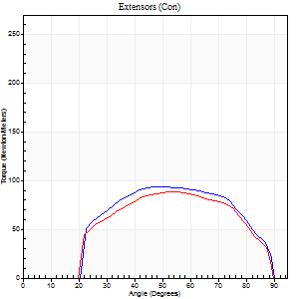
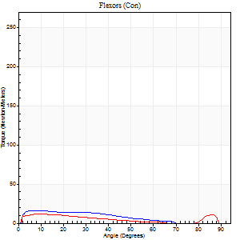
Right Side Curves Left Side Curves
Isokinetic Con/Con |  |  |  | Extensors (Con) |  | Flexors (Con)
Speed 240/240 d/s 3 Reps |  |  |  | Value | Cof Var | %BW | Value | Cof Var | %BW | Ratio

TORQUE PARAMETERS
Peak Torque (Newton-Meters - Best Repetition)
Right |  |  |  | 94 | 0.26 | 134 | 16 | 0.29 | 24 | 17
Left |  |  |  | 88 | 0.44 | 125 | 12 | 0.12 | 18 | 14
Deficit |  |  |  | 6 |  |  | 25
Work per Repetition (Newton-Meters - Best Repetition)
Right |  |  |  | 91 | 0.34 | 131 | 12 | 0.37 | 18 | 13
Left |  |  |  | 84 | 0.5 | 119 | 9 | 0.22 | 15 | 11
Deficit |  |  |  | 7 |  |  | 22
Average Power per Repetition (Watts - Best Repetition)
Right |  |  |  | 185 | 0.38 | 264 | 23 | 0.4 | 33 | 12
Left |  |  |  | 164 | 0.56 | 233 | 15 | 0.24 | 22 | 9
Deficit |  |  |  | 11 |  |  | 35
POSITION PARAMETERS
Joint Angle at Peak Torque (Degrees)
Right |  |  |  | 51 | 0.1 |  | 8 | 0.3
Left |  |  |  | 61 | 0.09 |  | 11 | 0.44
Range of Motion (Degrees)
Right |  |  |  | 2 | 0.03 |  | 90 | 0.01
Left |  |  |  | 1 | 0.28 |  | 89 | 0.01
TIME PARAMETERS
Time to Peak Torque (Seconds)
Right |  |  |  | 0.23 | 0 |  | 0.1 | 0.2
Left |  |  |  | 0.19 | 0.11 |  | 0.17 | 0.29
Time Peak Torque Held (Seconds)
Right |  |  |  | 0.01 | 0 |  | 0.01 | 1
Left |  |  |  | 0.02 | 1.08 |  | 0.03 | 1.15
Force Decay Time (Seconds)
Right |  |  |  | 0.25 | 0.07 |  | 0.43 | 0.08
Left |  |  |  | 0.29 | 0.04 |  | 0.39 | 0.06
Reciprocal Delay (Seconds)
Right |  |  |  | 0.05 | 0.16 |  | 0.05 | 0.12
Left |  |  |  | 0.05 | 0.16 |  | 0.06 | 0.24
Delay Time (Seconds)
Right |  |  |  | -0.02 | 0 |  | -0.02 | -0.25
Left |  |  |  | -0.02 | 0 |  | -0.04 | -0.25
HUMAC2015® Version: 15.000.0074 © Computer Sports Medicine, Inc. www.csmisolutions.com

Use File, Preference to set Report Heading
Isometric - Knee Extension/Flexion
Name: |  |  |  | TR030_FP3055, | ID: | TR030 | Right/Left: | 08.11.2022 08.11.2022

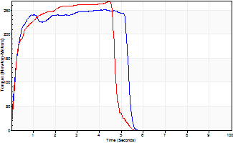
Isometric Extensors (Con) Angle 60 Time 10 Repetition 2 (Best Repetition)
 | Value | Cof Var | %BW
Peak Torque (Newton-Meters)
Right | 251 | 0.08 | 358
Left | 268 | 0.06 | 384
Deficit | 7
Average Torque (Newton-Meters)
Right | 123 | 0.11 | 176
Left | 123 | 0.05 | 176
Deficit | 0
Peak Torque Slope (Newton-Meters/Seconds)
Right | 61 | 0.03 | 88
Left | 60 | 0.19 | 86 |  | Right Side Curves Left Side Curves
Deficit | 2
Time to Half Peak Torque (Seconds)
Right | 0.24 | 0.29
Left | 0.26 | 0.29
Time to Peak Torque (Seconds)
Right | 3.93 | 0.11
Left | 4.91 | 0.13
HUMAC2015® Version: 15.000.0074 © Computer Sports Medicine, Inc. www.csmisolutions.com

post1
Use File, Preference to set Report Heading
Long Form Torque vs. Position Report - Knee Extension/Flexion
Name: |  |  |  | TR030_FP3055, | ID: | TR030 | Right/Left: | 01.12.2022 01.12.2022
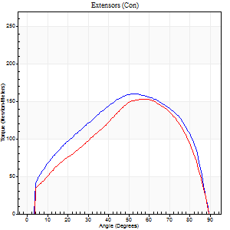
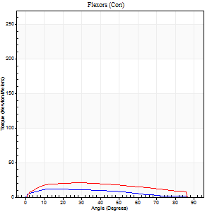
Right Side Curves Left Side Curves
Isokinetic Con/Con |  |  |  | Extensors (Con) |  | Flexors (Con)
Speed 60/60 d/s 3 Reps |  |  |  | Value | Cof Var | %BW | Value | Cof Var | %BW | Ratio

TORQUE PARAMETERS
Peak Torque (Newton-Meters - Best Repetition)
Right |  |  |  | 160 | 0.15 | 229 | 12 | 0.02 | 18 | 8
Left |  |  |  | 153 | 0.1 | 218 | 20 | 0.18 | 30 | 13
Deficit |  |  |  | 4 |  |  | 40
Work per Repetition (Newton-Meters - Best Repetition)
Right |  |  |  | 175 | 0.16 | 250 | 12 | 0.09 | 18 | 7
Left |  |  |  | 155 | 0.15 | 221 | 23 | 0.26 | 33 | 15
Deficit |  |  |  | 12 |  |  | 47
Average Power per Repetition (Watts - Best Repetition)
Right |  |  |  | 114 | 0.16 | 163 | 8 | 0.09 | 11 | 7
Left |  |  |  | 100 | 0.18 | 143 | 15 | 0.26 | 22 | 15
Deficit |  |  |  | 12 |  |  | 47
POSITION PARAMETERS
Joint Angle at Peak Torque (Degrees)
Right |  |  |  | 57 | 0.06 |  | 18 | 0.32
Left |  |  |  | 56 | 0.03 |  | 26 | 0.28
Range of Motion (Degrees)
Right |  |  |  | 0 | 0.2 |  | 90 | 0
Left |  |  |  | 0 | 0 |  | 90 | 0
TIME PARAMETERS
Time to Peak Torque (Seconds)
Right |  |  |  | 0.56 | 0.13 |  | 0.32 | 0.23
Left |  |  |  | 0.58 | 0.06 |  | 0.48 | 0.24
Time Peak Torque Held (Seconds)
Right |  |  |  | 0.11 | 0.29 |  | 0.04 | 0.71
Left |  |  |  | 0.05 | 0.35 |  | 0.02 | 1.73
Force Decay Time (Seconds)
Right |  |  |  | 0.87 | 0.06 |  | 1.15 | 0.05
Left |  |  |  | 0.91 | 0.02 |  | 1.05 | 0.07
Reciprocal Delay (Seconds)
Right |  |  |  | 0.08 | 0 |  | 0.17 | 0.43
Left |  |  |  | 0.13 | 0 |  | 0.17 | 0.07
Delay Time (Seconds)
Right |  |  |  | 0 | 0 |  | 0.03 | 1.21
Left |  |  |  | 0 | 1.41 |  | -0.01 | -2.29
HUMAC2015® Version: 15.000.0074 © Computer Sports Medicine, Inc. www.csmisolutions.com

Use File, Preference to set Report Heading
Long Form Torque vs. Position Report - Knee Extension/Flexion
Name: |  |  |  | TR030_FP3055, | ID: | TR030 | Right/Left: | 01.12.2022 01.12.2022
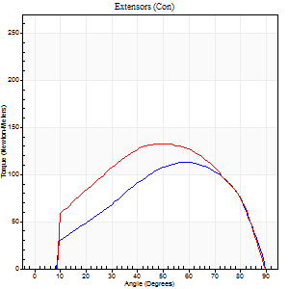
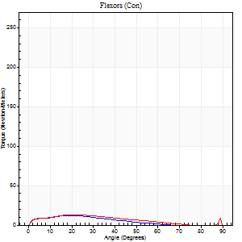
Right Side Curves Left Side Curves
Isokinetic Con/Con |  |  |  | Extensors (Con) |  | Flexors (Con)
Speed 120/120 d/s 3 Reps |  |  |  | Value | Cof Var | %BW | Value | Cof Var | %BW | Ratio

TORQUE PARAMETERS
Peak Torque (Newton-Meters - Best Repetition)
Right |  |  |  | 114 | 0.26 | 164 | 12 | 0.22 | 18 | 11
Left |  |  |  | 133 | 0.13 | 191 | 14 | 0.09 | 18 | 10
Deficit |  |  |  | 14 |  |  | 10
Work per Repetition (Newton-Meters - Best Repetition)
Right |  |  |  | 119 | 0.27 | 170 | 8 | 0.19 | 12 | 7
Left |  |  |  | 140 | 0.13 | 200 | 9 | 0.09 | 15 | 7
Deficit |  |  |  | 15 |  |  | 14
Average Power per Repetition (Watts - Best Repetition)
Right |  |  |  | 139 | 0.33 | 198 | 10 | 0.19 | 13 | 7
Left |  |  |  | 160 | 0.14 | 229 | 11 | 0.09 | 15 | 7
Deficit |  |  |  | 13 |  |  | 9
POSITION PARAMETERS
Joint Angle at Peak Torque (Degrees)
Right |  |  |  | 51 | 0.18 |  | 21 | 0.12
Left |  |  |  | 51 | 0.03 |  | 22 | 0.07
Range of Motion (Degrees)
Right |  |  |  | 1 | 0.89 |  | 90 | 0.01
Left |  |  |  | 0 | 0.88 |  | 90 | 0.01
TIME PARAMETERS
Time to Peak Torque (Seconds)
Right |  |  |  | 0.33 | 0.09 |  | 0.25 | 0.04
Left |  |  |  | 0.36 | 0.04 |  | 0.29 | 0.04
Time Peak Torque Held (Seconds)
Right |  |  |  | 0.02 | 0.5 |  | 0.01 | 1.15
Left |  |  |  | 0.02 | 0.87 |  | 0 | 0
Force Decay Time (Seconds)
Right |  |  |  | 0.43 | 0.17 |  | 0.61 | 0.03
Left |  |  |  | 0.46 | 0.04 |  | 0.59 | 0.03
Reciprocal Delay (Seconds)
Right |  |  |  | 0.07 | 0 |  | 0.1 | 0.34
Left |  |  |  | 0.09 | 0.07 |  | 0.14 | 0.22
Delay Time (Seconds)
Right |  |  |  | -0.02 | -0.71 |  | 0 | -4.58
Left |  |  |  | -0.01 | 0 |  | -0.03 | -0.22
HUMAC2015® Version: 15.000.0074 © Computer Sports Medicine, Inc. www.csmisolutions.com

Use File, Preference to set Report Heading
Long Form Torque vs. Position Report - Knee Extension/Flexion
Name: |  |  |  | TR030_FP3055, | ID: | TR030 | Right/Left: | 01.12.2022 01.12.2022
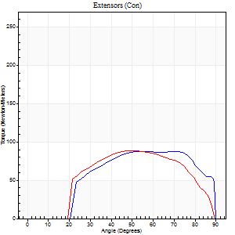
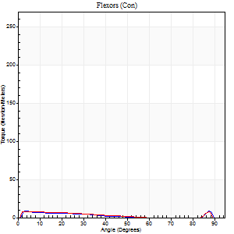
Right Side Curves Left Side Curves
Isokinetic Con/Con |  |  |  | Extensors (Con) |  | Flexors (Con)
Speed 240/240 d/s 3 Reps |  |  |  | Value | Cof Var | %BW | Value | Cof Var | %BW | Ratio

TORQUE PARAMETERS
Peak Torque (Newton-Meters - Best Repetition)
Right |  |  |  | 88 | 0.5 | 125 | 8 | 0.05 | 12 | 9
Left |  |  |  | 88 | 0.32 | 125 | 8 | 0.02 | 12 | 9
Deficit |  |  |  | 0 |  |  | 0
Work per Repetition (Newton-Meters - Best Repetition)
Right |  |  |  | 89 | 0.56 | 128 | 5 | 0.78 | 9 | 6
Left |  |  |  | 85 | 0.37 | 122 | 5 | 0.78 | 9 | 6
Deficit |  |  |  | 5 |  |  | 0
Average Power per Repetition (Watts - Best Repetition)
Right |  |  |  | 176 | 0.58 | 251 | 8 | 0.62 | 11 | 5
Left |  |  |  | 157 | 0.38 | 224 | 7 | 0.58 | 11 | 4
Deficit |  |  |  | 11 |  |  | 13
POSITION PARAMETERS
Joint Angle at Peak Torque (Degrees)
Right |  |  |  | 60 | 0.08 |  | 33 | 1.44
Left |  |  |  | 58 | 0.15 |  | 35 | 1.3
Range of Motion (Degrees)
Right |  |  |  | 2 | 0 |  | 90 | 0.01
Left |  |  |  | 1 | 0.24 |  | 89 | 0.01
TIME PARAMETERS
Time to Peak Torque (Seconds)
Right |  |  |  | 0.19 | 0.18 |  | 0.12 | 0.47
Left |  |  |  | 0.22 | 0.09 |  | 0.19 | 0.05
Time Peak Torque Held (Seconds)
Right |  |  |  | 0.01 | 0 |  | 0.04 | 0.88
Left |  |  |  | 0.01 | 1 |  | 0 | 1.73
Force Decay Time (Seconds)
Right |  |  |  | 0.29 | 0.07 |  | 0.35 | 0.77
Left |  |  |  | 0.3 | 0.08 |  | 0.36 | 0.82
Reciprocal Delay (Seconds)
Right |  |  |  | 0.05 | 0.39 |  | 0.06 | 0.1
Left |  |  |  | 0.05 | 0.13 |  | 0.08 | 0.25
Delay Time (Seconds)
Right |  |  |  | -0.03 | -0.47 |  | 0.13 | 2.01
Left |  |  |  | -0.03 | 0 |  | 0.11 | 2.44
HUMAC2015® Version: 15.000.0074 © Computer Sports Medicine, Inc. www.csmisolutions.com

Use File, Preference to set Report Heading
Isometric - Knee Extension/Flexion
Name: |  |  |  | TR030_FP3055, | ID: | TR030 | Right/Left: | 01.12.2022 01.12.2022

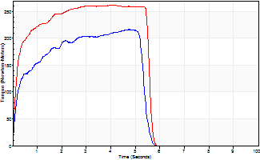
Isometric Extensors (Con) Angle 60 Time 10 Repetition 2 (Best Repetition)
 | Value | Cof Var | %BW
Peak Torque (Newton-Meters)
Right | 217 | 0.03 | 310
Left | 262 | 0.01 | 373
Deficit | 17
Average Torque (Newton-Meters)
Right | 99 | 0.16 | 140
Left | 134 | 0.08 | 191
Deficit | 26
Peak Torque Slope (Newton-Meters/Seconds)
Right | 70 | 0.3 | 100
Left | 64 | 0.1 | 92 |  | Right Side Curves Left Side Curves
Deficit | 9
Time to Half Peak Torque (Seconds)
Right | 0.22 | 0.16
Left | 0.18 | 0.16
Time to Peak Torque (Seconds)
Right | 3.85 | 0.33
Left | 4.34 | 0.09
HUMAC2015® Version: 15.000.0074 © Computer Sports Medicine, Inc. www.csmisolutions.com

