pre1
Use File, Preference to set Report Heading
Long Form Torque vs. Position Report - Knee Extension/Flexion
Name: |  |  |  | TR030_FP3056, | ID: | TR030 | Right/Left: | 23.09.2022 23.09.2022
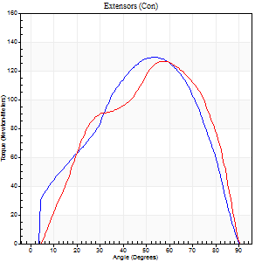
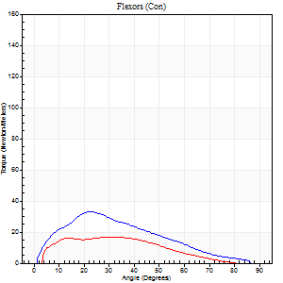
Right Side Curves Left Side Curves
Isokinetic Con/Con |  |  |  | Extensors (Con) |  | Flexors (Con)
Speed 60/60 d/s 3 Reps |  |  |  | Value | Cof Var | %BW | Value | Cof Var | %BW | Ratio

TORQUE PARAMETERS
Peak Torque (Newton-Meters - Best Repetition)
Right |  |  |  | 130 | 0.04 | 197 | 33 | 0.6 | 51 | 25
Left |  |  |  | 126 | 0.16 | 191 | 16 | 0.25 | 24 | 13
Deficit |  |  |  | 3 |  |  | 50
Work per Repetition (Newton-Meters - Best Repetition)
Right |  |  |  | 132 | 0.08 | 200 | 26 | 0.52 | 39 | 20
Left |  |  |  | 123 | 0.14 | 188 | 15 | 0.23 | 24 | 12
Deficit |  |  |  | 6 |  |  | 42
Average Power per Repetition (Watts - Best Repetition)
Right |  |  |  | 82 | 0.11 | 125 | 17 | 0.57 | 26 | 21
Left |  |  |  | 82 | 0.16 | 125 | 9 | 0.27 | 13 | 11
Deficit |  |  |  | 0 |  |  | 47
POSITION PARAMETERS
Joint Angle at Peak Torque (Degrees)
Right |  |  |  | 50 | 0.06 |  | 21 | 0.17
Left |  |  |  | 60 | 0.05 |  | 26 | 0.48
Range of Motion (Degrees)
Right |  |  |  | 0 | 0.79 |  | 90 | 0
Left |  |  |  | 0 | 0.2 |  | 89 | 0.02
TIME PARAMETERS
Time to Peak Torque (Seconds)
Right |  |  |  | 0.71 | 0.16 |  | 0.42 | 0.22
Left |  |  |  | 0.5 | 0.1 |  | 0.5 | 0.48
Time Peak Torque Held (Seconds)
Right |  |  |  | 0.07 | 0.38 |  | 0.02 | 1.73
Left |  |  |  | 0.05 | 0.69 |  | 0.02 | 1.38
Force Decay Time (Seconds)
Right |  |  |  | 0.8 | 0.07 |  | 1.16 | 0.13
Left |  |  |  | 0.97 | 0.08 |  | 1.09 | 0.2
Reciprocal Delay (Seconds)
Right |  |  |  | 0.15 | 0.05 |  | 0.23 | 0.14
Left |  |  |  | 0.2 | 0.38 |  | 0.17 | 0.54
Delay Time (Seconds)
Right |  |  |  | -0.04 | -1.1 |  | -0.01 | -3.46
Left |  |  |  | -0.02 | -1.41 |  | -0.03 | -0.62
HUMAC2015® Version: 15.000.0074 © Computer Sports Medicine, Inc. www.csmisolutions.com

Use File, Preference to set Report Heading
Long Form Torque vs. Position Report - Knee Extension/Flexion
Name: |  |  |  | TR030_FP3056, | ID: | TR030 | Right/Left: | 23.09.2022 23.09.2022
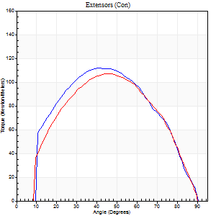
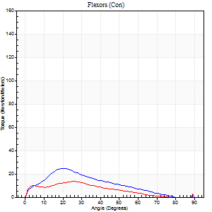
Right Side Curves Left Side Curves
Isokinetic Con/Con |  |  |  | Extensors (Con) |  | Flexors (Con)
Speed 120/120 d/s 3 Reps |  |  |  | Value | Cof Var | %BW | Value | Cof Var | %BW | Ratio

TORQUE PARAMETERS
Peak Torque (Newton-Meters - Best Repetition)
Right |  |  |  | 111 | 0.15 | 170 | 24 | 0.33 | 36 | 22
Left |  |  |  | 107 | 0.04 | 161 | 14 | 0.39 | 21 | 13
Deficit |  |  |  | 4 |  |  | 44
Work per Repetition (Newton-Meters - Best Repetition)
Right |  |  |  | 114 | 0.11 | 173 | 18 | 0.24 | 27 | 15
Left |  |  |  | 108 | 0.02 | 164 | 9 | 0.35 | 15 | 9
Deficit |  |  |  | 5 |  |  | 46
Average Power per Repetition (Watts - Best Repetition)
Right |  |  |  | 131 | 0.17 | 198 | 19 | 0.19 | 29 | 15
Left |  |  |  | 127 | 0.02 | 193 | 11 | 0.37 | 18 | 9
Deficit |  |  |  | 3 |  |  | 42
POSITION PARAMETERS
Joint Angle at Peak Torque (Degrees)
Right |  |  |  | 40 | 0.03 |  | 23 | 0.09
Left |  |  |  | 48 | 0.03 |  | 23 | 0.81
Range of Motion (Degrees)
Right |  |  |  | 1 | 0.82 |  | 90 | 0.01
Left |  |  |  | 1 | 0.22 |  | 90 | 0
TIME PARAMETERS
Time to Peak Torque (Seconds)
Right |  |  |  | 0.57 | 0.18 |  | 0.26 | 0.08
Left |  |  |  | 0.42 | 0 |  | 0.28 | 0.69
Time Peak Torque Held (Seconds)
Right |  |  |  | 0.03 | 0.46 |  | 0.01 | 1
Left |  |  |  | 0.03 | 0.22 |  | 0.01 | 1.73
Force Decay Time (Seconds)
Right |  |  |  | 0.34 | 0.04 |  | 0.58 | 0.06
Left |  |  |  | 0.4 | 0.03 |  | 0.61 | 0.33
Reciprocal Delay (Seconds)
Right |  |  |  | 0.09 | 0 |  | 0.17 | 0.45
Left |  |  |  | 0.09 | 0 |  | 0.08 | 0.18
Delay Time (Seconds)
Right |  |  |  | -0.05 | -0.28 |  | 0 | 0
Left |  |  |  | -0.03 | 0 |  | -0.03 | -0.22
HUMAC2015® Version: 15.000.0074 © Computer Sports Medicine, Inc. www.csmisolutions.com

Use File, Preference to set Report Heading
Long Form Torque vs. Position Report - Knee Extension/Flexion
Name: |  |  |  | TR030_FP3056, | ID: | TR030 | Right/Left: | 23.09.2022 23.09.2022
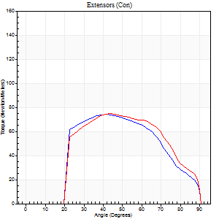
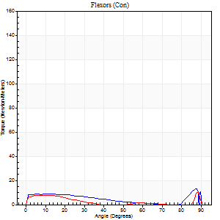
Right Side Curves Left Side Curves
Isokinetic Con/Con |  |  |  | Extensors (Con) |  | Flexors (Con)
Speed 240/240 d/s 3 Reps |  |  |  | Value | Cof Var | %BW | Value | Cof Var | %BW | Ratio

TORQUE PARAMETERS
Peak Torque (Newton-Meters - Best Repetition)
Right |  |  |  | 75 | 0.07 | 113 | 12 | 0.39 | 18 | 16
Left |  |  |  | 75 | 0.02 | 113 | 11 | 0.29 | 18 | 15
Deficit |  |  |  | 0 |  |  | 11
Work per Repetition (Newton-Meters - Best Repetition)
Right |  |  |  | 69 | 0.07 | 104 | 8 | 0.38 | 12 | 12
Left |  |  |  | 73 | 0.03 | 110 | 4 | 0.16 | 6 | 6
Deficit |  |  |  | 6 |  |  | 50
Average Power per Repetition (Watts - Best Repetition)
Right |  |  |  | 119 | 0.14 | 180 | 8 | 0.33 | 13 | 7
Left |  |  |  | 139 | 0.09 | 211 | 5 | 0.15 | 7 | 4
Deficit |  |  |  | 14 |  |  | 38
POSITION PARAMETERS
Joint Angle at Peak Torque (Degrees)
Right |  |  |  | 40 | 0.11 |  | 62 | 0.7
Left |  |  |  | 45 | 0.02 |  | 60 | 0.83
Range of Motion (Degrees)
Right |  |  |  | 0 | 0.54 |  | 90 | 0
Left |  |  |  | 0 | 1.06 |  | 90 | 0
TIME PARAMETERS
Time to Peak Torque (Seconds)
Right |  |  |  | 0.32 | 0 |  | 0.53 | 0.38
Left |  |  |  | 0.27 | 0.05 |  | 0.62 | 0.71
Time Peak Torque Held (Seconds)
Right |  |  |  | 0 | 1.73 |  | 0 | 0
Left |  |  |  | 0.01 | 0.43 |  | 0.01 | 0.87
Force Decay Time (Seconds)
Right |  |  |  | 0.25 | 0.08 |  | 0.3 | 0.75
Left |  |  |  | 0.27 | 0.1 |  | 0.22 | 1.92
Reciprocal Delay (Seconds)
Right |  |  |  | 0.19 | 0.47 |  | 0.18 | 0.48
Left |  |  |  | 0.16 | 0.27 |  | 0.21 | 0.26
Delay Time (Seconds)
Right |  |  |  | -0.04 | 0 |  | -0.04 | -0.58
Left |  |  |  | -0.02 | -0.28 |  | -0.06 | -0.1
HUMAC2015® Version: 15.000.0074 © Computer Sports Medicine, Inc. www.csmisolutions.com

Use File, Preference to set Report Heading
Isometric - Knee Extension/Flexion
Name: |  |  |  | TR030_FP3056, | ID: | TR030 | Right/Left: | 23.09.2022 23.09.2022

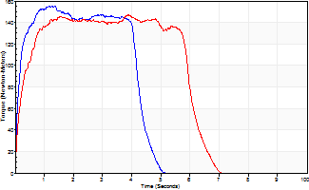
Isometric Extensors (Con) Angle 60 Time 10 Repetition 2 (Best Repetition)
 | Value | Cof Var | %BW
Peak Torque (Newton-Meters)
Right | 155 | 0.04 | 235
Left | 146 | 0.06 | 221
Deficit | 5
Average Torque (Newton-Meters)
Right | 62 | 0.01 | 95
Left | 83 | 0.35 | 125
Deficit | 25
Peak Torque Slope (Newton-Meters/Seconds)
Right | 122 | 0.19 | 185
Left | 164 | 0.88 | 248 |  | Right Side Curves Left Side Curves
Deficit | 25
Time to Half Peak Torque (Seconds)
Right | 0.16 | 0.39
Left | 0.19 | 0.22
Time to Peak Torque (Seconds)
Right | 1.42 | 0.16
Left | 2.35 | 0.93
HUMAC2015® Version: 15.000.0074 © Computer Sports Medicine, Inc. www.csmisolutions.com

pre2
Use File, Preference to set Report Heading
Long Form Torque vs. Position Report - Knee Extension/Flexion
Name: |  |  |  | TR030_FP3056, | ID: | TR030 | Right/Left: | 05.10.2022 05.10.2022
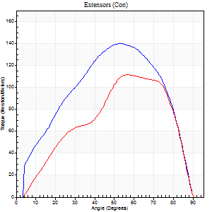
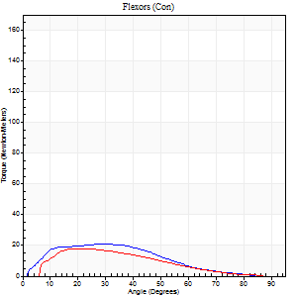
Right Side Curves Left Side Curves
Isokinetic Con/Con |  |  |  | Extensors (Con) |  | Flexors (Con)
Speed 60/60 d/s 3 Reps |  |  |  | Value | Cof Var | %BW | Value | Cof Var | %BW | Ratio

TORQUE PARAMETERS
Peak Torque (Newton-Meters - Best Repetition)
Right |  |  |  | 140 | 0.03 | 212 | 20 | 0.2 | 30 | 15
Left |  |  |  | 111 | 0.05 | 170 | 18 | 0.06 | 27 | 16
Deficit |  |  |  | 20 |  |  | 13
Work per Repetition (Newton-Meters - Best Repetition)
Right |  |  |  | 145 | 0.1 | 221 | 18 | 0.18 | 27 | 12
Left |  |  |  | 104 | 0.05 | 158 | 15 | 0.09 | 24 | 14
Deficit |  |  |  | 28 |  |  | 15
Average Power per Repetition (Watts - Best Repetition)
Right |  |  |  | 93 | 0.14 | 141 | 11 | 0.17 | 18 | 12
Left |  |  |  | 68 | 0.02 | 103 | 9 | 0.09 | 13 | 13
Deficit |  |  |  | 27 |  |  | 18
POSITION PARAMETERS
Joint Angle at Peak Torque (Degrees)
Right |  |  |  | 52 | 0.03 |  | 25 | 0.43
Left |  |  |  | 63 | 0.09 |  | 17 | 0.25
Range of Motion (Degrees)
Right |  |  |  | 1 | 0.07 |  | 90 | 0
Left |  |  |  | 4 | 0.82 |  | 90 | 0
TIME PARAMETERS
Time to Peak Torque (Seconds)
Right |  |  |  | 0.72 | 0.15 |  | 0.43 | 0.42
Left |  |  |  | 0.5 | 0.21 |  | 0.28 | 0.22
Time Peak Torque Held (Seconds)
Right |  |  |  | 0.05 | 0.2 |  | 0.01 | 1.73
Left |  |  |  | 0.1 | 0.68 |  | 0.03 | 0.94
Force Decay Time (Seconds)
Right |  |  |  | 0.82 | 0.04 |  | 1.1 | 0.14
Left |  |  |  | 0.9 | 0.05 |  | 1.21 | 0.05
Reciprocal Delay (Seconds)
Right |  |  |  | 0.16 | 0.05 |  | 0.13 | 0
Left |  |  |  | 0.19 | 0.19 |  | 0.08 | 0.18
Delay Time (Seconds)
Right |  |  |  | -0.04 | -1.01 |  | 0.02 | 0.35
Left |  |  |  | 0 | -1.41 |  | -0.05 | -0.2
HUMAC2015® Version: 15.000.0074 © Computer Sports Medicine, Inc. www.csmisolutions.com

Use File, Preference to set Report Heading
Long Form Torque vs. Position Report - Knee Extension/Flexion
Name: |  |  |  | TR030_FP3056, | ID: | TR030 | Right/Left: | 05.10.2022 05.10.2022
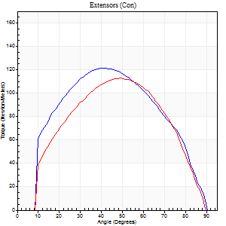
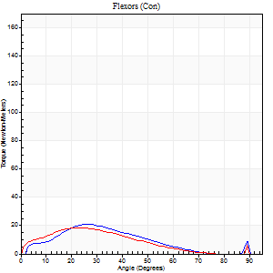
Right Side Curves Left Side Curves
Isokinetic Con/Con |  |  |  | Extensors (Con) |  | Flexors (Con)
Speed 120/120 d/s 3 Reps |  |  |  | Value | Cof Var | %BW | Value | Cof Var | %BW | Ratio

TORQUE PARAMETERS
Peak Torque (Newton-Meters - Best Repetition)
Right |  |  |  | 122 | 0.05 | 185 | 20 | 0.24 | 30 | 17
Left |  |  |  | 113 | 0.09 | 170 | 18 | 0.16 | 27 | 16
Deficit |  |  |  | 8 |  |  | 13
Work per Repetition (Newton-Meters - Best Repetition)
Right |  |  |  | 126 | 0.05 | 191 | 15 | 0.14 | 24 | 12
Left |  |  |  | 113 | 0.12 | 170 | 16 | 0.18 | 24 | 14
Deficit |  |  |  | 11 |  |  | 8
Average Power per Repetition (Watts - Best Repetition)
Right |  |  |  | 150 | 0.29 | 226 | 17 | 0.13 | 26 | 11
Left |  |  |  | 135 | 0.18 | 204 | 18 | 0.16 | 26 | 13
Deficit |  |  |  | 10 |  |  | 6
POSITION PARAMETERS
Joint Angle at Peak Torque (Degrees)
Right |  |  |  | 41 | 0.01 |  | 24 | 0.08
Left |  |  |  | 46 | 0.07 |  | 24 | 0.2
Range of Motion (Degrees)
Right |  |  |  | 1 | 0.87 |  | 90 | 0.01
Left |  |  |  | 1 | 0 |  | 90 | 0.01
TIME PARAMETERS
Time to Peak Torque (Seconds)
Right |  |  |  | 0.47 | 0.02 |  | 0.24 | 0.07
Left |  |  |  | 0.39 | 0.05 |  | 0.29 | 0.16
Time Peak Torque Held (Seconds)
Right |  |  |  | 0.03 | 0 |  | 0.02 | 1.25
Left |  |  |  | 0.02 | 0.65 |  | 0.04 | 1.15
Force Decay Time (Seconds)
Right |  |  |  | 0.34 | 0.07 |  | 0.57 | 0.05
Left |  |  |  | 0.41 | 0.1 |  | 0.53 | 0.16
Reciprocal Delay (Seconds)
Right |  |  |  | 0.08 | 0.47 |  | 0.09 | 0.44
Left |  |  |  | 0.08 | 0.35 |  | 0.1 | 0.12
Delay Time (Seconds)
Right |  |  |  | -0.03 | 0 |  | 0.01 | 1.73
Left |  |  |  | -0.01 | -0.47 |  | -0.02 | -0.5
HUMAC2015® Version: 15.000.0074 © Computer Sports Medicine, Inc. www.csmisolutions.com

Use File, Preference to set Report Heading
Long Form Torque vs. Position Report - Knee Extension/Flexion
Name: |  |  |  | TR030_FP3056, | ID: | TR030 | Right/Left: | 05.10.2022 05.10.2022
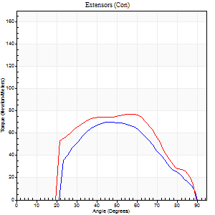
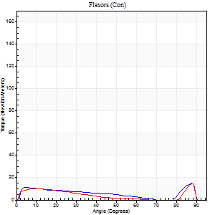
Right Side Curves Left Side Curves
Isokinetic Con/Con |  |  |  | Extensors (Con) |  | Flexors (Con)
Speed 240/240 d/s 3 Reps |  |  |  | Value | Cof Var | %BW | Value | Cof Var | %BW | Ratio

TORQUE PARAMETERS
Peak Torque (Newton-Meters - Best Repetition)
Right |  |  |  | 69 | 0.33 | 104 | 15 | 0.23 | 24 | 22
Left |  |  |  | 77 | 0.06 | 116 | 15 | 0.3 | 24 | 19
Deficit |  |  |  | 11 |  |  | 0
Work per Repetition (Newton-Meters - Best Repetition)
Right |  |  |  | 58 | 0.41 | 89 | 7 | 0.89 | 9 | 12
Left |  |  |  | 71 | 0.03 | 107 | 7 | 0.08 | 9 | 10
Deficit |  |  |  | 17 |  |  | 0
Average Power per Repetition (Watts - Best Repetition)
Right |  |  |  | 103 | 0.88 | 156 | 10 | 0.12 | 15 | 10
Left |  |  |  | 141 | 0.05 | 213 | 11 | 0.08 | 18 | 8
Deficit |  |  |  | 27 |  |  | 9
POSITION PARAMETERS
Joint Angle at Peak Torque (Degrees)
Right |  |  |  | 53 | 0.14 |  | 62 | 0.7
Left |  |  |  | 52 | 0.14 |  | 35 | 1.31
Range of Motion (Degrees)
Right |  |  |  | 2 | 0.2 |  | 90 | 0
Left |  |  |  | 1 | 0.32 |  | 89 | 0.01
TIME PARAMETERS
Time to Peak Torque (Seconds)
Right |  |  |  | 0.32 | 0.07 |  | 0.14 | 0.25
Left |  |  |  | 0.21 | 0 |  | 0.29 | 0.85
Time Peak Torque Held (Seconds)
Right |  |  |  | 0.01 | 1 |  | 0 | 0
Left |  |  |  | 0.01 | 1 |  | 0 | 1.73
Force Decay Time (Seconds)
Right |  |  |  | 0.26 | 0.13 |  | 0.17 | 1.28
Left |  |  |  | 0.27 | 0.17 |  | 0.32 | 0.78
Reciprocal Delay (Seconds)
Right |  |  |  | 0.09 | 0.22 |  | 0.06 | 0.2
Left |  |  |  | 0.05 | 0.28 |  | 0.07 | 0.21
Delay Time (Seconds)
Right |  |  |  | -0.05 | -0.13 |  | 0.25 | 0.97
Left |  |  |  | -0.02 | 0 |  | -0.03 | -0.22
HUMAC2015® Version: 15.000.0074 © Computer Sports Medicine, Inc. www.csmisolutions.com

Use File, Preference to set Report Heading
Isometric - Knee Extension/Flexion
Name: |  |  |  | TR030_FP3056, | ID: | TR030 | Right/Left: | 05.10.2022 05.10.2022

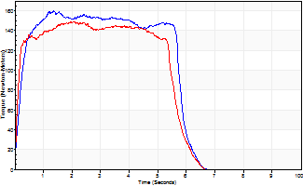
Isometric Extensors (Con) Angle 60 Time 10 Repetition 2 (Best Repetition)
 | Value | Cof Var | %BW
Peak Torque (Newton-Meters)
Right | 160 | 0.06 | 241
Left | 149 | 0.04 | 226
Deficit | 7
Average Torque (Newton-Meters)
Right | 85 | 0.15 | 128
Left | 79 | 0.02 | 119
Deficit | 8
Peak Torque Slope (Newton-Meters/Seconds)
Right | 137 | 0.11 | 207
Left | 71 | 0.49 | 108 |  | Right Side Curves Left Side Curves
Deficit | 48
Time to Half Peak Torque (Seconds)
Right | 0.17 | 0.25
Left | 0.11 | 0.07
Time to Peak Torque (Seconds)
Right | 1.21 | 0.18
Left | 3.07 | 0.45
HUMAC2015® Version: 15.000.0074 © Computer Sports Medicine, Inc. www.csmisolutions.com

mid1
Use File, Preference to set Report Heading
Long Form Torque vs. Position Report - Knee Extension/Flexion
Name: |  |  |  | TR030_FP3056, | ID: | TR030 | Right/Left: | 11.11.2022 11.11.2022
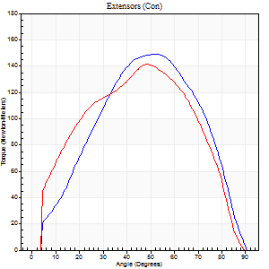
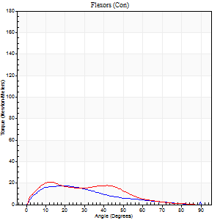
Right Side Curves Left Side Curves
Isokinetic Con/Con |  |  |  | Extensors (Con) |  | Flexors (Con)
Speed 60/60 d/s 3 Reps |  |  |  | Value | Cof Var | %BW | Value | Cof Var | %BW | Ratio

TORQUE PARAMETERS
Peak Torque (Newton-Meters - Best Repetition)
Right |  |  |  | 149 | 0.04 | 226 | 18 | 0.12 | 27 | 12
Left |  |  |  | 141 | 0.04 | 215 | 20 | 0.21 | 30 | 14
Deficit |  |  |  | 5 |  |  | 13
Work per Repetition (Newton-Meters - Best Repetition)
Right |  |  |  | 145 | 0.01 | 221 | 15 | 0.09 | 24 | 10
Left |  |  |  | 145 | 0.02 | 221 | 16 | 0.29 | 24 | 11
Deficit |  |  |  | 0 |  |  | 8
Average Power per Repetition (Watts - Best Repetition)
Right |  |  |  | 93 | 0.02 | 141 | 9 | 0.08 | 13 | 10
Left |  |  |  | 92 | 0.02 | 138 | 11 | 0.32 | 18 | 12
Deficit |  |  |  | 1 |  |  | 18
POSITION PARAMETERS
Joint Angle at Peak Torque (Degrees)
Right |  |  |  | 52 | 0 |  | 21 | 0.57
Left |  |  |  | 47 | 0.1 |  | 13 | 0.1
Range of Motion (Degrees)
Right |  |  |  | 0 | 0.47 |  | 90 | 0
Left |  |  |  | 0 | 0.57 |  | 90 | 0
TIME PARAMETERS
Time to Peak Torque (Seconds)
Right |  |  |  | 0.66 | 0 |  | 0.39 | 0.47
Left |  |  |  | 0.79 | 0.11 |  | 0.24 | 0.09
Time Peak Torque Held (Seconds)
Right |  |  |  | 0.08 | 0.33 |  | 0.02 | 1.25
Left |  |  |  | 0.04 | 0.74 |  | 0.01 | 1.73
Force Decay Time (Seconds)
Right |  |  |  | 0.81 | 0.03 |  | 1.15 | 0.21
Left |  |  |  | 0.76 | 0.1 |  | 1.34 | 0.05
Reciprocal Delay (Seconds)
Right |  |  |  | 0.18 | 0.16 |  | 0.19 | 0.11
Left |  |  |  | 0.12 | 0.12 |  | 0.19 | 0.12
Delay Time (Seconds)
Right |  |  |  | -0.02 | 0 |  | 0 | 0
Left |  |  |  | -0.01 | 0 |  | 0 | 0
HUMAC2015® Version: 15.000.0074 © Computer Sports Medicine, Inc. www.csmisolutions.com

Use File, Preference to set Report Heading
Long Form Torque vs. Position Report - Knee Extension/Flexion
Name: |  |  |  | TR030_FP3056, | ID: | TR030 | Right/Left: | 11.11.2022 11.11.2022
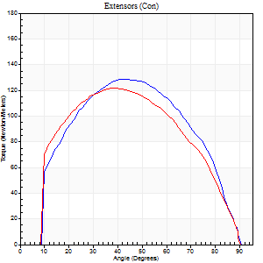
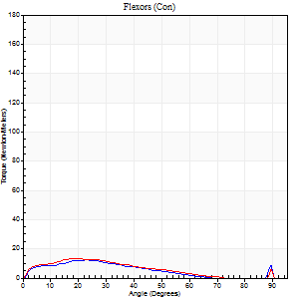
Right Side Curves Left Side Curves
Isokinetic Con/Con |  |  |  | Extensors (Con) |  | Flexors (Con)
Speed 120/120 d/s 3 Reps |  |  |  | Value | Cof Var | %BW | Value | Cof Var | %BW | Ratio

TORQUE PARAMETERS
Peak Torque (Newton-Meters - Best Repetition)
Right |  |  |  | 129 | 0.09 | 197 | 12 | 0.04 | 18 | 9
Left |  |  |  | 122 | 0.01 | 185 | 14 | 0.05 | 21 | 11
Deficit |  |  |  | 5 |  |  | 10
Work per Repetition (Newton-Meters - Best Repetition)
Right |  |  |  | 134 | 0.14 | 203 | 9 | 0.04 | 15 | 7
Left |  |  |  | 129 | 0.02 | 197 | 9 | 0.05 | 15 | 7
Deficit |  |  |  | 4 |  |  | 0
Average Power per Repetition (Watts - Best Repetition)
Right |  |  |  | 160 | 0.19 | 242 | 11 | 0.13 | 18 | 7
Left |  |  |  | 157 | 0.03 | 237 | 11 | 0.05 | 18 | 7
Deficit |  |  |  | 2 |  |  | 0
POSITION PARAMETERS
Joint Angle at Peak Torque (Degrees)
Right |  |  |  | 42 | 0.06 |  | 24 | 0.05
Left |  |  |  | 40 | 0.05 |  | 21 | 0.13
Range of Motion (Degrees)
Right |  |  |  | 1 | 0 |  | 90 | 0
Left |  |  |  | 1 | 0 |  | 90 | 0
TIME PARAMETERS
Time to Peak Torque (Seconds)
Right |  |  |  | 0.45 | 0.03 |  | 0.28 | 0.16
Left |  |  |  | 0.47 | 0.02 |  | 0.25 | 0.05
Time Peak Torque Held (Seconds)
Right |  |  |  | 0.03 | 0.33 |  | 0.01 | 1.15
Left |  |  |  | 0.03 | 0.57 |  | 0.02 | 0.25
Force Decay Time (Seconds)
Right |  |  |  | 0.34 | 0.03 |  | 0.58 | 0.08
Left |  |  |  | 0.33 | 0.06 |  | 0.59 | 0.12
Reciprocal Delay (Seconds)
Right |  |  |  | 0.11 | 0.2 |  | 0.13 | 0.77
Left |  |  |  | 0.1 | 0.14 |  | 0.09 | 0.16
Delay Time (Seconds)
Right |  |  |  | -0.02 | -0.28 |  | 0 | -9.64
Left |  |  |  | -0.01 | -0.47 |  | -0.01 | -1.73
HUMAC2015® Version: 15.000.0074 © Computer Sports Medicine, Inc. www.csmisolutions.com

Use File, Preference to set Report Heading
Long Form Torque vs. Position Report - Knee Extension/Flexion
Name: |  |  |  | TR030_FP3056, | ID: | TR030 | Right/Left: | 11.11.2022 11.11.2022
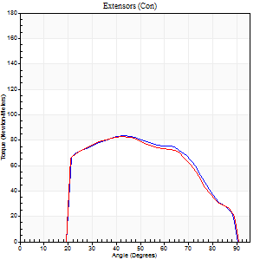
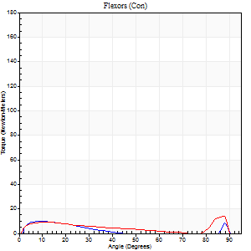
Right Side Curves Left Side Curves
Isokinetic Con/Con |  |  |  | Extensors (Con) |  | Flexors (Con)
Speed 240/240 d/s 3 Reps |  |  |  | Value | Cof Var | %BW | Value | Cof Var | %BW | Ratio

TORQUE PARAMETERS
Peak Torque (Newton-Meters - Best Repetition)
Right |  |  |  | 84 | 0.03 | 128 | 9 | 0.11 | 15 | 11
Left |  |  |  | 83 | 0.03 | 125 | 15 | 0.25 | 24 | 18
Deficit |  |  |  | 2 |  |  | 36
Work per Repetition (Newton-Meters - Best Repetition)
Right |  |  |  | 81 | 0.04 | 122 | 5 | 0.17 | 9 | 7
Left |  |  |  | 80 | 0.05 | 122 | 8 | 0.17 | 12 | 10
Deficit |  |  |  | 2 |  |  | 33
Average Power per Repetition (Watts - Best Repetition)
Right |  |  |  | 147 | 0.06 | 222 | 8 | 0.22 | 13 | 5
Left |  |  |  | 153 | 0.05 | 233 | 13 | 0.21 | 20 | 8
Deficit |  |  |  | 4 |  |  | 38
POSITION PARAMETERS
Joint Angle at Peak Torque (Degrees)
Right |  |  |  | 43 | 0.05 |  | 9 | 0.47
Left |  |  |  | 39 | 0.07 |  | 63 | 0.69
Range of Motion (Degrees)
Right |  |  |  | 1 | 0.2 |  | 90 | 0
Left |  |  |  | 1 | 0.04 |  | 89 | 0.01
TIME PARAMETERS
Time to Peak Torque (Seconds)
Right |  |  |  | 0.28 | 0.05 |  | 0.14 | 0.43
Left |  |  |  | 0.3 | 0.05 |  | 0.46 | 0.47
Time Peak Torque Held (Seconds)
Right |  |  |  | 0.01 | 0.87 |  | 0.04 | 0.87
Left |  |  |  | 0.01 | 0.43 |  | 0 | 1.73
Force Decay Time (Seconds)
Right |  |  |  | 0.24 | 0.02 |  | 0.48 | 0.23
Left |  |  |  | 0.2 | 0.05 |  | 0.16 | 1.47
Reciprocal Delay (Seconds)
Right |  |  |  | 0.07 | 0.2 |  | 0.09 | 0.11
Left |  |  |  | 0.06 | 0.24 |  | 0.06 | 0.09
Delay Time (Seconds)
Right |  |  |  | -0.03 | 0 |  | -0.01 | -0.87
Left |  |  |  | -0.02 | -0.28 |  | -0.02 | -0.25
HUMAC2015® Version: 15.000.0074 © Computer Sports Medicine, Inc. www.csmisolutions.com

Use File, Preference to set Report Heading
Isometric - Knee Extension/Flexion
Name: |  |  |  | TR030_FP3056, | ID: | TR030 | Right/Left: | 11.11.2022 11.11.2022

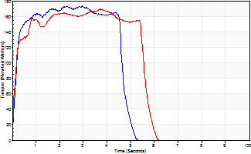
Isometric Extensors (Con) Angle 60 Time 10 Repetition 2 (Best Repetition)
 | Value | Cof Var | %BW
Peak Torque (Newton-Meters)
Right | 174 | 0.04 | 262
Left | 170 | 0.05 | 256
Deficit | 2
Average Torque (Newton-Meters)
Right | 75 | 0.04 | 113
Left | 87 | 0.07 | 131
Deficit | 14
Peak Torque Slope (Newton-Meters/Seconds)
Right | 58 | 0.24 | 88
Left | 45 | 0.01 | 69 |  | Right Side Curves Left Side Curves
Deficit | 22
Time to Half Peak Torque (Seconds)
Right | 0.15 | 0.09
Left | 0.14 | 0
Time to Peak Torque (Seconds)
Right | 3.45 | 0.2
Left | 3.6 | 0.05
HUMAC2015® Version: 15.000.0074 © Computer Sports Medicine, Inc. www.csmisolutions.com

mid2
Use File, Preference to set Report Heading
Long Form Torque vs. Position Report - Knee Extension/Flexion
Name: |  |  |  | TR030_FP3056, | ID: | TR030 | Right/Left: | 14.11.2022 14.11.2022
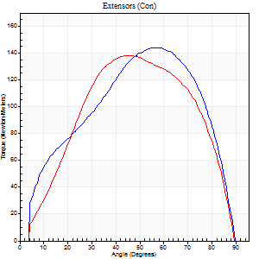
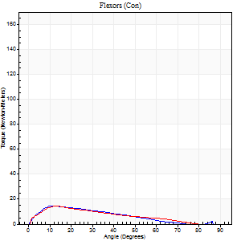
Right Side Curves Left Side Curves
Isokinetic Con/Con |  |  |  | Extensors (Con) |  | Flexors (Con)
Speed 60/60 d/s 3 Reps |  |  |  | Value | Cof Var | %BW | Value | Cof Var | %BW | Ratio

TORQUE PARAMETERS
Peak Torque (Newton-Meters - Best Repetition)
Right |  |  |  | 144 | 0.01 | 218 | 15 | 0.2 | 24 | 10
Left |  |  |  | 138 | 0.02 | 209 | 15 | 0.01 | 24 | 11
Deficit |  |  |  | 4 |  |  | 0
Work per Repetition (Newton-Meters - Best Repetition)
Right |  |  |  | 149 | 0.07 | 226 | 11 | 0.22 | 18 | 7
Left |  |  |  | 141 | 0.1 | 215 | 11 | 0.07 | 18 | 8
Deficit |  |  |  | 5 |  |  | 0
Average Power per Repetition (Watts - Best Repetition)
Right |  |  |  | 97 | 0.07 | 147 | 7 | 0.19 | 11 | 7
Left |  |  |  | 93 | 0.1 | 141 | 7 | 0.1 | 11 | 8
Deficit |  |  |  | 4 |  |  | 0
POSITION PARAMETERS
Joint Angle at Peak Torque (Degrees)
Right |  |  |  | 54 | 0.04 |  | 19 | 0.57
Left |  |  |  | 48 | 0.13 |  | 14 | 0.05
Range of Motion (Degrees)
Right |  |  |  | 1 | 0.06 |  | 90 | 0
Left |  |  |  | 1 | 0.57 |  | 90 | 0
TIME PARAMETERS
Time to Peak Torque (Seconds)
Right |  |  |  | 0.6 | 0.08 |  | 0.35 | 0.5
Left |  |  |  | 0.76 | 0.02 |  | 0.25 | 0.02
Time Peak Torque Held (Seconds)
Right |  |  |  | 0.05 | 0.49 |  | 0.01 | 1.73
Left |  |  |  | 0.05 | 0.33 |  | 0.01 | 1.73
Force Decay Time (Seconds)
Right |  |  |  | 0.87 | 0.04 |  | 1.21 | 0.21
Left |  |  |  | 0.76 | 0.11 |  | 1.35 | 0.04
Reciprocal Delay (Seconds)
Right |  |  |  | 0.16 | 0.18 |  | 0.1 | 0.15
Left |  |  |  | 0.25 | 0.4 |  | 0.11 | 0.33
Delay Time (Seconds)
Right |  |  |  | 0 | 0 |  | -0.01 | -6.93
Left |  |  |  | 0 | 1.41 |  | -0.01 | -2.41
HUMAC2015® Version: 15.000.0074 © Computer Sports Medicine, Inc. www.csmisolutions.com

Use File, Preference to set Report Heading
Long Form Torque vs. Position Report - Knee Extension/Flexion
Name: |  |  |  | TR030_FP3056, | ID: | TR030 | Right/Left: | 14.11.2022 14.11.2022
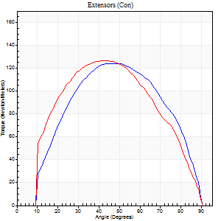
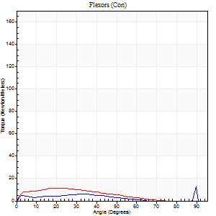
Right Side Curves Left Side Curves
Isokinetic Con/Con |  |  |  | Extensors (Con) |  | Flexors (Con)
Speed 120/120 d/s 3 Reps |  |  |  | Value | Cof Var | %BW | Value | Cof Var | %BW | Ratio

TORQUE PARAMETERS
Peak Torque (Newton-Meters - Best Repetition)
Right |  |  |  | 125 | 0.03 | 188 | 15 | 0.17 | 24 | 12
Left |  |  |  | 126 | 0.02 | 191 | 12 | 0.23 | 18 | 10
Deficit |  |  |  | 1 |  |  | 18
Work per Repetition (Newton-Meters - Best Repetition)
Right |  |  |  | 130 | 0.09 | 197 | 8 | 0.95 | 12 | 6
Left |  |  |  | 129 | 0.03 | 197 | 8 | 0.49 | 12 | 6
Deficit |  |  |  | 1 |  |  | 0
Average Power per Repetition (Watts - Best Repetition)
Right |  |  |  | 159 | 0.11 | 242 | 10 | 0.95 | 15 | 6
Left |  |  |  | 155 | 0.07 | 235 | 10 | 0.57 | 15 | 6
Deficit |  |  |  | 3 |  |  | 0
POSITION PARAMETERS
Joint Angle at Peak Torque (Degrees)
Right |  |  |  | 47 | 0.07 |  | 69 | 0.54
Left |  |  |  | 42 | 0.08 |  | 16 | 0.53
Range of Motion (Degrees)
Right |  |  |  | 1 | 0.03 |  | 90 | 0
Left |  |  |  | 1 | 0.05 |  | 90 | 0
TIME PARAMETERS
Time to Peak Torque (Seconds)
Right |  |  |  | 0.41 | 0.02 |  | 0.54 | 0.74
Left |  |  |  | 0.45 | 0.05 |  | 0.22 | 0.29
Time Peak Torque Held (Seconds)
Right |  |  |  | 0.03 | 0.33 |  | 0 | 1.73
Left |  |  |  | 0.02 | 0.49 |  | 0 | 0
Force Decay Time (Seconds)
Right |  |  |  | 0.38 | 0.11 |  | 0.16 | 2.17
Left |  |  |  | 0.36 | 0.06 |  | 0.75 | 0.32
Reciprocal Delay (Seconds)
Right |  |  |  | 0.11 | 0.18 |  | 0.07 | 0
Left |  |  |  | 0.1 | 0.34 |  | 0.1 | 0.12
Delay Time (Seconds)
Right |  |  |  | -0.01 | 0 |  | 0.22 | 1.69
Left |  |  |  | -0.01 | 0 |  | -0.02 | -0.5
HUMAC2015® Version: 15.000.0074 © Computer Sports Medicine, Inc. www.csmisolutions.com

Use File, Preference to set Report Heading
Long Form Torque vs. Position Report - Knee Extension/Flexion
Name: |  |  |  | TR030_FP3056, | ID: | TR030 | Right/Left: | 14.11.2022 14.11.2022
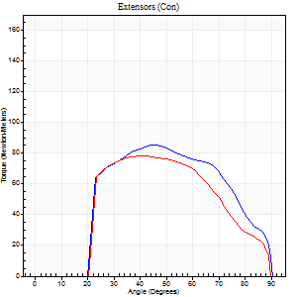
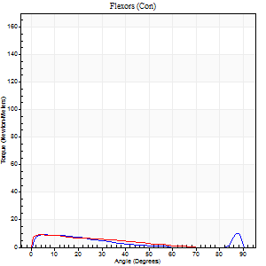
Right Side Curves Left Side Curves
Isokinetic Con/Con |  |  |  | Extensors (Con) |  | Flexors (Con)
Speed 240/240 d/s 3 Reps |  |  |  | Value | Cof Var | %BW | Value | Cof Var | %BW | Ratio

TORQUE PARAMETERS
Peak Torque (Newton-Meters - Best Repetition)
Right |  |  |  | 85 | 0.02 | 128 | 9 | 0.27 | 15 | 11
Left |  |  |  | 79 | 0.05 | 119 | 9 | 0.1 | 15 | 12
Deficit |  |  |  | 8 |  |  | 0
Work per Repetition (Newton-Meters - Best Repetition)
Right |  |  |  | 81 | 0.02 | 122 | 5 | 0.46 | 9 | 7
Left |  |  |  | 73 | 0.05 | 110 | 5 | 0.34 | 9 | 7
Deficit |  |  |  | 10 |  |  | 0
Average Power per Repetition (Watts - Best Repetition)
Right |  |  |  | 149 | 0.09 | 226 | 8 | 0.53 | 13 | 5
Left |  |  |  | 132 | 0.06 | 200 | 9 | 0.46 | 13 | 7
Deficit |  |  |  | 11 |  |  | 11
POSITION PARAMETERS
Joint Angle at Peak Torque (Degrees)
Right |  |  |  | 45 | 0.01 |  | 32 | 1.47
Left |  |  |  | 43 | 0.04 |  | 36 | 1.33
Range of Motion (Degrees)
Right |  |  |  | 0 | 0.85 |  | 90 | 0
Left |  |  |  | 1 | 0.42 |  | 90 | 0
TIME PARAMETERS
Time to Peak Torque (Seconds)
Right |  |  |  | 0.29 | 0.07 |  | 0.3 | 1.05
Left |  |  |  | 0.3 | 0.05 |  | 0.43 | 0.95
Time Peak Torque Held (Seconds)
Right |  |  |  | 0.01 | 0.87 |  | 0 | 0
Left |  |  |  | 0.01 | 0 |  | 0.02 | 0.99
Force Decay Time (Seconds)
Right |  |  |  | 0.26 | 0.12 |  | 0.46 | 0.78
Left |  |  |  | 0.25 | 0.07 |  | 0.31 | 0.95
Reciprocal Delay (Seconds)
Right |  |  |  | 0.12 | 0.4 |  | 0.14 | 0.57
Left |  |  |  | 0.16 | 0.23 |  | 0.11 | 0.24
Delay Time (Seconds)
Right |  |  |  | -0.04 | -0.61 |  | -0.04 | -0.5
Left |  |  |  | -0.04 | -0.35 |  | -0.05 | -0.33
HUMAC2015® Version: 15.000.0074 © Computer Sports Medicine, Inc. www.csmisolutions.com

Use File, Preference to set Report Heading
Isometric - Knee Extension/Flexion
Name: |  |  |  | TR030_FP3056, | ID: | TR030 | Right/Left: | 14.11.2022 14.11.2022

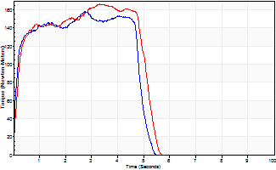
Isometric Extensors (Con) Angle 60 Time 10 Repetition 2 (Best Repetition)
 | Value | Cof Var | %BW
Peak Torque (Newton-Meters)
Right | 157 | 0.03 | 238
Left | 167 | 0.06 | 253
Deficit | 6
Average Torque (Newton-Meters)
Right | 71 | 0.1 | 107
Left | 76 | 0.03 | 116
Deficit | 7
Peak Torque Slope (Newton-Meters/Seconds)
Right | 57 | 0.28 | 87
Left | 53 | 0.04 | 80 |  | Right Side Curves Left Side Curves
Deficit | 8
Time to Half Peak Torque (Seconds)
Right | 0.14 | 0.2
Left | 0.2 | 0.14
Time to Peak Torque (Seconds)
Right | 3.32 | 0.25
Left | 3.09 | 0.1
HUMAC2015® Version: 15.000.0074 © Computer Sports Medicine, Inc. www.csmisolutions.com

post1
Use File, Preference to set Report Heading
Long Form Torque vs. Position Report - Knee Extension/Flexion
Name: |  |  |  | TR030_FP3056, | ID: | TR030 | Right/Left: | 07.12.2022 07.12.2022
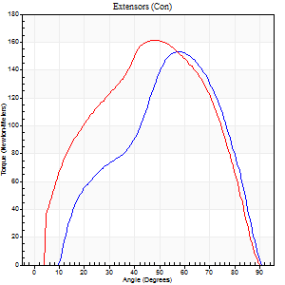
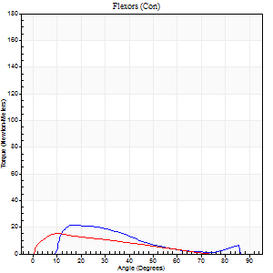
Right Side Curves Left Side Curves
Isokinetic Con/Con |  |  |  | Extensors (Con) |  | Flexors (Con)
Speed 60/60 d/s 3 Reps |  |  |  | Value | Cof Var | %BW | Value | Cof Var | %BW | Ratio

TORQUE PARAMETERS
Peak Torque (Newton-Meters - Best Repetition)
Right |  |  |  | 153 | 0.02 | 232 | 22 | 0.22 | 33 | 14
Left |  |  |  | 161 | 0.08 | 244 | 15 | 0.01 | 24 | 9
Deficit |  |  |  | 5 |  |  | 31
Work per Repetition (Newton-Meters - Best Repetition)
Right |  |  |  | 157 | 0.1 | 238 | 14 | 0.15 | 21 | 9
Left |  |  |  | 164 | 0.07 | 247 | 11 | 0.01 | 18 | 7
Deficit |  |  |  | 4 |  |  | 20
Average Power per Repetition (Watts - Best Repetition)
Right |  |  |  | 103 | 0.06 | 156 | 9 | 0.2 | 13 | 9
Left |  |  |  | 104 | 0.06 | 158 | 7 | 0.03 | 11 | 7
Deficit |  |  |  | 1 |  |  | 22
POSITION PARAMETERS
Joint Angle at Peak Torque (Degrees)
Right |  |  |  | 55 | 0.04 |  | 14 | 0.17
Left |  |  |  | 50 | 0.05 |  | 12 | 0.06
Range of Motion (Degrees)
Right |  |  |  | 2 | 0.92 |  | 90 | 0
Left |  |  |  | 0 | 1.24 |  | 90 | 0
TIME PARAMETERS
Time to Peak Torque (Seconds)
Right |  |  |  | 0.61 | 0.04 |  | 0.19 | 0.19
Left |  |  |  | 0.7 | 0.04 |  | 0.22 | 0.05
Time Peak Torque Held (Seconds)
Right |  |  |  | 0.07 | 0.38 |  | 0.04 | 0.25
Left |  |  |  | 0.06 | 0.1 |  | 0.01 | 1.73
Force Decay Time (Seconds)
Right |  |  |  | 0.79 | 0.04 |  | 1.26 | 0.04
Left |  |  |  | 0.8 | 0.04 |  | 1.34 | 0.02
Reciprocal Delay (Seconds)
Right |  |  |  | 0.17 | 0.13 |  | 0.07 | 0.14
Left |  |  |  | 0.16 | 0 |  | 0.14 | 0.72
Delay Time (Seconds)
Right |  |  |  | 0 | 1.41 |  | -0.01 | -5.27
Left |  |  |  | 0 | -1.41 |  | -0.01 | -1.73
HUMAC2015® Version: 15.000.0074 © Computer Sports Medicine, Inc. www.csmisolutions.com

Use File, Preference to set Report Heading
Long Form Torque vs. Position Report - Knee Extension/Flexion
Name: |  |  |  | TR030_FP3056, | ID: | TR030 | Right/Left: | 07.12.2022 07.12.2022
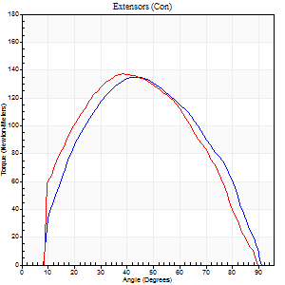
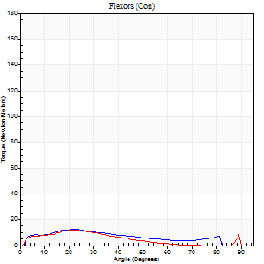
Right Side Curves Left Side Curves
Isokinetic Con/Con |  |  |  | Extensors (Con) |  | Flexors (Con)
Speed 120/120 d/s 3 Reps |  |  |  | Value | Cof Var | %BW | Value | Cof Var | %BW | Ratio

TORQUE PARAMETERS
Peak Torque (Newton-Meters - Best Repetition)
Right |  |  |  | 136 | 0.04 | 206 | 12 | 0.07 | 18 | 9
Left |  |  |  | 137 | 0.06 | 209 | 12 | 0.04 | 18 | 9
Deficit |  |  |  | 1 |  |  | 0
Work per Repetition (Newton-Meters - Best Repetition)
Right |  |  |  | 136 | 0.02 | 206 | 11 | 0.2 | 18 | 8
Left |  |  |  | 134 | 0.02 | 203 | 8 | 0.07 | 12 | 6
Deficit |  |  |  | 1 |  |  | 25
Average Power per Repetition (Watts - Best Repetition)
Right |  |  |  | 168 | 0.04 | 255 | 12 | 0.23 | 18 | 7
Left |  |  |  | 162 | 0.02 | 246 | 10 | 0.08 | 15 | 6
Deficit |  |  |  | 4 |  |  | 17
POSITION PARAMETERS
Joint Angle at Peak Torque (Degrees)
Right |  |  |  | 44 | 0.05 |  | 23 | 0.09
Left |  |  |  | 39 | 0.01 |  | 22 | 0.01
Range of Motion (Degrees)
Right |  |  |  | 1 | 0.03 |  | 90 | 0
Left |  |  |  | 1 | 0.05 |  | 90 | 0.01
TIME PARAMETERS
Time to Peak Torque (Seconds)
Right |  |  |  | 0.42 | 0.03 |  | 0.24 | 0.13
Left |  |  |  | 0.47 | 0 |  | 0.26 | 0.04
Time Peak Torque Held (Seconds)
Right |  |  |  | 0.03 | 0.58 |  | 0.01 | 1
Left |  |  |  | 0.02 | 0.5 |  | 0.01 | 1
Force Decay Time (Seconds)
Right |  |  |  | 0.35 | 0.02 |  | 0.58 | 0.04
Left |  |  |  | 0.33 | 0.03 |  | 0.58 | 0.01
Reciprocal Delay (Seconds)
Right |  |  |  | 0.09 | 0.16 |  | 0.06 | 0.09
Left |  |  |  | 0.08 | 0.09 |  | 0.08 | 0.08
Delay Time (Seconds)
Right |  |  |  | -0.01 | 0 |  | 0.01 | 1.73
Left |  |  |  | -0.01 | -0.47 |  | -0.01 | 0
HUMAC2015® Version: 15.000.0074 © Computer Sports Medicine, Inc. www.csmisolutions.com

Use File, Preference to set Report Heading
Long Form Torque vs. Position Report - Knee Extension/Flexion
Name: |  |  |  | TR030_FP3056, | ID: | TR030 | Right/Left: | 07.12.2022 07.12.2022
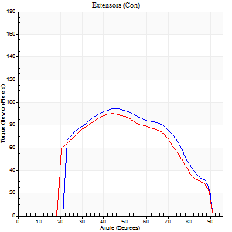
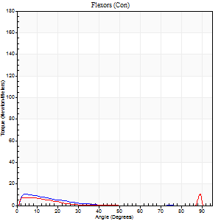
Right Side Curves Left Side Curves
Isokinetic Con/Con |  |  |  | Extensors (Con) |  | Flexors (Con)
Speed 240/240 d/s 3 Reps |  |  |  | Value | Cof Var | %BW | Value | Cof Var | %BW | Ratio

TORQUE PARAMETERS
Peak Torque (Newton-Meters - Best Repetition)
Right |  |  |  | 95 | 0.07 | 143 | 11 | 0.14 | 18 | 11
Left |  |  |  | 89 | 0.04 | 137 | 11 | 0.17 | 18 | 12
Deficit |  |  |  | 6 |  |  | 0
Work per Repetition (Newton-Meters - Best Repetition)
Right |  |  |  | 88 | 0.06 | 134 | 7 | 0.3 | 9 | 8
Left |  |  |  | 85 | 0.05 | 128 | 5 | 0.34 | 9 | 6
Deficit |  |  |  | 3 |  |  | 20
Average Power per Repetition (Watts - Best Repetition)
Right |  |  |  | 173 | 0.05 | 262 | 12 | 0.37 | 18 | 7
Left |  |  |  | 163 | 0.07 | 246 | 9 | 0.48 | 13 | 6
Deficit |  |  |  | 6 |  |  | 25
POSITION PARAMETERS
Joint Angle at Peak Torque (Degrees)
Right |  |  |  | 44 | 0.03 |  | 9 | 0.53
Left |  |  |  | 41 | 0.09 |  | 62 | 0.75
Range of Motion (Degrees)
Right |  |  |  | 2 | 0.11 |  | 90 | 0.01
Left |  |  |  | 1 | 0.03 |  | 90 | 0.01
TIME PARAMETERS
Time to Peak Torque (Seconds)
Right |  |  |  | 0.26 | 0.03 |  | 0.1 | 0.44
Left |  |  |  | 0.31 | 0.07 |  | 0.55 | 0.71
Time Peak Torque Held (Seconds)
Right |  |  |  | 0 | 1.73 |  | 0.03 | 0.57
Left |  |  |  | 0.01 | 0.87 |  | 0.02 | 1.38
Force Decay Time (Seconds)
Right |  |  |  | 0.22 | 0 |  | 0.45 | 0.22
Left |  |  |  | 0.21 | 0.1 |  | 0.14 | 1.67
Reciprocal Delay (Seconds)
Right |  |  |  | 0.06 | 0.33 |  | 0.06 | 0.2
Left |  |  |  | 0.15 | 0.05 |  | 0.06 | 0.2
Delay Time (Seconds)
Right |  |  |  | -0.02 | -0.28 |  | -0.01 | -1
Left |  |  |  | -0.04 | -0.2 |  | -0.02 | -0.25
HUMAC2015® Version: 15.000.0074 © Computer Sports Medicine, Inc. www.csmisolutions.com

Use File, Preference to set Report Heading
Isometric - Knee Extension/Flexion
Name: |  |  |  | TR030_FP3056, | ID: | TR030 | Right/Left: | 07.12.2022 07.12.2022

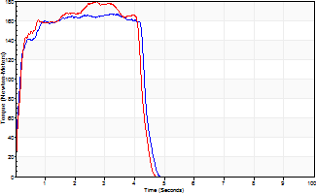
Isometric Extensors (Con) Angle 60 Time 10 Repetition 2 (Best Repetition)
 | Value | Cof Var | %BW
Peak Torque (Newton-Meters)
Right | 167 | 0 | 253
Left | 179 | 0.04 | 271
Deficit | 7
Average Torque (Newton-Meters)
Right | 68 | 0.01 | 101
Left | 68 | 0.08 | 101
Deficit | 0
Peak Torque Slope (Newton-Meters/Seconds)
Right | 52 | 0.04 | 78
Left | 66 | 0.08 | 100 |  | Right Side Curves Left Side Curves
Deficit | 21
Time to Half Peak Torque (Seconds)
Right | 0.11 | 0.06
Left | 0.17 | 0.08
Time to Peak Torque (Seconds)
Right | 3.3 | 0.04
Left | 2.79 | 0.04
HUMAC2015® Version: 15.000.0074 © Computer Sports Medicine, Inc. www.csmisolutions.com

post2
Use File, Preference to set Report Heading
Long Form Torque vs. Position Report - Knee Extension/Flexion
Name: |  |  |  | TR030_FP3056, | ID: | TR030 | Right/Left: | 09.12.2022 09.12.2022
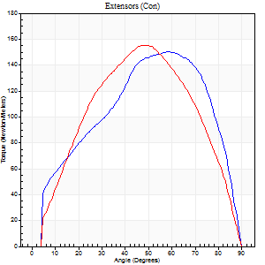
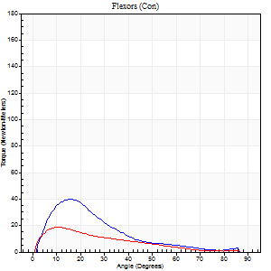
Right Side Curves Left Side Curves
Isokinetic Con/Con |  |  |  | Extensors (Con) |  | Flexors (Con)
Speed 60/60 d/s 3 Reps |  |  |  | Value | Cof Var | %BW | Value | Cof Var | %BW | Ratio

TORQUE PARAMETERS
Peak Torque (Newton-Meters - Best Repetition)
Right |  |  |  | 151 | 0.06 | 229 | 39 | 0.61 | 60 | 26
Left |  |  |  | 155 | 0.05 | 235 | 19 | 0.15 | 30 | 12
Deficit |  |  |  | 3 |  |  | 52
Work per Repetition (Newton-Meters - Best Repetition)
Right |  |  |  | 156 | 0.08 | 235 | 22 | 0.39 | 33 | 14
Left |  |  |  | 153 | 0.08 | 232 | 12 | 0.06 | 18 | 8
Deficit |  |  |  | 2 |  |  | 44
Average Power per Repetition (Watts - Best Repetition)
Right |  |  |  | 100 | 0.09 | 152 | 14 | 0.4 | 22 | 14
Left |  |  |  | 98 | 0.06 | 149 | 8 | 0.08 | 13 | 8
Deficit |  |  |  | 2 |  |  | 43
POSITION PARAMETERS
Joint Angle at Peak Torque (Degrees)
Right |  |  |  | 53 | 0.09 |  | 15 | 0.14
Left |  |  |  | 51 | 0.06 |  | 12 | 0.09
Range of Motion (Degrees)
Right |  |  |  | 0 | 0.94 |  | 90 | 0
Left |  |  |  | 0 | 0.61 |  | 90 | 0
TIME PARAMETERS
Time to Peak Torque (Seconds)
Right |  |  |  | 0.62 | 0.19 |  | 0.27 | 0.11
Left |  |  |  | 0.67 | 0.07 |  | 0.24 | 0.18
Time Peak Torque Held (Seconds)
Right |  |  |  | 0.05 | 0.33 |  | 0.02 | 1.32
Left |  |  |  | 0.04 | 0.13 |  | 0.03 | 0.57
Force Decay Time (Seconds)
Right |  |  |  | 0.88 | 0.12 |  | 1.24 | 0.03
Left |  |  |  | 0.84 | 0.05 |  | 1.33 | 0.02
Reciprocal Delay (Seconds)
Right |  |  |  | 0.16 | 0.05 |  | 0.19 | 0.11
Left |  |  |  | 0.19 | 0.07 |  | 0.15 | 0.35
Delay Time (Seconds)
Right |  |  |  | 0 | 0 |  | 0.01 | 2.29
Left |  |  |  | 0 | 0 |  | -0.03 | -1.21
HUMAC2015® Version: 15.000.0074 © Computer Sports Medicine, Inc. www.csmisolutions.com

Use File, Preference to set Report Heading
Long Form Torque vs. Position Report - Knee Extension/Flexion
Name: |  |  |  | TR030_FP3056, | ID: | TR030 | Right/Left: | 09.12.2022 09.12.2022
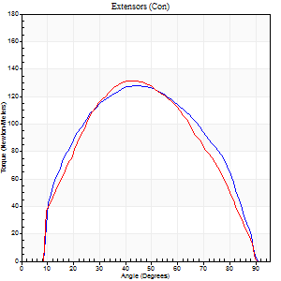
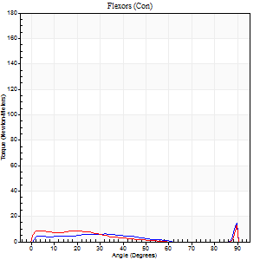
Right Side Curves Left Side Curves
Isokinetic Con/Con |  |  |  | Extensors (Con) |  | Flexors (Con)
Speed 120/120 d/s 3 Reps |  |  |  | Value | Cof Var | %BW | Value | Cof Var | %BW | Ratio

TORQUE PARAMETERS
Peak Torque (Newton-Meters - Best Repetition)
Right |  |  |  | 127 | 0.04 | 194 | 16 | 0.15 | 24 | 13
Left |  |  |  | 132 | 0.07 | 200 | 14 | 0.05 | 21 | 10
Deficit |  |  |  | 3 |  |  | 17
Work per Repetition (Newton-Meters - Best Repetition)
Right |  |  |  | 134 | 0.02 | 203 | 9 | 0.34 | 15 | 7
Left |  |  |  | 133 | 0.03 | 203 | 9 | 0.25 | 15 | 7
Deficit |  |  |  | 1 |  |  | 0
Average Power per Repetition (Watts - Best Repetition)
Right |  |  |  | 163 | 0.03 | 246 | 11 | 0.39 | 18 | 7
Left |  |  |  | 158 | 0.06 | 240 | 11 | 0.32 | 18 | 7
Deficit |  |  |  | 3 |  |  | 0
POSITION PARAMETERS
Joint Angle at Peak Torque (Degrees)
Right |  |  |  | 43 | 0.05 |  | 38 | 1.23
Left |  |  |  | 43 | 0.06 |  | 46 | 0.81
Range of Motion (Degrees)
Right |  |  |  | 1 | 0.51 |  | 90 | 0
Left |  |  |  | 1 | 0.15 |  | 90 | 0.01
TIME PARAMETERS
Time to Peak Torque (Seconds)
Right |  |  |  | 0.43 | 0.03 |  | 0.43 | 1.1
Left |  |  |  | 0.45 | 0.03 |  | 0.53 | 0.8
Time Peak Torque Held (Seconds)
Right |  |  |  | 0.04 | 0.31 |  | 0.09 | 1.55
Left |  |  |  | 0.03 | 0.35 |  | 0.02 | 0.87
Force Decay Time (Seconds)
Right |  |  |  | 0.36 | 0.02 |  | 0.37 | 0.94
Left |  |  |  | 0.37 | 0.09 |  | 0.34 | 0.94
Reciprocal Delay (Seconds)
Right |  |  |  | 0.12 | 0.62 |  | 0.12 | 0.62
Left |  |  |  | 0.15 | 0.47 |  | 0.11 | 0.38
Delay Time (Seconds)
Right |  |  |  | 0 | -1.41 |  | -0.02 | -2.2
Left |  |  |  | -0.01 | 0 |  | -0.02 | -0.35
HUMAC2015® Version: 15.000.0074 © Computer Sports Medicine, Inc. www.csmisolutions.com

Use File, Preference to set Report Heading
Long Form Torque vs. Position Report - Knee Extension/Flexion
Name: |  |  |  | TR030_FP3056, | ID: | TR030 | Right/Left: | 09.12.2022 09.12.2022
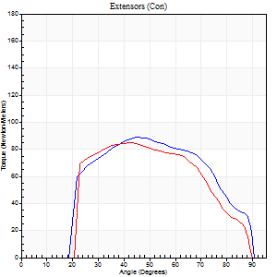
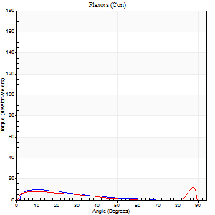
Right Side Curves Left Side Curves
Isokinetic Con/Con |  |  |  | Extensors (Con) |  | Flexors (Con)
Speed 240/240 d/s 3 Reps |  |  |  | Value | Cof Var | %BW | Value | Cof Var | %BW | Ratio

TORQUE PARAMETERS
Peak Torque (Newton-Meters - Best Repetition)
Right |  |  |  | 88 | 0.02 | 134 | 9 | 0.08 | 15 | 11
Left |  |  |  | 84 | 0.03 | 128 | 12 | 0.43 | 18 | 15
Deficit |  |  |  | 5 |  |  | 22
Work per Repetition (Newton-Meters - Best Repetition)
Right |  |  |  | 87 | 0.05 | 131 | 5 | 0.1 | 9 | 6
Left |  |  |  | 80 | 0.01 | 122 | 5 | 0.84 | 9 | 7
Deficit |  |  |  | 8 |  |  | 0
Average Power per Repetition (Watts - Best Repetition)
Right |  |  |  | 169 | 0.05 | 257 | 11 | 0.15 | 18 | 7
Left |  |  |  | 154 | 0.01 | 233 | 8 | 0.76 | 13 | 5
Deficit |  |  |  | 9 |  |  | 27
POSITION PARAMETERS
Joint Angle at Peak Torque (Degrees)
Right |  |  |  | 44 | 0.01 |  | 6 | 0.48
Left |  |  |  | 44 | 0.05 |  | 68 | 0.51
Range of Motion (Degrees)
Right |  |  |  | 2 | 0.18 |  | 90 | 0.01
Left |  |  |  | 1 | 0.04 |  | 90 | 0.01
TIME PARAMETERS
Time to Peak Torque (Seconds)
Right |  |  |  | 0.26 | 0.05 |  | 0.08 | 0.43
Left |  |  |  | 0.28 | 0.03 |  | 0.4 | 0.54
Time Peak Torque Held (Seconds)
Right |  |  |  | 0.01 | 0 |  | 0 | 0
Left |  |  |  | 0.02 | 0.35 |  | 0 | 0
Force Decay Time (Seconds)
Right |  |  |  | 0.22 | 0.03 |  | 0.48 | 0.13
Left |  |  |  | 0.22 | 0.07 |  | 0.15 | 1.5
Reciprocal Delay (Seconds)
Right |  |  |  | 0.05 | 0.13 |  | 0.05 | 0.11
Left |  |  |  | 0.08 | 0.28 |  | 0.07 | 0
Delay Time (Seconds)
Right |  |  |  | -0.02 | 0 |  | -0.01 | -1.73
Left |  |  |  | -0.02 | 0 |  | 0.14 | 1.99
HUMAC2015® Version: 15.000.0074 © Computer Sports Medicine, Inc. www.csmisolutions.com

Use File, Preference to set Report Heading
Isometric - Knee Extension/Flexion
Name: |  |  |  | TR030_FP3056, | ID: | TR030 | Right/Left: | 09.12.2022 09.12.2022

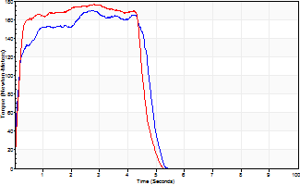
Isometric Extensors (Con) Angle 60 Time 10 Repetition 2 (Best Repetition)
 | Value | Cof Var | %BW
Peak Torque (Newton-Meters)
Right | 170 | 0.01 | 256
Left | 176 | 0.01 | 268
Deficit | 4
Average Torque (Newton-Meters)
Right | 79 | 0.04 | 119
Left | 76 | 0.02 | 116
Deficit | 3
Peak Torque Slope (Newton-Meters/Seconds)
Right | 61 | 0.13 | 92
Left | 69 | 0.06 | 104 |  | Right Side Curves Left Side Curves
Deficit | 12
Time to Half Peak Torque (Seconds)
Right | 0.14 | 0.15
Left | 0.15 | 0
Time to Peak Torque (Seconds)
Right | 3.04 | 0.12
Left | 2.64 | 0.07
HUMAC2015® Version: 15.000.0074 © Computer Sports Medicine, Inc. www.csmisolutions.com

