pre1
Use File, Preference to set Report Heading
Long Form Torque vs. Position Report - Knee Extension/Flexion
Name: |  |  |  | TR030_FP3057, | ID: | TR030 | Right/Left: | 21.09.2023 21.09.2023
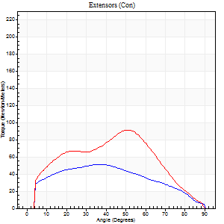
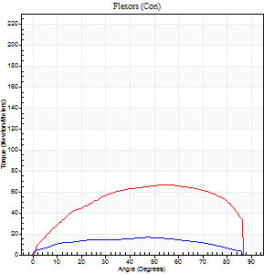
Right Side Curves Left Side Curves
Isokinetic Con/Con |  |  |  | Extensors (Con) |  | Flexors (Con)
Speed 60/60 d/s 3 Reps |  |  |  | Value | Cof Var | %BW | Value | Cof Var | %BW | Ratio

TORQUE PARAMETERS
Peak Torque (Newton-Meters - Best Repetition)
Right |  |  |  | 52 | 0.42 | 66 | 16 | 0.18 | 21 | 32
Left |  |  |  | 91 | 0.17 | 113 | 66 | 0.24 | 83 | 73
Deficit |  |  |  | 43 |  |  | 76
Work per Repetition (Newton-Meters - Best Repetition)
Right |  |  |  | 54 | 0.59 | 69 | 18 | 0.22 | 21 | 32
Left |  |  |  | 87 | 0.09 | 107 | 77 | 0.29 | 95 | 89
Deficit |  |  |  | 38 |  |  | 77
Average Power per Repetition (Watts - Best Repetition)
Right |  |  |  | 33 | 0.63 | 42 | 11 | 0.29 | 13 | 33
Left |  |  |  | 55 | 0.08 | 68 | 50 | 0.29 | 62 | 91
Deficit |  |  |  | 40 |  |  | 78
POSITION PARAMETERS
Joint Angle at Peak Torque (Degrees)
Right |  |  |  | 37 | 0.45 |  | 50 | 0.08
Left |  |  |  | 52 | 0.06 |  | 67 | 0.19
Range of Motion (Degrees)
Right |  |  |  | 0 | 1.41 |  | 89 | 0.01
Left |  |  |  | 0 | 0.28 |  | 90 | 0
TIME PARAMETERS
Time to Peak Torque (Seconds)
Right |  |  |  | 1 | 0.04 |  | 1.04 | 0.12
Left |  |  |  | 0.63 | 0.11 |  | 1.14 | 0.19
Time Peak Torque Held (Seconds)
Right |  |  |  | 0.04 | 0.13 |  | 0.01 | 1.73
Left |  |  |  | 0.02 | 0.5 |  | 0.05 | 0.92
Force Decay Time (Seconds)
Right |  |  |  | 0.61 | 0.45 |  | 0.67 | 0.08
Left |  |  |  | 0.87 | 0.07 |  | 0.33 | 0.5
Reciprocal Delay (Seconds)
Right |  |  |  | 0.67 | 0.44 |  | 0.52 | 0.08
Left |  |  |  | 0.14 | 0.15 |  | 0.17 | 0.06
Delay Time (Seconds)
Right |  |  |  | -0.22 | -1.03 |  | -0.05 | -0.2
Left |  |  |  | 0.04 | 1.01 |  | -0.01 | -3.12
HUMAC2015® Version: 15.000.0074 © Computer Sports Medicine, Inc. www.csmisolutions.com

Use File, Preference to set Report Heading
Long Form Torque vs. Position Report - Knee Extension/Flexion
Name: |  |  |  | TR030_FP3057, | ID: | TR030 | Right/Left: | 21.09.2023 21.09.2023
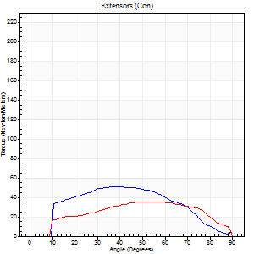
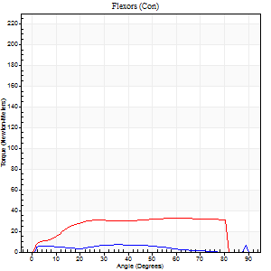
Right Side Curves Left Side Curves
Isokinetic Con/Con |  |  |  | Extensors (Con) |  | Flexors (Con)
Speed 120/120 d/s 3 Reps |  |  |  | Value | Cof Var | %BW | Value | Cof Var | %BW | Ratio

TORQUE PARAMETERS
Peak Torque (Newton-Meters - Best Repetition)
Right |  |  |  | 52 | 0.16 | 66 | 7 | 0.2 | 9 | 13
Left |  |  |  | 35 | 0.39 | 45 | 33 | 0.35 | 42 | 92
Deficit |  |  |  | 32 |  |  | 79
Work per Repetition (Newton-Meters - Best Repetition)
Right |  |  |  | 50 | 0.2 | 63 | 5 | 0.39 | 6 | 11
Left |  |  |  | 38 | 0.38 | 48 | 39 | 0.43 | 48 | 104
Deficit |  |  |  | 24 |  |  | 86
Average Power per Repetition (Watts - Best Repetition)
Right |  |  |  | 47 | 0.24 | 59 | 6 | 0.45 | 7 | 13
Left |  |  |  | 44 | 0.41 | 55 | 44 | 0.46 | 55 | 100
Deficit |  |  |  | 6 |  |  | 86
POSITION PARAMETERS
Joint Angle at Peak Torque (Degrees)
Right |  |  |  | 39 | 0.24 |  | 56 | 0.51
Left |  |  |  | 56 | 0.17 |  | 56 | 0.38
Range of Motion (Degrees)
Right |  |  |  | 1 | 0.85 |  | 90 | 0
Left |  |  |  | 1 | 0.3 |  | 90 | 0
TIME PARAMETERS
Time to Peak Torque (Seconds)
Right |  |  |  | 0.56 | 0.19 |  | 0.69 | 0.44
Left |  |  |  | 0.39 | 0.07 |  | 0.56 | 0.26
Time Peak Torque Held (Seconds)
Right |  |  |  | 0.02 | 0.87 |  | 0.01 | 0.87
Left |  |  |  | 0.01 | 0.87 |  | 0.04 | 0.75
Force Decay Time (Seconds)
Right |  |  |  | 0.36 | 0.18 |  | 0.28 | 0.93
Left |  |  |  | 0.49 | 0.19 |  | 0.28 | 0.85
Reciprocal Delay (Seconds)
Right |  |  |  | 0.13 | 0.26 |  | 0.22 | 0.28
Left |  |  |  | 0.22 | 0.16 |  | 0.11 | 0.4
Delay Time (Seconds)
Right |  |  |  | -0.06 | -0.47 |  | 0 | 9.64
Left |  |  |  | 0 | 0 |  | -0.01 | -1
HUMAC2015® Version: 15.000.0074 © Computer Sports Medicine, Inc. www.csmisolutions.com

Use File, Preference to set Report Heading
Long Form Torque vs. Position Report - Knee Extension/Flexion
Name: |  |  |  | TR030_FP3057, | ID: | TR030 | Right/Left: | 21.09.2023 21.09.2023
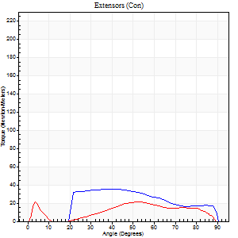
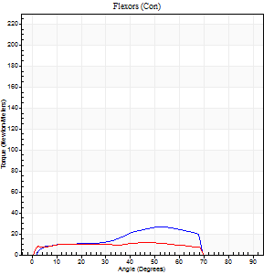
Right Side Curves Left Side Curves
Isokinetic Con/Con |  |  |  | Extensors (Con) |  | Flexors (Con)
Speed 240/240 d/s 3 Reps |  |  |  | Value | Cof Var | %BW | Value | Cof Var | %BW | Ratio

TORQUE PARAMETERS
Peak Torque (Newton-Meters - Best Repetition)
Right |  |  |  | 35 | 0.34 | 45 | 26 | 0.2 | 33 | 73
Left |  |  |  | 22 | 0.15 | 27 | 12 | 0.07 | 15 | 56
Deficit |  |  |  | 38 |  |  | 53
Work per Repetition (Newton-Meters - Best Repetition)
Right |  |  |  | 33 | 0.3 | 42 | 19 | 0.1 | 24 | 58
Left |  |  |  | 18 | 0.81 | 21 | 12 | 0.04 | 15 | 69
Deficit |  |  |  | 46 |  |  | 36
Average Power per Repetition (Watts - Best Repetition)
Right |  |  |  | 56 | 0.39 | 70 | 37 | 0.23 | 46 | 66
Left |  |  |  | 32 | 0.69 | 40 | 19 | 0.01 | 24 | 59
Deficit |  |  |  | 43 |  |  | 49
POSITION PARAMETERS
Joint Angle at Peak Torque (Degrees)
Right |  |  |  | 44 | 0.21 |  | 49 | 0.08
Left |  |  |  | 20 | 1.45 |  | 46 | 0.03
Range of Motion (Degrees)
Right |  |  |  | 0 | 1.89 |  | 90 | 0
Left |  |  |  | 2 | 0.06 |  | 89 | 0.01
TIME PARAMETERS
Time to Peak Torque (Seconds)
Right |  |  |  | 0.35 | 0.12 |  | 0.35 | 0.09
Left |  |  |  | 0.39 | 0.44 |  | 0.36 | 0.07
Time Peak Torque Held (Seconds)
Right |  |  |  | 0.01 | 1.15 |  | 0.02 | 0.92
Left |  |  |  | 0 | 0 |  | 0.01 | 0.43
Force Decay Time (Seconds)
Right |  |  |  | 0.28 | 0.22 |  | 0.23 | 0.19
Left |  |  |  | 0.11 | 1.18 |  | 0.21 | 0.05
Reciprocal Delay (Seconds)
Right |  |  |  | 0.26 | 0.33 |  | 0.22 | 0.49
Left |  |  |  | 0.07 | 0 |  | 0.06 | 0.09
Delay Time (Seconds)
Right |  |  |  | -0.03 | -0.47 |  | 0.02 | 0.5
Left |  |  |  | 0 | 0 |  | -0.04 | 0
HUMAC2015® Version: 15.000.0074 © Computer Sports Medicine, Inc. www.csmisolutions.com

Use File, Preference to set Report Heading
Isometric - Knee Extension/Flexion
Name: |  |  |  | TR030_FP3057, | ID: | TR030 | Right/Left: | 21.09.2023 21.09.2023

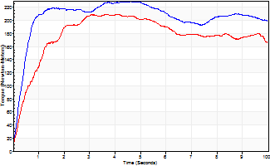
Isometric Extensors (Con) Angle 60 Time 10 Repetition 2 (Best Repetition)
 | Value | Cof Var | %BW
Peak Torque (Newton-Meters)
Right | 229 | 0.09 | 286
Left | 209 | 0.15 | 262
Deficit | 9
Average Torque (Newton-Meters)
Right | 205 | 0.6 | 256
Left | 176 | 0.31 | 221
Deficit | 14
Peak Torque Slope (Newton-Meters/Seconds)
Right | 50 | 0.39 | 62
Left | 51 | 0.71 | 64 |  | Right Side Curves Left Side Curves
Deficit | 3
Time to Half Peak Torque (Seconds)
Right | 2.35 | 1.18
Left | 1.35 | 0.71
Time to Peak Torque (Seconds)
Right | 5.86 | 0.31
Left | 7.03 | 0.59
HUMAC2015® Version: 15.000.0074 © Computer Sports Medicine, Inc. www.csmisolutions.com

pre2
Use File, Preference to set Report Heading
Long Form Torque vs. Position Report - Knee Extension/Flexion
Name: |  |  |  | TR030_FP3057, | ID: | TR030 | Right/Left: | 04.10.2023 04.10.2023
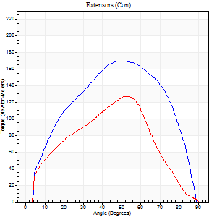
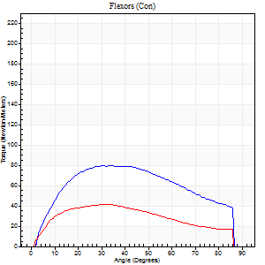
Right Side Curves Left Side Curves
Isokinetic Con/Con |  |  |  | Extensors (Con) |  | Flexors (Con)
Speed 60/60 d/s 3 Reps |  |  |  | Value | Cof Var | %BW | Value | Cof Var | %BW | Ratio

TORQUE PARAMETERS
Peak Torque (Newton-Meters - Best Repetition)
Right |  |  |  | 170 | 0.15 | 212 | 80 | 0.13 | 101 | 47
Left |  |  |  | 127 | 0.05 | 158 | 42 | 0.24 | 54 | 33
Deficit |  |  |  | 25 |  |  | 47
Work per Repetition (Newton-Meters - Best Repetition)
Right |  |  |  | 180 | 0.19 | 226 | 89 | 0.15 | 113 | 50
Left |  |  |  | 133 | 0.09 | 167 | 43 | 0.24 | 54 | 33
Deficit |  |  |  | 26 |  |  | 52
Average Power per Repetition (Watts - Best Repetition)
Right |  |  |  | 120 | 0.16 | 149 | 59 | 0.13 | 75 | 49
Left |  |  |  | 87 | 0.13 | 108 | 28 | 0.21 | 35 | 32
Deficit |  |  |  | 28 |  |  | 53
POSITION PARAMETERS
Joint Angle at Peak Torque (Degrees)
Right |  |  |  | 47 | 0.3 |  | 36 | 0.11
Left |  |  |  | 51 | 0.15 |  | 29 | 0.13
Range of Motion (Degrees)
Right |  |  |  | 1 | 0 |  | 88 | 0.05
Left |  |  |  | 0 | 0.85 |  | 90 | 0
TIME PARAMETERS
Time to Peak Torque (Seconds)
Right |  |  |  | 0.57 | 0.14 |  | 0.59 | 0.12
Left |  |  |  | 0.65 | 0.27 |  | 0.5 | 0.14
Time Peak Torque Held (Seconds)
Right |  |  |  | 0.13 | 0.66 |  | 0.1 | 0.56
Left |  |  |  | 0.04 | 0.31 |  | 0.03 | 0.92
Force Decay Time (Seconds)
Right |  |  |  | 0.66 | 0.27 |  | 0.81 | 0.12
Left |  |  |  | 0.84 | 0.17 |  | 0.98 | 0.1
Reciprocal Delay (Seconds)
Right |  |  |  | 0.22 | 0.03 |  | 0.09 | 0.53
Left |  |  |  | 0.19 | 0.15 |  | 0.13 | 0.47
Delay Time (Seconds)
Right |  |  |  | 0.02 | 0 |  | 0.03 | 0.33
Left |  |  |  | 0.01 | 0.47 |  | 0.01 | 2.29
HUMAC2015® Version: 15.000.0074 © Computer Sports Medicine, Inc. www.csmisolutions.com

Use File, Preference to set Report Heading
Long Form Torque vs. Position Report - Knee Extension/Flexion
Name: |  |  |  | TR030_FP3057, | ID: | TR030 | Right/Left: | 04.10.2023 04.10.2023
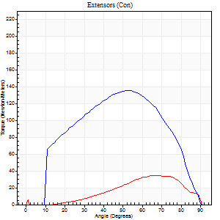
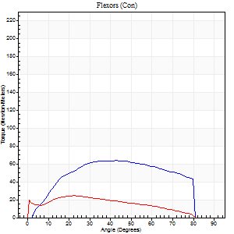
Right Side Curves Left Side Curves
Isokinetic Con/Con |  |  |  | Extensors (Con) |  | Flexors (Con)
Speed 120/120 d/s 3 Reps |  |  |  | Value | Cof Var | %BW | Value | Cof Var | %BW | Ratio

TORQUE PARAMETERS
Peak Torque (Newton-Meters - Best Repetition)
Right |  |  |  | 136 | 0.09 | 170 | 64 | 0.35 | 80 | 47
Left |  |  |  | 34 | 0.46 | 42 | 24 | 0.26 | 30 | 72
Deficit |  |  |  | 75 |  |  | 62
Work per Repetition (Newton-Meters - Best Repetition)
Right |  |  |  | 137 | 0.06 | 170 | 69 | 0.47 | 86 | 50
Left |  |  |  | 24 | 0.42 | 30 | 23 | 0.31 | 30 | 94
Deficit |  |  |  | 82 |  |  | 67
Average Power per Repetition (Watts - Best Repetition)
Right |  |  |  | 163 | 0.12 | 204 | 89 | 0.5 | 112 | 55
Left |  |  |  | 27 | 0.41 | 33 | 24 | 0.3 | 31 | 89
Deficit |  |  |  | 83 |  |  | 73
POSITION PARAMETERS
Joint Angle at Peak Torque (Degrees)
Right |  |  |  | 49 | 0.06 |  | 37 | 0.33
Left |  |  |  | 67 | 0 |  | 23 | 0.1
Range of Motion (Degrees)
Right |  |  |  | 1 | 0 |  | 90 | 0
Left |  |  |  | 1 | 0.2 |  | 89 | 0.01
TIME PARAMETERS
Time to Peak Torque (Seconds)
Right |  |  |  | 0.38 | 0 |  | 0.34 | 0.21
Left |  |  |  | 0.29 | 0.05 |  | 0.34 | 0.05
Time Peak Torque Held (Seconds)
Right |  |  |  | 0.03 | 0.17 |  | 0.03 | 0.22
Left |  |  |  | 0.01 | 0.87 |  | 0.04 | 0.57
Force Decay Time (Seconds)
Right |  |  |  | 0.42 | 0.08 |  | 0.45 | 0.29
Left |  |  |  | 0.6 | 0.04 |  | 0.54 | 0.08
Reciprocal Delay (Seconds)
Right |  |  |  | 0.13 | 0.33 |  | 0.12 | 0.08
Left |  |  |  | 0.12 | 0.17 |  | 0.13 | 0.47
Delay Time (Seconds)
Right |  |  |  | -0.01 | -1.41 |  | 0.03 | 0.17
Left |  |  |  | 0.01 | 1.41 |  | -0.06 | -0.67
HUMAC2015® Version: 15.000.0074 © Computer Sports Medicine, Inc. www.csmisolutions.com

Use File, Preference to set Report Heading
Long Form Torque vs. Position Report - Knee Extension/Flexion
Name: |  |  |  | TR030_FP3057, | ID: | TR030 | Right/Left: | 04.10.2023 04.10.2023
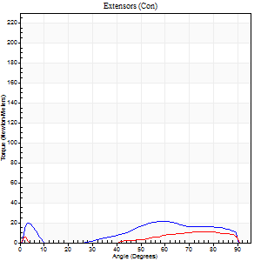
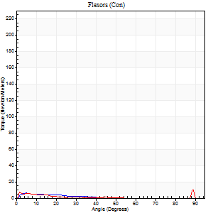
Right Side Curves Left Side Curves
Isokinetic Con/Con |  |  |  | Extensors (Con) |  | Flexors (Con)
Speed 240/240 d/s 3 Reps |  |  |  | Value | Cof Var | %BW | Value | Cof Var | %BW | Ratio

TORQUE PARAMETERS
Peak Torque (Newton-Meters - Best Repetition)
Right |  |  |  | 22 | 0.36 | 27 | 7 | 0.13 | 9 | 31
Left |  |  |  | 11 | 0.3 | 15 | 9 | 0.16 | 12 | 88
Deficit |  |  |  | 50 |  |  | 29
Work per Repetition (Newton-Meters - Best Repetition)
Right |  |  |  | 16 | 1.56 | 21 | 3 | 0.13 | 3 | 17
Left |  |  |  | 7 | 0.31 | 9 | 4 | 0.83 | 6 | 60
Deficit |  |  |  | 58 |  |  | 33
Average Power per Repetition (Watts - Best Repetition)
Right |  |  |  | 27 | 1.27 | 33 | 3 | 0.2 | 4 | 11
Left |  |  |  | 9 | 0.38 | 11 | 5 | 0.69 | 7 | 56
Deficit |  |  |  | 67 |  |  | 40
POSITION PARAMETERS
Joint Angle at Peak Torque (Degrees)
Right |  |  |  | 22 | 1.52 |  | 7 | 0.5
Left |  |  |  | 78 | 0.01 |  | 31 | 1.6
Range of Motion (Degrees)
Right |  |  |  | 2 | 0.18 |  | 90 | 0
Left |  |  |  | 1 | 0.09 |  | 90 | 0.01
TIME PARAMETERS
Time to Peak Torque (Seconds)
Right |  |  |  | 0.19 | 0.19 |  | 0.08 | 0.12
Left |  |  |  | 0.23 | 0 |  | 0.09 | 0.71
Time Peak Torque Held (Seconds)
Right |  |  |  | 0 | 1.73 |  | 0.01 | 0.87
Left |  |  |  | 0.05 | 0.2 |  | 0 | 0
Force Decay Time (Seconds)
Right |  |  |  | 0.11 | 1.42 |  | 0.72 | 0.07
Left |  |  |  | 0.47 | 0.16 |  | 0.47 | 0.85
Reciprocal Delay (Seconds)
Right |  |  |  | 0.09 | 0.08 |  | 0.05 | 0.11
Left |  |  |  | 0.09 | 0.22 |  | 0.07 | 0.14
Delay Time (Seconds)
Right |  |  |  | 0.43 | 0.07 |  | 0.02 | 4.34
Left |  |  |  | 0 | -7.07 |  | 0.23 | 2
HUMAC2015® Version: 15.000.0074 © Computer Sports Medicine, Inc. www.csmisolutions.com

Use File, Preference to set Report Heading
Isometric - Knee Extension/Flexion
Name: |  |  |  | TR030_FP3057, | ID: | TR030 | Right/Left: | 04.10.2023 04.10.2023

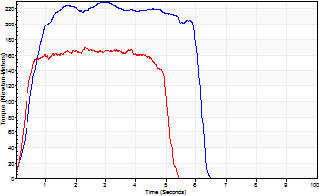
Isometric Extensors (Con) Angle 60 Time 10 Repetition 2 (Best Repetition)
 | Value | Cof Var | %BW
Peak Torque (Newton-Meters)
Right | 229 | 0.01 | 286
Left | 170 | 0.02 | 212
Deficit | 26
Average Torque (Newton-Meters)
Right | 123 | 0.01 | 155
Left | 77 | 0.01 | 95
Deficit | 37
Peak Torque Slope (Newton-Meters/Seconds)
Right | 98 | 0.16 | 122
Left | 176 | 0.59 | 220 |  | Right Side Curves Left Side Curves
Deficit | 45
Time to Half Peak Torque (Seconds)
Right | 0.43 | 0.3
Left | 0.28 | 0.18
Time to Peak Torque (Seconds)
Right | 2.62 | 0.18
Left | 1.62 | 0.6
HUMAC2015® Version: 15.000.0074 © Computer Sports Medicine, Inc. www.csmisolutions.com

mid1
Use File, Preference to set Report Heading
Long Form Torque vs. Position Report - Knee Extension/Flexion
Name: |  |  |  | TR030_FP3057, | ID: | TR030 | Right/Left: | 07.11.2023 07.11.2023
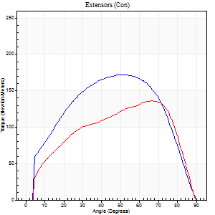
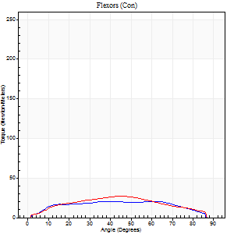
Right Side Curves Left Side Curves
Isokinetic Con/Con |  |  |  | Extensors (Con) |  | Flexors (Con)
Speed 60/60 d/s 3 Reps |  |  |  | Value | Cof Var | %BW | Value | Cof Var | %BW | Ratio

TORQUE PARAMETERS
Peak Torque (Newton-Meters - Best Repetition)
Right |  |  |  | 172 | 0.08 | 215 | 20 | 0.16 | 27 | 12
Left |  |  |  | 136 | 0.03 | 170 | 27 | 0.3 | 33 | 20
Deficit |  |  |  | 21 |  |  | 25
Work per Repetition (Newton-Meters - Best Repetition)
Right |  |  |  | 187 | 0.05 | 232 | 23 | 0.17 | 30 | 12
Left |  |  |  | 144 | 0.04 | 179 | 26 | 0.23 | 33 | 18
Deficit |  |  |  | 23 |  |  | 11
Average Power per Repetition (Watts - Best Repetition)
Right |  |  |  | 118 | 0.07 | 147 | 15 | 0.16 | 20 | 13
Left |  |  |  | 94 | 0.05 | 116 | 17 | 0.21 | 22 | 18
Deficit |  |  |  | 20 |  |  | 12
POSITION PARAMETERS
Joint Angle at Peak Torque (Degrees)
Right |  |  |  | 58 | 0.08 |  | 28 | 0.41
Left |  |  |  | 64 | 0.03 |  | 31 | 0.41
Range of Motion (Degrees)
Right |  |  |  | 0 | 0.71 |  | 90 | 0
Left |  |  |  | 0 | 0.9 |  | 90 | 0
TIME PARAMETERS
Time to Peak Torque (Seconds)
Right |  |  |  | 0.62 | 0.09 |  | 0.49 | 0.42
Left |  |  |  | 0.43 | 0.07 |  | 0.55 | 0.39
Time Peak Torque Held (Seconds)
Right |  |  |  | 0.14 | 0.84 |  | 0 | 0
Left |  |  |  | 0.04 | 0.25 |  | 0.02 | 1.73
Force Decay Time (Seconds)
Right |  |  |  | 0.86 | 0.18 |  | 1.06 | 0.19
Left |  |  |  | 1.05 | 0.03 |  | 0.98 | 0.21
Reciprocal Delay (Seconds)
Right |  |  |  | 0.19 | 0.04 |  | 0.27 | 0.43
Left |  |  |  | 0.26 | 0.13 |  | 0.14 | 0.65
Delay Time (Seconds)
Right |  |  |  | -0.02 | -0.28 |  | 0.04 | 0.87
Left |  |  |  | 0 | -1.41 |  | 0 | 0
HUMAC2015® Version: 15.000.0074 © Computer Sports Medicine, Inc. www.csmisolutions.com

Use File, Preference to set Report Heading
Long Form Torque vs. Position Report - Knee Extension/Flexion
Name: |  |  |  | TR030_FP3057, | ID: | TR030 | Right/Left: | 07.11.2023 07.11.2023
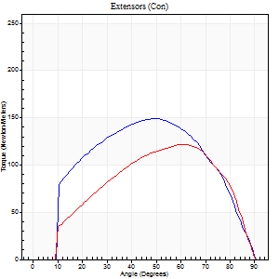
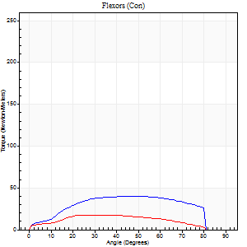
Right Side Curves Left Side Curves
Isokinetic Con/Con |  |  |  | Extensors (Con) |  | Flexors (Con)
Speed 120/120 d/s 3 Reps |  |  |  | Value | Cof Var | %BW | Value | Cof Var | %BW | Ratio

TORQUE PARAMETERS
Peak Torque (Newton-Meters - Best Repetition)
Right |  |  |  | 149 | 0.08 | 185 | 39 | 0.73 | 48 | 26
Left |  |  |  | 122 | 0.24 | 152 | 18 | 0.38 | 21 | 14
Deficit |  |  |  | 18 |  |  | 55
Work per Repetition (Newton-Meters - Best Repetition)
Right |  |  |  | 157 | 0.07 | 197 | 43 | 0.95 | 54 | 28
Left |  |  |  | 121 | 0.2 | 152 | 18 | 0.62 | 21 | 15
Deficit |  |  |  | 23 |  |  | 59
Average Power per Repetition (Watts - Best Repetition)
Right |  |  |  | 176 | 0.13 | 220 | 47 | 0.94 | 59 | 27
Left |  |  |  | 146 | 0.24 | 182 | 18 | 0.6 | 22 | 12
Deficit |  |  |  | 17 |  |  | 62
POSITION PARAMETERS
Joint Angle at Peak Torque (Degrees)
Right |  |  |  | 49 | 0.02 |  | 57 | 0.5
Left |  |  |  | 61 | 0.06 |  | 53 | 0.6
Range of Motion (Degrees)
Right |  |  |  | 0 | 0 |  | 90 | 0
Left |  |  |  | 1 | 0.04 |  | 90 | 0
TIME PARAMETERS
Time to Peak Torque (Seconds)
Right |  |  |  | 0.41 | 0.09 |  | 0.6 | 0.43
Left |  |  |  | 0.27 | 0.1 |  | 0.6 | 0.51
Time Peak Torque Held (Seconds)
Right |  |  |  | 0.04 | 0.58 |  | 0 | 0
Left |  |  |  | 0.02 | 0.5 |  | 0.04 | 1.04
Force Decay Time (Seconds)
Right |  |  |  | 0.48 | 0.03 |  | 0.3 | 0.78
Left |  |  |  | 0.53 | 0.02 |  | 0.3 | 0.82
Reciprocal Delay (Seconds)
Right |  |  |  | 0.19 | 0.11 |  | 0.16 | 0.07
Left |  |  |  | 0.12 | 0 |  | 0.11 | 0.43
Delay Time (Seconds)
Right |  |  |  | -0.02 | -0.85 |  | -0.01 | -2.29
Left |  |  |  | -0.01 | 0 |  | 0.01 | 7.55
HUMAC2015® Version: 15.000.0074 © Computer Sports Medicine, Inc. www.csmisolutions.com

Use File, Preference to set Report Heading
Long Form Torque vs. Position Report - Knee Extension/Flexion
Name: |  |  |  | TR030_FP3057, | ID: | TR030 | Right/Left: | 07.11.2023 07.11.2023
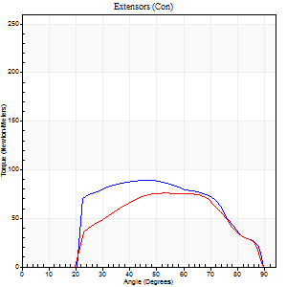
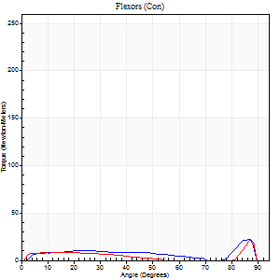
Right Side Curves Left Side Curves
Isokinetic Con/Con |  |  |  | Extensors (Con) |  | Flexors (Con)
Speed 240/240 d/s 3 Reps |  |  |  | Value | Cof Var | %BW | Value | Cof Var | %BW | Ratio

TORQUE PARAMETERS
Peak Torque (Newton-Meters - Best Repetition)
Right |  |  |  | 89 | 0.4 | 113 | 22 | 0.67 | 27 | 24
Left |  |  |  | 76 | 0.3 | 95 | 22 | 0.51 | 27 | 29
Deficit |  |  |  | 15 |  |  | 0
Work per Repetition (Newton-Meters - Best Repetition)
Right |  |  |  | 84 | 0.46 | 104 | 5 | 0.38 | 6 | 6
Left |  |  |  | 69 | 0.27 | 86 | 7 | 0.9 | 9 | 10
Deficit |  |  |  | 18 |  |  | 20
Average Power per Repetition (Watts - Best Repetition)
Right |  |  |  | 168 | 0.55 | 209 | 21 | 0.5 | 26 | 12
Left |  |  |  | 140 | 0.31 | 176 | 11 | 0.83 | 13 | 8
Deficit |  |  |  | 17 |  |  | 48
POSITION PARAMETERS
Joint Angle at Peak Torque (Degrees)
Right |  |  |  | 38 | 0.35 |  | 36 | 1.19
Left |  |  |  | 59 | 0.08 |  | 59 | 0.82
Range of Motion (Degrees)
Right |  |  |  | 2 | 0 |  | 90 | 0.01
Left |  |  |  | 2 | 0.03 |  | 89 | 0.01
TIME PARAMETERS
Time to Peak Torque (Seconds)
Right |  |  |  | 0.27 | 0.1 |  | 0.11 | 0.33
Left |  |  |  | 0.2 | 0.1 |  | 0.3 | 0.88
Time Peak Torque Held (Seconds)
Right |  |  |  | 0 | 1.73 |  | 0.02 | 1.73
Left |  |  |  | 0.02 | 1.25 |  | 0.01 | 1
Force Decay Time (Seconds)
Right |  |  |  | 0.2 | 0.25 |  | 0.3 | 0.78
Left |  |  |  | 0.27 | 0.12 |  | 0.25 | 1.56
Reciprocal Delay (Seconds)
Right |  |  |  | 0.05 | 0.28 |  | 0.05 | 0.29
Left |  |  |  | 0.07 | 0.2 |  | 0.05 | 0.2
Delay Time (Seconds)
Right |  |  |  | -0.02 | -0.28 |  | 0.15 | 1.62
Left |  |  |  | -0.02 | 0 |  | 0.1 | 2.15
HUMAC2015® Version: 15.000.0074 © Computer Sports Medicine, Inc. www.csmisolutions.com

Use File, Preference to set Report Heading
Isometric - Knee Extension/Flexion
Name: |  |  |  | TR030_FP3057, | ID: | TR030 | Right/Left: | 07.11.2023 07.11.2023

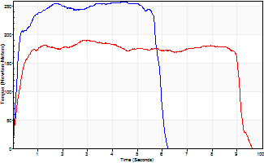
Isometric Extensors (Con) Angle 60 Time 10 Repetition 2 (Best Repetition)
 | Value | Cof Var | %BW
Peak Torque (Newton-Meters)
Right | 259 | 0.02 | 325
Left | 190 | 0.01 | 238
Deficit | 27
Average Torque (Newton-Meters)
Right | 141 | 0.01 | 176
Left | 171 | 0.06 | 215
Deficit | 17
Peak Torque Slope (Newton-Meters/Seconds)
Right | 59 | 0.05 | 73
Left | 76 | 0.09 | 95 |  | Right Side Curves Left Side Curves
Deficit | 23
Time to Half Peak Torque (Seconds)
Right | 0.19 | 0.15
Left | 0.26 | 0.11
Time to Peak Torque (Seconds)
Right | 4.53 | 0.04
Left | 2.65 | 0.1
HUMAC2015® Version: 15.000.0074 © Computer Sports Medicine, Inc. www.csmisolutions.com

mid2
Use File, Preference to set Report Heading
Long Form Torque vs. Position Report - Knee Extension/Flexion
Name: |  |  |  | TR030_FP3057, | ID: | TR030 | Right/Left: | 09.11.2023 09.11.2023
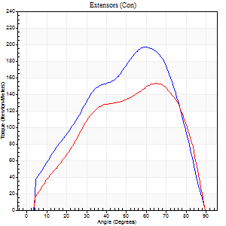
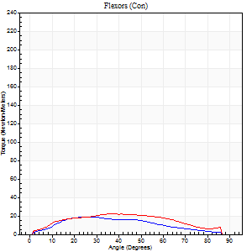
Right Side Curves Left Side Curves
Isokinetic Con/Con |  |  |  | Extensors (Con) |  | Flexors (Con)
Speed 60/60 d/s 3 Reps |  |  |  | Value | Cof Var | %BW | Value | Cof Var | %BW | Ratio

TORQUE PARAMETERS
Peak Torque (Newton-Meters - Best Repetition)
Right |  |  |  | 197 | 0.06 | 244 | 19 | 0.31 | 24 | 10
Left |  |  |  | 153 | 0.05 | 191 | 22 | 0.04 | 27 | 14
Deficit |  |  |  | 22 |  |  | 13
Work per Repetition (Newton-Meters - Best Repetition)
Right |  |  |  | 188 | 0.01 | 235 | 16 | 0.26 | 21 | 9
Left |  |  |  | 156 | 0.01 | 194 | 23 | 0.06 | 30 | 15
Deficit |  |  |  | 17 |  |  | 29
Average Power per Repetition (Watts - Best Repetition)
Right |  |  |  | 122 | 0.01 | 152 | 10 | 0.27 | 13 | 8
Left |  |  |  | 102 | 0.01 | 127 | 14 | 0.06 | 18 | 14
Deficit |  |  |  | 16 |  |  | 29
POSITION PARAMETERS
Joint Angle at Peak Torque (Degrees)
Right |  |  |  | 60 | 0.04 |  | 26 | 0.39
Left |  |  |  | 59 | 0.14 |  | 31 | 0.45
Range of Motion (Degrees)
Right |  |  |  | 0 | 0 |  | 90 | 0
Left |  |  |  | 0 | 0 |  | 90 | 0
TIME PARAMETERS
Time to Peak Torque (Seconds)
Right |  |  |  | 0.48 | 0.09 |  | 0.51 | 0.3
Left |  |  |  | 0.44 | 0.03 |  | 0.56 | 0.45
Time Peak Torque Held (Seconds)
Right |  |  |  | 0.05 | 0.6 |  | 0.01 | 1.73
Left |  |  |  | 0.03 | 0.17 |  | 0.04 | 0.88
Force Decay Time (Seconds)
Right |  |  |  | 0.99 | 0.07 |  | 1.05 | 0.21
Left |  |  |  | 0.97 | 0.14 |  | 0.98 | 0.26
Reciprocal Delay (Seconds)
Right |  |  |  | 0.29 | 0.07 |  | 0.31 | 0.07
Left |  |  |  | 0.19 | 0.27 |  | 0.11 | 0.24
Delay Time (Seconds)
Right |  |  |  | 0 | 0 |  | 0 | 0
Left |  |  |  | 0.01 | 0.47 |  | 0 | -1.73
HUMAC2015® Version: 15.000.0074 © Computer Sports Medicine, Inc. www.csmisolutions.com

Use File, Preference to set Report Heading
Long Form Torque vs. Position Report - Knee Extension/Flexion
Name: |  |  |  | TR030_FP3057, | ID: | TR030 | Right/Left: | 09.11.2023 09.11.2023
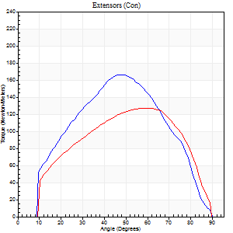
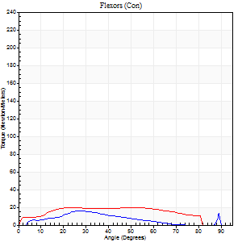
Right Side Curves Left Side Curves
Isokinetic Con/Con |  |  |  | Extensors (Con) |  | Flexors (Con)
Speed 120/120 d/s 3 Reps |  |  |  | Value | Cof Var | %BW | Value | Cof Var | %BW | Ratio

TORQUE PARAMETERS
Peak Torque (Newton-Meters - Best Repetition)
Right |  |  |  | 167 | 0.08 | 209 | 16 | 0.58 | 21 | 10
Left |  |  |  | 126 | 0.07 | 158 | 20 | 0.14 | 27 | 16
Deficit |  |  |  | 24 |  |  | 20
Work per Repetition (Newton-Meters - Best Repetition)
Right |  |  |  | 157 | 0.05 | 197 | 9 | 0.68 | 12 | 6
Left |  |  |  | 130 | 0.05 | 164 | 23 | 0.3 | 30 | 18
Deficit |  |  |  | 17 |  |  | 59
Average Power per Repetition (Watts - Best Repetition)
Right |  |  |  | 187 | 0.05 | 233 | 11 | 0.71 | 13 | 6
Left |  |  |  | 159 | 0.06 | 198 | 26 | 0.29 | 33 | 16
Deficit |  |  |  | 15 |  |  | 58
POSITION PARAMETERS
Joint Angle at Peak Torque (Degrees)
Right |  |  |  | 50 | 0.05 |  | 27 | 0.26
Left |  |  |  | 54 | 0.12 |  | 35 | 0.38
Range of Motion (Degrees)
Right |  |  |  | 1 | 0.04 |  | 90 | 0
Left |  |  |  | 1 | 0.05 |  | 90 | 0.01
TIME PARAMETERS
Time to Peak Torque (Seconds)
Right |  |  |  | 0.39 | 0.09 |  | 0.35 | 0.07
Left |  |  |  | 0.29 | 0.05 |  | 0.37 | 0.27
Time Peak Torque Held (Seconds)
Right |  |  |  | 0.02 | 0.25 |  | 0.03 | 0.33
Left |  |  |  | 0.03 | 0 |  | 0.01 | 1.73
Force Decay Time (Seconds)
Right |  |  |  | 0.41 | 0.06 |  | 0.59 | 0.16
Left |  |  |  | 0.46 | 0.11 |  | 0.48 | 0.22
Reciprocal Delay (Seconds)
Right |  |  |  | 0.11 | 0.07 |  | 0.07 | 0.09
Left |  |  |  | 0.09 | 0.08 |  | 0.08 | 0.25
Delay Time (Seconds)
Right |  |  |  | -0.02 | -0.28 |  | 0.11 | 0.64
Left |  |  |  | 0 | 0 |  | 0 | 0
HUMAC2015® Version: 15.000.0074 © Computer Sports Medicine, Inc. www.csmisolutions.com

Use File, Preference to set Report Heading
Long Form Torque vs. Position Report - Knee Extension/Flexion
Name: |  |  |  | TR030_FP3057, | ID: | TR030 | Right/Left: | 09.11.2023 09.11.2023
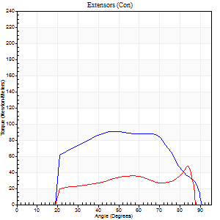
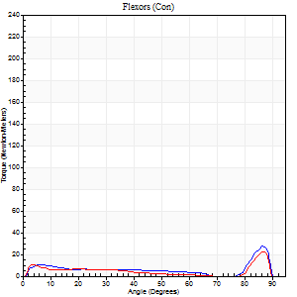
Right Side Curves Left Side Curves
Isokinetic Con/Con |  |  |  | Extensors (Con) |  | Flexors (Con)
Speed 240/240 d/s 3 Reps |  |  |  | Value | Cof Var | %BW | Value | Cof Var | %BW | Ratio

TORQUE PARAMETERS
Peak Torque (Newton-Meters - Best Repetition)
Right |  |  |  | 91 | 0.03 | 113 | 27 | 0.6 | 33 | 30
Left |  |  |  | 47 | 0.24 | 60 | 23 | 0.44 | 30 | 49
Deficit |  |  |  | 48 |  |  | 15
Work per Repetition (Newton-Meters - Best Repetition)
Right |  |  |  | 89 | 0.05 | 113 | 9 | 0.57 | 12 | 11
Left |  |  |  | 35 | 0.18 | 45 | 7 | 0.21 | 9 | 19
Deficit |  |  |  | 61 |  |  | 29
Average Power per Repetition (Watts - Best Repetition)
Right |  |  |  | 176 | 0.04 | 220 | 17 | 0.63 | 22 | 10
Left |  |  |  | 65 | 0.16 | 81 | 12 | 0.23 | 15 | 18
Deficit |  |  |  | 63 |  |  | 29
POSITION PARAMETERS
Joint Angle at Peak Torque (Degrees)
Right |  |  |  | 53 | 0.16 |  | 59 | 0.79
Left |  |  |  | 67 | 0.22 |  | 59 | 0.83
Range of Motion (Degrees)
Right |  |  |  | 2 | 0.02 |  | 90 | 0.01
Left |  |  |  | 1 | 0.13 |  | 88 | 0.01
TIME PARAMETERS
Time to Peak Torque (Seconds)
Right |  |  |  | 0.22 | 0.23 |  | 0.35 | 0.72
Left |  |  |  | 0.22 | 0.13 |  | 0.43 | 0.77
Time Peak Torque Held (Seconds)
Right |  |  |  | 0.01 | 1 |  | 0 | 1.73
Left |  |  |  | 0 | 1.73 |  | 0 | 0
Force Decay Time (Seconds)
Right |  |  |  | 0.25 | 0.16 |  | 0.24 | 1.37
Left |  |  |  | 0.35 | 0.26 |  | 0.2 | 1.48
Reciprocal Delay (Seconds)
Right |  |  |  | 0.06 | 0.24 |  | 0.05 | 0.12
Left |  |  |  | 0.06 | 0.33 |  | 0.06 | 0.1
Delay Time (Seconds)
Right |  |  |  | -0.02 | -0.28 |  | 0 | 0
Left |  |  |  | -0.01 | -0.47 |  | -0.02 | -0.25
HUMAC2015® Version: 15.000.0074 © Computer Sports Medicine, Inc. www.csmisolutions.com

Use File, Preference to set Report Heading
Isometric - Knee Extension/Flexion
Name: |  |  |  | TR030_FP3057, | ID: | TR030 | Right/Left: | 09.11.2023 09.11.2023

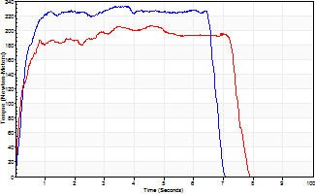
Isometric Extensors (Con) Angle 60 Time 10 Repetition 2 (Best Repetition)
 | Value | Cof Var | %BW
Peak Torque (Newton-Meters)
Right | 233 | 0.02 | 292
Left | 206 | 0.01 | 256
Deficit | 12
Average Torque (Newton-Meters)
Right | 167 | 0.1 | 209
Left | 140 | 0.1 | 176
Deficit | 16
Peak Torque Slope (Newton-Meters/Seconds)
Right | 63 | 0.06 | 78
Left | 75 | 0.35 | 94 |  | Right Side Curves Left Side Curves
Deficit | 16
Time to Half Peak Torque (Seconds)
Right | 0.21 | 0.27
Left | 0.19 | 0
Time to Peak Torque (Seconds)
Right | 3.81 | 0.04
Left | 3.62 | 0.36
HUMAC2015® Version: 15.000.0074 © Computer Sports Medicine, Inc. www.csmisolutions.com

post1
Use File, Preference to set Report Heading
Long Form Torque vs. Position Report - Knee Extension/Flexion
Name: |  |  |  | TR030_FP3057, | ID: | TR030 | Right/Left: | 05.12.2023 05.12.2023
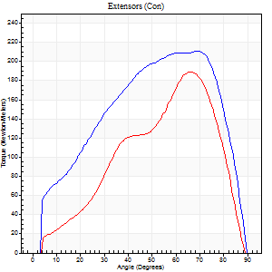
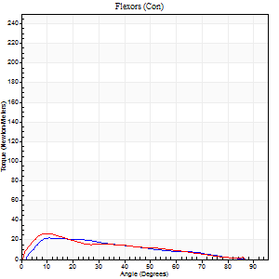
Right Side Curves Left Side Curves
Isokinetic Con/Con |  |  |  | Extensors (Con) |  | Flexors (Con)
Speed 60/60 d/s 3 Reps |  |  |  | Value | Cof Var | %BW | Value | Cof Var | %BW | Ratio

TORQUE PARAMETERS
Peak Torque (Newton-Meters - Best Repetition)
Right |  |  |  | 210 | 0.03 | 262 | 22 | 0.36 | 27 | 10
Left |  |  |  | 188 | 0.07 | 235 | 26 | 0.23 | 33 | 14
Deficit |  |  |  | 10 |  |  | 16
Work per Repetition (Newton-Meters - Best Repetition)
Right |  |  |  | 224 | 0.02 | 280 | 18 | 0.35 | 21 | 8
Left |  |  |  | 168 | 0.06 | 209 | 19 | 0.03 | 24 | 11
Deficit |  |  |  | 25 |  |  | 7
Average Power per Repetition (Watts - Best Repetition)
Right |  |  |  | 143 | 0.02 | 178 | 11 | 0.37 | 13 | 8
Left |  |  |  | 111 | 0.08 | 138 | 12 | 0.01 | 15 | 11
Deficit |  |  |  | 22 |  |  | 8
POSITION PARAMETERS
Joint Angle at Peak Torque (Degrees)
Right |  |  |  | 62 | 0.09 |  | 28 | 0.53
Left |  |  |  | 64 | 0.04 |  | 18 | 0.42
Range of Motion (Degrees)
Right |  |  |  | 0 | 0 |  | 90 | 0
Left |  |  |  | 0 | 0.88 |  | 90 | 0
TIME PARAMETERS
Time to Peak Torque (Seconds)
Right |  |  |  | 0.44 | 0.29 |  | 0.51 | 0.57
Left |  |  |  | 0.41 | 0.07 |  | 0.35 | 0.41
Time Peak Torque Held (Seconds)
Right |  |  |  | 0.09 | 0.78 |  | 0.04 | 1.32
Left |  |  |  | 0.04 | 0.31 |  | 0.03 | 1.45
Force Decay Time (Seconds)
Right |  |  |  | 0.98 | 0.05 |  | 1.03 | 0.22
Left |  |  |  | 1.05 | 0.06 |  | 1.16 | 0.14
Reciprocal Delay (Seconds)
Right |  |  |  | 0.16 | 0.41 |  | 0.18 | 0.21
Left |  |  |  | 0.14 | 0.37 |  | 0.13 | 0.63
Delay Time (Seconds)
Right |  |  |  | 0 | 0 |  | 0.06 | 0.24
Left |  |  |  | 0.01 | 1.41 |  | -0.02 | -0.87
HUMAC2015® Version: 15.000.0074 © Computer Sports Medicine, Inc. www.csmisolutions.com

Use File, Preference to set Report Heading
Long Form Torque vs. Position Report - Knee Extension/Flexion
Name: |  |  |  | TR030_FP3057, | ID: | TR030 | Right/Left: | 05.12.2023 05.12.2023
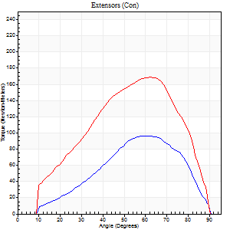
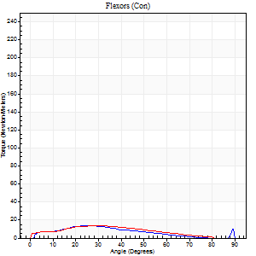
Right Side Curves Left Side Curves
Isokinetic Con/Con |  |  |  | Extensors (Con) |  | Flexors (Con)
Speed 120/120 d/s 3 Reps |  |  |  | Value | Cof Var | %BW | Value | Cof Var | %BW | Ratio

TORQUE PARAMETERS
Peak Torque (Newton-Meters - Best Repetition)
Right |  |  |  | 96 | 0.3 | 119 | 14 | 0.3 | 18 | 14
Left |  |  |  | 168 | 0.17 | 209 | 14 | 0.16 | 18 | 8
Deficit |  |  |  | 43 |  |  | 0
Work per Repetition (Newton-Meters - Best Repetition)
Right |  |  |  | 80 | 0.19 | 101 | 9 | 0.38 | 12 | 12
Left |  |  |  | 157 | 0.13 | 197 | 12 | 0.2 | 15 | 8
Deficit |  |  |  | 49 |  |  | 22
Average Power per Repetition (Watts - Best Repetition)
Right |  |  |  | 93 | 0.19 | 116 | 11 | 0.37 | 13 | 12
Left |  |  |  | 189 | 0.14 | 235 | 12 | 0.19 | 15 | 6
Deficit |  |  |  | 51 |  |  | 8
POSITION PARAMETERS
Joint Angle at Peak Torque (Degrees)
Right |  |  |  | 54 | 0.1 |  | 46 | 0.8
Left |  |  |  | 58 | 0.08 |  | 24 | 0.19
Range of Motion (Degrees)
Right |  |  |  | 1 | 0.04 |  | 90 | 0
Left |  |  |  | 1 | 0.97 |  | 90 | 0
TIME PARAMETERS
Time to Peak Torque (Seconds)
Right |  |  |  | 0.42 | 0 |  | 0.5 | 0.71
Left |  |  |  | 0.28 | 0.05 |  | 0.35 | 0.25
Time Peak Torque Held (Seconds)
Right |  |  |  | 0.02 | 0.35 |  | 0.01 | 1.73
Left |  |  |  | 0.03 | 0.43 |  | 0.01 | 0.87
Force Decay Time (Seconds)
Right |  |  |  | 0.45 | 0.1 |  | 0.37 | 0.87
Left |  |  |  | 0.52 | 0.09 |  | 0.58 | 0.1
Reciprocal Delay (Seconds)
Right |  |  |  | 0.11 | 0 |  | 0.11 | 0.28
Left |  |  |  | 0.09 | 0.07 |  | 0.18 | 0.28
Delay Time (Seconds)
Right |  |  |  | -0.04 | 0 |  | 0.04 | 0.88
Left |  |  |  | 0 | -1.41 |  | -0.04 | -0.87
HUMAC2015® Version: 15.000.0074 © Computer Sports Medicine, Inc. www.csmisolutions.com

Use File, Preference to set Report Heading
Long Form Torque vs. Position Report - Knee Extension/Flexion
Name: |  |  |  | TR030_FP3057, | ID: | TR030 | Right/Left: | 05.12.2023 05.12.2023
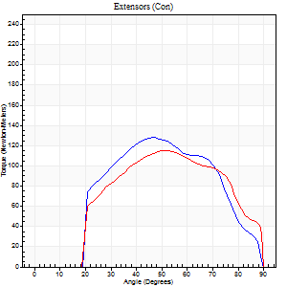
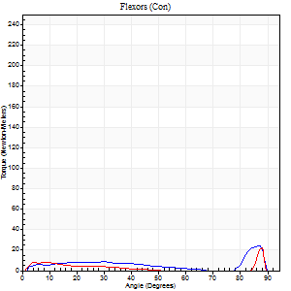
Right Side Curves Left Side Curves
Isokinetic Con/Con |  |  |  | Extensors (Con) |  | Flexors (Con)
Speed 240/240 d/s 3 Reps |  |  |  | Value | Cof Var | %BW | Value | Cof Var | %BW | Ratio

TORQUE PARAMETERS
Peak Torque (Newton-Meters - Best Repetition)
Right |  |  |  | 127 | 0.17 | 158 | 24 | 0.65 | 30 | 19
Left |  |  |  | 115 | 0.25 | 143 | 22 | 0.83 | 27 | 19
Deficit |  |  |  | 10 |  |  | 11
Work per Repetition (Newton-Meters - Best Repetition)
Right |  |  |  | 115 | 0.14 | 143 | 9 | 0.49 | 12 | 8
Left |  |  |  | 110 | 0.27 | 137 | 3 | 0.57 | 3 | 2
Deficit |  |  |  | 5 |  |  | 71
Average Power per Repetition (Watts - Best Repetition)
Right |  |  |  | 225 | 0.14 | 281 | 14 | 0.59 | 18 | 6
Left |  |  |  | 192 | 0.22 | 240 | 4 | 0.18 | 4 | 2
Deficit |  |  |  | 15 |  |  | 71
POSITION PARAMETERS
Joint Angle at Peak Torque (Degrees)
Right |  |  |  | 47 | 0.04 |  | 61 | 0.72
Left |  |  |  | 52 | 0.05 |  | 38 | 1.13
Range of Motion (Degrees)
Right |  |  |  | 1 | 1 |  | 90 | 0.01
Left |  |  |  | 1 | 1.24 |  | 90 | 0.01
TIME PARAMETERS
Time to Peak Torque (Seconds)
Right |  |  |  | 0.25 | 0.03 |  | 0.51 | 0.41
Left |  |  |  | 0.23 | 0.03 |  | 0.25 | 0.05
Time Peak Torque Held (Seconds)
Right |  |  |  | 0.01 | 0 |  | 0 | 1.73
Left |  |  |  | 0.01 | 0.43 |  | 0 | 1.73
Force Decay Time (Seconds)
Right |  |  |  | 0.27 | 0.19 |  | 0.23 | 1.44
Left |  |  |  | 0.27 | 0.14 |  | 0.38 | 0.82
Reciprocal Delay (Seconds)
Right |  |  |  | 0.05 | 0.13 |  | 0.12 | 0.41
Left |  |  |  | 0.09 | 0 |  | 0.11 | 0.74
Delay Time (Seconds)
Right |  |  |  | -0.02 | -0.28 |  | 0.01 | 3.38
Left |  |  |  | -0.02 | -0.71 |  | 0.1 | 2.5
HUMAC2015® Version: 15.000.0074 © Computer Sports Medicine, Inc. www.csmisolutions.com

Use File, Preference to set Report Heading
Isometric - Knee Extension/Flexion
Name: |  |  |  | TR030_FP3057, | ID: | TR030 | Right/Left: | 05.12.2023 05.12.2023

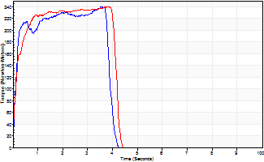
Isometric Extensors (Con) Angle 60 Time 10 Repetition 2 (Best Repetition)
 | Value | Cof Var | %BW
Peak Torque (Newton-Meters)
Right | 240 | 0.01 | 301
Left | 240 | 0.1 | 301
Deficit | 0
Average Torque (Newton-Meters)
Right | 85 | 0.01 | 107
Left | 91 | 0.06 | 113
Deficit | 6
Peak Torque Slope (Newton-Meters/Seconds)
Right | 68 | 0.46 | 84
Left | 96 | 0.3 | 120 |  | Right Side Curves Left Side Curves
Deficit | 30
Time to Half Peak Torque (Seconds)
Right | 1.99 | 1.32
Left | 0.14 | 0.1
Time to Peak Torque (Seconds)
Right | 5.2 | 0.45
Left | 3.01 | 0.4
HUMAC2015® Version: 15.000.0074 © Computer Sports Medicine, Inc. www.csmisolutions.com

post2
Use File, Preference to set Report Heading
Long Form Torque vs. Position Report - Knee Extension/Flexion
Name: |  |  |  | TR030_FP3057, | ID: | TR030 | Right/Left: | 08.12.2023 08.12.2023
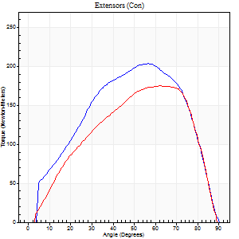
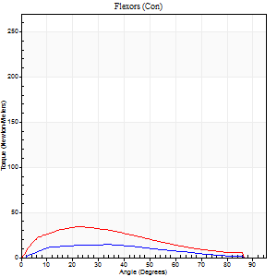
Right Side Curves Left Side Curves
Isokinetic Con/Con |  |  |  | Extensors (Con) |  | Flexors (Con)
Speed 60/60 d/s 3 Reps |  |  |  | Value | Cof Var | %BW | Value | Cof Var | %BW | Ratio

TORQUE PARAMETERS
Peak Torque (Newton-Meters - Best Repetition)
Right |  |  |  | 203 | 0.1 | 253 | 15 | 0.06 | 18 | 7
Left |  |  |  | 175 | 0.01 | 218 | 34 | 0.35 | 42 | 19
Deficit |  |  |  | 14 |  |  | 56
Work per Repetition (Newton-Meters - Best Repetition)
Right |  |  |  | 210 | 0.07 | 262 | 14 | 0.04 | 18 | 6
Left |  |  |  | 176 | 0.02 | 221 | 30 | 0.34 | 36 | 17
Deficit |  |  |  | 16 |  |  | 55
Average Power per Repetition (Watts - Best Repetition)
Right |  |  |  | 131 | 0.05 | 163 | 8 | 0.03 | 11 | 6
Left |  |  |  | 116 | 0.01 | 145 | 19 | 0.34 | 24 | 16
Deficit |  |  |  | 11 |  |  | 58
POSITION PARAMETERS
Joint Angle at Peak Torque (Degrees)
Right |  |  |  | 62 | 0.11 |  | 33 | 0.07
Left |  |  |  | 63 | 0.01 |  | 19 | 0.29
Range of Motion (Degrees)
Right |  |  |  | 0 | 0.28 |  | 90 | 0
Left |  |  |  | 1 | 0.34 |  | 90 | 0
TIME PARAMETERS
Time to Peak Torque (Seconds)
Right |  |  |  | 0.5 | 0.4 |  | 0.6 | 0.04
Left |  |  |  | 0.45 | 0.05 |  | 0.35 | 0.43
Time Peak Torque Held (Seconds)
Right |  |  |  | 0.06 | 0.27 |  | 0.04 | 0.87
Left |  |  |  | 0.05 | 0.6 |  | 0.02 | 1.73
Force Decay Time (Seconds)
Right |  |  |  | 1 | 0.13 |  | 0.92 | 0.04
Left |  |  |  | 0.99 | 0.04 |  | 1.15 | 0.11
Reciprocal Delay (Seconds)
Right |  |  |  | 0.31 | 0.11 |  | 0.23 | 0.47
Left |  |  |  | 0.13 | 0.26 |  | 0.09 | 0.62
Delay Time (Seconds)
Right |  |  |  | -0.04 | -1.41 |  | 0.01 | 3.61
Left |  |  |  | 0.01 | 1.41 |  | -0.02 | -0.25
HUMAC2015® Version: 15.000.0074 © Computer Sports Medicine, Inc. www.csmisolutions.com

Use File, Preference to set Report Heading
Long Form Torque vs. Position Report - Knee Extension/Flexion
Name: |  |  |  | TR030_FP3057, | ID: | TR030 | Right/Left: | 08.12.2023 08.12.2023
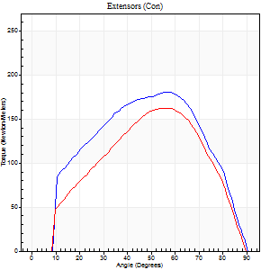
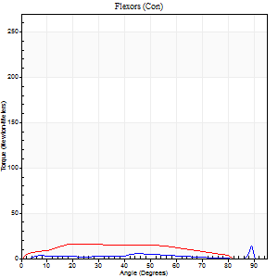
Right Side Curves Left Side Curves
Isokinetic Con/Con |  |  |  | Extensors (Con) |  | Flexors (Con)
Speed 120/120 d/s 3 Reps |  |  |  | Value | Cof Var | %BW | Value | Cof Var | %BW | Ratio

TORQUE PARAMETERS
Peak Torque (Newton-Meters - Best Repetition)
Right |  |  |  | 180 | 0.07 | 226 | 14 | 0.47 | 18 | 8
Left |  |  |  | 163 | 0.13 | 203 | 16 | 0.5 | 21 | 10
Deficit |  |  |  | 10 |  |  | 17
Work per Repetition (Newton-Meters - Best Repetition)
Right |  |  |  | 186 | 0.05 | 232 | 5 | 0.16 | 6 | 3
Left |  |  |  | 155 | 0.13 | 194 | 16 | 0.65 | 21 | 11
Deficit |  |  |  | 17 |  |  | 67
Average Power per Repetition (Watts - Best Repetition)
Right |  |  |  | 210 | 0.09 | 262 | 5 | 0.14 | 7 | 2
Left |  |  |  | 191 | 0.14 | 240 | 19 | 0.67 | 24 | 10
Deficit |  |  |  | 9 |  |  | 74
POSITION PARAMETERS
Joint Angle at Peak Torque (Degrees)
Right |  |  |  | 54 | 0.09 |  | 70 | 0.47
Left |  |  |  | 56 | 0.04 |  | 25 | 0.77
Range of Motion (Degrees)
Right |  |  |  | 0 | 0 |  | 90 | 0
Left |  |  |  | 1 | 0 |  | 90 | 0.01
TIME PARAMETERS
Time to Peak Torque (Seconds)
Right |  |  |  | 0.34 | 0.02 |  | 0.8 | 0.31
Left |  |  |  | 0.31 | 0.02 |  | 0.31 | 0.55
Time Peak Torque Held (Seconds)
Right |  |  |  | 0.02 | 0.25 |  | 0 | 0
Left |  |  |  | 0.03 | 0.33 |  | 0.04 | 0.88
Force Decay Time (Seconds)
Right |  |  |  | 0.51 | 0.2 |  | 0.17 | 1.48
Left |  |  |  | 0.46 | 0.03 |  | 0.55 | 0.28
Reciprocal Delay (Seconds)
Right |  |  |  | 0.12 | 0.12 |  | 0.15 | 0.47
Left |  |  |  | 0.11 | 0.18 |  | 0.1 | 0.48
Delay Time (Seconds)
Right |  |  |  | -0.03 | 0 |  | 0.01 | 4.39
Left |  |  |  | -0.01 | 0 |  | -0.01 | -0.87
HUMAC2015® Version: 15.000.0074 © Computer Sports Medicine, Inc. www.csmisolutions.com

Use File, Preference to set Report Heading
Long Form Torque vs. Position Report - Knee Extension/Flexion
Name: |  |  |  | TR030_FP3057, | ID: | TR030 | Right/Left: | 08.12.2023 08.12.2023
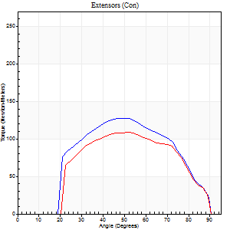
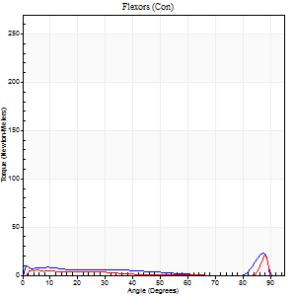
Right Side Curves Left Side Curves
Isokinetic Con/Con |  |  |  | Extensors (Con) |  | Flexors (Con)
Speed 240/240 d/s 3 Reps |  |  |  | Value | Cof Var | %BW | Value | Cof Var | %BW | Ratio

TORQUE PARAMETERS
Peak Torque (Newton-Meters - Best Repetition)
Right |  |  |  | 127 | 0.19 | 158 | 23 | 0.54 | 30 | 18
Left |  |  |  | 108 | 0.3 | 134 | 20 | 0.86 | 27 | 19
Deficit |  |  |  | 15 |  |  | 12
Work per Repetition (Newton-Meters - Best Repetition)
Right |  |  |  | 118 | 0.17 | 146 | 7 | 0.49 | 9 | 6
Left |  |  |  | 102 | 0.35 | 128 | 3 | 0.5 | 3 | 3
Deficit |  |  |  | 14 |  |  | 60
Average Power per Repetition (Watts - Best Repetition)
Right |  |  |  | 222 | 0.19 | 277 | 10 | 0.55 | 13 | 5
Left |  |  |  | 189 | 0.35 | 235 | 3 | 0.23 | 4 | 2
Deficit |  |  |  | 15 |  |  | 70
POSITION PARAMETERS
Joint Angle at Peak Torque (Degrees)
Right |  |  |  | 50 | 0.02 |  | 60 | 0.82
Left |  |  |  | 54 | 0.15 |  | 33 | 1.45
Range of Motion (Degrees)
Right |  |  |  | 1 | 0.52 |  | 90 | 0
Left |  |  |  | 1 | 0.58 |  | 90 | 0.01
TIME PARAMETERS
Time to Peak Torque (Seconds)
Right |  |  |  | 0.25 | 0.03 |  | 0.52 | 0.66
Left |  |  |  | 0.25 | 0.09 |  | 0.16 | 0.75
Time Peak Torque Held (Seconds)
Right |  |  |  | 0.01 | 0.43 |  | 0.01 | 0.87
Left |  |  |  | 0.01 | 0 |  | 0 | 0
Force Decay Time (Seconds)
Right |  |  |  | 0.26 | 0.08 |  | 0.27 | 1.32
Left |  |  |  | 0.27 | 0.11 |  | 0.56 | 0.85
Reciprocal Delay (Seconds)
Right |  |  |  | 0.19 | 0.19 |  | 0.14 | 0.7
Left |  |  |  | 0.09 | 0.22 |  | 0.11 | 0.76
Delay Time (Seconds)
Right |  |  |  | -0.03 | 0 |  | -0.04 | -0.48
Left |  |  |  | -0.01 | -1.41 |  | 0.15 | 2.32
HUMAC2015® Version: 15.000.0074 © Computer Sports Medicine, Inc. www.csmisolutions.com

Use File, Preference to set Report Heading
Isometric - Knee Extension/Flexion
Name: |  |  |  | TR030_FP3057, | ID: | TR030 | Right/Left: | 08.12.2023 08.12.2023

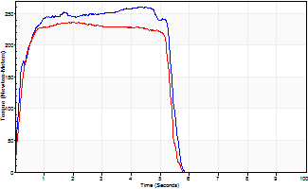
Isometric Extensors (Con) Angle 60 Time 10 Repetition 2 (Best Repetition)
 | Value | Cof Var | %BW
Peak Torque (Newton-Meters)
Right | 260 | 0.03 | 325
Left | 236 | 0 | 295
Deficit | 9
Average Torque (Newton-Meters)
Right | 141 | 0.06 | 176
Left | 118 | 0 | 146
Deficit | 16
Peak Torque Slope (Newton-Meters/Seconds)
Right | 73 | 0.14 | 91
Left | 120 | 0.34 | 150 |  | Right Side Curves Left Side Curves
Deficit | 39
Time to Half Peak Torque (Seconds)
Right | 0.17 | 0.08
Left | 0.19 | 0.04
Time to Peak Torque (Seconds)
Right | 3.89 | 0.17
Left | 2.59 | 0.34
HUMAC2015® Version: 15.000.0074 © Computer Sports Medicine, Inc. www.csmisolutions.com

