pre1
Use File, Preference to set Report Heading
Long Form Torque vs. Position Report - Knee Extension/Flexion
Name: |  |  |  | TR030_FP3058, | ID: | TR030 | Right/Left: | 13.09.2022 13.09.2022
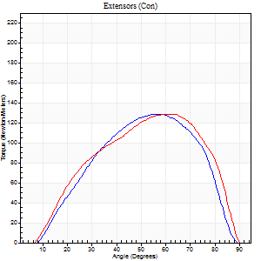
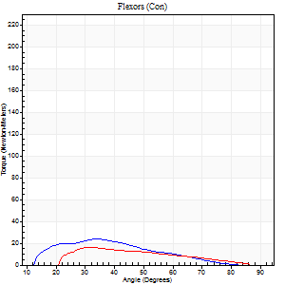
Right Side Curves Left Side Curves
Isokinetic Con/Con |  |  |  | Extensors (Con) |  | Flexors (Con)
Speed 60/60 d/s 3 Reps |  |  |  | Value | Cof Var | %BW | Value | Cof Var | %BW | Ratio

TORQUE PARAMETERS
Peak Torque (Newton-Meters - Best Repetition)
Right |  |  |  | 129 | 0.02 | 185 | 24 | 0.3 | 36 | 19
Left |  |  |  | 129 | 0.02 | 185 | 16 | 0.21 | 24 | 13
Deficit |  |  |  | 0 |  |  | 33
Work per Repetition (Newton-Meters - Best Repetition)
Right |  |  |  | 117 | 0.06 | 167 | 20 | 0.36 | 30 | 17
Left |  |  |  | 125 | 0.16 | 179 | 11 | 0.15 | 15 | 9
Deficit |  |  |  | 7 |  |  | 47
Average Power per Repetition (Watts - Best Repetition)
Right |  |  |  | 80 | 0.05 | 114 | 14 | 0.38 | 20 | 18
Left |  |  |  | 85 | 0.06 | 121 | 9 | 0.24 | 13 | 11
Deficit |  |  |  | 6 |  |  | 36
POSITION PARAMETERS
Joint Angle at Peak Torque (Degrees)
Right |  |  |  | 55 | 0.09 |  | 37 | 0.09
Left |  |  |  | 61 | 0.02 |  | 35 | 0.13
Range of Motion (Degrees)
Right |  |  |  | 9 | 0.32 |  | 90 | 0.01
Left |  |  |  | 14 | 0.84 |  | 90 | 0
TIME PARAMETERS
Time to Peak Torque (Seconds)
Right |  |  |  | 0.6 | 0.02 |  | 0.52 | 0.2
Left |  |  |  | 0.5 | 0.03 |  | 0.38 | 0.43
Time Peak Torque Held (Seconds)
Right |  |  |  | 0.04 | 0.74 |  | 0.02 | 1.73
Left |  |  |  | 0.05 | 0.25 |  | 0.1 | 1.32
Force Decay Time (Seconds)
Right |  |  |  | 0.74 | 0.15 |  | 0.91 | 0.17
Left |  |  |  | 0.72 | 0.22 |  | 0.83 | 0.14
Reciprocal Delay (Seconds)
Right |  |  |  | 0.25 | 0.14 |  | 0.08 | 0.18
Left |  |  |  | 0.18 | 0 |  | 0.08 | 0.12
Delay Time (Seconds)
Right |  |  |  | -0.04 | -0.47 |  | -0.05 | -0.2
Left |  |  |  | -0.01 | -0.47 |  | -0.04 | -0.25
HUMAC2015® Version: 15.000.0074 © Computer Sports Medicine, Inc. www.csmisolutions.com

Use File, Preference to set Report Heading
Long Form Torque vs. Position Report - Knee Extension/Flexion
Name: |  |  |  | TR030_FP3058, | ID: | TR030 | Right/Left: | 13.09.2022 13.09.2022
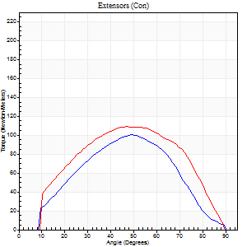
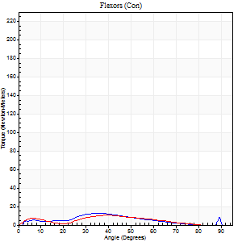
Right Side Curves Left Side Curves
Isokinetic Con/Con |  |  |  | Extensors (Con) |  | Flexors (Con)
Speed 120/120 d/s 3 Reps |  |  |  | Value | Cof Var | %BW | Value | Cof Var | %BW | Ratio

TORQUE PARAMETERS
Peak Torque (Newton-Meters - Best Repetition)
Right |  |  |  | 100 | 0.14 | 143 | 14 | 0.06 | 18 | 14
Left |  |  |  | 108 | 0.04 | 155 | 11 | 0.27 | 15 | 10
Deficit |  |  |  | 8 |  |  | 20
Work per Repetition (Newton-Meters - Best Repetition)
Right |  |  |  | 96 | 0.14 | 137 | 11 | 0.13 | 15 | 11
Left |  |  |  | 110 | 0.04 | 158 | 8 | 0.97 | 12 | 7
Deficit |  |  |  | 12 |  |  | 25
Average Power per Repetition (Watts - Best Repetition)
Right |  |  |  | 106 | 0.17 | 152 | 13 | 0.21 | 18 | 12
Left |  |  |  | 128 | 0.04 | 182 | 8 | 0.92 | 11 | 6
Deficit |  |  |  | 17 |  |  | 38
POSITION PARAMETERS
Joint Angle at Peak Torque (Degrees)
Right |  |  |  | 48 | 0.04 |  | 35 | 0.04
Left |  |  |  | 49 | 0.07 |  | 53 | 0.59
Range of Motion (Degrees)
Right |  |  |  | 1 | 0.04 |  | 90 | 0
Left |  |  |  | 1 | 0.16 |  | 90 | 0
TIME PARAMETERS
Time to Peak Torque (Seconds)
Right |  |  |  | 0.46 | 0.03 |  | 0.37 | 0.08
Left |  |  |  | 0.39 | 0.11 |  | 0.35 | 0.43
Time Peak Torque Held (Seconds)
Right |  |  |  | 0.03 | 0.62 |  | 0 | 1.73
Left |  |  |  | 0.02 | 0.35 |  | 0.01 | 1.73
Force Decay Time (Seconds)
Right |  |  |  | 0.39 | 0.09 |  | 0.5 | 0.06
Left |  |  |  | 0.42 | 0.09 |  | 0.33 | 0.9
Reciprocal Delay (Seconds)
Right |  |  |  | 0.11 | 0.13 |  | 0.1 | 0.1
Left |  |  |  | 0.11 | 0 |  | 0.09 | 0.35
Delay Time (Seconds)
Right |  |  |  | -0.04 | -0.47 |  | 0.02 | 0.25
Left |  |  |  | -0.02 | 0 |  | 0.2 | 1.99
HUMAC2015® Version: 15.000.0074 © Computer Sports Medicine, Inc. www.csmisolutions.com

Use File, Preference to set Report Heading
Long Form Torque vs. Position Report - Knee Extension/Flexion
Name: |  |  |  | TR030_FP3058, | ID: | TR030 | Right/Left: | 13.09.2022 13.09.2022
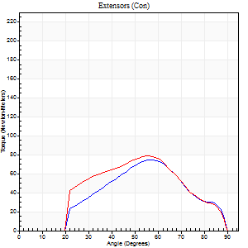
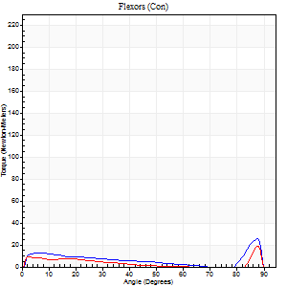
Right Side Curves Left Side Curves
Isokinetic Con/Con |  |  |  | Extensors (Con) |  | Flexors (Con)
Speed 240/240 d/s 3 Reps |  |  |  | Value | Cof Var | %BW | Value | Cof Var | %BW | Ratio

TORQUE PARAMETERS
Peak Torque (Newton-Meters - Best Repetition)
Right |  |  |  | 75 | 0.1 | 107 | 26 | 0.43 | 36 | 35
Left |  |  |  | 79 | 0.04 | 113 | 19 | 0.5 | 27 | 24
Deficit |  |  |  | 5 |  |  | 26
Work per Repetition (Newton-Meters - Best Repetition)
Right |  |  |  | 58 | 0.15 | 83 | 7 | 0.71 | 9 | 12
Left |  |  |  | 71 | 0.05 | 101 | 4 | 0.9 | 6 | 6
Deficit |  |  |  | 17 |  |  | 40
Average Power per Repetition (Watts - Best Repetition)
Right |  |  |  | 113 | 0.21 | 160 | 21 | 0.38 | 31 | 19
Left |  |  |  | 132 | 0.05 | 189 | 5 | 0.2 | 7 | 4
Deficit |  |  |  | 14 |  |  | 76
POSITION PARAMETERS
Joint Angle at Peak Torque (Degrees)
Right |  |  |  | 58 | 0.02 |  | 60 | 0.79
Left |  |  |  | 56 | 0.01 |  | 62 | 0.72
Range of Motion (Degrees)
Right |  |  |  | 2 | 0.05 |  | 89 | 0.01
Left |  |  |  | 1 | 0.04 |  | 89 | 0
TIME PARAMETERS
Time to Peak Torque (Seconds)
Right |  |  |  | 0.2 | 0.07 |  | 0.09 | 0.27
Left |  |  |  | 0.22 | 0.03 |  | 0.19 | 0.13
Time Peak Torque Held (Seconds)
Right |  |  |  | 0.01 | 0.87 |  | 0 | 0
Left |  |  |  | 0.01 | 0 |  | 0.01 | 0.87
Force Decay Time (Seconds)
Right |  |  |  | 0.29 | 0.04 |  | 0.17 | 1.43
Left |  |  |  | 0.28 | 0 |  | 0.2 | 1.52
Reciprocal Delay (Seconds)
Right |  |  |  | 0.05 | 0.13 |  | 0.04 | 0.13
Left |  |  |  | 0.08 | 0.09 |  | 0.06 | 0
Delay Time (Seconds)
Right |  |  |  | -0.02 | 0 |  | 0.26 | 0.97
Left |  |  |  | -0.02 | 0 |  | 0.27 | 0.97
HUMAC2015® Version: 15.000.0074 © Computer Sports Medicine, Inc. www.csmisolutions.com

Use File, Preference to set Report Heading
Isometric - Knee Extension/Flexion
Name: |  |  |  | TR030_FP3058, | ID: | TR030 | Right/Left: | 13.09.2022 13.09.2022

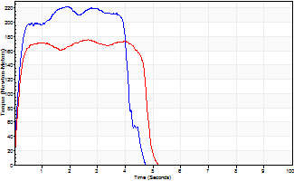
Isometric Extensors (Con) Angle 60 Time 10 Repetition 2 (Best Repetition)
 | Value | Cof Var | %BW
Peak Torque (Newton-Meters)
Right | 222 | 0.09 | 316
Left | 175 | 0.01 | 250
Deficit | 21
Average Torque (Newton-Meters)
Right | 85 | 0.15 | 122
Left | 80 | 0.02 | 113
Deficit | 6
Peak Torque Slope (Newton-Meters/Seconds)
Right | 119 | 0.57 | 170
Left | 66 | 0.2 | 94 |  | Right Side Curves Left Side Curves
Deficit | 45
Time to Half Peak Torque (Seconds)
Right | 0.15 | 0.05
Left | 0.13 | 0.05
Time to Peak Torque (Seconds)
Right | 2.84 | 0.49
Left | 3.06 | 0.19
HUMAC2015® Version: 15.000.0074 © Computer Sports Medicine, Inc. www.csmisolutions.com

pre2
Use File, Preference to set Report Heading
Long Form Torque vs. Position Report - Knee Extension/Flexion
Name: |  |  |  | TR030_FP3058, | ID: | TR030 | Right/Left: | 20.09.2022 20.09.2022
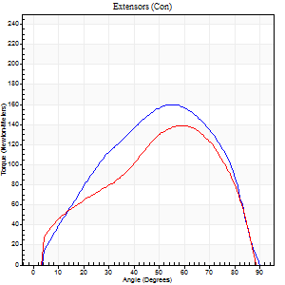
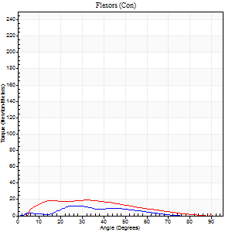
Right Side Curves Left Side Curves
Isokinetic Con/Con |  |  |  | Extensors (Con) |  | Flexors (Con)
Speed 60/60 d/s 3 Reps |  |  |  | Value | Cof Var | %BW | Value | Cof Var | %BW | Ratio

TORQUE PARAMETERS
Peak Torque (Newton-Meters - Best Repetition)
Right |  |  |  | 160 | 0.04 | 229 | 12 | 0.2 | 18 | 8
Left |  |  |  | 138 | 0.05 | 197 | 19 | 0.14 | 27 | 14
Deficit |  |  |  | 14 |  |  | 36
Work per Repetition (Newton-Meters - Best Repetition)
Right |  |  |  | 159 | 0.1 | 226 | 9 | 0.21 | 15 | 6
Left |  |  |  | 134 | 0.06 | 191 | 16 | 0.22 | 24 | 12
Deficit |  |  |  | 15 |  |  | 42
Average Power per Repetition (Watts - Best Repetition)
Right |  |  |  | 102 | 0.11 | 145 | 6 | 0.21 | 9 | 6
Left |  |  |  | 89 | 0.03 | 127 | 11 | 0.2 | 15 | 12
Deficit |  |  |  | 13 |  |  | 45
POSITION PARAMETERS
Joint Angle at Peak Torque (Degrees)
Right |  |  |  | 57 | 0.04 |  | 30 | 0.44
Left |  |  |  | 60 | 0.01 |  | 29 | 0.13
Range of Motion (Degrees)
Right |  |  |  | 4 | 1.15 |  | 90 | 0
Left |  |  |  | 8 | 0.5 |  | 90 | 0
TIME PARAMETERS
Time to Peak Torque (Seconds)
Right |  |  |  | 0.61 | 0.02 |  | 0.49 | 0.34
Left |  |  |  | 0.51 | 0 |  | 0.45 | 0.15
Time Peak Torque Held (Seconds)
Right |  |  |  | 0.07 | 0.23 |  | 0.03 | 1
Left |  |  |  | 0.08 | 0.33 |  | 0.05 | 0.54
Force Decay Time (Seconds)
Right |  |  |  | 0.87 | 0.12 |  | 1.05 | 0.15
Left |  |  |  | 0.86 | 0.12 |  | 1 | 0.11
Reciprocal Delay (Seconds)
Right |  |  |  | 0.17 | 0.53 |  | 0.11 | 0.13
Left |  |  |  | 0.24 | 0.24 |  | 0.09 | 0.25
Delay Time (Seconds)
Right |  |  |  | -0.03 | -0.94 |  | 0.06 | 2.4
Left |  |  |  | 0 | -1.41 |  | -0.03 | -0.62
HUMAC2015® Version: 15.000.0074 © Computer Sports Medicine, Inc. www.csmisolutions.com

Use File, Preference to set Report Heading
Long Form Torque vs. Position Report - Knee Extension/Flexion
Name: |  |  |  | TR030_FP3058, | ID: | TR030 | Right/Left: | 20.09.2022 20.09.2022
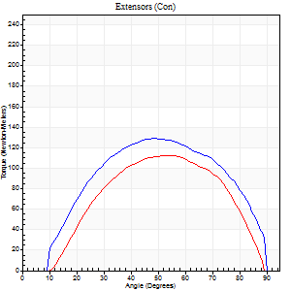
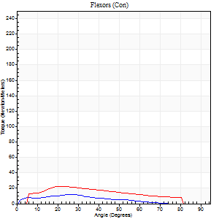
Right Side Curves Left Side Curves
Isokinetic Con/Con |  |  |  | Extensors (Con) |  | Flexors (Con)
Speed 120/120 d/s 3 Reps |  |  |  | Value | Cof Var | %BW | Value | Cof Var | %BW | Ratio

TORQUE PARAMETERS
Peak Torque (Newton-Meters - Best Repetition)
Right |  |  |  | 129 | 0 | 185 | 12 | 0.18 | 18 | 9
Left |  |  |  | 113 | 0.02 | 161 | 23 | 0.21 | 33 | 20
Deficit |  |  |  | 13 |  |  | 47
Work per Repetition (Newton-Meters - Best Repetition)
Right |  |  |  | 134 | 0.03 | 191 | 8 | 0.43 | 12 | 6
Left |  |  |  | 107 | 0.01 | 152 | 20 | 0.24 | 30 | 19
Deficit |  |  |  | 20 |  |  | 60
Average Power per Repetition (Watts - Best Repetition)
Right |  |  |  | 160 | 0.03 | 229 | 10 | 0.46 | 13 | 6
Left |  |  |  | 134 | 0.02 | 191 | 24 | 0.25 | 35 | 18
Deficit |  |  |  | 16 |  |  | 58
POSITION PARAMETERS
Joint Angle at Peak Torque (Degrees)
Right |  |  |  | 53 | 0.06 |  | 47 | 0.77
Left |  |  |  | 54 | 0.01 |  | 24 | 0.04
Range of Motion (Degrees)
Right |  |  |  | 1 | 0.04 |  | 90 | 0
Left |  |  |  | 3 | 1.03 |  | 89 | 0.02
TIME PARAMETERS
Time to Peak Torque (Seconds)
Right |  |  |  | 0.38 | 0.15 |  | 0.5 | 0.74
Left |  |  |  | 0.34 | 0.02 |  | 0.25 | 0.12
Time Peak Torque Held (Seconds)
Right |  |  |  | 0.03 | 0.58 |  | 0.01 | 1
Left |  |  |  | 0.02 | 0.65 |  | 0.02 | 1.32
Force Decay Time (Seconds)
Right |  |  |  | 0.43 | 0.05 |  | 0.38 | 0.89
Left |  |  |  | 0.44 | 0.01 |  | 0.55 | 0.08
Reciprocal Delay (Seconds)
Right |  |  |  | 0.1 | 0.14 |  | 0.07 | 0
Left |  |  |  | 0.09 | 0.16 |  | 0.07 | 0.17
Delay Time (Seconds)
Right |  |  |  | -0.04 | -1.01 |  | 0 | -4.58
Left |  |  |  | 0 | -1.41 |  | -0.02 | -0.49
HUMAC2015® Version: 15.000.0074 © Computer Sports Medicine, Inc. www.csmisolutions.com

Use File, Preference to set Report Heading
Long Form Torque vs. Position Report - Knee Extension/Flexion
Name: |  |  |  | TR030_FP3058, | ID: | TR030 | Right/Left: | 20.09.2022 20.09.2022
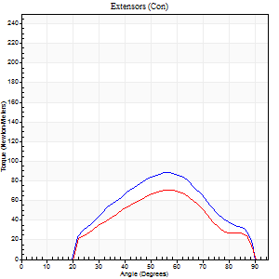
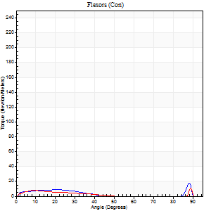
Right Side Curves Left Side Curves
Isokinetic Con/Con |  |  |  | Extensors (Con) |  | Flexors (Con)
Speed 240/240 d/s 3 Reps |  |  |  | Value | Cof Var | %BW | Value | Cof Var | %BW | Ratio

TORQUE PARAMETERS
Peak Torque (Newton-Meters - Best Repetition)
Right |  |  |  | 88 | 0.09 | 125 | 18 | 0.46 | 24 | 20
Left |  |  |  | 71 | 0.12 | 101 | 11 | 0.13 | 15 | 15
Deficit |  |  |  | 20 |  |  | 38
Work per Repetition (Newton-Meters - Best Repetition)
Right |  |  |  | 76 | 0.17 | 107 | 4 | 0.63 | 6 | 5
Left |  |  |  | 56 | 0.11 | 80 | 4 | 0.21 | 6 | 7
Deficit |  |  |  | 27 |  |  | 0
Average Power per Repetition (Watts - Best Repetition)
Right |  |  |  | 146 | 0.2 | 209 | 8 | 0.33 | 11 | 5
Left |  |  |  | 103 | 0.14 | 147 | 5 | 0.23 | 7 | 5
Deficit |  |  |  | 29 |  |  | 38
POSITION PARAMETERS
Joint Angle at Peak Torque (Degrees)
Right |  |  |  | 57 | 0.05 |  | 60 | 0.81
Left |  |  |  | 54 | 0.06 |  | 31 | 1.58
Range of Motion (Degrees)
Right |  |  |  | 2 | 0.11 |  | 90 | 0.01
Left |  |  |  | 1 | 0.03 |  | 90 | 0
TIME PARAMETERS
Time to Peak Torque (Seconds)
Right |  |  |  | 0.22 | 0.03 |  | 0.27 | 1.32
Left |  |  |  | 0.25 | 0.03 |  | 0.3 | 1.38
Time Peak Torque Held (Seconds)
Right |  |  |  | 0.01 | 0 |  | 0 | 1.73
Left |  |  |  | 0.01 | 1 |  | 0 | 1.73
Force Decay Time (Seconds)
Right |  |  |  | 0.28 | 0.04 |  | 0.24 | 1.51
Left |  |  |  | 0.27 | 0.07 |  | 0.51 | 0.86
Reciprocal Delay (Seconds)
Right |  |  |  | 0.08 | 0 |  | 0.06 | 0.2
Left |  |  |  | 0.12 | 0 |  | 0.07 | 0.17
Delay Time (Seconds)
Right |  |  |  | -0.04 | 0 |  | 0.18 | 1.93
Left |  |  |  | -0.03 | 0 |  | -0.04 | -0.16
HUMAC2015® Version: 15.000.0074 © Computer Sports Medicine, Inc. www.csmisolutions.com

Use File, Preference to set Report Heading
Isometric - Knee Extension/Flexion
Name: |  |  |  | TR030_FP3058, | ID: | TR030 | Right/Left: | 20.09.2022 20.09.2022

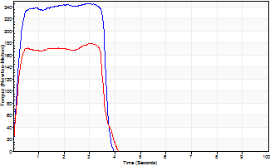
Isometric Extensors (Con) Angle 60 Time 10 Repetition 2 (Best Repetition)
 | Value | Cof Var | %BW
Peak Torque (Newton-Meters)
Right | 245 | 0.04 | 352
Left | 179 | 0.01 | 256
Deficit | 27
Average Torque (Newton-Meters)
Right | 83 | 0.37 | 119
Left | 66 | 0.07 | 95
Deficit | 20
Peak Torque Slope (Newton-Meters/Seconds)
Right | 407 | 0.93 | 582
Left | 337 | 1 | 481 |  | Right Side Curves Left Side Curves
Deficit | 17
Time to Half Peak Torque (Seconds)
Right | 0.14 | 0.24
Left | 0.14 | 0.15
Time to Peak Torque (Seconds)
Right | 1.74 | 0.96
Left | 1.79 | 1.01
HUMAC2015® Version: 15.000.0074 © Computer Sports Medicine, Inc. www.csmisolutions.com

mid1
Use File, Preference to set Report Heading
Long Form Torque vs. Position Report - Knee Extension/Flexion
Name: |  |  |  | TR030_FP3058, | ID: | TR030 | Right/Left: | 04.11.2022 04.11.2022
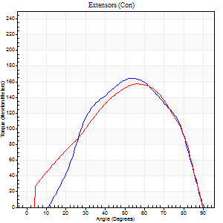
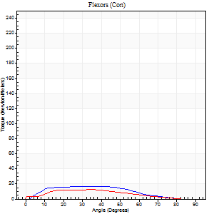
Right Side Curves Left Side Curves
Isokinetic Con/Con |  |  |  | Extensors (Con) |  | Flexors (Con)
Speed 60/60 d/s 3 Reps |  |  |  | Value | Cof Var | %BW | Value | Cof Var | %BW | Ratio

TORQUE PARAMETERS
Peak Torque (Newton-Meters - Best Repetition)
Right |  |  |  | 164 | 0.05 | 235 | 18 | 0.15 | 24 | 11
Left |  |  |  | 157 | 0.01 | 224 | 12 | 0.1 | 18 | 8
Deficit |  |  |  | 4 |  |  | 31
Work per Repetition (Newton-Meters - Best Repetition)
Right |  |  |  | 167 | 0.1 | 238 | 15 | 0.32 | 21 | 9
Left |  |  |  | 156 | 0.04 | 224 | 11 | 0.05 | 15 | 7
Deficit |  |  |  | 7 |  |  | 27
Average Power per Repetition (Watts - Best Repetition)
Right |  |  |  | 107 | 0.12 | 152 | 10 | 0.34 | 13 | 9
Left |  |  |  | 100 | 0.04 | 143 | 6 | 0.03 | 9 | 6
Deficit |  |  |  | 7 |  |  | 40
POSITION PARAMETERS
Joint Angle at Peak Torque (Degrees)
Right |  |  |  | 51 | 0.04 |  | 25 | 0.27
Left |  |  |  | 55 | 0.04 |  | 34 | 0.05
Range of Motion (Degrees)
Right |  |  |  | 5 | 1.31 |  | 90 | 0
Left |  |  |  | 0 | 0.47 |  | 90 | 0
TIME PARAMETERS
Time to Peak Torque (Seconds)
Right |  |  |  | 0.69 | 0.05 |  | 0.4 | 0.21
Left |  |  |  | 0.62 | 0.09 |  | 0.76 | 0.08
Time Peak Torque Held (Seconds)
Right |  |  |  | 0.04 | 0.31 |  | 0.02 | 0.92
Left |  |  |  | 0.05 | 0.22 |  | 0.02 | 1.73
Force Decay Time (Seconds)
Right |  |  |  | 0.79 | 0.07 |  | 1.11 | 0.09
Left |  |  |  | 0.91 | 0.03 |  | 0.95 | 0.05
Reciprocal Delay (Seconds)
Right |  |  |  | 0.21 | 0.27 |  | 0.11 | 0.45
Left |  |  |  | 0.21 | 0.2 |  | 0.49 | 0.28
Delay Time (Seconds)
Right |  |  |  | -0.02 | -0.28 |  | 0 | 0
Left |  |  |  | 0 | -1.41 |  | -0.11 | -0.24
HUMAC2015® Version: 15.000.0074 © Computer Sports Medicine, Inc. www.csmisolutions.com

Use File, Preference to set Report Heading
Long Form Torque vs. Position Report - Knee Extension/Flexion
Name: |  |  |  | TR030_FP3058, | ID: | TR030 | Right/Left: | 04.11.2022 04.11.2022
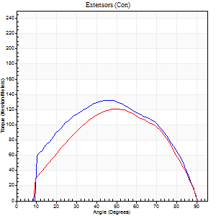
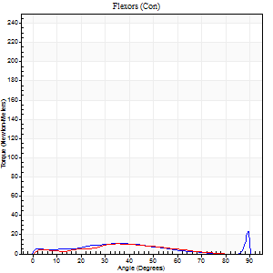
Right Side Curves Left Side Curves
Isokinetic Con/Con |  |  |  | Extensors (Con) |  | Flexors (Con)
Speed 120/120 d/s 3 Reps |  |  |  | Value | Cof Var | %BW | Value | Cof Var | %BW | Ratio

TORQUE PARAMETERS
Peak Torque (Newton-Meters - Best Repetition)
Right |  |  |  | 133 | 0.11 | 191 | 23 | 0.56 | 33 | 17
Left |  |  |  | 121 | 0.06 | 173 | 11 | 0.39 | 15 | 9
Deficit |  |  |  | 9 |  |  | 53
Work per Repetition (Newton-Meters - Best Repetition)
Right |  |  |  | 137 | 0.09 | 197 | 8 | 0.2 | 12 | 6
Left |  |  |  | 119 | 0.05 | 170 | 8 | 0.56 | 12 | 7
Deficit |  |  |  | 13 |  |  | 0
Average Power per Repetition (Watts - Best Repetition)
Right |  |  |  | 162 | 0.12 | 231 | 9 | 0.19 | 13 | 6
Left |  |  |  | 143 | 0.05 | 204 | 8 | 0.67 | 11 | 6
Deficit |  |  |  | 12 |  |  | 11
POSITION PARAMETERS
Joint Angle at Peak Torque (Degrees)
Right |  |  |  | 47 | 0.06 |  | 71 | 0.45
Left |  |  |  | 50 | 0.01 |  | 45 | 0.89
Range of Motion (Degrees)
Right |  |  |  | 0 | 0.88 |  | 90 | 0
Left |  |  |  | 1 | 0.06 |  | 89 | 0.01
TIME PARAMETERS
Time to Peak Torque (Seconds)
Right |  |  |  | 0.43 | 0.02 |  | 0.79 | 0.36
Left |  |  |  | 0.37 | 0.04 |  | 0.57 | 0.73
Time Peak Torque Held (Seconds)
Right |  |  |  | 0.03 | 0.33 |  | 0.01 | 1.73
Left |  |  |  | 0.02 | 0 |  | 0.01 | 1.15
Force Decay Time (Seconds)
Right |  |  |  | 0.42 | 0.1 |  | 0.16 | 1.79
Left |  |  |  | 0.43 | 0.01 |  | 0.44 | 1.05
Reciprocal Delay (Seconds)
Right |  |  |  | 0.12 | 0.35 |  | 0.25 | 0.26
Left |  |  |  | 0.11 | 0.26 |  | 0.1 | 0.1
Delay Time (Seconds)
Right |  |  |  | -0.02 | -0.28 |  | -0.02 | 0
Left |  |  |  | 0 | -1.41 |  | -0.02 | -0.5
HUMAC2015® Version: 15.000.0074 © Computer Sports Medicine, Inc. www.csmisolutions.com

Use File, Preference to set Report Heading
Long Form Torque vs. Position Report - Knee Extension/Flexion
Name: |  |  |  | TR030_FP3058, | ID: | TR030 | Right/Left: | 04.11.2022 04.11.2022
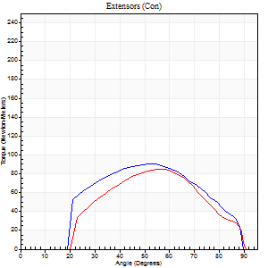
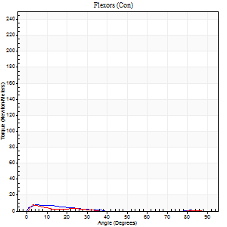
Right Side Curves Left Side Curves
Isokinetic Con/Con |  |  |  | Extensors (Con) |  | Flexors (Con)
Speed 240/240 d/s 3 Reps |  |  |  | Value | Cof Var | %BW | Value | Cof Var | %BW | Ratio

TORQUE PARAMETERS
Peak Torque (Newton-Meters - Best Repetition)
Right |  |  |  | 91 | 0.06 | 131 | 8 | 0.29 | 12 | 9
Left |  |  |  | 85 | 0.28 | 122 | 8 | 0.24 | 12 | 10
Deficit |  |  |  | 6 |  |  | 0
Work per Repetition (Newton-Meters - Best Repetition)
Right |  |  |  | 85 | 0.06 | 122 | 3 | 0.1 | 3 | 3
Left |  |  |  | 73 | 0.24 | 104 | 3 | 0.16 | 3 | 4
Deficit |  |  |  | 14 |  |  | 0
Average Power per Repetition (Watts - Best Repetition)
Right |  |  |  | 170 | 0.15 | 242 | 4 | 0.09 | 7 | 2
Left |  |  |  | 143 | 0.27 | 204 | 3 | 0.37 | 4 | 2
Deficit |  |  |  | 16 |  |  | 25
POSITION PARAMETERS
Joint Angle at Peak Torque (Degrees)
Right |  |  |  | 53 | 0.02 |  | 6 | 0.18
Left |  |  |  | 54 | 0.04 |  | 3 | 0.34
Range of Motion (Degrees)
Right |  |  |  | 1 | 0.06 |  | 89 | 0
Left |  |  |  | 1 | 0.07 |  | 90 | 0.01
TIME PARAMETERS
Time to Peak Torque (Seconds)
Right |  |  |  | 0.22 | 0.03 |  | 0.13 | 0.36
Left |  |  |  | 0.21 | 0 |  | 0.07 | 0.28
Time Peak Torque Held (Seconds)
Right |  |  |  | 0.01 | 0.87 |  | 0.05 | 1.55
Left |  |  |  | 0.01 | 0.87 |  | 0 | 0
Force Decay Time (Seconds)
Right |  |  |  | 0.28 | 0.14 |  | 0.65 | 0.17
Left |  |  |  | 0.28 | 0.04 |  | 1.02 | 0.21
Reciprocal Delay (Seconds)
Right |  |  |  | 0.05 | 0.13 |  | 0.11 | 0.66
Left |  |  |  | 0.12 | 0.06 |  | 0.07 | 0.08
Delay Time (Seconds)
Right |  |  |  | -0.01 | -0.47 |  | -0.01 | -8.26
Left |  |  |  | -0.01 | -0.47 |  | -0.04 | -0.13
HUMAC2015® Version: 15.000.0074 © Computer Sports Medicine, Inc. www.csmisolutions.com

Use File, Preference to set Report Heading
Isometric - Knee Extension/Flexion
Name: |  |  |  | TR030_FP3058, | ID: | TR030 | Right/Left: | 04.11.2022 04.11.2022

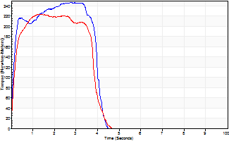
Isometric Extensors (Con) Angle 60 Time 10 Repetition 2 (Best Repetition)
 | Value | Cof Var | %BW
Peak Torque (Newton-Meters)
Right | 247 | 0.01 | 352
Left | 224 | 0.04 | 319
Deficit | 9
Average Torque (Newton-Meters)
Right | 89 | 0.02 | 128
Left | 80 | 0.1 | 113
Deficit | 11
Peak Torque Slope (Newton-Meters/Seconds)
Right | 88 | 0.1 | 126
Left | 190 | 0.11 | 271 |  | Right Side Curves Left Side Curves
Deficit | 54
Time to Half Peak Torque (Seconds)
Right | 0.14 | 0.16
Left | 0.2 | 0.28
Time to Peak Torque (Seconds)
Right | 2.97 | 0.09
Left | 1.23 | 0.15
HUMAC2015® Version: 15.000.0074 © Computer Sports Medicine, Inc. www.csmisolutions.com

mid2
Use File, Preference to set Report Heading
Long Form Torque vs. Position Report - Knee Extension/Flexion
Name: |  |  |  | TR030_FP3058, | ID: | TR030 | Right/Left: | 09.11.2022 09.11.2022
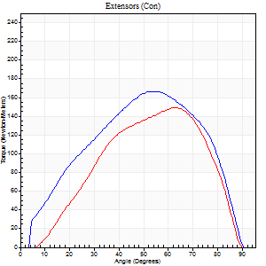

Right Side Curves Left Side Curves
Isokinetic Con/Con |  |  |  | Extensors (Con) |  | Flexors (Con)
Speed 60/60 d/s 3 Reps |  |  |  | Value | Cof Var | %BW | Value | Cof Var | %BW | Ratio

TORQUE PARAMETERS
Peak Torque (Newton-Meters - Best Repetition)
Right |  |  |  | 167 | 0.02 | 238 | 12 | 0.37 | 18 | 7
Left |  |  |  | 149 | 0.07 | 212 | 18 | 0.22 | 24 | 12
Deficit |  |  |  | 11 |  |  | 31
Work per Repetition (Newton-Meters - Best Repetition)
Right |  |  |  | 170 | 0.06 | 241 | 9 | 0.38 | 15 | 6
Left |  |  |  | 142 | 0.08 | 203 | 14 | 0.19 | 18 | 10
Deficit |  |  |  | 16 |  |  | 30
Average Power per Repetition (Watts - Best Repetition)
Right |  |  |  | 110 | 0.05 | 156 | 6 | 0.48 | 9 | 5
Left |  |  |  | 90 | 0.02 | 127 | 9 | 0.31 | 13 | 10
Deficit |  |  |  | 18 |  |  | 33
POSITION PARAMETERS
Joint Angle at Peak Torque (Degrees)
Right |  |  |  | 52 | 0.02 |  | 27 | 0.64
Left |  |  |  | 61 | 0.04 |  | 27 | 0.33
Range of Motion (Degrees)
Right |  |  |  | 1 | 0.16 |  | 90 | 0
Left |  |  |  | 2 | 1.46 |  | 90 | 0
TIME PARAMETERS
Time to Peak Torque (Seconds)
Right |  |  |  | 0.64 | 0.02 |  | 0.52 | 0.49
Left |  |  |  | 0.51 | 0.1 |  | 0.54 | 0.74
Time Peak Torque Held (Seconds)
Right |  |  |  | 0.05 | 0.2 |  | 0.06 | 1.34
Left |  |  |  | 0.05 | 0.35 |  | 0 | 1.73
Force Decay Time (Seconds)
Right |  |  |  | 0.83 | 0.03 |  | 1.13 | 0.31
Left |  |  |  | 0.94 | 0.06 |  | 1.06 | 0.15
Reciprocal Delay (Seconds)
Right |  |  |  | 0.12 | 0.28 |  | 0.1 | 0.2
Left |  |  |  | 0.14 | 0.1 |  | 0.4 | 1.3
Delay Time (Seconds)
Right |  |  |  | 0 | 0 |  | 0.01 | 4.58
Left |  |  |  | -0.01 | -1.41 |  | -0.01 | -18.68
HUMAC2015® Version: 15.000.0074 © Computer Sports Medicine, Inc. www.csmisolutions.com

Use File, Preference to set Report Heading
Long Form Torque vs. Position Report - Knee Extension/Flexion
Name: |  |  |  | TR030_FP3058, | ID: | TR030 | Right/Left: | 09.11.2022 09.11.2022
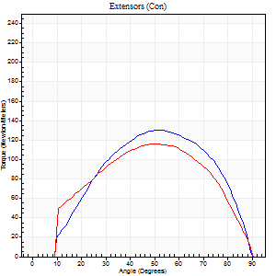
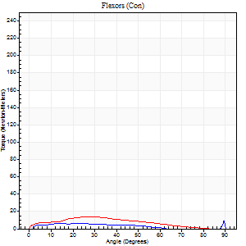
Right Side Curves Left Side Curves
Isokinetic Con/Con |  |  |  | Extensors (Con) |  | Flexors (Con)
Speed 120/120 d/s 3 Reps |  |  |  | Value | Cof Var | %BW | Value | Cof Var | %BW | Ratio

TORQUE PARAMETERS
Peak Torque (Newton-Meters - Best Repetition)
Right |  |  |  | 130 | 0.18 | 185 | 9 | 0.31 | 15 | 7
Left |  |  |  | 117 | 0.07 | 167 | 14 | 0.45 | 18 | 12
Deficit |  |  |  | 10 |  |  | 30
Work per Repetition (Newton-Meters - Best Repetition)
Right |  |  |  | 136 | 0.25 | 194 | 5 | 0.36 | 9 | 4
Left |  |  |  | 119 | 0.09 | 170 | 12 | 0.59 | 18 | 10
Deficit |  |  |  | 12 |  |  | 56
Average Power per Repetition (Watts - Best Repetition)
Right |  |  |  | 164 | 0.27 | 233 | 5 | 0.42 | 7 | 3
Left |  |  |  | 134 | 0.1 | 191 | 13 | 0.67 | 18 | 10
Deficit |  |  |  | 18 |  |  | 62
POSITION PARAMETERS
Joint Angle at Peak Torque (Degrees)
Right |  |  |  | 50 | 0.06 |  | 67 | 0.59
Left |  |  |  | 49 | 0.03 |  | 19 | 0.6
Range of Motion (Degrees)
Right |  |  |  | 1 | 0.25 |  | 90 | 0
Left |  |  |  | 0 | 0 |  | 90 | 0
TIME PARAMETERS
Time to Peak Torque (Seconds)
Right |  |  |  | 0.38 | 0.09 |  | 0.8 | 0.43
Left |  |  |  | 0.41 | 0.07 |  | 0.3 | 0.29
Time Peak Torque Held (Seconds)
Right |  |  |  | 0.03 | 0.33 |  | 0 | 1.73
Left |  |  |  | 0.03 | 0.22 |  | 0.03 | 0.88
Force Decay Time (Seconds)
Right |  |  |  | 0.4 | 0.03 |  | 0.19 | 1.78
Left |  |  |  | 0.44 | 0.03 |  | 0.71 | 0.46
Reciprocal Delay (Seconds)
Right |  |  |  | 0.06 | 0.11 |  | 0.12 | 0.68
Left |  |  |  | 0.15 | 0.38 |  | 0.18 | 0.18
Delay Time (Seconds)
Right |  |  |  | -0.01 | 0 |  | 0.01 | 7.55
Left |  |  |  | 0 | -4.24 |  | -0.04 | -0.31
HUMAC2015® Version: 15.000.0074 © Computer Sports Medicine, Inc. www.csmisolutions.com

Use File, Preference to set Report Heading
Long Form Torque vs. Position Report - Knee Extension/Flexion
Name: |  |  |  | TR030_FP3058, | ID: | TR030 | Right/Left: | 09.11.2022 09.11.2022
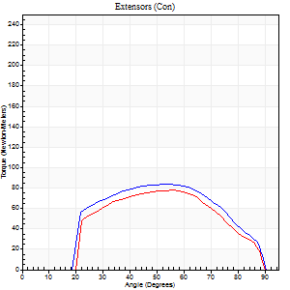
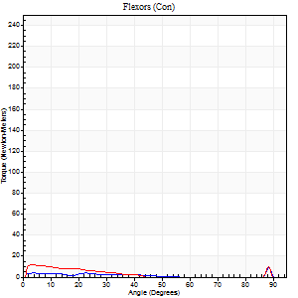
Right Side Curves Left Side Curves
Isokinetic Con/Con |  |  |  | Extensors (Con) |  | Flexors (Con)
Speed 240/240 d/s 3 Reps |  |  |  | Value | Cof Var | %BW | Value | Cof Var | %BW | Ratio

TORQUE PARAMETERS
Peak Torque (Newton-Meters - Best Repetition)
Right |  |  |  | 84 | 0.07 | 119 | 9 | 0.39 | 15 | 11
Left |  |  |  | 77 | 0.2 | 110 | 12 | 0.24 | 18 | 16
Deficit |  |  |  | 8 |  |  | 22
Work per Repetition (Newton-Meters - Best Repetition)
Right |  |  |  | 81 | 0.1 | 116 | 3 | 0.17 | 3 | 3
Left |  |  |  | 72 | 0.34 | 101 | 5 | 0.17 | 9 | 8
Deficit |  |  |  | 12 |  |  | 50
Average Power per Repetition (Watts - Best Repetition)
Right |  |  |  | 161 | 0.13 | 231 | 3 | 0.23 | 4 | 2
Left |  |  |  | 135 | 0.37 | 193 | 8 | 0.23 | 11 | 6
Deficit |  |  |  | 16 |  |  | 63
POSITION PARAMETERS
Joint Angle at Peak Torque (Degrees)
Right |  |  |  | 54 | 0.04 |  | 34 | 1.41
Left |  |  |  | 55 | 0.03 |  | 31 | 1.59
Range of Motion (Degrees)
Right |  |  |  | 1 | 0.03 |  | 90 | 0
Left |  |  |  | 1 | 0.82 |  | 89 | 0
TIME PARAMETERS
Time to Peak Torque (Seconds)
Right |  |  |  | 0.23 | 0.03 |  | 0.38 | 1.12
Left |  |  |  | 0.22 | 0.03 |  | 0.29 | 1.26
Time Peak Torque Held (Seconds)
Right |  |  |  | 0.02 | 0.92 |  | 0 | 1.73
Left |  |  |  | 0.01 | 1 |  | 0 | 1.73
Force Decay Time (Seconds)
Right |  |  |  | 0.26 | 0.07 |  | 0.59 | 0.84
Left |  |  |  | 0.3 | 0.1 |  | 0.43 | 0.83
Reciprocal Delay (Seconds)
Right |  |  |  | 0.06 | 0.11 |  | 0.09 | 0.44
Left |  |  |  | 0.06 | 0.11 |  | 0.09 | 0.47
Delay Time (Seconds)
Right |  |  |  | -0.03 | 0 |  | -0.02 | -0.92
Left |  |  |  | -0.02 | -0.28 |  | -0.04 | -0.27
HUMAC2015® Version: 15.000.0074 © Computer Sports Medicine, Inc. www.csmisolutions.com

Use File, Preference to set Report Heading
Isometric - Knee Extension/Flexion
Name: |  |  |  | TR030_FP3058, | ID: | TR030 | Right/Left: | 09.11.2022 09.11.2022

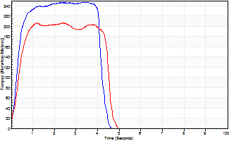
Isometric Extensors (Con) Angle 60 Time 10 Repetition 2 (Best Repetition)
 | Value | Cof Var | %BW
Peak Torque (Newton-Meters)
Right | 247 | 0.01 | 352
Left | 206 | 0.01 | 295
Deficit | 16
Average Torque (Newton-Meters)
Right | 99 | 0.04 | 140
Left | 84 | 0 | 119
Deficit | 15
Peak Torque Slope (Newton-Meters/Seconds)
Right | 105 | 0.1 | 150
Left | 87 | 0.17 | 124 |  | Right Side Curves Left Side Curves
Deficit | 17
Time to Half Peak Torque (Seconds)
Right | 0.24 | 0.35
Left | 0.36 | 0.02
Time to Peak Torque (Seconds)
Right | 2.5 | 0.09
Left | 2.68 | 0.17
HUMAC2015® Version: 15.000.0074 © Computer Sports Medicine, Inc. www.csmisolutions.com

post1
Use File, Preference to set Report Heading
Long Form Torque vs. Position Report - Knee Extension/Flexion
Name: |  |  |  | TR030_FP3058, | ID: | TR030 | Right/Left: | 25.11.2022 25.11.2022
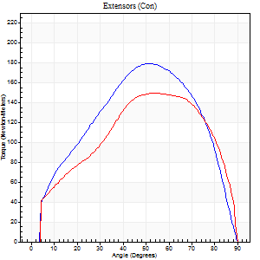
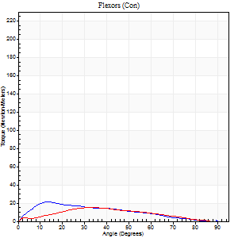
Right Side Curves Left Side Curves
Isokinetic Con/Con |  |  |  | Extensors (Con) |  | Flexors (Con)
Speed 60/60 d/s 3 Reps |  |  |  | Value | Cof Var | %BW | Value | Cof Var | %BW | Ratio

TORQUE PARAMETERS
Peak Torque (Newton-Meters - Best Repetition)
Right |  |  |  | 179 | 0.06 | 256 | 22 | 0.52 | 30 | 12
Left |  |  |  | 149 | 0.05 | 212 | 15 | 0.23 | 21 | 10
Deficit |  |  |  | 17 |  |  | 31
Work per Repetition (Newton-Meters - Best Repetition)
Right |  |  |  | 184 | 0.02 | 262 | 16 | 0.51 | 24 | 9
Left |  |  |  | 161 | 0.1 | 229 | 14 | 0.21 | 18 | 8
Deficit |  |  |  | 12 |  |  | 17
Average Power per Repetition (Watts - Best Repetition)
Right |  |  |  | 117 | 0.01 | 167 | 10 | 0.51 | 13 | 9
Left |  |  |  | 100 | 0.08 | 143 | 8 | 0.25 | 11 | 8
Deficit |  |  |  | 15 |  |  | 20
POSITION PARAMETERS
Joint Angle at Peak Torque (Degrees)
Right |  |  |  | 50 | 0.02 |  | 31 | 0.49
Left |  |  |  | 57 | 0.07 |  | 38 | 0.18
Range of Motion (Degrees)
Right |  |  |  | 1 | 0.24 |  | 90 | 0
Left |  |  |  | 0 | 1.41 |  | 90 | 0
TIME PARAMETERS
Time to Peak Torque (Seconds)
Right |  |  |  | 0.7 | 0 |  | 0.57 | 0.49
Left |  |  |  | 0.57 | 0.16 |  | 0.78 | 0.27
Time Peak Torque Held (Seconds)
Right |  |  |  | 0.06 | 0.29 |  | 0.01 | 0.87
Left |  |  |  | 0.08 | 0.4 |  | 0.03 | 1.73
Force Decay Time (Seconds)
Right |  |  |  | 0.78 | 0.06 |  | 0.99 | 0.28
Left |  |  |  | 0.89 | 0.08 |  | 0.89 | 0.11
Reciprocal Delay (Seconds)
Right |  |  |  | 0.14 | 0.4 |  | 0.15 | 0.55
Left |  |  |  | 0.19 | 0.04 |  | 0.21 | 0.94
Delay Time (Seconds)
Right |  |  |  | -0.01 | 0 |  | 0 | 7.55
Left |  |  |  | -0.02 | -0.85 |  | -0.07 | -0.44
HUMAC2015® Version: 15.000.0074 © Computer Sports Medicine, Inc. www.csmisolutions.com

Use File, Preference to set Report Heading
Long Form Torque vs. Position Report - Knee Extension/Flexion
Name: |  |  |  | TR030_FP3058, | ID: | TR030 | Right/Left: | 25.11.2022 25.11.2022
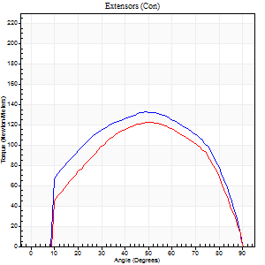
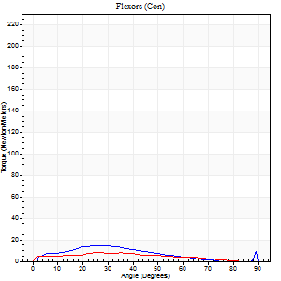
Right Side Curves Left Side Curves
Isokinetic Con/Con |  |  |  | Extensors (Con) |  | Flexors (Con)
Speed 120/120 d/s 3 Reps |  |  |  | Value | Cof Var | %BW | Value | Cof Var | %BW | Ratio

TORQUE PARAMETERS
Peak Torque (Newton-Meters - Best Repetition)
Right |  |  |  | 133 | 0.02 | 191 | 15 | 0.4 | 21 | 11
Left |  |  |  | 122 | 0.06 | 173 | 8 | 0.26 | 12 | 7
Deficit |  |  |  | 8 |  |  | 45
Work per Repetition (Newton-Meters - Best Repetition)
Right |  |  |  | 146 | 0.02 | 209 | 11 | 0.51 | 15 | 7
Left |  |  |  | 127 | 0.07 | 182 | 7 | 0.53 | 9 | 5
Deficit |  |  |  | 13 |  |  | 38
Average Power per Repetition (Watts - Best Repetition)
Right |  |  |  | 178 | 0.04 | 255 | 12 | 0.57 | 18 | 7
Left |  |  |  | 149 | 0.06 | 213 | 8 | 0.65 | 11 | 5
Deficit |  |  |  | 16 |  |  | 33
POSITION PARAMETERS
Joint Angle at Peak Torque (Degrees)
Right |  |  |  | 48 | 0.03 |  | 49 | 0.73
Left |  |  |  | 52 | 0.04 |  | 21 | 0.51
Range of Motion (Degrees)
Right |  |  |  | 1 | 0.08 |  | 90 | 0
Left |  |  |  | 1 | 0.08 |  | 89 | 0.01
TIME PARAMETERS
Time to Peak Torque (Seconds)
Right |  |  |  | 0.39 | 0.04 |  | 0.58 | 0.62
Left |  |  |  | 0.37 | 0.06 |  | 0.35 | 0.25
Time Peak Torque Held (Seconds)
Right |  |  |  | 0.02 | 0.25 |  | 0.04 | 1.32
Left |  |  |  | 0.03 | 0.33 |  | 0.01 | 1
Force Decay Time (Seconds)
Right |  |  |  | 0.4 | 0.02 |  | 0.32 | 0.92
Left |  |  |  | 0.46 | 0.02 |  | 0.7 | 0.25
Reciprocal Delay (Seconds)
Right |  |  |  | 0.09 | 0 |  | 0.16 | 0.2
Left |  |  |  | 0.16 | 0.41 |  | 0.17 | 0.18
Delay Time (Seconds)
Right |  |  |  | -0.01 | -0.47 |  | 0 | -6.93
Left |  |  |  | -0.02 | 0 |  | -0.05 | -0.2
HUMAC2015® Version: 15.000.0074 © Computer Sports Medicine, Inc. www.csmisolutions.com

Use File, Preference to set Report Heading
Long Form Torque vs. Position Report - Knee Extension/Flexion
Name: |  |  |  | TR030_FP3058, | ID: | TR030 | Right/Left: | 25.11.2022 25.11.2022
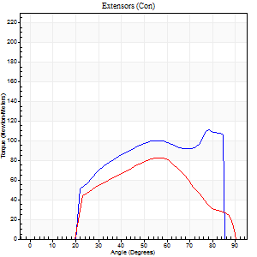
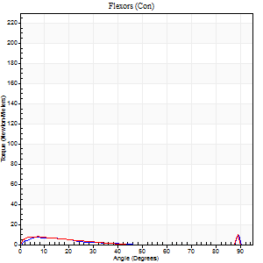
Right Side Curves Left Side Curves
Isokinetic Con/Con |  |  |  | Extensors (Con) |  | Flexors (Con)
Speed 240/240 d/s 3 Reps |  |  |  | Value | Cof Var | %BW | Value | Cof Var | %BW | Ratio

TORQUE PARAMETERS
Peak Torque (Newton-Meters - Best Repetition)
Right |  |  |  | 111 | 0.14 | 158 | 9 | 0.29 | 15 | 9
Left |  |  |  | 83 | 0.02 | 119 | 9 | 0.34 | 15 | 11
Deficit |  |  |  | 26 |  |  | 0
Work per Repetition (Newton-Meters - Best Repetition)
Right |  |  |  | 100 | 0.12 | 143 | 3 | 0.14 | 3 | 3
Left |  |  |  | 76 | 0.05 | 107 | 3 | 0.17 | 3 | 4
Deficit |  |  |  | 24 |  |  | 0
Average Power per Repetition (Watts - Best Repetition)
Right |  |  |  | 201 | 0.16 | 288 | 3 | 0.16 | 4 | 1
Left |  |  |  | 135 | 0.06 | 193 | 4 | 0.19 | 7 | 3
Deficit |  |  |  | 33 |  |  | 25
POSITION PARAMETERS
Joint Angle at Peak Torque (Degrees)
Right |  |  |  | 63 | 0.22 |  | 60 | 0.85
Left |  |  |  | 57 | 0.04 |  | 60 | 0.85
Range of Motion (Degrees)
Right |  |  |  | 1 | 0.62 |  | 88 | 0.03
Left |  |  |  | 0 | 0.18 |  | 90 | 0
TIME PARAMETERS
Time to Peak Torque (Seconds)
Right |  |  |  | 0.22 | 0.03 |  | 0.64 | 0.78
Left |  |  |  | 0.21 | 0.07 |  | 0.65 | 0.79
Time Peak Torque Held (Seconds)
Right |  |  |  | 0.01 | 1 |  | 0.01 | 0.43
Left |  |  |  | 0.02 | 1 |  | 0.01 | 0.87
Force Decay Time (Seconds)
Right |  |  |  | 0.33 | 0.21 |  | 0.3 | 1.7
Left |  |  |  | 0.32 | 0.04 |  | 0.29 | 1.73
Reciprocal Delay (Seconds)
Right |  |  |  | 0.13 | 0.26 |  | 0.13 | 0.12
Left |  |  |  | 0.13 | 0.05 |  | 0.18 | 0.11
Delay Time (Seconds)
Right |  |  |  | -0.03 | 0 |  | -0.03 | -0.33
Left |  |  |  | -0.03 | 0 |  | -0.07 | -0.14
HUMAC2015® Version: 15.000.0074 © Computer Sports Medicine, Inc. www.csmisolutions.com

Use File, Preference to set Report Heading
Isometric - Knee Extension/Flexion
Name: |  |  |  | TR030_FP3058, | ID: | TR030 | Right/Left: | 25.11.2022 25.11.2022

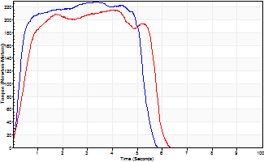
Isometric Extensors (Con) Angle 60 Time 10 Repetition 2 (Best Repetition)
 | Value | Cof Var | %BW
Peak Torque (Newton-Meters)
Right | 228 | 0.02 | 325
Left | 216 | 0.03 | 307
Deficit | 5
Average Torque (Newton-Meters)
Right | 118 | 0.06 | 167
Left | 107 | 0.21 | 152
Deficit | 9
Peak Torque Slope (Newton-Meters/Seconds)
Right | 68 | 0.24 | 97
Left | 100 | 0.45 | 142 |  | Right Side Curves Left Side Curves
Deficit | 32
Time to Half Peak Torque (Seconds)
Right | 0.32 | 0.18
Left | 0.38 | 0.33
Time to Peak Torque (Seconds)
Right | 4 | 0.23
Left | 3.11 | 0.47
HUMAC2015® Version: 15.000.0074 © Computer Sports Medicine, Inc. www.csmisolutions.com

post2
Use File, Preference to set Report Heading
Long Form Torque vs. Position Report - Knee Extension/Flexion
Name: |  |  |  | TR030_FP3058, | ID: | TR030 | Right/Left: | 28.11.2022 28.11.2022
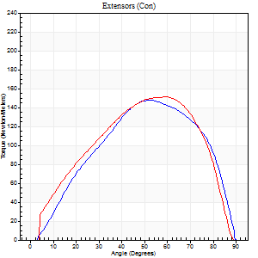
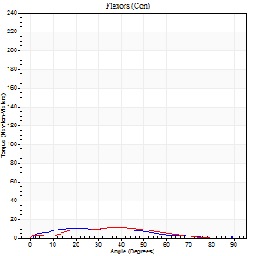
Right Side Curves Left Side Curves
Isokinetic Con/Con |  |  |  | Extensors (Con) |  | Flexors (Con)
Speed 60/60 d/s 3 Reps |  |  |  | Value | Cof Var | %BW | Value | Cof Var | %BW | Ratio

TORQUE PARAMETERS
Peak Torque (Newton-Meters - Best Repetition)
Right |  |  |  | 148 | 0.05 | 212 | 9 | 0.11 | 15 | 6
Left |  |  |  | 151 | 0.12 | 215 | 11 | 0.4 | 15 | 7
Deficit |  |  |  | 2 |  |  | 13
Work per Repetition (Newton-Meters - Best Repetition)
Right |  |  |  | 157 | 0.03 | 224 | 8 | 0.11 | 12 | 5
Left |  |  |  | 156 | 0.12 | 224 | 9 | 0.44 | 15 | 6
Deficit |  |  |  | 1 |  |  | 14
Average Power per Repetition (Watts - Best Repetition)
Right |  |  |  | 102 | 0.03 | 145 | 5 | 0.06 | 7 | 5
Left |  |  |  | 99 | 0.13 | 141 | 5 | 0.46 | 7 | 5
Deficit |  |  |  | 3 |  |  | 0
POSITION PARAMETERS
Joint Angle at Peak Torque (Degrees)
Right |  |  |  | 54 | 0.07 |  | 26 | 0.41
Left |  |  |  | 51 | 0.15 |  | 36 | 0.06
Range of Motion (Degrees)
Right |  |  |  | 0 | 0.53 |  | 90 | 0
Left |  |  |  | 0 | 0 |  | 89 | 0.01
TIME PARAMETERS
Time to Peak Torque (Seconds)
Right |  |  |  | 0.6 | 0.13 |  | 0.5 | 0.39
Left |  |  |  | 0.61 | 0.19 |  | 0.78 | 0.06
Time Peak Torque Held (Seconds)
Right |  |  |  | 0.1 | 0.44 |  | 0.05 | 0.87
Left |  |  |  | 0.07 | 0.34 |  | 0.06 | 1.58
Force Decay Time (Seconds)
Right |  |  |  | 0.82 | 0.03 |  | 1.13 | 0.29
Left |  |  |  | 0.81 | 0.14 |  | 0.99 | 0.15
Reciprocal Delay (Seconds)
Right |  |  |  | 0.16 | 0.23 |  | 0.15 | 0.55
Left |  |  |  | 0.15 | 0.66 |  | 0.27 | 0.27
Delay Time (Seconds)
Right |  |  |  | -0.01 | 0 |  | -0.03 | -1.85
Left |  |  |  | -0.02 | -0.85 |  | -0.08 | -0.15
HUMAC2015® Version: 15.000.0074 © Computer Sports Medicine, Inc. www.csmisolutions.com

Use File, Preference to set Report Heading
Long Form Torque vs. Position Report - Knee Extension/Flexion
Name: |  |  |  | TR030_FP3058, | ID: | TR030 | Right/Left: | 28.11.2022 28.11.2022
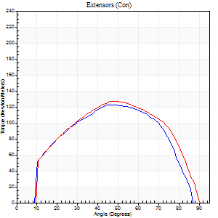

Right Side Curves Left Side Curves
Isokinetic Con/Con |  |  |  | Extensors (Con) |  | Flexors (Con)
Speed 120/120 d/s 3 Reps |  |  |  | Value | Cof Var | %BW | Value | Cof Var | %BW | Ratio

TORQUE PARAMETERS
Peak Torque (Newton-Meters - Best Repetition)
Right |  |  |  | 122 | 0.04 | 173 | 7 | 0.26 | 9 | 6
Left |  |  |  | 127 | 0.09 | 182 | 5 | 0.13 | 9 | 4
Deficit |  |  |  | 4 |  |  | 20
Work per Repetition (Newton-Meters - Best Repetition)
Right |  |  |  | 125 | 0.09 | 179 | 3 | 0.27 | 3 | 2
Left |  |  |  | 133 | 0.08 | 191 | 3 | 0.46 | 3 | 2
Deficit |  |  |  | 6 |  |  | 0
Average Power per Repetition (Watts - Best Repetition)
Right |  |  |  | 154 | 0.09 | 220 | 3 | 0.28 | 4 | 2
Left |  |  |  | 156 | 0.12 | 222 | 3 | 0.73 | 4 | 2
Deficit |  |  |  | 1 |  |  | 0
POSITION PARAMETERS
Joint Angle at Peak Torque (Degrees)
Right |  |  |  | 51 | 0.11 |  | 15 | 0.69
Left |  |  |  | 47 | 0.01 |  | 2 | 0.75
Range of Motion (Degrees)
Right |  |  |  | 1 | 0.05 |  | 89 | 0.02
Left |  |  |  | 0 | 0.33 |  | 90 | 0.01
TIME PARAMETERS
Time to Peak Torque (Seconds)
Right |  |  |  | 0.35 | 0.12 |  | 0.23 | 0.56
Left |  |  |  | 0.42 | 0.1 |  | 0.13 | 0.43
Time Peak Torque Held (Seconds)
Right |  |  |  | 0.04 | 0.66 |  | 0.03 | 1.73
Left |  |  |  | 0.03 | 0.33 |  | 0.01 | 1.73
Force Decay Time (Seconds)
Right |  |  |  | 0.41 | 0.05 |  | 0.86 | 0.08
Left |  |  |  | 0.43 | 0.01 |  | 1.2 | 0.24
Reciprocal Delay (Seconds)
Right |  |  |  | 0.09 | 0.42 |  | 0.13 | 0.3
Left |  |  |  | 0.19 | 0.07 |  | 0.2 | 0.24
Delay Time (Seconds)
Right |  |  |  | -0.02 | -0.28 |  | 0.01 | 1.89
Left |  |  |  | -0.04 | -1.01 |  | -0.06 | -0.09
HUMAC2015® Version: 15.000.0074 © Computer Sports Medicine, Inc. www.csmisolutions.com

Use File, Preference to set Report Heading
Long Form Torque vs. Position Report - Knee Extension/Flexion
Name: |  |  |  | TR030_FP3058, | ID: | TR030 | Right/Left: | 28.11.2022 28.11.2022
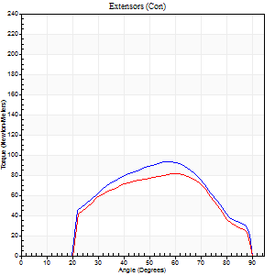

Right Side Curves Left Side Curves
Isokinetic Con/Con |  |  |  | Extensors (Con) |  | Flexors (Con)
Speed 240/240 d/s 3 Reps |  |  |  | Value | Cof Var | %BW | Value | Cof Var | %BW | Ratio

TORQUE PARAMETERS
Peak Torque (Newton-Meters - Best Repetition)
Right |  |  |  | 94 | 0.04 | 134 | 4 | 0.13 | 6 | 4
Left |  |  |  | 81 | 0.05 | 116 | 7 | 0.21 | 9 | 8
Deficit |  |  |  | 13 |  |  | 40
Work per Repetition (Newton-Meters - Best Repetition)
Right |  |  |  | 83 | 0.03 | 119 | 1 | 0.15 | 3 | 2
Left |  |  |  | 73 | 0.09 | 104 | 3 | 0.18 | 3 | 4
Deficit |  |  |  | 11 |  |  | 50
Average Power per Repetition (Watts - Best Repetition)
Right |  |  |  | 156 | 0.03 | 222 | 2 | 0.32 | 2 | 1
Left |  |  |  | 134 | 0.13 | 191 | 2 | 0.23 | 2 | 1
Deficit |  |  |  | 14 |  |  | 0
POSITION PARAMETERS
Joint Angle at Peak Torque (Degrees)
Right |  |  |  | 58 | 0.02 |  | 16 | 0.33
Left |  |  |  | 58 | 0.05 |  | 65 | 0.65
Range of Motion (Degrees)
Right |  |  |  | 1 | 0.04 |  | 90 | 0
Left |  |  |  | 1 | 0.05 |  | 89 | 0
TIME PARAMETERS
Time to Peak Torque (Seconds)
Right |  |  |  | 0.22 | 0.03 |  | 0.34 | 0.31
Left |  |  |  | 0.25 | 0.17 |  | 0.85 | 0.47
Time Peak Torque Held (Seconds)
Right |  |  |  | 0.01 | 0.87 |  | 0.01 | 1.73
Left |  |  |  | 0.01 | 0 |  | 0 | 0
Force Decay Time (Seconds)
Right |  |  |  | 0.29 | 0.04 |  | 0.82 | 0.13
Left |  |  |  | 0.3 | 0.02 |  | 0.22 | 1.73
Reciprocal Delay (Seconds)
Right |  |  |  | 0.09 | 0.37 |  | 0.08 | 0.15
Left |  |  |  | 0.19 | 0.3 |  | 0.1 | 0.1
Delay Time (Seconds)
Right |  |  |  | -0.04 | 0 |  | -0.01 | -0.43
Left |  |  |  | -0.02 | -0.85 |  | -0.05 | -0.22
HUMAC2015® Version: 15.000.0074 © Computer Sports Medicine, Inc. www.csmisolutions.com

Use File, Preference to set Report Heading
Isometric - Knee Extension/Flexion
Name: |  |  |  | TR030_FP3058, | ID: | TR030 | Right/Left: | 28.11.2022 28.11.2022

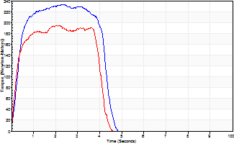
Isometric Extensors (Con) Angle 60 Time 10 Repetition 2 (Best Repetition)
 | Value | Cof Var | %BW
Peak Torque (Newton-Meters)
Right | 233 | 0.04 | 334
Left | 195 | 0.03 | 280
Deficit | 16
Average Torque (Newton-Meters)
Right | 88 | 0.16 | 125
Left | 71 | 0.04 | 101
Deficit | 20
Peak Torque Slope (Newton-Meters/Seconds)
Right | 101 | 0.25 | 144
Left | 96 | 0.13 | 137 |  | Right Side Curves Left Side Curves
Deficit | 5
Time to Half Peak Torque (Seconds)
Right | 0.38 | 0.28
Left | 0.26 | 0.24
Time to Peak Torque (Seconds)
Right | 2.71 | 0.21
Left | 2.16 | 0.09
HUMAC2015® Version: 15.000.0074 © Computer Sports Medicine, Inc. www.csmisolutions.com

