pre1
Use File, Preference to set Report Heading
Long Form Torque vs. Position Report - Knee Extension/Flexion
Name: |  |  |  | TR030_FP3059, | ID: | TR030 | Right/Left: | 07.09.2022 07.09.2022
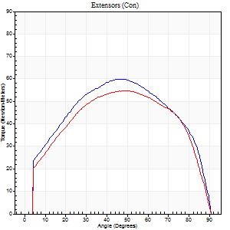
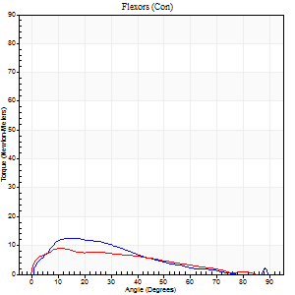
Right Side Curves Left Side Curves
Isokinetic Con/Con |  |  |  | Extensors (Con) |  | Flexors (Con)
Speed 60/60 d/s 3 Reps |  |  |  | Value | Cof Var | %BW | Value | Cof Var | %BW | Ratio

TORQUE PARAMETERS
Peak Torque (Newton-Meters - Best Repetition)
Right |  |  |  | 60 | 0.16 | 77 | 12 | 0.11 | 15 | 20
Left |  |  |  | 54 | 0.08 | 72 | 9 | 0.31 | 12 | 18
Deficit |  |  |  | 9 |  |  | 22
Work per Repetition (Newton-Meters - Best Repetition)
Right |  |  |  | 68 | 0.28 | 89 | 9 | 0.07 | 12 | 14
Left |  |  |  | 62 | 0.09 | 83 | 7 | 0.74 | 9 | 11
Deficit |  |  |  | 8 |  |  | 29
Average Power per Repetition (Watts - Best Repetition)
Right |  |  |  | 35 | 0.19 | 46 | 6 | 0.15 | 9 | 17
Left |  |  |  | 39 | 0.1 | 51 | 5 | 1.05 | 7 | 13
Deficit |  |  |  | 10 |  |  | 17
POSITION PARAMETERS
Joint Angle at Peak Torque (Degrees)
Right |  |  |  | 48 | 0.11 |  | 13 | 0.13
Left |  |  |  | 47 | 0.12 |  | 32 | 1.32
Range of Motion (Degrees)
Right |  |  |  | 0 | -1.41 |  | 90 | 0
Left |  |  |  | 0 | 1.41 |  | 90 | 0
TIME PARAMETERS
Time to Peak Torque (Seconds)
Right |  |  |  | 0.83 | 0.01 |  | 0.28 | 0.16
Left |  |  |  | 0.78 | 0.17 |  | 1.17 | 1.36
Time Peak Torque Held (Seconds)
Right |  |  |  | 0.14 | 1.18 |  | 0.02 | 1.32
Left |  |  |  | 0.05 | 1.73 |  | 0.02 | 0.87
Force Decay Time (Seconds)
Right |  |  |  | 0.7 | 0.11 |  | 1.39 | 0.13
Left |  |  |  | 0.78 | 0.1 |  | 1.23 | 0.83
Reciprocal Delay (Seconds)
Right |  |  |  | 0.22 | 0.62 |  | 0.37 | 0.51
Left |  |  |  | 0.47 | 0.67 |  | 0.46 | 0.23
Delay Time (Seconds)
Right |  |  |  | -0.12 | -0.82 |  | 0 | -7.55
Left |  |  |  | -0.02 | -0.71 |  | -0.06 | 0
HUMAC2015® Version: 15.000.0074 © Computer Sports Medicine, Inc. www.csmisolutions.com

Use File, Preference to set Report Heading
Long Form Torque vs. Position Report - Knee Extension/Flexion
Name: |  |  |  | TR030_FP3059, | ID: | TR030 | Right/Left: | 07.09.2022 07.09.2022
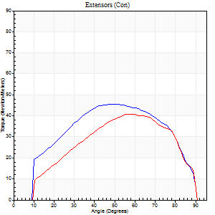
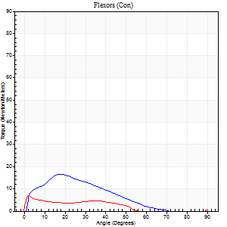
Right Side Curves Left Side Curves
Isokinetic Con/Con |  |  |  | Extensors (Con) |  | Flexors (Con)
Speed 120/120 d/s 3 Reps |  |  |  | Value | Cof Var | %BW | Value | Cof Var | %BW | Ratio

TORQUE PARAMETERS
Peak Torque (Newton-Meters - Best Repetition)
Right |  |  |  | 45 | 0.07 | 60 | 16 | 0.27 | 21 | 36
Left |  |  |  | 41 | 0.16 | 54 | 7 | 0.27 | 9 | 17
Deficit |  |  |  | 9 |  |  | 58
Work per Repetition (Newton-Meters - Best Repetition)
Right |  |  |  | 49 | 0.15 | 66 | 11 | 0.18 | 15 | 22
Left |  |  |  | 41 | 0.15 | 54 | 4 | 0.5 | 6 | 10
Deficit |  |  |  | 17 |  |  | 63
Average Power per Repetition (Watts - Best Repetition)
Right |  |  |  | 55 | 0.22 | 73 | 12 | 0.18 | 15 | 22
Left |  |  |  | 45 | 0.23 | 59 | 3 | 0.61 | 4 | 7
Deficit |  |  |  | 18 |  |  | 75
POSITION PARAMETERS
Joint Angle at Peak Torque (Degrees)
Right |  |  |  | 57 | 0.09 |  | 24 | 0.24
Left |  |  |  | 61 | 0.11 |  | 7 | 1.21
Range of Motion (Degrees)
Right |  |  |  | 0 | 0.2 |  | 90 | 0.01
Left |  |  |  | 0 | 1.41 |  | 90 | 0
TIME PARAMETERS
Time to Peak Torque (Seconds)
Right |  |  |  | 0.41 | 0.12 |  | 0.28 | 0.17
Left |  |  |  | 0.43 | 0.45 |  | 0.23 | 0.74
Time Peak Torque Held (Seconds)
Right |  |  |  | 0.04 | 1.35 |  | 0.02 | 1.73
Left |  |  |  | 0.01 | 1 |  | 0.03 | 1
Force Decay Time (Seconds)
Right |  |  |  | 0.49 | 0.12 |  | 0.58 | 0.12
Left |  |  |  | 0.56 | 0.1 |  | 1.14 | 0.21
Reciprocal Delay (Seconds)
Right |  |  |  | 0.18 | 0.47 |  | 0.17 | 0.18
Left |  |  |  | 0.42 | 0.1 |  | 0.24 | 0.51
Delay Time (Seconds)
Right |  |  |  | -0.04 | -0.35 |  | 0 | 0
Left |  |  |  | -0.14 | -0.83 |  | -0.08 | -0.08
HUMAC2015® Version: 15.000.0074 © Computer Sports Medicine, Inc. www.csmisolutions.com

Use File, Preference to set Report Heading
Long Form Torque vs. Position Report - Knee Extension/Flexion
Name: |  |  |  | TR030_FP3059, | ID: | TR030 | Right/Left: | 07.09.2022 07.09.2022
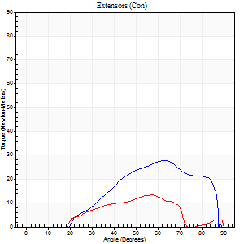
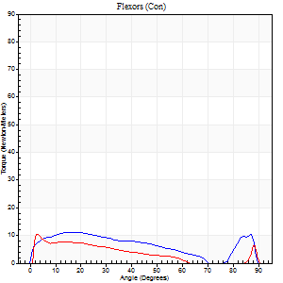
Right Side Curves Left Side Curves
Isokinetic Con/Con |  |  |  | Extensors (Con) |  | Flexors (Con)
Speed 240/240 d/s 3 Reps |  |  |  | Value | Cof Var | %BW | Value | Cof Var | %BW | Ratio

TORQUE PARAMETERS
Peak Torque (Newton-Meters - Best Repetition)
Right |  |  |  | 27 | 0.5 | 36 | 11 | 0.39 | 15 | 40
Left |  |  |  | 14 | 0.31 | 18 | 11 | 0.08 | 15 | 80
Deficit |  |  |  | 50 |  |  | 0
Work per Repetition (Newton-Meters - Best Repetition)
Right |  |  |  | 23 | 0.66 | 30 | 11 | 0.73 | 15 | 47
Left |  |  |  | 8 | 0.28 | 12 | 5 | 0.36 | 6 | 67
Deficit |  |  |  | 65 |  |  | 50
Average Power per Repetition (Watts - Best Repetition)
Right |  |  |  | 23 | 0.55 | 31 | 18 | 0.92 | 24 | 78
Left |  |  |  | 14 | 0.41 | 18 | 9 | 0.49 | 11 | 64
Deficit |  |  |  | 39 |  |  | 50
POSITION PARAMETERS
Joint Angle at Peak Torque (Degrees)
Right |  |  |  | 40 | 0.86 |  | 8 | 0.75
Left |  |  |  | 71 | 0.23 |  | 1 | 0.56
Range of Motion (Degrees)
Right |  |  |  | 1 | 1.41 |  | 89 | 0
Left |  |  |  | 0 | 0 |  | 90 | 0
TIME PARAMETERS
Time to Peak Torque (Seconds)
Right |  |  |  | 0.56 | 0.44 |  | 0.17 | 0.18
Left |  |  |  | 0.33 | 0.21 |  | 0.08 | 0.33
Time Peak Torque Held (Seconds)
Right |  |  |  | 0.01 | 1.73 |  | 0.05 | 1.73
Left |  |  |  | 0.01 | 1.73 |  | 0 | 1.73
Force Decay Time (Seconds)
Right |  |  |  | 0.23 | 0.92 |  | 0.61 | 0.39
Left |  |  |  | 0.45 | 0.2 |  | 0.7 | 0.1
Reciprocal Delay (Seconds)
Right |  |  |  | 0.19 | 0.83 |  | 0.18 | 0.9
Left |  |  |  | 0.68 | 1.04 |  | 0.32 | 0.79
Delay Time (Seconds)
Right |  |  |  | 0.1 | 1.98 |  | 0.09 | 2.4
Left |  |  |  | 0.11 | 2.44 |  | -0.05 | -0.39
HUMAC2015® Version: 15.000.0074 © Computer Sports Medicine, Inc. www.csmisolutions.com

Use File, Preference to set Report Heading
Isometric - Knee Extension/Flexion
Name: |  |  |  | TR030_FP3059, | ID: | TR030 | Right/Left: | 07.09.2022 07.09.2022

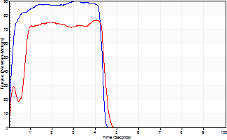
Isometric Extensors (Con) Angle 60 Time 10 Repetition 2 (Best Repetition)
 | Value | Cof Var | %BW
Peak Torque (Newton-Meters)
Right | 89 | 0.08 | 119
Left | 76 | 0.03 | 101
Deficit | 15
Average Torque (Newton-Meters)
Right | 37 | 0.11 | 48
Left | 39 | 0.22 | 51
Deficit | 7
Peak Torque Slope (Newton-Meters/Seconds)
Right | 29 | 0.1 | 38
Left | 71 | 0.81 | 93 |  | Right Side Curves Left Side Curves
Deficit | 60
Time to Half Peak Torque (Seconds)
Right | 0.12 | 0.12
Left | 0.35 | 1.41
Time to Peak Torque (Seconds)
Right | 3.18 | 0.02
Left | 2.5 | 0.84
HUMAC2015® Version: 15.000.0074 © Computer Sports Medicine, Inc. www.csmisolutions.com

pre2
Use File, Preference to set Report Heading
Long Form Torque vs. Position Report - Knee Extension/Flexion
Name: |  |  |  | TR030_FP3059, | ID: | TR030 | Right/Left: | 21.09.2022 21.09.2022
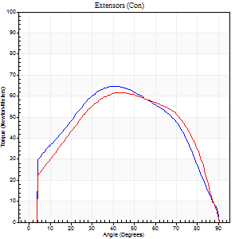
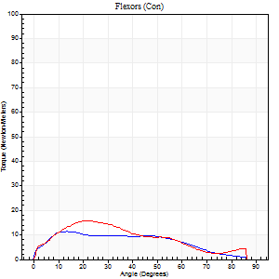
Right Side Curves Left Side Curves
Isokinetic Con/Con |  |  |  | Extensors (Con) |  | Flexors (Con)
Speed 60/60 d/s 3 Reps |  |  |  | Value | Cof Var | %BW | Value | Cof Var | %BW | Ratio

TORQUE PARAMETERS
Peak Torque (Newton-Meters - Best Repetition)
Right |  |  |  | 65 | 0.05 | 86 | 11 | 0.03 | 15 | 17
Left |  |  |  | 61 | 0.05 | 80 | 16 | 0.17 | 21 | 27
Deficit |  |  |  | 6 |  |  | 33
Work per Repetition (Newton-Meters - Best Repetition)
Right |  |  |  | 72 | 0.02 | 95 | 11 | 0.13 | 15 | 15
Left |  |  |  | 69 | 0.05 | 92 | 14 | 0.24 | 18 | 20
Deficit |  |  |  | 4 |  |  | 20
Average Power per Repetition (Watts - Best Repetition)
Right |  |  |  | 42 | 0.01 | 55 | 7 | 0.16 | 9 | 17
Left |  |  |  | 41 | 0.01 | 55 | 9 | 0.25 | 11 | 22
Deficit |  |  |  | 2 |  |  | 22
POSITION PARAMETERS
Joint Angle at Peak Torque (Degrees)
Right |  |  |  | 42 | 0.05 |  | 13 | 0.16
Left |  |  |  | 48 | 0.08 |  | 17 | 0.22
Range of Motion (Degrees)
Right |  |  |  | 0 | 0 |  | 90 | 0
Left |  |  |  | 0 | 0 |  | 90 | 0
TIME PARAMETERS
Time to Peak Torque (Seconds)
Right |  |  |  | 0.93 | 0.1 |  | 0.29 | 0.16
Left |  |  |  | 0.69 | 0 |  | 0.36 | 0.13
Time Peak Torque Held (Seconds)
Right |  |  |  | 0.07 | 0.08 |  | 0.02 | 1.73
Left |  |  |  | 0.07 | 0.17 |  | 0.15 | 1.57
Force Decay Time (Seconds)
Right |  |  |  | 0.67 | 0.06 |  | 1.34 | 0.03
Left |  |  |  | 0.76 | 0.1 |  | 1.07 | 0.25
Reciprocal Delay (Seconds)
Right |  |  |  | 0.23 | 0.25 |  | 0.36 | 0.25
Left |  |  |  | 0.14 | 0.16 |  | 0.23 | 0.13
Delay Time (Seconds)
Right |  |  |  | -0.08 | -0.75 |  | -0.01 | -1.15
Left |  |  |  | 0.01 | 0 |  | -0.02 | -0.69
HUMAC2015® Version: 15.000.0074 © Computer Sports Medicine, Inc. www.csmisolutions.com

Use File, Preference to set Report Heading
Long Form Torque vs. Position Report - Knee Extension/Flexion
Name: |  |  |  | TR030_FP3059, | ID: | TR030 | Right/Left: | 21.09.2022 21.09.2022
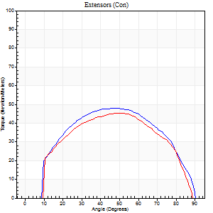
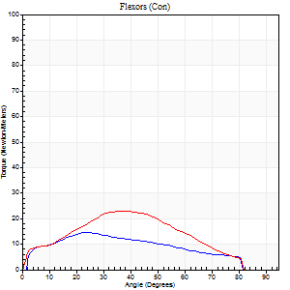
Right Side Curves Left Side Curves
Isokinetic Con/Con |  |  |  | Extensors (Con) |  | Flexors (Con)
Speed 120/120 d/s 3 Reps |  |  |  | Value | Cof Var | %BW | Value | Cof Var | %BW | Ratio

TORQUE PARAMETERS
Peak Torque (Newton-Meters - Best Repetition)
Right |  |  |  | 47 | 0.02 | 63 | 15 | 0.28 | 21 | 31
Left |  |  |  | 45 | 0.02 | 60 | 23 | 0.38 | 30 | 52
Deficit |  |  |  | 6 |  |  | 35
Work per Repetition (Newton-Meters - Best Repetition)
Right |  |  |  | 52 | 0.02 | 69 | 14 | 0.35 | 18 | 26
Left |  |  |  | 49 | 0.03 | 66 | 22 | 0.46 | 30 | 44
Deficit |  |  |  | 5 |  |  | 38
Average Power per Repetition (Watts - Best Repetition)
Right |  |  |  | 58 | 0.14 | 77 | 16 | 0.37 | 22 | 28
Left |  |  |  | 56 | 0.03 | 75 | 24 | 0.47 | 31 | 43
Deficit |  |  |  | 3 |  |  | 33
POSITION PARAMETERS
Joint Angle at Peak Torque (Degrees)
Right |  |  |  | 45 | 0.08 |  | 24 | 0.02
Left |  |  |  | 49 | 0.02 |  | 33 | 0.27
Range of Motion (Degrees)
Right |  |  |  | 1 | 0 |  | 90 | 0
Left |  |  |  | 0 | 0.16 |  | 90 | 0.01
TIME PARAMETERS
Time to Peak Torque (Seconds)
Right |  |  |  | 0.5 | 0.01 |  | 0.27 | 0.07
Left |  |  |  | 0.39 | 0.04 |  | 0.38 | 0.11
Time Peak Torque Held (Seconds)
Right |  |  |  | 0.05 | 0.4 |  | 0.03 | 1.15
Left |  |  |  | 0.02 | 1.73 |  | 0.03 | 0.87
Force Decay Time (Seconds)
Right |  |  |  | 0.34 | 0.03 |  | 0.56 | 0.05
Left |  |  |  | 0.45 | 0.05 |  | 0.45 | 0.19
Reciprocal Delay (Seconds)
Right |  |  |  | 0.1 | 0 |  | 0.11 | 0.41
Left |  |  |  | 0.09 | 0.08 |  | 0.12 | 0.17
Delay Time (Seconds)
Right |  |  |  | -0.04 | -0.2 |  | 0 | 0
Left |  |  |  | 0 | 0 |  | -0.03 | -0.22
HUMAC2015® Version: 15.000.0074 © Computer Sports Medicine, Inc. www.csmisolutions.com

Use File, Preference to set Report Heading
Long Form Torque vs. Position Report - Knee Extension/Flexion
Name: |  |  |  | TR030_FP3059, | ID: | TR030 | Right/Left: | 21.09.2022 21.09.2022
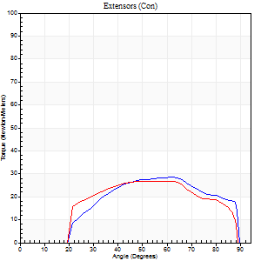
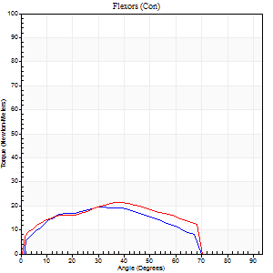
Right Side Curves Left Side Curves
Isokinetic Con/Con |  |  |  | Extensors (Con) |  | Flexors (Con)
Speed 240/240 d/s 3 Reps |  |  |  | Value | Cof Var | %BW | Value | Cof Var | %BW | Ratio

TORQUE PARAMETERS
Peak Torque (Newton-Meters - Best Repetition)
Right |  |  |  | 28 | 0.04 | 39 | 19 | 0.24 | 24 | 67
Left |  |  |  | 27 | 0.01 | 36 | 22 | 0.34 | 30 | 80
Deficit |  |  |  | 5 |  |  | 13
Work per Repetition (Newton-Meters - Best Repetition)
Right |  |  |  | 27 | 0.06 | 36 | 18 | 0.29 | 24 | 65
Left |  |  |  | 27 | 0.01 | 36 | 20 | 0.41 | 27 | 75
Deficit |  |  |  | 0 |  |  | 13
Average Power per Repetition (Watts - Best Repetition)
Right |  |  |  | 52 | 0.19 | 68 | 33 | 0.36 | 44 | 63
Left |  |  |  | 51 | 0.09 | 68 | 34 | 0.41 | 44 | 67
Deficit |  |  |  | 2 |  |  | 3
POSITION PARAMETERS
Joint Angle at Peak Torque (Degrees)
Right |  |  |  | 60 | 0.07 |  | 20 | 0.4
Left |  |  |  | 59 | 0.02 |  | 28 | 0.68
Range of Motion (Degrees)
Right |  |  |  | 2 | 0 |  | 89 | 0.01
Left |  |  |  | 1 | 0.47 |  | 89 | 0.01
TIME PARAMETERS
Time to Peak Torque (Seconds)
Right |  |  |  | 0.21 | 0 |  | 0.21 | 0.12
Left |  |  |  | 0.2 | 0.03 |  | 0.25 | 0.39
Time Peak Torque Held (Seconds)
Right |  |  |  | 0.01 | 1.15 |  | 0.02 | 1.73
Left |  |  |  | 0.04 | 0.69 |  | 0.02 | 0.99
Force Decay Time (Seconds)
Right |  |  |  | 0.29 | 0.06 |  | 0.33 | 0.2
Left |  |  |  | 0.27 | 0.06 |  | 0.29 | 0.27
Reciprocal Delay (Seconds)
Right |  |  |  | 0.05 | 0.13 |  | 0.08 | 0.6
Left |  |  |  | 0.05 | 0.16 |  | 0.07 | 0.14
Delay Time (Seconds)
Right |  |  |  | -0.03 | 0 |  | -0.03 | -0.35
Left |  |  |  | -0.02 | 0 |  | -0.04 | -0.13
HUMAC2015® Version: 15.000.0074 © Computer Sports Medicine, Inc. www.csmisolutions.com

Use File, Preference to set Report Heading
Isometric - Knee Extension/Flexion
Name: |  |  |  | TR030_FP3059, | ID: | TR030 | Right/Left: | 21.09.2022 21.09.2022

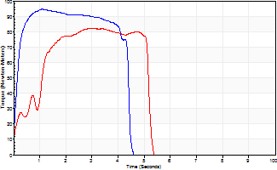
Isometric Extensors (Con) Angle 60 Time 10 Repetition 2 (Best Repetition)
 | Value | Cof Var | %BW
Peak Torque (Newton-Meters)
Right | 95 | 0.01 | 125
Left | 83 | 0.03 | 110
Deficit | 13
Average Torque (Newton-Meters)
Right | 45 | 0.11 | 60
Left | 35 | 0.02 | 48
Deficit | 21
Peak Torque Slope (Newton-Meters/Seconds)
Right | 86 | 0.7 | 113
Left | 27 | 0 | 36 |  | Right Side Curves Left Side Curves
Deficit | 68
Time to Half Peak Torque (Seconds)
Right | 0.16 | 0.3
Left | 0.58 | 1.1
Time to Peak Torque (Seconds)
Right | 2.15 | 0.7
Left | 2.97 | 0.02
HUMAC2015® Version: 15.000.0074 © Computer Sports Medicine, Inc. www.csmisolutions.com

mid1
Use File, Preference to set Report Heading
Long Form Torque vs. Position Report - Knee Extension/Flexion
Name: |  |  |  | TR030_FP3059, | ID: | TR030 | Right/Left: | 03.11.2022 03.11.2022
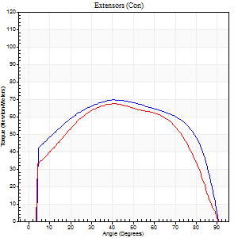
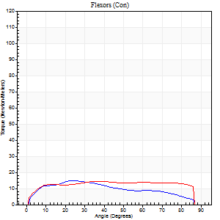
Right Side Curves Left Side Curves
Isokinetic Con/Con |  |  |  | Extensors (Con) |  | Flexors (Con)
Speed 60/60 d/s 3 Reps |  |  |  | Value | Cof Var | %BW | Value | Cof Var | %BW | Ratio

TORQUE PARAMETERS
Peak Torque (Newton-Meters - Best Repetition)
Right |  |  |  | 69 | 0.05 | 92 | 15 | 0.27 | 21 | 22
Left |  |  |  | 68 | 0.05 | 89 | 15 | 0.14 | 21 | 22
Deficit |  |  |  | 2 |  |  | 0
Work per Repetition (Newton-Meters - Best Repetition)
Right |  |  |  | 87 | 0.04 | 113 | 15 | 0.28 | 21 | 17
Left |  |  |  | 77 | 0.06 | 101 | 19 | 0.27 | 24 | 25
Deficit |  |  |  | 11 |  |  | 21
Average Power per Repetition (Watts - Best Repetition)
Right |  |  |  | 53 | 0.03 | 70 | 9 | 0.26 | 11 | 17
Left |  |  |  | 47 | 0.03 | 62 | 12 | 0.26 | 15 | 26
Deficit |  |  |  | 11 |  |  | 25
POSITION PARAMETERS
Joint Angle at Peak Torque (Degrees)
Right |  |  |  | 43 | 0.05 |  | 25 | 0.39
Left |  |  |  | 50 | 0.17 |  | 33 | 0.52
Range of Motion (Degrees)
Right |  |  |  | 0 | 0 |  | 90 | 0
Left |  |  |  | 0 | 0 |  | 90 | 0
TIME PARAMETERS
Time to Peak Torque (Seconds)
Right |  |  |  | 0.81 | 0.03 |  | 0.45 | 0.39
Left |  |  |  | 0.61 | 0.12 |  | 0.61 | 0.47
Time Peak Torque Held (Seconds)
Right |  |  |  | 0.06 | 0.18 |  | 0.06 | 0.93
Left |  |  |  | 0.04 | 0.35 |  | 0.02 | 1.73
Force Decay Time (Seconds)
Right |  |  |  | 0.69 | 0.07 |  | 1.03 | 0.17
Left |  |  |  | 0.84 | 0.17 |  | 0.93 | 0.3
Reciprocal Delay (Seconds)
Right |  |  |  | 0.21 | 0.07 |  | 0.28 | 0.07
Left |  |  |  | 0.19 | 0.25 |  | 0.27 | 0.22
Delay Time (Seconds)
Right |  |  |  | -0.02 | -0.71 |  | 0.03 | 0.43
Left |  |  |  | 0.01 | 1.41 |  | -0.01 | -1.73
HUMAC2015® Version: 15.000.0074 © Computer Sports Medicine, Inc. www.csmisolutions.com

Use File, Preference to set Report Heading
Long Form Torque vs. Position Report - Knee Extension/Flexion
Name: |  |  |  | TR030_FP3059, | ID: | TR030 | Right/Left: | 03.11.2022 03.11.2022
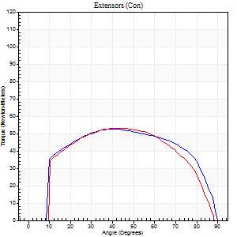
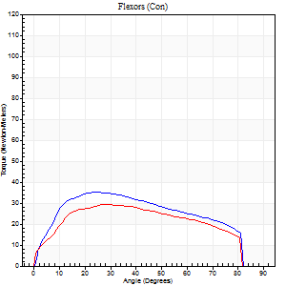
Right Side Curves Left Side Curves
Isokinetic Con/Con |  |  |  | Extensors (Con) |  | Flexors (Con)
Speed 120/120 d/s 3 Reps |  |  |  | Value | Cof Var | %BW | Value | Cof Var | %BW | Ratio

TORQUE PARAMETERS
Peak Torque (Newton-Meters - Best Repetition)
Right |  |  |  | 53 | 0.03 | 69 | 35 | 0.49 | 48 | 67
Left |  |  |  | 53 | 0.01 | 69 | 30 | 0.2 | 39 | 56
Deficit |  |  |  | 0 |  |  | 15
Work per Repetition (Newton-Meters - Best Repetition)
Right |  |  |  | 61 | 0.05 | 80 | 38 | 0.52 | 51 | 62
Left |  |  |  | 60 | 0.02 | 77 | 33 | 0.28 | 42 | 55
Deficit |  |  |  | 2 |  |  | 14
Average Power per Repetition (Watts - Best Repetition)
Right |  |  |  | 70 | 0.52 | 92 | 45 | 0.49 | 59 | 64
Left |  |  |  | 69 | 0.02 | 90 | 37 | 0.27 | 48 | 54
Deficit |  |  |  | 1 |  |  | 18
POSITION PARAMETERS
Joint Angle at Peak Torque (Degrees)
Right |  |  |  | 44 | 0.06 |  | 30 | 0.54
Left |  |  |  | 46 | 0.11 |  | 35 | 0.45
Range of Motion (Degrees)
Right |  |  |  | 0 | 0.71 |  | 90 | 0.01
Left |  |  |  | 0 | 0.47 |  | 89 | 0.01
TIME PARAMETERS
Time to Peak Torque (Seconds)
Right |  |  |  | 0.44 | 0.13 |  | 0.29 | 0.42
Left |  |  |  | 0.44 | 0.06 |  | 0.36 | 0.3
Time Peak Torque Held (Seconds)
Right |  |  |  | 0.03 | 0.33 |  | 0.06 | 1.2
Left |  |  |  | 0.06 | 0.33 |  | 0.02 | 1.38
Force Decay Time (Seconds)
Right |  |  |  | 0.38 | 0.09 |  | 0.45 | 0.41
Left |  |  |  | 0.37 | 0.06 |  | 0.47 | 0.26
Reciprocal Delay (Seconds)
Right |  |  |  | 0.08 | 0.71 |  | 0.11 | 0.42
Left |  |  |  | 0.12 | 0.43 |  | 0.11 | 0.42
Delay Time (Seconds)
Right |  |  |  | -0.01 | -1.41 |  | 0 | 6.24
Left |  |  |  | -0.01 | -1.41 |  | -0.01 | -1
HUMAC2015® Version: 15.000.0074 © Computer Sports Medicine, Inc. www.csmisolutions.com

Use File, Preference to set Report Heading
Long Form Torque vs. Position Report - Knee Extension/Flexion
Name: |  |  |  | TR030_FP3059, | ID: | TR030 | Right/Left: | 03.11.2022 03.11.2022
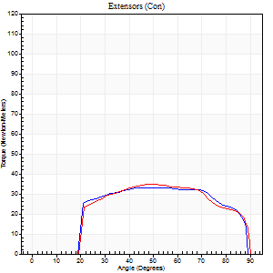
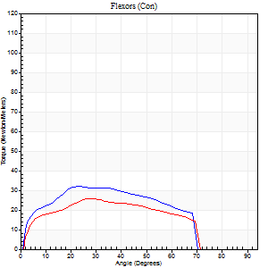
Right Side Curves Left Side Curves
Isokinetic Con/Con |  |  |  | Extensors (Con) |  | Flexors (Con)
Speed 240/240 d/s 3 Reps |  |  |  | Value | Cof Var | %BW | Value | Cof Var | %BW | Ratio

TORQUE PARAMETERS
Peak Torque (Newton-Meters - Best Repetition)
Right |  |  |  | 33 | 0.02 | 42 | 33 | 0.56 | 42 | 100
Left |  |  |  | 35 | 0.02 | 48 | 26 | 0.16 | 33 | 73
Deficit |  |  |  | 8 |  |  | 21
Work per Repetition (Newton-Meters - Best Repetition)
Right |  |  |  | 35 | 0.04 | 48 | 31 | 0.57 | 42 | 88
Left |  |  |  | 35 | 0.03 | 48 | 24 | 0.17 | 33 | 69
Deficit |  |  |  | 0 |  |  | 22
Average Power per Repetition (Watts - Best Repetition)
Right |  |  |  | 66 | 0.1 | 88 | 60 | 0.6 | 79 | 91
Left |  |  |  | 67 | 0.1 | 88 | 46 | 0.19 | 62 | 69
Deficit |  |  |  | 1 |  |  | 23
POSITION PARAMETERS
Joint Angle at Peak Torque (Degrees)
Right |  |  |  | 56 | 0.02 |  | 20 | 0.3
Left |  |  |  | 51 | 0.01 |  | 33 | 0.21
Range of Motion (Degrees)
Right |  |  |  | 1 | 0.75 |  | 89 | 0.01
Left |  |  |  | 1 | 0.33 |  | 89 | 0.01
TIME PARAMETERS
Time to Peak Torque (Seconds)
Right |  |  |  | 0.23 | 0.09 |  | 0.18 | 0.08
Left |  |  |  | 0.24 | 0 |  | 0.26 | 0.19
Time Peak Torque Held (Seconds)
Right |  |  |  | 0 | 1.73 |  | 0 | 1.73
Left |  |  |  | 0.01 | 0 |  | 0.01 | 0.43
Force Decay Time (Seconds)
Right |  |  |  | 0.3 | 0.08 |  | 0.35 | 0.1
Left |  |  |  | 0.25 | 0.05 |  | 0.26 | 0.15
Reciprocal Delay (Seconds)
Right |  |  |  | 0.05 | 0.28 |  | 0.08 | 0.33
Left |  |  |  | 0.07 | 0.2 |  | 0.06 | 0.17
Delay Time (Seconds)
Right |  |  |  | -0.03 | -0.47 |  | -0.02 | -0.5
Left |  |  |  | -0.01 | -0.47 |  | -0.03 | 0
HUMAC2015® Version: 15.000.0074 © Computer Sports Medicine, Inc. www.csmisolutions.com

Use File, Preference to set Report Heading
Isometric - Knee Extension/Flexion
Name: |  |  |  | TR030_FP3059, | ID: | TR030 | Right/Left: | 03.11.2022 03.11.2022

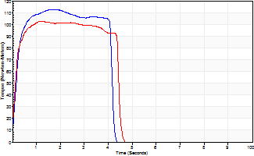
Isometric Extensors (Con) Angle 60 Time 10 Repetition 2 (Best Repetition)
 | Value | Cof Var | %BW
Peak Torque (Newton-Meters)
Right | 113 | 0.08 | 149
Left | 103 | 0 | 137
Deficit | 8
Average Torque (Newton-Meters)
Right | 42 | 0.04 | 57
Left | 42 | 0.03 | 57
Deficit | 0
Peak Torque Slope (Newton-Meters/Seconds)
Right | 68 | 0.01 | 89
Left | 80 | 0.23 | 105 |  | Right Side Curves Left Side Curves
Deficit | 15
Time to Half Peak Torque (Seconds)
Right | 0.16 | 0.23
Left | 0.12 | 0.06
Time to Peak Torque (Seconds)
Right | 1.58 | 0.07
Left | 1.51 | 0.23
HUMAC2015® Version: 15.000.0074 © Computer Sports Medicine, Inc. www.csmisolutions.com

mid2
Use File, Preference to set Report Heading
Long Form Torque vs. Position Report - Knee Extension/Flexion
Name: |  |  |  | TR030_FP3059, | ID: | TR030 | Right/Left: | 08.11.2022 08.11.2022
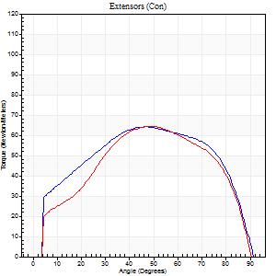
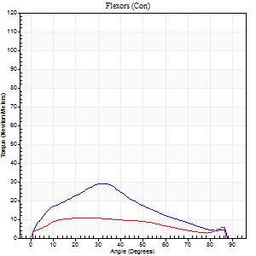
Right Side Curves Left Side Curves
Isokinetic Con/Con |  |  |  | Extensors (Con) |  | Flexors (Con)
Speed 60/60 d/s 3 Reps |  |  |  | Value | Cof Var | %BW | Value | Cof Var | %BW | Ratio

TORQUE PARAMETERS
Peak Torque (Newton-Meters - Best Repetition)
Right |  |  |  | 64 | 0.03 | 83 | 28 | 0.52 | 39 | 45
Left |  |  |  | 64 | 0.04 | 83 | 11 | 0.03 | 15 | 17
Deficit |  |  |  | 0 |  |  | 62
Work per Repetition (Newton-Meters - Best Repetition)
Right |  |  |  | 76 | 0.03 | 101 | 24 | 0.5 | 33 | 32
Left |  |  |  | 72 | 0.03 | 95 | 11 | 0.14 | 15 | 15
Deficit |  |  |  | 5 |  |  | 56
Average Power per Repetition (Watts - Best Repetition)
Right |  |  |  | 46 | 0.03 | 62 | 15 | 0.5 | 20 | 33
Left |  |  |  | 47 | 0.04 | 62 | 7 | 0.13 | 9 | 15
Deficit |  |  |  | 2 |  |  | 53
POSITION PARAMETERS
Joint Angle at Peak Torque (Degrees)
Right |  |  |  | 47 | 0.04 |  | 27 | 0.34
Left |  |  |  | 53 | 0.15 |  | 18 | 0.34
Range of Motion (Degrees)
Right |  |  |  | 0 | 0 |  | 91 | 0
Left |  |  |  | 0 | 0.71 |  | 90 | 0
TIME PARAMETERS
Time to Peak Torque (Seconds)
Right |  |  |  | 0.77 | 0.04 |  | 0.47 | 0.28
Left |  |  |  | 0.61 | 0.27 |  | 0.37 | 0.36
Time Peak Torque Held (Seconds)
Right |  |  |  | 0.1 | 0.24 |  | 0.04 | 1.73
Left |  |  |  | 0.08 | 0.37 |  | 0.07 | 0.75
Force Decay Time (Seconds)
Right |  |  |  | 0.72 | 0.02 |  | 1.03 | 0.06
Left |  |  |  | 0.82 | 0.14 |  | 1.15 | 0.14
Reciprocal Delay (Seconds)
Right |  |  |  | 0.14 | 0.1 |  | 0.24 | 0.08
Left |  |  |  | 0.2 | 0 |  | 0.18 | 0.31
Delay Time (Seconds)
Right |  |  |  | -0.02 | -0.28 |  | 0.01 | 1
Left |  |  |  | 0 | 0 |  | -0.02 | -1.32
HUMAC2015® Version: 15.000.0074 © Computer Sports Medicine, Inc. www.csmisolutions.com

Use File, Preference to set Report Heading
Long Form Torque vs. Position Report - Knee Extension/Flexion
Name: |  |  |  | TR030_FP3059, | ID: | TR030 | Right/Left: | 08.11.2022 08.11.2022
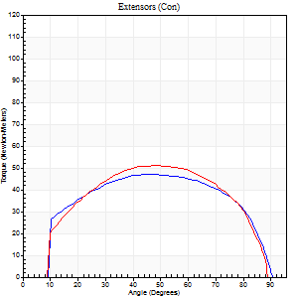
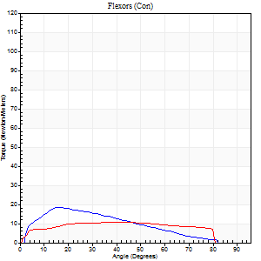
Right Side Curves Left Side Curves
Isokinetic Con/Con |  |  |  | Extensors (Con) |  | Flexors (Con)
Speed 120/120 d/s 3 Reps |  |  |  | Value | Cof Var | %BW | Value | Cof Var | %BW | Ratio

TORQUE PARAMETERS
Peak Torque (Newton-Meters - Best Repetition)
Right |  |  |  | 47 | 0.03 | 63 | 19 | 0.35 | 24 | 40
Left |  |  |  | 52 | 0.02 | 69 | 11 | 0.23 | 15 | 21
Deficit |  |  |  | 8 |  |  | 43
Work per Repetition (Newton-Meters - Best Repetition)
Right |  |  |  | 54 | 0.02 | 72 | 15 | 0.35 | 21 | 28
Left |  |  |  | 57 | 0.04 | 75 | 12 | 0.58 | 15 | 21
Deficit |  |  |  | 5 |  |  | 18
Average Power per Repetition (Watts - Best Repetition)
Right |  |  |  | 62 | 0.05 | 81 | 17 | 0.36 | 22 | 27
Left |  |  |  | 67 | 0.05 | 88 | 14 | 0.6 | 18 | 21
Deficit |  |  |  | 7 |  |  | 18
POSITION PARAMETERS
Joint Angle at Peak Torque (Degrees)
Right |  |  |  | 47 | 0.06 |  | 21 | 0.19
Left |  |  |  | 48 | 0.05 |  | 24 | 0.7
Range of Motion (Degrees)
Right |  |  |  | 1 | 0.71 |  | 91 | 0
Left |  |  |  | 1 | 0.8 |  | 90 | 0.01
TIME PARAMETERS
Time to Peak Torque (Seconds)
Right |  |  |  | 0.48 | 0.03 |  | 0.26 | 0.23
Left |  |  |  | 0.38 | 0.02 |  | 0.29 | 0.5
Time Peak Torque Held (Seconds)
Right |  |  |  | 0.03 | 0.58 |  | 0 | 0
Left |  |  |  | 0.01 | 1.73 |  | 0.06 | 0.44
Force Decay Time (Seconds)
Right |  |  |  | 0.4 | 0.07 |  | 0.61 | 0.08
Left |  |  |  | 0.42 | 0.1 |  | 0.53 | 0.39
Reciprocal Delay (Seconds)
Right |  |  |  | 0.11 | 0.06 |  | 0.14 | 0.14
Left |  |  |  | 0.09 | 0.25 |  | 0.08 | 0.28
Delay Time (Seconds)
Right |  |  |  | -0.05 | -0.16 |  | -0.01 | -2
Left |  |  |  | 0 | 0 |  | -0.02 | -0.5
HUMAC2015® Version: 15.000.0074 © Computer Sports Medicine, Inc. www.csmisolutions.com

Use File, Preference to set Report Heading
Long Form Torque vs. Position Report - Knee Extension/Flexion
Name: |  |  |  | TR030_FP3059, | ID: | TR030 | Right/Left: | 08.11.2022 08.11.2022
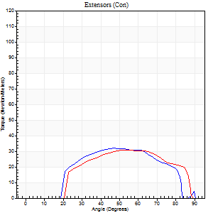
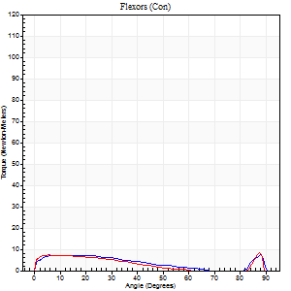
Right Side Curves Left Side Curves
Isokinetic Con/Con |  |  |  | Extensors (Con) |  | Flexors (Con)
Speed 240/240 d/s 3 Reps |  |  |  | Value | Cof Var | %BW | Value | Cof Var | %BW | Ratio

TORQUE PARAMETERS
Peak Torque (Newton-Meters - Best Repetition)
Right |  |  |  | 31 | 0.56 | 42 | 7 | 0.19 | 9 | 22
Left |  |  |  | 31 | 0.06 | 42 | 8 | 0.14 | 12 | 26
Deficit |  |  |  | 0 |  |  | 17
Work per Repetition (Newton-Meters - Best Repetition)
Right |  |  |  | 30 | 0.56 | 39 | 5 | 0.42 | 6 | 18
Left |  |  |  | 30 | 0.27 | 39 | 5 | 0.38 | 6 | 18
Deficit |  |  |  | 0 |  |  | 0
Average Power per Repetition (Watts - Best Repetition)
Right |  |  |  | 54 | 0.64 | 70 | 8 | 0.53 | 11 | 15
Left |  |  |  | 53 | 0.28 | 70 | 7 | 0.48 | 9 | 13
Deficit |  |  |  | 2 |  |  | 13
POSITION PARAMETERS
Joint Angle at Peak Torque (Degrees)
Right |  |  |  | 62 | 0.33 |  | 36 | 1.25
Left |  |  |  | 59 | 0.15 |  | 33 | 1.41
Range of Motion (Degrees)
Right |  |  |  | 2 | 0.2 |  | 90 | 0.01
Left |  |  |  | 0 | 0.85 |  | 90 | 0.01
TIME PARAMETERS
Time to Peak Torque (Seconds)
Right |  |  |  | 0.31 | 0.14 |  | 0.36 | 0.79
Left |  |  |  | 0.23 | 0.31 |  | 0.36 | 0.93
Time Peak Torque Held (Seconds)
Right |  |  |  | 0 | 0 |  | 0.02 | 1.73
Left |  |  |  | 0 | 1.73 |  | 0.02 | 1.73
Force Decay Time (Seconds)
Right |  |  |  | 0.37 | 0.5 |  | 0.41 | 0.82
Left |  |  |  | 0.33 | 0.2 |  | 0.47 | 0.85
Reciprocal Delay (Seconds)
Right |  |  |  | 0.09 | 0.08 |  | 0.1 | 0.5
Left |  |  |  | 0.12 | 0.24 |  | 0.21 | 0.71
Delay Time (Seconds)
Right |  |  |  | 0.03 | 3.43 |  | -0.04 | -0.13
Left |  |  |  | -0.02 | -0.28 |  | -0.06 | -0.33
HUMAC2015® Version: 15.000.0074 © Computer Sports Medicine, Inc. www.csmisolutions.com

Use File, Preference to set Report Heading
Isometric - Knee Extension/Flexion
Name: |  |  |  | TR030_FP3059, | ID: | TR030 | Right/Left: | 08.11.2022 08.11.2022

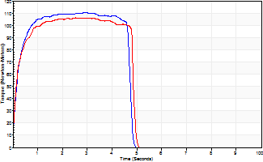
Isometric Extensors (Con) Angle 60 Time 10 Repetition 2 (Best Repetition)
 | Value | Cof Var | %BW
Peak Torque (Newton-Meters)
Right | 110 | 0.03 | 146
Left | 106 | 0.04 | 140
Deficit | 4
Average Torque (Newton-Meters)
Right | 50 | 0.03 | 66
Left | 47 | 0.08 | 63
Deficit | 5
Peak Torque Slope (Newton-Meters/Seconds)
Right | 60 | 0.32 | 79
Left | 48 | 0.09 | 63 |  | Right Side Curves Left Side Curves
Deficit | 20
Time to Half Peak Torque (Seconds)
Right | 0.18 | 0.04
Left | 0.19 | 0.3
Time to Peak Torque (Seconds)
Right | 2.35 | 0.35
Left | 2.3 | 0.13
HUMAC2015® Version: 15.000.0074 © Computer Sports Medicine, Inc. www.csmisolutions.com

post1
Use File, Preference to set Report Heading
Long Form Torque vs. Position Report - Knee Extension/Flexion
Name: |  |  |  | TR030_FP3059, | ID: | TR030 | Right/Left: | 28.11.2022 28.11.2022
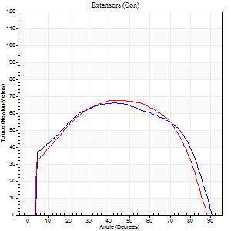
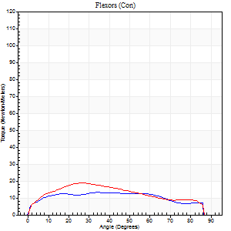
Right Side Curves Left Side Curves
Isokinetic Con/Con |  |  |  | Extensors (Con) |  | Flexors (Con)
Speed 60/60 d/s 3 Reps |  |  |  | Value | Cof Var | %BW | Value | Cof Var | %BW | Ratio

TORQUE PARAMETERS
Peak Torque (Newton-Meters - Best Repetition)
Right |  |  |  | 66 | 0.07 | 86 | 14 | 0.18 | 18 | 20
Left |  |  |  | 68 | 0.14 | 89 | 19 | 0.28 | 24 | 28
Deficit |  |  |  | 2 |  |  | 29
Work per Repetition (Newton-Meters - Best Repetition)
Right |  |  |  | 79 | 0.13 | 104 | 16 | 0.32 | 21 | 21
Left |  |  |  | 77 | 0.12 | 101 | 23 | 0.44 | 30 | 30
Deficit |  |  |  | 2 |  |  | 29
Average Power per Repetition (Watts - Best Repetition)
Right |  |  |  | 49 | 0.14 | 64 | 10 | 0.31 | 13 | 20
Left |  |  |  | 50 | 0.19 | 66 | 15 | 0.46 | 20 | 30
Deficit |  |  |  | 2 |  |  | 33
POSITION PARAMETERS
Joint Angle at Peak Torque (Degrees)
Right |  |  |  | 42 | 0.05 |  | 26 | 0.52
Left |  |  |  | 52 | 0.19 |  | 36 | 0.84
Range of Motion (Degrees)
Right |  |  |  | 0 | -1.41 |  | 90 | 0
Left |  |  |  | 0 | 0.47 |  | 90 | 0
TIME PARAMETERS
Time to Peak Torque (Seconds)
Right |  |  |  | 0.82 | 0.01 |  | 0.52 | 0.42
Left |  |  |  | 0.7 | 0.15 |  | 0.65 | 0.76
Time Peak Torque Held (Seconds)
Right |  |  |  | 0.06 | 0.44 |  | 0.13 | 0.38
Left |  |  |  | 0.03 | 0 |  | 0.06 | 0.95
Force Decay Time (Seconds)
Right |  |  |  | 0.69 | 0.03 |  | 0.94 | 0.16
Left |  |  |  | 0.87 | 0.18 |  | 0.85 | 0.55
Reciprocal Delay (Seconds)
Right |  |  |  | 0.2 | 0.03 |  | 0.4 | 0.1
Left |  |  |  | 0.07 | 0.2 |  | 0.21 | 0.19
Delay Time (Seconds)
Right |  |  |  | -0.02 | 0 |  | -0.03 | -0.57
Left |  |  |  | 0.02 | 0.71 |  | -0.02 | -0.5
HUMAC2015® Version: 15.000.0074 © Computer Sports Medicine, Inc. www.csmisolutions.com

Use File, Preference to set Report Heading
Long Form Torque vs. Position Report - Knee Extension/Flexion
Name: |  |  |  | TR030_FP3059, | ID: | TR030 | Right/Left: | 28.11.2022 28.11.2022
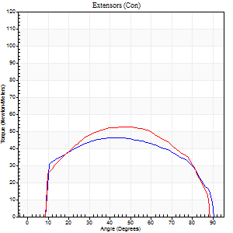
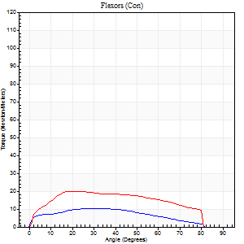
Right Side Curves Left Side Curves
Isokinetic Con/Con |  |  |  | Extensors (Con) |  | Flexors (Con)
Speed 120/120 d/s 3 Reps |  |  |  | Value | Cof Var | %BW | Value | Cof Var | %BW | Ratio

TORQUE PARAMETERS
Peak Torque (Newton-Meters - Best Repetition)
Right |  |  |  | 46 | 0.25 | 60 | 11 | 0.07 | 15 | 24
Left |  |  |  | 53 | 0.05 | 69 | 20 | 0.35 | 27 | 38
Deficit |  |  |  | 13 |  |  | 47
Work per Repetition (Newton-Meters - Best Repetition)
Right |  |  |  | 54 | 0.25 | 72 | 9 | 0.07 | 12 | 18
Left |  |  |  | 58 | 0.06 | 77 | 22 | 0.46 | 30 | 37
Deficit |  |  |  | 7 |  |  | 56
Average Power per Repetition (Watts - Best Repetition)
Right |  |  |  | 59 | 0.26 | 77 | 11 | 0.04 | 15 | 19
Left |  |  |  | 70 | 0.1 | 92 | 25 | 0.47 | 33 | 36
Deficit |  |  |  | 16 |  |  | 56
POSITION PARAMETERS
Joint Angle at Peak Torque (Degrees)
Right |  |  |  | 39 | 0.1 |  | 26 | 0.24
Left |  |  |  | 49 | 0.02 |  | 25 | 0.24
Range of Motion (Degrees)
Right |  |  |  | 0 | 0.16 |  | 90 | 0
Left |  |  |  | 1 | 0.75 |  | 90 | 0.01
TIME PARAMETERS
Time to Peak Torque (Seconds)
Right |  |  |  | 0.52 | 0.09 |  | 0.33 | 0.24
Left |  |  |  | 0.39 | 0 |  | 0.3 | 0.15
Time Peak Torque Held (Seconds)
Right |  |  |  | 0.03 | 0.87 |  | 0.03 | 0.58
Left |  |  |  | 0.04 | 0.35 |  | 0.05 | 0.2
Force Decay Time (Seconds)
Right |  |  |  | 0.36 | 0.13 |  | 0.55 | 0.1
Left |  |  |  | 0.41 | 0.04 |  | 0.51 | 0.1
Reciprocal Delay (Seconds)
Right |  |  |  | 0.16 | 0.05 |  | 0.16 | 0.31
Left |  |  |  | 0.11 | 0.06 |  | 0.12 | 0.35
Delay Time (Seconds)
Right |  |  |  | -0.05 | -0.16 |  | -0.01 | -1.56
Left |  |  |  | 0.01 | 0 |  | -0.02 | -0.65
HUMAC2015® Version: 15.000.0074 © Computer Sports Medicine, Inc. www.csmisolutions.com

Use File, Preference to set Report Heading
Long Form Torque vs. Position Report - Knee Extension/Flexion
Name: |  |  |  | TR030_FP3059, | ID: | TR030 | Right/Left: | 28.11.2022 28.11.2022
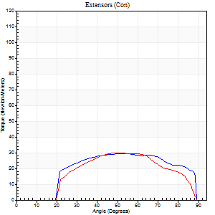
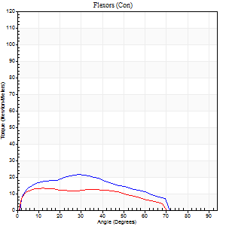
Right Side Curves Left Side Curves
Isokinetic Con/Con |  |  |  | Extensors (Con) |  | Flexors (Con)
Speed 240/240 d/s 3 Reps |  |  |  | Value | Cof Var | %BW | Value | Cof Var | %BW | Ratio

TORQUE PARAMETERS
Peak Torque (Newton-Meters - Best Repetition)
Right |  |  |  | 30 | 0.02 | 39 | 22 | 0.49 | 30 | 73
Left |  |  |  | 30 | 0.15 | 39 | 14 | 0.24 | 18 | 45
Deficit |  |  |  | 0 |  |  | 38
Work per Repetition (Newton-Meters - Best Repetition)
Right |  |  |  | 30 | 0.07 | 39 | 19 | 0.56 | 24 | 64
Left |  |  |  | 27 | 0.14 | 36 | 12 | 0.31 | 15 | 45
Deficit |  |  |  | 9 |  |  | 36
Average Power per Repetition (Watts - Best Repetition)
Right |  |  |  | 58 | 0.14 | 77 | 35 | 0.63 | 46 | 60
Left |  |  |  | 49 | 0.2 | 64 | 22 | 0.34 | 29 | 45
Deficit |  |  |  | 16 |  |  | 37
POSITION PARAMETERS
Joint Angle at Peak Torque (Degrees)
Right |  |  |  | 54 | 0.16 |  | 17 | 0.63
Left |  |  |  | 54 | 0.09 |  | 11 | 0.48
Range of Motion (Degrees)
Right |  |  |  | 2 | 0.14 |  | 89 | 0.01
Left |  |  |  | 1 | 0.36 |  | 89 | 0.01
TIME PARAMETERS
Time to Peak Torque (Seconds)
Right |  |  |  | 0.23 | 0.06 |  | 0.19 | 0.22
Left |  |  |  | 0.28 | 0.05 |  | 0.16 | 0.23
Time Peak Torque Held (Seconds)
Right |  |  |  | 0 | 1.73 |  | 0.01 | 0.87
Left |  |  |  | 0.01 | 1.73 |  | 0.05 | 1.38
Force Decay Time (Seconds)
Right |  |  |  | 0.27 | 0.13 |  | 0.39 | 0.23
Left |  |  |  | 0.27 | 0.13 |  | 0.37 | 0.02
Reciprocal Delay (Seconds)
Right |  |  |  | 0.06 | 0.24 |  | 0.06 | 0.17
Left |  |  |  | 0.06 | 0.11 |  | 0.06 | 0.09
Delay Time (Seconds)
Right |  |  |  | -0.04 | -0.2 |  | -0.03 | -0.17
Left |  |  |  | -0.02 | -0.28 |  | -0.04 | 0
HUMAC2015® Version: 15.000.0074 © Computer Sports Medicine, Inc. www.csmisolutions.com

Use File, Preference to set Report Heading
Isometric - Knee Extension/Flexion
Name: |  |  |  | TR030_FP3059, | ID: | TR030 | Right/Left: | 28.11.2022 28.11.2022

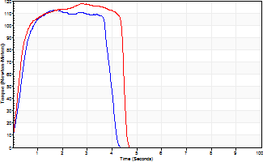
Isometric Extensors (Con) Angle 60 Time 10 Repetition 2 (Best Repetition)
 | Value | Cof Var | %BW
Peak Torque (Newton-Meters)
Right | 113 | 0.03 | 149
Left | 118 | 0.02 | 155
Deficit | 5
Average Torque (Newton-Meters)
Right | 46 | 0.11 | 60
Left | 49 | 0.03 | 66
Deficit | 6
Peak Torque Slope (Newton-Meters/Seconds)
Right | 68 | 0.64 | 90
Left | 42 | 0.14 | 55 |  | Right Side Curves Left Side Curves
Deficit | 39
Time to Half Peak Torque (Seconds)
Right | 0.57 | 0.52
Left | 0.33 | 0.26
Time to Peak Torque (Seconds)
Right | 2.92 | 0.62
Left | 3.06 | 0.12
HUMAC2015® Version: 15.000.0074 © Computer Sports Medicine, Inc. www.csmisolutions.com

post2
Use File, Preference to set Report Heading
Long Form Torque vs. Position Report - Knee Extension/Flexion
Name: |  |  |  | TR030_FP3059, | ID: | TR030 | Right/Left: | 30.11.2022 30.11.2022
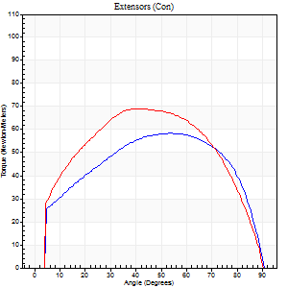
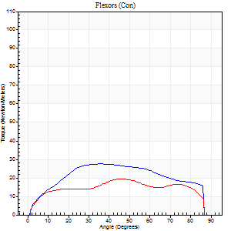
Right Side Curves Left Side Curves
Isokinetic Con/Con |  |  |  | Extensors (Con) |  | Flexors (Con)
Speed 60/60 d/s 3 Reps |  |  |  | Value | Cof Var | %BW | Value | Cof Var | %BW | Ratio

TORQUE PARAMETERS
Peak Torque (Newton-Meters - Best Repetition)
Right |  |  |  | 58 | 0.03 | 77 | 27 | 0.47 | 36 | 47
Left |  |  |  | 69 | 0.04 | 92 | 19 | 0.29 | 24 | 27
Deficit |  |  |  | 16 |  |  | 30
Work per Repetition (Newton-Meters - Best Repetition)
Right |  |  |  | 69 | 0 | 92 | 31 | 0.51 | 42 | 45
Left |  |  |  | 79 | 0.01 | 104 | 22 | 0.4 | 30 | 28
Deficit |  |  |  | 12 |  |  | 30
Average Power per Repetition (Watts - Best Repetition)
Right |  |  |  | 44 | 0.02 | 57 | 20 | 0.5 | 26 | 45
Left |  |  |  | 51 | 0.02 | 68 | 14 | 0.42 | 18 | 27
Deficit |  |  |  | 14 |  |  | 30
POSITION PARAMETERS
Joint Angle at Peak Torque (Degrees)
Right |  |  |  | 51 | 0.04 |  | 42 | 0.61
Left |  |  |  | 43 | 0.08 |  | 30 | 0.56
Range of Motion (Degrees)
Right |  |  |  | 0 | 1.41 |  | 90 | 0
Left |  |  |  | 0 | 0.47 |  | 90 | 0
TIME PARAMETERS
Time to Peak Torque (Seconds)
Right |  |  |  | 0.7 | 0.04 |  | 0.73 | 0.58
Left |  |  |  | 0.75 | 0.04 |  | 0.55 | 0.48
Time Peak Torque Held (Seconds)
Right |  |  |  | 0.03 | 1.73 |  | 0.09 | 1.54
Left |  |  |  | 0.07 | 0.43 |  | 0.05 | 0.87
Force Decay Time (Seconds)
Right |  |  |  | 0.86 | 0.03 |  | 0.7 | 0.49
Left |  |  |  | 0.68 | 0.08 |  | 0.96 | 0.27
Reciprocal Delay (Seconds)
Right |  |  |  | 0.17 | 0.12 |  | 0.24 | 0.07
Left |  |  |  | 0.14 | 0.61 |  | 0.16 | 0.25
Delay Time (Seconds)
Right |  |  |  | -0.01 | -1.41 |  | 0.03 | 0.43
Left |  |  |  | 0 | 4.24 |  | -0.01 | -1
HUMAC2015® Version: 15.000.0074 © Computer Sports Medicine, Inc. www.csmisolutions.com

Use File, Preference to set Report Heading
Long Form Torque vs. Position Report - Knee Extension/Flexion
Name: |  |  |  | TR030_FP3059, | ID: | TR030 | Right/Left: | 30.11.2022 30.11.2022
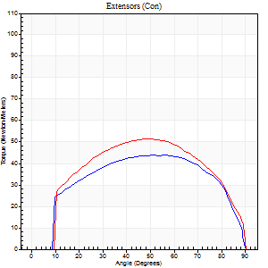
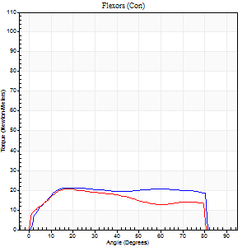
Right Side Curves Left Side Curves
Isokinetic Con/Con |  |  |  | Extensors (Con) |  | Flexors (Con)
Speed 120/120 d/s 3 Reps |  |  |  | Value | Cof Var | %BW | Value | Cof Var | %BW | Ratio

TORQUE PARAMETERS
Peak Torque (Newton-Meters - Best Repetition)
Right |  |  |  | 43 | 0.01 | 57 | 20 | 0.13 | 27 | 47
Left |  |  |  | 52 | 0.02 | 69 | 20 | 0.33 | 27 | 39
Deficit |  |  |  | 16 |  |  | 0
Work per Repetition (Newton-Meters - Best Repetition)
Right |  |  |  | 50 | 0.05 | 66 | 27 | 0.21 | 36 | 54
Left |  |  |  | 58 | 0.01 | 77 | 22 | 0.43 | 30 | 37
Deficit |  |  |  | 14 |  |  | 20
Average Power per Repetition (Watts - Best Repetition)
Right |  |  |  | 60 | 0.1 | 79 | 31 | 0.23 | 42 | 52
Left |  |  |  | 65 | 0.02 | 86 | 25 | 0.43 | 33 | 38
Deficit |  |  |  | 8 |  |  | 19
POSITION PARAMETERS
Joint Angle at Peak Torque (Degrees)
Right |  |  |  | 52 | 0.08 |  | 28 | 0.48
Left |  |  |  | 47 | 0.01 |  | 19 | 0.1
Range of Motion (Degrees)
Right |  |  |  | 1 | 0.4 |  | 90 | 0
Left |  |  |  | 0 | 0.61 |  | 90 | 0
TIME PARAMETERS
Time to Peak Torque (Seconds)
Right |  |  |  | 0.38 | 0.13 |  | 0.31 | 0.37
Left |  |  |  | 0.41 | 0.02 |  | 0.27 | 0.13
Time Peak Torque Held (Seconds)
Right |  |  |  | 0.05 | 0.92 |  | 0.08 | 1.15
Left |  |  |  | 0.01 | 1 |  | 0 | 1.73
Force Decay Time (Seconds)
Right |  |  |  | 0.41 | 0.08 |  | 0.47 | 0.5
Left |  |  |  | 0.45 | 0.03 |  | 0.62 | 0.06
Reciprocal Delay (Seconds)
Right |  |  |  | 0.1 | 0.34 |  | 0.15 | 0.2
Left |  |  |  | 0.18 | 0.04 |  | 0.14 | 0.28
Delay Time (Seconds)
Right |  |  |  | -0.01 | -0.47 |  | -0.01 | -1.15
Left |  |  |  | -0.03 | 0 |  | -0.03 | -0.22
HUMAC2015® Version: 15.000.0074 © Computer Sports Medicine, Inc. www.csmisolutions.com

Use File, Preference to set Report Heading
Long Form Torque vs. Position Report - Knee Extension/Flexion
Name: |  |  |  | TR030_FP3059, | ID: | TR030 | Right/Left: | 30.11.2022 30.11.2022
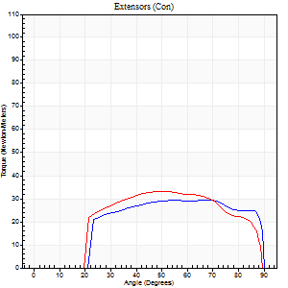
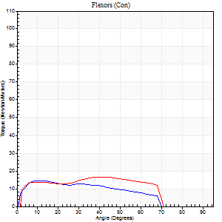
Right Side Curves Left Side Curves
Isokinetic Con/Con |  |  |  | Extensors (Con) |  | Flexors (Con)
Speed 240/240 d/s 3 Reps |  |  |  | Value | Cof Var | %BW | Value | Cof Var | %BW | Ratio

TORQUE PARAMETERS
Peak Torque (Newton-Meters - Best Repetition)
Right |  |  |  | 30 | 0.06 | 39 | 15 | 0.34 | 21 | 50
Left |  |  |  | 33 | 0 | 42 | 16 | 0.22 | 21 | 50
Deficit |  |  |  | 8 |  |  | 8
Work per Repetition (Newton-Meters - Best Repetition)
Right |  |  |  | 31 | 0.09 | 42 | 14 | 0.41 | 18 | 43
Left |  |  |  | 34 | 0.01 | 45 | 16 | 0.2 | 21 | 48
Deficit |  |  |  | 8 |  |  | 17
Average Power per Repetition (Watts - Best Repetition)
Right |  |  |  | 54 | 0.08 | 70 | 22 | 0.49 | 29 | 41
Left |  |  |  | 60 | 0.03 | 79 | 31 | 0.28 | 42 | 52
Deficit |  |  |  | 10 |  |  | 29
POSITION PARAMETERS
Joint Angle at Peak Torque (Degrees)
Right |  |  |  | 66 | 0.02 |  | 10 | 0.32
Left |  |  |  | 52 | 0.03 |  | 47 | 0.12
Range of Motion (Degrees)
Right |  |  |  | 1 | 0.9 |  | 90 | 0.01
Left |  |  |  | 0 | 0 |  | 89 | 0.01
TIME PARAMETERS
Time to Peak Torque (Seconds)
Right |  |  |  | 0.21 | 0.07 |  | 0.18 | 0.15
Left |  |  |  | 0.26 | 0 |  | 0.37 | 0.23
Time Peak Torque Held (Seconds)
Right |  |  |  | 0.04 | 0.87 |  | 0 | 1.73
Left |  |  |  | 0 | 0 |  | 0.01 | 0.87
Force Decay Time (Seconds)
Right |  |  |  | 0.31 | 0.1 |  | 0.45 | 0.15
Left |  |  |  | 0.28 | 0.07 |  | 0.22 | 0.21
Reciprocal Delay (Seconds)
Right |  |  |  | 0.09 | 0.08 |  | 0.14 | 0.59
Left |  |  |  | 0.09 | 0.22 |  | 0.08 | 0.43
Delay Time (Seconds)
Right |  |  |  | -0.04 | 0 |  | -0.04 | -0.35
Left |  |  |  | -0.03 | 0 |  | -0.04 | -0.16
HUMAC2015® Version: 15.000.0074 © Computer Sports Medicine, Inc. www.csmisolutions.com

Use File, Preference to set Report Heading
Isometric - Knee Extension/Flexion
Name: |  |  |  | TR030_FP3059, | ID: | TR030 | Right/Left: | 30.11.2022 30.11.2022

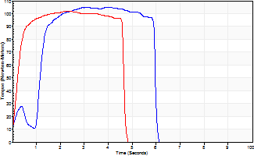
Isometric Extensors (Con) Angle 60 Time 10 Repetition 2 (Best Repetition)
 | Value | Cof Var | %BW
Peak Torque (Newton-Meters)
Right | 104 | 0.04 | 137
Left | 102 | 0.01 | 134
Deficit | 3
Average Torque (Newton-Meters)
Right | 50 | 0.05 | 66
Left | 43 | 0.14 | 57
Deficit | 14
Peak Torque Slope (Newton-Meters/Seconds)
Right | 48 | 0.25 | 63
Left | 61 | 0.24 | 81 |  | Right Side Curves Left Side Curves
Deficit | 22
Time to Half Peak Torque (Seconds)
Right | 0.66 | 1.05
Left | 0.2 | 0.1
Time to Peak Torque (Seconds)
Right | 2.59 | 0.29
Left | 1.98 | 0.26
HUMAC2015® Version: 15.000.0074 © Computer Sports Medicine, Inc. www.csmisolutions.com

