pre1
Use File, Preference to set Report Heading
Long Form Torque vs. Position Report - Knee Extension/Flexion
Name: |  |  |  | TR030_FP3060, | ID: | TR030 | Right/Left: | 07.09.2022 07.09.2022
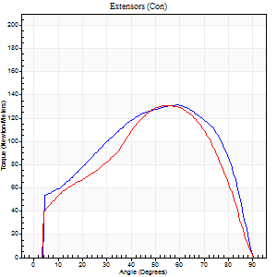
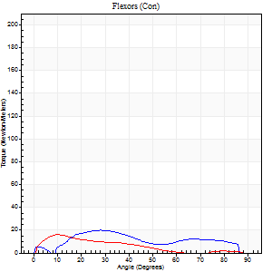
Right Side Curves Left Side Curves
Isokinetic Con/Con |  |  |  | Extensors (Con) |  | Flexors (Con)
Speed 60/60 d/s 3 Reps |  |  |  | Value | Cof Var | %BW | Value | Cof Var | %BW | Ratio

TORQUE PARAMETERS
Peak Torque (Newton-Meters - Best Repetition)
Right |  |  |  | 132 | 0.03 | 176 | 20 | 0.21 | 27 | 15
Left |  |  |  | 132 | 0.01 | 176 | 16 | 0.04 | 21 | 12
Deficit |  |  |  | 0 |  |  | 20
Work per Repetition (Newton-Meters - Best Repetition)
Right |  |  |  | 145 | 0.09 | 194 | 18 | 0.21 | 24 | 12
Left |  |  |  | 132 | 0.02 | 176 | 11 | 0.13 | 15 | 8
Deficit |  |  |  | 9 |  |  | 38
Average Power per Repetition (Watts - Best Repetition)
Right |  |  |  | 91 | 0.11 | 121 | 11 | 0.17 | 15 | 12
Left |  |  |  | 82 | 0.02 | 110 | 5 | 0.16 | 7 | 6
Deficit |  |  |  | 10 |  |  | 55
POSITION PARAMETERS
Joint Angle at Peak Torque (Degrees)
Right |  |  |  | 57 | 0.06 |  | 29 | 0.11
Left |  |  |  | 53 | 0.04 |  | 13 | 0.54
Range of Motion (Degrees)
Right |  |  |  | 0 | -7.07 |  | 90 | 0
Left |  |  |  | 0 | 0.47 |  | 90 | 0
TIME PARAMETERS
Time to Peak Torque (Seconds)
Right |  |  |  | 0.63 | 0.18 |  | 0.59 | 0.28
Left |  |  |  | 0.66 | 0.07 |  | 0.24 | 0.52
Time Peak Torque Held (Seconds)
Right |  |  |  | 0.08 | 0.12 |  | 0.02 | 0.25
Left |  |  |  | 0.06 | 0.17 |  | 0.03 | 0.22
Force Decay Time (Seconds)
Right |  |  |  | 0.93 | 0.06 |  | 1.01 | 0.05
Left |  |  |  | 0.86 | 0.04 |  | 2.26 | 0.2
Reciprocal Delay (Seconds)
Right |  |  |  | 0.64 | 1.1 |  | 0.38 | 0.32
Left |  |  |  | 0.8 | 0.23 |  | 0.19 | 0.14
Delay Time (Seconds)
Right |  |  |  | -0.02 | 0 |  | 0.02 | 1.32
Left |  |  |  | -0.02 | -0.28 |  | 0.01 | 1.73
HUMAC2015® Version: 15.000.0074 © Computer Sports Medicine, Inc. www.csmisolutions.com

Use File, Preference to set Report Heading
Long Form Torque vs. Position Report - Knee Extension/Flexion
Name: |  |  |  | TR030_FP3060, | ID: | TR030 | Right/Left: | 07.09.2022 07.09.2022
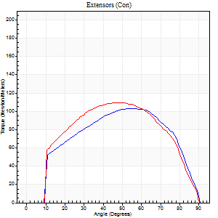
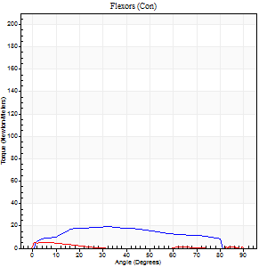
Right Side Curves Left Side Curves
Isokinetic Con/Con |  |  |  | Extensors (Con) |  | Flexors (Con)
Speed 120/120 d/s 3 Reps |  |  |  | Value | Cof Var | %BW | Value | Cof Var | %BW | Ratio

TORQUE PARAMETERS
Peak Torque (Newton-Meters - Best Repetition)
Right |  |  |  | 103 | 0.02 | 137 | 19 | 0.31 | 24 | 18
Left |  |  |  | 110 | 0.02 | 146 | 5 | 0.12 | 6 | 5
Deficit |  |  |  | 6 |  |  | 71
Work per Repetition (Newton-Meters - Best Repetition)
Right |  |  |  | 114 | 0.03 | 152 | 20 | 0.3 | 27 | 18
Left |  |  |  | 117 | 0.06 | 155 | 1 | 0.15 | 3 | 1
Deficit |  |  |  | 2 |  |  | 93
Average Power per Repetition (Watts - Best Repetition)
Right |  |  |  | 129 | 0.05 | 171 | 22 | 0.38 | 29 | 17
Left |  |  |  | 130 | 0.08 | 174 | 1 | 0.14 | 2 | 1
Deficit |  |  |  | 1 |  |  | 95
POSITION PARAMETERS
Joint Angle at Peak Torque (Degrees)
Right |  |  |  | 49 | 0.11 |  | 30 | 0.11
Left |  |  |  | 47 | 0.01 |  | 5 | 0.29
Range of Motion (Degrees)
Right |  |  |  | 0 | 1.41 |  | 90 | 0
Left |  |  |  | 0 | -1.41 |  | 90 | 0
TIME PARAMETERS
Time to Peak Torque (Seconds)
Right |  |  |  | 0.38 | 0.15 |  | 0.36 | 0.16
Left |  |  |  | 0.41 | 0.02 |  | 0.19 | 0.2
Time Peak Torque Held (Seconds)
Right |  |  |  | 0.03 | 0.35 |  | 0.01 | 1.73
Left |  |  |  | 0.02 | 0.65 |  | 0.03 | 1.25
Force Decay Time (Seconds)
Right |  |  |  | 0.46 | 0.09 |  | 0.53 | 0.14
Left |  |  |  | 0.45 | 0.05 |  | 2.19 | 0.29
Reciprocal Delay (Seconds)
Right |  |  |  | 0.41 | 0.33 |  | 0.31 | 0.48
Left |  |  |  | 0.75 | 0.03 |  | 0.38 | 0.26
Delay Time (Seconds)
Right |  |  |  | -0.02 | 0 |  | 0 | -9.64
Left |  |  |  | -0.01 | -0.47 |  | -0.04 | -0.31
HUMAC2015® Version: 15.000.0074 © Computer Sports Medicine, Inc. www.csmisolutions.com

Use File, Preference to set Report Heading
Long Form Torque vs. Position Report - Knee Extension/Flexion
Name: |  |  |  | TR030_FP3060, | ID: | TR030 | Right/Left: | 07.09.2022 07.09.2022
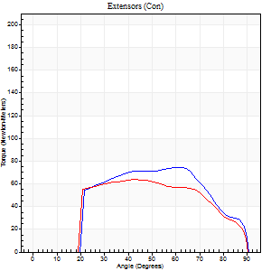
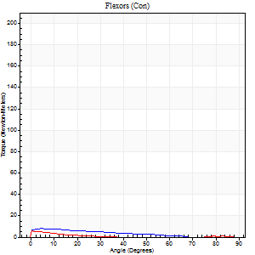
Right Side Curves Left Side Curves
Isokinetic Con/Con |  |  |  | Extensors (Con) |  | Flexors (Con)
Speed 240/240 d/s 3 Reps |  |  |  | Value | Cof Var | %BW | Value | Cof Var | %BW | Ratio

TORQUE PARAMETERS
Peak Torque (Newton-Meters - Best Repetition)
Right |  |  |  | 75 | 0.73 | 98 | 8 | 0.13 | 12 | 11
Left |  |  |  | 64 | 0.18 | 83 | 5 | 0.1 | 6 | 9
Deficit |  |  |  | 15 |  |  | 33
Work per Repetition (Newton-Meters - Best Repetition)
Right |  |  |  | 72 | 0.86 | 95 | 5 | 0.8 | 6 | 8
Left |  |  |  | 64 | 0.28 | 83 | 1 | 0.1 | 3 | 2
Deficit |  |  |  | 11 |  |  | 75
Average Power per Repetition (Watts - Best Repetition)
Right |  |  |  | 123 | 0.86 | 165 | 7 | 0.8 | 9 | 6
Left |  |  |  | 107 | 0.33 | 143 | 1 | 0.03 | 2 | 1
Deficit |  |  |  | 13 |  |  | 86
POSITION PARAMETERS
Joint Angle at Peak Torque (Degrees)
Right |  |  |  | 68 | 0.27 |  | 29 | 1.44
Left |  |  |  | 48 | 0.25 |  | 2 | 0.69
Range of Motion (Degrees)
Right |  |  |  | 39 | 1.42 |  | 90 | 0.01
Left |  |  |  | 0 | -0.47 |  | 90 | 0
TIME PARAMETERS
Time to Peak Torque (Seconds)
Right |  |  |  | 0.1 | 1.41 |  | 0.12 | 0.87
Left |  |  |  | 0.28 | 0.13 |  | 0.15 | 0.41
Time Peak Torque Held (Seconds)
Right |  |  |  | 0.01 | 0.43 |  | 0.01 | 1.15
Left |  |  |  | 0.01 | 1 |  | 0.02 | 1.73
Force Decay Time (Seconds)
Right |  |  |  | 0.33 | 0.09 |  | 0.54 | 0.2
Left |  |  |  | 0.31 | 0.18 |  | 1.59 | 0.04
Reciprocal Delay (Seconds)
Right |  |  |  | 0.37 | 1.11 |  | 0.33 | 0.62
Left |  |  |  | 0.76 | 0.15 |  | 0.42 | 0.06
Delay Time (Seconds)
Right |  |  |  | -0.04 | -0.35 |  | -0.05 | 0
Left |  |  |  | -0.05 | -0.16 |  | -0.07 | 0
HUMAC2015® Version: 15.000.0074 © Computer Sports Medicine, Inc. www.csmisolutions.com

Use File, Preference to set Report Heading
Isometric - Knee Extension/Flexion
Name: |  |  |  | TR030_FP3060, | ID: | TR030 | Right/Left: | 07.09.2022 07.09.2022

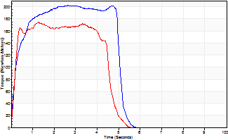
Isometric Extensors (Con) Angle 60 Time 10 Repetition 2 (Best Repetition)
 | Value | Cof Var | %BW
Peak Torque (Newton-Meters)
Right | 202 | 0.03 | 268
Left | 174 | 0.02 | 232
Deficit | 14
Average Torque (Newton-Meters)
Right | 113 | 0.13 | 149
Left | 73 | 0.08 | 98
Deficit | 35
Peak Torque Slope (Newton-Meters/Seconds)
Right | 76 | 0.04 | 102
Left | 134 | 0.42 | 178 |  | Right Side Curves Left Side Curves
Deficit | 43
Time to Half Peak Torque (Seconds)
Right | 0.19 | 0.18
Left | 0.15 | 0.28
Time to Peak Torque (Seconds)
Right | 2.67 | 0.02
Left | 1.81 | 0.41
HUMAC2015® Version: 15.000.0074 © Computer Sports Medicine, Inc. www.csmisolutions.com

mid1
Use File, Preference to set Report Heading
Long Form Torque vs. Position Report - Knee Extension/Flexion
Name: |  |  |  | TR030_FP3060, | ID: | TR030 | Right/Left: | 02.11.2022 02.11.2022
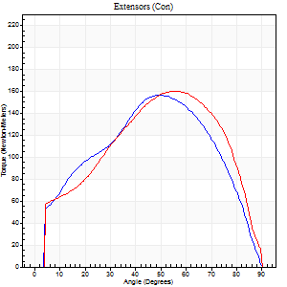
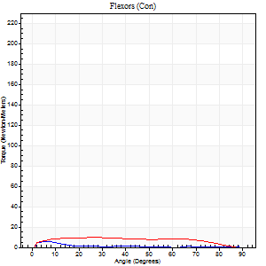
Right Side Curves Left Side Curves
Isokinetic Con/Con |  |  |  | Extensors (Con) |  | Flexors (Con)
Speed 60/60 d/s 3 Reps |  |  |  | Value | Cof Var | %BW | Value | Cof Var | %BW | Ratio

TORQUE PARAMETERS
Peak Torque (Newton-Meters - Best Repetition)
Right |  |  |  | 156 | 0.06 | 209 | 5 | 0.33 | 6 | 3
Left |  |  |  | 160 | 0.01 | 215 | 9 | 0.48 | 12 | 6
Deficit |  |  |  | 3 |  |  | 43
Work per Repetition (Newton-Meters - Best Repetition)
Right |  |  |  | 165 | 0.02 | 221 | 3 | 0.18 | 3 | 2
Left |  |  |  | 184 | 0.06 | 244 | 11 | 0.68 | 15 | 6
Deficit |  |  |  | 10 |  |  | 75
Average Power per Repetition (Watts - Best Repetition)
Right |  |  |  | 105 | 0.02 | 141 | 1 | 0.26 | 2 | 1
Left |  |  |  | 119 | 0.06 | 158 | 7 | 0.73 | 9 | 6
Deficit |  |  |  | 12 |  |  | 86
POSITION PARAMETERS
Joint Angle at Peak Torque (Degrees)
Right |  |  |  | 56 | 0.1 |  | 6 | 0.1
Left |  |  |  | 49 | 0.14 |  | 14 | 0.96
Range of Motion (Degrees)
Right |  |  |  | 0 | 0.28 |  | 90 | 0
Left |  |  |  | 0 | -1.41 |  | 90 | 0
TIME PARAMETERS
Time to Peak Torque (Seconds)
Right |  |  |  | 0.54 | 0.03 |  | 0.12 | 0.13
Left |  |  |  | 0.74 | 0.13 |  | 0.32 | 0.54
Time Peak Torque Held (Seconds)
Right |  |  |  | 0.05 | 0.35 |  | 0.01 | 1.73
Left |  |  |  | 0.09 | 0.55 |  | 0.04 | 1.73
Force Decay Time (Seconds)
Right |  |  |  | 0.92 | 0.09 |  | 1.86 | 0.14
Left |  |  |  | 0.77 | 0.13 |  | 1.32 | 0.19
Reciprocal Delay (Seconds)
Right |  |  |  | 0.22 | 0.32 |  | 0.22 | 0.16
Left |  |  |  | 0.15 | 0.34 |  | 0.44 | 0.57
Delay Time (Seconds)
Right |  |  |  | -0.01 | -0.47 |  | 0.05 | 0.39
Left |  |  |  | 0 | 0 |  | -0.04 | -1.77
HUMAC2015® Version: 15.000.0074 © Computer Sports Medicine, Inc. www.csmisolutions.com

Use File, Preference to set Report Heading
Long Form Torque vs. Position Report - Knee Extension/Flexion
Name: |  |  |  | TR030_FP3060, | ID: | TR030 | Right/Left: | 02.11.2022 02.11.2022
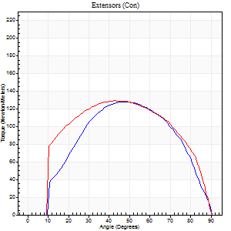
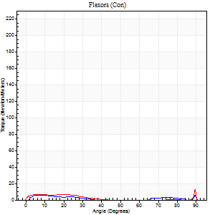
Right Side Curves Left Side Curves
Isokinetic Con/Con |  |  |  | Extensors (Con) |  | Flexors (Con)
Speed 120/120 d/s 3 Reps |  |  |  | Value | Cof Var | %BW | Value | Cof Var | %BW | Ratio

TORQUE PARAMETERS
Peak Torque (Newton-Meters - Best Repetition)
Right |  |  |  | 127 | 0.02 | 170 | 5 | 0.2 | 6 | 4
Left |  |  |  | 129 | 0.03 | 173 | 15 | 0.41 | 21 | 12
Deficit |  |  |  | 1 |  |  | 64
Work per Repetition (Newton-Meters - Best Repetition)
Right |  |  |  | 141 | 0.05 | 188 | 3 | 0.93 | 3 | 2
Left |  |  |  | 144 | 0.03 | 191 | 4 | 0.29 | 6 | 3
Deficit |  |  |  | 2 |  |  | 33
Average Power per Repetition (Watts - Best Repetition)
Right |  |  |  | 162 | 0.07 | 215 | 2 | 0.59 | 2 | 1
Left |  |  |  | 164 | 0.03 | 218 | 3 | 0.45 | 4 | 2
Deficit |  |  |  | 1 |  |  | 33
POSITION PARAMETERS
Joint Angle at Peak Torque (Degrees)
Right |  |  |  | 49 | 0 |  | 33 | 1.51
Left |  |  |  | 44 | 0.08 |  | 61 | 0.8
Range of Motion (Degrees)
Right |  |  |  | 0 | 0 |  | 90 | 0
Left |  |  |  | 0 | 0 |  | 90 | 0
TIME PARAMETERS
Time to Peak Torque (Seconds)
Right |  |  |  | 0.39 | 0.05 |  | 0.14 | 0.55
Left |  |  |  | 0.44 | 0 |  | 0.86 | 0.73
Time Peak Torque Held (Seconds)
Right |  |  |  | 0.04 | 0.35 |  | 0.01 | 1.73
Left |  |  |  | 0.02 | 0.25 |  | 0 | 1.73
Force Decay Time (Seconds)
Right |  |  |  | 0.43 | 0.04 |  | 0.93 | 0.91
Left |  |  |  | 0.42 | 0.11 |  | 0.5 | 1.96
Reciprocal Delay (Seconds)
Right |  |  |  | 0.21 | 0 |  | 0.32 | 0.78
Left |  |  |  | 0.17 | 0.13 |  | 0.35 | 0.25
Delay Time (Seconds)
Right |  |  |  | -0.02 | -0.85 |  | 0.36 | 1.97
Left |  |  |  | -0.01 | -0.47 |  | -0.06 | -0.57
HUMAC2015® Version: 15.000.0074 © Computer Sports Medicine, Inc. www.csmisolutions.com

Use File, Preference to set Report Heading
Long Form Torque vs. Position Report - Knee Extension/Flexion
Name: |  |  |  | TR030_FP3060, | ID: | TR030 | Right/Left: | 02.11.2022 02.11.2022
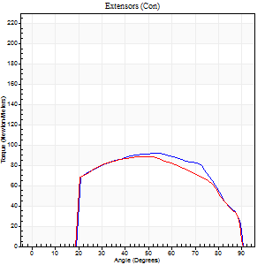
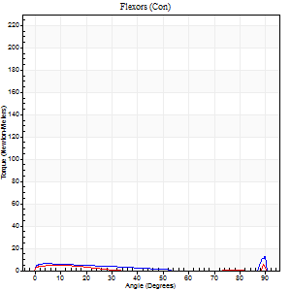
Right Side Curves Left Side Curves
Isokinetic Con/Con |  |  |  | Extensors (Con) |  | Flexors (Con)
Speed 240/240 d/s 3 Reps |  |  |  | Value | Cof Var | %BW | Value | Cof Var | %BW | Ratio

TORQUE PARAMETERS
Peak Torque (Newton-Meters - Best Repetition)
Right |  |  |  | 92 | 0.08 | 122 | 14 | 0.41 | 18 | 15
Left |  |  |  | 88 | 0.03 | 116 | 20 | 0.56 | 27 | 23
Deficit |  |  |  | 4 |  |  | 33
Work per Repetition (Newton-Meters - Best Repetition)
Right |  |  |  | 94 | 0.14 | 125 | 4 | 0.44 | 6 | 4
Left |  |  |  | 89 | 0.02 | 119 | 3 | 1 | 3 | 3
Deficit |  |  |  | 4 |  |  | 33
Average Power per Repetition (Watts - Best Repetition)
Right |  |  |  | 167 | 0.14 | 222 | 4 | 0.6 | 4 | 2
Left |  |  |  | 163 | 0.02 | 218 | 3 | 1 | 4 | 2
Deficit |  |  |  | 2 |  |  | 25
POSITION PARAMETERS
Joint Angle at Peak Torque (Degrees)
Right |  |  |  | 53 | 0.02 |  | 61 | 0.81
Left |  |  |  | 50 | 0.01 |  | 61 | 0.84
Range of Motion (Degrees)
Right |  |  |  | 0 | 2.12 |  | 90 | 0
Left |  |  |  | 0 | 0 |  | 90 | 0
TIME PARAMETERS
Time to Peak Torque (Seconds)
Right |  |  |  | 0.24 | 0 |  | 0.72 | 0.62
Left |  |  |  | 0.23 | 0 |  | 0.6 | 0.83
Time Peak Torque Held (Seconds)
Right |  |  |  | 0.02 | 0.49 |  | 0.01 | 1.15
Left |  |  |  | 0.03 | 0.22 |  | 0.03 | 1.42
Force Decay Time (Seconds)
Right |  |  |  | 0.29 | 0.05 |  | 0.35 | 1.83
Left |  |  |  | 0.28 | 0.02 |  | 0.34 | 2.5
Reciprocal Delay (Seconds)
Right |  |  |  | 0.19 | 0.18 |  | 0.29 | 0.63
Left |  |  |  | 0.25 | 0.34 |  | 0.38 | 0.38
Delay Time (Seconds)
Right |  |  |  | -0.03 | 0 |  | -0.04 | -1.35
Left |  |  |  | -0.01 | 0 |  | 0.23 | 2.37
HUMAC2015® Version: 15.000.0074 © Computer Sports Medicine, Inc. www.csmisolutions.com

Use File, Preference to set Report Heading
Isometric - Knee Extension/Flexion
Name: |  |  |  | TR030_FP3060, | ID: | TR030 | Right/Left: | 02.11.2022 02.11.2022

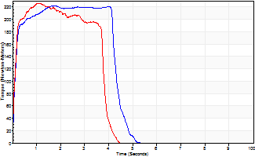
Isometric Extensors (Con) Angle 60 Time 10 Repetition 2 (Best Repetition)
 | Value | Cof Var | %BW
Peak Torque (Newton-Meters)
Right | 222 | 0.01 | 295
Left | 226 | 0.06 | 301
Deficit | 2
Average Torque (Newton-Meters)
Right | 104 | 0.09 | 140
Left | 79 | 0.06 | 104
Deficit | 25
Peak Torque Slope (Newton-Meters/Seconds)
Right | 127 | 0.54 | 169
Left | 205 | 0.26 | 274 |  | Right Side Curves Left Side Curves
Deficit | 38
Time to Half Peak Torque (Seconds)
Right | 0.11 | 0.13
Left | 0.11 | 0
Time to Peak Torque (Seconds)
Right | 2.8 | 0.54
Left | 1.28 | 0.21
HUMAC2015® Version: 15.000.0074 © Computer Sports Medicine, Inc. www.csmisolutions.com

mid2
Use File, Preference to set Report Heading
Long Form Torque vs. Position Report - Knee Extension/Flexion
Name: |  |  |  | TR030_FP3060, | ID: | TR030 | Right/Left: | 07.11.2022 07.11.2022
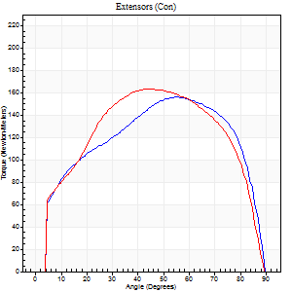
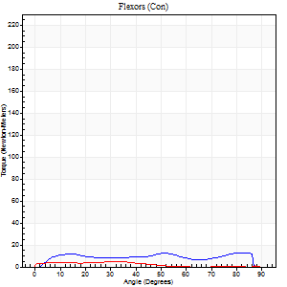
Right Side Curves Left Side Curves
Isokinetic Con/Con |  |  |  | Extensors (Con) |  | Flexors (Con)
Speed 60/60 d/s 3 Reps |  |  |  | Value | Cof Var | %BW | Value | Cof Var | %BW | Ratio

TORQUE PARAMETERS
Peak Torque (Newton-Meters - Best Repetition)
Right |  |  |  | 156 | 0 | 209 | 14 | 0.47 | 18 | 9
Left |  |  |  | 163 | 0.02 | 218 | 5 | 0.05 | 6 | 3
Deficit |  |  |  | 4 |  |  | 60
Work per Repetition (Newton-Meters - Best Repetition)
Right |  |  |  | 183 | 0.01 | 244 | 14 | 0.71 | 18 | 7
Left |  |  |  | 186 | 0.02 | 247 | 3 | 0.07 | 3 | 1
Deficit |  |  |  | 1 |  |  | 80
Average Power per Repetition (Watts - Best Repetition)
Right |  |  |  | 116 | 0.01 | 154 | 9 | 0.72 | 11 | 8
Left |  |  |  | 118 | 0.04 | 158 | 2 | 0.03 | 2 | 2
Deficit |  |  |  | 2 |  |  | 78
POSITION PARAMETERS
Joint Angle at Peak Torque (Degrees)
Right |  |  |  | 54 | 0.09 |  | 48 | 0.75
Left |  |  |  | 44 | 0.01 |  | 24 | 0.29
Range of Motion (Degrees)
Right |  |  |  | 0 | -0.47 |  | 90 | 0
Left |  |  |  | 0 | -1.41 |  | 90 | 0
TIME PARAMETERS
Time to Peak Torque (Seconds)
Right |  |  |  | 0.64 | 0.12 |  | 0.82 | 0.76
Left |  |  |  | 0.79 | 0.04 |  | 0.57 | 0.27
Time Peak Torque Held (Seconds)
Right |  |  |  | 0.07 | 0.09 |  | 0.02 | 0.99
Left |  |  |  | 0.07 | 0.31 |  | 0.02 | 0.87
Force Decay Time (Seconds)
Right |  |  |  | 0.88 | 0.1 |  | 0.7 | 0.9
Left |  |  |  | 0.72 | 0.03 |  | 1.53 | 0.07
Reciprocal Delay (Seconds)
Right |  |  |  | 0.23 | 0.28 |  | 0.24 | 0.34
Left |  |  |  | 0.48 | 0.04 |  | 0.41 | 0.23
Delay Time (Seconds)
Right |  |  |  | 0.01 | 0 |  | 0.07 | 0.35
Left |  |  |  | 0 | -4.24 |  | -0.07 | -0.62
HUMAC2015® Version: 15.000.0074 © Computer Sports Medicine, Inc. www.csmisolutions.com

Use File, Preference to set Report Heading
Long Form Torque vs. Position Report - Knee Extension/Flexion
Name: |  |  |  | TR030_FP3060, | ID: | TR030 | Right/Left: | 07.11.2022 07.11.2022
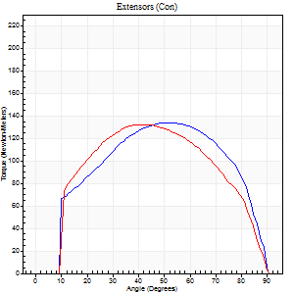
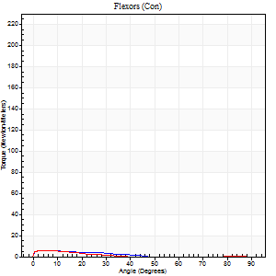
Right Side Curves Left Side Curves
Isokinetic Con/Con |  |  |  | Extensors (Con) |  | Flexors (Con)
Speed 120/120 d/s 3 Reps |  |  |  | Value | Cof Var | %BW | Value | Cof Var | %BW | Ratio

TORQUE PARAMETERS
Peak Torque (Newton-Meters - Best Repetition)
Right |  |  |  | 134 | 0.01 | 179 | 5 | 0.35 | 6 | 4
Left |  |  |  | 133 | 0.03 | 176 | 5 | 0.26 | 6 | 4
Deficit |  |  |  | 1 |  |  | 0
Work per Repetition (Newton-Meters - Best Repetition)
Right |  |  |  | 151 | 0.02 | 200 | 3 | 0.37 | 3 | 2
Left |  |  |  | 141 | 0.04 | 188 | 3 | 0.31 | 3 | 2
Deficit |  |  |  | 6 |  |  | 0
Average Power per Repetition (Watts - Best Repetition)
Right |  |  |  | 175 | 0.02 | 233 | 3 | 0.41 | 4 | 2
Left |  |  |  | 160 | 0.04 | 213 | 2 | 0.4 | 2 | 1
Deficit |  |  |  | 9 |  |  | 33
POSITION PARAMETERS
Joint Angle at Peak Torque (Degrees)
Right |  |  |  | 49 | 0.06 |  | 8 | 0.19
Left |  |  |  | 43 | 0.09 |  | 5 | 0.21
Range of Motion (Degrees)
Right |  |  |  | 0 | 1.41 |  | 90 | 0
Left |  |  |  | 0 | 1.41 |  | 90 | 0
TIME PARAMETERS
Time to Peak Torque (Seconds)
Right |  |  |  | 0.39 | 0.02 |  | 0.21 | 0.46
Left |  |  |  | 0.47 | 0.01 |  | 0.27 | 0.25
Time Peak Torque Held (Seconds)
Right |  |  |  | 0.05 | 0.12 |  | 0 | 0
Left |  |  |  | 0.03 | 0.33 |  | 0.02 | 1.73
Force Decay Time (Seconds)
Right |  |  |  | 0.43 | 0.05 |  | 1.02 | 0.12
Left |  |  |  | 0.4 | 0.09 |  | 1.32 | 0.11
Reciprocal Delay (Seconds)
Right |  |  |  | 0.3 | 0.19 |  | 0.24 | 0.56
Left |  |  |  | 0.35 | 0.28 |  | 0.42 | 0.29
Delay Time (Seconds)
Right |  |  |  | 0 | -1.41 |  | 0.03 | 2.21
Left |  |  |  | -0.02 | -0.71 |  | -0.08 | -0.12
HUMAC2015® Version: 15.000.0074 © Computer Sports Medicine, Inc. www.csmisolutions.com

Use File, Preference to set Report Heading
Long Form Torque vs. Position Report - Knee Extension/Flexion
Name: |  |  |  | TR030_FP3060, | ID: | TR030 | Right/Left: | 07.11.2022 07.11.2022
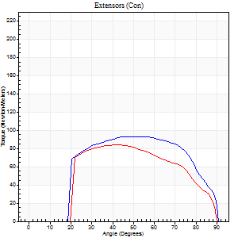
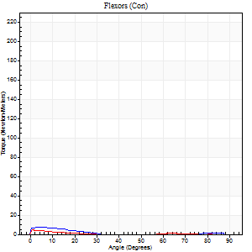
Right Side Curves Left Side Curves
Isokinetic Con/Con |  |  |  | Extensors (Con) |  | Flexors (Con)
Speed 240/240 d/s 3 Reps |  |  |  | Value | Cof Var | %BW | Value | Cof Var | %BW | Ratio

TORQUE PARAMETERS
Peak Torque (Newton-Meters - Best Repetition)
Right |  |  |  | 92 | 0.02 | 122 | 7 | 0.22 | 9 | 7
Left |  |  |  | 84 | 0.19 | 113 | 5 | 0.29 | 6 | 6
Deficit |  |  |  | 9 |  |  | 20
Work per Repetition (Newton-Meters - Best Repetition)
Right |  |  |  | 98 | 0.04 | 131 | 3 | 0.52 | 3 | 3
Left |  |  |  | 81 | 0.28 | 107 | 1 | 0.67 | 3 | 2
Deficit |  |  |  | 17 |  |  | 50
Average Power per Repetition (Watts - Best Repetition)
Right |  |  |  | 171 | 0.04 | 229 | 2 | 0.55 | 2 | 1
Left |  |  |  | 137 | 0.28 | 182 | 1 | 0.38 | 2 | 1
Deficit |  |  |  | 20 |  |  | 50
POSITION PARAMETERS
Joint Angle at Peak Torque (Degrees)
Right |  |  |  | 51 | 0.06 |  | 3 | 0.52
Left |  |  |  | 54 | 0.27 |  | 33 | 1.53
Range of Motion (Degrees)
Right |  |  |  | 0 | 0 |  | 90 | 0
Left |  |  |  | 0 | 0.28 |  | 90 | 0
TIME PARAMETERS
Time to Peak Torque (Seconds)
Right |  |  |  | 0.25 | 0.09 |  | 0.14 | 0.16
Left |  |  |  | 0.31 | 0.02 |  | 0.49 | 0.95
Time Peak Torque Held (Seconds)
Right |  |  |  | 0.03 | 0.58 |  | 0.02 | 0.92
Left |  |  |  | 0.01 | 0 |  | 0.06 | 1.45
Force Decay Time (Seconds)
Right |  |  |  | 0.29 | 0.04 |  | 1.49 | 0.07
Left |  |  |  | 0.32 | 0.23 |  | 1.16 | 1.05
Reciprocal Delay (Seconds)
Right |  |  |  | 0.38 | 0.02 |  | 0.43 | 0.01
Left |  |  |  | 0.51 | 0.04 |  | 0.32 | 0.42
Delay Time (Seconds)
Right |  |  |  | -0.03 | 0 |  | -0.06 | -0.1
Left |  |  |  | -0.05 | -0.39 |  | 0.47 | 2.13
HUMAC2015® Version: 15.000.0074 © Computer Sports Medicine, Inc. www.csmisolutions.com

Use File, Preference to set Report Heading
Isometric - Knee Extension/Flexion
Name: |  |  |  | TR030_FP3060, | ID: | TR030 | Right/Left: | 07.11.2022 07.11.2022

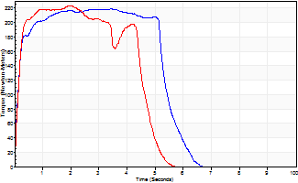
Isometric Extensors (Con) Angle 60 Time 10 Repetition 2 (Best Repetition)
 | Value | Cof Var | %BW
Peak Torque (Newton-Meters)
Right | 218 | 0.02 | 292
Left | 224 | 0.05 | 298
Deficit | 2
Average Torque (Newton-Meters)
Right | 114 | 0.01 | 152
Left | 94 | 0.04 | 125
Deficit | 18
Peak Torque Slope (Newton-Meters/Seconds)
Right | 64 | 0.08 | 85
Left | 143 | 0.19 | 191 |  | Right Side Curves Left Side Curves
Deficit | 56
Time to Half Peak Torque (Seconds)
Right | 0.17 | 0.28
Left | 0.15 | 0
Time to Peak Torque (Seconds)
Right | 3.57 | 0.05
Left | 1.73 | 0.24
HUMAC2015® Version: 15.000.0074 © Computer Sports Medicine, Inc. www.csmisolutions.com

post1
Use File, Preference to set Report Heading
Long Form Torque vs. Position Report - Knee Extension/Flexion
Name: |  |  |  | TR030_FP3060, | ID: | TR030 | Right/Left: | 28.11.2022 28.11.2022
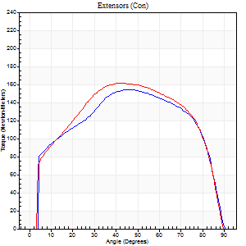
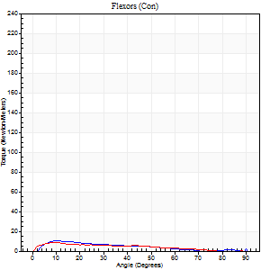
Right Side Curves Left Side Curves
Isokinetic Con/Con |  |  |  | Extensors (Con) |  | Flexors (Con)
Speed 60/60 d/s 3 Reps |  |  |  | Value | Cof Var | %BW | Value | Cof Var | %BW | Ratio

TORQUE PARAMETERS
Peak Torque (Newton-Meters - Best Repetition)
Right |  |  |  | 155 | 0.03 | 206 | 11 | 0.69 | 15 | 7
Left |  |  |  | 161 | 0.03 | 215 | 9 | 0.74 | 12 | 6
Deficit |  |  |  | 4 |  |  | 13
Work per Repetition (Newton-Meters - Best Repetition)
Right |  |  |  | 182 | 0.02 | 241 | 1 | 0.86 | 3 | 1
Left |  |  |  | 190 | 0.03 | 253 | 7 | 0.95 | 9 | 4
Deficit |  |  |  | 4 |  |  | 80
Average Power per Repetition (Watts - Best Repetition)
Right |  |  |  | 115 | 0.08 | 154 | 1 | 0.78 | 2 | 1
Left |  |  |  | 122 | 0.03 | 163 | 4 | 1.09 | 4 | 3
Deficit |  |  |  | 6 |  |  | 75
POSITION PARAMETERS
Joint Angle at Peak Torque (Degrees)
Right |  |  |  | 49 | 0.1 |  | 38 | 1.19
Left |  |  |  | 42 | 0.04 |  | 6 | 0.51
Range of Motion (Degrees)
Right |  |  |  | 0 | 4.24 |  | 90 | 0
Left |  |  |  | 0 | 0 |  | 90 | 0
TIME PARAMETERS
Time to Peak Torque (Seconds)
Right |  |  |  | 0.75 | 0.06 |  | 0.34 | 0.37
Left |  |  |  | 0.79 | 0.05 |  | 0.23 | 0.29
Time Peak Torque Held (Seconds)
Right |  |  |  | 0.08 | 0.46 |  | 0 | 0
Left |  |  |  | 0.06 | 0.09 |  | 0.02 | 1.32
Force Decay Time (Seconds)
Right |  |  |  | 0.77 | 0.05 |  | 1.03 | 1.1
Left |  |  |  | 0.67 | 0.05 |  | 1.83 | 0.16
Reciprocal Delay (Seconds)
Right |  |  |  | 0.47 | 0.16 |  | 0.21 | 0.35
Left |  |  |  | 0.28 | 0.13 |  | 0.3 | 0.3
Delay Time (Seconds)
Right |  |  |  | 0 | 0 |  | 0.59 | 1.5
Left |  |  |  | 0.02 | 0.28 |  | -0.04 | -0.93
HUMAC2015® Version: 15.000.0074 © Computer Sports Medicine, Inc. www.csmisolutions.com

Use File, Preference to set Report Heading
Long Form Torque vs. Position Report - Knee Extension/Flexion
Name: |  |  |  | TR030_FP3060, | ID: | TR030 | Right/Left: | 28.11.2022 28.11.2022
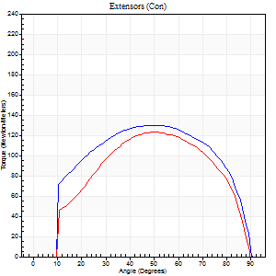
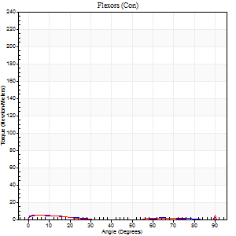
Right Side Curves Left Side Curves
Isokinetic Con/Con |  |  |  | Extensors (Con) |  | Flexors (Con)
Speed 120/120 d/s 3 Reps |  |  |  | Value | Cof Var | %BW | Value | Cof Var | %BW | Ratio

TORQUE PARAMETERS
Peak Torque (Newton-Meters - Best Repetition)
Right |  |  |  | 130 | 0.02 | 173 | 7 | 0.29 | 9 | 5
Left |  |  |  | 123 | 0.02 | 164 | 14 | 0.81 | 18 | 11
Deficit |  |  |  | 5 |  |  | 50
Work per Repetition (Newton-Meters - Best Repetition)
Right |  |  |  | 148 | 0.04 | 197 | 3 | 0.12 | 3 | 2
Left |  |  |  | 138 | 0.05 | 185 | 1 | 0.2 | 3 | 1
Deficit |  |  |  | 6 |  |  | 50
Average Power per Repetition (Watts - Best Repetition)
Right |  |  |  | 171 | 0.06 | 229 | 2 | 0.2 | 2 | 1
Left |  |  |  | 159 | 0.04 | 211 | 1 | 0.26 | 2 | 1
Deficit |  |  |  | 7 |  |  | 50
POSITION PARAMETERS
Joint Angle at Peak Torque (Degrees)
Right |  |  |  | 52 | 0.04 |  | 33 | 1.49
Left |  |  |  | 46 | 0.08 |  | 35 | 1.37
Range of Motion (Degrees)
Right |  |  |  | 0 | 0 |  | 90 | 0
Left |  |  |  | 0 | 0.71 |  | 90 | 0
TIME PARAMETERS
Time to Peak Torque (Seconds)
Right |  |  |  | 0.37 | 0.02 |  | 0.63 | 1.22
Left |  |  |  | 0.41 | 0.1 |  | 0.82 | 0.98
Time Peak Torque Held (Seconds)
Right |  |  |  | 0.05 | 0.45 |  | 0 | 1.73
Left |  |  |  | 0.03 | 0.46 |  | 0.02 | 1.73
Force Decay Time (Seconds)
Right |  |  |  | 0.46 | 0.09 |  | 0.84 | 1.04
Left |  |  |  | 0.43 | 0.08 |  | 0.87 | 0.99
Reciprocal Delay (Seconds)
Right |  |  |  | 0.31 | 0.07 |  | 0.49 | 0.66
Left |  |  |  | 0.3 | 0.14 |  | 0.36 | 0.4
Delay Time (Seconds)
Right |  |  |  | 0 | -1.41 |  | -0.03 | -1.2
Left |  |  |  | 0 | 0 |  | -0.07 | -0.39
HUMAC2015® Version: 15.000.0074 © Computer Sports Medicine, Inc. www.csmisolutions.com

Use File, Preference to set Report Heading
Long Form Torque vs. Position Report - Knee Extension/Flexion
Name: |  |  |  | TR030_FP3060, | ID: | TR030 | Right/Left: | 28.11.2022 28.11.2022
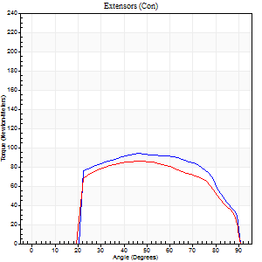
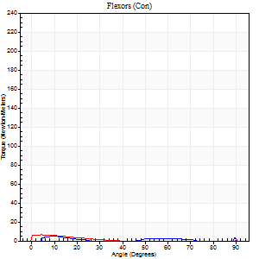
Right Side Curves Left Side Curves
Isokinetic Con/Con |  |  |  | Extensors (Con) |  | Flexors (Con)
Speed 240/240 d/s 3 Reps |  |  |  | Value | Cof Var | %BW | Value | Cof Var | %BW | Ratio

TORQUE PARAMETERS
Peak Torque (Newton-Meters - Best Repetition)
Right |  |  |  | 94 | 0.06 | 125 | 12 | 0.74 | 15 | 13
Left |  |  |  | 85 | 0.13 | 113 | 8 | 0.5 | 12 | 10
Deficit |  |  |  | 9 |  |  | 33
Work per Repetition (Newton-Meters - Best Repetition)
Right |  |  |  | 96 | 0.13 | 128 | 1 | 0.17 | 3 | 1
Left |  |  |  | 88 | 0.26 | 116 | 3 | 0.39 | 3 | 3
Deficit |  |  |  | 8 |  |  | 50
Average Power per Repetition (Watts - Best Repetition)
Right |  |  |  | 171 | 0.08 | 229 | 1 | 0.25 | 2 | 1
Left |  |  |  | 148 | 0.26 | 198 | 2 | 0.61 | 2 | 1
Deficit |  |  |  | 13 |  |  | 50
POSITION PARAMETERS
Joint Angle at Peak Torque (Degrees)
Right |  |  |  | 50 | 0.09 |  | 35 | 1.38
Left |  |  |  | 55 | 0.14 |  | 32 | 1.55
Range of Motion (Degrees)
Right |  |  |  | 0 | 4.24 |  | 90 | 0
Left |  |  |  | 0 | 0 |  | 90 | 0
TIME PARAMETERS
Time to Peak Torque (Seconds)
Right |  |  |  | 0.25 | 0.03 |  | 0.69 | 1.11
Left |  |  |  | 0.25 | 0.11 |  | 0.63 | 1.13
Time Peak Torque Held (Seconds)
Right |  |  |  | 0.01 | 0.87 |  | 0 | 0
Left |  |  |  | 0.02 | 0.69 |  | 0 | 0
Force Decay Time (Seconds)
Right |  |  |  | 0.28 | 0.04 |  | 0.84 | 1.03
Left |  |  |  | 0.32 | 0.14 |  | 0.91 | 1.1
Reciprocal Delay (Seconds)
Right |  |  |  | 0.29 | 0.26 |  | 0.25 | 0.94
Left |  |  |  | 0.38 | 0.31 |  | 0.54 | 0.26
Delay Time (Seconds)
Right |  |  |  | -0.02 | -0.28 |  | 0.04 | 3.19
Left |  |  |  | -0.04 | -0.2 |  | -0.08 | -0.33
HUMAC2015® Version: 15.000.0074 © Computer Sports Medicine, Inc. www.csmisolutions.com

Use File, Preference to set Report Heading
Isometric - Knee Extension/Flexion
Name: |  |  |  | TR030_FP3060, | ID: | TR030 | Right/Left: | 28.11.2022 28.11.2022

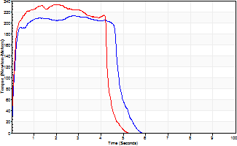
Isometric Extensors (Con) Angle 60 Time 10 Repetition 2 (Best Repetition)
 | Value | Cof Var | %BW
Peak Torque (Newton-Meters)
Right | 213 | 0.01 | 283
Left | 233 | 0 | 310
Deficit | 9
Average Torque (Newton-Meters)
Right | 99 | 0.01 | 131
Left | 94 | 0.08 | 125
Deficit | 5
Peak Torque Slope (Newton-Meters/Seconds)
Right | 119 | 0.32 | 159
Left | 207 | 0.4 | 276 |  | Right Side Curves Left Side Curves
Deficit | 42
Time to Half Peak Torque (Seconds)
Right | 0.12 | 0
Left | 0.12 | 0.12
Time to Peak Torque (Seconds)
Right | 2.28 | 0.33
Left | 1.56 | 0.4
HUMAC2015® Version: 15.000.0074 © Computer Sports Medicine, Inc. www.csmisolutions.com

post2
Use File, Preference to set Report Heading
Long Form Torque vs. Position Report - Knee Extension/Flexion
Name: |  |  |  | TR030_FP3060, | ID: | TR030 | Right/Left: | 30.11.2022 30.11.2022
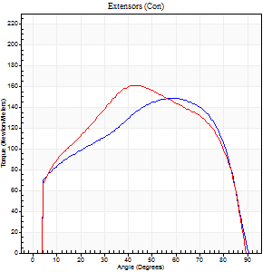
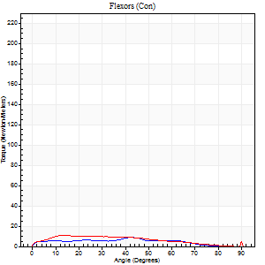
Right Side Curves Left Side Curves
Isokinetic Con/Con |  |  |  | Extensors (Con) |  | Flexors (Con)
Speed 60/60 d/s 3 Reps |  |  |  | Value | Cof Var | %BW | Value | Cof Var | %BW | Ratio

TORQUE PARAMETERS
Peak Torque (Newton-Meters - Best Repetition)
Right |  |  |  | 149 | 0.02 | 200 | 9 | 0.63 | 12 | 6
Left |  |  |  | 161 | 0.03 | 215 | 19 | 0.32 | 24 | 12
Deficit |  |  |  | 8 |  |  | 50
Work per Repetition (Newton-Meters - Best Repetition)
Right |  |  |  | 175 | 0.02 | 232 | 7 | 0.83 | 9 | 4
Left |  |  |  | 183 | 0.03 | 244 | 11 | 0.1 | 15 | 6
Deficit |  |  |  | 4 |  |  | 38
Average Power per Repetition (Watts - Best Repetition)
Right |  |  |  | 111 | 0.02 | 147 | 4 | 0.93 | 4 | 4
Left |  |  |  | 118 | 0.03 | 158 | 6 | 0.03 | 9 | 5
Deficit |  |  |  | 6 |  |  | 33
POSITION PARAMETERS
Joint Angle at Peak Torque (Degrees)
Right |  |  |  | 56 | 0.1 |  | 23 | 0.85
Left |  |  |  | 46 | 0.1 |  | 72 | 0.44
Range of Motion (Degrees)
Right |  |  |  | 0 | 0 |  | 90 | 0
Left |  |  |  | 0 | 0.2 |  | 90 | 0
TIME PARAMETERS
Time to Peak Torque (Seconds)
Right |  |  |  | 0.62 | 0.2 |  | 0.52 | 0.65
Left |  |  |  | 0.78 | 0.02 |  | 1.47 | 0.49
Time Peak Torque Held (Seconds)
Right |  |  |  | 0.09 | 0.41 |  | 0 | 1.73
Left |  |  |  | 0.06 | 0.64 |  | 0 | 0
Force Decay Time (Seconds)
Right |  |  |  | 0.89 | 0.07 |  | 1.48 | 0.38
Left |  |  |  | 0.73 | 0.05 |  | 0.22 | 2.59
Reciprocal Delay (Seconds)
Right |  |  |  | 0.5 | 0.03 |  | 0.3 | 0.63
Left |  |  |  | 0.22 | 0.03 |  | 0.2 | 0.1
Delay Time (Seconds)
Right |  |  |  | 0 | -1.41 |  | 0.11 | 1.32
Left |  |  |  | 0.02 | 0 |  | -0.02 | -0.69
HUMAC2015® Version: 15.000.0074 © Computer Sports Medicine, Inc. www.csmisolutions.com

Use File, Preference to set Report Heading
Long Form Torque vs. Position Report - Knee Extension/Flexion
Name: |  |  |  | TR030_FP3060, | ID: | TR030 | Right/Left: | 30.11.2022 30.11.2022
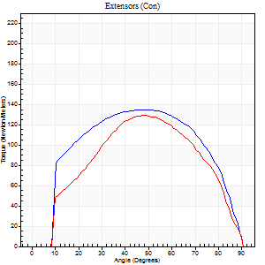
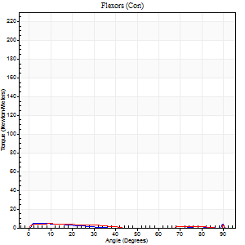
Right Side Curves Left Side Curves
Isokinetic Con/Con |  |  |  | Extensors (Con) |  | Flexors (Con)
Speed 120/120 d/s 3 Reps |  |  |  | Value | Cof Var | %BW | Value | Cof Var | %BW | Ratio

TORQUE PARAMETERS
Peak Torque (Newton-Meters - Best Repetition)
Right |  |  |  | 134 | 0.04 | 179 | 5 | 0.15 | 6 | 4
Left |  |  |  | 129 | 0.07 | 173 | 14 | 0.33 | 18 | 11
Deficit |  |  |  | 4 |  |  | 60
Work per Repetition (Newton-Meters - Best Repetition)
Right |  |  |  | 153 | 0.12 | 203 | 1 | 0.83 | 3 | 1
Left |  |  |  | 141 | 0.05 | 188 | 3 | 0.33 | 3 | 2
Deficit |  |  |  | 8 |  |  | 50
Average Power per Repetition (Watts - Best Repetition)
Right |  |  |  | 171 | 0.11 | 229 | 1 | 0.38 | 2 | 1
Left |  |  |  | 157 | 0.06 | 209 | 2 | 0.23 | 2 | 1
Deficit |  |  |  | 8 |  |  | 50
POSITION PARAMETERS
Joint Angle at Peak Torque (Degrees)
Right |  |  |  | 52 | 0.04 |  | 33 | 1.5
Left |  |  |  | 43 | 0.1 |  | 61 | 0.82
Range of Motion (Degrees)
Right |  |  |  | 1 | 1.26 |  | 90 | 0
Left |  |  |  | 0 | 0.16 |  | 90 | 0
TIME PARAMETERS
Time to Peak Torque (Seconds)
Right |  |  |  | 0.38 | 0.06 |  | 0.16 | 0.31
Left |  |  |  | 0.45 | 0.03 |  | 1.2 | 0.82
Time Peak Torque Held (Seconds)
Right |  |  |  | 0.03 | 0.67 |  | 0.01 | 1.15
Left |  |  |  | 0.03 | 0.43 |  | 0.01 | 1.73
Force Decay Time (Seconds)
Right |  |  |  | 0.44 | 0.07 |  | 0.85 | 0.98
Left |  |  |  | 0.42 | 0.12 |  | 0.24 | 3.11
Reciprocal Delay (Seconds)
Right |  |  |  | 0.36 | 0.08 |  | 0.23 | 0.02
Left |  |  |  | 0.32 | 0.2 |  | 0.2 | 0.51
Delay Time (Seconds)
Right |  |  |  | -0.02 | -0.28 |  | 0.35 | 1.78
Left |  |  |  | 0 | -1.41 |  | -0.04 | -1.1
HUMAC2015® Version: 15.000.0074 © Computer Sports Medicine, Inc. www.csmisolutions.com

Use File, Preference to set Report Heading
Long Form Torque vs. Position Report - Knee Extension/Flexion
Name: |  |  |  | TR030_FP3060, | ID: | TR030 | Right/Left: | 30.11.2022 30.11.2022
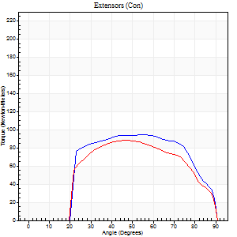
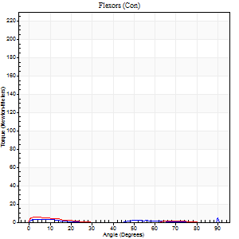
Right Side Curves Left Side Curves
Isokinetic Con/Con |  |  |  | Extensors (Con) |  | Flexors (Con)
Speed 240/240 d/s 3 Reps |  |  |  | Value | Cof Var | %BW | Value | Cof Var | %BW | Ratio

TORQUE PARAMETERS
Peak Torque (Newton-Meters - Best Repetition)
Right |  |  |  | 94 | 0.09 | 125 | 12 | 0.59 | 15 | 13
Left |  |  |  | 88 | 0.05 | 116 | 5 | 0.1 | 6 | 6
Deficit |  |  |  | 6 |  |  | 56
Work per Repetition (Newton-Meters - Best Repetition)
Right |  |  |  | 98 | 0.14 | 131 | 3 | 0.26 | 3 | 3
Left |  |  |  | 85 | 0.03 | 113 | 1 | 0.11 | 3 | 2
Deficit |  |  |  | 13 |  |  | 50
Average Power per Repetition (Watts - Best Repetition)
Right |  |  |  | 174 | 0.39 | 231 | 1 | 0.3 | 2 | 1
Left |  |  |  | 151 | 0.01 | 202 | 1 | 0.2 | 2 | 1
Deficit |  |  |  | 13 |  |  | 0
POSITION PARAMETERS
Joint Angle at Peak Torque (Degrees)
Right |  |  |  | 53 | 0.03 |  | 31 | 1.65
Left |  |  |  | 45 | 0.05 |  | 4 | 0.38
Range of Motion (Degrees)
Right |  |  |  | 0 | 0.47 |  | 90 | 0
Left |  |  |  | 0 | 1.41 |  | 90 | 0
TIME PARAMETERS
Time to Peak Torque (Seconds)
Right |  |  |  | 0.24 | 0.06 |  | 0.78 | 1.36
Left |  |  |  | 0.28 | 0.03 |  | 0.29 | 0.52
Time Peak Torque Held (Seconds)
Right |  |  |  | 0.02 | 0.65 |  | 0.01 | 1
Left |  |  |  | 0.02 | 0.65 |  | 0 | 0
Force Decay Time (Seconds)
Right |  |  |  | 0.42 | 0.55 |  | 0.92 | 1.01
Left |  |  |  | 0.26 | 0.08 |  | 1.37 | 0.13
Reciprocal Delay (Seconds)
Right |  |  |  | 0.27 | 0.1 |  | 0.17 | 0.41
Left |  |  |  | 0.39 | 0.3 |  | 0.28 | 0.46
Delay Time (Seconds)
Right |  |  |  | -0.03 | 0 |  | -0.02 | -3.46
Left |  |  |  | -0.02 | 0 |  | -0.08 | -0.35
HUMAC2015® Version: 15.000.0074 © Computer Sports Medicine, Inc. www.csmisolutions.com

Use File, Preference to set Report Heading
Isometric - Knee Extension/Flexion
Name: |  |  |  | TR030_FP3060, | ID: | TR030 | Right/Left: | 30.11.2022 30.11.2022

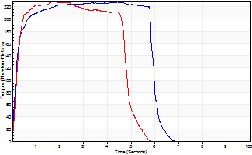
Isometric Extensors (Con) Angle 60 Time 10 Repetition 2 (Best Repetition)
 | Value | Cof Var | %BW
Peak Torque (Newton-Meters)
Right | 228 | 0.02 | 304
Left | 228 | 0 | 304
Deficit | 0
Average Torque (Newton-Meters)
Right | 129 | 0.15 | 173
Left | 102 | 0.05 | 134
Deficit | 21
Peak Torque Slope (Newton-Meters/Seconds)
Right | 108 | 0.5 | 144
Left | 143 | 0.06 | 191 |  | Right Side Curves Left Side Curves
Deficit | 24
Time to Half Peak Torque (Seconds)
Right | 0.16 | 0.14
Left | 0.22 | 0.1
Time to Peak Torque (Seconds)
Right | 3.22 | 0.52
Left | 1.65 | 0.06
HUMAC2015® Version: 15.000.0074 © Computer Sports Medicine, Inc. www.csmisolutions.com

